Fig.2D
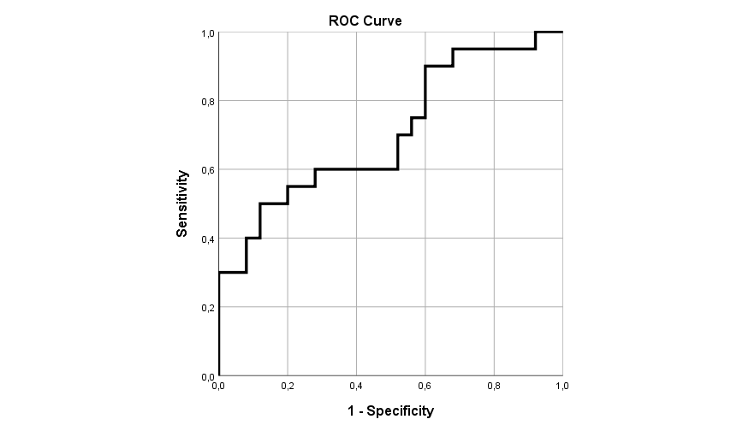
Training Set: CD4+ TEM (%)
No hepatitis | Hepatitis
n=25 | n=20
19.89 | 11.02
12.06 | 14.43
14.49 | 17.36
5.77 | 15.22
5.36 | 7.6
5.71 | 11.28
7.58 | 28.75
6.15 | 46.72
4.45 | 6.47
5.67 | 14.77
14.67 | 13.61
13.81 | 5.1
7.54 | 25.35
15.36 | 8.17 | Area Under the Curve
18.36 | 33.32
6.3 | 8.05 | Area | Standard Error a | Asymptotic Sig. b | Asymptotic 95% CI
10.31 | 38.93 |  |  |  | Lower Bound | Upper Bound
8.71 | 16.19 | 0.706 | 0.079 | 0.019 | 0.55 | 0.862
11.66 | 10.26
11.79 | 24.92 | a Under the nonparametric assumption
1.09 |  | b Null hypothesis: true area = 0.5
12.74
11.36
14.32
11.84

