Shared prots he & pl Spectral
Heart
Plasma
Supplementary Data 12: Accession Numbers for the 78 Common Persulfidated Proteins in Heart and Plasma (Spectral Counting)
P01750
P01844
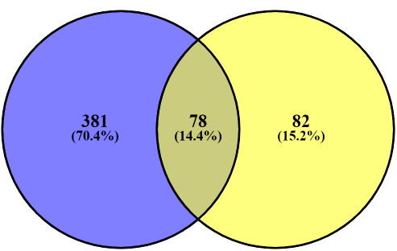
P13020 (+1)
P20918
Q9QXC1
P06909
P32261
P28665
P21614
Q9R098
Total Individual Persulfidated Proteins Identified under AL & DR: 541
Q06890
P41317
P11680
P04186
Q8K182
Q01339
Q61646
P01027
P29788
P29699
P02088
P01843
P23953
P70274
P01872
P01635
Q61838
Q9ESB3
P01942
P39039
O70165
P22599
Q61129
P06330
Q00897
P01029
Q8VCG4
P01592
O08677
Q91X72
P00920
Q9DBD0
P07759
Q921I1
Q61171
P01878
P07309
P04945
P01631
Q00898
Q8K0E8
Q8VCM7
P01837
P46412
Q9QWK4
P17751
P21550
P01639
Q8BH35
P01868 (+1)
P07724
P01644 (+1)
P35700
P07310
P07356
Q9CPY7
P62897
P01642
Q60994
Q02566
P05064
Q01279
E9PV24
O35490
E9Q557
P01864
O70570
Q91Y97

Shared prots he & pl Intensity
Supplementary Data 12: Accession Numbers for the 97 Common Persulfidated Proteins in Heart and Plasma (Intensity)
P70274
P03987
Heart
Plasma
P01864
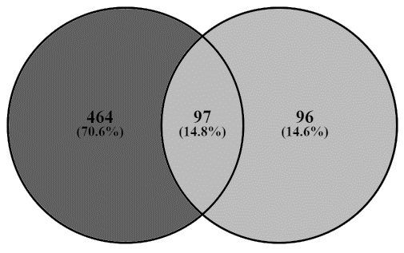
Q9R098
Q9QXC1
P18528
P01592
P11680
P29788
P21614
Total Individual Persulfidated Proteins Identified under AL & DR: 753
E9PV24
P01867
P56480
Q61129
P01631
P01027
P13020
Q9QWK4
P46412
P01630
P29699
P01843
Q921I1
P01643
Q01279
Q61730
P01872
P19221
Q8BND5
O35490
P01642
P01660
P32261
Q9ESB3
Q60994
P01679;P01678;P01677;P01676;P01675
Q61646
P06330
P23953
P20918
P07724
P22599
P01942
A6X935
P01750
O89020
P01837
P05064
Q91X72
P01804
O70165
Q8K182
P04944;P04941;P04940;P04943
Q9CPY7
P06728
Q01339
P06909
Q8K0E8
P07310
Q8VCG4
O08807
Q8VCM7
P02088;P02089
P01878
Q8BH35
P07356
P39039
Q00623
Q8BFZ3
P01636
Q00898
Q61838
P01820;P01819
P04945
O08677
P35700
P17751
P01868;P01869
Q9DBD0
P07309
P03977
P01638;P01637
P13634
P41317
P01639
E9Q557
Q61171
P00920
P01635
P01029
P18531
Q00897
P01645;P01644;P01646;P01647
P01749
P04186
Q06890
Q02566;Q91Z83

