shared prot all tissues Spectr
L, K, M, & B
H & P
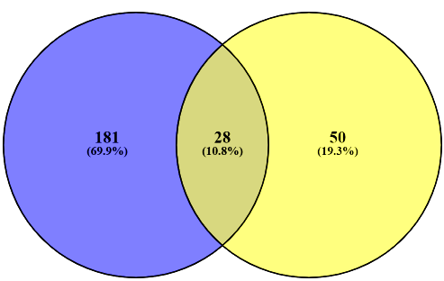
Supplementary Data 15: Accession Numbers for the 28 Common Persulfidated Proteins in all 6 tested WT Tissues (Spectral Counting)
P01942
P23953
E9Q557
P02088
Q61838
P29699
Q9QWK4
P01592
Q61171
Shared Persulfidated Proteins In all Tissues
L,K,M, & B (209) vs. H & S (78): 28
P07724
P35700
P00920
P07356
P05064
Q921I1
P62897
Q8K0E8
P01837
P01872
P21614
Q8VCG4
E9PV24
P01027
P17751
Q91X72
P07759
Q8VCM7
P06330

shred prot all tissues Intensit
Supplementary Data 15: Accession Numbers for the 32 Common Persulfidated Proteins in all 6 tested WT Tissues (Intensity)
P01027
Q8K0E8
L, K, M, & B
H & P
Q00898
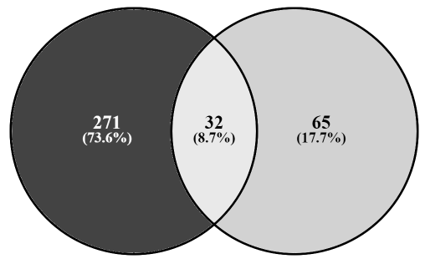
P22599
P01942
E9PV24
P01837
Q9CPY7
P07724
Q91X72
Shared Persulfidated Proteins In all Tissues
L,K,M, & B (303) vs. H & S (97): 32
P56480
P01872
P02088;P02089
P29699
P17751
Q9QWK4
Q61838
P01592
Q8VCG4
E9Q557
P00920
Q921I1
P01867
Q8VCM7
O08677
P35700
P05064
Q61171
P01631
P07356
P07309
O08807

