Liver Spectral Counting
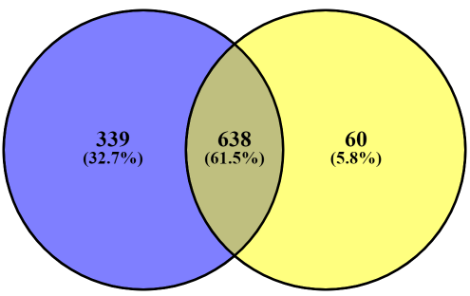
Total Individual Persulfidated Proteins Identified under AL & DR: 1037
WT Liver
CGL KO Liver
Supplementary Data 22: Accession Numbers for the 339 unique Persulfidated Protein in WT Liver (Spectral Counting)
Q922B1
P70697
O08756
P48678
Q8CCS6 (+1)
Q8VCW8
P49935
Q91YW3
Q9Z2Y8
P45878
P23953
Q9DCJ5
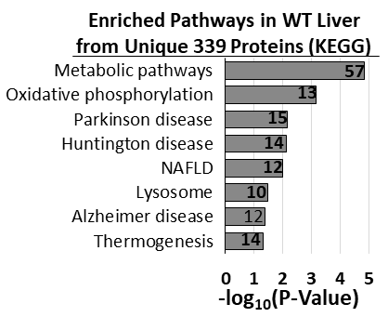
P70372
P41216
P14869
Q8R4N0
Q8R2U0 (+1)
P67778
Q5XG73
Q9D868-2
P97461
P56391
Q06890
P09542
Q9D0M3
Q9DBH5
P18572-2
Q9CQ60
Q02566
Q9CQC9
Q9CXW4
Q8K1Z0
Q9QY76
P48036
Q9DCM2
A6X935 (+1)
Q8BG81
Q8R570
Q9D1L0
P52825
Q8R146-2
Q6XVG2
P09055
P03987
Q91YP3
Q99MZ7
Q570Y9
P53026
Q8BGA8
Q8BI72
Q4KML4
Q9JLQ0
P28661 (+1)
Q9D404
P97865
Q8C6G8
Q08857
P50518
O88792
Q99LB2
Q9CR98
P62908
Q8BW75
O09164
P60521
Q91X52
P32067
Q9D142
P05213
Q64105
P50172
O88451
Q9JJH1
P47955
Q9JHI5
Q9CR61
Q6NZJ6
P58710
Q9CPP6
P01750
Q9JIX8-4
P16331
Q9Z204-4
Q9Z224
Q9D7I5 (+1)
Q99KJ8
O55013
Q8CIM7
C0HKG5
O08547
Q9EPB4
Q99PG0
Q923B0
P41317
Q3UEG6
Q9CYW4
P62317
Q02257
P34927
Q9CPV4
P28474
Q63886
Q9D1D4
P19783
Q8K3J1
P56389
Q9DCT2
Q99JY0
Q9WV55
P17717
P48428
Q8VCX1
Q64471
Q9D1J3
P47877
Q9CQE8
Q8CHH9 (+1)
Q99K28
P20152
P28352
Q9JM62 (+1)
Q9DBG5
Q80UG5-3
P01867 (+1)
P01630
Q9Z2I8
Q60739
Q9WUM5
P97315
Q9DAR7
Q8K0C9
P50462
O55125
Q9DCB8
P19536
E9Q557
Q9CRB9
Q9D273
P62254
Q8K2I4
Q8BFY6
P16675
P01638
Q6ZQI3
P50429
Q9CWW6
Q921I9
Q9Z2M7
P46638
Q9CZ42-2
Q9D753
Q9D0E1
Q8VBV3
Q91VM3-2
P52196
Q9DB20
O09159
P48758
O88587-2
Q9WVJ3 (+1)
Q9D1I5
P67984
P97807 (+1)
P49443
Q9D358
O70305-2
Q99J08
Q60854
Q7TSF1
Q99KN9-2
P83917
Q61147
P61924
P97823 (+1)
Q3TC72
O89017
Q80Y81 (+1)
Q920E5
Q9JKB1
P97372
Q60932-2
Q9DBE0
P61961
Q8K1R3
P26041
Q922Q1
P0CG50
P23881
P28798
Q8VBV7
Q9CPX6
P04939
Q61249
P23198
P17225
Q9CQJ6
Q9JLT4-2
P58044
Q8VCU1
Q811D0-2
Q9DCS9
P49312
Q9JK81
Q9D1H8
P68134
Q9DCH6
P63260
P68254-2
Q8R081
Q7TPR4
P34884
Q9QZ23
P01783
Q9QUI0
Q9CPT4
P40936
P29788
Q9JLF6
Q60597
Q9CXW2
Q8VCN5
O08573 (+2)
Q9DCV4
Q9WTP6
P07356
P51880
Q9JII5-2
P70318
Q9CQ75
O89079
P99024
P60766
P11589
Q62188
Q9Z130
Q62418
Q9R0H0
Q91WT9
Q8R050 (+1)
Q9QUR7
Q9Z1P6
Q9CY16
P01868 (+1)
P55264
P62858
Q9CQU0
Q6PAM1
P18242
P11499
Q64674
Q8R2U6
P99029-2
O88543
Q91W59
Q99LB6 (+1)
Q9CPY7-2
O88456
Q9DAA6
P54726
Q99MB1
Q00897
Q63880 (+1)
Q91XE4
P07758 (+1)
Q99J77
Q9JLC3
Q3UTJ2-2
O09174
Q9WV32
Q9QYG0
O35226-2
P17047
Q9D2M8
Q8C166
P16546
Q64213 (+2)
Q9Z1Z2
Q91WU5
Q9JHI7
Q9D0T1
Q8C1B7 (+2)
Q62523
P21981
Q9CQ40
Q99P30 (+1)
Q91WG0
P59235
Q9JKX6
P01665 (+1)
Q8BJU0
Q9Z172
Q91V64
Q6NVF9
P24527
Q07456
P70362
P01796 (+3)
P11438
A2AKK5
Q9D1M0
Q9CT10
P16110
P01654
P56387
P22599
Q9JK23
Q8WTY4
O08915
Q9QYI3
P53808
Q9DCC4
Q9D7X3
P01642
Q923G2
Q04447
P51125 (+1)
Q7TQD2
Q8BWG8
P19973-2
Q8R0H9
P60670 (+1)
Q99JZ7
O08800
Q9QZB7
P97379 (+1)
P11862
Q9JKS5
Q9JHU9
P01644 (+1)
Q9CQ48
Q01279
Q9CX34
Q9Z1J3
Q99MD6
Q00898
Q9CYS6 (+1)
P48722
O88986
Q99M51

Liver Intensity
Supplementary Table 22: Accession Numbers for the 446 unique Persulfidated Protein in WT Liver (Intensity)
P50544
Q9D113
Total Individual Persulfidated Proteins Identified under AL & DR: 1,265
WT Liver
CGL KO Liver
P70697
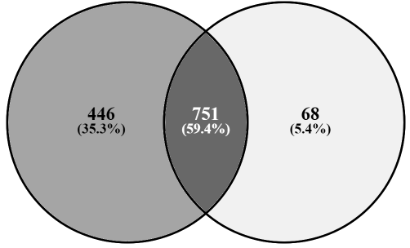
Q9QXC1
Q9DC50
P48437
O09164
Q8VCW8
E9Q394
Q8R0H9
Q8BIQ5;Q8C7E9
Q91X52
Q9Z0N1;Q9Z0N2
Q91X77;Q6XVG2;P56654
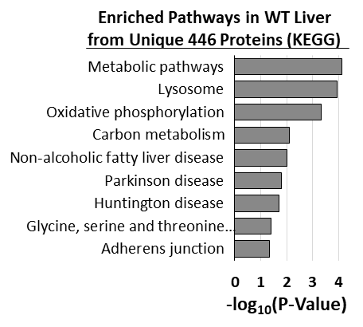
Q922B1
O35286
O89017
Q91ZV0
P49443
Q8BKZ9
P23953
P52825
P56391
Q62523
Q9D142
P49935
P52840
Q8C5Q4
Q08093
Q91YW3
P19221
Q00898
Q9CQZ5
Q9Z2Y8
Q9CX86
Q60854
P00405
Q6ZQI3
Q01279
Q9D1D4
Q9QYX7
Q9CQ75
Q6P069
Q9JKF7
Q8BHN1
Q64471
P62320
Q91W59;Q8BWL5
O88451
Q4KML4
P01754;P06328;P01753
P04939
Q91VM5;Q9WV02
P56389
P17717
P48036
P0DP28;P0DP27;P0DP26
P08226
P18531
O35459
Q9D8Y0;Q9D4J1
Q570Y9
Q9WUM5
P01654;P01655;P03977;P01656
P83917
Q9D0R8
P50429
Q91W69
O35658
P29788
P01750
P50172
Q9EQU5
P67778
P47879
O88792
P34927
Q9Z0H4
O89086
Q8CIM7
Q62420
Q9QZ88
Q8R0F9
Q8R3Q6
P62245
P50518
Q9CW42
Q99J99
P24456;P24457;P11714
Q8VBV3
Q9JJH1
Q9DCM2
Q8BU85
P03987
P28843
O35737
Q5SX40
P32067
Q91WS0
O09159
Q9CYR0
Q923B0
P60843;P10630
Q8K2Q9
P01864
Q9DCC4
Q9WVJ3
Q9CWZ3
Q60972;Q60973
P35278
P01660
Q9CYA0
P62301
Q9CQ60
Q9D2U9;Q8CGP2;Q8CGP1;Q8CGP0;Q6ZWY9;Q64525;Q64524;Q64478;Q64475;P10854;P10853;P70696
P19783
P50462
Q80W22
Q9CQE8
O08756
Q9JHU9
P51881
Q9CR98
Q9QZB7
Q99JI6;P62835
P47915
Q9CQC9
Q8CHT0
P70451
Q9JLF6
Q61598
Q61009
Q9CZU6
Q9D7G0
Q80TA9
O88986
Q9D404
P10605
Q9D6R2
O70370
Q9R1Z8
P47740
Q8C165
Q9D2M8
P97447
Q9Z1P6
Q9CXW4
Q9WTP7
P18572
O35129
Q9CQ48
P52430
P68373;P68369;P05213;P68368;Q9JJZ2;P05214
Q8BFY6
Q8R0F8
C0HKG6;C0HKG5
P84089
Q9CPX6
Q8BG73
Q80YA3
P68372;Q9D6F9
P62082
Q99JZ7
P11862
P28798
P01645;P01644;P01647;P01646
Q8K1Z0
Q9D8W7
Q9D0M3
P28474
Q8K3J1
P62908
P58710
Q9JLV5
P09542
P01887
P18242
Q9R0Q3
Q99J77
P48758
P11087
O55125
P97372
Q8BW75
Q06890
Q9D820
P14869
P59235
P41317
Q6RHR9
Q9D273
Q9QXX4
P53026
P01630
Q8R146
P07901
Q9DBH5
Q08857
Q9CWS0
P04186
P01642
P09055
Q9DCS9
Q9D0T1
P61148
P27048;P63163
Q99L00
O88531
E9QAT4
Q64105
Q8CFA2
Q9D975
Q3U0B3
Q6IRU5
Q61011;P62880;P62874
Q9CZ42
Q9JM62
Q6PCM1
Q8C166
Q9D7I5
Q9D1L0
Q9Z224
Q9CPP6
P40936
Q9QUR7
P62821;Q9D1G1;Q9DD03;P61028;P55258;Q8K386
Q9Z2I8
Q3USH1
Q8BP27
P21107;P58771
P61079;P62838;Q6ZWY6
Q99JY0
Q9DCT2
Q61466
P57780
Q8R4N0
O70456
P80314
P70372
Q9DB34
P06745
Q9CX34
Q9QYG0
P46638;P62492
Q9Z172
Q9CR61
Q91YP3
P97350
P16110
Q91WK5
P21981
P48962
P99024;Q9CWF2;Q7TMM9
Q61990;P57722
P70333
P70388
Q9JK92
P50171
P28271
P11438
Q9CYS6
Q9CWW6
Q9CRB9
O88522
P70699
P53808
Q80UK8
Q9CZY3
Q02257
Q61147
P39447
P06330;P01757;P01756
Q8BMJ3;Q60872
P18524;P01806;P01812;P01809;P01810;P01808;P01807
Q9JKB1;P58321
Q08091
P01845;P01844
Q6PDI5
Q78J03
Q922Q1
P17047
P48024;Q9CXU9
P62254
Q9ERE7
P48722
Q91YI4
P04223;P01901;P14428;P03991;P14430;P14429;P14426;P01899;P01897;P01900
Q9CQ89
Q99J08
Q9Z130
Q9DAR7
Q63886;Q62452;Q6ZQM8;Q64435;P70691
P20060
Q8VCX1
Q7TSF1;Q61495;Q7TSF0
P01666;P01665;P01668;P01664;P01669;P01667
P97461
E9Q557
Q91X43
P61924
Q8BGS2
Q7TSC1
Q8R050
P0DOV2
P40336
P48678
Q07139
Q9CY50
P63168
Q91ZX7
Q9QXS1
P55302
Q8BG81
Q8VCN5
P01643
P01867
Q9DCB8
Q61301
Q9DAA6
Q99KF1
Q9JLQ0
Q99K28
Q9QXZ6;Q99J94;Q91YY5
Q8BVU5
P33267
Q8BGA8
Q07456
Q9CQ40
Q8R2U0
Q91V12
Q8K0C9
Q8C570
P60766
Q9D711
Q9DCJ5
P59808
P47962
Q02566;Q91Z83
Q62240;P41230
Q9QYI3
Q9JKK8
Q9JKR6
Q9CXZ1
Q9D868
P97379
O88587
P47877
Q64152
Q4VAA2
P37804
Q3TYA6
P20152
Q9QUI0;Q62159
Q8K2I4
Q9JHI5
P46938
Q6GUQ1
Q923G2
P62715
Q91YD9
Q8K023
Q9Z2Q6
P18528;P18527;P18529;P18525
O35405
Q9QZ73
Q920E5
P63330
Q9JKS5
P60521
Q9D1M0
Q8VBT2
Q9CPT4
P60670
P70122
O35887
Q61419
Q6NVF9
Q00897
P06728
Q8VCU1
Q7TPR4
Q9D0A3
P51880
Q9JHI7
Q04447
P24527
Q8BTM8
Q9CT10
O54786
O89079
P01820;P01819
Q8BJU0
P56376
Q9WV32
Q9QYB1
P45878
Q921X9
Q8BW94
Q91VM3
Q9DBT5
P62315
P63276
Q99LB2
Q8R0F3
Q80Y81
P97865
P13020
Q6GQV7
P63087
Q9QZ23
Q9CYG7
Q3UEG6
Q5SX39;P13542;P13541
P61759
P63280
Q9CQU0
P26041
Q9EQ21;Q80T19
O35660
P28352
Q9WUU7
O88543
Q501J6;Q61656
B1AZP2
P07356
Q8CHH9
Q921M4
Q9D1P4
P52912
P62960
Q99MB1
O08915
Q60739
P62317
P01638
Q91ZU6
Q6P1B1
Q61249
O35685
Q9JK23
Q9JHU2
Q99MD6
Q99M51
P28825
Q3UMY5
Q78JW9

