Kidney Spectral
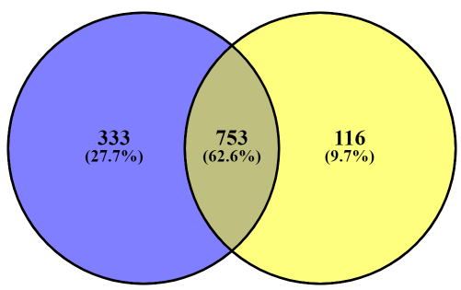
Total Individual Persulfidated Proteins
Identified under AL & DR: 1202
WT Kidney
CGL KO Kidney
Supplementary Data 24: Accession Numbers for the 333 unique Persulfidated Protein in WT Kidney (Spectral Counting)
Q00519
Q8QZY9
Q99LS3
Q9JIF0
O08738
Q8R050-2
Q8C8U0
Q9JK23
Q8K3A0
Q3UEG6
Q9DCB8
Q8K310
Q9Z2C5
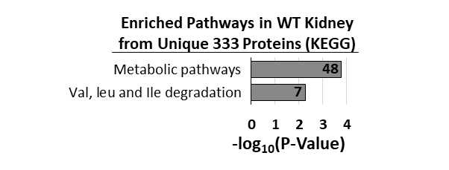
Q9CW79
Q9JK38
Q9EP71
Q9JLB4
O35309
P48024
Q8CHG3
P61759
Q9JIG7
Q9CZN8
Q9Z0R6
Q9QZB7
Q8CI32
Q8VDC1
Q91WN1
P63085
Q9Z1Z0
P35235
Q9D1I5
Q8CFA2
Q6AW69-4
Q6P4T2
Q8BGW1-2
P97372
P01787
Q9QXS1
Q8VBV7
Q8VDG5
Q8BPB5
Q921I9
Q8VDD5
Q8CJG0
Q8BGF3
Q921F4
Q8K3K8
Q9D7L8
Q9EQI8
P97434-2
O70439
P09528
Q99MI1
O35286
P97314
Q9DB05
Q9R111
Q3UIL6-2
P59242
Q99KW3-4
Q70FJ1-2
Q9DCC4
Q8CGB3
Q64105
Q570Y9-3
Q60973
Q8VH51-2
Q80UG5-3
Q8K1C0
Q9JJL8
P63163
Q63ZW7
P60670-2
Q91WS0
Q9Z0H8
P83917
Q8K2H2
Q91W89
Q9D338
Q8VC12
Q9ERG2
Q9JJV2
Q62348
Q8BMD5-3
Q6NVF9
P29788
Q9ESP1
Q9R1T4
Q9QXS6-2
A2AS89
Q03249
O88968
Q9D7A8
Q8CHH9-2
Q8K1Z0
Q8K2I1
Q80Y81
P04186
Q60902
Q3UZZ6
Q9CR62
Q9EQ80
Q8BGQ7
Q99LD8
Q8C8R3-4
Q9D8C4
O55060
O55029
Q99KJ8
Q8C1B7-2
Q9CY16
Q91WV7
P48774
P31001
Q8CHD8-3
Q64516-1
Q9WTP7
Q9QZ08
Q8BJU0-2
Q9EPU0
P24527
P03987
Q9CWZ7
Q8BFW7
Q9Z130
Q9D0E1-2
Q9ET54-2
Q8BP48
O70433
Q8BKZ9
Q9D868-2
Q8C166
O70589-5
Q99KN9-2
P19783
Q99LI8
Q9R059
Q6P9J5
Q91ZA3
Q99MB1
Q9CZY3
Q9JHL1
A6X935-2
P61164
Q64331
P61148
Q8R4X3
P16110
Q9QYJ0
Q9CY62
Q8C0M9
P48678
Q9R0Y5
P07758
P28659-2
O08795-2
Q68FL4
Q3B7Z2
Q8BVE3
Q61133
Q4KML4
P99028
Q3UPL0-2
Q3UMF0-2
Q9R069
Q8R3B1
Q61699
Q9D142
Q9D7X3
O70456
Q9WVJ3-2
P68373
P35822
P60710
P49312-2
A2AKK5
Q8BWG8
Q91WT9-2
Q61249
Q9CQ40
Q9JHJ0
P61979-2
Q61990-2
Q61166
P01747
P01867-2
Q5SXY1
Q99K30
Q61508
Q14CH1
Q9DCS9
D3YXK2
Q64213-2
P24288
Q61735-2
O08677-3
O55137
Q9ES64
Q811D0-3
Q6PDY2
Q60668-3
Q91VC4
Q9WTP6-2
Q8VCN5
Q9DCV4
P49935
Q9JKB1
Q9JLB0
Q9D273
P62320
Q9CWG8
Q64339
Q9QXD1
Q9WUU7
P70333
Q99JY0
Q9WVA3
P97807-2
P28843
P35922-3
P17879
P47791-2
Q5XJY5
Q00897
P61205
Q8R2U0-2
Q9D898
Q8K1N2-2
Q9QYI3
Q9D6Y7
O08573-2
Q61599
Q6P069-2
Q3UYC0
Q60631
Q62418-3
Q9CPY7-2
Q8C5H8-3
Q9QXL2
Q64010
Q9CXZ1
Q9DCM2
Q9JLT2
P70372
Q9JHI7
P01844
Q9ERR7
Q99J77
Q08857
Q9D0M3
A2ADY9
Q9CQL5
Q9WV32
Q8BGA8
Q9CQJ8
P47941
P67984
Q9D8N0
P63005
Q99LF4
P98078
P02762
Q60739
Q8VEK3-2
P60867
Q9R0H0
Q9Z1D1
Q9WUK2
O35409
O35226-2
Q9D1M0
Q8K0L3
P53996-3
Q8C650-2
P09055
Q9WUR9
P15626
Q8BMP6
Q3UGR5
Q91YQ5
Q9WVE8
Q8BFQ8
P45878
O70250
Q9WUR2-2
Q8CAQ8-2
Q8JZN5
Q8VC69
Q6GQT9
P62874
Q62523
Q80U72-3
Q60648
Q9CRB9
Q99KP3
O09043
P18572
Q8C165
Q9Z1J3
P23589
Q8VCH0
P01654
Q9CR00
P47740
Q99JW5
P01665
P50580
Q02257
E9Q557
P56391
P70158
P28661-2
P52825
P01647
Q00898
Q9D7X8
Q3UNX5-2
P50171-2
Q9DBR1-2
Q9Z2G9
P58044
Q99NB1
P47962
Q8BLF1
Q8R146-2
Q8C0I1
P30412
P99025
Q64521
Q920Q6-2
Q9CZ42-2
Q61495

Kidney Intensity
Total Individual Persulfidated Proteins
Identified under AL & DR: 1,443
WT Kidney
CGL KO Kidney
Supplementary Data 24: Accession Numbers for the 413 unique Persulfidated Protein in WT Kidney (Intensity)
Q9Z1T1+A34A1A2:A31A2:A39A2:A44A1A2:A31A2:A49A1A2:A31AA2:A356
Q62523
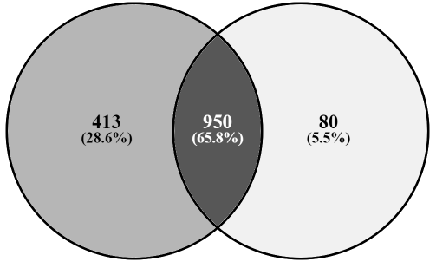
P17897
Q8VHX6
P01728
P70122
Q8VDD5
Q8C0I1
P62869
P06328;P01754;P01753
Q9D142
Q9QYI3
Q9D819
Q9D1J1
Q68EF0
Q01320;Q64511
P83917
Q8VE92;Q8C7Q4
Q9JHW9
Q9R0P9
P70318
Q8R4X3
Q9D7A8
Q91VT4
Q9WV54
P97315
Q9CXW3
Q9D7G0;Q9CS42
P01750
Q62348
Q61508
Q64669
Q9D0B0
Q9CR24
P63085
O70133
P48678
Q9WVA3
Q8C166
Q8K2I1
Q9QXS6
Q8QZY9
Q8R050
Q921M3
Q91X52
P21107
Q9Z2U0
P29391
E9Q557
Q9Z223
Q8K310
Q14B48
P28474
P28843
P27048;P63163
P97470
A2AKK5
Q8R3B1
Q6NVF9
P60670
Q9CXT8
Q9CY16
Q9CRC9
P35822
Q8R326
Q8BFR4
Q9Z120
Q99KF1
Q8BTV2
Q923G2
Q641P0
P35235
P28659;Q9Z0H4
Q52KB6
Q8C4B4
Q91VC9
Q9EP71
Q9WTP7
Q9DBR1
D3YZP9
Q3UIL6
P18524;P01806;P01812;P01809;P01810;P01808;P01807
Q3UH68
A2AHG0
Q5SXY1
Q8K1C0
Q7M760
Q8VCH0
Q3B7Z2
Q9DB05
Q91VM3
Q9ERS2
Q64339
Q8BWR2
Q9JLB0
Q99M51
Q8VCN5
Q8C165
Q9CW79
Q8BGQ7
Q99LD8
Q9DBH5
Q99KP6
Q9JJH1
Q9JIG7
Q8BMD5
Q9QYJ0
Q8BPB5
Q62426
P97314
Q9R0C8
P61079;P62838;Q6ZWY6
O70433
P63330
P35922
Q9R111
O70370
Q9Z2M7
Q14CH1
Q8BFW7
O35309
P48758
Q8BUK6
Q9D868
Q9ERG2
Q9QXL2
Q99KN2
Q9DCC4
Q8C650
P10107
Q9CPP6
Q8BGA8
P11588
Q99KW3
O55125
P57722
Q99LI8
Q8K3A0
Q6P9J5
Q80SW1
Q04646
Q9EPC1
O54786
Q9Z2C5
Q8BMF3
Q64520
Q8VBX6
Q8BG73
Q920Q6
Q91VZ6
Q8BGW1
Q9Z2V5
O88522
O70378
Q91WJ8
Q91W89
P62880;P29387
Q9CQC9;P36536
P50429
P57746
O89110
Q921W0
Q921H8
Q80XC2
Q8BFY6
Q9QXS1
Q570Y9
O35326
P31001
Q8BGH2
Q64105
A2AS89
Q9CQ40
Q99P30
P61205;P84078;Q8BSL7
P10852
P16110
Q9D6Z0
Q8C8R3
P01660;P01673;P01672;P01671;P01657;P01659
Q99K30
Q5SRX1
Q61599
O88668
Q9DCC7
O70589
Q00519
Q8BGS2
P56135
Q7TNV0
Q9D1P4
P70303
P61759
Q9CZN8
Q9JJV2
Q8BH16
Q8K1N2
O88441
Q9Z130
Q5U3K5
P23589
Q8K3K8
Q921F4
P52503
P48024;Q9CXU9
Q06138
Q9JLC3
P01642
P04944;P04941;P04940;P04943
P61148
Q9QZ08
Q91WN1
Q5SWY8
Q8BK64
Q60973
Q91VW5
Q9D1I5
Q9JJL8
Q8CI32
Q99MN1
P62254
P41216
Q8WTY4
A2AAJ9
Q9CR00
Q9D154
Q9JK38
Q9R059
Q9Z1D1
P47941
O89079
P28352
Q8VHF2
Q62470
Q91YW3
Q08091
P17047
Q9JK23
Q9D773
Q8VH51
Q80UG5
O55029
Q61249
Q9DCB8
Q9Z0N1;Q9Z0N2
Q9CWG8
P29788
Q8QZW3
Q9JL62
Q3U133
Q8CHG3
P01638
Q70FJ1
Q6PEB6
Q99M87
Q3USH1
P01679;P01678;P01677;P01676;P01675
P02088;P02089
Q8VD04
Q9QZ73
P68372;P99024;Q9D6F9
Q61133
P54103
Q9WVE8
Q9D1G1
Q8BLF1
P60521
Q91WV7
P24288
Q9Z1W8
Q9ESZ8
P20060
Q99P25
O55060
O35286
Q00PI9
Q922D8
P01887
Q3UEG6
Q99J99
Q9WUZ9
P50285
Q0PMG2
Q99MD9
Q9DC70
Q3ULW8
Q9ER97
Q8BXK9
Q91ZV0
Q7TSF1;Q61495;Q7TSF0
P68373;P68369;P05214;Q9JJZ2
O55033
Q9CR62
Q8K2H2
O35685
P56376
P61164;Q8R5C5
P46664
Q8BVU5
Q91YY5;Q9QXZ6;Q99J94
Q9CRD2
Q9Z0R6
Q9CRB9
Q8BFQ8
Q99LF4
Q9CQL5
P0DP28;P0DP27;P0DP26
Q8C570
Q6ZQM8
P62874
Q6KAQ7
Q9D7N9
O35469;Q61767;P26150;P26149
P99025
Q9Z2G9
Q60648
Q9JKL4
Q06185
Q80Y81
Q9QXD1
Q9QYJ3
P58404
P70288;O09106
P26645
Q9QZB7
Q9DCX8
P01799;P01797;P01796;P01801;P01800;P01802;P01803;P01798
Q9WUR2
P68134;P68033;P63268;P62737
Q8CGB6;Q5SSZ5
Q9R1Z8
P23780
Q9DCM2
Q8VDC1
Q61584
Q99NB1
P55096
Q7TMF3
Q5FW60
Q922B1
Q9CR21
P63005
Q3UMY5
P70158
Q8CE96
P67778
P42669
Q9DC69
Q91VC4
Q8QZS1
Q9QZE7
Q02257
O35409
Q76MZ3
Q9DCE5
Q9D1D4
Q9CQC7
P45878
Q9CR61
Q3UGR5
Q9DBL7
Q9WUM4
Q9D1J3
P52825
Q91YQ5
Q62167;Q62095;P16381
Q6DYE8
Q9D855
Q61739
Q8R2U6
Q78JN3
Q9D2U9;Q8CGP2;Q8CGP1;Q8CGP0;Q6ZWY9;Q64525;Q64524;Q64478;Q64475;P10854;P10853;P70696
O08573
Q9D404
Q91WN4
Q62417
A2AL36
P51150
Q8JZN5
O55013
P01655;P01654;P01656
Q91WD5
Q99LC3
P47879
P01747;P01746
P62806
P46638;P62492
P97865
Q99J77
Q8VDG5
Q61735
P50580
P47962
P26883
Q01279
Q9R112
Q9D7X8
P25799
Q571E4
O70250
Q99JW5
Q05144;P63001;P60764
P30412
O55126
P22315
P62702
P53810
P0C6F1
Q9CPX7
Q60972
Q9R0Q3
O88492
Q60991

