Figure 1
b
d-e
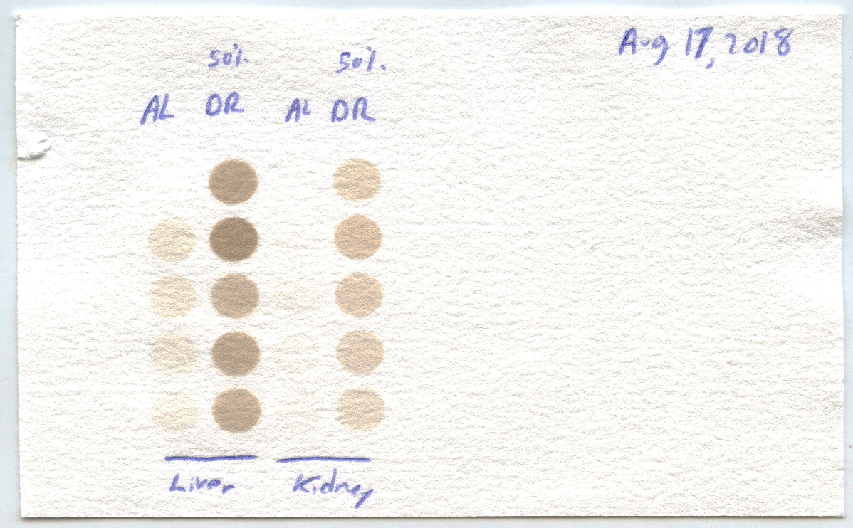
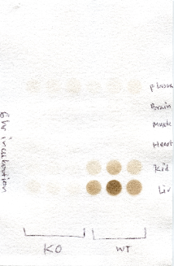
 | Uncropped Images for Figure 1 | Values Underlying the Plots for Figure 1 (P-values are from 2-tailed t-test)
Uncropped Images for Figure 1
 |  |  | 1b |  |  |  | 1c |  |  |  | 1d | AL | 50%DR | 1e | AL | 50%DR
 |  |  |  | WT | CGL KO | p-value |  | WT | CGL KO | p-value | Liver | 43201 | 124624 | Kidney | 10784 | 62852
6hr Incubation
(-) Tissue
Reaction mix
 |  |  | Liver | 180755 | 15866 |  | Liver | 72585 | 24001 |  |  | 42602 | 146390 |  | 18092 | 82965
 |  |  |  | 294129 | 16476 |  |  | 67499 | 26789 |  |  | 45443 | 105983 |  | 15700 | 71086
Liver
 |  |  |  | 167670 | 23041 | 0.0082385622799 |  | 72160 | 29952 | 0.0001 |  | 23926 | 119552 |  | 18065 | 63144
Kidney
 |  |  |  |  |  |  |  |  |  |  |  |  | 108501 |  |  | 56090
Heart
 |  |  | Kidney | 68989 | 9506 |  | Kidney | 51784 | 10865 |  | P-Value |  | 0.00005 | P-Value |  | 0.00003
WT
Liver
WT
kidney
 |  |  |  | 123714 | 6052 |  |  | 58582 | 15443
Muscle
 |  |  |  | 55947 | 0 | 0.020660246105 |  | 32965 | 16093 | 0.0127 | 1f | AL | 50%DR | 1g | AL | 50%DR
Brain
 |  |  |  |  |  |  |  |  |  |  | Heart | 9839 | 8027 | Muscle | 2162 | 36832
Plasma
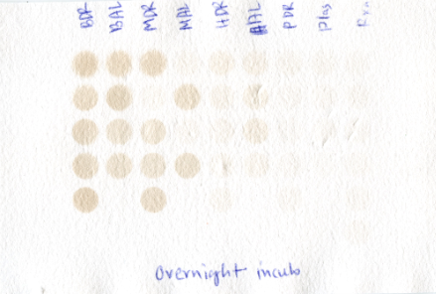
WT
Brain
WT
muscle
WT
Heart
WT
Plasma
f-i
 |  |  | Heart | 2046 | 27118 |  | Heart | 3547 | 0 |  |  | 18133 | 6219 |  | 27985 | 0
 |  |  |  | 8915 | 10837 |  |  | 0 | 7025 |  |  | 15642 | 2495 |  | 1350 | 17275
CGL WT AL
CGL KO AL
 |  |  |  | 21294 | 12392 | 0.47496182294 |  | 6101 | 1932 | 0.9371 |  | 3158 | 5689 |  | 28384 | 24660
 |  |  |  |  |  |  |  |  |  |  |  |  | 1291 |  |  | 31282
 |  |  | Muscle | 0 | 6835 |  | Muscle | 5330 | 3601 |  | P-Value |  | 0.069746304939 | P-Value |  | 0.49920261994
c
 |  |  |  | 785 | 1218 |  |  | 4717 | 2279
 |  |  |  | 996 | 2959 | 0.14230562213 |  | 2313 | 11595 | 0.6062 | 1h | AL | 50%DR | 1i | AL | 50%DR
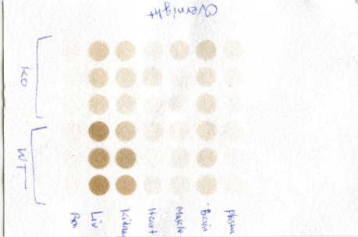
 |  |  |  |  |  |  |  |  |  |  | Brain | 35797 | 42385 | Plasma | 2592 | 3153
 |  |  | Brain | 1783 | 0 |  | Brain | 15462 | 15105 |  |  | 43129 | 30879 |  | 0 | 0
16hr Incubation
(-) Tissue
Reaction mix
 |  |  |  | 0 | 0 |  |  | 19245 | 14330 |  |  | 26933 | 37949 |  | 1955 | 0
(-) Tissue
Reaction mix
 |  |  |  | 0 | 0 | 0.3739009663 |  | 16505 | 25403 | 0.7629 |  | 29359 | 38313 |  | 0 | 363
Liver
 |  |  |  |  |  |  |  |  |  |  |  |  | 45361 |  |  | 0
Kidney
 |  |  | Plasma | 19348 | 20473 |  | Plasma | 0 | 0 |  | P-Value |  | 0.2601591199 | P-Value |  | 0.64941456904
Heart
 |  |  |  | 10947 | 13483 |  |  | 0 | 316
 |  |  |  | 18567 | 17156 | 0.83406120954 |  | 883 | 2054 | 0.5197 | 1j | KO AL | KO DR | 1k | KO AL | KO DR
Muscle
CGL KO
Liver
j
AL
DR
CGL KO
Kidney
k
AL
DR
 |  |  |  |  |  |  |  |  |  |  | Liver | 17090 | 28952 | Kidney | 1944 | 776
Brain
 |  |  |  |  |  |  |  |  |  |  |  | 18997 | 8115 |  | 5679 | 7307
Plasma
 |  |  |  |  |  |  |  |  |  |  |  | 14987 | 26295 |  | 1650 | 1755
CGL WT AL
CGL KO AL
 |  |  |  |  |  |  |  |  |  |  | P-Value |  | 0.57123022395 | P-Value |  | 0.94150934231

(-) Tissue
Reaction mix
(-) Tissue
Reaction mix

Supplementary Figure 2
Uncropped Images for Supplemental Figure 2

c
Input (AL 1)
Prot. Marker
Input (AL 2)
Input (AL 3)
Input (AL 4)
Input (DR 1)
Input (DR 2)
Input (DR 3)
Input (DR 4)

-DTT
+DTT
-DTT
+DTT
-DTT
+DTT
-DTT
+DTT
-DTT
+DTT
-DTT
+DTT
-DTT
+DTT
-DTT
+DTT
~250
~130
~100
~70
~55
~35
~25
~15
~10
KDa

Prot. Marker
Prot. Marker

DR5

AL1
AL2
AL3
AL4
DR1
DR2
DR3
DR4

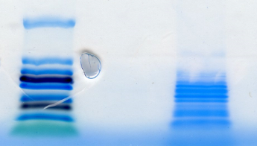
~250
~10
KDa

d
Input (AL 1)
-DTT
+DTT
-DTT
+DTT
-DTT
+DTT
-DTT
+DTT
Input (AL 2)
Input (AL 4)
Input (DR 1)
-DTT
+DTT
-DTT
+DTT
-DTT
+DTT
-DTT
+DTT
Input (DR 2)
Input (DR 4)
-DTT
+DTT
Input (DR 5)
Input (AL 3)
Input (DR 3)
Prot. Marker

~250
~130
~100
~70
~55
~35
~25
~15
~10
KDa

Prot. Marker

AL1
AL2
AL4
AL3
DR1
DR3
DR2
DR4
DR5

~250
~10
KDa

e
Input (AL 1)
Prot. Marker
Input (AL 2)
Input (AL 3)
Input (AL 4)
Input (DR 1)
Input (DR 2)
Input (DR 3)
Input (DR 4)
Input (DR 5)

-DTT
+DTT
-DTT
+DTT
-DTT
+DTT
-DTT
+DTT
-DTT
+DTT
-DTT
+DTT
-DTT
+DTT
-DTT
+DTT
-DTT
+DTT
~250
~130
~100
~70
~55
~35
~25
~15
~10
KDa

Prot. Marker

AL1
AL2
AL4
AL3
DR1
DR3
DR2
DR4
DR5

f
Input (AL 1)
Input (AL 2)
Input (AL 3)
Input (AL 4)
Input (DR 1)
Input (DR 2)
Input (DR 3)
Input (DR 4)
Input (DR 5)
Prot. Marker
-DTT
+DTT
-DTT
+DTT
-DTT
+DTT
-DTT
+DTT
-DTT
+DTT
-DTT
+DTT
-DTT
+DTT
-DTT
+DTT
-DTT
+DTT
KDa
~250
~130
~100
~70
~55

~35

~25

~15
~10

Prot. Marker

AL1
AL2
AL4
AL3
DR1
DR3
DR2
DR4
DR5

Supplementary Figure 4
Uncropped Images for Supplementary Figure 4

a
Prot. Marker
Input (AL 1)
Input (AL 2)
Input (AL 3)
Input (AL 4)
Input (DR 1)
Input (DR 2)
Input (DR 3)
Input (DR 4)
Input (DR 5)

-DTT
+DTT
-DTT
+DTT
-DTT
+DTT
-DTT
+DTT
-DTT
+DTT
-DTT
+DTT
-DTT
+DTT
-DTT
+DTT
-DTT
+DTT
~250
~130
~100
~70
~55
~35
~25
~15
~10
KDa

Prot. Marker

AL1
AL2
AL4
AL3
DR1
DR3
DR2
DR4
DR5

~250
~10
KDa

b
Input (DR 3)
Prot. Marker
Input (AL 1)
Input (AL 2)
Input (AL 3)
Input (AL 4)
Input (DR 1)
Input (DR 2)
Input (DR 4)
Input (DR 5)
-DTT
+DTT
+DTT
-DTT
+DTT
-DTT
+DTT
-DTT
+DTT
-DTT
+DTT
-DTT
-DTT
+DTT
-DTT
+DTT
-DTT
+DTT
~250
~130
~100
~70
~55
~35
~25
~15
~10
KDa

Prot. Marker

AL1
AL2
AL4
AL3
DR1
DR3
DR2
DR4
DR5

~250
~10
KDa

Supplementary Figure 5
Uncropped Images for Supplementary Figure 5

a
Input Liver AL1
Input Liver AL2
Input Liver AL3
Input Liver AL4
Input Liver AL5
Input Liver EOD1
Input Liver EOD2
Input Liver EOD3
Input Liver EOD4
Input Liver EOD5

Prot. Marker
-DTT
+DTT
-DTT
+DTT
-DTT
+DTT
-DTT
+DTT
-DTT
+DTT
-DTT
+DTT
-DTT
+DTT
-DTT
+DTT
-DTT
+DTT
-DTT
+DTT

Liver AL1
Liver AL2
Liver AL3
Liver AL4
Liver AL5
Liver EOD1
Liver EOD2
Liver EOD3
Liver EOD4
Liver EOD5

b
Input Kidney AL1
Input Kidney AL2
Input Kidney AL3
Input Kidney AL4
Input Kidney AL5
Input Kidney EOD1
Input Kidney EOD2
Input Kidney EOD3
Input Kidney EOD4
Input Kidney EOD5

Prot. Marker

-DTT
+DTT
-DTT
+DTT
-DTT
+DTT
-DTT
+DTT
-DTT
+DTT
-DTT
+DTT
-DTT
+DTT
-DTT
+DTT
-DTT
+DTT
-DTT
+DTT

Kidney AL1
Kidney AL2
Kidney AL3
Kidney AL4
Kidney AL5
Kidney EOD1
Kidney EOD2
Kidney EOD3
Kidney EOD4
Kidney EOD5

Prot. Marker

c
Input BrainAL1
Input BrainAL2
Input BrainAL3
Input BrainAL4
Input BrainAL5
Input BrainEOD1
Input BrainEOD2
Input BrainEOD3
Input BrainEOD4
Input BrainEOD5
Prot. Marker

-DTT
+DTT
-DTT
+DTT
-DTT
+DTT
-DTT
+DTT
-DTT
+DTT
-DTT
+DTT
-DTT
+DTT
-DTT
+DTT
-DTT
+DTT
-DTT
+DTT

Brain AL1
Brain AL2
Brain AL3
Brain AL4
Brain AL5
Brain EOD1
Brain EOD2
Brain EOD3
Brain EOD4
Brain EOD5

Prot. Marker

Input Muscle EOD1
Input Muscle EOD2
Input Muscle EOD3
Input Muscle EOD4
Input Muscle EOD5
d
Input Muscle AL1
Input Muscle AL2
Input Muscle AL3
Input Muscle AL4
Input Muscle AL5

Prot. Marker
-DTT
+DTT
-DTT
+DTT
-DTT
+DTT
-DTT
+DTT
-DTT
+DTT
-DTT
+DTT
-DTT
+DTT
-DTT
+DTT
-DTT
+DTT
-DTT
+DTT

Muscle AL1
Muscle AL2
Muscle AL3
Muscle AL4
Muscle AL5
Muscle EOD1
Muscle EOD2
Muscle EOD3
Muscle EOD4
Muscle EOD5

Prot. Marker

Input Heart EOD1
Input Heart EOD2
Input Heart EOD3
Input Heart EOD4
Input Heart EOD5
Input Heart AL1
Input Heart AL2
Input Heart AL3
Input Heart AL4
Input Heart AL5

-DTT
+DTT
-DTT
+DTT
-DTT
+DTT
-DTT
+DTT
-DTT
+DTT
-DTT
+DTT
-DTT
+DTT
-DTT
+DTT
-DTT
+DTT
-DTT

Figure 6
Uncropped Images for Figure 6 | Values Underlying the Plots for Figure 6
a
Amount of CGL Enzyme Added to Reaction (in µg)
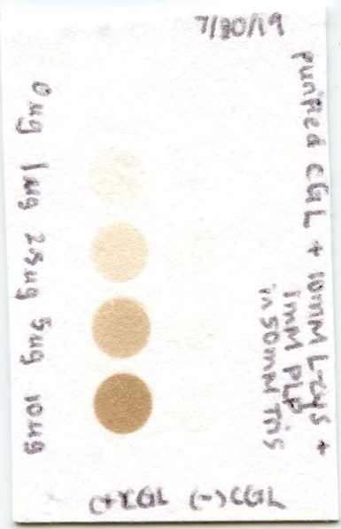
b
+CGL
-CGL
0 µg
1 µg
2.5 µg
5 µg
10 µg
 |  | CGL added (ug) | IntDen
 |  | 10 | 38852
 |  | 5 | 25264
 |  | 2.5 | 9915
 |  | 1 | 3165
 |  | 0 | 608

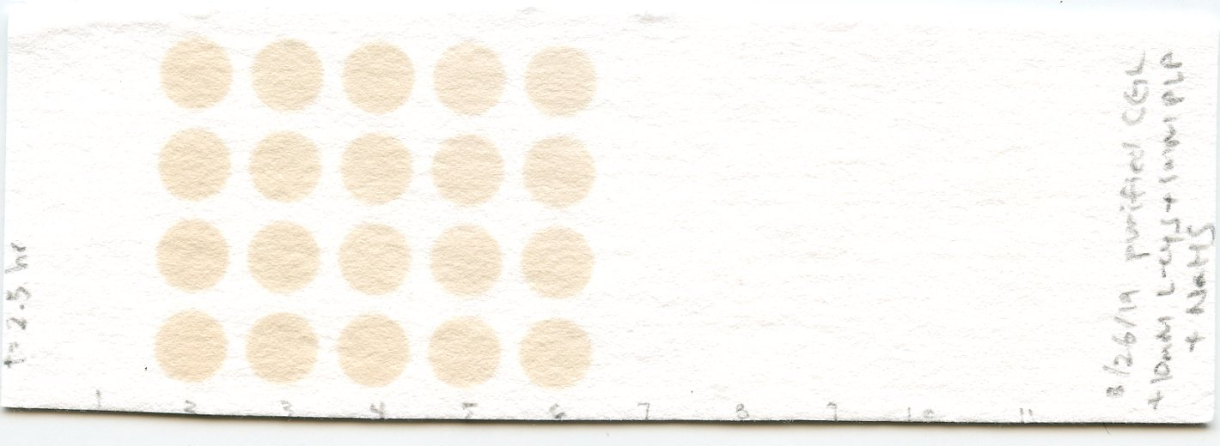
c
(+)CGL Enzyme
(1.125 µg/reaction)
(-)CGL Enzyme
NaHS Pre-Treatment
1 mM
100 µM
1 mM
100 µM
10 µM
1 µM
0
0
1 µM
10 µM
d

 |  |  | IntDen

 |  | CGL + 1 mM NaHS | 68318 | 72448 | 75608 | 73312
 |  | CGL +100 uM NaHS | 64639 | 67393 | 72159 | 71054
 |  | CGL + 10 uM NaHS | 65136 | 67100 | 63587 | 69113
 |  | CGL + 1 uM NaHS | 58614 | 61045 | 67381 | 67547
 |  | CGL + rxn mix | 59434 | 61503 | 63949 | 65135
 |  | Rxn mix ONLY | 4346 | 5197 | 4531 | 7491
 |  | 1 uM NaHS (-CGL) | 4368 | 5802 | 4938 | 3728
 |  | 10 uM NaHS (-CGL) | 7386 | 4472 | 7561 | 4852
 |  | 100 uM NaHS (-CGL) | 5858 | 4774 | 4290 | 6181
 |  | 1 mM NaHS (-CGL) | 5034 | 5134 | 4578 | 6216

 |  | Adjusted:
 |  |  | IntDen
 |  | CGL + 1 mM NaHS | 62926.75 | 67056.75 | 70216.75 | 67920.75
 |  | CGL +100 uM NaHS | 59247.75 | 62001.75 | 66767.75 | 65662.75
 |  | CGL + 10 uM NaHS | 59744.75 | 61708.75 | 58195.75 | 63721.75
 |  | CGL + 1 uM NaHS | 53222.75 | 55653.75 | 61989.75 | 62155.75
 |  | CGL + rxn mix | 54042.75 | 56111.75 | 58557.75 | 59743.75
 |  | 1 uM NaHS (-CGL) | 0 | 410.75 | 0 | 0
 |  | 10 uM NaHS (-CGL) | 1994.75 | 0 | 2169.75 | 0
 |  | 100 uM NaHS (-CGL) | 466.75 | 0 | 0 | 789.75
 |  | 1 mM NaHS (-CGL) | 0 | 0 | 0 | 824.75

 |  | Final:
 |  |  | IntDen |  |  |  | avg
 |  | CGL + 1 mM NaHS | 62926.75 | 67056.75 | 70216.75 | 67096 | 66824.0625
 |  | CGL +100 uM NaHS | 58781 | 62001.75 | 66767.75 | 64873 | 63105.875
 |  | CGL + 10 uM NaHS | 57750 | 61708.75 | 56026 | 63721.75 | 59801.625
 |  | CGL + 1 uM NaHS | 53222.75 | 55243 | 61989.75 | 62155.75 | 58152.8125
 |  | CGL + rxn mix | 54042.75 | 56111.75 | 58557.75 | 59743.75 | 57114

 |  |  | % Change from 0 NaHS Control |  |  |  | avg
 |  | CGL + 1 mM NaHS | 10.177452113 | 17.408603845 | 22.941397906 | 17.47732605 | 17.001194978
 |  | CGL +100 uM NaHS | 2.9187239556 | 8.5578842315 | 16.902598312 | 13.585110481 | 10.491079245
 |  | CGL + 10 uM NaHS | 1.113562349 | 8.044875162 | -1.9049620058 | 11.56940505 | 4.7057201387
 |  | CGL + 1 uM NaHS | -6.8131281297 | -3.2759043317 | 8.5368736212 | 8.8275203978 | 1.8188403894
 |  | CGL + rxn mix | -5.3774030886 | -1.754823686 | 2.5278390587 | 4.6043877158 | 0

Supplementary Figure 6
Uncropped Images for Supplementary Figure 6 | Values Underlying the Plots for Supplementary Figure 6
a
a
b
c
 |  |  | IntDen |  |  |  |  |  | IntDen |  |  |  |  |  | IntDen

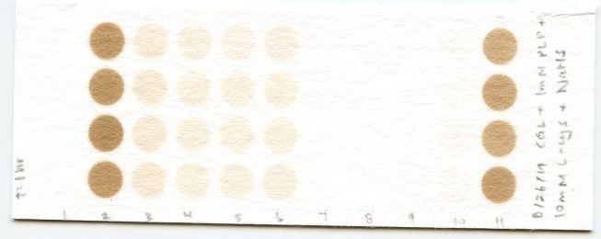
1st Paper for 1 hr
(1 hr Total)
 |  | CGL + 1 mM NaHS | 248237 | 256755 | 271703 | 248700 |  | CGL + 1 mM NaHS | 81212 | 89064 | 87819 | 83433 |  | CGL + 1 mM NaHS | 33103 | 36824 | 37886 | 32463
 |  | CGL +100 uM NaHS | 47656 | 56476 | 54767 | 57233 |  | CGL +100 uM NaHS | 75023 | 78825 | 81349 | 80632 |  | CGL +100 uM NaHS | 31513 | 35902 | 36985 | 38116
 |  | CGL + 10 uM NaHS | 39597 | 42208 | 43219 | 40069 |  | CGL + 10 uM NaHS | 76638 | 78875 | 73799 | 83209 |  | CGL + 10 uM NaHS | 34228 | 30323 | 34836 | 33487
 |  | CGL + 1 uM NaHS | 30337 | 40653 | 37013 | 40361 |  | CGL + 1 uM NaHS | 68615 | 72381 | 69155 | 74519 |  | CGL + 1 uM NaHS | 24967 | 30809 | 30462 | 28386
 |  | CGL + rxn mix | 37394 | 39760 | 40291 | 40443 |  | CGL + rxn mix | 72502 | 74470 | 71801 | 78749 |  | CGL + rxn mix | 28694 | 29800 | 31507 | 30971
 |  | Rxn mix ONLY | 6114 | 5968 | 5214 | 4139 |  | Rxn mix ONLY | 5062 | 4302 | 5362 | 4098 |  | Rxn mix ONLY | 3952 | 3105 | 4641 | 4600
 |  | 1 uM NaHS (-CGL) | 6979 | 5946 | 4075 | 4436 |  | 1 uM NaHS (-CGL) | 6092 | 4934 | 4497 | 4932 |  | 1 uM NaHS (-CGL) | 2895 | 2953 | 3077 | 1972
 |  | 10 uM NaHS (-CGL) | 6363 | 5085 | 5461 | 5816 |  | 10 uM NaHS (-CGL) | 5386 | 4526 | 3840 | 3523 |  | 10 uM NaHS (-CGL) | 3232 | 3771 | 3050 | 3911
b
 |  | 100 uM NaHS (-CGL) | 12073 | 11454 | 14374 | 12454 |  | 100 uM NaHS (-CGL) | 6456 | 5896 | 5736 | 4395 |  | 100 uM NaHS (-CGL) | 2977 | 2369 | 3988 | 3544
 |  | 1 mM NaHS (-CGL) | 194626 | 215125 | 199401 | 233461 |  | 1 mM NaHS (-CGL) | 7247 | 6208 | 4861 | 5192 |  | 1 mM NaHS (-CGL) | 3890 | 5257 | 2825 | 2353
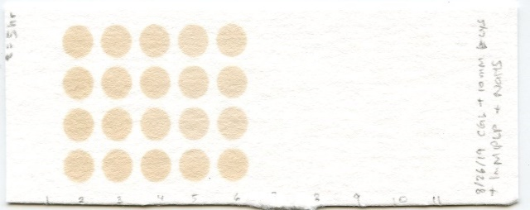

3rd Paper for 2.5 hr
(5 hr Total)
 |  | Adjusted: |  |  |  |  |  | Adjusted: |  |  |  |  |  | Adjusted:
 |  |  | IntDen |  |  |  |  |  | IntDen |  |  |  |  |  | IntDen
 |  | CGL + 1 mM NaHS | 242878.25 | 251396.25 | 266344.25 | 243341.25 |  | CGL + 1 mM NaHS | 76506 | 84358 | 83113 | 78727 |  | CGL + 1 mM NaHS | 29028.5 | 32749.5 | 33811.5 | 28388.5
 |  | CGL +100 uM NaHS | 42297.25 | 51117.25 | 49408.25 | 51874.25 |  | CGL +100 uM NaHS | 70317 | 74119 | 76643 | 75926 |  | CGL +100 uM NaHS | 27438.5 | 31827.5 | 32910.5 | 34041.5
 |  | CGL + 10 uM NaHS | 34238.25 | 36849.25 | 37860.25 | 34710.25 |  | CGL + 10 uM NaHS | 71932 | 74169 | 69093 | 78503 |  | CGL + 10 uM NaHS | 30153.5 | 26248.5 | 30761.5 | 29412.5
 |  | CGL + 1 uM NaHS | 24978.25 | 35294.25 | 31654.25 | 35002.25 |  | CGL + 1 uM NaHS | 63909 | 67675 | 64449 | 69813 |  | CGL + 1 uM NaHS | 20892.5 | 26734.5 | 26387.5 | 24311.5
 |  | CGL + rxn mix | 32035.25 | 34401.25 | 34932.25 | 35084.25 |  | CGL + rxn mix | 67796 | 69764 | 67095 | 74043 |  | CGL + rxn mix | 24619.5 | 25725.5 | 27432.5 | 26896.5
 |  | 1 uM NaHS (-CGL) | 1620.25 | 587.25 | 0 | 0 |  | 1 uM NaHS (-CGL) | 1386 | 228 | 0 | 226 |  | 1 uM NaHS (-CGL) | 0 | 0 | 0 | 0
c
 |  | 10 uM NaHS (-CGL) | 1004.25 | 0 | 102.25 | 457.25 |  | 10 uM NaHS (-CGL) | 680 | 0 | 0 | 0 |  | 10 uM NaHS (-CGL) | 0 | 0 | 0 | 0
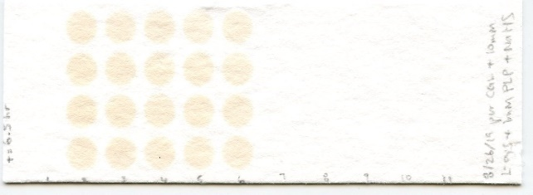
 |  | 100 uM NaHS (-CGL) | 6714.25 | 6095.25 | 9015.25 | 7095.25 |  | 100 uM NaHS (-CGL) | 1750 | 1190 | 1030 | 0 |  | 100 uM NaHS (-CGL) | 0 | 0 | 0 | 0
 |  | 1 mM NaHS (-CGL) | 189267.25 | 209766.25 | 194042.25 | 228102.25 |  | 1 mM NaHS (-CGL) | 2541 | 1502 | 155 | 486 |  | 1 mM NaHS (-CGL) | 0 | 1182.5 | 0 | 0

4th Paper for 1.5 hr
(6.5 hr Total)
 |  | Final: |  |  |  |  |  | Final: |  |  |  |  |  | Final:
 |  |  | IntDen |  |  |  | avg |  | IntDen |  |  |  | avg |  | IntDen |  |  |  | avg
 |  | CGL + 1 mM NaHS | 53611 | 41630 | 72302 | 15239 |  | CGL + 1 mM NaHS | 73965 | 82856 | 82958 | 78241 |  | CGL + 1 mM NaHS | 29028.5 | 31567 | 33811.5 | 28388.5 | 30698.875
 |  | CGL +100 uM NaHS | 35583 | 45022 | 40393 | 44779 |  | CGL +100 uM NaHS | 68567 | 72929 | 75613 | 75926 |  | CGL +100 uM NaHS | 27438.5 | 31827.5 | 32910.5 | 34041.5 | 31554.5
 |  | CGL + 10 uM NaHS | 33234 | 36849.25 | 37758 | 34253 |  | CGL + 10 uM NaHS | 71252 | 74169 | 69093 | 78503 |  | CGL + 10 uM NaHS | 30153.5 | 26248.5 | 30761.5 | 29412.5 | 29144
 |  | CGL + 1 uM NaHS | 23358 | 34707 | 31654.25 | 35002.25 |  | CGL + 1 uM NaHS | 62523 | 67447 | 64449 | 69587 |  | CGL + 1 uM NaHS | 20892.5 | 26734.5 | 26387.5 | 24311.5 | 24581.5
 |  | CGL + rxn mix | 32035.25 | 34401.25 | 34932.25 | 35084.25 | 34113.25 | CGL + rxn mix | 67796 | 69764 | 67095 | 74043 | 69674.5 | CGL + rxn mix | 24619.5 | 25725.5 | 27432.5 | 26896.5 | 26168.5

 |  |  | % Change from 0 NaHS Control |  |  |  | avg |  | % Change from 0 NaHS Control |  |  |  | avg |  | % Change from 0 NaHS Control |  |  |  | avg
 |  | CGL + 1 mM NaHS | 57.155943805 | 22.034693264 | 111.94697075 | -55.328208248 | 33.952349893 | CGL + 1 mM NaHS | 6.1579200425 | 18.918686176 | 19.065081199 | 12.295029028 | 14.109179111 | CGL + 1 mM NaHS | 10.929170568 | 20.629764794 | 29.206870856 | 8.483482049 | 17.312322067
 |  | CGL +100 uM NaHS | 4.3084432002 | 31.978043722 | 18.408536273 | 31.265710538 | 21.490183433 | CGL +100 uM NaHS | -1.5895341911 | 4.6710058917 | 8.5232043287 | 8.9724361136 | 5.1442780357 | CGL +100 uM NaHS | 4.8531631542 | 21.625236448 | 25.763799989 | 30.085790168 | 20.58199744
 |  | CGL + 10 uM NaHS | -2.5774442482 | 8.0203440012 | 10.684264912 | 0.40966486629 | 4.1342073828 | CGL + 10 uM NaHS | 2.2640994912 | 6.4507100876 | -0.83459515318 | 12.671063301 | 5.1378194318 | CGL + 10 uM NaHS | 15.228232417 | 0.30571106483 | 17.55163651 | 12.396583679 | 11.370540918
 |  | CGL + 1 uM NaHS | -31.528071937 | 1.7405260419 | -7.2083427994 | 2.6060255179 | -8.5974657941 | CGL + 1 uM NaHS | -10.264156901 | -3.1970089488 | -7.499874416 | -0.12558396544 | -5.2716560578 | CGL + 1 uM NaHS | -20.161644726 | 2.1629057837 | 0.83688403997 | -7.0963180924 | -6.0645432486
 |  | CGL + rxn mix | -6.0914747202 | 0.84424673697 | 2.4008266583 | 2.846401325 | 0 | CGL + rxn mix | -2.6961083323 | 0.12845445608 | -3.7022153012 | 6.2698691774 | 0 | CGL + rxn mix | -5.9193304928 | -1.6928750215 | 4.8302348243 | 2.78197069 | 0

Supplementary Figure 7
Uncropped Images for Supplementary Figure 7

a
Input CGL KO AL1
Input CGL KO AL2
Input CGL KO AL3
Input CGL KO DR1
Input CGL KO DR2
Input CGL KO DR3

Prot. Marker

-DTT
+DTT
-DTT
+DTT
-DTT
+DTT
-DTT
+DTT
-DTT
+DTT
-DTT
+DTT
~250
~130
~100
~70
~55
~35
~25
~15
~10
KDa
Not Relevant

CGL KO AL1
CGL KO AL2
CGL KO AL3
CGL KO DR1
CGL KO DR2
CGL KO DR3
Prot. Marker

~250
~10
KDa
Not Relevant

b
Input CGL KO AL1
Input CGL KO AL2
Input CGL KO AL3
Input CGL KO DR1
Input CGL KO DR2
Input CGL KO DR3

Prot. Marker
-DTT
+DTT
-DTT
+DTT
-DTT
+DTT
-DTT
+DTT
-DTT
+DTT
-DTT
+DTT

~250
~130
~100
~70
~55
~35
~25
~15
~10
KDa
Not Relevant

CGL KO AL1
CGL KO AL2
CGL KO AL3
CGL KO DR1
CGL KO DR2
CGL KO DR3
Prot. Marker

~250
~10
KDa
Not Relevant

Figure 8
l
Values Underlying the dot plot for Figure 8l (also found in Supplementary Data 31)

 | Spectral Count | CGL WT Tissues |  |  |  |  | Intensity | CGL WT Tissues
 | DR:AL Ratio | Liver | Kidney | Muscle | Brain | Heart | DR:AL Ratio | Liver | Kidney | Muscle | Brain | Heart
 | >1 | 668 | 812 | 335 | 400 | 147 | >1 | 690 | 1224 | 396 | 663 | 183
 | <1 | 257 | 247 | 59 | 71 | 247 | <1 | 482 | 126 | 59 | 76 | 348
 | Sum | 925 | 1059 | 394 | 471 | 394 | Sum | 1172 | 1350 | 455 | 739 | 531
 | % Enrichment DR | 72.2 | 76.7 | 85.0 | 84.9 | 37.3 | % Enrichment DR | 58.9 | 90.7 | 87.0 | 89.7 | 34.5

 | Spectral Count | CGL KO Tissues |  |  |  |  | Intensity | CGL KO Tissues
 | DR:AL Ratio | Liver | Kidney | Muscle | Brain | Heart | DR:AL Ratio | Liver | Kidney | Muscle | Brain | Heart
 | >1 | 405 | 170 | 40 | 394 | 33 | >1 | 469 | 130 | 39 | 494 | 35
 | <1 | 220 | 634 | 142 | 67 | 145 | <1 | 343 | 868 | 187 | 60 | 199
 | Sum | 625 | 804 | 182 | 461 | 178 | Sum | 812 | 998 | 226 | 554 | 234
 | % Enrichment DR | 64.8 | 21.1 | 22.0 | 85.5 | 18.5 | % Enrichment DR | 57.8 | 13.0 | 17.3 | 89.2 | 15.0

Supplementary Figure 8
Uncropped Images for Supplementary Figure 8
a
Input CGL KO AL1
Input CGL KO AL2
Input CGL KO AL3
Input CGL KO DR1
Input CGL KO DR2
Input CGL KO DR3

Prot. Marker

-DTT
+DTT
-DTT
+DTT
-DTT
+DTT
-DTT
+DTT
-DTT
+DTT
-DTT
+DTT
~250
~130
~100
~70
~55
~35
~25
~15
~10
KDa
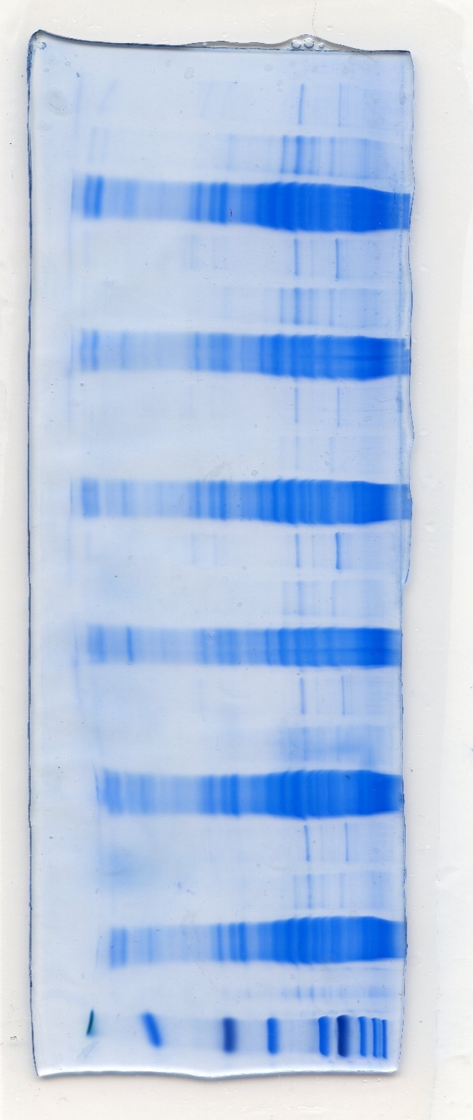

CGL KO AL1
CGL KO AL2
CGL KO AL3
CGL KO DR1
CGL KO DR2
CGL KO DR3

Prot. Marker

~250
~10
KDa

b
Input CGL KO AL1
Input CGL KO AL2
Input CGL KO AL3
Input CGL KO DR1
Input CGL KO DR2
Input CGL KO DR3

Prot. Marker

-DTT
+DTT
-DTT
-DTT
+DTT
+DTT
-DTT
+DTT
-DTT
+DTT
-DTT
+DTT
~250
~130
~100
~70
~55
~35
~25
~15
~10
KDa
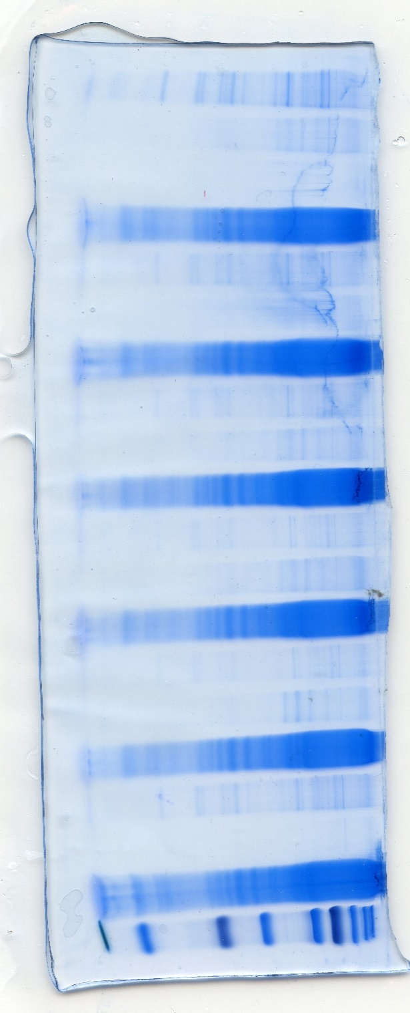

CGL KO AL1
CGL KO AL2
CGL KO AL3
CGL KO DR1
CGL KO DR2
CGL KO DR3

Prot. Marker

~250
~10
KDa

c
Input CGL KO AL1
Input CGL KO AL2
Input CGL KO AL3
Input CGL KO DR1
Input CGL KO DR2
Input CGL KO DR3

Prot. Marker

-DTT
+DTT
-DTT
+DTT
-DTT
+DTT
-DTT
+DTT
-DTT
+DTT
-DTT
+DTT
~250
~130
~100
~70
~55
~35
~25
~15
~10
KDa
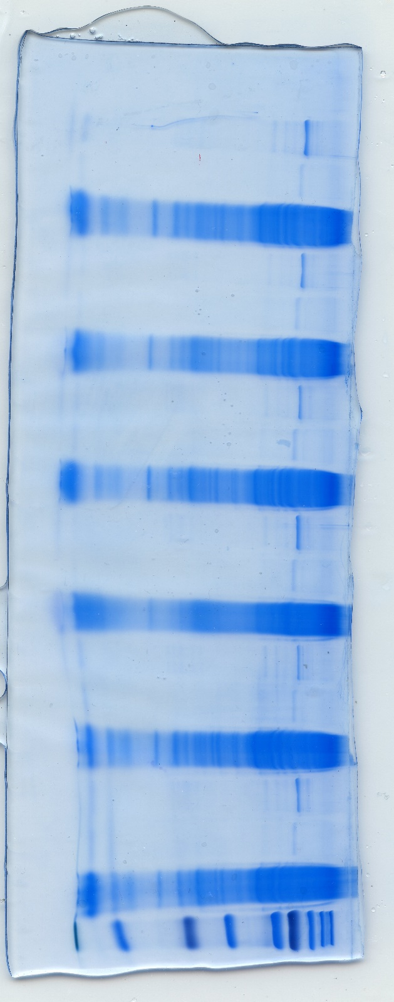

CGL KO AL1
CGL KO AL2
CGL KO AL3
CGL KO DR1
CGL KO DR2
CGL KO DR3

Prot. Marker

~250
~10
KDa

Supplementary Figure 9
Before digestion Kidney WT1
Peptide level Kidney
After digestion Kidney WT1
After digestion Kidney WT2
Before digestion Kidney WT2
Before digestion Kidney WT3
After digestion Kidney WT3
After digestion Kidney KO1
Before digestion Kidney KO1
Before digestion Kidney KO2
After digestion Kidney KO2
After digestion Kidney KO3
Before digestion Kidney KO3
Uncropped Images for Supplementary Figure 9

b
Protein Ladder

-DTT
+DTT
-DTT
+DTT
-DTT
+DTT
-DTT
+DTT
-DTT
+DTT
-DTT
+DTT

~250
~130
~100
~70
~55
~35
~25
~15
~10
KDa

+DTT WT1
+DTT WT2
+DTT WT3
+DTT KO1
+DTT KO2
+DTT KO3
+DTT WT1
+DTT WT2
+DTT WT3
+DTT KO1
+DTT KO2
+DTT KO3

~250
~10
KDa

Before digestion Brain WT1
Before digestion Brain WT2
Before digestion Brain WT3
Protein Level
Kidney
After digestion Brain WT1
After digestion Brain WT2
After digestion Brain WT3
Peptide Level
Kidney
Before digestion Brain KO1
After digestion Brain KO1
After digestion Brain KO2
Before digestion Brain KO2
After digestion Brain KO3
Before digestion Brain KO3

Peptide level Brain
c
Protein Ladder

-DTT
+DTT
-DTT
+DTT
-DTT
+DTT
-DTT
+DTT
-DTT
+DTT
-DTT
+DTT

~250
~130
~100
~70
~55
~35
~25
~15
~10
KDa

Prot. Marker
+DTT WT1
+DTT WT2
+DTT WT3
+DTT KO1
+DTT KO2
+DTT KO3
+DTT WT1
+DTT WT2
+DTT WT3
+DTT KO1
+DTT KO2
+DTT KO3

~250
~10
KDa

Protein Level
Brain
Peptide Level
Brain

