209 shared prot Spectral Count
Supplementary Data 5: Accession Numbers for the 209 Common Persulfidated Proteins in WT Liver, Kidney, Muscle, and Brain (Spectral Counting)
P48036
Q03265
Q02257
Kidney
Muscle
Q921G7
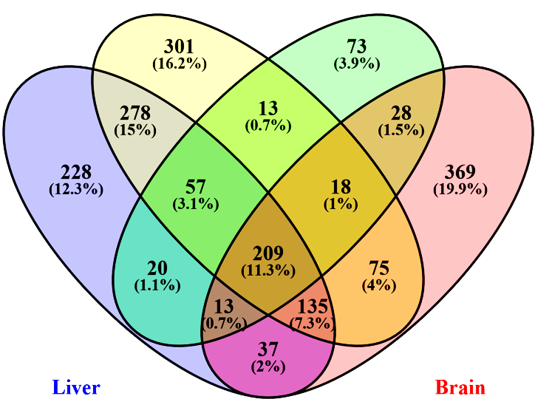
Q9D172
P01942
P20152
P23953
E9Q557
P42125
P63028
P61082
Liver
Brain
P51174
Q9DB77
P02088
P46638
P70349
P45952
Q9D6J6
Q61838
Q60854
P06745
P29699
Q8BWT1
P05202
Q3TC72
Q9WTX5
P60335
P57780
Q9JKB1
Q9D0F9
P49722
P06151
P10639
P08249
Q9QWK4
P01592
Q9DAK9
P24549
Q91YT0
Q9DBP5
O70251
Q99PT1
Q9EQ20
Q91VI7
O70435
P17182
P45591
P50247
Q9D1Q6
P09411
Q8BVI4
P16045
P63038
Q9DCW4
Q61425
P68510
Q91VD9
Q9Z2U1
Q61171
P07724
P26043
P34884
O08749
Q99020
Q99MN9
Q9CQV8
P16858
P35700
P34022
O55234
Q9Z2U0
P14211
Q9R1P0
P00920
P68037
P11352
P07356
P05064
Q9CZ13
O08709
O09061
Q9DCM0
Q9WVQ5
P10126
P38647
Q91VM9
P27773
Q60676
P70318
P62259
P14206
Q99L47
Q8R086
Q8QZT1
Q60668-3
P20108
Q9R1P4
P40142
P62137
P10518
O88569
P61982
Q921I1
P09671
P62897
Q8BWF0
P70296
Q62188
P14152
Q8K0E8
Q9CQM9
Q99L13
Q8CDN6
P20029
Q9D1A2
Q9R1P1
P08003
Q93092
P35979
P63017
Q99KI0
P47738
Q9CPU0
P09103
P01837
P47941
P01872
P10649
P62962
Q3ULD5
Q9CR68
Q60692
P63330
Q61206
Q8BH69
O88844
Q8K2B3
Q9R1P3
P62141
Q99LC5
P17742
P42208
P57759
Q9CPY7-2
P21614
Q8K183
Q8VCG4
Q922R8
P99026
P24270
P18760
Q01853
Q60864
Q9CR00
Q64727
E9PV24
P05201
Q99LX0
Q8BH95
Q99J77
Q9Z2W0
P17563
Q60710
Q60631
Q9D2G2
Q99KV1
Q9CQA3
P01027
P17751
Q6P1F6
Q3U0V1
Q91X72
Q9CR16
P19157
Q3UM45
P63242
P07759
O08553
Q91W90
Q9Z1Z2
Q9JMH6
Q8VCM7
O08807
P63101
P24452
Q9JHR7
P58252
Q9D1E6
Q64010
Q62422
O55131
P85094
Q61316
Q9QUM9
O55023
Q9CQ92
P63158
P06330
Q9CQI3
P51859
P70670
Q9D7X3
Q11136
Q8BUV3
P09405
P15105
Q05816
Q9DCZ1

303 shared prot Intensity
Supplementary Data 5: Accession Numbers for the 303 Common Persulfidated Proteins in WT Liver, Kidney, Muscle, and Brain (Intensity)
O70251
P16045
Kidney
Muscle
Q3U0V1
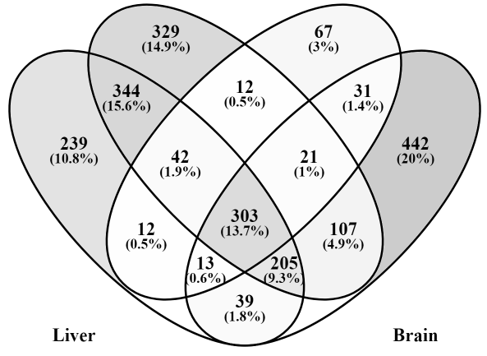
Q60864
Q9D8S4
P85094
Q8BKZ9
P01027
Q8K0E8
Q9D172
Q00898
Q6P1F6
Liver
Brain
Q60854
Total Individual Persulfidated Proteins Identified under AL & DR: 2,206
P09528
P97807
P63028
P42125
P22599
Q62188
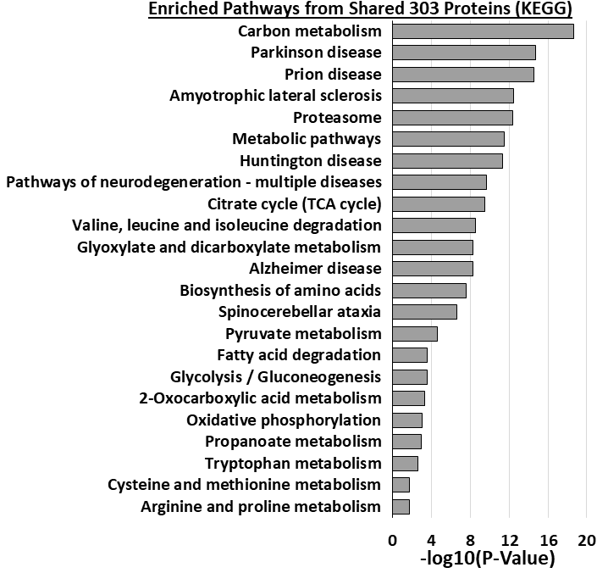
P62320
Q91W90
P51174
P48036
P0DP28;P0DP27;P0DP26
P01942
Q3TMH2
Q9CZ13
Q91VA6
Q64010
E9PV24
O35737
P61982
Q9DCW4
P01837
Q8QZT1
Q99020
Q9EQ20
Q03265
P24452
P62137
Q99LX0
Q9R1P0
Q9DBF1
Q99LC5
P58252
Q9CQF3
Q99KC8
Q8BH95
P24270
P63101
P30416
Q3TC72
P14206
Q9CZU6
Q62417
P10605
Q9D6R2
Q9D2M8
Q9CPY7
Q60710
P97447
P07724
P05201
P62869
P42208
Q8BG05
Q922R8
P10649
Q9DBJ1
P56399
P20108
Q91X72
P97364
Q9QUH0
Q9Z2X1
Q9R1P3
Q8C0M9
Q8BUV3
Q9CQM9
P57776
Q9Z0S1
P61082
P56480
O55023
P26645
P49312
P62259
Q8BWF0
Q99J77
Q9R1P4
Q93092
P50247
Q99KR3
Q8BH69
Q9DB20
P38647
P01872
Q9CQ92
Q6NSR8
P24369
P02088;P02089
Q91YT0
Q9CPU0
Q9DAK9
P18760
P27048;P63163
P12787
Q60597
P51859
P14152
P40142
Q8K411
P34022
Q61316
O88569
Q60668
P34884
Q9D6Y7
Q9D358
Q9WVA4
Q9JLT4
P60335
O70435
Q99JY0
Q9DCT2
Q9D6J6
Q01853
Q60631
O70456
Q9Z2U1
P06745
Q9CX34
Q99KV1
P29699
O55131
P08249
Q9CR68
P20029
O35864
P04117
P48962
P70195
P17751
Q8CDN6
Q8BVI4
P09411
Q02257
Q64213
P99029
P62141
P16858
P70296
Q9QUM9
Q9DCX2
Q62422
Q3THS6
Q9R1P1
Q9QWK4
Q9JKB1;P58321
Q9R0P5
P07759
P61979
Q8K183
P47791
O09061
P08228
Q9CZ44
Q11136
P17742
Q9D1Q6
Q8K2B3
P24549
Q9Z130
Q62418
P59999
Q91VD9
P59325
Q61838
P61089
P01592
Q60676
Q9JMH6
O08553
Q8VCG4
Q9D2G2
E9Q557
P35979
P63038
Q99MN9
P14211
Q8C1B7
P00920
P48678
Q9JII5
Q9DBC7
P45952
Q9DCZ1
Q9JHR7
Q9DBP5
P49722
Q61425
Q99JW2
P16332
Q921I1
P01867
Q9QUR6
Q99KI0
P70349
P99026
P70318
O88844
P05202
P09103
Q8CHP8
Q8VCM7
Q9CQI3
O35226
Q99LB6
O08677
P09671
P63158
Q61206
Q9WTX5
Q9Z1Z2
Q921F2
Q3ULD5
Q922J3
P57759
P45591
Q9DCM0
Q64727
Q91VM9
O08795
P11352
Q923D2
Q9R0Q7
Q9CXZ1
Q9CQV8
P35700
Q9CQA3
Q99PT1
P47199
P09405
Q9D7X3
P37804
P20152
O08709
P05064
Q99L47
Q3UM45
Q9CQJ6
Q9WUK2
P68510
P62897
Q9DCT5
Q60932
P13707
Q9CR16
O70325
P62984;P62983;P0CG49;P0CG50
P27773
Q9Z2W0
P68037
P47738
Q9Z0X1
Q7TPR4
P63017
Q9CQM5
Q04447
P24527
Q8BTM8
O55234
P08003
Q9WTP6
Q7TMK9
Q9D1A2
P17182
Q61171
Q8BWT1
Q9D3D9
Q8R086
Q9QY76
P10639
Q9DB77
P63087
Q60692
O70492
P47941
P01631
Q9D0F9
Q05816
P10518
P07356
Q99L13
Q9Z2U0
O08749
P62317
Q9CR00
Q9WVQ5
P07309
P06151
O08807
P15105

