Fig4
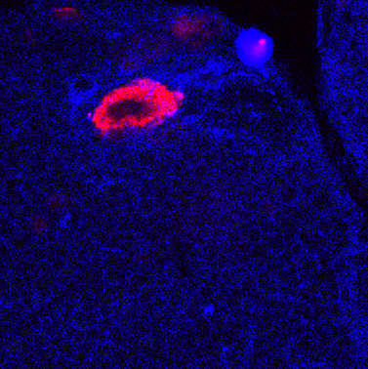
 | orion-B-myc |  | orion-B-myc-DSP | DSP

0 | 1969.889 | 0 | 720
0.2965 | 1951.491 | 0.2965 | 547.97
0.593 | 2166.373 | 0.593 | 653.695
0.8896 | 2184.119 | 0.8896 | 1070.788
1.1861 | 2217.049 | 1.1861 | 697.468
1.4826 | 2261.99 | 1.4826 | 1408.616 |  | orion-B-myc | orion-B-myc-DSP
1.7791 | 2049.226 | 1.7791 | 1309.064
2.0757 | 1771.184 | 2.0757 | 837.759 |  | anti draper
2.3722 | 1571.658 | 2.3722 | 675.305
2.6687 | 1579.339 | 2.6687 | 494.241
2.9652 | 1763.07 | 2.9652 | 694.389
3.2618 | 2054.496 | 3.2618 | 963.842
3.5583 | 2331.083 | 3.5583 | 899.502
3.8548 | 2481.084 | 3.8548 | 781.985
4.1513 | 2269.371 | 4.1513 | 764.241
4.4479 | 1914.662 | 4.4479 | 802.212
4.7444 | 1535.773 | 4.7444 | 863.123
5.0409 | 1498.063 | 5.0409 | 1104.616
5.3374 | 1721.099 | 5.3374 | 634.936
5.6339 | 1869.155 | 5.6339 | 549.094
5.9305 | 1820.744 | 5.9305 | 695.103
6.227 | 1913.925 | 6.227 | 711.069
6.5235 | 2027.262 | 6.5235 | 824.65
6.82 | 1665.538 | 6.82 | 572.931
7.1166 | 1476.673 | 7.1166 | 957.98
7.4131 | 1420.123 | 7.4131 | 653.187
7.7096 | 1402.72 | 7.7096 | 1041.975
8.0061 | 1467.229 | 8.0061 | 1018.877
8.3027 | 1260.437 | 8.3027 | 880.966
8.5992 | 1280.646 | 8.5992 | 646.857
8.8957 | 1120.358 | 8.8957 | 1103.64
9.1922 | 1038.325 | 9.1922 | 698.734
9.4888 | 993.26 | 9.4888 | 824.044
9.7853 | 1068.976 | 9.7853 | 700.424
10.0818 | 1281.766 | 10.0818 | 785.414
10.3783 | 1401.364 | 10.3783 | 523.828
10.6748 | 1330.134 | 10.6748 | 658.808
10.9714 | 1374.078 | 10.9714 | 505.261
11.2679 | 1482.129 | 11.2679 | 527.394
11.5644 | 1631.218 | 11.5644 | 542.404
11.8609 | 1247.098 | 11.8609 | 914.926
12.1575 | 1311.698 | 12.1575 | 807.374
12.454 | 1302.021 | 12.454 | 783.138
12.7505 | 1291.834 | 12.7505 | 572.704
13.047 | 900.726 | 13.047 | 931.409
13.3436 | 750.753 | 13.3436 | 769.798
13.6401 | 855.96 | 13.6401 | 692.837
13.9366 | 520.76 | 13.9366 | 678.596
14.2331 | 589.291 | 14.2331 | 773.207
14.5297 | 582.618 | 14.5297 | 592.379
14.8262 | 476.32 | 14.8262 | 770.562
15.1227 | 400.571 | 15.1227 | 787.591
15.4192 | 403.851 | 15.4192 | 801.798
15.7157 | 416.277 | 15.7157 | 780.261
16.0123 | 566.592 | 16.0123 | 1311.768
16.3088 | 654.515 | 16.3088 | 919.177
16.6053 | 712.817 | 16.6053 | 669.862
16.9018 | 883.787 | 16.9018 | 749.65
17.1984 | 1006.605 | 17.1984 | 528
17.4949 | 1024.407 | 17.4949 | 600.675
17.7914 | 776.145 | 17.7914 | 519.552
18.0879 | 837.589 | 18.0879 | 512.695
18.3845 | 1078.267 | 18.3845 | 754.906
18.681 | 1175.02 | 18.681 | 509.862
18.9775 | 968.658 | 18.9775 | 682.128
19.274 | 851.251 | 19.274 | 833.759
19.5706 | 732.593 | 19.5706 | 699.458
19.8671 | 690.876 | 19.8671 | 843.635
20.1636 | 650.975 | 20.1636 | 1056.419
20.4601 | 729.238 | 20.4601 | 882.064
20.7566 | 736.185 | 20.7566 | 725.828
21.0532 | 695.303 | 21.0532 | 719.365
21.3497 | 620.827 | 21.3497 | 884.527
21.6462 | 634.852 | 21.6462 | 628.837
21.9427 | 591.429 | 21.9427 | 840.675
22.2393 | 669.82 | 22.2393 | 804.424
22.5358 | 747.997 | 22.5358 | 757.32
22.8323 | 637.951 | 22.8323 | 735.034
23.1288 | 591.598 | 23.1288 | 1060.251
23.4254 | 616.201 | 23.4254 | 916.02
23.7219 | 683.591 | 23.7219 | 722.488
24.0184 | 688.68 | 24.0184 | 715.468
24.3149 | 659.893 | 24.3149 | 778.478
24.6115 | 617.176 | 24.6115 | 897.631
24.908 | 595.055 | 24.908 | 1173.172
25.2045 | 661.839 | 25.2045 | 832.783
25.501 | 687.604 | 25.501 | 863.433
25.7975 | 607.122 | 25.7975 | 775.857
26.0941 | 515.964 | 26.0941 | 866.645
26.3906 | 545.204 | 26.3906 | 792.488
26.6871 | 610.334 | 26.6871 | 1157.739
26.9836 | 544.677 | 26.9836 | 750.172
27.2802 | 595.922 | 27.2802 | 776.576
27.5767 | 614.435 | 27.5767 | 771.325
27.8732 | 674.238 | 27.8732 | 765.167
28.1697 | 643.153 | 28.1697 | 797.419
28.4663 | 678.126 | 28.4663 | 814.788
28.7628 | 817.718 | 28.7628 | 625.212
29.0593 | 953.086 | 29.0593 | 745.345
29.3558 | 822.86 | 29.3558 | 664.02
29.6524 | 669.727 | 29.6524 | 560.906
29.9489 | 749.655 | 29.9489 | 691.483
30.2454 | 742.133 | 30.2454 | 660.049
30.5419 | 784.607 | 30.5419 | 647.207
30.8384 | 734.431 | 30.8384 | 762.399
31.135 | 793.34 | 31.135 | 1121.379
31.4315 | 724.402 | 31.4315 | 1416.03
31.728 | 721.932 | 31.728 | 966.079
32.0245 | 870.516 | 32.0245 | 809.217
32.3211 | 867.704 | 32.3211 | 853.483
32.6176 | 676.216 | 32.6176 | 750.222
32.9141 | 809.981 | 32.9141 | 772.631
33.2106 | 802.206 | 33.2106 | 771.759
33.5072 | 760.299 | 33.5072 | 877.33
33.8037 | 772.901 | 33.8037 | 695.394
34.1002 | 753.7 | 34.1002 | 775.138
34.3967 | 685.551 | 34.3967 | 936.571
34.6932 | 748.194 | 34.6932 | 745.941
34.9898 | 624.602 | 34.9898 | 649.621
35.2863 | 800.521 | 35.2863 | 854.828
35.5828 | 673.477 | 35.5828 | 771.99
35.8793 | 647.152 | 35.8793 | 799.458
36.1759 | 740.805 | 36.1759 | 952.537
36.4724 | 751.028 | 36.4724 | 895.167
36.7689 | 826.986 | 36.7689 | 1066.054
37.0654 | 884.671 | 37.0654 | 888.734
37.362 | 809.611 | 37.362 | 805.966
37.6585 | 783.066 | 37.6585 | 527.552
37.955 | 809.109 | 37.955 | 711.059
38.2515 | 818.074 | 38.2515 | 997.99
38.5481 | 891.415 | 38.5481 | 1107.906
38.8446 | 889.757 | 38.8446 | 853.236
39.1411 | 886.541 | 39.1411 | 1053.365
39.4376 | 868.194 | 39.4376 | 1043.793
39.7341 | 842.298 | 39.7341 | 480.626
40.0307 | 775.099 | 40.0307 | 610.926
40.3272 | 829.255 | 40.3272 | 684.355
40.6237 | 820.301 | 40.6237 | 704.788
40.9202 | 711.542 | 40.9202 | 861.695
41.2168 | 687.564 | 41.2168 | 633.458
41.5133 | 729.128 | 41.5133 | 959.724
41.8098 | 779.963 | 41.8098 | 809.788
42.1063 | 787.181 | 42.1063 | 825.182
42.4029 | 859.282 | 42.4029 | 909.547
42.6994 | 918.584 | 42.6994 | 548.631
42.9959 | 904.907 | 42.9959 | 688.714
43.2924 | 848.235 | 43.2924 | 698.01
43.589 | 821.284 | 43.589 | 1043.793
43.8855 | 988.734 | 43.8855 | 772.901
44.182 | 1204.844 | 44.182 | 957.399
44.4785 | 1134.444 | 44.4785 | 750.926
44.7751 | 951.182 | 44.7751 | 938.103
45.0716 | 795.366 | 45.0716 | 668.783
45.3681 | 728.545 | 45.3681 | 930.739
45.6646 | 747.026 | 45.6646 | 1136.345
45.9611 | 829.575 | 45.9611 | 888.133
46.2577 | 920.838 | 46.2577 | 1028.931
46.5542 | 845.684 | 46.5542 | 807.31
46.8507 | 831.12 | 46.8507 | 874.094
47.1472 | 858.775 | 47.1472 | 1173.877
47.4438 | 751.88 | 47.4438 | 1118.961
47.7403 | 769.582 | 47.7403 | 1004.345
48.0368 | 807.693 | 48.0368 | 913.059
48.3333 | 819.851 | 48.3333 | 734.409
48.6299 | 856.138 | 48.6299 | 928.34
48.9264 | 950.721 | 48.9264 | 603.394
49.2229 | 902.415 | 49.2229 | 673.611
49.5194 | 747.183 | 49.5194 | 888.901
49.8159 | 741.719 | 49.8159 | 656.931
50.1125 | 843.426 | 50.1125 | 722.443
50.409 | 1052.598 | 50.409 | 829.069
50.7055 | 824.271 | 50.7055 | 1054.113
51.002 | 745.027 | 51.002 | 892.291
51.2986 | 959.815 | 51.2986 | 1105.281
51.5951 | 933.258 | 51.5951 | 948
51.8916 | 993.512 | 51.8916 | 874.793
52.1881 | 1000.681 | 52.1881 | 636.369
52.4847 | 848.29 | 52.4847 | 828.202
52.7812 | 900.464 | 52.7812 | 970.857
53.0777 | 989.107 | 53.0777 | 899.966
53.3742 | 1073.257 | 53.3742 | 1661.064
53.6708 | 801.288 | 53.6708 | 1286.69
53.9673 | 931.004 | 53.9673 | 932.69
54.2638 | 1230.411 | 54.2638 | 903.01
54.5603 | 928.826 | 54.5603 | 1042.621
54.8568 | 1193.508 | 54.8568 | 783.389
55.1534 | 952.01 | 55.1534 | 752.182
55.4499 | 968.49 | 55.4499 | 1066.567
55.7464 | 938.371 | 55.7464 | 1135.911
56.0429 | 1067.058 | 56.0429 | 933.138
56.3395 | 1051.578 | 56.3395 | 959.33
56.636 | 1015.482 | 56.636 | 1359.266
56.9325 | 1067.979 | 56.9325 | 1199.069
57.229 | 943.178 | 57.229 | 1320.212
57.5256 | 1184.71 | 57.5256 | 1480.936
57.8221 | 1251.979 | 57.8221 | 1256.813
58.1186 | 1314.111 | 58.1186 | 853.69
58.4151 | 1221.912 | 58.4151 | 609.286
58.7117 | 1144.097 | 58.7117 | 1084.266
59.0082 | 1023.88 | 59.0082 | 896.975
59.3047 | 942.701 | 59.3047 | 1426.291
59.6012 | 878.731 | 59.6012 | 2133.872
59.8977 | 762.35 | 59.8977 | 966.488
60.1943 | 851.667 | 60.1943 | 1097

Supplem 3
Suppl 3I
 |  |  |  |  |  | 1 | 2 | 3 | 4 | 5 | 6 | 7 | 8 | 9
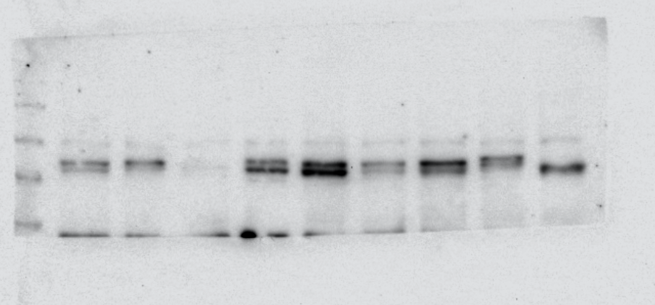

 |  |  |  |  | 245

 |  |  | Markers |  | 190


 |  |  |  |  | 135
 |  |  |  |  | 100 |  |  |  |  |  |  |  |  |  | anti-myc

 |  |  |  |  | 80
245

190
 |  |  |  |  | 58
135

100

80
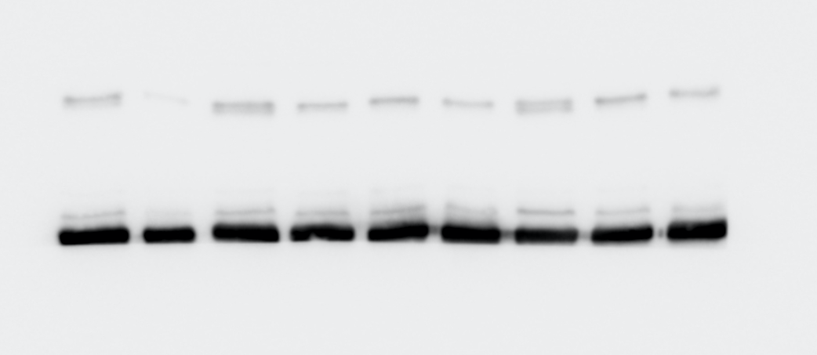

58

 |  |  |  |  |  |  |  |  |  |  |  |  |  |  | anti-tubuline

 |  |  |  |  |  |  |  |  |  |  |  |  |  |  | 50 KD
46

32

 |  | tubulin | myc | ratio myc / tubulin
 | 1 | 6951.234 | 5225.175 | 0.751690275
 | 2 | 4930.598 | 4903.347 | 0.994473084
 | 3 | 6445.062 | 1477.527 | 0.229249463
 | 4 | 5604.941 | 9462.267 | 1.688201
 | 5 | 6573.77 | 16928.288 | 2.575126297
 | 6 | 6982.012 | 5996.832 | 0.858897407
 | 7 | 4945.355 | 12377.631 | 2.502880177
 | 8 | 5563.062 | 7254.953 | 1.304129452
 | 9 | Irrelevant for this work

