Fig.1a
 | eWAT | iWAT
NCD | 1.1457079382 | 0.57609919393
 | 0.723344526 | 1.3282454327
 | 1.1309475358 | 1.0956553734
 | 0.46444491898 | 0.74354836572
 | 1.1861881663 | 1.0402821578
 | 1.3493669147 | 1.2161694765
HFD | 1.7618505829 | 1.6811823959
 | 2.3848217668 | 1.7508251041
 | 2.5573955814 | 2.4009987812
 | 1.69963453 | 4.3885251242
 | 1.4101636352 | 1.3992030083
 | 1.2361398168 | 2.7700607202

 | eWAT | iWAT
lean | 0.55614529449 | 1.5889250034
 | 0.95392856681 | 1.0371450552
 | 1.1000086098 | 1.1883595295
 | 1.3899175289 | 1.2455153256
db/db | 2.1773956029 | 2.3775538831
 | 1.6617153978 | 2.5066892095
 | 1.538704053 | 2.5506536865
 | 1.3717293436 | 2.1434454024
PHLPP2
PHLPP1
β-actin
PHLPP2
PHLPP1
β-actin
PHLPP2
PHLPP1
β-actin
PHLPP2
PHLPP1
β-actin
Fig. 1a
150
150
50
150
150
50
150
150
50
50
150
150

Fig.4a
eWAT |  |  |  | iWAT
 | S563 | S565 | S660 |  | S563 | S565 | S660
Cre-, NCD | 0.63346475464 | 0.95082186491 | 0.7406284536 | Cre-, NCD | 0.30635984234 | 0.32318238954 | 0.66778605866
 | 0.89281460172 | 1.0823855996 | 1.0659758239 |  | 1.20761032 | 1.1918604217 | 1.063780681
 | 1.4737206436 | 0.96679253544 | 1.1933957225 |  | 1.4860298377 | 1.4849571888 | 1.2684332604
A-PHLPP2, NCD | 1.775176698 | 0.59468576476 | 0.988492362 | A-PHLPP2, NCD | 0.83419994295 | 1.0621375474 | 0.88718217684
 | 1.2440803851 | 1.4307306922 | 1.7131327323 |  | 1.6339583597 | 1.2721174381 | 1.3730150023
 | 1.4465658002 | 0.97592199287 | 1.5183136311 |  | 1.1963980947 | 1.1189669057 | 1.0814665021
Cre-, HFD | 0.50246151227 | 1.297701956 | 0.29589316518 | Cre-, HFD | 0.034463434593 | 0.97257809263 | 0.15498457307
 | 0.35793533055 | 0.7442517028 | 0.19210701598 |  | 0.048404900464 | 1.0216219943 | 0.20486135461
 | 0.2122937456 | 0.69435092901 | 0.084924794266 |  | 0.094707994117 | 0.95425330485 | 0.049351857802
A-PHLPP2, HFD | 0.84601486314 | 0.84112099548 | 0.59020791761 | A-PHLPP2, HFD | 0.38754153739 | 1.1639506772 | 0.3187277185
 | 0.89187787498 | 0.86614880814 | 0.4282469322 |  | 0.36071032687 | 1.0229715406 | 0.44773000856
 | 0.57939235808 | 0.85699378685 | 0.42609633383 |  | 0.68634005244 | 0.70967453955 | 0.58362167114
HSL
HSL
p-HSL (S660)
p-HSL (S660)
p-HSL (S563)
p-HSL (S563)
p-AMPKα (T172)
p-AMPKα (T172)
p-HSL (S565)
p-HSL (S565)
p-CREB (S133)
p-CREB (S133)
α-tubulin
α-tubulin
Fig. 4a
75
75
75
37
75
75
50
75
75
75
37
75
75
50

Fig.4b
p-AMPKα (T172)
p-HSL (S563)
p-HSL (S565)
p-CREB (S133)
PHLPP2
HSL
p-PKA substrate
β-actin
Fig. 4b
75
75
75
37
50
50
150
37

Fig.4c
 | S563 |  | S660
EV | 1 | 1 | 1 | 1
PHLPP2 | 0.77721487407 | 1.0090836796 | 1.3931227741 | 0.7707370932
EV+CL316,243 | 6.4719013163 | 5.7664607679 | 5.2629740904 | 5.9311593082
PHLPP2+CL316,243 | 1.85770843 | 1.6472598856 | 2.2100041907 | 1.8077732114
p-HSL (S563)
p-HSL (S660)
HA
β-actin
Fig. 4c
75
75
150
37

Fig.4d
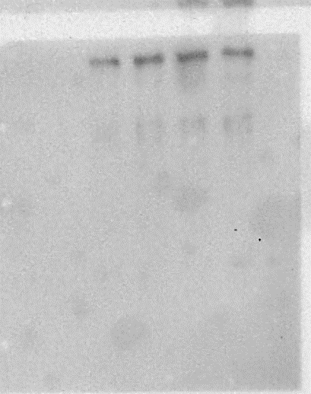
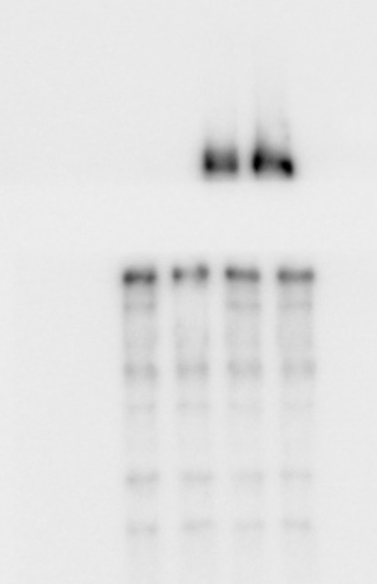
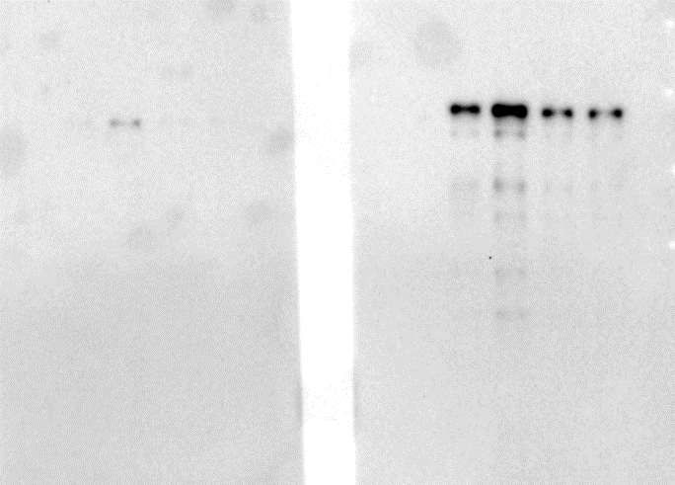
PHLPP2
total HSL
p-HSL (S565)
p-HSL (S563)
p-HSL (S660)
Fig. 4d
250
150
100
75
50
37
100
100
100
150
100

Fig.6e
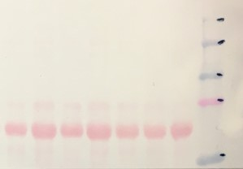
Fig. 6e
Adiponectin
Ponceau S
25
75
50
100
150
250

Fig.6f
150
Adiponectin
PHLPP2
β-actin
Fig. 6f
25
37

Fig.6g

Fig. 6g
Adiponectin
Ponceau S
25
50

Fig.6i
Fig. 6i
p-AMPKα (T172)
AMPKα
p-ACC1 (S79)
ACC1
β-actin
50
50
250
250
37

Suppl.Fig.2c
Fig. S2c
PHLPP2
β-actin
150
37

Suppl.Fig.2f
Fig. S2f
Akt
p-Akt (S473)
β-actin
50
37
50

Suppl.Fig.2g
β-actin
p-Akt (S473)
Akt
Fig. S2g
50
50
37

Suppl.Fig.4e
HA
PHLPP2
β-actin
Fig. S4e
150
37
150

Suppl.Fig.5d

Fig. S5d
Hsl
PHLPP2
β-actin
150
75
37

Suppl.Fig.7c
Fig. S7c
Adiponectin
Ponceau S
50
25

Suppl.Fig.7g
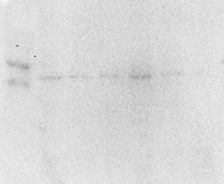
Fig. S7g
PHLPP2
PPARα
β-actin
150
50
37

Suppl.Fig.7i
p-AMPKα (T172)
AMPKα
p-ACC1 (S79)
ACC1
β-actin
Fig. S7i
150
50
250
250
37

Suppl.Fig.7j
PHLPP2
β-actin
Fig. S7j
PHLPP2
β-actin
150
37
150
37
150
37
150
37

