Figure 7
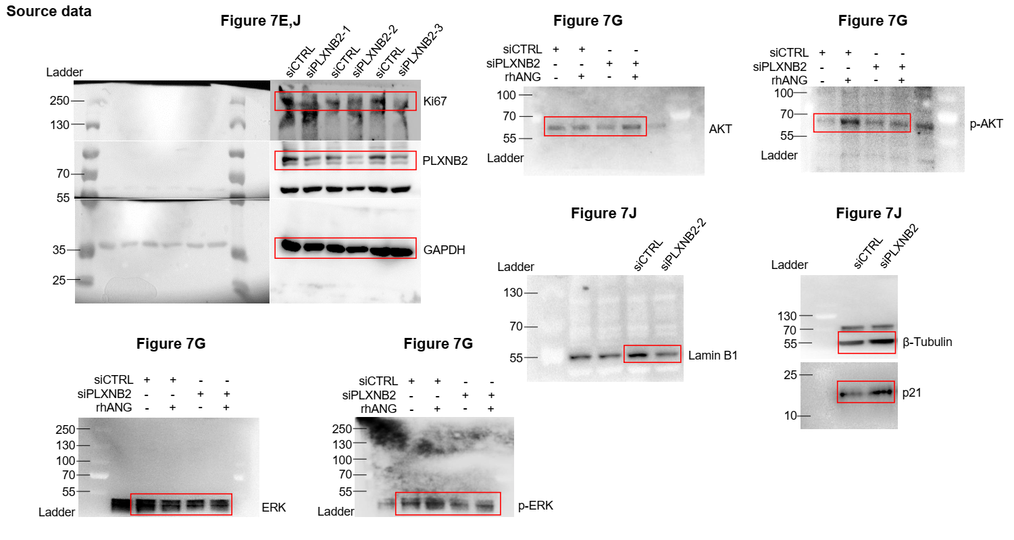
Figure 7c
 | Vehicle | Vehicle | Vehicle | Vehicle | Vehicle | Vehicle | MPS | MPS | MPS | MPS | MPS | MPS
 | 45.25 | 36.69 | 51.43 | 43.18 | 38.37 | 42.25 | 10.5 | 10.16 | 5.45 | 12.17 | 11.36 | 13.43

Figure 7d
 | Vehicle | Vehicle | Vehicle | Vehicle | Vehicle | Vehicle | MPS | MPS | MPS | MPS | MPS | MPS
 | 53.21 | 55.69 | 57.73 | 53.94 | 48.46 | 7.17 | 62.49 | 60.62 | 50.37 | 49.34 | 62.21 | 52.19

Figure 7l
Control IgG | 26-2F | mAb17
1320.49 | 469.76 | 653.49
1456.35 | 532.43 | 785.65
1236.24 | 436.35 | 736.34
1669.63 | 789.37 | 653.38
1368.43 | 732.18 | 465.17
1469.16 | 583.93 | 632.92
1479.49 | 512.91 | 539.83
1563.62 | 534.38 | 521.34
1536.89 | 613.46 | 536.46

