Fig.1
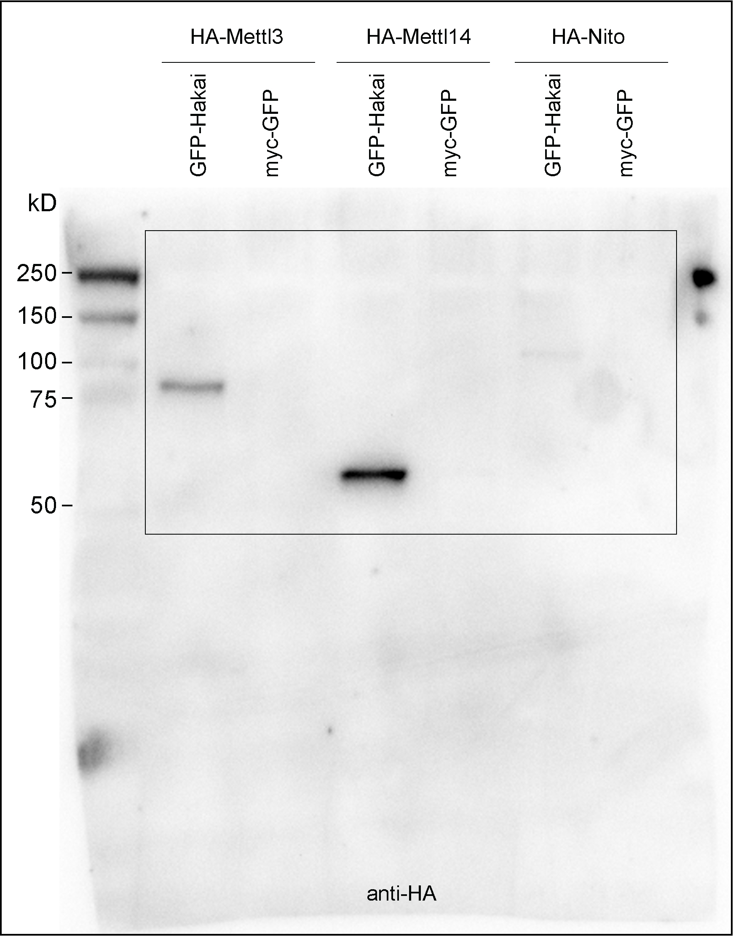
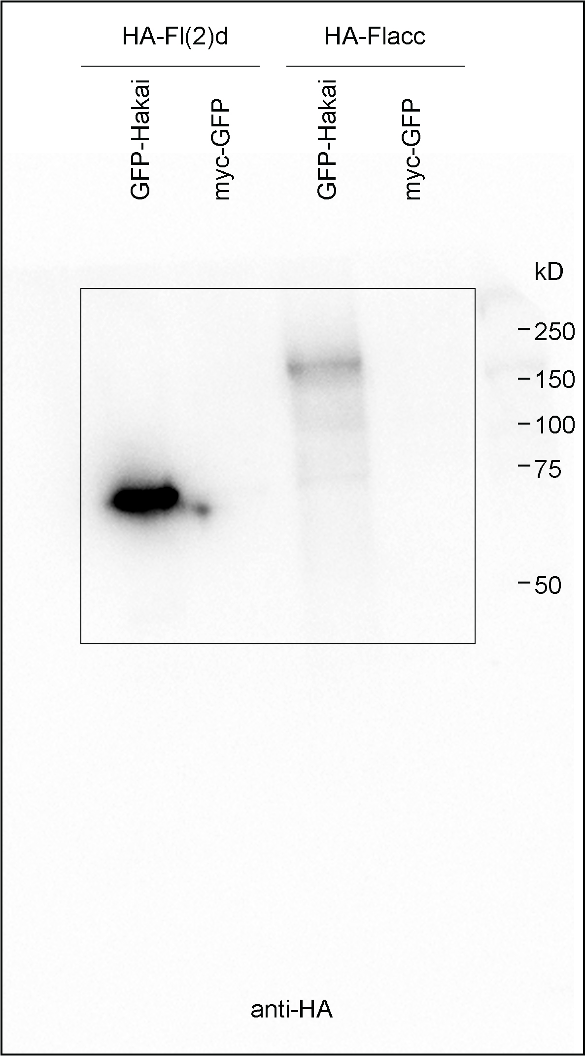
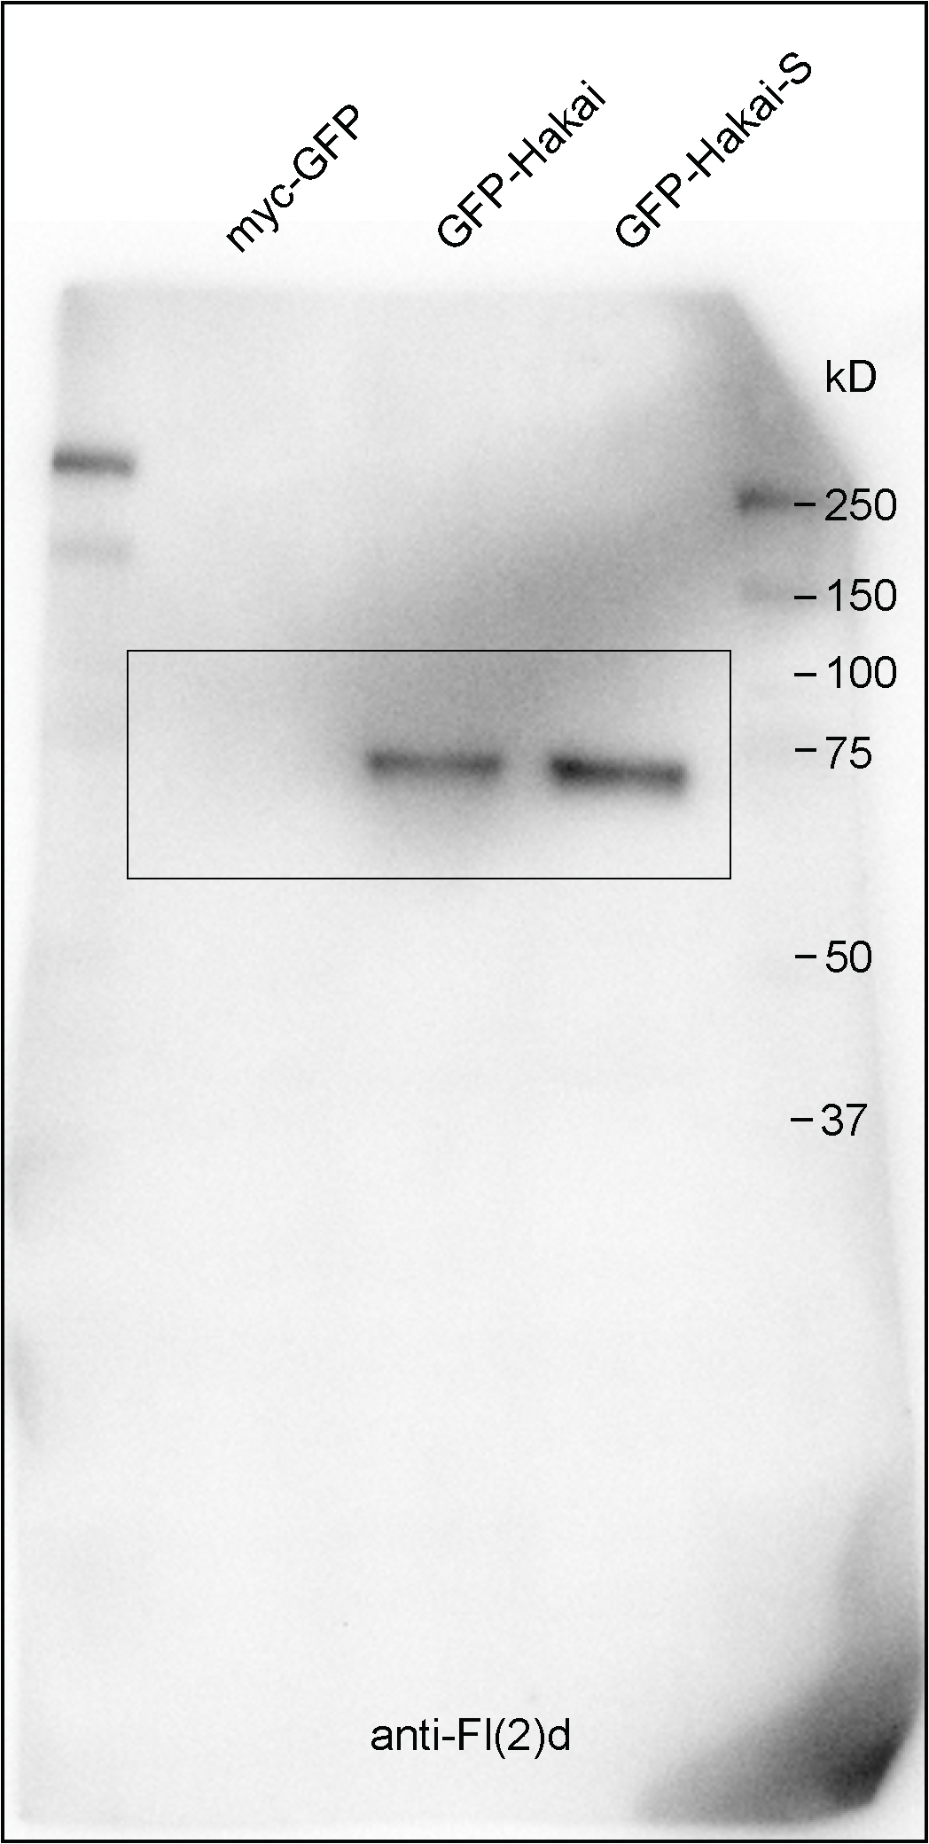
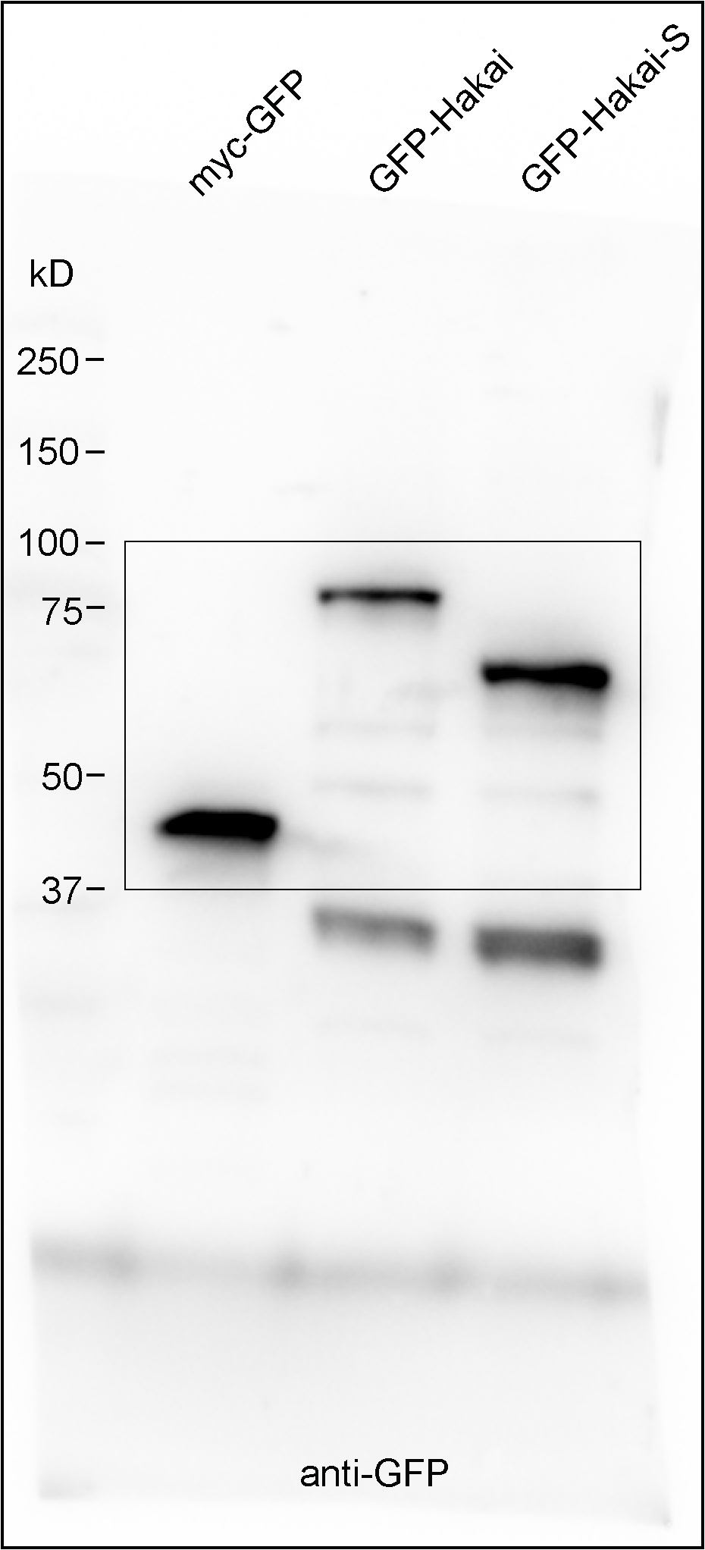
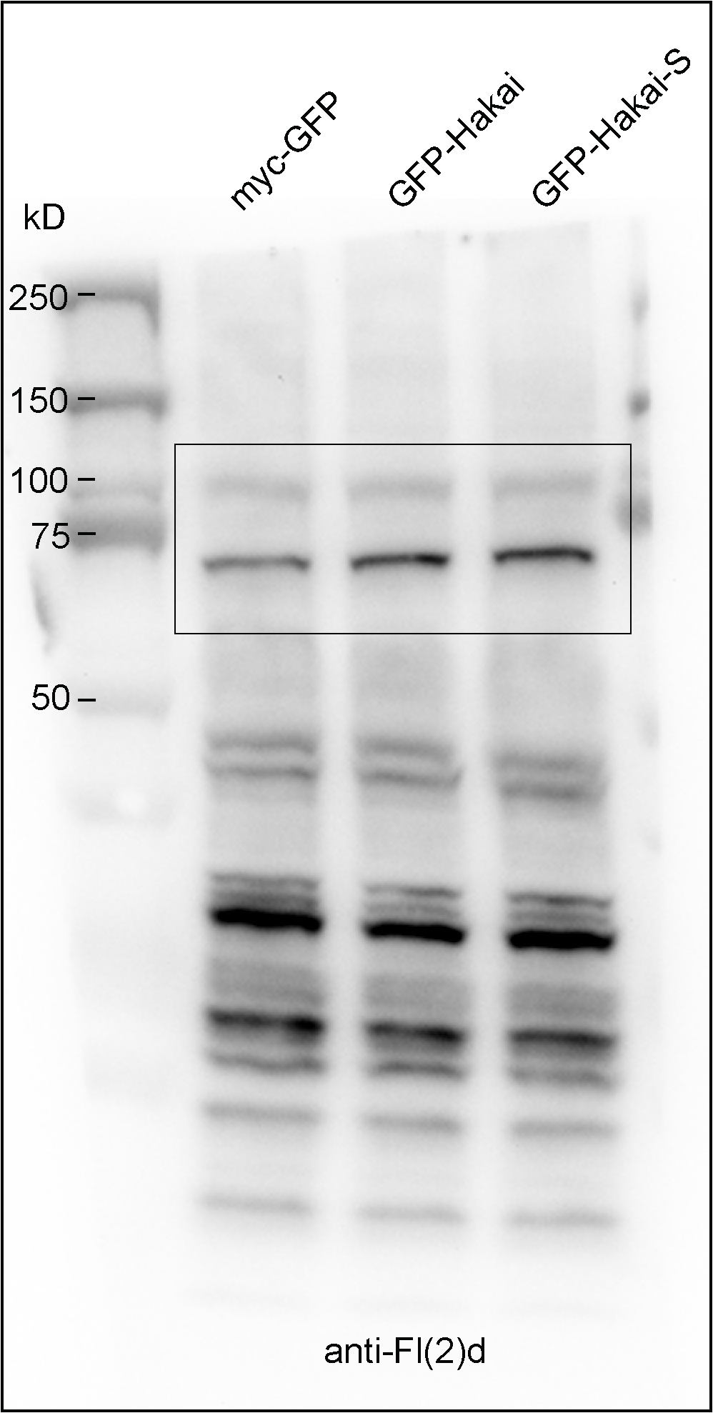
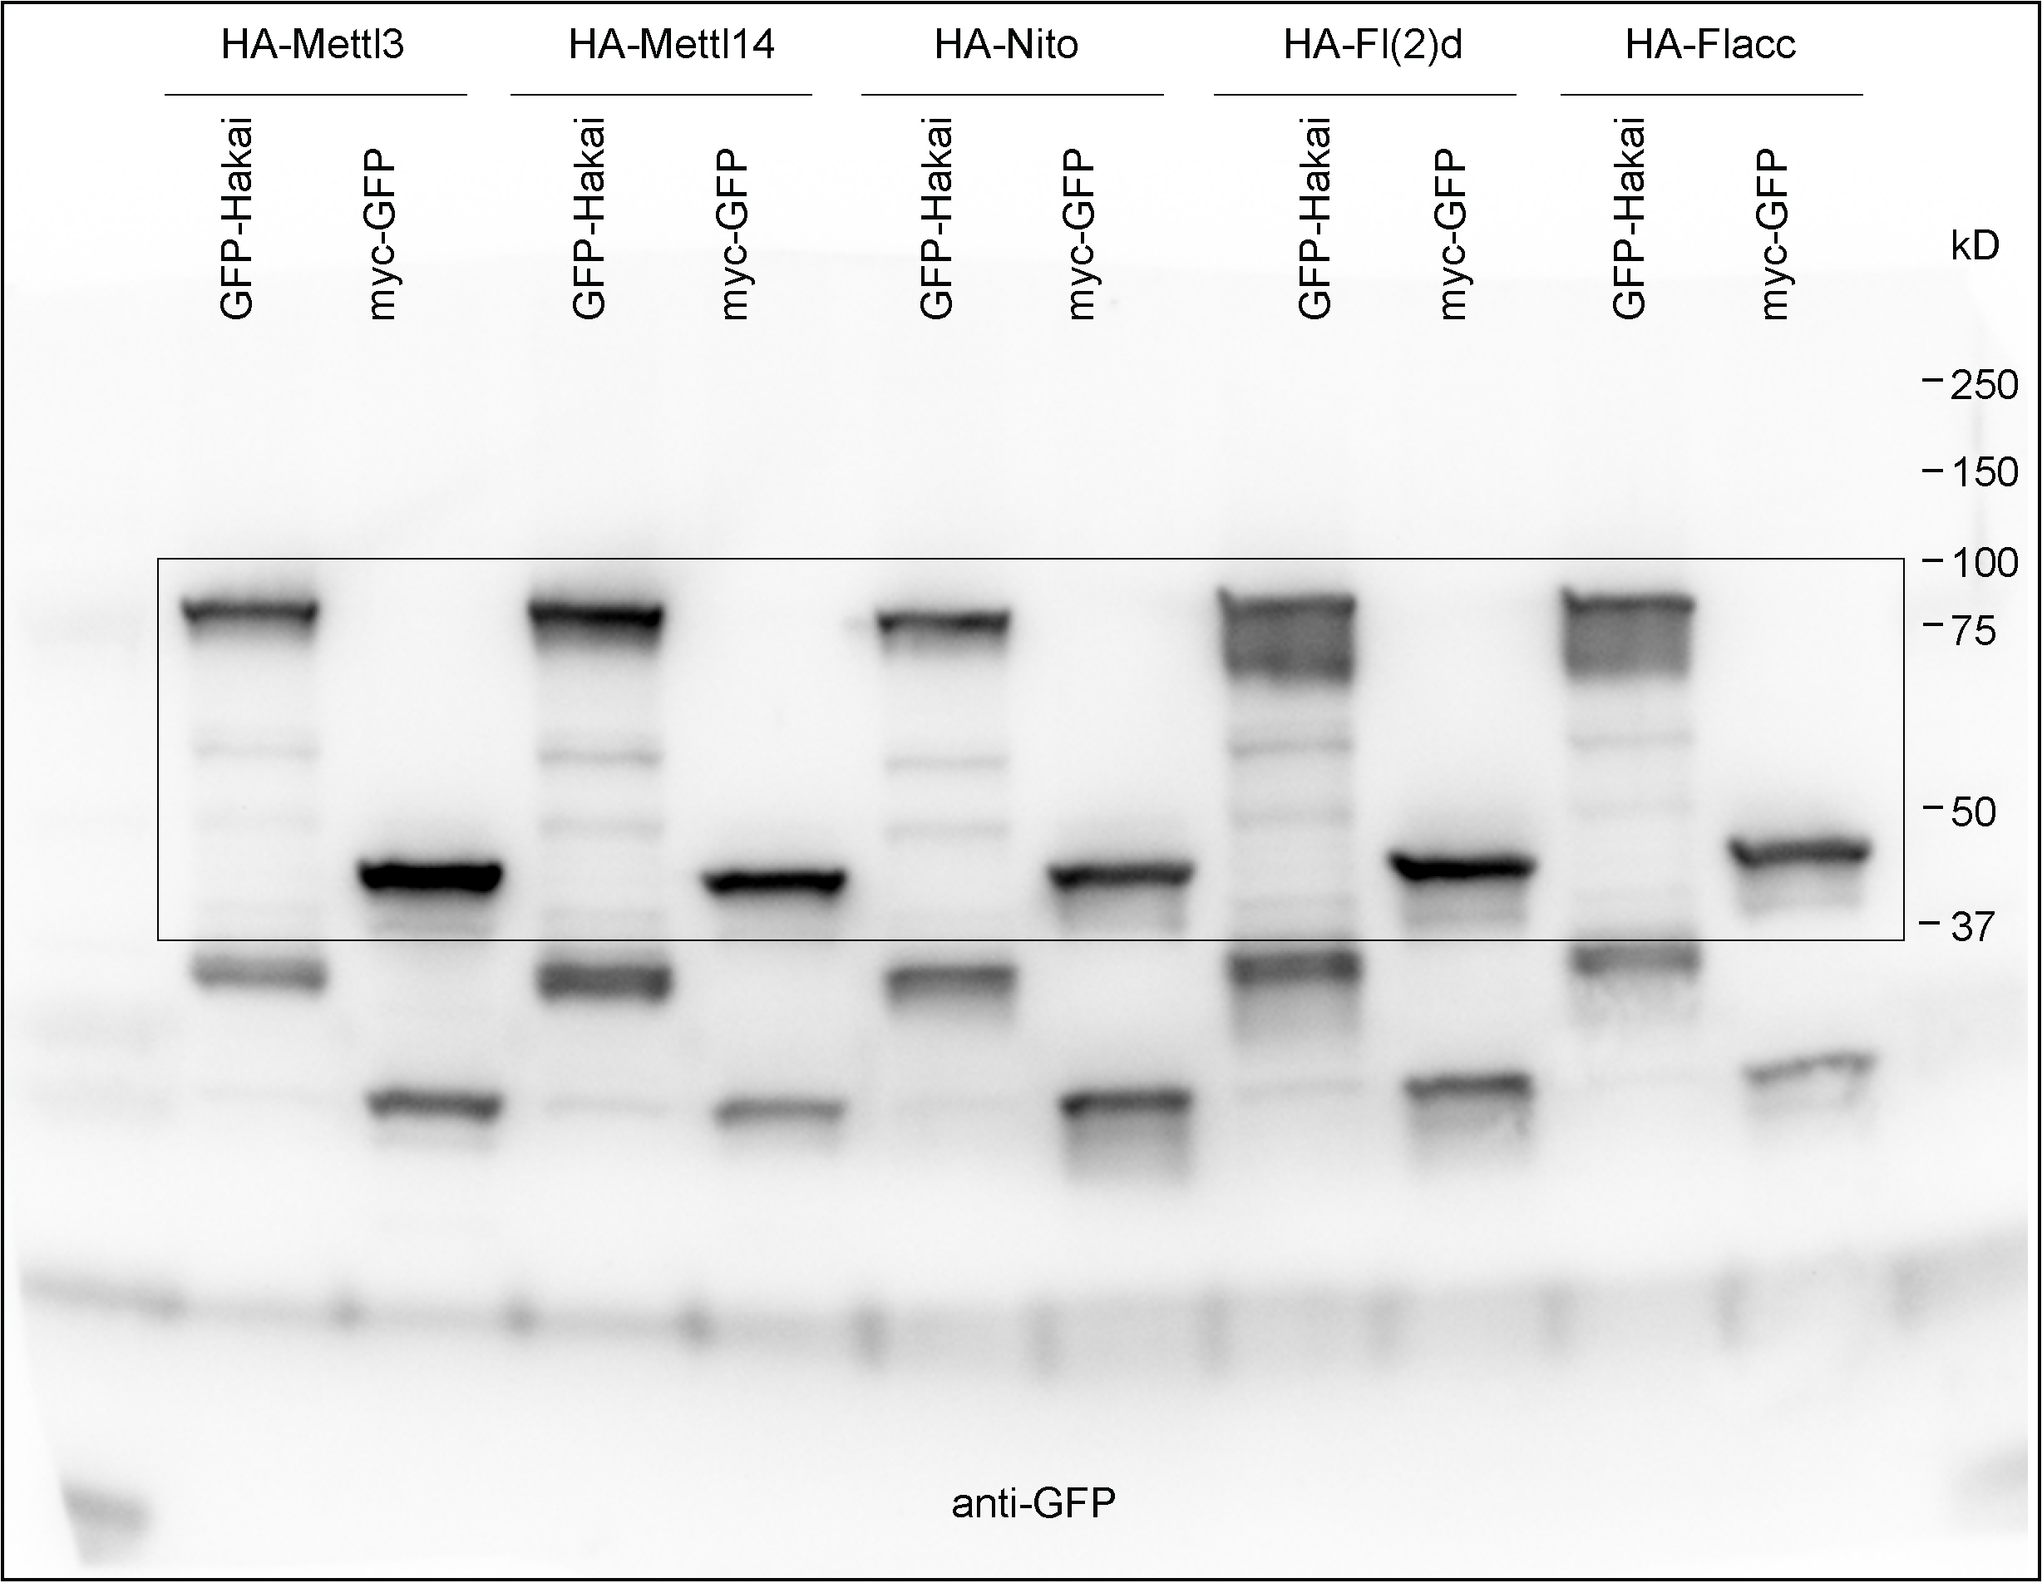
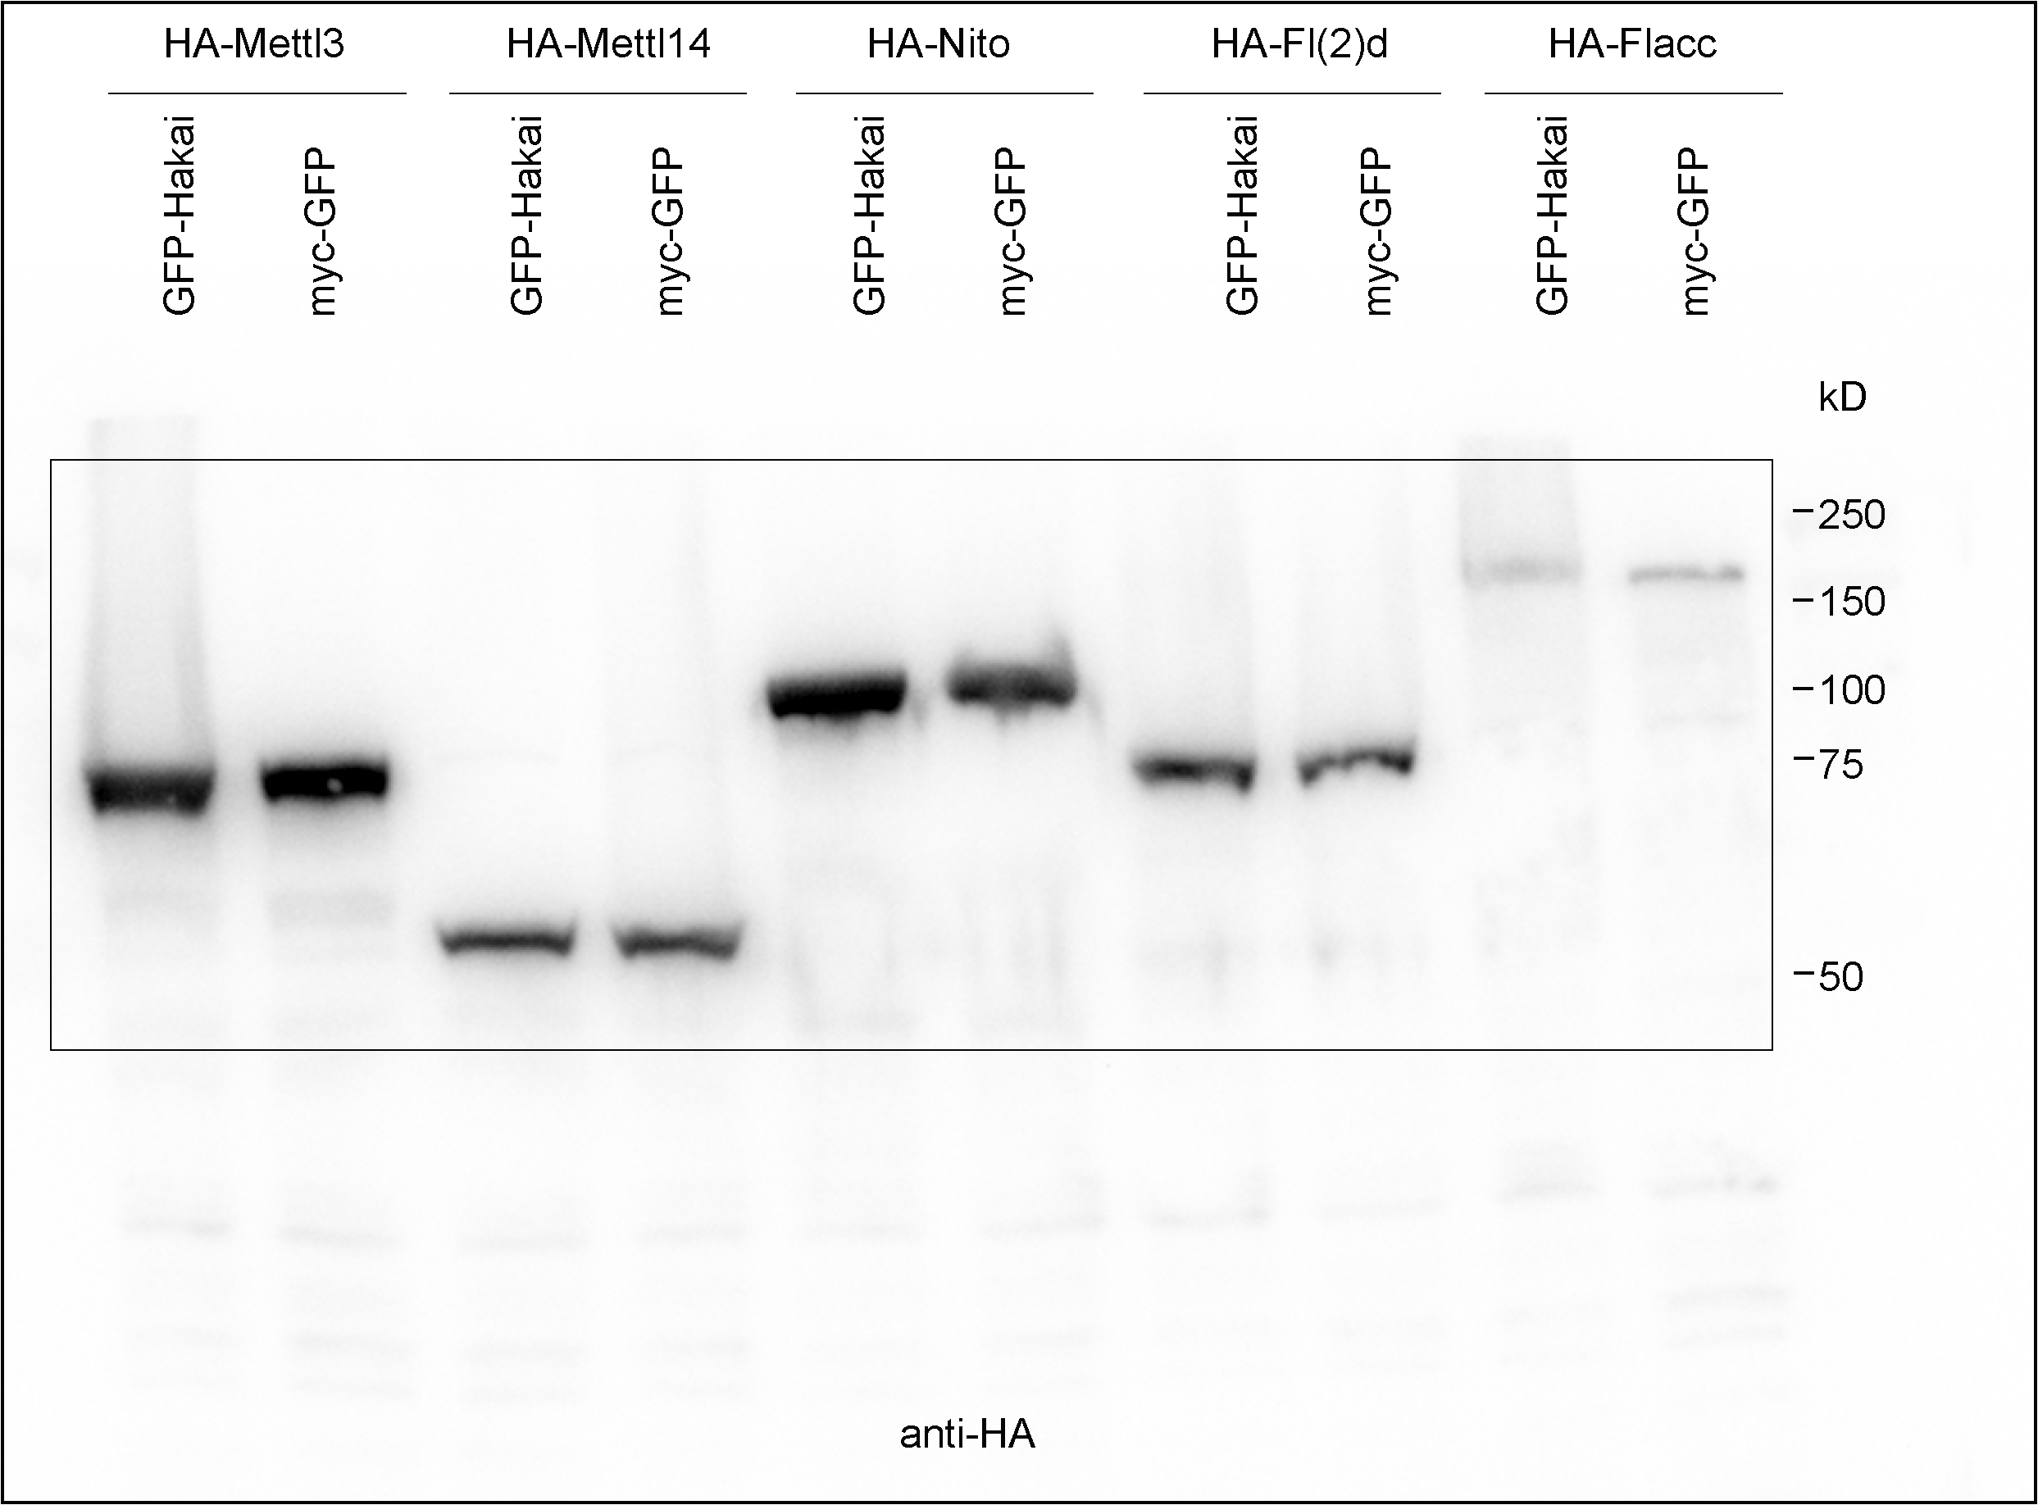
Fig. 1f | Fig. 1g

Fig. 3
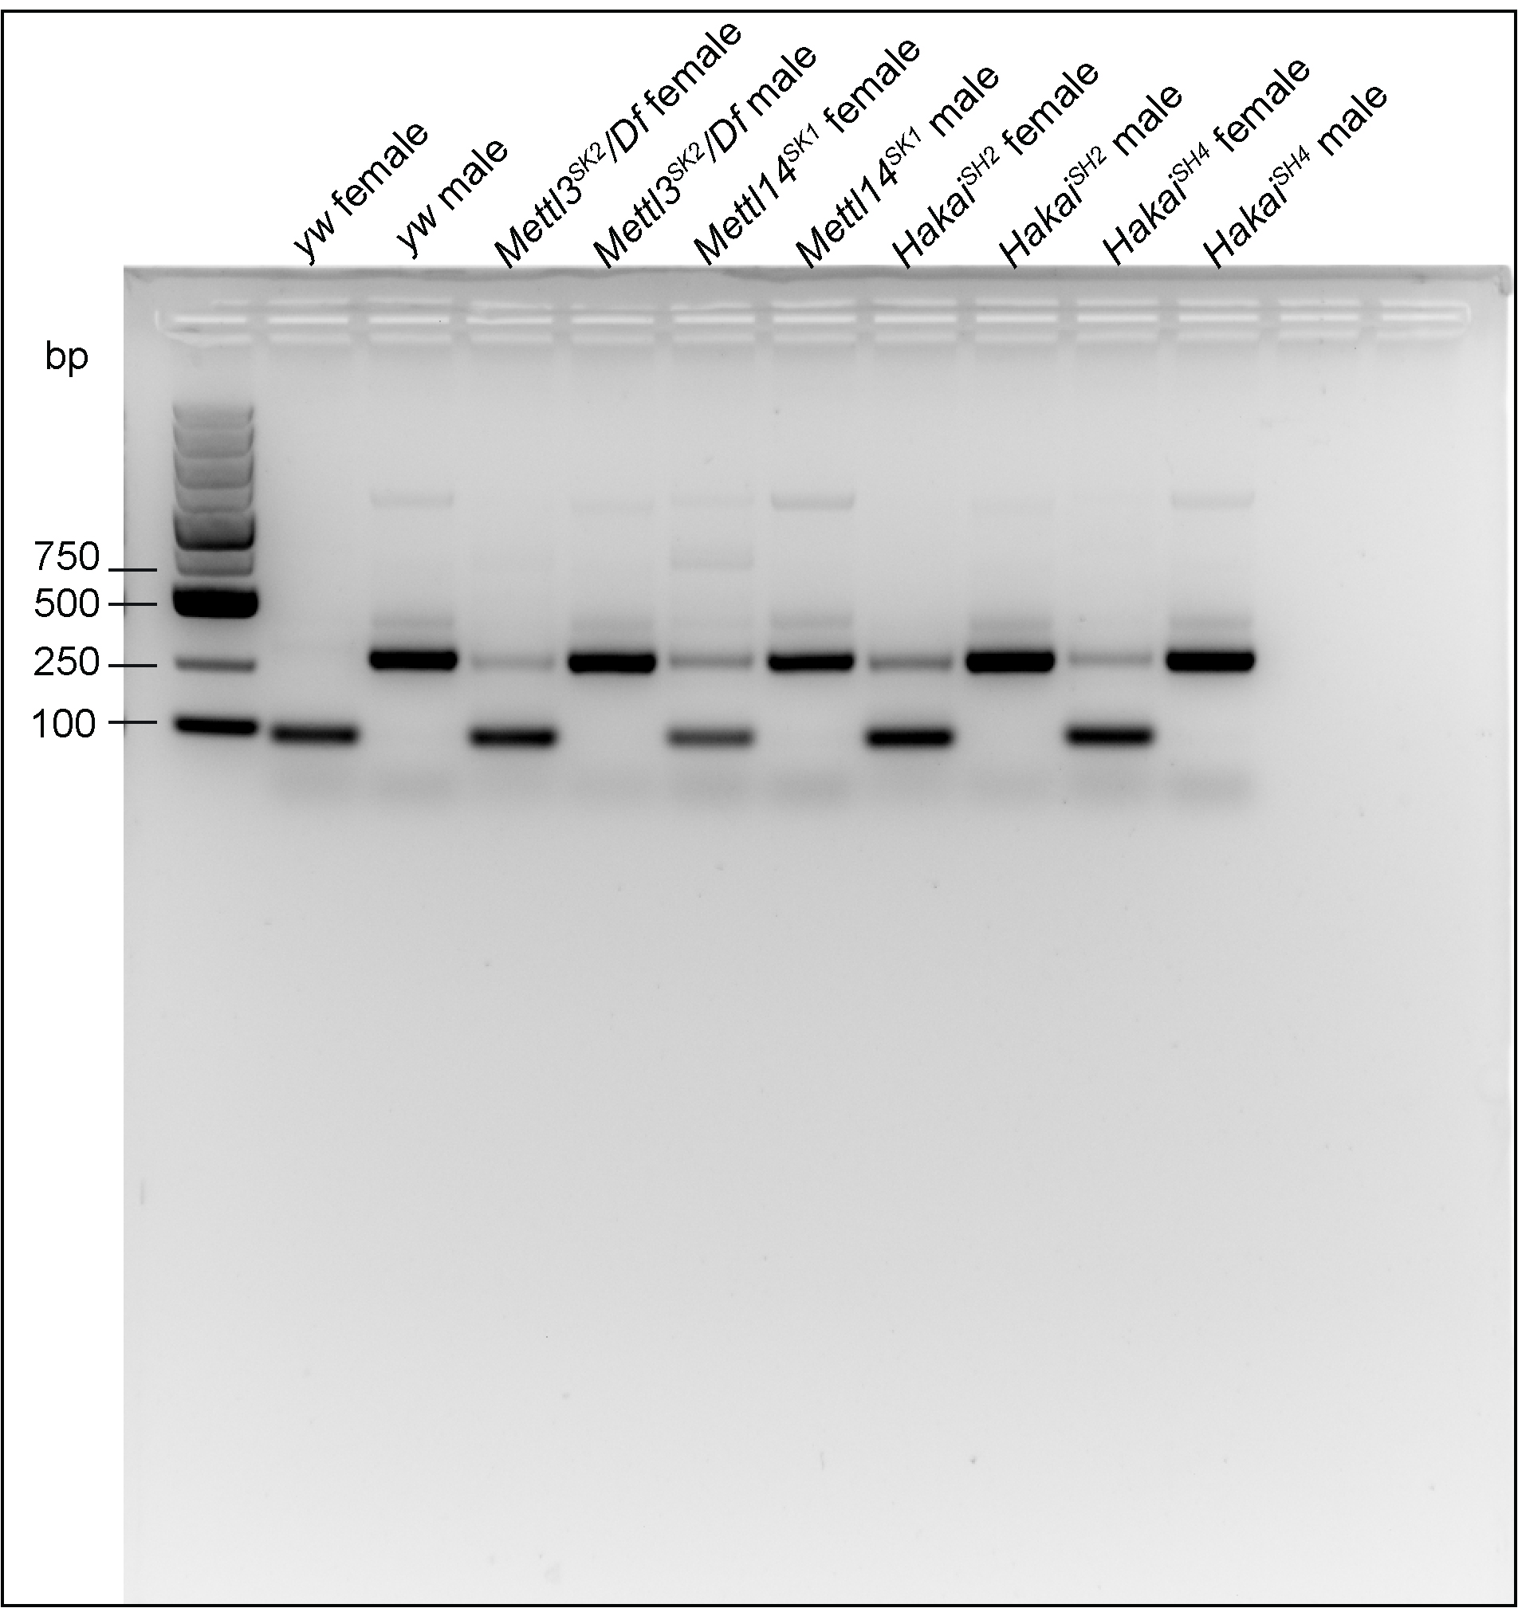
Fig. 3b

Fig. 3c
relative expression | Dsp1 (unspliced) |  |  | Dsp1 (spliced) |  |  | CG8929 (unspliced) |  |  | CG8929 (spliced) |  |  | Aldh-III (unspliced) |  |  | Aldh-III (spliced) |  |  | fl(2)d (prox-spliced) |  |  | fl(2)d (dist-spliced)
yw | 0.52 | 0.48 | 0.5 | 0.48 | 0.52 | 0.5 | 0.48 | 0.51 | 0.51 | 0.52 | 0.49 | 0.49 | 0.47 | 0.54 | 0.49 | 0.53 | 0.46 | 0.51 | 0.5 | 0.5 | 0.49 | 0.5 | 0.51 | 0.51
mettl3SK2/Df | 0.08 | 0.08 | 0.08 | 0.92 | 0.92 | 0.92 | 0.31 | 0.3 | 0.39 | 0.69 | 0.7 | 0.61 | 0.28 | 0.25 | 0.27 | 0.72 | 0.75 | 0.73 | 0.13 | 0.13 | 0.12 | 0.87 | 0.87 | 0.88
mettl14SK1 | 0.05 | 0.05 | 0.05 | 0.95 | 0.95 | 0.95 | 0.26 | 0.21 | 0.31 | 0.74 | 0.77 | 0.69 | 0.24 | 0.21 | 0.23 | 0.76 | 0.79 | 0.77 | 0.13 | 0.12 | 0.12 | 0.87 | 0.88 | 0.88
HakaiSH4 | 0.1 | 0.05 | 0.09 | 0.9 | 0.95 | 0.91 | 0.25 | 0.3 | 0.35 | 0.75 | 0.7 | 0.65 | 0.29 | 0.33 | 0.28 | 0.71 | 0.67 | 0.72 | 0.08 | 0.15 | 0.09 | 0.92 | 0.85 | 0.91

Fig. 3h
Samples | percent held-out wings
yw-1 | 0
yw-2 | 0
yw-3 | 0
mettl3SK2/Df-1 | 90.909091
mettl3SK2/Df-2 | 81.818182
mettl3SK2/Df-3 | 80
mettl3SK2/Df-4 | 84.615385
HakaiSH2-1 | 88.88889
HakaiSH2-2 | 80
HakaiSH2-3 | 80
HakaiSH2-4 | 100
HakaiSH4-1 | 92.307692
HakaiSH4-2 | 70
HakaiSH4-3 | 100

Fig. 3i
Samples | percent flightless
yw-1 | 0
yw-2 | 0
yw-3 | 0
yw-4 | 10
mettl3SK2/Df-1 | 100
mettl3SK2/Df-2 | 100
mettl3SK2/Df-3 | 100
mettl3SK2/Df-4 | 100
HakaiSH2-1 | 100
HakaiSH2-2 | 100
HakaiSH2-3 | 100
HakaiSH2-4 | 100
HakaiSH2-5 | 100
HakaiSH4-1 | 100
HakaiSH4-2 | 100
HakaiSH4-3 | 100
HakaiSH4-4 | 100
HakaiSH4-5 | 100

