1b
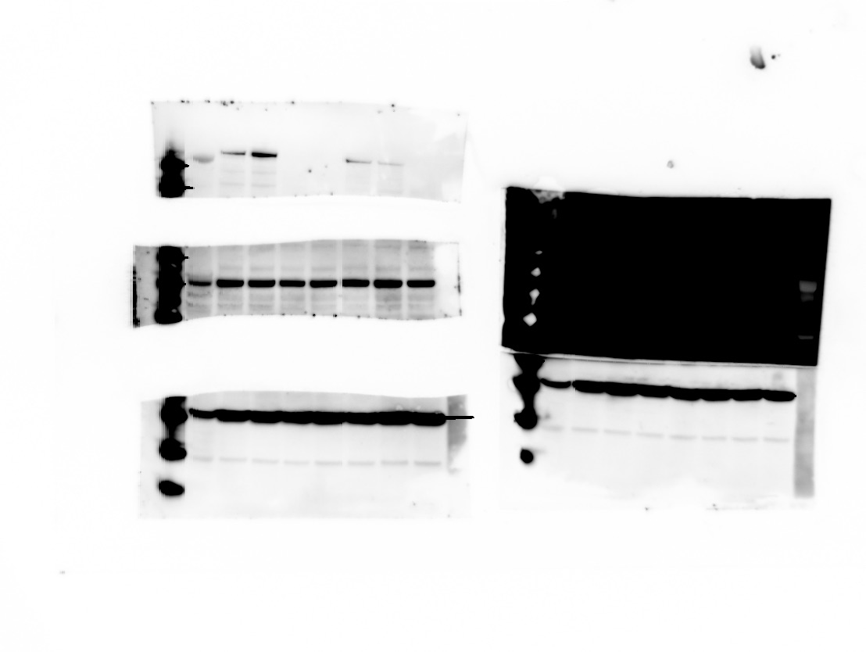

Thermofisher (MA5-23519) CAS9 1:1000

150 kDa
198 kDa
Ladder
100 kDa
Liver Cas9 Ready
2613 SAM CB4
2613 SAM BB3
2612 LSL-SAM AF5
2612 LSL-SAM AF3
2600 AB8
2600 AA4
98 kDa
Ladder
F1H4

Actin 1:10,000

3c
Experimental ID | AAV8 Treatment | Genotype | 1:10,000 week 1 | 1:10,000 harvest | 1:30,000 week 1 | 1:30,000 harvest |  |  | Experimental ID | AAV8 Treatment | Genotype | HARVEST: 4 weeks after IV of 1e11 virus
1 | TTR Array | 2613 Het | 8623.8802828 | 7677.0564633 | 3938.7161902 | 3665.5042088 |  |  | 1 | TTR Array | 2613 Het | 3665.5042088
2 | TTR Array | 2613 Het | 8799.9304459 | 8784.907622 | 3762.3326225 | 3854.8070672 |  |  | 2 | TTR Array | 2613 Het | 3854.8070672
3 | TTR Array | 2613 Het | 8060.9321169 | 7816.2428514 | 3197.1191781 | 3134.9682869 |  |  | 3 | TTR Array | 2613 Het | 3134.9682869
4 | Tsx Array | 2613 Het | 216.46660137 |  | -8.7733747253 |  |  |  | 10 | GFP | 2613 WT | 768.0850344
5 | Tsx Array | 2613 Het | 229.22446687 |  | 108.08337751 |  |  |  | 11 | GFP | 2613 WT | 913.38841643
6 | Tsx Array | 2613 Het | 291.44454328 |  | 147.83562288 |  |  |  | 12 | GFP | 2613 WT | 853.36216629
7 | C9orf72 Array | 2613 Het | 164.53480918 |  | -109.33300575
8 | C9orf72 Array | 2613 Het | 215.20853063 |  | -31.510304474 |  |  |  |  |  |  | ug/ml TTR
9 | C9orf72 Array | 2613 Het | 201.53057604 |  | 58.231233499 |  |  |  |  |  |  | Male mice
10 | GFP | 2613 WT | 688.90338084 | 768.0850344 | 814.22496506 | 1006.4988922
11 | GFP | 2613 WT | 758.17886609 | 913.38841643 | 881.66498399 | 1194.8602628
12 | GFP | 2613 WT | 738.5538118 | 853.36216629 | 925.56052865 | 1144.2377432
13 | none | 2613 WT | 703.21876053 |  | 915.70629138
14 | none | 2613 WT | 651.29775397 |  | 797.13798586
15 | none | 2613 WT | 618.85913256 |  | 684.68434265
OUTSIDE limits of detection
 |  |  | Standard BC | 1 to 10000 | 1 to 30000
 |  |  | 500 ng/mL | 495.76503456 | 489.99848744
 |  |  | 250 ng/mL | 262.34724216 | 273.46046566
 |  |  | 125 ng/mL | 110.77950898 | 102.69006911
 |  |  | 62.5 ng/mL | 63.302486076 | 63.740685591
 |  |  | 31.25 ng/mL | 39.483658365 | 42.81104226
 |  |  | 15.6 ng/mL | 18.196330104 | 21.263069066
 |  |  | 0 ng/mL | -5.4494350744 | -9.5437732102

1:10000 |  |  |  |  |  |  |  |  |  |  |  |  |  | 1:30000
Plate 1 Layout | 1 | 2 | 3 | 4 | 5 | 6 | 7 | 8 | 9 | 10 | 11 | 12 |  | Plate 1 Layout | 1 | 2 | 3 | 4 | 5 | 6 | 7 | 8 | 9 | 10 | 11 | 12
A | 1 wk 1 | 1 wk 1 | 1 wk 9 | 1 wk 9 | Hvst 1 | Hvst 1 |  |  |  |  | STD 1 | STD 1 |  | A | 1 wk 1 | 1 wk 1 | 1 wk 9 | 1 wk 9 | Hvst 1 | Hvst 1 |  |  |  |  | STD 1 | STD 1
B | 1wk 2 | 1wk 2 | 1wk 10 | 1wk 10 | Hvst 2 | Hvst 2 |  |  |  |  | STD 2 | STD 2 |  | B | 1wk 2 | 1wk 2 | 1wk 10 | 1wk 10 | Hvst 2 | Hvst 2 |  |  |  |  | STD 2 | STD 2
C | 1wk 3 | 1wk 3 | 1wk 11 | 1wk 11 | Hvst3 | Hvst3 |  |  |  |  | STD 3 | STD 3 |  | C | 1wk 3 | 1wk 3 | 1wk 11 | 1wk 11 | Hvst3 | Hvst3 |  |  |  |  | STD 3 | STD 3
D | 1wk 4 | 1wk 4 | 1wk 12 | 1wk 12 | Hvst 4 | Hvst 4 |  |  |  |  | STD 4 | STD 4 |  | D | 1wk 4 | 1wk 4 | 1wk 12 | 1wk 12 | Hvst 4 | Hvst 4 |  |  |  |  | STD 4 | STD 4
E | 1wk 5 | 1wk 5 | 1wk 13 | 1wk 13 | Hvst 5 | Hvst 5 |  |  |  |  | STD 5 | STD 5 |  | E | 1wk 5 | 1wk 5 | 1wk 13 | 1wk 13 | Hvst 5 | Hvst 5 |  |  |  |  | STD 5 | STD 5
F | 1wk 6 | 1wk 6 | 1wk 14 | 1wk 14 | Hvst 6 | Hvst 6 |  |  |  |  | STD 6 | STD 6 |  | F | 1wk 6 | 1wk 6 | 1wk 14 | 1wk 14 | Hvst 6 | Hvst 6 |  |  |  |  | STD 6 | STD 6
G | 1wk 7 | 1wk 7 | 1wk 15 | 1wk 15 | Blank | Blank |  |  |  |  | Blank | Blank |  | G | 1wk 7 | 1wk 7 | 1wk 15 | 1wk 15 | Blank | Blank |  |  |  |  | Blank | Blank
H | 1wk 8 | 1wk 8 | Blank | Blank | Blank | Blank |  |  |  |  | Blank | Blank |  | H | 1wk 8 | 1wk 8 | Blank | Blank | Blank | Blank |  |  |  |  | Blank | Blank

<> | 1 | 2 | 3 | 4 | 5 | 6 | 7 | 8 | 9 | 10 | 11 | 12 |  | <> | 1 | 2 | 3 | 4 | 5 | 6 | 7 | 8 | 9 | 10 | 11 | 12
A | 0.50859999657 | 0.52130001783 | 0.082400001585 | 0.086800001562 | 0.49639999866 | 0.50010001659 | 0.045200001448 | 0.047299999744 | 0.045099999756 | 0.04830000177 | 0.43399998546 | 0.44440001249 |  | A | 0.2908000052 | 0.29229998589 | 0.055799998343 | 0.052799999714 | 0.28249999881 | 0.28369998932 | 0.039599999785 | 0.040699999779 | 0.04149999842 | 0.047699999064 | 0.42100000381 | 0.44530001283
B | 0.51639997959 | 0.51940000057 | 0.18590000272 | 0.18860000372 | 0.51649999619 | 0.51880002022 | 0.043900001794 | 0.043900001794 | 0.044399999082 | 0.050299998373 | 0.36120000482 | 0.36039999127 |  | B | 0.28859999776 | 0.28380000591 | 0.083200000226 | 0.083300001919 | 0.29580000043 | 0.28229999542 | 0.039700001478 | 0.042300000787 | 0.043999999762 | 0.050200000405 | 0.36039999127 | 0.37950000167
C | 0.50529998541 | 0.50510001183 | 0.20139999688 | 0.20200000703 | 0.50429999828 | 0.497299999 | 0.044399999082 | 0.045099999756 | 0.05169999972 | 0.047400001436 | 0.25200000405 | 0.25909999013 |  | C | 0.26789999008 | 0.26409998536 | 0.08749999851 | 0.085500001907 | 0.27070000768 | 0.25609999895 | 0.041600000113 | 0.043400000781 | 0.042700000107 | 0.044900000095 | 0.25940001011 | 0.26269999146
D | 0.086000002921 | 0.08789999783 | 0.19679999352 | 0.19869999588 | 0.20659999549 | 0.20069999993 | 0.045200001448 | 0.046300001442 | 0.047299999744 | 0.043699998409 | 0.17229999602 | 0.17700000107 |  | D | 0.052400000393 | 0.052000001073 | 0.089299999177 | 0.088100001216 | 0.093900002539 | 0.092000000179 | 0.038899999112 | 0.042199999094 | 0.042300000787 | 0.044799998403 | 0.16949999332 | 0.17419999838
E | 0.086800001562 | 0.091200001538 | 0.19120000303 | 0.18950000405 | 0.23199999332 | 0.22609999776 | 0.043800000101 | 0.04639999941 | 0.04830000177 | 0.057999998331 | 0.11829999834 | 0.12099999934 |  | E | 0.05739999935 | 0.054400000721 | 0.09279999882 | 0.083599999547 | 0.10559999943 | 0.10239999741 | 0.04149999842 | 0.04129999876 | 0.041700001806 | 0.0428000018 | 0.10769999772 | 0.11219999939
F | 0.098300002515 | 0.10090000182 | 0.17700000107 | 0.1807000041 | 0.2187000066 | 0.21979999542 | 0.046500001103 | 0.049499999732 | 0.052499998361 | 0.048500001431 | 0.082900002599 | 0.08030000329 |  | F | 0.058499999344 | 0.055900000036 | 0.081600002944 | 0.083300001919 | 0.10080000013 | 0.10090000182 | 0.043299999088 | 0.0410999991 | 0.042300000787 | 0.044300001115 | 0.075199998915 | 0.075599998236
G | 0.070799998939 | 0.087200000882 | 0.1712000072 | 0.17149999738 | 0.047200001776 | 0.052999999374 | 0.046700000763 | 0.061599999666 | 0.046900000423 | 0.048200000077 | 0.053599998355 | 0.048500001431 |  | G | 0.048500001431 | 0.049800001085 | 0.07840000093 | 0.076399996877 | 0.043999999762 | 0.043900001794 | 0.041700001806 | 0.04089999944 | 0.041200000793 | 0.042899999768 | 0.043099999428 | 0.045000001788
H | 0.077200002968 | 0.096299998462 | 0.044500000775 | 0.045000001788 | 0.051800001413 | 0.056400001049 | 0.20389999449 | 0.046999998391 | 0.052400000393 | 0.04300000146 | 0.044700000435 | 0.046000000089 |  | H | 0.052400000393 | 0.050599999726 | 0.043499998748 | 0.042700000107 | 0.046100001782 | 0.043200001121 | 0.042700000107 | 0.042399998754 | 0.040699999779 | 0.043800000101 | 0.042199999094 | 0.045099999756

Non-specific binding/background = |  |  | 0.048 |  |  |  |  |  |  |  |  |  |  | Non-specific binding/background = |  |  | 0.044

Plate 1 Background corrected | 1 | 2 | 3 | 4 | 5 | 6 | 7 | 8 | 9 | 10 | 11 | 12 |  | Plate 1 Background corrected | 1 | 2 | 3 | 4 | 5 | 6 | 7 | 8 | 9 | 10 | 11 | 12
A | 0.460 | 0.473 | 0.034 | 0.039 | 0.448 | 0.452 | -0.003 | -0.001 |  |  | 0.386 | 0.396 | 500 | A | 0.247 | 0.248 | 0.012 | 0.009 | 0.239 | 0.240 |  |  |  |  | 0.377 | 0.401 | 500
B | 0.468 | 0.471 | 0.138 | 0.140 | 0.468 | 0.471 | -0.004 | -0.004 |  |  | 0.313 | 0.312 | 250 | B | 0.245 | 0.240 | 0.039 | 0.039 | 0.252 | 0.238 |  |  |  |  | 0.317 | 0.336 | 250
C | 0.457 | 0.457 | 0.153 | 0.154 | 0.456 | 0.449 | -0.004 | -0.003 |  |  | 0.204 | 0.211 | 125 | C | 0.224 | 0.220 | 0.044 | 0.042 | 0.227 | 0.212 |  |  |  |  | 0.216 | 0.219 | 125
D | 0.038 | 0.040 | 0.149 | 0.150 | 0.158 | 0.152 | -0.003 | -0.002 |  |  | 0.124 | 0.129 | 62.5 | D | 0.009 | 0.008 | 0.045 | 0.044 | 0.050 | 0.048 |  |  |  |  | 0.126 | 0.130 | 62.5
E | 0.039 | 0.043 | 0.143 | 0.141 | 0.184 | 0.178 | -0.004 | -0.002 |  |  | 0.070 | 0.073 | 31.25 | E | 0.014 | 0.011 | 0.049 | 0.040 | 0.062 | 0.059 |  |  |  |  | 0.064 | 0.068 | 31.25
F | 0.050 | 0.053 | 0.129 | 0.133 | 0.171 | 0.172 | -0.002 | 0.001 |  |  | 0.035 | 0.032 | 15.63 | F | 0.015 | 0.012 | 0.038 | 0.039 | 0.057 | 0.057 |  |  |  |  | 0.031 | 0.032 | 15.63
G | 0.023 | 0.039 | 0.123 | 0.123 | -0.001 | 0.005 | -0.001 | 0.013 |  |  | 0.005 | 0.000 |  | G | 0.005 | 0.006 | 0.035 | 0.033 | 0.000 | 0.000 |  |  |  |  | -0.001 | 0.001
H | 0.029 | 0.048 | -0.004 | -0.003 | 0.004 | 0.008 | 0.156 | -0.001 |  |  | -0.003 | -0.002 |  | H | 0.009 | 0.007 | 0.000 | -0.001 | 0.002 | -0.001 |  |  |  |  | -0.002 | 0.001

 |  |  | 1:1000 is MAXED out |  |  |  |  |  |  |  |  |  |  |  |  |  | 1:1000 is MAXED out
Prism: Sigmoidal 4PL X is log |  |  |  |  |  |  |  |  |  |  |  |  |  | Prism: Sigmoidal 4PL X is log
Prism Analysis Mean X intropolated from curve: |  |  | Excluded D8 from curve |  |  |  |  |  |  |  |  |  |  | Prism Analysis Mean X intropolated from curve: |  |  | Excluded D8 from curve
Sample | Prism Concen ng/ml 1:200 | X200 | Prism Concen ng/ml 1:600 | X600 | Average ng/ ml | Concentration ug/ml |  |  |  | STANDARDs | Abs | STANDARDs |  | Sample | Prism Concen ng/ml 1:200 | X200 | Prism Concen ng/ml 1:600 | X600 | Average ng/ ml | Concentration ug/ml |  |  |  | STANDARDs | Abs | STANDARDs
EUROPA-1 | 862.38802828 | 8623880.2828 |  |  | 8623880.283 | 8623.880 |  |  |  | 500 ng/mL | 0.391 | 500 |  | EUROPA-1 | 131.29053967 | 3938716.1902 |  |  | 3938716.190 | 3938.716 |  |  |  | 500 ng/mL | 0.389 | 500
EUROPA-2 | 879.99304459 | 8799930.4459 |  |  | 8799930.446 | 8799.930 |  |  |  | 250 ng/mL | 0.313 | 250 |  | EUROPA-2 | 125.41108742 | 3762332.6225 |  |  | 3762332.623 | 3762.333 |  |  |  | 250 ng/mL | 0.326 | 250
EUROPA-3 | 806.09321169 | 8060932.1169 |  |  | 8060932.117 | 8060.932 |  |  |  | 125 ng/mL | 0.207 | 125 |  | EUROPA-3 | 106.57063927 | 3197119.1781 |  |  | 3197119.178 | 3197.119 |  |  |  | 125 ng/mL | 0.217 | 125
EUROPA-4 | 21.646660137 | 216466.60137 |  |  | 216466.601 | 216.467 |  |  |  | 62.5 ng/mL | 0.126 | 62.5 |  | EUROPA-4 | -0.29244582418 | -8773.3747253 |  |  | -8773.375 | -8.773 |  |  |  | 62.5 ng/mL | 0.128 | 62.5
EUROPA-5 | 22.922446687 | 229224.46687 |  |  | 229224.467 | 229.224 |  |  |  | 31.25 ng/mL | 0.071 | 31.25 |  | EUROPA-5 | 3.6027792502 | 108083.37751 |  |  | 108083.378 | 108.083 |  |  |  | 31.25 ng/mL | 0.066 | 31.25
EUROPA-6 | 29.144454328 | 291444.54328 |  |  | 291444.543 | 291.445 |  |  |  | 15.6 ng/mL | 0.033 | 15.63 |  | EUROPA-6 | 4.9278540962 | 147835.62288 |  |  | 147835.623 | 147.836 |  |  |  | 15.6 ng/mL | 0.032 | 15.63
EUROPA-7 | 16.453480918 | 164534.80918 |  |  | 164534.809 | 164.535 |  |  |  | 0 ng/mL | 0.003 | 0 |  | EUROPA-7 | -3.644433525 | -109333.00575 |  |  | -109333.006 | -109.333 |  |  |  | 0 ng/mL | 0.000 | 0
EUROPA-8 | 21.520853063 | 215208.53063 |  |  | 215208.531 | 215.209 |  |  |  |  |  |  |  | EUROPA-8 | -1.0503434825 | -31510.304474 |  |  | -31510.304 | -31.510
 | STANDARDs
0.3893000083 | 500
0.32609999646 | 250
0.21720000077 | 125
0.12799999584 | 62.5
0.066099998541 | 31.25
0.031549998559 | 15.63
0.00020000059158 | 0
EUROPA-9 | 20.153057604 | 201530.57604 |  |  | 201530.576 | 201.531 |  |  |  |  |  |  |  | EUROPA-9 | 1.9410411166 | 58231.233499 |  |  | 58231.233 | 58.231
EUROPA-10 | 68.890338084 | 688903.38084 |  |  | 688903.381 | 688.903 |  |  |  |  |  |  |  | EUROPA-10 | 27.140832169 | 814224.96506 |  |  | 814224.965 | 814.225
EUROPA-11 | 75.817886609 | 758178.86609 |  |  | 758178.866 | 758.179 |  |  |  |  |  |  |  | EUROPA-11 | 29.3888328 | 881664.98399 |  |  | 881664.984 | 881.665
EUROPA-12 | 73.85538118 | 738553.8118 |  |  | 738553.812 | 738.554 |  |  |  |  |  |  |  | EUROPA-12 | 30.852017622 | 925560.52865 |  |  | 925560.529 | 925.561
EUROPA-13 | 70.321876053 | 703218.76053 |  |  | 703218.761 | 703.219 |  |  |  |  |  |  |  | EUROPA-13 | 30.523543046 | 915706.29138 |  |  | 915706.291 | 915.706
EUROPA-14 | 65.129775397 | 651297.75397 |  |  | 651297.754 | 651.298 |  |  |  |  |  |  |  | EUROPA-14 | 26.571266195 | 797137.98586 |  |  | 797137.986 | 797.138
EUROPA-15 | 61.885913256 | 618859.13256 |  |  | 618859.133 | 618.859 |  |  |  |  |  |  |  | EUROPA-15 | 22.822811422 | 684684.34265 |  |  | 684684.343 | 684.684
 | -11.300605093 | -113006.05093 |  |  | -113006.051 | -113.006 |  |  |  |  |  |  |  |  | -10.684394308 | -106843.94308 |  |  | -106843.943 | -106.844
EUROPA-1 | 767.70564633 | 7677056.4633 |  |  | 7677056.463 | 7677.056 |  |  |  |  |  |  |  | EUROPA-1 | 122.18347363 | 3665504.2088 |  |  | 3665504.209 | 3665.504
EUROPA-2 | 878.4907622 | 8784907.622 |  |  | 8784907.622 | 8784.908 |  |  |  |  |  |  |  | EUROPA-2 | 128.49356891 | 3854807.0672 |  |  | 3854807.067 | 3854.807
EUROPA-3 | 781.62428514 | 7816242.8514 |  |  | 7816242.851 | 7816.243 |  |  |  |  |  |  |  | EUROPA-3 | 104.4989429 | 3134968.2869 |  |  | 3134968.287 | 3134.968
EUROPA-10 | 76.80850344 | 768085.0344 |  |  | 768085.034 | 768.085 |  |  |  |  |  |  |  | EUROPA-10 | 33.549963072 | 1006498.8922 |  |  | 1006498.892 | 1006.499
EUROPA-11 | 91.338841643 | 913388.41643 |  |  | 913388.416 | 913.388 |  |  |  |  |  |  |  | EUROPA-11 | 39.828675428 | 1194860.2628 |  |  | 1194860.263 | 1194.860
EUROPA-12 | 85.336216629 | 853362.16629 |  |  | 853362.166 | 853.362 |  |  |  | X3 | 14314 |  |  | EUROPA-12 | 38.141258107 | 1144237.7432 |  |  | 1144237.743 | 1144.238 |  |  |  | X3 | 19460
 | -6.3081178193 | -63081.178193 |  |  | -63081.178 | -63.081 |  |  |  | X2 | 4669.1 |  |  | 1:10,000 S23 | -9.6632125885 |  |  |  | #DIV/0! | #DIV/0! |  |  |  | X2 | 7351.8
 | -2.74771157 | -27477.1157 |  |  | -27477.116 | -27.477 |  |  |  | X | 925.81 |  |  | 1:10,000 S24 | -8.8302134882 |  |  |  | #DIV/0! | #DIV/0! |  |  |  | X | 1196.6
 | -9.8735893997 | -98735.893997 |  |  | -98735.894 | -98.736 |  |  |  | sub | 8.0504 |  |  | 1:10,000 S25 | #DIV/0! | #DIV/0! |  |  | #DIV/0! | #DIV/0! |  |  |  | sub | 9.7828
 | -12.118851063 | -121188.51063 |  |  | -121188.511 | -121.189 |  |  |  |  |  |  |  | 1:10,000 S26 | #DIV/0! | #DIV/0! |  |  | #DIV/0! | #DIV/0!
 | STANDARDs
0.3909999989 | 500
0.31259999797 | 250
0.20734999701 | 125
0.12644999847 | 62.5
0.071449998766 | 31.25
0.033400002867 | 15.63
0.0028499998152 | 0
 | -11.300606879 | -113006.06879 |  |  | -113006.069 | -113.006 |  |  |  |  |  |  |  | 1:10,000 S27 | #DIV/0! | #DIV/0! |  |  | #DIV/0! | #DIV/0!
 | -10.346869978 | -103468.69978 |  |  | -103468.700 | -103.469 |  |  |  |  |  |  |  | 1:10,000 S28 | #DIV/0! | #DIV/0! |  |  | #DIV/0! | #DIV/0!
 | -10.965707787 | -109657.07787 |  |  | -109657.078 | -109.657 |  |  |  |  |  |  |  | 1:10,000 S29 | #DIV/0! | #DIV/0! |  |  | #DIV/0! | #DIV/0!
 | -8.2357485633 | -82357.485633 |  |  | -82357.486 | -82.357 |  |  |  |  |  |  |  | 1:10,000 S30 | #DIV/0! | #DIV/0! |  |  | #DIV/0! | #DIV/0!
 | -2.7041130225 | -27041.130225 |  |  | -27041.130 | -27.041 |  |  |  |  |  |  |  | 1:10,000 S31 | #DIV/0! | #DIV/0! |  |  | #DIV/0! | #DIV/0!
 | 42.20394578 | 422039.4578 |  |  | 422039.458 | 422.039 |  |  |  |  |  |  |  | 1:10,000 S32 | #DIV/0! | #DIV/0! |  |  | #DIV/0! | #DIV/0!
 | #DIV/0! | #DIV/0! |  |  | #DIV/0! | #DIV/0! |  |  |  |  |  |  |  | 1:10,000 S33 | #DIV/0! | #DIV/0! |  |  | #DIV/0! | #DIV/0!
 | #DIV/0! | #DIV/0! |  |  | #DIV/0! | #DIV/0! |  |  |  |  |  |  |  | 1:10,000 S34 | #DIV/0! | #DIV/0! |  |  | #DIV/0! | #DIV/0!
 | #DIV/0! | #DIV/0! |  |  | #DIV/0! | #DIV/0! |  |  |  |  |  |  |  |  | #DIV/0! | #DIV/0! |  |  | #DIV/0! | #DIV/0!
 | #DIV/0! | #DIV/0! |  |  | #DIV/0! | #DIV/0! |  |  |  |  |  |  |  |  | #DIV/0! | #DIV/0! |  |  | #DIV/0! | #DIV/0!
 | #DIV/0! | #DIV/0! |  |  | #DIV/0! | #DIV/0! |  |  |  |  |  |  |  |  | #DIV/0! | #DIV/0! |  |  | #DIV/0! | #DIV/0!
 | #DIV/0! | #DIV/0! |  |  | #DIV/0! | #DIV/0! |  |  |  |  |  |  |  |  | #DIV/0! | #DIV/0! |  |  | #DIV/0! | #DIV/0!
 | #DIV/0! | #DIV/0! |  |  | #DIV/0! | #DIV/0! |  |  |  |  |  |  |  |  | #DIV/0! | #DIV/0! |  |  | #DIV/0! | #DIV/0!
 | #DIV/0! | #DIV/0! |  |  | #DIV/0! | #DIV/0! |  |  |  |  |  |  |  |  | #DIV/0! | #DIV/0! |  |  | #DIV/0! | #DIV/0!
500 ng/mL | 495.76503456 |  |  |  |  |  |  |  |  |  |  |  |  | 500 ng/mL | 489.99848744
250 ng/mL | 262.34724216 |  |  |  |  |  |  |  |  |  |  |  |  | 250 ng/mL | 273.46046566
125 ng/mL | 110.77950898 |  |  |  |  |  |  |  |  |  |  |  |  | 125 ng/mL | 102.69006911
62.5 ng/mL | 63.302486076 |  |  |  |  |  |  |  |  |  |  |  |  | 62.5 ng/mL | 63.740685591
31.25 ng/mL | 39.483658365 |  |  |  |  |  |  |  |  |  |  |  |  | 31.25 ng/mL | 42.81104226
15.6 ng/mL | 18.196330104 |  |  |  |  |  |  |  |  |  |  |  |  | 15.6 ng/mL | 21.263069066
0 ng/mL | -5.4494350744 |  |  |  |  |  |  |  |  |  |  |  |  | 0 ng/mL | -9.5437732102

4b
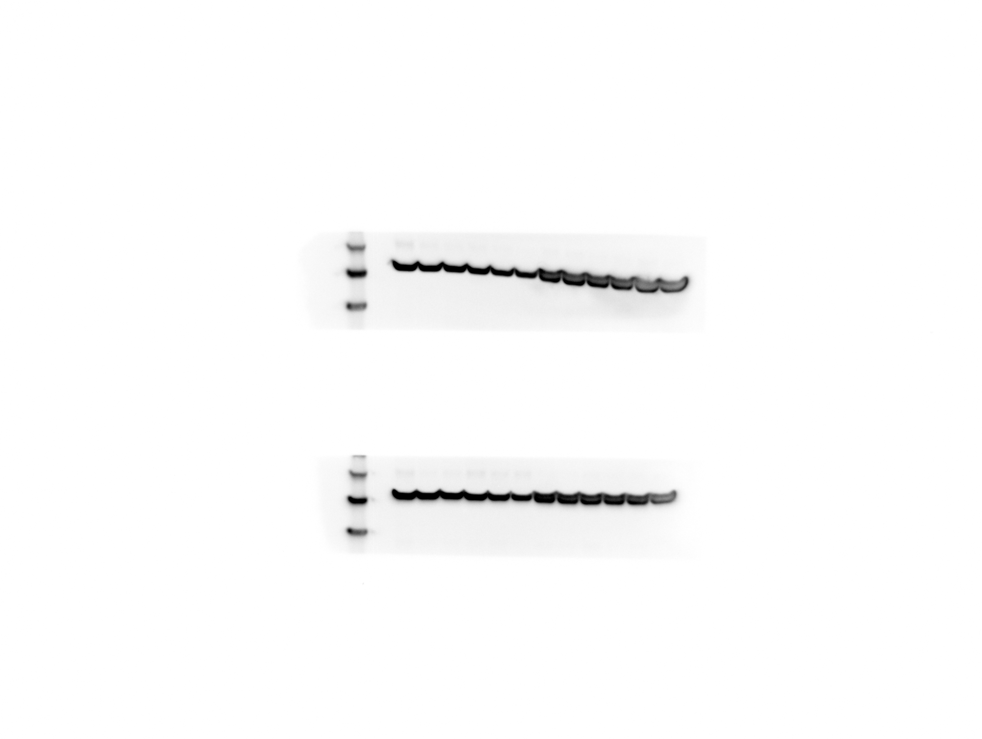
PROMEGA PREDICTED SIZE: Sp. Cas9 (UNIPROT: length 1,368), 150.5 kD; Mouse actin (UNIPROT: length 375), 41.3 kD

Anti-Cas9

Anti-Actin

4 5 10 11 19 20
TruCut Cas9 (control)

Kidney Lysate
Spleen Lysate
Spleen Lysate
Kidney Lysate
220 kD
120 kD
100 kD
80 kD
60 kD

TruCut Cas9 (control)

Liver Lysate
Liver Lysate

120 kD
220 kD
100 kD
80 kD
60 kD

4d, e
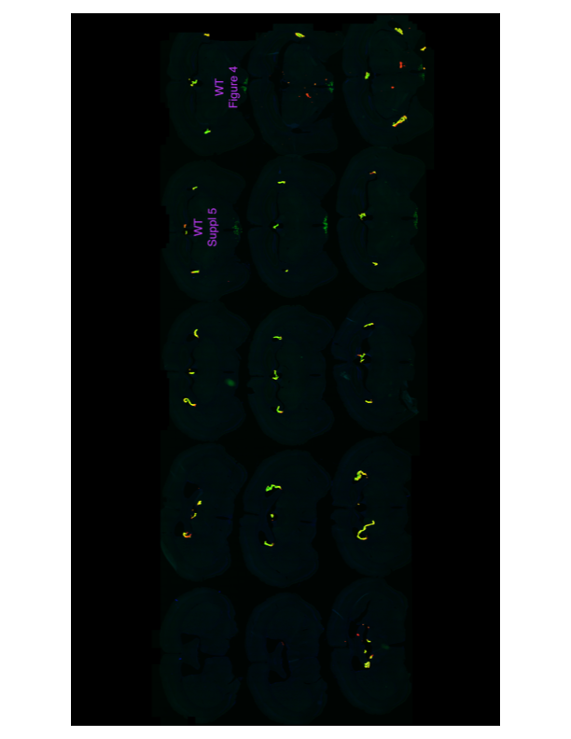
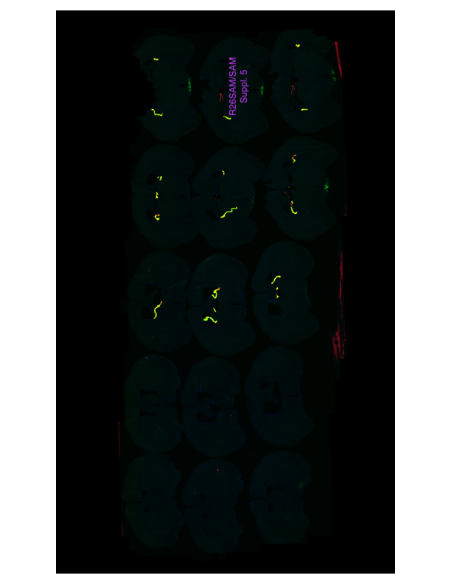
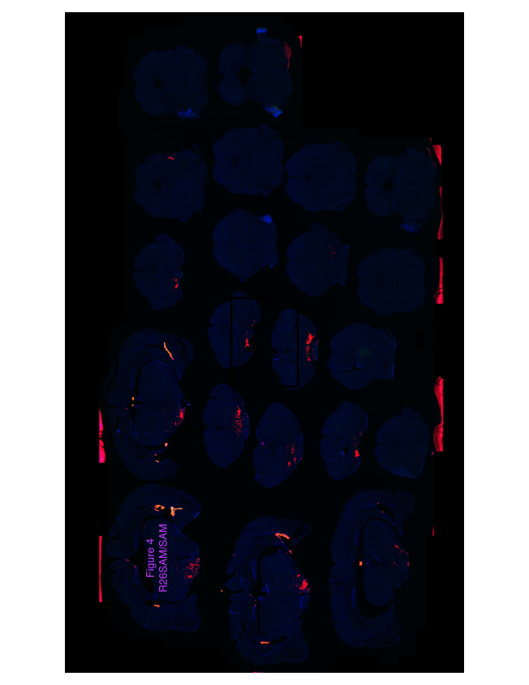
 | M12_Dcas9SAM_1 | M3_dCas9SAM_Full2
M23_WTSAM_1

S2a
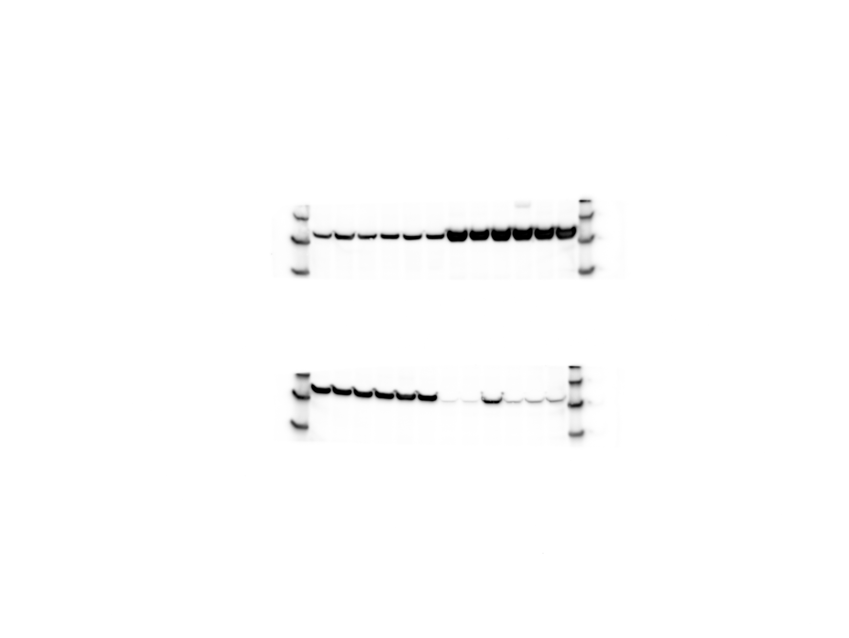
PROMEGA PREDICTED SIZE: Sp. Cas9 (UNIPROT: length 1,368), 150.5 kD; Mouse actin (UNIPROT: length 375), 41.3 kD
16.5 µg protein lysate run per lane
TruCut Cas9 (control)
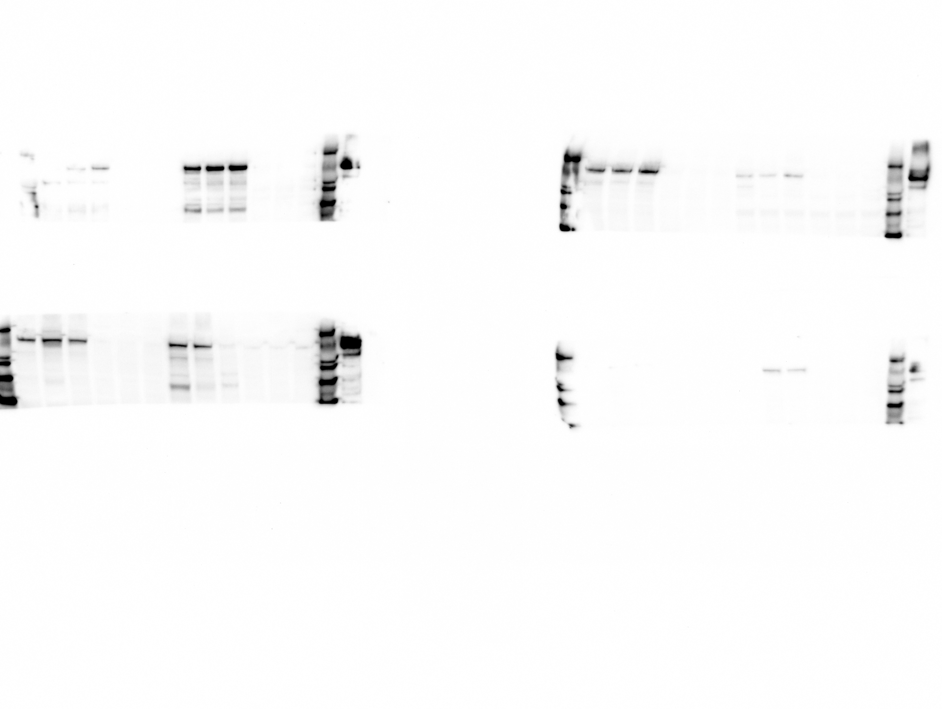
Anti-Cas9
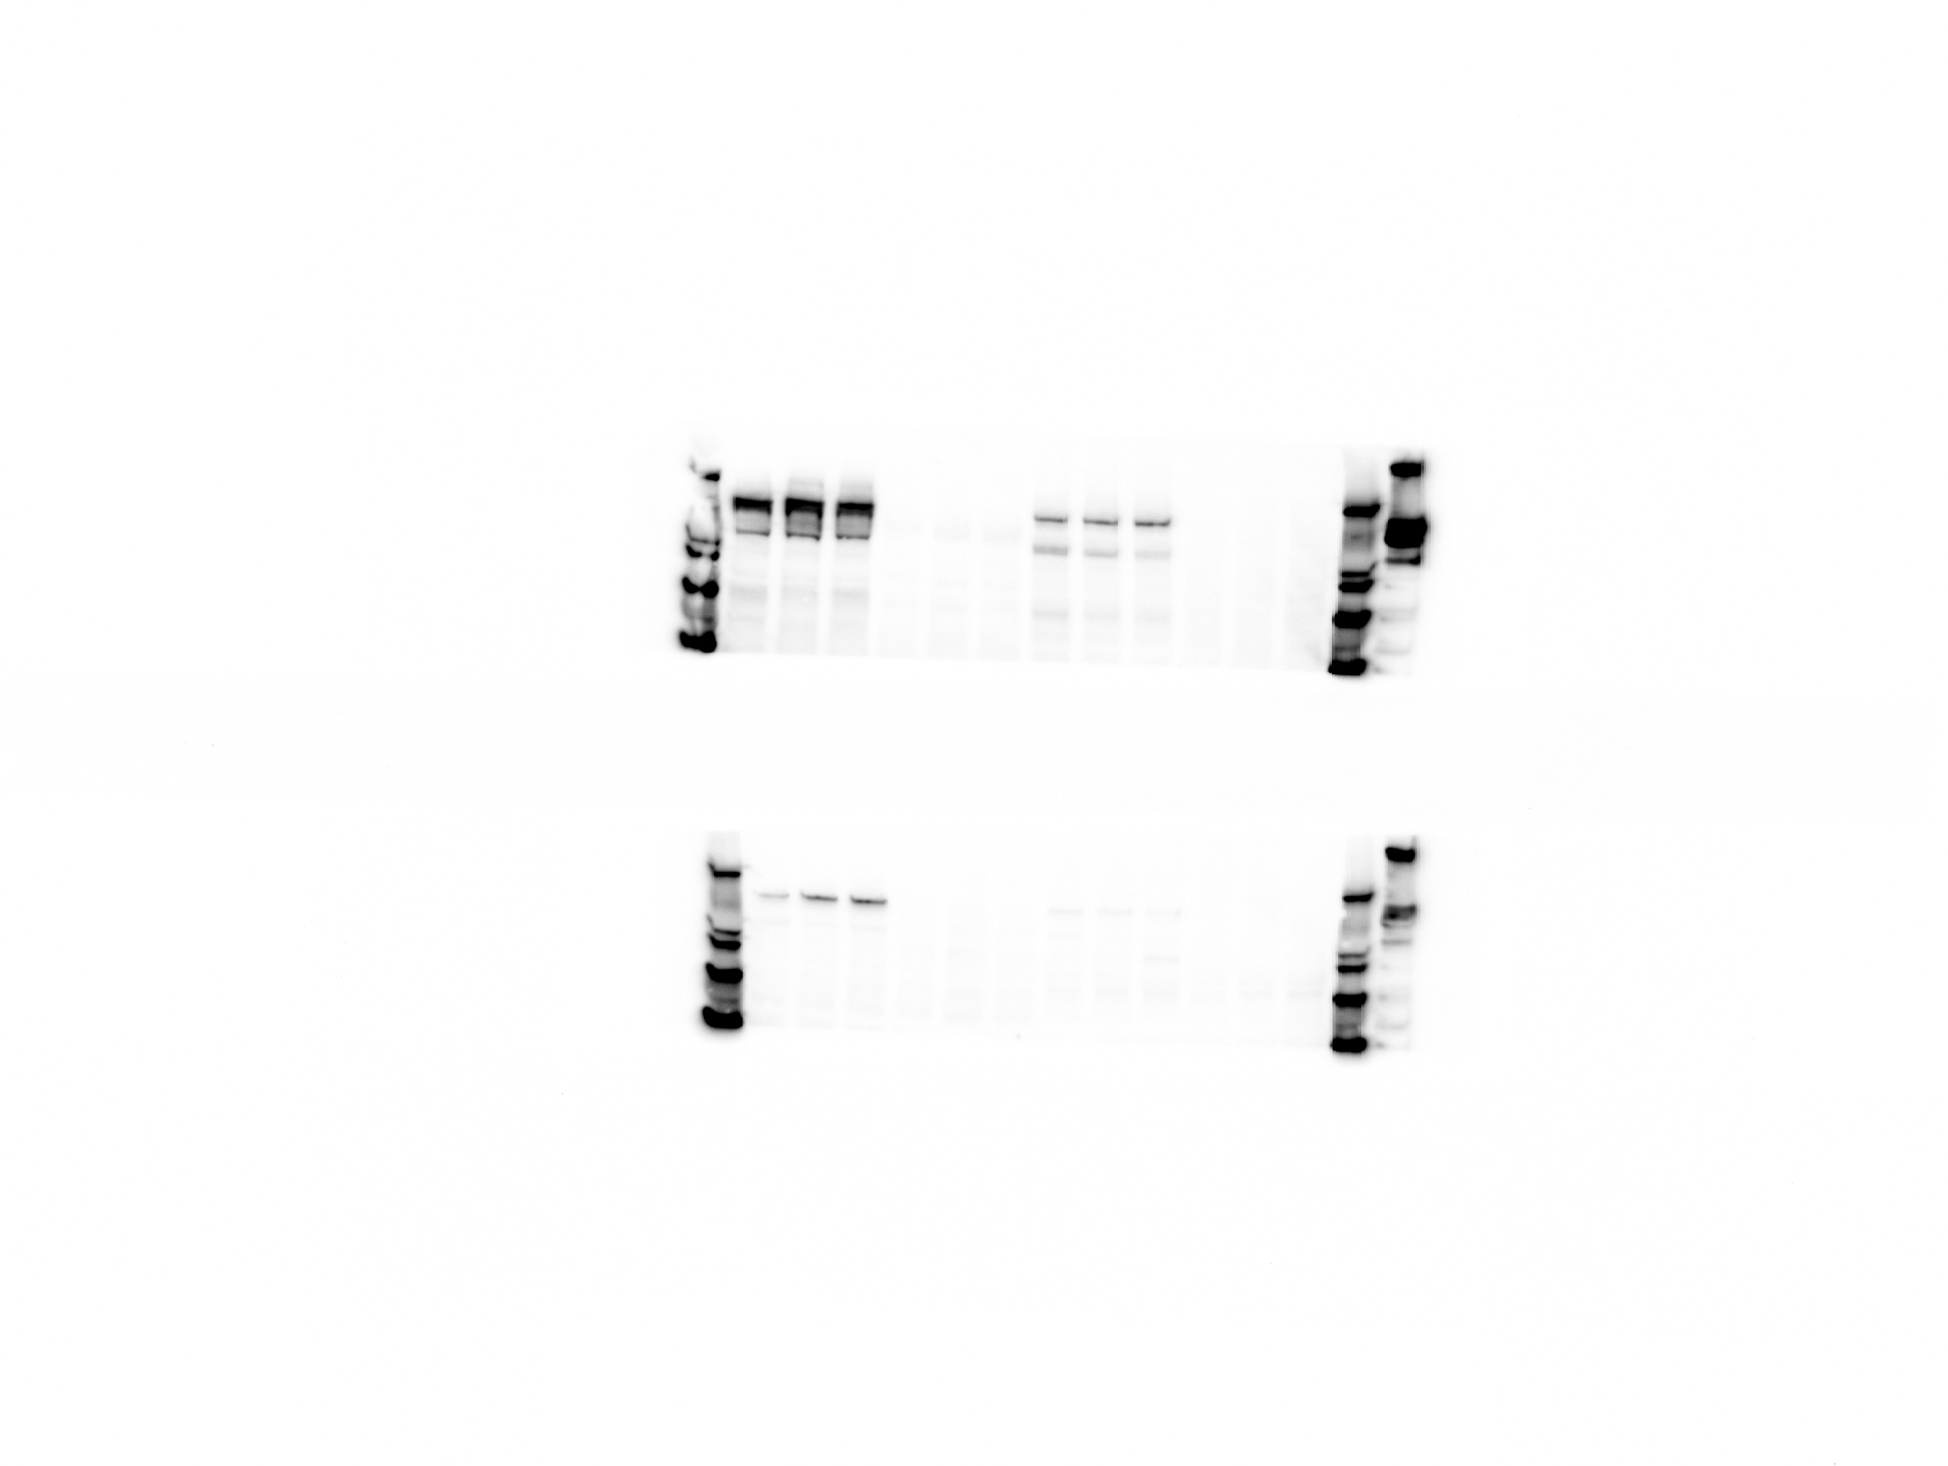
Anti-Cas9
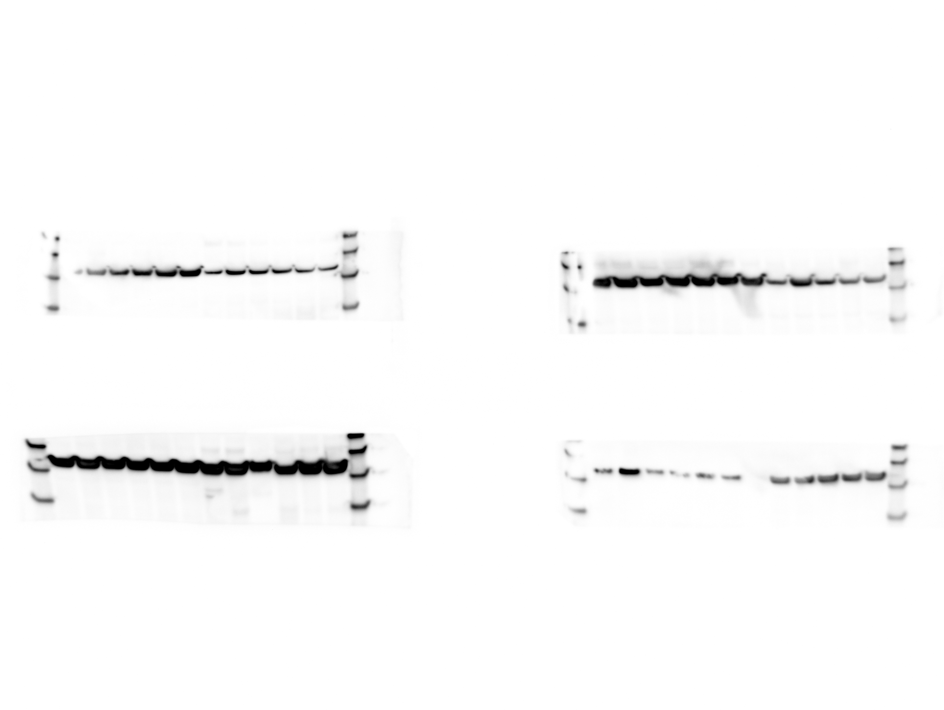
TruCut Cas9 (control)
Anti-Actin
Anti-Actin
Kidney Lysate
Pancreas Lysate
Lung Lysate
Heart Lysate
220 kD
120 kD
220 kD
220 kD
220 kD
120 kD
100 kD
80 kD
100 kD
80 kD
120 kD
100 kD
80 kD
120 kD
100 kD
Liver Lysate
Spleen Lysate
Heart Lysate
Liver Lysate
Spleen Lysate
60 kD
60 kD
60 kD
80 kD
60 kD
220 kD
Lung Lysate
Kidney Lysate
Pancreas Lysate
120 kD
100 kD
120 kD
220 kD
50 kD
40 kD
50 kD
50 kD
50 kD
40 kD
50 kD
40 kD
50 kD
Lymph node Lysate
80 kD
60 kD
100 kD
80 kD
40 kD
40 kD
40 kD
Thymus Lysate
220 kD
220 kD
Eye Lysate
Brain Lysate
60 kD
120 kD
100 kD
120 kD
100 kD
220 kD
220 kD
80 kD
60 kD
80 kD
60 kD
120 kD
100 kD
120 kD
100 kD
Gonad Lysate
Muscle Lysate
Thymus Lysate
Lymph node Lysate
Gonad Lysate
Muscle Lysate
80 kD
60 kD
80 kD
60 kD
TruCut Cas9 (control)
220 kD
220 kD
Eye Lysate
Brain Lysate
50 kD
50 kD
120 kD
100 kD
80 kD
120 kD
40 kD
50 kD
50 kD
50 kD
50 kD
40 kD
40 kD
60 kD
100 kD
80 kD
TruCut Cas9 (control)
40 kD
40 kD
40 kD
60 kD

