F2a
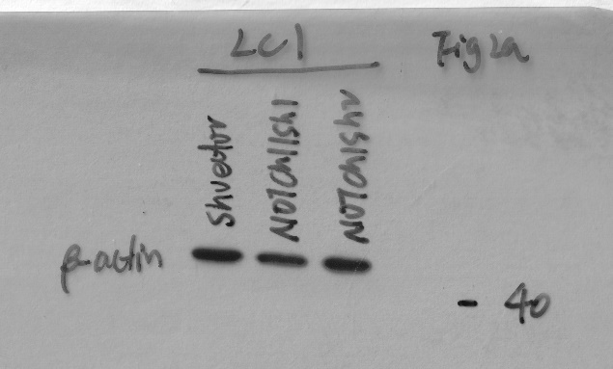
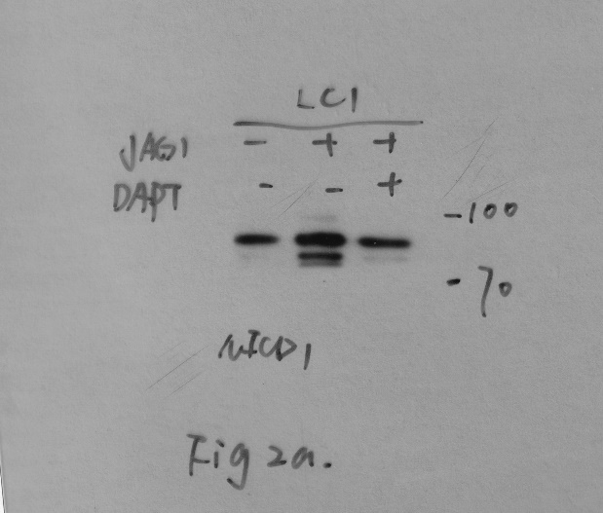
NCOMMS-19-38409
F2a

a-NICD1

a-RFC4

a-b-ACTIN

F2e
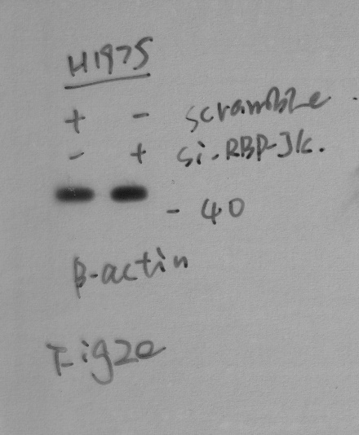
NCOMMS-19-38409
F2e

a-RFC4


a-b-ACTIN

F4a
NCOMMS-19-38409
F4a

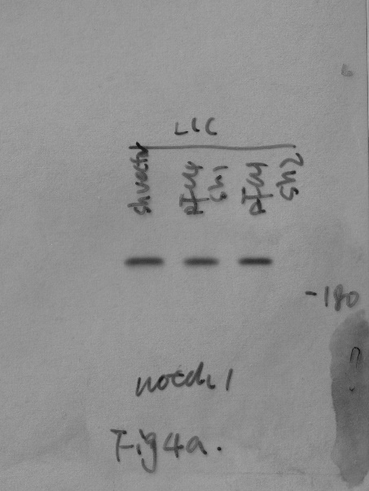
a-Notch1

a-NICD1

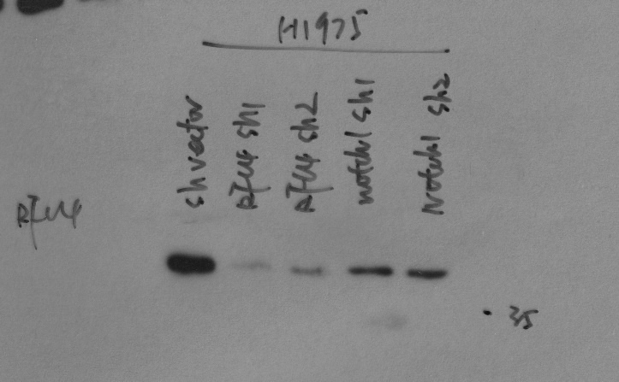
a-RFC4

a-b-ACTIN

F4b
NCOMMS-19-38409
F4b

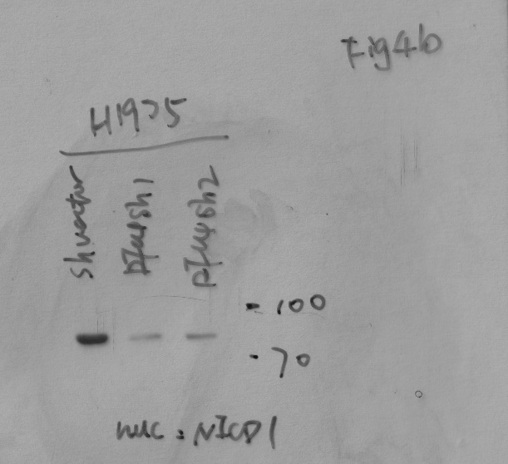
a-NICD1

p84

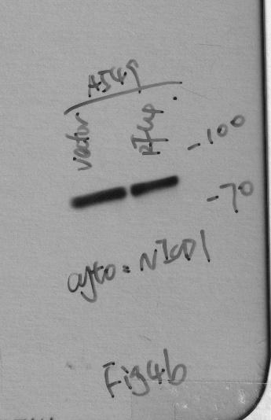
a-NICD1

a-b-ACTIN

F4c
NCOMMS-19-38409
F4c

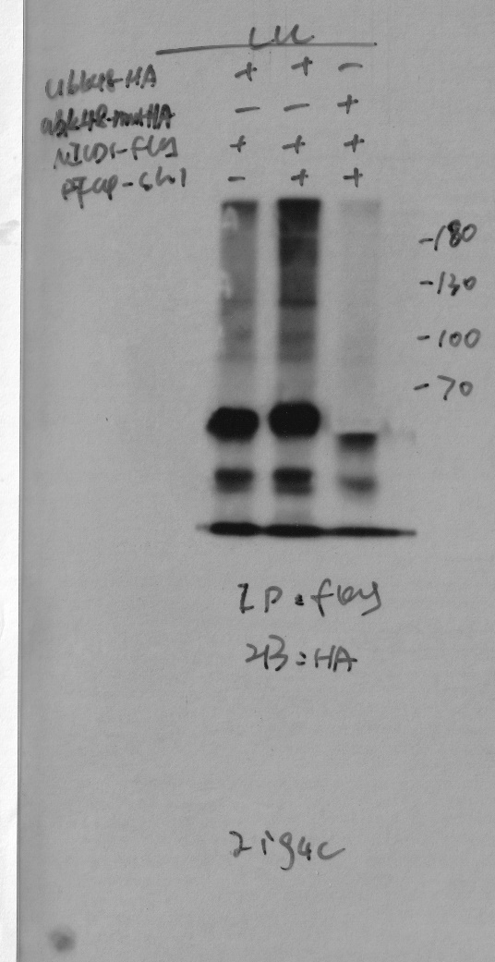
a-HA

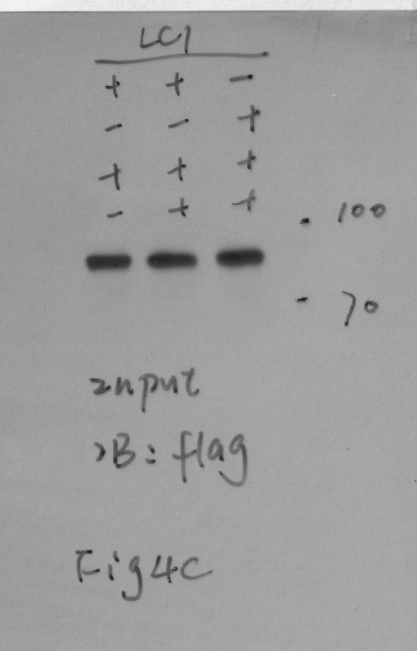
a-flag

a-RFC4

F4d
NCOMMS-19-38409
F4d

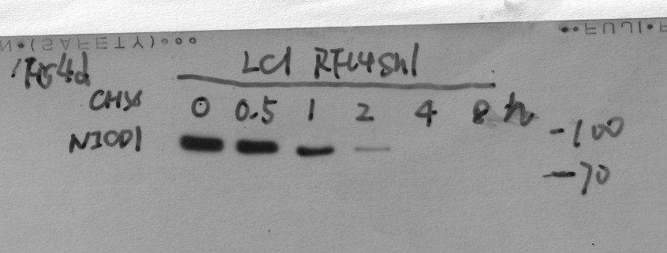
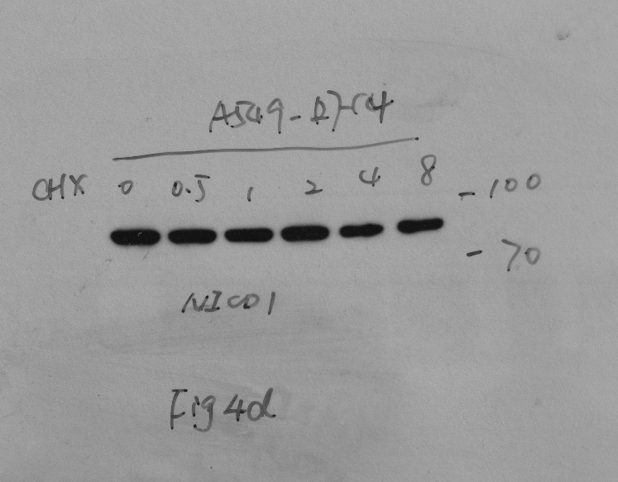
a-NICD1

a-b-ACTIN

F5b
NCOMMS-19-38409
F5b

a-NICD1

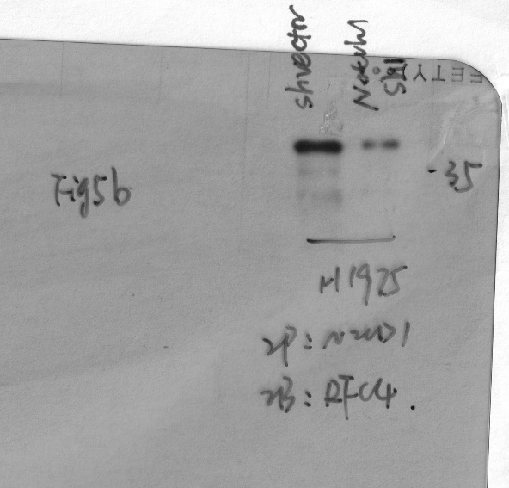
a-RFC4

a-NICD1

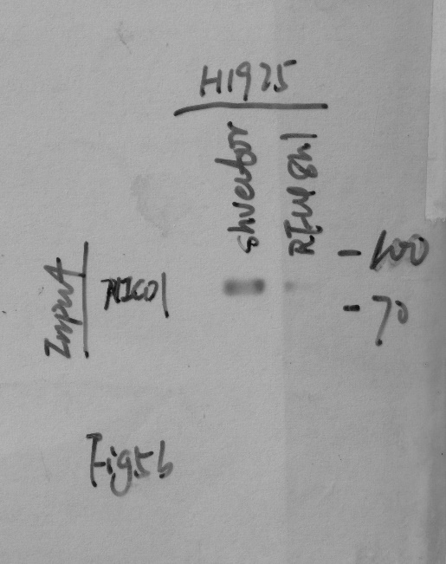

a-RFC4

F5f
NCOMMS-19-38409
F5f

IP:NICD1 | a-p-Ser

 | a-p-Thr

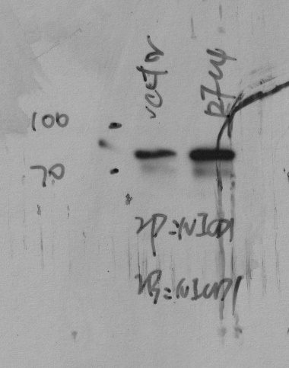
 | a-NICD1

 |  | 1221
 |  | 3-19

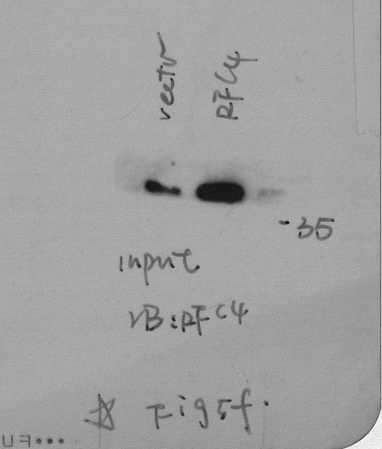
input | a-RFC4

 | a-NICD1

F5g
NCOMMS-19-38409
F5g

IP:NICD1 | a-p-Ser

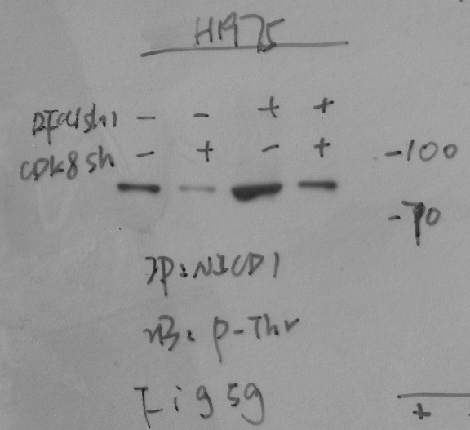
 | a-p-Thr

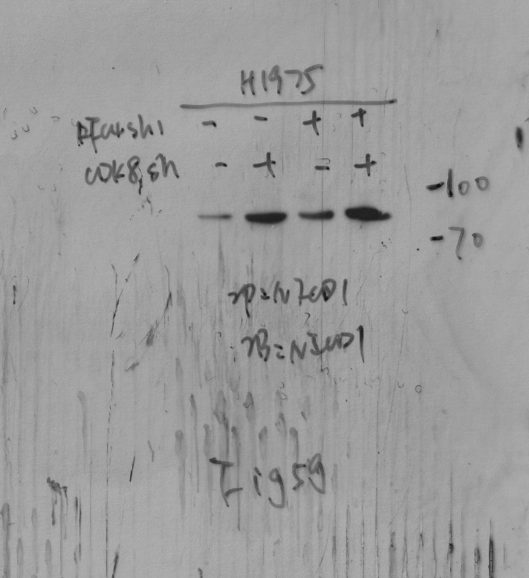
 | a-NICD1

input | a-NICD1

 | a-RFC4

 | a-CDK8

F5h
NCOMMS-19-38409
F5h

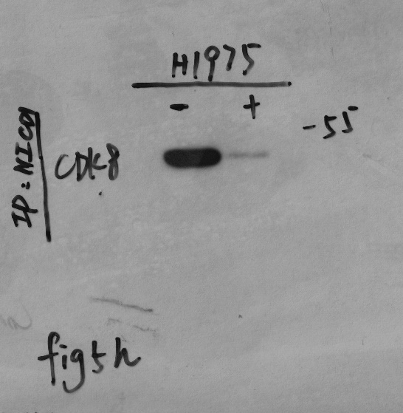
IP:NICD1 | a-CDK8

 | a-FBXW7

 | a-flag

 | a-NICD1

Input | a-CDK8

 | a-FBXW7

 | a-flag

 | a-NICD1

F5k
NCOMMS-19-38409
F5k

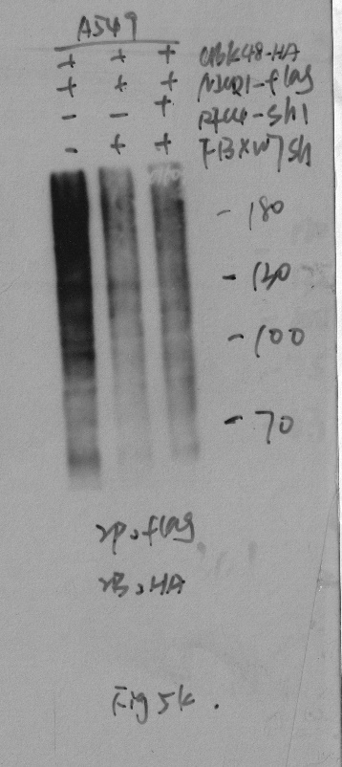
IP:FLAG | a-HA

INPUT | a-FLAG

 | a-RFC4

 | a-FBXW7

FS1j
NCOMMS-19-38409
FS1j

a-NICD1

a-RFC4

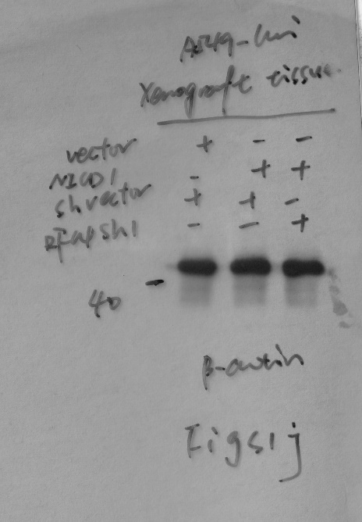
a-b-ACTIN

FS2a
NCOMMS-19-38409
FS2a

a-NICD1

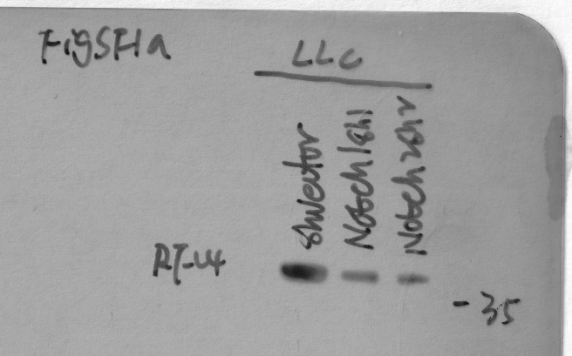
a-RFC4

a-b-ACTIN

FS3e
NCOMMS-19-38409
FS3e

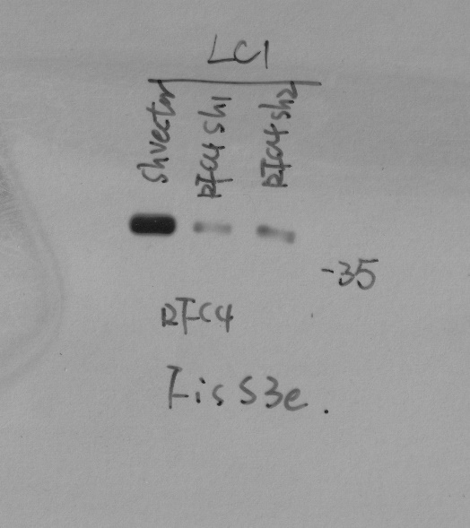
a-RFC4

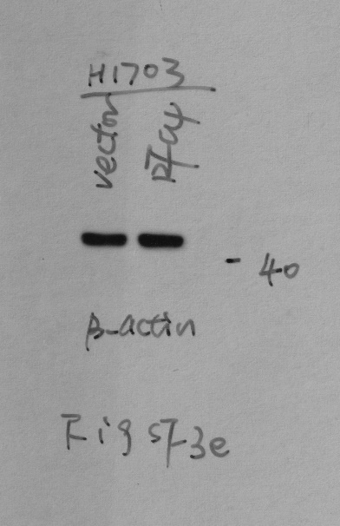

a-b-ACTIN

FS5a
NCOMMS-19-38409
FS5a

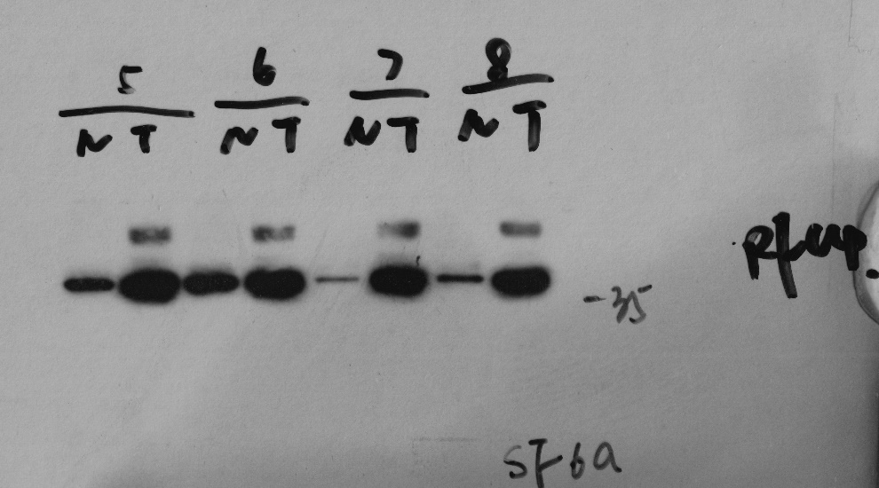
a-RFC4

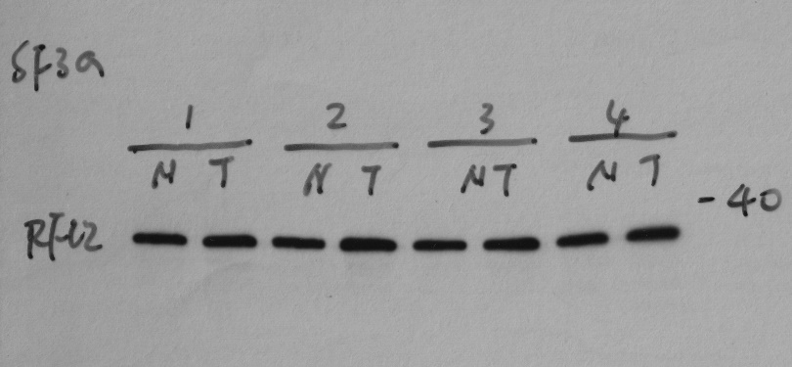
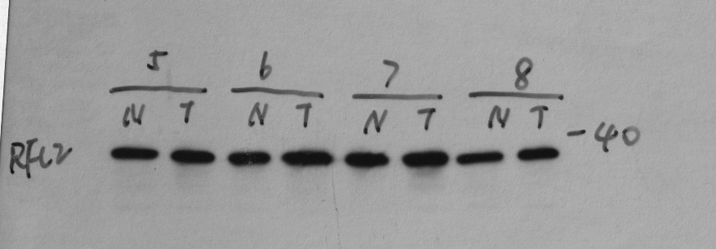
a-RFC2

a-RFC5

a-CDK8

a-b-ACTIN

FS6b
NCOMMS-19-38409
FS6b

IP:HA | a-HA

 | a-flag

input | a-flag

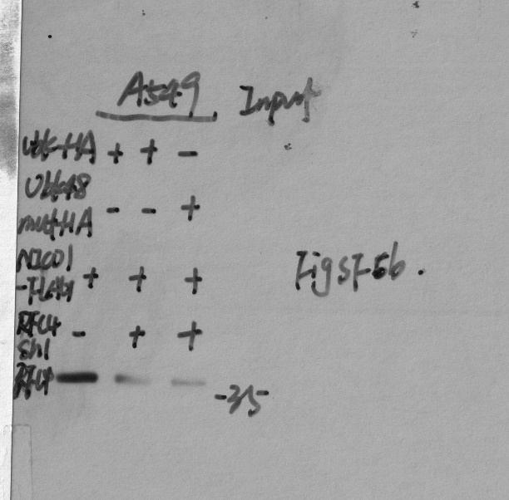
 | a-RFC4

FS6c
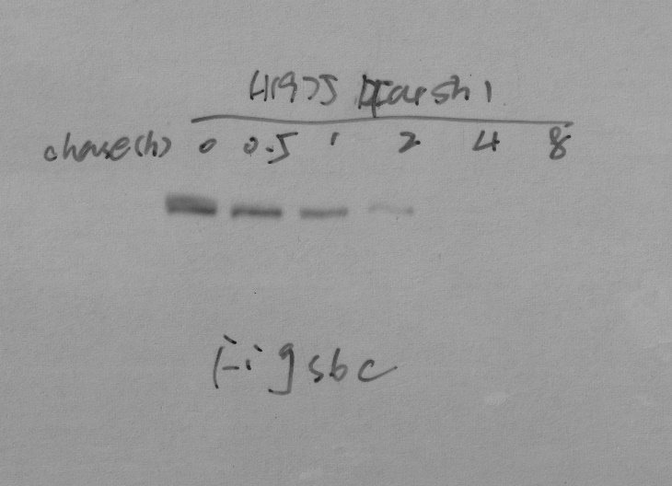
NCOMMS-19-38409
FS6c

IP:NICD-HA

FS6f
NCOMMS-19-38409
FS6f

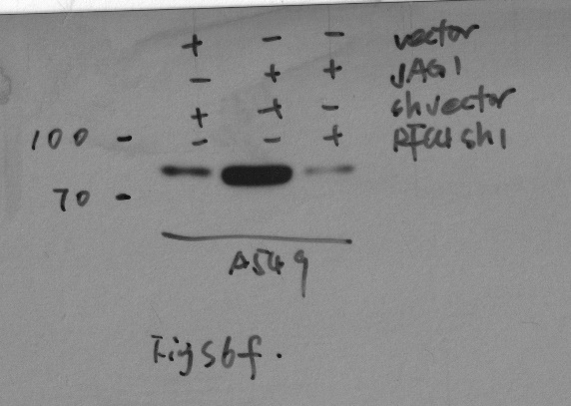
a-NICD1

a-RFC4

a-b-ACTIN

FS7c
NCOMMS-19-38409
FS7c

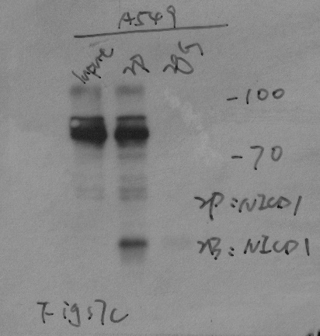
IP:NICD1 | a-NICD1

 | a-RFC4

IP:RFC4 | a-NICD1

 | a-RFC4

FS7d
NCOMMS-19-38409
FS7d

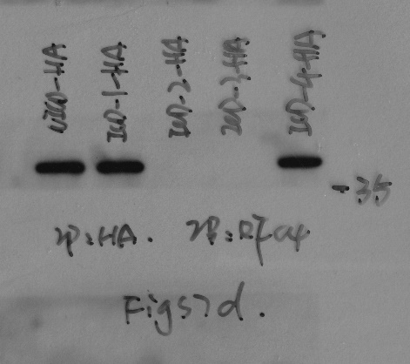
IP:HA | a-HA | a-RFC4

input | a-RFC4

FS7g
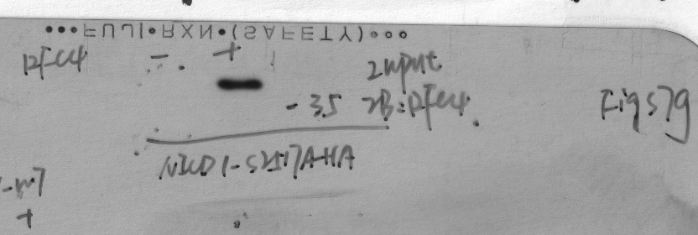
NCOMMS-19-38409
FS7g

IP:HA | a-p-Ser

 | a-p-Thr

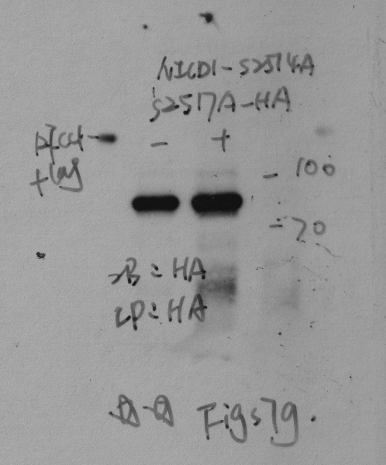
 | a-HA

 | a-flag

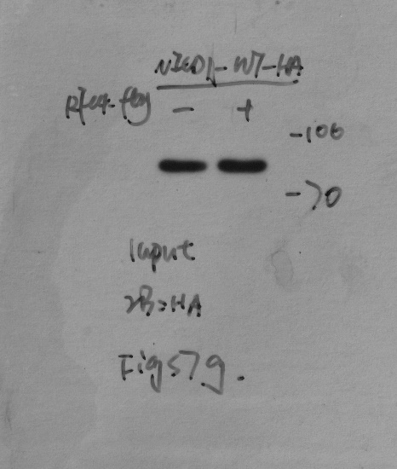
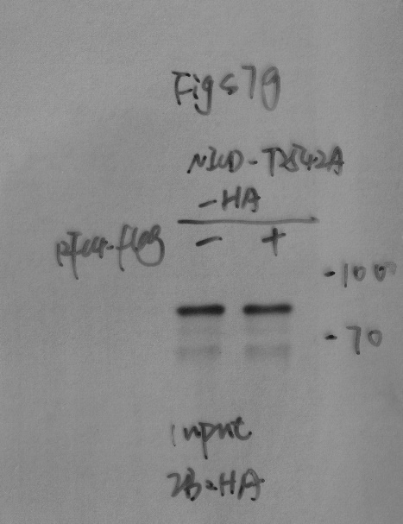
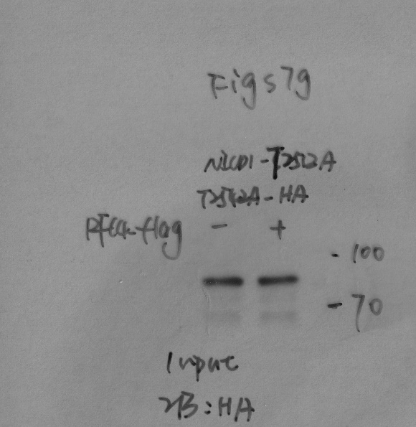
input | a-HA

 | a-flag

FS7i
NCOMMS-19-38409
FS7i

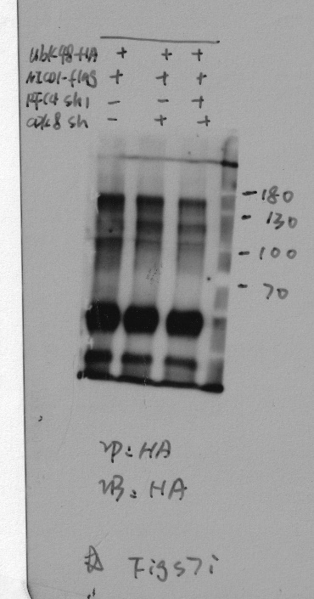
IP:HA | a-HA | IP:HA | a-HA | IP:HA | a-HA

 |  |  | a-flag | input | a-flag
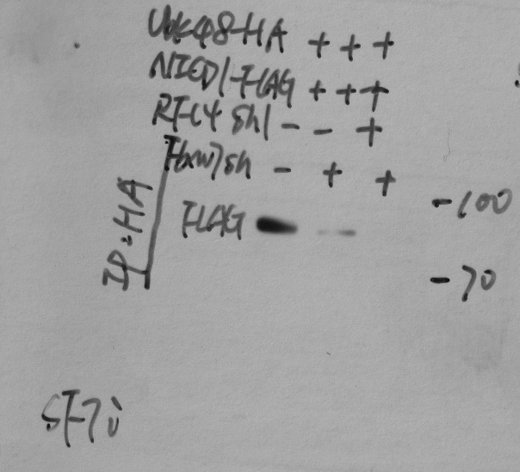
 | a-flag

 |  |  |  |  | a-RFC4
input | a-flag | input | a-flag

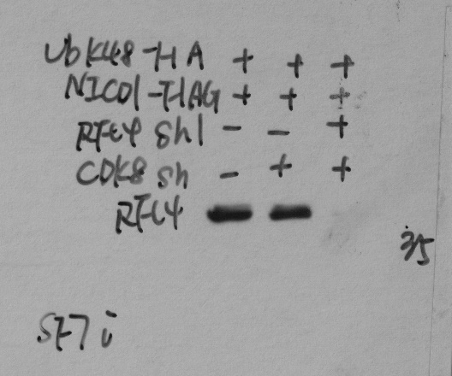
 | a-RFC4 |  | a-RFC4

 |  |  |  |  | a-FBXW7

 | a-CDK8 |  | a-FBXW7

