Supp Fig 2
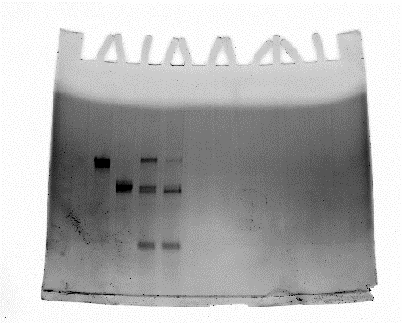
S2B. IL2 Reporter Assay for 4 month old ProIL2 and WTIL2-Fc
IL2 Added (ng) | SumIL2-Fc OD |  |  | ProIL2 OD |  |  | ProIL2 4 months OD |  |  | ProIL2, cleaved OD |  |  | ProIL2 4 months, cleaved OD
100 | 0.305 | 0.302 | 0.312 |  |  |  |  |  |  | 0.353 | 0.299 | 0.363 | 0.307 | 0.303 | 0.312
4 | 0.32 | 0.277 | 0.256 |  |  |  |  |  |  | 0.352 | 0.285 | 0.354 | 0.293 | 0.301 | 0.272
0.16 | 0.156 | 0.133 | 0.084 |  |  |  |  |  |  | 0.117 | 0.14 | 0.134 | 0.101 | 0.122 | 0.117
0.0064 | 0.085 | 0.078 | 0.068 |  |  |  |  |  |  | 0.064 | 0.06 | 0.073 | 0.06 | 0.06 | 0.06
1000 |  |  |  | 0.457 | 0.421 | 0.362 | 0.386 | 0.396 | 0.418
40 |  |  |  | 0.439 | 0.407 | 0.381 | 0.402 | 0.378 | 0.382
1.6 |  |  |  | 0.21 | 0.223 | 0.199 | 0.18 | 0.171 | 0.174
0.064 |  |  |  | 0.074 | 0.073 | 0.068 | 0.068 | 0.062 | 0.061

S2C. IL2 Reporter Cell Binding for WTIL2-Fc
IL2 Added (ng) | SumIL2-Fc MFI |  | ProIL2 MFI |  | WTIL2-Fc MFI
5000 | 319300 | 310777 | 319300 | 262971 | 185086 | 275371
500 | 247781 | 326922 | 247781 | 170932 | 154745 | 290610
50 | 144818 | 235949 | 144818 | 52963 | 103748 | 223513
5 | 54851 | 74996 | 54851 | 15597 | 41230 | 75447
0.5 | 20585 | 17264 | 20585 | 5876 | 18598 | 18648
0.05 | 2229 | 7193 | 2229 | 3337 | 7973 | 7308
0.005 |  | 4440 |  | 3049 |  | 4770

S2D. IL2 Reporter Assay for ProIL2, SumIL2-Fc, WTIL2-Fc, and recombinant WTIL2
IL2 Added (ng) | SumIL2-Fc OD |  |  | ProIL2 OD |  |  | WTIL2-Fc OD |  |  | Recombinant IL-2 OD
1000 |  |  |  | 0.786 | 0.696 | 0.708
100 | 0.732 | 0.732 | 0.753 | 0.772 | 0.75 | 0.714 | 0.692 | 0.732 | 0.768
10 | 0.817 | 0.793 | 0.801 | 0.681 | 0.691 | 0.623 | 0.73 | 0.794 | 0.799 | 0.759 | 0.79 | 0.771
1 | 0.727 | 0.69 | 0.696 | 0.365 | 0.385 | 0.355 | 0.614 | 0.643 | 0.686 | 0.819 | 0.754 | 0.736
0.1 | 0.377 | 0.334 | 0.383 | 0.103 | 0.116 | 0.137 | 0.271 | 0.297 | 0.295 | 0.535 | 0.537 | 0.491
0.01 | 0.107 | 0.087 | 0.109 | 0.076 | 0.079 | 0.078 | 0.113 | 0.086 | 0.079 | 0.184 | 0.177 | 0.157
0.001 | 0.072 | 0.074 | 0.074 |  |  |  | 0.067 | 0.065 | 0.068 | 0.081 | 0.07 | 0.067
0.0001 |  |  |  |  |  |  |  |  |  | 0.077 | 0.071 | 0.071

S2E. ProIL2 Cleavage with Individual MMPs
MMPs used | % Cleaved Protein
MMP2 | 52.14724
MMP9 | 25.9901
MMP14 | 6.874329
MMP2,9,14 | 72.02073

S2A. Uncropped SDS-PAGE of MMP Cleavage

Supp Fig 3
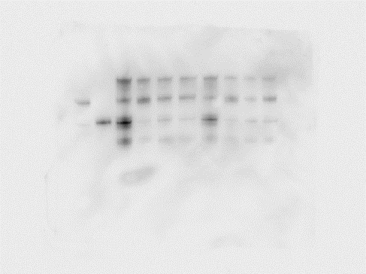
S3A. Tissue Biodistribution
Tissue | [SumIL2-Fc] (ng/g tissue) |  |  |  | [ProIL2] (ng/g tissue) |  |  | [WTIL2-Fc] (ng/g tissue) |  |  | [hIgG] (ng/g tissue)
Tumor | 2957.888 | 1796.133 | 2537.879 | 2717.246 | 1257.102 | 906.8182 |  | 1479.691 | 1938.92 | 813.3117 | 1540.179 | 1507.576 | 1077.273 | 1255.411
Liver | 330.6818 | 296.5909 | 271.0227 | 170.4545 | 151.7045 | 134.6591 |  | 219.8864 | 209.6591 | 223.2955 | 351.1364 | 291.4773 | 201.1364 | 296.5909
Lung | 867.7686 | 588.2944 | 538.4452 | 546.683 | 246.6151 | 164.3669 |  | 506.7568 | 327.1628 | 521.5909 | 920.4545 | 449.3802 | 464.4886 | 611.7684
Spleen | 607.0984 | 651.611 | 467.3754 | 451.7045 | 157.8707 | 131.1189 |  | 460.5659 | 344.8963 | 270.4418 | 692.4054 | 531.0315 | 328.5124 | 546.875

S3B. TNF alpha in periphery of CT26 bearing mice
Treatment | Tumor TNFa (pg/g tissue) |  |  |  |  |  |  |  | Liver TNFa (pg/g tissue) |  |  |  |  |  |  |  | Spleen TNFa (pg/g tissue) |  |  |  |  |  |  |  | Lung TNFa (pg/g tissue) |  |  |  |  |  |  |  | Serum TNFa (pg/mL serum)
PBS | 101.9871 | 310.741 | 24.90835 | 12.83159 | 73.72507 |  |  |  | 12.42683 | 15.41155 | 6.35247 | 7.724827 | 0 | 0 |  |  | 137.2948 | 122.0757 | 61.74478 | 42.11489 | 16.72985 | 15.66373 |  |  | 3.049599 | 3.594836 | 1.40711 | 0 | 0 | 0 |  |  | 2.333463 | 1.403593 | 18.22987 | 29.50149 | 39.90459 | 24.45705
SumIL2-Fc | 301.9574 | 226.349 | 345.0996 | 408.0156 | 183.7494 | 153.4187 | 206.2894 |  | 27.27145 | 20.80506 | 21.34841 | 13.84136 | 18.17901 | 27.4004 | 37.8152 |  | 959.4719 | 360.6294 | 450.5117 | 417.8444 | 386.5242 | 270.7036 | 388.5223 |  | 79.41588 | 26.5501 | 42.50299 | 15.6105 | 64.53746 | 58.73079 | 92.35653 |  | 27.15402 | 27.98873 | 31.53467 | 25.29892 | 12.69599 | 31.54536 | 53.94833
ProIL2 | 419.6137 | 187.4315 | 153.1592 | 162.993 | 236.6677 | 472.0888 | 506.5894 |  | 12.39606 | 20.6358 | 9.157156 | 8.896099 | 21.7229 | 34.74394 | 27.4004 | 29.45135 | 682.3531 | 395.8518 | 281.1625 | 266.5801 | 379.0574 | 423.4677 | 172.1909 | 359.5454 | 52.29309 | 31.70605 | 16.2636 | 31.49411 | 26.06986 | 71.12311 | 50.30347 |  | 7.737677 | 30.61219 | 46.58748 | 23.96792 | 28.84388 | 42.4256
WTIL2-Fc | 357.3767 | 582.0575 | 127.811 | 210.312 | 283.6379 | 308.6838 |  |  | 14.77334 | 24.20718 | 16.78414 | 13.28898 | 43.6177 | 19.05398 |  |  | 373.0973 | 328.0536 | 393.6223 | 536.1596 | 670.2569 | 599.2198 |  |  | 28.32113 | 26.32921 | 41.25184 | 52.17602 | 46.77016 | 52.76584 |  |  | 38.34116 | 29.92366 | 25.54337 | 87.10508 | 60.8566 | 38.29662

S3C. TNF alpha in periphery of non-tumor bearing mice
Treatment | Liver TNFa (pg/g tissue) |  |  |  |  |  |  |  | Spleen TNFa (pg/g tissue) |  |  |  |  |  |  |  | Lung TNFa (pg/g tissue) |  |  |  |  |  |  |  | Serum TNFa (pg/mL serum)
PBS | 16.47544 | 5.576094 | 7.589071 | 11.46469 | 6.180729 |  |  |  | 131.278 | 50.38408 | 1.235547 | 96.56053 | 79.63958 |  |  |  | 0 | 7.232289 | 0 | 10.48575 | 2.487193 |  |  |  | 0 | 0 | 0 | 16.07813 | 9.116179
SumIL2-Fc | 12.0739 | 19.50844 | 18.11199 | 20.01178 | 15.52375 | 14.26645 | 6.507486 |  | 298.1609 | 269.3985 | 207.9951 | 256.4908 | 276.5942 | 290.521 | 294.227 |  | 18.62436 | 33.48829 | 9.668772 | 28.33282 | 16.99846 | 21.83373 | 14.96447 |  | 13.42891 | 20.95527 | 13.42891 | 34.543 | 19.57072 | 27.64977 | 7.045904
ProIL2 | 8.612688 | 6.589629 | 4.234024 | 8.598313 | 12.16578 | 9.968205 | 6.575927 | 7.984359 | 255.1234 | 109.5753 | 224.4733 | 176.7741 | 229.6527 | 163.7125 | 154.8091 | 169.3114 | 9.814162 | 12.86557 | 1.18437 | 8.55738 | 9.681254 | 15.1079 | 10.03874 | 13.35004 | 15.00382 | 7.063504 | 11.46442 | 12.8982 | 23.29374 | 16.73337 | 10.1375 | 21.72961

S3E. %Cleaved ProIL2 vs Uncleaved ProIL2 in Tissue, Non-tumor bearing mice
Tissue | %Cleaved ProIL2/Total ProIL2 in Tissue
Liver | 1.1 | 8.8 | 1.4 | 12.1
Spleen | 20.1 | 16.7 | 15.7 | 39.1
Lung | 20.4 | 8.3 | 18.6 | 33.9

S3D. Uncropped Western Blot Image of ProIL2 Cleavage

