Fig.1
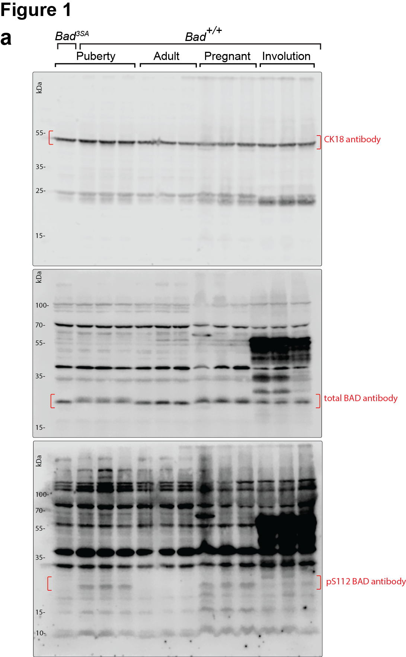
Fig 1a
total BAD |  |  |  | pS112 BAD
puberty | adult | pregnancy | involution | puberty | adult | pregnancy | involution
0.930516 | 1.162481 | 1.990871 | 1.000997 | 0.967977 | 0.026327 | 0.630676 | 0.446533
1.03046 | 1.649655 | 2.275474 | 1.130404 | 1.163758 | 0.040091 | 0.601085 | 0.399222
1.039024 | 1.904778 | 1.683365 | 1.286802 | 0.868266 | 0.049982 | 0.930491 | 0.444985

Fig.5
S6K
Fig 5a | Fig 5b |  |  |  |  |  |  |  |  |  |  |  |  |  |  |  | Fig 5d |  |  |  |  |  |  |  |  |  |  |  |  |  |  |  |  |  |  |  |  |  |  |  |  |  |  |  |  |  | Fig 5e
See supp. Table 2 for raw values |  | Wt (4 wks) |  |  |  |  | Wt (5 wks) |  |  |  |  | 3SA (5 wks) |  |  |  |  | 4 wk Wt Bad | 5 wk Wt Bad | 5 wk 3sa Bad | 4 wk Wt P112 | 5 wk Wt P112 | 5 wk 3sa P112 | 4 wk Wt mTOR | 5 wk Wt mTOR | 5 wk 3sa mTOR | 4 wk Wt PmTOR | 5 wk Wt PmTOR | 5 wk 3sa PmTOR | 4 wk Wt 4EBP1 | 5 wk Wt 4EBP1 | 5 wk 3sa 4EBP1 | 4 wk Wt p65-4EBP1 | 5 wk Wt p65-4EBP1 | 5 wk 3sa p65-4EBP1 | 4 wk Wt p37/46-4EBP1 | 5 wk Wt p37/46-4EBP1 | 5 wk 3sa p37/46-4EBP1 | 4 wk Wt EIF4E | 5 wk Wt EIF4E | 5 wk 3sa EIF4E | 4 wk Wt s6k | 5 wk Wt s6k | 5 wk 3sa s6k | 4 wk Wt Ps6k | 5 wk Wt Ps6k | 5 wk 3sa Ps6k | 5 wk Wt Bad | 5 wk 3sa Bad | 5 wk Wt P112 | 5 wk 3sa P112 | 5 wk Wt mTOR | 5 wk 3sa mTOR | 5 wk Wt PmTOR | 5 wk 3sa PmTOR | 5 wk Wt 4EBP1 | 5 wk 3sa 4EBP1 | 5 wk Wt p65-4EBP1 | 5 wk 3sa p65-4EBP1 | 5 wk Wt p37/46-4EBP1 | 5 wk 3sa p37/46-4EBP1 | 5 wk Wt EIF4E | 5 wk 3sa EIF4E | 5 wk Wt s6k | 5 wk 3sa s6k | 5 wk Wt Ps6k | 5 wk 3sa Ps6k
 | Bad_pS112 | 0.971286618 | 1.026114441 | 0.950107863 | 0.940101397 | 1.006924252 | 0.960879638 | 0.98856982 | 0.760063962 | 0.82819962 | 0.862786965 | 0.656378976 | 0.680696336 | 0.670128045 | 0.652230232 | 0.712990867 | 1.577196 | 1.481984 | 1.304688 | 0.967739 | 0.668147 | 0.002581 | 0.835959 | 0.788851 | 0.975867 | 0.563748 | 1.008634 | 1.623773 | 0.829962 | 0.520783 | 1.773517 | 0.918042 | 1.575074 | 0.8746 | 1.249098578 | 1.160913991 | 0.49884 | 1.219737 | 0.934322 | 1.173033 | 1.100557 | 0.735267 | 0.873491 | 1.129075 | 0.682123 | 1.111507 | 0.907765 | 1.365555 | 0.833951 | 0.060794 | 1.132945 | 0.21776 | 0.31143 | 0.106289 | 0.800639 | 1.912434 | 1.222483 | 0.184196 | 0.636782 | 0.724043 | 0.884951 | 1.122008 | 0.775857 | 0.644815 | 0.629871 | 1.28413
 | mTOR | 1.064801644 | 1.012433783 | 1.030581561 | 1.053047028 | 1.110358792 | 1.107223704 | 1.085159478 | 0.784381273 | 1.144202498 | 0.998914922 | 0.802965951 | 0.698002886 | 0.781270439 | 0.726347403 | 0.649984137 | 1.050164 | 1.07503 | 1.346127 | 0.948593 | 0.471721 | 0.000733 | 0.859396 | 1.044669 | 1.075277 | 0.888941 | 0.801415 | 1.58537 | 0.879366 | 1.169015 | 1.035153 | 0.586204 | 1.216426 | 0.899317 | 0.930207777 | 0.391133899 | 0.578475214 | 0.950828 | 1.116305 | 0.97489 | 0.849043 | 0.876594 | 1.128403 | 1.053541 | 0.816699 | 1.265741 | 1.250383 | 1.256148 | 1.085306 | 0.002861 | 1.578191 | 0.176895 | 0.22031 | 0.173036 | 0.961892 | 1.246747 | 0.786231 | 0.165169 | 1.020379 | 1.14081 | 0.881516 | 1.247111 | 0.943582 | 0.928762 | 1.356746 | 1.615227
 | 4E-BP1 | 0.971286618 | 0.998579575 | 0.92465376 | 0.927519726 | 1.000115547 | 0.820480206 | 0.847484194 | 0.452238427 | 0.718181247 | 0.842633434 | 1.141103928 | 1.121637458 | 1.028810566 | 0.988679621 | 1.024549397 | 0.885583 | 1.559944 | 1.711288 | 1.003385 | 0.643214 | 0.001477 | 0.804036 | 0.762731 | 1.201593 | 1.089395 | 1.183202 | 0.995857 | 1.303059 | 0.827611 | 0.881813 | 0.923667 | 1.254621 | 0.925819 | 0.846061616 | 0.443273774 | 0.621026787 | 0.966372 | 1.37529 | 1.035594 | 1.066362 | 0.92058 | 0.812011 | 0.917887 | 1.111952 | 1.044224 | 1.134908 | 1.224147 | 1.649088 | 0.009537 | 0.726612 | 0.056637 | 0.828051 | 0.794622 | 1.325198 | 1.239275 | 0.692395 | 0.303055 | 0.993149 | 1.225629 | 1.102057 | 1.284875 | 1.247827 | 1.04829 | 1.123936 | 1.314363
 | eIF4E | 1.001891696 | 1.012433783 | 0.92839383 | 1.015862299 | 1.039236266 | 0.856770958 | 0.898561986 | 0.438766712 | 0.600564707 | 0.761645421 | 0.941554217 | 1.006233505 | 1.086971654 | 1.038345365 | 1.020608862 | 0.785065 | 1.202563 | 1.43042 | 1.359043 | 0.867658 | 0.002102 | 1.413675 | 1.154023 | 1.081911 | 1.439292 | 0.904455 | 0.75361 | 0.630127 | 1.326509 | 0.959091 | 1.081631 | 2.174988 | 0.867903 | 1.307925314 | 0.548864786 | 0.554858609 | 0.961494 | 1.243244 | 0.971712 | 1.101837 | 0.666642 | 0.727453 | 1.01047 | 0.9227 | 0.920156 | 0.706944 | 1.14103 | 0.431654 | 0.013203 | 0.562252 | 0.010692 | 2.640209 | 1.740586 | 0.912271 | 1.989829 | 1.476976 | 0.114663 | 1.34969 | 1.108664 | 1.131476 | 2.256725 | 1.032734 | 0.982981 | 0.889447 | 1.780601
 | GCN5L2 | 0.9924983 | 0.985361387 | 0.903043092 | 0.905505639 | 0.933255903 | 1.636126292 | 0.936680573 | 1.264023795 | 1.139121565 | 1.140299274 | 0.675842353 | 0.719950186 | 0.766237868 | 0.886954741 | 0.797538402 | 0.701992 | 1.066385 |  | 0.72124 | 0.524027 |  | 1.086933 | 0.963784 |  | 1.018623 | 1.46067 |  | 1.357487 | 0.964027 |  | 1.490456 | 2.034136 |  | 0.666706714 | 0.590475652 |  | 0.901569 | 1.625473 |  | 0.882201 | 0.783938 |  | 0.889027 | 1.007426
 | MCT4 | 0.895955591 | 0.90138659 | 1.127812367 | 0.964526952 | 0.992013066 | 1.070268629 | 1.180197066 | 1.585162529 | 1.784669578 | 1.862413703 | 0.94468964 | 1.11597929 | 0.878340819 | 1.055173168 | 0.970898184
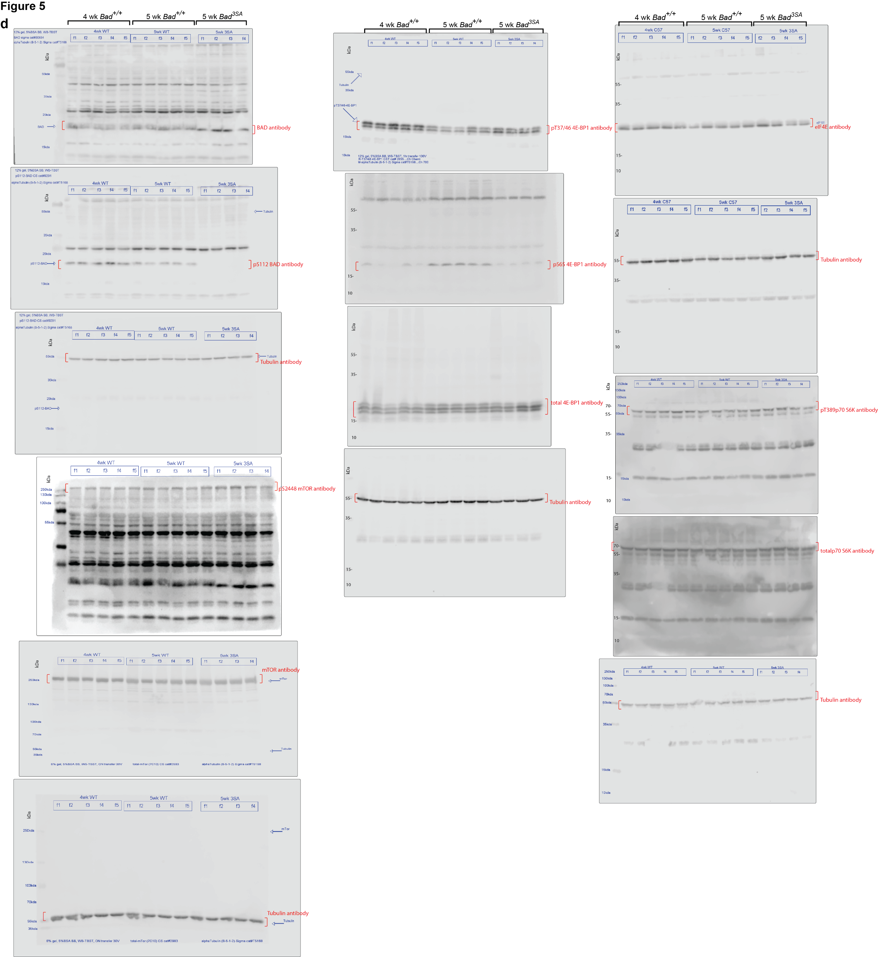
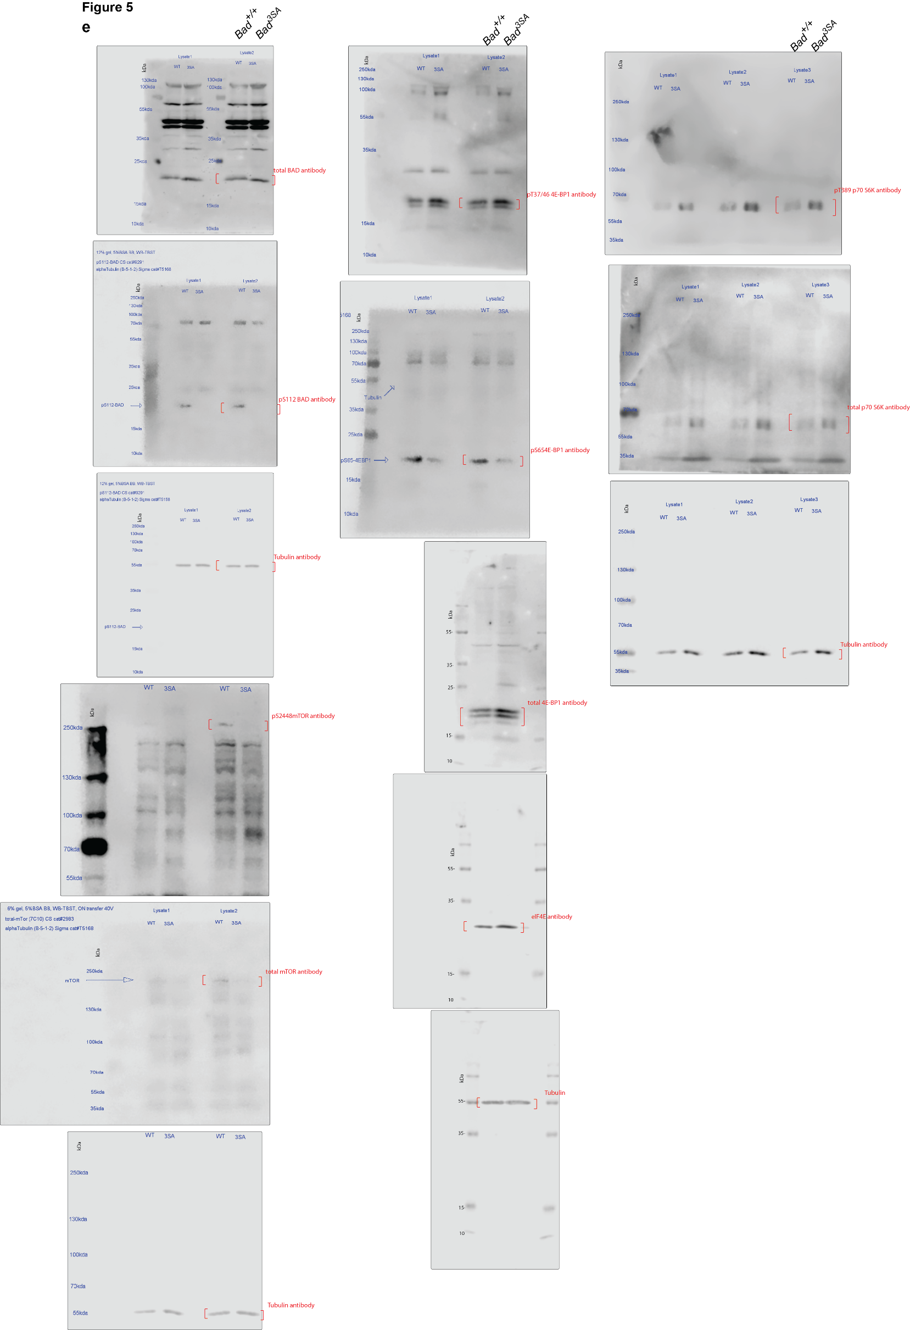
 | Gab2 | 0.881744466 | 0.917912035 | 0.870363795 | 0.936441318 | 1.006327872 | 0.899955656 | 0.923989736 | 0.348295815 | 0.706214199 | 0.742042285 | 1.109807485 | 1.19449446 | 1.134312117 | 0.966919476 | 1.023802742
 | VASP | 0.830973417 | 0.866637898 | 0.895024105 | 0.943726383 | 0.917397863 | 0.841588596 | 0.940163145 | 0.624252269 | 0.787861912 | 0.791882725 | 1.09997653 | 1.204383329 | 0.97944145 | 0.845817826 | 1.070760039

 | Fig 5c
 |  | Wt (4 wks) |  |  |  |  | Wt (5 wks) |  |  |  |  | 3SA (5 wks)
 | mTOR_pS2448 | 0.94609838337 | 1 | 1.0088314621 | 0.95875605187 | 0.90691049169 | 1.1420647105 | 1.0915813878 | 1.2947397981 | 1.2112351454 | 0.96205399262 | 1.1734832926 | 1.3722282045 | 1.1084029291 | 1.1000176592 | 1.2722720339
 | 4E-BP1_pS65 | 1.0914130364 | 1.0138739149 | 1.1387485939 | 1.1515298899 | 1.126096158 | 1.1388882196 | 1.210499494 | 2.2906243104 | 1.414418699 | 1.2783954333 | 0.79825862014 | 0.75194178117 | 1.0184809338 | 0.97540083715 | 0.8705206773
 | eIF4E_pS209 | 0.96945270819 | 1.0002398083 | 0.99848772907 | 0.98622652892 | 0.89065208296 | 1.0589254626 | 1.0931055712 | 2.9423266367 | 1.4988315722 | 1.1962563391 | 1.0036298133 | 0.8726059733 | 0.81420665088 | 0.82303058963 | 0.84884822311

Fig.6
Fig 6a |  |  |  |  |  | Fig 6b |  |  |  |  |  |  |  |  |  |  |  | Fig 6c
4EBP1/eIF4E |  |  | eIF4G/eIF4E |  |  | eIF4E |  |  |  | 4E-BP1 |  |  |  | pS65-4E-BP1 |  |  |  | Cyst |  |  | Protrusion
Parental | WT | 3SA | Parental | WT | 3SA | Cyst |  | Protrusion |  | Cyst |  | Protrusion |  | Cyst |  | Protrusion |  | Parental | WT | 3SA | Parental | WT | 3SA
1.316038 | 1.4 | 2.789474 | 0.287736 | 0.323016 | 0.122967 | WT | 3SA | WT | 3SA | WT | 3SA | WT | 3SA | WT | 3SA | WT | 3SA | 0.33196875457 | 0.53590647624 | 0.43427243856 | 0.3665574697 | 0.74469339065 | 0.51034972997
1.52809 | 2.057692 | 3.34104 | 0.317791 | 0.295065 | 0.142857 | 0.18534536349 | 0.23110606621 | 0.18578066438 | 0.12323151443 | 0.065065916845 | 0.15525138742 | 0.086364387417 | 0.085074492178 | 0.17215923018 | 0.24922546363 | 0.20433707437 | 0.15743623962 | 0.43945209237 | 0.43061977321 | 0.4244726229 | 0.43420852078 | 0.59235384355 | 0.5949674609
1.664384 | 1.356037 | 2.413462 | 0.236686 | 0.250888 | 0.07732 | 0.17244978145 | 0.1555086852 | 0.13660555717 | 0.11498211816 | 0.21366035272 | 0.13673640101 | 0.19708540954 | 0.19486302612 | 0.26559606432 | 0.20885496745 | 0.260482901 | 0.088098399526 | 0.17827392643 | 0.60397214868 | 0.43305390371 | 0.31129446751 | 0.90097015111 | 0.34564919666
 |  |  | 0.300921 | 0.31145 | 0.121233 | 0.47012943699 | 0.43701572094 | 0.3383180665 | 0.31099047905 | 0.22900062367 | 0.15208391056 | 0.13696351471 | 0.092362526252 | 0.16882499548 | 0.20220372559 | 0.15879489919 | 0.1716531369 | 0.27434417533 | 0.19735498755 | 0.26022779103 | 0.30689112942 | 0.51447978066 | 0.14404321552
 |  |  | 0.517413 | 0.453769 | 0.291946 | 0.35623367735 | 0.45700888998 | 0.34435391581 | 0.36374722531 | 0.10750927865 | 0.15906647356 | 0.080943367277 | 0.14776348935 | 0.21797333656 | 0.24324350204 | 0.22422014195 | 0.15198649649 | 0.22925393329 | 0.67348078384 | 0.26562751417 | 0.2772922251 | 1.5618554723 | 0.19779380465
 |  |  |  |  |  | 0.46273131861 | 0.40407907175 | 0.40537774799 | 0.30086686546 | 0.1501664378 | 0.15367357591 | 0.10835756311 | 0.13652672241 | 0.22239609647 | 0.20131624611 | 0.25431411975 | 0.091561363503 | 0.71570059196 | 0.75666214777 | 0.42357195912 | 0.69310717984 | 0.71913964671 | 0.42790121606
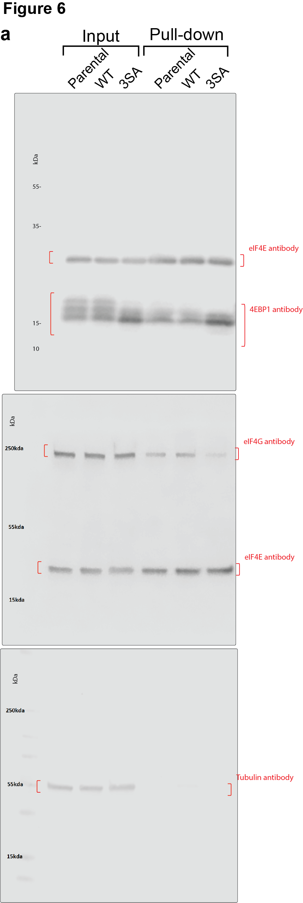
 |  |  |  |  |  | 0.43323328352 | 0.65905302346 | 0.36051516408 | 0.37648469168 | 0.12320190302 | 0.15741657026 | 0.13229363076 | 0.078806422665 | 0.22934527076 | 0.16441443957 | 0.2589802418 | 0.19346149202 | 0.39948287153 | 0.38869062308 | 0.38134440994 | 0.44616911245 | 0.76030676283 | 0.20048113842
 |  |  |  |  |  | 0.35645634802 | 0.68473370295 | 0.28165195402 | 0.21575301415 | 0.061495602258 | 0.10689820156 | 0.10558244757 | 0.080197629629 | 0.3196989329 | 0.13472210199 | 0.39724153257 | 0.070703881804 | 0.34746543229 | 0.31891051785 | 0.47939396691 | 0.30960997616 | 0.34924435691 | 0.5127172499
 |  |  |  |  |  | 0.39362910537 | 0.24632451617 | 0.17793050928 | 0.019860982212 | 0.17352827461 | 0.17417456207 | 0.13954697061 | 0.089259908571 | 0.31394491736 | 0.23778962566 | 0.17378184991 | 0.019980278422 | 0.66651194247 | 0.90909090909 | 0.3810332068 | 0.94926658715 | 0.70031069385 | 0.36322104397
 |  |  |  |  |  | 0.34614521038 | 0.24962597828 | 0.23193632052 | 0.019274094203 | 0.10555345635 | 0.080256492727 | 0.037443060962 | 0.050947095795 | 0.25167184588 | 0.15121015786 | 0.24656385059 | 0.020418115942 | 0.68637069472 | 0.42131709324 | 0.20302555249 | 1.2148383907 | 0.84517304712 | 0.22900552807
 |  |  |  |  |  | 0.33928309292 | 0.29697191851 | 0.18754308472 | 0.049361489857 | 0.16480996591 | 0.12346317864 | 0.11150708555 | 0.25602498658 | 0.37152093314 | 0.22782838079 | 0.27302237509 | 0.06037789602 | 0.16520085196 | 0.47268174392 | 0.38454625554 | 0.42913189186 | 0.76840347639 | 0.44439123814
 |  |  |  |  |  | 0.3498142949 | 0.50859211568 | 0.2654800606 | 0.32649868094 | 0.14613670522 | 0.13828644818 | 0.14997364865 | 0.10626872079 | 0.16620794802 | 0.16829371268 | 0.18683766017 | 0.14519227188 | 0.42102333561 | 0.42988240878 | 0.42313546574 | 0.5520960691 | 0.48295491032 | 0.26164643074
 |  |  |  |  |  | 0.21299765741 | 0.15221992422 | 0.14705771398 | 0.068528989208 | 0.13588068403 | 0.099617635857 | 0.09518400446 | 0.10299836253 | 0.15598653009 | 0.14878615935 | 0.18318441255 | 0.11800350662 | 0.67203078489 | 0.43657819507 | 0.38242045651 | 1.5459867166 | 0.67097767853 | 0.26564251901
 |  |  |  |  |  | 0.18127808007 | 0.23867829743 | 0.16119434717 | 0.073692432542 | 0.076070927278 | 0.14556806543 | 0.081586172003 | 0.1399409208 | 0.20315049593 | 0.2185886574 | 0.2001882608 | 0.19458409414 | 0.30625158298 | 0.74000725106 | 0.43553367578 | 0.58103216514 | 1.7244507337 | 0.42387068939
 |  |  |  |  |  | 0.16557164825 | 0.11353133759 | 0.26527995736 | 0.074184013731 | 0.11753836973 | 0.17644023226 | 0.1679655821 | 0.10447069117 | 0.14100435916 | 0.18417674637 | 0.25375369983 | 0.11608201545 | 0.39364909441 | 0.54893423064 | 0.57820025034 | 1.0053775018 | 0.81255985848 | 0.29215689734
 |  |  |  |  |  | 0.16897668886 | 0.13854308251 | 0.13312343402 | 0.11383847102 | 0.17508115519 | 0.19008668898 | 0.16112717114 | 0.089997104764 | 0.2144990378 | 0.16964737165 | 0.20801179771 | 0.096946431018 | 0.42439695224 | 0.34818619201 | 0.42811076553 | 0.40233320784 | 0.30801035478 | 0.26781953966
 |  |  |  |  |  | 0.176410115 | 0.17985351645 | 0.20038100986 | 0.081366122449 | 0.12628295237 | 0.12518023636 | 0.0070897285646 | 0.052238630279 | 0.20693967967 | 0.22111484213 | 0.22775397304 | 0.12165782313 | 0.37026616832 | 0.52746203056 | 0.10212019905 | 0.43931035229 | 0.57919401724 | 0.097113156093
 |  |  |  |  |  | 0.17611835068 | 0.12885174255 | 0.22500637748 | 0.040015093201 | 0.21499247913 | 0.19532742491 | 0.14320908994 | 0.28084444154 | 0.20135329002 | 0.24543629523 | 0.25505739733 | 0.091710436948 | 1 | 0.42353148444 | 0.53806136186 | 1.3475268175 | 0.34662414122 | 0.6329472128
 |  |  |  |  |  | 0.19355857484 | 0.20420369822 | 0.17993589946 | 0.11550873881 | 0.21383082541 | 0.18356834974 | 0.21794569609 | 0.060569338997 | 0.30766544569 | 0.4232798705 | 0.25772040806 | 0.1918636745 | 0.6896250084 | 0.62532396629 | 0.43012686684 | 0.54857891122 | 0.69698916864 | 0.70389459294
 |  |  |  |  |  | 0.24597963319 | 0.2088498128 | 0.19191001034 | 0.08557664801 | 0.15554679026 | 0.12205659716 | 0.18717423655 | 0.11016615866 | 0.27429413003 | 0.31802800495 | 0.24510436862 | 0.089541044776 | 0.4010406261 | 0.32774889221 | 0.43117290125 | 0.58760478117 | 0.57214836028 | 0.61421779206
 |  |  |  |  |  | 0.17034981015 | 0.28141080647 | 0.15470625699 | 0.073103147516 | 0.12581605451 | 0.20696174117 | 0.16259159893 | 0.076861905594 | 0.22737785449 | 0.33215292058 | 0.1749886393 | 0.12661433447 | 0.71523165811 | 0.32112632388 | 0.27387385202 | 1.0239622278 | 0.5002484856 | 0.26545661525
 |  |  |  |  |  | 0.15493727654 | 0.13568665291 | 0.12980943913 | 0.11594165008 | 0.17901687055 | 0.17889883518 | 0.12414047218 | 0.10482957721 | 0.27645300926 | 0.12090634041 | 0.30240112618 | 0.10863605397 | 0.33749481312 | 0.28152799802 | 0.21961537008 | 0.64824763784 | 0.31322825993 | 0.24300327713
 |  |  |  |  |  | 0.21154098276 | 0.12250045656 | 0.20525087742 | 0.051064661611 | 0.075945159051 | 0.16553956753 | 0.069998274535 | 0.16295551627 | 0.47117919257 | 0.12795429671 | 0.26059206471 | 0.042373836608 | 0.35213714385 | 0.3748903381 | 0.17731660018 | 0.48972091777 | 1.0253029617 | 0.12821032007
 |  |  |  |  |  | 0.17599930548 | 0.16151892505 | 0.21086743381 | 0.10816828558 | 0.053300256394 | 0.16846161498 | 0.06640416903 | 0.096969920237 | 0.18770209969 | 0.20577700453 | 0.23915985281 | 0.15286678638 | 0.58762418152 | 0.24010224032 | 0.2494329115 | 0.88054059499 | 0.49793801548 | 0.2870429774
 |  |  |  |  |  | 0.27761139126 | 0.20313134527 | 0.19098360844 | 0.17089317284 | 0.09056437738 | 0.2580178319 | 0.093291532618 | 0.16859591552 | 0.29699323507 | 0.26036859084 | 0.23264932944 | 0.12546272961 | 0.51697352839 | 0.29674514624 | 0.31897170124 | 0.77232414266 | 0.42318286561 | 0.41432918645
 |  |  |  |  |  | 0.27512980361 | 0.13619035925 | 0.21749066002 | 0.16110859202 | 0.086412946372 | 0.12486227058 | 0.13069017165 | 0.094101364544 | 0.27967016852 | 0.39173292973 | 0.27388268991 | 0.22717358447 | 0.26121023646 | 0.28054153887 | 0.19229041821 | 0.30579356204 | 0.37153351685 | 0.15725698761
 |  |  |  |  |  | 0.27473524147 | 0.11437879006 | 0.22133446361 | 0.072861826599 | 0.084173643074 | 0.14719702305 | 0.11056681454 | 0.062347675557 | 0.41744186089 | 0.26658923876 | 0.38898535555 | 0.11905568182 | 0.65996639292 | 0.42638289055 | 0.60929680183 | 0.8148857382 | 0.73827624025 | 0.46123005302
 |  |  |  |  |  | 0.32841763203 | 0.10364855566 | 0.20457578803 | 0.068717368342 | 0.14267283781 | 0.13955422652 | 0.15111922577 | 0.10243348054 | 0.40559080219 | 0.30566186361 | 0.3643606388 | 0.17963724159 | 0.85327870745 | 0.48847675382 | 0.20363621489 | 0.85570039809 | 1.1202807874 | 0.16544413879
 |  |  |  |  |  | 0.25470843165 | 0.064141950379 | 0.16971551769 | 0.089584592334 | 0.15471095357 | 0.17865038348 | 0.09808352441 | 0.15974019219 | 0.18817651983 | 0.15064863049 | 0.24435347276 | 0.14372356099 | 0.40855416143 | 0.39952218943 | 0.46960466266 | 0.67475255772 | 0.73557930067 | 0.39114485686
 |  |  |  |  |  | 0.22624152662 | 0.074678440812 | 0.23000991366 | 0.054680010783 | 0.18341875111 | 0.14978812262 | 0.15120519579 | 0.20120760128 | 0.18210902024 | 0.13542091635 | 0.16187432043 | 0.10786700813 | 0.31426438067 | 0.25699032212 | 0.43811064754 | 0.67012211399 | 0.39537924284 | 0.74945288374
 |  |  |  |  |  | 0.31829086397 | 0.12309702036 | 0.29036000158 | 0.0065879458795 | 0.16499417264 | 0.13457631476 | 0.099301612406 | 0.095927617603 | 0.29529219182 | 0.31944077003 | 0.22306273952 | 0.01875399754 | 0.2906929083 | 0.69233485847 | 1 | 0.54124162582 | 1.0581152194 | 0.68139502492
 |  |  |  |  |  | 0.41285665885 | 0.23273606116 | 0.27584946569 | 0.20817249631 | 0.22900062367 | 0.21768873361 | 0.17306871757 | 0.14039008079 | 0.22298318326 | 0.31802800495 | 0.17525217332 | 0.085945110484 | 0.38733094507 | 0.6222347001 | 0.20371189002 | 0.5391363624 | 0.78000374842 | 0.10635061108
 |  |  |  |  |  | 0.34866334801 | 0.19640091246 | 0.32196617796 | 0.21120045727 | 0.10750927865 | 0.23110001347 | 0.26090137551 | 0.18890144917 | 0.29901226963 | 0.33215292058 | 0.47141423525 | 0.060342311034 | 0.38498020812 | 0.49699298645 | 0.077426592315 | 1.14443781 | 0.32842301068 | 0.12963098215
 |  |  |  |  |  | 0.27215411354 | 0.2798408407 | 0.16240436647 | 0.17451230751 | 0.12628295237 | 0.15208391056 | 0.1423349169 | 0.11046502013 | 0.16033733281 | 0.30566186361 | 0.17178835088 | 0.20868182967 | 0.3576468903 | 0.20289053965 | 0.36972397551 | 1.5110934402 | 0.20261350071 | 0.60385340985
 |  |  |  |  |  | 0.28472489717 | 0.34729810548 | 0.14965352095 | 0.27174224224 | 0.21383082541 | 0.15906647356 | 0.13284683778 | 0.06706660532 | 0.17215923018 | 0.31944077003 | 0.16870200638 | 0.13597641145 | 0.34508430811 | 0.34566319099 | 0.43305390371 | 0.41112242932 | 0.26897391893 | 0.09385895397
 |  |  |  |  |  | 0.31397946849 | 0.29549939496 | 0.28918348247 | 0.24349706642 | 0.15554679026 | 0.12346317864 | 0.28828505444 | 0.15893253415 | 0.22298318326 | 0.31802800495 | 0.15491584453 | 0.022322203673 | 0.24258439226 | 0.60397214868 | 0.26022779103 | 0.58385548569 | 0.50197689923 | 0.37090323011
 |  |  |  |  |  | 0.27650838289 | 0.30305147994 | 0.22744013648 | 0.29031287088 | 0.17901687055 | 0.14556806543 | 0.12760792864 | 0.096064036771 |  | 0.31802800495 |  | 0.074481332798 | 0.33196875457 | 0.19735498755 | 0.3810332068 | 0.39444485231 | 0.5823912641 | 0.39029920443
 |  |  |  |  |  | 0.3940779948 | 0.23863627881 | 0.22043293565 | 0.22742008227 | 0.15471095357 | 0.12518023636 | 0.12686078188 | 0.34925145236 |  | 0.31802800495 |  | 0.24841741517 | 0.43945209237 | 0.67348078384 | 0.20302555249 | 0.48215047377 | 1.0929021082 | 0.28203732701
 |  |  |  |  |  | 0.26142628263 | 0.34861058336 | 0.14134629433 | 0.26511187712 | 0.18341875111 | 0.18356834974 | 0.45402807084 | 0.7 |  |  |  |  | 0.27434417533 | 0.75666214777 | 0.42811076553 | 0.48137703562 | 1.0812546365 | 0.36859684125
 |  |  |  |  |  | 0.41816649897 | 0.34053723162 | 0.20128060914 | 0.24475665064 | 0.12628295237 | 0.12205659716 | 0.13431758729 | 0.13453309912 |  |  |  |  | 0.71570059196 | 0.31891051785 | 0.53806136186 | 0.98199502238 | 0.36524573032 | 0.42349445978
 |  |  |  |  |  | 0.25981253641 | 0.32431433631 | 0.17352894876 | 0.1873344494 |  | 0.20696174117 |  | 0.084864859418 |  |  |  |  | 0.39948287153 | 0.90909090909 | 0.43012686684 | 1.0654241212 | 1.4117949699 | 0.59254369331
 |  |  |  |  |  | 0.26468685337 | 0.41792229415 | 0.24461079564 | 0.23242442759 |  | 0.16553956753 |  | 0.47010070774 |  |  |  |  | 0.67203078489 | 0.42131709324 | 0.27387385202 | 0.65097831784 | 1.0311019148 | 0.39565385652
 |  |  |  |  |  | 0.21425314972 | 0.52832496861 | 0.14547513067 | 0.27376196472 |  | 0.21768873361 |  | 0.1066552022 |  |  |  |  | 0.39364909441 | 0.47268174392 | 0.21961537008 | 1.196010862 | 1.2298502735 | 0.28805233671
 |  |  |  |  |  | 0.57701653047 | 0.44044198691 | 0.2437331076 | 0.17112229384 |  | 0.23110001347 |  | 0.17213609936 |  |  |  |  | 0.42439695224 | 0.42988240878 | 0.17731660018 | 1.24883339 | 0.47621312342 | 0.1318355297
 |  |  |  |  |  | 0.3043787477 | 0.40340536936 | 0.18282366893 | 0.37857774445 |  | 0.14556806543 |  | 0.14755201764 |  |  |  |  | 0.37026616832 | 0.43657819507 | 0.19229041821 | 0.37018709475 | 0.41065915791 | 0.031678576572
 |  |  |  |  |  | 0.22872995383 | 0.52373219977 | 0.16202574857 | 0.2861125245 |  | 0.12518023636 |  | 0.10794432761 |  |  |  |  | 0.35213714385 | 0.52746203056 | 0.60929680183 | 0.5565425915 | 0.8110103853 | 0.45809599557
 |  |  |  |  |  | 0.26184447393 | 0.28412460548 | 0.22784462537 | 0.37820296692 |  | 0.18356834974 |  | 0.34781456684 |  |  |  |  | 0.51697352839 | 0.42353148444 | 1 | 0.58561878584 | 0.49654853957 | 0.33702698715
 |  |  |  |  |  | 0.35807060393 | 0.44777721359 | 0.1873010428 | 0.37426564278 |  | 0.18356834974 |  | 0.55847403931 |  |  |  |  | 0.26121023646 | 0.62532396629 | 0.20371189002 | 0.30565824378 | 1.1640412132 | 0.36254878206
 |  |  |  |  |  | 0.30877730733 | 0.40056068489 | 0.17401178512 | 0.23377821339 |  |  |  |  |  |  |  |  | 0.65996639292 | 0.32112632388 | 0.36972397551 | 0.57213772028 | 0.35330028997 | 0.6161690726
 |  |  |  |  |  | 0.23240873818 | 0.28343168312 | 0.10929718876 | 0.098391526541 |  |  |  |  |  |  |  |  | 0.38733094507 | 0.28152799802 | 0.43305390371 | 0.87889336552 | 1.1890304884 | 0.21741903723
 |  |  |  |  |  | 0.41936169695 | 0.32372923076 | 0.1775000603 | 0.28997098422 |  |  |  |  |  |  |  |  | 0.38498020812 | 0.28054153887 | 0.3810332068 | 0.95779442928 | 0.80003233511 | 0.36450595212
 |  |  |  |  |  | 0.3488744069 | 0.29838197886 | 0.14204866128 | 0.35592228583 |  |  |  |  |  |  |  |  | 0.34508430811 | 0.42638289055 | 0.20302555249 | 0.6198496367 | 2.8248117896 | 0.27630356957
 |  |  |  |  |  | 0.42869994876 | 0.25954723687 | 0.19639702979 | 0.32974272102 |  |  |  |  |  |  |  |  | 0.27434417533 | 0.48847675382 | 0.43012686684 | 0.3736464701 | 1.0975920119 | 0.60621452997
 |  |  |  |  |  | 0.37414841694 | 0.21885438182 | 0.14322631524 | 0.27795514067 |  |  |  |  |  |  |  |  | 0.39948287153 | 0.25699032212 | 0.27387385202 | 0.48341513784 | 1.6670182556 | 0.35084851678
 |  |  |  |  |  | 0.49566139427 | 0.3182968094 | 0.26969331832 | 0.24085991813 |  |  |  |  |  |  |  |  | 0.42439695224 | 0.49699298645 | 0.21961537008 | 0.87383385576 | 1.3309307181 | 0.096272564718
 |  |  |  |  |  | 0.1936437736 | 0.28977551223 | 0.1837655018 | 0.23662267551 |  |  |  |  |  |  |  |  | 0.26121023646 | 0.34566319099 | 0.17731660018 | 0.44261770265 | 0.39202092607 | 0.043797153266
 |  |  |  |  |  | 0.20199043919 | 0.33951670915 | 0.16795807888 | 0.28919704071 |  |  |  |  |  |  |  |  | 0.38733094507 | 0.60397214868 | 1 | 0.40477151213 | 0.80512227233 | 0.9694072472
 |  |  |  |  |  | 0.24033133623 | 0.34802383657 | 0.25554000737 | 0.23177028835 |  |  |  |  |  |  |  |  |  | 0.42353148444 | 0.21961537008 |  | 0.81107493347 | 0.20485266646
 |  |  |  |  |  | 0.21126843137 | 0.37957327665 | 0.30365041209 | 0.41950350212 |  |  |  |  |  |  |  |  |  | 0.62532396629 | 0.17731660018 |  | 0.54446515032 | 0.2665024678
 |  |  |  |  |  | 0.41513854918 | 0.38316746398 | 0.17042930607 | 0.39012956545 |  |  |  |  |  |  |  |  |  | 0.28152799802 | 0.17731660018 |  | 1.0581554787 | 0.11522103999
 |  |  |  |  |  | 0.37060624655 | 0.24059367941 | 0.17929440796 | 0.16527423868 |  |  |  |  |  |  |  |  |  | 0.34566319099 |  |  | 0.52355180047
 |  |  |  |  |  | 0.21734472839 | 0.33399073262 | 0.1221577527 | 0.37496206542 |  |  |  |  |  |  |  |  |  | 0.42353148444 |  |  | 0.7134611885
 |  |  |  |  |  | 0.43868669485 | 0.26006720017 | 0.17058126119 | 0.13852951594 |  |  |  |  |  |  |  |  |  | 0.62532396629 |  |  | 2.033188714
 |  |  |  |  |  | 0.34945179058 | 0.2088498128 | 0.20502083649 | 0.09629583921
 |  |  |  |  |  | 0.18534536349 | 0.28141080647 | 0.16167116149 | 0.043757891688
 |  |  |  |  |  | 0.41285665885 | 0.10364855566 | 0.28453647133 | 0.095200657063
 |  |  |  |  |  | 0.27650838289 | 0.12309702036 | 0.2301433506 | 0.074068058778
 |  |  |  |  |  | 0.3940779948 | 0.2798408407 | 0.20846028126 | 0.22395897436
 |  |  |  |  |  | 0.23240873818 | 0.34729810548 | 0.16972482592 | 0.19244807207
 |  |  |  |  |  | 0.3488744069 | 0.32431433631 | 0.14163434817 | 0.025418552036
 |  |  |  |  |  | 0.42869994876 | 0.44044198691 | 0.2371607565 | 0.20076756066
 |  |  |  |  |  | 0.49566139427 | 0.28412460548 | 0.25128631605 | 0.15890210657
 |  |  |  |  |  | 0.21734472839 | 0.40056068489 | 0.15798117338 | 0.34379158859
 |  |  |  |  |  | 0.43868669485 | 0.28343168312 | 0.21630604288 | 0.19591500475
 |  |  |  |  |  | 0.23240873818 | 0.32372923076 | 0.20886959171 | 0.28854063927
 |  |  |  |  |  |  | 0.25954723687 |  | 0.28672545847
 |  |  |  |  |  |  | 0.33399073262 |  | 0.28815651971
 |  |  |  |  |  |  | 0.26006720017 |  | 0.15756133333
 |  |  |  |  |  |  | 0.2088498128 |  | 0.012430996105
 |  |  |  |  |  |  | 0.44044198691 |  | 0.1139536298
 |  |  |  |  |  |  | 0.28412460548 |  | 0.21522594462
 |  |  |  |  |  |  | 0.40056068489 |  | 0.039354997538
 |  |  |  |  |  |  | 0.2088498128 |  | 0.082312324368
 |  |  |  |  |  |  | 0.40056068489 |  | 0.21061843516
 |  |  |  |  |  |  | 0.2088498128 |  | 0.15542452595

Fig.7
Fig 7a |  |  |  |  |  | Fig 7c |  |  |  |  |  | Fig 7d |  |  |  |  |  | Fig 7f
WT |  |  | 3SA |  |  | WT | 3SA | WT | 3SA | WT | 3SA | WT | 3SA | WT | 3SA | WT | 3SA |  | WT |  |  |  |  |  |  |  |  |  |  |  |  |  |  |  | 3SA |  |  |  |  |  |  |  |  |  |  |  |  |  |  |  | WT ctrl shRNA |  |  |  |  |  |  |  |  |  |  |  |  |  |  |  | 3SA ctrl shRNA |  |  |  |  |  |  |  |  |  |  |  |  |  |  |  | WT BP1 shRNA |  |  |  |  |  |  |  |  |  |  |  |  |  |  |  | 3SA BP1 shRNA
No shRNA | Ctr shRNA | 4E-BP1 shRNA | No shRNA | Ctr shRNA | 4E-BP1 shRNA | No shRNA |  | Ctr shRNA |  | 4E-BP1 shRNA |  | No shRNA |  | Ctr shRNA |  | 4E-BP1 shRNA |  | Day 3 | 32.60869565 | 34.375 | 20.93023256 | 31.42857143 | 26.47058824 | 34.14634146 | 16.21621622 | 25 | 17.64705882 | 30.76923077 | 27.5 | 20.68965517 | 24.32432432 | 27.08333333 | 20 | 18.86792453 | 10.76923077 | 6.944444444 | 8.108108108 | 5 | 12.32876712 | 10.60606061 | 14.11764706 | 13.7254902 | 11.76470588 | 6.578947368 | 14.28571429 | 4.938271605 | 7.352941176 | 8.974358974 | 7.692307692 | 6.666666667 | 33.33333333 | 24.32432432 | 26.19047619 | 15.68627451 | 25.53191489 | 32.69230769 | 31.70731707 | 25.64102564 | 17.5 | 23.40425532 | 36.36363636 | 21.27659574 | 18.60465116 | 32.0754717 | 23.07692308 | 22.58064516 | 14.0625 | 12.04819277 | 11.23595506 | 8.536585366 | 10.22727273 | 6.024096386 | 11.39240506 | 4.761904762 | 7.352941176 | 5.357142857 | 7.272727273 | 14.92537313 | 13.84615385 | 7.228915663 | 13.63636364 | 5.084745763 | 46.66666667 | 60 | 29.26829268 | 65.625 | 43.58974359 | 33.33333333 | 63.15789474 | 40.81632653 | 39.39393939 | 67.56756757 | 80.48780488 | 40 | 76.66666667 | 35.8974359 | 43.18181818 | 45.83333333 | 47.91666667 | 53.84615385 | 41.66666667 | 56.09756098 | 44.73684211 | 54.54545455 | 52.77777778 | 41.02564103 | 31.81818182 | 32.65306122 | 52.94117647 | 38.88888889 | 41.17647059 | 40.42553191 | 39.13043478 | 44.44444444
1.057796 | 0.916149 | 0.060951 | 0.928668 | 0.785369 | 0.08709 | 24 | 24 | 24 | 2 | 24 | 21 | 231.2846 | 64.37355 | 161.3416 | 151.4647 | 56.51226 | 37.43035 | Day 6 | 52.63157895 | 44.18604651 | 48.8372093 | 53.7037037 | 34.69387755 | 28.57142857 | 44.73684211 | 45.09803922 | 42.85714286 | 40.625 | 33.33333333 | 38.0952381 | 44 | 30.43478261 | 46.15384615 | 28.57142857 | 18.66666667 | 20.33898305 | 21.05263158 | 24.07407407 | 20.23809524 | 30.1369863 | 17.46031746 | 23.37662338 | 27.5 | 16.66666667 | 14.28571429 | 19.40298507 | 18.75 | 23.28767123 | 20.89552239 | 26.96629213 | 48.14814815 | 51.72413793 | 33.33333333 | 26.92307692 | 46.42857143 | 34.28571429 | 36.17021277 | 40.42553191 | 55.55555556 | 57.14285714 | 35 | 45.83333333 | 36.11111111 | 46.15384615 | 33.33333333 | 42.85714286 | 24.70588235 | 24.35897436 | 13.48314607 | 29.33333333 | 19.56521739 | 15.06849315 | 17.72151899 | 25.37313433 | 31.42857143 | 27.05882353 | 16.43835616 | 28.75 | 25 | 23.1884058 | 22.22222222 | 13.79310345 | 92 | 96.96969697 | 76.92307692 | 90.625 | 71.42857143 | 90 | 86.84210526 | 95 | 94.73684211 | 93.02325581 | 89.28571429 | 81.81818182 | 86.95652174 | 90.625 | 91.17647059 | 86.66666667 | 76.92307692 | 78.26086957 | 68.96551724 | 45.45454545 | 63.04347826 | 55.26315789 | 46 | 53.48837209 | 63.49206349 | 81.81818182 | 77.77777778 | 71.73913043 | 79.59183673 | 64.1025641 | 85.36585366 | 62.26415094
1.35748 | 1.238887 | 0.05212 | 0.825841 | 1.01321 | 0.057111 | 13 | 5 | 24 | 4 | 24 | 24 | 109.7252 | 64.43289 | 41.90419 | 126.7968 | 38.99346 | 33.25104 | Day 8 | 55.88235294 | 56.25 | 73.52941176 | 77.5 | 72.97297297 | 51.35135135 | 86.36363636 | 85.10638298 | 75.86206897 | 68.42105263 | 80.64516129 | 79.16666667 | 69.6969697 | 45 | 63.79310345 | 78.57142857 | 33.33333333 | 36.66666667 | 40.25974026 | 42.37288136 | 21.875 | 45.74468085 | 24.52830189 | 38.70967742 | 40 | 30.15873016 | 37.03703704 | 24.56140351 | 30.35714286 | 40.90909091 | 35.8490566 | 41.66666667 | 58.49056604 | 66.66666667 | 43.85964912 | 55.17241379 | 64.51612903 | 84.7826087 | 70.73170732 | 67.56756757 | 82.92682927 | 75.67567568 | 78.57142857 | 47.36842105 | 63.33333333 | 75.86206897 | 67.30769231 | 76.19047619 | 38.23529412 | 20.83333333 | 33.33333333 | 27.27272727 | 46.66666667 | 39.53488372 | 36.53846154 | 27.5862069 | 43.07692308 | 35.29411765 | 30.18867925 | 35.8974359 | 39.53488372 | 32.55813953 | 28.07017544 | 29.41176471 | 100 | 91.66666667 | 95 | 92.30769231 | 88.23529412 | 100 | 86.66666667 | 95.65217391 | 85 | 91.30434783 | 100 | 96.2962963 | 93.75 | 92.85714286 | 100 | 88.88888889 | 95.71428571 | 95.40229885 | 91.66666667 | 98.8372093 | 96.84210526 | 86.31578947 | 97.14285714 | 97.4025974 | 83.52941176 | 90.36144578 | 98.71794872 | 95.08196721 | 92.95774648 | 94.25287356 | 94.79166667 | 83.90804598
0.584724 | 0.579274 | 0.042019 | 0.541653 | 0.482278 | 0.088125 | 24 | 4 | 15 | 3 | 19 | 20 | 117.6809 | 66.29727 | 75.30206 | 55.18289 | 20.80361 | 55.04424
 |  |  |  |  |  | 24 | 7 | 24 | 7 | 22 | 23 | 121.1888 | 78.8532 | 82.85783 | 89.90409 | 49.83465 | 41.70158 | Fig 7g
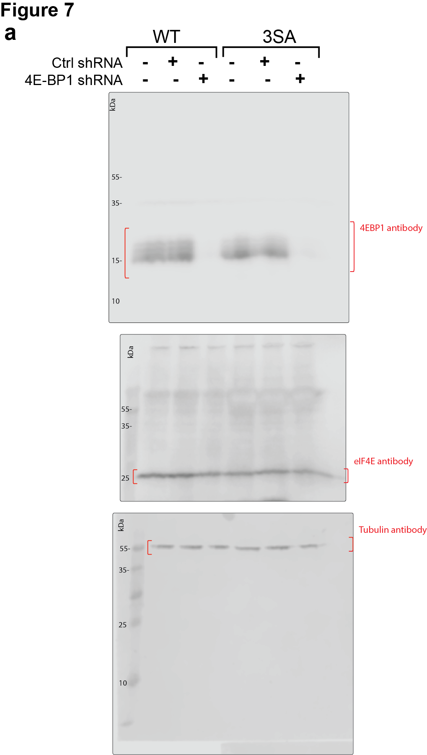
 |  |  |  |  |  | 24 | 2 | 24 | 15 | 24 | 24 | 183.3116 | 43.11258 | 127.5215 | 50.34889 | 26.52258 | 31.12343 |  | WT |  |  |  |  |  |  |  |  |  |  |  |  |  |  |  |  |  |  |  |  |  |  |  |  |  |  |  |  |  |  |  |  |  |  |  |  |  |  |  |  |  |  |  |  |  |  |  |  |  |  |  |  |  |  |  |  |  |  |  |  |  |  |  |  |  |  |  |  |  |  |  |  |  |  |  |  |  |  |  |  |  |  |  |  |  |  |  |  |  |  |  |  |  |  |  |  |  |  |  |  |  |  |  |  |  |  |  |  |  |  |  |  |  |  |  |  |  |  |  |  |  |  |  |  |  |  |  |  |  |  |  |  |  |  |  |  |  |  |  |  |  |  |  |  |  |  |  |  |  |  |  |  |  |  |  |  |  |  |  |  |  |  |  |  |  |  |  |  |  |  |  |  |  |  |  |  |  |  |  | 3SA
 |  |  |  |  |  | 24 | 12 | 24 | 12 | 23 | 24 | 77.14407 | 95.64918 | 198.2347 | 60.87596 | 30.15015 | 17.54493 | Day 3 | 36.28771 | 42.68224 | 44.1375 | 58.60193 | 61.73789 | 48.33569 | 48.25801 | 40.28503 | 60.16253 | 56.53738 | 99.0523 | 50.92624 | 74.70871 | 46.95653 | 56.99538 | 65.75594 | 36.09595 | 81.42643 | 78.25027 | 43.64343 | 48.9215 | 47.05213 | 60.80986 | 165.4972 | 49.10657 | 50.65021 | 36.86401 | 33.09452 | 61.99085 | 70.10105 | 53.72845 | 58.50798 | 61.99085 | 70.7036 | 65.49832 | 47.76756 | 62.68427 | 32.50837 | 66.60746 | 83.1772 | 63.64694 | 53.66518 | 63.74931 | 21.26174 | 30.06864 | 93.01351 | 37.72488 | 40.86558 | 57.53399 | 60.29174 | 106.1129 | 49.49828 | 38.93806 | 42.06498 | 36.37711 | 33.3848 | 52.64727 | 56.64689 | 49.29818 | 36.12041 | 83.94348 | 40.38906 | 26.3151 | 26.98966 | 72.64705 | 44.73572 | 50.1818 | 75.85286 | 33.59402 | 40.68027 | 36.67299 | 46.95653 | 45.0865 | 35.91912 | 33.68068 | 76.18633 | 50.76863 | 37.04449 | 57.14802 | 32.95303 | 48.52409 | 59.85569 | 47.26329 | 49.40052 | 38.49299 | 52.13659 | 128.1468 | 40.44778 | 83.4534 | 100.3842 | 66.54669 | 98.54757 | 46.2015 | 61.41855 | 52.53065 | 91.45265 | 62.56468 | 90.1309 | 51.15473 | 54.9267 | 32.50837 | 91.33756 | 89.92431 | 89.61373 | 29.84014 | 67.94751 | 59.08752 | 57.46493 | 40.09011 | 62.97271 | 62.21573 | 49.51459 | 73.21183 | 76.6508 | 59.98769 | 76.27064 | 59.81263 | 62.41647 | 60.23904 | 48.75304 | 32.73325 | 38.05874 | 56.33432 | 39.73245 | 32.1216 | 72.44087 | 70.1695 | 49.48982 | 80.013 | 82.48889 | 68.86966 | 67.56214 | 116.783 | 80.15131 | 56.92048 |  |  |  |  |  |  |  |  |  |  |  |  |  |  |  |  |  |  |  |  |  |  |  |  |  |  |  |  |  |  |  |  |  |  |  |  |  |  |  |  |  |  |  |  |  | 33.44414 | 50.92867 | 33.14949 | 23.80043 | 28.94799 | 53.80932 | 33.67151 | 12.37325 | 19.56383 | 23.86404 | 55.04236 | 32.01442 | 80.61831 | 52.77463 | 66.09805 | 71.58935 | 50.86596 | 27.38936 | 55.7024 | 25.48476 | 48.2231 | 29.64504 | 44.04144 | 37.58427 | 58.7681 | 42.59574 | 52.48668 | 24.88196 | 33.63117 | 15.65106 | 33.1752 | 27.7768 | 23.4766 | 89.91695 | 36.23729 | 85.03024 | 43.9641 | 30.88316 | 21.81951 | 46.95319 | 31.93708 | 46.67971 | 45.52274 | 142.9939 | 37.11369 | 32.22581 | 27.38936 | 20.19878
 |  |  |  |  |  | 24 | 24 | 24 | 10 | 24 | 24 | 86.10372 | 84.58641 | 105.5095 | 63.50492 | 32.17675 | 72.47623 | Day 6 | 125.9042 | 413.6735 | 170.9774 | 145.9438 | 126.205 | 219.7698 | 246.4181 | 159.5512 | 214.0402 | 163.1493 | 198.6534 | 185.7489 | 144.0045 | 75.09885 | 75.98361 | 214.9682 | 237.6589 | 155.5635 | 134.3948 | 293.0365 | 126.1402 | 157.88 | 123.1791 | 149.8761 | 68.74905 | 172.4343 | 74.55186 | 90.85183 | 144.5348 | 115.7961 | 93.19869 | 84.75064 | 159.861 | 210.3076 | 72.30057 | 120.7938 | 207.8967 | 234.9541 | 160.5167 | 127.2118 | 84.86981 | 129.0163 | 152.6088 | 179.5338 | 128.1763 | 202.1289 | 133.4405 | 302.195 | 163.9217 | 119.2416 | 156.7542 | 213.3723 | 74.32177 | 109.3202 | 186.7616 | 223.4839 | 175.6671 | 183.7246 | 88.55027 | 125.3881 | 247.5764 | 154.14 | 61.93762 | 140.3655 | 84.8059 | 109.6777 | 45.26501 | 108.929 | 140.926 | 313.2507 | 108.8215 | 80.47667 | 117.5506 | 45.54201 | 89.68252 | 77.81782 | 160.5837 | 135.0124 | 120.609 | 109.8656 | 160.1883 | 108.6453 | 88.39512 | 136.0245 | 165.052 | 218.7454 | 86.81437 | 182.4883 | 86.36832 | 160.9273 | 164.2542 | 211.2388 | 125.2287 | 141.4675 | 172.839 | 119.2923 | 130.1537 | 170.8848 | 157.0092 | 135.7752 | 80.20033 | 94.81178 | 39.14872 | 126.8571 | 86.82525 | 91.19785 | 202.7308 | 206.1012 | 89.24729 | 188.0847 | 175.4539 | 137.7064 | 134.4985 | 69.90495 | 130.416 | 100.3054 | 278.6977 | 152.3014 | 178.1202 | 60.2799 | 161.4383 | 161.1641 | 113.4294 | 115.7857 | 166.7885 | 160.8525 | 71.71094 | 66.40657 | 44.01107 | 97.60716 | 154.4084 | 112.2099 |  |  |  |  |  |  |  |  |  |  |  |  |  |  |  |  |  |  |  |  |  |  |  |  |  |  |  |  |  |  |  |  |  |  |  |  |  |  |  |  |  |  |  |  |  |  |  |  | 140.395 | 184.0819 | 83.60116 | 50.56857 | 79.76384 | 77.30896 | 73.25259 | 143.6886 | 131.1646 | 97.81957 | 14.89283 | 99.2417 | 161.0609 | 60.94881 | 57.21315 | 119.3224 | 56.36729 | 109.9707 | 74.96758 | 89.87001 | 58.60016 | 114.1818 | 99.46878 | 46.47329 | 18.0602 | 57.82432 | 128.2224 | 122.7415 | 43.34449 | 72.26441 | 43.34449 | 43.64446 | 137.3864 | 90.2085 | 89.02548 | 54.18061 | 57.53168 | 58.77338 | 70.50439 | 92.22716 | 125.8364 | 115.4861 | 36.32046 | 69.47168 | 41.97637 | 40.03139 | 68.97151 | 49.18073
 |  |  |  |  |  | 24 | 13 | 24 | 15 | 24 | 23 | 67.29501 | 53.9787 | 131.2681 | 58.40611 | 41.56929 | 53.90402 | Day 8 | 578.3544 | 360.7045 | 357.709 | 131.4103 | 232.1963 | 401.139 | 132.9321 | 99.88566 | 257.9507 | 329.8896 | 69.67455 | 128.6053 | 143.1848 | 344.9444 | 245.4946 | 303.3748 | 207.0756 | 193.0851 | 243.9733 | 206.1221 | 315.4109 | 251.3274 | 462.1362 | 285.0777 | 250.0044 | 127.578 | 174.5426 | 100.3054 | 141.781 | 162.4445 | 202.9273 | 203.682 | 205.6314 | 280.6815 | 186.2446 | 205.2726 | 122.8094 | 82.53055 | 120.3398 | 329.9326 | 207.7827 | 166.7975 | 112.5612 | 167.6586 | 202.9894 | 331.9266 | 216.8647 | 324.2215 | 309.6349 | 164.316 | 85.41073 | 166.3693 | 311.4658 | 169.1447 | 90.74378 | 202.8328 | 206.2971 | 141.7616 | 166.6565 | 249.6021 | 186.8155 | 486.4299 | 197.2235 | 131.3242 | 602.1168 | 259.335 | 347.9717 | 534.9681 | 262.759 | 241.3878 | 257.7741 | 146.3014 | 128.3928 | 193.6963 | 252.5685 | 105.8726 | 203.9455 | 207.3399 | 187.3663 | 288.7483 | 70.58169 | 152.3807 | 103.4709 | 281.9543 | 177.6414 | 309.4298 | 236.1192 | 229.2851 | 179.8711 | 262.2423 | 190.1832 | 141.3794 | 185.6921 | 216.9575 | 262.687 | 205.9813 | 182.4231 | 242.9611 | 381.6911 | 221.8869 | 206.9729 | 112.8796 | 118.237 | 124.1549 | 278.7871 | 201.8779 | 161.2336 | 161.0913 | 315.2322 | 110.8172 | 162.3629 | 133.3867 | 347.4645 | 138.3625 | 265.1402 | 111.3627 | 125.3005 | 121.0659 | 130.0151 | 179.1589 | 175.4927 | 201.9481 | 308.4049 | 144.6541 | 62.80188 | 138.6763 | 260.3125 | 120.1779 | 143.385 | 192.7002 | 128.7822 | 106.8703 | 192.0306 | 203.0668 | 238.7632 | 151.9634 | 180.7075 | 277.1812 | 325.4882 | 342.6474 | 247.8685 | 157.232 | 197.1423 | 91.32484 | 91.41815 | 115.9645 | 93.01208 | 174.5139 | 88.71422 | 176.3215 | 174.5438 | 156.9964 | 139.107 | 230.5142 | 162.8323 | 227.445 | 163.8645 | 173.6854 | 208.6872 | 339.4223 | 134.0614 | 45.10295 | 194.0616 | 228.6713 | 134.1662 | 263.5564 | 328.2849 | 146.1142 | 104.1872 | 153.5262 | 168.4702 | 188.7739 | 179.8153 | 138.0819 | 310.2339 | 152.2344 | 458.9114 | 106.4638 | 205.6777 | 132.6892 | 140.8369 | 135.5448 | 156.7191 | 229.2645 | 158.1575 | 81.86876 | 86.04248 | 93.324 | 72.0449 | 48.9215 | 91.88101 | 71.53603 | 69.43981 | 161.4517 | 97.91553 | 132.954 | 78.92105 | 106.5573 | 86.84921 | 86.9584 | 60.47875 | 91.19785 | 71.24448 | 71.96941 | 109.3029 | 159.8293 | 101.1241 | 134.488 | 122.8094 | 84.32064 | 183.5837 | 144.6454 | 87.03188 | 134.4082 | 105.5361 | 81.92162 | 154.8678 | 57.12792 | 65.01674 | 55.90165 | 58.94064 | 304.5157 | 120.4314 | 75.44976 | 116.2421 | 80.24605 | 65.93659 | 126.9032
 |  |  |  |  |  | 24 | 3 | 24 | 5 | 24 | 24 | 259.9278 | 82.36185 | 88.10149 | 58.42995 | 64.5113 | 28.22118
 |  |  |  |  |  | 24 | 3 | 24 | 7 | 24 | 24 | 214.5044 | 56.19153 | 101.4217 | 45.95069 | 27.05984 | 52.25285
 |  |  |  |  |  | 24 | 2 | 17 | 24 | 24 | 24 | 76.21326 | 63.48 | 125.0647 | 40.05044 | 46.94014 | 12.24473
 |  |  |  |  |  | 24 | 9 | 24 | 13 | 24 | 22 | 78.11352 | 115.8731 | 176.7896 | 75.02832 | 28.68281 | 31.10035
 |  |  |  |  |  | 24 | 4 | 24 | 8 | 23 | 19 | 88.36278 | 68.55702 | 118.4582 | 118.4233 | 44.5128 | 25.75571
 |  |  |  |  |  | 24 | 4 | 24 | 3 | 24 | 24 | 94.40649 | 75.29556 | 147.8325 | 47.59815 | 18.67129 | 28.95862
 |  |  |  |  |  | 24 | 6 | 24 | 5 | 24 | 22 | 182.2435 | 72.98337 | 67.39837 | 64.80941 | 32.3887 | 17.49248
 |  |  |  |  |  | 24 | 24 | 11 | 3 | 24 | 24 | 134.5479 | 80.37258 | 100.912 | 33.23571 | 24.247 | 37.83107
 |  |  |  |  |  | 24 | 7 | 24 | 17 | 24 | 24 | 52.83813 | 86.42388 | 252.2894 | 50.42389 | 30.14225 | 17.22693
 |  |  |  |  |  | 24 | 17 | 24 | 14 | 24 | 20 | 112.9661 | 145.3989 | 215.822 | 35.84241 | 118.0475 | 26.37461
 |  |  |  |  |  | 24 | 17 | 24 | 7 | 24 | 24 | 51.22767 | 109.0987 | 80.9645 | 66.76363 | 51.86035 | 36.23052
 |  |  |  |  |  | 24 | 4 | 24 | 18 | 24 | 24 | 211.4464 | 64.6392 | 92.41434 | 60.64654 | 64.74456 | 27.86719
 |  |  |  |  |  | 24 | 10 | 24 | 16 | 24 | 24 | 88.02813 | 67.88703 | 125.3342 | 103.272 | 52.53474 | 28.68477
 |  |  |  |  |  | 12 | 7 | 24 | 24 | 24 | 23 | 231.0541 | 60.53163 | 143.8751 | 73.96549 | 47.13486 | 51.57206
 |  |  |  |  |  | 24 | 24 | 24 | 15 | 24 | 19 | 84.73269 | 137.2596 | 104.6488 | 103.7354 | 19.93853 | 37.55565
 |  |  |  |  |  | 23 | 7 | 24 | 9 | 24 | 21 | 135.1019 | 21.01947 | 94.37251 | 70.16412 | 32.02876 | 24.48947
 |  |  |  |  |  | 24 | 9 | 23 | 11 | 24 | 24 | 121.1748 | 100.74 | 82.27704 | 53.97901 | 51.84467 | 26.96492
 |  |  |  |  |  | 24 | 19 | 24 | 17 | 24 | 23 | 99.99754 | 86.0706 | 83.25601 | 49.58726 | 24.59837 | 18.06021
 |  |  |  |  |  | 24 | 4 | 24 | 19 |  | 24 | 138.9228 | 80.23044 | 83.45869 | 77.16965 |  | 26.52258
 |  |  |  |  |  | 24 | 8 | 23 | 7 |  |  | 135.5997 | 61.60734 | 90.56595 | 84.0018
 |  |  |  |  |  | 24 | 15 | 24 | 4 |  |  | 89.4955 | 58.9536 | 117.1686 | 90.6944
 |  |  |  |  |  | 23 | 10 | 24 | 4 |  |  | 98.86174 | 60.686 | 65.40608 | 77.57249
 |  |  |  |  |  | 24 | 18 | 24 | 11 |  |  | 123.1989 | 91.14737 | 52.60091 | 36.65089
 |  |  |  |  |  | 24 | 13 |  |  |  |  | 142.4928 | 90.85777
 |  |  |  |  |  | 19 | 15 |  |  |  |  | 86.03831 | 89.85865
 |  |  |  |  |  | 24 | 17 |  |  |  |  | 155.6574 | 76.92217
 |  |  |  |  |  | 23 | 18 |  |  |  |  | 101.8373 | 119.5552
 |  |  |  |  |  | 24 | 21 |  |  |  |  | 72.65411 | 91.89359
 |  |  |  |  |  | 24 | 5 |  |  |  |  | 130.3958 | 49.83495

Supp Fig.5
Supp Fig. 5a |  | Supp Fig. 5b |  |  |  |  |  |  |  |  |  |  |  | Supp Fig. 5c |  |  |  |  |  |  |  | Supp Fig 5d
Bad WT | Bad 3SA | Lifetime |  |  |  |  |  | Length |  |  |  |  |  | wt | 3sa | WTzvad | 3SAzvad | WTsts | 3SAsts | WTzvadsts | 3SAzvadsts | WT | 3SA | WTabt | 3SAabt
6.382979 | 9.722222 |  |  | zvad |  | abt |  |  |  | zvad |  | abt |  | 0.002349 | 0.036969 | 0.005974 | 0.006345 | 1.454033 | 2.566259 | 0.203416 | 0.454545 | 0.485034 | 0.911427 | 0.148191 | 0.248298
10.15625 | 8.849558 | WT | 3SA | WT | 3SA | WT | 3SA | WT | 3SA | WT | 3SA | WT | 3SA | 0.245699 | 0.130858 | 0.150921 | 0.084345 | 0.641968 | 1.475921 | 0.091017 | 0.127971 | 0.270368 | 0.730508 | 0.018763 | 0.183292
6.122449 | 10.52632 | 18 | 5 | 24 | 8 | 24 | 15 | 141.62219996 | 34.850630105 | 110.68282857 | 94.645736053 | 90.376236166 | 105.99176301 | 0.28088 | 0.360931 | 0.419694 | 0.199371 | 1.078491 | 1.868668 | 0.190756 | 0.055728 | 0.309553 | 1.666005 | 0.230216 | 0.224986
9.160305 | 8.928571 | 20 | 3 | 18 | 9 | 12 | 14 | 125.57248504 | 26.993918861 | 144.46058683 | 44.898711029 | 128.86981441 | 31.457463184 | 0.18114 | 0.11352 | 0.058907 | 0 | 0.731112 | 0.724218 | 0.135446 | 0.067121
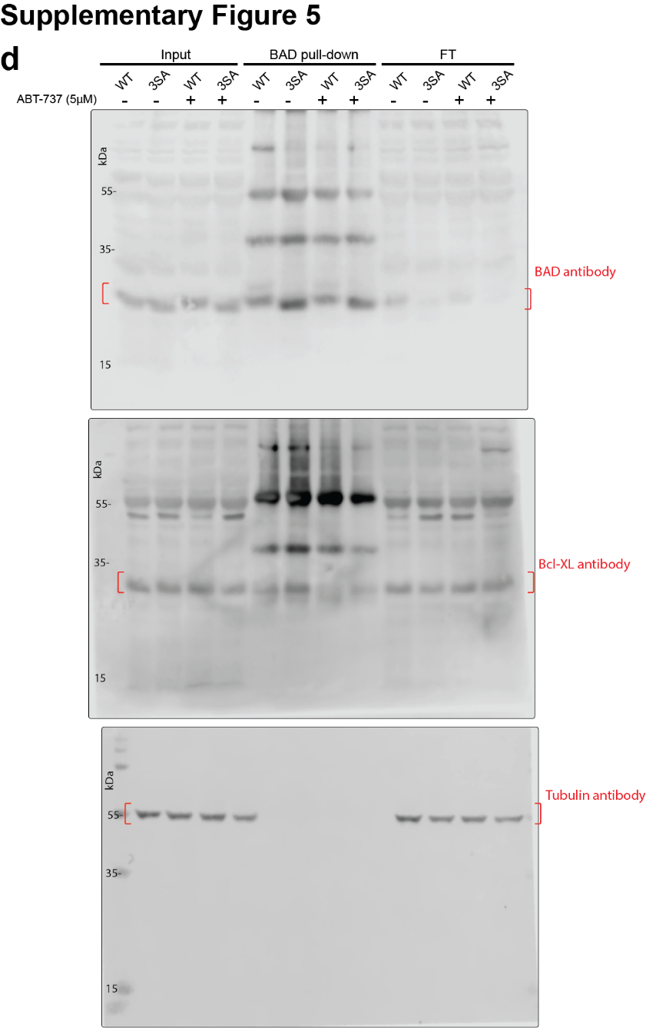
5.194805 | 11.60221 | 24 | 8 | 20 | 12 | 12 | 7 | 106.609247 | 39.799498005 | 82.71341472 | 39.368658854 | 63.466865105 | 95.502631049
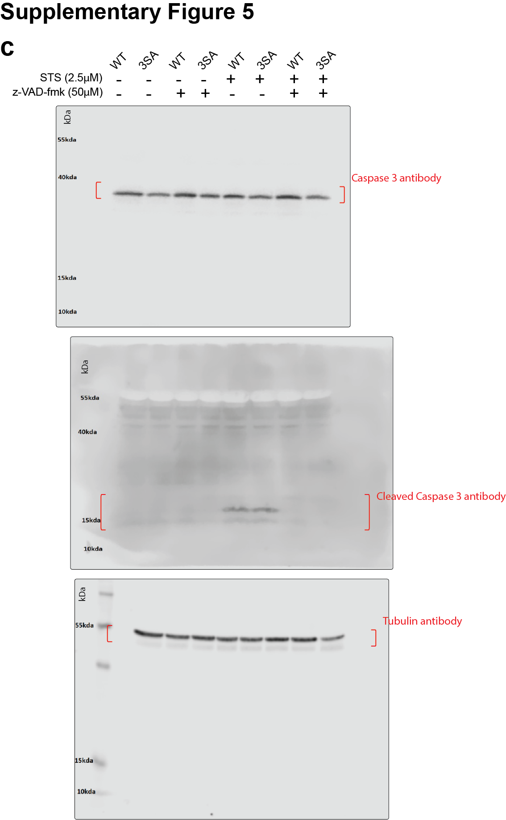
5.797101 | 13.22314 | 24 | 4 | 22 | 10 | 24 | 11 | 90.547693848 | 65.413101313 | 106.48518602 | 61.496603456 | 76.323445909 | 125.45548006
11.00917 | 4.511278 | 21 | 7 | 17 | 3 | 24 | 4 | 55.375094423 | 58.141754679 | 72.623219849 | 18.524493461 | 147.02649454 | 44.652379029
12.5 | 8.547009 | 24 | 9 | 24 | 8 | 14 | 7 | 99.573334246 | 62.894314855 | 106.52883151 | 67.195638818 | 152.91520776 | 39.810577097
8.59375 | 10.94527 | 24 | 12 | 24 | 9 | 24 | 8 | 172.09540006 | 48.974479354 | 47.504986907 | 74.498347542 | 53.048565446 | 36.323473524
8.62069 | 8.333333 | 24 | 7 | 24 | 7 | 24 | 20 | 76.738144453 | 96.893333786 | 112.58966378 | 68.967230869 | 191.43075795 | 26.822017758
14.11765 | 6.565657 | 24 | 4 | 24 | 7 | 24 | 2 | 250.0671332 | 30.627865357 | 102.74995832 | 57.385429581 | 127.49537991 | 25.938310007
10.30928 | 4.918033 | 21 | 15 | 24 | 4 | 24 | 9 | 67.814338718 | 38.557327269 | 120.2955288 | 47.656372668 | 129.31763117 | 29.604411934
10.9375 | 11.26761 | 12 | 7 | 24 | 7 | 13 | 7 | 76.240278088 | 93.487796639 | 143.56317594 | 104.15665423 | 107.48882065 | 42.078595112
8.55615 | 8.536585 | 8 | 6 | 11 | 4 | 24 | 6 | 82.663765986 | 30.904393963 | 51.401336371 | 30.754079389 | 187.08052271 | 46.098517792
6.185567 | 7.142857 | 10 | 5 | 24 | 8 | 21 | 4 | 92.830315669 | 44.624164781 | 120.91089892 | 44.467004475 | 201.43768344 | 25.605721143
12.2449 | 14.54545 | 24 | 10 | 24 | 5 | 18 | 9 | 150.08666029 | 28.541168658 | 95.801675676 | 32.148586312 | 45.770268059 | 53.942032284
6.153846 | 6.451612903 | 19 | 14 | 24 | 7 | 24 | 13 | 147.59311001 | 51.598084498 | 83.587476779 | 78.156309669 | 164.40135911 | 69.882126226
7.874016 | 7.438016529 | 24 | 7 | 24 | 5 | 24 | 3 | 140.34588163 | 64.098323318 | 95.656971144 | 47.283065714 | 53.234434601 | 20.457001873
8.270677 |  | 24 | 4 | 20 | 13 | 21 | 4 | 99.527178319 | 49.781942876 | 97.156216996 | 68.273072275 | 93.947662762 | 23.84841626
8.450704 |  | 24 | 8 | 24 | 17 | 16 | 6 | 146.14907285 | 36.750740842 | 92.286437286 | 70.431834203 | 86.911645049 | 29.262052795
11.53846 |  | 7 | 5 | 7 | 12 | 20 | 7 | 65.279914059 | 12.276506885 | 31.784453301 | 60.812513847 | 94.816356902 | 50.585256938
7.913669 |  | 20 | 2 | 24 | 5 | 20 | 5 | 88.938712156 | 28.630630277 | 63.902016741 | 62.541804291 | 59.914670594 | 75.334992343
 |  | 24 | 11 | 24 | 4 | 24 | 13 | 122.37510923 | 100.75186508 | 86.077603742 | 52.164800855 | 47.686603023 | 77.700449023
 |  | 19 | 3 | 12 | 7 | 24 | 7 | 88.559168371 | 21.311586909 | 106.38087902 | 76.166052205 | 50.232051769 | 103.19934429
 |  | 22 | 3 | 19 | 8 | 12 | 8 | 45.985756855 | 15.884719013 | 125.68248435 | 42.065510517 | 74.118449951 | 34.13071717
 |  | 24 | 4 | 12 | 5 | 23 | 6 | 66.945750759 | 42.56713807 | 60.768423628 | 50.299285376 | 122.71770103 | 100.54339183
 |  | 24 | 8 | 6 | 12 | 7 | 3 | 157.62000153 | 62.292363339 | 94.384990795 | 24.628847205 | 97.09845216 | 45.357653562
 |  | 24 | 4 | 24 | 7 | 24 | 4 | 166.54578601 | 40.879542644 | 68.780433865 | 42.379996328 | 157.85618935 | 56.385980056
 |  | 24 | 3 | 24 | 12 | 13 | 5 | 160.39176742 | 32.574928506 | 61.96287844 | 49.678053371 | 93.487261345 | 54.345032376
 |  | 22 | 6 | 24 | 14 | 17 | 6 | 165.32380112 | 40.498246107 | 142.58766333 | 60.555218892 | 71.105412124 | 31.904492543
 |  | 24 | 6 | 24 | 14 | 22 | 4 | 101.62597055 | 53.02235426 | 91.325599444 | 28.843401007 | 38.137384229 | 31.2615797
 |  | 21 | 4 | 13 | 3 | 24 | 5 | 55.24779112 | 15.515509001 | 80.371589729 | 17.63435246 | 145.8480263 | 28.420739792
 |  | 16 | 12 | 12 | 6 | 24 | 7 | 79.179981208 | 124.11765155 | 160.35992562 | 47.646918645 | 64.505480545 | 67.157855768
 |  | 24 | 4 | 24 | 6 | 24 | 11 | 170.51397145 | 33.427658336 | 275.89464895 | 40.335935815 | 100.28035511 | 49.87363624
 |  | 22 | 6 | 24 | 6 | 13 | 8 | 107.02801036 | 53.294964562 | 43.840829169 | 52.81542046 | 82.255329997 | 44.290851533
 |  | 12 | 4 | 24 | 12 | 24 | 9 | 51.255481894 | 50.169460316 | 74.636847273 | 68.646741456 | 143.14856152 | 28.456439768
 |  | 24 | 8 | 24 | 8 | 24 | 9 | 28.089587034 | 74.6702033 | 52.971240286 | 56.33840922 | 119.55894715 | 70.838400757
 |  | 22 | 4 | 24 | 12 | 8 | 3 | 58.501436216 | 57.203383685 | 74.07279515 | 46.083734463 | 133.90122765 | 28.644906846
 |  | 24 | 2 | 15 | 6 | 24 | 10 | 172.20479792 | 36.659347367 | 68.414862132 | 33.984074792 | 94.590240357 | 89.35359662
 |  | 18 | 8 | 15 | 13 | 24 | 6 | 143.73004717 | 45.1239286 | 90.093932086 | 122.42271431 | 133.7271208 | 51.01678924
 |  | 24 | 5 | 6 | 6 | 12 | 7 | 137.71855857 | 25.183712693 | 40.501623625 | 38.550380349 | 128.14674132 | 39.169584406
 |  | 24 | 6 | 24 | 6 | 24 | 9 | 40.223678561 | 49.230094164 | 100.18997161 | 50.93988152 | 108.24926786 | 40.968559081
 |  | 14 | 10 | 7 | 6 | 24 | 10 | 87.122822484 | 45.76650784 | 34.164854324 | 90.85732465 | 64.870391104 | 38.974703179
 |  | 24 | 5 | 24 | 24 | 24 |  | 190.79079936 | 45.766340981 | 172.61835767 | 26.901974053 | 203.44359102
 |  | 24 | 12 | 24 | 7 | 22 |  | 60.35410853 | 52.03797054 | 139.91632191 | 62.989084271 | 147.15973953
 |  | 14 | 3 | 12 | 8 | 7 |  | 106.67518745 | 31.87165684 | 156.76783355 | 97.821105815 | 29.527660652
 |  | 23 | 10 | 7 | 9 | 24 |  | 105.46058466 | 38.601053581 | 30.769862298 | 49.566685567 | 109.30878519
 |  | 17 | 17 | 20 | 13 | 12 |  | 116.28266025 | 49.592094991 | 146.20386859 | 124.37181288 | 76.628947478
 |  | 21 | 10 | 15 | 4 | 20 |  | 35.278499848 | 60.573674649 | 100.32980413 | 29.614084537 | 80.541522623
 |  | 24 | 8 | 8 | 5 | 24 |  | 77.335424113 | 35.65199999 | 52.540058414 | 44.787127667 | 75.978752071
 |  | 24 | 10 | 24 | 20 | 24 |  | 41.496299175 | 42.38385287 | 59.212317886 | 142.6485588 | 108.24396125
 |  | 24 | 10 | 8 | 3 | 9 |  | 100.41818474 | 198.01234844 | 40.895195974 | 46.964294616 | 29.266682396
 |  | 24 | 20 | 24 | 4 | 24 |  | 118.01481931 | 62.187966811 | 84.301970181 | 49.432213837 | 116.9302689
 |  | 17 | 7 | 15 | 7 |  |  | 129.1771695 | 63.773247784 | 106.63321487 | 79.348382742
 |  | 20 | 6 | 6 | 8 |  |  | 138.33592695 | 40.478106874 | 65.45154439 | 62.963380927
 |  | 24 | 5 | 24 | 3 |  |  | 121.46394471 | 47.118839067 | 78.51908782 | 33.43470832
 |  | 24 | 10 | 24 | 3 |  |  | 160.80340187 | 65.09649503 | 87.201668968 | 30.896248919
 |  | 24 | 7 | 16 | 3 |  |  | 59.619613136 | 29.764649887 | 70.334685439 | 29.238324767
 |  |  | 5 | 24 | 4 |  |  |  | 57.828907786 | 82.302986313 | 39.166861581
 |  |  | 5 | 18 | 4 |  |  |  | 65.529455566 | 114.97787485 | 50.641735866
 |  |  |  | 24 | 10 |  |  |  |  | 190.77611343 | 70.503399233
 |  |  |  | 12 | 4 |  |  |  |  | 99.381997662 | 64.561247022
 |  |  |  | 23 | 11 |  |  |  |  | 185.87878117 | 90.053682021
 |  |  |  | 19 |  |  |  |  |  | 130.98085742
 |  |  |  | 24 |  |  |  |  |  | 34.626773782
 |  |  |  | 24 |  |  |  |  |  | 51.546631105
 |  |  |  | 24 |  |  |  |  |  | 57.021740565
 |  |  |  | 24 |  |  |  |  |  | 68.730376159
 |  |  |  | 20 |  |  |  |  |  | 32.663668734
 |  |  |  | 13 |  |  |  |  |  | 87.901585168
 |  |  |  | 24 |  |  |  |  |  | 60.173716489
 |  |  |  | 24 |  |  |  |  |  | 49.051407486
 |  |  |  | 24 |  |  |  |  |  | 158.33533525
 |  |  |  | 24 |  |  |  |  |  | 152.27459066
 |  |  |  | 13 |  |  |  |  |  | 76.386218043
 |  |  |  | 13 |  |  |  |  |  | 161.59170063
 |  |  |  | 18 |  |  |  |  |  | 47.915593018
 |  |  |  | 17 |  |  |  |  |  | 29.130947709
 |  |  |  | 17 |  |  |  |  |  | 42.342946378
 |  |  |  | 24 |  |  |  |  |  | 71.036560063
 |  |  |  | 24 |  |  |  |  |  | 53.344069107
 |  |  |  | 24 |  |  |  |  |  | 51.255046988
 |  |  |  | 24 |  |  |  |  |  | 62.29003861
 |  |  |  | 20 |  |  |  |  |  | 50.507469792
 |  |  |  | 6 |  |  |  |  |  | 50.145993339
 |  |  |  | 6 |  |  |  |  |  | 26.887216801
 |  |  |  | 24 |  |  |  |  |  | 53.66861051
 |  |  |  | 24 |  |  |  |  |  | 65.260849745
 |  |  |  | 24 |  |  |  |  |  | 119.64932764
 |  |  |  | 20 |  |  |  |  |  | 35.71417439
 |  |  |  | 24 |  |  |  |  |  | 43.546547612
 |  |  |  | 24 |  |  |  |  |  | 60.277891838
 |  |  |  | 14 |  |  |  |  |  | 41.624205138
 |  |  |  | 24 |  |  |  |  |  | 55.486729537

Supp Fig.7
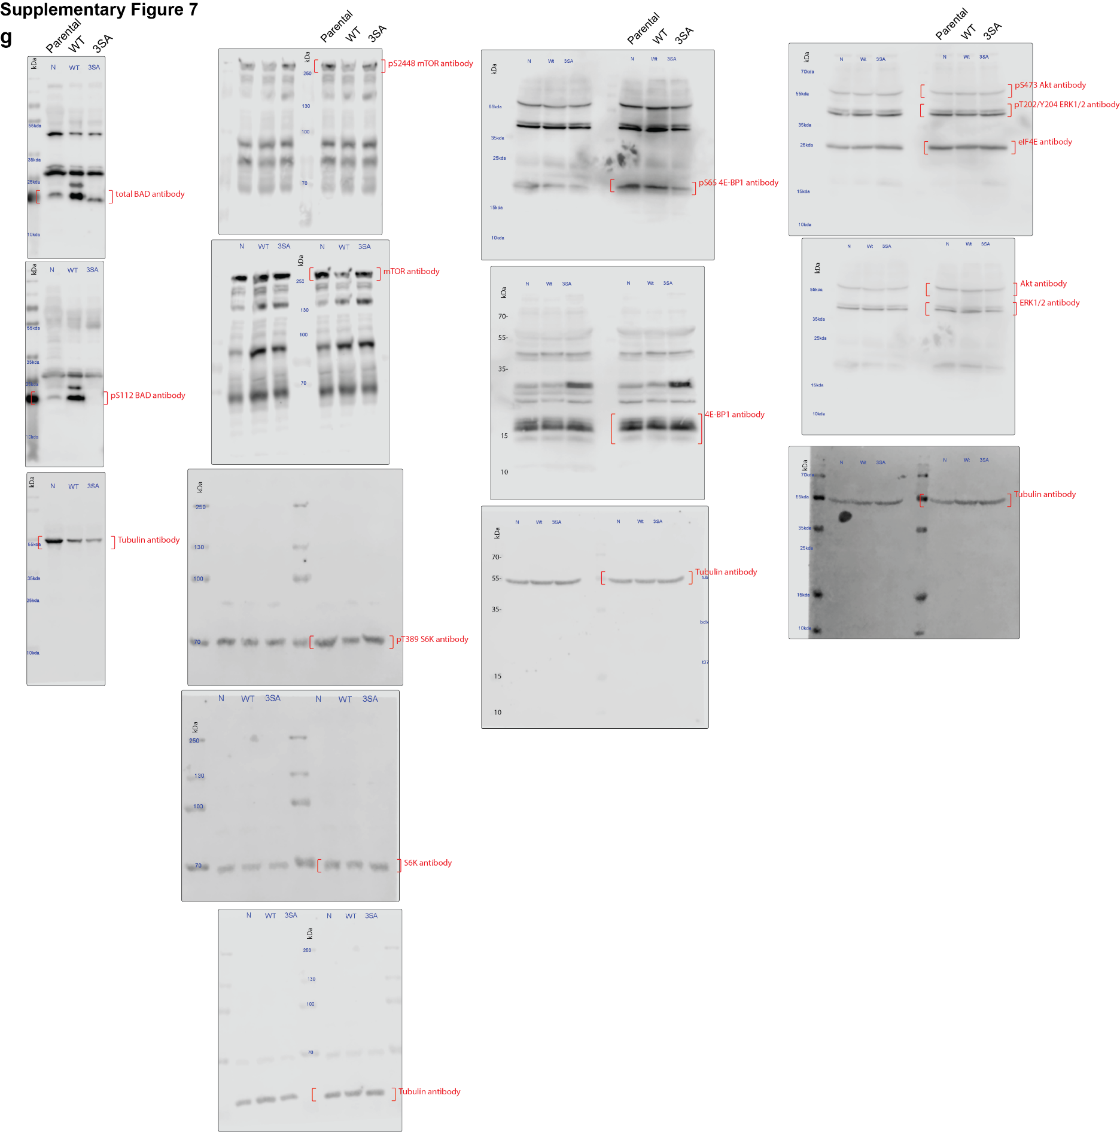
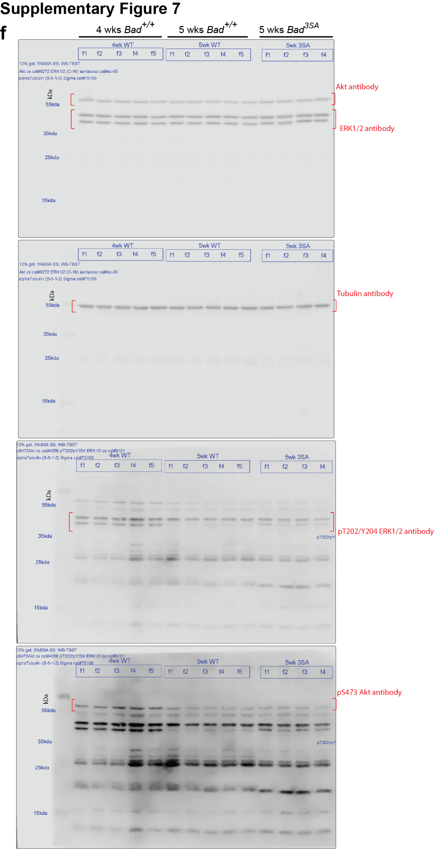
Supp Fig.7d |  |  |  |  |  |  |  |  |  |  |  |  |  |  |  | Supp Fig.7e |  |  |  |  |  |  |  |  | Supp Fig.7f |  |  |  |  |  |  |  |  |  |  |  | Supp Fig. 7g
 | 4 wk Bad+/+ |  |  |  |  | 5 wk Bad+/+ |  |  |  |  | 5 wk Bad3SA |  |  |  |  |  | Bad+/+ |  |  |  | Bad 3SA |  |  |  | Akt |  |  | pAkt |  |  | ERK1/2 |  |  | pERK1/2 |  |  | Parental Bad | WT Bad | 3SA Bad | Parental P112 | WT P112 | 3SA P112 | Parental mTOR | WT mTOR | 3SA mTOR | Parental PmTOR | WT PmTOR | 3SA PmTOR | Parental 4ebp1 | WT 4ebp1 | 3SA 4ebp1 | Parental P65 4ebp1 | WT P65 4ebp1 | 3SA P65 4ebp1 | Parental eIF4e | WT eIF4e | 3SA eIF4e | Parental s6k | WT s6k | 3SA s6k | Parental Ps6k | WT Ps6k | 3SA Ps6k | Parental akt | WT akt | 3SA akt | Parental Pakt | WT Pakt | 3SA Pakt | Parental erk | WT erk | 3SA erk | Parental Perk | WT Perk | 3SA Perk
Akt | 1.062972922 | 0.893248112 | 1.590898463 | 1.184038574 | 1.174344356 | 1.014078207 | 1.150447326 | 1.446159925 | 3.311967113 | 2.573683927 | 0.935498607 | 0.63213411 | 1.126143686 | 1.015468516 | 1.120143675 | Akt | 0.933319 | 0.613785 | 1.578136 | 0.87476 | 0.788275 | 1.128309 | 1.147836 | 0.941365 | 4 wk Bad+/+ | 5 wk Bad+/+ | 5 wk Bad3SA | 4 wk Bad+/+ | 5 wk Bad+/+ | 5 wk Bad3SA | 4 wk Bad+/+ | 5 wk Bad+/+ | 5 wk Bad3SA | 4 wk Bad+/+ | 5 wk Bad+/+ | 5 wk Bad3SA | 1.760267 | 6.632216 | 2.302076 | 0.950097 | 1.050247 | 0 | 0.848476 | 1.081447 | 1.194835 | 1.110396 | 0.932508 | 0.936793 | 1.130058 | 0.852312 | 0.720801 | 0.946059 | 0.446586 | 0.103658 | 1.006231 | 0.851839 | 0.99654 | 0.558159 | 0.710088 | 1.16487 | 1.399867 | 0.869202 | 0.536952 | 1.199839 | 0.7645 | 0.806446 | 0.639746 | 1.182442 | 1.316616 | 1.535502 | 1.351006 | 1.070927 | 0.280805 | 0.433649 | 0.601599
pAkt | 1.005977663 | 0.887176241 | 1.012587465 | 0.995441686 | 0.995354035 | 0.868276909 | 0.915327893 | 1.275264072 | 1.124266542 | 1.064885464 | 1.005246491 | 0.988618494 | 0.953134193 | 0.740604935 | 0.992106633 | pAkt | 0.8535 | 1.20935 | 1.199818 | 0.737332 | 1.057574 | 1.21406 | 2.387874 | 1.016891 | 1.09333 | 0.952338 | 0.980874 | 0.546449 | 0.427717 | 0.689266 | 0.948138 | 0.97878 | 1.126753 | 0.548605 | 0.688351 | 0.698306 | 0.845952 | 6.731818 | 4.419686 | 1.059444 | 1.121316 | 0 | 1.546727 | 1.113308 | 1.627583 | 0.512698 | 0.55091 | 0.698939 | 0.784634 | 0.468924 | 0.676983 | 1.180631 | 0.982397 | 0.188105 | 1.126471 | 0.800609 | 0.950408 | 0.988796 | 1.044212 | 0.889048 | 0.8381 | 0.800822 | 0.640964 | 1.203732 | 0.747765 | 0.694031 | 0.742551 | 1.320451 | 1.076758 | 1.194293 | 0.880104 | 0.572056 | 0.532487 | 0.645498 | 1.050327
Erk1/2 | 0.984885504 | 0.981177842 | 1.108324434 | 0.99746049 | 0.997961613 | 1.088995004 | 0.963924796 | 0.655337253 | 1.201074399 | 0.960640013 | 1.005246491 | 0.862579538 | 1.020599464 | 1.04584904 | 1.102619718 | Erk1/2 | 0.966375 | 0.698845 | 1.509861 | 0.824919 | 0.999638 | 0.929033 | 1.097938 | 1.060539 | 0.925731 | 1.013346 | 1.210289 | 0.56252 | 0.313709 | 0.822587 | 1.080157 | 0.993999 | 1.166106 | 0.652068 | 0.456628 | 0.463344 | 0.874357 | 4.768315 | 4.264962 | 1.326824 | 1.463897 | 0 | 1.125781 | 0.517354 | 0.846807 | 1.220313 | 1.126508 | 1.104903 | 1.085308 | 0.970709 | 0.968346 | 0.87331 | 0.650204 | 0.271493 | 0.867298 | 0.976917 | 1.139628 | 1.510474 | 1.280853 | 0.99316 | 0.590118 | 0.575784 | 0.658299 | 0.596428 | 0.749449 | 0.782871 | 1.617703 | 1.371626 | 1.511759 | 0.270204 | 0.576039 | 0.933732 | 2.186708 | 1.094364 | 0.620014
pErk1/2 | 1.108519168 | 1.012433783 | 1.069324573 | 1.072795532 | 1.149715095 | 0.986117233 | 1.067387409 | 1.22432017 | 0.789700073 | 0.868473606 | 0.904018365 | 0.865713839 | 0.991460497 | 0.962002654 | 1.013719039 | pErk1/2 | 0.898718 | 1.057894 | 1.175522 | 0.867865 | 0.908078 | 1.029316 | 2.002076 | 0.87704 | 0.981932 | 1.008962 | 0.994941 | 1.159376 | 0.453013 | 0.870453 | 0.951874 | 1.024305 | 1.121285 | 1.056873 | 0.579142 | 0.560349 | 0.519423 | 3.876617 | 2.799516 | 0.663635 | 2.014796 | 0 | 0.479016 | 0.277296 | 0.33899 | 1.156593 | 4.041945 | 3.856279 |  |  |  |  |  |  |  |  |  | 0.942572 | 0.913772 | 0.671291 | 1.171914 | 0.917607 | 1.630199
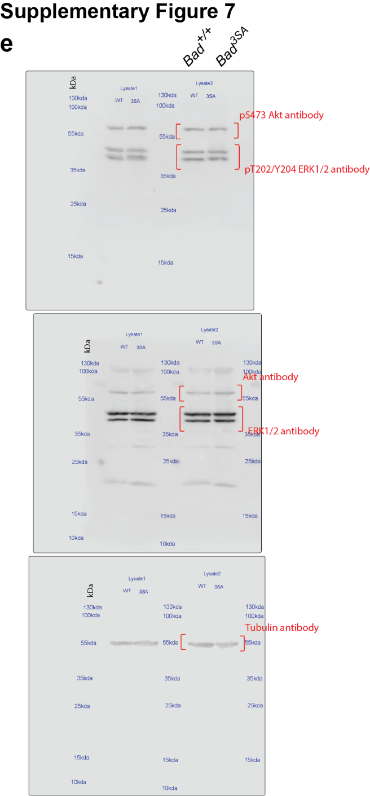
 |  |  |  |  |  |  |  |  |  |  |  |  |  |  |  |  |  |  |  |  |  |  |  |  | 1.088073 | 0.779821 | 0.958877 | 1.757119 | 0.752936 | 0.461522 | 1.072038 | 1.120258 | 0.924371 | 1.814662 | 0.548767 | 0.359718
 |  |  |  |  |  |  |  |  |  |  |  |  |  |  |  |  |  |  |  |  |  |  |  |  | 0.910933 | 0.964584 |  | 0.974536 | 0.699497 |  | 0.947793 | 0.9543 |  | 0.927792 | 0.540886

Supp Fig.8
Supp Fig.8a |  |  |  |  |  | Supp Fig.8b |  |  | Supp Fig.8c |  | Supp Fig.8d |  | Supp Fig.8e |  |  | Supp Fig.8f
eIF4E |  | 4E-BP1 |  | pS65-4E-BP1 |  | Parental | WT | 3SA | Bad +/+ | Bad 3sa | Bad +/+ | Bad 3sa | Parental | WT | 3SA | Cap |  | IRES
WT | 3SA | WT | 3SA | WT | 3SA | 0.865874 | 1.925364 | 0.66924 | 1.06473 | 1.001147 | 3.0258225295 | 1.0606670418 | 1.1041926827 | 1.3895958039 | 1.1751833288 | WT | 3SA | WT | 3SA
1.0023485933 | 0.53322492332 | 1.327336824 | 0.54797894946 | 1.1869074586 | 0.63170206338 | 1.014828 | 0.768385 | 0.577052 | 0.961025 | 1.399843 | 2.5872630522 | 0.79371565615 | 0.98806793351 | 1.3755844028 | 1.4016627429 | 0.76954966964 | 0.47813074674 | 0.80300202877 | 0.23573005903
0.7921468849 | 0.73939354585 | 0.92242387056 | 1.4250998613 | 0.9807483468 | 0.42181615598 | 1.119298 | 1.644789 | 0.79449 | 0.974245 | 0.644137 | 2.6367354475 | 0.70010321631 | 1.7461581384 | 1.491741222 | 0.79816668017 | 0.69401550161 | 0.4003061361 | 0.7804970303 | 0.41938835223
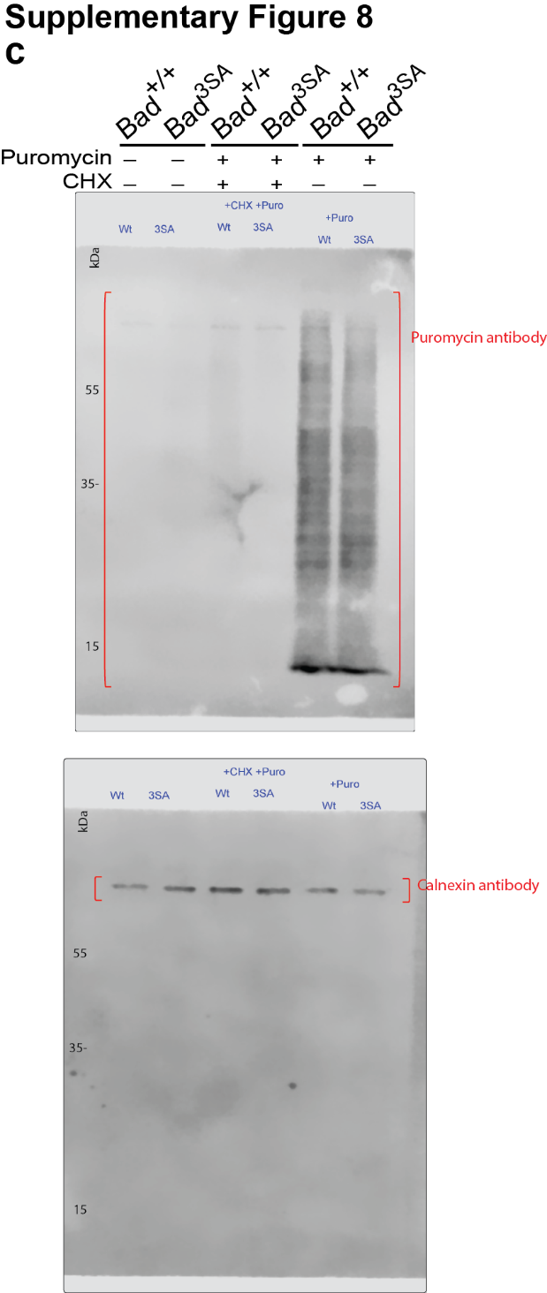
0.71962748953 | 0.71162309306 | 0.59809232181 | 0.60731293609 | 0.94058879573 | 0.84891184076 |  |  |  |  |  | 0.89250220212 | 2.4032664461 | 1.1186354842 | 2.6068749873 | 0.55352741132 | 0.72915769815 | 0.49615403344 | 0.79747197626 | 0.41913112719
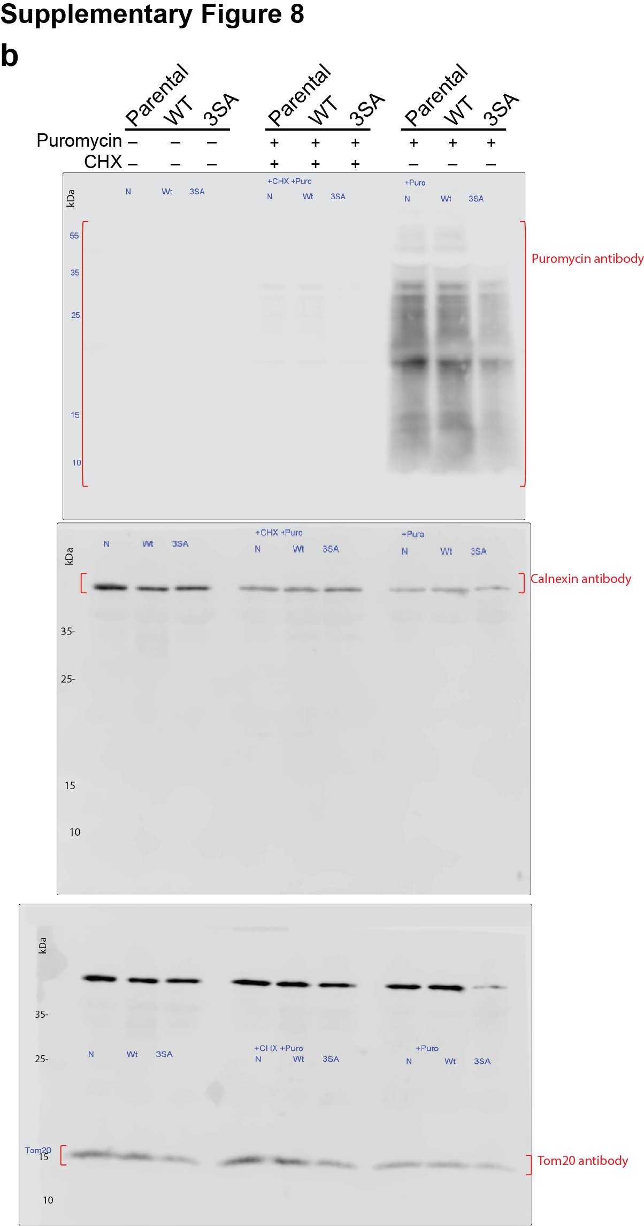
0.96665177298 | 0.79593030526 | 0.75289657129 | 0.92894175654 | 1.0286585758 | 0.62483270967 |  |  |  |  |  | 4.2025410566 | 0.611085952 | 1.2095418435 | 2.3190794894 | 0.74462845187 | 0.92588442487 | 0.49874956196 | 0.83043751182 | 0.37076982196
0.876054271 | 0.74457423435 | 0.72158309608 | 0.888420287 | 1.1435188108 | 0.45481358445 |  |  |  |  |  | 2.7357983606 | 0.75570539742 | 0.96843175432 | 0.9504104954 | 1.0102208299 | 0.86922687631 | 0.65463564493 | 0.91712999968 | 0.5113183436
0.83215020126 | 0.57125098933 | 1.0737953515 | 0.50062342571 | 1.1292155314 | 1.1766697167 |  |  |  |  |  | 2.6311295584 | 1.7188308763 | 1.11686669 | 1.9560717899 | 0.52572198043 | 0.94542524619 | 0.77319733206 | 0.85613795956 | 0.69160903124
0.79014430682 | 0.31509039678 | 1.7169105381 | 0.75022431117 | 1.2425488223 | 0.52481278689 |  |  |  |  |  | 1.1199219797 | 0.32033434807 | 0.89105259801 | 1.0951170857 | 1.069511269 | 0.77910526712 | 0.5669163506 | 0.78687901947 | 0.53800896191
0.45202579498 | 0.080629336131 | 0.804174253 | 0.51247385102 | 0.55354248565 | 0.084025021559 |  |  |  |  |  | 4.8191445458 | 2.0251113178 | 1.4242304251 | 0.77034176324 | 0.95325299078 | 0.75547070953 | 0.60758233177 | 0.73095230959 | 0.51249796474
0.67005497567 | 0.077211892512 | 0.35473079002 | 0.6348034167 | 0.97970374766 | 0.13503137773 |  |  |  |  |  | 3.1703422263 | 0.77590917975 | 1.7699450167 | 2.0060260091 | 1.1279640679 | 0.93213865512 | 0.7175634652 | 0.86826123772 | 0.60284858551
0.55276283622 | 0.16621601835 | 0.67657975008 | 2.0736950839 | 0.73487750147 | 0.26501481427 |  |  |  |  |  | 4.0096151247 | 1.007053623 | 2.5976372808 | 1.6256254579 | 1.1556249261 | 1.0366152177 | 0.89037004868 | 1.0706125548 | 0.87952374572
0.75891712966 | 0.6419656752 | 1.0262558501 | 0.76846807619 | 1.1241198896 | 0.86273140909 |  |  |  |  |  | 1.8220024277 | 0.76005956348 | 1.311319403 | 1.123458184 | 0.6183514546 | 1.0621088252 | 0.70876466061 | 0.85421886637 | 0.79461690804
0.69041939603 | 0.4501972364 | 0.70049694801 | 1.0339370297 | 1.1743604556 | 0.79310808973 |  |  |  |  |  | 2.0803712969 | 0.81236616511 | 2.3004700847 | 1.5369014901 | 0.69463469981 | 1.0800335528 | 0.75851654067 | 1.0899666697 | 0.76081644947
0.88921036184 | 0.30875212927 | 1.0725013474 | 0.96134355006 | 0.98541851884 | 0.89018385696 |  |  |  |  |  | 1.0332604814 | 1.0929270498 | 1.8972380795 | 2.3303159952 | 0.97322139013 | 0.64139780593 | 0.68351574228 | 0.51534357548 | 0.58720959825
1.6022064174 | 0.65342323367 | 1.4290276654 | 0.59210243509 | 1.7996159931 | 0.6302750903 |  |  |  |  |  | 0.71178724523 | 0.66787486241 | 2.5539941944 | 1.4802499336 | 0.50528670158 | 0.72772896592 | 0.66143374694 | 0.78108718654 | 0.62932603831
0.78782129602 | 0.82168282216 | 0.92029990872 | 0.47345295584 | 0.96975632077 | 0.57145849108 |  |  |  |  |  | 1.0022986761 | 1.1713736533 | 0.94801153899 | 0.8846139274 | 0.62558468794 | 1.0196105601 | 0.31585502533 | 1.0135903464 | 0.18706172179
1.135881635 | 0.45240217737 | 0.056141612401 | 0.4173073306 | 1.1005814516 | 0.5502019763 |  |  |  |  |  | 1.9859018513 | 0.99769161278 | 1.1864717597 | 1.0980771765 | 0.95096912266 | 0.74035270746 | 0.48553520164 | 0.63460798422 | 0.37120543832
1.2775862175 | 0.31055143228 | 0.66611209156 | 1.4378136694 | 1.2667158173 | 0.37366289636 |  |  |  |  |  | 1.1521142485 | 1.1551083822 | 1.3475268175 | 0.81841410604 | 1.1763476393 | 0.73037320378 | 0.65737819053 | 0.65856444342 | 0.57170609152
0.92961988177 | 0.5656544902 | 1.0192435804 | 0.32995524056 | 0.83766445556 | 0.45327852295 |  |  |  |  |  | 1.0138956971 | 0.62147164572 | 0.79547421358 | 1.1146049187 | 1.6364813435 | 0.84081874658 | 0.98315592295 | 0.8359089317 | 1.0356980143
0.78018658638 | 0.40975209343 | 1.2033307549 | 0.90258258239 | 0.89358225999 | 0.28155081748 |  |  |  |  |  | 1.8708888416 | 0.97071126275 | 1.4652001391 | 1.7456912102 | 1.4245278177 | 0.89586569183 | 0.96895180057 | 0.78325786321 | 0.92585491978
0.90816806228 | 0.25977377498 | 1.2922961189 | 0.37138219441 | 0.7695940297 | 0.38119289829 |  |  |  |  |  | 1.4837297262 | 1.310216406 | 1.4316511528 | 1.5577934551 | 0.96926600803 | 1.0420870359 | 0.99746280512 | 0.96159886565 | 0.89865778805
0.83781929069 | 0.85448087629 | 0.69345683341 | 0.58597126752 | 1.093860859 | 0.89851411929 |  |  |  |  |  | 1.0375941852 | 0.45243832458 | 1.9207632611 | 1.1126007436 | 1.1064948553 | 0.63504046041 | 0.71442064591 | 0.71061459932 | 0.75754979831
0.97026531095 | 0.41685282689 | 0.92169501531 | 0.98439012922 | 0.55306360897 | 0.33116384284 |  |  |  |  |  | 1.9363634962 | 0.8803076705 | 1.390710768 | 2.7349410148 | 0.72305875446 | 0.46644764281 | 0.83908609289 | 0.6617831284 | 0.85286374418
1.1981151473 | 0.66969418939 | 1.2458508368 | 0.57562026963 | 1.2741458577 | 0.74287594347 |  |  |  |  |  | 1.3888938099 | 2.5072796141 | 1.4984757651 | 2.0738582648 | 1.1507822912 | 0.63685303436 | 0.59299109491 | 0.73757254544 | 0.52267148814
0.68795306838 | 0.84129395496 | 1.0301128911 | 0.65342737856 | 0.7833489183 | 0.48186583951 |  |  |  |  |  | 1.2501797197 | 1.035411925 | 1.4939336354 | 1.4260818449 | 1.2989528063 | 1.0426041967 | 0.36524623285 | 0.91246053421 | 0.24275394728
0.79050200005 | 1.1829662019 | 1.5123911073 | 0.75364130502 | 0.97930605673 | 0.57991955036 |  |  |  |  |  | 1.1218751662 | 2.6949265451 | 1.1706798561 | 1.3243440467 | 0.81780979559 | 0.9138354803 | 0.55139489544 | 0.87060909855 | 0.56330539841
0.80562822019 | 0.6370221836 | 1.3135562451 | 0.42356614463 | 0.9318312129 | 0.44658847586 |  |  |  |  |  | 0.91430511863 | 1.5484923723 | 1.2347382335 | 1.7314865503 | 0.75698748399 | 1.0780066146 | 0.42913571067 | 0.92581290243 | 0.31802372548
0.62291353472 | 0.66298433109 | 1.0592010931 | 0.73400486027 | 0.89834541817 | 0.58769922903 |  |  |  |  |  | 1.6776016732 | 0.79709317658 | 1.0028381004 | 2.2934167874 | 0.81244948928 | 0.79980784617 | 0.23984345218 | 0.82889917386 | 0.11941462995
0.66631291547 | 1.3966614954 | 0.63397918599 | 0.89414973025 | 1.298533276 | 0.95403164656 |  |  |  |  |  | 0.71039356953 | 0.47561989194 | 1.6515620728 | 1.8411475511 | 0.83292370787 | 0.82043066063 | 0.73427385305 | 0.76528441515 | 0.70559828862
1.0166564781 | 0.73220611181 | 0.82437152623 | 1.3432814148 | 0.88888688888 | 0.79653137077 |  |  |  |  |  | 0.49376216891 | 0.76990069018 | 2.1323514697 | 1.538498569 | 1.7106474995 | 1.0318428134 | 0.40208203601 | 0.97441570602 | 0.31665799172
0.9122473638 | 0.053518321243 | 0.60184920969 | 0.71281204107 | 0.75539667387 | 0.058708841511 |  |  |  |  |  | 0.81535746408 | 0.75979934119 | 1.8619017195 | 1.5283286787 | 0.68139502492 | 0.68170721403 | 0.47806256214 | 0.56244855081 | 0.48164689534
0.66814827804 | 0.89445741789 | 0.75575653373 | 0.6449120194 | 0.78594345437 | 0.27024384377 |  |  |  |  |  | 0.73269653176 | 1.3815081145 | 1.391926902 | 1.2535523144 | 0.52206383765 | 1.0138231338 | 0.8840116022 | 1.0110227438 | 0.9254219687
0.92342994984 | 1.0753537477 | 2.4267800769 | 0.81740129015 | 1.5765715428 | 0.18167027082 |  |  |  |  |  | 1.3552181783 | 0.8465453794 | 2.9727185604 | 0.66082021203 | 1.674243671 | 1.1775970095 | 0.36978936934 | 1.1225539762 | 0.23163047965
0.59673676931 | 0.62361271883 | 1.1271110964 | 0.72634258106 | 1.0714182896 | 0.68272118479 |  |  |  |  |  | 2.0040053104 | 0.8238580052 | 4.2250987809 | 0.9986345399 | 1.6332546706 | 0.67535507561 | 0.35330197629 | 0.70806635485 | 0.20620179248
0.52560742823 | 0.78244665881 | 0.62127075239 | 0.42162627876 | 0.97991845227 | 0.42567018428 |  |  |  |  |  | 0.83449956019 | 1.4616614546 | 1.1913680792 | 0.77813873718 | 0.21673734647 | 1.1080105526 | 1.5254754796 | 1.0407515779 | 1.2085310384
0.92102672784 | 0.82401883242 | 1.8533654983 | 1.2872869134 | 0.69474227726 | 0.07018942774 |  |  |  |  |  | 0.61181576497 | 1.104745751 | 2.4068138938 | 0.83112590594 | 1.4253021503 |  | 0.41895762389 |  | 0.21246240308
0.82254336775 | 0.95796552765 | 0.71282627302 | 0.65992521427 |  | 0.23419740286 |  |  |  |  |  | 3.2146311914 | 1.3499268092 | 1.1881987292 | 2.9509832578 | 1.0243180843 |  | 0.34884202446 |  | 0.13279268993
0.55936372636 | 0.95299877875 | 0.8199857796 | 2.7899887595 |  | 0.7811180503 |  |  |  |  |  | 2.8143243798 | 1.0205386214 | 1.0971627673 | 1.6227665799 | 1.3891715774 |  | 0.50443937931 |  | 0.4470566681
0.54067361901 | 0.76048143621 | 2.4753634408 | 3.813293528 |  |  |  |  |  |  |  | 2.4962192258 | 0.6088051266 | 1.7546464584 | 1.4289794193 | 0.86098475191
0.48134082869 | 0.71873683086 | 1.0636240662 | 1.102218989 |  |  |  |  |  |  |  | 2.3095784999 | 2.1923707612 | 1.3720751854 | 1.1452922054 | 0.78707465318
0.66790059925 | 0.57763234132 |  | 0.41005095405 |  |  |  |  |  |  |  | 5.8503548187 | 1.5152203112 | 2.6670082677 | 1.5529744669 | 1.3776021425
0.9241516627 | 0.55614268691 |  | 2.8398087222 |  |  |  |  |  |  |  | 1.8162446668 | 0.93034326152 | 0.96867335912 | 2.4473298884 | 1.4446572888
0.67898712742 | 0.51816965122 |  | 0.48994360174 |  |  |  |  |  |  |  | 3.0717982283 | 0.65449579886 | 3.0382665145 | 2.601856935 | 1.3116219353
0.42240229652 | 0.38852402569 |  | 0.74485542762 |  |  |  |  |  |  |  | 2.4515127889 | 1.755589293 | 2.9426068765 | 1.1077753211 | 0.74350359509
0.60064531547 | 0.93845489724 |  | 1.0136290346 |  |  |  |  |  |  |  | 1.7177163155 | 0.80334208792 | 0.99978644126 | 0.94063139788 | 0.1647433963
0.70837136047 | 0.54629546288 |  | 0.8623112621 |  |  |  |  |  |  |  | 2.5371898784 | 1.4202925894 | 1.5804711352 | 1.5375711204 | 0.75184375528
0.87015250672 | 1.3311165581 |  | 1.894741481 |  |  |  |  |  |  |  | 8.5324510162 | 0.8537771908 | 1.1327829254 | 1.1724005365 | 0.33702698715
0.52308410896 | 0.83583003202 |  | 3.0423220567 |  |  |  |  |  |  |  | 1.6378216579 | 1.4830516079 | 1.1701618126 | 1.8615010393 | 1.7797134081
0.56355108032 | 0.58362745573 |  |  |  |  |  |  |  |  |  | 1.8902371956 | 1.096095777 | 0.86691947714 | 1.1001909955 | 1.6665650956
0.47028003169 | 0.34714371187 |  |  |  |  |  |  |  |  |  | 1.2788230977 | 0.66546189 | 2.2691018539 | 4.223489304 | 0.50205998691
0.42326245243 | 0.89572073408 |  |  |  |  |  |  |  |  |  | 1.1624322828 | 1.225372649 | 2.4879056354 | 2.8517428767 | 0.95662515921
0.40716274531 | 1.1928410931 |  |  |  |  |  |  |  |  |  | 0.87431116218 | 0.77803969734 | 1.7962266673 | 6.6250589606 | 1.3609300218
0.45812235424 | 1.2704535983 |  |  |  |  |  |  |  |  |  | 1.4215020502 | 0.4249944974 | 1.3619624679 | 2.2469687724 | 1.4093854086
0.38280615061 | 1.2700460387 |  |  |  |  |  |  |  |  |  | 1.1830330859 | 1.4652943393 | 1.2101022905 | 6.4866966268 | 1.2810588313
0.54410797661 | 0.75671483664 |  |  |  |  |  |  |  |  |  | 0.69772280313 | 1.7376129742 | 2.0590012514 | 2.6779668012 | 0.4383689752
0.94898740295 | 0.8165723656 |  |  |  |  |  |  |  |  |  | 1.1382976199 | 1.9042661974 | 1.6944883502 | 1.1341124432 | 0.24699973506
0.8315149942 | 0.85179030345 |  |  |  |  |  |  |  |  |  | 1.1916179603 | 1.8267249476 | 1.0450275592 | 1.3330453633 | 0.9694072472
1.0632820979 | 0.66596096012 |  |  |  |  |  |  |  |  |  | 1.1814589605 | 1.4440853031 |  | 1.9150286655 | 0.93277927855
1.4372729996 | 1.1051976731 |  |  |  |  |  |  |  |  |  | 1.3363759849 | 1.4871695881 |  | 0.87069292026 | 1.5029752856
0.41053596782 | 1.018169866 |  |  |  |  |  |  |  |  |  | 1.1654442087 | 0.64673272028 |  | 3.7586154349 | 0.64980402213
0.48378679429 | 0.68694339388 |  |  |  |  |  |  |  |  |  | 0.9956324908 | 1.2029801712 |  | 1.5146298886
0.56204608046 | 1.1226720648 |  |  |  |  |  |  |  |  |  | 1.3794809358 | 1.434443258 |  | 1.6845528956
0.38884530393 | 0.53266815595 |  |  |  |  |  |  |  |  |  | 1.0922013252 | 1.212957015 |  | 3.2514165834
0.58669276284 | 0.46107697161 |  |  |  |  |  |  |  |  |  | 1.0127758908 | 2.3805845564
0.87226979106 | 0.15549470981 |  |  |  |  |  |  |  |  |  | 1.6416070088 | 1.5105679696
0.68918949285 | 0.91849477745 |  |  |  |  |  |  |  |  |  | 1.9524573638 | 0.65506219585
0.83231961432 | 0.60170472497 |  |  |  |  |  |  |  |  |  | 0.58613335527 | 2.0914126626
0.52898229288 | 0.80030839602 |  |  |  |  |  |  |  |  |  | 1.562825883 | 1.9265737381
0.73028590601 | 0.55412934603 |  |  |  |  |  |  |  |  |  | 5.1489514704 | 1.9317557967
0.40597517434 | 0.078376282484 |  |  |  |  |  |  |  |  |  | 3.9238290825 | 1.5155225636
0.55320920189 | 0.45583202018 |  |  |  |  |  |  |  |  |  | 2.9087392003 | 0.72525699364
0.50697173303 | 0.55926907949 |  |  |  |  |  |  |  |  |  | 1.647545291 | 1.0219492221
0.72686912883 | 0.85827591564 |  |  |  |  |  |  |  |  |  | 1.9775873648 | 0.64546256988
0.4930763696 | 0.69122478683 |  |  |  |  |  |  |  |  |  | 2.1629639094 | 1.3309364554
0.89871660313 | 0.89130239674 |  |  |  |  |  |  |  |  |  | 13.641482112 | 1.1342133835
 | 1.1047139701 |  |  |  |  |  |  |  |  |  | 1.2034487253 | 0.67422916017
 | 0.8627680099 |  |  |  |  |  |  |  |  |  | 1.0711939931 | 1.4190554828
 | 0.60584853926 |  |  |  |  |  |  |  |  |  | 1.1782843804 | 1.0467664122
 | 0.059521222153 |  |  |  |  |  |  |  |  |  | 4.6559692229 | 0.75215305486
 | 0.25872562832 |  |  |  |  |  |  |  |  |  | 0.74282716159 | 0.67410125823
 | 0.75750547637 |  |  |  |  |  |  |  |  |  | 1.5721852406 | 0.82756064084
 | 0.098249775935 |  |  |  |  |  |  |  |  |  | 1.1362069307 | 1.2391185504
 | 0.39412208832 |  |  |  |  |  |  |  |  |  | 1.1732422192 | 0.61089461724
 | 0.52580905491 |  |  |  |  |  |  |  |  |  | 0.9678414426 | 2.2375746772
 | 0.74419279511 |  |  |  |  |  |  |  |  |  | 2.3670861927 | 0.74063798362
 |  |  |  |  |  |  |  |  |  |  | 1.1037713906 | 1.2934527497
 |  |  |  |  |  |  |  |  |  |  | 3.276427424 | 1.6447899775
 |  |  |  |  |  |  |  |  |  |  | 2.0977076987 | 0.86021115511
 |  |  |  |  |  |  |  |  |  |  | 0.75083832435 | 0.56580039751
 |  |  |  |  |  |  |  |  |  |  | 1.2228494571 | 0.98004029919
 |  |  |  |  |  |  |  |  |  |  | 2.0656833209 | 1.2528027327
 |  |  |  |  |  |  |  |  |  |  | 0.92318061542 | 1.2477500584
 |  |  |  |  |  |  |  |  |  |  | 0.85720318916 | 0.59552750019
 |  |  |  |  |  |  |  |  |  |  | 1.628662103 | 2.5103025475
 |  |  |  |  |  |  |  |  |  |  | 3.5403106413 | 1.0079276994
 |  |  |  |  |  |  |  |  |  |  | 2.5384706698 | 1.6754479956
 |  |  |  |  |  |  |  |  |  |  | 2.2985793493 | 1.25240822
 |  |  |  |  |  |  |  |  |  |  | 0.80280375954 | 1.1267179223
 |  |  |  |  |  |  |  |  |  |  | 1.7492640927 | 0.93496493652
 |  |  |  |  |  |  |  |  |  |  | 1.2005413217 | 1.7201450681
 |  |  |  |  |  |  |  |  |  |  | 5.703492259 | 1.1584122699
 |  |  |  |  |  |  |  |  |  |  | 2.204694446 | 2.0277211276
 |  |  |  |  |  |  |  |  |  |  | 1.4272338555
 |  |  |  |  |  |  |  |  |  |  | 4.7608213919
 |  |  |  |  |  |  |  |  |  |  | 2.6238824262

