Fig3a
Fig. 3a | anti-ATG3 / anti-LC3 |  |  |  |  |  |  |  |  |  |  |  | anti-tubulin

kDa |  | wt | wt+starv | wt+chlo | wt+rapa | mut | mut+starv | mut+chlo | mut+rapa |  |  | kDa |  | wt | wt+starv | wt+chlo | wt+rapa | mut | mut+starv | mut+chlo | mut+rapa
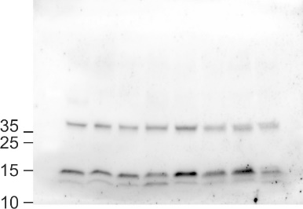


 |  |  |  |  |  |  |  |  |  |  |  |  |  |  |  |  |  |  |  |  |  | β-tubulin

 |  |  |  |  |  |  |  |  |  |  | ATG3

 |  |  |  |  |  |  |  |  |  |  | LC3I/II

 | LC3I/II quantification

 |  | wt | wt+starv | wt+chlo | wt+rapa | mut | mut+starv | mut+chlo | mut+rapa
 | Repl1 | 1.000 | 0.867 | 1.037 | 1.021 | 0.993 | 0.692 | 0.807 | 0.288 | LC3I/β-tubulin
 |  | 1.000 | 1.982 | 6.205 | 1.905 | 1.211 | 1.638 | 2.459 | 0.283 | LC3II/β-tubulin

 | Repl2 | 1.000 | 0.842 | 1.118 | 0.942 | 1.473 | 1.417 | 1.663 | 0.693 | LC3I/β-tubulin
 |  | 1.000 | 1.031 | 3.024 | 4.616 | 0.585 | 0.802 | 0.417 | 1.221 | LC3II/β-tubulin

 | Mean | 1.000* | 0.855 | 1.078 | 0.756 | 1.035* | 1.055 | 1.235 | 0.529 | LC3I/β-tubulin
 |  | 1.000* | 1.506 | 4.614 | 2.499 | 0.898* | 1.220 | 1.438 | 0.752 | LC3II/β-tubulin

 |  | *these averages come from 4 replicates (2 quantified here and 2 in SupplFig3e)

Fig4c
Fig. 4c | anti-HA (CHD6) |  |  | anti-tubulin

kDa | wt | mut |  | kDa | wt | mut
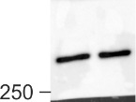
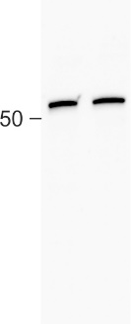

 |  |  | CHD6

 |  |  |  |  |  |  | tubulin

Fig4f
Fig. 4f | anti-BAF155 |  |  |  |  |  |  |  | anti-HA (CHD6) |  |  |  | anti-tubulin

kDa | wt 2x | wt 1x | wt 0.5x | mut 2x | mut 1x | mut 0.5x |  | kDa | wt input | mut input |  | kDa | wt input | mut input
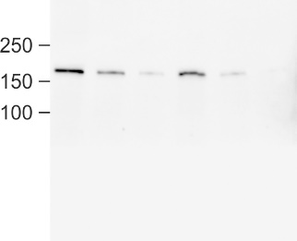
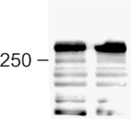
 |  |  |  |  |  |  |  |  |  |  |  |  |  |  | alpha-tubulin

 |  |  |  |  |  |  |  |  |  |  | CHD6

 |  |  |  |  |  |  | BAF155

SupplFig2f
Supplementary Fig.2f |  |  |  |  | anti-CHD6 (E-6)

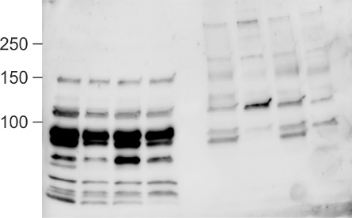
kDa | wt | het | X | X |  | wt | het | X | X
 |  |  |  |  |  |  |  |  |  | CHD6

 |  | soluble fraction |  |  |  |  |  | chromatin fraction

SupplFig3d
Supplementary Fig.3d |  |  | anti-ATG12/-5
 |  |  |  |  |  |  |  |  |  |  |  | anti-ATG7

 |  | wt | het | mutA | mutB | wt | het | mutA | mutB |  |  |  | wt | het | mutA | mutB | wt | het | mutA | mutB
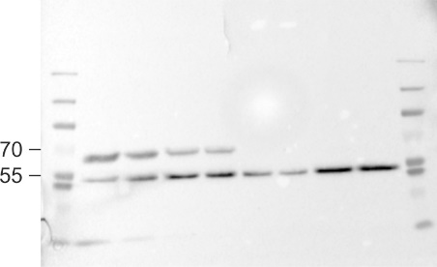
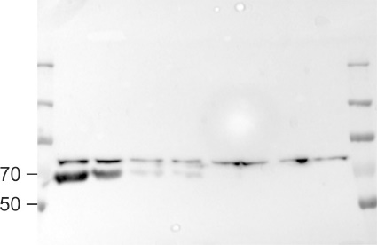

 |  |  |  |  |  |  |  |  |  | ATG12/-5

 |  |  |  |  |  |  |  |  |  |  |  |  |  |  |  |  |  |  |  |  | ATG7

 |  | +etoposide
 |  |  |  |  |  | +starvation |  |  |  |  |  |  | +etoposide
 |  |  |  |  |  |  |  |  |  |  |  |  |  |  |  |  | +starvation

 | anti-phospho-p53 |  |  |  |  |  |  |  |  |  |  | anti-p53

 |  | wt | het | mutA | mutB | wt | het | mutA | mutB |  |  |  | wt | het | mutA | mutB | wt | het | mutA | mutB
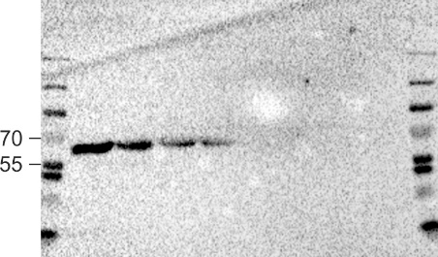
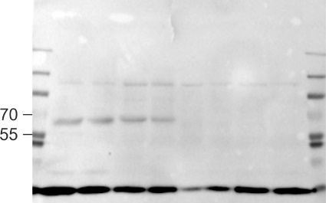

 |  |  |  |  |  |  |  |  |  | p-p53

 |  |  |  |  |  |  |  |  |  |  |  |  |  |  |  |  |  |  |  |  | p53

 |  | +etoposide
 |  |  |  |  |  | +starvation
 |  |  |  |  |  |  |  |  |  |  |  |  | +etoposide
 |  |  |  |  |  |  |  |  |  |  |  |  |  |  |  |  | +starvation

 | anti-phospho-CHK2 |  |  |  |  |  |  |  |  |  |  | anti-phospho-CHK1

 |  | wt | het | mutA | mutB | wt | het | mutA | mutB |  |  |  | wt | het | mutA | mutB | wt | het | mutA | mutB
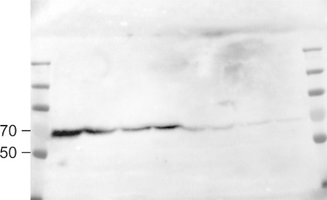
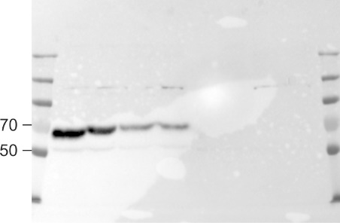

 |  |  |  |  |  |  |  |  |  | p-CHK2 |  |  |  |  |  |  |  |  |  |  | p-CHK1

 |  | +etoposide |  |  |  |  |  |  |  |  |  |  | +etoposide
 |  |  |  |  |  | +starvation |  |  |  |  |  |  |  |  |  |  | +starvation

 | anti-phospho-gammaH2A.X |  |  |  |  |  |  |  |  |  |  | anti-tubulin

kDa |  | wt | het | mutA | mutB | wt | het | mutA | mutB |  | kDa |  | wt | het | mutA | mutB | wt | het | mutA | mutB
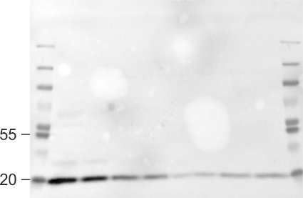
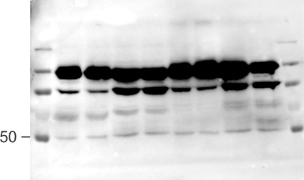

 |  |  |  |  |  |  |  |  |  |  |  |  |  |  |  |  |  |  |  |  | beta-tub

 |  |  |  |  |  |  |  |  |  | p-gH2AX

 |  | +etoposide |  |  |  |  |  |  |  |  |  |  | +etoposide
 |  |  |  |  |  | +starvation |  |  |  |  |  |  |  |  |  |  | +starvation

SupplFig3e
Supplementary Fig.3e |  | anti-LC3 |  |  |  |  |  |  |  |  |  |  | anti-beta-tubulin

 | kDa |  | X | wt | wt+baf | wt+rapa | X | mut | mut+baf | mut+rapa |  | kDa |  | X | wt | wt+baf | wt+rapa | X | mut | mut+baf | mut+rapa
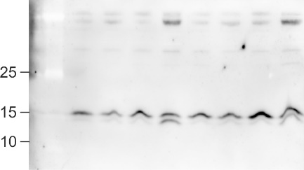


 |  |  |  |  |  |  |  |  |  |  |  |  |  |  |  |  |  |  |  |  |  | beta-tub

 |  |  |  |  |  |  |  |  |  |  | LC3I/II

 |  |  | LC3I/II quantification

 |  |  |  | wt | wt+baf | wt+rapa |  | mut | mut+baf | mut+rapa
 |  |  | Repl1 | 1.000 | 0.559 | 0.179 |  | 0.484 | 0.777 | 0.334 | LC3I/β-tubulin
 |  |  |  | 1.000 | 0.210 | 2.694 |  | 0.334 | 0.353 | 1.586 | LC3II/β-tubulin

 |  |  | Repl2 | 1.000 | 1.197 | 0.364 |  | 1.190 | 1.891 | 0.658 | LC3I/β-tubulin
 |  |  |  | 1.000 | 0.726 | 3.284 |  | 0.641 | 0.787 | 1.624 | LC3II/β-tubulin

 |  |  | Mean | 1.000* | 0.878 | 0.272 |  | 1.035* | 1.334 | 0.496 | LC3I/β-tubulin
 |  |  |  | 1.000* | 0.468 | 2.989 |  | 0.898* | 0.570 | 1.605 | LC3II/β-tubulin

 |  |  |  | *these averages come from 4 replicates (2 quantified here and 2 in Fig3a)

SupplFig3k
Supplementary Fig.3e |  | anti-PARP1 |  |  |  |  |  | anti-phospho-gammaH2A.X

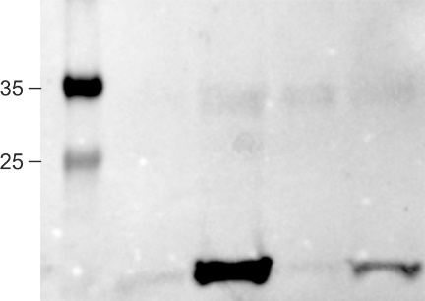
 | kDa | wt ctrl | wt+ETO | mut ctrl | mut+ETO |  | kDa |  | wt ctrl | wt+ETO | mut ctrl | mut+ETO
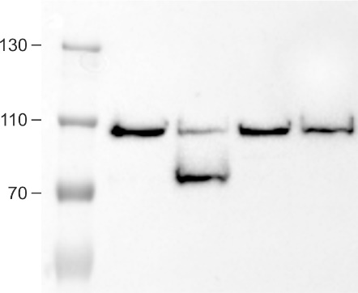

 |  |  |  |  |  | PARP1

 |  |  |  |  |  | cleaved
 |  |  |  |  |  |  |  |  |  |  |  |  | γH2A.X

SupplFig5e
Supplementary Fig.5e | REA assay

 | MfeI quantification |  |  | Hin6I quantification
 |  | time (min) | % DNA cut |  | time (min) | % DNA cut
 | WT | 2.50 | 13.901 | WT | 2.50 | 0.170
 |  | 5.00 | 30.187 |  | 5.00 | 6.880
 |  | 10.00 | 48.397 |  | 10.00 | 21.510
 |  | 20.00 | 64.967 |  | 20.00 | 37.860
 | Mut | 2.50 | 9.466 | Mut | 2.50 | 2.680
 |  | 5.00 | 25.927 |  | 5.00 | 7.560
 |  | 10.00 | 42.976 |  | 10.00 | 21.190
 |  | 20.00 | 60.529 |  | 20.00 | 40.910

 | Full scan of MfeI REA gel
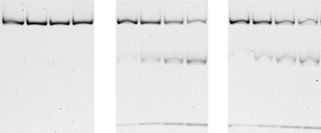
 |  |  |  |  |  |  | -uncut

 |  |  |  |  |  |  | -cut

 |  |  |  |  |  |  | -residual

SupplFig6b
Supplementary Fig.6b |  | anti-HA (CHD6) |  |  |  |  |  | anti-BAF155 |  |  |  |  |  |  | anti-BAF53

 | kDa | X | X | wt | mut |  | kDa |  | X | X | wt | mut |  | kDa |  | X | X | wt | mut
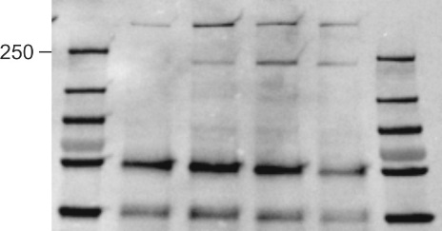
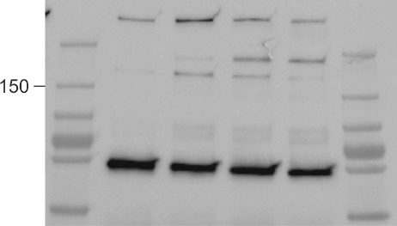
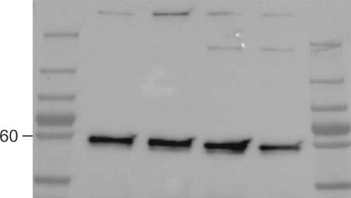
 |  |  |  |  |  | CHD6-HA

 |  |  |  |  |  |  |  |  |  |  |  |  | BAF155

 |  |  |  |  |  |  |  |  |  |  |  |  |  |  |  |  |  |  |  | BAF53

SupplFig6c
Supplementary Fig.6c |  | anti-HA (CHD6) |  |  | anti-BAF155 |  |  |  |  |  | anti-BAF53 |  |  |  | anti-tubulin

 | kDa | wt | mut |  | kDa | X | X | wt | mut |  | kDa | wt | mut |  | kDa | wt | mut
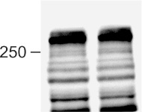
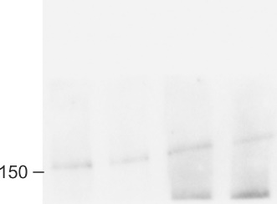
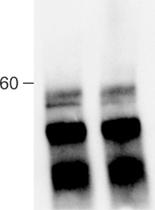
 |  |  |  |  |  |  |  |  |  |  |  |  |  |  |  |  |  | b-tubulin
 |  |  |  | CHD6-HA

 |  |  |  |  |  |  |  |  |  |  |  |  |  | BAF53

 |  |  |  |  |  |  |  |  |  | BAF155

