Supplementary Fig.1
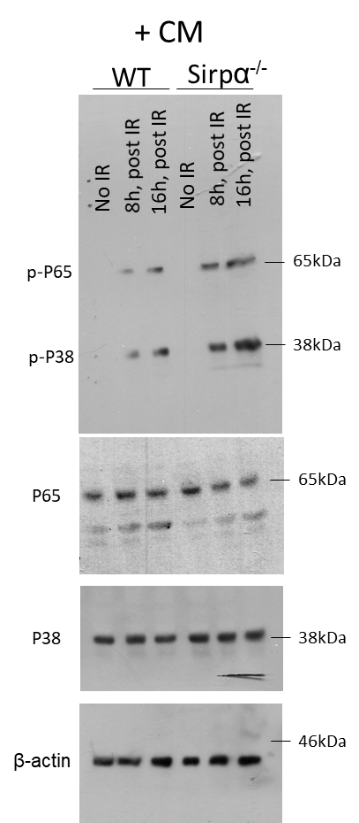
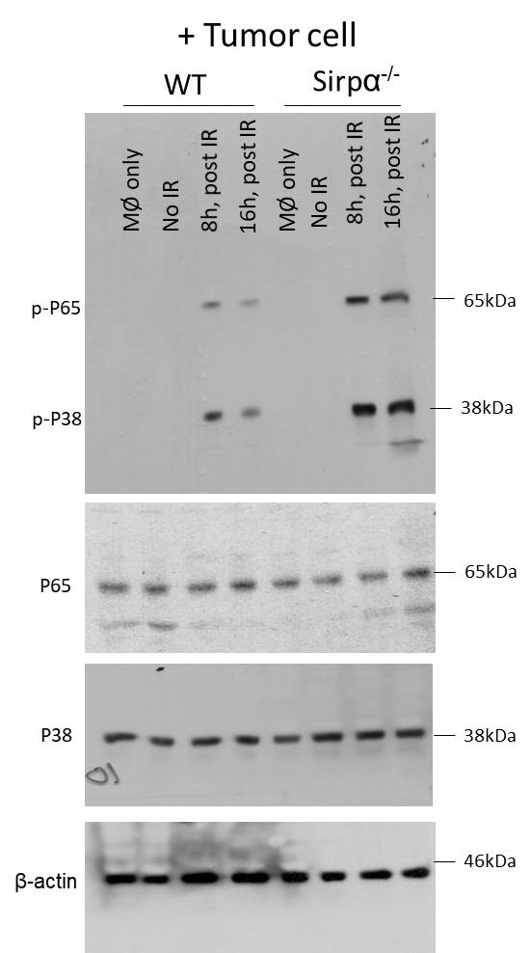
Supplementary Fig.1a
 | WT |  |  |  |  |  | Sirpα-/- |  |  |  |  |  | WT + αCD47 |  |  |  |  |  | WT + Sirpα-ex
Ctl | 6 | 3.2 | 2.8 | 4 | 0 | 4 | 3 | 8.2 | 4.2 | 4.9 | 5.5 | 3.4 | 2.3 | 3.8 | 4.3 | 3.4 | 1.9 | 1.2 | 1.1 | 2.7 | 3 | 2.5 | 5 | 2.1
LPS | 4 | 6.6 | 4.8 | 4.4 | 7 | 1.8 | 50.9 | 73.4 | 66.4 | 59.3 | 62.3 | 76.1 | 11.5 | 23 | 19.4 | 26.4 | 16 | 30 | 19.2 | 18.8 | 27.4 | 34.4 | 22.6 | 26.9
CpG | 3.1 | 3.1 | 6.6 | 4.1 | 7.4 | 7.4 | 80.7 | 52.8 | 60.8 | 50.4 | 57 | 72.8 | 14.1 | 21.6 | 11.4 | 30.3 | 27.4 | 25.8 | 17.2 | 25.1 | 23.7 | 31.9 | 24.4 | 22.4
HMGB1 | 10 | 2.7 | 7.5 | 4.8 | 6.6 | 9.3 | 42.6 | 54.7 | 62.9 | 77.5 | 49.3 | 60.1 | 12.4 | 19.6 | 26.9 | 31.1 | 24.8 | 28.9 | 16.3 | 25.2 | 17.2 | 18.7 | 24.9 | 22.7
IL-1β | 3.3 | 4.3 | 5.9 | 1 | 9.3 | 6.9 | 61.2 | 43.6 | 47.5 | 55.8 | 70.9 | 67.6 | 26.5 | 21.5 | 16.6 | 18.4 | 20.5 | 11.9 | 14 | 29.6 | 33.9 | 17.6 | 18.3 | 21.5
IL-6 | 10 | 6.9 | 7 | 3 | 10.8 | 7.2 | 53.4 | 50 | 47.9 | 65.9 | 52.1 | 57.9 | 14.6 | 19.6 | 26.6 | 18.9 | 28.9 | 24.6 | 25 | 20.2 | 19.8 | 30 | 14.2 | 16.2

Supplementary Fig.1b
 | WT |  |  |  |  |  | Sirpα-/- |  |  |  |  |  | WT + αCD47 |  |  |  |  |  | WT + Sirpα-ex
-IR | 4.4 | 2.3 | 1.3 | 4 | 2.7 | 4.7 | 2.8 | 3 | 5.6 | 2.1 | 6.7 | 4.1 | 2 | 1.7 | 4.9 | 1.8 | 3 | 2.5 | 2.2 | 3.2 | 4.2 | 2 | 2 | 2.4
IR, 8Gy | 8 | 16.6 | 9.2 | 15.9 | 14.8 | 10.3 | 78.5 | 60.2 | 89 | 72.6 | 79.4 | 84.7 | 30 | 32 | 25.4 | 26.6 | 17.4 | 35 | 31.1 | 25 | 27.1 | 35.5 | 36.4 | 21

Supplementary Fig.1d
 | WT |  |  |  |  |  | Sirpα-/-
-IR | 2.6 | 4 | 2.8 | 3.8 | 2 | 3.8 | 4.2 | 5.6 | 2.1 | 3.5 | 8 | 4.3
IR, 8Gy | 1.7 | 4.3 | 3 | 4 | 4.5 | 2.4 | 19 | 22.9 | 31.6 | 19 | 21.2 | 20

Supplementary Fig.1e

