Figure 2a
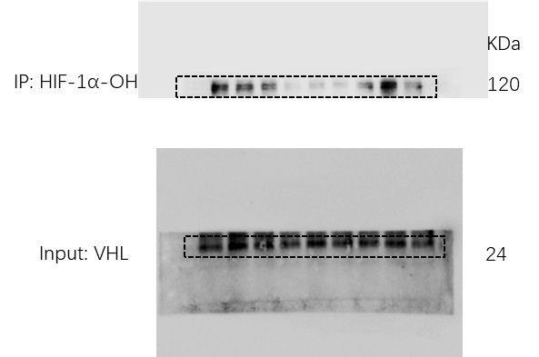
Figure 2a

Figure 2b

Figure 2b

Figure 3a
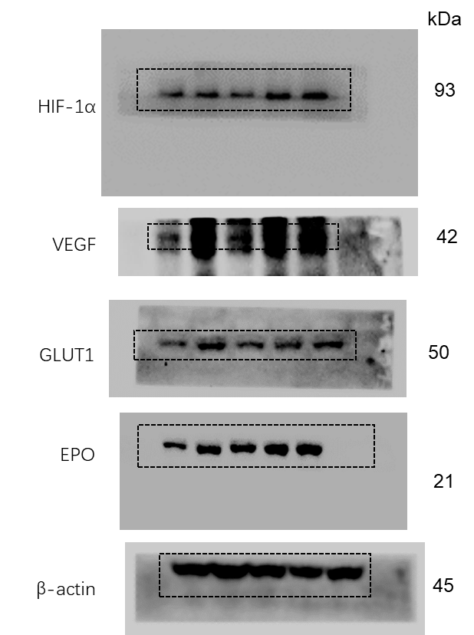
Figure 3a

Figure 3b
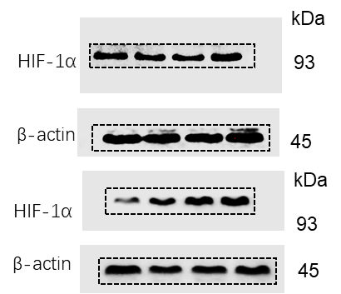
Figure 3b

Figure 3c
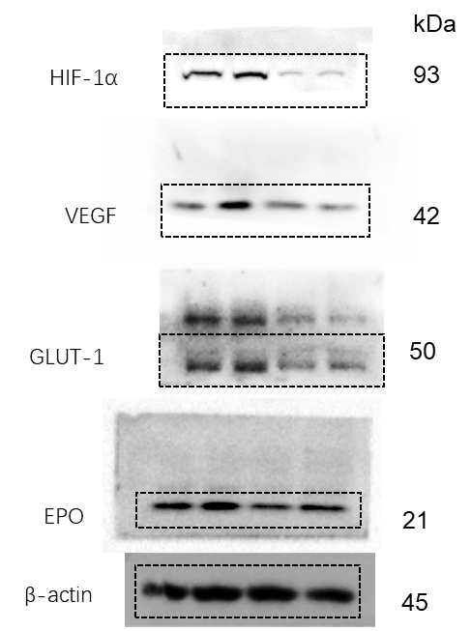
Figure 3c

Figure 5a
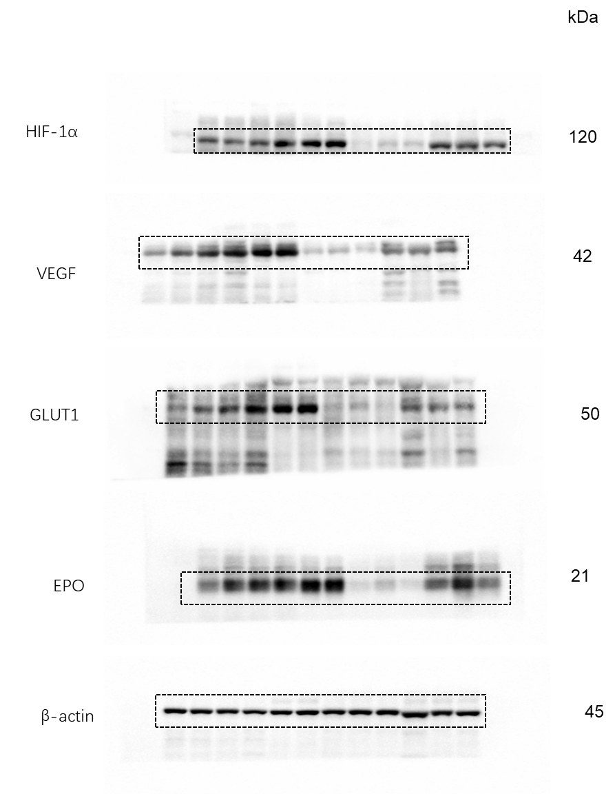
Figure 5a | Figure 5a

Supplementary Figure 5a
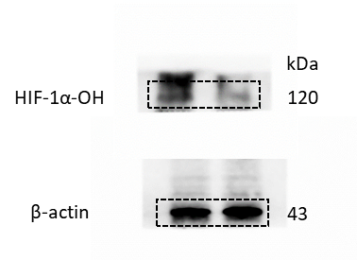
Supplementary Figure 5a

Supplementary Figure 5b
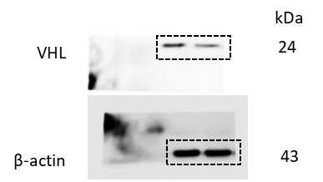
Supplementary Figure 5b

Supplementary Figure 6b
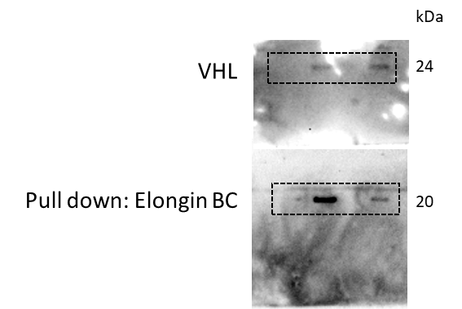
Supplementary Figure 6b

Supplementary Figure 7c
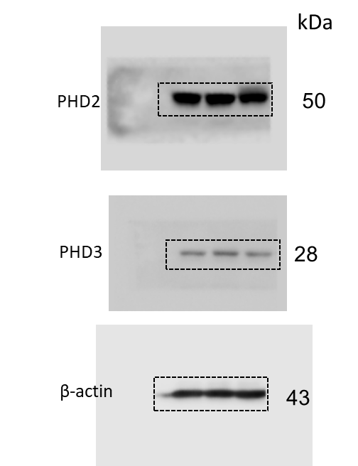
Supplementary Figure 7c

Supplementary Figure 8a
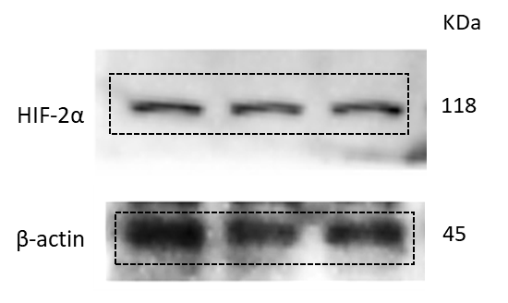
Supplementary Figure 8a

Supplementary Figure 8b
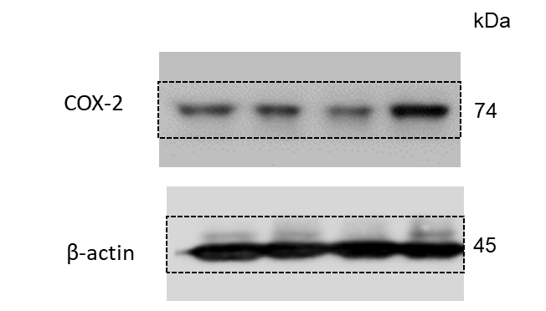
Supplementary Figure 8b

Supplementary Figure 14a
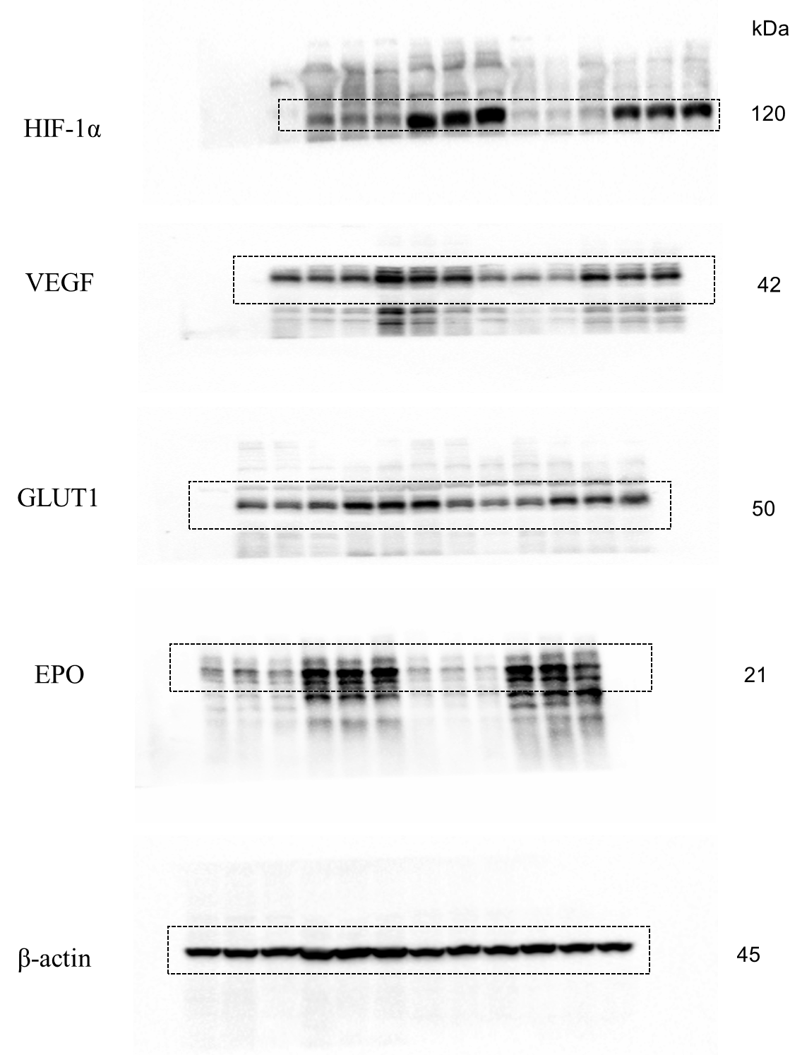
Supplementary Figure 14a

Supplementary Figure 15a
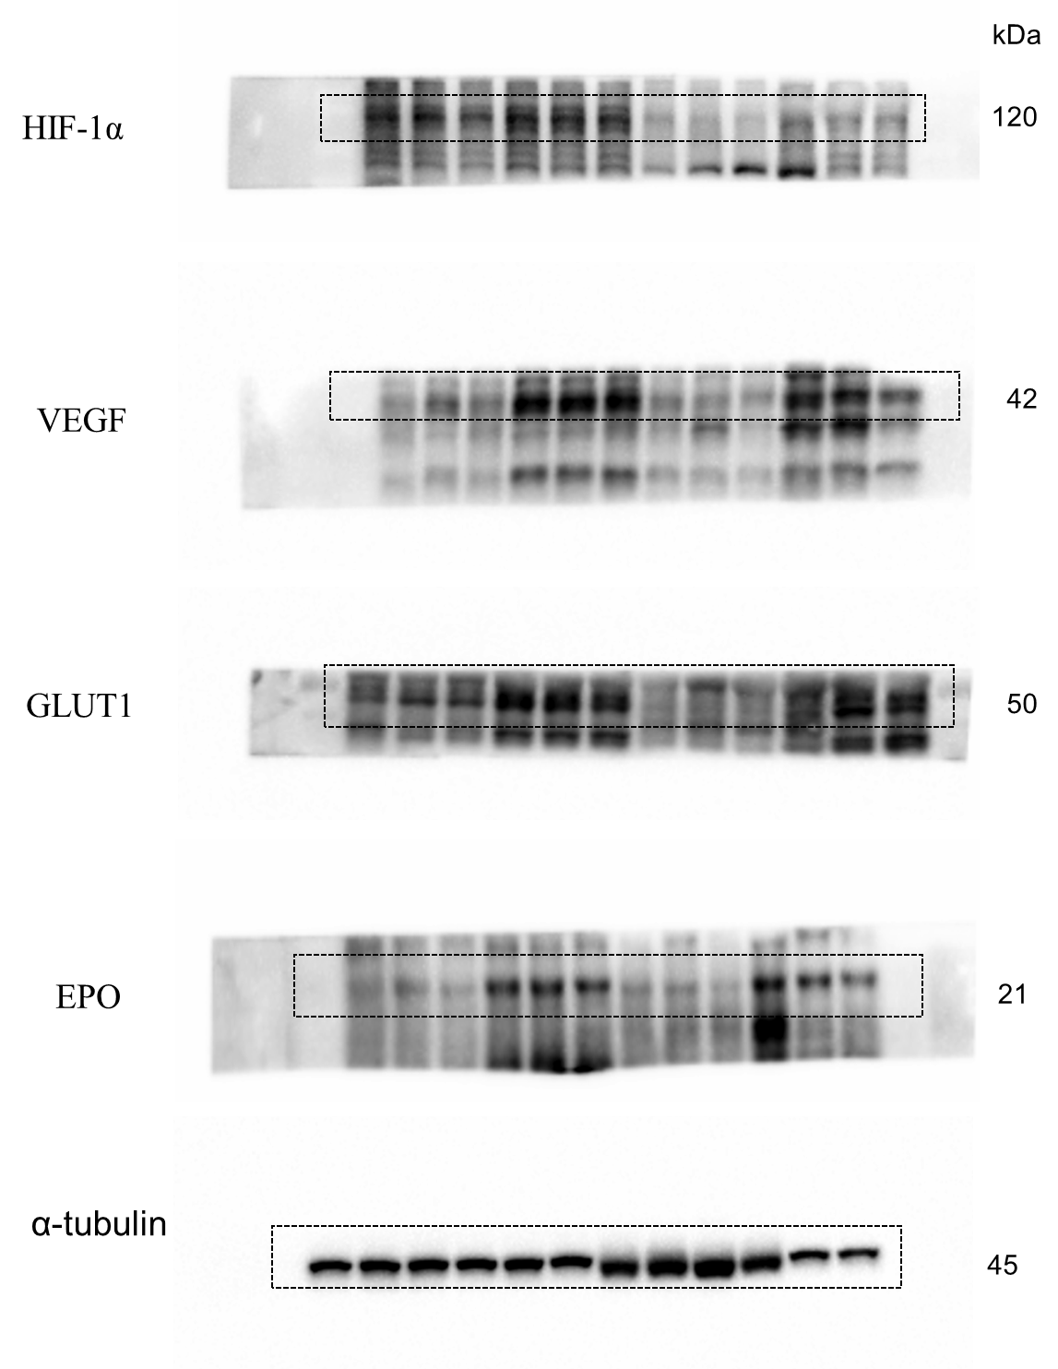
Supplementary Figure 15a

