Fig1e
Figure 1e. Immunoblotting analyses of nine ESCC cell lines and Het-1 immortalized normal cells.

KYSE-450
KYSE-410
KYSE-180
KYSE-150
KYSE-140
KYSE-70
KYSE-30
anti-METTL3
Het-1a
TE-1
TE-10
100

70

55

KYSE-450
KYSE-410
KYSE-180
KYSE-150
KYSE-140
KYSE-70
KYSE-30
anti-Tubulin
Het-1a
TE-1
TE-10
70

55
40

METTL3 expression levels were quantified and normalized to tubulin expression levels.
 |  | METTL3 | Tubulin | Mettl3/Tubulin
 | Het-1a | 227282 | 719530 | 0.315875641
 | TE-1 | 415238 | 901950 | 0.46037807
 | Kyse510 | 661363 | 766080 | 0.86330801
 | Kyse450 | 735975 | 760104 | 0.96825566
 | Kyse410 | 530404 | 916009 | 0.579037979
 | Kyse180 | 724409 | 772222 | 0.938083867
 | Kyse150 | 682610 | 830835 | 0.821595142
 | Kyse140 | 543999 | 794382 | 0.684807813
 | Kyse70 | 391582 | 658402 | 0.594746067
 | Kyse30 | 196489 | 713870 | 0.275244792

Fig2a
Figure 2a.KYSE180 cells with or without METTL3 depletion.

shControl
shMETTL3#1
shMETTL3#2
100
anti-METTL3

70
55

shControl
shMETTL3#1
shMETTL3#2
anti-Tubulin
70
55

40

The cell proliferation assays
KYSE180 |  | shControl |  |  | shMETTL3#1 |  |  | Student's T test, unpaired, two-sided | shMETTL3#2 |  |  | Student's T test, unpaired, two-sided
 | Time(h) | N1 | N2 | N3 | N1 | N2 | N3 |  | N1 | N2 | N3
 | 0 | 0.1241 | 0.1200 | 0.1114 | 0.1034 | 0.1179 | 0.1137 |  | 0.1259 | 0.1026 | 0.1178
 | 24 | 0.0901 | 0.1243 | 0.1298 | 0.1359 | 0.1081 | 0.1217 |  | 0.1121 | 0.1352 | 0.1393
 | 48 | 0.2062 | 0.2281 | 0.2013 | 0.1323 | 0.1266 | 0.1293 |  | 0.1206 | 0.1376 | 0.1416
 | 72 | 0.2864 | 0.3156 | 0.2884 | 0.1410 | 0.1322 | 0.1489 |  | 0.1542 | 0.1477 | 0.1471
 | 96 | 0.3943 | 0.4233 | 0.3963 | 0.1852 | 0.1672 | 0.1715 |  | 0.1985 | 0.1984 | 0.2083
 | 120 | 0.6446 | 0.7212 | 0.618 | 0.2157 | 0.2321 | 0.2208 |  | 0.276 | 0.27 | 0.2792
 | 144 | 0.834 | 0.9184 | 1.0047 | 0.2954 | 0.2949 | 0.2794 | 0.0002 | 0.3852 | 0.3767 | 0.3896 | 0.0004

Fig2c
Figure 2c. KYSE180 cells with or without METTL3 depletion or with reconstituted expression of an RNAi-resistant (r) METTL3

shControl
shMETTL3
FLAG-rMETTL3
100
anti-METTL3

70
55

FLAG-rMETTL3
shControl
shMETTL3
70
anti-Tubulin
55

40

 |  | Control |  |  | shMETTL3 |  |  | Student's T test, unpaired, two-sided | rMETTL3 |  |  | Student's T test, unpaired, two-sided
 | Time(h) | N1 | N2 | N3 | N1 | N2 | N3 |  | N1 | N2 | N3
 | 0 | 0.1077 | 0.1171 | 0.1147 | 0.1086 | 0.1168 | 0.1082 |  | 0.1101 | 0.1123 | 0.1084
 | 24 | 0.1248 | 0.112 | 0.125 | 0.1264 | 0.1102 | 0.1119 |  | 0.1264 | 0.1303 | 0.1377
 | 48 | 0.2007 | 0.1977 | 0.2008 | 0.1104 | 0.128 | 0.1273 |  | 0.2576 | 0.2231 | 0.2073
 | 72 | 0.3022 | 0.2796 | 0.2501 | 0.1661 | 0.1561 | 0.1506 |  | 0.3153 | 0.3223 | 0.3119
 | 96 | 0.41 | 0.3541 | 0.4027 | 0.2459 | 0.237 | 0.2384 |  | 0.4233 | 0.4764 | 0.4269
 | 120 | 0.6164 | 0.5582 | 0.6271 | 0.3136 | 0.2497 | 0.28 |  | 0.6981 | 0.6387 | 0.6954
 | 144 | 0.9652 | 0.9904 | 0.9528 | 0.4983 | 0.5286 | 0.4501 | 0.000047 | 1.1136 | 0.8701 | 1.1656 | 0.430861

Fig2d
Figure 2b. Colony formation assays in KYSE180 cells with or without METTL3 depletion or with reconstituted expression of an RNAi-resistant (r) METTL3.

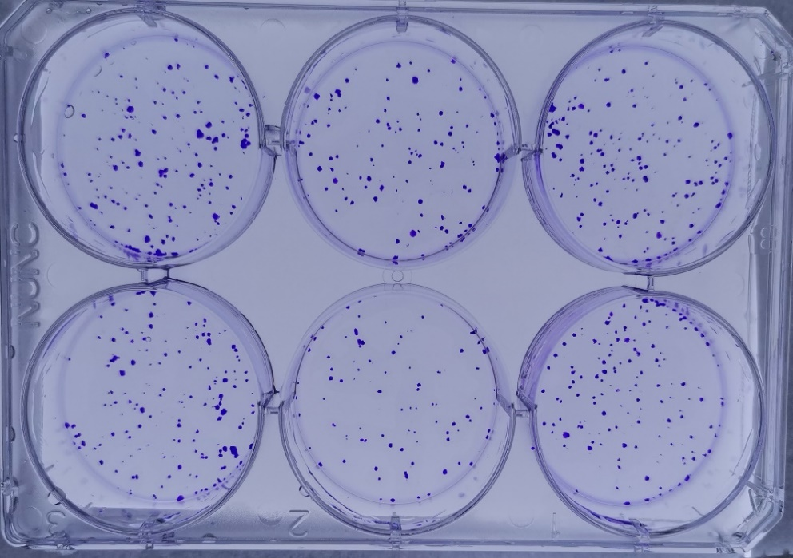

 |  | shControl |  | shMETTL3 |  | rMETTL3

KYSE180
 |  | Control |  |  | shMETTL3 |  |  | rMETTL3
 |  | replication 1 | replication 2 | replication 3 | replication 1 | replication 2 | replication 3 | replication 1 | replication 2 | replication 3
 | Data 1 | 253 | 272 | 309 | 120 | 103 | 122 | 248 | 278 | 309

 | Student's T test, unpaired, two-sided |  |  |  |  | 0.000741 |  |  | 0.989623

Fig2e
Figure 2e. KYSE450 cells expressing the METTL3 expression-inducible Tet-on lentiviral vector were treated with or without the indicated dosages of tetracycline, followed by immunoblotting analyses.

130
anti-METTL3
Tetracycline 0 1 2
100
(μg/ml)
70
55

Tetracycline 0 1 2
(μg/ml)
anti-Tubulin
70
55
40

The cell proliferation assays
Tetracycline |  | 0 |  |  | Average | STD | 1 |  |  | Average | STD | Student's T test, unpaired, two-sided | 2 |  |  | Average | STD | Student's T test, unpaired, two-sided
(μg/ml) | Time(h) | N1 | N2 | N3 | 0 |  | N1 | N2 | N3 | 1 |  |  | N1 | N2 | N3 | 2
 | 0 | 0.1335 | 0.1435 | 0.1561 | 0.14436666667 | 0.011324898822 | 0.1321 | 0.1474 | 0.1349 | 0.13813333333 | 0.0081463693345 | 0.48218017473 | 0.1496 | 0.1415 | 0.1452 | 0.14543333333 | 0.0040550380187 | 0.23703144822
 | 24 | 0.1841 | 0.218 | 0.1897 | 0.19726666667 | 0.24126961635 | 0.322 | 0.2948 | 0.3151 | 0.31063333333 | 0.014139424788 | 0.0010375119294 | 0.4494 | 0.3539 | 0.3994 | 0.4009 | 0.047767666889 | 0.034899678164
 | 48 | 0.2685 | 0.3224 | 0.2875 | 0.2928 | 0.027338068696 | 0.5784 | 0.4693 | 0.4912 | 0.51296666667 | 0.05771519153 | 0.0039514210361 | 0.6493 | 0.5815 | 0.5838 | 0.60486666667 | 0.038497575681 | 0.083454525957
 | 72 | 0.4154 | 0.4601 | 0.4482 | 0.44123333333 | 0.023150017999 | 0.7316 | 0.6962 | 0.7417 | 0.72316666667 | 0.023893583518 | 0.00012536076911 | 0.7693 | 0.8795 | 0.8837 | 0.84416666667 | 0.064870434971 | 0.038719169504
 | 96 | 0.6032 | 0.6736 | 0.6863 | 0.65436666667 | 0.044764308699 | 1.0198 | 0.8328 | 1.0681 | 0.97356666667 | 0.12427655987 | 0.013857008206 | 1.3978 | 1.2287 | 1.1914 | 1.2726333333 | 0.10999019653 | 0.035484147855
 | 120 | 1.0092 | 0.9902 | 1.0806 | 1.0266666667 | 0.047663962627 | 1.4096 | 1.4117 | 1.4117 | 1.411 | 0.0012124355653 | 0.00015264759666 | 1.8837 | 1.8456 | 1.7814 | 1.8369 | 0.0517019342 | 0.00014030885914
 | 144 | 1.4296 | 1.4021 | 1.5125 | 1.4480666667 | 0.05747002117 | 1.7654 | 1.8177 | 1.8529 | 1.812 | 0.044027604977 | 0.00095814407806 | 2.3029 | 2.3318 | 2.1975 | 2.2774 | 0.070688117813 | 0.00063744053317

Fig2f
Figure 2f. Colony formation assays.
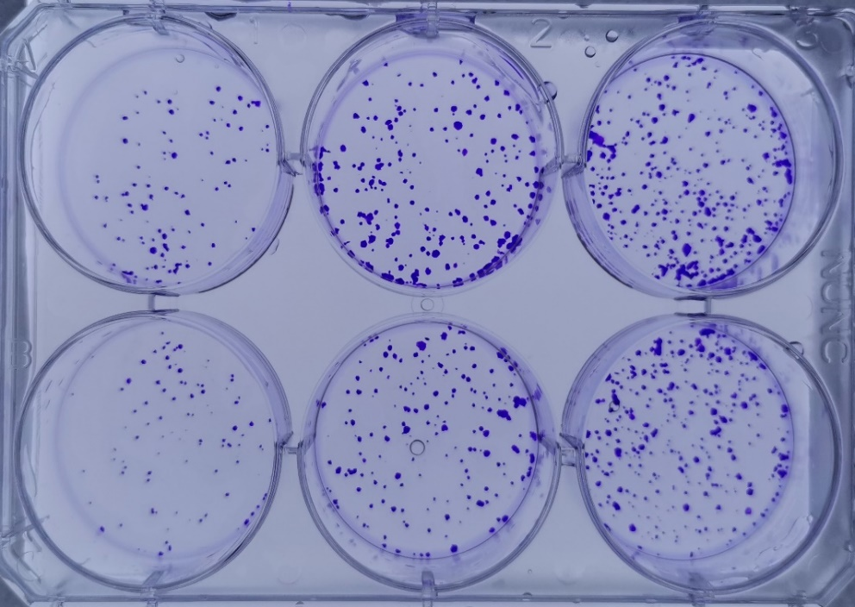

Tetracycline |  | 0 |  | 1 |  | 2
(μg/ml)
KYSE450
 | Tetracycline | 0 |  |  | 1 |  |  | 2
 | (μg/ml) | replication 1 | replication 2 | replication 3 | replication 1 | replication 2 | replication 3 | replication 1 | replication 2 | replication 3
 | Data 1 | 108 | 85 | 92 | 243 | 228 | 199 | 309 | 287 | 285

 | Student's T test, unpaired, two-sided |  |  |  |  | 0.000924 |  |  | 0.00945

Fig2g
Figure 2g. KYSE450 cells with or without expressing WT METTL3 or an inactive METTL3 mutant were analyzed by immunoblotting analyses.
Control
METTL3-WT
METTL3-Mut
100
anti-METTL3

70

55

Control
METTL3-WT
METTL3-Mut
anti-Tubulin
70

55
40

The cell proliferation assays
 | 0 |  |  | Average | STD | 1 |  |  | Average | STD | Student's T test, unpaired, two-sided | 2 |  |  | Average | STD | Student's T test, unpaired, two-sided
Time(h) | N1 | N2 | N3 | Control |  | N1 | N2 | N3 | METTL3-WT |  |  | N1 | N2 | N3 | METTL3-Mut
0 | 0.1422 | 0.1442 | 0.1156 | 0.134 | 0.015966214329 | 0.1556 | 0.1272 | 0.1367 | 0.13983333333 | 0.01445694758 |  | 0.1312 | 0.1479 | 0.1406 | 0.1399 | 0.0083719770664
24 | 0.2017 | 0.1926 | 0.2134 | 0.20256666667 | 0.24126961635 | 0.4208 | 0.4474 | 0.3338 | 0.40066666667 | 0.059415935012 |  | 0.2086 | 0.2166 | 0.2125 | 0.21256666667 | 0.004000416645
48 | 0.2975 | 0.3128 | 0.3173 | 0.3092 | 0.010379306335 | 0.6723 | 0.6349 | 0.5592 | 0.62213333333 | 0.057620684943 |  | 0.3766 | 0.3249 | 0.3469 | 0.34946666667 | 0.02594539137
72 | 0.4245 | 0.434 | 0.4305 | 0.42966666667 | 0.0048045117685 | 0.9845 | 1.0021 | 0.9445 | 0.97703333333 | 0.029517000751 |  | 0.5309 | 0.4893 | 0.6012 | 0.54046666667 | 0.056560086044
96 | 0.6127 | 0.7235 | 0.5751 | 0.6371 | 0.077150243033 | 1.3809 | 1.2077 | 1.3172 | 1.3019333333 | 0.087603443616 |  | 0.7152 | 0.8425 | 0.7425 | 0.76673333333 | 0.067020618718
120 | 1.0984 | 1.0949 | 0.8993 | 1.0308666667 | 0.11395351391 | 1.973 | 1.6413 | 1.5437 | 1.7193333333 | 0.22503671552 |  | 1.1837 | 1.1449 | 1.0524 | 1.127 | 0.067455392668
144 | 1.5724 | 1.4488 | 1.5444 | 1.5218666667 | 0.064807818458 | 2.1606 | 2.3403 | 2.3059 | 2.2689333333 | 0.09538303483 | 0.000359 | 1.5407 | 1.8232 | 1.7117 | 1.6918666667 | 0.14229048926 | 0.132787

Fig2h
Figure 2h. Colony formation assays in KYSE450 cells with or without expressing WT METTL3 or an inactive METTL3 mutant.
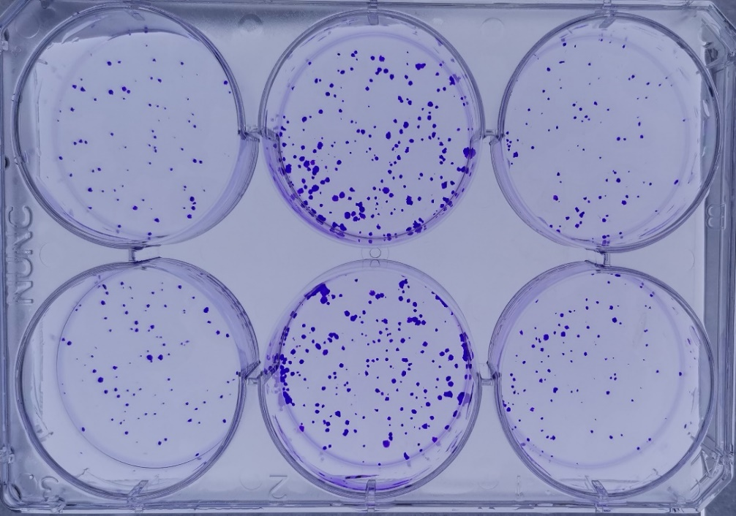

 |  | Control |  | METTL3-WT |  | METTL3-Mut

KYSE450
 |  | Control |  |  | METTL3-WT |  |  | METTL3-Mut
 |  | replication 1 | replication 2 | replication 3 | replication 1 | replication 2 | replication 3 | replication 1 | replication 2 | replication 3
 | Data 1 | 55 | 62 | 43 | 202 | 224 | 186 | 63 | 71 | 51

 | Student's T test, unpaired, two-sided |  |  |  |  | 0.000258 |  |  | 0.358236

Fig4b
Figure 4b. The relative mRNA expression levels of APC in KYSE450 cells with or without METTL3 depletion.

Cell | ACTB | APC | △Ct | RQ | Standardized | Average | STD | Student's T test, unpaired, two-sided
shControl | 17.5645 | 22.2525 | 4.688 | 0.03879460911 | 0.80521161674
shControl | 17.067 | 21.674 | 4.607 | 0.04103503517 | 0.85171336352 | 1 | 0.29802005803
shControl | 18.2163 | 22.1662 | 3.9499 | 0.064708542839 | 1.3430750197
shMETTL3#1 | 17.5848 | 20.9054 | 3.3206 | 0.10009209891 | 2.0774876364
shMETTL3#1 | 17.396 | 20.1451 | 2.7491 | 0.14874365156 | 3.0872876128 | 2.6758008765 | 0.5301906308 | 0.00882499989
shMETTL3#1 | 18.0578 | 20.9159 | 2.8581 | 0.13791965731 | 2.8626273802
shMETTL3#2 | 17.053 | 20.2988 | 3.2458 | 0.10541850188 | 2.1880411809
shMETTL3#2 | 17.4 | 20.9183 | 3.5183 | 0.08727425822 | 1.8114436045 | 2.032022569 | 0.19642419147 | 0.0074479740312
shMETTL3#2 | 17.1864 | 20.4938 | 3.3074 | 0.10101209822 | 2.0965829217

The relative protein expression levels of APC in KYSE450 cells with or without METTL3 depletion.

shControl
shMETTL3#1
shMETTL3#2
anti-APC

170
130

shControl
shMETTL3#1
shMETTL3#2
anti-METTL3
100

70
55

shControl
shMETTL3#1
shMETTL3#2
anti-Tubulin
70
55
40

Fig4c
Figure 4c. The relative mRNA expression levels of APC in KYSE450 cells with or without METTL3 depletion or with reconstituted expression of Flag-rMETTL3.

Cell | ACTB | APC | △Ct | RQ | △Ct | RQ | STD | Student's T test, unpaired, two-sided
Control | 18.4054 | 22.4966 | 4.0912 | 0.058671350067 | 4.688 | 0.03879460911
Control | 18.2222 | 22.865 | 4.6428 | 0.04002929452 | 4.607 | 0.04103503517 | 0.18866743093
Control | 18.0602 | 22.3053 | 4.2451 | 0.052734831831 | 3.9499 | 0.064708542839
shMETTL3 | 18.176 | 21.2815 | 3.1055 | 0.11618534408 | 3.3206 | 0.10009209891
shMETTL3 | 17.7766 | 20.8801 | 3.1035 | 0.11634652286 | 2.7491 | 0.14874365156 | 0.095457173678 | 0.00037115333701
shMETTL3 | 17.861 | 20.8655 | 3.0045 | 0.12461071215 | 2.8581 | 0.13791965731
rMETTL3 | 18.5356 | 22.8922 | 4.3566 | 0.048812687663 | 3.2458 | 0.10541850188
rMETTL3 | 18.1065 | 22.5184 | 4.4119 | 0.046977052278 | 3.5183 | 0.08727425822 | 0.12445237515 | 0.88618086288
rMETTL3 | 18.2263 | 22.3178 | 4.0915 | 0.058659150971 | 3.3074 | 0.10101209822

The relative protein expression levels of APC in KYSE450 cells with or without METTL3 depletion or with reconstituted expression of Flag-rMETTL3.
FLAG-rMETTL3
Control
shMETTL3
anti-APC

170

130
100

Control
shMETTL3
FLAG-rMETTL3
100
anti-METTL3

70

55

Control
shMETTL3
FLAG-rMETTL3
anti-Tubulin
70

55

40

Fig4d
Figure 4d. KYSE450 cells were transfected with or without a plasmid expressing METTL3.

Control
METTL3-OE
anti-APC

170
130

100

Control
METTL3-OE
130
anti-METTL3
100

70

Control
METTL3-OE
anti-Tubulin
70

55

40

Fig4e
Figure 4e. KYSE450 cells expressing the METTL3 expression-inducible Tet-on lentiviral vector were treated with or without the indicated dosages of tetracycline.
Tetracycline 0 1 2
(μg/ml)
100
anti-METTL3

70

55

Tetracycline 0 1 2
(μg/ml)
anti-APC

170

130

Tetracycline 0 1 2
(μg/ml)
70
anti-Tubulin

55

40

Fig4f
Figure 4f. KYSE450 cells were transfected with or without plasmids expressing WT METTL3, an inactive METTL3 mutant.

Control
METTL3-WT
METTL3-Mut
anti-APC

170
130
100
70

130

Control
METTL3-WT
METTL3-Mut
anti-METTL3
100
70

Control
METTL3-WT
METTL3-Mut
anti-Tubulin
70
55

40

Fig4g
Figure 4g. KYSE450 cells were transfected with or without plasmids expressing WT METTL3, or METTL3 and METTL14 shRNA.
Control
METTL3-OE
METTL3+
shMETTL14
anti-APC

170
130

100

METTL3+
shMETTL14
Control
METTL3-OE
anti-METTL3
100
70
55
40

METTL3-OE
METTL3+
shMETTL14
130
Control
100
anti-METTL14

70
55

40

METTL3+
shMETTL14
Control
METTL3-OE
100
anti-Tubulin
70

55
40

Fig5d
Figure 5d. KYSE450 cells were transfected with or without YTHDF2 shRNA. Immunoblotting analyses were performed.

shControl
shYTHDF2#1
shYTHDF2#2
anti-APC

170
130
100

shControl
shYTHDF2#1
shYTHDF2#2
anti-YTHDF2

100
70
55

shControl
shYTHDF2#1
shYTHDF2#2
anti-Tubulin
70
55

40

Fig5f
sIControl
sIYTHDF2
sIYTHDF1-3
Figure 5f. KYSE180 cells were transfected with or without a YTHDF2 siRNA or combination of YTHDF1-3 siRNAs. Immunoblotting analyses were performed.
anti-APC

170
130
100

sIControl
sIYTHDF2
sIYTHDF1-3
anti-YTHDF1
100
70
55

40

sIControl
sIYTHDF2
sIYTHDF1-3
anti-YTHDF2
100
70

55

sIControl
sIYTHDF2
sIYTHDF1-3
anti-YTHDF3
100
70

55

sIControl
sIYTHDF2
sIYTHDF1-3
anti-Tubulin
70
55

40

Fig6a
Figure 6a. Immunoblotting analyses of KYSE180 cells with or without METTL3 shRNA expression or combined METTL3 shRNA and APC shRNA expression.
shMETTL3
+ shAPC
shControl
shMETTL3
anti-APC

130
170

100

shMETTL3
+ shAPC
shControl
shMETTL3
anti-β-catenin
130
100
70
55

shMETTL3
+ shAPC
shControl
shMETTL3
130
anti-cyclin D1
100
70

55

shMETTL3
+ shAPC
shControl
shMETTL3
100
anti-c-Myc
70

55

shControl
shMETTL3
shMETTL3
+ shAPC
130
anti-PKM2
100
70

55

shMETTL3
+ shAPC
shControl
shMETTL3
100
anti-METTL3

70
55

shControl
shMETTL3
shMETTL3
+ shAPC
anti-Tubulin
70
55

40

S Fig2a
 | Supplementary Figure 2a. WB and cell counting were performed in KYSE450 cells with or without METTL3 depletion.

shControl
shMETTL3#1
shMETTL3#2
 | anti-METTL3
100

70

55

shControl
shMETTL3#1
shMETTL3#2
 | anti-Tubulin
70

55
40
30

 | 0 |  |  | Average | STD | 1 |  |  | Average | STD | Student's T test, unpaired, two-sided | 2 |  |  | Average | STD | Student's T test, unpaired, two-sided
Time(h) | N1 | N2 | N3 | shControl |  | N1 | N2 | N3 | shMETTL3#1 |  |  | N1 | N2 | N3 | shMETTL3#2
0 | 0.1351 | 0.1594 | 0.1772 | 0.15723333333 | 0.021133464774 | 0.1429 | 0.1546 | 0.1467 | 0.14806666667 | 0.0059685285736 | 0.50969525756 | 0.1548 | 0.1435 | 0.1341 | 0.14413333333 | 0.010364522822 | 0.38965421021
24 | 0.2515 | 0.2726 | 0.2294 | 0.25116666667 | 0.24126961635 | 0.1672 | 0.1592 | 0.154 | 0.16013333333 | 0.0066493107412 | 0.0022204238419 | 0.1676 | 0.1542 | 0.1615 | 0.1611 | 0.0067089492471 | 0.0023177023769
48 | 0.3882 | 0.3709 | 0.3634 | 0.37416666667 | 0.012718621519 | 0.2261 | 0.2205 | 0.2279 | 0.22483333333 | 0.0038591881702 | 4.110881934E-05 | 0.2314 | 0.2772 | 0.2574 | 0.25533333333 | 0.022969835292 | 0.0014300932288
72 | 0.6285 | 0.6126 | 0.6011 | 0.61406666667 | 0.013758754789 | 0.309 | 0.3355 | 0.3488 | 0.3311 | 0.020261539922 | 3.6798770156E-05 | 0.344 | 0.3945 | 0.3722 | 0.37023333333 | 0.025307377054 | 0.00012592091431
96 | 1.014 | 1.0725 | 1.0706 | 1.0523666667 | 0.033240086241 | 0.6376 | 0.5863 | 0.5459 | 0.58993333333 | 0.045957843001 | 0.00014596225376 | 0.7121 | 0.6774 | 0.6227 | 0.67073333333 | 0.045071313863 | 0.00029489279318
120 | 1.6369 | 1.5665 | 1.6044 | 1.6026 | 0.035234500138 | 0.9113 | 1.0268 | 0.8431 | 0.92706666667 | 0.092859373966 | 0.00029708337433 | 1.0393 | 1.0034 | 1.0088 | 1.0171666667 | 0.019357255315 | 1.4670249615E-05

S Fig. 2b
Supplementary Figure 2b.The stained colony numbers were counted.
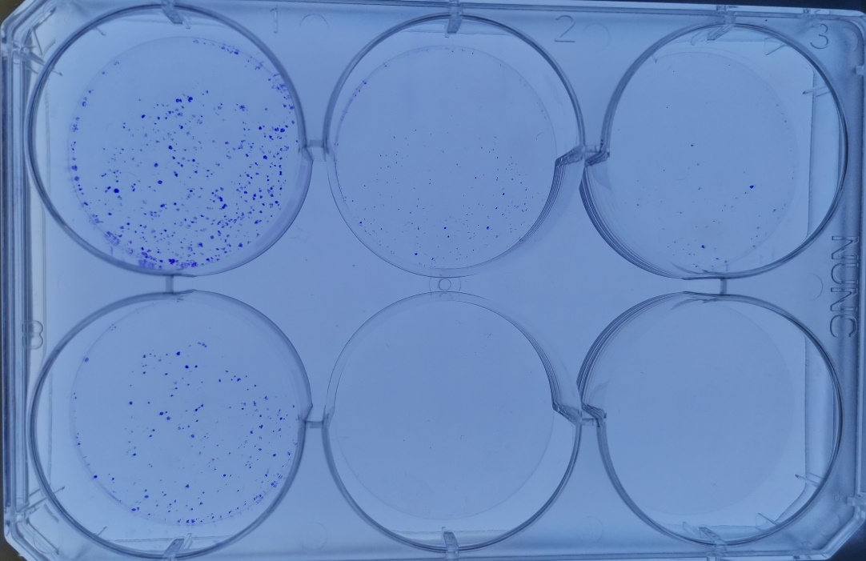



 |  | shControl |  | shMETTL3#1 |  | shMETTL3#2

KYSE450
 |  | shControl |  |  | shMETTL3#1 |  |  | shMETTL3#2
 |  | replication 1 | replication 2 | replication 3 | replication 1 | replication 2 | replication 3 | replication 1 | replication 2 | replication 3
 | Data 1 | 389 | 305 | 359 | 121 | 85 | 59 | 112 | 88 | 68

 | Student's T test, unpaired, two-sided |  |  |  |  | 0.00099278972679 |  |  | 0.00069767955135

S Fig2c
Supplementary Figure 2c. KYSE450 cells with or without METTL3 depletion and with or without reconstituted expression of RNAi-resistant Flag-rMETTL3.
FLAG-
rMETTL3
Control
shMETTL3
100
anti-METTL3

70
55

FLAG-
rMETTL3
Control
shMETTL3
anti-Tubulin
70

55
40

 |  |  |  | Average | STD |  |  |  | Average | STD | Student's T test, unpaired, two-sided |  |  |  | Average | STD | Student's T test, unpaired, two-sided
Time(h) | N1 | N2 | N3 | Control |  | N1 | N2 | N3 | shMETTL3 |  |  | N1 | N2 | N3 | rMETTL3
0 | 0.1657 | 0.1548 | 0.15 | 0.15683333333 | 0.008045081313 | 0.181 | 0.1642 | 0.1639 | 0.1697 | 0.0097872365865 | 0.15339192255 | 0.1388 | 0.1697 | 0.1688 | 0.1591 | 0.017586074036 | 0.84903617049
24 | 0.3199 | 0.3747 | 0.3724 | 0.35566666667 | 0.24126961635 | 0.1939 | 0.221 | 0.2224 | 0.21243333333 | 0.016065594708 | 0.0020719389161 | 0.3533 | 0.3068 | 0.3613 | 0.34046666667 | 0.029429293796 | 0.57124376861
48 | 0.5352 | 0.5699 | 0.4643 | 0.52313333333 | 0.05382418911 | 0.2889 | 0.3473 | 0.2892 | 0.30846666667 | 0.033630987695 | 0.004237088094 | 0.475 | 0.5232 | 0.5023 | 0.50016666667 | 0.024170712305 | 0.53713930099
72 | 0.7455 | 0.8447 | 0.7798 | 0.79 | 0.050380452559 | 0.414 | 0.4183 | 0.3991 | 0.41046666667 | 0.010075878787 | 0.00021505048554 | 0.6707 | 0.6979 | 0.7516 | 0.70673333333 | 0.041167017542 | 0.090942750594
96 | 1.0798 | 1.2017 | 1.3151 | 1.1988666667 | 0.11767558512 | 0.6827 | 0.5845 | 0.7093 | 0.65883333333 | 0.065734110881 | 0.0022647051024 | 1.0304 | 1.0439 | 1.107 | 1.0604333333 | 0.040888914553 | 0.12658477684
120 | 1.8003 | 1.7496 | 1.75 | 1.7633 | 0.12089991729 | 1.2463 | 1.1356 | 1.1125 | 1.1648 | 0.11315957759 | 0.00017439184961 | 1.7548 | 1.7345 | 1.3779 | 1.6224 | 0.2119863439 | 0.37388860342

S Fig2d
Supplementary Figure 2d. The stained colony numbers were counted.
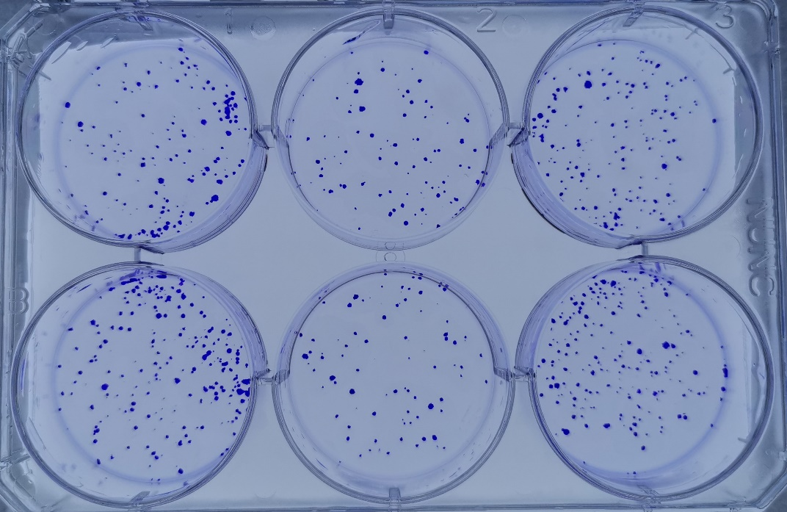



 |  | shControl |  | shMETTL3 |  | rMETTL3

KYSE450
 |  | Control |  |  | shMETTL3 |  |  | rMETTL3
 |  | replication 1 | replication 2 | replication 3 | replication 1 | replication 2 | replication 3 | replication 1 | replication 2 | replication 3
 | Data 1 | 397 | 423 | 376 | 166 | 184 | 197 | 368 | 382 | 391

 | Student's T test, unpaired, two-sided |  |  |  |  | 0.00018608685259 |  |  | 0.29288179719

S Fig2e
Supplementary Figure 2e. KYSE180 cells with or without expressing wild-type METTL3 or an inactive METTL3 mutant.

Control
METTL3-WT
METTL3-Mut
100
 | anti-METTL3

70
55

Control
METTL3-WT
METTL3-Mut
 | anti-Tubulin
70
55

40

 | Control |  |  | Average | STD |  |  |  |  |  | Student's T test, unpaired, two-sided | METTL3-Mut |  |  | Average | STD | Student's T test, unpaired, two-sided
Time(h) | N1 | N2 | N3 | Control |  | N1 | N2 | N3 | METTL3-WT |  |  | N1 | N2 | N3 | METTL3-Mut
0 | 0.158 | 0.1536 | 0.1479 | 0.15316666667 | 0.0050639246966 | 0.1536 | 0.1445 | 0.146 | 0.14803333333 | 0.0048788659885 | 0.27473527001 | 0.1346 | 0.1488 | 0.1293 | 0.13756666667 | 0.010082823679 | 0.074781329003
24 | 0.2065 | 0.2276 | 0.2114 | 0.21516666667 | 0.24126961635 | 0.2308 | 0.2315 | 0.2561 | 0.23946666667 | 0.014409140617 | 0.081275958288 | 0.2396 | 0.2364 | 0.2218 | 0.2326 | 0.0094889409314 | 0.10675616755
48 | 0.2854 | 0.2728 | 0.2418 | 0.26666666667 | 0.022437765783 | 0.3369 | 0.3318 | 0.3432 | 0.3373 | 0.0057105166141 | 0.0061534651043 | 0.2756 | 0.291 | 0.3525 | 0.30636666667 | 0.040687876982 | 0.21300249881
72 | 0.4309 | 0.3988 | 0.4103 | 0.41333333333 | 0.016263558446 | 0.5366 | 0.5366 | 0.5212 | 0.53146666667 | 0.0088911941455 | 0.00038284473341 | 0.3907 | 0.3801 | 0.4131 | 0.39463333333 | 0.016847947452 | 0.23880908687
96 | 0.5646 | 0.5869 | 0.6152 | 0.5889 | 0.025359219231 | 0.8022 | 0.845 | 0.9019 | 0.8497 | 0.050015897473 | 0.0012896686226 | 0.5049 | 0.6227 | 0.5473 | 0.5583 | 0.059665400359 | 0.45952756053
120 | 0.832 | 0.7857 | 0.8022 | 0.80663333333 | 0.023466216852 | 1.2684 | 1.2977 | 1.2933 | 1.2864666667 | 0.015800105485 | 7.993053653E-06 | 0.8985 | 0.8883 | 0.7687 | 0.85183333333 | 0.07217598862 | 0.36057230676
144 | 1.1357 | 1.2051 | 1.1327 | 1.1578333333 | 0.040961608041 | 1.7377 | 1.6667 | 1.776 | 1.7268 | 0.05545926433 | 0.00013917567309 | 1.42 | 1.0964 | 1.2213 | 1.2459 | 0.16319653795 | 0.4159139051

S Fig2f
Supplementary Figure 2f. The stained colony numbers were counted in METTL3 cells with or without expressing WT METTL3 or an inactive METTL3 mutant.
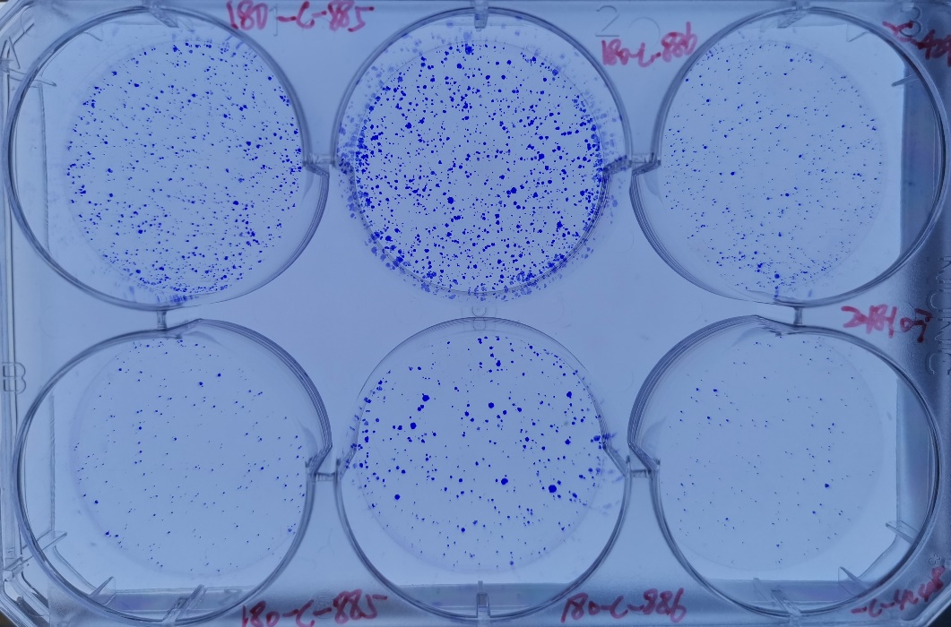



 |  | Control |  | METTL3-WT |  | METTL3-Mut

KYSE180
 |  | Control |  |  | METTL3-WT |  |  | METTL3-Mut
 | (μg/ml) | replication 1 | replication 2 | replication 3 | replication 1 | replication 2 | replication 3 | replication 1 | replication 2 | replication 3
 | Data 1 | 172 | 149 | 165 | 423 | 366 | 398 | 162 | 153 | 143

 | Student's T test, unpaired, two-sided |  |  |  |  | 0.00019639536493 |  |  | 0.34589419263

S Fig4b
Supplementary Figure 4b. The relative mRNA expression levels of APC in KYSE180 cells with or without METTL3 depletion were determined by qPCR.
Cell | ACTB | APC | △Ct | RQ | Relative mRNA level | Average | STD | Student's T test, unpaired, two-sided
shControl | 18.5291 | 21.995 | 3.4659 | 0.090502408705 | 1.184291056
shControl | 17.9746 | 21.9098 | 3.9352 | 0.06537124573 | 0.85543117299 | 1 | 0.16798987252
shControl | 18.0144 | 21.7828 | 3.7684 | 0.073383524147 | 0.96027777103
shMETTL3#1 | 17.9777 | 19.3433 | 1.3656 | 0.38807300891 | 5.0782227799
shMETTL3#1 | 17.9493 | 19.719 | 1.7697 | 0.29326971469 | 3.8376514511 | 4.2432198953 | 0.72323216145 | 0.0016360412491
shMETTL3#1 | 17.4371 | 19.2158 | 1.7787 | 0.2914458977 | 3.8137854549
shMETTL3#2 | 18.0097 | 19.4043 | 1.3946 | 0.38035012914 | 4.9771631775
shMETTL3#2 | 18.3822 | 19.6662 | 1.284 | 0.41065535038 | 5.3737294455 | 4.9769389047 | 0.3969027247 | 8.9604810243E-05
shMETTL3#2 | 18.161 | 19.6756 | 1.5146 | 0.34999349175 | 4.5799240911

shControl
shMETTL3#1
shMETTL3#2
anti-APC

170
130

shControl
shMETTL3#1
shMETTL3#2
anti-METTL3

100
70
55

shControl
shMETTL3#1
shMETTL3#2
anti-Tubulin

70
55

40

S Fig4c
Supplementary Figure 4c. The relative mRNA and protein expression levels of APC in KYSE180 cells with or without METTL3 depletion or with reconstituted expression of RNAi-resistant Flag-rMETTL3.
Cell | ACTB | APC | △Ct | RQ | Relative mRNA level | Average | STD | Student's T test, unpaired, two-sided
Control | 17.8336 | 22.7374 | 4.9038 | 0.0334 | 1.1119
Control | 17.3279 | 22.5729 | 5.245 | 0.0264 | 0.8778 | 1 | 0.11738939475
Control | 17.5731 | 22.6152 | 5.0421 | 0.0304 | 1.0103
shMETTL3 | 18.1203 | 20.5755 | 2.4552 | 0.1823 | 6.0699
shMETTL3 | 17.6364 | 20.2667 | 2.6303 | 0.1615 | 5.3763 | 5.2851 | 0.83409510449 | 0.00091527289761
shMETTL3 | 17.0831 | 19.9994 | 2.9164 | 0.1325 | 4.4092
rMETTL3 | 17.8978 | 23.1109 | 5.2131 | 0.027 | 0.8974
rMETTL3 | 17.3016 | 22.2103 | 4.9088 | 0.0333 | 1.1081 | 1.1442 | 0.26668882616 | 0.43967341653
rMETTL3 | 18.0952 | 22.639 | 4.5438 | 0.0429 | 1.4271

FLAG-
rMETTL3
Control
shMETTL3
anti-APC

170
130
100

FLAG-
rMETTL3
Control
shMETTL3
anti-METTL3
100
70

55

FLAG-
rMETTL3
Control
shMETTL3
anti-Tubulin
70
55

40

S Fig4d
Supplementary Figure 4d. KYSE180 cells with or without expressing WT METTL3 or an inactive METTL3 mutant.

Control
METTL3-WT
METTL3-Mut
anti-APC

170
130

100

Control
METTL3-WT
METTL3-Mut
anti-METTL3
100
70

55

Control
METTL3-WT
METTL3-Mut
anti-Tubulin
70
55

40

S Fig4e
Supplementary Figure 4e. KYSE450 cells were transfected with or without a vector expressing METTL3 or vectors expressing METTL3 and METTL14 shRNA.

Control
METTL3-OE
METTL3+
shMETTL14
anti-APC

170
130
100

METTL3+
shMETTL14
Control
METTL3-OE
anti-METTL3
100
70

55
40

METTL3+
shMETTL14
Control
METTL3-OE
130
anti-METTL14
100
70

55
40

METTL3+
shMETTL14
Control
METTL3-OE
100
anti-Tubulin
70

55
40

S Fig5e
Supplementary Figure 5e. The protein expression levels of APC in KYSE180 cells with or without YTHDF2 depletion.

shControl
shYTHDF2#1
shYTHDF2#2
anti-APC

170
130

shControl
shYTHDF2#1
shYTHDF2#2
anti-YTHDF2
100
70
55

shControl
shYTHDF2#1
shYTHDF2#2
anti-Tubulin
70

55
40

S Fig5g
Supplementary Figure 5g. KYSE450 cells were transfected with or without a YTHDF2 siRNA or combination of YTHDF1-3 siRNAs.

siControl
siYTHDF2
siYTHDF1-3
anti-APC

170
130
100

siControl
siYTHDF2
siYTHDF1-3
anti-YTHDF1
100
70
55

40

siControl
siYTHDF2
siYTHDF1-3
anti-YTHDF2
100

70
55

siControl
siYTHDF2
siYTHDF1-3
anti-YTHDF3
100
70

55

siControl
siYTHDF2
siYTHDF1-3
anti-Tubulin
70

55
40

S Fig5h
Supplementary Figure 5h. HeLa cells were transfected with or without combination of YTHDF1-3 siRNAs.
HeLa | ACTB | APC | △Ct | RQ | Relative mRNA level
sIControl | 17.9029 | 24.0325 | 6.1297 | 0.0143 | 0.6302
sIControl | 17.9731 | 22.7956 | 4.8226 | 0.0353 | 1.5595 | 1 | 0.49283789424
sIControl | 18.1065 | 23.8735 | 5.767 | 0.0184 | 0.8103
sIYTHDF1-3 | 18.2501 | 21.2697 | 3.0196 | 0.1233 | 5.4415
sIYTHDF1-3 | 17.9076 | 21.6558 | 3.7482 | 0.0744 | 3.2838 | 4.7428 | 1.2639064008 | 0.0087840725393
sIYTHDF1-3 | 18.292 | 21.2954 | 3.0034 | 0.1247 | 5.5031

siControl
siYTHDF1-3
anti-APC

170
130
100

siControl
siYTHDF1-3
anti-YTHDF1
100
70

55
40

siControl
siYTHDF1-3
anti-YTHDF2
100

70

55

siControl
siYTHDF1-3
anti-YTHDF3
100
70

55

siControl
siYTHDF1-3
anti-Tubulin
70

55
40

S Fig6a
Supplementary Figure 6a. Immunoblotting analyses. Immunoblotting analyses of KYSE450 cells with or without METTL3 shRNA expression or combined METTL3 shRNA and APC shRNA expression.
shMETTL3
+ shAPC
shControl
shMETTL3
anti-APC

130
170

100

shControl
shMETTL3
+ shAPC
shMETTL3
anti-β-catenin
130
100
70

shControl
shMETTL3
shMETTL3
+ shAPC
130
anti-cyclin D1
70
100

55

shControl
shMETTL3
+ shAPC
shMETTL3
100
anti-c-Myc

70
55

shControl
shMETTL3
+ shAPC
shMETTL3
130
anti-PKM2
100
70

shMETTL3
+ shAPC
shControl
shMETTL3
100
anti-METTL3

70
55

shMETTL3
+ shAPC
shControl
shMETTL3
70
anti-Tubulin

55

40

S Fig6b
Supplementary Figure 6b. Immunoblotting analyses in KYSE180.
METTL3
+ shMETTL14
Control
METTL3-OE
anti-APC

130
170
100

METTL3
+ shMETTL14
shControl
METTL3-OE
anti-β-catenin
130
100
70

METTL3-OE
METTL3
+ shMETTL14
shControl
anti-cyclin D1
100
70
55
40

shControl
METTL3-OE
METTL3
+ shMETTL14
100
anti-c-Myc
70

55

shControl
METTL3
+ shMETTL14
METTL3-OE
anti-PKM2
100
70

55

METTL3
+ shMETTL14
shControl
METTL3-OE
anti-METTL3
100
70

55

40
METTL3
+ shMETTL14
shControl
METTL3-OE
100
anti-METTL14

70
55
40

shControl
METTL3-OE
METTL3
+ shMETTL14
anti-Tubulin

55
40
30

S Fig6c
Supplementary Figure 6c. Immunoblotting analyses in KYSE450.
METTL3
+ shMETTL14
Control
METTL3-OE
anti-APC

170
130
100

Control
METTL3-OE
METTL3
+ shMETTL14
anti-β-catenin
130
100
70

METTL3
+ shMETTL14
Control
METTL3-OE
anti-cyclin D1
100
70
55

Control
METTL3-OE
METTL3
+ shMETTL14
100
70
anti-c-Myc

55

METTL3
+ shMETTL14
Control
METTL3-OE
anti-PKM2

70
55
40

METTL3-OE
METTL3
+ shMETTL14
Control
anti-METTL3
100
70

55

METTL3
+ shMETTL14
Control
METTL3-OE
100
anti-METTL14

70
55
40

Control
METTL3-OE
METTL3
+ shMETTL14
anti-Tubulin
55
40

30

S Fig6g
Supplementary Figure 6g. The stained colony numbers were counted.
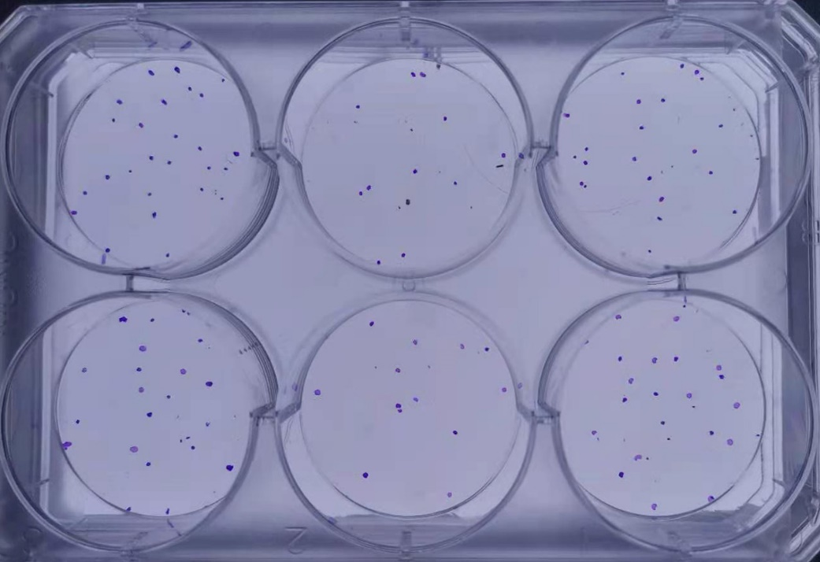
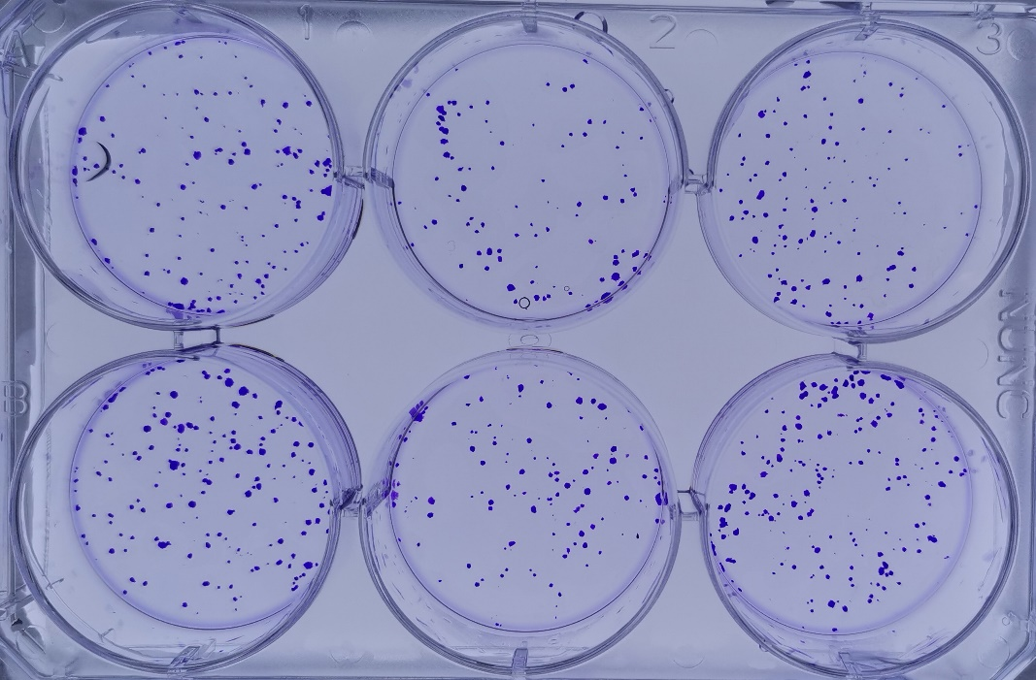



shMETTL3 |  | - |  | + |  | + |  |  |  |  | - |  | + |  | +
shAPC |  | - |  | - |  | + |  |  |  |  | - |  | - |  | +
 |  |  |  | KYSE180 |  |  |  |  |  |  |  |  | KYSE450

 |  | KYSE180 |  |  |  |  |  |  |  |  |  | KYSE450
 |  | Control |  |  | shMETTL3 |  |  | rMETTL3 |  |  | Control |  |  | shMETTL3 |  |  | rMETTL3
 |  | replication 1 | replication 2 | replication 3 | replication 1 | replication 2 | replication 3 | replication 1 | replication 2 | replication 3 | replication 1 | replication 2 | replication 3 | replication 1 | replication 2 | replication 3 | replication 1 | replication 2 | replication 3
 | Data 1 | 58 | 77 | 69 | 8 | 10 | 6 | 53 | 69 | 34 | 163 | 181 | 164 | 84 | 98 | 102 | 146 | 183 | 162

 | Student's T test, unpaired, two-sided |  |  |  |  | 0.00043823071176 |  |  | 0.2371316449 |  |  |  |  |  | 0.00073117842993 |  |  | 0.66650876706

