Figure 1i
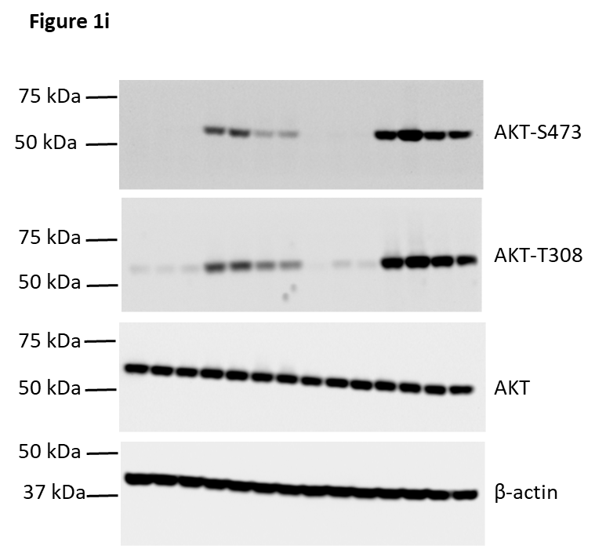

Figure S1c
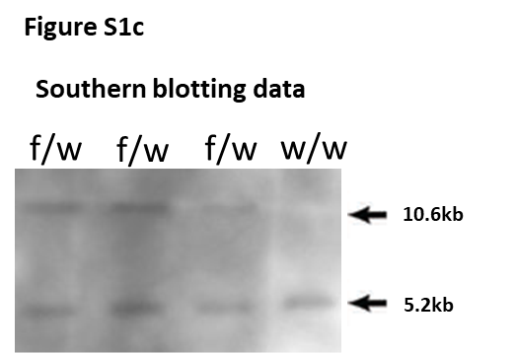

Figure S1d
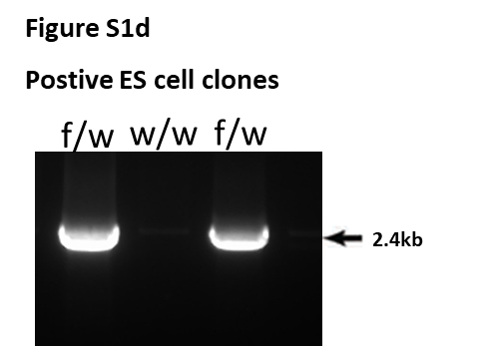

Figure S1e
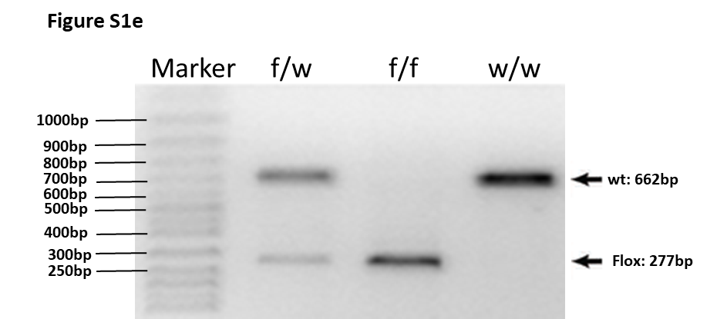

Figure S1f
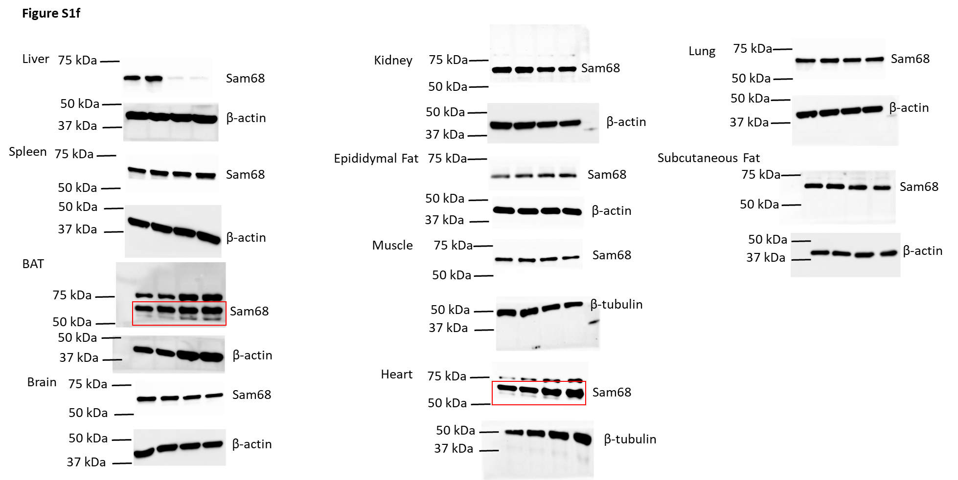

Figure S1i
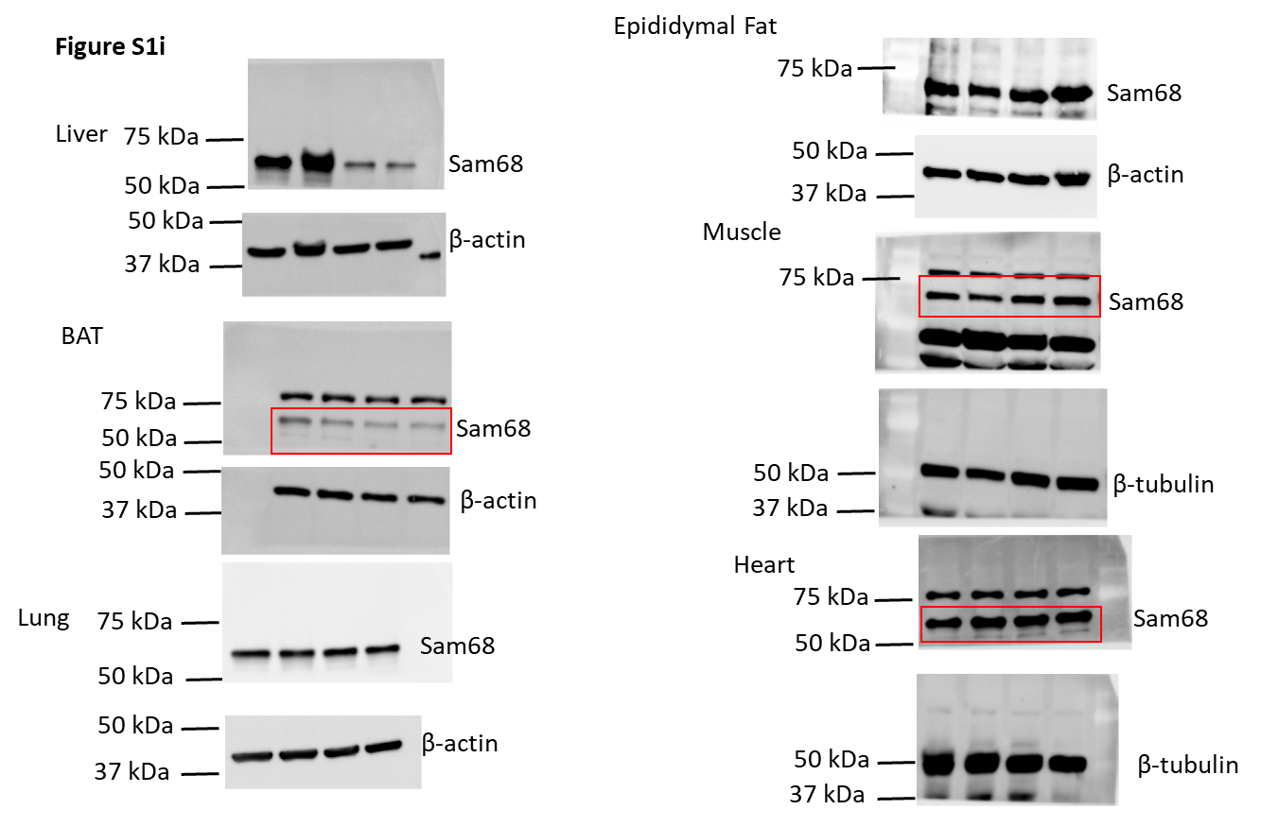

Figure 2b
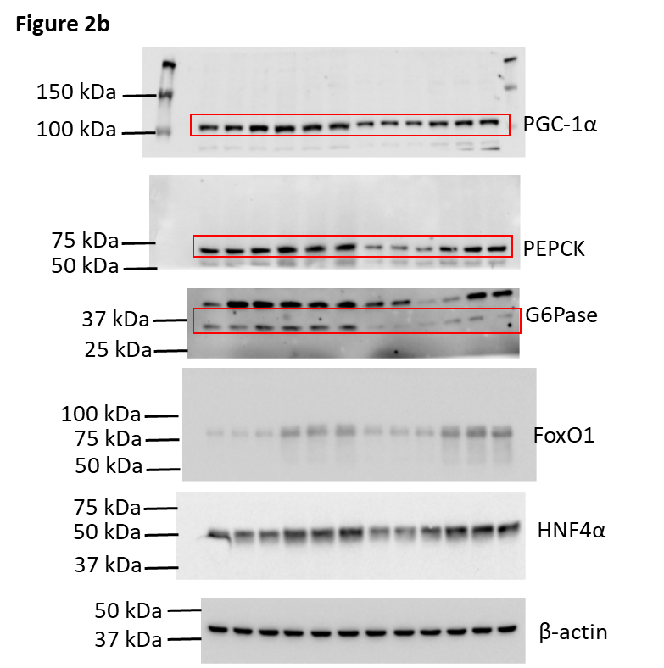
Figure 2b | Protein Expression
Gene | Sam68f/f-Fed |  |  | Sam68LKO-Fed |  |  | Sam68f/f-Fast 16h |  |  | Sam68LKO-Fast 16h
PGC-1α | 0.94 | 0.94 | 1.12 | 0.65 | 0.65 | 0.63 | 1.42 | 1.28 | 1.19 | 0.81 | 0.84 | 0.91
PEPCK | 0.99 | 0.99 | 1.02 | 0.53 | 0.54 | 0.52 | 1.26 | 1.18 | 1.19 | 0.76 | 0.90 | 0.95
G6Pase | 0.91 | 0.92 | 1.17 | 0.74 | 0.80 | 0.76 | 1.39 | 1.31 | 1.27 | 0.78 | 0.84 | 0.77
FOXO1 | 1.00 | 0.98 | 1.02 | 1.03 | 1.08 | 1.16 | 1.47 | 1.44 | 1.43 | 1.56 | 1.51 | 1.76
HNF-4a | 1.09 | 0.95 | 0.96 | 0.87 | 0.84 | 1.02 | 1.42 | 1.36 | 1.46 | 1.45 | 1.44 | 1.42

Figure 2g
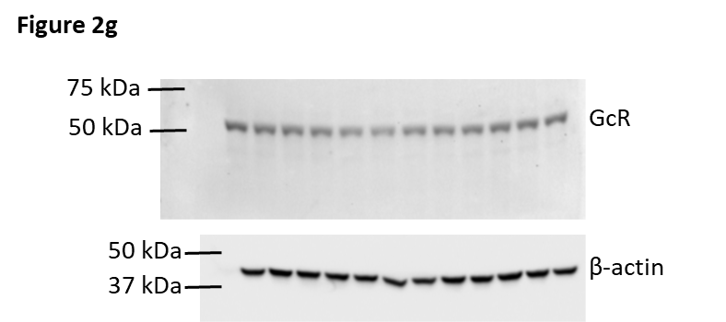

Figure 2j
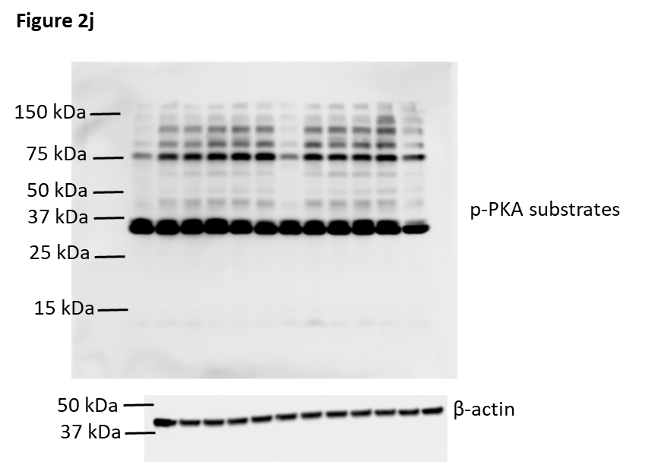

Figure S2d
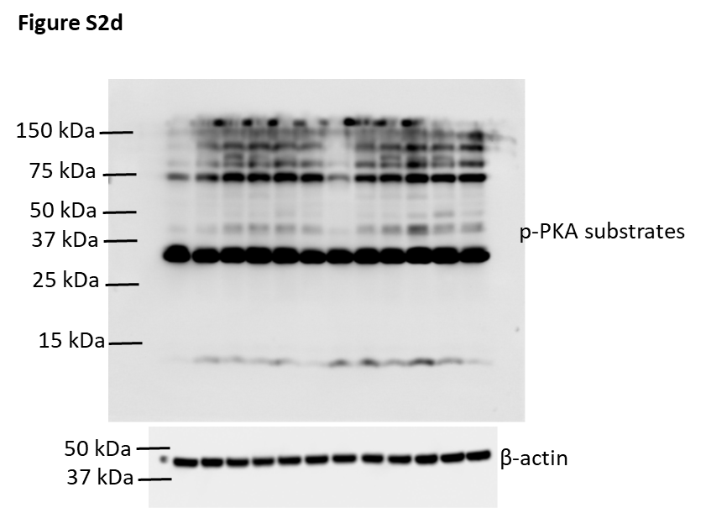

Figure S2e
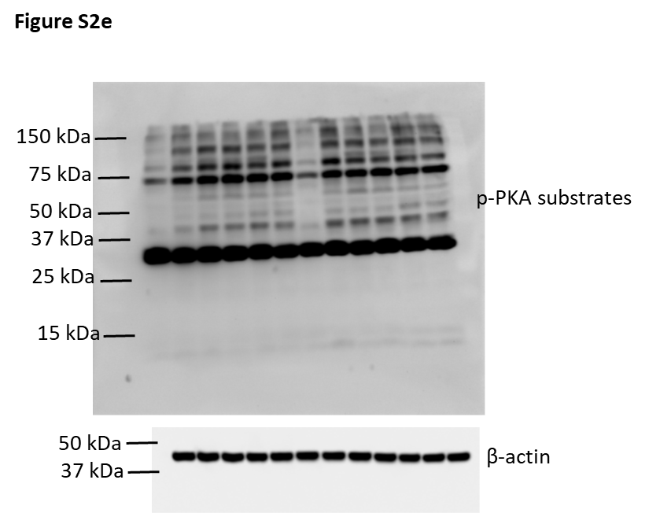

Figure 3a
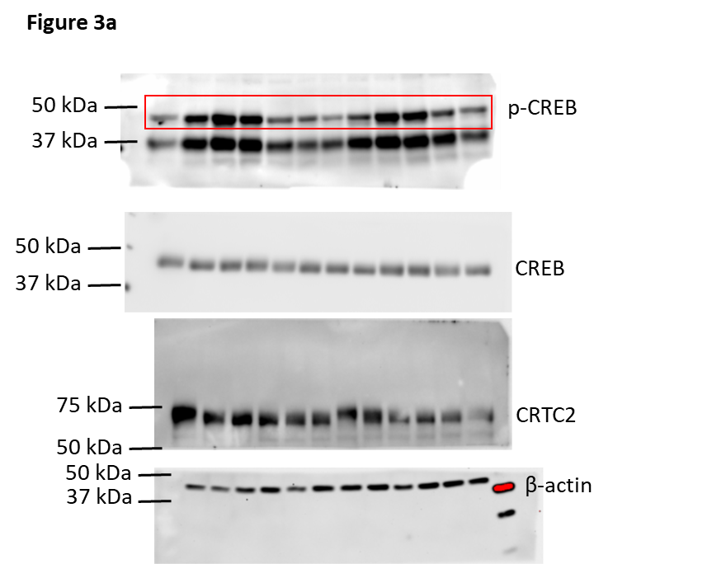

Figure 3i
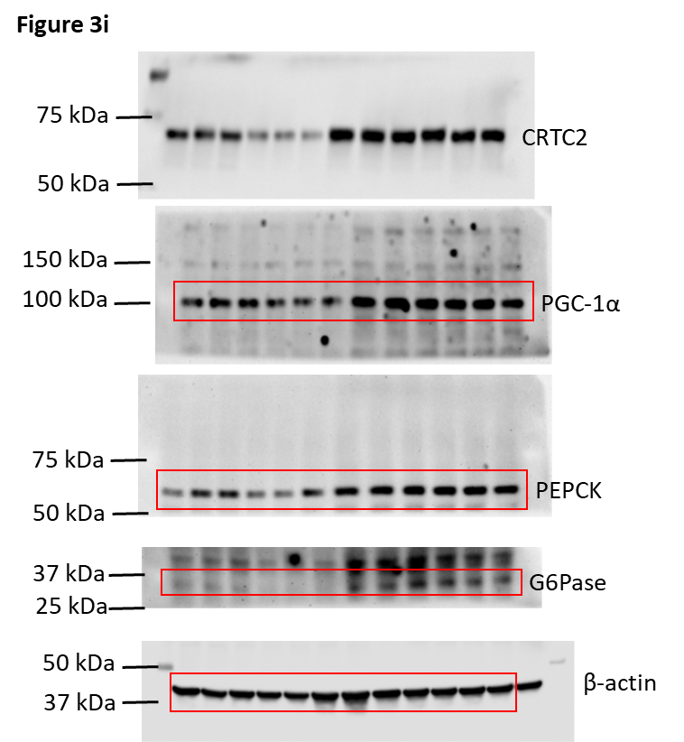

Figure S3a
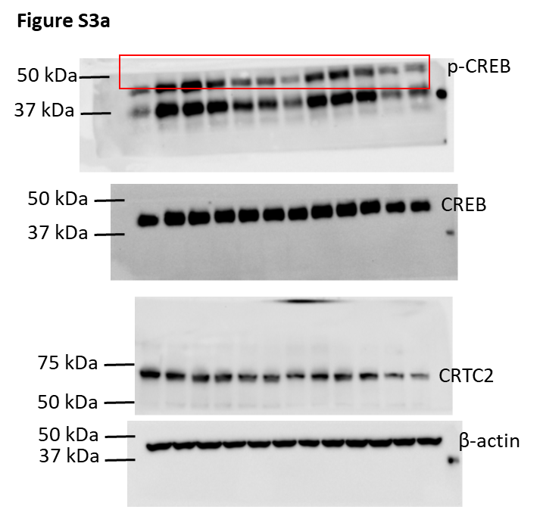

Figure S3b
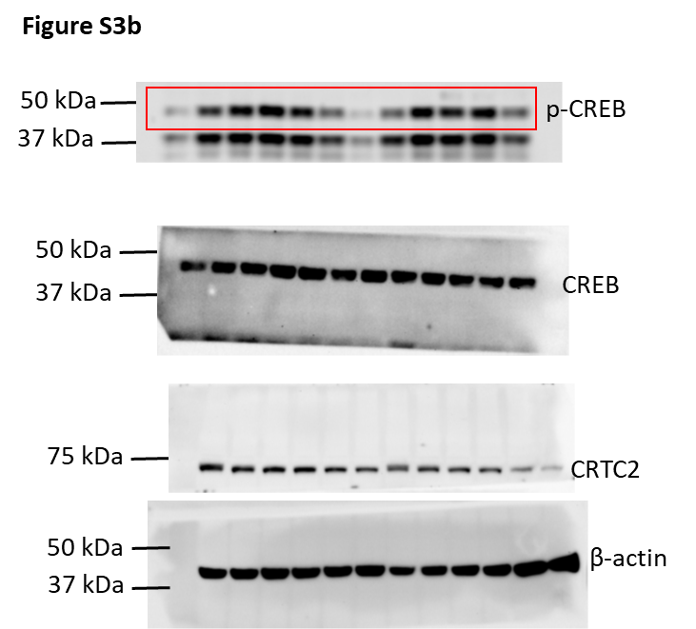

Figure S3c
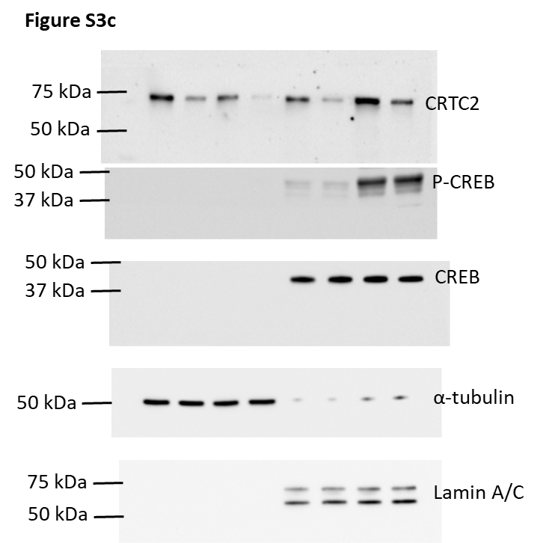

Figure S3g
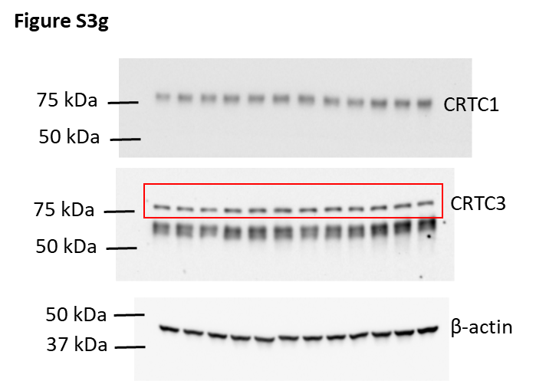

Figure S3i
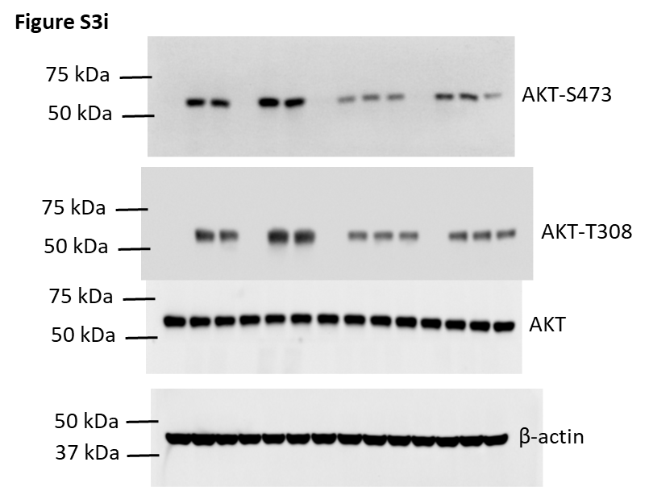

Figure S3j
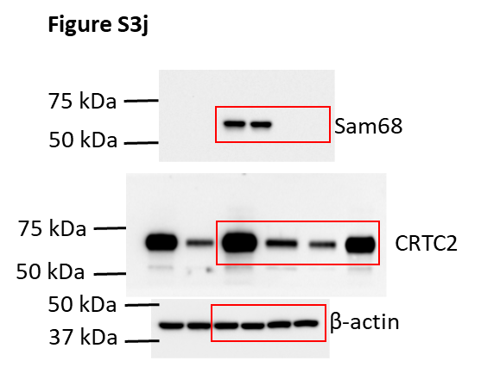

Figure S3o
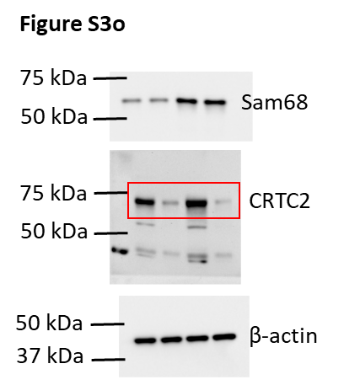

Figure 4a
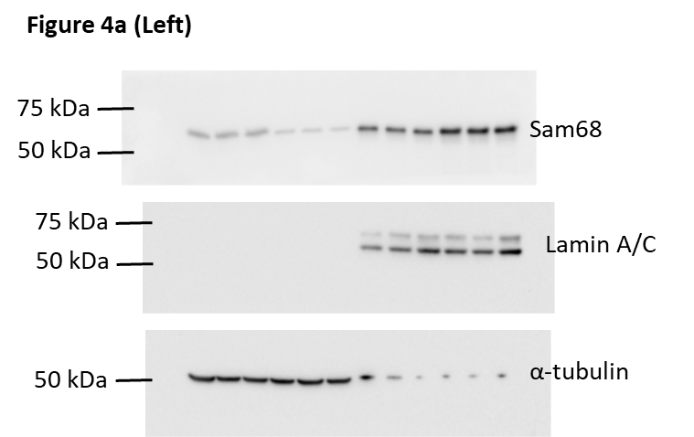
Figure 4a (Right) | Protein Quantification
 | PBS |  |  | Glucagon
Cyto | 0.98 | 1.00 | 1.02 | 0.64 | 0.60 | 0.64
Nucleus | 1.85 | 1.58 | 1.33 | 2.03 | 2.32 | 1.97

Figure 4b
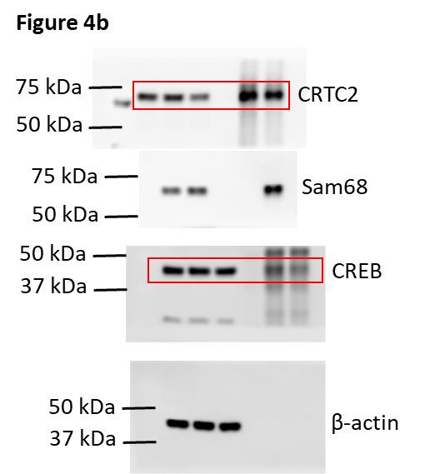

Figure 4c
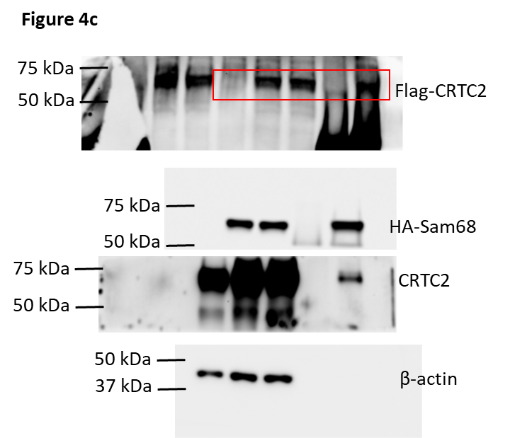

Figure 4e
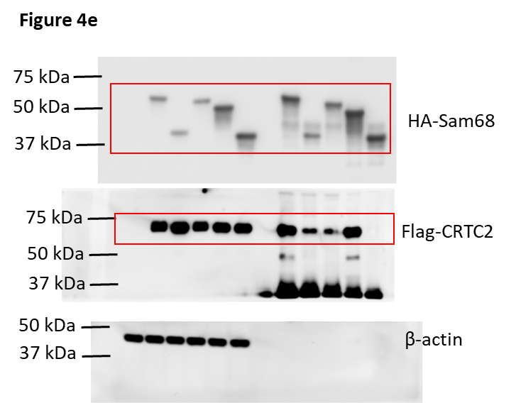

Figure 4f
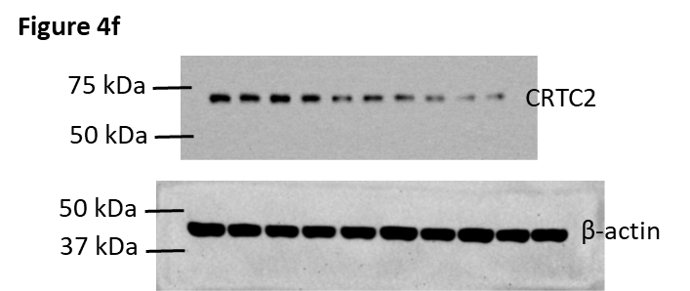
Figure 4f | Cycloheximide (100 µM)
 | Time (hrs) | Exp1. | Exp2. | Exp3.
WT | 0 | 100.00 | 100.00 | 100.00
 | 1 | 111.49 | 98.04 | 100.00
 | 2 | 118.27 | 94.12 | 103.92
 | 4 | 103.30 | 100.00 | 88.24
 | 8 | 75.07 | 79.31 | 71.59
Sam68–/– | 0 | 100.00 | 100.00 | 100.00
 | 1 | 84.60 | 95.24 | 100.00
 | 2 | 56.09 | 69.05 | 73.81
 | 4 | 53.93 | 69.05 | 50.00
 | 8 | 52.02 | 59.52 | 45.24
 |  | Exp1. | Exp2. | Exp3.
WT (t1/2) | WT | 19.28 | 23.52 | 16.88
 | Sam68–/– | 8.48 | 10.86 | 6.94

Figure 4g
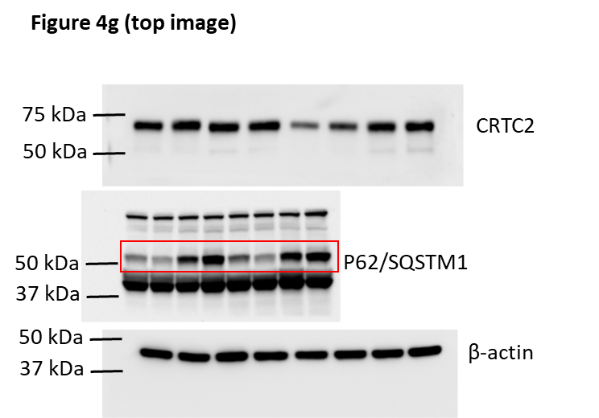
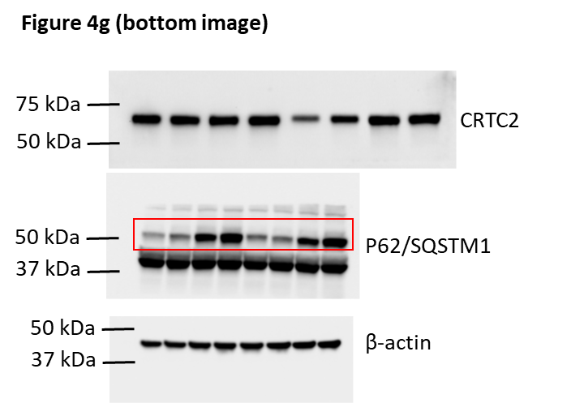
Figure 4g-top | MG132 (20 µM) |  | Figure 4g-bottom | BZM (100 nM)
 | Time (hrs) |  |  | Time (hrs)
WT | 0 | 1.00 | WT | 0 | 1.00
 | 4 | 1.11 |  | 4 | 0.94
 | 8 | 1.03 |  | 8 | 0.86
 | 16 | 1.09 |  | 16 | 0.96
Sam68–/– | 0 | 0.51 | Sam68–/– | 0 | 0.38
 | 4 | 0.78 |  | 4 | 0.52
 | 8 | 1.07 |  | 8 | 0.89
 | 16 | 1.05 |  | 16 | 0.88

Figure 4h
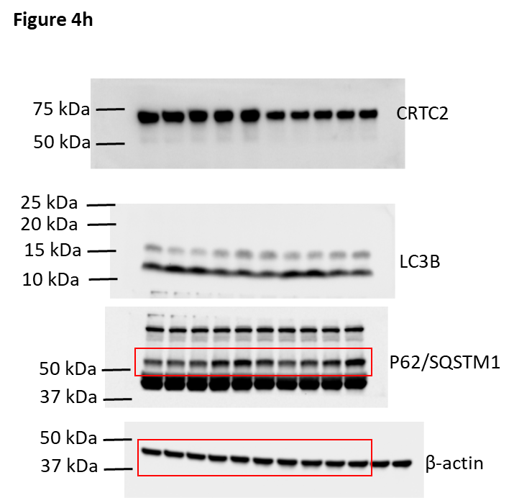

Figure 4i
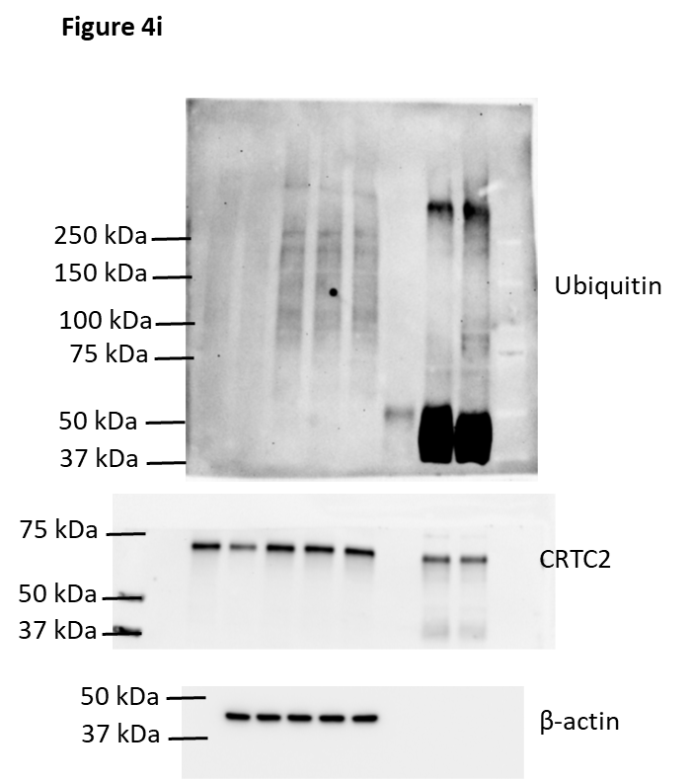
Figure 4i | WT | Sam68–/–
 | 0.99 | 1.80
 | 1.13 | 2.55
 | 0.89 | 1.94

Figure 4j
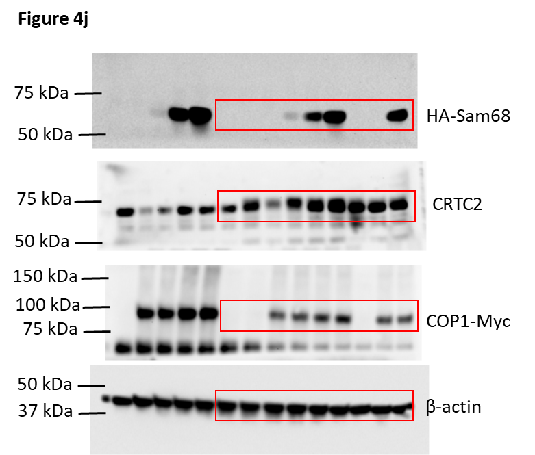

Figure 4k
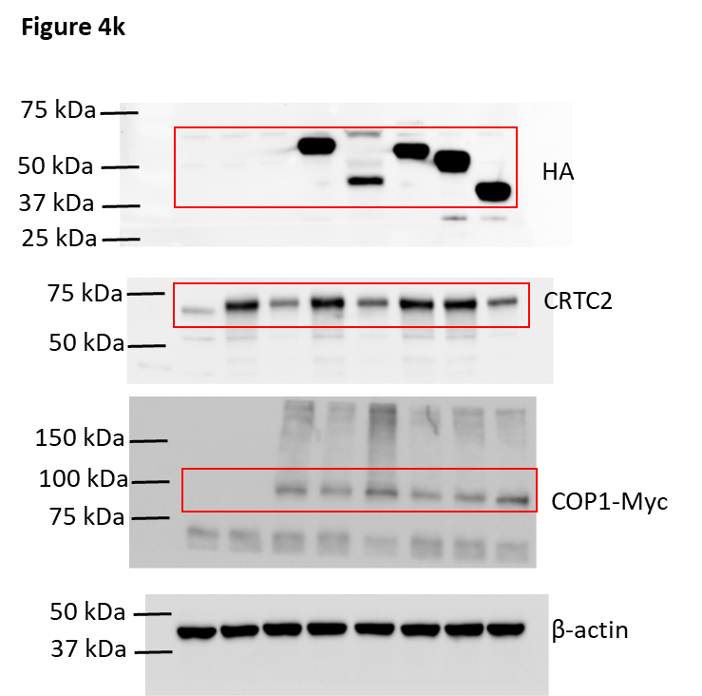

Figure S4a
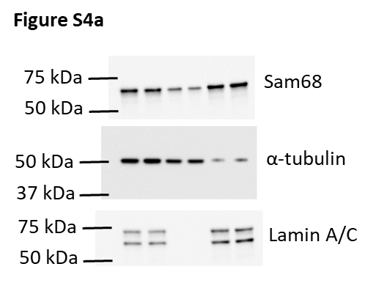

Figure S4b
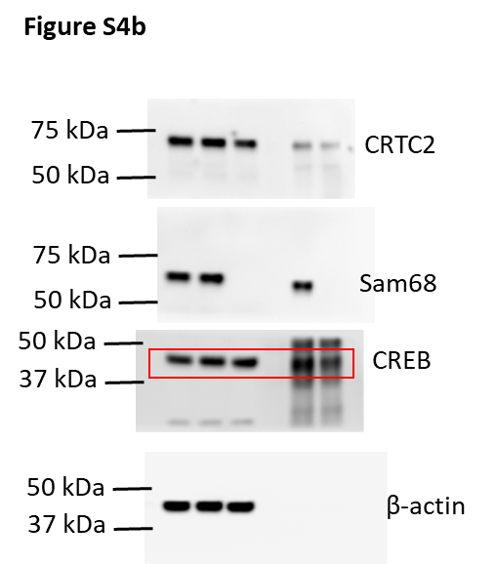

Figure S4c
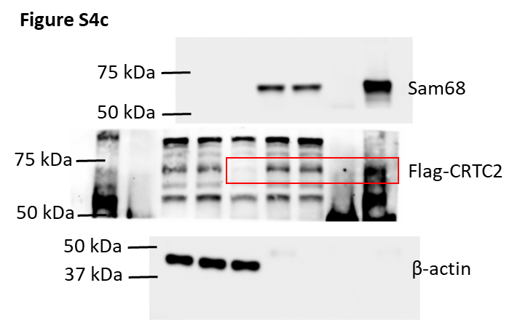

Figure S4d
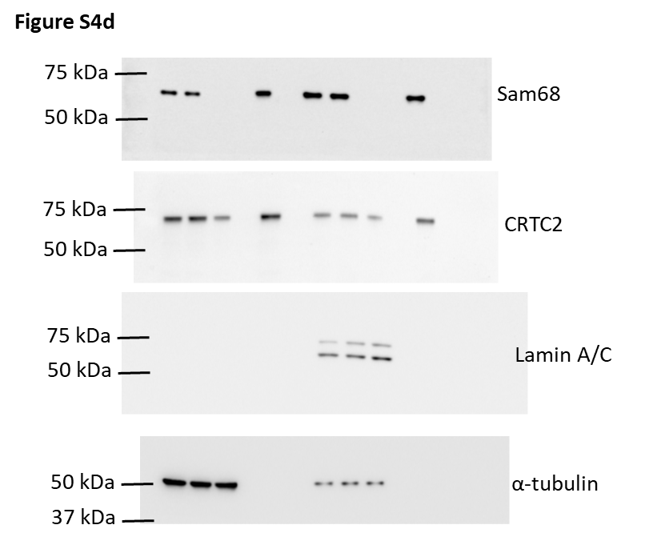

Figure S4f
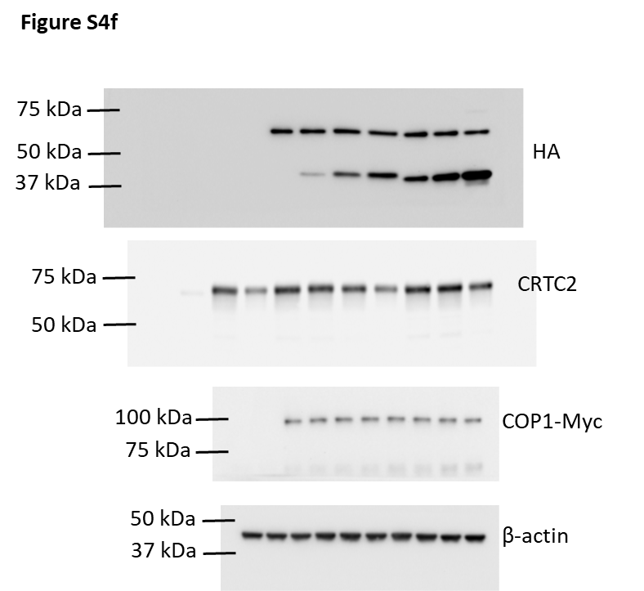

Figure S4j
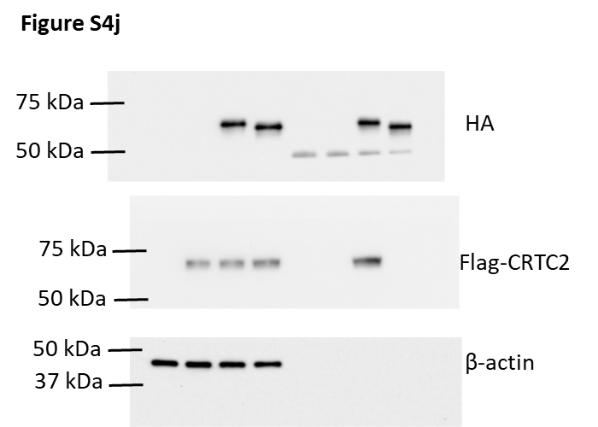

Figure 5f
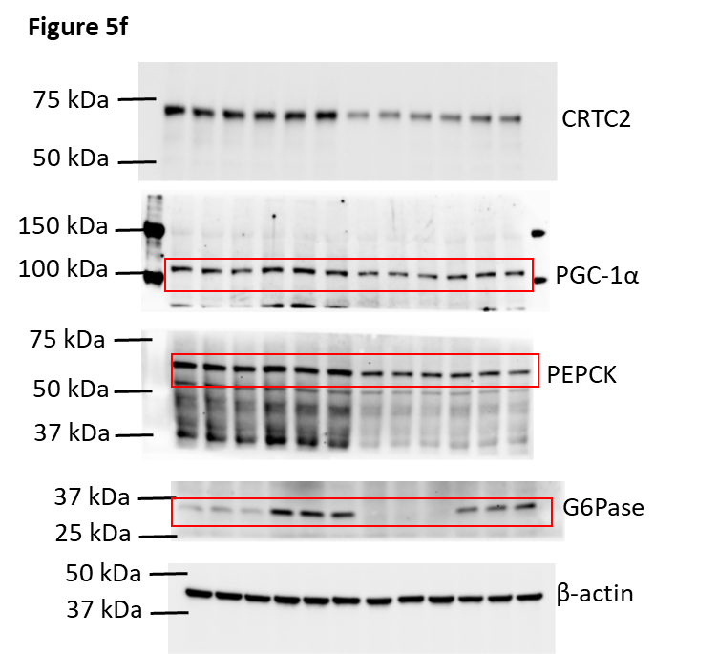

Figure S5a
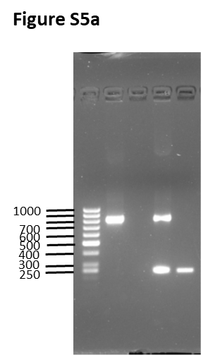

Figure S5b
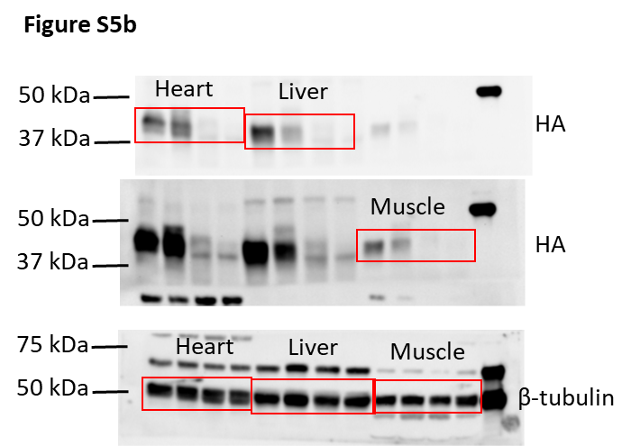

Figure S5d
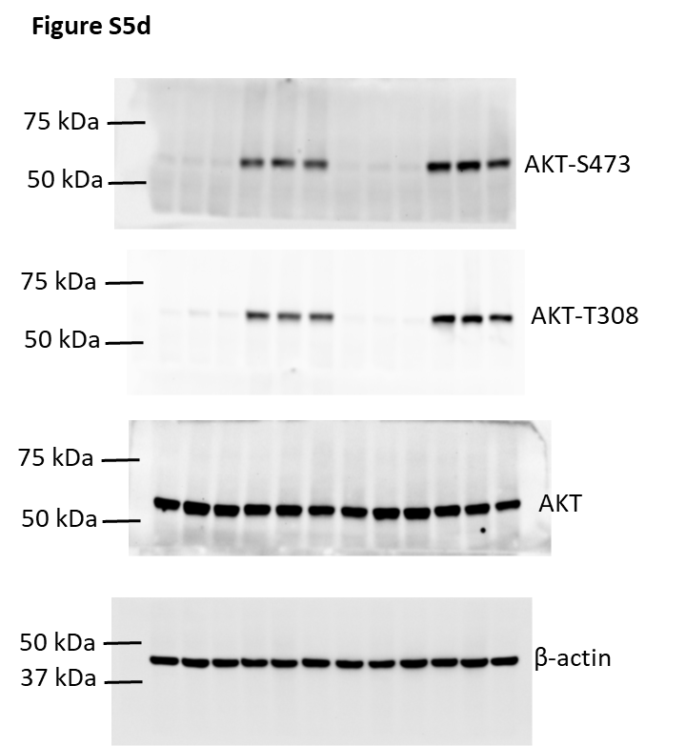

Figure 6a
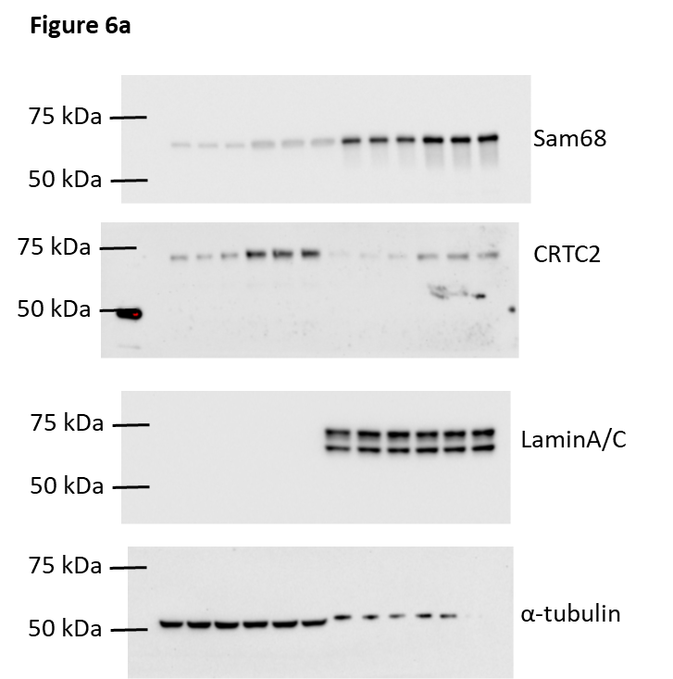

Figure 6b
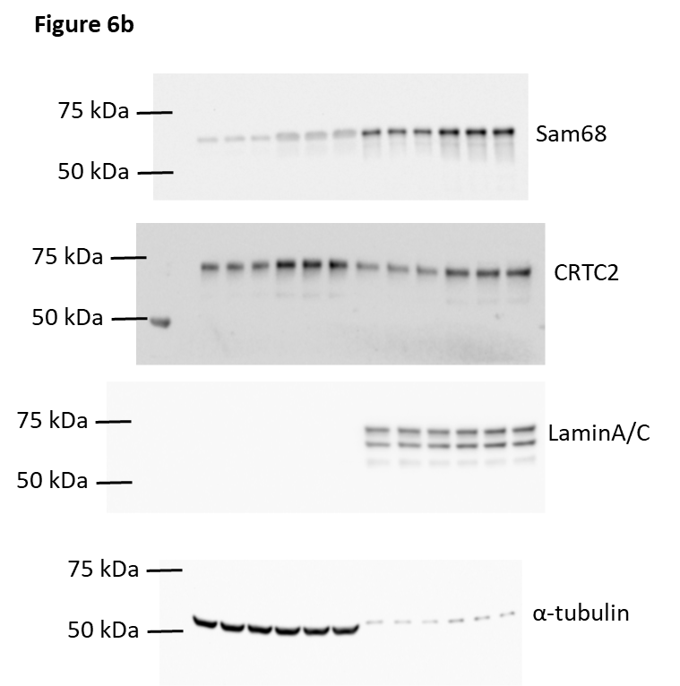

Figure 6c
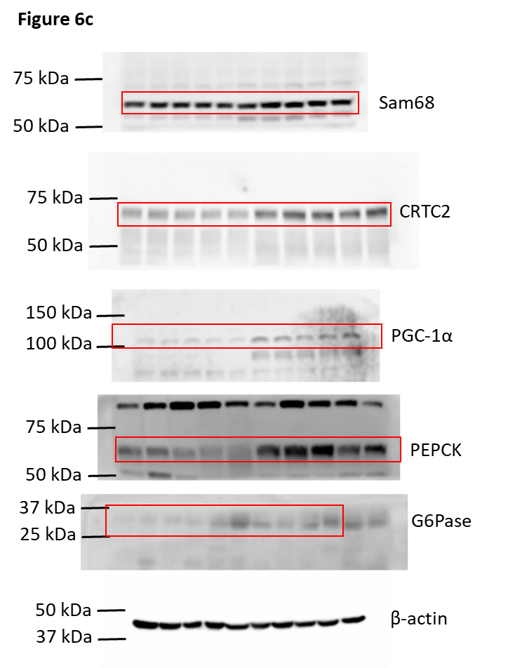
Figure 6c | Protein Quantification
Gene | No-Diabetes |  |  |  |  | Diabetes
Sam68 | 0.73 | 0.89 | 1.19 | 1.07 | 1.12 | 1.91 | 1.91 | 1.98 | 2.02 | 1.75
CRTC2 | 0.82 | 1.08 | 1.19 | 0.93 | 0.99 | 1.99 | 1.98 | 2.33 | 1.96 | 2.29
PGC-1α | 0.82 | 1.01 | 1.30 | 0.92 | 0.95 | 3.06 | 2.28 | 2.45 | 3.31 | 3.53
PEPCK | 1.00 | 1.16 | 0.94 | 0.63 | 1.25 | 4.30 | 4.76 | 5.80 | 3.35 | 3.37
G6Pase | 0.45 | 0.70 | 1.01 | 0.84 | 2.01 | 7.01 | 3.06 | 2.96 | 3.28 | 5.00

Figure 6e
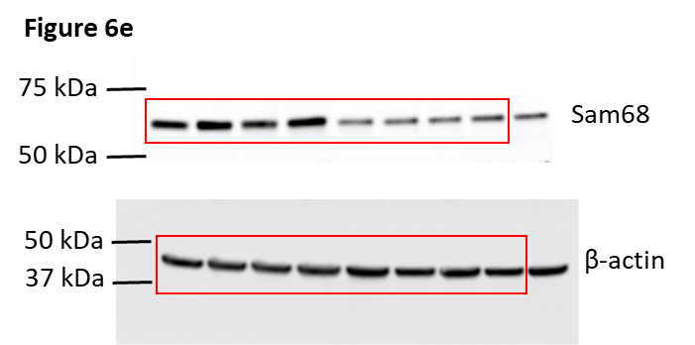

Figure 6k
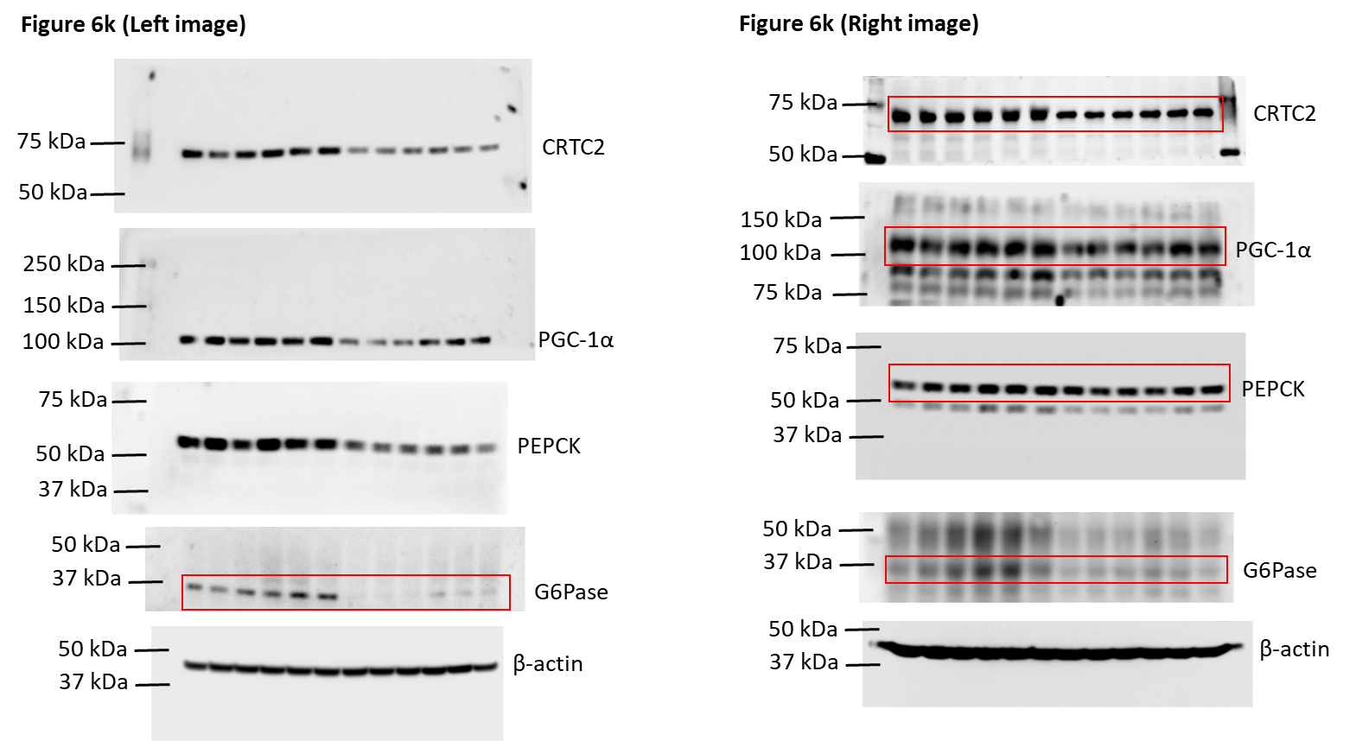

Figure S6d
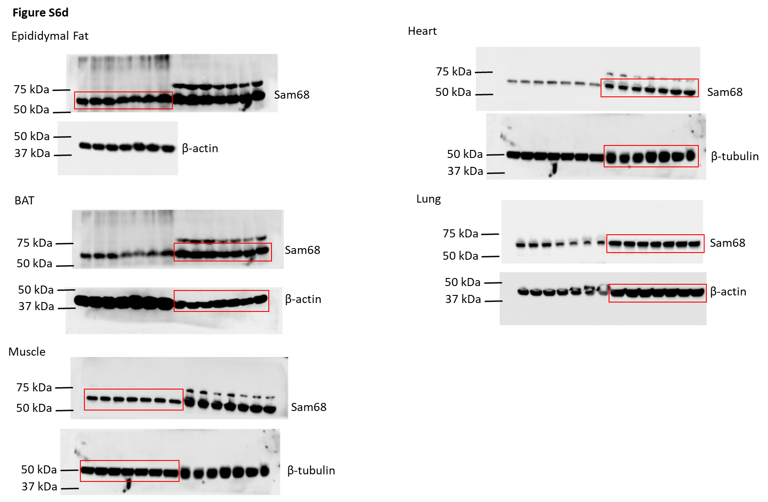

Figure S6g
