Suppl. Fig. 1
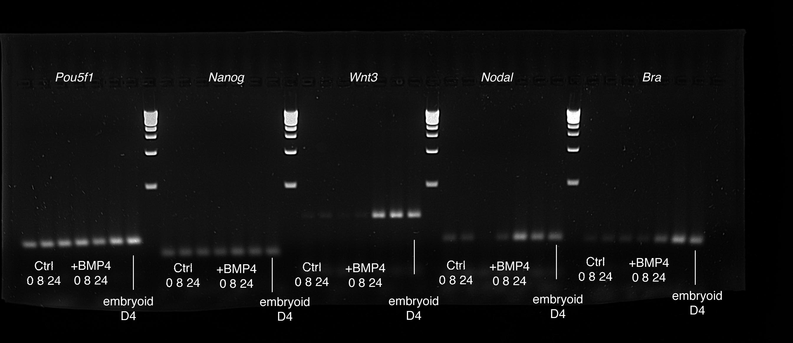
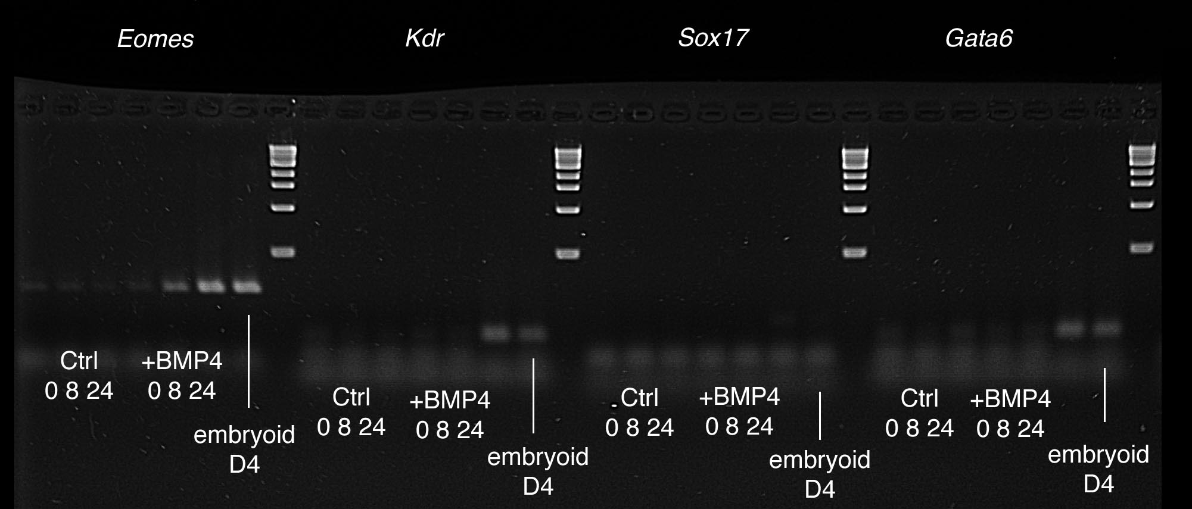
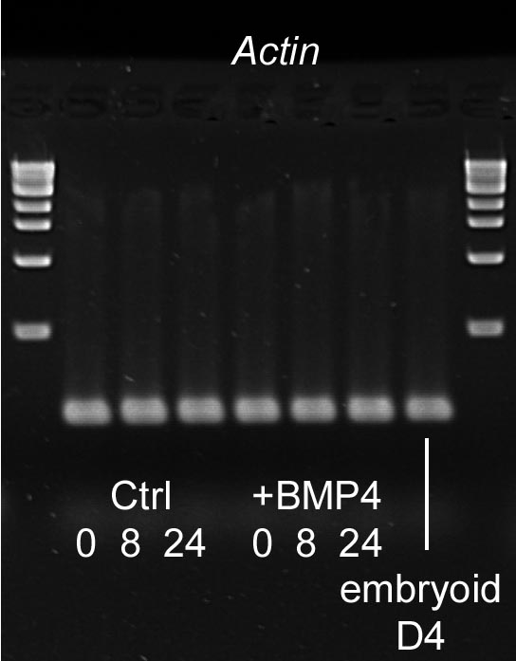
Supplementary Figure 1: Uncropped image of the agarose gels for the RT-PCR experiment presented in Supplementary Figure 1

