sup fig1e
NBT 005 AFF GBM83 U87 U118

p32
33KDa

Mouse anti-GC1qR/p32 (Abcam , Cat. No. ab24733, clone 60.11, lot no. GR3208495-4 dilution 1:1000) and goat anti-mouse-HRP (Jackson ImmunoResearch Cat. No. 115-035-166, Lot 124784, Dilution:1:10,000)

Rabbit anti-tubulin (Santa cruz, Cat. No. Sc53646, clone 10D8, lot no. K0515, dilution 1:1000) and goat anti-rabbit HRP (Jackson ImmunoResearch Cat. No. 115-035-166, Lot 128223, Dilution:1:10,000)

NBT 005 AFF GBM83 U87 U118

50KDa
tubulin

supp figure4c
P32 KD in AFF cells

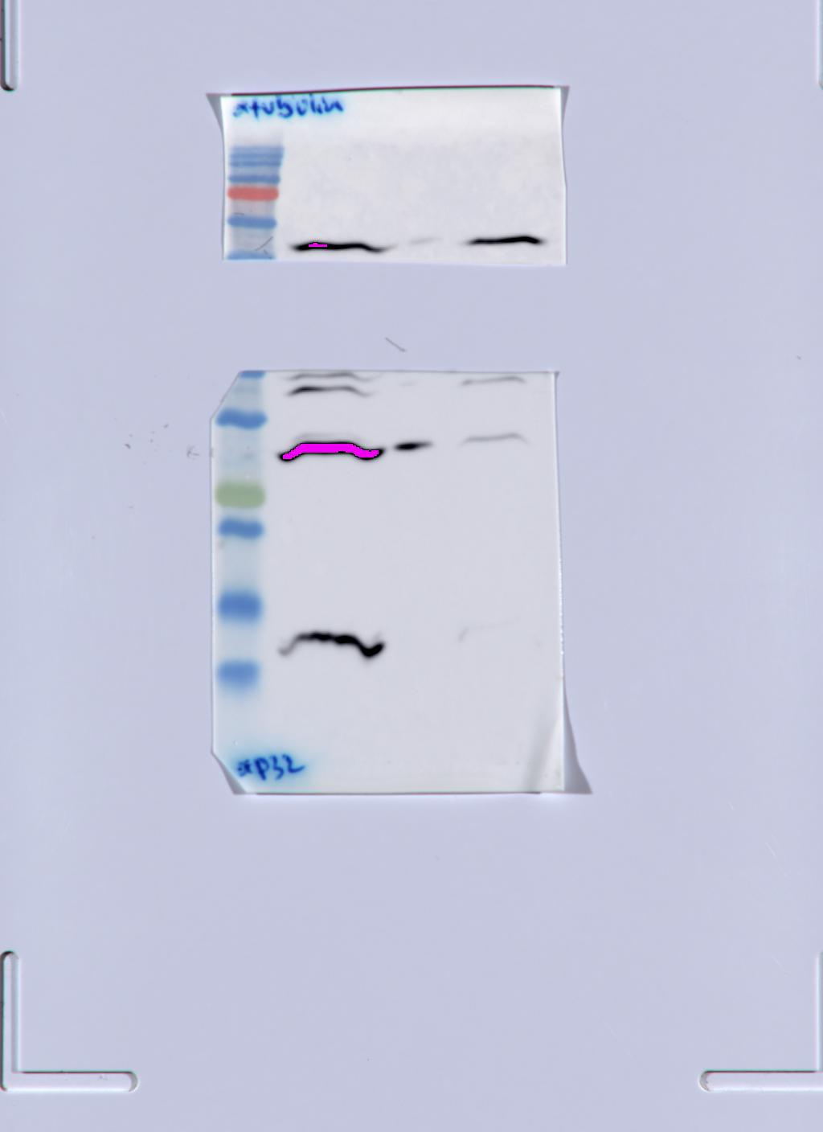
shirr shp32
Mouse anti-GC1qR/p32 (Abcam , Cat. No. ab24733, clone 60.11, lot no. GR3208495-4 dilution 1:1000) and goat anti-mouse-HRP (Jackson ImmunoResearch Cat. No. 115-035-166, Lot 124784, Dilution:1:10,000)

tubulin
50KDa

p32
33KDa

Rabbit anti-tubulin (Santa cruz, Cat. No. Sc53646, clone 10D8, lot no. K0515, dilution 1:1000) and goat anti-rabbit HRP (Jackson ImmunoResearch Cat. No. 115-035-166, Lot 128223, Dilution:1:10,000)

sup figure4d
P32 KD in 005 cells

shirr shp32
p32
Mouse anti-GC1qR/p32 (Abcam , Cat. No. ab24733, clone 60.11, lot no. GR3208495-4 dilution 1:1000) and goat anti-mouse-HRP (Jackson ImmunoResearch Cat. No. 115-035-166, Lot 124784, Dilution:1:10,000)
33KDa

shirr shp32

Rabbit anti-tubulin (Santa cruz, Cat. No. Sc53646, clone 10D8, lot no. K0515, dilution 1:1000) and goat anti-rabbit HRP (Jackson ImmunoResearch Cat. No. 115-035-166, Lot 128223, Dilution:1:10,000)

tubulin
50KDa

