Fig. 3c
anti-GFP
anti-GAPDH
anti-GFP
anti-GAPDH
anti-GFP
anti-GAPDH

Molecular mass of the ladder lanes (Prestained protein ladder, Thermo Fisher Scientific) from top to bottom: 180, 130, 100, 70, 55, 40, 35, 25, 15, 10 kDa.

Fig. 3d
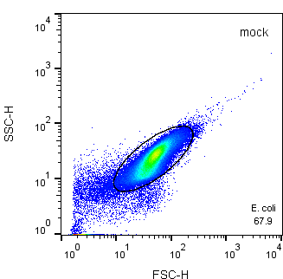
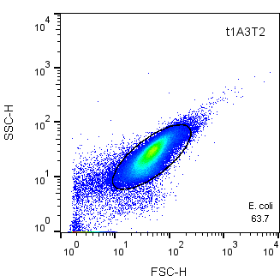
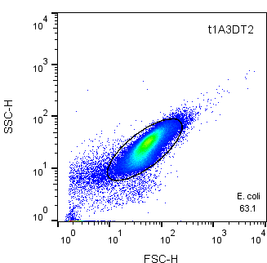
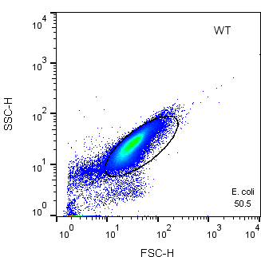
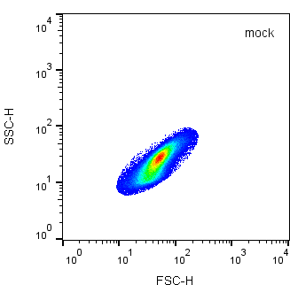
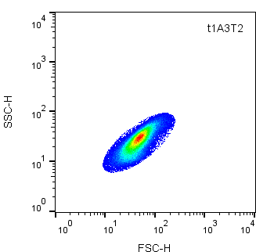

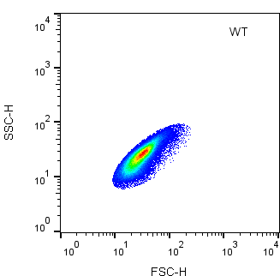
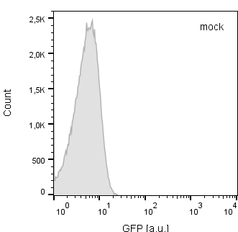
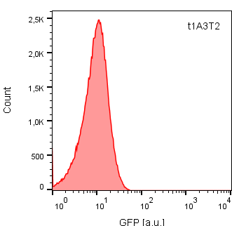
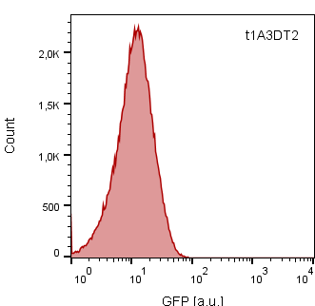
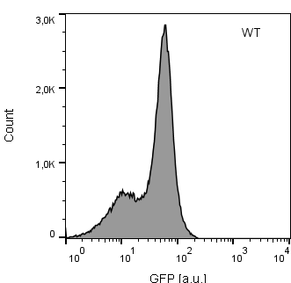
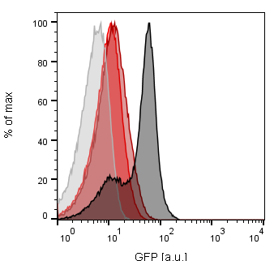
FACS (n=4) | relative GFP expression
variant | Exp. 1 | Exp. 2 | Exp. 3 | Exp. 4 |  | Mean | SD
t1A3T2 | 10.46% | 8.70% | 9.00% | 10.67% |  | 9.71% | 1.00%
t1A3DT2 | 21.58% | 18.46% | 11.69% | 15.00% |  | 16.68% | 4.27%
WT | 100.00% | 100.00% | 100.00% | 100.00% |  | 100.00% | 0.00%

Bulk fluorescence (n=7) | relative GFP expression
variant | Exp. 1 | Exp. 2 | Exp. 3 | Exp. 4 | Exp. 5 | Exp. 6 | Exp. 7 | Mean | SD
t1A3T2 | 4.93% | 10.95% | 4.41% | 20.80% | 22.16% | 19.21% | 12.05% | 13.50% | 7.36%
t1A3DT2 | 20.38% | 17.64% | 13.58% | 25.84% | 26.15% | 20.17% | 22.28% | 20.86% | 4.45%
WT | 100.00% | 100.00% | 100.00% | 100.00% | 100.00% | 100.00% | 100.00% | 100.00% | 0.00%

Exp. 1
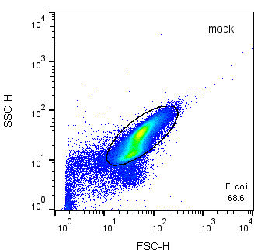
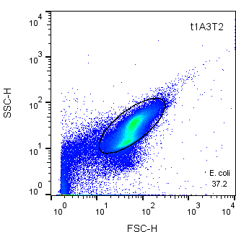

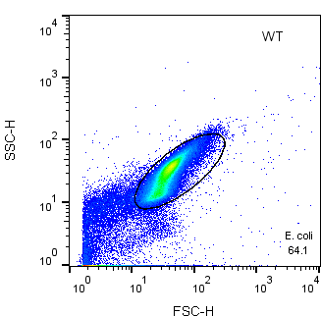

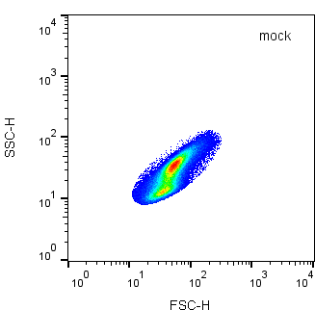
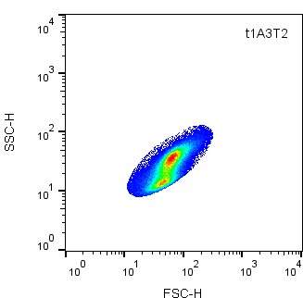

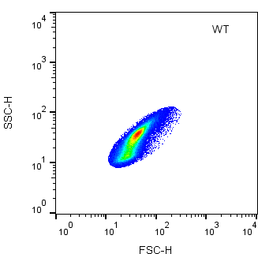



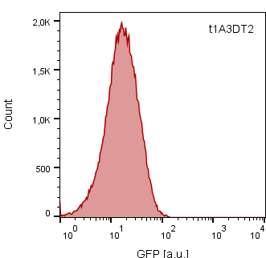

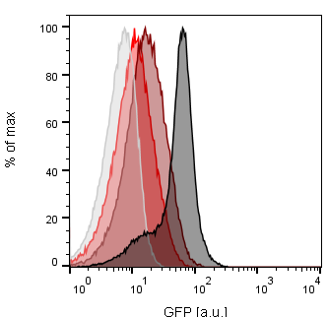

Exp. 2
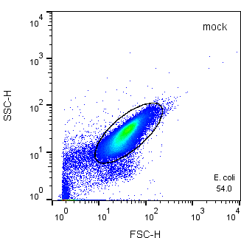


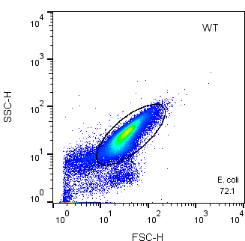

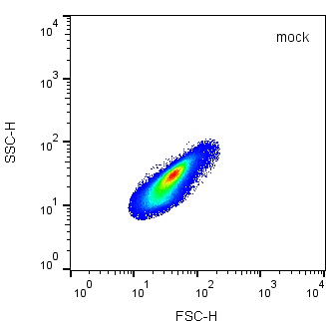
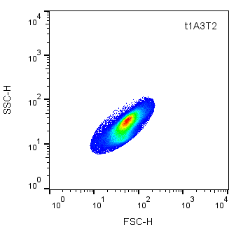
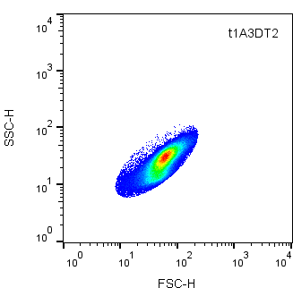




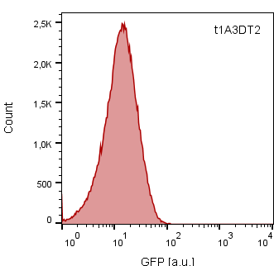
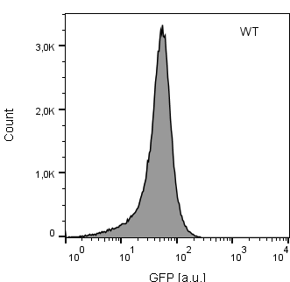
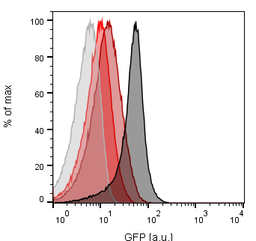

Exp. 3
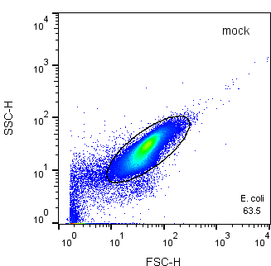

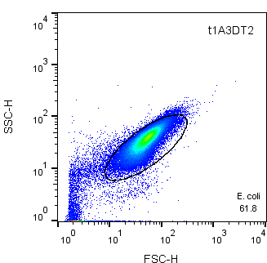
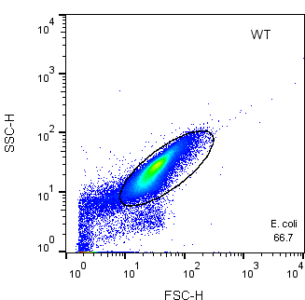

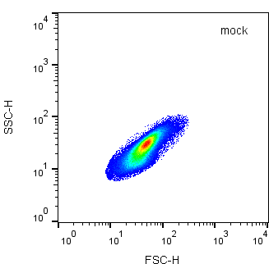





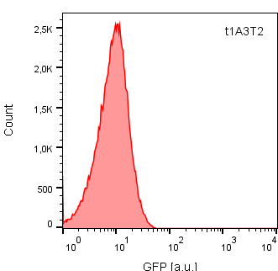


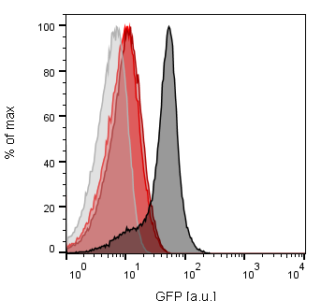

Exp. 4

Fig. S2a
anti-GFP
anti-GAPDH
anti-GFP
anti-GAPDH
anti-GFP
anti-GAPDH

Molecular mass of the ladder lanes (Prestained protein ladder, Thermo Fisher Scientific) from top to bottom: 180, 130, 100, 70, 55, 40, 35, 25, 15, 10 kDa.

Fig. S2b




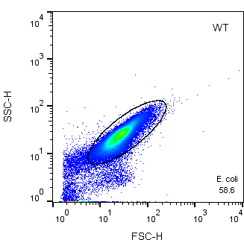
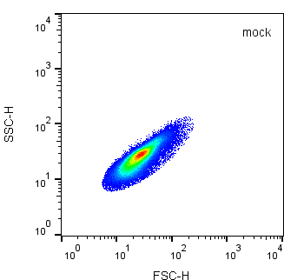



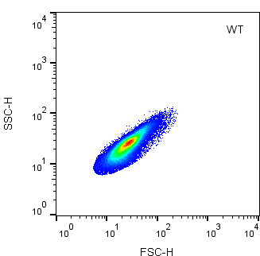

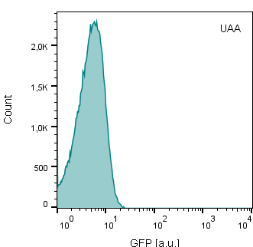
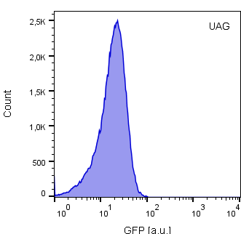
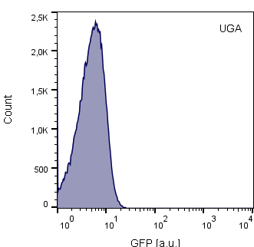
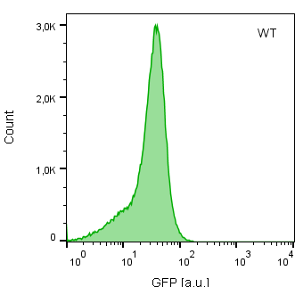
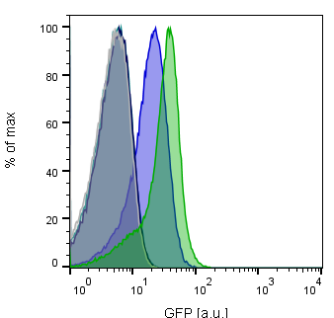
FACS (n=3) | relative GFP expression
GFP variant | Exp. 1 | Exp. 2 | Exp. 3 |  | Mean | SD
UAA | 0.04% | -0.25% | 1.04% |  | 0.28% | 0.67%
UAG | 49.88% | 44.63% | 50.90% |  | 48.47% | 3.36%
UGA | 0.16% | 0.05% | 1.36% |  | 0.52% | 0.73%
WT | 100.00% | 100.00% | 100.00% |  | 100.00% | 0.00%

Bulk fluorescence (n=4) | relative GFP expression
GFP variant | Exp. 1 | Exp. 2 | Exp. 3 | Exp. 4 |  | Mean | SD
UAA | 1.64% | 0.57% | -0.20% | 2.70% |  | 1.18% | 1.26%
UAG | 49.87% | 51.02% | 36.47% | 41.06% |  | 44.60% | 7.01%
UGA | 1.21% | 2.34% | 0.91% | 1.30% |  | 1.44% | 0.62%
WT | 100.00% | 100.00% | 100.00% | 100.00% |  | 100.00% | 0.00%

Exp. 1


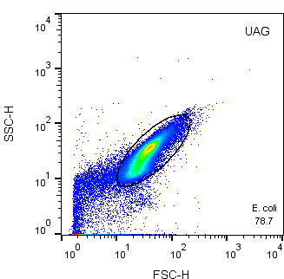










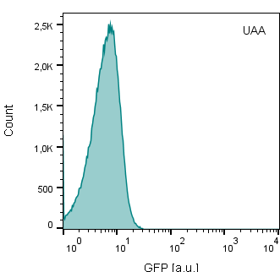
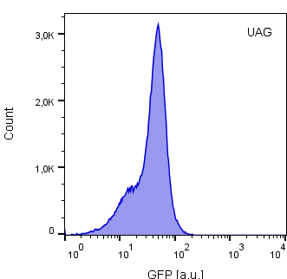
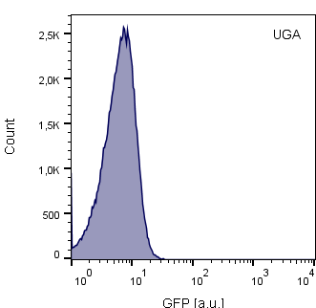
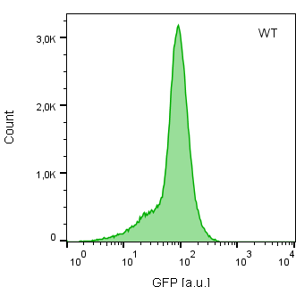
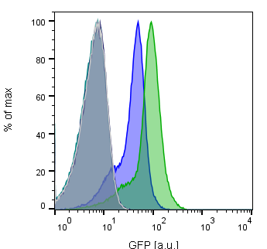

Exp. 2














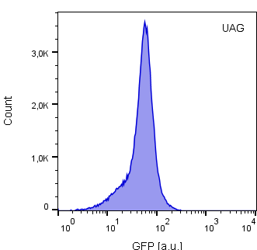
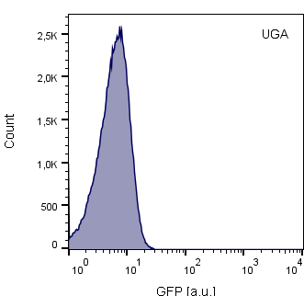



Exp. 3

Fig. S3a
anti-GFP
anti-GAPDH

Molecular mass of the ladder lanes (Prestained protein ladder, Thermo Fisher Scientific) from top to bottom: 180, 130, 100, 70, 55, 40, 35, 25, 15, 10 kDa.

Fig. S3b
anti-GFP
anti-GAPDH
anti-GFP
anti-GAPDH

Molecular mass of the ladder lanes (Prestained protein ladder, Thermo Fisher Scientific) from top to bottom: 180, 130, 100, 70, 55, 40, 35, 25, 15, 10 kDa.

Fig. S3d
anti-GFP
anti-GAPDH

Molecular mass of the ladder lanes (Prestained protein ladder, Thermo Fisher Scientific) from top to bottom: 180, 130, 100, 70, 55, 40, 35, 25, 15, 10 kDa.

Fig. S6a
anti-GFP

Molecular mass of the ladder lanes (Prestained protein ladder, Thermo Fisher Scientific) from top to bottom: 180, 130, 100, 70, 55, 40, 35, 25, 15, 10 kDa.

