top25
Rank | SourceID | Chemical_query | Biological_query | inchikey | SMILES | Structure | Structure closest DUB inhibitor | Similarity closest DUB inhibitor | PAINS | SureChEMBL | BMS | MLSMR | Dundee | Inpharmatica | Glaxo | LINT | TOTAL_ALERTS
1 | MolPort-009-100-062 | 1 | 1 | AVBDRDMLKWWZSQ-UHFFFAOYSA-N | Cc1cc(C(=O)Cn2ccc(C(F)(F)F)n2)c(C)n1-c1ccccc1 | 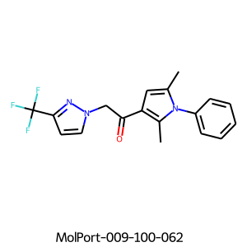 | 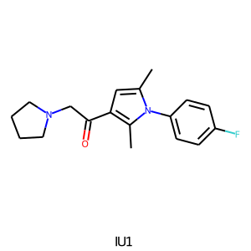 | 0.45 | 0 | 0 | 0 | 1 | 0 | 0 | 0 | 0 | 1
2 | PR619 20 | 0 | 0 | ZXOBLNBVNROVLC-UHFFFAOYSA-N | N#CSc1cc(SC#N)c(=N)[nH]c1N | 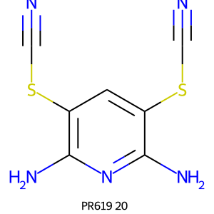 | 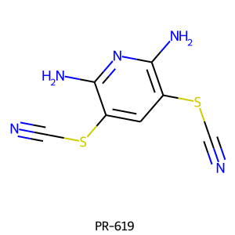 | 1 | 0 | 2 | 0 | 2 | 2 | 2 | 2 | 3 | 13
3 | Prestw-385 | 1 | 0 | KKZJGLLVHKMTCM-UHFFFAOYSA-N | O=C1c2c(O)ccc(O)c2C(=O)c2c(NCCNCCO)ccc(NCCNCCO)c21 | 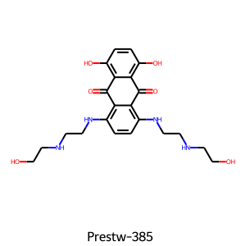 | 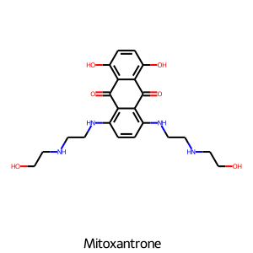 | 1 | 1 | 0 | 0 | 8 | 7 | 0 | 1 | 1 | 18
4 | T5870534 | 1 | 0 | QLVXYVHFVOZNKU-UHFFFAOYSA-N | CCOc1ccc(NC(=O)CN2CCC(n3c(O)nc4ccccc43)CC2)cc1 | 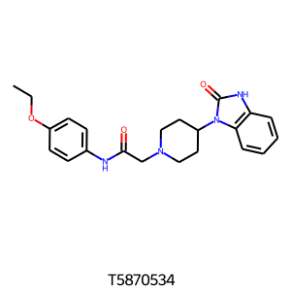 | 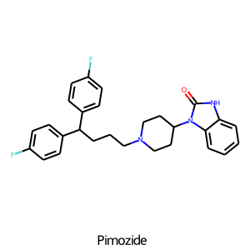 | 0.43 | 0 | 0 | 0 | 0 | 0 | 0 | 0 | 0 | 0
5 | Prestw-834 | 0 | 0 | YJQPYGGHQPGBLI-KGSXXDOSSA-N | CO[C@@H]1[C@@H](OC(=N)O)[C@@H](O)[C@H](Oc2ccc3c(O)c(NC(=O)c4ccc(O)c(CC=C(C)C)c4)c(=O)oc3c2C)OC1(C)C | 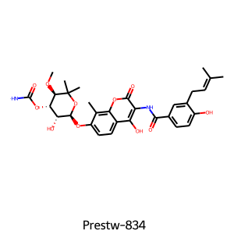 | 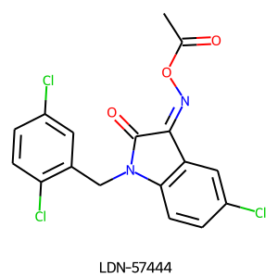 | 0.13 | 0 | 1 | 0 | 2 | 5 | 1 | 0 | 1 | 10
6 | OMN-3-0167 | 1 | 0 | TWOOIIMKVHRYNG-VKAVYKQESA-N | O=C1/C(=N\O)c2ccccc2N1Cc1cccc(Br)c1 | 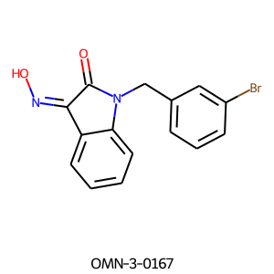 |  | 0.29 | 0 | 1 | 2 | 0 | 2 | 1 | 0 | 3 | 9
7 | Prestw-838 | 0 | 1 | GSVQIUGOUKJHRC-YFKPBYRVSA-N | CC(=O)N(C[C@H](C)C(=O)O)c1c(I)cc(I)c(N)c1I | 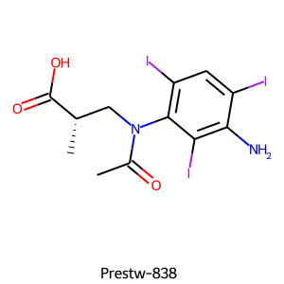 | 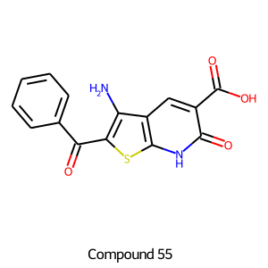 | 0.17 | 0 | 2 | 0 | 3 | 4 | 3 | 0 | 7 | 19
8 | OMN-3-0312 | 1 | 0 | ZPZFLFFXMIEOJF-OWBHPGMISA-N | O=C1/C(=N\O)c2ccccc2N1Cc1ccoc1 | 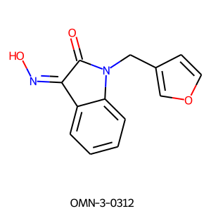 |  | 0.28 | 0 | 1 | 2 | 0 | 2 | 0 | 0 | 1 | 6
9 | MolPort-020-097-040 | 0 | 0 | WTLVWFIMQKLOFA-UHFFFAOYSA-N | Nc1nccnc1C(=O)N1CCN(CC(=O)N2CCCCC2)CC1 | 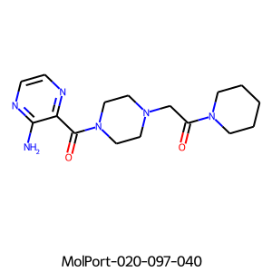 | 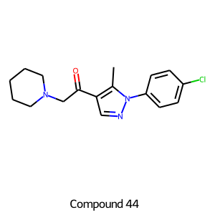 | 0.25 | 0 | 0 | 0 | 0 | 0 | 0 | 0 | 1 | 1
10 | OMN-3-0341 | 1 | 0 | DNBQAXCNAFQIJH-ATVHPVEESA-N | O=C1/C(=N\O)c2cccnc2N1Cc1cccc(Cl)c1 | 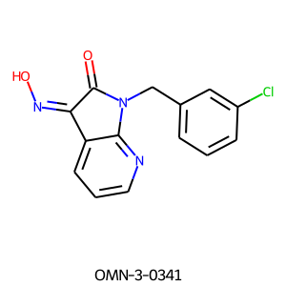 |  | 0.3 | 0 | 1 | 2 | 0 | 2 | 0 | 0 | 1 | 6
11 | Prestw-371 | 1 | 1 | ZCVMWBYGMWKGHF-UHFFFAOYSA-N | CN1CCC(=C2c3ccccc3CC(=O)c3sccc32)CC1 | 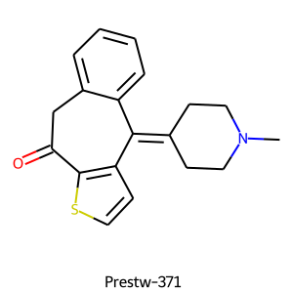 | 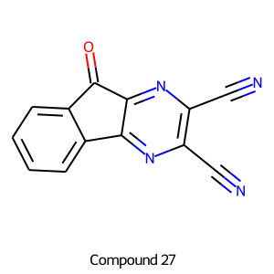 | 0.18 | 0 | 0 | 0 | 1 | 0 | 0 | 0 | 0 | 1
12 | Prestw-52 | 1 | 1 | FFGPTBGBLSHEPO-UHFFFAOYSA-N | N=C(O)N1c2ccccc2C=Cc2ccccc21 | 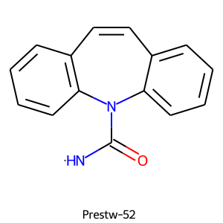 | 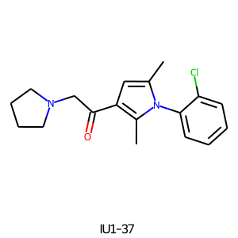 | 0.21 | 0 | 1 | 0 | 1 | 4 | 0 | 0 | 1 | 7
13 | OMN-3-0273 | 1 | 0 | XJIZTWNGYRPKDJ-UHFFFAOYSA-N | Cc1cccc(CN2C(=O)C(=O)c3cc(Br)ccc32)c1 | 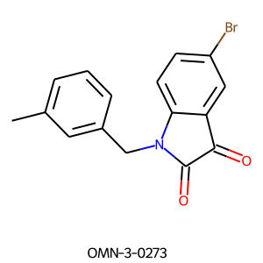 |  | 0.26 | 0 | 0 | 0 | 1 | 1 | 2 | 0 | 2 | 6
14 | OMN-3-0311 | 1 | 0 | IBBNSQXJPCNRJD-OWBHPGMISA-N | O=C1/C(=N\O)c2ccccc2N1Cc1cccs1 | 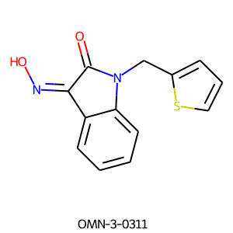 |  | 0.28 | 0 | 1 | 2 | 0 | 2 | 0 | 0 | 1 | 6
15 | Prestw-722 | 1 | 1 | XOZLRRYPUKAKMU-UHFFFAOYSA-N | Cc1c(NC(C)C)c(=O)n(-c2ccccc2)n1C | 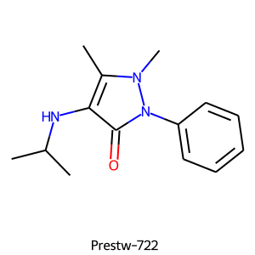 |  | 0.2 | 0 | 0 | 0 | 0 | 0 | 0 | 0 | 0 | 0
16 | Prestw-994 | 0 | 1 | BKYKPTRYDKTTJY-ZDUSSCGKSA-N | NS(=O)(=O)c1cc2c(cc1Cl)N[C@H](CC1CCCC1)NS2(=O)=O | 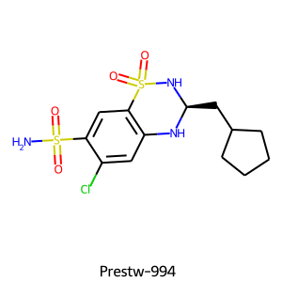 |  | 0.13 | 0 | 0 | 0 | 0 | 0 | 0 | 0 | 0 | 0
17 | PR619 10 | 0 | 0 | ZXOBLNBVNROVLC-UHFFFAOYSA-N | N#CSc1cc(SC#N)c(=N)[nH]c1N | 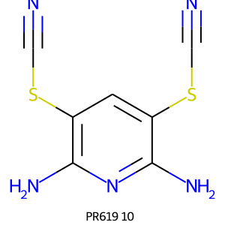 |  | 1 | 0 | 2 | 0 | 2 | 2 | 2 | 2 | 3 | 13
18 | Prestw-340 | 1 | 0 | FGXWKSZFVQUSTL-UHFFFAOYSA-N | Oc1nc2ccccc2n1CCCN1CCC(n2c(O)nc3cc(Cl)ccc32)CC1 | 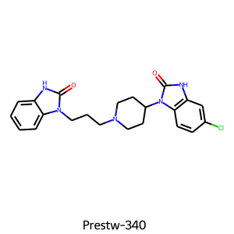 |  | 0.55 | 0 | 0 | 0 | 0 | 0 | 0 | 0 | 0 | 0
19 | Prestw-754 | 1 | 1 | RDJGLLICXDHJDY-LLVKDONJSA-N | C[C@@H](C(=O)O)c1cccc(Oc2ccccc2)c1 | 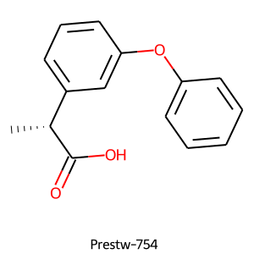 | 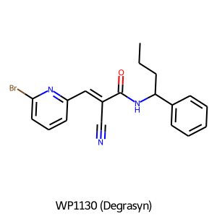 | 0.22 | 0 | 0 | 0 | 0 | 0 | 0 | 0 | 0 | 0
20 | T5685103 | 1 | 0 | OZMDZJFIKBPMGV-UHFFFAOYSA-N | O=C(Cc1csc(-c2ccc(F)cc2)n1)N1CCC(n2c(O)nc3ccccc32)CC1 | 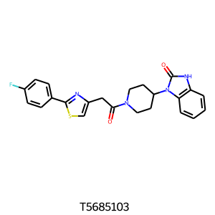 |  | 0.47 | 0 | 0 | 0 | 0 | 0 | 0 | 0 | 0 | 0
21 | OMN-3-0343 | 1 | 0 | ZRWGPYZPNYWMKX-ATVHPVEESA-N | O=C1/C(=N\O)c2cccnc2N1Cc1cccc(Br)c1 |  |  | 0.22 | 0 | 1 | 2 | 0 | 2 | 1 | 0 | 3 | 9
22 | MolPort-001-933-591 | 1 | 1 | VZAQIIHRUYXZOL-UHFFFAOYSA-N | N=c1nc2[nH]c(SCC(=O)O)nc2c(N)[nH]1 | 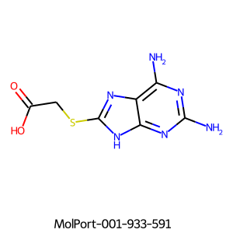 |  | 0.15 | 0 | 0 | 0 | 0 | 0 | 0 | 0 | 1 | 1
23 | Prestw-1118 | 0 | 0 | HVFLCNVBZFFHBT-ZKDACBOMSA-O | CO/N=C(\C(O)=N[C@@H]1C(=O)N2C(C(=O)O)=C(C[N+]3(C)CCCC3)CS[C@H]12)c1csc(=N)[nH]1 | 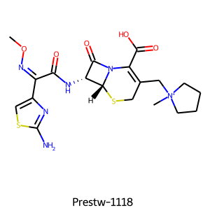 | 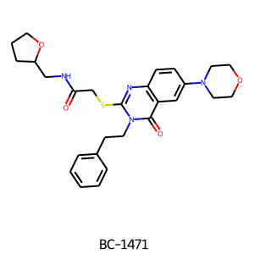 | 0.14 | 0 | 2 | 1 | 1 | 5 | 2 | 1 | 2 | 14
24 | AG-690/40696652 | 0 | 1 | VFGMLIIXXTWJQD-UHFFFAOYSA-N | O=C(CSc1nnc(-c2cccnc2)o1)N(c1ccccc1)c1ccc2ccccc2c1 | 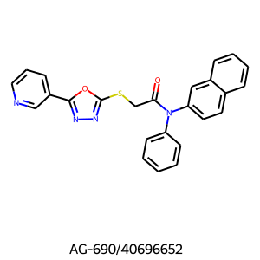 | 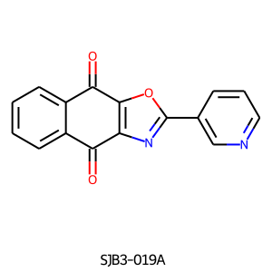 | 0.32 | 0 | 0 | 0 | 0 | 0 | 0 | 0 | 0 | 0
25 | OMN-3-0377 | 1 | 0 | HWEKUHPUKOINEQ-LNVKXUELSA-N | Cc1cccc(CN2C(=O)/C(=N\Oc3ccccc3)c3ccccc32)c1 | 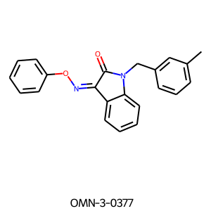 |  | 0.35 | 0 | 1 | 0 | 0 | 2 | 1 | 0 | 1 | 5

