Supplementary Fig. 1a
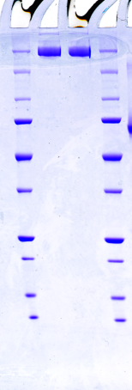
Supplementary Fig. 1a

Supplementary Fig. 1c
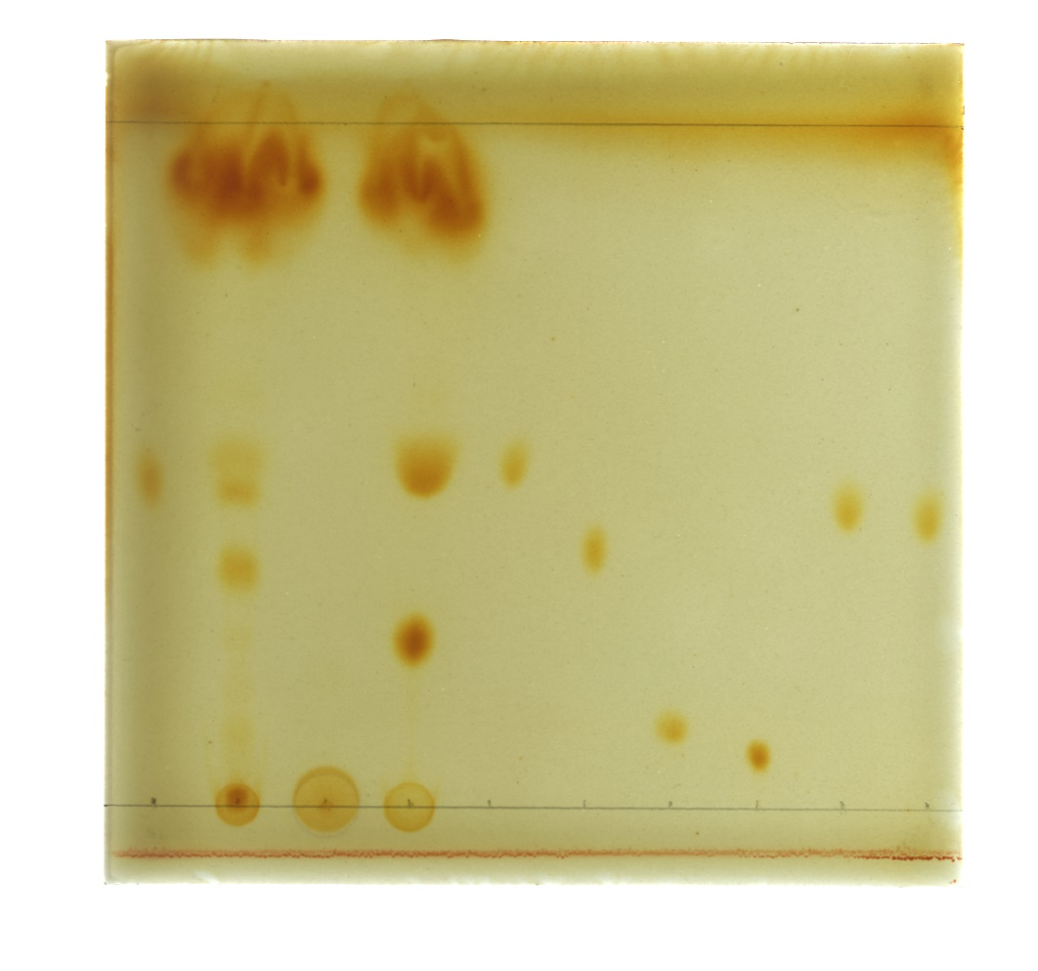
Supplementary Fig. 1c

c

