Figure 5E (left)
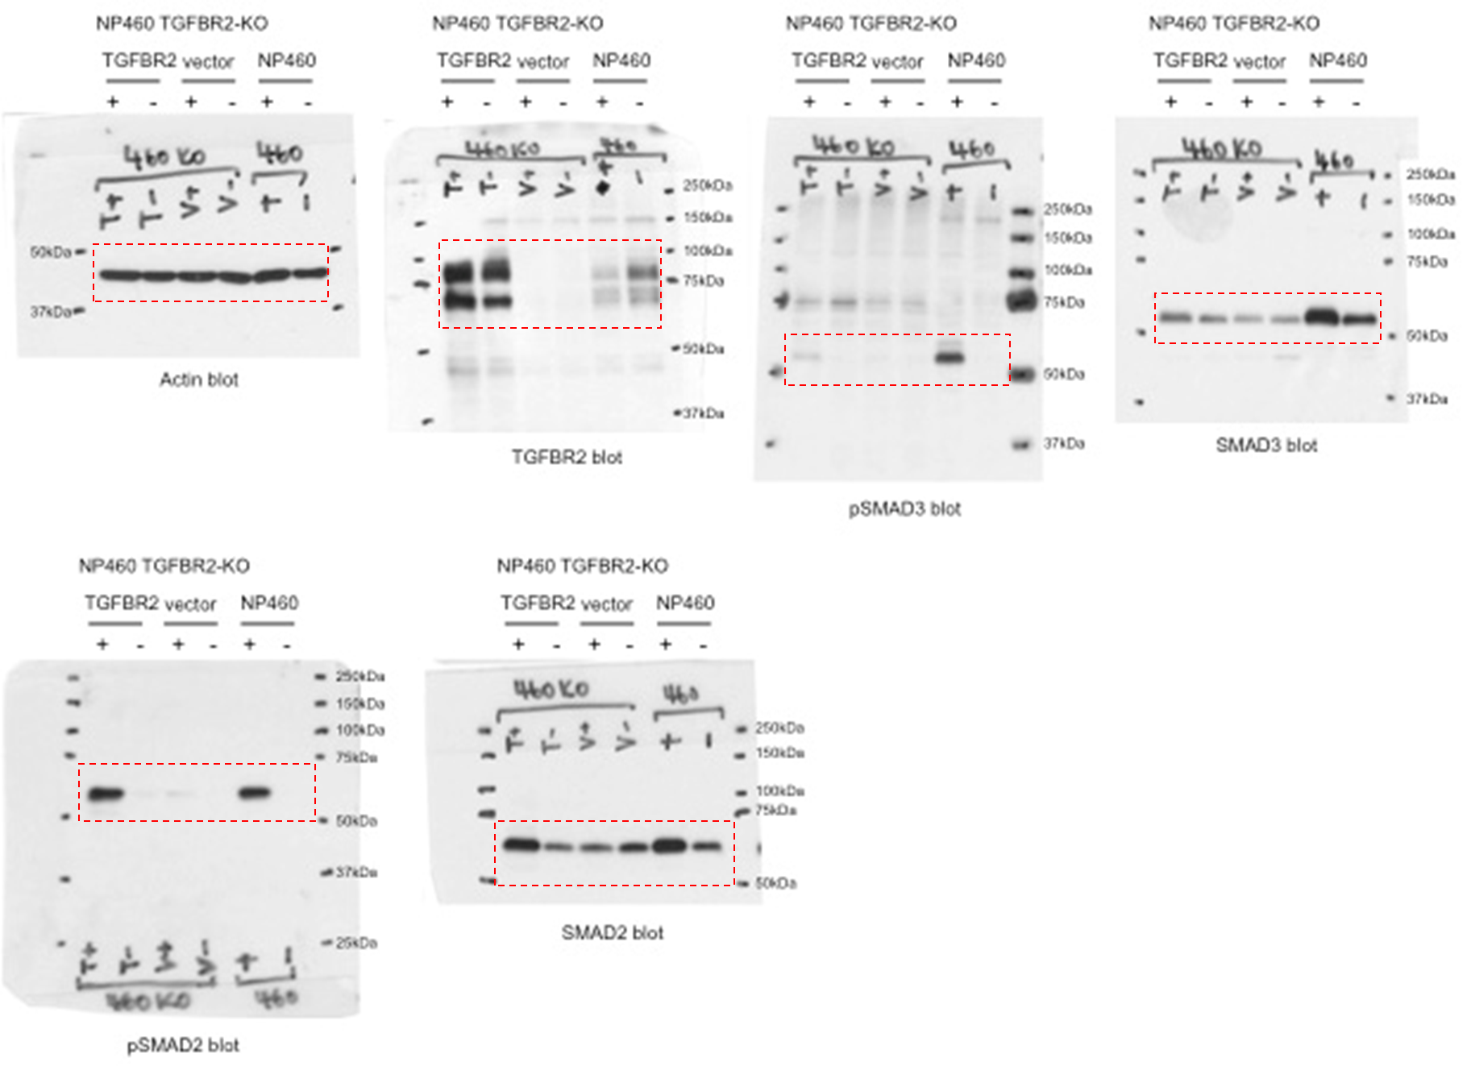
Figure 5E (left) Full scan images:

FIgure 5F
Figure 5F Source data
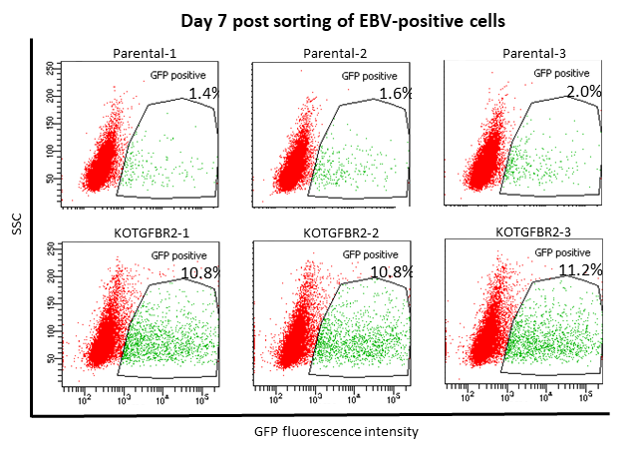
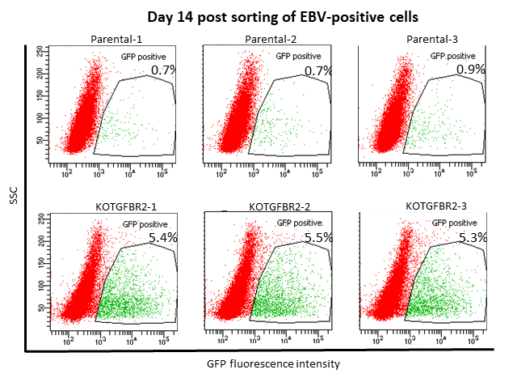
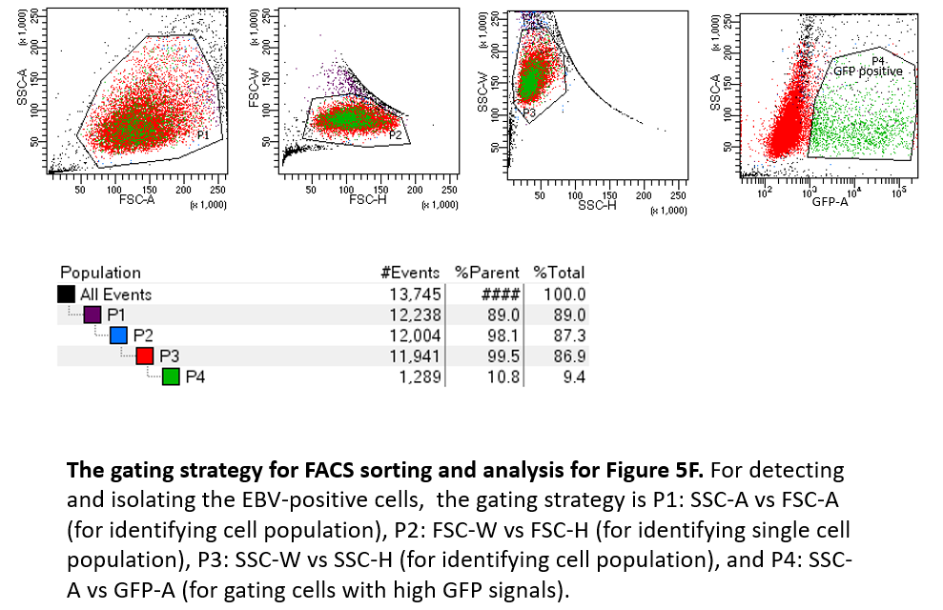

EBV positive cells (%)
 | Day 7 |  |  | Day 14
parental | 1.49 | 1.69 | 2 | 0.7 | 0.7 | 0.9
TGFBR2-KO | 10.89 | 10.89 | 11.2 | 5.4 | 5.5 | 5.3

graph plotted using Prism 6, t-test

Suppl Figure S8A
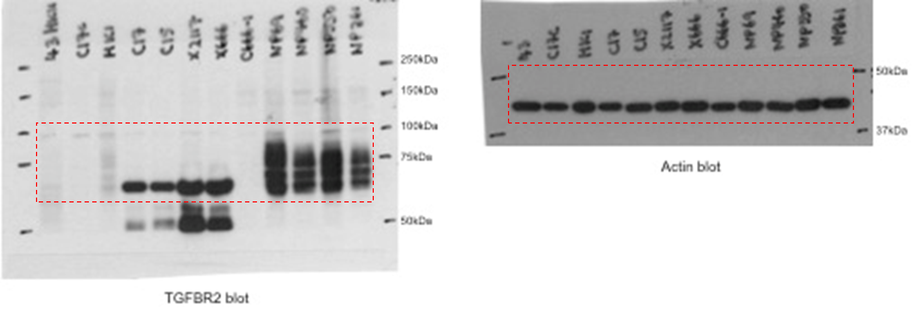
Supplementary Figure 8A Full scan images:

Suppl Figure S8B
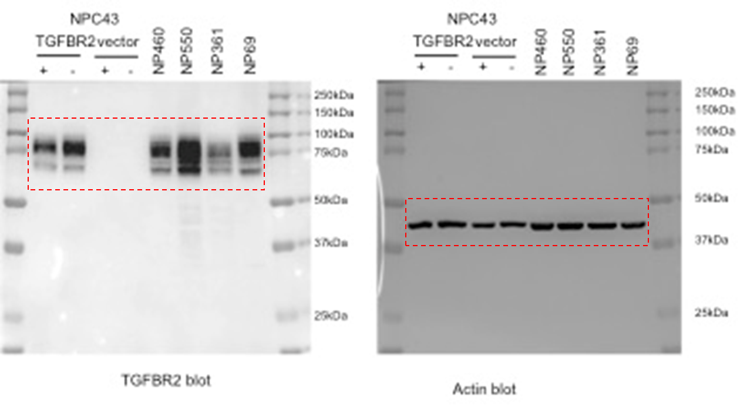
Supplementary Figure 8B Full scan images:

