Figure 6
Figure 6d
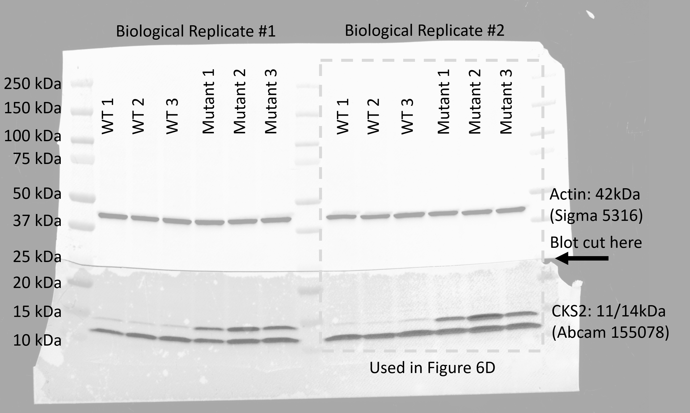

Quantification for 6d |  | WT |  |  | Mutant
 | Total | 0.97143 | 0.990754 | 1.043068 | 1.616333 | 2.214405 | 1.705587
 | High | 0.047036 | 0.054627 | 0.097428 | 0.608239 | 1.099063 | 0.683599
 | Low | 0.924393 | 0.936127 | 0.945641 | 1.008094 | 1.115343 | 1.021988

Figure 6e | WT | Mutant
 | 0.19171774909 | 0.13252739443
 | 0.1399867031 | 0.12476942143
 | 0.12595753825 | 0.1699710792
 | 0.13952285085 | 0.11997336418
 | 0.14523296606 | 0.16561948126
 | 0.12337664949 | 0.13450946178

Fig S11
Fig S11a | NUMA1 wt barcode 5 | NUMA1 mut barcode 6 | NUMA1 wt barcode 7 | NUMA1 mut barcode 8
 | 3671.53598 | 2509.73543 | 3428.95111 | 2751.89361
 | 4133.4526 | 3455.88684 | 4410.46044 | 2709.67247
 | 5068.19788 | 3002.62485 |  | 2750.24605
 | 5150.28639

Fig S11b | AKT3 wt barcode 9 | AKT3 mut barcode 10 | AKT3 wt barcode 11 | AKT3 mut barcode 12
 | 3578.1396 | 4117.70689 | 2812.538 | 3521.214
 | 3995.46077 | 4637.71608 | 2617.628 | 3959.455
 | 3771.62751 | 4634.11292 | 2230.3 | 4632.174
 |  | 4159.43623 | 1765.96 | 4972.507
 |  |  | 987.6309 | 3537.436

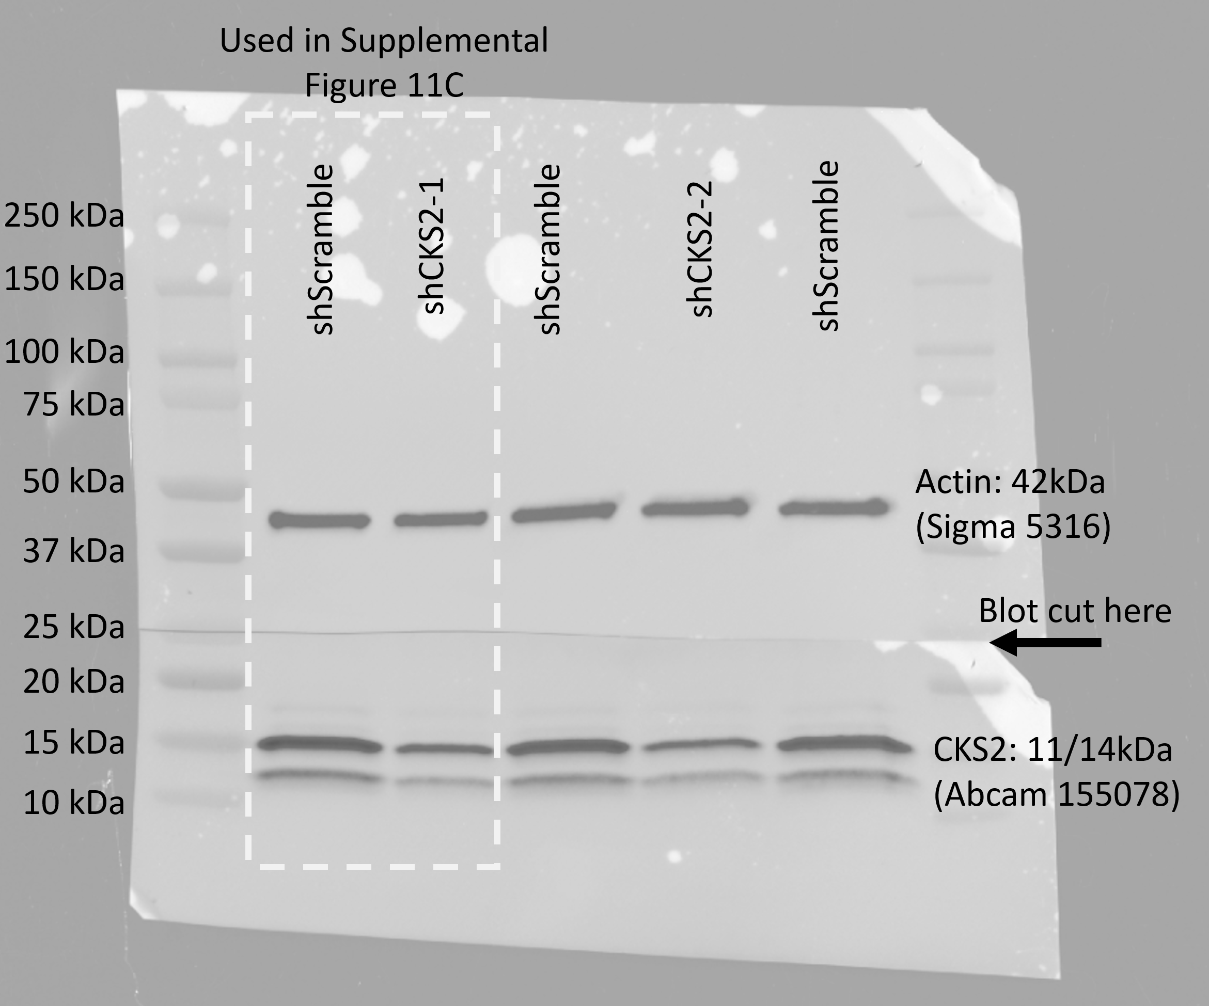
Fig S11c

