Figure 3F
Original, uncropped TLC plates images for Fig. 3F

 | Construct | TLC plate
 | W30P | TLC 1
 | L59N | TLC 1
 | H85A | TLC 4
 | H85N | TLC 4
 | H85Q | TLC 4 and TLC 6
 | H85E | TLC 4
 | H85R | TLC 1
 | F86T | TLC 2
 | D88A | TLC 2
 | D88N | TLC 2
 | D88E | TLC 2
 | K90A | TLC 1
 | H153A | TLC 5
 | H153N | TLC 5
 | H153Q | TLC 5
 | H153D | TLC 3 and TLC 7
 | H153E | TLC 5 and TLC 6
 | H153R | TLC 3
 | F157A | TLC 3
 | N159D | TLC 3
 | W162A | TLC 7
 | WT | All TLC plates
 | No Lit | All TLC plates

TLC 1 |  |  | TLC 2 | TLC 3

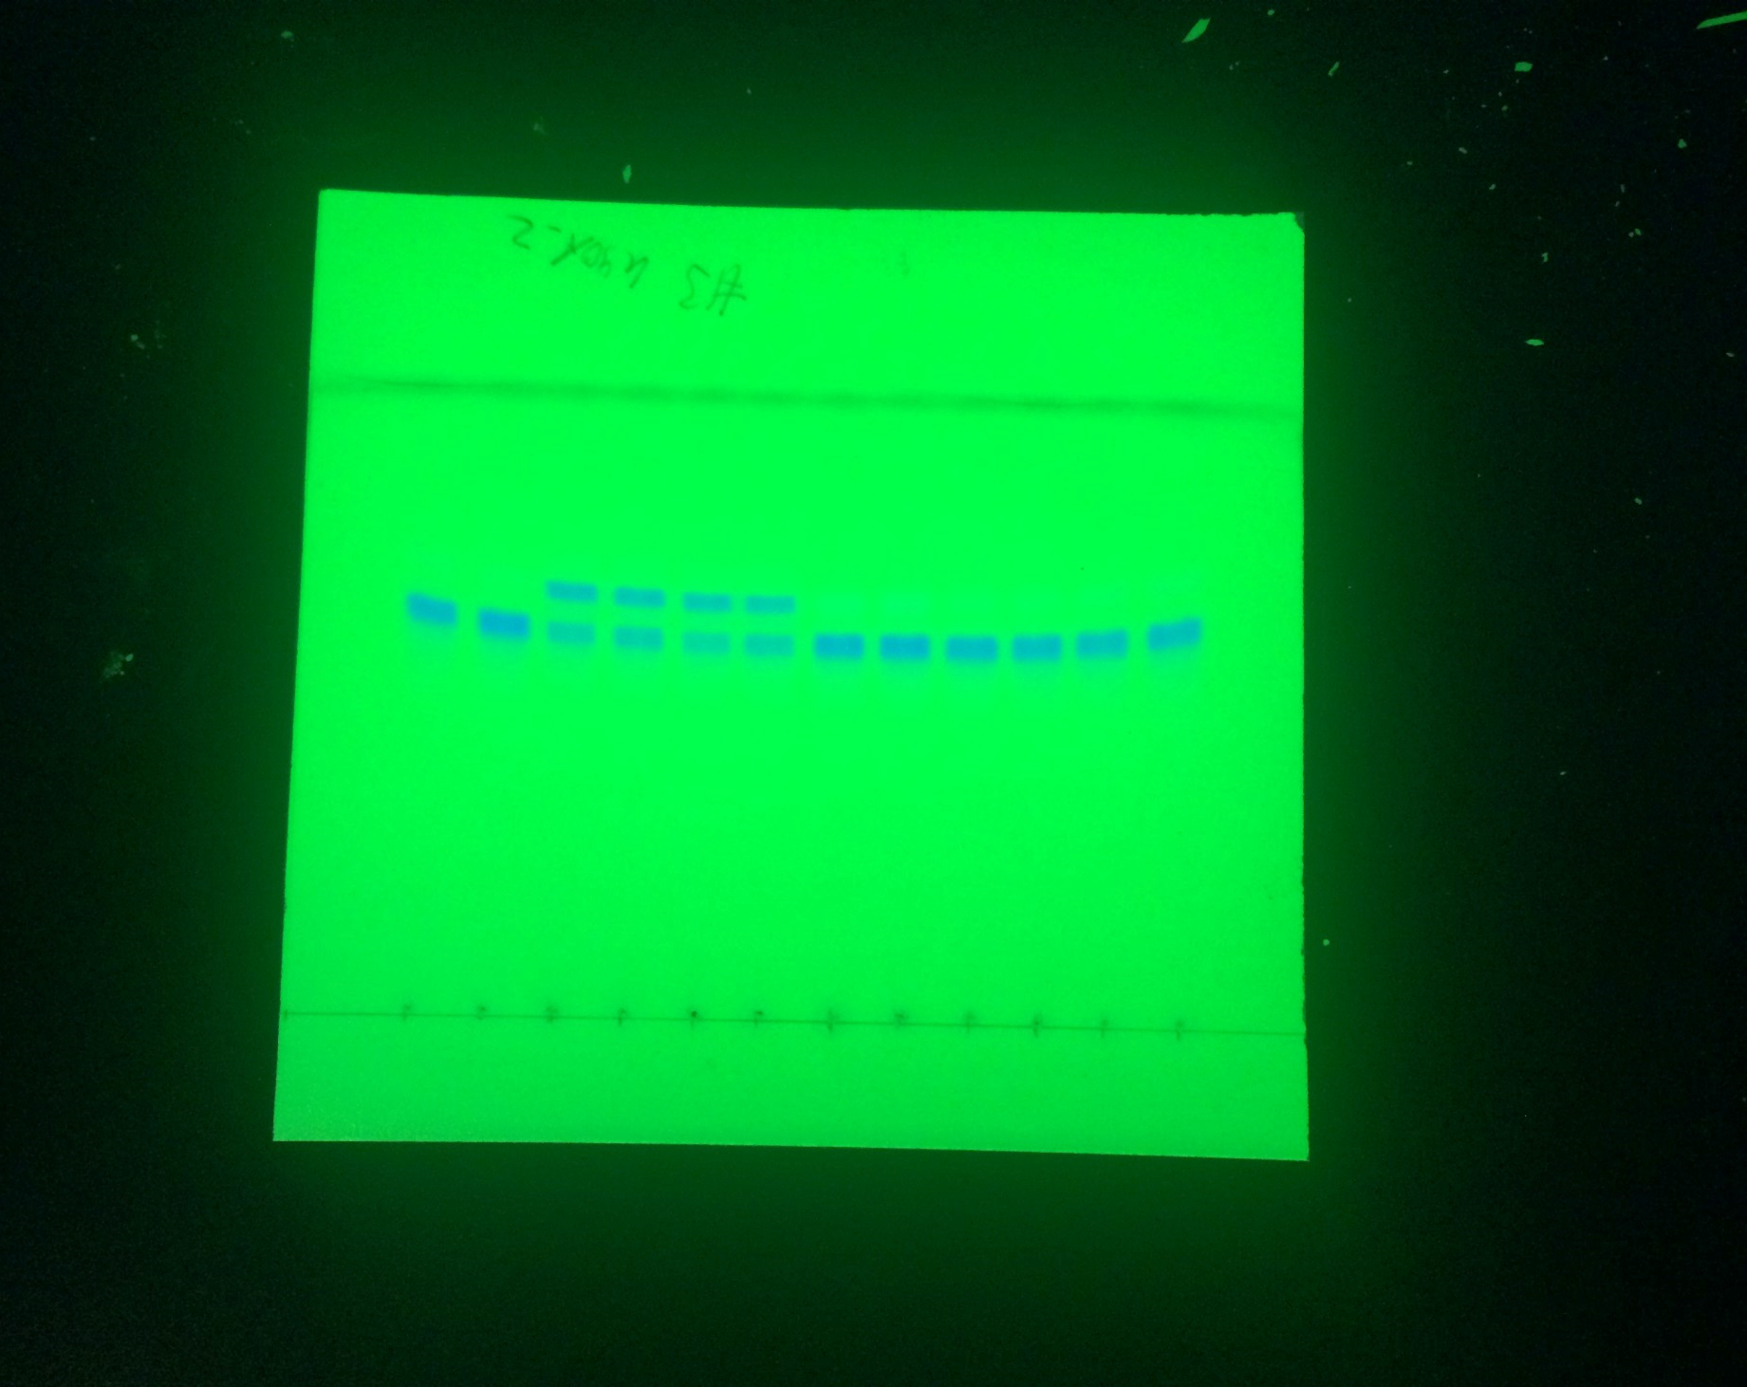
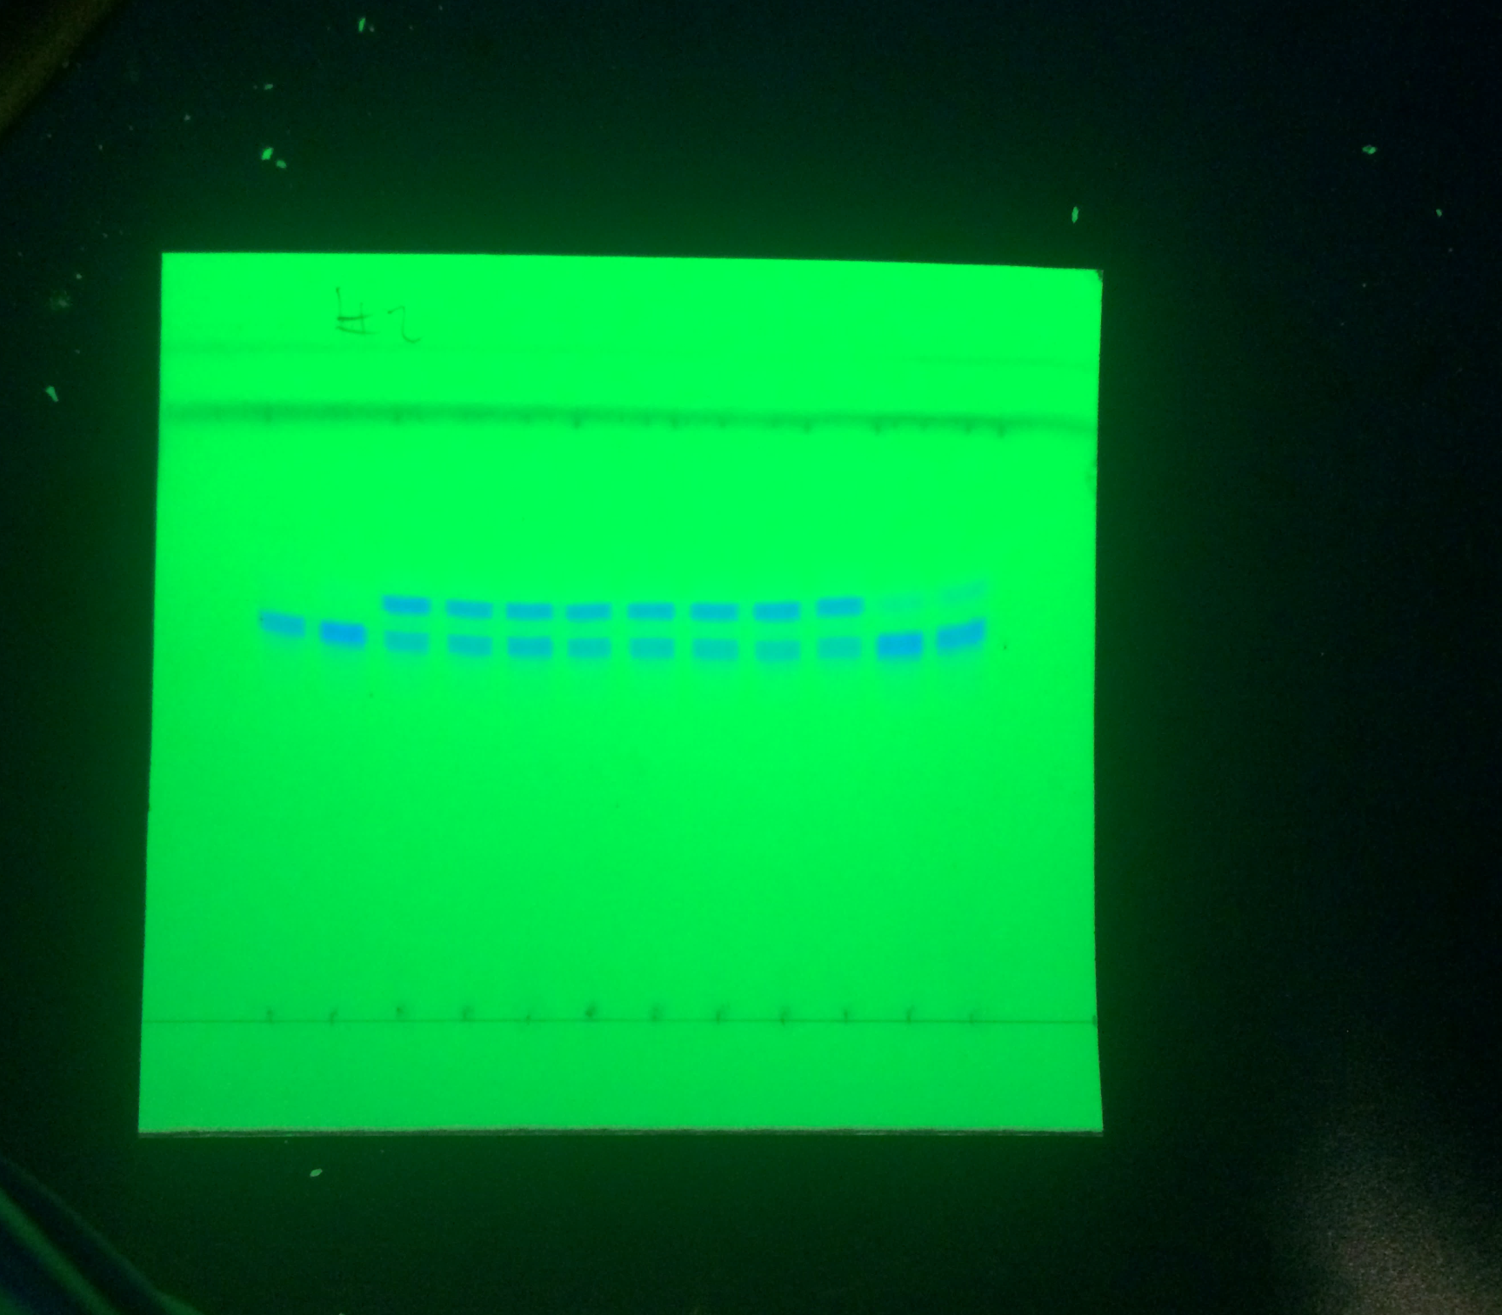
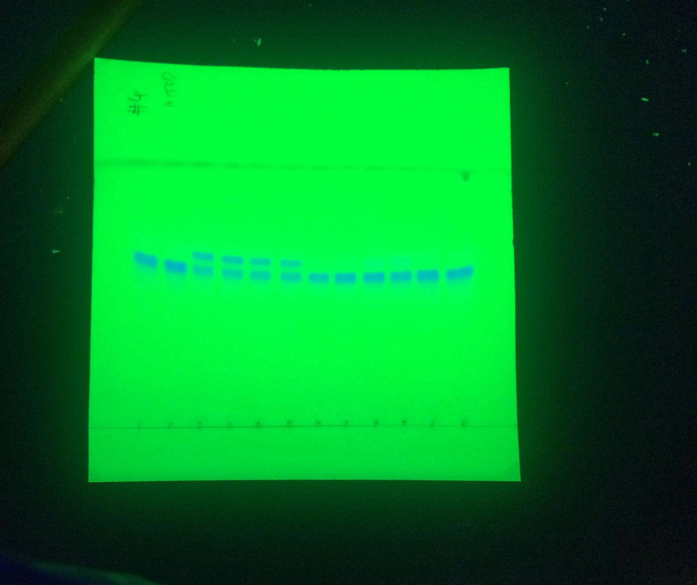

1: no enzyme
2: no enzyme
3: LitBce WT
4: LitBce WT
5: LitBce W30P
6: LitBce W30P
7: LitBce L59N
8: LitBce L59N
9: LitBce H85R
10: LitBce H85R
11: LitBce K90A
12: LitBce K90A
front
front
front
1: no enzyme
2: no enzyme
3: LitBce WT
4: LitBce WT
5: LitBce N159D
6: LitBce N159D
7: LitBce F157A
8: LitBce F157A
9: LitBce H153D*
10: LitBce H153D*
11: LitBce H153R
12: LitBce H153R
*The product band could not be accurately quantified, *Replicate measurements on TLC 7 were plotted in Fig. 3F

1: no enzyme
2: no enzyme
3: LitBce WT
4: LitBce WT
5: LitBce D88A
6: LitBce D88A
7: LitBce D88N
8: LitBce D88N
9: LitBce D88E
10: LitBce D88E
11: LitBce F86T
12: LitBce F86T
product
Substrate
Product
Product
Substrate
Substrate

origin
origin
1 2 3 4 5 6 7 8 9 10 11 12
origin
1 2 3 4 5 6 7 8 9 10 11 12
- Lit WT W30P L59N H85R K90A
1 2 3 4 5 6 7 8 9 10 11 12
- Lit WT N159D F157A H153D H153R
- Lit WT D88A D88N D88E F86T

TLC 4 |  |  | TLC 5 |  | TLC 6 | TLC 7

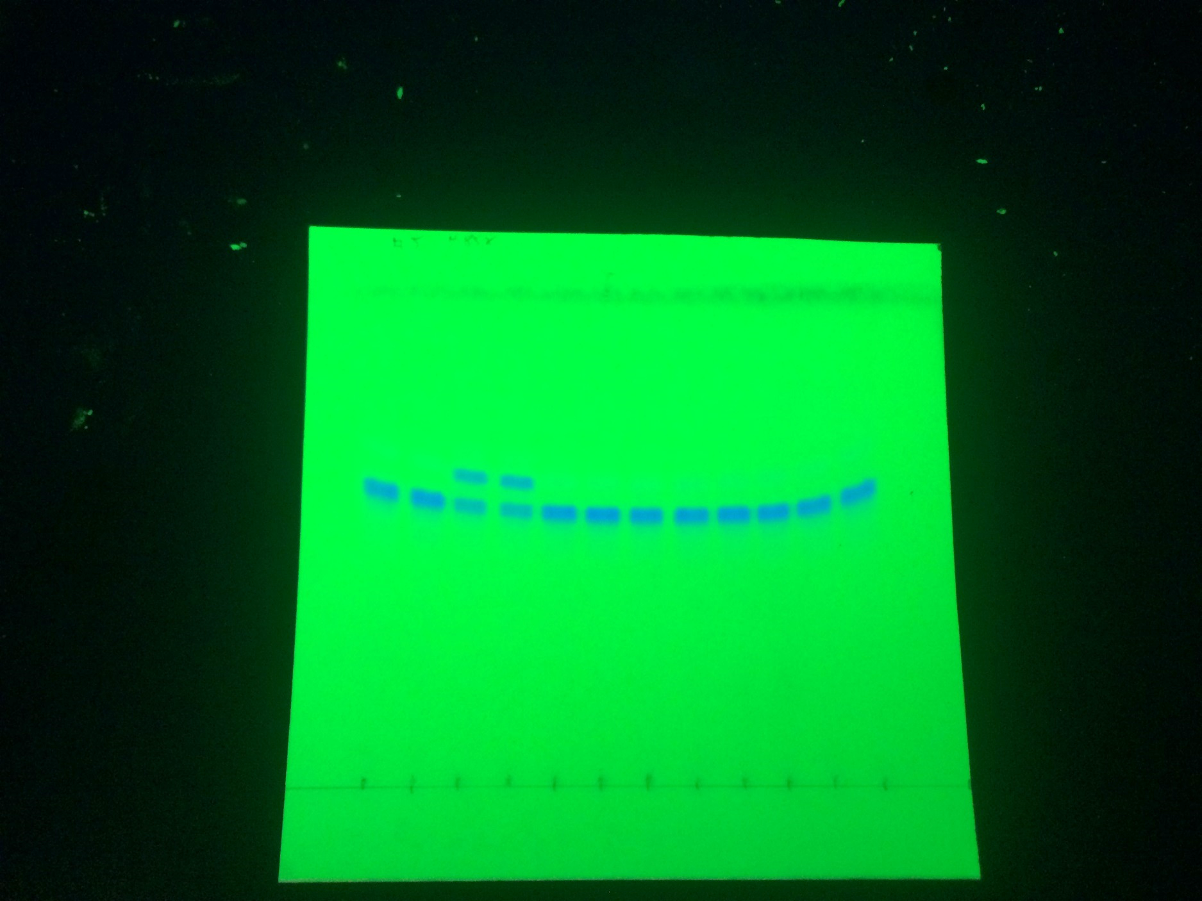
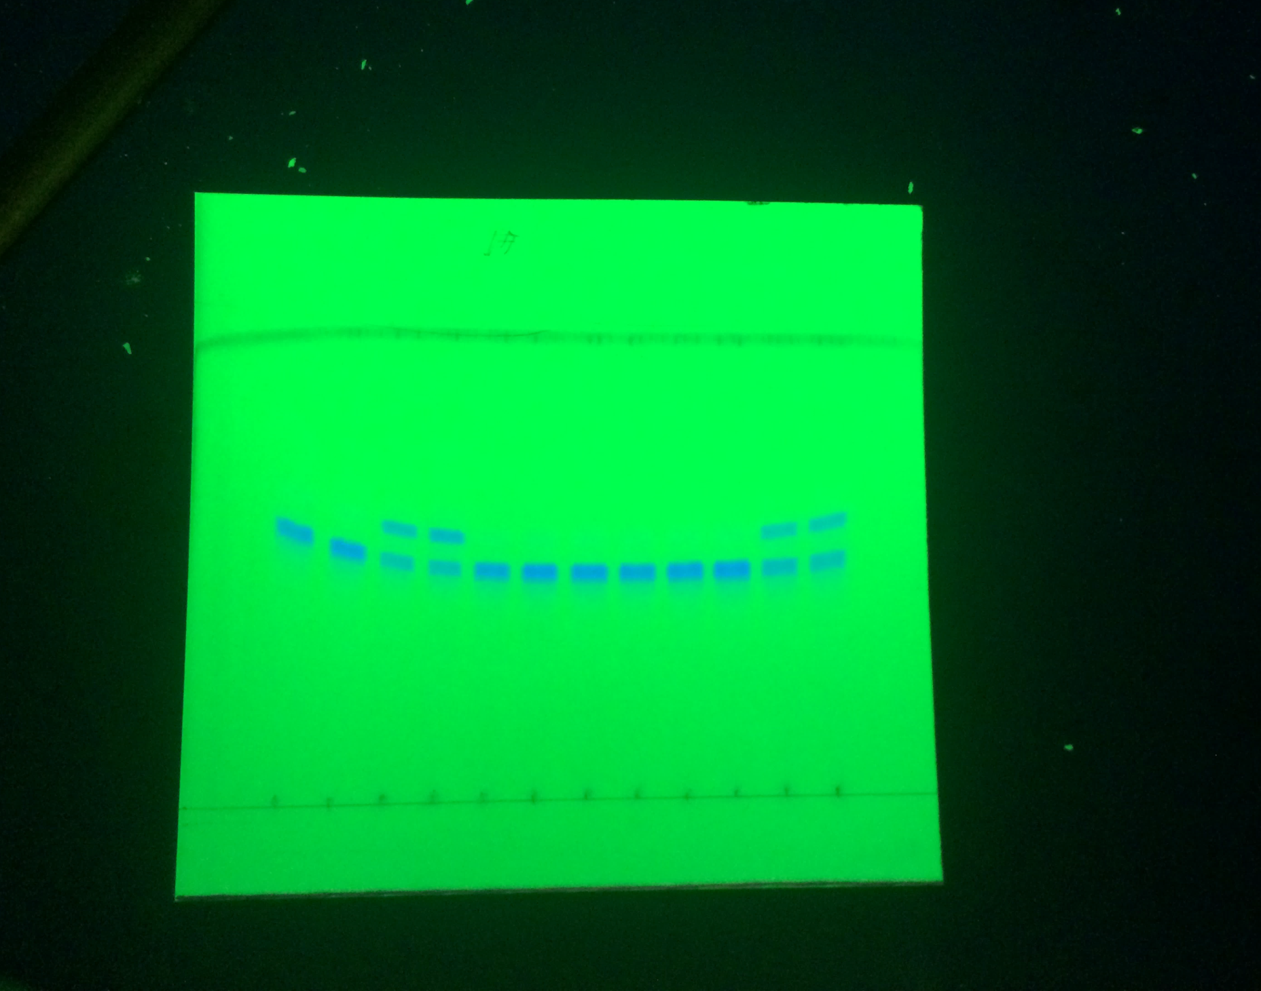
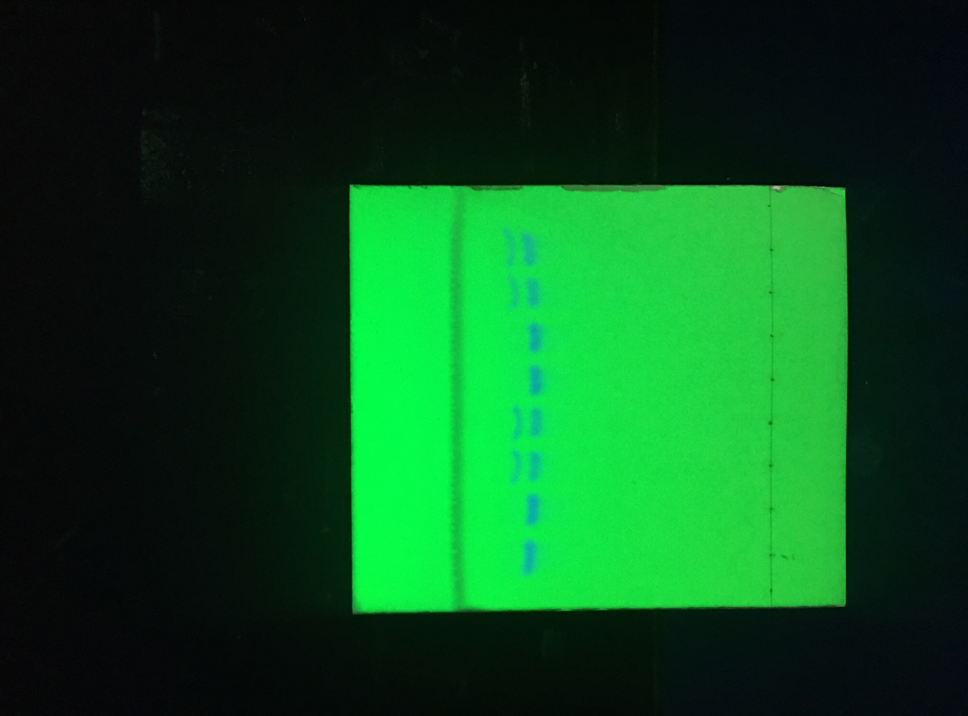
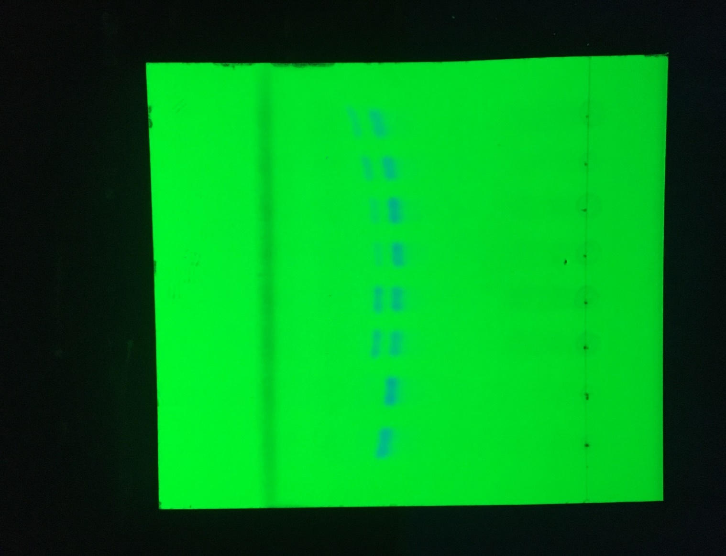

front
1: no enzyme
2: no enzyme
3: LitBce WT
4: LitBce WT
5: LitBce H153A
6: LitBce H153A
7: LitBce H153N
8: LitBce H153N
9: LitBce H153Q
10: LitBce H153Q
11: LitBce H153E*
12: LitBce H153E*
*Replicate measurements on TLC 6 were plotted in Fig. 3F
1: no enzyme
2: no enzyme
3: LitBce WT
4: LitBce WT
5: LitBce H85A
6: LitBce H85A
7: LitBce H85N
8: LitBce H85N
9: LitBce H85Q*
10: LitBce H85Q*
11: LitBce H85E
12: LitBce H85E
*Replicate measurements on TLC 6 were plotted in Fig. 3F
front
front
1: no enzyme
2: no enzyme
3: LitBce WT
4: LitBce WT
5: LitBce H153D
6: LitBce H153D
7: LitBce W162A
8: LitBce W162A

1: no enzyme
2: no enzyme
3: LitBce WT
4: LitBce WT
5: LitBce H85Q
6: LitBce H85Q
7: LitBce H153E
8: LitBce H153E
Product
Product
Substrate
Product
front
Substrate
Substrate
Product
Substrate

origin

origin
1 2 3 4 5 6 7 8 9 10 11 12
origin
1 2 3 4 5 6 7 8 9 10 11 12
origin
1 2 3 4 5 6 7 8
- Lit WT H153A H153N H153Q H153E
1 2 3 4 5 6 7 8
- Lit WT H85A H85N H85Q H85E
- Lit WT H153D W162A
- Lit WT H85Q H153E

Supplementary Figure 9
Original, uncropped TLC images

Fig. S9A

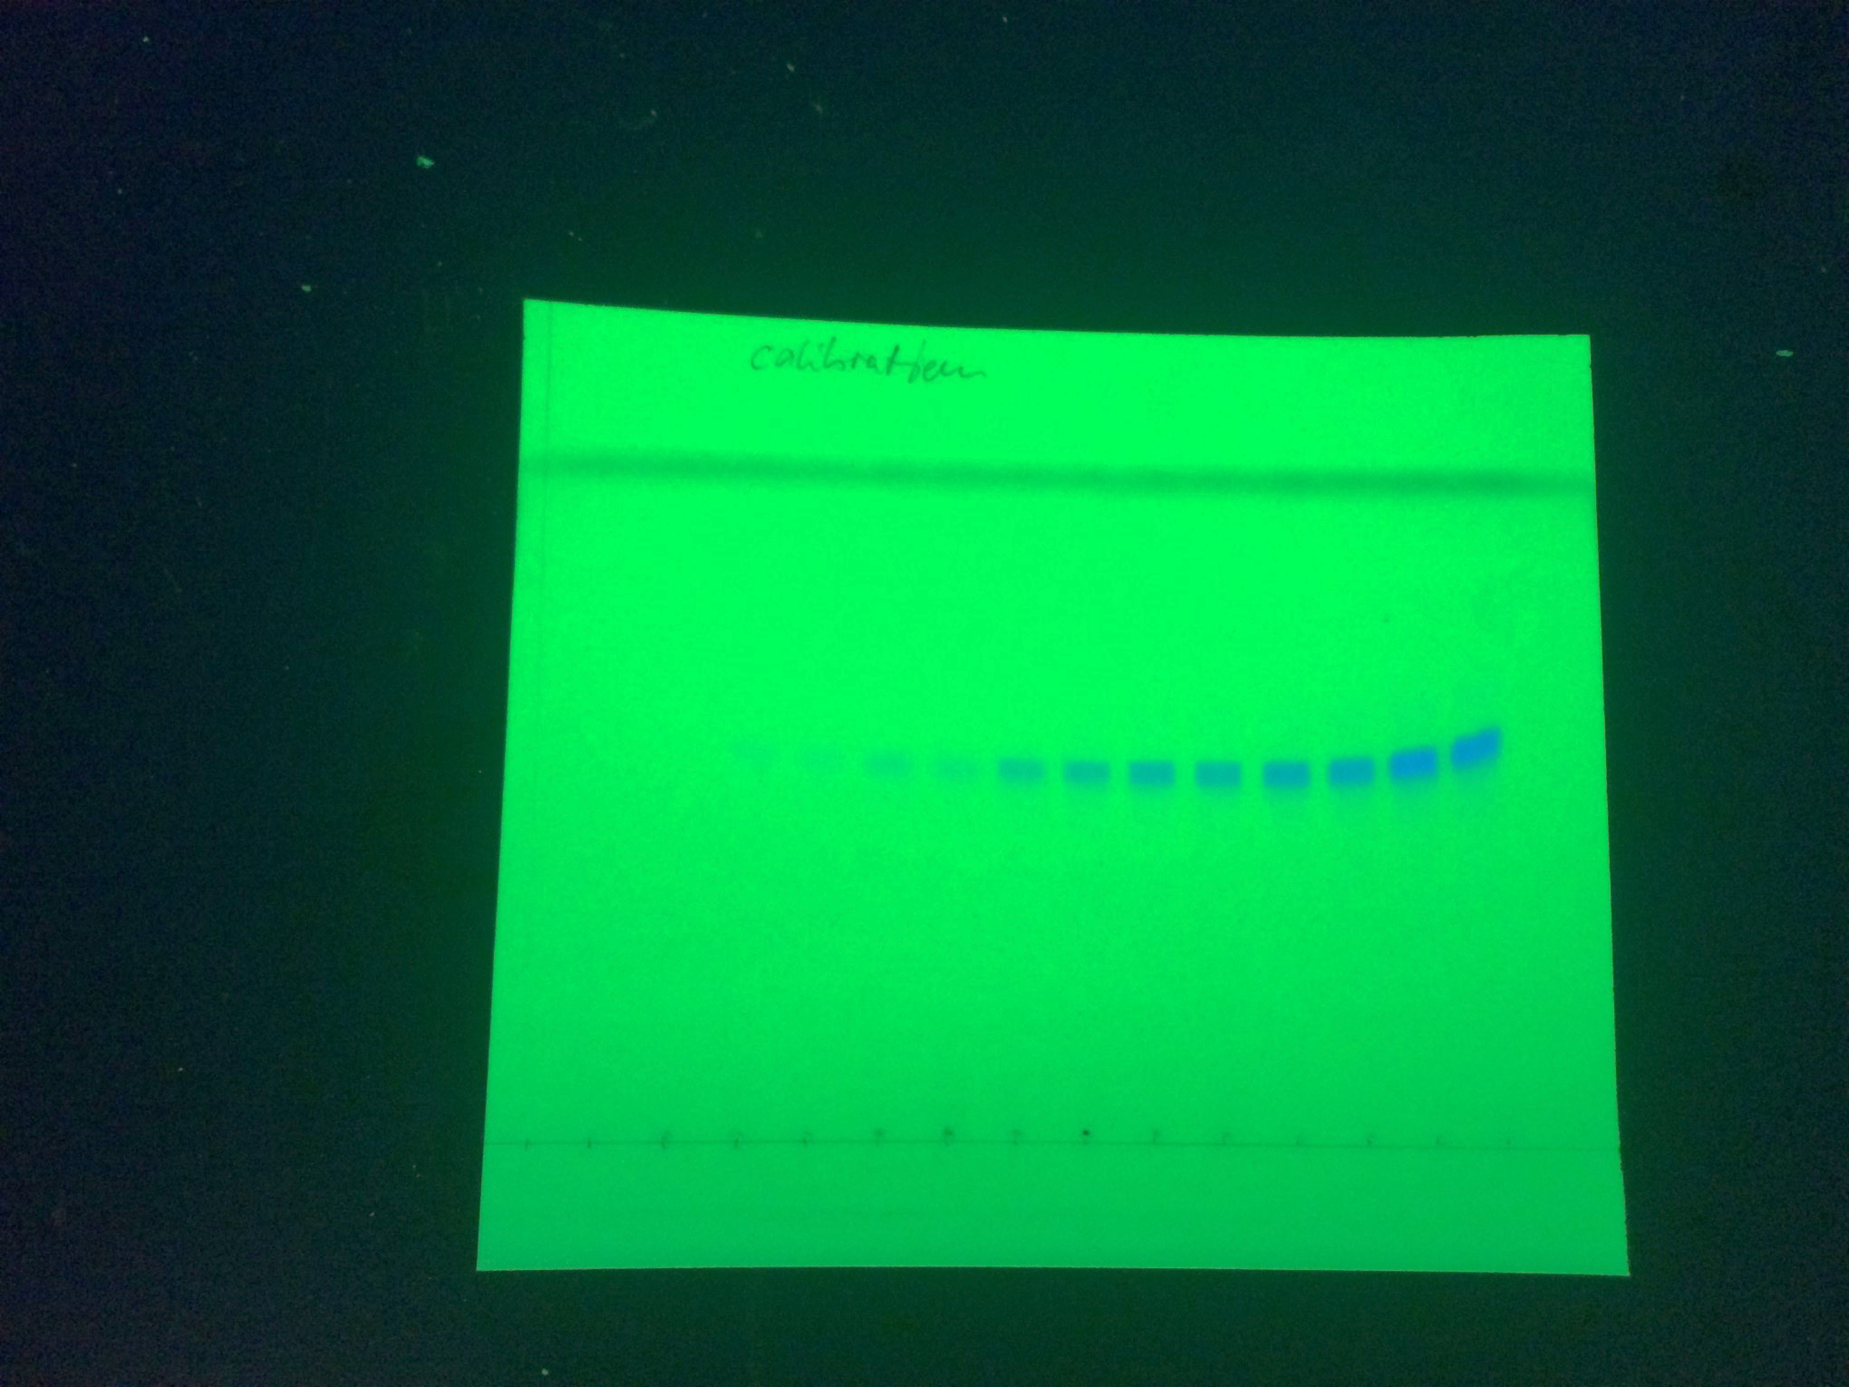

Origin
Substrate
Front
0
6
10
4
2
1
Substrate (μg)
0.5
A

Fig. S9B

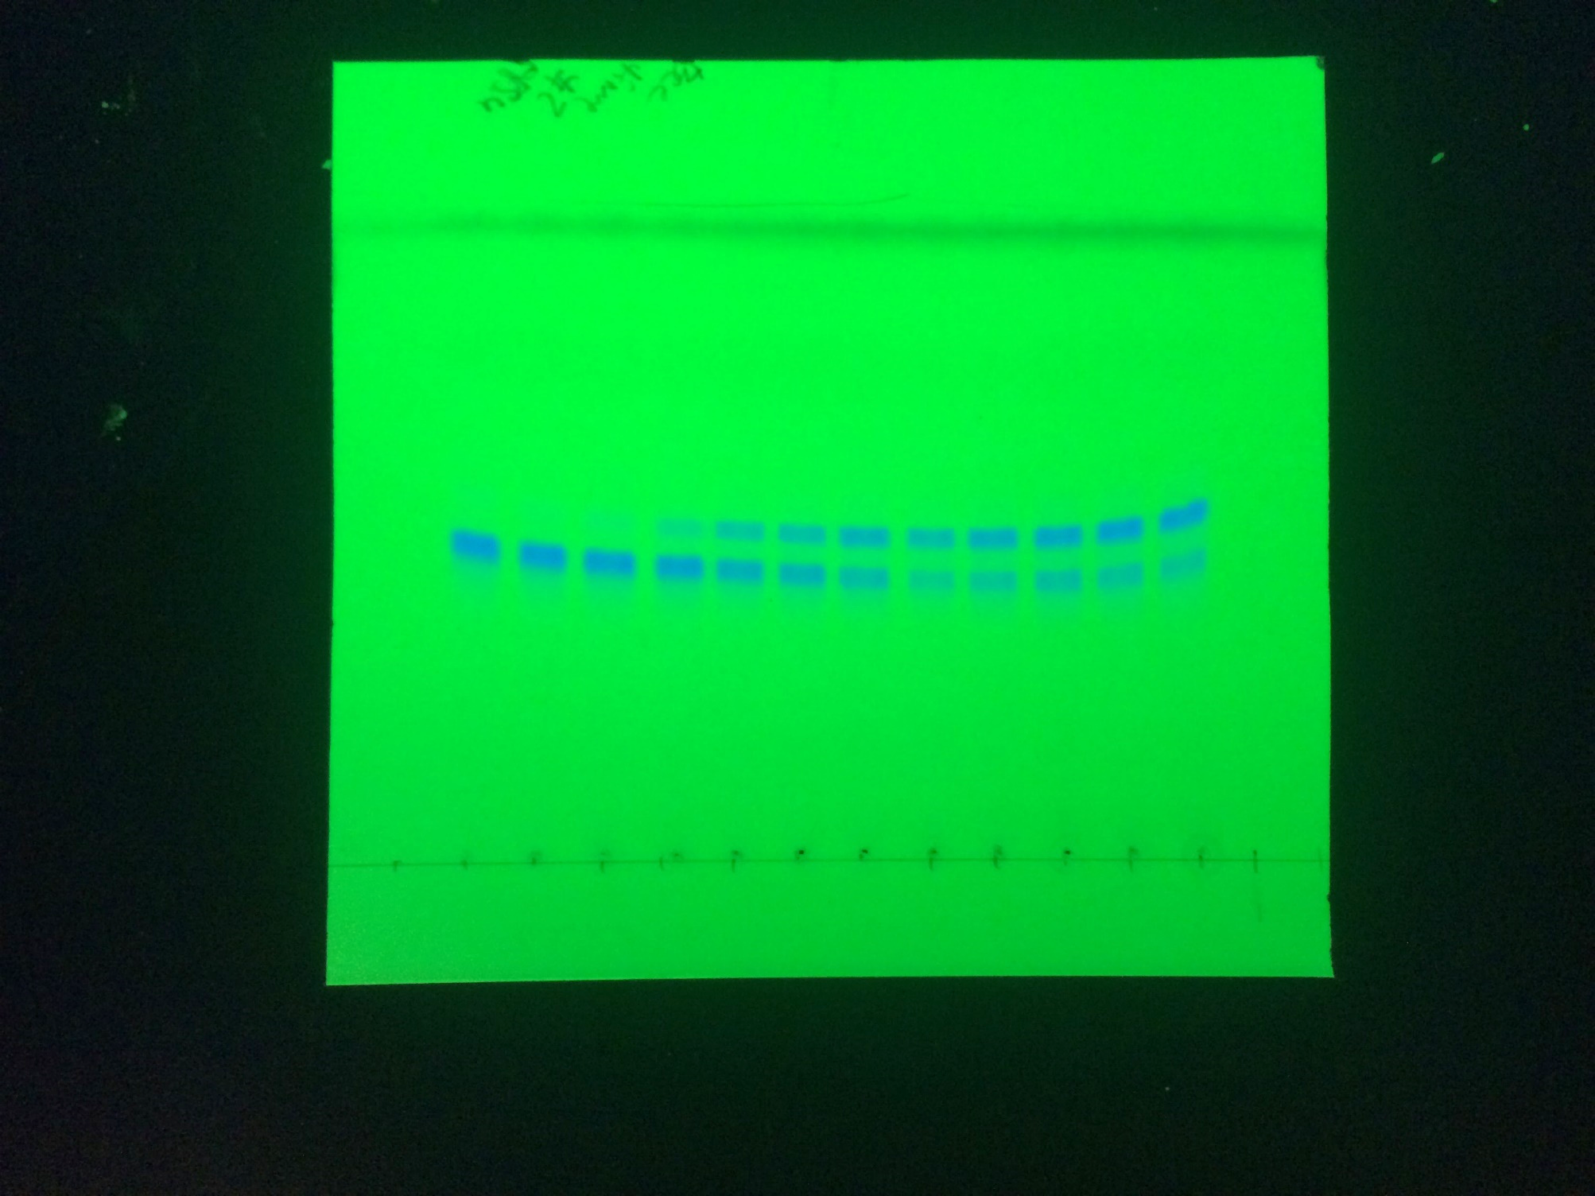
Origin
Front
Product
Substrate
0
2
5
10
20
40
60
90
120
180
240
No Lit
Time (min)
B

Fig. S9E, left panel

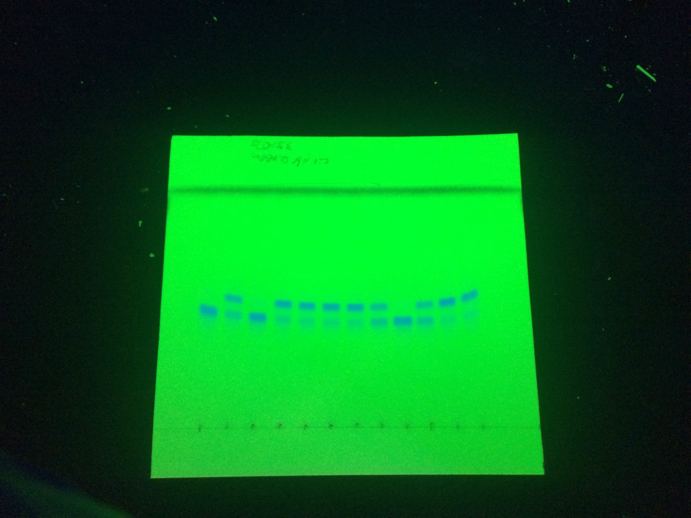
E
7.2
4.0
4.4
+
Lit
3.5
5.0
pH
Origin
Front
Product
Substrate

Other TLC samples(Lit from E. faecalis)

Fig. S9E, right panel

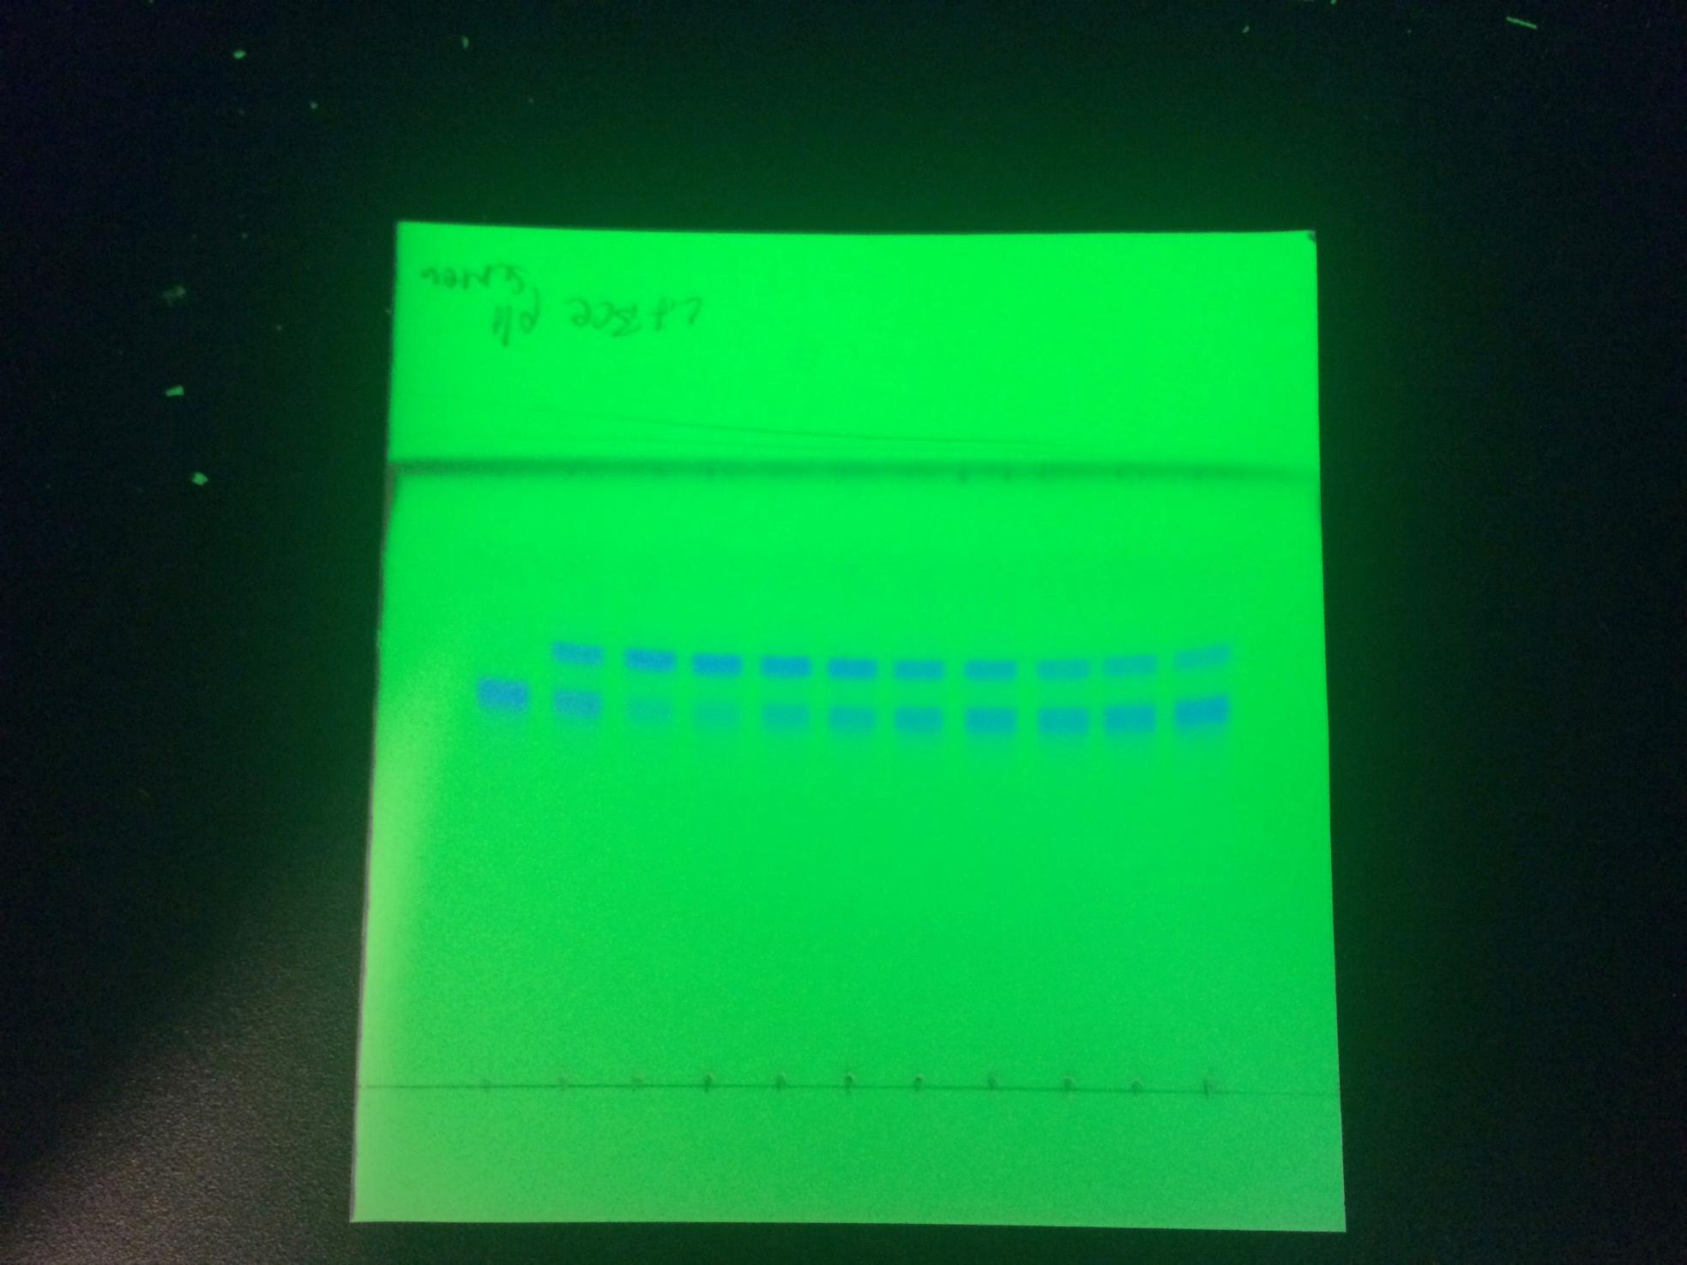

No
Lit
+
Lit

pH

7.2
5.0
7.2
5.4
6.0
6.4
7.0
7.5
8.0
8.5
9.0

Front

Product

Substrate

Origin

Fig. S9F

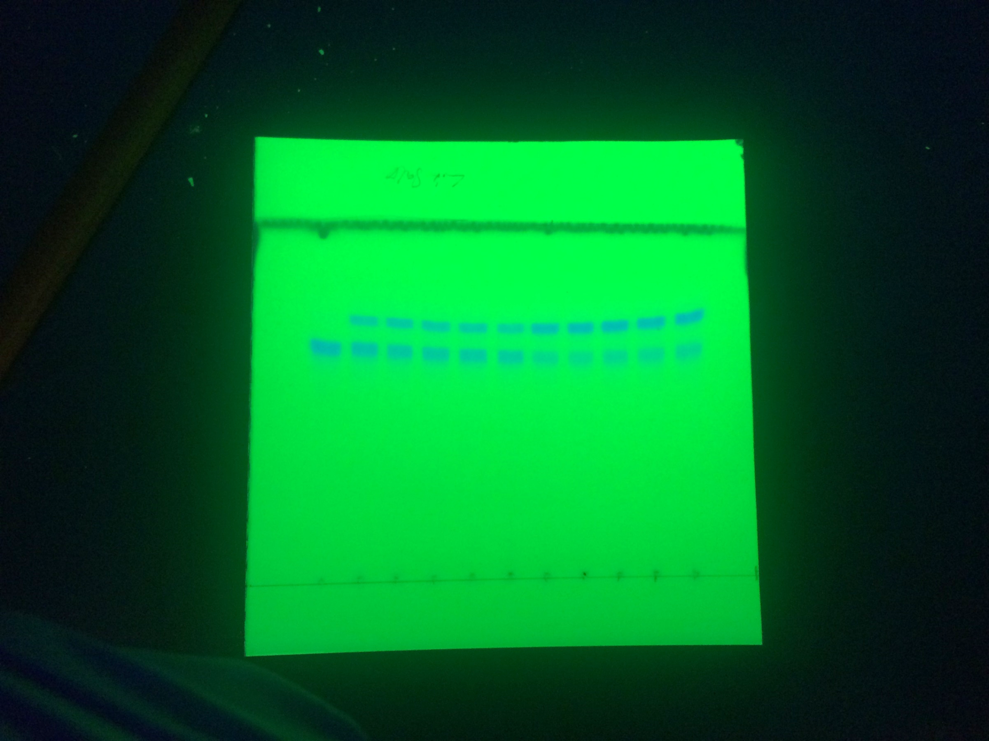

Other TLC samples(Lit from E. faecalis)

F
NaCl (μM)
No
Lit

0
50
200
100
400

Front

Product

Substrate

Origin

Supplementary Figure 10
Original, uncroped TLC images

Fig. S10A
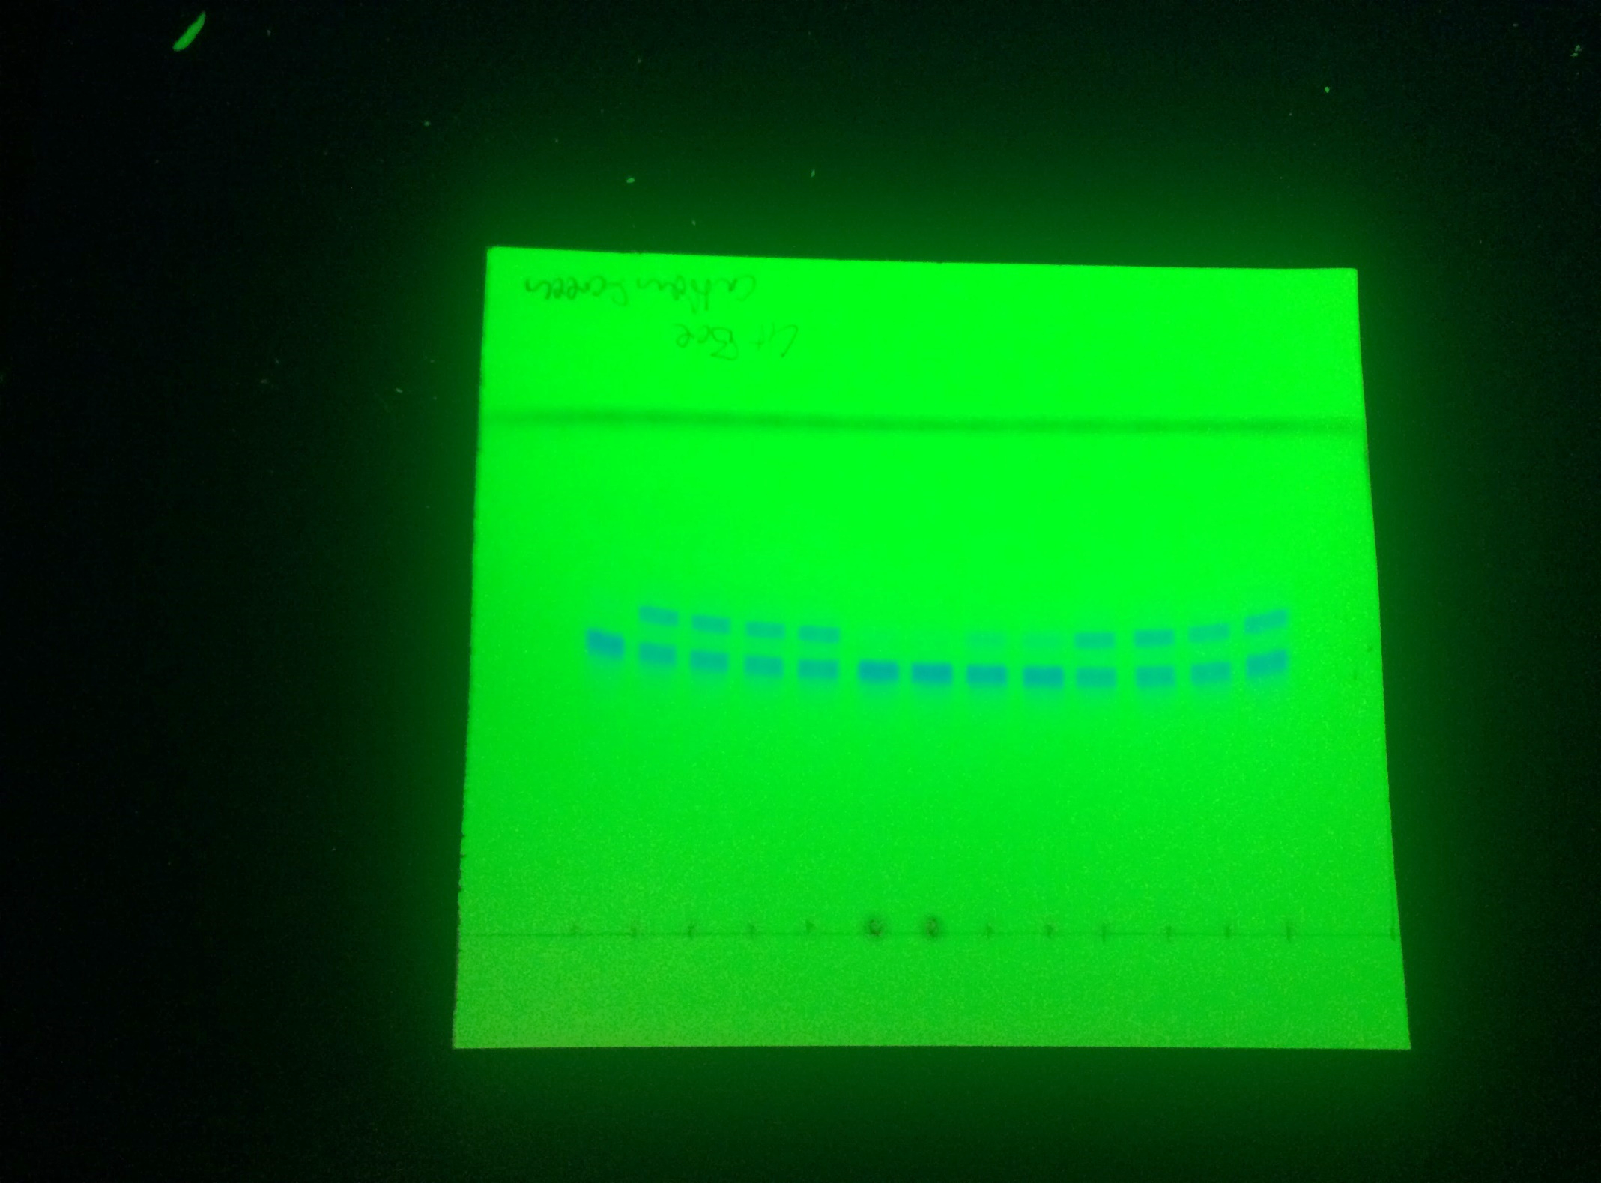
Cu²⁺
Origin
Front
Product
Substrate
Zn²⁺
Mg²⁺
Ca²⁺
EDTA
No additive
No
Lit
A

Fig. S10B

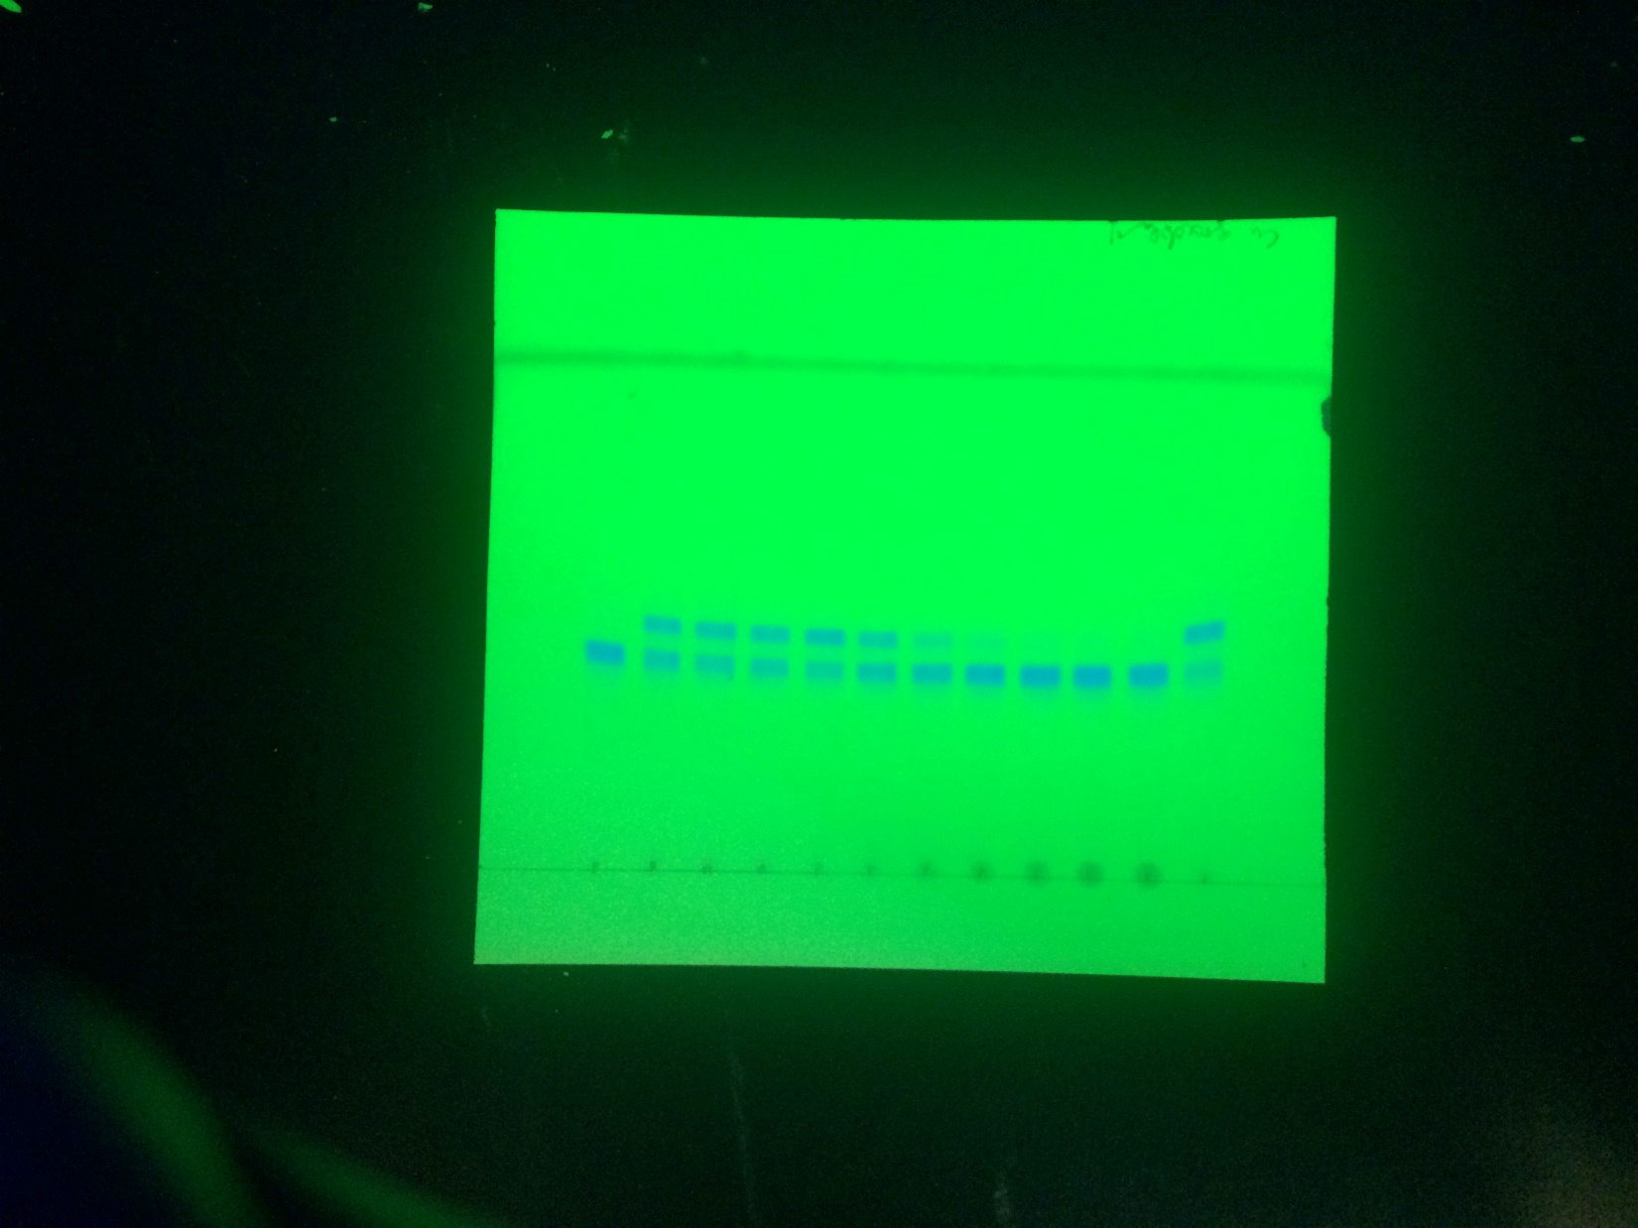
EDTA
(mM)
Origin
Front
Product
Substrate
Cu²⁺
(mM)
0
10
0.01
NoLit
0.02
0.05
0.10
0.15
0.30
0.60
1.00
EDTA + Cu²⁺
B

Fig. S10E

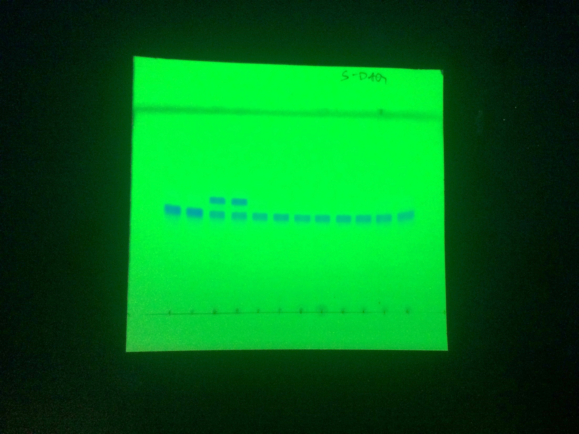
−
E
Origin
Front
Product
Substrate
(R)-DAG
(S)-DAG
Peptide
Time (h)
Lit
0.5
3
16
+
−
+

