Figure 1
Figure 1A

 |  |  | Binding (OD490nm) |  |  |  |  |  |  | Binding (OD490nm)
 | Log (VUN100) (M) |  | US28 pos membranes |  | US28 neg membranes |  |  | Log (VUN100b) (M) |  | US28 pos membranes |  |  | US28 neg membranes
 | -7 |  | 0.3913 | 0.3921 | 0.126 | 0.121 |  | -7.0 |  | 0.423 | 0.394 | 0.395 | 0.135 | 0.128 | 0.121
 | -7.3 |  | 0.422 | 0.374 | 0.125 | 0.134 |  | -7.5 |  | 0.411 | 0.361 | 0.364 | 0.106 | 0.126 | 0.118
 | -7.6 |  | 0.376 | 0.339 | 0.104 | 0.124 |  | -8.0 |  | 0.398 | 0.341 | 0.374 | 0.119 | 0.131 | 0.123
 | -7.9 |  | 0.379 | 0.327 | 0.123 | 0.123 |  | -8.4 |  | 0.343 | 0.354 | 0.349 | 0.121 | 0.118 | 0.106
 | -8.2 |  | 0.352 | 0.341 | 0.131 | 0.141 |  | -8.9 |  | 0.315 | 0.285 | 0.301 | 0.113 | 0.141 | 0.125
 | -8.5 |  | 0.329 | 0.321 | 0.128 | 0.169 |  | -9.4 |  | 0.284 | 0.277 | 0.292 | 0.131 | 0.126 | 0.134
 | -8.8 |  | 0.311 | 0.29 | 0.156 | 0.158 |  | -9.9 |  | 0.222 | 0.202 | 0.211 | 0.128 | 0.132 | 0.137
 | -9.1 |  | 0.281 | 0.262 | 0.18 | 0.159 |  | -10.3 |  | 0.178 | 0.166 | 0.169 | 0.124 | 0.146 | 0.144
 | -9.4 |  | 0.242 | 0.238 | 0.17 | 0.161 |  | -10.8 |  | 0.154 | 0.155 | 0.154 | 0.134 | 0.152 | 0.148
 | -9.7 |  | 0.207 | 0.2 | 0.169 | 0.156 |  | -11.3 |  | 0.16 | 0.158 | 0.159 | 0.154 | 0.163 | 0.158
 | -10 |  | 0.208 | 0.192 | 0.188 | 0.188
 | -10.3 |  | 0.18 | 0.181 | 0.183 | 0.171
 | -10.6 |  | 0.167 | 0.168 | 0.172 | 0.159

Figure 1B
 | Log [CX3CL1] (M) |  | 125I-CX3CL1 Binding (DPM) |  |  |  | Log [VUN100] (M) |  | 125I-CX3CL1 Binding (DPM) |  |  |  | Log [VUN100bv] (M) |  | 125I-CX3CL1 Binding (DPM)
 | -7 |  | 113 | 59 | 77 |  | -6.5 |  | 99 | 82 | 119 |  | -6 |  | 68 | 84 | 96
 | -8 |  | 109 | 94 | 94 |  | -7 |  | 197 | 165 | 102 |  | -6.5 |  | 99 | 60 | 63
 | -9 |  | 128 | 151 | 153 |  | -7.5 |  | 342 | 345 | 250 |  | -7 |  | 93 | 90 | 92
 | -10 |  | 575 | 392 | 441 |  | -8 |  | 545 | 214 | 456 |  | -7.5 |  | 76 | 71 | 91
 | -11 |  | 983 | 836 | 768 |  | -9 |  | 784 | 725 | 738 |  | -8 |  | 116 | 85 | 151
 | -12 |  | 924 | 804 | 828 |  | -10 |  | 1063 | 945 | 758 |  | -9 |  | 290 | 337 | 227
 |  |  |  |  |  |  | -11 |  | 742 | 1096 | 876 |  | -10 |  | 863 | 906 | 618
 |  |  |  |  |  |  | -12 |  | 1050 | 862 | 918 |  | -11 |  | 997 | 883 | 818
 |  |  |  |  |  |  |  |  |  |  |  |  | -12 |  | 887 | 862 | 958

Figure 1C

 |  |  |  | Untreated |  |  | NT Nb |  |  | VUN100 |  |  | VUN100bv
 | Transfection condition |  |  | 1 | 2 | 3 | 1 | 2 | 3 | 1 | 2 | 3 | 1 | 2 | 3
 | Reporter only |  |  | 19147 | 21918 | 22090 | 25390 | 24211 | 25110 | 25110 | 23981 | 23199 | 21053 | 20679 | 17285
 | US28 WT + reporter |  |  | 1821550 | 1884847 | 1829223 | 1761816 | 1725888 | 1769444 | 1769444 | 1715411 | 1723467 | 1021699 | 1030858 | 990738
 | US28 Y16F + reporter |  |  | 1878796 | 1711129 | 1845901 | 1798895 | 1853644 | 1636116 | 1636116 | 1562876 | 1552217 | 978290 | 955676 | 980122
 | US28 dN(2-22) + reporter |  |  | 1888610 | 1790504 | 1716788 | 1779196 | 1577459 | 1604707 | 1567578 | 1640997 | 1726361 | 1681724 | 1609651 | 1660106
 | US28 R129A + reporter |  |  | 33762 | 31765 | 32911 | 39539 | 47247 | 39268 | 27953 | 31333 | 25951 | 28524 | 30515 | 33371

Figure 1E

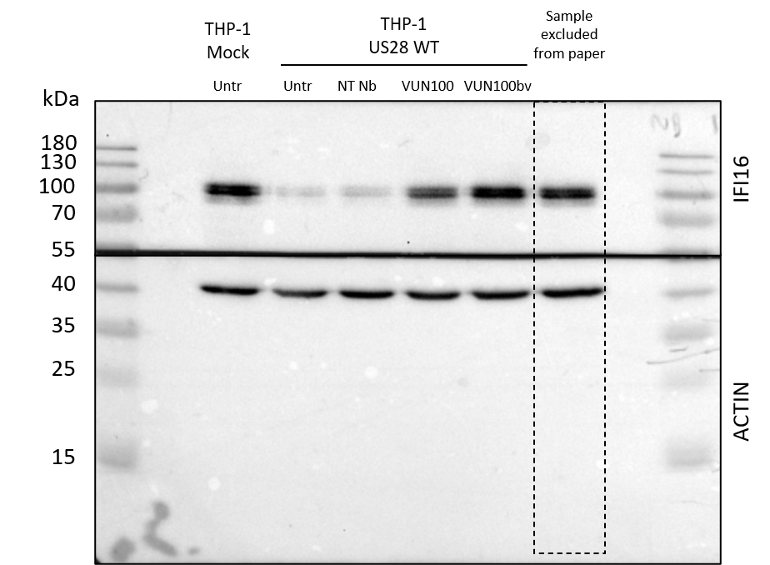

 |  | IFI16 levels
 |  | Mock | Untr | NT Nb | VUN100 | VUN100bv
 | 1 | 1 | 0.371618 | 0.3565758 | 0.795207 | 1.437169
 | 2 | 1 | 0.186985 | 0.174811 | 0.800589 | 1.059921
 | 3 | 1 | 0.317497 | 0.272919 | 0.477443 | 1.235844

