PRIMER
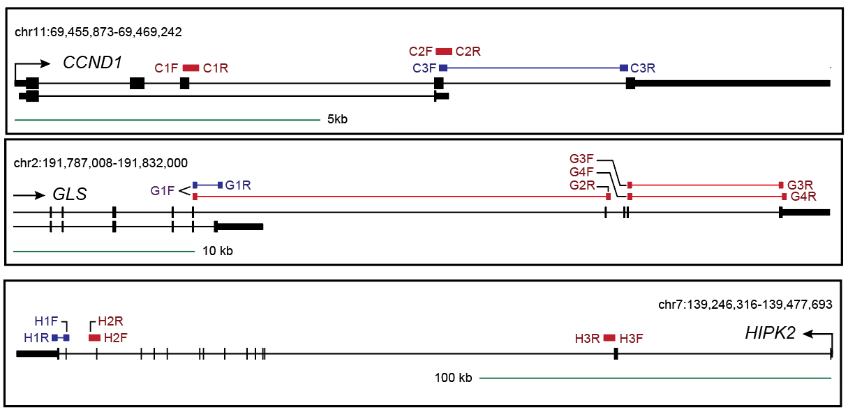
NAME | DESCRIPTION | LENGTH | TM | SEQ | NOTES | NOTES 2
C1F | CCND1_APAGAIN1_FW | 20 | 58.92 | ACAGATCATCCGCAAACACG
C1R | CCND1_APAGAIN1_RV | 18 | 59.1 | GGTCACCTAAGGAGCCGG
C2F | CCND1_APAGAIN2_FW | 20 | 59.1 | CCGGTAAGTGAGGGTGATGT
C2R | CCND1_APAGAIN2_RV | 19 | 59.46 | CCCCAACCTTGTCACCCTT
C3F | CCND1_3UTRLOSS_FW | 20 | 59.25 | CTTCCTGTCCTACTACCGCC
C3R | CCND1_3UTRLOSS_RV | 19 | 59.62 | TGGGGTCCATGTTCTGCTG
G1F | GLS_APALOSSandJUNCGAIN_FW | 21 | 58.47 | TCGAAGAGAAGGTGGTGATCA | Is used for as FW primer for both G1R AND G2R | Decreased in both PANC1 and PATC53
G1R | GLS_APALOSS_RV | 22 | 59.03 | TCCTCATTTGACTCAGGTGACA | Uses G1F as forward primer
G2R | GLS_JUNCGAIN_RV | 23 | 57.53 | AGACACATCTCCAGTATATGCAG |  | Only increased in PANC1
G3F | GLS_3UTRGAIN1_FW | 21 | 59.04 | TGGAAGCCTGCAAAGTAAACC
G3R | GLS_3UTRGAIN1_RV | 20 | 58.98 | GTCCAAAGTGCAGTGCTTCA
G4F | GLS_3UTRGAIN2_FW | 20 | 57.62 | AGCCTGCAAAGTAAACCCTT
G4R | GLS_3UTRGAIN2_RV | 20 | 58.2 | AGGTGTGTACTGGACTTGGT
H3F | HIPK2_APAGAIN1_FW | 20 | 59.02 | CCACCTACTTGCAGTCCAGA
H3R | HIPK2_APAGAIN1_RV | 20 | 58.65 | TCCCCACAGTGACTAAGGTG
H2F | HIPK2_APAGAIN2_FW | 20 | 59.09 | GTGGAGTGTGATAGCCTGGT
H2R | HIPK2_APAGAIN2_RV | 20 | 58.94 | GGAAAACCACTCTCCAGGGA
H1F | HIPK2_3UTRLOSS_FW | 20 | 58.63 | CAGCAGCCACTCAATCTCAG
H1R | HIPK2_3UTRLOSS_RV | 20 | 59.16 | ATGGTGGGAGTGATGTAGGC

