Fig. 1c
Fig.1c
OCT4
SOX2
KLF4

150
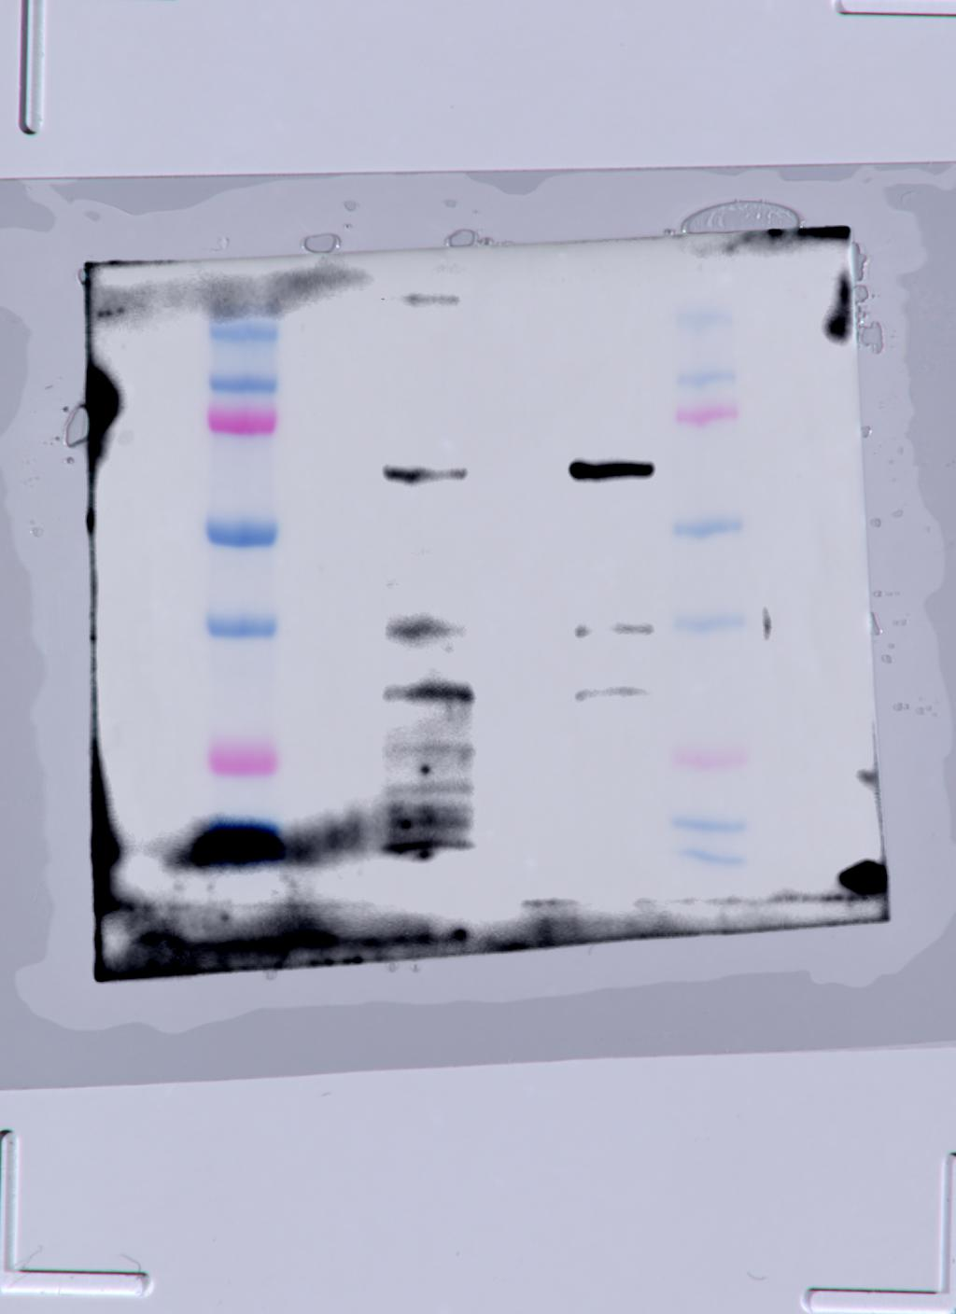
100
75
100
75
150
100
75
50
50
50
37
37
37
25
25
20
25
20
Dox:
(μg/mL)
0
2.0
0
2.0
Dox:
(μg/mL)
0
2.0
0
2.0
S-OSKM MEFs
D-OSKM MEFs
S-OSKM MEFs
D-OSKM MEFs
Dox:
(μg/mL)
0
2.0
0
2.0
c-MYC
GAPDH
S-OSKM MEFs
D-OSKM MEFs

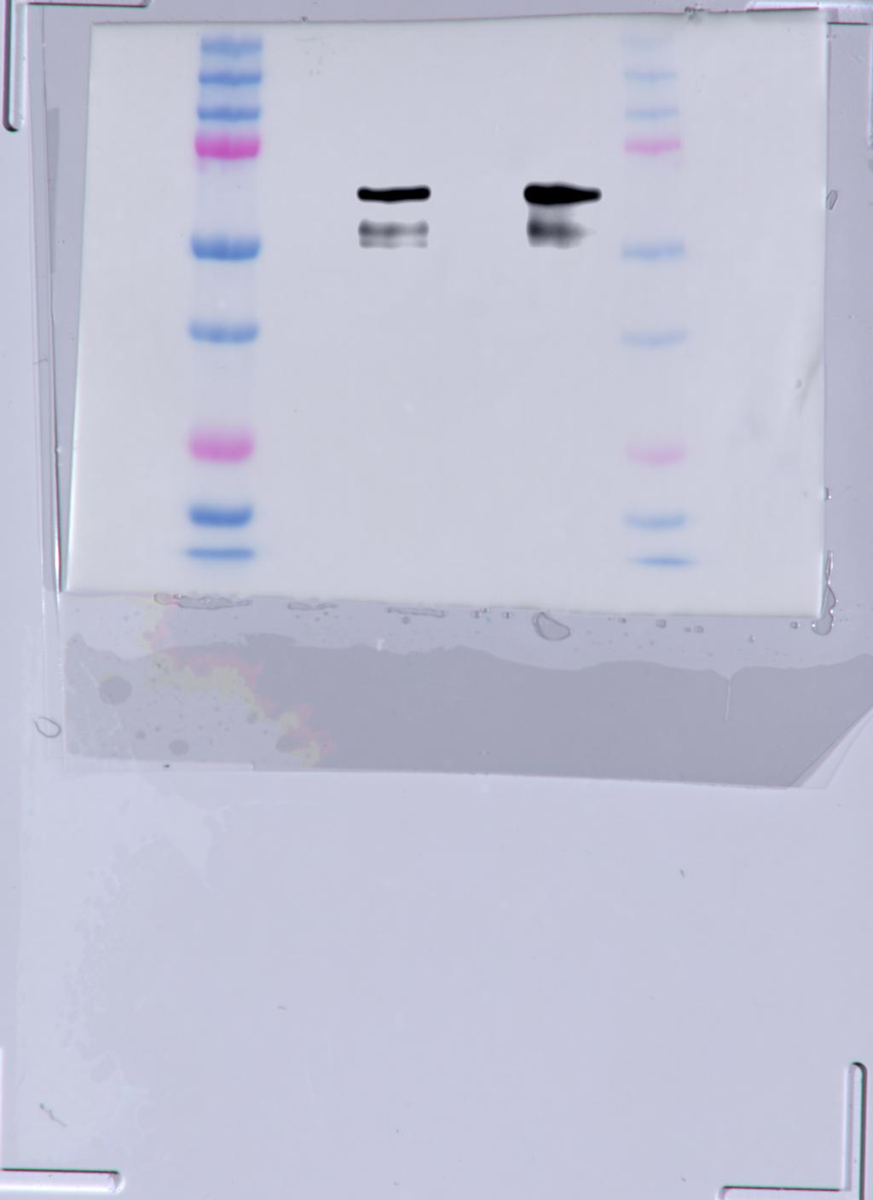
250
250
150
100
150
100
75
75
50
50
37
37

25
25
20
20
Dox:
(μg/mL)
0
2.0
0
2.0
Dox:
(μg/mL)
0
2.0
0
2.0
S-OSKM MEFs
D-OSKM MEFs
S-OSKM MEFs
D-OSKM MEFs

Extended Data Fig. 1f
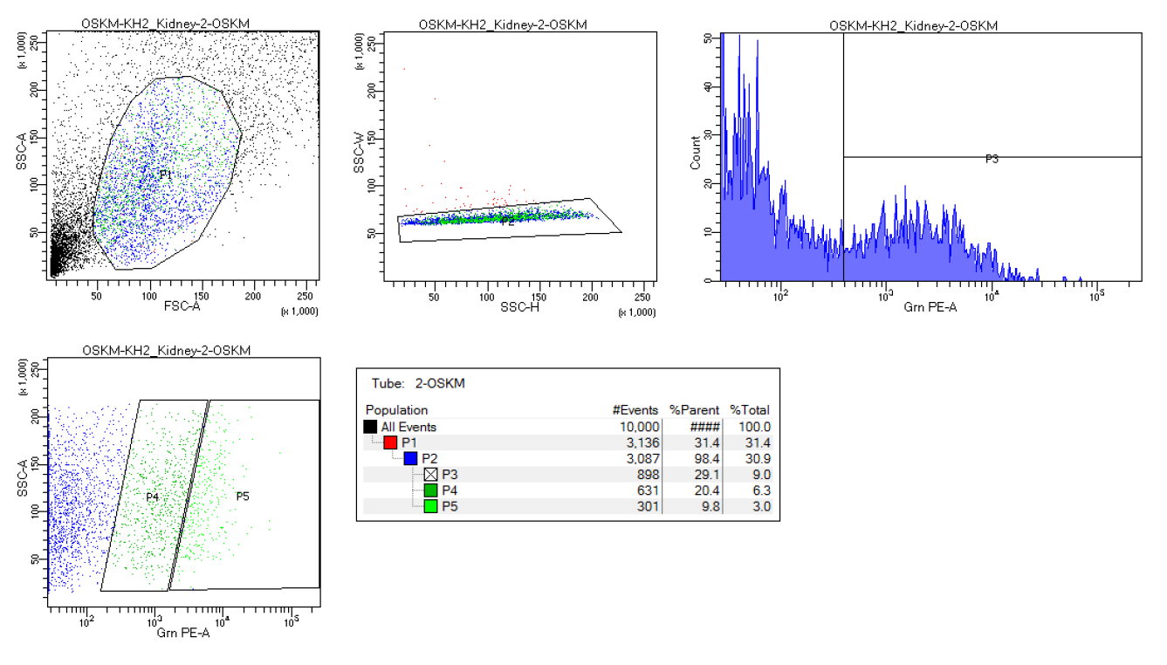
Extended Data Fig. 1f

S-OSKM
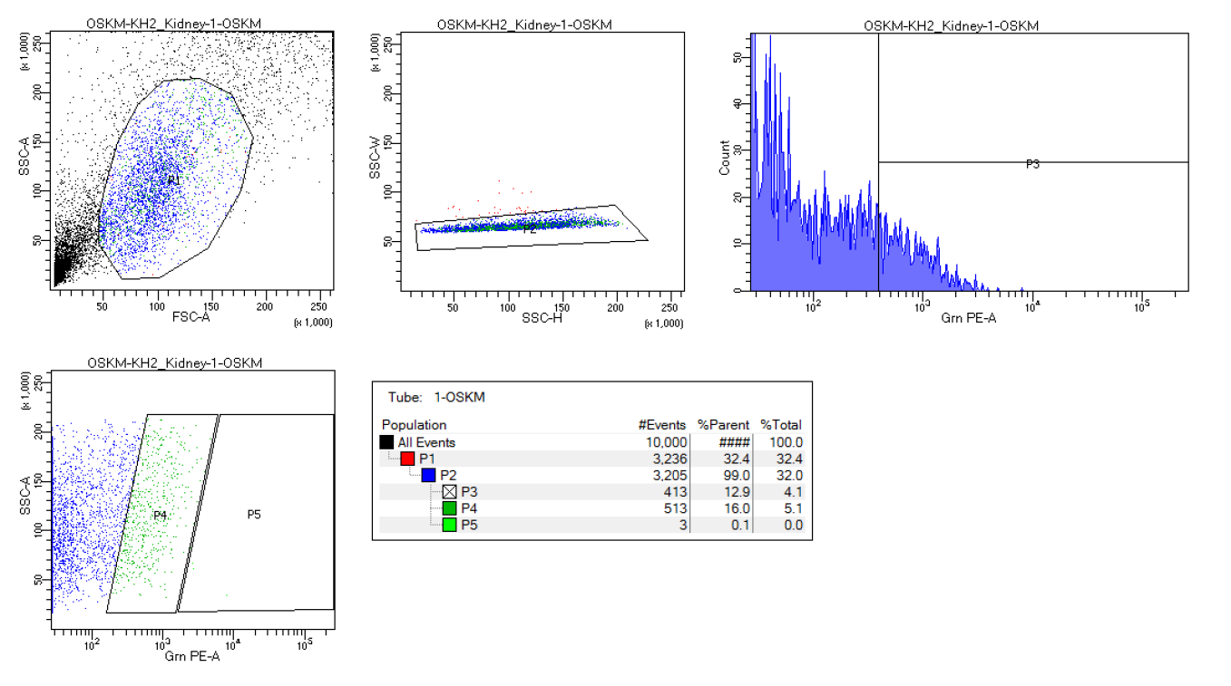

D-OSKM

Extended Data Fig. 3c
Extended Data Fig. 3c
TEAD4
GAPDH

150
75
100
75
50
50
37
37

25
20
25

WT
KO1
WT
KO1

Extended Data Fig. 8a
Extended Data Fig. 8a
DMRT1
GAPDH

75
75
50
50
37
37

25
25
WT
KO18
KO21
WT
KO18
KO21

