Fig. 2f
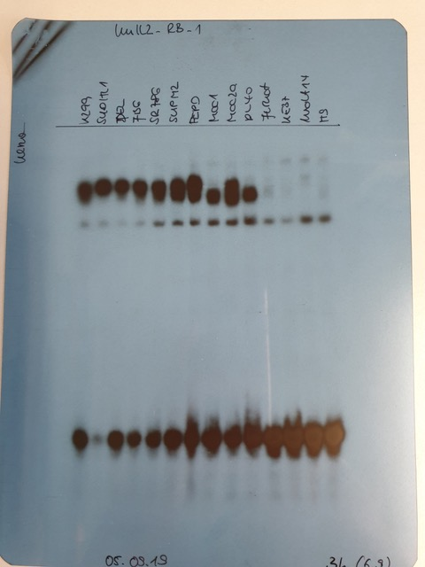
EMSA
Fig. 2f

IL2RA/AP-1 | IL2RB/AP-1 | IL2RG/AP-1

Fig. 3c
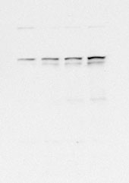

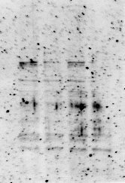
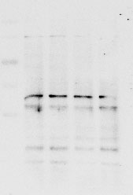
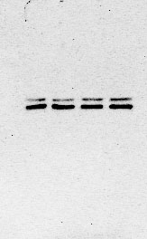
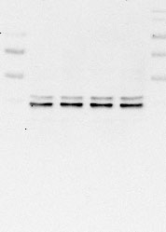
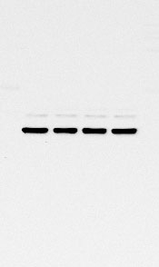
WB
Fig. 3c

Mac-2A
STAT1 | pYSTAT1 | STAT5 | pYSTAT5 | ERK1/2 | pT/YERK1/2 | GAPDH


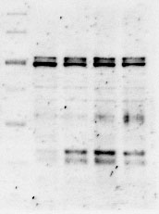
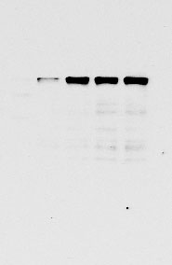
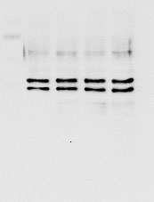
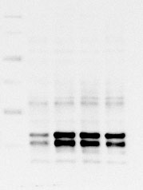

 |  |  |  |  |  |  | a. PBS Ctrl
 |  |  |  |  |  |  | b. rhIL-2 50 ng/ml
 |  |  |  |  |  |  | c. rhIL-2 100 ng/ml
 |  |  |  |  |  |  | d. Neo-2/15 100 ng/ml

TLBR-2
STAT1 | pYSTAT1 | STAT5 | pYSTAT5 | ERK1/2 | pT/YERK1/2 | GAPDH
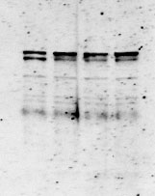
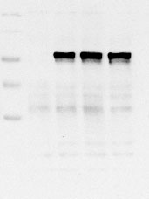



Jurkat
STAT1 | pYSTAT1 | STAT5 | pYSTAT5 | ERK1/2 | pT/YERK1/2 | GAPDH

Fig. 3h
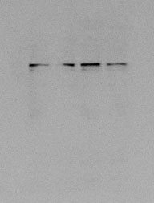

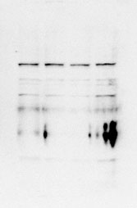
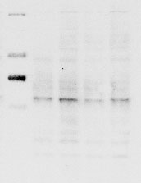
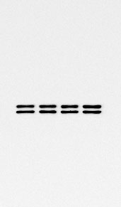
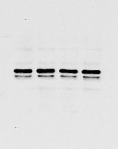

WB
Fig. 3h

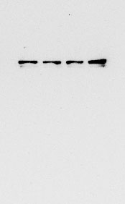
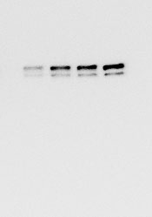
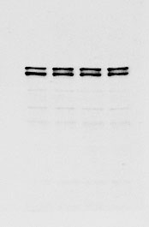
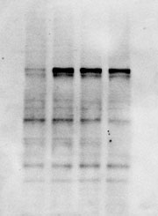
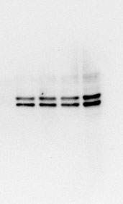
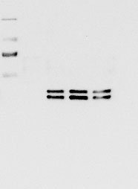
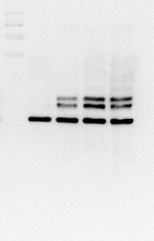
FE-PD
STAT1 | pYSTAT1 | STAT5 | pYSTAT5 | ERK1/2 | pT/YERK1/2 | GAPDH
 |  |  |  |  |  |  | a. PBS Ctrl
 |  |  |  |  |  |  | b. rhIL-15 50 ng/ml
 |  |  |  |  |  |  | c. rhIL-15 100 ng/ml
 |  |  |  |  |  |  | d. Neo-2/15 100 ng/ml

Jurkat
STAT1 | pYSTAT1 | STAT5 | pYSTAT5 | ERK1/2 | pT/YERK1/2 | GAPDH

Supplementary Fig. 2a
WB
Supplementary Fig. 2a


Karpas-299
BATF3 | β-TUBULIN
 |  | a. CRISPR Ctrl
 |  | b. BATF3 KO clone #1
 |  | c. BATF3 KO clone #2
 |  | d. BATF3 KO clone #3

Supplementary Fig. 3c
DNA gel and WB
Supplementary Fig. 3c

BATF3 | GAPDH

BATF3 | PARP1

70
70

15
15

Supplementary Fig. 3d
WB
Supplementary Fig. 3d

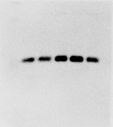
BATF3 | β-TUBULIN
 |  | a. TLBR-1
 |  | b. TLBR-2
 |  | c. TLBR-3
 |  | d. SUP-M2
 |  | e. Mac-1

Supplementary Fig. 4e

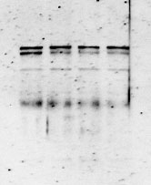
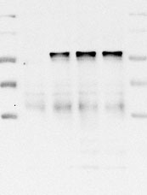
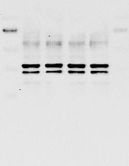
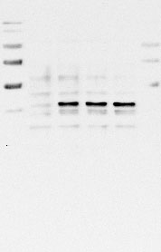

WB
Supplementary Fig. 4e


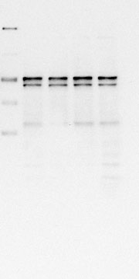
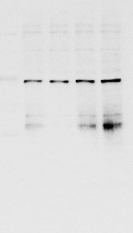
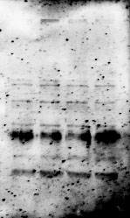

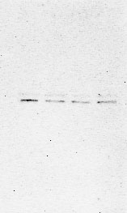

SUP-M2
STAT1 | pYSTAT1 | STAT5 | pYSTAT5 | ERK1/2 | pT/YERK1/2 | GAPDH
 |  |  |  |  |  |  | a. PBS Ctrl
 |  |  |  |  |  |  | b. rhIL-2 50 ng/ml
 |  |  |  |  |  |  | c. rhIL-2 100 ng/ml
 |  |  |  |  |  |  | d. Neo-2/15 100 ng/ml

Karpas-299
STAT1 | pYSTAT1 | STAT5 | pYSTAT5 | ERK1/2 | pT/YERK1/2 | GAPDH

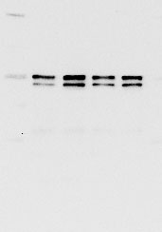
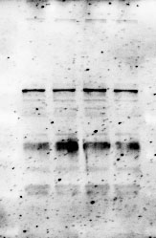
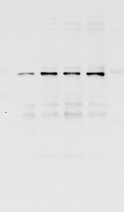
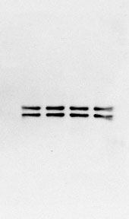

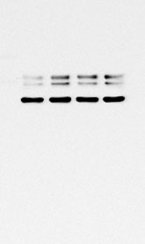

SR-786
STAT1 | pYSTAT1 | STAT5 | pYSTAT5 | ERK1/2 | pT/YERK1/2 | GAPDH

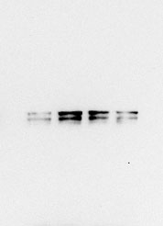
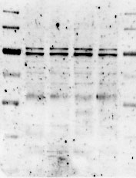
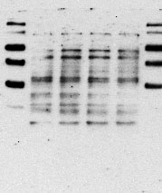
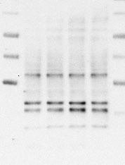
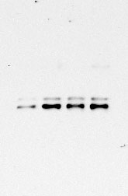


Mac-1
STAT1 | pYSTAT1 | STAT5 | pYSTAT5 | ERK1/2 | pT/YERK1/2 | GAPDH


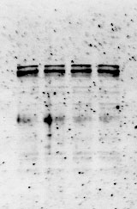
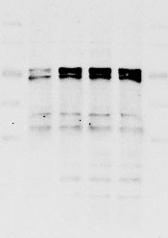
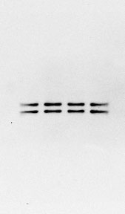

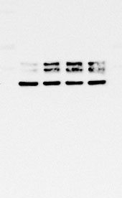

TLBR-1
STAT1 | pYSTAT1 | STAT5 | pYSTAT5 | ERK1/2 | pT/YERK1/2 | GAPDH

Supplementary Fig. 4f






WB
Supplementary Fig. 4f



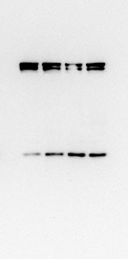

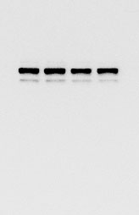
SUP-M2 |  |  | Karpas-299
STAT3 | pYSTAT3 | GAPDH | STAT3 | pYSTAT3 | GAPDH
 |  |  |  |  |  | a. PBS Ctrl

 |  |  |  |  |  | b. rhIL-2 50 ng/ml
 |  |  |  |  |  | c. rhIL-2 100 ng/ml
 |  |  |  |  |  | d. Neo-2/15 100 ng/ml

SR-786 |  |  | Jurkat
STAT3 | pYSTAT3 | GAPDH | STAT3 | pYSTAT3 | GAPDH







Mac-1 |  |  | Mac-2A
STAT3 | pYSTAT3 | GAPDH | STAT3 | pYSTAT3 | GAPDH




TLBR-1 |  |  | TLBR-2
STAT3 | pYSTAT3 | GAPDH | STAT3 | pYSTAT3 | GAPDH

Supplementary Fig. 4g



WB
Supplementary Fig. 4g

Karpas-299
STAT5 | pYSTAT5 | ERK1/2 | pT/YERK1/2 | GAPDH
 |  |  |  |  | a. Ctrl-treated
 |  |  |  |  | b. rhIL-2
 |  |  |  |  | c. rhIL-2 100 + Basiliximab

Mac-1
STAT5 | pYSTAT5 | ERK1/2 | pT/YERK1/2 | GAPDH

TLBR-1
STAT5 | pYSTAT5 | ERK1/2 | pT/YERK1/2 | GAPDH

Supplementary Fig. 5d







WB
Supplementary Fig. 5d








SU-DHL-1
STAT1 | pYSTAT1 | STAT5 | pYSTAT5 | ERK1/2 | pT/YERK1/2 | GAPDH
 |  |  |  |  |  |  | a. PBS Ctrl
 |  |  |  |  |  |  | b. rhIL-15 50 ng/ml
 |  |  |  |  |  |  | c. rhIL-15 100 ng/ml
 |  |  |  |  |  |  | d. Neo-2/15 100 ng/ml

Karpas-299
STAT1 | pYSTAT1 | STAT5 | pYSTAT5 | ERK1/2 | pT/YERK1/2 | GAPDH








SR-786
STAT1 | pYSTAT1 | STAT5 | pYSTAT5 | ERK1/2 | pT/YERK1/2 | GAPDH

Supplementary Fig. 5e



WB
Supplementary Fig. 5e







SU-DHL-1 |  |  | Karpas-299
STAT3 | pYSTAT3 | GAPDH | STAT3 | pYSTAT3 | GAPDH
 |  |  |  |  |  | a. PBS Ctrl
 |  |  |  |  |  | b. rhIL-15 50 ng/ml
 |  |  |  |  |  | c. rhIL-15 100 ng/ml
 |  |  |  |  |  | d. Neo-2/15 100 ng/ml

SR-786 |  |  | FE-PD
STAT3 | pYSTAT3 | GAPDH | STAT3 | pYSTAT3 | GAPDH







Jurkat
STAT3 | pYSTAT3 | GAPDH

Supplementary Fig. 6b
Flow cytometry
Supplementary Fig. 6b

Gating strategy


Annexin V-FITC
PI-PerCP.Cy5.5

FSC
SSC

Supplementary Fig. 6c
WB
Supplementary Fig. 6c

FE-PD
PARP1 | β-ACTIN

DEL
PARP1 | β-ACTIN

TLBR-1
PARP1 | β-ACTIN

0h
ADCT-301
B12

0h
ADCT-301
B12
6 12 18 24 30
B12 ADCT
6 12 18 24 30 (hr)
B12 ADCT
6 12 18 24 30
6 12 18 24 30 (hr)

Supplementary Fig. 6d
WB
Supplementary Fig. 6d

Karpas-299
STAT1 | pYSTAT1 | STAT5 | pYSTAT5

100
70
100
70

35
35
35
35

SR-786
STAT1 | pYSTAT1 | STAT5 | pYSTAT5

100
100
70
70

35
35
35
35

FE-PD
STAT1 | pYSTAT1 | STAT5 | pYSTAT5

100
100
70
70

35
35
35
35

Jurkat
STAT1 | pYSTAT1 | STAT5 | pYSTAT5

100
70

70
35
35
35

