Fig 3e
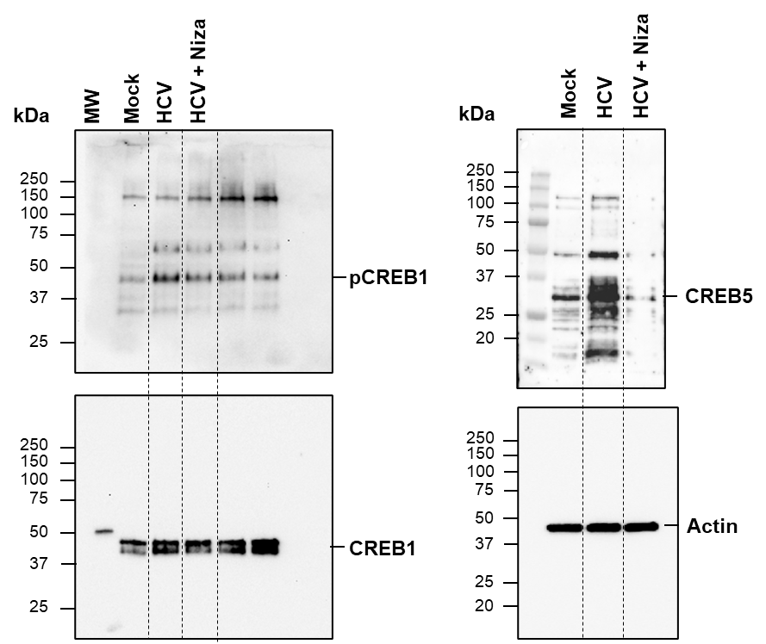
Full lenght immunoblots

Fig 3f WB
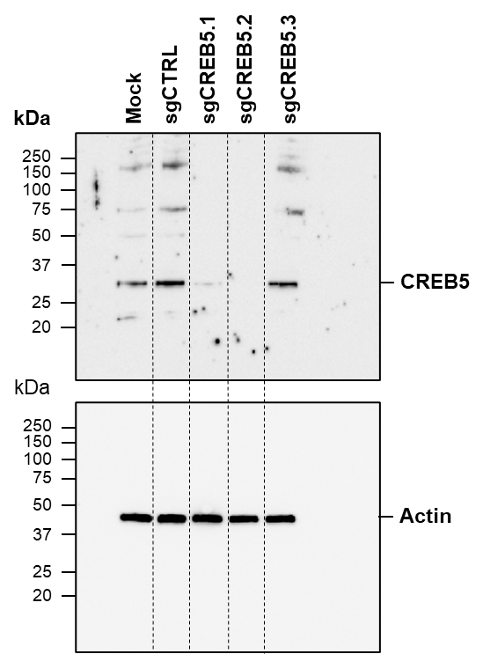
Full lenght immunoblots

Fig 4k WB
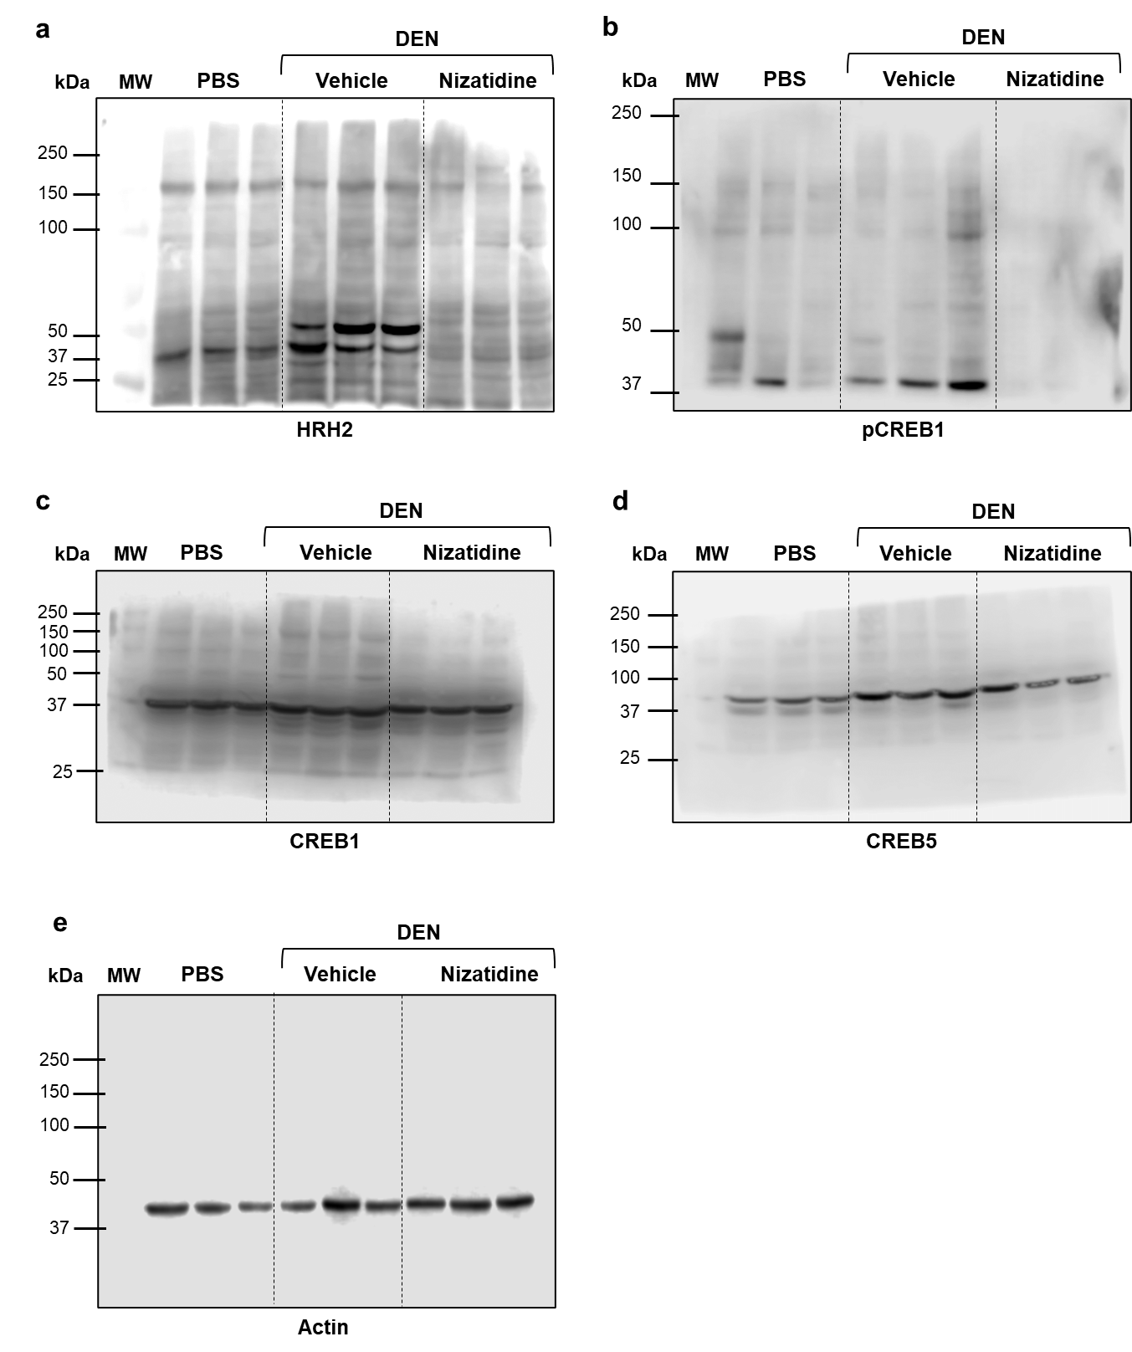
Full lenght immunoblots

Fig 5h WB
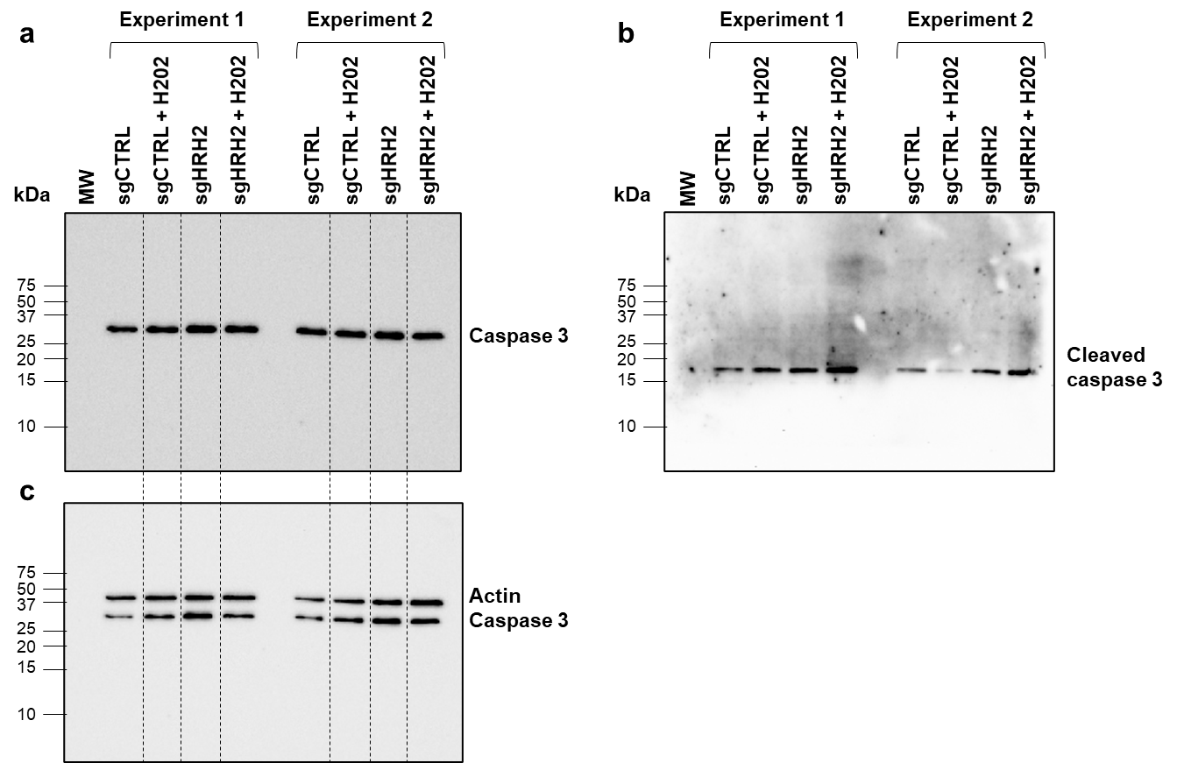
Full lenght immunoblots

Sup Fig 10h WB
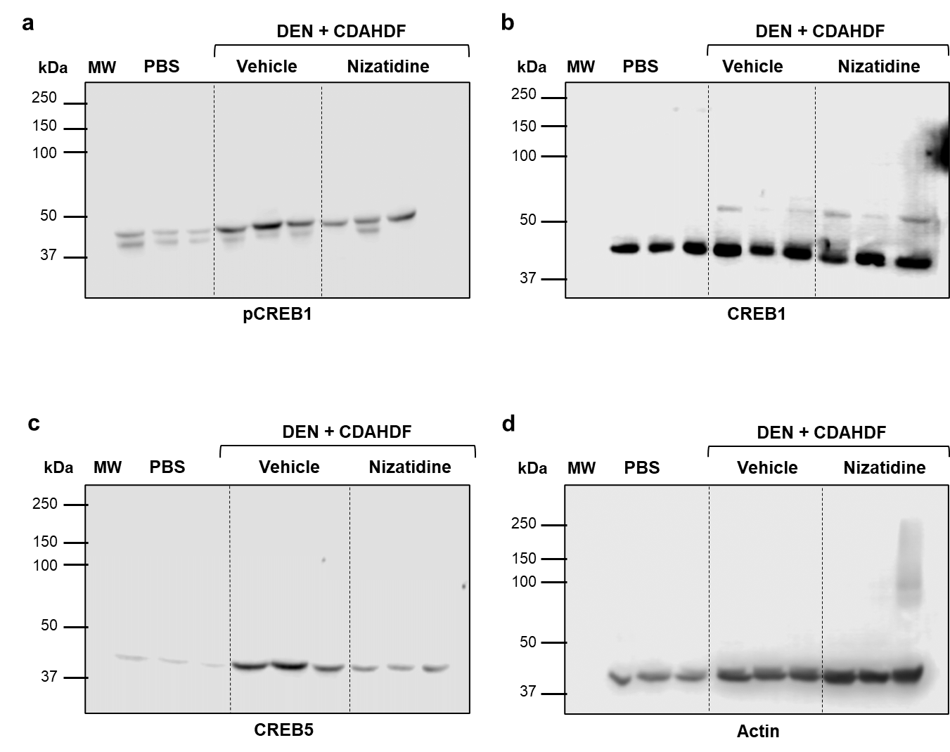
Full lenght immunoblots

