Fig1
Fig1a | 20D | 3M | 6M
 | 0.741652 | 0.036977 | 0.124496
 | 0.690706 | 0.05052 | 0.08839
 | 0.540015 | 0.026001 | 0.129847
 | 1.700507 | 0.034588 | 0.083394
 | 1.327122 | 0.013536 | 0.029237

Fig1b
 | 20D |  |  |  |  | 3M
UCP1 | 0.389424 | 0.752176 | 0.779988 | 1.214789 | 1.863623 | 0.201917 | 0.106827 | 0.105138 | 0.080183 | 0.085042
TH | 1.172482 | 0.92111 | 0.906507 | 0.857506 | 1.142395 | 0.602207 | 0.238791 | 0.608272 | 0.69599 | 0.412428

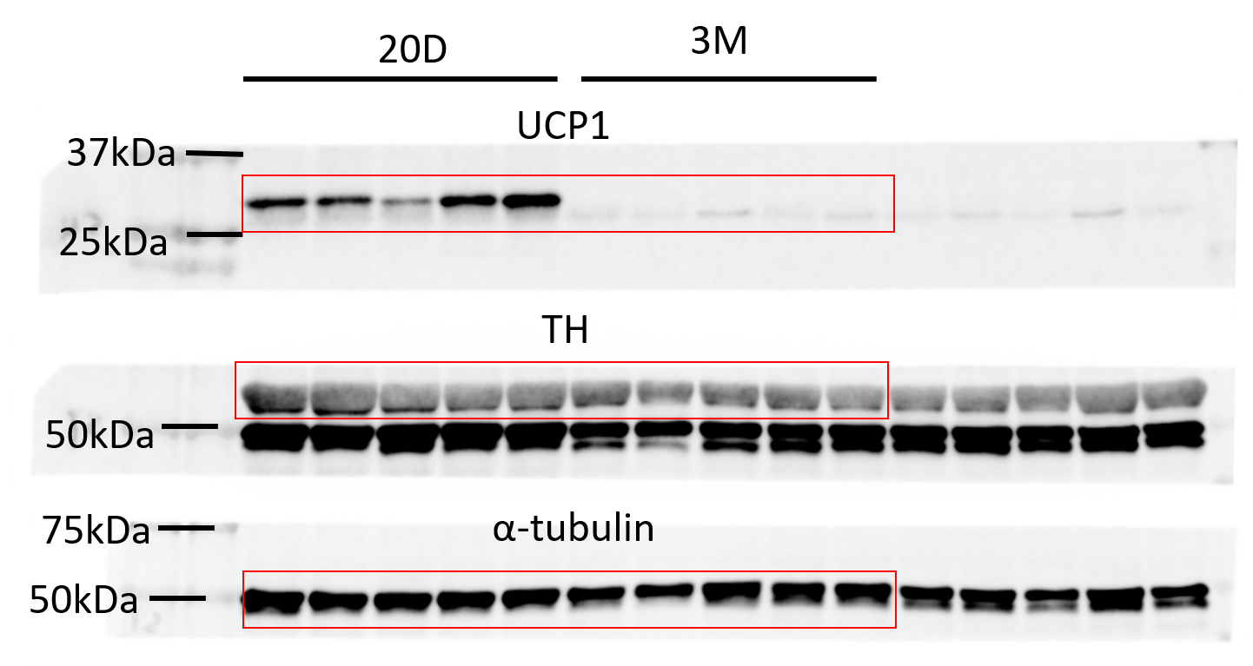

 |  |  |  |  |  |  |  |  |  |  | UCP1 | Abcam | ab23841 | WB (1:1000)
 |  |  |  |  |  |  |  |  |  |  | TH | Millipore | Ab152 | WB (1:1000)
 |  |  |  |  |  |  |  |  |  |  | α-Tubulin | Advanced BioChemicals | ABCENT4777 | WB (1:1000)

Fig1c
 | 20D |  |  | 3M
mean intensity | 1.058439 | 1.095168 | 0.846393 | 0.588062 | 0.32831 | 0.6912
mean length | 0.932384 | 0.986493 | 1.081123 | 0.497587 | 0.692751 | 0.577334
mean branch | 0.869402 | 0.90147 | 1.229128 | 0.374901 | 0.448428 | 0.3112

Fig1d
 | iBAT | WAT | Brain | Pancreas | Heart | Muscle | Spleen | Liver | Testis | Kidney
 | 0.731771 | 0.160627 | 0.980641 | 0.086233 | 1.054447 | 0.813495 | 0.516212 | 0.092913 | 0.363584 | 0.216919
 | 1.017695 | 0.088606 | 0.764145 | 0.740836 | 1.22731 | 1.003341 | 0.517247 | 0.081507 | 0.1496 | 0.28772
 | 1.126556 | 0.251632 | 1.026985 | 0.130435 | 1.112731 | 0.782233 | 0.301546 | 0.195248 | 0.229964 | 0.361694
 | 1.387411 | 0.12709 | 1.094014 | 0.053487 | 1.117564 | 1.017583 | 0.537941 | 0.082574 | 0.269949 | 0.518868
 | 1.054912 | 0.102179
 | 0.870281
 | 0.811374

Fig1e
 | 20D |  |  |  |  |  |  |  |  |  | 3M
BAT | 55.97104 | 63.71688 | 55.8864 | 75.00753 | 51.96321 | 63.54748 |  |  |  |  | 62.49605 | 45.67753 | 51.58293 | 47.93328 | 40.80919
iWAT | 31.35872 | 21.07317 | 39.64086 | 45.01645 | 28.40145 | 40.09345 | 35.46324 | 44.8869 | 59.47686 | 24.91857 | 19.81288 | 17.95833 | 18.57046 | 14.99123 | 12.87545 | 16.61995

Fig1f
 | Adipocyte |  |  |  |  |  |  |  | SVF
BAT | 1.487079 | 1.144134 | 0.759092 | 1.231121 | 0.804366 | 0.574208 |  |  | 1.18568 | 0.860193 | 0.56465 | 0.625484 | 0.611229 | 0.43041
iWAT | 0.05727 | 0.050444 | 0.000913 | 0.001227 | 0.141661 | 0.066167 | 0.181014 | 0.126443 | 0.001444 | 0.031042 | 0.002471 | 0.00266 | 0.005527

Fig1g
 | 10 | 0.01295812 | 0.008608634 | 0.01332242 | 0.01009651
 | 15 | 0.01388817 | 0.01225913 | 0.0238478 | 0.0112807
 | 20 | 0.02720471 | 0.03983002 | 0.03168624 | 0.04010706
 | 30 | 0.02076072 | 0.01884075 | 0.02076072 | 0.01447794

Fig1h
 | 10 | 0.3099269 | 0.1182572 | 0.2716837 | 0.3462774
 | 15 | 0.8526349 | 0.3321714 | 0.4005349 | 1.117287
 | 20 | 0.8293195 | 1.248331 | 1.319508 | 1.947911
 | 30 | 0.3321714 | 0.6689638 | 0.8526349 | 0.4146598

Fig1i
 | -3 | 0.003496192 | 0.004742949 | 0.004876291 | 0.003799433
 | -2 | 0.003400588 | 0.00522628 | 0.003022588 | 0.00587987
 | -1 | 0.01304825 | 0.01468004 | 0.0078125 | 0.007921558
 | 0 | 0.009226505 | 0.0078125 | 0.01089644 | 0.01151773
 | 5 | 0.01167851 | 0.01858136 | 0.02758447 | 0.02119694
 | 10 | 0.05183247 | 0.03443453 | 0.04802735 | 0.08478777
 | 15 | 0.07748173 | 0.09150536 | 0.07694653 | 0.06425712
 | 20 | 0.04972103 | 0.05328968 | 0.02796953 | 0.04869778
 | 30 | 0.03540262 | 0.05593907 | 0.05593907 | 0.05366034

Fig1j
 | -3 | 0.003284752 | 0.000676323 | 0.003172861 | 0.001153313
 | -2 | 0.08362047 | 0.04181024 | 0.08077205 | 0.09407792
 | -1 | 1.972465 | 3.555371 | 1.918528 | 1.42405
 | 0 | 6.498019 | 4.85678 | 7.361501 | 6.588728
 | 5 | 8.876555 | 18.50701 | 15.88948 | 13.26911
 | 10 | 21.25897 | 17.5087 | 13.26911 | 20.25211
 | 15 | 21.55574 | 31.34145 | 28.84002 | 30.48442
 | 20 | 24.76104 | 28.6408 | 25.10669 | 27.66519
 | 30 | 18.63574 | 31.77896 | 36.50444 | 27.09585

Fig1k
 | 0 | 6 Hours | 1 Day | 7 Days
 | 8.305011 | 23.07282 | 47.88557 | 67.76856
 | 18.22392 | 14.24019 | 41.56085 | 81.57885
 | 11.5812 | 13.43269 | 31.84964 | 87.69822
 | 12.69278 | 16.77742 | 31.96085 | 56.1435
 |  | 14.57491 | 32.26309 | 104.3164

Fig1l
 | 0 | 6 Hours | 1 Day | 7 Days
 | 6.733101 | 11.72178 | 26.26578 | 89.36066
 | 12.83492 | 11.76071 | 23.66727 | 116.9754
 | 7.905325 | 9.757386 | 27.25077 | 90.27545
 | 10.49664 | 12.87814 | 21.77845 | 84.47028
 |  | 10.42683 | 15.82827 | 139.0962

Fig2
Fig2a
 | Saline |  |  |  |  | NT-3
Ucp1 | 1.539781 | 0.8137881 | 0.4609637 | 1.111668 | 1.0738 | 1.831118 | 2.132766 | 2.192725 | 2.207977 | 1.312871
Pparγ | 0.992097 | 1.22991 | 0.3096164 | 1.22991 | 1.238466 | 1.041421 | 2.039978 | 2.171292 | 2.511507 | 1.196279
Pparα | 1.21949 | 0.7771572 | 0.7771572 | 0.6718813 | 1.554314 | 2.763082 | 3.26318 | 1.620319 | 1.025465 | 1.578294
Pgc1β | 1.306088 | 1.090698 | 0.7929227 | 0.7195925 | 1.090698 | 1.796578 | 1.73538 | 1.449196 | 1.553209 | 3.000602
Dio2 | 0.905911 | 0.8934391 | 1.254786 | 1.16267 | 0.7831938 | 1.062484 | 1.451396 | 4.915851 | 2.475022 | 4.8976352
Otop1 | 2.012708 | 1.071133 | 7.37566E-05 | 0.1880435 | 1.728041 | 3.99761 | 3.071915 | 4.955869 | 2.583162 | 2.866197
Fgf21 | 1.438555 | 0.5121438 | 0.7293184 | 0.421797 | 1.898185 | 2.703112 | 2.386045 | 3.445279 | 5.114598 | 2.135569
Elovl3 | 0.9475616 | 0.6793805 | 1.126847 | 0.8779992 | 1.368212 | 1.377728 | 2.755457 | 2.661596 | 2.176925 | 4.118993
Eva1 | 1.204616 | 0.7947503 | 0.6776318 | 0.9003597 | 1.422642 | 0.9256723 | 1.68013 | 2.082871 | 1.890245 | 2.082871
Ebf3 | 1.235131 | 0.7709258 | 1.010216 | 1.218126 | 0.7656006 | 0.7792993 | 1.771122 | 1.746739 | 1.859177 | 1.585199

Fig2b
 | Saline |  |  |  |  | NT-3
UCP1 | 1.014501 | 0.868644 | 0.799474 | 1.741453 | 0.575929 | 2.506709 | 1.999329 | 1.531495 | 1.606254 | 2.429776
TH | 0.972026 | 1.08089 | 0.814626 | 0.942339 | 1.190118 | 2.151176 | 1.671216 | 1.520905 | 1.684919 | 1.110571

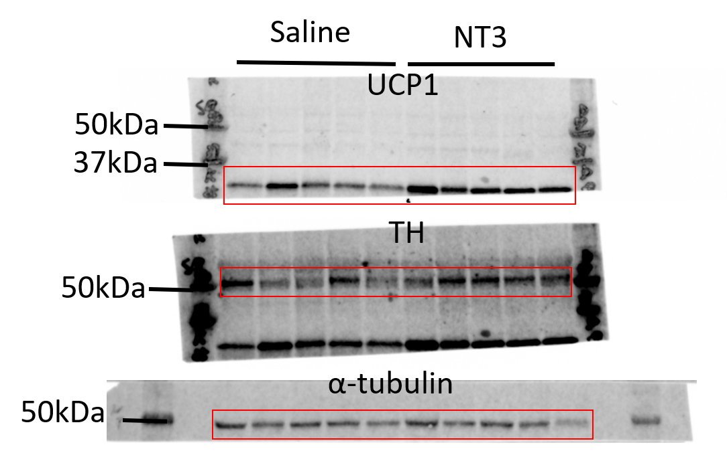

 |  |  |  |  |  |  |  |  |  | UCP1 | Abcam | ab23841 | WB (1:1000)
 |  |  |  |  |  |  |  |  |  | TH | Millipore | Ab152 | WB (1:1000)
 |  |  |  |  |  |  |  |  |  | α-Tubulin | Advanced BioChemicals | ABCENT4777 | WB (1:1000)

Fig2d
 |  | Saline |  |  |  |  |  |  |  |  | NT-3
 | 0 | 17.5 | 20 | 18.7 | 18 | 20 | 19 | 16.5 | 17 | 19.6 | 17.9 | 18.7 | 19.2 | 16.6 | 18.2 | 19.2 | 17.3 | 19.8
 | 1 | 18 | 20 | 19.7 | 18.8 | 20.4 | 18.8 | 17.4 | 17.6 | 20.6 | 18.7 | 19.5 | 19.7 | 17.8 | 18.8 | 19.5 | 17.6 | 19.6
 | 2 | 19.4 | 20.6 | 21.4 | 19.6 | 21.8 | 20.3 | 19.7 | 18.6 | 21.6 | 19.6 | 20.6 | 20.7 | 18.8 | 20.2 | 20 | 18.3 | 21.2
 | 3 | 19.9 | 21.2 | 22.4 | 21.2 | 21.7 | 19.8 | 19.4 | 18.8 | 21.8 | 19.9 | 20.7 | 21.1 | 18.9 | 20 | 20.3 | 18.3 | 21.6
 | 4 | 19.9 | 21.9 | 22.3 | 21.5 | 22.1 | 20.6 | 20.2 | 19.2 | 22.1 | 20.4 | 21.1 | 21.2 | 19.2 | 20.4 | 21 | 18.7 | 21.9
 | 5 | 20 | 21.6 | 22.7 | 21.3 | 22.3 | 21.2 | 21.4 | 19.2 | 22.1 | 20.2 | 20.9 | 20.9 | 18.8 | 19.7 | 21.5 | 19.5 | 22
 | 6 | 19.8 | 21.5 | 23.1 | 21.5 | 22.7 | 21.3 | 21.3 | 19.4 | 22.1 | 20 | 20.8 | 20.5 | 18.7 | 19.6 | 20.8 | 19.2 | 22
 | 7 | 20 | 22.1 | 23.3 | 22 | 23 | 21.1 | 21.4 | 19.4 | 22.2 | 20.1 | 20.9 | 20.6 | 19.3 | 20 | 21.1 | 19.1 | 21.9
 | 8 | 19.9 | 22.1 | 23.8 | 22.1 | 22.5 | 20.4 | 20.9 | 19.1 | 22.8 | 20.3 | 21.1 | 20.8 | 19.5 | 19.9 | 21 | 19.5 | 22.1
 | 9 | 20.1 | 22.1 | 23.8 | 22 | 23.1 | 20.9 | 20.8 | 19.1 | 22.7 | 20.4 | 21.2 | 20.9 | 19.6 | 20 | 21 | 19.7 | 22.1
 | 10 | 20 | 22.7 | 24.5 | 22.4 | 23 | 20.8 | 21.3 | 19.4 | 22.8 | 20.7 | 21.5 | 21 | 19.7 | 20.2 | 21.1 | 19.9 | 22.1
 | 11 | 19.9 | 22.1 | 24.8 | 22.8 | 23.5 | 21.2 | 21.7 | 20 | 23 | 21.1 | 21.9 | 21.1 | 20.4 | 20 | 21.7 | 19.7 | 22.4
 | 12 | 20.8 | 22.6 | 24.8 | 23 | 23.9 | 21.7 | 22.2 | 20.3 | 23.8 | 21.6 | 22.7 | 21.4 | 20.9 | 20.6 | 22.2 | 19.6 | 23.3
 | 13 | 20.9 | 22.9 | 24.8 | 23.4 | 24.3 | 21.8 | 21.9 | 20.6 | 23.4 | 21.8 | 22.4 | 21.8 | 21 | 21.3 | 21.9 | 19.6 | 23.1
 | 14 | 21 | 22.8 | 25.2 | 23.9 | 24.6 | 22 | 22.4 | 21.4 | 23.9 | 21.6 | 22.5 | 21.8 | 20.9 | 21.3 | 22.1 | 20.1 | 23.6
 | 15 | 21.1 | 23.4 | 25.6 | 24 | 25.1 | 22.1 | 22.8 | 21.4 | 23.9 | 21.7 | 22.2 | 22.2 | 21.2 | 21.1 | 22.7 | 20.5 | 24
 | 16 | 20.8 | 23.4 | 26 | 24 | 25.2 | 22.5 | 23.2 | 21.3 | 24.6 | 22 | 23.3 | 22.1 | 21.9 | 21.4 | 23 | 20.4 | 23.7
 | 17 | 21.4 | 23.7 | 26.5 | 24.3 | 25.7 | 22.5 | 23.2 | 21.4 | 24.9 | 22.2 | 23.1 | 22.4 | 22 | 21.8 | 23 | 20.8 | 23.9
 | 18 | 21.6 | 23.6 | 26.7 | 24.5 | 26.2 | 22.8 | 23.7 | 21.9 | 25.1 | 22.9 | 23.1 | 22.6 | 22.2 | 22.2 | 22.5 | 20.7 | 24.1
 | 19 | 21.8 | 23.9 | 27 | 24.9 | 26.4 | 22.7 | 23.7 | 22.1 | 25.1 | 22.4 | 23.2 | 22.7 | 21.7 | 21.7 | 23.1 | 20.8 | 24.4
 | 20 | 21.8 | 24 | 26.7 | 24.9 | 26.7 | 22.8 | 23.1 | 22.1 | 25.4 | 22.3 | 23 | 22.5 | 21.5 | 21.9 | 22.8 | 20.9 | 24.6
 | 21 | 21.7 | 24.5 | 26.9 | 25.2 | 26.9 | 23.7 | 23.9 | 22.4 | 25.6 | 22.7 | 23.1 | 22.8 | 22.1 | 21.9 | 22.8 | 20.4 | 24.8
 | 22 | 22 | 24.8 | 26.8 | 25.9 | 27.5 | 23.8 | 24.4 | 22.7 | 25.6 | 23.2 | 23.6 | 23.4 | 22.9 | 22.5 | 23.5 | 20.8 | 25.1
 | 24 | 21.9 | 24.6 | 26.9 | 25.7 | 27.8 | 23.1 | 24.2 | 22.4 | 25.6 | 22.9 | 23.3 | 22.6 | 22.4 | 22.1 | 23 | 20.6 | 24.9
 | 27 | 23 | 26.4 | 29 | 28 | 29.7 | 24.9 | 26.6 | 23.9 | 27.7 | 23.6 | 25 | 23.6 | 23.8 | 23.4 | 24.8 | 22 | 26.8
 | 29 | 23.4 | 27 | 29.6 | 28.9 | 30.7 | 25.3 | 27.1 | 25.1 | 28.1 | 23.9 | 25 | 23.8 | 24.1 | 23.9 | 25.4 | 22.1 | 27.6
 | 31 | 24 | 27.6 | 30.4 | 30.1 | 31.1 | 26 | 27.7 | 25.3 | 28.8 | 24.3 | 25.2 | 24.1 | 24.4 | 24 | 26.4 | 22.8 | 28.4
 | 34 | 24.9 | 29.9 | 31.6 | 31.8 | 34.2 | 27.7 | 30.2 | 26.8 | 30 | 25 | 26.1 | 24.6 | 24.5 | 24.5 | 27.9 | 23.1 | 29.8
 | 36 | 24.9 | 29.8 | 31.9 | 32.3 | 34.3 | 28.3 | 30.6 | 26.9 | 30.1 | 25.4 | 27 | 25 | 25 | 25 | 28.2 | 23.1 | 30.1
 | 38 | 23.7 | 28.5 | 32.5 | 31.9 | 32.1 | 28 | 30.8 | 27.1 | 30.6 | 21.6 | 26.7 | 24.8 | 25.3 | 25 | 28.2 | 23.3 | 29.2
 | 40 | 24.8 | 29.8 | 32 | 32.9 | 32.1 | 28.8 | 32.4 | 27.6 | 30.5 | 20.1 | 27.2 | 25.4 | 26 | 25.3 | 29.5 | 23.2 | 29.2
 | 43 | 25.5 | 30.2 | 33.5 | 34 | 32.6 | 29.9 | 33.5 | 28.4 | 31.7 | 25.1 | 28.4 | 25.8 | 26.5 | 26.4 | 30.8 | 24.2 | 29.3
 | 44 | 25.3 | 30.3 | 34.7 | 33.8 | 32 | 29.5 | 33.1 | 28.5 | 32.5 | 25.3 | 28.5 | 26.2 | 26.2 | 26.6 | 30.1 | 24.5 | 29.2
 | 45 | 26.4 | 30.7 | 34.3 | 34.4 | 32.5 | 29.5 | 33.5 | 28.4 | 32.5 | 25.5 | 29.3 | 26.8 | 26.7 | 26.8 | 28.6 | 24.6 | 30.5
 | 48 | 26.9 | 32.3 | 35.5 | 36.6 | 34 | 30.5 | 32.9 | 27.1 | 31.8 | 26.7 | 31 | 27.9 | 28 | 27.9 | 28 | 25.1 | 31.8
 | 50 | 27.3 | 33 | 35.1 | 37.2 | 34.6 | 30.6 | 33.1 | 26.9 | 32.6 | 27.3 | 31.6 | 28.7 | 28.7 | 28.1 | 27.2 | 25.4 | 32.6
 | 52 | 28.3 | 34.7 | 36.4 | 39.1 | 35.1 | 30.4 | 33.5 | 27 | 33.2 | 28.9 | 31.6 | 29.5 | 30 | 29.2 | 28 | 25.7 | 34.2
 | 55 | 29.6 | 36.7 | 39 | 41.2 | 37.2 | 31.9 | 35.1 | 28.9 | 35.9 | 29.7 | 33.3 | 31 | 30.8 | 30.3 | 29.7 | 27.3 | 35.1
 | 57 | 29.7 | 37.2 | 39.6 | 42 | 37.3 | 32.3 | 35.9 | 29.1 | 36.8 | 30.5 | 33.5 | 31.7 | 31.1 | 30.8 | 30.1 | 27.4 | 35
 | 59 | 30.1 | 36.7 | 38.8 | 41.4 | 36.5 | 32 | 35.5 | 29.3 | 35.4 | 30.5 | 33.5 | 30.9 | 31 | 30.5 | 29.8 | 27.1 | 35
 | 62 | 30.8 | 38.3 | 40.7 | 43.2 | 38.2 | 33.4 | 37.5 | 30.7 | 36.8 | 31.4 | 34.8 | 32.2 | 32 | 31.1 | 30.1 | 27.5 | 36.5
 | 64 | 30.4 | 39.1 | 40.4 | 44 | 38.5 | 33.3 | 38.3 | 30.8 | 36.1 | 30.7 | 34.7 | 31.4 | 32 | 30.8 | 31 | 27.2 | 37
 | 66 | 31.1 | 39.7 | 41.1 | 45.2 | 39 | 34.3 | 39.9 | 31.7 | 36.5 | 31.3 | 35.1 | 32.2 | 32.6 | 31.5 | 32.6 | 27.8 | 36.6
 | 69 | 31.6 | 41.7 | 43.4 | 46.7 | 40.2 | 35.7 | 40.5 | 32.5 | 38.5 | 31.4 | 35.4 | 32.2 | 32.8 | 31.6 | 33.3 | 29.3 | 37.8

Fig2e
 | Saline |  |  |  |  |  |  |  |  | NT-3
Fat mass | 16.4915 | 10.62462 | 20.32664 | 18.67337 | 16.83494 | 14.15799 | 16.71225 | 10.94384 | 14.69376 | 8.439112 | 12.02916 | 11.65928 | 9.056875 | 8.967075 | 8.186028
Lean mass | 21.94059 | 18.44249 | 22.87771 | 23.0994 | 20.35578 | 18.44527 | 21.7186 | 19.03131 | 17.9174 | 20.00078 | 19.43338 | 18.58343 | 19.38963 | 20.2748 | 16.55838

Fig2g
 | Saline |  |  |  |  |  |  |  | NT-3
iBAT | 0.2089 | 0.2169 | 0.2875 | 0.1457 | 0.118 | 0.207 | 0.1125 | 0.293 | 0.1409 | 0.1532 | 0.1329 | 0.1696 | 0.0917 | 0.1021 | 0.129 | 0.108
iWAT | 1.8004 | 2.0896 | 2.3931 | 1.577 | 1.5193 | 1.527 | 1.4552 | 1.962 | 0.9301 | 1.3628 | 1.1344 | 1.0655 | 0.7843 | 0.8298 | 1.0456 | 0.994
eWAT | 2.8301 | 2.9601 | 2.0907 | 2.79 | 2.6329 | 3.1949 | 2.8521 | 1.899 | 1.7814 | 2.1427 | 1.9702 | 1.7317 | 1.789 | 2.0538 | 1.8676 | 1.973
Liver | 1.3899 | 1.7758 | 1.952 | 1.514 | 1.2286 | 1.2308 | 1.3398 | 1.428 | 1.3141 | 1.3635 | 1.2382 | 1.1367 | 1.074 | 1.0635 | 1.1178 | 1.1756

Fig2h
 | Saline |  |  |  |  |  |  | NT-3
0 | 3343 | 3430 | 3727 | 2783 | 3675 | 3853 | 3305 | 3949 | 3786 | 4734 | 4132 | 4754 | 4428 | 5317
0.5 | 4520 | 4486 | 3527 | 4762 | 4079 | 3860 | 3650 | 4471 | 5088 | 4431 | 4254 | 5349 | 5284 | 4569
1 | 3261 | 4227 | 4050 | 3765 | 4613 | 3660 | 3103 | 5095 | 3818 | 4447 | 4370 | 4806 | 4300 | 4626
1.5 | 4373 | 3753 | 3379 | 3277 | 4102 | 3389 | 2942 | 4484 | 4185 | 4258 | 3891 | 5020 | 4302 | 4877
2 | 3895 | 3129 | 3068 | 3959 | 4444 | 4131 | 4030 | 4229 | 3553 | 4449 | 3997 | 4413 | 3915 | 4884
2.5 | 3670 | 3611 | 2639 | 3667 | 4236 | 3233 | 3223 | 3942 | 3984 | 3712 | 4377 | 4944 | 4137 | 5373
3 | 3117 | 3420 | 2422 | 2932 | 3270 | 4037 | 3390 | 4982 | 4113 | 3772 | 3719 | 4460 | 4338 | 4099
3.5 | 3111 | 3490 | 2294 | 2604 | 3162 | 3556 | 3377 | 4654 | 3957 | 3845 | 4892 | 3898 | 3703 | 3958
4 | 3148 | 3213 | 2849 | 4098 | 3396 | 3600 | 2749 | 3559 | 4778 | 4027 | 3554 | 4402 | 4444 | 3866
4.5 | 4444 | 3190 | 4117 | 3768 | 4472 | 4274 | 3205 | 3726 | 3460 | 4886 | 3822 | 4350 | 4336 | 3875
5 | 3276 | 3265 | 3035 | 2918 | 4497 | 3813 | 3769 | 3717 | 3858 | 3861 | 3453 | 4122 | 4666 | 5254
5.5 | 3023 | 3752 | 2965 | 2761 | 5148 | 3782 | 3083 | 3797 | 3794 | 3692 | 3621 | 3524 | 4679 | 4035
6 | 2952 | 3856 | 2935 | 3769 | 3933 | 3477 | 3231 | 4014 | 4799 | 3914 | 3533 | 4013 | 4512 | 3496
6.5 | 3375 | 4013 | 3445 | 2845 | 3841 | 3886 | 3398 | 3602 | 5011 | 3593 | 3656 | 4611 | 4641 | 4194
7 | 3109 | 3426 | 3135 | 3137 | 3726 | 3235 | 3218 | 3722 | 4429 | 4387 | 3496 | 4455 | 4156 | 3964
7.5 | 3698 | 3446 | 2444 | 3079 | 3534 | 3106 | 3224 | 4163 | 4097 | 4164 | 3472 | 3787 | 4139 | 3980
8 | 2695 | 5144 | 2382 | 3295 | 3521 | 4690 | 3733 | 4592 | 3510 | 4001 | 4162 | 3553 | 4101 | 3502
8.5 | 3422 | 3232 | 3256 | 3119 | 3535 | 3680 | 3399 | 3779 | 3970 | 3724 | 3615 | 3698 | 4734 | 4258
9 | 2738 | 3620 | 3475 | 3053 | 3383 | 3764 | 2733 | 3725 | 3948 | 3709 | 3716 | 4891 | 3794 | 3688
9.5 | 3165 | 3091 | 2957 | 3113 | 4193 | 4084 | 2880 | 4522 | 3790 | 3760 | 3711 | 4159 | 3769 | 4324
10 | 2900 | 3051 | 3532 | 4184 | 4382 | 3819 | 2921 | 3438 | 4419 | 4184 | 3695 | 4537 | 3601 | 3738
10.5 | 4461 | 3929 | 3380 | 2906 | 4105 | 3961 | 3139 | 3911 | 4343 | 4636 | 3683 | 4057 | 3670 | 4584
11 | 3047 | 2989 | 3027 | 2525 | 3981 | 3428 | 3815 | 4178 | 4660 | 3524 | 3737 | 3447 | 4671 | 4426
11.5 | 3088 | 3061 | 2450 | 2883 | 3740 | 3615 | 2885 | 3940 | 3492 | 3343 | 3586 | 3912 | 4435 | 4144
12 | 2357 | 3362 | 2556 | 3237 | 2753 | 3298 | 2531 | 3544 | 3192 | 3510 | 3817 | 4183 | 4470 | 3738
12.5 | 2686 | 3073 | 2562 | 2853 | 2841 | 3365 | 2503 | 3015 | 4162 | 4244 | 3770 | 3491 | 4180 | 3039
13 | 2494 | 3058 | 2539 | 2888 | 3116 | 2877 | 2594 | 3284 | 3274 | 3346 | 2937 | 3508 | 4641 | 3446
13.5 | 3722 | 3246 | 2524 | 3470 | 2901 | 2814 | 2540 | 3164 | 3485 | 3276 | 3230 | 3527 | 3988 | 4287
14 | 2501 | 2660 | 2575 | 2946 | 3143 | 3291 | 2205 | 3754 | 2935 | 3444 | 2783 | 2946 | 3544 | 3256
14.5 | 2523 | 2846 | 3029 | 2311 | 2711 | 3198 | 2687 | 4188 | 3339 | 2983 | 2621 | 2897 | 3843 | 3230
15 | 2502 | 3074 | 2978 | 3064 | 3051 | 3057 | 2327 | 3198 | 3195 | 3183 | 3511 | 3250 | 3463 | 3325
15.5 | 2725 | 3099 | 2753 | 2247 | 2848 | 2739 | 3382 | 2839 | 3849 | 2856 | 3088 | 3001 | 3713 | 3209
16 | 2736 | 2963 | 2482 | 3055 | 4015 | 3736 | 2896 | 3280 | 3932 | 3264 | 2997 | 4896 | 4305 | 3936
16.5 | 2365 | 2915 | 2880 | 2896 | 3160 | 3290 | 2723 | 3243 | 3317 | 3239 | 3744 | 3963 | 3869 | 3694
17 | 2542 | 2991 | 2718 | 2778 | 2963 | 3425 | 2418 | 3164 | 3278 | 3735 | 2929 | 2861 | 3894 | 3152
17.5 | 2340 | 3223 | 2441 | 2361 | 2937 | 3037 | 2478 | 3089 | 3921 | 3021 | 2883 | 2966 | 3356 | 3107
18 | 2542 | 2909 | 2549 | 2575 | 3263 | 3028 | 2694 | 4151 | 2765 | 3244 | 2977 | 3087 | 3307 | 3066
18.5 | 2348 | 2900 | 2391 | 2628 | 3329 | 3276 | 2991 | 3092 | 3220 | 2899 | 3165 | 3091 | 4010 | 3566
19 | 3018 | 2904 | 2569 | 2593 | 2948 | 3115 | 2723 | 3353 | 3543 | 3674 | 2794 | 3018 | 3336 | 3114
19.5 | 2758 | 3186 | 3021 | 2693 | 3058 | 2871 | 2684 | 3118 | 3375 | 3412 | 3432 | 3050 | 3343 | 3299
20 | 2633 | 2952 | 2570 | 2594 | 2716 | 2928 | 2597 | 3608 | 3885 | 3189 | 2768 | 3295 | 3514 | 3240
20.5 | 2359 | 3043 | 2548 | 2691 | 2921 | 2906 | 2874 | 3264 | 4117 | 3049 | 2566 | 3986 | 4237 | 3741
21 | 2518 | 3052 | 2977 | 2587 | 4072 | 3062 | 2552 | 3549 | 3312 | 3163 | 3513 | 4228 | 3385 | 3336
21.5 | 2602 | 2643 | 2603 | 2755 | 3099 | 3166 | 2807 | 2991 | 3563 | 3907 | 2953 | 3265 | 3319 | 3080
22 | 2556 | 3279 | 2587 | 3092 | 2782 | 3840 | 2850 | 2962 | 3483 | 3265 | 3003 | 3290 | 3950 | 4392
22.5 | 2564 | 3390 | 3052 | 2824 | 3335 | 3278 | 2696 | 3248 | 3362 | 3308 | 3033 | 3200 | 3620 | 3464
23 | 2880 | 3468 | 3668 | 3283 | 3151 | 2995 | 2909 | 4739 | 3448 | 3540 | 3460 | 3940 | 3677 | 3997
23.5 | 2565 | 3731 | 2957 | 2532 | 3142 | 3442 | 3277 | 3239 | 4100 | 3626 | 3450 | 3836 | 3540 | 3317
24 | 4155 | 4053 | 3399 | 4048 | 3504 | 3688 | 3857 | 4181 | 4074 | 5758 | 3688 | 4405 | 4765 | 4742
24.5 | 3821 | 4372 | 4141 | 3301 | 4252 | 3979 | 3337 | 5281 | 5463 | 4654 | 4076 | 4441 | 4169 | 5393
25 | 2915 | 4771 | 4248 | 4591 | 4189 | 3661 | 3075 | 4951 | 5352 | 5079 | 4347 | 3934 | 5344 | 4469
25.5 | 4259 | 3869 | 3401 | 2795 | 3836 | 3590 | 3331 | 5331 | 4294 | 4183 | 4124 | 4640 | 4013 | 4107
26 | 3107 | 4057 | 3765 | 3840 | 3639 | 4880 | 3239 | 5866 | 3973 | 4428 | 3916 | 4836 | 4469 | 3622
26.5 | 3144 | 3082 | 3204 | 2941 | 3867 | 3565 | 3210 | 4333 | 4607 | 4847 | 3821 | 4776 | 4380 | 3504
27 | 2863 | 3507 | 2715 | 3015 | 3456 | 3777 | 2955 | 5278 | 4190 | 4372 | 3569 | 4484 | 3680 | 3992
27.5 | 3303 | 3112 | 2712 | 3009 | 3335 | 3127 | 3997 | 5012 | 4277 | 4204 | 3912 | 4500 | 4322 | 3989
28 | 4608 | 3750 | 2969 | 2878 | 4361 | 3573 | 3120 | 4838 | 4141 | 3567 | 3261 | 4134 | 4270 | 5118
28.5 | 3563 | 3871 | 3942 | 3737 | 4332 | 3268 | 3327 | 3845 | 4872 | 3858 | 3719 | 4634 | 4024 | 5361
29 | 2820 | 3832 | 2810 | 3951 | 3691 | 3458 | 3499 | 4186 | 5055 | 3684 | 3552 | 4237 | 3987 | 4206
29.5 | 3987 | 3060 | 3507 | 4039 | 3596 | 3079 | 3277 | 3962 | 4432 | 3748 | 3269 | 5113 | 5118 | 4065
30 | 3407 | 3381 | 2575 | 3027 | 4422 | 3170 | 3481 | 4408 | 5809 | 5928 | 4006 | 4636 | 3699 | 3660
30.5 | 2891 | 3041 | 3925 | 3104 | 3548 | 4126 | 2659 | 3970 | 4189 | 4831 | 3500 | 3780 | 4055 | 3784
31 | 3542 | 4392 | 3905 | 2908 | 3520 | 3327 | 2842 | 4641 | 4378 | 4308 | 3324 | 3773 | 4168 | 4480
31.5 | 2944 | 2936 | 3340 | 4285 | 3146 | 3777 | 2501 | 4441 | 4621 | 3875 | 3701 | 3829 | 4028 | 3762
32 | 3309 | 3728 | 3316 | 2975 | 3481 | 3597 | 2938 | 4100 | 4535 | 3675 | 3683 | 3802 | 3697 | 3596
32.5 | 3462 | 3446 | 3713 | 3122 | 4179 | 3773 | 3318 | 4492 | 3723 | 3344 | 3114 | 3796 | 4006 | 4001
33 | 3386 | 4147 | 3131 | 2905 | 4077 | 3432 | 2715 | 3905 | 4194 | 4961 | 3464 | 4659 | 4048 | 3759
33.5 | 3153 | 3239 | 3249 | 2705 | 3448 | 3577 | 2631 | 5021 | 4044 | 3546 | 3566 | 4868 | 4214 | 4407
34 | 3074 | 3684 | 3408 | 3881 | 3461 | 3992 | 2887 | 4353 | 5149 | 4563 | 3799 | 4865 | 3914 | 4418
34.5 | 4218 | 4328 | 3241 | 3317 | 4063 | 2865 | 2724 | 4909 | 4448 | 4200 | 4082 | 4404 | 4092 | 3308
35 | 3356 | 3658 | 2374 | 2743 | 4046 | 3136 | 4085 | 4275 | 4033 | 4431 | 3811 | 4570 | 3791 | 3689
35.5 | 2942 | 3767 | 2528 | 2734 | 3444 | 2972 | 3232 | 4246 | 3989 | 3396 | 4501 | 3850 | 3380 | 3747

 | Saline |  |  |  |  |  |  | NT-3
Light | 2618.1666667 | 3081.9583333 | 2730.375 | 2789.7083333 | 3093.9583333 | 3168.0833333 | 2705.75 | 3378.1666667 | 3502.1666667 | 3349.0416667 | 3142.6666667 | 3448.9583333 | 3771 | 3459.625
Dark | 3426.2083333 | 3711.7916667 | 3313.25 | 3327.125 | 3787.2083333 | 3557.875 | 3176.5416667 | 4576.0416667 | 4493.4166667 | 4310 | 3741.875 | 4373.5833333 | 4151.375 | 4132.4583333

Fig2i
 | Saline |  |  |  |  |  |  | NTF3
0 | 16.19 | 16.346 | 17.86 | 13.376 | 17.723 | 18.549 | 15.963 | 19.072 | 18.085 | 22.729 | 19.978 | 22.729 | 21.426 | 25.54
0.5 | 21.637 | 21.565 | 16.971 | 22.9 | 19.492 | 18.547 | 17.536 | 21.719 | 24.682 | 21.282 | 20.448 | 25.532 | 25.515 | 21.961
1 | 15.62 | 20.291 | 19.313 | 18.027 | 22.05 | 17.522 | 14.852 | 24.511 | 18.349 | 21.34 | 20.952 | 23.021 | 20.713 | 22.286
1.5 | 20.998 | 18.046 | 16.171 | 15.644 | 19.597 | 16.142 | 14.126 | 21.547 | 20.097 | 20.334 | 18.595 | 23.955 | 20.61 | 23.411
2 | 18.754 | 15.077 | 14.791 | 19.048 | 21.271 | 19.922 | 19.343 | 20.315 | 17.058 | 21.414 | 19.269 | 21.186 | 18.911 | 23.24
2.5 | 17.685 | 17.399 | 12.644 | 17.63 | 20.359 | 15.426 | 15.415 | 18.861 | 19.233 | 18.003 | 21.017 | 23.805 | 19.864 | 25.763
3 | 14.868 | 16.376 | 11.511 | 13.902 | 15.728 | 19.473 | 16.288 | 23.931 | 19.641 | 17.92 | 17.78 | 21.418 | 20.839 | 19.704
3.5 | 15.01 | 16.826 | 11.024 | 12.436 | 14.953 | 17.024 | 16.193 | 22.352 | 19.138 | 18.434 | 23.423 | 18.509 | 17.733 | 18.688
4 | 15.03 | 15.398 | 13.81 | 19.689 | 16.263 | 17.17 | 13.061 | 17.001 | 23.202 | 19.417 | 16.921 | 21.162 | 21.382 | 18.473
4.5 | 21.319 | 15.22 | 19.964 | 17.998 | 21.32 | 20.516 | 15.375 | 17.908 | 16.586 | 23.646 | 18.355 | 20.836 | 20.662 | 18.437
5 | 15.617 | 15.811 | 14.572 | 13.849 | 21.513 | 18.425 | 18.098 | 17.91 | 18.587 | 18.406 | 16.379 | 19.504 | 22.315 | 25.183
5.5 | 14.385 | 18.204 | 14.145 | 13.128 | 24.523 | 18.173 | 14.783 | 18.162 | 18.298 | 17.702 | 17.271 | 16.705 | 22.414 | 19.313
6 | 14.066 | 18.444 | 13.887 | 17.97 | 18.877 | 16.676 | 15.369 | 19.09 | 23.062 | 18.563 | 16.793 | 19.115 | 21.473 | 16.462
6.5 | 16.071 | 19.242 | 16.522 | 13.529 | 18.39 | 18.644 | 16.315 | 17.16 | 23.958 | 17.015 | 17.496 | 21.889 | 22.118 | 20.053
7 | 14.899 | 16.348 | 15.047 | 14.864 | 17.824 | 15.452 | 15.471 | 17.841 | 21.222 | 21.158 | 16.769 | 21.149 | 19.563 | 18.788
7.5 | 17.734 | 16.469 | 11.678 | 14.597 | 16.682 | 14.907 | 15.39 | 19.993 | 19.578 | 19.857 | 16.441 | 17.916 | 19.533 | 18.75
8 | 12.919 | 24.788 | 11.323 | 15.64 | 16.714 | 22.562 | 17.81 | 21.961 | 16.709 | 19.118 | 19.804 | 16.732 | 19.644 | 16.495
8.5 | 16.284 | 15.472 | 15.481 | 14.98 | 16.937 | 17.57 | 16.286 | 18.031 | 18.932 | 17.593 | 17.406 | 17.475 | 22.705 | 20.207
9 | 13.078 | 17.296 | 16.712 | 14.575 | 16.068 | 17.968 | 13.048 | 17.66 | 18.903 | 17.596 | 17.637 | 23.14 | 17.891 | 17.5
9.5 | 15.138 | 14.648 | 14.196 | 14.841 | 19.999 | 19.593 | 13.746 | 21.702 | 18.197 | 18.058 | 17.516 | 19.655 | 17.921 | 20.564
10 | 14.022 | 14.598 | 16.822 | 19.893 | 20.975 | 18.348 | 13.94 | 16.354 | 21.185 | 19.988 | 17.686 | 21.562 | 17.228 | 17.894
10.5 | 21.456 | 18.819 | 16.167 | 13.852 | 19.627 | 18.994 | 14.991 | 18.845 | 20.871 | 22.114 | 17.589 | 19.249 | 17.549 | 21.822
11 | 14.52 | 14.254 | 14.55 | 12.033 | 19.064 | 16.342 | 18.136 | 19.998 | 22.181 | 16.693 | 17.642 | 16.216 | 22.247 | 20.979
11.5 | 14.622 | 14.577 | 11.727 | 13.66 | 17.849 | 17.219 | 13.794 | 18.837 | 16.578 | 15.958 | 17.013 | 18.54 | 21.12 | 19.659
12 | 11.259 | 15.965 | 12.219 | 15.373 | 12.968 | 15.777 | 12.003 | 16.722 | 15.06 | 16.764 | 18.289 | 19.921 | 21.246 | 17.578
12.5 | 12.922 | 14.548 | 12.202 | 13.611 | 13.455 | 16.101 | 11.936 | 14.325 | 19.663 | 20.482 | 17.924 | 16.645 | 19.929 | 14.439
13 | 11.9 | 14.499 | 12.223 | 13.687 | 14.86 | 13.679 | 12.358 | 15.599 | 15.582 | 15.957 | 13.924 | 16.506 | 21.881 | 16.373
13.5 | 17.897 | 15.449 | 12.063 | 16.497 | 13.922 | 13.432 | 12.109 | 15.135 | 16.749 | 15.533 | 15.454 | 16.569 | 18.792 | 20.369
14 | 11.927 | 12.71 | 12.239 | 13.898 | 14.967 | 15.647 | 10.502 | 17.834 | 13.938 | 16.306 | 13.445 | 13.969 | 16.959 | 15.538
14.5 | 11.893 | 13.529 | 14.549 | 10.933 | 12.893 | 15.277 | 12.78 | 19.961 | 15.837 | 14.351 | 12.785 | 13.812 | 18.218 | 15.375
15 | 11.87 | 14.522 | 14.222 | 14.403 | 14.593 | 14.552 | 11.065 | 15.16 | 15.195 | 15.251 | 16.998 | 15.452 | 16.415 | 15.996
15.5 | 12.996 | 14.725 | 13.085 | 10.752 | 13.652 | 13.032 | 16.245 | 13.522 | 18.454 | 13.704 | 14.869 | 14.159 | 17.708 | 15.414
16 | 13.05 | 13.964 | 11.719 | 14.49 | 19.055 | 17.604 | 13.625 | 15.58 | 18.805 | 15.706 | 14.425 | 23.173 | 20.373 | 18.625
16.5 | 11.341 | 13.687 | 13.826 | 13.712 | 15.046 | 15.672 | 12.893 | 15.522 | 15.74 | 15.509 | 17.895 | 18.864 | 18.436 | 17.734
17 | 12.17 | 14.115 | 12.846 | 13.122 | 13.99 | 16.242 | 11.486 | 15.236 | 15.513 | 17.952 | 13.84 | 13.6 | 18.406 | 14.918
17.5 | 11.249 | 15.481 | 11.556 | 11.172 | 13.968 | 14.417 | 11.792 | 14.781 | 18.639 | 14.342 | 13.719 | 14.15 | 15.83 | 14.692
18 | 12.17 | 13.846 | 12.048 | 12.188 | 15.692 | 14.322 | 12.925 | 19.903 | 13.134 | 15.541 | 14.429 | 14.799 | 15.639 | 14.702
18.5 | 11.149 | 13.647 | 11.331 | 12.428 | 15.938 | 15.801 | 14.514 | 14.678 | 15.222 | 13.762 | 15.316 | 14.847 | 19.089 | 17.291
19 | 14.387 | 13.664 | 12.176 | 12.494 | 14.211 | 14.877 | 13.091 | 15.833 | 16.802 | 17.605 | 13.575 | 14.424 | 15.856 | 14.894
19.5 | 13.073 | 15.202 | 14.501 | 12.89 | 14.637 | 13.881 | 12.829 | 14.807 | 16.031 | 16.314 | 16.683 | 14.604 | 15.82 | 15.831
20 | 12.428 | 13.862 | 12.225 | 12.409 | 12.891 | 14.076 | 12.579 | 17.294 | 18.411 | 14.979 | 13.314 | 15.866 | 16.774 | 15.575
20.5 | 11.287 | 14.582 | 11.999 | 12.891 | 14.001 | 13.951 | 13.894 | 15.516 | 19.573 | 14.538 | 12.313 | 19.12 | 20.489 | 17.994
21 | 11.894 | 14.475 | 14.173 | 12.411 | 19.574 | 14.515 | 12.228 | 16.902 | 15.525 | 15.087 | 16.93 | 20.247 | 16.094 | 15.856
21.5 | 12.295 | 12.584 | 12.39 | 13.156 | 14.91 | 15.12 | 13.515 | 14.331 | 16.696 | 18.836 | 14.335 | 15.548 | 15.908 | 14.699
22 | 12.194 | 15.802 | 12.36 | 14.873 | 13.259 | 18.522 | 13.628 | 14.067 | 16.58 | 15.672 | 14.475 | 15.562 | 19.129 | 21.155
22.5 | 12.277 | 16.331 | 14.475 | 13.449 | 15.795 | 15.801 | 12.95 | 15.554 | 15.831 | 15.831 | 14.434 | 15.327 | 17.255 | 16.604
23 | 13.802 | 16.7 | 17.529 | 15.698 | 15.247 | 14.278 | 14.059 | 22.733 | 16.453 | 17.028 | 16.798 | 19.107 | 17.614 | 19.151
23.5 | 12.333 | 17.898 | 14.023 | 12.171 | 14.965 | 16.626 | 15.697 | 15.319 | 19.577 | 17.379 | 16.645 | 18.343 | 17.038 | 15.881
24 | 19.872 | 19.389 | 16.265 | 19.503 | 17 | 17.776 | 18.47 | 19.896 | 19.549 | 27.601 | 17.843 | 21.39 | 22.966 | 22.73
24.5 | 18.103 | 20.885 | 19.736 | 15.862 | 20.495 | 19.223 | 15.954 | 25.245 | 26.148 | 22.347 | 19.49 | 21.483 | 19.99 | 25.926
25 | 13.878 | 22.86 | 20.228 | 22.012 | 20.084 | 17.595 | 14.759 | 23.6 | 25.6 | 24.107 | 20.923 | 18.793 | 25.735 | 21.401
25.5 | 20.352 | 18.545 | 16.261 | 13.343 | 18.39 | 17.298 | 16.009 | 25.233 | 20.578 | 19.92 | 19.812 | 22.281 | 19.351 | 19.589
26 | 14.871 | 19.39 | 17.901 | 18.373 | 17.442 | 23.461 | 15.563 | 27.945 | 18.829 | 21.148 | 18.72 | 23.249 | 21.651 | 17.243
26.5 | 15.058 | 14.651 | 15.301 | 14.123 | 18.547 | 17.121 | 15.442 | 20.67 | 22.194 | 23.316 | 18.343 | 22.925 | 21.165 | 16.9
27 | 13.581 | 16.747 | 12.872 | 14.414 | 16.53 | 18.223 | 14.096 | 25.11 | 20.13 | 20.789 | 17.071 | 21.54 | 17.579 | 19.118
27.5 | 15.723 | 14.827 | 12.823 | 14.359 | 15.986 | 15.051 | 19.102 | 23.889 | 20.447 | 20.017 | 18.664 | 21.711 | 20.766 | 19.119
28 | 21.954 | 17.893 | 14.144 | 13.773 | 21.006 | 17.144 | 14.945 | 23.018 | 19.702 | 16.716 | 15.391 | 19.693 | 20.583 | 24.535
28.5 | 17.036 | 18.49 | 18.895 | 18.056 | 20.759 | 15.645 | 15.932 | 18.251 | 23.378 | 18.17 | 17.734 | 22.316 | 19.11 | 25.628
29 | 13.423 | 18.289 | 13.417 | 18.936 | 17.633 | 16.601 | 16.758 | 19.758 | 24.113 | 17.399 | 16.853 | 20.117 | 19.086 | 20.014
29.5 | 18.985 | 14.525 | 16.532 | 19.251 | 17.175 | 14.774 | 15.672 | 18.798 | 21.12 | 17.688 | 15.61 | 24.472 | 24.64 | 19.09
30 | 16.175 | 16.097 | 12.066 | 14.411 | 21.16 | 15.178 | 16.684 | 20.855 | 27.756 | 28.169 | 19.241 | 22.214 | 17.812 | 17.357
30.5 | 13.743 | 14.556 | 18.776 | 14.786 | 16.989 | 19.79 | 12.687 | 18.796 | 19.927 | 22.982 | 16.833 | 17.859 | 19.442 | 17.915
31 | 16.789 | 21.037 | 18.683 | 13.85 | 16.734 | 15.946 | 13.514 | 22.147 | 20.897 | 20.364 | 15.763 | 17.894 | 19.888 | 21.438
31.5 | 14.011 | 13.979 | 15.831 | 20.456 | 15.021 | 18.196 | 11.885 | 21.111 | 21.819 | 18.166 | 17.639 | 18.243 | 19.075 | 17.909
32 | 15.749 | 17.79 | 15.768 | 14.227 | 16.722 | 17.217 | 14.002 | 19.441 | 21.467 | 17.537 | 17.454 | 18.158 | 17.563 | 16.978
32.5 | 16.527 | 16.343 | 17.716 | 14.95 | 20.06 | 18.069 | 15.667 | 21.038 | 17.536 | 15.788 | 14.814 | 18.058 | 19.114 | 18.946
33 | 16.04 | 19.708 | 14.949 | 13.879 | 19.488 | 16.471 | 13.044 | 18.43 | 19.96 | 23.865 | 16.463 | 22.344 | 19.24 | 17.853
33.5 | 14.888 | 15.346 | 15.434 | 12.887 | 16.532 | 17.196 | 12.694 | 23.782 | 19.049 | 16.721 | 17.116 | 23.241 | 20.19 | 21.009
34 | 14.626 | 17.569 | 16.235 | 18.587 | 16.642 | 19.14 | 13.792 | 20.564 | 24.601 | 21.691 | 18.148 | 23.14 | 18.764 | 21.047
34.5 | 20.109 | 20.66 | 15.411 | 15.717 | 19.523 | 13.777 | 12.942 | 23.271 | 21.184 | 19.781 | 19.488 | 21.023 | 19.645 | 15.693
35 | 15.934 | 17.44 | 11.236 | 12.962 | 19.3 | 14.95 | 19.451 | 20.244 | 19.153 | 21.012 | 18.289 | 21.863 | 18.127 | 17.701
35.5 | 13.871 | 17.941 | 11.954 | 13.021 | 16.504 | 14.257 | 15.485 | 19.973 | 19.029 | 15.944 | 21.645 | 18.475 | 16.15 | 17.856

 | Saline |  |  |  |  |  |  | NTF3
Light | 12.490125 | 14.657791667 | 12.999125 | 13.2795 | 14.770375 | 15.133416667 | 12.945958333 | 16.096416667 | 16.625416667 | 16.017875 | 15.11725 | 16.44225 | 17.954083333 | 16.5285
Dark | 16.304083333 | 17.706541667 | 15.768083333 | 15.90575 | 18.155083333 | 17.087458333 | 15.189541667 | 21.711041667 | 21.423583333 | 20.46825 | 17.889458333 | 20.93675 | 19.901333333 | 19.708125

Fig2j
 | Saline |  |  |  |  |  |  |  |  | NTF3
UCP1 | 0.849226 | 1.221114 | 1.276845 | 1.023083 | 0.982819 | 1.031704 | 0.884135 | 0.808293 | 0.922781 | 1.691881 | 1.343738 | 1.29245 | 1.127885 | 1.449977 | 2.053445 | 1.414585 | 1.74955
TH | 0.872045 | 1.346299 | 0.91558 | 0.693937 | 0.931844 | 0.844307 | 1.179341 | 1.16224 | 1.054407 | 1.301145 | 1.479801 | 1.699283 | 1.491391 | 1.32989 | 1.440564 | 1.688214 | 0.677202

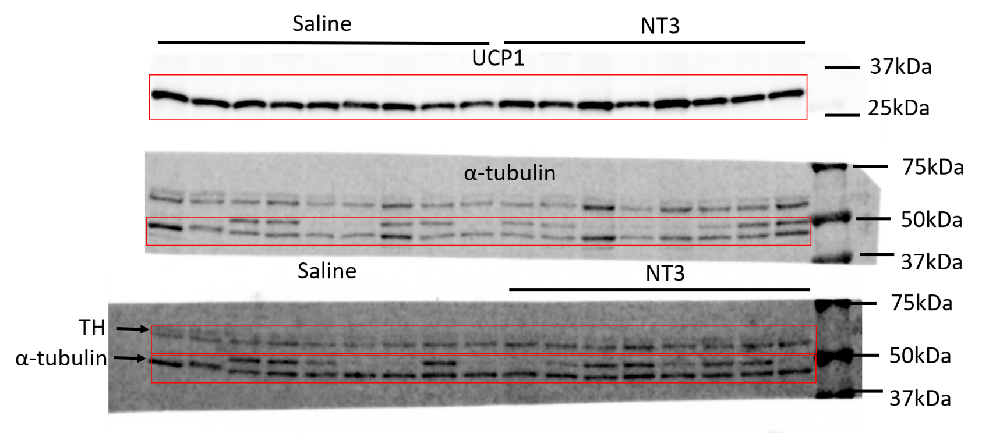
 |  |  |  |  |  |  |  |  |  |  |  | UCP1 | Abcam | ab23841 | WB (1:1000)
 |  |  |  |  |  |  |  |  |  |  |  | TH | Millipore | Ab152 | WB (1:1000)
 |  |  |  |  |  |  |  |  |  |  |  | α-Tubulin | Advanced BioChemicals | ABCENT4777 | WB (1:1000)

Fig2l
 | NT3 | BW
 | 325.9895 | 34
 | 151.4442 | 37.6
 | 259.2973 | 34.8
 | 79.21865 | 33.1
 | 107.5902 | 42.7
 | 192.5533 | 42.5
 | 145.976 | 35.2
 | 39.37774 | 46.5
 | 104.8182 | 48.5
 | 32.11314 | 44.6
 | 206.8875 | 38.8
 | 64.35929 | 45.4
 | 115.8865 | 36.6
 | 196.3845 | 40.5

Fig3
Fig3a
 | WT | AdNTF3-Tg
 | 1.106521 | 1.293749
 | 0.943458 | 3.155476
 | 0.950021 | 2.48562
 |  | 2.050041

Fig3b | WT | AdNTF3-Tg
 | 1.189046 | 2.013591
 | 0.603087 | 2.292403
 | 2.217097 | 2.805872
 | 0.92608 | 2.577683
 | 0.949977 | 2.954876
 | 0.720706
 | 0.394007

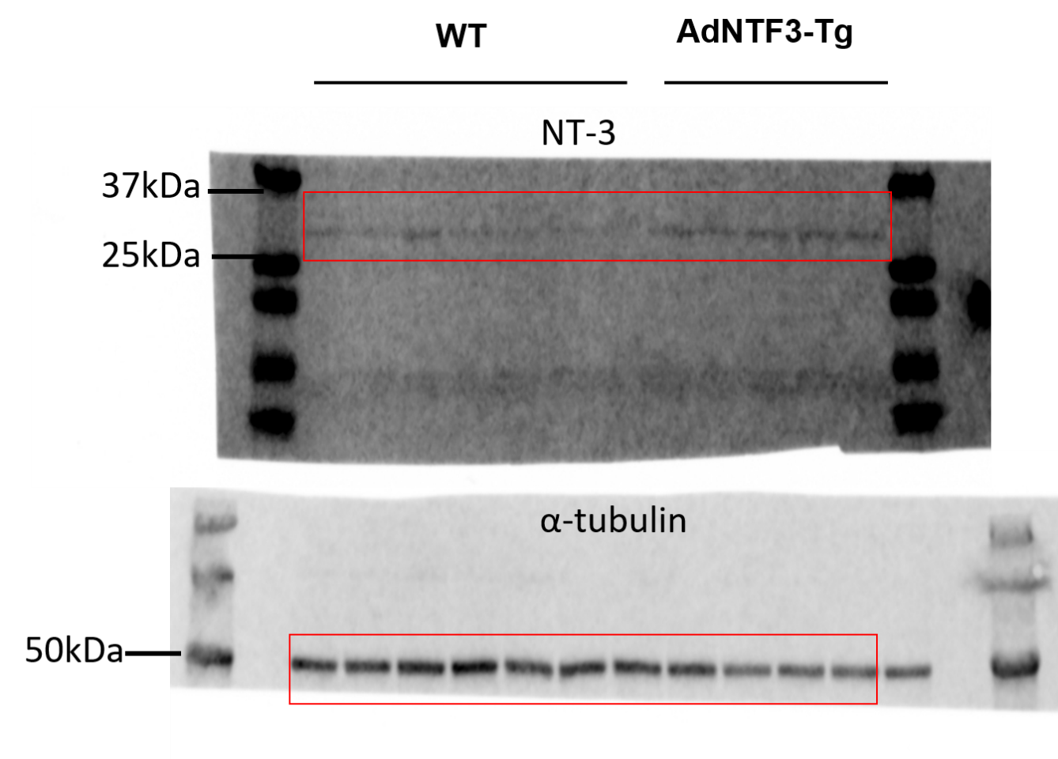

 |  |  |  |  |  |  |  |  |  | NT-3 | R&D Systems | AF-267-NA | WB (1:1000)
 |  |  |  |  |  |  |  |  |  | α-Tubulin | Advanced BioChemicals | ABCENT4777 | WB (1:1000)

Fig3c | WT | AdNTF3-Tg
 | 7.484761 | 13.96552
 | 9.678109 | 10.92913
 | 8.948066 | 10.90285
 | 9.380757 | 10.16202

Fig3d |  | WT |  |  |  |  | AdNTF3-Tg
 | 0 | 36 | 34.5 | 35.3 | 35.8 | 33.3 | 35.6 | 35.2 | 34.9 | 35.8 | 35.1
 | 1 | 36.9 | 33.8 | 34.7 | 36 | 31.5 | 34.4 | 34.3 | 35 | 37.3 | 34.4
 | 2 | 36.1 | 32.9 | 33.6 | 35.1 | 29.6 | 34.8 | 35.6 | 32.5 | 36 | 32.4
 | 3 | 34.5 | 32 | 31.9 | 36.6 | 30 | 34.4 | 33.4 | 34.9 | 36.6 | 33.9
 | 4 | 34.1 | 32.3 | 31.8 | 35.7 | 30.3 | 34.4 | 33.9 | 34.3 | 36.5 | 32.6
 | 5 | 35.9 | 32.6 | 31.8 | 35.8 | 29.9 | 34.1 | 34.4 | 35.9 | 37 | 34.2
 | 6 | 34.4 | 31.7 | 32.1 | 35.3 | 29.8 | 34 | 33.8 | 35.1 | 36.1 | 32.8
 | 8 | 35.2 | 33.1 | 33.2 | 35.8 | 31.6 | 33.8 | 34.6 | 34.4 | 37.3 | 34.4
 | 9 | 35.3 | 33.5 | 32.7 | 36.1 | 31.2 | 34.7 | 33.9 | 33.3 | 36.5 | 34.5
 | 10 | 33.6 | 32.6 | 33.1 | 36 | 31.1 | 33.7 | 33.8 | 33.4 | 36.6 | 33.7
 | 11 | 34.8 | 31.9 | 32.8 | 35.2 | 30.7 | 34.4 | 34.2 | 33.9 | 35.6 | 33.3
 | 12 | 34.6 | 30.3 | 31.8 | 33.4 | 29.6 | 33.7 | 32.9 | 32.2 | 35.9 | 34
 | 14 | 34.9 | 30 | 32.3 | 34.9 | 31 | 34 | 33.5 | 35.3 | 34.3 | 34.9
 | 16 | 32.7 | 31.9 | 29.9 | 34 | 30.3 | 33.5 | 32.4 | 33.9 | 34.3 | 34.9
 | 18 | 35.3 | 32.6 | 32.4 | 35 | 31 | 36.5 | 35.4 | 35 | 36.2 | 34.6

Fig3e
 | WT |  |  |  | AdNTF3-Tg
iWAT | 180.1 | 169 | 193.8 | 184.6 | 120.6 | 154.1 | 159.1 | 154.8
iBAT | 80.7 | 107.4 | 104.2 | 103.5 | 86.3 | 88.2 | 97.4 | 104

Fig3f
 | WT |  |  |  | AdNTF3-Tg
Ucp1 | 0.3227009 | 2.126189 | 1.041216 | 0.5098941 | 4.050976 | 8.865916 | 0.6454019 | 5.689373 | 5.743856 | 8.56391
CPT1b | 0.4823689 | 1.383391 | 1.645138 | 0.4891025 | 2.645138 | 3.027671 | 0.6579503 | 2.599454 | 2.3972746 | 3.006758
Otop1 | 0.414372 | 0.806125 | 1.137351 | 1.056524 | 2.169256 | 2.583794 | 0.95077 | 2.157512 | 2.464364 | 2.082456
Eva1 | 0.562722 | 1.783094 | 0.635902 | 0.583821 | 2.1552001 | 2.226784 | 0.895024 | 2.268279 | 1.709647 | 1.895567
Cidea | 0.6668767 | 1.37125 | 1.542737 | 0.4191364 | 2.049812 | 2.780784 | 0.6397108 | 0.465061 | 1.912543 | 3.568931
Cox1 | 1.237182 | 0.616669 | 1.179243 | 0.966906 | 1.279005 | 1.370851 | 1.030585 | 0.756255 | 1.510895 | 1.895567
Acox1 | 1.023914 | 0.986845 | 1.153381 | 1.037593 | 1.27901 | 1.405395 | 0.779041 | 0.937075 | 1.297233 | 1.444524

Fig3g
 | WT | AdNTF3-Tg
 | 0.813184 | 3.831876
 | 1.063199 | 6.959007
 | 1.123617 | 3.204566

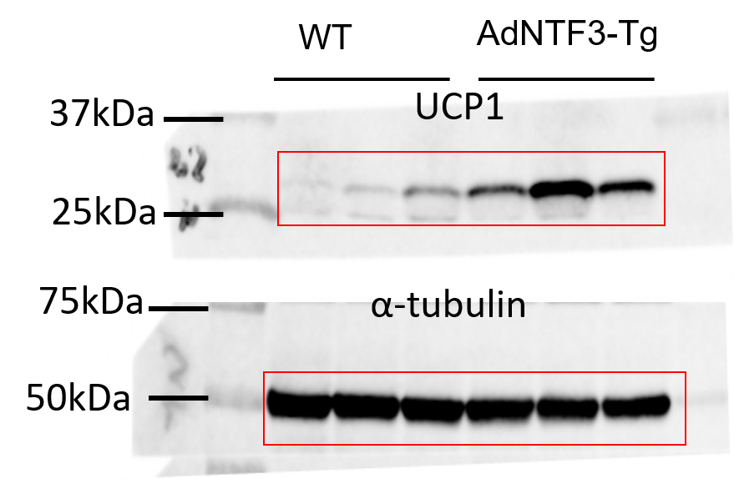

 |  |  |  |  |  |  |  |  | UCP1 | Abcam | ab23841 | WB (1:1000)
 |  |  |  |  |  |  |  |  | α-Tubulin | Advanced BioChemicals | ABCENT4777 | WB (1:1000)

Fig3i
 |  | WT |  |  |  |  |  |  |  | AdNTF3-Tg
 | 0 | 18.01 | 13.06 | 14.01 | 14.65 | 20.94 | 16.71 | 14.98 | 16.28 | 17.3 | 20.81 | 16.41 | 17.41 | 14.26 | 17.14 | 15.54 | 17.11 | 16.1 | 14.3
 | 1 | 22.43 | 17.24 | 19.58 | 20.17 | 23.98 | 21.99 | 20.02 | 21.24 | 20.58 | 23.01 | 21.64 | 22.89 | 19.52 | 21.23 | 19.37 | 21.04 | 19.85 | 19.02
 | 2 | 26.51 | 20.81 | 23.89 | 24.32 | 25.3 | 23.12 | 21.91 | 23.87 | 22.11 | 25.54 | 25.53 | 26.02 | 23.13 | 23.18 | 21.69 | 22.74 | 22.03 | 22.04
 | 3 | 29.11 | 22.44 | 26.98 | 26.87 | 26.31 | 26.09 | 24.24 | 26.73 | 23.26 | 26.89 | 28.27 | 28.49 | 26.73 | 25.84 | 23.67 | 24.68 | 24.7 | 24.69
 | 4 | 31.32 | 23.98 | 29.37 | 29.34 | 27.28 | 26.12 | 24.62 | 28.19 | 23.55 | 26.61 | 26.79 | 28.08 | 26.01 | 27.29 | 25.1 | 26.84 | 26.04 | 25.22
 | 5 | 33.58 | 25 | 32.67 | 31.88 | 29.4 | 29.94 | 28.01 | 30.28 | 25.01 | 28.81 | 29.09 | 31.45 | 28.37 | 28.59 | 26.82 | 28.17 | 27.51 | 28.07
 | 6 | 37.87 | 28.58 | 36.81 | 36.03 | 31.52 | 33.67 | 29.89 | 32.45 | 27.49 | 32.09 | 33.1 | 35.41 | 32.65 | 29.9 | 28.62 | 29.38 | 29.98 | 30.91
 | 7 | 40.01 | 30.58 | 39.48 | 39.13 | 33.22 | 35.66 | 31.29 | 34.84 | 29.21 | 34.08 | 35.32 | 37.51 | 34.21 | 32.47 | 29.68 | 30.49 | 32.49 | 31.62
 | 8 | 44 | 33.3 | 43.2 | 42.1 | 35 | 37.9 | 32.6 | 35.3 | 30 | 34.3 | 35.6 | 39.5 | 34.7 | 32.3 | 29.1 | 30 | 31.9 | 32.1
 | 9 | 44.6 | 33.9 | 44.8 | 43.2 | 35.2 | 39.3 | 33.4 | 38.7 | 30.7 | 35.9 | 38 | 41.3 | 36.3 | 37.1 | 31.5 | 32.6 | 34.9 | 33.4
 | 10 | 43.8 | 34.8 | 45.6 | 44 | 36.7 | 40.8 | 33.9 | 43.3 | 30.9 | 37.1 | 39.8 | 42.8 | 38.1 | 40.8 | 32.8 | 34.6 | 37.8 | 33.3
 | 11 | 48.1 | 38.9 | 48.6 | 47.1 | 40.1 | 42.9 | 34.4 | 46.9 | 32.2 | 38.4 | 41 | 44.8 | 38.2 | 43.7 | 35 | 36.9 | 41.5 | 34.3
 | 12 | 48.4 | 40 | 49.2 | 47.5 | 40.3 | 46 | 35.5 | 48.2 | 31.6 | 37.5 | 40.3 | 44 | 36.8 | 45.2 | 36.3 | 37.7 | 42.5 | 36.4
 | 13 | 48 | 39.3 | 47.3 | 46.3 | 40.1 | 46 | 35.6 | 48.2 | 35 | 41.5 | 44.9 | 49.3 | 41.1 | 45.2 | 36.6 | 37.6 | 43.6 | 35
 | 14 | 50.9 | 41.8 | 50.4 | 49.8 | 43.5 | 47.6 | 36.6 | 48.8 | 34.1 | 41.3 | 44.9 | 48.6 | 40.8 | 46.2 | 37.8 | 38.7 | 43.1 | 36

Fig3j
 | WT |  |  |  |  |  |  | AdNTF3-Tg
iWAT | 3.2728 | 3.3325 | 2.6549 | 3.0862 | 2.7636 | 2.5171 | 2.2303 | 2.1189 | 2.6089 | 2.7185 | 2.0778 | 2.5071 | 2.0617 | 2.3462
eWAT | 2.0119 | 1.8359 | 1.846 | 1.4593 | 3.5437 | 1.8414 | 2.3237 | 1.7676 | 1.5981 | 1.6588 | 0.9936 | 1.1219 | 1.108 | 0.9947
iBAT | 0.2337 | 0.2263 | 0.1975 | 0.2732 | 0.3004 | 0.2832 | 0.2794 | 0.2556 | 0.2827 | 0.2413 | 0.2517 | 0.3218 | 0.2619 | 0.3051

Fig3k |  | WT |  |  |  |  | AdNTF3-Tg
 | 0 | 2387 | 2142 | 2511 | 2719 | 2094 | 2636 | 2402 | 2222 | 2211 | 2519 | 2249
 | 0.5 | 2688 | 2575 | 2059 | 1928 | 1737 | 2513 | 2171 | 2246 | 2136 | 2070 | 2008
 | 1 | 2465 | 2555 | 1948 | 1992 | 1772 | 2266 | 2160 | 2329 | 2364 | 2443 | 2183
 | 1.5 | 2113 | 2265 | 1944 | 2209 | 1806 | 2153 | 2589 | 2255 | 2567 | 3008 | 2231
 | 2 | 2284 | 2309 | 1941 | 1819 | 1799 | 2230 | 1970 | 2194 | 2232 | 2153 | 2239
 | 2.5 | 2291 | 3004 | 1807 | 2665 | 1707 | 2240 | 2342 | 2183 | 2235 | 2184 | 2471
 | 3 | 1883 | 2006 | 1929 | 2406 | 2388 | 2152 | 2050 | 2771 | 2271 | 2303 | 1925
 | 3.5 | 1894 | 2324 | 2039 | 2039 | 2041 | 2432 | 1894 | 2237 | 2371 | 2014 | 2595
 | 4 | 2612 | 2229 | 2338 | 1849 | 1739 | 2035 | 2116 | 2257 | 2309 | 2293 | 2470
 | 4.5 | 2086 | 2087 | 2051 | 2088 | 1806 | 2671 | 2258 | 2216 | 2292 | 2129 | 2134
 | 5 | 2120 | 2701 | 1862 | 2046 | 1715 | 2152 | 1957 | 2138 | 2949 | 2604 | 2115
 | 5.5 | 2099 | 2028 | 2149 | 2068 | 1805 | 2056 | 1917 | 2251 | 2244 | 2227 | 2535
 | 6 | 1992 | 2055 | 1858 | 2298 | 1769 | 2370 | 2647 | 2370 | 2246 | 2171 | 2134
 | 6.5 | 2691 | 2455 | 2202 | 1836 | 1705 | 2049 | 2853 | 2056 | 2763 | 2352 | 2138
 | 7 | 2198 | 2113 | 1899 | 2420 | 1707 | 2100 | 2101 | 2079 | 2230 | 2331 | 2180
 | 7.5 | 1984 | 2069 | 1853 | 1900 | 1807 | 1971 | 2444 | 2100 | 2104 | 2415 | 1930
 | 8 | 2421 | 2497 | 2046 | 2020 | 1776 | 2169 | 2162 | 2673 | 2120 | 2190 | 2265
 | 8.5 | 2168 | 2714 | 2056 | 2114 | 1683 | 2250 | 2584 | 2222 | 2563 | 2297 | 2168
 | 9 | 2064 | 1971 | 2077 | 2629 | 1991 | 2267 | 2218 | 2150 | 2213 | 2459 | 2134
 | 9.5 | 2554 | 2295 | 1931 | 2055 | 2142 | 2754 | 2083 | 2050 | 2130 | 2244 | 2374
 | 10 | 2289 | 2393 | 2101 | 2069 | 1809 | 2057 | 2455 | 2271 | 2558 | 2243 | 2467
 | 10.5 | 2318 | 2560 | 2044 | 2521 | 1819 | 2150 | 2187 | 2115 | 2137 | 2389 | 2890
 | 11 | 2580 | 2491 | 2292 | 2557 | 2361 | 2685 | 2577 | 2247 | 2229 | 2593 | 2554
 | 11.5 | 2687 | 2843 | 2284 | 2130 | 2087 | 2364 | 2456 | 3242 | 2933 | 2439 | 2697
 | 12 | 3376 | 2445 | 3015 | 2107 | 1984 | 2866 | 2560 | 2778 | 2628 | 3131 | 2583
 | 12.5 | 3050 | 2755 | 2708 | 2838 | 2287 | 2773 | 2855 | 2867 | 3115 | 3345 | 3056
 | 13 | 3221 | 3294 | 2808 | 3261 | 2297 | 3016 | 2760 | 2602 | 2721 | 2922 | 3438
 | 13.5 | 2470 | 2608 | 2916 | 3015 | 2776 | 2417 | 2483 | 2649 | 2929 | 2878 | 3080
 | 14 | 2669 | 2880 | 2596 | 2917 | 1959 | 2712 | 2271 | 2681 | 2807 | 2644 | 2695
 | 14.5 | 2943 | 2268 | 2741 | 3007 | 2181 | 2893 | 2432 | 2716 | 2921 | 2363 | 2895
 | 15 | 2767 | 2840 | 2167 | 2690 | 2581 | 3042 | 2356 | 2673 | 2350 | 2805 | 2806
 | 15.5 | 2656 | 2789 | 2146 | 2389 | 2239 | 2661 | 2280 | 2735 | 2398 | 2819 | 3240
 | 16 | 3110 | 2518 | 2549 | 2350 | 2183 | 2653 | 2943 | 2519 | 2569 | 2786 | 3350
 | 16.5 | 2208 | 2512 | 2059 | 2640 | 1887 | 2761 | 2569 | 2711 | 2770 | 2292 | 2932
 | 17 | 2408 | 2254 | 2329 | 2349 | 1790 | 2383 | 2016 | 2510 | 3211 | 2387 | 3022
 | 17.5 | 2684 | 2479 | 2224 | 2616 | 2063 | 2598 | 1973 | 2620 | 3024 | 2561 | 2599
 | 18 | 2621 | 2527 | 2370 | 2371 | 1743 | 2437 | 2559 | 2706 | 2485 | 2686 | 2801
 | 18.5 | 2472 | 2096 | 2322 | 2413 | 2318 | 2532 | 2410 | 2581 | 2750 | 2689 | 2790
 | 19 | 2703 | 2249 | 2225 | 2924 | 2181 | 2550 | 2071 | 2492 | 2344 | 3014 | 2577
 | 19.5 | 2499 | 2623 | 2124 | 2512 | 2010 | 2287 | 2095 | 2708 | 2341 | 2865 | 2686
 | 20 | 2760 | 2561 | 2173 | 2272 | 1851 | 2240 | 2791 | 2582 | 3120 | 2193 | 2376
 | 20.5 | 2678 | 2401 | 2206 | 2247 | 1971 | 2438 | 2261 | 2689 | 2064 | 2539 | 3175
 | 21 | 2830 | 2789 | 2022 | 2777 | 2075 | 2753 | 2359 | 2501 | 2443 | 2313 | 2553
 | 21.5 | 2788 | 2636 | 2997 | 2792 | 1802 | 2642 | 2477 | 2615 | 2424 | 2183 | 2665
 | 22 | 2473 | 2262 | 2430 | 2721 | 1709 | 2365 | 2782 | 2873 | 2908 | 2637 | 3213
 | 22.5 | 2754 | 2850 | 2219 | 2523 | 2021 | 2264 | 2363 | 2228 | 2293 | 2914 | 2635
 | 23 | 2944 | 2572 | 2414 | 2600 | 1807 | 2156 | 2066 | 2584 | 2462 | 2933 | 2105
 | 23.5 | 2576 | 2786 | 2603 | 2208 | 1958 | 2057 | 2440 | 3075 | 2249 | 2601 | 2455
 | 24 | 2205 | 2212 | 2229 | 2378 | 2171 | 2248 | 1940 | 2567 | 2142 | 2215 | 2254
 | 24.5 | 2390 | 2192 | 1864 | 2603 | 2094 | 2278 | 2638 | 2307 | 2132 | 2536 | 2220
 | 25 | 2374 | 2553 | 2047 | 2373 | 2189 | 2358 | 1932 | 2143 | 2034 | 2792 | 2558
 | 25.5 | 2265 | 1992 | 1855 | 2242 | 2116 | 1978 | 2045 | 2467 | 2072 | 2402 | 2573
 | 26 | 2436 | 2159 | 1929 | 2125 | 1880 | 1860 | 2151 | 2466 | 2863 | 3006 | 2371
 | 26.5 | 2076 | 2344 | 1856 | 2691 | 1685 | 1944 | 2026 | 2104 | 2119 | 2190 | 2041
 | 27 | 2254 | 1973 | 1944 | 2057 | 1916 | 1999 | 2065 | 2343 | 2230 | 2399 | 2501
 | 27.5 | 2107 | 2160 | 2376 | 2406 | 1823 | 1940 | 2447 | 2384 | 2080 | 2087 | 2360
 | 28 | 2189 | 1983 | 2295 | 2002 | 1689 | 2317 | 2415 | 2346 | 2475 | 2222 | 2136
 | 28.5 | 2209 | 2342 | 1944 | 2217 | 2195 | 2329 | 1987 | 2170 | 2257 | 2692 | 2522
 | 29 | 2568 | 2052 | 1934 | 2680 | 2373 | 2111 | 1981 | 2253 | 2047 | 2231 | 2441
 | 29.5 | 2185 | 2694 | 1954 | 2485 | 1958 | 2126 | 1893 | 2801 | 2115 | 2381 | 2058
 | 30 | 2097 | 2339 | 1819 | 2058 | 1634 | 2415 | 2150 | 1984 | 2019 | 2205 | 2034
 | 30.5 | 1901 | 2355 | 2048 | 1940 | 1702 | 2534 | 2178 | 2102 | 2245 | 2011 | 2347
 | 31 | 2334 | 2338 | 2305 | 2277 | 1593 | 2093 | 2161 | 2364 | 2142 | 2439 | 2432
 | 31.5 | 2096 | 2198 | 1781 | 1876 | 1760 | 2138 | 2278 | 2208 | 2515 | 2365 | 2983
 | 32 | 2296 | 2226 | 1970 | 2118 | 1792 | 2048 | 1974 | 2465 | 3120 | 2487 | 2248
 | 32.5 | 1987 | 2224 | 2041 | 2420 | 1508 | 2132 | 1915 | 2053 | 2396 | 1947 | 2575
 | 33 | 2576 | 2268 | 2407 | 2175 | 2081 | 2452 | 2098 | 2274 | 2549 | 2269 | 2114
 | 33.5 | 2291 | 2124 | 2034 | 2063 | 1929 | 1941 | 2236 | 2156 | 2100 | 1913 | 2463
 | 34 | 2007 | 2422 | 2168 | 2486 | 1786 | 2337 | 2160 | 2581 | 2024 | 2285 | 2726
 | 34.5 | 2411 | 2420 | 2238 | 2019 | 2100 | 2144 | 2743 | 2227 | 2694 | 2528 | 2557
 | 35 | 2509 | 2245 | 2493 | 2130 | 2503 | 2230 | 2152 | 2153 | 2231 | 2526 | 2456
 | 35.5 | 2332 | 2667 | 2014 | 2176 | 1955 | 2222 | 2323 | 2458 | 2484 | 2875 | 2751
 | 36 | 3117 | 2697 | 2874 | 1941 | 2103 | 2623 | 2275 | 3096 | 2526 | 2652 | 2498
 | 36.5 | 2855 | 2610 | 2881 | 2902 | 2353 | 3001 | 2762 | 3360 | 2652 | 2366 | 3108
 | 37 | 3030 | 2442 | 2495 | 2919 | 1908 | 2398 | 2737 | 3128 | 2537 | 2855 | 3142
 | 37.5 | 2671 | 2639 | 2226 | 2984 | 2182 | 2614 | 2454 | 2464 | 2342 | 2881 | 3164
 | 38 | 2644 | 2778 | 2591 | 2473 | 2184 | 2906 | 2210 | 2576 | 2319 | 2407 | 2903
 | 38.5 | 2915 | 2866 | 2541 | 2449 | 2292 | 2242 | 2452 | 2511 | 2510 | 2494 | 2417
 | 39 | 2570 | 2135 | 2064 | 2100 | 2191 | 2235 | 2807 | 2923 | 2317 | 2461 | 3083
 | 39.5 | 2379 | 2633 | 2645 | 2555 | 2037 | 2251 | 2769 | 2489 | 2268 | 2206 | 2806
 | 40 | 2573 | 2969 | 2265 | 2642 | 2159 | 2249 | 2350 | 2481 | 2718 | 2506 | 2427
 | 40.5 | 2673 | 2665 | 2479 | 2431 | 1971 | 2301 | 2220 | 2863 | 2226 | 2391 | 2468
 | 41 | 2423 | 2528 | 2504 | 2835 | 2579 | 2800 | 2253 | 3009 | 2949 | 2682 | 2792
 | 41.5 | 2570 | 2999 | 2139 | 2155 | 2382 | 2283 | 2155 | 2808 | 2490 | 2722 | 2372
 | 42 | 2347 | 2452 | 2472 | 2251 | 1881 | 2219 | 2341 | 2918 | 2128 | 2552 | 2486
 | 42.5 | 2453 | 2293 | 2083 | 2335 | 2137 | 2309 | 2396 | 2805 | 3024 | 2597 | 2583
 | 43 | 2729 | 2780 | 2041 | 2530 | 1909 | 2642 | 2163 | 2585 | 2713 | 2600 | 2338
 | 43.5 | 2647 | 2425 | 2606 | 2232 | 2148 | 2318 | 2160 | 2579 | 2809 | 2281 | 2378
 | 44 | 2843 | 2491 | 2280 | 2230 | 2180 | 2368 | 2345 | 2682 | 2535 | 2670 | 2791
 | 44.5 | 2445 | 2522 | 2508 | 2226 | 2227 | 2629 | 2404 | 2494 | 2598 | 2306 | 2730
 | 45 | 2535 | 3067 | 2125 | 2523 | 2189 | 2188 | 2196 | 2913 | 2134 | 2636 | 2539
 | 45.5 | 3116 | 2849 | 2834 | 2884 | 2362 | 3115 | 2643 | 2803 | 2301 | 2598 | 2798
 | 46 | 2547 | 2911 | 3005 | 3097 | 2604 | 3251 | 2730 | 2805 | 3016 | 2933 | 2766
 | 46.5 | 2559 | 2432 | 2603 | 2522 | 2423 | 2503 | 2459 | 3223 | 3432 | 2881 | 2679
 | 47 | 2656 | 2334 | 2151 | 3039 | 2192 | 2124 | 2889 | 2659 | 2531 | 2629 | 2255
 | 47.5 | 2309 | 2527 | 2260 | 2471 | 1918 | 2323 | 2293 | 2410 | 2882 | 2459 | 2369

 |  | WT |  |  |  |  | AdNTF3-Tg
 | Light | 2189.542 | 2175.958 | 2091.25 | 2231.667 | 1931.833 | 2291.958 | 2290.292 | 2329.375 | 2311.208 | 2393.333 | 2415.208
 | Dark | 2536.583 | 2398 | 2399.042 | 2617.083 | 2077.5 | 2687.042 | 2573.375 | 2645.167 | 2618.333 | 2649.333 | 2808.25

Fig3l |  | WT |  |  |  |  | AdNTF3-Tg
 | 0 | 13.637 | 12.535 | 12.587 | 13.094 | 10.777 | 10.638 | 13.211 | 10.664 | 11.974 | 13.039 | 14.3
 | 0.5 | 11.747 | 15.001 | 12.544 | 12.744 | 10.332 | 12.895 | 13.947 | 14.805 | 14.973 | 12.066 | 12.952
 | 1 | 14.557 | 12.785 | 13.371 | 12.481 | 11.169 | 15.071 | 11.912 | 13.791 | 14.737 | 14.19 | 13.526
 | 1.5 | 12.421 | 13.698 | 10.427 | 12.102 | 12.013 | 13.222 | 12.727 | 15.93 | 13.857 | 10.75 | 10.672
 | 2 | 10.854 | 15.032 | 9.027 | 10.06 | 12.102 | 15.791 | 9.22 | 11.215 | 13.315 | 15.256 | 11.275
 | 2.5 | 12.763 | 10.345 | 10.936 | 10.265 | 11.588 | 10.453 | 10.628 | 11.094 | 13.42 | 12.767 | 8.882
 | 3 | 10.3 | 10.716 | 9.922 | 12.631 | 12.178 | 10.685 | 10.584 | 11.239 | 9.147 | 11.246 | 11.85
 | 3.5 | 11.497 | 12.362 | 10.172 | 12.554 | 9.817 | 12.821 | 11.995 | 10.911 | 10.048 | 10.046 | 11.772
 | 4 | 10.099 | 9.457 | 9.56 | 9.553 | 8.87 | 10.693 | 9.194 | 10.666 | 10.618 | 10.931 | 10.121
 | 4.5 | 11.656 | 10.139 | 12.651 | 9.526 | 9.333 | 9.799 | 9.729 | 11.812 | 13.004 | 11.599 | 9.284
 | 5 | 9.553 | 11.698 | 9.884 | 10.342 | 10.429 | 10.433 | 8.577 | 10.098 | 10.488 | 13.791 | 10.935
 | 5.5 | 11.774 | 10.102 | 9.239 | 11.847 | 9.388 | 9.707 | 9.873 | 11.827 | 12.516 | 9.925 | 10.191
 | 6 | 9.989 | 11.687 | 9.427 | 9.609 | 9.022 | 11.188 | 12.275 | 12.101 | 9.231 | 10.476 | 10.078
 | 6.5 | 10.387 | 9.422 | 9.046 | 10.068 | 8.453 | 11.568 | 9.56 | 9.726 | 9.72 | 11.458 | 10.159
 | 7 | 10.412 | 9.859 | 10.9 | 9.395 | 8.698 | 9.818 | 9.854 | 9.252 | 14.226 | 9.638 | 11.124
 | 7.5 | 10.085 | 9.509 | 9.867 | 8.943 | 10.38 | 11.555 | 10.278 | 9.08 | 9.103 | 11.449 | 11.699
 | 8 | 9.433 | 12.159 | 8.681 | 9.892 | 8.303 | 11.075 | 12.534 | 9.572 | 10.017 | 9.51 | 10.034
 | 8.5 | 11.376 | 9.88 | 9.992 | 13.334 | 8.345 | 12.059 | 8.8 | 9.764 | 12.171 | 9.568 | 10.735
 | 9 | 9.977 | 9.805 | 8.86 | 12.12 | 8.602 | 11.089 | 8.728 | 10.269 | 9.801 | 12.576 | 10.58
 | 9.5 | 9.625 | 10.401 | 9.281 | 9.522 | 8.885 | 11.34 | 12.238 | 10.515 | 10.716 | 10.06 | 9.912
 | 10 | 10.166 | 9.83 | 8.975 | 10.299 | 8.943 | 9.214 | 9.955 | 10.7 | 10.095 | 10.682 | 10.38
 | 10.5 | 10.997 | 9.87 | 9.214 | 10.126 | 9.853 | 11.829 | 8.46 | 11.654 | 9.594 | 9.912 | 10.193
 | 11 | 9.786 | 10.742 | 8.846 | 11.805 | 9.238 | 11.029 | 10.815 | 9.769 | 12.02 | 13.312 | 11.39
 | 11.5 | 8.986 | 12.558 | 10.217 | 12.01 | 10.877 | 9.674 | 10.137 | 12.231 | 10.605 | 10.147 | 10.442
 | 12 | 12.06 | 9.738 | 10.51 | 10.712 | 9.32 | 11.662 | 10.84 | 11.823 | 8.882 | 11.236 | 12.303
 | 12.5 | 13.174 | 9.855 | 10.201 | 10.107 | 10.779 | 12.512 | 10.334 | 10.138 | 12.159 | 10.248 | 11.385
 | 13 | 11.748 | 11.995 | 12.987 | 9.993 | 9.263 | 10.277 | 11.209 | 11.776 | 10.604 | 11.004 | 11.198
 | 13.5 | 12.907 | 11.584 | 11.83 | 15.617 | 11.663 | 10.162 | 11.281 | 10.928 | 13.51 | 12.63 | 13.454
 | 14 | 11.935 | 11.12 | 10.532 | 11.287 | 13.499 | 10.181 | 11.706 | 11.952 | 15.526 | 14.334 | 13.201
 | 14.5 | 13.188 | 11.121 | 12.97 | 12.469 | 11.259 | 12.593 | 14.008 | 14.494 | 13.555 | 13.712 | 11.913
 | 15 | 15.277 | 16.542 | 10.945 | 12.583 | 11.894 | 16.118 | 12.405 | 15.162 | 16.769 | 15.905 | 12.955
 | 15.5 | 14.068 | 13.568 | 13.711 | 13.649 | 12.665 | 14.778 | 14.193 | 14.686 | 14.36 | 16.442 | 12.687
 | 16 | 16.436 | 13.492 | 13.03 | 14.694 | 14.351 | 15.876 | 12.836 | 15.516 | 14.039 | 13.261 | 13.061
 | 16.5 | 16.725 | 13.312 | 14.49 | 15.99 | 13.416 | 14.469 | 13.179 | 14.424 | 13.001 | 14.724 | 12.784
 | 17 | 12.555 | 10.214 | 11.66 | 13.92 | 10.685 | 15.374 | 11.135 | 14.223 | 11.794 | 13.882 | 16.283
 | 17.5 | 12.229 | 12.862 | 13.408 | 13.768 | 12.135 | 12.648 | 13.123 | 13.898 | 15.823 | 11.263 | 13.463
 | 18 | 11.113 | 12.736 | 9.175 | 14.024 | 13.126 | 12.96 | 13.349 | 13.02 | 11.156 | 12.694 | 12.285
 | 18.5 | 13.266 | 14.991 | 12.116 | 13.106 | 9.343 | 10.275 | 11.288 | 12.345 | 11.699 | 13.842 | 13.666
 | 19 | 11.542 | 11.656 | 10.823 | 13.021 | 8.991 | 12.385 | 11.351 | 13.9 | 11.269 | 12.851 | 12.792
 | 19.5 | 11.745 | 12.919 | 10.225 | 12.423 | 9.113 | 12.482 | 10.827 | 12.756 | 11.533 | 11.042 | 11.228
 | 20 | 11.74 | 11.256 | 9.665 | 11.128 | 9.45 | 13.051 | 11.136 | 11.784 | 10.865 | 11.057 | 12.021
 | 20.5 | 13.486 | 10.171 | 9.971 | 12.846 | 11.139 | 12.723 | 13.648 | 11.973 | 11.451 | 13.859 | 15.576
 | 21 | 10.929 | 11.169 | 9.681 | 10.937 | 9.287 | 10.734 | 11.25 | 12.267 | 11.09 | 14.234 | 13.739
 | 21.5 | 11.987 | 12.006 | 9.936 | 12.51 | 9.842 | 11.202 | 10.078 | 12.76 | 11.031 | 12.9 | 15.214
 | 22 | 12.234 | 12.398 | 10.654 | 15.904 | 9.45 | 11.898 | 11.299 | 12.205 | 11.231 | 12.535 | 10.683
 | 22.5 | 12.556 | 10.244 | 9.695 | 13.382 | 9.342 | 11.602 | 9.755 | 11.465 | 13.12 | 10.93 | 12.1
 | 23 | 10.772 | 11.015 | 15.607 | 13.157 | 13.275 | 12.304 | 11.675 | 12.96 | 10.974 | 11.62 | 12.593
 | 23.5 | 13.155 | 12.02 | 9.693 | 14.229 | 10.383 | 11.59 | 11.306 | 15.383 | 13.006 | 11.926 | 13.373
 | 24 | 14.523 | 11.583 | 11.573 | 12.047 | 8.548 | 13.923 | 13.874 | 11.155 | 11.755 | 11.236 | 14.411
 | 24.5 | 15.198 | 16.025 | 11.799 | 10.993 | 9.276 | 14.329 | 11.951 | 12.624 | 14.45 | 13.675 | 14.722
 | 25 | 13.767 | 13.361 | 13.239 | 14.278 | 10.519 | 13.952 | 9.768 | 13.206 | 11.977 | 17.198 | 13.383
 | 25.5 | 11.442 | 10.165 | 9.785 | 16.043 | 11.139 | 10.592 | 12.646 | 10.647 | 16.593 | 12.915 | 10.869
 | 26 | 11.237 | 11.103 | 12.7 | 12.602 | 9.383 | 10.656 | 11.914 | 10.653 | 13.235 | 13.452 | 11.434
 | 26.5 | 11.237 | 10.168 | 11.902 | 12.878 | 9.844 | 12.645 | 11.376 | 10.511 | 10.405 | 11.925 | 10.732
 | 27 | 12.734 | 12.357 | 9.664 | 9.012 | 8.158 | 11.882 | 10.25 | 10.635 | 10.073 | 9.744 | 9.52
 | 27.5 | 11.646 | 12.121 | 9.131 | 9.382 | 8.302 | 10.635 | 10.252 | 11.101 | 11.329 | 11.538 | 10.357
 | 28 | 9.963 | 10.813 | 9.216 | 10.416 | 8.436 | 10.178 | 12.321 | 10.665 | 12.344 | 14.3 | 10.704
 | 28.5 | 10.805 | 10.978 | 9.202 | 8.548 | 8.494 | 10.512 | 9.261 | 10.389 | 10.618 | 10.231 | 10.735
 | 29 | 10.875 | 14.304 | 8.564 | 12.722 | 8.062 | 10.686 | 11.169 | 10.375 | 10.69 | 10.311 | 11.852
 | 29.5 | 8.89 | 9.485 | 9.205 | 11.393 | 11.276 | 10.179 | 9.658 | 13.31 | 10.842 | 10.905 | 9.198
 | 30 | 8.945 | 11.001 | 9.71 | 9.613 | 9.586 | 11.593 | 8.983 | 10.575 | 11.328 | 9.572 | 12.458
 | 30.5 | 12.496 | 10.62 | 11.245 | 8.694 | 8.2 | 9.649 | 10.086 | 10.665 | 11.11 | 10.922 | 11.771
 | 31 | 9.84 | 9.884 | 9.721 | 9.895 | 8.496 | 12.783 | 10.804 | 10.448 | 11.012 | 10.092 | 10.157
 | 31.5 | 10.018 | 12.907 | 8.816 | 9.614 | 8.074 | 10.223 | 9.264 | 10.192 | 14.101 | 12.369 | 10.195
 | 32 | 9.908 | 9.601 | 10.2 | 9.774 | 8.493 | 9.761 | 9.07 | 10.699 | 10.63 | 10.518 | 12.244
 | 32.5 | 9.464 | 9.717 | 8.859 | 10.852 | 8.303 | 11.256 | 12.619 | 11.205 | 10.658 | 10.2 | 10.19
 | 33 | 12.848 | 11.685 | 10.607 | 8.636 | 7.981 | 9.749 | 13.65 | 9.693 | 13.287 | 11.111 | 10.258
 | 33.5 | 10.384 | 9.999 | 9.003 | 11.496 | 8.02 | 9.927 | 9.956 | 9.752 | 10.604 | 11.044 | 10.377
 | 34 | 9.368 | 9.876 | 8.735 | 8.942 | 8.492 | 9.401 | 11.632 | 9.974 | 9.979 | 11.501 | 9.201
 | 34.5 | 11.643 | 11.958 | 9.68 | 9.51 | 8.333 | 10.233 | 10.311 | 12.768 | 10.165 | 10.382 | 10.91
 | 35 | 10.25 | 12.988 | 9.72 | 9.98 | 7.855 | 10.713 | 12.337 | 10.53 | 12.359 | 10.863 | 10.361
 | 35.5 | 9.747 | 9.317 | 9.882 | 12.533 | 9.344 | 10.87 | 10.593 | 10.205 | 10.521 | 11.679 | 10.223
 | 36 | 12.323 | 10.914 | 9.123 | 9.704 | 10.086 | 13.145 | 10.018 | 9.678 | 10.133 | 10.557 | 11.387
 | 36.5 | 10.919 | 11.376 | 9.988 | 9.777 | 8.435 | 9.702 | 11.659 | 10.824 | 12.361 | 10.616 | 11.853
 | 37 | 11.026 | 12.267 | 9.709 | 12.008 | 8.532 | 10.208 | 10.422 | 10.149 | 10.16 | 11.363 | 13.951
 | 37.5 | 12.361 | 11.907 | 10.934 | 12.121 | 11.141 | 12.794 | 12.296 | 10.749 | 10.663 | 12.4 | 12.289
 | 38 | 12.92 | 13.737 | 10.853 | 10.004 | 9.817 | 11.257 | 11.674 | 15.4 | 14.163 | 11.641 | 13.019
 | 38.5 | 16.364 | 11.662 | 14.534 | 9.918 | 9.303 | 13.793 | 12.269 | 13.164 | 12.518 | 15.038 | 12.412
 | 39 | 14.687 | 13.113 | 13 | 13.583 | 10.775 | 13.199 | 13.664 | 13.628 | 14.974 | 15.957 | 14.758
 | 39.5 | 15.459 | 15.739 | 13.368 | 15.53 | 10.802 | 14.446 | 13.184 | 12.282 | 12.947 | 13.886 | 16.507
 | 40 | 11.845 | 12.46 | 13.775 | 14.335 | 12.985 | 11.538 | 11.756 | 12.563 | 14.063 | 13.65 | 14.736
 | 40.5 | 12.694 | 13.691 | 12.287 | 13.902 | 9.193 | 12.861 | 10.742 | 12.75 | 13.378 | 12.576 | 12.922
 | 41 | 14.167 | 10.691 | 13.048 | 14.229 | 10.22 | 13.786 | 11.635 | 12.822 | 13.889 | 11.282 | 13.819
 | 41.5 | 13.226 | 13.593 | 10.224 | 12.794 | 12.124 | 14.396 | 11.269 | 12.606 | 11.129 | 13.332 | 13.482
 | 42 | 12.742 | 13.331 | 10.075 | 11.305 | 10.488 | 12.58 | 10.769 | 12.93 | 11.481 | 13.549 | 15.59
 | 42.5 | 14.958 | 11.953 | 12.116 | 11.084 | 10.232 | 12.598 | 14.098 | 12.027 | 12.285 | 13.252 | 16.035
 | 43 | 10.424 | 12.051 | 9.719 | 12.545 | 8.813 | 13.143 | 12.224 | 12.888 | 13.21 | 10.792 | 14.022
 | 43.5 | 11.403 | 10.627 | 11.037 | 11.023 | 8.383 | 11.297 | 9.501 | 11.835 | 15.305 | 11.29 | 14.407
 | 44 | 12.735 | 11.746 | 10.532 | 12.459 | 9.681 | 12.346 | 9.245 | 12.44 | 14.359 | 12.248 | 12.391
 | 44.5 | 12.451 | 12.047 | 11.195 | 11.186 | 8.138 | 11.519 | 12.181 | 12.776 | 11.737 | 12.798 | 13.402
 | 45 | 11.859 | 9.963 | 11.025 | 11.436 | 10.938 | 12.127 | 11.448 | 12.223 | 12.998 | 12.753 | 13.322
 | 45.5 | 12.973 | 10.682 | 10.531 | 13.929 | 10.206 | 12.122 | 9.845 | 11.807 | 11.043 | 14.4 | 12.364
 | 46 | 11.795 | 12.535 | 10.095 | 11.872 | 9.408 | 10.748 | 9.911 | 12.808 | 11.146 | 13.664 | 12.892
 | 46.5 | 13.071 | 12.185 | 10.306 | 10.705 | 8.638 | 10.612 | 13.383 | 12.206 | 14.885 | 10.337 | 11.337
 | 47 | 12.837 | 11.416 | 10.523 | 10.588 | 9.233 | 11.562 | 10.744 | 12.78 | 9.726 | 12.124 | 15.267
 | 47.5 | 13.499 | 13.399 | 9.616 | 13.186 | 9.762 | 13.101 | 11.194 | 11.902 | 11.689 | 10.99 | 12.223

 |  | WT |  |  |  |  | AdNTF3-Tg
 | Light | 10.91988 | 11.233 | 10.15108 | 10.63463 | 9.899792 | 11.40192 | 11.01342 | 11.19521 | 11.47483 | 11.43308 | 10.93692
 | Dark | 12.78446 | 11.99933 | 11.39646 | 11.80046 | 10.98625 | 12.494 | 12.97733 | 12.99325 | 12.43529 | 12.83879 | 12.91488

Fig3m
 |  | WT |  |  |  |  |  |  | AdNTF3-Tg
 | Ucp1 | 1.270208 | 1.176354 | 1.003743 | 1.081208 | 0.901048 | 0.720395 | 0.850787 | 2.872139 | 1.724 | 1.510489 | 1.001556 | 0.805686 | 1.809662 | 1.434294 | 1.256517
 | Cpt1b | 0.807427 | 1.382058 | 0.848042 | 1.685985 | 1.177353 | 0.121265 | 0.977869 | 1.826932 | 1.050747 | 1.442211 | 1.36062 | 1.995527 | 1.58742 | 1.444331 | 1.169245
 | Otop1 | 0.952916 | 1.521366 | 0.617167 | 1.015485 | 1.052675 | 0.726171 | 1.114221 | 2.280797 | 1.171055 | 1.216002 | 1.304907 | 1.590427 | 1.473436 | 1.74898 | 1.413086
 | Elovl3 | 1.152348 | 0.865896 | 0.894391 | 0.980811 | 1.11759 | 1.477305 | 0.511659 | 3.017859 | 1.257032 | 2.321056 | 1.237474 | 3.047694 | 1.169656 | 1.275542 | 2.30406
 | Eva1 | 0.961869 | 1.440906 | 0.62948 | 0.542626 | 1.155563 | 1.243956 | 1.0256 | 2.560427 | 1.013331 | 1.455522 | 1.62287 | 1.46767 | 1.076292 | 1.586886 | 1.543586
 | Cox1 | 0.900328 | 1.393684 | 0.813212 | 1.239648 | 0.865963 | 0.270514 | 1.516651 | 1.902872 | 0.887894 | 0.820662 | 1.686965 | 0.82194 | 1.402924 | 1.136839 | 1.328684
 | Acox1 | 0.791268 | 1.581598 | 1.130757 | 0.735836 | 0.714711 | 0.939469 | 1.106361 | 1.389908 | 2.826781 | 1.56507 | 1.562754 | 1.425769 | 1.429333 | 1.141987 | 1.018736

Fig3n
 |  | WT |  |  |  |  |  |  |  | AdNTF3-Tg
 | UCP1 | 0.820298 | 0.706233 | 1.062716 | 1.099011 | 1.13456 | 1.032352 | 1.00232 | 1.177182 | 1.602399 | 1.449958 | 1.278041 | 1.662965 | 1.131544 | 1.086924 | 1.015828 | 1.239937
 | TH | 1.504903 | 0.817076 | 0.935337 | 0.92212 | 0.551985 | 0.923702 | 0.979983 | 1.364893 | 1.543213 | 0.969454 | 1.249038 | 1.817077 | 1.454913 | 1.298999 | 1.069941 | 1.318649
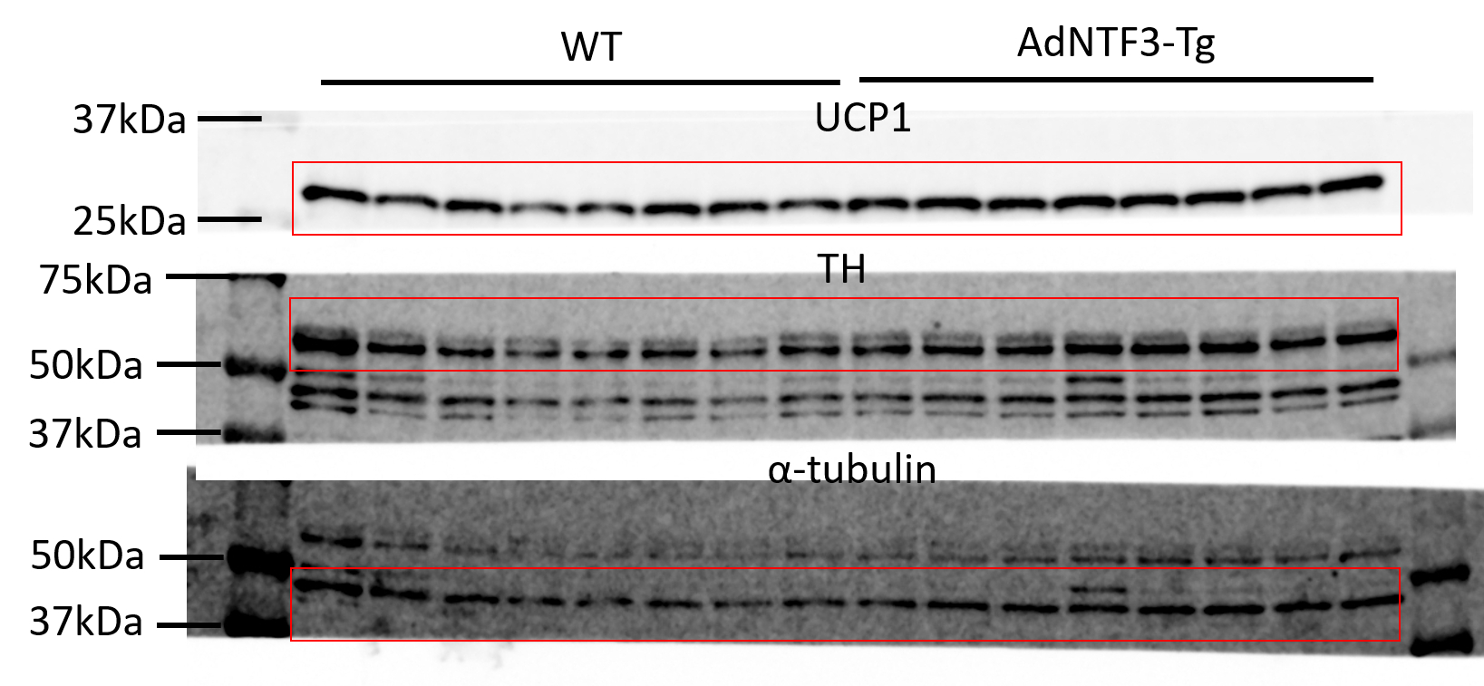
 |  |  |  |  |  |  |  |  |  |  |  |  | UCP1 | Abcam | ab23841 | WB (1:1000)
 |  |  |  |  |  |  |  |  |  |  |  |  | TH | Millipore | Ab152 | WB (1:1000)
 |  |  |  |  |  |  |  |  |  |  |  |  | α-Tubulin | Advanced BioChemicals | ABCENT4777 | WB (1:1000)

Fig3p
 |  | WT |  |  |  |  |  | AdNTF3-Tg
 | Ucp1 | 0.268225 | 1.058512 | 1.067822 | 1.715947 | 1.045301 | 0.844193 | 3.870828 | 1.360313 | 0.747861 | 5.87238 | 2.184045 | 5.877413 | 1.688659
 | Otop1 | 1.490914 | 1.22253 | 0.414968 | 0.824911 | 1.82765 | 0.219027 | 2.903903 | 1.787913 | 1.544738 | 2.19303 | 1.652281 | 3.95408 | 6.704135
 | Elovl3 | 1.763276 | 0.319351 | 0.674566 | 2.128817 | 0.682882 | 0.431107 | 5.118459 | 7.86574 | 2.564892 | 2.449149 | 2.511619 | 0.969815 | 1.593117
 | Cpt1b | 1.786883 | 1.374633 | 0.441722 | 0.723226 | 0.851426 | 0.82211 | 1.241433 | 1.363421 | 1.183616 | 2.151121 | 1.149272 | 2.985723 | 2.734374
 | Cox1 | 2.0197 | 1.41011 | 0.942866 | 0.711113 | 0.567033 | 0.349178 | 0.616115 | 1.255801 | 1.211878 | 0.450761 | 0.751362 | 0.614927 | 1.734328
 | Acox1 | 1.255433 | 0.882094 | 0.415228 | 0.884162 | 1.282481 | 1.280603 | 1.937276 | 1.939433 | 0.705545 | 1.12767 | 1.948836 | 1.910965 | 2.600957

Fig8
Fig8a |  | WT |  |  |  |  |  |  |  | TRKC+/-
 | 0 | 37.2 | 35.1 | 37.3 | 37.7 | 38 | 35.3 | 35.8 | 35.2 | 36.3 | 37.4 | 35.1 | 35.1 | 37.3 | 35.9
 | 1 | 35.9 | 31.4 | 35.8 | 36.7 | 35.6 | 32.1 | 32.9 | 32.5 | 34.1 | 35.4 | 31.8 | 31.5 | 36.8 | 33.2
 | 2 | 36 | 33.8 | 35.1 | 35.1 | 34.5 | 31.9 | 36 | 31.7 | 34.4 | 34.1 | 31.7 | 31.1 | 34.6 | 32.1
 | 3 | 36.1 | 32.8 | 35 | 34.7 | 34.3 | 30.8 | 35.8 | 32.6 | 33.5 | 34.8 | 30.8 | 33.1 | 34.6 | 31.2
 | 4 | 36 | 31.4 | 35.4 | 37.2 | 34.3 | 34.2 | 35.4 | 32.5 | 32.4 | 34.3 | 31.2 | 32.5 | 33.8 | 32.1
 | 5 | 35.9 | 35.3 | 35.7 | 36 | 35.7 | 32.1 | 34.4 | 31.9 | 33.4 | 35.4 | 32 | 32.8 | 36.2 | 33.3
 | 6 | 36.2 | 36.4 | 35 | 36.5 | 35 | 34.2 | 33.1 | 32.9 | 34.5 | 34.8 | 33.3 | 32.2 | 36.2 | 32.5
 | 7 | 36.4 | 36.8 | 35.7 | 37.3 | 35.2 | 33.9 | 36.5 | 33.7 | 34.6 | 35.5 | 36.7 | 31.9 | 34.9 | 31.9
 | 8 | 36.2 | 36.5 | 37.1 | 37.6 | 35.3 | 34.8 | 36.2 | 33.1 | 35.5 | 35.6 | 32 | 32.5 | 36 | 33.8
 | 10 | 35.4 | 36 | 35.3 | 37 | 35.2 | 33.1 | 34.8 | 33.4 | 34.4 | 34.9 | 34.2 | 32.1 | 35.4 | 33.4
 | 12 | 35.6 | 36 | 35.3 | 36.1 | 35.4 | 31.5 | 36.5 | 32.9 | 33.5 | 34.1 | 31.8 | 32.5 | 33.6 | 32.3
 | 14 | 35 | 37.3 | 33.6 | 35.4 | 35 | 33.6 | 36.2 | 33.2 | 32.6 | 35.2 | 33.3 | 33.1 | 33.6 | 33
 | 16 | 35.4 | 36.6 | 34.8 | 34.6 | 35 | 33.5 | 35.4 | 32.8 | 33.6 | 33.5 | 32.9 | 31 | 33.6 | 33.3
 | 18 | 36.1 | 36.4 | 35 | 33.8 | 35.4 | 31.1 | 35.4 | 35.1 | 34.9 | 33.3 | 34 | 33.3 | 33.6 | 33.2
 | 20 | 35.8 | 36.4 | 34.5 | 34.8 | 35.9 | 33.1 | 35 | 33.8 | 32.6 | 34.1 | 34.3 | 33.7 | 33.8 | 32.1
 | 22 | 34.5 | 36.8 | 34.3 | 34.5 | 34.8 | 33.6 | 35 | 34.7 | 33.6 | 34.4 | 33.7 | 33.2 | 34.5 | 33.3
 | 24 | 36 | 36.6 | 35.1 | 35.3 | 35.6 | 36.7 | 36.3 | 34.8 | 33.3 | 33.9 | 33.7 | 33.7 | 36 | 33.7

Fig8b
 |  | WT |  |  |  | TRKC+/-
 | Ucp1 | 0.7605185 | 0.8264819 | 1.521037 | 0.8919626 | 0.6307128 | 0.5267007 | 0.4846635 | 0.6949857 | 0.6220296
 | Pparγ | 0.950019 | 0.8987727 | 1.306791 | 0.8444175 | 0.6054284 | 0.3650151 | 0.6906508 | 0.7988676 | 0.7002919
 | Cidea | 0.8876747 | 0.8574373 | 1.354822 | 0.9000662 | 0.7781408 | 0.5816016 | 0.649816 | 0.726031 | 0.5351826
 | Dio2 | 0.92664548027 | 0.727031467 | 1.1487697052 | 1.1975533475 | 0.56256386325 | 0.389606139 | 0.8766600359 | 0.43833001795 | 0.71206917039
 | Cpt1b | 0.9960895 | 0.8147036 | 1.49936 | 0.6898465 | 0.7141739 | 0.5841243 | 0.5963979 | 0.6526346 | 0.4963979
 | Acox1 | 0.863631 | 0.971635 | 0.900305 | 1.264429 | 0.840015 | 0.645499 | 0.677591 | 0.817044 | 0.65451
 | Otop1 | 0.78483 | 0.7902889 | 1.741647 | 0.6832342 | 0.5947899 | 0.5825493 | 0.4967019 | 0.6287037 | 0.7424944
 | Elovl3 | 0.73787018875 | 0.74300245889 | 1.6374366431 | 0.88169070925 | 0.55920101905 | 0.54769282768 | 0.46698205306 | 0.59108560807 | 0.69806771284

Fig8c |  | WT |  |  |  |  | TRKC+/-
 | Ucp1 | 1.292998 | 1.495596 | 0.3870844 | 1.3858 | 0.4385216 | 0.1446582 | 0.3210166 | 0.09677105 | 0.185658 | 0.2501247 | 0.2416046
 | Pparα | 0.821245 | 0.798788 | 1.306661 | 1.076154 | 0.997152 | 0.4815924 | 0.6053681 | 0.5609269 | 0.4883151 | 0.3405373 | 0.67637
 | Pgc1α | 0.9264272 | 0.8886883 | 1.256795 | 1.337696 | 0.5903938 | 0.4088801 | 0.7790292 | 0.4382267 | 0.4536808 | 0.5068916 | 0.5702829
 | Cidea | 0.61057599236 | 0.82919109469 | 2.3428147518 | 0.82831001624 | 0.38910814488 | 0.18278794476 | 0.44388040086 | 0.45320726379 | 0.16819921898 | 0.27737647603 | 0.09995755098
 | Dio2 | 1.444885 | 0.7583603 | 1.376453 | 0.9336514 | 0.4866496 | 0.3844733 | 0.3393757 | 0.3323914 | 0.2383173 | 0.6787514 | 0.1732534
 | Cpt1b | 1.309924 | 0.4861532 | 1.384613 | 1.375048 | 0.4442621 | 0.2481842 | 0.4473521 | 0.4535969 | 0.4088044 | 0.4794602 | 0.2190729
 | Otop1 | 0.8535393 | 0.4150997 | 1.23245 | 1.947374 | 0.551537 | 0.1936508 | 0.4637855 | 0.4834805 | 0.3873016 | 0.3348367 | 0.1628403
 | Elovl3 | 1.402406 | 0.4346436 | 1.421984 | 1.354636 | 0.3863298 | 0.2548826 | 0.2013678 | 0.3052166 | 0.2584407 | 0.37317 | 0.3654902

Fig8d
 | WT |  |  |  | TRKC+/-
Ucp1 | 1.05994591 | 0.7855272 | 1.267278 | 0.9471948 | 0.6078272 | 0.8076113 | 0.8132287 | 0.7178394 | 0.6744265 | 0.7747126
Otop1 | 1.00653738 | 0.8686123 | 1.062 | 1.069387 | 0.816081 | 0.9117969 | 0.7055324 | 0.6674744 | 0.9977736 | 0.6674744
Elovl3 | 1.019547 | 0.8396897 | 0.9645501 | 1.19576 | 0.7726721 | 0.8937407 | 0.8167283 | 0.7943948 | 0.8338895 | 0.7673348
Acox1 | 1.007532407 | 0.796189 | 1.02185 | 1.181961 | 0.7744172 | 0.8899111 | 0.4008635 | 0.8773248 | 0.7027984 | 0.7027984
Cidea | 0.9256743 | 0.9716957 | 1.063321 | 0.9649838 | 1.034244 | 0.9129303 | 0.8342644 | 0.9451247 | 0.8818325 | 0.7313209
Dio2 | 1.0174309 | 1.080585 | 1.065708 | 0.8537068 | 0.96047 | 0.7079957 | 1.386851 | 0.8189303 | 1.2499 | 0.8899601
Cpt1b | 0.99589286 | 0.8354411 | 1.007381 | 1.157177 | 1.072227 | 1.149184 | 0.818248 | 1.157177 | 0.8529955 | 0.8014087

Fig 8e
 | WT |  |  |  |  | TRKC+/-
UCP1 | 1.090835 | 0.988066 | 0.912448 | 1.037008 | 0.971643 | 0.60194 | 0.573647 | 0.683515
TH | 0.9801980198 | 1.2376237624 | 0.9702970297 | 0.84158415842 | 0.9702970297 | 0.73267326733 | 0.57425742574 | 0.9016019802
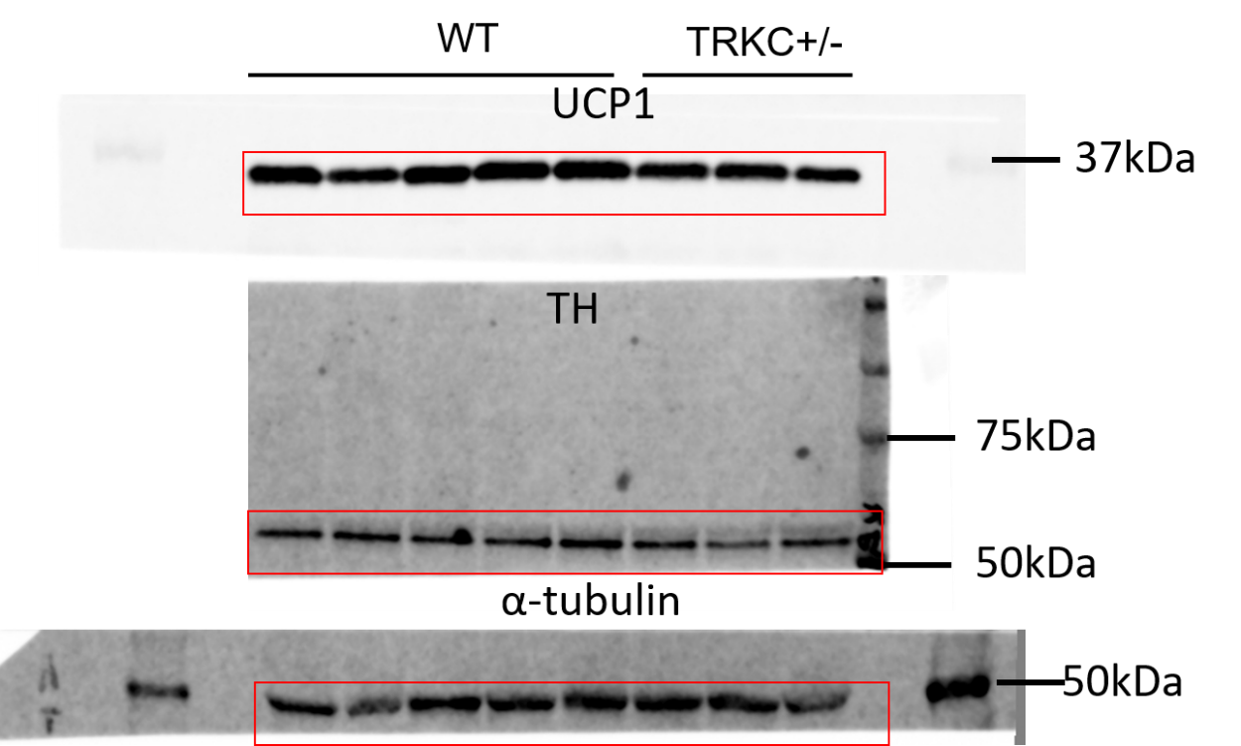

 |  |  |  |  |  |  |  |  | UCP1 | Abcam | ab23841 | WB (1:1000)
 |  |  |  |  |  |  |  |  | TH | Millipore | Ab152 | WB (1:1000)
 |  |  |  |  |  |  |  |  | α-Tubulin | Advanced BioChemicals | ABCENT4777 | WB (1:1000)

Fig8f
 | WT |  |  | TRKC+/-
UCP1 | 1.313057 | 1.231804 | 0.455139 | 0.044059 | 0.092203 | 0.025181 | 0.028789
TH | 1.053558 | 0.880323 | 1.066119 | 0.550209 | 0.368135 | 0.539361 | 0.544615

 |  |  | UCP1 | Abcam | ab23841 | WB (1:1000)
 |  |  | TH | Millipore | Ab152 | WB (1:1000)
 |  |  | α-Tubulin | Advanced BioChemicals | ABCENT4777 | WB (1:1000)

Fig8h
 | WT |  |  |  |  |  |  | TRKC+/-
0 | 21.92 | 20.92 | 22.25 | 18.77 | 18 | 19.68 | 21.55 | 20.24 | 20.39 | 21.65 | 21.03 | 20.33 | 19.72 | 21.72 | 21.68
1 | 27.3 | 26.12 | 27.35 | 22.57 | 22.07 | 23.67 | 26.04 | 26.65 | 26.02 | 27.21 | 26.38 | 25.01 | 23.64 | 28.7 | 27.4
2 | 27.68 | 29.29 | 29.07 | 25.06 | 24.35 | 25.37 | 29.33 | 28.93 | 26.96 | 28.98 | 27.99 | 27.06 | 26.9 | 32.58 | 29.72
3 | 31.36 | 32.02 | 30.81 | 27.18 | 26.77 | 27.5 | 31.85 | 33.24 | 30.74 | 32.39 | 31.77 | 30.45 | 28.92 | 35.97 | 31.99
4 | 32.86 | 33.81 | 32.56 | 27.93 | 28.37 | 29 | 33.66 | 36 | 31.7 | 33.79 | 33.61 | 32.63 | 31.5 | 37.78 | 34.85
5 | 36.78 | 36.25 | 35.47 | 30.2 | 31.22 | 32.3 | 35.67 | 41.08 | 36.29 | 36.88 | 37.55 | 37.68 | 36.9 | 40.49 | 36.92
6 | 39.92 | 39 | 38.3 | 33.29 | 32.78 | 36.05 | 38.8 | 43.73 | 38.53 | 37.47 | 40.49 | 41.31 | 39.23 | 42.87 | 40.59
7 | 42.5 | 41.34 | 41.09 | 34.09 | 35.16 | 38.13 | 41.04 | 45.7 | 40.29 | 40.87 | 42.57 | 44.59 | 42.3 | 44.24 | 42.79
8 | 44.75 | 42.07 | 42.52 | 36.82 | 36.28 | 40.37 | 42.49 | 47.65 | 43.8 | 41.41 | 44.73 | 47.87 | 44.35 | 46.73 | 43.7
9 | 45.46 | 43.58 | 43.66 | 38.68 | 39.05 | 43.12 | 44.53 | 47.7 | 45.23 | 41.81 | 45.81 | 49.39 | 46.37 | 48.31 | 46
10 | 46.38 | 45.65 | 45.4 | 40.59 | 41.59 | 44.21 | 46.19 | 47.8 | 48.25 | 45.25 | 47.28 | 50.27 | 48.83 | 49.38 | 49.57
11 | 47.6 | 48.21 | 45.56 | 44.7 | 44.7 | 46.43 | 48.54 | 50.04 | 50.94 | 46.86 | 48.76 | 52.67 | 48.34 | 52.05 | 51.35
12 | 48.6 | 47.93 | 45.1 | 46.01 | 46.12 | 47.46 | 49.1 | 51.24 | 52.43 | 47.01 | 48.66 | 54.32 | 49.31 | 52.27 | 52.38
13 | 47.16 | 46.6 | 44.22 | 44.47 | 46.5 | 46.55 | 47.02 | 50.42 | 52.91 | 47.98 | 48.61 | 52.84 | 49.5 | 50.67 | 50.69
14 | 49 | 48.4 | 45.24 | 47.76 | 47.8 | 48.04 | 50 | 52.2 | 54.41 | 49.6 | 50.28 | 53.62 | 52.68 | 51.99 | 52.5
15 | 49.5 | 48.41 | 46.49 | 48 | 49.01 | 48.57 | 50.19 | 53.14 | 54.28 | 50.32 | 50.47 | 55.41 | 52.5 | 52.1 | 52.78
16 | 49.78 | 49.07 | 47.81 | 47.94 | 48.66 | 49.03 | 50.39 | 54.14 | 54.58 | 51.18 | 51.23 | 55.6 | 53 | 53.28 | 54.7

Fig8i
 | WT |  |  |  |  |  |  |  |  |  |  | TRKC+/-
iWAT | 1.33 | 1.92 | 1.71 | 0.96 | 1.37 | 1.82 | 1.19 | 1.53 | 1.22 | 1.19 | 1.39 | 2.181 | 2.785 | 2.026 | 1.72 | 2.12 | 1.59 | 1.96 | 1.98 | 1.65 | 1.36 | 2.39 | 1.19 | 1.03 | 1.65 | 1.62
eWAT | 1.01 | 1.44 | 0.79 | 1.02 | 1.14 | 1.82 | 1.12 | 1.87 | 1.79 | 1.64 | 1.88 | 1.325 | 2.3 | 1.783 | 1.42 | 1.6 | 2.15 | 2.91 | 1.73 | 2.67 | 1.4 | 1.77 | 1.78 | 1.85 | 1.13 | 1.21
iBAT | 0.27 | 0.175 | 0.32 | 0.25 | 0.16 | 0.27 | 0.22 |  |  |  |  | 0.408 | 0.421 | 0.433 | 0.293 | 0.42 | 0.35 | 0.3 | 0.36

Fig8j
 | WT |  |  |  |  |  |  |  |  | TRKC+/-
Ucp1 | 1.023887 | 0.945892 | 0.799188 | 1.162543 | 0.906571 | 0.849801 | 1.4219 | 0.910701 | 0.979517 | 0.910734 | 0.634429 | 0.7087 | 0.670666 | 0.995396 | 0.608985 | 1.067257 | 0.69239 | 0.877794 | 0.813284
Cox1 | 0.949136 | 1.220573 | 0.751949 | 0.83678 | 1.0142 | 1.015272 | 1.075719 | 1.071924 | 1.064447 | 0.664929 | 0.814329 | 0.576865 | 0.757128 | 0.760335 | 0.733561 | 0.857773 | 0.813895 | 0.958211 | 0.977676
Acox1 | 0.90637729426 | 0.93605839212 | 0.99582678175 | 0.89461563527 | 0.9264883838 | 1.0858391522 | 1.5297112879 | 0.83054877595 | 0.98599030225 | 0.90854399444 | 0.89593601498 | 0.72019876555 | 0.92444643605 | 0.92205617951 | 0.92987865581 | 0.74837185605 | 0.88601071174 | 0.78008891355 | 0.88921535213
Otop1 | 0.77235430023 | 0.85943061619 | 0.66538921812 | 1.2505189614 | 1.0770786102 | 1.009782841 | 1.263487586 | 0.93673963543 | 1.1249942447 | 1.0402239867 | 0.95318505564 | 0.98246726952 | 0.86226694943 | 0.43647262855 | 0.44677118435 | 0.328725415 | 1.0640263615 | 0.79410542463 | 0.81326420144
Cpt1b | 0.878034 | 0.909551 | 0.979134 | 0.988708 | 1.149489 | 1.107862 | 0.934123 | 1.12963 | 0.916348 | 0.801679 | 0.812097 | 0.573645 | 0.775848 | 0.816167 | 0.8214 | 0.990757 | 1.019656 | 0.653443 | 1.021067
Eva1 | 1.11775 | 0.963128 | 0.885764 | 0.719533 | 0.843207 | 1.007122 | 1.561297 | 1.031234 | 0.878088 | 0.775411 | 1.086791 | 0.662916 | 1.194275 | 0.970557 | 0.978269 | 0.679111 | 0.933215 | 0.994275 | 0.869413
Cidea | 0.873086 | 1.286814 | 0.672798 | 0.660047 | 0.953367 | 0.815214 | 1.243417 | 1.721052 | 0.800134 | 0.698678 | 1.003322 | 0.523043 | 0.710484 | 1.051561 | 0.862047 | 0.827447 | 0.953618 | 0.972716 | 1.392374
Dio2 | 0.905281 | 0.817512 | 0.944614 | 1.417753 | 1.219266 | 1.356816 | 0.520481 | 0.672086 | 1.146191 | 0.649227 | 1.191593 | 0.561925 | 1.240471 | 0.697323 | 0.582904 | 0.199583 | 1.45546 | 0.574063 | 1.180174

Fig8k
 | WT |  |  |  |  |  | TRKC+/-
UCP1 | 0.830956 | 0.90118 | 0.78191 | 0.810424 | 1.420106 | 1.255424 | 1.085511 | 0.823613 | 0.647447 | 0.544727 | 0.331923
TH | 0.801736 | 1.756506 | 0.669024 | 1.130519 | 0.632104 | 1.010111 | 0.57323 | 0.46992 | 0.465402 | 0.451344 | 0.496372
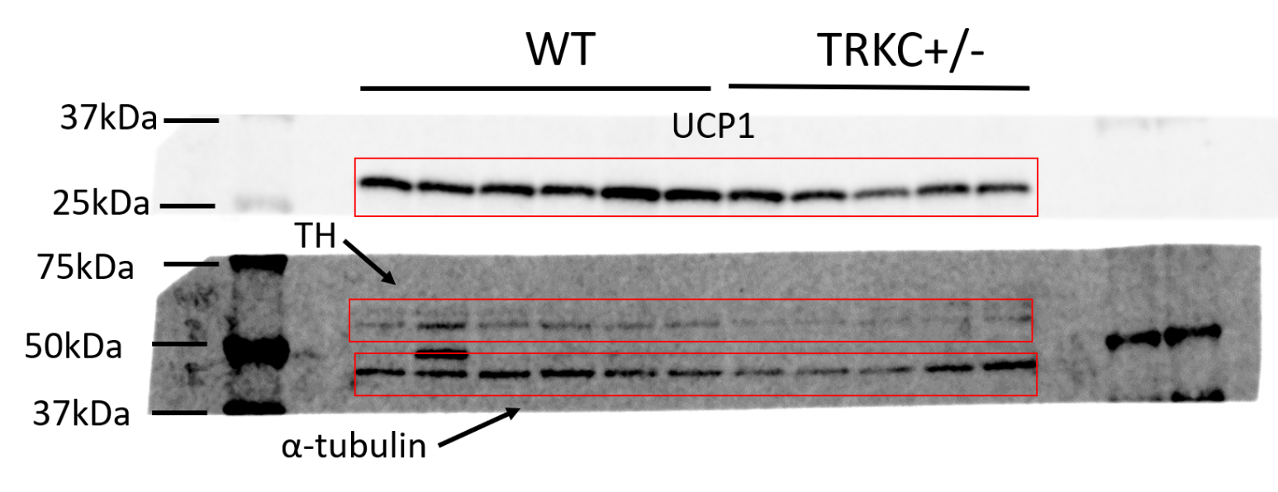
 |  |  |  |  |  |  |  |  |  |  | UCP1 | Abcam | ab23841 | WB (1:1000)
 |  |  |  |  |  |  |  |  |  |  | TH | Millipore | Ab152 | WB (1:1000)
 |  |  |  |  |  |  |  |  |  |  | α-Tubulin | Advanced BioChemicals | ABCENT4777 | WB (1:1000)

Fig9
Fig9a
 | fl/fl |  |  |  | STRKCKO
0 | 35.9 | 38.6 | 38.5 | 38.1 | 35.5 | 36.2 | 36.2 | 35.9
1 | 33.5 | 37.1 | 38.1 | 37.4 | 30.9 | 32.6 | 32.4 | 32.6
2 | 32.3 | 35.6 | 37 | 37.1 | 28.5 | 32.4 | 31.7 | 31.6
3 | 31.2 | 35.1 | 36.8 | 36.7 | 27.9 | 31.6 | 31.7 | 31.4
4 | 33.2 | 35.4 | 36.8 | 35.4 | 28.9 | 31.6 | 31.3 | 33.1
5 | 33 | 35.4 | 38.1 | 35.2 | 28.3 | 31 | 31.6 | 32.7
6 | 33.2 | 36.7 | 36.2 | 35.5 | 28.9 | 32.8 | 31.4 | 33.4
7 | 33.1 | 35.9 | 37.8 | 36.3 | 28.7 | 32.7 | 32.9 | 32.3
8 | 34 | 35.3 | 37.6 | 35.5 | 29.3 | 33.5 | 31.6 | 31.8

Fig9b
 | fl/fl |  |  |  | STRKCKO
iWAT | 179.5 | 155.2 | 153 | 172.6 | 201.1 | 166.8 | 207.7 | 193.8
eWAT | 228.3 | 199.8 | 197 | 211.4 | 274.4 | 250 | 214.3 | 265.4
iBAT | 78.8 | 94.7 | 78.5 | 87.1 | 91.3 | 84.7 | 82.6 | 88.5

Fig9c
 | fl/fl |  |  |  |  |  |  |  |  | STRKCKO
Ucp1 | 1.262799 | 1.034717 | 1.103646 | 1.159346 | 0.8237664 | 0.8958768 | 0.8918948 | 0.9111549 | 0.9167997 | 0.9483191 | 1.08022 | 0.734851 | 0.8665889 | 0.7860638 | 0.6870215 | 0.7941456
Cpt1b | 1.034717 | 1.011178 | 0.96638 | 1.019215 | 0.979689 |  |  |  |  | 0.801905 | 0.756252 | 0.913344 | 0.958639
Cidea | 1.004691 | 0.9373803 | 0.9432579 | 0.9997683 | 1.114903 |  |  |  |  | 0.8342367 | 0.7641246 | 0.9579904 | 0.8619086
Dio2 | 0.9600918 | 1.124031 | 0.9662014 | 1.056142 | 0.8935332 |  |  |  |  | 0.8239697 | 0.8989446 | 0.8605626 | 0.707901
Otop1 | 0.8095659 | 0.8220662 | 1.002323 | 1.250733 | 1.115312 |  |  |  |  | 0.8162916 | 0.9020717 | 1.02665 | 0.8578768
Eva1 | 0.7896615 | 0.8600101 | 1.022046 | 1.218456 | 1.109826 |  |  |  |  | 0.7678443 | 0.8951072 | 1.277794 | 1.113492

Fig9e
 | fl/fl |  |  |  |  |  |  |  |  |  | STRKCKO
Ucp1 | 0.9776347 | 0.6084855 | 1.44147 | 0.04724071 | 0.1321012 | 1.204018 | 1.426244 | 1.294437 | 1.171894 | 1.696476 | 0.08683651 | 0.09728474 | 0.2356402 | 0.03954821 | 0.5538195 | 0.6720034
Pgc1α | 1.006794 | 0.7904489 | 1.55957 | 0.4675501 | 0.4726145 | 1.698862 | 1.317009 | 1.1172 | 1.093972 | 0.4759799 | 0.7468766 | 0.5369863 | 0.571044 | 0.5568327 | 0.7374426 | 1.020864
Cpt1b | 1.159243 | 0.6444203 | 1.445414 | 0.1718785 | 0.2293074 | 1.121447 | 1.398974 | 1.195597 | 1.340065 | 1.293655 | 0.2292277 | 0.2085681 | 0.3651773 | 0.1381895 | 0.685348 | 0.7072209
Dio2 | 0.4616115 | 0.4959835 | 0.9353427 | 0.1835409 | 0.2844464 | 1.506297 | 1.758951 | 1.667981 | 1.529056 | 1.176791 | 1.092999 | 0.4228258 | 0.3087528 | 0.641064 | 1.274007 | 1.033867
Otop1 | 1.327576 | 0.8379588 | 1.620848 | 0.3229812 | 0.2840666 | 1.038476 | 1.266125 | 1.082744 | 1.130005 | 1.08922 | 0.5170467 | 0.2683288 | 0.3900274 | 0.2285616 | 0.7166793 | 0.6962136
Cox1 | 1.275869 | 0.8960011 | 1.336654 | 0.8785695 | 0.6573185 | 0.9865458 | 1.203716 | 0.8786078 | 1.086673 | 0.8000454 | 1.045661 | 0.8267602 | 0.8099402 | 0.5861428 | 1.030919 | 0.9937028
Acox1 | 1.076781 | 1.006428 | 1.118788 | 0.7030644 | 0.6496206 | 1.208704 | 1.097207 | 0.9515261 | 1.349565 | 0.8383161 | 1.123484 | 0.7516256 | 0.7953635 | 0.8457368 | 1.382123 | 1.201692
...
Fig9g
 |  | fl/fl |  |  |  |  | STRKCKO
 | Fat | 40.879 | 42.848 | 39.812 | 34.91 | 42.962 | 46.838 | 43.426 | 44.968 | 44.212 | 43.247
 | Lean | 47.472 | 46.376 | 45.244 | 49.432 | 53.606 | 42.468 | 45.853 | 44.933 | 41.989 | 46.262

Fig9i
 |  | fl/fl |  |  |  |  |  | STRKCKO
 | UCP1 | 1.132884 | 1.597977 | 0.583314 | 0.685114 | 1.035151 | 0.96556 | 0.369792 | 0.483922 | 0.26382 | 0.408593 | 0.414958
 | TH | 0.911432 | 1.049142 | 0.721473 | 1.132545 | 1.048936 | 1.136472 | 0.598829 | 0.375951 | 0.271898 | 0.423737 | 0.439989

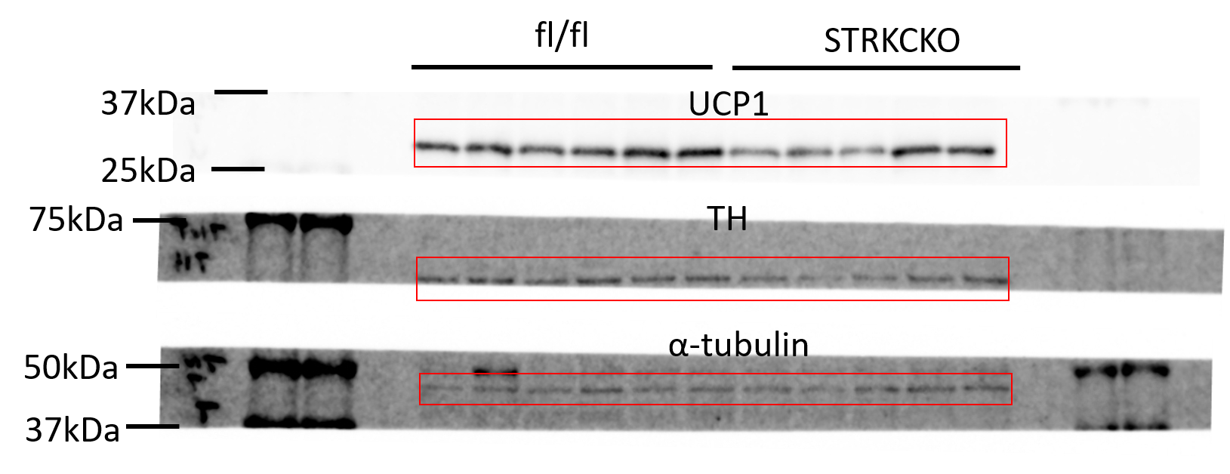
 |  |  |  |  |  |  |  |  |  |  | UCP1 | Abcam | ab23841 | WB (1:1000)
 |  |  |  |  |  |  |  |  |  |  | TH | Millipore | Ab152 | WB (1:1000)
 |  |  |  |  |  |  |  |  |  |  | α-Tubulin | Advanced BioChemicals | ABCENT4777 | WB (1:1000)

Fig9k
 | fl/fl |  |  |  |  | STRKCKO
0 | 149 | 166 | 151 | 119 | 135 | 144 | 140 | 138 | 151 | 152 | 181
15 | 297 | 421 | 373 | 358 | 345 | 437 | 394 | 399 | 372 | 420 | 429
30 | 253 | 332 | 308 | 243 | 231 | 323 | 316 | 299 | 265 | 339 | 358
60 | 207 | 221 | 245 | 169 | 191 | 230 | 216 | 229 | 191 | 253 | 237
90 | 209 | 186 | 208 | 175 | 189 | 189 | 210 | 183 | 166 | 192 | 206
120 | 173 | 166 | 161 | 163 | 166 | 164 | 182 | 177 | 152 | 164 | 191
...

FigS1
S1a
 | 20D |  |  |  |  | 3M
UCP1 | 1.427221 | 1.392737 | 1.03116 | 0.694738 | 0.454144 | 0.185667 | 0.14935 | 0.202388 | 0.240927 | 0.118075
TH | 1.238203 | 1.287946 | 0.680059 | 1.143634 | 0.650157 | 0.239504 | 0.212688 | 0.248404 | 0.509316 | 0.31771

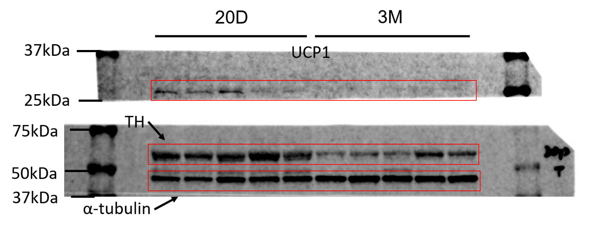
 |  |  |  |  |  |  |  |  |  | UCP1 | Abcam | ab23841 | WB (1:1000)
 |  |  |  |  |  |  |  |  |  | TH | Millipore | Ab152 | WB (1:1000)
 |  |  |  |  |  |  |  |  |  | α-Tubulin | Advanced BioChemicals | ABCENT4777 | WB (1:1000)

S1b
 | 20D |  |  | 3M
mean intensity | 1.63493 | 0.851418 | 0.513651 | 0.014571 | 0.015546 | 0.008367
mean length | 0.865439 | 1.081798 | 1.052763 | 0.060534 | 0.035533 | 0.058977
mean branch | 0.666528 | 1.417866 | 0.915605 | 0.016087 | 0.009729 | 0.017572

S1c
 | 20D |  |  |  | 3M
UCP1 | 0.93139 | 1.206444 | 0.85167 | 1.010495 | 0.771849 | 0.815246 | 0.641235 | 0.655194 | 0.511566
TH | 1.01113 | 1.177644 | 0.914565 | 0.89666 | 0.890338 | 0.803613 | 0.77074 | 0.858557 | 0.80444
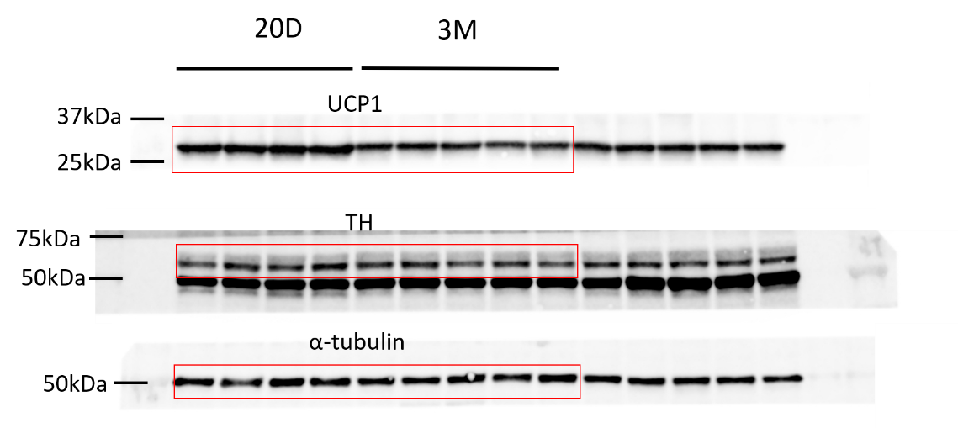
 |  |  |  |  |  |  |  | UCP1 | Abcam | ab23841 | WB (1:1000)
 |  |  |  |  |  |  |  | TH | Millipore | Ab152 | WB (1:1000)
 |  |  |  |  |  |  |  | α-Tubulin | Advanced BioChemicals | ABCENT4777 | WB (1:1000)

S1d
 | 20D |  |  |  |  | 3M
RT | 0.886667 | 0.719127 | 0.658687 |  |  | 0.896003 | 0.818993 | 0.50211
COLD | 0.756924 | 0.774203 | 0.677399 | 0.643484 | 0.638438 | 0.453633 | 0.417359 | 0.451054 | 0.47161 | 0.586837

S1e
 | 20D |  |  |  |  | 3M
iBAT | 1.558354902 | 0.79885196078 | 0.77572647059 | 1.0761754902 | 0.79089117647 | 0.85337156863 | 0.69098921569 | 0.42979019608 | 0.59079607843 | 0.43143627451
iWAT | 1.106402 | 1.039549 | 0.854049 |  |  | 0.420208 | 0.257939 | 0.499045
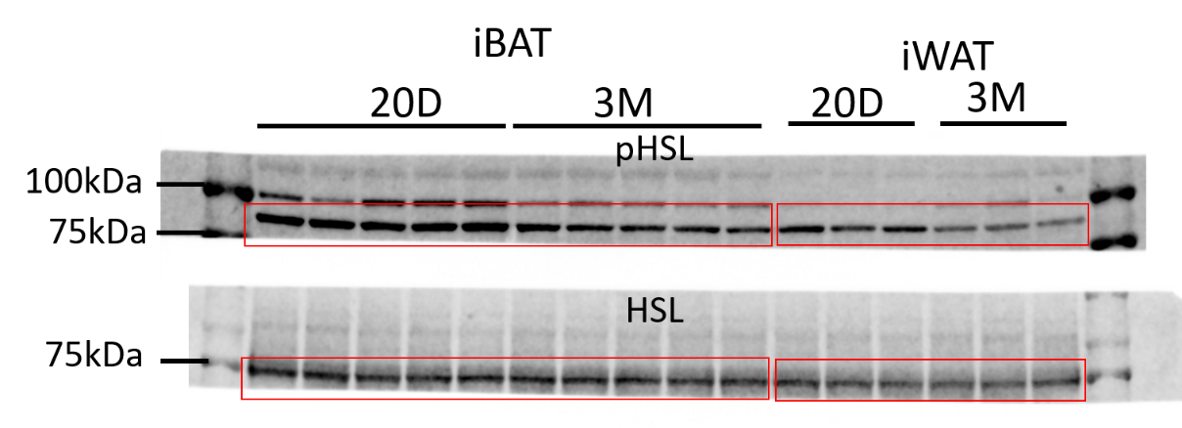
 |  |  |  |  |  |  |  | pHSL | Cell Signaling Technology | 4126S | WB (1:1000)
 |  |  |  |  |  |  |  | HSL | Cell Signaling Technology | 4107S | WB (1:1000)

FigS5
...
S5g |  | WT |  |  |  |  |  | AdNTF3-Tg
 | Otop1 | 1.0141042204 | 1.0013023103 | 1.0906499256 | 1.0688416624 | 1.0026806065 | 0.8224212749 | 0.94912298855 | 1.1595842173 | 0.86013968014 | 1.2128651111 | 1.3843811573
 | Eva1 | 1.0727127559 | 1.1853339648 | 1.0338561421 | 0.54572927309 | 1.0181273739 | 1.1442404903 | 1.1667635364 | 1.429691828 | 2.0959814223 | 1.2914428699 | 2.0621076775
 | Cox1 | 0.997961 | 1.220228 | 0.817429 | 0.808107 | 1.270851 | 0.885424 | 0.81836 | 0.974356 | 0.943983 | 0.953775 | 1.040718
 | Acox1 | 0.76715880802 | 0.9619434131 | 1.0174152997 | 1.1605337737 | 1.1086798713 | 0.98426883423 | 1.0882099012 | 1.1360344647 | 0.93893756316 | 1.0639264324 | 1.2322594883

S5h
 | WT | AdNTF3-Tg
 | 1.009947 | 1.007883
 | 1.057171 | 1.192289
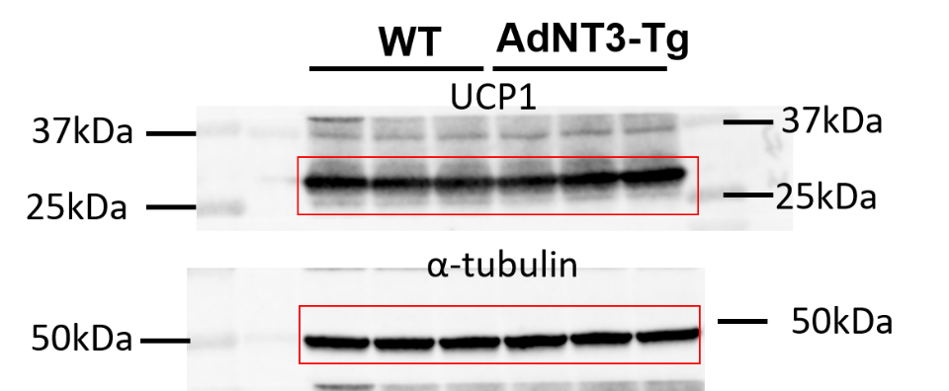
 | 0.932882 | 1.307506

 |  |  |  |  |  |  | UCP1 | Abcam | ab23841 | WB (1:1000)
 |  |  |  |  |  |  | α-Tubulin | Advanced BioChemicals | ABCENT4777 | WB (1:1000)

FigS8
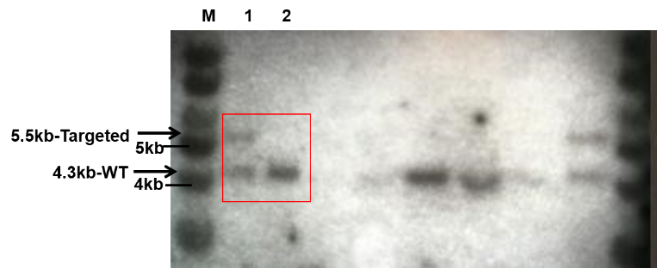
S8b

S8c | iBAT |  | iWAT |  | eWAT
 | fl/+ | AdNTF3-KI | fl/+ | AdNTF3-KI | fl/+ | AdNTF3-KI
 | 1.01 | 10.33 | 1.39 | 9.22 | 1.59 | 14.35
 | 1.13 | 34.29 | 0.63 | 9.34 | 0.51 | 14.8
 | 0.8 | 26.15 | 0.83 | 9.72 | 0.87 | 10.22
 | 1.05 | 18.5 | 1.15 | 11.22 | 1.02 | 10.24
...

FigS9
...
S9d
 | Fgf21 | 1.137596 | 1.578445 | 1.817336 | 0.5510599 | 1.281017 | 0.7538649 | 0.3288917 | 0.5517889 | 0.4168311 | 1.182759 | 1.08329
 | Eva1 | 0.4214675 | 0.3950495 | 1.538416 | 0.0314077 | 1.608074 | 0.8349656 | 1.823499 | 1.347121 | 3.963726 | 1.436738 | 2.495612
 | Elovl3 | 0.3680843 | 1.366228 | 0.9601962 | 0.6176835 | 1.344224 | 0.9613368 | 0.8603274 | 1.52192 | 2.371921 | 1.286713 | 1.904164

S9e
 | fl/+ |  |  |  |  | AdNTF3-KI
UCP1 | 0.7481948 | 1.304717 | 1.246655 | 0.9566909 | 0.7437427 | 2.032984 | 1.984005 | 0.9801646 | 3.029799 | 3.303523
TH | 0.9093801 | 1.040434 | 0.9954728 | 1.120103 | 0.93461 | 1.524291 | 2.329258 | 2.679695 | 3.187846 | 2.732913
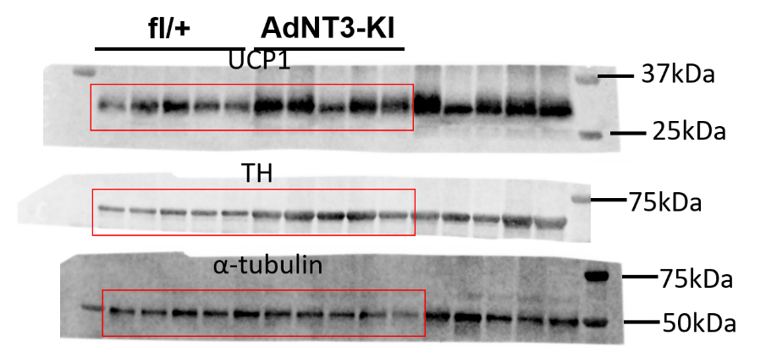
 |  |  |  |  |  |  | UCP1 | Abcam | ab23841 | WB (1:1000)
 |  |  |  |  |  |  | TH | Millipore | Ab152 | WB (1:1000)
 |  |  |  |  |  |  | α-Tubulin | Advanced BioChemicals | ABCENT4777 | WB (1:1000)

FigS10
...
S10h
Elovl3 | 1.261892 | 0.7524145 | 0.5931785 | 0.4505413 | 1.862642 | 1.281277 | 0.7980552 | 1.264061 | 5.002929 | 5.427481 | 2.941338 | 2.699502

 | ND: not detected

S10i
 | fl/+ |  |  |  |  | AdNTF3-KI
UCP1 | 0.8873439 | 1.028306 | 1.136166 | 0.7878962 | 1.160288 | 1.591281 | 1.467433 | 1.117236 | 1.680497 | 1.338256
TH | 1.052193 | 1.004635 | 0.9009567 | 0.8412345 | 1.200981 | 1.295676 | 0.9988793 | 1.875769 | 1.622262 | 1.22364
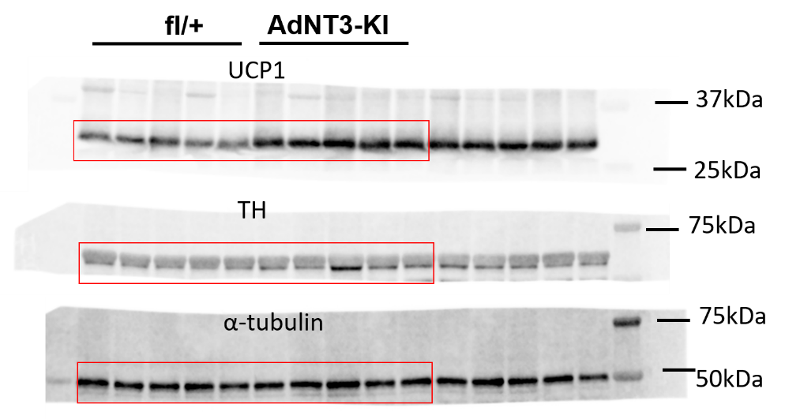
 |  |  |  |  |  |  |  | UCP1 | Abcam | ab23841 | WB (1:1000)
 |  |  |  |  |  |  |  | TH | Millipore | Ab152 | WB (1:1000)
 |  |  |  |  |  |  |  | α-Tubulin | Advanced BioChemicals | ABCENT4777 | WB (1:1000)

FigS17
S17a

 | WT |  |  |  | TrkC+/-
UCP1 | 0.757198 | 1.545221 | 0.958491 | 0.73909 | 0.746323 | 1.496538 | 0.729603 | 0.800585
TH | 0.850765 | 1.2441 | 1.085787 | 0.819349 | 0.873958 | 1.618391 | 0.601215 | 0.700168
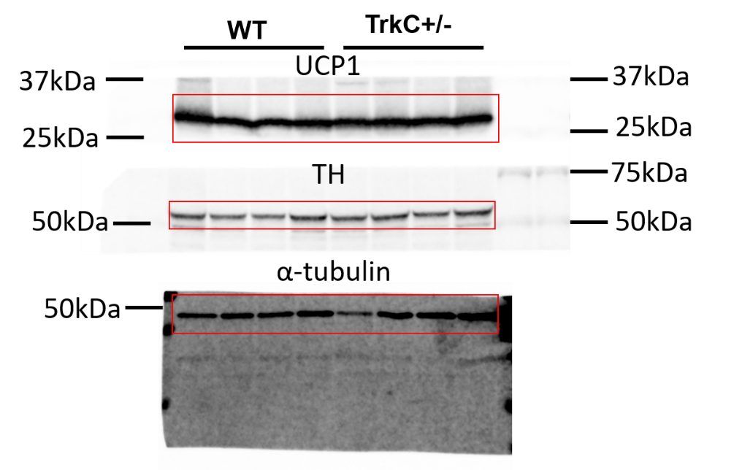
 |  |  |  |  |  |  | UCP1 | Abcam | ab23841 | WB (1:1000)
 |  |  |  |  |  |  | TH | Millipore | Ab152 | WB (1:1000)
 |  |  |  |  |  |  | α-Tubulin | Advanced BioChemicals | ABCENT4777 | WB (1:1000)
...

FigS19
...
 |  | WT |  |  |  | TRKC+/-
 | Light | 237.6667 | 169.2593 | 245.6667 | 447.8148 | 201.1111 | 261.4074 | 194.037 | 280.3333
 | Dark | 196.3077 | 266.6923 | 313.4615 | 520.1154 | 283.7308 | 317 | 262.7308 | 316.6538

S19g
 |  | WT |  |  |  |  |  |  |  |  |  | TRKC+/-
 | UCP1 | 0.893651 | 0.622992 | 1.14246 | 1.313901 | 0.966287 | 0.828542 | 1.197828 | 1.157559 | 0.670388 | 1.20639 | 0.686231
 | TH | 0.542551 | 0.792515 | 1.315965 | 0.867114 | 0.991534 | 1.056013 | 1.053724 | 1.258735 | 0.835264 | 1.286584 | 0.490521
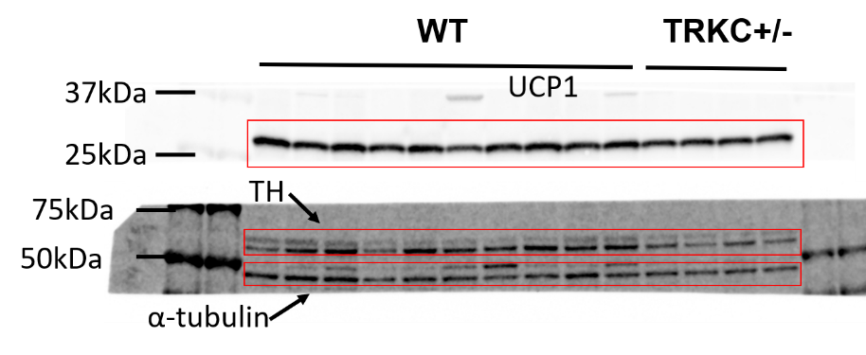
 |  |  |  |  |  |  | UCP1 | Abcam | ab23841 | WB (1:1000)
 |  |  |  |  |  |  | TH | Millipore | Ab152 | WB (1:1000)
 |  |  |  |  |  |  | α-Tubulin | Advanced BioChemicals | ABCENT4777 | WB (1:1000)

S19h |  | WT |  |  |  |  |  |  |  |  |  | TRKC+/-
 | 0 | 180 | 149 | 167 | 184 | 177 | 145 | 189 | 153 | 181 | 161 | 202
 | 15 | 296 | 345 | 256 | 342 | 314 | 262 | 442 | 358 | 246 | 294 | 488
 | 30 | 251 | 239 | 195 | 264 | 275 | 206 | 351 | 359 | 254 | 306 | 472
 | 60 | 185 | 155 | 144 | 192 | 186 | 151 | 321 | 235 | 226 | 262 | 368
 | 90 | 161 | 130 | 151 | 185 | 171 | 139 | 308 | 193 | 195 | 176 | 313
 | 120 | 156 | 136 | 152 | 214 | 195 | 135 | 340 | 181 | 202 | 205 | 293
...

Fig21
...
 |  | fl/fl |  |  |  |  |  | STRKCKO
 | Light | 157.8333 | 204.9583 | 148.875 | 174.0417 | 229.5833 | 188.875 | 228.2083 | 180.375 | 175.9583 | 57.375 | 230.0833 | 48.625
 | Dark | 308.1667 | 403.0417 | 331.9167 | 289.9583 | 394.7083 | 409 | 498.3333 | 502.4583 | 369.4167 | 146.375 | 397.625 | 317.875

S21h | fl/fl |  |  |  |  |  | STRKCKO
UCP1 | 0.740583 | 0.991171 | 0.813508 | 1.180522 | 1.274215 | 0.970831 | 0.681776 | 0.88235 | 0.942277 | 0.72557 | 0.577421 | 0.667619 | 0.990372
TH | 0.891192 | 1.294524 | 0.695354 | 1.151039 | 1.135379 | 0.832512 | 0.547075 | 0.72038 | 0.874787 | 0.510331 | 0.517909 | 0.429946 | 0.851667
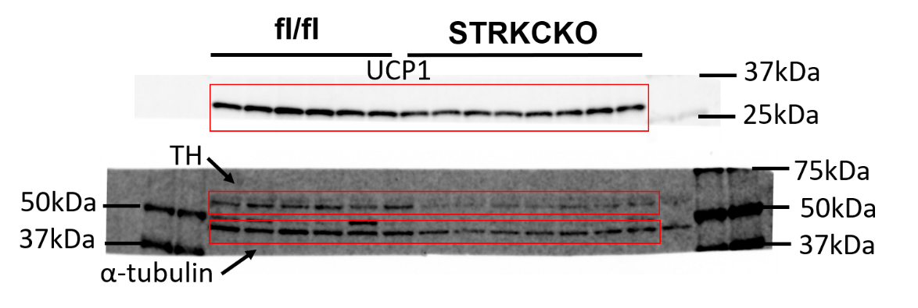
 |  |  |  |  |  |  |  | UCP1 | Abcam | ab23841 | WB (1:1000)
 |  |  |  |  |  |  |  | TH | Millipore | Ab152 | WB (1:1000)
 |  |  |  |  |  |  |  | α-Tubulin | Advanced BioChemicals | ABCENT4777 | WB (1:1000)

S21j
 |  | fl/fl |  |  |  |  |  |  |  | STRKCKO
 | Pgc1α | 0.938082 | 1.260164 | 1.231389 | 0.892178 | 1.71554 | 0.844397 | 0.556312 | 0.561938 | 0.583335 | 0.641963 | 0.625977 | 0.969311
 | Ucp1 | 1.122579 | 0.594789 | 1.069375 | 0.832773 | 1.780382 | 1.293501 | 0.539755 | 0.766845 | 0.346227 | 0.395831 | 0.955794 | 0.647343
 | Cpt1b | 1.276096 | 0.606371 | 1.146553 | 0.478706 | 1.638278 | 0.816858 | 0.97901 | 1.058129 | 0.24869 | 0.500199 | 0.931288 | 0.610465
 | Dio2 | 1.088236 | 1.353786 | 1.201115 | 0.667108 | 0.453809 | 1.320598 | 0.708321 | 1.207028 | 1.154742 | 0.674493 | 0.812355 | 0.193238
 | Cidea | 1.612634 | 0.858405 | 0.43067 | 0.405045 | 1.61012 | 1.029778 | 1.287859 | 0.765488 | 0.749583 | 0.44796 | 0.892004 | 0.12688
 | Otop1 | 1.802889 | 1.080659 | 1.132237 | 0.507226 | 0.474304 | 0.988016 | 1.196787 | 0.817882 | 1.08913 | 0.513901 | 0.578098 | 0.339484
 | Cox1 | 1.5952 | 0.803423 | 0.611404 | 0.885583 | 0.941498 | 0.85512 | 1.237498 | 1.070274 | 0.319013 | 0.475448 | 0.125893 | 0.559255
...

