Fig 2
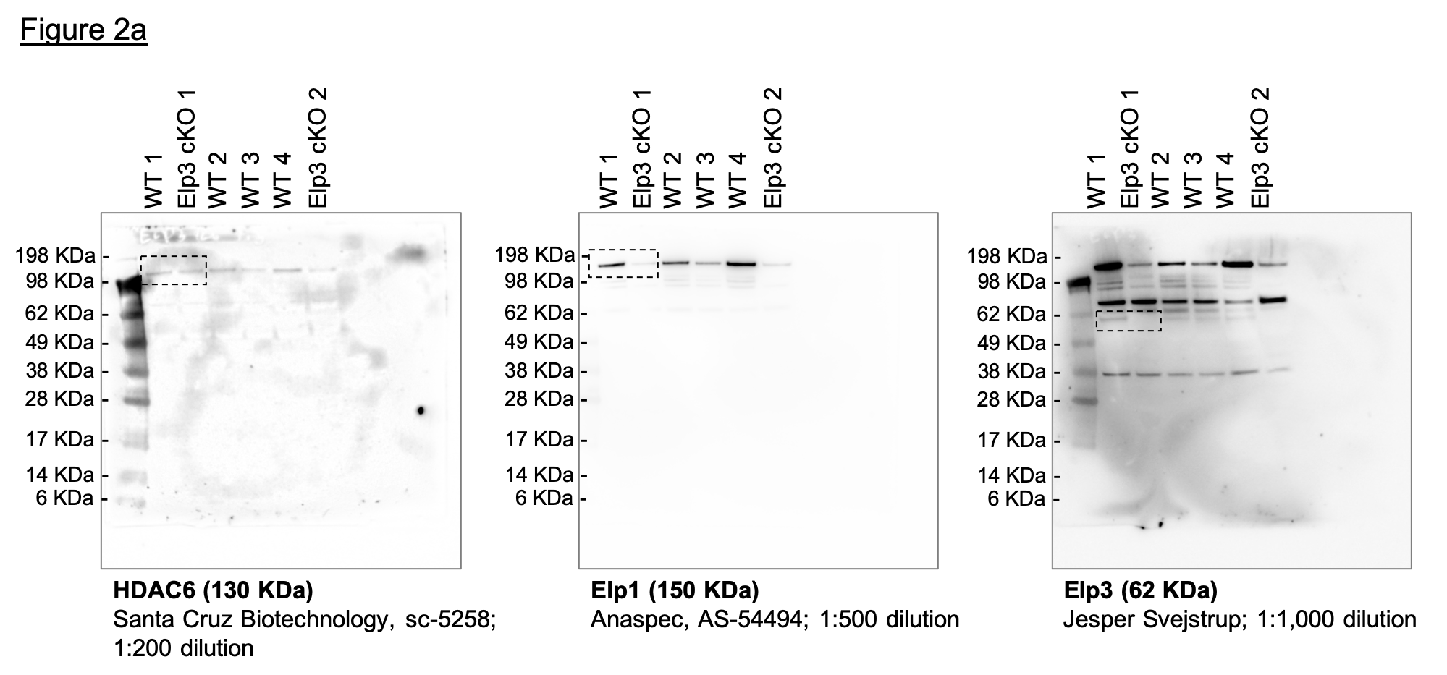
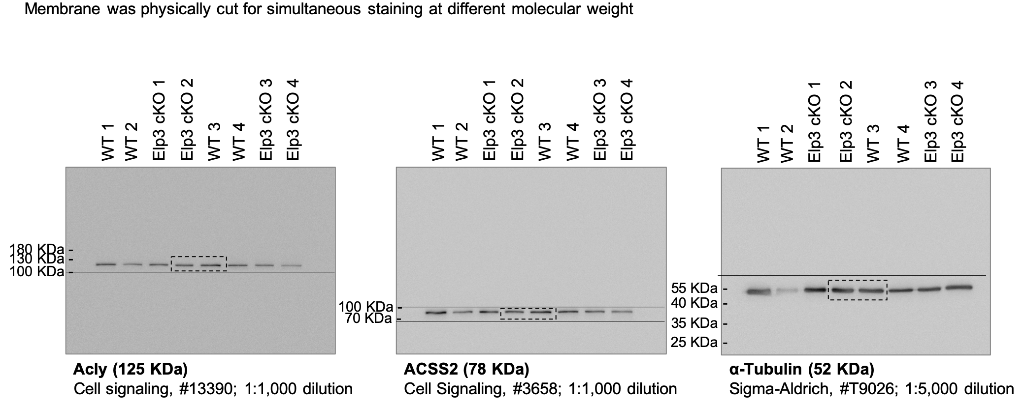
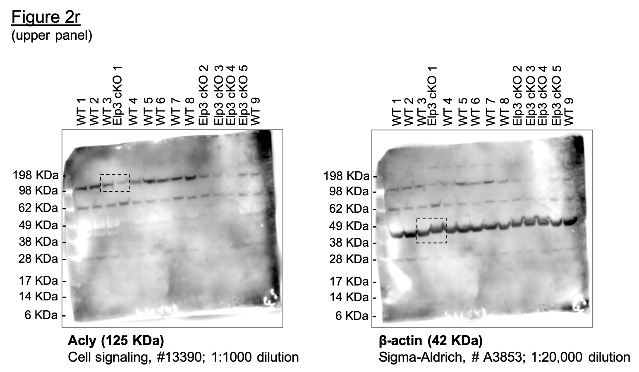
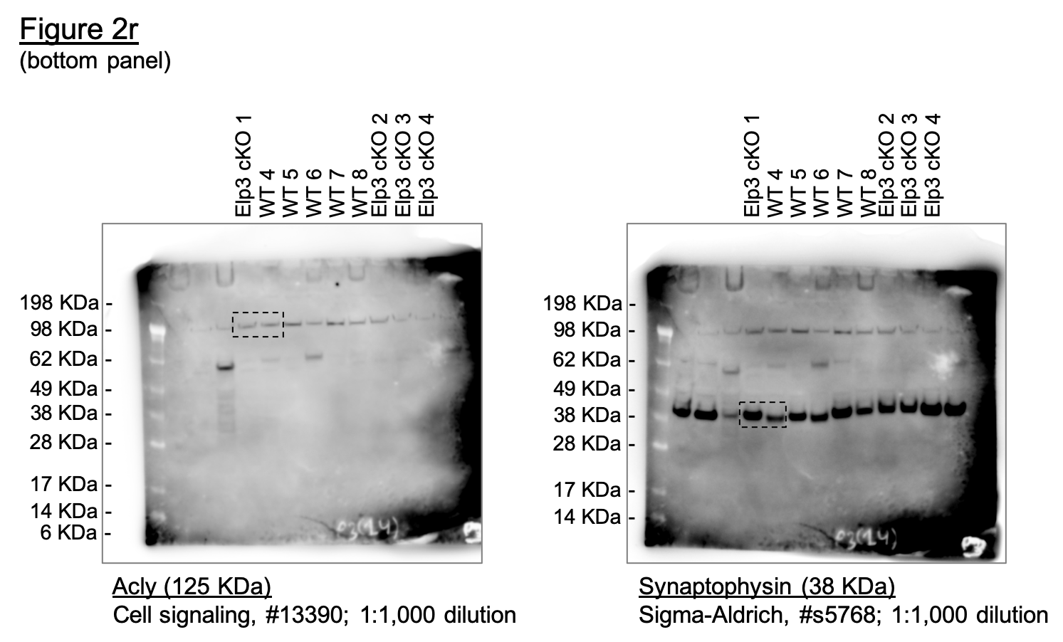
Fig 2a | Fig 2b |  | Fig 2c |  | Fig 2d |  |  | Fig 2e |  |  | Fig 2f | Fig 2g |  | Fig 2h |  | Fig 2j | Fig 2k |  |  |  |  |  |  |  | Fig 2l |  | Fig 2o-p |  |  |  |  |  |  |  |  |  |  |  |  |  |  |  |  | Fig 2q |  | Fig 2r | Fig 2s |  | Fig 2t |  | Fig 2u
 | WT | Elp3 cKO | WT | Elp3 cKO | Control | WT | Elp3 cKO | WT | Elp3 cKO | Atat1 KO |  | WT | Elp3 cKO | WT | Elp3 cKO |  |  | ACLY | ACLY | ACLY | ACSS2 | ACSS2 | ACSS2 | ACSS2 | Acly | Acss2 | Time | Total | Total | Total | Total | S2 | S2 | S2 | S2 | S3 | S3 | S3 | S3 | P3 | P3 | P3 | P3 | WT | Elp3 cKO |  | WT | Elp3 cKO | WT | Elp3 cKO | WT | Elp3 cKO
 | 0.567 | 0.934 | 0.658 | 0.283 | 1.039 | 0.634 | 0.862 | 0.889 | 1.048 | 0.041 |  | 1.033 | 0.751 | 0.951 | 0.792 |  | T | 1 | 1 | 1 | 1 | 1 | 1 | 1 | 2.741 | 0.145 | 0 | 1 | 1 | 1 | 1 | 1 | 1 | 1 | 1 | 1 | 1 | 1 | 1 | 1 | 1 | 1 | 1 | 1.25 | 0.586 |  | 1.476 | 0.25 | 0.499 | 0.233 | 16605.55 | 1610.08
 | 0.976 | 0.67 | 0.952 | 0.923 | 1.102 | 0.749 | 0.671 | 1.075 | 0.683 | 1.385E-08 |  | 0.822 | 0.781 | 1.045 | 0.597 |  | S1 | 1.29529936 | 1.152387758 | 1.394024204 | 2.262354443 | 0.9645387679 | 2.094961121 | 1.120250521 | 1.994 | 0.438 | 103 | 0.9926645 | 0.997913 | 0.9931455 | 0.9882745 | 0.9955357 | 0.9969574 | 0.9920356 | 0.9895814 | 0.9933721 | 0.996343 | 0.9917284 | 0.9915546 | 0.990087 | 0.988708 | 0.9913299 | 0.9919253 | 1.293 | 0.91 |  | 0.582 | 0.514 | 0.805 | 0.837 | 4241.62 | 2959.86
 | 0.568 | 1.526 | 1.012 | 1.011 | 0.862 | 0.623 | 0.705 | 0.852 | 1.013 | 0.035 |  | 1.145 | 0.85 | 1.005 | 0.777 |  | P1 | 0.9213915452 | 0.3585960348 | 1.972134623 | 0.795095791 | 0.4476008617 | 0.3986077532 | 0.4022663032 | 1.205 | 0.07 | 205 | 0.9922915 | 0.9939287 | 0.9962269 | 0.9877191 | 0.9951637 | 0.990175 | 0.9945957 | 0.9881192 | 0.9982037 | 0.9942258 | 0.9905643 | 0.9923388 | 0.9921547 | 0.9842633 | 0.992551 | 0.9892137 | 1.149 | 1.229 |  | 0.477 | 0.304 | 1.416 | 0.604 | 12940.6 | 3921.63
 | 1.678 | 1.983 | 1.378 | 1.535 | 0.882 | 0.63 | 0.679 | 1.171 | 0.826 | 0.032 |  | 0.685 | 0.381 | 1.155 | 0.534 |  | S2 | 1.34236581 | 0.9139173379 | 2.518993035 | 3.546590457 | 2.411464167 | 1.201548899 | 0.5152126516 |  | 0.155 | 308 | 0.9889966 | 0.9934228 | 0.9898126 | 0.9820415 | 0.9899554 | 0.9914427 | 0.9887172 | 0.9822092 | 0.9941774 | 0.9953806 | 0.980761 | 0.9848585 | 0.9851 | 0.9822211 | 0.9854683 | 0.9810184 | 0.807 |  |  | 1.041 | 0.168 | 1.281 | 0.207 | 11008.1 | 1289.9
 | 1.211 | 0.851 |  |  | 1.18 |  |  | 1.014 | 0.894 |  |  | 1.315 | 0.306 | 1.19 | 0.869 |  | P2 | 0.7469589348 | 0.4871724893 | 1.891545422 | 0.3984988977 | 0.2012098581 | 0.365051171 | 0.1815183852 |  |  | 410 | 0.9851424 | 0.9883633 | 0.9825808 | 0.9855591 | 0.984065 | 0.9854843 | 0.9825543 | 0.984037 | 0.9960357 | 0.9897988 | 0.9729183 | 0.9893225 | 0.983458 | 0.9723107 | 0.9779583 | 0.9828262 | 0.667 |  |  | 0.912 | 0.751 |  | 0.067 | 5322.77
 | 1.164 | 0.509 |  |  | 1.02 |  |  |  |  |  |  | 1.474 | 0.779 | 0.655 | 0.485 |  | S3 | 1.712785831 | 0.7362269121 | 2.169999934 | 6.022555597 | 2.0167854 | 1.932243215 | 1.226219802 |  |  | 513 | 0.97675 | 0.9864028 | 0.9862911 | 0.9796346 | 0.9749504 | 0.9806668 | 0.9845454 | 0.9789192 | 0.9914519 | 0.9866231 | 0.9723056 | 0.9847379 | 0.9760385 | 0.9662442 | 0.9780193 | 0.9774631 |  |  |  | 0.686
 | 1.073 |  |  |  | 0.98 |  |  |  |  |  |  | 0.527 | 0.488 | 1 | 0.669 |  | P3 | 4.695211362 | 1.468258362 | 2.614094753 | 0.8720636578 | 0.8841250346 | 0.1356196827 | 0.189971339 |  |  | 616 | 0.9723983 | 0.9867822 | 0.984656 | 0.9763638 | 0.969184 | 0.9838996 | 0.9804684 | 0.9783708 | 0.988107 | 0.9877779 | 0.9707126 | 0.9833504 | 0.9712948 | 0.9672052 | 0.9728904 | 0.9740284 |  |  |  | 1.314
 | 0.538 |  |  |  | 0.936 |  |  |  |  |  |  |  | 0.438 | 1.222 | 0.364 |  |  |  |  |  |  |  |  |  |  |  | 718 | 0.9659331 | 0.9784973 | 0.9758521 | 0.9701309 | 0.968316 | 0.976927 | 0.979615 | 0.9734966 | 0.9858152 | 0.9780579 | 0.9684455 | 0.9784641 | 0.9655172 | 0.9568743 | 0.9686775 | 0.9675806 |  |  |  | 1.749
 | 1.226 |  |  |  |  |  |  |  |  |  |  |  |  | 1.037 |  |  |  |  |  |  |  |  |  |  |  |  | 821 | 0.9578515 | 0.9738806 | 0.9726449 | 0.9696372 | 0.9666418 | 0.9730604 | 0.9725989 | 0.9709986 | 0.9837091 | 0.9739198 | 0.9646468 | 0.979731 | 0.9632062 | 0.9515887 | 0.9624496 | 0.9658933 |  |  |  | 0.764
 |  |  |  |  |  |  |  |  |  |  |  |  |  | 1.205 |  |  |  |  |  |  |  |  |  |  |  |  | 923 | 0.9507647 | 0.9745763 | 0.970444 | 0.9615527 | 0.9680679 | 0.9762931 | 0.9702285 | 0.9666728 | 0.9801784 | 0.9787316 | 0.9645242 | 0.9762321 | 0.9591923 | 0.9515286 | 0.9595189 | 0.9610124
 |  |  |  |  |  |  |  |  |  |  |  |  |  | 0.536 |  |  |  |  |  |  |  |  |  |  |  |  | 1026 | 0.9496456 | 0.9724892 | 0.969312 | 0.9609356 | 0.9668279 | 0.9722363 | 0.9670997 | 0.9655151 | 0.9791873 | 0.9770955 | 0.9666075 | 0.9768354 | 0.9542663 | 0.9462431 | 0.9586641 | 0.9585418
 |  |  |  |  |  |  |  |  |  |  |  |  |  |  |  |  |  |  |  |  |  |  |  |  |  |  | 1129 | 0.9507647 | 0.9692639 | 0.9637781 | 0.9571093 | 0.9646577 | 0.9704615 | 0.9600834 | 0.9607628 | 0.9772671 | 0.9738235 | 0.9662398 | 0.9758099 | 0.9490969 | 0.9411977 | 0.9551227 | 0.9537813
 |  |  |  |  |  |  |  |  |  |  |  |  |  |  |  |  |  |  |  |  |  |  |  |  |  |  | 1231 | 0.9515106 | 0.9667341 | 0.9596906 | 0.9535917 | 0.9611235 | 0.9669118 | 0.9564805 | 0.9573509 | 0.9765858 | 0.9718987 | 0.961522 | 0.9741811 | 0.9450222 | 0.9340501 | 0.9481622 | 0.9496837
 |  |  |  |  |  |  |  |  |  |  |  |  |  |  |  |  |  |  |  |  |  |  |  |  |  |  | 1334 | 0.9472212 | 0.9663547 | 0.9545969 | 0.945569 | 0.952877 | 0.96875 | 0.9542998 | 0.9475416 | 0.9717542 | 0.9715138 | 0.9606029 | 0.9674248 | 0.935474 | 0.9312872 | 0.9444377 | 0.9410063
 |  |  |  |  |  |  |  |  |  |  |  |  |  |  |  |  |  |  |  |  |  |  |  |  |  |  | 1436 | 0.9470347 | 0.960979 | 0.9495661 | 0.944273 | 0.9552952 | 0.9612069 | 0.9499384 | 0.9466277 | 0.9727453 | 0.9685305 | 0.9581521 | 0.9680883 | 0.931521 | 0.9241996 | 0.9371108 | 0.9399819
 |  |  |  |  |  |  |  |  |  |  |  |  |  |  |  |  |  |  |  |  |  |  |  |  |  |  | 1539 | 0.9406316 | 0.9581963 | 0.9416426 | 0.9398297 | 0.9495288 | 0.9612703 | 0.943017 | 0.9432157 | 0.9667988 | 0.9656434 | 0.9523314 | 0.9670025 | 0.9219729 | 0.9183134 | 0.932043 | 0.9332329
 |  |  |  |  |  |  |  |  |  |  |  |  |  |  |  |  |  |  |  |  |  |  |  |  |  |  | 1642 | 0.9375233 | 0.9562358 | 0.9407622 | 0.937176 | 0.9448165 | 0.9612703 | 0.9417844 | 0.9368184 | 0.9681615 | 0.9681455 | 0.9547209 | 0.9628401 | 0.9163778 | 0.9171722 | 0.9291733 | 0.9279904
 |  |  |  |  |  |  |  |  |  |  |  |  |  |  |  |  |  |  |  |  |  |  |  |  |  |  | 1744 | 0.9346016 | 0.9528839 | 0.9395044 | 0.9314984 | 0.9397321 | 0.9549316 | 0.9396037 | 0.9324926 | 0.9628964 | 0.9640073 | 0.9502481 | 0.9621162 | 0.9085933 | 0.9104451 | 0.9220296 | 0.9208195
 |  |  |  |  |  |  |  |  |  |  |  |  |  |  |  |  |  |  |  |  |  |  |  |  |  |  | 1847 | 0.9349745 | 0.9519352 | 0.9369891 | 0.9314984 | 0.9393601 | 0.9551851 | 0.9331564 | 0.9344422 | 0.9654361 | 0.9635261 | 0.9536181 | 0.9617543 | 0.9031199 | 0.9041384 | 0.918305 | 0.915818
 |  |  |  |  |  |  |  |  |  |  |  |  |  |  |  |  |  |  |  |  |  |  |  |  |  |  | 1949 | 0.9307472 | 0.9475715 | 0.931518 | 0.9273019 | 0.9346478 | 0.9528397 | 0.9249076 | 0.9327972 | 0.9628964 | 0.9636224 | 0.9465719 | 0.9590396 | 0.8967342 | 0.9055198 | 0.9105507 | 0.9098524
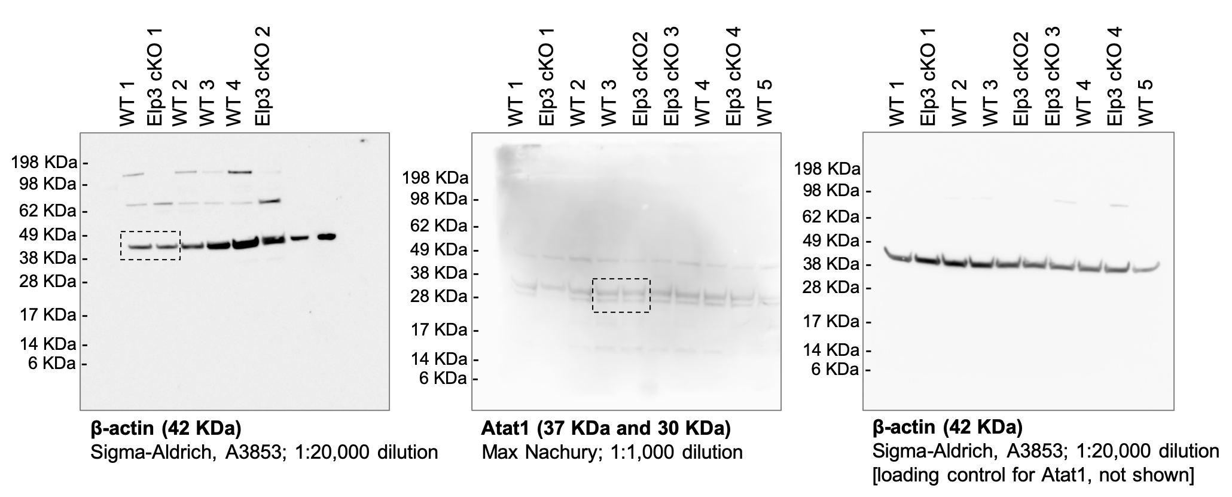
 |  |  |  |  |  |  |  |  |  |  |  |  |  |  |  |  |  |  |  |  |  |  |  |  |  |  | 2052 | 0.9254631 | 0.9452947 | 0.9296944 | 0.9195877 | 0.9293155 | 0.9508748 | 0.9237698 | 0.92707 | 0.958003 | 0.9625638 | 0.9450401 | 0.9551185 | 0.885544 | 0.8969308 | 0.904506 | 0.9020789
 |  |  |  |  |  |  |  |  |  |  |  |  |  |  |  |  |  |  |  |  |  |  |  |  |  |  | 2155 | 0.9225413 | 0.9392234 | 0.9250409 | 0.9228585 | 0.9265873 | 0.9454868 | 0.9175121 | 0.9269481 | 0.9588702 | 0.9575594 | 0.9405061 | 0.9553598 | 0.8821383 | 0.8930867 | 0.895958 | 0.8972582
 |  |  |  |  |  |  |  |  |  |  |  |  |  |  |  |  |  |  |  |  |  |  |  |  |  |  | 2257 | 0.915641 | 0.9391601 | 0.9228399 | 0.9161318 | 0.9190228 | 0.9439655 | 0.911444 | 0.9201243 | 0.9545962 | 0.9563084 | 0.940261 | 0.9516801 | 0.8741714 | 0.887681 | 0.8882037 | 0.8911721
 |  |  |  |  |  |  |  |  |  |  |  |  |  |  |  |  |  |  |  |  |  |  |  |  |  |  | 2360 | 0.9136517 | 0.9394131 | 0.9216451 | 0.9134781 | 0.9188988 | 0.9435852 | 0.9067034 | 0.9156157 | 0.9579411 | 0.9562121 | 0.9372587 | 0.9506545 | 0.8735632 | 0.8827557 | 0.8809989 | 0.8837602
 |  |  |  |  |  |  |  |  |  |  |  |  |  |  |  |  |  |  |  |  |  |  |  |  |  |  | 2462 | 0.9083054 | 0.9325196 | 0.919507 | 0.9093434 | 0.9140625 | 0.9406694 | 0.9106855 | 0.9123256 | 0.9526759 | 0.9548648 | 0.93732 | 0.947216 | 0.863711 | 0.881074 | 0.8772744 | 0.8788792
 |  |  |  |  |  |  |  |  |  |  |  |  |  |  |  |  |  |  |  |  |  |  |  |  |  |  | 2565 | 0.9058809 | 0.9317607 | 0.9180606 | 0.908356 | 0.9133804 | 0.9385142 | 0.9075567 | 0.9118991 | 0.9486496 | 0.9557309 | 0.9346241 | 0.9490258 | 0.8603053 | 0.8789117 | 0.8737941 | 0.8765894
 |  |  |  |  |  |  |  |  |  |  |  |  |  |  |  |  |  |  |  |  |  |  |  |  |  |  | 2668 | 0.898421 | 0.9276499 | 0.911835 | 0.9056406 | 0.90625 | 0.9328727 | 0.8989286 | 0.9078779 | 0.9455525 | 0.9515927 | 0.9281907 | 0.9480003 | 0.8530074 | 0.8691213 | 0.8640249 | 0.8710455
 |  |  |  |  |  |  |  |  |  |  |  |  |  |  |  |  |  |  |  |  |  |  |  |  |  |  | 2770 | 0.8951884 | 0.9277764 | 0.907999 | 0.9000247 | 0.9027158 | 0.9314148 | 0.8953257 | 0.9005057 | 0.9423315 | 0.9525551 | 0.9257398 | 0.9423297 | 0.8463784 | 0.8711034 | 0.8588961 | 0.8609822
 |  |  |  |  |  |  |  |  |  |  |  |  |  |  |  |  |  |  |  |  |  |  |  |  |  |  | 2873 | 0.8933234 | 0.9224007 | 0.9071186 | 0.8973093 | 0.9002976 | 0.9244422 | 0.8909643 | 0.9000183 | 0.941836 | 0.9474545 | 0.9227376 | 0.9422694 | 0.8398711 | 0.8616734 | 0.8534009 | 0.856523
 |  |  |  |  |  |  |  |  |  |  |  |  |  |  |  |  |  |  |  |  |  |  |  |  |  |  | 2975 | 0.8889096 | 0.9217683 | 0.9056723 | 0.8931745 | 0.8967014 | 0.9248225 | 0.889068 | 0.8948395 | 0.9394202 | 0.9491868 | 0.9243919 | 0.940339 | 0.8352491 | 0.8586702 | 0.8521187 | 0.8489907
 |  |  |  |  |  |  |  |  |  |  |  |  |  |  |  |  |  |  |  |  |  |  |  |  |  |  | 3078 | 0.8869203 | 0.9197445 | 0.8991322 | 0.8883609 | 0.8922991 | 0.9223504 | 0.8810088 | 0.8899043 | 0.9401016 | 0.9469733 | 0.9208995 | 0.9346082 | 0.8286809 | 0.8546459 | 0.8415558 | 0.8403134
 |  |  |  |  |  |  |  |  |  |  |  |  |  |  |  |  |  |  |  |  |  |  |  |  |  |  | 3181 | 0.8814497 | 0.9143688 | 0.8976858 | 0.8882375 | 0.8875868 | 0.9158215 | 0.87788 | 0.8897216 | 0.9376859 | 0.9475508 | 0.9177746 | 0.9385293 | 0.819072 | 0.8507418 | 0.8373428 | 0.8409762
 |  |  |  |  |  |  |  |  |  |  |  |  |  |  |  |  |  |  |  |  |  |  |  |  |  |  | 3283 | 0.8783414 | 0.9129775 | 0.8928437 | 0.8871884 | 0.8846726 | 0.9125254 | 0.8710534 | 0.8857004 | 0.9378716 | 0.9471658 | 0.9153238 | 0.9359353 | 0.8150581 | 0.8447955 | 0.8299548 | 0.8319373
 |  |  |  |  |  |  |  |  |  |  |  |  |  |  |  |  |  |  |  |  |  |  |  |  |  |  | 3386 | 0.8747979 | 0.9076651 | 0.8929066 | 0.881449 | 0.8794643 | 0.9049189 | 0.8703897 | 0.8810699 | 0.933164 | 0.9402368 | 0.916733 | 0.9352114 | 0.8078818 | 0.8372876 | 0.8298327 | 0.8269358
 |  |  |  |  |  |  |  |  |  |  |  |  |  |  |  |  |  |  |  |  |  |  |  |  |  |  | 3488 | 0.8703221 | 0.9076018 | 0.8876242 | 0.8779314 | 0.8764261 | 0.905426 | 0.8617616 | 0.8758911 | 0.9313058 | 0.9435088 | 0.9088904 | 0.9313507 | 0.801192 | 0.8391495 | 0.8190255 | 0.8186201
 |  |  |  |  |  |  |  |  |  |  |  |  |  |  |  |  |  |  |  |  |  |  |  |  |  |  | 3591 | 0.8700734 | 0.9031748 | 0.8856748 | 0.8716983 | 0.875496 | 0.8996577 | 0.8572106 | 0.870042 | 0.9319252 | 0.941969 | 0.9057656 | 0.9262231 | 0.7972997 | 0.8309208 | 0.8148125 | 0.8109069
 |  |  |  |  |  |  |  |  |  |  |  |  |  |  |  |  |  |  |  |  |  |  |  |  |  |  | 3694 | 0.8652244 | 0.9012142 | 0.8813357 | 0.8677487 | 0.8679315 | 0.8986435 | 0.8537973 | 0.8671175 | 0.9275892 | 0.9450486 | 0.9046015 | 0.9254389 | 0.7882382 | 0.8305003 | 0.8086457 | 0.8074721
 |  |  |  |  |  |  |  |  |  |  |  |  |  |  |  |  |  |  |  |  |  |  |  |  |  |  | 3796 | 0.8596917 | 0.8936251 | 0.8798893 | 0.8665761 | 0.8638393 | 0.8919244 | 0.8525647 | 0.8641321 | 0.9251115 | 0.9395631 | 0.9054592 | 0.924353 | 0.7814876 | 0.8214307 | 0.8060203 | 0.8036156
 |  |  |  |  |  |  |  |  |  |  |  |  |  |  |  |  |  |  |  |  |  |  |  |  |  |  | 3899 | 0.8524182 | 0.892297 | 0.8745441 | 0.861454 | 0.8577009 | 0.8891988 | 0.8467811 | 0.8596844 | 0.9205897 | 0.9382158 | 0.8993934 | 0.922121 | 0.7729125 | 0.8165055 | 0.7974722 | 0.7974089
 |  |  |  |  |  |  |  |  |  |  |  |  |  |  |  |  |  |  |  |  |  |  |  |  |  |  | 4001 | 0.8508641 | 0.8889451 | 0.8697648 | 0.8591089 | 0.8577009 | 0.8857759 | 0.8430833 | 0.8573692 | 0.92028 | 0.9354249 | 0.8955947 | 0.9213368 | 0.7707231 | 0.8154243 | 0.7933203 | 0.7945164
 |  |  |  |  |  |  |  |  |  |  |  |  |  |  |  |  |  |  |  |  |  |  |  |  |  |  | 4104 | 0.8491857 | 0.8856565 | 0.8659917 | 0.8533695 | 0.8546627 | 0.882353 | 0.836636 | 0.8523731 | 0.9208994 | 0.9287846 | 0.8948594 | 0.9163299 | 0.766466 | 0.8104991 | 0.7895348 | 0.7870443
 |  |  |  |  |  |  |  |  |  |  |  |  |  |  |  |  |  |  |  |  |  |  |  |  |  |  | 4207 | 0.8453314 | 0.8830003 | 0.8658031 | 0.8542335 | 0.8496404 | 0.8775355 | 0.8330331 | 0.8514592 | 0.9187314 | 0.9274372 | 0.8914282 | 0.9188032 | 0.7578909 | 0.8043726 | 0.780193 | 0.783248
 |  |  |  |  |  |  |  |  |  |  |  |  |  |  |  |  |  |  |  |  |  |  |  |  |  |  | 4309 | 0.8445232 | 0.8823046 | 0.8652999 | 0.8509627 | 0.8496404 | 0.8779158 | 0.831042 | 0.8485347 | 0.9185456 | 0.9265711 | 0.8920409 | 0.9181999 | 0.7547893 | 0.8017899 | 0.7794603 | 0.7779452
 |  |  |  |  |  |  |  |  |  |  |  |  |  |  |  |  |  |  |  |  |  |  |  |  |  |  | 4412 | 0.8409176 | 0.8769289 | 0.8617784 | 0.8470748 | 0.8420139 | 0.8720842 | 0.8274391 | 0.8425029 | 0.9146432 | 0.9184871 | 0.8897739 | 0.9118658 | 0.7470048 | 0.7936813 | 0.7729271 | 0.7707743
 |  |  |  |  |  |  |  |  |  |  |  |  |  |  |  |  |  |  |  |  |  |  |  |  |  |  | 4514 | 0.835447 | 0.8784468 | 0.8530374 | 0.8396075 | 0.8397818 | 0.8727815 | 0.8177681 | 0.8361664 | 0.9142096 | 0.9219517 | 0.8845046 | 0.9079447 | 0.7408016 | 0.7929605 | 0.7637074 | 0.7625188
 |  |  |  |  |  |  |  |  |  |  |  |  |  |  |  |  |  |  |  |  |  |  |  |  |  |  | 4617 | 0.8292925 | 0.8735138 | 0.851591 | 0.8386818 | 0.8348214 | 0.8659356 | 0.8163459 | 0.8339731 | 0.9101834 | 0.9184871 | 0.88187 | 0.9097545 | 0.733382 | 0.7875548 | 0.758029 | 0.7607713
 |  |  |  |  |  |  |  |  |  |  |  |  |  |  |  |  |  |  |  |  |  |  |  |  |  |  | 4720 | 0.8273654 | 0.8672527 | 0.8501446 | 0.8357196 | 0.8300471 | 0.8602307 | 0.8114156 | 0.8289161 | 0.9059093 | 0.9115581 | 0.8805833 | 0.9067986 | 0.7240771 | 0.782029 | 0.7525339 | 0.7526363
 |  |  |  |  |  |  |  |  |  |  |  |  |  |  |  |  |  |  |  |  |  |  |  |  |  |  | 4822 | 0.8179784 | 0.8676322 | 0.843353 | 0.8319551 | 0.8239707 | 0.8623859 | 0.8054423 | 0.827271 | 0.9031838 | 0.9130017 | 0.8737822 | 0.9048079 | 0.7178131 | 0.7779446 | 0.7443522 | 0.7464899
 |  |  |  |  |  |  |  |  |  |  |  |  |  |  |  |  |  |  |  |  |  |  |  |  |  |  | 4925 | 0.8197812 | 0.8636479 | 0.8412778 | 0.8258455 | 0.8218626 | 0.8559838 | 0.8002276 | 0.8198988 | 0.9042369 | 0.9114618 | 0.8746401 | 0.8998613 | 0.7139816 | 0.7753018 | 0.7425205 | 0.7393794
 |  |  |  |  |  |  |  |  |  |  |  |  |  |  |  |  |  |  |  |  |  |  |  |  |  |  | 5027 | 0.8150566 | 0.8618771 | 0.8445479 | 0.8272032 | 0.8188244 | 0.8539554 | 0.8000379 | 0.8225187 | 0.9003345 | 0.9099221 | 0.8741499 | 0.9020329 | 0.7080824 | 0.7704366 | 0.7373917 | 0.7382947
 |  |  |  |  |  |  |  |  |  |  |  |  |  |  |  |  |  |  |  |  |  |  |  |  |  |  | 5130 | 0.8112645 | 0.8587149 | 0.8370645 | 0.8197359 | 0.8156622 | 0.8516734 | 0.7927373 | 0.8130141 | 0.8979807 | 0.9072274 | 0.8697384 | 0.8958195 | 0.7000548 | 0.7661722 | 0.7286604 | 0.7273878
 |  |  |  |  |  |  |  |  |  |  |  |  |  |  |  |  |  |  |  |  |  |  |  |  |  |  | 5232 | 0.806602 | 0.8512522 | 0.8348635 | 0.8175142 | 0.811446 | 0.8436232 | 0.7872381 | 0.8095412 | 0.8979807 | 0.9003946 | 0.8682679 | 0.8942511 | 0.6953719 | 0.7573428 | 0.7254854 | 0.7210003
 |  |  |  |  |  |  |  |  |  |  |  |  |  |  |  |  |  |  |  |  |  |  |  |  |  |  | 5335 | 0.803991 | 0.853529 | 0.834046 | 0.8131326 | 0.8067336 | 0.8443205 | 0.7872381 | 0.8049717 | 0.8937066 | 0.9040516 | 0.8693095 | 0.8912348 | 0.6879523 | 0.7569224 | 0.722921 | 0.7176861
 |  |  |  |  |  |  |  |  |  |  |  |  |  |  |  |  |  |  |  |  |  |  |  |  |  |  | 5438 | 0.8016288 | 0.8499873 | 0.824739 | 0.8108492 | 0.8061756 | 0.841468 | 0.7800322 | 0.8035703 | 0.8942022 | 0.9002984 | 0.8617119 | 0.8917778 | 0.6842426 | 0.7515166 | 0.7130907 | 0.7134076
 |  |  |  |  |  |  |  |  |  |  |  |  |  |  |  |  |  |  |  |  |  |  |  |  |  |  | 5540 | 0.7963446 | 0.8463193 | 0.8217205 | 0.8056653 | 0.8000992 | 0.8371577 | 0.7747227 | 0.7961981 | 0.8929634 | 0.8994322 | 0.8573004 | 0.8867708 | 0.677492 | 0.7461709 | 0.7047869 | 0.7021392
 |  |  |  |  |  |  |  |  |  |  |  |  |  |  |  |  |  |  |  |  |  |  |  |  |  |  | 5643 | 0.7921795 | 0.8433468 | 0.819268 | 0.805295 | 0.796627 | 0.8382987 | 0.7705509 | 0.7964419 | 0.8878221 | 0.8982773 | 0.8541144 | 0.888279 | 0.668856 | 0.7452099 | 0.7004519 | 0.7003917
 |  |  |  |  |  |  |  |  |  |  |  |  |  |  |  |  |  |  |  |  |  |  |  |  |  |  | 5745 | 0.7874549 | 0.837149 | 0.8169413 | 0.7999877 | 0.7924107 | 0.8281567 | 0.765905 | 0.7912021 | 0.8865213 | 0.8917332 | 0.8549109 | 0.8841769 | 0.6644165 | 0.7352994 | 0.6956283 | 0.6948478
 |  |  |  |  |  |  |  |  |  |  |  |  |  |  |  |  |  |  |  |  |  |  |  |  |  |  | 5848 | 0.7836628 | 0.8353782 | 0.8122878 | 0.799062 | 0.7860243 | 0.8256846 | 0.7600266 | 0.7866325 | 0.8841056 | 0.8881725 | 0.8499479 | 0.8839959 | 0.6551116 | 0.7298937 | 0.6878129 | 0.6862308
 |  |  |  |  |  |  |  |  |  |  |  |  |  |  |  |  |  |  |  |  |  |  |  |  |  |  | 5951 | 0.7836006 | 0.8305085 | 0.8090177 | 0.7949889 | 0.7849702 | 0.8218814 | 0.7560444 | 0.7832816 | 0.8852825 | 0.8883649 | 0.8471295 | 0.8805574 | 0.6525573 | 0.7268304 | 0.6818293 | 0.6806267
 |  |  |  |  |  |  |  |  |  |  |  |  |  |  |  |  |  |  |  |  |  |  |  |  |  |  | 6053 | 0.7767003 | 0.8323425 | 0.8075714 | 0.7897432 | 0.780196 | 0.8225786 | 0.7528207 | 0.7785292 | 0.8800793 | 0.8886536 | 0.8462717 | 0.8783254 | 0.6442255 | 0.7242477 | 0.6782879 | 0.6742392
 |  |  |  |  |  |  |  |  |  |  |  |  |  |  |  |  |  |  |  |  |  |  |  |  |  |  | 6156 | 0.7737784 | 0.8271566 | 0.8014087 | 0.7882004 | 0.7751116 | 0.8171273 | 0.7443823 | 0.7756047 | 0.8784068 | 0.8869214 | 0.839777 | 0.8772999 | 0.6385088 | 0.719803 | 0.6701062 | 0.6712263
 |  |  |  |  |  |  |  |  |  |  |  |  |  |  |  |  |  |  |  |  |  |  |  |  |  |  | 6258 | 0.770608 | 0.8258285 | 0.799019 | 0.7851148 | 0.7719494 | 0.814465 | 0.7431497 | 0.7706087 | 0.8743806 | 0.8849967 | 0.840022 | 0.8749472 | 0.6329137 | 0.712235 | 0.6659544 | 0.6634529
 |  |  |  |  |  |  |  |  |  |  |  |  |  |  |  |  |  |  |  |  |  |  |  |  |  |  | 6361 | 0.7681835 | 0.8224134 | 0.7953717 | 0.7798691 | 0.7695932 | 0.8128169 | 0.7352802 | 0.7668312 | 0.8745045 | 0.8851891 | 0.8344464 | 0.8703022 | 0.6267713 | 0.7108535 | 0.6569789 | 0.6551371
 |  |  |  |  |  |  |  |  |  |  |  |  |  |  |  |  |  |  |  |  |  |  |  |  |  |  | 6464 | 0.7617804 | 0.8207058 | 0.7972582 | 0.7788817 | 0.7641989 | 0.8092672 | 0.7365128 | 0.7629927 | 0.8755575 | 0.8846117 | 0.8383678 | 0.8718706 | 0.6220884 | 0.7092919 | 0.6567957 | 0.6541127
 |  |  |  |  |  |  |  |  |  |  |  |  |  |  |  |  |  |  |  |  |  |  |  |  |  |  | 6566 | 0.7629616 | 0.8129269 | 0.792982 | 0.7778326 | 0.765687 | 0.799569 | 0.7290224 | 0.7607384 | 0.876115 | 0.8751804 | 0.8335274 | 0.8736804 | 0.6186827 | 0.6984204 | 0.6500183 | 0.647906
 |  |  |  |  |  |  |  |  |  |  |  |  |  |  |  |  |  |  |  |  |  |  |  |  |  |  | 6669 | 0.7617804 | 0.8122945 | 0.7884543 | 0.7719699 | 0.7610367 | 0.7997592 | 0.7254195 | 0.7553768 | 0.8723984 | 0.875373 | 0.8292997 | 0.8683115 | 0.6119322 | 0.6956574 | 0.6436073 | 0.6386864
 |  |  |  |  |  |  |  |  |  |  |  |  |  |  |  |  |  |  |  |  |  |  |  |  |  |  | 6771 | 0.7579883 | 0.8085631 | 0.7822915 | 0.7733276 | 0.7562004 | 0.7951952 | 0.7176448 | 0.7550113 | 0.8704163 | 0.8744106 | 0.8242755 | 0.8719913 | 0.6062762 | 0.6916932 | 0.6346318 | 0.6401928
 |  |  |  |  |  |  |  |  |  |  |  |  |  |  |  |  |  |  |  |  |  |  |  |  |  |  | 6874 | 0.7505284 | 0.8038199 | 0.7843667 | 0.7675883 | 0.7506201 | 0.7915188 | 0.7167915 | 0.749406 | 0.8657087 | 0.871331 | 0.8242755 | 0.8665621 | 0.5970322 | 0.6875488 | 0.6320674 | 0.6315758
 |  |  |  |  |  |  |  |  |  |  |  |  |  |  |  |  |  |  |  |  |  |  |  |  |  |  | 6977 | 0.7472336 | 0.8059701 | 0.7797762 | 0.7662306 | 0.7457217 | 0.7923428 | 0.7108182 | 0.7458722 | 0.8648414 | 0.8739294 | 0.8243368 | 0.8677083 | 0.5928358 | 0.6857469 | 0.6289535 | 0.6280807
 |  |  |  |  |  |  |  |  |  |  |  |  |  |  |  |  |  |  |  |  |  |  |  |  |  |  | 7079 | 0.7435659 | 0.8017328 | 0.7762545 | 0.7640706 | 0.7430556 | 0.7867647 | 0.7052242 | 0.742704 | 0.8639742 | 0.8681551 | 0.8186998 | 0.8654763 | 0.5879706 | 0.6785993 | 0.6207107 | 0.6215728
 |  |  |  |  |  |  |  |  |  |  |  |  |  |  |  |  |  |  |  |  |  |  |  |  |  |  | 7182 | 0.7390899 | 0.7967367 | 0.771664 | 0.7622809 | 0.7385913 | 0.7817571 | 0.703328 | 0.7406324 | 0.8603196 | 0.8659417 | 0.8163716 | 0.8639681 | 0.579882 | 0.6735539 | 0.6149713 | 0.6169931
 |  |  |  |  |  |  |  |  |  |  |  |  |  |  |  |  |  |  |  |  |  |  |  |  |  |  | 7284 | 0.7412657 | 0.7950923 | 0.7735505 | 0.7585164 | 0.7397693 | 0.7796653 | 0.7040865 | 0.7364894 | 0.863169 | 0.8666154 | 0.8188224 | 0.8638475 | 0.5800645 | 0.6699501 | 0.613628 | 0.6127147
 |  |  |  |  |  |  |  |  |  |  |  |  |  |  |  |  |  |  |  |  |  |  |  |  |  |  | 7387 | 0.7346761 | 0.7927523 | 0.7677022 | 0.752592 | 0.7333829 | 0.7782074 | 0.6946999 | 0.7272284 | 0.8595763 | 0.8655567 | 0.8145947 | 0.8547988 | 0.5703947 | 0.6684486 | 0.6066064 | 0.6009039
 |  |  |  |  |  |  |  |  |  |  |  |  |  |  |  |  |  |  |  |  |  |  |  |  |  |  | 7490 | 0.7316921 | 0.7910448 | 0.765061 | 0.7530857 | 0.7289807 | 0.7744042 | 0.6911918 | 0.7285079 | 0.8557359 | 0.8630546 | 0.8094479 | 0.8590819 | 0.5638874 | 0.6619617 | 0.599829 | 0.6025912
 |  |  |  |  |  |  |  |  |  |  |  |  |  |  |  |  |  |  |  |  |  |  |  |  |  |  | 7592 | 0.7298272 | 0.7859854 | 0.7551881 | 0.7459269 | 0.7260045 | 0.7680654 | 0.6832275 | 0.7210138 | 0.8565412 | 0.8592051 | 0.803566 | 0.8522652 | 0.5602992 | 0.657517 | 0.5890829 | 0.5919855
 |  |  |  |  |  |  |  |  |  |  |  |  |  |  |  |  |  |  |  |  |  |  |  |  |  |  | 7695 | 0.7235484 | 0.7863016 | 0.756886 | 0.742903 | 0.7236483 | 0.7680654 | 0.6791505 | 0.7182721 | 0.8540635 | 0.8620922 | 0.8048527 | 0.851119 | 0.5545825 | 0.6559553 | 0.5878007 | 0.5849955
 |  |  |  |  |  |  |  |  |  |  |  |  |  |  |  |  |  |  |  |  |  |  |  |  |  |  | 7797 | 0.7234862 | 0.7823805 | 0.7561942 | 0.7396322 | 0.7201141 | 0.7669878 | 0.6770646 | 0.7135807 | 0.853444 | 0.8612261 | 0.8022793 | 0.8484044 | 0.54844 | 0.65091 | 0.5833435 | 0.5798734
 |  |  |  |  |  |  |  |  |  |  |  |  |  |  |  |  |  |  |  |  |  |  |  |  |  |  | 7900 | 0.7187617 | 0.7752972 | 0.7522953 | 0.7416687 | 0.7126736 | 0.7575431 | 0.6726083 | 0.7134588 | 0.8504088 | 0.854297 | 0.7982967 | 0.8500332 | 0.5426625 | 0.6444832 | 0.5781536 | 0.5796324
 |  |  |  |  |  |  |  |  |  |  |  |  |  |  |  |  |  |  |  |  |  |  |  |  |  |  | 8003 | 0.7163372 | 0.7765621 | 0.7470759 | 0.7372871 | 0.7109375 | 0.7554513 | 0.6677728 | 0.7060257 | 0.8490461 | 0.8537196 | 0.7948042 | 0.8482838 | 0.5379189 | 0.6413599 | 0.5706435 | 0.5710154
 |  |  |  |  |  |  |  |  |  |  |  |  |  |  |  |  |  |  |  |  |  |  |  |  |  |  | 8105 | 0.7136019 | 0.771313 | 0.7466356 | 0.7342631 | 0.7069693 | 0.7518382 | 0.663601 | 0.7048072 | 0.8466923 | 0.8497738 | 0.7951719 | 0.8459914 | 0.5311683 | 0.6356538 | 0.5686287 | 0.5667973
 |  |  |  |  |  |  |  |  |  |  |  |  |  |  |  |  |  |  |  |  |  |  |  |  |  |  | 8208 | 0.7108044 | 0.7721983 | 0.7450635 | 0.7288941 | 0.7039931 | 0.7556415 | 0.6615151 | 0.6991409 | 0.8461348 | 0.8543932 | 0.7943754 | 0.839778 | 0.5259381 | 0.6349931 | 0.5650873 | 0.5578789
 |  |  |  |  |  |  |  |  |  |  |  |  |  |  |  |  |  |  |  |  |  |  |  |  |  |  | 8310 | 0.7030337 | 0.7675183 | 0.7388379 | 0.728709 | 0.6963666 | 0.7486689 | 0.6543093 | 0.6970694 | 0.8414272 | 0.8476566 | 0.7870841 | 0.8406225 | 0.5174847 | 0.6270046 | 0.5558066 | 0.5533595
 |  |  |  |  |  |  |  |  |  |  |  |  |  |  |  |  |  |  |  |  |  |  |  |  |  |  | 8413 | 0.7052095 | 0.7685935 | 0.7452522 | 0.7245742 | 0.6969866 | 0.7492393 | 0.6561108 | 0.6937184 | 0.8416749 | 0.8507362 | 0.7930887 | 0.8392954 | 0.5149304 | 0.6279656 | 0.5578215 | 0.5498644
 |  |  |  |  |  |  |  |  |  |  |  |  |  |  |  |  |  |  |  |  |  |  |  |  |  |  | 8516 | 0.7007335 | 0.7639768 | 0.7339329 | 0.7230313 | 0.6914682 | 0.7434077 | 0.6510856 | 0.6896972 | 0.8392592 | 0.8455394 | 0.7861038 | 0.837546 | 0.5103083 | 0.6205177 | 0.5473196 | 0.545104
 |  |  |  |  |  |  |  |  |  |  |  |  |  |  |  |  |  |  |  |  |  |  |  |  |  |  | 8618 | 0.6984956 | 0.7639768 | 0.731669 | 0.7184646 | 0.6909722 | 0.7413159 | 0.642742 | 0.6835435 | 0.8388875 | 0.8460206 | 0.7815698 | 0.8325391 | 0.5068418 | 0.6181152 | 0.5395042 | 0.5372703
 |  |  |  |  |  |  |  |  |  |  |  |  |  |  |  |  |  |  |  |  |  |  |  |  |  |  | 8721 | 0.695636 | 0.7583481 | 0.7328638 | 0.7143298 | 0.687252 | 0.735928 | 0.6434057 | 0.6801925 | 0.8378345 | 0.8438072 | 0.7831015 | 0.830488 | 0.5018549 | 0.6137906 | 0.538222 | 0.5322085
 |  |  |  |  |  |  |  |  |  |  |  |  |  |  |  |  |  |  |  |  |  |  |  |  |  |  | 8823 | 0.690787 | 0.7579054 | 0.7279587 | 0.7137744 | 0.6836557 | 0.7364351 | 0.6375273 | 0.6761713 | 0.8334985 | 0.8438072 | 0.7778323 | 0.8311516 | 0.49553 | 0.6101267 | 0.530834 | 0.5294366
 |  |  |  |  |  |  |  |  |  |  |  |  |  |  |  |  |  |  |  |  |  |  |  |  |  |  | 8926 | 0.6888599 | 0.751834 | 0.7250031 | 0.7107505 | 0.6792535 | 0.7281947 | 0.633071 | 0.6750746 | 0.8320119 | 0.8377442 | 0.7756265 | 0.8304277 | 0.4909688 | 0.6043606 | 0.5264379 | 0.5244953
 |  |  |  |  |  |  |  |  |  |  |  |  |  |  |  |  |  |  |  |  |  |  |  |  |  |  | 9029 | 0.685503 | 0.7483557 | 0.7195321 | 0.7082819 | 0.6757193 | 0.7274341 | 0.627477 | 0.6716018 | 0.8300917 | 0.8374555 | 0.771215 | 0.8294022 | 0.4859211 | 0.600937 | 0.519111 | 0.5182284
 |  |  |  |  |  |  |  |  |  |  |  |  |  |  |  |  |  |  |  |  |  |  |  |  |  |  | 9131 | 0.6827055 | 0.7472805 | 0.7184631 | 0.7063688 | 0.6750372 | 0.7239478 | 0.6268133 | 0.6653262 | 0.8309588 | 0.8335097 | 0.7688254 | 0.8248779 | 0.4826978 | 0.5960118 | 0.5175235 | 0.5118409
 |  |  |  |  |  |  |  |  |  |  |  |  |  |  |  |  |  |  |  |  |  |  |  |  |  |  | 9234 | 0.6788512 | 0.7454465 | 0.7155704 | 0.704394 | 0.6691468 | 0.722997 | 0.6219778 | 0.6643514 | 0.8268707 | 0.8359157 | 0.7688867 | 0.8279544 | 0.4769203 | 0.5947505 | 0.5133716 | 0.5118409
 |  |  |  |  |  |  |  |  |  |  |  |  |  |  |  |  |  |  |  |  |  |  |  |  |  |  | 9336 | 0.6762402 | 0.7414622 | 0.7134951 | 0.6987781 | 0.6666667 | 0.7177992 | 0.6142031 | 0.6576494 | 0.8255079 | 0.8320662 | 0.7635562 | 0.8199312 | 0.4708387 | 0.5890444 | 0.5054341 | 0.5017777
 |  |  |  |  |  |  |  |  |  |  |  |  |  |  |  |  |  |  |  |  |  |  |  |  |  |  | 9439 | 0.6720129 | 0.7369719 | 0.7148157 | 0.6952604 | 0.6626364 | 0.7135522 | 0.6154357 | 0.6532627 | 0.8220391 | 0.8287941 | 0.7648429 | 0.817277 | 0.4657301 | 0.5844796 | 0.5051899 | 0.4964748
 |  |  |  |  |  |  |  |  |  |  |  |  |  |  |  |  |  |  |  |  |  |  |  |  |  |  | 9542 | 0.6691533 | 0.7365292 | 0.7081499 | 0.6955073 | 0.6577381 | 0.713679 | 0.6087039 | 0.6542375 | 0.8212339 | 0.8293716 | 0.7597573 | 0.8186041 | 0.4595877 | 0.5832783 | 0.4961534 | 0.4953902
 |  |  |  |  |  |  |  |  |  |  |  |  |  |  |  |  |  |  |  |  |  |  |  |  |  |  | 9644 | 0.6637449 | 0.7308374 | 0.7056345 | 0.6932239 | 0.6515997 | 0.7074037 | 0.6063336 | 0.6507646 | 0.8185085 | 0.8232124 | 0.7590221 | 0.8181215 | 0.4532628 | 0.5755301 | 0.491513 | 0.4918349
 |  |  |  |  |  |  |  |  |  |  |  |  |  |  |  |  |  |  |  |  |  |  |  |  |  |  | 9747 | 0.6648639 | 0.7296357 | 0.7022387 | 0.6935942 | 0.6535218 | 0.70696 | 0.6048166 | 0.652166 | 0.8196853 | 0.8231162 | 0.7555297 | 0.8175182 | 0.4526546 | 0.5747492 | 0.487239 | 0.4900874
 |  |  |  |  |  |  |  |  |  |  |  |  |  |  |  |  |  |  |  |  |  |  |  |  |  |  | 9849 | 0.6590203 | 0.7269795 | 0.6972079 | 0.6853863 | 0.6470114 | 0.7067064 | 0.5972315 | 0.6435143 | 0.815721 | 0.8232124 | 0.7521598 | 0.8125113 | 0.445235 | 0.5700042 | 0.4813164 | 0.4801446
 |  |  |  |  |  |  |  |  |  |  |  |  |  |  |  |  |  |  |  |  |  |  |  |  |  |  | 9952 | 0.6585851 | 0.7237541 | 0.6948811 | 0.685016 | 0.6469494 | 0.7017622 | 0.5929648 | 0.6377871 | 0.8170837 | 0.8211914 | 0.7480547 | 0.8075044 | 0.4436538 | 0.5682623 | 0.4779582 | 0.4739379
 |  |  |  |  |  |  |  |  |  |  |  |  |  |  |  |  |  |  |  |  |  |  |  |  |  |  | 10055 | 0.6531145 | 0.7214773 | 0.6901647 | 0.6843372 | 0.6419271 | 0.69929 | 0.5911633 | 0.6386401 | 0.810332 | 0.8176307 | 0.7451137 | 0.8117271 | 0.4380587 | 0.5648988 | 0.4708145 | 0.4723109

Fig 4
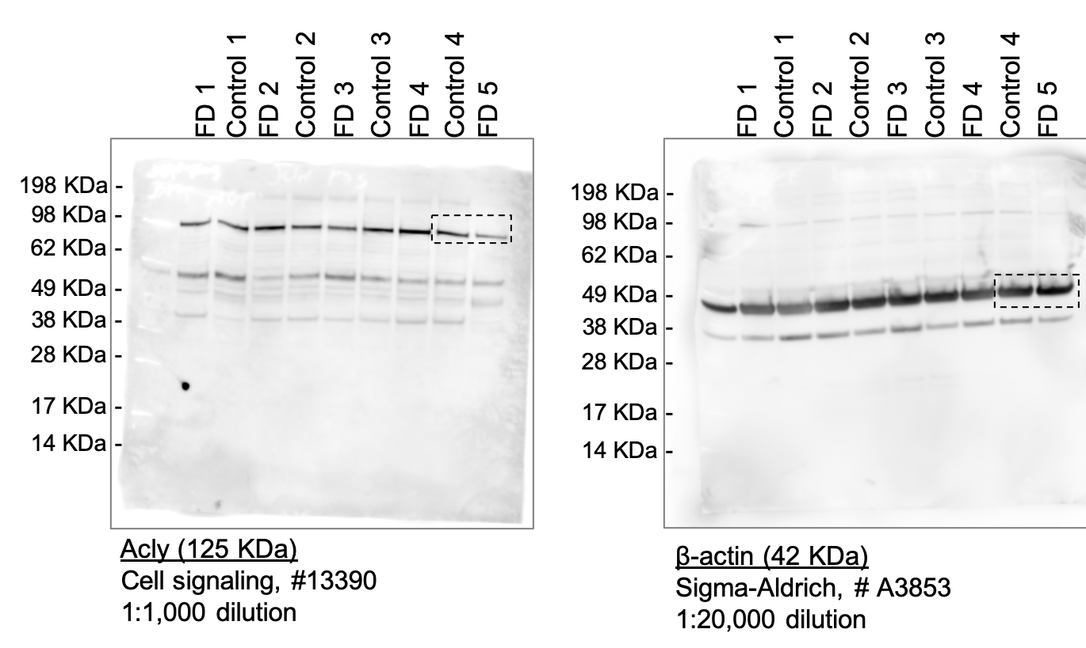
Fig 4a |  | Fig 4b |  |  |  |  |  | Fig 4c |  |  | Fig 4d |  |  | Fig 4e |  |  | Fig 4f
Control | FD | Control |  |  | FD |  |  | Control+EV | FD+EV | FD+ACLY | Control+EV | FD+EV | FD+ACLY | Control+EV | FD+EV | FD+ACLY | Control+EV | FD+EV | FD+ACLY
1.042 | 1.273 | Vehicle | 3mM HCA | 10mM HCA | Vehicle | 3mM HCA | 10mM HCA | 0.784 | 0.463 | 0.669 | 0.071 | 0.036 | 0.029 | 0.295 | 0.162 | 0.153 | 68.6 | 92.6 | 100
0.991 | 1.482 | 1.43208 | 0.2589949 | 0.188326 | 0.2330291 | 0.1043493 | 0.5263346 | 0.924 | 0.277 | 0.984 | 0.094 | 0 | 0.139 | 0.199 | 0.186 | 0.108 | 84.9 | 100 | 0
0.984 | 1.29 | 1.353965 | 0.6766356 | 0.4012632 | 0.3180096 | 0.09846026 | 0.2736968 | 1.16 | 1.126 | 1.865 | 0.014 | 0.004 | 0.152 | 0.202 | 0.172 | 0.254 | 14.6 | 100 | 0
0.983 | 1.159 | 1.305978 | 1.482478 | 0.06486899 | 0.8147475 | 0.1874656 | 0.1423924 | 0.8 | 0.603 | 1.622 | 0.015 | 0.028 | 0.086 | 0.129 | 0.271 | 0.141 | 0 | 100 | 54.2
 |  | 1.35207 | 1.224782 | 0.5749907 | 0.6434797 | 0.3522427 | 0.2399816 | 0.796 | 0.537 | 1.735 | 0.014 | 0.001 | 0.111 | 0.271 | 0.125 | 0.114 | 94.3 | 100 | 0
 |  | 0.9237943 | 1.911419 | 0.3770516 | 0.3604901 | 0.1629597 | 0.3982778 | 1.272 | 0.833 | 1.447 | 0.04 | 0.003 | 0.045 | 0.147 | 0.162 | 0.163 | 0 | 100 | 73.1
 |  | 1.017072 | 1.557034 | 0.2505966 | 0.4971412 | 0.01240741 | 0.4345457 | 1.319 | 0.603 | 1.181 | 0.01 | 0.012 | 0.045 | 0.209 | 0.152 | 0.203 | 76.4 | 100 | 73.1
 |  | 1.847507 | 0.09210362 | 0.1068711 | 0.6045356 | 0.4028242 | 0.004494212 | 1.112 | 0.295 | 1.723 | 0.109 | 0.01 | 0.02 | 0.56 | 0.292 | 0.477 | 0 | 100 | 100
 |  | 1.005587 | 0.1479884 | 0.3037014 | 0.3741597 | 0.04104343 | 0.2874093 | 0.944 | 0.383 | 1.56 | 0.057 | 0.046 | 0.14 | 0.241 | 0.147 | 1.4 | 67.8 | 100 | 0
 |  | 2.590094 | 0.4871699 | 0.2737882 | 1.067982 | 0.2255532 | 0.3893729 | 0.629 | 0.627 | 0.679 | 0.035 | 0.002 | 0.076 | 0.885 | 0.141 | 0.116 | 81.5 | 100 | 100
 |  | 1.564803 | 0.8894649 | 0.3150978 | 0.5177624 | 0.09127478 | 0.3338983 | 1.564 | 0.348 | 0.615 | 0.015 | 0 | 0.049 | 0.229 | 0.151 | 0.466 | 75.5 | 100 | 100
 |  | 1.033084 | 0.3988392 | 0.3475464 | 0.2023239 | 0.08198508 | 0.5875953 | 0.569 | 0.282 | 1.012 | 0.011 | 0.004 | 0.111 | 0.174 | 0.203 | 0.379 | 100 | 100 | 60
 |  | 0.5577508 | 0.9644164 | 0.4668695 | 0.1927654 | 0.3658259 | 0.1090602 | 0.852 | 0.35 | 0.99 | 0.007 | 0.042 | 0.076 | 0.266 | 0.203 | 0.238 | 0 | 77.4 | 76.6
 |  | 0.4386584 | 1.268828 | 0.2987419 | 0.2527652 | 0.2988666 | 0.5198781 | 0.905 | 0.522 | 0.599 | 0.048 | 0.007 | 0.016 | 0.325 | 0.162 | 0.352 | 0 | 100 | 88.6
 |  | 0.2658184 | 1.373525 | 0.1786191 | 0.4544889 | 0.1954606 | 0.1834159 | 1.369 | 0.44 | 0.731 | 0.009 | 0.003 | 0.016 | 0.324 | 0.141 | 0.237 | 86 | 100 | 89.4
 |  | 0.2967352 | 1.463609 | 0.4606854 | 0.3658259 | 0.1886059 | 0.06064091 |  |  |  | 0.03 | 0.017 | 0.051 | 0.329 | 0.101 | 0.123 | 100 | 0 | 83.6
 |  | 0.1163745 | 0.5444408 | 0.1112587 | 2.071749 |  | 0.003208196 |  |  |  | 0.132 | 0.011 | 0.119 | 0.292 | 0.104 | 0.169 | 100 | 0 | 60
 |  | 1.087663 | 0.09826163 | 0.3294216 | 0.260846 |  | 0.2428403 |  |  |  | 0.114 | 0.047 | 0.203 | 0.216 | 0.108 | 0.108 | 80 | 92.9 | 0
 |  | 0.5289824 | 0.05575376 | 0.4874914 | 0.2170979 |  | 0.3057912 |  |  |  | 0.03 | 0.002 | 0.024 | 0.207 | 0.213 | 0.633 | 0 | 100 | 100
 |  | 0.9381606 |  | 0.2636549 |  |  |  |  |  |  | 0.008 | 0.049 | 0.152 | 0.216 | 0.167 | 0.331 | 0 | 100 | 0
 |  | 1.100684 |  | 0.1053594 |  |  |  |  |  |  | 0.101 | 0.001 | 0.477 | 0.162 | 0.138 | 0.126 | 0 | 100 | 0
 |  | 1.098268 |  |  |  |  |  |  |  |  | 0.011 | 0.002 | 0.091 | 0.173 | 0.105 | 0.108 | 35.9 | 100 | 73.7
 |  | 0.6822254 |  |  |  |  |  |  |  |  | 0.079 | 0.006 | 0.249 | 0.127 | 0.108 | 0.162 | 100 | 0 | 0
 |  | 0.9438099 |  |  |  |  |  |  |  |  | 0.014 | 0.013 | 1 | 0.13 | 0.203 | 0.137 | 70.8 | 0 | 0
 |  | 0.7210979 |  |  |  |  |  |  |  |  | 0.026 | 0.052 | 0.043 | 0.483 | 0.108 | 0.194 | 0 | 85.7 | 77.2
 |  | 1.191153 |  |  |  |  |  |  |  |  | 0.017 | 0.002 | 0.069 | 0.18 | 0.175 | 0.136 | 0 | 0 | 63.3
 |  | 0.6065853 |  |  |  |  |  |  |  |  | 0.02 | 0.018 | 0.137 | 0.131 | 0.119 | 0.154 | 0 | 0 | 52.9
 |  |  |  |  |  |  |  |  |  |  | 0.021 | 0.042 | 0.466 | 0.108 | 0.127 | 0.114 | 0 | 85.2 | 0
 |  |  |  |  |  |  |  |  |  |  | 0.007 | 0.001 | 0.004 | 0.126 | 0.108 | 0.386 | 0 | 0 | 100
 |  |  |  |  |  |  |  |  |  |  | 0.146 | 0.001 | 0.05 | 0.351 | 0.126 | 0.135 | 0 | 0 | 84.3
 |  |  |  |  |  |  |  |  |  |  | 0.209 | 0.001 | 0.031 | 0.176 | 0.162 | 0.31 | 38.5 | 0 | 86.8
 |  |  |  |  |  |  |  |  |  |  | 0.01 | 0 | 0.026 | 0.108 | 0.159 | 0.113 | 0 | 0 | 100
 |  |  |  |  |  |  |  |  |  |  | 0.01 | 0.026 | 0.069 | 0.455 | 0.234 | 0.369 | 100 | 100 | 86
 |  |  |  |  |  |  |  |  |  |  | 0.017 | 0.135 | 0.034 | 0.149 | 0.108 | 0.523 | 100 | 79.2 | 0
 |  |  |  |  |  |  |  |  |  |  | 0.56 | 0.014 | 0.04 | 0.113 | 0.108 | 0.397 | 100 | 100 | 0
 |  |  |  |  |  |  |  |  |  |  | 0.012 | 0.001 | 0.034 | 0.244 | 0.162 | 0.531 | 0 | 100 | 0
 |  |  |  |  |  |  |  |  |  |  | 0.042 | 0.029 | 0.022 | 0.255 | 0.1 | 0.401 | 100 | 90.2 | 0
 |  |  |  |  |  |  |  |  |  |  | 0.241 | 0.04 | 0.057 | 0.158 | 0.126 | 0.114 | 93 | 90.7 | 83.3
 |  |  |  |  |  |  |  |  |  |  | 0.885 | 0.02 | 0.032 | 0.104 | 0.279 | 0.534 | 0 | 100 | 100
 |  |  |  |  |  |  |  |  |  |  | 0.009 | 0.017 | 0.123 | 0.117 | 0.186 | 0.139 | 0 | 100 | 0
 |  |  |  |  |  |  |  |  |  |  | 0.02 | 0.007 | 0.169 | 0.217 | 0.131 | 0.152 | 0 | 100 | 0
 |  |  |  |  |  |  |  |  |  |  | 0.012 | 0.03 | 0.271 | 0.514 | 0.225 | 0.213 | 0 | 90.2 | 0
 |  |  |  |  |  |  |  |  |  |  | 0.012 | 0.029 | 0.001 | 0.365 | 0.12 | 0.111 | 0 | 0 | 0
 |  |  |  |  |  |  |  |  |  |  | 0.229 | 0.985 | 0.004 | 0.307 | 0.108 | 0.109 | 0 | 0 | 0
 |  |  |  |  |  |  |  |  |  |  | 0.019 | 0.062 | 0.08 | 0.114 | 0.102 | 0.108 | 0 | 70.5 | 62.5
 |  |  |  |  |  |  |  |  |  |  | 0.003 | 0.031 | 0.022 | 0.149 | 0.101 | 0.14 | 100 | 90.2 | 100
 |  |  |  |  |  |  |  |  |  |  | 0.174 | 0.004 | 0.633 | 0.208 | 0.155 | 0.26 | 100 | 100 | 0
 |  |  |  |  |  |  |  |  |  |  | 0.03 | 0.001 | 0.633 | 0.12 | 0.271 | 0.163 | 0 | 0 | 0
 |  |  |  |  |  |  |  |  |  |  | 0.266 | 0.008 | 0.331 | 0.461 | 0.217 | 0.119 | 100 | 0 | 0
 |  |  |  |  |  |  |  |  |  |  | 0.325 | 0.017 | 0.006 | 0.309 | 0.239 | 0.152 | 0 | 100 | 100
 |  |  |  |  |  |  |  |  |  |  | 0.066 | 0.027 | 0.034 | 0.147 | 0.108 | 0.347 | 0 | 100 | 100
 |  |  |  |  |  |  |  |  |  |  | 0.003 | 0.001 | 0.012 | 0.171 | 0.214 | 0.249 | 67.9 | 100 | 100
 |  |  |  |  |  |  |  |  |  |  | 0.324 | 0.279 | 0.086 | 0.203 | 0.124 | 0.217 | 100 | 0 | 63.8
 |  |  |  |  |  |  |  |  |  |  | 0.329 | 0.186 | 0.071 | 0.217 | 0.17 | 0.148 | 0 | 0 | 34.2
 |  |  |  |  |  |  |  |  |  |  | 0.005 | 0.017 | 0.084 | 0.108 | 0.104 | 0.237 | 0 | 100 | 50
 |  |  |  |  |  |  |  |  |  |  | 0.131 | 0.116 | 0.162 | 0.236 | 0.131 | 0.153 | 100 | 31.4 | 0
 |  |  |  |  |  |  |  |  |  |  | 0.017 | 0.151 | 0.018 | 0.736 | 0.123 | 0.271 | 0 | 0 | 100
 |  |  |  |  |  |  |  |  |  |  | 0.011 | 0.056 | 0.203 | 0.433 | 0.247 | 0.146 | 0 | 80 | 0
 |  |  |  |  |  |  |  |  |  |  | 0.023 | 0.025 | 0.03 | 0.162 | 0.144 | 0.633 | 0 | 92.2 | 100
 |  |  |  |  |  |  |  |  |  |  | 0.028 | 0.01 | 0.077 | 0.178 | 0.117 | 0.192 | 0 | 100 | 65.8
 |  |  |  |  |  |  |  |  |  |  | 0.292 | 0.001 | 0.284 | 0.12 | 0.183 | 0.61 | 0 | 100 | 0
 |  |  |  |  |  |  |  |  |  |  | 0.05 | 0.07 | 0 | 0.323 | 0.139 | 0.159 | 0 | 81.8 | 100
 |  |  |  |  |  |  |  |  |  |  | 0.216 | 0.001 | 0.325 | 0.11 | 0.102 | 0.203 | 100 | 100 | 0
 |  |  |  |  |  |  |  |  |  |  | 0.207 | 0.018 | 0.003 | 0.223 | 0.108 | 0.284 | 0 | 100 | 100
 |  |  |  |  |  |  |  |  |  |  | 0.083 | 0.014 | 0.119 | 0.322 | 0.116 | 0.325 | 0 | 100 | 50.9
 |  |  |  |  |  |  |  |  |  |  | 0.064 | 0.002 | 0.113 | 0.32 | 0.126 | 0.401 | 80.8 | 100 | 0
 |  |  |  |  |  |  |  |  |  |  | 0.021 | 0.029 | 0.062 | 0.111 | 0.126 | 0.113 | 88.9 | 100 | 100
 |  |  |  |  |  |  |  |  |  |  | 0.014 | 0.004 | 0.027 | 0.22 | 0.17 | 0.184 | 100 | 100 | 84.6
 |  |  |  |  |  |  |  |  |  |  | 0.01 | 0.03 | 0.184 | 0.4 |  | 0.19 | 100 | 82.4 | 0
 |  |  |  |  |  |  |  |  |  |  | 0.063 | 0.014 | 0.09 | 0.23 |  | 0.337 | 100 | 100 | 77.8
 |  |  |  |  |  |  |  |  |  |  | 0.107 | 0.019 | 0.037 | 0.333 |  | 0.23 | 83.3 | 100 | 100
 |  |  |  |  |  |  |  |  |  |  | 0.038 | 0.016 | 0.072 | 0.532 |  | 0.2 | 58 | 100 | 63.5
 |  |  |  |  |  |  |  |  |  |  | 0.053 | 0.011 | 0.014 | 0.339 |  | 0.103 | 100 | 100 | 100
 |  |  |  |  |  |  |  |  |  |  | 0.011 | 0.017 | 0.115 | 0.107 |  | 0.62 | 84.6 | 87.2 | 79.5
 |  |  |  |  |  |  |  |  |  |  | 0.018 | 0.016 | 0.022 | 0.108 |  | 0.5 | 100 | 100 | 100
 |  |  |  |  |  |  |  |  |  |  | 0.013 | 0.005 | 0.011 | 0.257 |  | 0.147 | 94.3 | 100 | 100
 |  |  |  |  |  |  |  |  |  |  | 0.108 | 0.016 | 0.008 | 0.114 |  | 0.133 | 100 | 100 | 100
 |  |  |  |  |  |  |  |  |  |  | 0.103 | 0.015 | 0.001 | 0.115 |  | 0.162 | 28.6 | 100 | 100
 |  |  |  |  |  |  |  |  |  |  | 0.01 | 0.019 | 0.038 | 0.114 |  | 1.23 | 40 | 100 | 100
 |  |  |  |  |  |  |  |  |  |  | 0.015 | 0.033 | 0.039 | 0.154 |  | 0.516 | 100 | 68.5 | 77.3
 |  |  |  |  |  |  |  |  |  |  | 0.012 | 0.015 | 0.039 | 0.223 |  | 0.162 | 100 | 100 | 92
 |  |  |  |  |  |  |  |  |  |  | 0.052 | 0.043 | 0.014 | 0.235 |  | 0.187 | 100 | 82.4 | 100
 |  |  |  |  |  |  |  |  |  |  | 0.073 | 0 | 0.266 | 0.165 |  | 0.352 | 87 | 100 | 18.2
 |  |  |  |  |  |  |  |  |  |  | 0.14 | 0.004 | 0.062 | 0.131 |  | 0.112 | 70.6 | 100 | 100
 |  |  |  |  |  |  |  |  |  |  | 0.071 | 0.076 | 0.038 | 0.363 |  | 0.614 | 45.8 | 74.4 | 80
 |  |  |  |  |  |  |  |  |  |  | 0.339 | 0.031 | 0.135 | 0.145 |  | 0.219 | 61.5 | 84.6 | 0
 |  |  |  |  |  |  |  |  |  |  | 0.017 | 0.057 | 0.03 | 0.204 |  | 0.256 | 0 | 70 | 100
 |  |  |  |  |  |  |  |  |  |  | 0.483 | 0.014 | 0.014 | 0.208 |  | 0.184 | 100 | 100 | 100
 |  |  |  |  |  |  |  |  |  |  | 0.053 | 0.013 | 0.076 | 0.151 |  | 0.557 | 0 | 100 | 53.3
 |  |  |  |  |  |  |  |  |  |  | 0.176 | 0.014 | 0.062 | 0.108 |  |  | 90.9 | 100 | 64.7
 |  |  |  |  |  |  |  |  |  |  | 0.211 | 0.034 | 0.082 | 0.136 |  |  | 36.2 | 100 | 37
 |  |  |  |  |  |  |  |  |  |  | 0.017 | 0.108 | 0.051 | 0.154 |  |  | 38.1 | 66.7 | 100
 |  |  |  |  |  |  |  |  |  |  | 0.032 | 0.012 | 0.001 | 0.217 |  |  | 100 | 100 | 100
 |  |  |  |  |  |  |  |  |  |  | 0.101 | 0.021 | 0.101 | 0.176 |  |  | 88.5 | 100 | 50
 |  |  |  |  |  |  |  |  |  |  | 0.008 | 0.002 | 0.162 | 0.244 |  |  | 70.8 | 100 | 0
 |  |  |  |  |  |  |  |  |  |  | 0.007 | 0.002 | 0.002 | 0.339 |  |  | 100 | 100 | 100
 |  |  |  |  |  |  |  |  |  |  | 0.346 | 0.032 | 0.369 | 0.379 |  |  | 94.7 | 100 | 0
 |  |  |  |  |  |  |  |  |  |  | 0.028 | 0.028 | 0.192 | 0.247 |  |  | 0 | 100 | 76.9
 |  |  |  |  |  |  |  |  |  |  | 0.028 | 0.038 | 0.397 | 0.46 |  |  | 100 | 78.2 | 0
 |  |  |  |  |  |  |  |  |  |  | 0.009 | 0.018 | 0.024 | 0.147 |  |  | 100 | 100 | 100
 |  |  |  |  |  |  |  |  |  |  | 0.021 | 0.028 | 0.002 | 0.346 |  |  | 100 | 91.7 | 100
 |  |  |  |  |  |  |  |  |  |  | 0.351 | 0.019 | 0.011 | 0.61 |  |  | 100 | 100 | 100
 |  |  |  |  |  |  |  |  |  |  | 0.012 | 0.025 | 0.045 | 0.124 |  |  | 0 | 100 | 100
 |  |  |  |  |  |  |  |  |  |  | 0.095 | 0.008 | 0.089 | 0.123 |  |  | 100 | 100 | 100
 |  |  |  |  |  |  |  |  |  |  | 0.027 | 0.029 | 0.003 | 0.108 |  |  | 52.9 | 100 | 100
 |  |  |  |  |  |  |  |  |  |  | 0.004 | 0.016 | 0.014 | 0.61 |  |  | 100 | 100 | 100
 |  |  |  |  |  |  |  |  |  |  | 0.065 | 0.065 | 0.052 | 0.303 |  |  | 100 | 61.5 | 65.2
 |  |  |  |  |  |  |  |  |  |  | 0.176 | 0.031 | 1 | 0.208 |  |  | 81.5 | 100 | 0
 |  |  |  |  |  |  |  |  |  |  | 0 | 0.03 | 0.029 | 0.13 |  |  | 0 | 100 | 87.3
 |  |  |  |  |  |  |  |  |  |  | 0.047 | 0.229 | 0.055 | 0.521 |  |  | 100 | 0 | 100
 |  |  |  |  |  |  |  |  |  |  | 0.041 | 0.026 | 0.012 | 0.153 |  |  | 87.3 | 100 | 100
 |  |  |  |  |  |  |  |  |  |  | 0.002 | 0.025 | 0.02 | 0.162 |  |  | 100 | 100 | 96.2
 |  |  |  |  |  |  |  |  |  |  | 0.017 | 0.014 | 0.002 | 0.208 |  |  | 100 | 100 | 100
 |  |  |  |  |  |  |  |  |  |  | 0.011 | 0.002 | 0.009 | 0.2 |  |  | 100 | 100 | 100
 |  |  |  |  |  |  |  |  |  |  | 0.455 | 0.007 | 0.034 | 0.122 |  |  | 100 | 100 | 100
 |  |  |  |  |  |  |  |  |  |  | 0.035 | 0.031 | 0.001 | 0.621 |  |  | 0 | 71.4 | 100
 |  |  |  |  |  |  |  |  |  |  | 0.053 | 0.005 | 0.187 | 0.127 |  |  | 100 | 100 | 0
 |  |  |  |  |  |  |  |  |  |  | 0.03 | 0.001 | 0.104 | 0.411 |  |  | 100 | 100 | 0
 |  |  |  |  |  |  |  |  |  |  | 0.091 | 0.075 | 0.012 | 0.216 |  |  | 92 | 100 | 100
 |  |  |  |  |  |  |  |  |  |  | 0.073 | 0.101 | 0.018 | 0.19 |  |  | 26.7 | 57.8 | 100
 |  |  |  |  |  |  |  |  |  |  | 0.016 | 0.022 | 0.004 | 0.145 |  |  | 52.7 | 100 | 100
 |  |  |  |  |  |  |  |  |  |  | 0.093 | 0.023 | 0.017 | 0.154 |  |  | 100 | 85.4 | 96
 |  |  |  |  |  |  |  |  |  |  | 0.065 | 0.035 | 0.054 | 0.108 |  |  | 27.3 | 100 | 69.8
 |  |  |  |  |  |  |  |  |  |  | 0.053 | 0.029 | 0.614 | 0.216 |  |  | 81.5 | 100 | 0
 |  |  |  |  |  |  |  |  |  |  | 0.001 | 0.015 | 0.03 | 0.223 |  |  | 74.5 | 100 | 100
 |  |  |  |  |  |  |  |  |  |  | 0.019 | 0.027 | 0.006 | 0.108 |  |  | 100 | 100 | 100
 |  |  |  |  |  |  |  |  |  |  | 0.029 | 0.028 | 0.034 | 0.379 |  |  | 88.9 | 100 | 100
 |  |  |  |  |  |  |  |  |  |  | 0.255 | 0.016 | 0.014 | 1 |  |  | 100 | 100 | 100
 |  |  |  |  |  |  |  |  |  |  | 0.521 | 0.02 | 0.004 | 0.165 |  |  | 0 | 100 | 100
 |  |  |  |  |  |  |  |  |  |  | 0.1 | 0 | 0.025 | 0.147 |  |  | 0 | 100 | 100
 |  |  |  |  |  |  |  |  |  |  | 0.022 | 0.001 | 0.219 | 0.203 |  |  | 100 | 100 | 0
 |  |  |  |  |  |  |  |  |  |  | 0 | 0.026 | 0.256 | 0.386 |  |  | 87.8 | 100 | 0
 |  |  |  |  |  |  |  |  |  |  | 0.002 | 0.011 | 0.085 | 0.254 |  |  | 100 | 100 | 57.4
 |  |  |  |  |  |  |  |  |  |  | 0.001 | 0.044 | 0.008 |  |  |  | 100 | 100 | 100
 |  |  |  |  |  |  |  |  |  |  | 0.112 | 0.167 | 0.019 |  |  |  | 100 | 0 | 100
 |  |  |  |  |  |  |  |  |  |  | 0.103 | 0.003 | 0.042 |  |  |  | 55.6 | 100 | 79.5
 |  |  |  |  |  |  |  |  |  |  | 0.039 | 0.006 | 0.114 |  |  |  | 46.4 | 100 | 0
 |  |  |  |  |  |  |  |  |  |  | 0.004 | 0.17 | 0.028 |  |  |  | 72.9 | 0 | 100
 |  |  |  |  |  |  |  |  |  |  | 0.002 | 0.026 | 0.005 |  |  |  | 100 | 74.5 | 100
 |  |  |  |  |  |  |  |  |  |  | 0.038 | 0.012 | 0.534 |  |  |  | 100 | 100 | 0
 |  |  |  |  |  |  |  |  |  |  | 0 | 0.02 | 0.016 |  |  |  | 100 | 100 | 100
 |  |  |  |  |  |  |  |  |  |  | 0.059 | 0.065 | 0.001 |  |  |  | 100 | 64.6 | 100
 |  |  |  |  |  |  |  |  |  |  | 0.028 | 0.014 | 0.024 |  |  |  | 100 | 100 | 100
 |  |  |  |  |  |  |  |  |  |  | 0.015 | 0.01 |  |  |  |  | 87.2 | 100
 |  |  |  |  |  |  |  |  |  |  | 0.021 | 0.034 |  |  |  |  | 88 | 86.3
 |  |  |  |  |  |  |  |  |  |  | 0.2 | 0.027 |  |  |  |  | 100 | 100
 |  |  |  |  |  |  |  |  |  |  | 0.003 | 0.005 |  |  |  |  | 0 | 100
 |  |  |  |  |  |  |  |  |  |  | 0.006 | 0.001 |  |  |  |  | 100 | 100
 |  |  |  |  |  |  |  |  |  |  | 0.006 | 0.016 |  |  |  |  | 100 | 100
 |  |  |  |  |  |  |  |  |  |  | 0.022 | 0.01 |  |  |  |  | 100 | 100
 |  |  |  |  |  |  |  |  |  |  | 0.012 | 0.026 |  |  |  |  | 84.3 | 100
 |  |  |  |  |  |  |  |  |  |  | 0.056 | 0.085 |  |  |  |  | 100 | 73.1
 |  |  |  |  |  |  |  |  |  |  | 0.017 | 0.069 |  |  |  |  | 64.8 | 44.8
 |  |  |  |  |  |  |  |  |  |  | 0.012 | 0.011 |  |  |  |  | 100 | 100
 |  |  |  |  |  |  |  |  |  |  | 0.03 | 0.01 |  |  |  |  | 100 | 100
 |  |  |  |  |  |  |  |  |  |  | 0.118 | 0.015 |  |  |  |  | 100 | 100
 |  |  |  |  |  |  |  |  |  |  | 0.01 | 0.026 |  |  |  |  | 58.3 | 100
 |  |  |  |  |  |  |  |  |  |  | 0.006 | 0.029 |  |  |  |  | 100 | 100
 |  |  |  |  |  |  |  |  |  |  | 0.013 | 0.01 |  |  |  |  | 100 | 96.6
 |  |  |  |  |  |  |  |  |  |  | 0.013 | 0.03 |  |  |  |  | 100 | 88.5
 |  |  |  |  |  |  |  |  |  |  | 0.228 | 0.124 |  |  |  |  | 100 | 46
 |  |  |  |  |  |  |  |  |  |  | 0.004 | 0.032 |  |  |  |  | 0 | 100
 |  |  |  |  |  |  |  |  |  |  | 0.009 | 0.039 |  |  |  |  | 100 | 86.3
 |  |  |  |  |  |  |  |  |  |  | 0.006 | 0.003 |  |  |  |  | 100 | 100
 |  |  |  |  |  |  |  |  |  |  | 0.003 | 0.001 |  |  |  |  | 100 | 100
 |  |  |  |  |  |  |  |  |  |  | 0.005 | 0.016 |  |  |  |  | 100 | 100
 |  |  |  |  |  |  |  |  |  |  | 0.002 | 0.029 |  |  |  |  | 100 | 92.6
 |  |  |  |  |  |  |  |  |  |  | 0.007 | 0.014 |  |  |  |  | 100 | 100
 |  |  |  |  |  |  |  |  |  |  | 0.004 | 0.061 |  |  |  |  | 100 | 71.4
 |  |  |  |  |  |  |  |  |  |  | 0.008 | 0.022 |  |  |  |  | 100 | 100
 |  |  |  |  |  |  |  |  |  |  | 0.001 | 0.007 |  |  |  |  | 100 | 100
 |  |  |  |  |  |  |  |  |  |  | 0.097 | 0.021 |  |  |  |  | 100 | 100
 |  |  |  |  |  |  |  |  |  |  | 0.365 | 0.047 |  |  |  |  | 100 | 80.9
 |  |  |  |  |  |  |  |  |  |  | 0.023 | 0.015 |  |  |  |  | 100 | 100
 |  |  |  |  |  |  |  |  |  |  | 0.061 | 0.02 |  |  |  |  | 0 | 100
 |  |  |  |  |  |  |  |  |  |  | 0.307 | 0.031 |  |  |  |  | 100 | 100
 |  |  |  |  |  |  |  |  |  |  | 0.025 | 0.027 |  |  |  |  | 79.2 | 100
 |  |  |  |  |  |  |  |  |  |  | 0.005 | 0.013 |  |  |  |  | 0 | 100
 |  |  |  |  |  |  |  |  |  |  | 0.005 | 0.001 |  |  |  |  | 100 | 100
 |  |  |  |  |  |  |  |  |  |  | 0.036 | 0.025 |  |  |  |  | 100 | 100
 |  |  |  |  |  |  |  |  |  |  | 0.005 | 0.027 |  |  |  |  | 100 | 82.4
 |  |  |  |  |  |  |  |  |  |  | 0.022 | 0.003 |  |  |  |  | 76.5 | 100
 |  |  |  |  |  |  |  |  |  |  | 0.002 | 0.011 |  |  |  |  | 100 | 90.4
 |  |  |  |  |  |  |  |  |  |  | 0.003 | 0.077 |  |  |  |  | 100 | 65.3
 |  |  |  |  |  |  |  |  |  |  | 0.009 | 0.009 |  |  |  |  | 100 | 100
 |  |  |  |  |  |  |  |  |  |  | 0.013 | 0.013 |  |  |  |  | 100 | 100
 |  |  |  |  |  |  |  |  |  |  | 0.015 | 0.007 |  |  |  |  | 100 | 100
 |  |  |  |  |  |  |  |  |  |  | 0.002 | 0.037 |  |  |  |  | 100 | 68.8
 |  |  |  |  |  |  |  |  |  |  | 0.01 | 0.015 |  |  |  |  | 100 | 100
 |  |  |  |  |  |  |  |  |  |  | 0.007 | 0.07 |  |  |  |  | 100 | 100
 |  |  |  |  |  |  |  |  |  |  | 0.037 | 0.03 |  |  |  |  | 100 | 86.4
 |  |  |  |  |  |  |  |  |  |  | 0.07 | 0.003 |  |  |  |  | 100 | 100
 |  |  |  |  |  |  |  |  |  |  | 0.002 | 0.007 |  |  |  |  | 100 | 100
 |  |  |  |  |  |  |  |  |  |  | 0.014 | 0.006 |  |  |  |  | 66.7 | 100
 |  |  |  |  |  |  |  |  |  |  | 0.026 | 0.01 |  |  |  |  | 100 | 100
 |  |  |  |  |  |  |  |  |  |  | 0.011 | 0.031 |  |  |  |  | 100 | 78.3
 |  |  |  |  |  |  |  |  |  |  | 0.007 | 0.003 |  |  |  |  | 100 | 100
 |  |  |  |  |  |  |  |  |  |  | 0.005 | 0.082 |  |  |  |  | 100 | 100
 |  |  |  |  |  |  |  |  |  |  | 0.015 | 0.058 |  |  |  |  | 100 | 70.6
 |  |  |  |  |  |  |  |  |  |  | 0.003 | 0.022 |  |  |  |  | 100 | 87.2
 |  |  |  |  |  |  |  |  |  |  | 0.208 | 0.009 |  |  |  |  | 100 | 100
 |  |  |  |  |  |  |  |  |  |  | 0.062 | 0.033 |  |  |  |  | 100 | 100
 |  |  |  |  |  |  |  |  |  |  | 0.095 | 0.01 |  |  |  |  | 0 | 100
 |  |  |  |  |  |  |  |  |  |  | 0.025 | 0.001 |  |  |  |  | 100 | 100
 |  |  |  |  |  |  |  |  |  |  | 0.02 | 0.002 |  |  |  |  | 48.1 | 100
 |  |  |  |  |  |  |  |  |  |  | 0.024 | 0.03 |  |  |  |  | 100 | 100
 |  |  |  |  |  |  |  |  |  |  | 0.063 | 0.041 |  |  |  |  | 100 | 83
 |  |  |  |  |  |  |  |  |  |  | 0.011 | 0.029 |  |  |  |  | 100 | 94.3
 |  |  |  |  |  |  |  |  |  |  | 0.309 | 0.063 |  |  |  |  | 74.5 | 72.7
 |  |  |  |  |  |  |  |  |  |  | 0.01 | 0.014 |  |  |  |  | 100 | 100
 |  |  |  |  |  |  |  |  |  |  | 0.01 | 0.005 |  |  |  |  | 0 | 100
 |  |  |  |  |  |  |  |  |  |  | 0.029 | 0.003 |  |  |  |  | 100 | 100
 |  |  |  |  |  |  |  |  |  |  | 0.147 | 0.021 |  |  |  |  | 100 | 100
 |  |  |  |  |  |  |  |  |  |  | 0.155 | 0.015 |  |  |  |  | 75.5 | 100
 |  |  |  |  |  |  |  |  |  |  | 0.138 | 0.06 |  |  |  |  | 0 | 73
 |  |  |  |  |  |  |  |  |  |  | 0.014 | 0.004 |  |  |  |  | 20 | 100
 |  |  |  |  |  |  |  |  |  |  | 0.035 | 0.01 |  |  |  |  | 61.1 | 100
 |  |  |  |  |  |  |  |  |  |  | 0.022 |  |  |  |  |  | 100
 |  |  |  |  |  |  |  |  |  |  | 0.064 |  |  |  |  |  | 100
 |  |  |  |  |  |  |  |  |  |  | 0.024 |  |  |  |  |  | 100
 |  |  |  |  |  |  |  |  |  |  | 0.223 |  |  |  |  |  | 85.7
 |  |  |  |  |  |  |  |  |  |  | 0.032 |  |  |  |  |  | 100
 |  |  |  |  |  |  |  |  |  |  | 0.028 |  |  |  |  |  | 0
 |  |  |  |  |  |  |  |  |  |  | 0.047 |  |  |  |  |  | 100
 |  |  |  |  |  |  |  |  |  |  | 0.001 |  |  |  |  |  | 83.9
 |  |  |  |  |  |  |  |  |  |  | 0.003 |  |  |  |  |  | 94.7
 |  |  |  |  |  |  |  |  |  |  | 0.021 |  |  |  |  |  | 100
 |  |  |  |  |  |  |  |  |  |  | 0.028 |  |  |  |  |  | 100
 |  |  |  |  |  |  |  |  |  |  | 0.031 |  |  |  |  |  | 100
 |  |  |  |  |  |  |  |  |  |  | 0.236 |  |  |  |  |  | 100
 |  |  |  |  |  |  |  |  |  |  | 1 |  |  |  |  |  | 90.6
 |  |  |  |  |  |  |  |  |  |  | 0.736 |  |  |  |  |  | 100
 |  |  |  |  |  |  |  |  |  |  | 0.433 |  |  |  |  |  | 0
 |  |  |  |  |  |  |  |  |  |  | 0.084 |  |  |  |  |  | 0
 |  |  |  |  |  |  |  |  |  |  | 0.009 |  |  |  |  |  | 0
 |  |  |  |  |  |  |  |  |  |  | 0.02 |  |  |  |  |  | 0
 |  |  |  |  |  |  |  |  |  |  | 0.048 |  |  |  |  |  | 63.8
 |  |  |  |  |  |  |  |  |  |  | 0.003 |  |  |  |  |  | 100
 |  |  |  |  |  |  |  |  |  |  | 0.051 |  |  |  |  |  | 100
 |  |  |  |  |  |  |  |  |  |  | 0.021 |  |  |  |  |  | 100
 |  |  |  |  |  |  |  |  |  |  | 1 |  |  |  |  |  | 100
 |  |  |  |  |  |  |  |  |  |  | 0.026 |  |  |  |  |  | 70.2
 |  |  |  |  |  |  |  |  |  |  | 0.087 |  |  |  |  |  | 93
 |  |  |  |  |  |  |  |  |  |  | 0.114 |  |  |  |  |  | 100
 |  |  |  |  |  |  |  |  |  |  | 0.254 |  |  |  |  |  | 89.8
 |  |  |  |  |  |  |  |  |  |  | 0 |  |  |  |  |  | 71.4
 |  |  |  |  |  |  |  |  |  |  | 0.056 |  |  |  |  |  | 76.7
 |  |  |  |  |  |  |  |  |  |  | 0.062 |  |  |  |  |  | 0
 |  |  |  |  |  |  |  |  |  |  | 0.2 |  |  |  |  |  | 100
 |  |  |  |  |  |  |  |  |  |  | 0.12 |  |  |  |  |  | 100
 |  |  |  |  |  |  |  |  |  |  | 0.323 |  |  |  |  |  | 100
 |  |  |  |  |  |  |  |  |  |  | 0.11
 |  |  |  |  |  |  |  |  |  |  | 0.223
 |  |  |  |  |  |  |  |  |  |  | 0.092
 |  |  |  |  |  |  |  |  |  |  | 0.322
 |  |  |  |  |  |  |  |  |  |  | 0.32
 |  |  |  |  |  |  |  |  |  |  | 0.111
 |  |  |  |  |  |  |  |  |  |  | 0.22
 |  |  |  |  |  |  |  |  |  |  | 0.4
 |  |  |  |  |  |  |  |  |  |  | 0.23
 |  |  |  |  |  |  |  |  |  |  | 0.333
 |  |  |  |  |  |  |  |  |  |  | 0.532

Fig 5
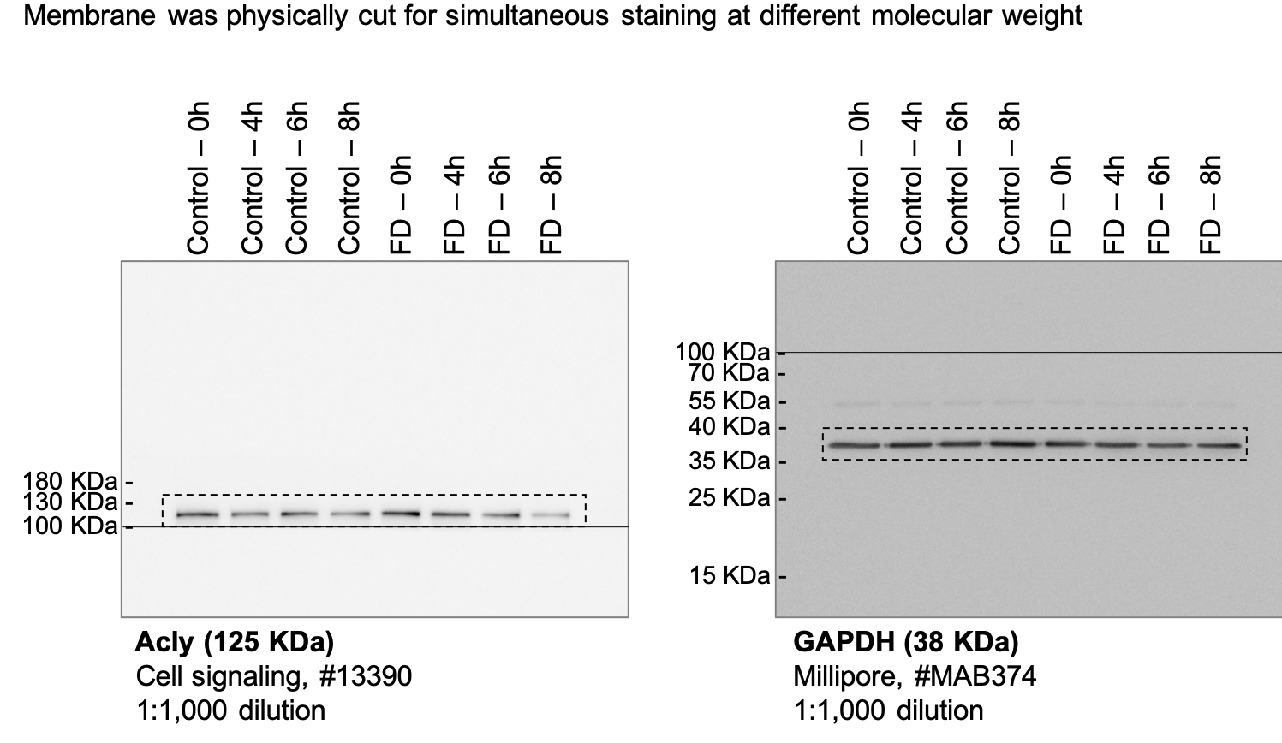
Fig 5a |  | Fig 5b |  | Fig 5e |  | Fig 5f |  | Fig 5g | Fig 5h
WT | Elp3 cKO | WT | Elp3 cKO | WT | Elp3 cKO | WT | Elp3 cKO |  | CHX (h): | Control | Control | Control | Control | FD | FD | FD | FD
0.758 | 1.148 | 0.638 | 0.528 | 1.79 | 0.656 | 29 | 32 |  | 0 | 1 | 1 | 1 | 1 | 1 | 1 | 1 | 1
0.709 | 0.885 | 0.66 | 0.778 | 0.895 | 0.601 | 23 | 10 |  | 4 | 0.756081248 | 0.7485464273 | 0.9730285537 | 1.294765103 | 0.789899253 | 0.339541834 | 0.8220885865 | 1.0607
1.209 | 1.14 | 1.358 | 1.434 | 1.124 | 0.514 | 25 | 39 |  | 6 | 0.967510145 | 0.8358875241 | 1.114845062 | 0.8907731649 | 0.77193902 | 0.493376815 | 0.7446266606 | 0.691695
1.324 | 0.645 | 1.344 | 1.369 | 1.084 | 0.767 | 29 | 10 |  | 8 | 0.676198468 | 1.030689864 | 0.8887758547 | 0.9919030585 | 0.305859598 | 0.356910801
 |  |  |  | 0.565 | 1.021 | 35 | 24
 |  |  |  | 0.881 | 1.125 | 34 | 22
 |  |  |  | 0.917 | 0.752 | 14 | 30
 |  |  |  | 1.055 | 0.803 | 19 | 24
 |  |  |  | 0.857 | 1.281 |  | 20
 |  |  |  | 0.832 | 1.139
 |  |  |  |  | 0.938

Fig S1
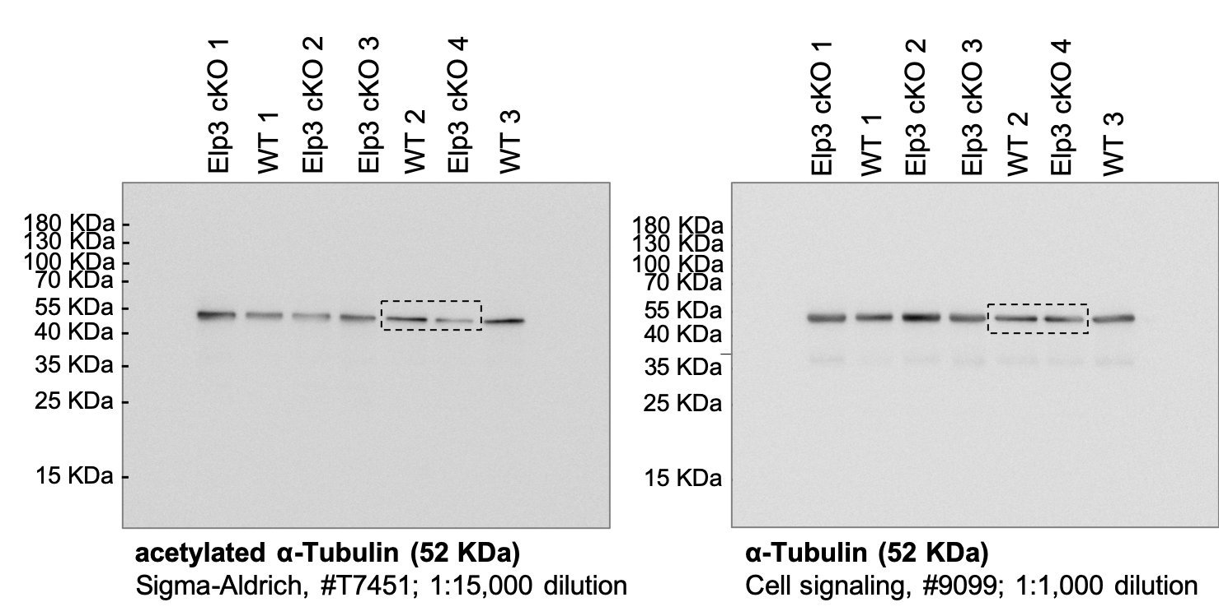
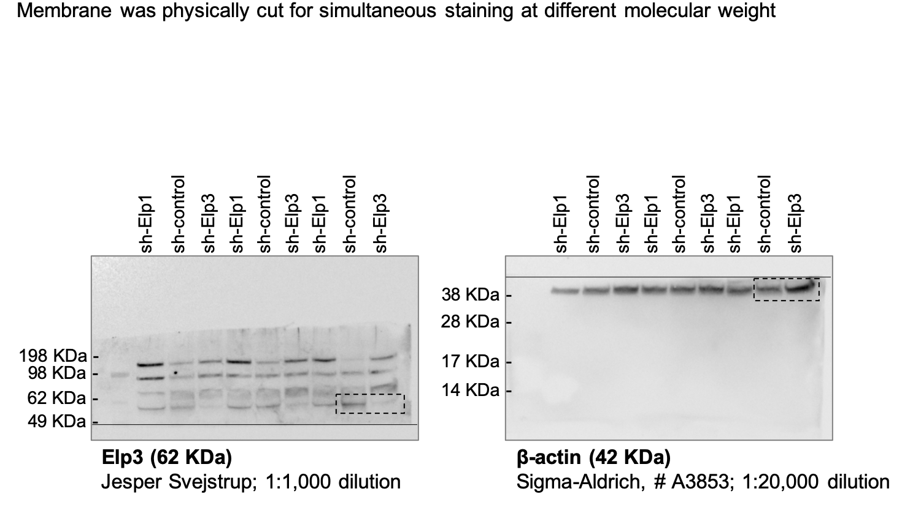
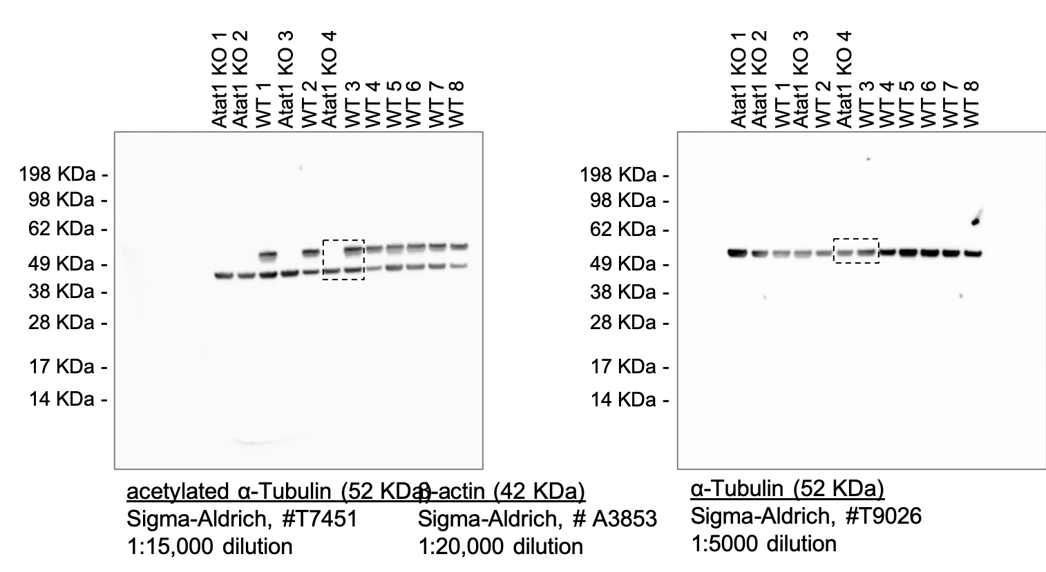
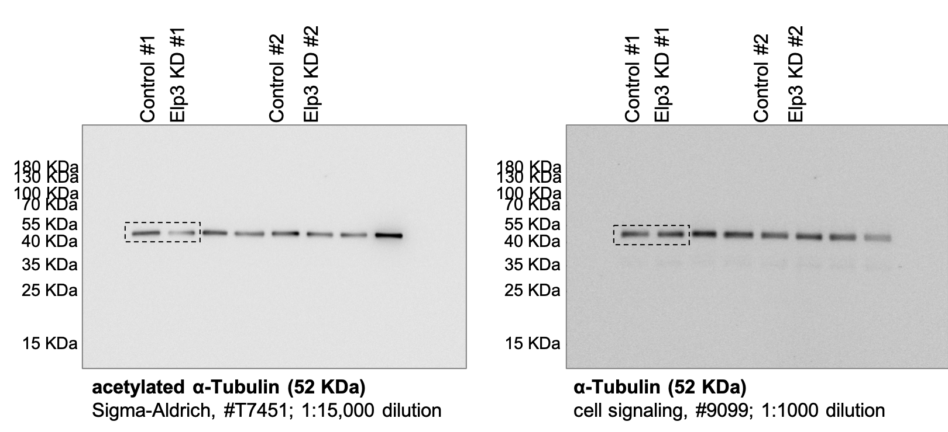
Fig S1a |  | Fig S1b |  | Fig S1c |  |  |  | Fig S1d |  | Fig S1e |  | Fig S1f |  |  |  | S1g |  | S1i |  | Fig S1j | Fig S1k | S1l |  |  |  | S1m |  |  |  |  |  |  |  | S1n |  |  |  | S1p |  | S1q |  | S1r |  | S1v
WT | Elp3 cKO | WT | Elp3 cKO | WT (anterograde) | ELP3 cKO (anterograde) | WT (retrograde) | ELP3 cKO (retrograde) | WT | Elp3 cKO | WT | Elp3 cKO | WT (anterograde) | ELP3 cKO (anterograde) | WT (retrograde) | ELP3 cKO (retrograde) | WT | Elp3 cKO | sh-control | sh-Elp3 |  |  | WT+sh-Control | WT+sh-Elp3 | Atat1 KO+sh-Control | Atat1 KO+sh-Elp3 | WT+sh-Control (anterograde) | WT+sh-Elp3 (anterograde) | Atat1 KO+sh-Control (anterograde) | Atat1 KO+sh-Elp3 (anterograde) | WT+sh-Control (retrograde) | WT+sh-Elp3 (retrograde) | Atat1 KO+sh-Control (retrograde) | Atat1 KO+sh-Elp3 (retrograde) | WT+sh-Control | WT+sh-Elp3 | Atat1 KO+sh-Control | Atat1 KO+sh-Elp3 | Control | Elp1 KD | Control | Elp3 KD | Control | Elp3 KD | Control | Elp3 KD
0.951 | 0.792 | 0.373 | 0.558 | 0.22 | 0.662 | -0.446 | -0.262 | 0 | 56.8 | 0.451 | 0.044 | 0.75 | 0.248 | -0.481 | -0.24 | 43.9 | 100 | 0.951 | 0.296 |  |  | 0.375 | 0.345 | 0.024 | 0.069 | 0.375 | 0.107 | 0.179 | 0.517 | -0.22 | -0.138 | -0.157 | -0.28 | 0 | 37.3 | 100 | 90.2 | 0.826 | 0.326 | 1.802 | 0.368 | 0.947 | 0.355 | 34.5 | 40.4
1.045 | 0.597 | 0.127 | 1.501 | 0.11 | 0.248 | -0.318 | -1.501 | 0 | 59.3 | 0.842 | 0.248 | 0.966 | 0.151 | -2.83 | -0.464 | 0 | 0 | 0.999 | 0.729 |  |  | 0.268 | 0.153 | 0.016 | 0.061 | 0.508 | 0.109 | 0.103 | 0.431 | -0.305 | -0.13 | -0.351 | -0.182 | 0 | 0 | 100 | 91.4 | 1.206 | 0.113 | 0.741 | 0.495 | 1.021 | 0.592 | 33.6 | 31.6
1.005 | 0.777 | 0.128 | 0.074 | 0.413 | 0.179 | -0.27 | -0.147 | 0 | 67.3 | 1.322 | 0.068 | 1.322 | 0.119 | -0.873 | -0.127 | 0 | 82.9 | 1.068 | 0.303 |  |  | 0.452 | 0.132 | 0.029 | 0.028 | 0.452 | 0.477 | 0.143 | 0.129 | -0.53 | -0.418 | -0.117 | -0.258 | 0 | 16.4 | 86.9 | 100 | 0.76 | 0.001 | 0.568 | 0.029 | 0.813 | 0.389 | 34.333 | 28
1.155 | 1.119 | 0.182 | 0.173 | 0.24 | 0.252 | -0.534 | -1.146 | 55 | 0 | 2.83 | 0.037 | 0.521 | 0.605 | -0.826 | -0.189 | 0 | 100 | 0.982 | 0.53 |  |  | 0.305 | 0.149 | 0.022 | 0.172 | 0.424 | 0.1 | 0.308 | 0.122 | -0.369 | -0.16 | -0.225 | -0.173 | 0 | 69.3 | 100 | 72.5 | 1.279 | 0.095 | 0.989 | 0.0002817 | 1.219 | 0.993 | 32.6 | 38
1.19 | 0.534 | 0.062 | 1.146 | 0.124 | 0.199 | -0.153 | -0.387 | 88.2 | 51.1 | 0.363 | 0.109 | 1.653 | 0.398 | -0.917 | -0.179 | 44.4 | 66.8 |  |  |  |  | 0.424 | 0.105 | 0.015 | 0.02 | 0.441 | 0.448 | 0.215 | 0.178 | -0.41 | -0.16 | -0.327 | -0.149 | 0 | 33.3 | 100 | 100 | 0.928 |  | 0.901 |  |  |  | 35.333 | 35.5
0.655 | 0.869 | 0.08 | 0.1 | 0.182 | 0.202 | -0.216 | -0.324 | 35.8 | 0 | 1.653 | 0.486 | 0.691 | 0.206 | -0.917 | -0.229 | 0 | 0 |  |  |  |  | 0.441 | 0.06 | 0.026 | 0.033 | 0.537 | 0.747 | 0.202 | 0.28 | -0.203 | -0.239 | -0.291 | -0.224 | 0 | 0 | 100 | 81.7
1 | 0.485 | 0.08 | 0.225 | 0.39 | 0.202 | -0.614 | -1.365 | 0 | 0 | 0.826 | 0.265 | 1.033 | 0.195 | -0.76 | -0.798 | 0 | 36.1 |  |  |  |  | 0.53 | 0.244 | 0.073 | 0.178 | 0.226 | 0.295 | 0.279 | 0.448 | -1 | -0.517 | -0.446 | -0.18 | 0 | 31.3 | 31.4 | 0
1.222 | 1.213 | 0.681 | 1.365 | 0.126 | 0.121 | -0.681 | -0.688 | 0 | 100 | 0.811 | 0.045 | 0.81 | 0.393 | -1.083 | -0.384 | 12.1 | 89.2 |  |  |  |  | 0.106 | 0.117 | 0.125 | 0.116 | 0.691 | 0.492 | 0.259 | 0.31 | -0.389 | -0.247 | -0.108 | -0.273 | 37.5 | 0 | 65.1 | 60
1.037 | 0.669 | 0.23 | 0.569 | 0.434 | 0.258 | -0.278 | -0.658 | 52.5 | 19 | 0.811 | 0.034 | 1.208 | 0.393 | -1.124 | -0.187 | 12.1 | 96.4 |  |  |  |  | 0.537 | 0.147 | 0.036 | 0.328 | 0.139 | 0.195 | 0.119 | 0.379 | -0.441 | -0.162 | -0.16 | -0.284 | 0 | 0 | 100 | 0
1.205 | 0.364 | 0.39 | 0.528 | 0.708 | 0.214 | -0.331 | -1.199 | 0 | 100 | 0.691 | 0.086 | 1.505 | 0.176 | -0.737 | -0.487 | 0 | 77.1 |  |  |  |  | 0.369 | 0.096 | 0.287 | 0.136 | 0.39 | 0.189 | 0.19 | 0.218 | -0.291 | -0.378 | -0.216 | -0.403 | 0 | 85.6 | 45.5 | 73.7
0.536 |  | 0.154 | 1.199 | 0.117 | 0.509 | -0.39 | -0.124 | 0 | 66.2 | 0.986 | 0.187 | 1.819 | 0.187 | -0.223 | -0.192 | 0 | 52.5 |  |  |  |  | 0.41 | 0.562 | 0.308 | 0.31 | 0.226 | 0.574 | 0.128 | 0.19 | -0.198 | -0.101 | -0.184 | -0.168 | 0 | 0 | 0 | 0
 |  | 0.303 | 0.104 | 0.452 | 0.349 | -0.549 | -0.128 | 35.7 | 0 | 0.81 | 0.187 | 1.102 | 0.289 | -0.397 | -0.143 | 0 | 52.5 |  |  |  |  | 0.203 | 0.378 | 0.216 | 0.023 | 0.198 | 0.149 | 0.259 | 0.272 | -0.402 | -0.402 | -0.151 | -0.281 | 0 | 0 | 40.8 | 95.1
 |  | 0.395 | 0.1 | 0.452 | 0.188 | -0.732 | -0.163 | 0 | 0 | 1.032 | 0.025 | 0.9 | 0.475 | -1.597 | -0.374 | 5.1 | 94.7 |  |  |  |  | 0.226 | 0.449 | 0.012 | 0.253 | 0.87 | 0.136 | 0.161 | 0.156 | -0.509 | -0.1 | -0.298 | -0.237 | 0 | 26.1 | 100 | 41.2
 |  | 0.714 | 0.078 | 0.341 | 1.196 | -0.629 | -0.196 | 0 | 7.5 | 0.925 | 0.198 | 1.068 | 0.473 | -0.353 | -0.324 | 23.8 | 0 |  |  |  |  | 1 | 0.116 | 0.086 | 0.074 | 0.56 | 0.151 | 0.228 | 0.201 | -0.382 | -0.104 | -0.276 | -0.402 | 0 | 73.2 | 37.1 | 100
 |  | 0.041 | 0.131 | 0.213 | 0.3 | -0.696 | -0.621 | 0 | 0 | 1.505 | 0.044 | 0.183 | 0.627 | -0.727 | -1.175 | 0 | 89.5 |  |  |  |  | 0.389 | 0.595 | 0.056 | 0.185 | 0.345 | 0.345 | 0.288 | 0.23 | -0.552 | -0.1 | -0.322 | -0.144 | 0 | 0 | 100 | 38.2
 |  | 0.629 | 0.173 | 0.466 | 0.291 | -0.661 | -0.542 | 0 | 0 | 1.124 | 0.034 | 0.706 | 0.309 | -1.432 | -1.557 | 0 | 95.3 |  |  |  |  | 0.441 | 0.1 | 0.033 | 0.19 | 0.197 | 0.302 | 0.215 | 0.323 | -0.254 | -0.378 | -0.14 | -0.19 | 0 | 0 | 100 | 0
 |  | 0.452 | 0.542 | 0.132 | 0.44 | -0.151 | -0.134 | 32.8 | 65.8 | 1.708 | 0.351 | 1.177 | 0.24 | -0.692 | -0.47 | 6.1 | 58.8 |  |  |  |  | 0.291 | 0.065 | 0.038 | 0.184 | 0.465 | 0.133 | 0.431 | 0.443 | -0.689 | -0.345 | -0.138 | -0.46 | 0 | 92.2 | 100 | 0
 |  | 0.696 | 0.189 | 0.248 | 0.613 | -0.723 | -0.33 | 91.4 | 100 | 0.609 | 0.27 | 1.046 | 0.271 | -0.909 | -0.47 | 26.3 | 40.2 |  |  |  |  | 0.143 | 0.196 | 0.053 | 0.046 | 0.431 | 0.115 | 0.315 | 0.14 | -0.115 | -0.189 | -0.103 | 0.23 | 53.8 | 71 | 100 | 76.4
 |  | 0.452 | 0.144 | 0.62 | 0.33 | -0.348 | -0.43 | 19.6 | 0 | 0.9 | 0.086 | 0.11 | 0.248 | -0.451 | -0.458 | 0 | 86.1 |  |  |  |  | 0.561 | 0.1 | 0.059 | 0.024 | 0.256 | 0.151 | 0.561 | 0.367 | -0.345 | -0.31 | -0.209 |  | 18.8 | 100 | 75.3 | 93.7
 |  | 0.661 | 0.362 | 1.736 | 1.023 | -0.103 | -0.343 | 19.6 | 68.2 | 1.068 | 0.092 | 0.198 | 0.643 | -0.436 | -0.19 | 0 | 93.8 |  |  |  |  | 0.139 | 0.378 | 0.024 | 0.049 | 0.66 | 0.159 | 0.345 | 0.258 | -0.2 | -0.287 | -0.138 |  | 0 | 100 | 100 | 93.7
 |  | 0.137 | 0.23 | 0.964 | 0.561 | -1.356 | -0.397 | 34 | 46.7 | 0.087 | 0.23 | 0.479 | 0.248 | -1.946 | -0.63 | 66.1 | 0 |  |  |  |  | 0.402 | 0.311 | 0.215 | 0.067 | 0.551 | 0.159 | 0.453 | 0.318 | -0.392 | -0.22 | -0.358 |  | 0 | 100 | 0 | 85.9
 |  | 0.483 | 0.397 | 0.155 | 0.178 | -0.253 | -0.351 | 78.3 | 47.1 | 0.706 | 0.487 | 0.198 | 0.349 | -0.836 | -0.52 | 0 | 0 |  |  |  |  | 0.12 | 0.234 | 0.075 | 0.086 | 0.566 | 0.253 | 0.446 | 0.36 | -0.477 | -0.199 | -0.287 |  | 70.6 | 34.6 | 78.3 | 77.9
 |  | 0.348 | 0.117 | 0.489 | 0.33 | -0.489 | -0.157 | 0 | 0 | 1.177 | 0.067 | 0.361 | 0.331 | -0.213 | -0.459 | 0 | 72 |  |  |  |  | 0.226 | 0.299 | 0.14 | 0.14 | 0.64 |  | 0.374 | 0.234 | -1 | -0.201 | -0.12 |  | 0 | 100 | 35 | 0
 |  | 0.079 | 0.062 | 0.283 | 0.217 | -0.888 | -0.99 | 0 | 89.7 | 0.165 | 0.271 | 0.22 | 0.248 | -1.093 | -0.265 | 58.3 | 0 |  |  |  |  | 0.032 | 0.049 | 0.114 | 0.284 | 0.387 |  | 0.361 | 0.332 | -0.271 | -0.397 | -0.138 |  | 85.7 | 0 | 65.1 | 0
 |  | 1.356 | 0.466 | 0.606 | 0.475 | -0.641 | -0.108 | 64.7 | 20.5 | 1.597 | 0.038 | 0.165 | 0.533 | -0.944 | -0.594 | 0 | 92.1 |  |  |  |  | 0.509 | 0.038 | 0.291 | 0.102 | 0.71 |  | 0.505 | 0.332 | -0.362 | -0.658 | -0.328 |  | 0 | 88.3 | 0 | 81
 |  | 0.331 | 0.094 | 1.232 | 0.223 | -0.479 | -0.426 | 0 | 0 | 0.106 | 0.147 | 0.724 | 0.386 | -1.157 | -0.3 | 73.8 | 63.3 |  |  |  |  | 0.382 | 0.62 | 0.066 | 0.403 | 0.252 |  | 0.172 | 0.56 | -0.19 | -0.32 | -0.166 |  | 0 | 79.1 | 76.5 | 0
 |  | 0.132 | 0.158 | 0.269 | 0.465 | -0.926 | -0.299 | 60 | 18.2 | 0.727 | 0.089 | 0.56 | 0.248 | -0.134 | -0.331 | 0 | 77.3 |  |  |  |  | 0.095 | 0.062 | 0.446 | 0.228 | 0.379 |  | 0.201 | 0.345 | -0.23 | -0.131 | -0.148 |  | 100 | 0 | 0 | 11.5
 |  | 0.058 | 0.133 | 0.32 | 0.549 | -0.785 | -0.426 | 0 | 31.6 | 1.432 | 1.175 | 0.454 | 0.661 | -0.336 | -0.239 | 0 | 0 |  |  |  |  | 0.87 | 0.036 | 0.03 | 0.368 | 0.126 |  | 0.263 | 0.29 | -0.28 | -0.1 | -0.394 |  | 0 | 70.8 | 82.4 | 0
 |  | 0.411 | 0.099 | 0.308 | 0.355 | -0.325 | -0.215 | 36.8 | 17.3 | 0.692 | 0.372 | 0.202 | 0.156 | -0.182 | -0.578 | 0 | 43.8 |  |  |  |  | 0.552 | 0.397 | 0.044 | 0.077 | 0.344 |  | 0.313 | 0.1 | -0.221 | -0.1 | -0.431 |  | 0 | 84.4 | 84.6 | 72.5
 |  | 0.865 | 0.213 | 0.331 | 1.746 | -0.135 | -0.627 | 43.6 | 71.1 | 0.647 | 1.557 | 0.453 | 0.614 | -0.397 | -0.764 | 30.4 | 0 |  |  |  |  | 0.065 | 0.158 | 0.043 | 0.053 | 0.427 |  | 0.298 | 0.1 | -0.266 | -0.303 | -0.172 |  | 76.1 | 100 | 100 | 77.5
 |  | 0.06 | 0.199 | 0.364 | 0.144 | -0.705 | -0.223 | 83.3 | 0 | 0.451 | 0.47 | 1.074 | 0.627 | -0.592 | -0.578 | 0 | 0 |  |  |  |  | 0.689 | 0.088 | 0.018 | 0.139 | 0.616 |  | 0.122 |  | -0.28 | -0.202 | -0.295 |  | 0 | 0 | 100 | 68.1
 |  | 0.414 | 0.424 | 0.827 | 0.135 | -0.151 | -0.313 | 40.7 | 82.7 | 0.141 | 0.47 | 0.72 | 0.824 | -0.439 | -1.409 | 73.2 | 0 |  |  |  |  | 0.56 | 0.031 | 0.017 | 0.318 | 0.287 |  | 0.115 |  | -0.491 | -0.151 | -0.373 |  | 0 | 82.9 | 95.6 | 0
 |  | 0.926 | 0.561 | 0.189 | 0.421 | -0.627 | -0.269 | 0 | 94.2 | 1.946 | 0.248 | 1.05 | 0.11 | -1.272 | -0.373 | 0 | 0 |  |  |  |  | 0.178 | 0.182 | 0.039 | 0.137 | 0.287 |  | 0.287 |  | -0.385 | -0.334 | -0.259 |  | 0 | 100 | 80.3 | 78
 |  | 1.736 | 0.223 | 0.579 | 0.124 | -1.503 | -0.434 | 55.4 | 67.7 | 0.531 | 0.078 | 0.775 | 0.135 | -0.28 | -0.347 | 39.4 | 86.6 |  |  |  |  | 0.345 | 0.097 | 0.028 | 0.398 | 0.301 |  | 0.467 |  | -0.373 | -0.155 | -0.273 |  | 0 | 0 | 82.4 | 0
 |  | 0.785 | 0.035 | 0.382 | 0.317 | -0.836 | -0.676 | 0 | 80 | 0.073 | 0.074 | 0.64 | 0.124 | -1.267 | -0.494 | 64.1 | 80.5 |  |  |  |  | 0.2 | 0.06 | 0.025 | 0.234 | 0.328 |  | 0.246 |  | -0.603 |  | -0.269 |  | 0 | 72.5 | 100 | 0
 |  | 0.964 | 0.162 | 0.413 | 0.418 | -0.79 | -0.644 | 80 | 47.1 | 1.093 | 0.63 | 0.909 | 0.126 | -1.398 | -1.595 | 0 | 0 |  |  |  |  | 0.392 | 0.059 | 0.028 | 0.127 | 0.698 |  | 0.374 |  | -0.127 |  | -0.345 |  | 0 | 60 | 100 | 73.5
 |  | 0.096 | 0.103 | 0.299 | 0.259 | -0.713 | -0.174 | 0 | 60.2 | 0.036 | 0.137 | 0.868 | 0.138 | -0.261 | -0.893 | 85.3 | 65.4 |  |  |  |  | 0.477 | 0.013 | 0.01 | 0.042 | 0.218 |  | 0.172 |  | -0.172 |  | -0.137 |  | 0 | 0 | 100 | 100
 |  | 0.031 | 0.434 | 0.28 | 1.045 | -0.165 | -0.275 | 27.3 | 0 | 0.479 | 0.375 | 1.131 | 0.448 | -1.515 | -0.214 | 0 | 0 |  |  |  |  | 0.197 | 0.033 | 0.012 | 0.332 | 0.27 |  | 0.756 |  | -0.188 |  | -0.358 |  | 0 | 100 | 100 | 0
 |  | 0.167 | 0.493 | 0.14 | 0.385 | -0.85 | -0.165 | 0 | 100 | 0.198 | 0.085 | 1.634 | 0.378 | -1.471 | -0.289 | 0 | 83.3 |  |  |  |  | 1 | 0.303 | 0.051 | 0.085 | 0.24 |  | 0.433 |  | -0.394 |  | -0.132 |  | 0 | 96.8 | 70.4 | 76.4
 |  | 0.705 | 0.644 | 0.206 | 0.537 | -0.213 | -0.561 | 0 | 85.6 | 0.944 | 0.272 | 1.127 | 1.271 | -0.441 | -1.733 | 0 | 56.2 |  |  |  |  | 0.465 | 0.202 | 0.463 | 0.56 | 0.277 |  | 0.245 |  | -0.75 |  | -0.166 |  | 0 | 0 | 0 | 0
 |  | 0.055 | 0.096 | 0.687 | 0.211 | -0.384 | -0.964 | 0 | 34.9 | 1.157 | 0.077 | 0.12 | 0.128 | -0.677 | -1.78 | 0 | 81.5 |  |  |  |  | 0.065 | 0.551 | 0.32 | 0.169 | 0.193 |  | 0.198 |  | -0.375 |  | -0.483 |  | 81.1 | 0 | 39.3 | 52.1
 |  | 0.375 | 0.055 | 0.442 | 0.128 | -0.631 | -0.269 | 0 | 88.2 | 0.026 | 0.331 | 1.217 | 0.346 | -0.203 | -0.147 | 81.7 | 0 |  |  |  |  | 0.431 | 0.294 | 0.276 | 0.093 | 0.225 |  | 0.373 |  | -0.6 |  | -0.517 |  | 0 | 0 | 0 | 68.9
 |  | 0.649 | 0.055 | 0.733 | 0.996 | -0.731 | -0.459 | 28.9 | 71.2 | 0.041 | 0.134 | 0.529 | 0.545 | -0.449 | -0.264 | 100 | 57.1 |  |  |  |  | 0.076 | 0.1 | 0.322 |  | 0.325 |  | 0.46 |  | -0.22 |  | -0.431 |  | 89 | 100 | 0
 |  | 0.836 | 0.475 | 1.391 | 0.88 | -0.628 | -0.15 | 0 | 0 | 0.175 | 0.061 | 0.136 | 0.228 | -0.127 | -0.297 | 53.8 | 90.5 |  |  |  |  | 0.097 |  | 0.259 |  | 0.328 |  | 0.211 |  | -0.328 |  | -0.121 |  | 71.2 | 100 | 0
 |  | 0.79 | 0.094 | 0.548 | 0.422 | -1.228 | -0.752 | 82.7 | 23.5 | 0.22 | 0.193 | 0.903 | 0.716 | -0.11 | -0.33 | 0 | 75.2 |  |  |  |  | 0.256 |  | 0.561 |  | 0.25 |  | 0.108 |  | -0.517 |  | -0.249 |  | 0 | 100 | 0
 |  | 0.696 | 0.389 | 0.74 | 0.165 | -0.556 | -0.191 | 0 | 31.7 | 0.087 | 0.021 | 0.722 | 0.441 | -0.785 | -0.924 | 68.2 | 90.4 |  |  |  |  | 0.083 |  | 0.14 |  | 0.122 |  | 0.193 |  | -0.151 |  | -0.181 |  | 69 | 100 | 42.2
 |  | 0.597 | 0.309 | 0.574 | 0.276 | -0.545 | -0.206 | 16 | 20.8 | 0.521 | 0.064 | 0.105 | 0.946 | -1.074 | -1.586 | 26.3 | 89.6 |  |  |  |  | 0.28 |  | 0.288 |  | 0.345 |  | 0.147 |  | -0.509 |  | -0.276 |  | 0 |  | 0
 |  | 0.046 | 0.186 | 0.377 | 0.385 | -1.46 | -0.972 | 60.5 | 31.3 | 0.592 | 1.409 | 0.165 | 0.854 | -0.397 | -0.991 | 0 | 0 |  |  |  |  | 0.66 |  | 0.073 |  | 0.386 |  | 0.402 |  | -0.17 |  | -0.1 |  | 0 |  | 51.5
 |  | 0.85 | 0.774 | 0.26 | 0.231 | -0.628 | -0.273 | 0 | 79.2 | 0.439 | 0.466 | 0.505 | 0.185 | -0.281 | -0.487 | 0 | 11.7 |  |  |  |  | 0.221 |  | 0.438 |  | 0.53 |  | 0.226 |  | -0.374 |  | -0.1 |  | 0 |  | 0
 |  | 0.137 | 0.176 | 1.154 | 0.23 | -1.199 | -0.18 | 0 | 66.7 | 0.403 | 0.071 | 0.809 | 0.363 | -0.383 | -0.217 | 68.6 | 81 |  |  |  |  | 0.266 |  | 0.503 |  | 0.361 |  | 0.153 |  | -0.586 |  | -0.242 |  | 0 |  | 100
 |  | 0.2 | 0.459 | 1.837 | 0.284 | -0.317 | -0.588 | 0 | 54 | 0.241 | 0.073 | 0.944 | 0.226 | -0.153 | -0.139 | 40.5 | 91.1 |  |  |  |  | 0.551 |  | 0.057 |  | 0.435 |  | 0.284 |  | -0.749 |  | -0.108 |  | 0 |  | 76
 |  | 0.129 | 1.746 | 0.163 | 0.355 | -0.4 | -0.39 | 0 | 31 | 0.454 | 1.595 | 1.231 | 0.775 | -0.485 | -0.459 | 0 | 0 |  |  |  |  | 0.096 |  | 0.093 |  | 0.255 |  | 0.31 |  | -0.139 |  | -0.134 |  | 71.4 |  | 66.2
 |  | 0.731 | 0.11 | 0.993 | 0.308 | -0.508 | -0.286 | 50 | 0 | 1.267 | 0.333 | 0.673 | 0.191 | -0.331 | -0.349 | 0 | 44.8 |  |  |  |  | 0.491 |  | 0.22 |  | 0.509 |  | 0.191 |  | -0.162 |  | -0.146 |  | 0 |  | 39.5
 |  | 0.628 | 0.752 | 0.474 | 0.165 | -0.649 | -0.468 | 25 | 52.7 | 1.209 | 0.015 | 0.482 | 0.208 | -0.541 | -0.264 | 0 | 94.9 |  |  |  |  | 0.288 |  | 0.287 |  | 0.679 |  | 0.294 |  | -0.233 |  | -0.417 |  | 30.2 |  | 0
 |  | 1.228 | 0.081 | 0.59 | 0.685 | -0.597 | -0.321 | 0 | 0 | 0.261 | 0.289 | 1.432 | 0.16 | -0.386 | -0.308 | 0 | 0 |  |  |  |  | 0.566 |  | 0.086 |  | 0.194 |  | 0.526 |  | -0.624 |  | -0.431 |  | 0 |  | 31.3
 |  | 0.367 | 0.214 | 0.285 | 0.66 | -0.533 | -0.452 | 0 | 79.8 | 1.515 | 1.733 | 1.267 | 0.188 | -0.403 | -1.281 | 0 | 0 |  |  |  |  | 0.64 |  | 0.813 |  | 0.243 |  | 0.206 |  | -0.757 |  | -0.19 |  | 0 |  | 100
 |  | 0.503 | 0.637 | 1.046 | 1.622 | -0.854 | -0.831 | 38.1 | 57.4 | 0.657 | 0.349 | 0.814 | 0.236 | -0.463 | -0.433 | 5.2 | 80.5 |  |  |  |  | 0.373 |  | 0.315 |  | 0.486 |  | 0.27 |  | -0.415 |  | -0.46 |  | 0 |  | 0
 |  | 1.46 | 0.04 | 0.176 | 0.15 | -0.451 | -0.289 | 0 | 60.1 | 0.441 | 0.063 | 0.945 | 0.444 | -0.496 | -0.511 | 0 | 62 |  |  |  |  | 0.387 |  | 0.328 |  | 0.425 |  | 0.437 |  | -0.196 |  | -0.386 |  | 0 |  | 0
 |  | 0.827 | 0.061 | 3.039 | 0.368 | -0.386 | -0.17 | 50 | 0 | 0.677 | 0.039 | 0.849 | 0.799 | -0.12 | -0.253 | 0 | 83 |  |  |  |  | 0.603 |  | 0.187 |  | 0.301 |  | 0.121 |  | -1 |  | -0.147 |  | 0 |  | 75
 |  | 0.628 | 0.135 | 1.913 | 0.416 | -0.374 | -0.413 | 33.3 | 0 | 0.204 | 0.026 | 0.981 | 0.207 | -0.496 | -0.417 | 82.6 | 94.2 |  |  |  |  | 0.202 |  | 0.214 |  | 0.205 |  | 0.158 |  | -0.279 |  | -0.133 |  | 72.4 |  | 72.4
 |  | 0.168 | 0.144 | 1.221 | 0.33 | -0.312 | -0.95 | 0 | 16.7 | 0.72 | 0.055 | 0.963 | 0.217 | -0.783 | -0.764 | 0 | 87.8 |  |  |  |  | 0.172 |  | 0.135 |  | 0.484 |  | 0.133 |  | -0.332 |  | -0.344 |  | 0 |  | 24.3
 |  | 0.474 | 0.024 | 0.165 | 0.28 | -0.147 | -0.759 | 74.2 | 17.7 | 1 | 0.816 | 0.706 | 0.261 | -0.771 | -0.472 | 4.8 | 12 |  |  |  |  | 0.379 |  | 0.056 |  | 0.151 |  | 0.262 |  | -0.58 |  | -0.187 |  | 0 |  | 83.7
 |  | 0.289 | 0.39 | 0.209 | 0.673 | -0.426 | -1.462 | 0 | 71.6 | 0.775 | 1.586 | 0.627 | 0.511 | -0.826 | -0.379 | 0 | 0 |  |  |  |  | 0.126 |  | 0.426 |  | 0.308 |  | 0.282 |  | -0.27 |  | -0.537 |  | 0 |  | 0
 |  | 0.508 | 0.158 | 0.466 | 0.54 | -0.496 | -0.165 | 0 | 21.4 | 0.067 | 0.27 | 0.801 | 0.199 | -0.782 | -0.34 | 89.2 | 73.3 |  |  |  |  | 0.1 |  | 0.446 |  | 0.442 |  | 0.373 |  | -0.316 |  | -0.353 |  | 54.5 |  | 0
 |  | 0.649 | 0.468 | 0.275 | 0.165 | -0.348 | -0.218 | 0 | 93.8 | 0.766 | 0.487 | 0.826 | 1.058 | -0.849 | -0.253 | 15.9 | 0 |  |  |  |  | 0.02 |  | 0.093 |  | 0.347 |  |  |  | -0.279 |  | -0.207 |  | 100 |  | 76.9
 |  | 0.223 | 0.055 | 0.207 | 0.183 | -0.808 | -0.779 | 55 | 45.5 | 0.868 | 0.064 | 0.157 | 0.72 | -0.552 | -0.413 | 0 | 75.8 |  |  |  |  | 0.042 |  | 0.361 |  | 0.625 |  |  |  | -0.474 |  | -0.581 |  | 100 |  | 0
 |  | 0.068 | 0.192 | 1.363 | 0.261 | -0.589 | -0.764 | 88.2 | 28.9 | 1.131 | 0.139 | 0.909 | 0.235 | -0.62 | -0.258 | 0 | 0 |  |  |  |  | 0.427 |  | 0.431 |  | 0.314 |  |  |  | -0.367 |  | -0.428 |  | 0 |  | 0
 |  | 0.854 | 0.831 | 0.489 | 0.297 | -0.597 | -0.668 | 35.8 | 100 | 1.634 | 0.459 | 0.191 | 0.377 | -0.856 | -0.33 | 0 | 0 |  |  |  |  | 0.616 |  | 0.505 |  | 0.329 |  |  |  | -0.134 |  | -0.276 |  | 0 |  | 0
 |  | 0.258 | 0.13 | 1.322 | 0.253 | -0.857 | -0.536 | 0 | 45.8 | 1.127 | 0.047 | 0.277 | 0.609 | -1.95 | -0.237 | 0 | 89.2 |  |  |  |  | 0.188 |  | 0.113 |  | 0.699 |  |  |  | -0.144 |  | -0.272 |  | 0 |  | 43.6
 |  | 0.451 | 0.059 | 0.606 | 0.404 | -0.261 | -0.368 | 0 | 62.5 | 0.032 | 0.116 | 0.477 | 0.227 | -0.636 | -0.183 | 80.9 | 60.7 |  |  |  |  | 0.13 |  | 0.295 |  | 0.424 |  |  |  | -0.326 |  | -0.141 |  | 0 |  | 0
 |  | 0.045 | 0.091 | 0.349 | 0.2 | -0.313 | -0.335 | 52.5 | 63.4 | 0.298 | 0.148 | 0.36 | 0.22 | -1.184 | -0.147 | 75.9 | 66.7 |  |  |  |  | 0.394 |  | 0.152 |  | 0.472 |  |  |  | -0.172 |  | -0.217 |  | 0 |  | 64.7
 |  | 0.374 | 0.809 | 0.344 | 0.186 | -0.748 | -0.286 | 0 | 66.1 | 0.379 | 0.445 | 0.95 | 0.38 | -0.536 | -1.239 | 29.2 | 65.2 |  |  |  |  | 0.287 |  | 0.072 |  | 0.138 |  |  |  | -0.172 |  |  |  | 0 |  | 79.6
 |  | 0.086 | 0.759 | 0.22 | 0.789 | -0.566 | -0.268 | 0 | 23.3 | 0.043 | 0.369 | 2.23 | 0.33 | -1.319 | -0.161 | 78.9 | 19.2 |  |  |  |  | 0.287 |  | 0.084 |  | 0.379 |  |  |  | -0.689 |  |  |  | 0 |  | 70.7
 |  | 0.119 | 1.462 | 0.294 | 0.31 | -0.29 | -0.344 | 35.7 | 62.6 | 0.677 | 0.09 | 0.971 | 0.318 | -0.437 | -0.94 | 0 | 86.4 |  |  |  |  | 0.301 |  | 0.168 |  | 0.108 |  |  |  | -0.345 |  |  |  | 0 |  | 38.6
 |  | 0.076 | 0.05 | 0.231 | 0.165 | -0.674 | -0.327 | 0 | 0 | 0.785 | 0.063 | 0.686 | 1.212 | -1.652 | -0.845 | 0 | 100 |  |  |  |  | 0.328 |  | 0.089 |  | 0.598 |  |  |  | -0.318 |  |  |  | 0 |  | 75.6
 |  | 0.131 | 0.051 | 0.242 | 0.204 | -3.988 | -0.389 | 0 | 78.4 | 1.074 | 0.072 | 0.315 | 0.85 | -2.276 | -0.832 | 0 | 73.7 |  |  |  |  | 0.698 |  | 0.313 |  | 0.384 |  |  |  | -0.396 |  |  |  | 0 |  | 0
 |  | 0.134 | 0.822 | 0.165 | 0.903 | -0.383 | -0.395 | 0 | 63.1 | 0.722 | 0.231 | 0.165 | 0.231 | -1.601 | -0.952 | 0 | 47.5 |  |  |  |  | 0.218 |  | 0.345 |  | 0.425 |  |  |  | -0.414 |  |  |  | 0 |  | 0
 |  | 0.496 | 0.806 | 0.84 | 0.509 | -1.302 | -0.471 | 0 | 93.9 | 0.221 | 0.105 | 0.264 | 0.482 | -0.215 | -0.275 | 12.5 | 83 |  |  |  |  | 0.27 |  | 0.298 |  | 0.496 |  |  |  | -0.136 |  |  |  | 0 |  | 0
 |  | 0.226 | 0.668 | 0.22 | 0.165 | -0.992 | -0.209 | 32.8 | 0 | 0.079 | 0.464 | 0.196 | 0.267 | -0.944 | -1.355 | 90.9 | 64.1 |  |  |  |  | 0.24 |  | 0.078 |  | 0.2 |  |  |  | -0.435 |  |  |  | 0 |  | 50
 |  | 0.666 | 0.168 | 0.675 | 0.241 | -0.593 | -0.697 | 91.4 | 6.9 | 0.243 | 0.366 | 0.248 | 0.323 | -1.707 | -0.802 | 49.2 | 12.7 |  |  |  |  | 0.277 |  | 0.092 |  | 0.265 |  |  |  | -0.358 |  |  |  | 0 |  | 75.5
 |  | 0.589 | 0.146 | 0.628 | 0.581 | -0.61 | -0.907 | 19.6 | 94.4 | 0.059 | 0.092 | 0.349 | 0.321 | -0.595 | -0.881 | 87.4 | 75 |  |  |  |  | 0.75 |  | 0.02 |  | 0.165 |  |  |  | -0.23 |  |  |  | 0 |  | 100
 |  | 0.113 | 0.15 | 0.311 | 0.924 | -0.442 | -0.754 | 19.6 | 90.2 | 0.035 | 0.177 | 0.289 | 0.299 | -0.165 | -0.353 | 78.7 | 59.5 |  |  |  |  | 0.073 |  | 0.022 |  | 0.311 |  |  |  | -0.215 |  |  |  | 71 |  | 100
 |  | 0.857 | 0.309 | 0.193 | 0.776 | -0.399 | -0.518 | 34 | 90.8 | 0.809 | 0.049 | 0.454 | 0.691 | -0.496 | -0.546 | 0 | 93.3 |  |  |  |  | 0.225 |  | 0.097 |  | 0.302 |  |  |  | -0.58 |  |  |  | 0 |  | 74
 |  | 0.085 | 0.06 | 0.114 | 0.811 | -0.622 | -0.33 | 78.3 | 0 | 0.304 | 0.342 | 0.231 | 0.19 | -1.276 | -0.64 | 46.4 | 17 |  |  |  |  | 0.325 |  | 0.023 |  | 0.466 |  |  |  | -0.32 |  |  |  | 0 |  | 100
 |  | 0.205 | 0.23 | 0.102 | 0.648 | -0.61 | -0.389 | 0 | 77.6 | 0.739 | 0.039 | 0.417 | 0.2 | -2.354 | -0.275 | 15.6 | 91.9 |  |  |  |  | 0.6 |  | 0.05 |  | 0.436 |  |  |  | -0.492 |  |  |  | 0 |  | 71.2
 |  | 0.461 | 0.256 | 0.266 | 1.316 | -1.241 | -0.661 | 0 | 77.3 | 0.541 | 0.274 | 0.283 | 0.691 | -0.289 | -0.477 | 0 | 62.5 |  |  |  |  | 0.036 |  | 0.287 |  | 0.403 |  |  |  | -0.282 |  |  |  | 87.9 |  | 0
 |  | 0.566 | 0.21 | 0.303 | 0.233 | -0.61 | -0.783 | 8.7 | 89.4 | 1.172 | 0.441 | 0.286 | 0.183 | -0.289 | -0.243 | 0 | 0 |  |  |  |  | 0.328 |  | 0.467 |  | 0.419 |  |  |  | -0.339 |  |  |  | 0 |  | 0
 |  | 0.42 | 0.368 | 0.134 | 0.289 | -0.326 | -0.562 | 0 | 0 | 0.312 | 0.946 | 0.2 | 0.206 | -1.263 | -0.928 | 48.1 | 0 |  |  |  |  | 0.099 |  | 0.222 |  | 0.336 |  |  |  | -0.412 |  |  |  | 71.4 |  | 0
 |  | 0.355 | 0.084 | 0.207 | 0.179 | -0.332 | -0.573 | 92.8 | 0 | 0.482 | 0.854 | 0.173 | 0.259 | -1.042 | -0.66 | 0 | 0 |  |  |  |  | 0.1 |  | 0.074 |  | 0.345 |  |  |  | -0.176 |  |  |  | 64.9 |  | 80.3
 |  | 0.733 | 0.062 | 0.766 | 1.084 | -0.565 | -0.341 | 30.6 | 47 | 1.432 | 0.105 | 0.45 | 1.295 | -0.515 | -0.597 | 0 | 74.2 |  |  |  |  | 0.122 |  | 0.152 |  | 0.216 |  |  |  | -0.472 |  |  |  | 0 |  | 70
 |  | 1.391 | 0.685 | 0.165 | 0.165 | -0.298 | -0.165 | 67.7 | 15.6 | 0.025 | 0.336 | 0.225 | 0.832 | -0.733 | -0.227 | 94.6 | 0 |  |  |  |  | 0.044 |  | 0.435 |  | 0.305 |  |  |  |  |  |  |  | 94.6 |  | 0
 |  | 0.497 | 0.105 | 0.441 | 0.426 | -0.995 | -0.475 | 0 | 91.3 | 1.267 | 0.073 | 0.207 | 0.688 | -0.261 | -1.23 | 0 | 80 |  |  |  |  | 0.345 |  | 0.185 |  | 0.279 |  |  |  |  |  |  |  | 0 |  | 77.2
 |  | 0.74 | 0.697 | 0.137 | 0.289 | -0.136 | -0.743 | 68.2 | 80.3 | 0.814 | 0.105 | 0.248 | 0.716 | -0.158 | -0.102 | 0 | 56.8 |  |  |  |  | 0.386 |  | 0.086 |  | 0.4 |  |  |  |  |  |  |  | 0 |  | 80
 |  | 0.574 | 1.061 | 0.21 | 0.578 | -0.922 | -0.566 | 39.6 | 74.9 | 0.348 | 0.201 | 0.38 | 0.398 | -0.311 | -0.764 | 63.6 | 76.8 |  |  |  |  | 0.53 |  | 0.433 |  | 0.356 |  |  |  |  |  |  |  | 0 |  | 0
 |  | 3.988 | 0.098 | 0.826 | 0.344 | -0.451 | -0.428 | 0 | 97.5 | 0.849 | 0.115 | 0.293 | 1.321 | -0.123 | -0.142 | 0 | 59.1 |  |  |  |  | 0.113 |  | 0.039 |  | 0.282 |  |  |  |  |  |  |  | 53.8 |  | 85
 |  | 0.237 | 0.274 | 0.39 | 0.177 | -0.364 | -0.14 | 25 | 40.8 | 0.981 | 0.097 | 0.174 | 0.206 | -0.62 | -0.146 | 0 | 56.5 |  |  |  |  | 0.086 |  | 0.02 |  | 0.423 |  |  |  |  |  |  |  | 80.7 |  | 89.6
 |  | 0.072 | 0.416 | 0.694 | 0.33 | -0.558 | -0.578 | 25.9 | 15.2 | 0.309 | 0.017 | 0.529 | 0.602 | -0.132 | -0.134 | 60.9 | 90.7 |  |  |  |  | 0.435 |  | 0.031 |  | 0.437 |  |  |  |  |  |  |  | 0 |  | 90
 |  | 1.302 | 0.236 | 0.269 | 0.165 | -0.476 | -0.165 | 0 | 71.9 | 0.706 | 1.239 | 0.152 | 0.125 | -0.441 | -0.962 | 0 | 0 |  |  |  |  | 0.509 |  | 0.062 |  | 0.31 |  |  |  |  |  |  |  | 0 |  | 71.4
 |  | 0.992 | 0.144 | 0.165 | 0.429 | -0.826 | -0.241 | 0 | 79.5 | 0.496 | 0.106 | 0.102 | 0.17 | -0.347 | -0.225 | 0 | 35.7 |  |  |  |  | 0.045 |  | 0.819 |  | 0.316 |  |  |  |  |  |  |  | 86.7 |  | 0
 |  | 0.543 | 0.389 | 0.297 | 0.217 | -2.148 | -0.557 | 41.9 | 60 | 0.783 | 0.94 | 0.434 | 1.637 | -0.13 | -0.227 | 0 | 0 |  |  |  |  | 0.509 |  | 0.356 |  | 0.464 |  |  |  |  |  |  |  | 0 |  | 0
 |  | 1.009 | 0.661 | 0.248 | 0.281 | -0.496 | -0.301 | 74.4 | 8.2 | 0.771 | 0.584 | 0.526 | 0.362 | -0.661 | -0.99 | 0 | 10.7 |  |  |  |  | 0.187 |  | 0.08 |  | 0.327 |  |  |  |  |  |  |  | 50.8 |  | 92.5
 |  | 0.442 | 0.783 | 0.285 | 0.268 | -0.254 | -0.22 | 58.1 | 5.7 | 0.297 | 0.52 | 1.444 | 0.275 | -0.132 | -0.183 | 57.1 | 40.4 |  |  |  |  | 0.586 |  | 0.097 |  | 0.345 |  |  |  |  |  |  |  | 0 |  | 80.2
 |  | 0.339 | 0.354 | 0.528 | 0.564 | -0.195 | -0.209 | 0 | 78.1 | 0.464 | 0.236 | 0.413 | 0.64 | -0.116 | -0.364 | 41.4 | 76.4 |  |  |  |  | 0.679 |  | 0.015 |  | 0.678 |  |  |  |  |  |  |  | 0 |  | 100
 |  | 0.349 | 0.573 | 0.116 | 0.181 | -0.479 | -0.33 | 0 | 60.8 | 0.412 | 0.013 | 0.363 | 0.34 | -1.232 | -0.579 | 49.4 | 95.9 |  |  |  |  | 0.749 |  | 0.46 |  | 0.196 |  |  |  |  |  |  |  | 0 |  | 0
 |  | 1.837 | 0.54 | 0.165 | 0.153 | -0.354 | -0.129 | 0 | 90.3 | 0.373 | 0.444 | 3.383 | 0.118 | -1.074 | -0.287 | 56 | 0 |  |  |  |  | 0.029 |  | 0.242 |  | 0.438 |  |  |  |  |  |  |  | 86.5 |  | 0
 |  | 0.163 | 0.079 | 0.132 | 0.32 | -0.702 | -0.184 | 55 | 53.1 | 0.572 | 0.057 | 0.142 | 0.663 | -0.224 | -0.206 | 0 | 84.5 |  |  |  |  | 0.155 |  | 0.034 |  | 0.207 |  |  |  |  |  |  |  | 36.4 |  | 82.4
 |  | 0.61 | 0.061 | 0.449 | 0.149 | -1.223 | -0.255 | 88.2 | 41.4 | 0.091 | 0.661 | 0.103 | 0.64 | -0.973 | -0.578 | 69.2 | 38.9 |  |  |  |  | 0.486 |  | 0.032 |  | 0.785 |  |  |  |  |  |  |  | 0 |  | 90.8
 |  | 0.918 | 0.475 | 0.132 | 0.165 | -0.708 | -0.301 | 35.8 | 84.1 | 0.856 | 0.162 | 0.245 | 1.136 | -0.196 | -0.605 | 0 | 70 |  |  |  |  | 0.425 |  | 0.593 |  | 0.345 |  |  |  |  |  |  |  | 0 |  | 0
 |  | 0.095 | 0.171 | 0.307 | 0.914 | -0.744 | -0.773 | 0 | 0 | 1.95 | 0.6 | 0.116 | 0.895 | -0.484 | -0.144 | 0 | 14.6 |  |  |  |  | 0.058 |  | 0.547 |  | 0.302 |  |  |  |  |  |  |  | 76.4 |  | 0
 |  | 0.6 | 0.11 | 1.047 | 1.039 | -0.523 | -0.374 | 0 | 23.1 | 0.385 | 0.168 | 0.662 | 0.93 | -0.364 | -1.346 | 40 | 53.7 |  |  |  |  | 0.205 |  | 0.111 |  | 0.229 |  |  |  |  |  |  |  | 0 |  | 44.1
 |  | 0.326 | 0.428 | 0.672 | 0.826 | -0.476 | -0.18 | 52.5 | 66.7 | 0.909 | 0.202 | 1.29 | 0.705 | -1.489 | -1.439 | 0 | 67 |  |  |  |  | 0.233 |  | 0.402 |  | 0.311 |  |  |  |  |  |  |  | 0 |  | 0
 |  | 0.285 | 0.08 | 0.342 | 1.782 | -0.269 | -0.224 | 0 | 22.4 | 1.184 | 0.06 | 0.122 | 1.598 | -0.38 | -1.259 | 0 | 90.9 |  |  |  |  | 0.484 |  | 0.11 |  | 0.194 |  |  |  |  |  |  |  | 0 |  | 75.6
 |  | 0.232 | 0.065 | 0.112 | 0.593 | -0.406 | -0.341 | 0 | 100 | 0.536 | 0.126 | 0.162 | 1.148 | -0.423 | -1.14 | 0 | 56.1 |  |  |  |  | 0.151 |  | 0.431 |  |  |  |  |  |  |  |  |  | 0 |  | 0
 |  | 0.565 | 0.127 | 0.578 | 0.372 | -1.377 | -0.296 | 35.7 | 54.8 | 1.319 | 1.058 | 0.352 | 0.536 | -0.147 | -4.376 | 0 | 0 |  |  |  |  | 0.036 |  | 0.034 |  |  |  |  |  |  |  |  |  | 100 |  | 100
 |  | 0.163 | 0.104 | 0.348 | 0.421 | -1.157 | -0.26 | 0 | 19.1 | 0.167 | 0.393 | 0.313 | 0.33 | -0.419 | -1.28 | 55.1 | 18.2 |  |  |  |  | 0.624 |  | 0.226 |  |  |  |  |  |  |  |  |  | 0 |  | 0
 |  | 0.995 | 0.083 | 2.355 | 0.595 | -0.2 | -0.529 | 0 | 37 | 1.652 | 0.183 | 0.26 | 0.212 | -0.99 | -2.271 | 0 | 53 |  |  |  |  | 0.308 |  | 0.011 |  |  |  |  |  |  |  |  |  | 0 |  | 100
 |  | 3.039 | 0.557 | 0.331 | 0.264 | -0.447 | -1.157 | 0 | 50 | 0.688 | 0.637 | 0.165 | 0.358 | -1.265 | -1.569 | 71 | 33.9 |  |  |  |  | 0.011 |  | 0.153 |  |  |  |  |  |  |  |  |  | 100 |  | 0
 |  | 1.913 | 0.165 | 0.395 | 0.26 | -0.496 | -0.109 | 0 | 42.9 | 1.601 | 0.365 | 1.295 | 0.901 | -2.063 | -0.33 | 0 | 45.8 |  |  |  |  | 0.442 |  | 0.138 |  |  |  |  |  |  |  |  |  | 0 |  | 51.4
 |  | 0.163 | 0.236 | 0.116 | 0.22 | -1.11 | -0.11 | 32.8 | 0 | 0.139 | 0.242 | 0.628 | 0.116 | -2.64 | -0.244 | 64.9 | 45.5 |  |  |  |  | 0.347 |  | 0.258 |  |  |  |  |  |  |  |  |  | 0 |  | 0
 |  | 0.922 | 0.172 | 1.24 | 0.139 | -0.803 | -0.147 | 91.4 | 15.6 | 0.944 | 0.205 | 0.195 | 0.589 | -1.155 | -0.96 | 0 | 52.1 |  |  |  |  | 0.757 |  | 0.028 |  |  |  |  |  |  |  |  |  | 0 |  | 100
 |  | 0.037 | 0.099 | 0.717 | 0.434 | -1.405 | -0.298 | 19.6 | 86.7 | 0.477 | 0.185 | 1.032 | 0.579 | -0.605 | -0.308 | 0 | 46.9 |  |  |  |  | 0.625 |  | 0.047 |  |  |  |  |  |  |  |  |  | 0 |  | 90.2
 |  | 0.028 | 0.041 | 0.414 | 0.502 | -0.513 | -0.246 | 19.6 | 89.3 | 1.707 | 0.294 | 0.114 | 1.063 | -1.226 | -0.922 | 0 | 76.9 |  |  |  |  | 0.314 |  | 0.045 |  |  |  |  |  |  |  |  |  | 0 |  | 77.6
 |  | 0.451 | 0.064 | 0.195 | 0.231 | -0.661 | -0.165 | 34 | 0 | 0.165 | 0.074 | 0.117 | 0.583 | -0.248 | -1.176 | 62.1 | 78.6 |  |  |  |  | 0.415 |  | 0.032 |  |  |  |  |  |  |  |  |  | 0 |  | 100
 |  | 0.097 | 0.098 | 0.165 | 0.721 | -0.522 | -0.829 | 78.3 | 0 | 0.04 | 0.086 | 0.132 | 0.779 | -0.328 | -1.706 | 76.1 | 89 |  |  |  |  | 0.329 |  | 0.011 |  |  |  |  |  |  |  |  |  | 0 |  | 100
 |  | 0.099 | 0.349 | 0.425 | 0.578 | -0.114 | -0.715 | 0 | 21.4 | 0.044 | 0.028 | 0.276 | 0.469 | -0.954 | -2.719 | 93.3 | 90.9 |  |  |  |  | 0.699 |  | 0.038 |  |  |  |  |  |  |  |  |  | 0 |  | 100
 |  | 0.558 | 0.152 | 0.116 | 0.354 | -0.446 | -0.19 | 0 | 75.6 | 0.95 | 0.065 | 0.128 | 0.248 | -0.623 | -0.36 | 0 | 77.5 |  |  |  |  | 0.424 |  | 0.294 |  |  |  |  |  |  |  |  |  | 0 |  | 0
 |  | 0.446 | 0.773 | 0.26 | 0.473 | -1.138 | -0.963 | 8.7 | 35.1 | 1.276 | 0.056 | 0.12 | 0.478 | -0.262 | -1.187 | 0 | 88.8 |  |  |  |  | 0.472 |  | 0.032 |  |  |  |  |  |  |  |  |  | 0 |  | 95.3
 |  | 0.826 | 0.315 | 0.625 | 0.51 | -2.203 | -1.008 | 0 | 88.1 | 2.23 | 0.33 | 0.147 | 0.42 | -0.353 | -0.844 | 0 | 0 |  |  |  |  | 0.101 |  | 0.065 |  |  |  |  |  |  |  |  |  | 47.9 |  | 84.1
 |  | 2.148 | 0.16 | 0.782 | 1.024 | -1.012 | -0.317 | 92.8 | 87.8 | 0.971 | 0.318 | 0.38 | 0.252 | -0.886 | -0.558 | 0 | 0 |  |  |  |  | 1 |  | 0.041 |  |  |  |  |  |  |  |  |  | 0 |  | 82.5
 |  | 0.496 | 0.903 | 0.175 | 0.106 | -0.714 | -1.386 | 30.6 | 66.4 | 2.354 | 0.134 | 0.312 | 0.43 | -0.365 | -0.759 | 0 | 0 |  |  |  |  | 0.379 |  | 0.039 |  |  |  |  |  |  |  |  |  | 0 |  | 95.3
 |  | 0.05 | 0.367 | 0.414 | 0.611 | -1.082 | -0.62 | 67.7 | 20.5 | 0.019 | 1.212 | 0.312 | 0.437 | -0.253 | -0.394 | 94.4 | 0 |  |  |  |  | 0.086 |  | 0.096 |  |  |  |  |  |  |  |  |  | 70.5 |  | 85.2
 |  | 0.094 | 0.077 | 0.522 | 0.37 | -0.479 | -0.465 | 0 | 47.7 | 0.019 | 0.962 | 0.128 | 0.453 | -0.396 | -0.275 | 94.4 | 0 |  |  |  |  | 0.108 |  | 0.108 |  |  |  |  |  |  |  |  |  | 0 |  | 60.9
 |  | 1.363 | 0.048 | 0.515 | 0.488 | -0.79 | -0.648 | 68.2 | 86.1 | 1.263 | 0.035 | 0.12 | 0.479 | -0.231 | -0.11 | 0 | 87.1 |  |  |  |  | 0.608 |  | 0.41 |  |  |  |  |  |  |  |  |  | 0 |  | 0
 |  | 0.479 | 0.07 | 0.496 | 0.458 | -0.842 | -0.16 | 39.6 | 69.6 | 0.864 | 0.85 | 0.147 | 0.778 | -0.541 | -0.354 | 0 | 0 |  |  |  |  | 0.034 |  | 0.026 |  |  |  |  |  |  |  |  |  | 100 |  | 87
 |  | 0.292 | 0.091 | 1.323 | 0.239 | -0.897 | -0.136 | 0 | 95.4 | 0.315 | 0.064 | 0.38 | 0.495 | -0.25 | -0.2 | 0 | 75.3 |  |  |  |  | 0.023 |  | 0.059 |  |  |  |  |  |  |  |  |  | 100 |  | 90.7
 |  | 1.322 | 0.059 | 0.322 | 1.039 | -0.314 | -0.138 | 25 | 95.4 | 0.444 | 0.395 | 0.312 | 0.422 | -0.304 | -0.399 | 12.2 | 21.2 |  |  |  |  | 0.332 |  | 0.353 |  |  |  |  |  |  |  |  |  | 0 |  | 0
 |  | 0.702 |  | 0.332 | 0.287 | -0.212 | -0.33 | 25.9 | 77.8 | 0.419 | 0.201 | 0.312 | 0.877 | -1.007 | -0.243 | 33.3 | 32 |  |  |  |  | 0.384 |  | 0.019 |  |  |  |  |  |  |  |  |  | 0 |  | 94.6
 |  | 1.223 | 0.248 | 0.302 | 0.619 | -0.518 | -0.259 | 0 | 0 | 0.201 | 0.076 | 0.343 | 0.77 | -1.157 | -0.379 | 16.9 | 93.1 |  |  |  |  | 0.425 |  | 0.023 |  |  |  |  |  |  |  |  |  | 0 |  | 89.1
 |  | 0.708 | 0.741 | 0.348 | 0.578 | -0.165 | -0.24 | 0 | 54 | 0.088 | 0.143 | 0.172 | 0.723 | -1.272 | -0.386 | 78.7 | 44.1 |  |  |  |  | 0.496 |  | 0.581 |  |  |  |  |  |  |  |  |  | 0 |  | 0
 |  | 0.744 | 0.776 | 0.467 | 0.224 | -0.3 | -0.66 | 41.9 | 62.1 | 0.071 | 0.327 | 0.258 | 0.607 | -0.892 | -2.07 | 75 | 0 |  |  |  |  | 0.2 |  | 0.095 |  |  |  |  |  |  |  |  |  | 0 |  | 47.8
 |  | 0.523 | 0.033 | 0.475 | 0.206 | -0.134 | -0.202 | 74.4 | 0 | 0.091 | 0.162 | 0.165 | 0.812 | -1.404 | -0.379 | 81.9 | 74.5 |  |  |  |  | 0.265 |  | 0.428 |  |  |  |  |  |  |  |  |  | 0 |  | 0
 |  | 0.476 | 0.025 | 0.28 | 0.323 | -0.153 | -0.401 | 58.1 | 45.5 | 0.054 | 0.12 | 0.274 | 0.203 | -0.616 | -0.46 | 75.8 | 69.4 |  |  |  |  | 0.107 |  | 0.05 |  |  |  |  |  |  |  |  |  | 52 |  | 74.2
 |  | 0.219 | 0.073 | 0.201 | 0.92 | -0.248 | -0.285 | 33.3 | 68.8 | 0.187 | 0.123 | 0.147 | 0.315 | -0.377 | -0.92 | 61.3 | 64.2 |  |  |  |  | 0.58 |  | 0 |  |  |  |  |  |  |  |  |  | 0 |  | 83.9
 |  | 0.606 | 0.751 | 0.138 | 0.116 | -0.386 | -0.268 | 0 | 86.5 | 0.046 | 0.031 | 0.338 | 0.403 | -0.255 | -0.333 | 100 | 97.5 |  |  |  |  | 0.311 |  | 0 |  |  |  |  |  |  |  |  |  | 0 |  | 85.4
 |  | 0.308 | 0.648 | 0.303 | 0.186 | -0.512 | -0.182 | 22.2 | 37.9 | 0.472 | 0.135 | 1.451 | 0.515 | -1.927 | -1.461 | 17.1 | 81.5 |  |  |  |  | 0.101 |  | 0 |  |  |  |  |  |  |  |  |  | 66.3 |  | 71.2
 |  | 1.377 | 1.316 | 0.142 | 0.208 | -0.587 | -0.253 | 0 | 0 | 0.319 | 0.092 | 1.141 | 0.248 | -0.485 | -0.78 | 0 | 57.5 |  |  |  |  | 0.041 |  | 0 |  |  |  |  |  |  |  |  |  | 92.2 |  | 100
 |  | 1.157 | 0.122 | 0.124 | 0.377 | -0.216 | -0.567 | 60.9 | 89.5 | 0.144 | 1.346 | 0.704 | 0.11 | -0.117 | -0.887 | 51.3 | 0 |  |  |  |  | 0.466 |  | 0 |  |  |  |  |  |  |  |  |  | 0 |  | 63.4
 |  | 0.344 | 0.246 | 0.576 | 0.525 | -0.479 | -0.157 | 7.8 | 85.5 | 0.286 | 0.129 | 0.244 | 0.139 | -1.431 | -0.454 | 0 | 82.5 |  |  |  |  | 0.316 |  | 0 |  |  |  |  |  |  |  |  |  | 0 |  | 67.1
 |  | 0.108 | 0.244 | 0.331 | 0.193 | -0.685 | -0.153 | 14.1 | 0 | 0.08 | 0.426 | 0.517 | 0.165 | -1.259 | -0.289 | 84.9 | 66.7 |  |  |  |  | 0.279 |  | 0 |  |  |  |  |  |  |  |  |  | 0 |  | 80
 |  | 0.15 | 0.642 | 0.347 | 0.648 | -0.349 | -0.294 | 0 | 89.8 | 0.15 | 1.058 | 0.422 | 0.132 | -0.235 | -0.703 | 60.4 | 0 |  |  |  |  | 0.436 |  |  |  |  |  |  |  |  |  |  |  | 0
 |  | 0.447 | 0.164 | 0.282 | 0.23 | -0.808 | -0.118 | 32.1 | 55.3 | 0.119 | 0.031 | 0.152 | 0.114 | -0.496 | -0.883 | 34.2 | 93.8 |  |  |  |  | 0.403 |  |  |  |  |  |  |  |  |  |  |  | 0
 |  | 0.418 | 0.071 | 0.308 | 0.311 | -0.826 | -0.322 | 77.3 | 0 | 0.145 | 0.028 | 0.309 | 0.186 | -1.197 | -0.497 | 34.4 | 91.7 |  |  |  |  | 0.044 |  |  |  |  |  |  |  |  |  |  |  | 100
 |  | 1.11 | 0.963 | 0.233 | 0.264 | -0.275 | -0.128 | 0 | 19.2 | 0.12 | 0.08 | 0.317 | 0.124 | -0.922 | -0.931 | 87.9 | 87.5 |  |  |  |  | 0.474 |  |  |  |  |  |  |  |  |  |  |  | 0
 |  | 0.515 | 1.084 | 0.208 | 0.337 | -0.289 | -0.454 | 43.5 | 100 | 0.336 | 1.295 | 1.037 | 0.132 | -0.351 | -0.91 | 0 | 0 |  |  |  |  | 0.015 |  |  |  |  |  |  |  |  |  |  |  | 100
 |  | 1.405 | 1.008 | 0.525 | 1.279 | -0.172 | -0.398 | 17.5 | 89.8 | 0.042 | 4.376 | 0.14 | 0.506 | -0.771 | -0.265 | 91.5 | 0 |  |  |  |  | 0.419 |  |  |  |  |  |  |  |  |  |  |  | 0
 |  | 0.206 | 0.102 | 0.75 | 0.343 | -0.441 | -0.745 | 57.7 | 35 | 0.04 | 1.28 | 0.275 | 0.295 | -0.563 | -0.134 | 100 | 0 |  |  |  |  | 0.336 |  |  |  |  |  |  |  |  |  |  |  | 0
 |  | 0.661 | 1.386 | 0.254 | 0.385 | -0.413 | -0.779 | 64 | 41.4 | 0.027 | 2.271 | 0.154 | 0.87 | -0.381 | -0.273 | 100 | 0 |  |  |  |  | 0.154 |  |  |  |  |  |  |  |  |  |  |  | 60.6
 |  | 0.391 | 0.073 | 0.297 | 1.003 | -1.18 | -0.229 | 0 | 63.7 | 0.109 | 1.569 | 0.122 | 0.234 | -0.142 | -0.215 | 52.8 | 0 |  |  |  |  | 0.054 |  |  |  |  |  |  |  |  |  |  |  | 79.5
 |  | 0.84 | 0.202 | 0.958 | 0.132 | -0.315 | -0.248 | 0 | 58.7 | 1.232 | 0.832 | 0.339 | 0.306 | -0.516 | -0.946 | 0 | 0 |  |  |  |  | 0.02 |  |  |  |  |  |  |  |  |  |  |  | 100
 |  | 0.165 | 0.221 | 1.175 | 0.196 | -0.944 | -0.133 | 33.8 | 58.5 | 0.041 | 0.021 | 0.629 | 0.306 | -0.922 | -0.271 | 87.8 | 100 |  |  |  |  | 0.305 |  |  |  |  |  |  |  |  |  |  |  | 0
 |  | 0.446 | 0.29 | 0.404 | 0.272 | -0.676 | -0.162 | 0 | 100 | 0.051 | 0.052 | 0.371 | 0.165 | -0.351 | -0.118 | 87.5 | 93.4 |  |  |  |  | 0.279 |  |  |  |  |  |  |  |  |  |  |  | 0
 |  | 1.138 | 0.163 | 0.126 | 0.55 | -0.169 | -0.211 | 0 | 100 | 0.973 | 0.716 | 0.802 | 0.475 | -0.771 | -0.705 | 0 | 0 |  |  |  |  | 0.4 |  |  |  |  |  |  |  |  |  |  |  | 0
 |  | 2.203 | 0.045 | 0.496 | 0.198 | -0.512 | -0.235 | 0 | 0 | 0.104 | 0.095 | 0.293 | 0.165 | -0.564 | -0.667 | 83.2 | 77.9 |  |  |  |  | 0.356 |  |  |  |  |  |  |  |  |  |  |  | 0
 |  | 1.012 | 0.044 | 0.682 | 0.431 | -0.711 | -0.199 | 0 | 48.9 | 0.065 | 1.321 | 2.182 | 0.371 | -0.381 | -0.451 | 85.1 | 0 |  |  |  |  | 0.144 |  |  |  |  |  |  |  |  |  |  |  | 0
 |  | 0.675 | 0.039 | 0.261 | 0.303 | -0.13 | -0.248 | 55 | 0 | 0.038 | 0.126 | 0.317 | 0.259 | -0.142 | -0.645 | 88.7 | 50 |  |  |  |  | 0.282 |  |  |  |  |  |  |  |  |  |  |  | 0
 |  | 0.714 | 0.046 | 0.582 | 0.193 | -0.207 | -0.486 | 88.2 | 40.8 | 0.034 | 0.05 | 0.51 | 0.308 | -0.516 | -0.777 | 89 | 92.5 |  |  |  |  | 0.326 |  |  |  |  |  |  |  |  |  |  |  | 0
 |  | 1.082 | 0.07 | 0.231 | 0.165 | -0.135 | -0.381 | 35.8 | 98.5 | 0.051 | 0.196 | 0.402 | 0.308 | -0.254 | -0.777 | 92.6 | 53.8 |  |  |  |  | 0.423 |  |  |  |  |  |  |  |  |  |  |  | 0
 |  | 0.175 | 0.066 | 0.124 | 0.243 | -0.229 | -0.503 | 0 | 6.2 | 0.405 | 0.092 | 0.505 | 0.31 | -0.297 | -0.787 | 0 | 61.8 |  |  |  |  | 0.172 |  |  |  |  |  |  |  |  |  |  |  | 0
 |  | 0.79 | 0.099 | 0.547 | 0.371 | -0.992 | -0.241 | 0 | 64.1 | 0.234 | 0.799 | 0.219 | 0.165 | -0.165 | -0.587 | 71.4 | 14 |  |  |  |  | 0.437 |  |  |  |  |  |  |  |  |  |  |  | 0
 |  | 0.842 | 0.66 | 0.895 | 0.338 | -0.319 | -0.747 | 52.5 | 26.6 | 0.064 | 0.421 | 0.18 | 0.1 | -0.208 | -0.983 | 100 | 76.5 |  |  |  |  | 0.258 |  |  |  |  |  |  |  |  |  |  |  | 0
 |  | 0.897 | 0.08 | 2.148 | 0.437 | -0.165 | -0.129 | 0 | 83.5 | 0.02 | 0.181 | 0.758 | 0.331 | -0.358 | -0.826 | 93 | 54.9 |  |  |  |  | 0.689 |  |  |  |  |  |  |  |  |  |  |  | 0
 |  | 0.281 | 0.289 | 0.205 | 0.592 | -1.228 | -0.293 | 0 | 10.5 | 0.081 | 0.624 | 0.192 | 0.446 | -0.33 | -1.873 | 84.3 | 48.3 |  |  |  |  | 0.089 |  |  |  |  |  |  |  |  |  |  |  | 73.5
 |  | 0.105 | 0.2 | 0.401 | 0.212 | -0.979 | -0.908 | 35.7 | 55.9 | 0.268 | 0.275 | 0.385 | 0.184 | -0.338 | -0.661 | 40 | 0 |  |  |  |  | 0.464 |  |  |  |  |  |  |  |  |  |  |  | 0
 |  | 0.275 | 0.208 | 0.635 | 0.58 | -0.367 | -0.22 | 0 | 54.4 | 0.036 | 0.153 | 0.288 | 0.647 | -0.539 | -0.78 | 95.2 | 78.3 |  |  |  |  | 0.118 |  |  |  |  |  |  |  |  |  |  |  | 90.9
 |  | 0.075 | 0.231 | 0.175 | 0.344 | -0.747 | -0.351 | 0 | 24.1 | 0.265 | 1.706 | 0.165 | 0.184 | -0.636 | -0.663 | 46.6 | 0 |  |  |  |  | 0.318 |  |  |  |  |  |  |  |  |  |  |  | 0
 |  | 0.06 | 0.253 | 0.941 | 0.116 | -0.15 | -0.634 | 0 | 16.1 | 0.665 | 0.293 | 0.16 | 0.118 | -0.712 | -0.496 | 37.1 | 16.7 |  |  |  |  | 0.327 |  |  |  |  |  |  |  |  |  |  |  | 0
 |  | 0.217 | 0.39 | 1.815 | 0.596 | -0.165 | -0.635 | 0 | 85.1 | 1.265 | 2.719 | 0.613 | 0.118 | -0.308 | -0.505 | 0 | 0 |  |  |  |  | 0.345 |  |  |  |  |  |  |  |  |  |  |  | 0
 |  | 0.063 | 0.063 | 0.165 | 0.118 | -0.255 | -0.295 | 32.8 | 0 | 2.063 | 0.034 | 0.114 | 0.33 | -0.139 | -0.171 | 0 | 71.9 |  |  |  |  | 0.396 |  |  |  |  |  |  |  |  |  |  |  | 0
 |  | 0.043 | 0.365 | 0.165 | 0.204 | -0.124 | -0.152 | 91.4 | 0 | 2.64 | 0.36 | 0.139 | 0.139 | -1.136 | -0.48 | 0 | 0 |  |  |  |  | 0.414 |  |  |  |  |  |  |  |  |  |  |  | 0
 |  | 0.058 | 0.099 | 0.935 | 0.295 | -0.231 | -0.146 | 19.6 | 0 | 0.66 | 0.663 | 0.116 | 0.182 | -0.307 | -0.224 | 0 | 0 |  |  |  |  | 0.678 |  |  |  |  |  |  |  |  |  |  |  | 0
 |  | 0.303 | 0.1 | 0.454 | 0.234 | -1.052 | -0.124 | 19.6 | 40 | 0.478 | 0.173 | 1.299 | 0.275 | -0.193 | -0.224 | 0 | 75 |  |  |  |  | 0.008 |  |  |  |  |  |  |  |  |  |  |  | 100
 |  | 0.033 | 0.075 | 0.236 | 0.231 | -0.248 | -0.416 | 34 | 70.5 | 3.383 | 1.136 | 0.354 | 0.23 | -0.278 | -1.409 | 0 | 0 |  |  |  |  | 0.196 |  |  |  |  |  |  |  |  |  |  |  | 0
 |  | 0.283 | 0.238 | 0.264 | 0.912 | -0.372 | -0.208 | 78.3 | 83.2 | 1.226 | 0.145 | 0.244 | 0.165 | -1.095 | -0.846 | 0 | 84.4 |  |  |  |  | 0.438 |  |  |  |  |  |  |  |  |  |  |  | 0
 |  | 0.512 | 0.032 | 0.157 | 0.147 | -0.737 | -1.981 | 0 | 0 | 0.036 | 0.196 | 0.365 | 0.125 | -1.301 | -0.693 | 87.5 | 81 |  |  |  |  | 0.207 |  |  |  |  |  |  |  |  |  |  |  | 0
 |  | 0.483 | 0.077 | 0.519 | 1.313 | -0.291 | -0.14 | 0 | 85.1 | 0.139 | 0.49 | 0.135 | 0.399 | -0.367 | -1.082 | 44.6 | 46.7 |  |  |  |  | 0.036 |  |  |  |  |  |  |  |  |  |  |  | 88.8
 |  | 0.138 | 0.229 | 0.122 | 0.318 | -0.63 | -0.325 | 8.7 | 50 | 0.954 | 0.216 | 0.223 | 0.364 | -1.189 | -0.791 | 0 | 87.5 |  |  |  |  | 0.435 |  |  |  |  |  |  |  |  |  |  |  | 0
 |  | 0.479 | 1.039 | 0.144 | 0.39 | -0.46 | -0.191 | 0 | 0 | 0.623 | 1.148 | 0.122 | 0.353 | -0.736 | -0.55 | 0 | 0 |  |  |  |  | 0.034 |  |  |  |  |  |  |  |  |  |  |  | 100
 |  | 0.685 | 0.826 | 0.189 | 0.39 | -0.365 | -0.154 | 92.8 | 23.7 | 0.178 | 0.749 | 0.162 | 0.266 | -0.422 | -0.295 | 30.8 | 0 |  |  |  |  | 0.358 |  |  |  |  |  |  |  |  |  |  |  | 0
 |  | 0.578 | 1.782 | 0.292 | 0.291 | -0.753 | -0.147 | 30.6 | 72.3 | 0.125 | 0.529 | 0.433 | 0.182 | -0.443 | -2.861 | 52.8 | 0 |  |  |  |  | 0.044 |  |  |  |  |  |  |  |  |  |  |  | 93.3
 |  | 0.808 | 0.352 | 0.127 | 0.248 | -0.405 | -0.293 | 67.7 | 10.6 | 0.662 | 0.07 | 0.479 | 0.239 | -0.541 | -1.706 | 0 | 82.1 |  |  |  |  | 0.785 |  |  |  |  |  |  |  |  |  |  |  | 0
 |  | 0.304 | 0.491 | 0.136 | 0.165 | -0.617 | -0.429 | 0 | 85 | 1.29 | 0.404 | 0.122 | 0.239 | -0.384 | -0.354 | 0 | 42 |  |  |  |  | 0.047 |  |  |  |  |  |  |  |  |  |  |  | 78.2
 |  | 0.268 | 0.206 | 0.151 | 0.203 | -0.281 | -0.206 | 68.2 | 90.7 | 0.682 | 0.901 | 0.568 | 0.461 | -0.274 | -0.264 | 0 | 0 |  |  |  |  | 0.58 |  |  |  |  |  |  |  |  |  |  |  | 0
 |  | 0.275 | 0.257 | 0.193 | 0.141 | -0.898 | -0.285 | 39.6 | 74.4 | 0.124 | 0.068 | 0.188 | 0 | -0.359 | -0.124 | 73.6 | 66.7 |  |  |  |  | 0.345 |  |  |  |  |  |  |  |  |  |  |  | 0
 |  | 0.117 | 0.245 | 0.295 | 0.324 | -0.359 | -0.641 | 0 | 84.2 | 0.081 | 0.114 | 0.477 | 0.31 | -0.175 | -0.255 | 85.1 | 79.5 |  |  |  |  | 0.32 |  |  |  |  |  |  |  |  |  |  |  | 0
 |  | 0.13 | 0.08 | 0.151 | 0.917 | -0.545 | -0.144 | 25 | 79.2 | 0.032 | 0.041 | 0.206 | 0.165 | -0.122 | -0.426 | 90.3 | 100 |  |  |  |  | 0.423 |  |  |  |  |  |  |  |  |  |  |  | 0
 |  | 0.289 | 0.09 | 0.243 | 0.3 | -0.301 | -0.141 | 25.9 | 64.6 | 0.083 | 0.452 | 0.322 | 0.1 | -0.716 | -0.272 | 86.8 | 26 |  |  |  |  | 0.174 |  |  |  |  |  |  |  |  |  |  |  | 33.3
 |  | 0.39 | 0.104 | 0.19 | 0.132 | -1.432 | -0.132 | 0 | 64.8 | 0.088 | 1.063 | 0.238 | 0.331 | -0.251 | -0.248 | 67.9 | 0 |  |  |  |  | 0.32 |  |  |  |  |  |  |  |  |  |  |  | 0
 |  | 0.441 | 0.133 | 0.125 | 0.207 | -0.165 | -0.371 | 0 | 77.4 | 0.541 | 0.168 | 0.928 | 0.446 | -1.155 | -0.488 | 0 | 72.2 |  |  |  |  | 0.038 |  |  |  |  |  |  |  |  |  |  |  | 92.5
 |  | 0.133 | 0.076 | 0.222 | 0.339 | -0.269 | -0.348 | 41.9 | 100 | 0.149 | 0.546 | 0.257 | 0.184 | -0.14 | -0.199 | 58.4 | 28.6 |  |  |  |  | 0.412 |  |  |  |  |  |  |  |  |  |  |  | 0
 |  | 0.174 | 0.327 | 0.264 | 0.193 | -0.331 | -0.732 | 74.4 | 100 | 0.244 | 0.15 | 0.311 | 0.647 | -0.111 | -0.257 | 28.1 | 72.2 |  |  |  |  | 0.1 |  |  |  |  |  |  |  |  |  |  |  | 62.5
 |  | 1.18 | 0.502 | 0.183 | 0.202 | -0.366 | -0.512 | 58.1 | 0 | 0.084 | 0.053 | 0.165 | 0.184 | -0.4 | -0.478 | 89.2 | 93.2 |  |  |  |  | 0.472 |  |  |  |  |  |  |  |  |  |  |  | 0
 |  | 0.268 | 0.122 | 0.636 | 0.331 | -0.325 | -0.376 | 33.3 | 64.6 | 0.529 | 0.048 | 0.165 | 0.118 | -0.609 | -0.604 | 50.7 | 91.1
 |  | 0.944 | 0.721 | 0.225 | 0.272 | -0.726 | -1.582 | 0 | 92.2 | 1.272 | 0.063 | 0.836 | 0.118 | -1.104 | -0.224 | 0 | 90.4
 |  | 0.676 | 0.308 | 0.142 | 0.269 | -0.358 | -0.183 | 22.2 | 0 | 0.892 | 0.36 | 0.11 | 0.33 | -0.176 | -0.241 | 0 | 0
 |  | 0.168 | 0.055 | 0.361 | 0.661 | -0.567 | -0.371 | 0 | 0 | 1.404 | 0.193 | 0.405 | 0.139 | -0.465 | -0.29 | 0 | 57.5
 |  | 0.512 | 0.097 | 0.427 | 0.241 | -1.82 | -0.727 | 60.9 | 78 | 1.172 | 0.08 | 0.507 | 0.182 | -0.175 | -0.238 | 0 | 77.1
 |  | 0.133 | 0.473 | 0.306 | 0.486 | -0.509 | -0.446 | 7.8 | 82.8 | 0.628 | 0.294 | 0.402 | 0.275 | -0.474 | -0.258 | 0 | 30.3
 |  | 0.711 | 0.348 | 0.105 | 0.165 | -0.522 | -0.375 | 14.1 | 89.9 | 0.17 | 0.07 | 0.216 | 0.23 | -0.532 | -0.305 | 51.6 | 84
 |  | 0.055 | 1.024 | 0.16 | 0.142 | -0.361 | -1.211 | 0 | 0 | 0.661 | 2.07 | 0.528 | 0.165 | -0.193 | -0.372 | 0 | 0
 |  | 0.123 | 0.503 | 0.265 | 0.127 | -0.358 | -1.417 | 32.1 | 0 | 0.216 | 0.431 |  | 0.125 | -0.356 | -0.211 | 90.4 | 0
 |  | 0.528 | 0.077 | 1.864 | 0.124 | -0.538 | -1.251 | 77.3 | 0 | 0.173 | 0.083 |  | 0.399 | -0.135 | -0.157 | 61.3 | 82.9
 |  | 0.061 | 0.05 | 1.845 | 0.173 | -0.589 | -0.248 | 0 | 20 | 0.062 | 0.154 |  | 0.364 | -0.33 | -0.327 | 46.9 | 85
 |  | 0.049 | 0.531 | 0.174 | 0.245 | -0.423 | -0.234 | 43.5 | 87.2 | 0.044 | 0.064 |  | 0.353 | -1.623 | -0.686 | 73.6 | 80.8
 |  | 0.084 | 0.111 | 0.385 | 0.118 | -0.524 | -0.377 | 17.5 | 92.2 | 0.17 | 1.461 |  | 0.266 | -0.631 | -0.283 | 91.9 | 0
 |  | 0.992 | 0.119 | 0.271 | 0.14 | -0.331 | -0.514 | 57.7 | 5.8 | 1.259 | 0.236 |  | 0.182 | -0.462 | -0.48 | 0 | 48.8
 |  | 0.319 | 0.444 | 0.257 | 0.221 | -0.307 | -0.794 | 64 | 5.8 | 0.143 | 0.66 |  | 0.239 | -0.143 | -0.283 | 46.1 | 16.7
 |  | 0.021 | 0.458 | 0.373 | 0.228 | -0.291 | -1.464 | 0 | 0 | 0.496 | 0.121 |  | 0.239 | -0.14 | -0.137 | 0 | 77.8
 |  | 0.049 | 0.169 | 0.289 | 0.118 | -0.378 | -0.455 | 0 | 78.4 | 1.197 | 0.431 |  | 0.461 | -0.807 | -0.227 | 0 | 53.3
 |  | 0.838 | 0.409 | 0.44 | 0.234 | -0.161 | -0.495 | 33.8 | 91.9 | 0.922 | 0.061 |  |  | -1.444 | -0.135 | 0 | 86.7
 |  | 0.744 | 0.128 | 0.27 | 0.69 | -0.649 | -0.891 | 0 | 0 | 0.097 | 0.778 |  |  | -0.42 | -0.266 | 56.7 | 0
 |  | 0.255 | 0.317 | 0.566 | 0.143 | -0.558 | -0.396 | 67.7 | 5.1 | 0.079 | 0.3 |  |  | -0.128 | -0.441 | 77.8 | 18.2
 |  | 0.805 | 0.265 | 0.222 | 0.138 | -0.609 | -0.176 | 0 | 0 | 0.395 | 0.1 |  |  | -0.518 | -0.516 | 7.1 | 79.1
 |  | 0.264 | 0.176 | 0.174 | 0.215 | -0.617 | -0.506 | 55.8 | 89.6 | 0.176 | 0.877 |  |  | -0.495 | -0.207 | 58.2 | 0
 |  | 0.135 | 0.107 | 0.342 | 0.166 | -0.341 | -0.314 | 0 | 91.4 | 0.045 | 0.703 |  |  | -0.911 | -0.353 | 91.3 | 0
 |  | 0.037 | 0.122 | 0.195 | 0.207 | -0.168 | -0.449 | 78.1 | 30.3 | 0.152 | 0.783 |  |  | -0.666 | -0.248 | 66.5 | 0
 |  | 0.172 | 0.126 | 0.233 | 0.117 | -0.253 | -0.652 | 62.5 | 47.8 | 0.922 | 0.497 |  |  | -0.728 | -0.341 | 0 | 0
 |  | 0.348 | 0.295 | 0.218 | 0.184 | -0.365 | -0.211 | 60.3 | 0 | 0.097 | 0.931 |  |  | -0.495 | -0.112 | 56.7 | 0
 |  | 2.355 | 0.111 | 0.69 | 0.578 | -0.112 | -0.896 | 49.3 | 67.9 | 0.079 | 0.029 |  |  | -0.363 | -0.255 | 77.8 | 100
 |  | 0.053 | 0.11 | 0.202 | 0.181 | -0.487 | -0.75 | 0 | 30.5 | 0.395 | 0.91 |  |  | -0.535 | -0.228 | 7.1 | 0
 |  | 0.149 | 0.09 | 0.371 | 0.155 | -0.117 | -0.382 | 63.4 | 74.5 | 0.176 | 0.207 |  |  | -0.591 | -0.125 | 58.2 | 70.2
 |  | 0.355 | 0.127 | 0.42 | 0.299 | -0.193 | -0.322 | 24.2 | 93.7 | 0.045 | 0.176 |  |  | -1.085 | -0.313 | 91.3 | 71.9
 |  | 1.052 | 0.525 | 0.448 | 0.261 | -0.462 | -0.549 | 0 | 100 | 0.152 | 0.812 |  |  | -0.495 | -0.242 | 66.5 | 0
 |  | 0.035 | 0.115 | 0.282 | 0.268 | -0.409 | -0.165 | 0 | 62.2 | 0.082 |  |  |  | -0.908 | -0.164 | 82.6
 |  | 0.21 | 0.465 | 0.459 | 0.283 | -0.224 | -0.401 | 47.1 | 42.5 | 0.092 |  |  |  | -0.884 | -0.565 | 72.4
 |  | 0.13 | 0.167 | 0.275 | 0.202 | -0.281 | -0.307 | 17.2 | 57.8 | 0.091 |  |  |  | -0.562 | -0.565 | 73.7
 |  | 0.216 | 0.077 | 0.43 | 0.33 | -0.225 | -0.443 | 33.3 | 61.6 | 0.165 |  |  |  | -0.482 | -0.642 | 0
 |  | 0.46 | 0.091 | 1.17 | 0.11 | -0.987 | -0.531 | 77.1 | 77.7 | 0.155 |  |  |  | -0.451 | -0.471 | 38.8
 |  | 0.546 | 0.137 | 0.165 | 0.165 | -0.372 | -0.644 | 60 | 0 | 0.126 |  |  |  | -0.615 | -0.594 | 55.9
 |  | 0.227 | 0.19 | 1.783 | 0.499 | -0.157 | -0.856 | 72 | 0 | 0.083 |  |  |  | -1.006 | 3.742 | 81.9
 |  | 0.753 | 0.088 | 0.134 | 0.126 | -0.165 | -0.804 | 30.8 | 43.4 |  |  |  |  | -0.991 | -0.354
 |  | 0.363 | 0.062 | 0.806 | 0.202 | -0.501 | -0.135 | 59.5 | 47.4 |  |  |  |  |  | -0.264
 |  | 0.339 | 0.895 | 0.105 | 0.165 | -1.049 | -0.51 | 41.7 | 76.8 |  |  |  |  |  | -0.124
 |  | 0.155 | 0.089 | 0.183 | 0.116 | -0.516 | -0.156 | 90.4 | 31.2 |  |  |  |  |  | -0.255
 |  | 0.558 | 0.058 | 0.413 | 0.306 | -0.73 | -0.187 | 71.2 | 6.9 |  |  |  |  |  | -0.426
 |  | 0.093 | 0.065 | 0.383 | 0.165 | -0.143 | -0.283 | 0 | 87 |  |  |  |  |  | -0.272
 |  | 0.157 | 0.289 | 0.54 | 0.216 | -0.453 | -0.433 | 27.9 | 100 |  |  |  |  |  | -0.248
 |  | 0.425 | 0.085 | 0.542 | 0.236 | -0.447 | -0.358 | 0 | 49.4 |  |  |  |  |  | -0.488
 |  | 0.545 | 0.544 | 0.352 | 0.116 | -0.406 | -0.408 | 54.5 | 0 |  |  |  |  |  | -0.199
 |  | 0.078 | 0.367 | 1.431 | 0.121 | -0.436 | -0.346 | 0 | 80.4 |  |  |  |  |  | -0.257
 |  | 1.236 | 0.325 | 0.165 | 0.33 | -0.238 | -0.322 | 0 | 59.1 |  |  |  |  |  | -0.478
 |  | 0.055 | 1.582 | 0.116 | 0.147 | -0.314 | -0.356 | 0 | 14.3 |  |  |  |  |  | -0.604
 |  | 0.13 | 0.162 | 0.495 | 0.257 | -0.522 | -0.413 | 0 | 86.2 |  |  |  |  |  | -0.224
 |  | 0.048 | 0.194 | 0.506 | 0.14 | -0.586 | -0.566 | 0 | 57.6 |  |  |  |  |  | -0.241
 |  | 0.034 | 0.727 | 0.542 |  | -0.652 | -0.103 | 0 | 0 |  |  |  |  |  | -0.29
 |  | 0.321 | 0.235 | 0.325 |  | -0.611 | -0.59 | 56.7 | 92 |  |  |  |  |  | -0.238
 |  | 0.203 | 0.055 | 0.605 |  | -0.531 | -0.318 | 12.3 | 30 |  |  |  |  |  | -0.258
 |  | 0.045 | 1.211 | 0.165 |  | -0.817 | -0.368 | 0 | 0 |  |  |  |  |  | -0.305
 |  | 0.726 | 1.417 | 0.119 |  | -1.928 | -0.206 | 43.5 | 91.1 |  |  |  |  |  | -0.372
 |  | 0.302 | 1.251 | 1.155 |  | -0.708 | -0.657 | 9.1 | 0 |  |  |  |  |  | -0.211
 |  | 0.358 | 0.055 | 0.43 |  | -1.652 | -0.479 | 63.5 | 17.5 |  |  |  |  |  | -0.157
 |  | 0.567 | 0.065 | 1.17 |  | -0.511 | -0.331 | 0 | 89.8 |  |  |  |  |  | -0.327
 |  | 1.82 | 0.2 | 0.165 |  | -0.27 | -0.143 | 35.7 | 30.6 |  |  |  |  |  | -0.686
 |  | 0.782 | 0.267 | 1.783 |  | -1.517 | -0.374 | 65.5 | 89.1 |  |  |  |  |  | -0.283
 |  | 0.509 | 0.198 | 0.134 |  | -0.9 | -0.165 | 65.5 | 88.5 |  |  |  |  |  | -0.48
 |  | 0.192 | 0.532 | 0.806 |  | -0.238 | -0.524 | 78.2 | 83.1 |  |  |  |  |  | -0.283
 |  | 0.043 | 1.227 | 0.105 |  | -0.248 | -0.153 | 10.5 | 34.2 |  |  |  |  |  | -0.137
 |  | 0.361 | 0.415 | 0.183 |  | -0.594 | -0.217 | 0 | 83 |  |  |  |  |  | -0.227
 |  | 0.364 | 0.297 | 0.413 |  | -0.374 | -0.28 | 0 | 50 |  |  |  |  |  | -0.135
 |  | 0.522 | 0.134 | 0.383 |  | -0.106 | -0.142 | 0 | 55.3 |  |  |  |  |  | -0.266
 |  | 0.358 | 0.097 | 0.54 |  | -0.429 | -0.391 | 0 | 63.2 |  |  |  |  |  | -0.441
 |  | 0.129 | 0.596 | 0.542 |  | -0.39 | -0.331 | 0 | 71.6 |  |  |  |  |  | -0.516
 |  | 0.589 | 0.057 | 0.352 |  | -0.448 | -0.154 | 50 | 86.4 |  |  |  |  |  | -0.207
 |  | 0.207 | 0.106 | 1.431 |  | -0.195 | -0.199 | 44 | 90.3 |  |  |  |  |  | -0.353
 |  | 0.141 | 0.295 | 0.165 |  | -0.25 | -0.433 | 48.9 | 87 |  |  |  |  |  | -0.248
 |  | 0.524 | 0.296 | 0.116 |  | -1.089 | -0.381 | 12.2 | 95.8 |  |  |  |  |  | -0.341
 |  | 0.181 | 0.031 | 0.495 |  | -0.12 | -0.138 | 0 | 4.2 |  |  |  |  |  | -0.112
 |  | 1.323 | 0.227 | 0.506 |  | -0.367 | -0.213 | 0 | 75.3 |  |  |  |  |  | -0.255
 |  | 0.079 | 0.39 | 0.542 |  | -0.528 | -0.193 | 31.4 | 83.7 |  |  |  |  |  | -0.228
 |  | 0.22 | 0.912 | 0.325 |  | -0.771 | -0.449 | 0 | 28.2 |  |  |  |  |  | -0.125
 |  | 0.182 | 0.039 | 0.605 |  | -0.422 | -0.135 | 0 | 60.5 |  |  |  |  |  | -0.313
 |  | 0.096 | 0.18 | 0.165 |  | -0.437 | -0.132 | 0 | 58.3 |  |  |  |  |  | -0.242
 |  | 0.091 | 1.113 | 0.119 |  | -0.236 | -0.355 | 0 | 47.2 |  |  |  |  |  | -0.164
 |  | 0.168 | 0.022 | 1.155 |  | -0.597 | -0.384 | 0 | 67.6 |  |  |  |  |  | -0.565
 |  | 0.149 | 0.141 | 0.186 |  | -0.99 | -0.415 | 0 | 70.4 |  |  |  |  |  | -0.565
 |  | 0.337 | 0.283 | 0.309 |  | -0.385 | -0.283 | 0 | 75.4 |  |  |  |  |  | -0.642
 |  | 0.505 | 0.07 | 0.157 |  | -0.146 | -0.477 | 50 | 100 |  |  |  |  |  | -0.471
 |  | 0.28 | 0.1 | 0.363 |  | -0.168 | -0.442 | 44 | 84.5 |  |  |  |  |  | -0.594
 |  | 0.617 | 0.278 | 0.159 |  | -0.569 | -0.437 | 48.9 | 0
 |  | 0.253 | 0.085 | 0.309 |  | -0.214 | -0.344 | 12.2 | 88.9
 |  | 0.062 | 0.138 | 0.396 |  | -0.358 | -0.491 | 0 | 0
 |  | 0.182 | 0.127 | 0.755 |  | -0.368 | -0.227 | 0 | 31.3
 |  | 0.03 | 0.084 | 0.427 |  | -0.732 | -0.225 | 31.4 | 0
 |  | 0.072 | 0.141 | 0.159 |  | -0.227 | -0.299 | 0 | 75.9
 |  | 0.131 | 0.531 | 0.375 |  | -0.155 | -0.208 | 0 | 75
 |  | 0.077 | 0.22 | 0.385 |  | -0.459 | -0.146 | 74.3 | 70.8
 |  | 0.029 | 0.36 | 0.303 |  | -0.124 | -0.228 | 88.3 | 40.2
 |  | 0.091 | 0.591 | 0.33 |  | -0.248 | -0.247 | 44 | 23.3
 |  | 0.383 | 0.804 | 0.177 |  | -0.596 | -0.132 | 67.4 | 6.3
 |  | 0.163 | 0.051 | 0.33 |  | -0.567 | -0.236 | 0 | 17.2
 |  | 0.113 | 0.289 | 0.454 |  | -0.644 | -0.262 | 60.6 | 55.7
 |  | 0.212 | 0.081 | 0.183 |  | -0.729 | -0.201 | 87 | 15.4
 |  | 0.093 | 0.121 | 0.283 |  | -0.193 | -0.138 | 87.6 | 31.3
 |  | 0.987 | 0.036 | 0.918 |  | -0.345 | -0.145 | 25.3 | 0
 |  | 0.163 | 0.283 | 1.072 |  | -0.357 | -0.138 | 72.5 | 32.1
 |  | 0.102 | 0.433 | 0.891 |  | -0.213 | -0.266 | 68.6 | 35.2
 |  | 0.124 | 0.291 | 0.194 |  | -0.403 | -0.285 | 0 | 0
 |  | 0.248 | 0.408 | 0.536 |  | -0.403 | -0.147 | 0 | 79.6
 |  | 0.268 | 0.037 | 0.944 |  | -0.33 | -0.165 | 10.8 | 23.5
 |  | 0.041 | 0.054 | 0.196 |  | -0.107 | -0.367 | 68.7 | 54.1
 |  | 0.327 | 0.09 | 0.233 |  | -0.579 | -0.165 | 0 | 16.4
 |  | 1.049 | 0.039 | 0.413 |  | -0.165 | -0.891 | 56.4 | 0
 |  | 0.201 | 0.076 | 0.186 |  | -0.511 | -0.267 | 56.4 | 54.7
 |  | 0.73 | 0.356 | 0.264 |  | -1.488 | -0.118 | 72 | 60.1
 |  | 0.958 | 0.125 | 0.192 |  | -0.716 | -0.495 | 64.9 | 11.9
 |  | 1.175 | 0.177 | 0.132 |  | -0.361 | -0.258 | 0 | 33.8
 |  | 0.069 | 0.062 | 2.125 |  | -0.204 | -0.16 | 0 | 91.2
 |  | 0.072 | 0.59 | 0.24 |  | -0.139 | -0.243 | 76.6 | 92.8
 |  | 0.1 | 0.318 | 0.251 |  | -0.127 | -0.241 | 68.4 | 41.5
 |  | 0.098 | 0.087 | 0.908 |  | -0.163 | -0.15 | 63.6 | 0
 |  | 0.682 | 0.043 | 0.215 |  | -0.239 | -0.156 | 86.1 | 81.7
 |  | 0.406 | 0.075 | 2.125 |  | -0.386 | -0.196 | 75.6 | 66.7
 |  | 0.17 | 0.657 | 0.24 |  | -1.552 | -0.124 | 60 | 87.3
 |  | 0.238 | 0.479 | 0.251 |  | -0.641 | -0.288 | 84.6 | 39.2
 |  | 0.261 | 0.1 | 0.908 |  | -1.312 | -0.248 | 0 | 75.3
 |  | 0.505 | 0.06 | 0.215 |  | -1.148 | -0.132 | 48.7 | 30
 |  | 0.202 | 0.311 | 0.29 |  | -0.212 | -0.22 | 0 | 83.3
 |  | 0.053 | 0.028 | 0.295 |  | -0.633 | -0.144 | 86.5 | 7
 |  | 0.126 | 0.063 | 0.243 |  | -0.436 |  | 86.5 | 52.3
 |  | 0.611 | 0.034 | 0.546 |  | -0.152 |  | 0 | 37.1
 |  | 0.531 | 0.134 | 0.33 |  | -0.314 |  | 0 | 94
 |  | 0.817 | 0.021 | 0.482 |  | -0.379 |  | 0 | 82.3
 |  | 1.928 | 0.166 | 0.65 |  | -0.304 |  | 83.9 | 79
 |  | 0.305 | 0.067 | 0.64 |  | -0.139 |  | 88.7 | 35.7
 |  | 0.708 | 0.118 | 1.279 |  | -0.298 |  | 81.1 | 18.9
 |  | 1.652 | 0.056 | 0.243 |  | -0.349 |  | 0 | 0
 |  | 0.895 | 0.082 | 0.248 |  | -0.312 |  | 0 | 0
 |  | 0.511 | 0.023 | 0.731 |  | -0.537 |  | 0 | 48.8
 |  | 0.125 | 0.072 | 0.165 |  | -0.523 |  | 0 | 0
 |  | 1.517 | 0.391 | 0.101 |  | -1.416 |  | 0 | 85.8
 |  | 2.148 | 0.145 | 0.545 |  | -1.221 |  | 0 | 14.6
 |  | 0.9 | 0.045 | 0.275 |  | -0.285 |  | 0 | 87.4
 |  | 0.113 | 0.078 | 0.667 |  | -0.314 |  | 87.7 | 82.5
 |  | 0.094 | 0.06 | 0.242 |  | -0.101 |  | 55.2 | 60.6
 |  | 0.019 | 0.326 | 0.99 |  | -0.2 |  | 78.2 | 13.8
 |  | 0.476 | 0.081 | 0.46 |  | -0.471 |  | 57.5 | 83.7
 |  | 0.144 | 0.69 | 0.283 |  | -0.165 |  | 84.2 | 0
 |  | 0.058 | 0.072 | 0.433 |  | -0.303 |  | 0 | 0
 |  | 0.429 | 0.381 | 0.863 |  | -0.18 |  | 0 | 57.7
 |  | 0.745 | 0.04 | 0.213 |  | -0.27 |  | 84.8 | 33
 |  | 1.815 | 0.023 | 1.421 |  | -0.248 |  | 0 | 96.2
 |  | 0.448 | 0.033 | 0.165 |  | -0.304 |  | 86.2 | 18.8
 |  | 0.029 | 0.097 | 0.982 |  | -0.142 |  | 0 | 44.7
 |  | 0.088 | 0.083 | 0.513 |  | -0.755 |  | 62 | 51.3
 |  | 1.089 | 0.036 | 0.37 |  | -0.631 |  | 100 | 80.9
 |  | 0.047 | 0.016 | 0.165 |  | -0.307 |  | 0 | 53.4
 |  | 0.066 | 0.054 | 0.233 |  | -0.894 |  | 18.6 | 0
 |  | 0.509 | 0.043 | 0.379 |  | -1.981 |  | 12.5 | 0
 |  | 0.528 | 0.069 | 1.608 |  | -0.413 |  | 5.6 | 36.1
 |  | 0.76 | 0.162 | 0.105 |  | -0.343 |  | 77.7 | 34.9
 |  | 0.099 | 0.049 | 0.266 |  | -0.473 |  | 71 | 60.5
 |  | 0.371 | 0.578 | 2.532 |  | -0.398 |  | 89.7 | 0
 |  | 0.111 | 0.035 | 0.273 |  | -0.33 |  | 100 | 21.2
 |  | 0.597 | 0.21 | 0.83 |  | -0.21 |  | 0 | 41.3
 |  | 0.99 | 0.127 | 0.237 |  | -0.487 |  | 0 | 0
 |  | 0.385 | 0.412 | 0.88 |  | -0.33 |  | 0 | 0
 |  | 0.184 | 0.333 | 0.589 |  | -3.026 |  | 40.9 | 0
 |  | 0.112 | 0.076 | 1.526 |  | -0.252 |  | 8.8
 |  | 0.569 | 0.036 | 0.26 |  | -0.196 |  | 0
 |  | 0.144 | 0.209 | 0.217 |  | -0.312 |  | 0
 |  | 0.115 | 0.034 | 0.866 |  | -0.106 |  | 0
 |  | 0.061 | 0.106 | 0.267 |  | -0.32 |  | 63.2
 |  | 0.368 | 0.053 | 0.736 |  | -0.241 |  | 82.7
 |  | 0.732 | 0.026 | 0.77 |  | -0.27 |  | 91.7
 |  | 0.074 | 0.1 | 1.32 |  | -0.312 |  | 0
 |  | 0.095 | 0.139 | 0.477 |  | -0.873 |  | 66.7
 |  | 0.09 | 0.058 | 0.505 |  | -3.136 |  | 4.7
 |  | 0.045 | 0.054 | 0.177 |  | -0.894 |  | 67.7
 |  | 0.077 | 0.109 | 3.134 |  | -1.981 |  | 82.2
 |  | 0.495 | 0.089 | 0.597 |  | -0.413 |  | 36.6
 |  | 0.289 | 0.057 | 0.239 |  | -0.343 |  | 57.9
 |  | 0.079 | 0.023 | 0.33 |  | -0.473 |  | 40.5
 |  | 0.051 | 0.021 | 0.323 |  | -0.398 |  | 0
 |  | 0.729 | 0.418 | 0.475 |  | -0.33 |  | 48
 |  | 0.087 | 0.108 | 0.14 |  | -0.21 |  | 23.8
 |  | 0.07 | 0.029 | 0.175 |  | -0.487 |  | 89.5
 |  | 0.189 | 0.065 | 1.598 |  | -0.33 |  | 6.8
 |  | 0.023 | 0.033 | 0.198 |  | -3.026 |  | 67.5
 |  | 0.172 | 0.054 | 0.154 |  | -0.252 |  | 0
 |  | 0.084 | 0.039 | 0.348 |  | -0.196 |  | 88.6
 |  | 0.097 | 0.058 | 0.343 |  | -0.312 |  | 0
 |  | 0.156 | 0.035 | 0.354 |  | -0.106 |  | 88.9
 |  | 0.153 | 0.011 | 0.455 |  | -0.32 |  | 0
 |  | 0.5 | 0.101 | 1.004 |  | -0.241 |  | 42.6
 |  | 0.078 | 0.083 | 0.222 |  | -0.27 |  | 0
 |  | 0.238 | 0.057 | 0.762 |  | -0.312 |  | 13.3
 |  | 0.039 | 0.071 | 0.22 |  | -0.873 |  | 53.1
 |  | 0.09 | 0.367 | 0.324 |  | -3.136 |  | 26.1
 |  | 0.511 | 0.026 | 1.004 |  | -0.475 |  | 71.4
 |  | 0.09 | 0.034 | 0.596 |  | -1.135 |  | 0
 |  | 0.282 | 0.034 | 0.348 |  | -0.743 |  | 0
 |  | 0.243 | 0.073 | 0.528 |  | -0.315 |  | 83
 |  | 0.134 | 0.099 | 0.479 |  | -0.71 |  | 57.4
 |  | 0.06 | 0.056 | 0.358 |  | -0.158 |  | 63
 |  | 0.065 | 0.127 | 1.061 |  | -0.957 |  | 82.6
 |  | 0.162 | 0.258 | 0.387 |  | -0.625 |  | 88.1
 |  | 0.104 | 0.065 | 0.413 |  | -0.206 |  | 85.8
 |  | 0.083 | 0.093 | 0.206 |  | -0.642 |  | 0
 |  | 1.552 | 0.05 | 1.089 |  | -0.194 |  | 0
 |  | 0.641 | 0.114 | 0.481 |  | -0.178 |  | 54.2
 |  | 1.312 | 0.026 | 0.578 |  | -0.105 |  | 0
 |  | 1.148 | 0.156 | 0.495 |  | -0.234 |  | 83
 |  | 1.864 | 0.028 | 0.413 |  | -0.239 |  | 57.4
 |  | 0.578 | 0.061 | 0.377 |  | -0.303 |  | 63
 |  | 0.078 | 0.018 | 0.99 |  | -0.519 |  | 82.6
 |  | 0.065 | 0.052 | 0.35 |  | -0.223 |  | 88.1
 |  | 0.633 | 0.047 | 0.404 |  | -0.209 |  | 85.8
 |  | 0.135 | 0.076 | 0.103 |  | -0.644 |  | 0
 |  | 0.045 | 0.038 |  |  | -0.304 |  | 0
 |  | 0.121 | 0.037 |  |  | -0.401 |  | 54.2
 |  | 0.379 | 0.031 |  |  | -0.354 |  | 19.8
 |  | 0.115 | 0.074 |  |  | -0.395 |  | 16.7
 |  | 0.044 | 0.036 |  |  | -0.481 |  | 0
 |  | 0.14 | 0.028 |  |  | -0.248 |  | 0
 |  | 0.089 | 0.046 |  |  | -0.194 |  | 0
 |  | 0.063 |  |  |  | -0.534 |  | 0
 |  | 0.031 |  |  |  | -0.857 |  | 16.1
 |  | 0.047 |  |  |  | -0.527 |  | 40
 |  | 0.367 |  |  |  | -1.194 |  | 21.7
 |  | 0.758 |  |  |  | -1.112 |  | 52
 |  | 1.221 |  |  |  | -0.683 |  | 0
 |  | 0.157 |  |  |  | -1.484 |  | 18.9
 |  | 0.171 |  |  |  | -0.124 |  | 21.4
 |  | 0.065 |  |  |  | -0.371 |  | 68.7
 |  | 0.134 |  |  |  | -0.66 |  | 79.6
 |  | 0.126 |  |  |  | -0.161 |  | 60
 |  | 0.375 |  |  |  | -1.025 |  | 21.7
 |  | 0.098 |  |  |  | -1.814 |  | 100
 |  | 0.133 |  |  |  | -0.495 |  | 95.3
 |  | 0.165 |  |  |  | -0.715 |  | 75.1
 |  | 0.073 |  |  |  | -0.274 |  | 63.6
 |  | 0.156 |  |  |  | -0.2 |  | 0
 |  | 0.129 |  |  |  | -1.308 |  | 47
 |  | 0.165 |  |  |  | -0.236 |  | 15.2
 |  | 0.078 |  |  |  | -0.578 |  | 0
 |  | 0.127 |  |  |  | -0.495 |  | 0
 |  | 0.359 |  |  |  | -0.158 |  | 93.7
 |  | 0.462 |  |  |  | -1.308 |  | 74.5
 |  | 0.208 |  |  |  | -0.236 |  | 57.1
 |  | 0.43 |  |  |  | -0.578 |  | 62.8
 |  | 1.17 |  |  |  | -0.495 |  | 90.6
 |  | 0.097 |  |  |  | -0.158 |  | 98.8
 |  | 1.783 |  |  |  | -1.126 |  | 92.8
 |  | 0.894 |  |  |  | -0.593 |  | 80.3
 |  | 1.981 |  |  |  | -0.442 |  | 78.6
 |  | 0.054 |  |  |  | -0.42 |  | 0
 |  | 0.806 |  |  |  | -0.601 |  | 0
 |  | 0.086 |  |  |  | -1.045 |  | 31.2
 |  | 0.059 |  |  |  | -0.408 |  | 87.8
 |  | 0.398 |  |  |  | -0.259 |  | 0
 |  | 0.086 |  |  |  | -0.585 |  | 0
 |  | 0.127 |  |  |  | -0.452 |  | 79.6
 |  | 0.487 |  |  |  | -0.407 |  | 13.8
 |  | 0.114 |  |  |  | -0.129 |  | 94.6
 |  | 0.542 |  |  |  | -0.225 |  | 40.2
 |  | 3.026 |  |  |  | -0.24 |  | 0
 |  | 0.352 |  |  |  | -0.379 |  | 78.1
 |  | 1.431 |  |  |  | -0.417 |  | 87.2
 |  | 0.027 |  |  |  | -0.38 |  | 0
 |  | 0.064 |  |  |  | -0.11 |  | 17.9
 |  | 0.128 |  |  |  | -0.631 |  | 86.5
 |  | 0.138 |  |  |  | -0.248 |  | 0
 |  | 0.312 |  |  |  | -0.165 |  | 71.4
 |  | 0.209 |  |  |  | -0.366 |  | 0
 |  | 0.144 |  |  |  | -0.306 |  | 33.8
 |  | 0.13 |  |  |  | -0.738 |  | 0
 |  | 0.076 |  |  |  | -0.66 |  | 55.3
 |  | 0.018 |  |  |  | -0.601 |  | 44.4
 |  | 0.097 |  |  |  | -0.206 |  | 67.7
 |  | 1.155 |  |  |  | -0.394 |  | 50
 |  | 0.312 |  |  |  | -0.316 |  | 0
 |  | 0.873 |  |  |  | -0.179 |  | 72
 |  | 3.136 |  |  |  | -2.093 |  | 10
 |  | 0.43 |  |  |  | -0.197 |  | 0
 |  | 1.17 |  |  |  | -0.229 |  | 0
 |  | 0.097 |  |  |  | -1.413 |  | 64.7
 |  | 1.783 |  |  |  | -0.806 |  | 63.7
 |  | 0.894 |  |  |  | -0.247 |  | 100
 |  | 1.981 |  |  |  | -0.657 |  | 100
 |  | 0.054 |  |  |  | -0.313 |  | 0
 |  | 0.806 |  |  |  | -0.758 |  | 0
 |  | 0.086 |  |  |  | -0.908 |  | 31.6
 |  | 0.059 |  |  |  | -1.063 |  | 61.2
 |  | 0.398 |  |  |  | -0.33 |  | 91.8
 |  | 0.086 |  |  |  | -0.122 |  | 14.6
 |  | 0.127 |  |  |  | -0.738 |  | 29.7
 |  | 0.487 |  |  |  | -0.495 |  | 66.7
 |  | 0.114 |  |  |  | -0.179 |  | 88.9
 |  | 0.542 |  |  |  | -0.105 |  | 0
 |  | 3.026 |  |  |  | -0.105 |  | 0
 |  | 0.352 |  |  |  | -0.277 |  | 0
 |  | 1.431 |  |  |  | -0.886 |  | 0
 |  | 0.027 |  |  |  | -0.589 |  | 0
 |  | 0.064 |  |  |  | -0.907 |  | 76.2
 |  | 0.128 |  |  |  | -1.21 |  | 28.6
 |  | 0.138 |  |  |  | -0.399 |  | 0
 |  | 0.312 |  |  |  | -0.228 |  | 0
 |  | 0.209 |  |  |  | -0.438
 |  | 0.144 |  |  |  | -0.33
 |  | 0.13 |  |  |  | -0.935
 |  | 0.076 |  |  |  | -0.55
 |  | 0.018 |  |  |  | -0.63
 |  | 0.097 |  |  |  | -0.376
 |  | 1.155 |  |  |  | -0.337
 |  | 0.312 |  |  |  | -0.348
 |  | 0.873 |  |  |  | -0.339
 |  | 3.136 |  |  |  | -0.806
 |  | 0.411 |  |  |  | -1.353
 |  | 1.135 |  |  |  | -0.234
 |  | 0.743 |  |  |  | -1.023
 |  | 0.06 |  |  |  | -0.22
 |  | 0.71 |  |  |  | -1.021
 |  | 0.121 |  |  |  | -0.122
 |  | 0.313 |  |  |  | -0.25
 |  | 0.556 |  |  |  | -0.337
 |  | 0.289 |  |  |  | -0.183
 |  | 0.524 |  |  |  | -0.182
 |  | 0.094 |  |  |  | -0.516
 |  | 0.082 |  |  |  | -0.326
 |  | 0.079 |  |  |  | -0.618
 |  | 0.239 |  |  |  | -0.345
 |  | 0.258 |  |  |  | -0.413
 |  | 0.258 |  |  |  | -0.278
 |  | 0.292 |  |  |  | -0.486
 |  | 0.152 |  |  |  | -0.926
 |  | 0.121 |  |  |  | -0.857
 |  | 0.267 |  |  |  | -0.231
 |  | 0.114 |  |  |  | -1.23
 |  | 0.127 |  |  |  | -1.045
 |  | 0.044 |  |  |  | -0.474
 |  | 0.237 |  |  |  | -0.651
 |  | 0.089 |  |  |  | -0.456
 |  | 0.238 |  |  |  | -0.197
 |  | 0.33 |  |  |  | -0.183
 |  | 0.065 |  |  |  | -0.561
 |  | 0.045 |  |  |  | -0.347
 |  | 0.088 |  |  |  | -1.023
 |  | 0.098 |  |  |  | -0.516
 |  | 0.527 |  |  |  | -0.413
 |  | 0.509 |  |  |  | -0.293
 |  | 0.77 |  |  |  | -0.572
 |  | 0.616 |  |  |  | -0.457
 |  | 1.484 |  |  |  | -0.249
 |  | 0.053 |  |  |  | -0.495
 |  | 0.086 |  |  |  | -0.358
 |  | 0.383 |  |  |  | -0.627
 |  | 0.128 |  |  |  | -0.484
 |  | 0.131 |  |  |  | -0.722
 |  | 1.025 |  |  |  | -1.279
 |  | 1.008 |  |  |  | -0.428
 |  | 0.303 |  |  |  | -0.388
 |  | 0.032 |  |  |  | -0.314
 |  | 0.208 |  |  |  | -0.124
 |  | 0.235 |  |  |  | -0.618
 |  | 0.107 |  |  |  | -0.15
 |  | 0.05 |  |  |  | -0.182
 |  | 1.619 |  |  |  | -0.106
 |  | 0.085
 |  | 0.108
 |  | 0.043
 |  | 0.05
 |  | 0.068
 |  | 1.619
 |  | 0.085
 |  | 0.108
 |  | 0.043
 |  | 0.05
 |  | 0.068
 |  | 0.995
 |  | 0.246
 |  | 0.239
 |  | 0.078
 |  | 0.194
 |  | 0.87
 |  | 0.39
 |  | 0.182
 |  | 0.105
 |  | 0.369
 |  | 0.189
 |  | 0.035
 |  | 0.192
 |  | 0.64
 |  | 1.279
 |  | 0.16
 |  | 0.379
 |  | 0.33
 |  | 0.281
 |  | 0.081
 |  | 0.631
 |  | 0.321
 |  | 0.147
 |  | 0.07
 |  | 0.249
 |  | 0.101
 |  | 0.127
 |  | 0.403
 |  | 0.267
 |  | 0.44
 |  | 0.104
 |  | 0.092
 |  | 0.167
 |  | 0.076
 |  | 2.093
 |  | 0.142
 |  | 0.056
 |  | 1.413
 |  | 0.806
 |  | 0.24
 |  | 0.067
 |  | 0.657
 |  | 1.097
 |  | 0.188
 |  | 0.982
 |  | 0.642
 |  | 0.37
 |  | 0.171
 |  | 0.849
 |  | 0.181
 |  | 0.217
 |  | 0.122
 |  | 0.573
 |  | 0.757
 |  | 0.071
 |  | 0.099
 |  | 0.09
 |  | 0.273
 |  | 0.203
 |  | 0.062
 |  | 0.884
 |  | 0.589
 |  | 0.537
 |  | 1.21
 |  | 0.161
 |  | 0.143
 |  | 0.119
 |  | 0.096
 |  | 0.935
 |  | 0.701
 |  | 0.442
 |  | 0.106
 |  | 1.32
 |  | 0.297
 |  | 0.117
 |  | 0.339
 |  | 0.806
 |  | 0.289
 |  | 1.353
 |  | 0.103
 |  | 0.377
 |  | 0.511
 |  | 0.134
 |  | 0.08
 |  | 0.086
 |  | 0.094
 |  | 0.066
 |  | 0.077
 |  | 0.383
 |  | 0.11
 |  | 1.598
 |  | 0.126
 |  | 0.094
 |  | 0.182
 |  | 0.152
 |  | 0.183
 |  | 0.716
 |  | 0.139
 |  | 0.07
 |  | 1.23
 |  | 1.045
 |  | 0.378
 |  | 0.404
 |  | 0.194
 |  | 0.118
 |  | 1.004
 |  | 0.034
 |  | 0.315
 |  | 0.347
 |  | 0.566
 |  | 0.495
 |  | 0.08
 |  | 0.205
 |  | 0.477
 |  | 1.061
 |  | 0.424
 |  | 0.098
 |  | 0.206
 |  | 0.495
 |  | 0.69
 |  | 0.506
 |  | 0.578
 |  | 0.484
 |  | 0.722
 |  | 0.122
 |  | 0.298
 |  | 0.25
 |  | 0.377
 |  | 0.314
 |  | 0.99
 |  | 0.099
 |  | 0.465
 |  | 0.13
 |  | 0.049
 |  | 0.056

Fig S2
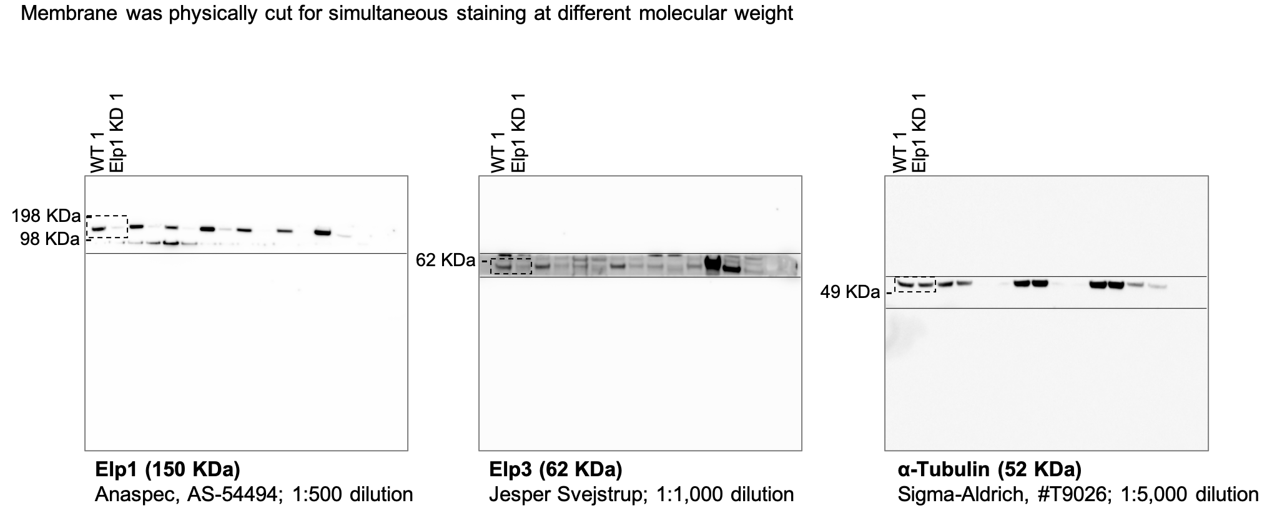
Fig S2b |  | Fig S2c |  | S2d
WT | Elp1 KD | WT | Elp1 KD
0.884 | 1.056 | 0.776 | 0.731
1.192 | 0.966 | 0.746 | 0.761
0.745 | 0.893 | 1.217 | 0.641
1.178 | 0.959 | 1.139 | 0.611
 | 1.225 | 1.046 | 0.713
 | 0.991 | 1.076 | 0.761

Fig S3
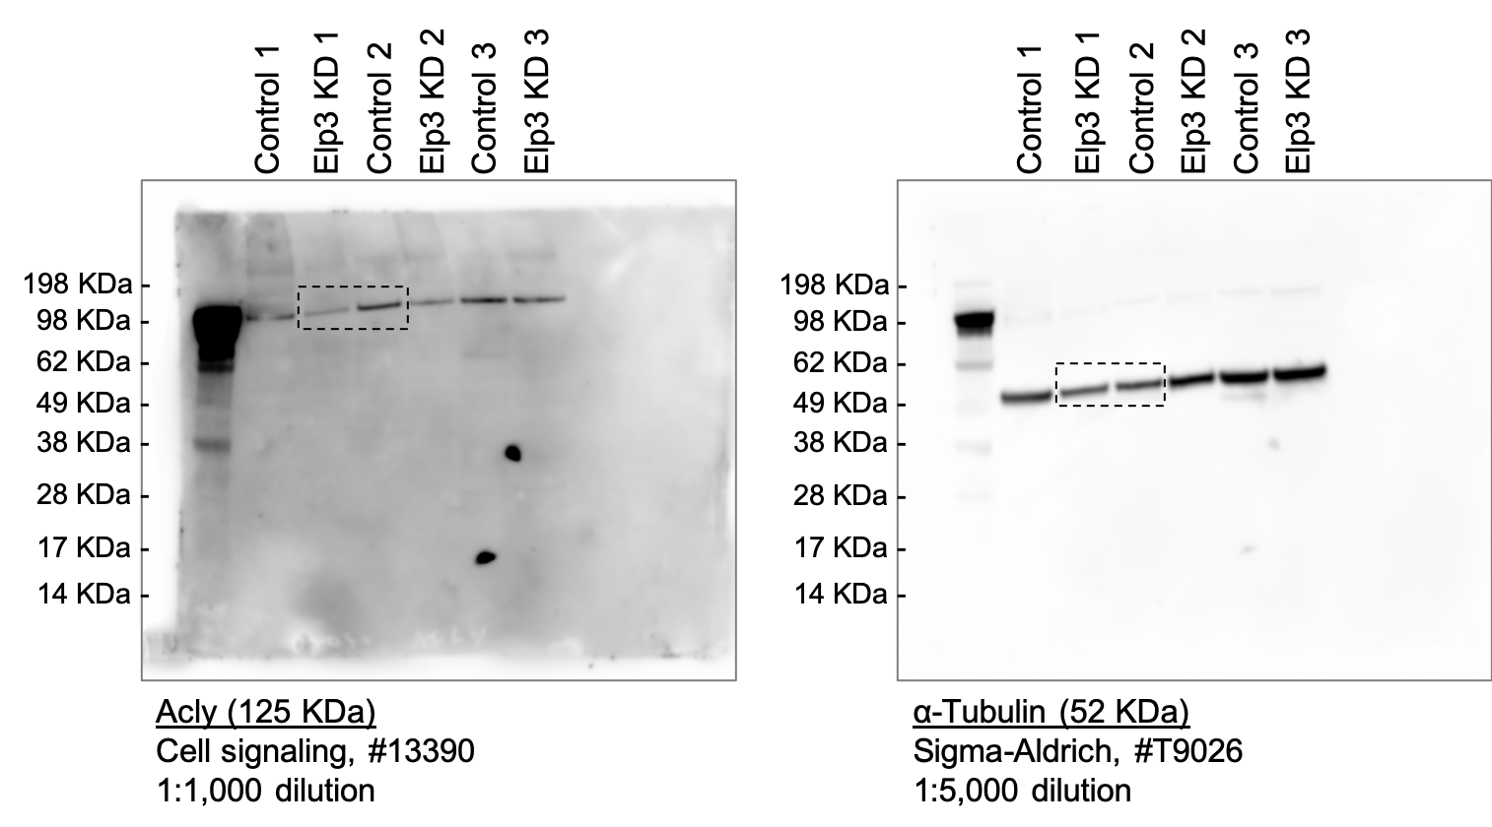
Fig S3d |  |  | Fig S3e |  |  |  |  |  | S3f |  |  | Fig S3h |  | Fig S3j |  |  | Fig S3k
WT+Control | Elp3 cKO+Control | Elp3 cKO+Acly | WT+Control (anterograde) | Elp3 cKO+Control (anterograde) | Elp3 cKO+Acly (anterograde) | WT+Control (retrograde) | Elp3 cKO+Control (retrograde) | Elp3 cKO+Acly (retrograde) | WT+Control | Elp3 cKO+Control | Elp3 cKO+Acly | Control | Elp3 KD | Control | Elp3 KD | Elp3 KD+Acly | Control | Elp3 KD | Elp3 KD+Acly
3 | 0.004 | 0.63 | 1.178 | 0.567 | 0.637 | -0.345 | -0.448 | -0.63 | 0 | 100 | 100 | 0.947 | 0.995 | 8.5 | 5.5 | 7.7 | 1 | 0.67 | 0.933
3 | 0.008 | 0.507 | 0.62 | 0.1 | 1,987* | -0.241 | -0.265 | -0.507 | 0 | 100 | 100 | 0.619 | 0.842 | 10 | 5.75 | 7 | 0.92 | 0.7 | 0.8
0.024 | 0.004 | 0.637 | 0.32 | 0.364 | 0.508 | -0.468 | -0.48 | -0.648 | 98.9 | 100 | 100 | 1.633 | 0.653 | 9 | 5 | 7.2 | 0.9 | 0.6 | 0.833
0.008 | 0.567 | 0.006 | 0.965 | 0.316 | 0.648 | -0.575 | -0.426 | -0.913 | 0 | 0 | 0 | 0.801 | 0.593 | 7.5 | 5.75 | 7.4 | 1 | 0.54 | 0.9
0.002 | 0.008 | 0.013 | 0.246 | 0.21 | 0.896 | -0.424 | -0.239 | -0.724 | 0 | 100 | 100 | 0.822 | 0.286 | 7.5 | 5.75 | 7.5 | 1 | 0.54 | 0.667
0 | 0.004 | 0.648 | 0.542 | 0.311 | 0.131 | -0.725 | -0.596 | -0.864 | 0 | 100 | 100 | 1.375 | 0.641 | 9.5 | 4.75 | 7.1 | 0.87 | 0.5 | 0.833
0.004 | 0.004 | 0.913 | 0.119 | 0.32 | 0.445 | -0.129 | -0.127 | -0.355 | 0 | 100 | 100 | 0.803 | 0.513 | 8.5 | 5 | 7.1 | 0.9 | 0.54 | 0.7
0.013 | 0.448 | 0.008 | 0.888 | 0.189 | 0.486 | -0.15 | -0.596 | -0.626 | 0 | 0 | 0 |  | 0.553 | 9.5 | 4.75 | 8.2 | 0.7 | 0.54 | 1
1.178 | 0 | 0.004 | 0.37 | 0.364 | 0.505 | -0.378 | -0.155 | -0.28 | 86.7 | 100 | 100 |  |  | 9 | 5 | 7.5 | 0.92
0.085 | 0.364 | 0.724 | 0.204 | 0.264 | 0.702 | -0.345 | -0.526 | -0.668 | 0 | 0 | 0 |  |  | 8.5 | 5 | 7.5
0.32 | 0.316 | 0 | 0.621 | 0.548 | 0.318 | -0.151 | -0.595 | -0.704 | 0 | 0 | 0 |  |  | 8.5 | 5.25 | 7.9
0.965 | 0.008 | 1.987 | 0.456 | 0.996 | 0.532 | -0.157 | -0.555 | -0.862 | 0 | 100 | 100 |  |  |  | 4.75 | 8
0.241 | 0 | 0.002 | 0.345 | 0.395 | 0.735 | -0.327 | -0.421 | -0.965 | 0 | 100 | 100 |  |  |  | 5.5
0 | 0.002 | 0.002 | 0.365 | 0.554 | 0.527 | -0.172 | -0.538 | -0.721 | 0 | 100 | 100 |  |  |  | 4
0.002 | 0.002 | 0.008 | 0.689 | 0.509 | 0.815 | -0.31 | -0.402 | -0.336 | 100 | 100 | 100 |  |  |  | 4.5
0.004 | 0.265 | 1.094 | 0.232 | 0.344 | 0.642 | -0.101 | -0.173 | -0.799 | 77.2 | 0 | 0
0.077 | 0.002 | 0 | 0.395 | 0.536 | 0.404 | -0.864 | -0.288 | -0.172 | 100 | 100 | 100
0.011 | 0.002 | 0.864 | 0.555 | 0.333 | 0.604 | -0.418 | -0.288 | -0.583 | 0 | 100 | 100
0 | 0.123 | 0.002 | 0.107 | 0.576 | 0.578 | -0.184 | -0.138 | -0.543 | 0 | 76.3 | 76.3
0.004 | 0.426 | 0.008 | 0.24 | 0.173 | 0.575 | -0.108 | -0.345 | -4* | 100 | 0 | 0
0.007 | 0.004 | 0.007 | 0.259 | 0.173 | 0.259 | -0.132 | -0.165 | -0.724 | 0 | 100 | 100
0.542 | 0.21 | 0.355 | 0.173 | 0.59 | 0.788 | -0.575 | -0.481 | -0.402 | 0 | 0 | 0
0.007 | 0.002 | 0.002 | 0.27 | 0.27 | 0.371 | -0.618 | -0.212 | -0.728 | 0 | 100 | 100
0.006 | 0.004 | 0.508 | 0.457 | 0.188 | 0.302 | -1 | -0.707 | -0.529 | 0 | 100 | 100
0.029 | 0.002 | 0.002 | 0.758 | 0.164 | 2,185* | -0.357 | -0.345 | -0.595 | 0 | 100 | 100
0.039 | 0 | 0.648 | 1.44 | 0.167 | 0.323 | -2,113* | -0.352 | -0.529 | 85.4 | 100 | 100
0.039 | 0.006 | 1.123 | 0.426 | 0.38 | 0.412 | -0.819 | -0.364 | -0.276 | 0 | 100 | 100
0.575 | 0.012 | 0.626 | 0.205 | 0.409 | 0.601 | -0.287 | -0.315 | -0.603 | 100 | 100 | 100
0.007 | 0.311 | 0.896 | 0.725 | 0.173 | 0.455 | -0.721 | -0.972 | -0.557 | 100 | 0 | 0
0.002 | 0.006 | 0.28 | 0.388 | 0.518 | 0.457 | -1.063 | -0.109 | -0.397 | 0 | 100 | 100
0.002 | 0.002 | 0.039 | 0.776 | 0.283 | 0.237 | -1.464 | -0.459 | -0.794 | 0 | 100 | 0
0.036 | 0.008 | 0.006 | 0.531 | 0.69 | 0.51 | -1.034 | -0.523 | -0.144 | 0 | 100 | 0
0.002 | 0.006 | 0.668 | 0.712 | 0.122 | 0.403 | -0.172 | -0.166 | -0.58 | 0 | 100 | 0
0.032 | 0.004 | 0.011 | 0.293 | 0.345 | 0.197 | -0.207 | -0.1 | -0.199 | 0 | 100 | 0
0.424 | 0.004 | 0.445 | 1.207 | 0.454 | 0.598 | -0.769 | -0.69 | -0.23 | 0 | 100 | 100
0.888 | 0.32 | 0.002 | 0.41 | 0.179 | 0.718 | -0.838 | -0.483 | -0.486 | 0 | 0 | 0
0.37 | 0.239 | 0.007 | 0.446 | 0.259 | 0.662 | -0.468 | -0.113 | -0.42 | 30.2 | 0 | 0
0.152 | 0.007 | 0.704 | 0.148 | 0.109 | 0.892 | -3,015* | -0.586 | -0.319 | 0 | 100 | 100
0.621 | 0.596 | 0.004 | 0.535 | 0.396 | 0.196 | -1.231 | -0.418 | -0.864 | 62.2 | 0 | 0
0.177 | 0.044 | 0.004 | 0.641 | 0.424 | 0.9 | -0.426 | -0.252 | -0.921 | 0 | 79.6 | 79.6
0.006 | 0.596 | 0 | 0.665 | 0.235 | 0.123 | -0.172 | -0.148 | -0.662 | 0 | 0 | 0
0.009 | 0.008 | 0.018 | 0.53 | 0.104 | 0.381 | -0.241 | -0.492 | -0.53 | 100 | 100 | 0
0.004 | 0.002 | 0.006 | 0.204 | 0.618 | 0.351 | -0.642 | -0.197 | -0.144 | 0 | 100 | 0
0.725 | 0.589 | 0.029 | 0.125 | 0.205 | 0.845 | -0.407 | -0.349 | -0.403 | 0 | 0 | 0
0.006 | 1.055 | 0.002 | 0.775 | 0.189 | 0.305 | -1.207 | -0.112 | -0.715 | 0 | 0 | 0
0 | 0 | 0.486 | 1.149 | 0.472 | 0.329 | -0.75 | -0.136 | -0.812 | 0 | 100 | 0
0 | 0.002 | 0.505 | 0.735 | 0.319 | 0.31 | -0.32 | -0.489 | -0.918 | 100 | 100 | 0
0.011 | 0.123 | 1.608 | 0.673 | 0.567 | 0.441 | -0.543 | -0.283 | -0.518 | 91.4 | 67.9 | 67.9
0.056 | 0.264 | 0.862 | 0.984 | 0.181 | 0.979 | -0.42 | -0.225 | -0.604 | 0 | 0 | 0
0.008 | 0.002 | 0.004 | 0.517 | 0.123 | 0.979 | -0.411 | -0.318 | -0.572 | 0 | 100 | 0
0.015 | 0 | 0.006 | 0.414 | 0.292 | 0.408 | -0.517 | -0.474 | -0.359 | 0 | 100 | 0
0.002 | 0.526 | 0.965 | 1 | 0.412 | 0.333 | -1.274 | -0.451 | -0.467 | 0 | 0 | 0
0.002 | 0.595 | 0.721 | 0.958 | 0.128 | 1.08 | -0.669 | -0.205 | -0.358 | 0 | 0 | 0
0.01 | 0.555 | 0.336 | 0.896 | 0.271 |  | -0.386 | -0.17 | -0.408 | 0 | 0 | 0
0.06 | 0.421 | 0.702 | 0.799 | 0.388 |  | -0.189 |  | -0.641 | 70.6 | 0 | 0
0.107 | 0.548 | 0.008 | 0.448 | 0.398 |  | -0.436 |  | -0.111 | 100 | 0 | 0
0.004 | 0.007 | 0.799 | 0.267 | 0.1 |  | -0.676 |  | -0.214 | 100 | 100 | 100
0.017 | 0.007 | 0.01 | 0.337 | 0.1 |  | -1.12 |  | -0.251 | 81.5 | 100 | 100
0.032 | 0.011 | 0.008 | 0.156 | 0.647 |  | -0.638 |  | -0.487 | 0 | 100 | 100
0.002 | 0.996 | 0.172 | 0.738 | 0.575 |  | -0.355 |  | -0.583 | 0 | 0 | 0
0.01 | 0.538 | 0.004 | 0.226 | 0.471 |  | -0.31 |  | -0.864 | 0 | 0 | 0
0.002 | 0.395 | 0.583 | 0.129 | 0.276 |  | -0.37 |  | -0.44 | 0 | 0 | 0
0.365 | 0.002 | 0 | 0.616 | 0.172 |  | -0.164 |  | -0.517 | 17.5 | 100 | 0
0.311 | 0.011 | 0.002 | 0.512 | 0.133 |  | -0.332 |  | -0.1 | 85.9 | 100 | 0
0.075 | 0 | 0.543 | 0.549 | 0.345 |  | -0.762 |  |  | 99 | 100 | 100
...

Fig S4
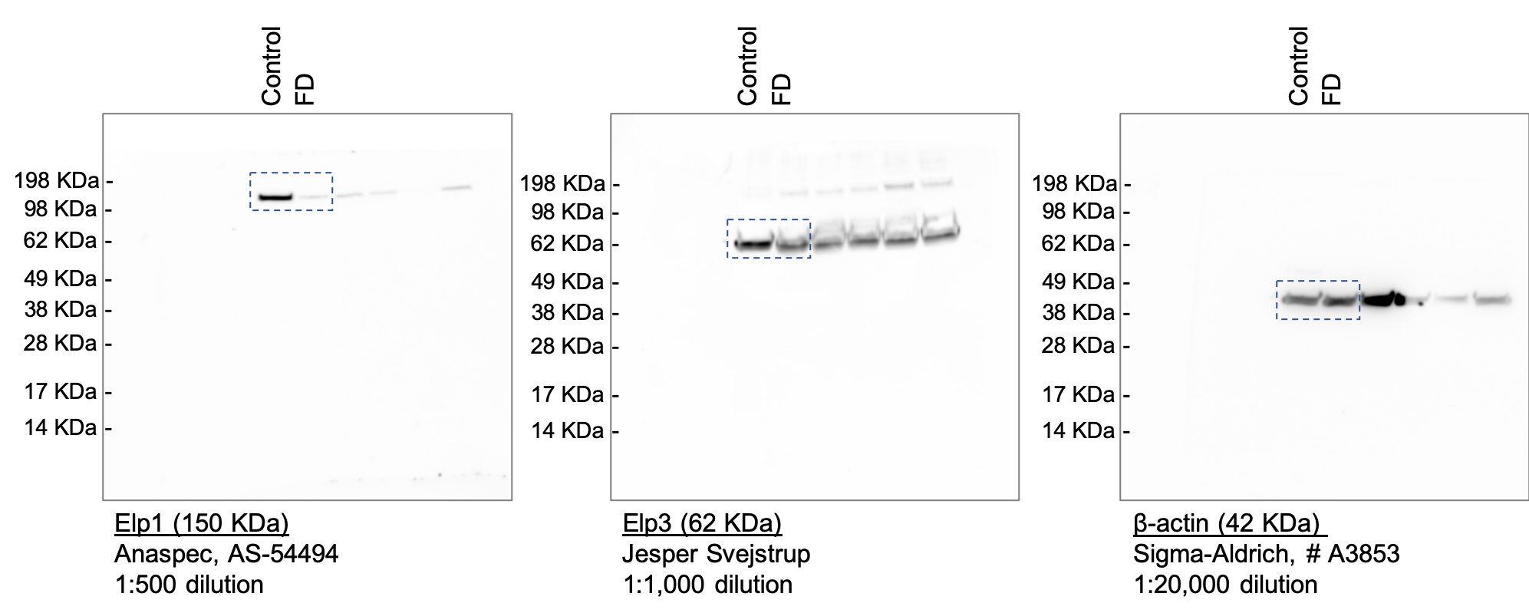
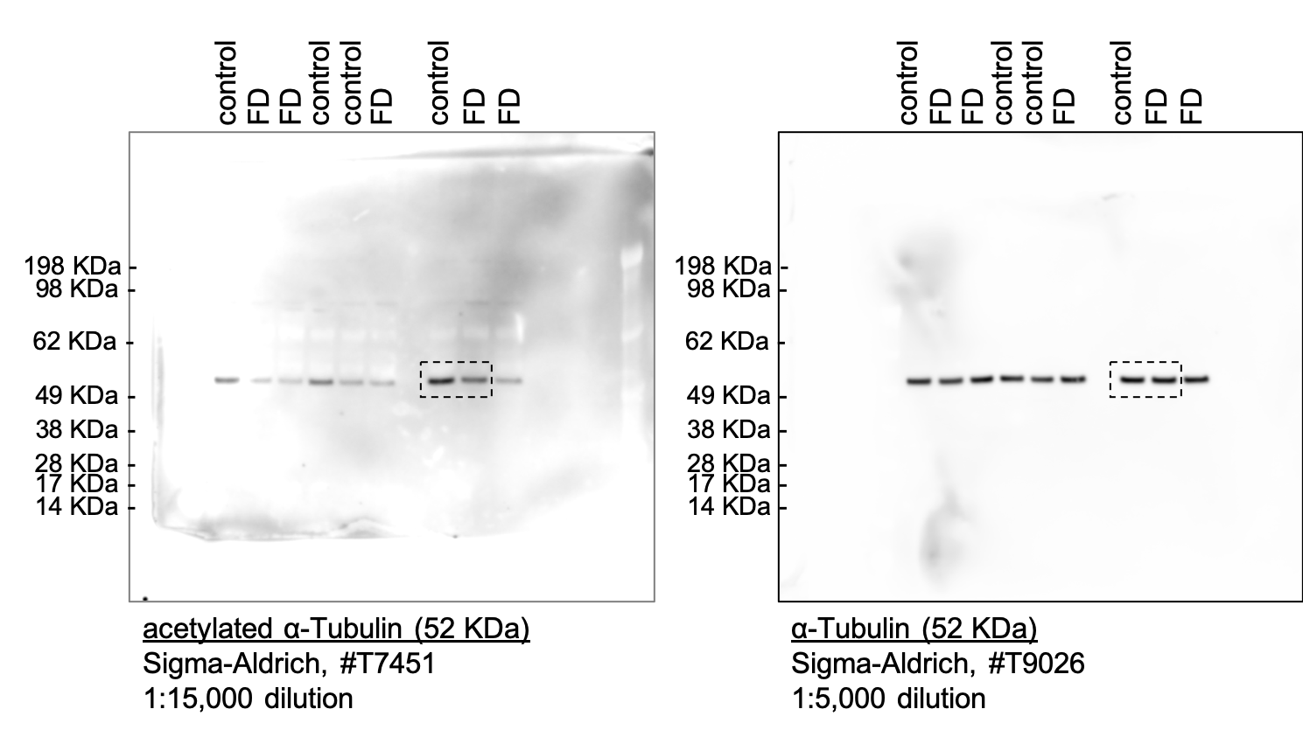
S4a | Fig S4b |  | S4c |  |  | Fig S4d
 | Control | FD | Control | FD | FD+TBA | Control | FD
 | 0.855 | 0.238 | 1.31 | 0.926 | 2.277 | 0.041 | 0.108
 | 1.366 | 0.178 | 1.028 | 0.981 | 1.764 | 0.053 | 0.162
 | 0.908 | 0.419 | 1.175 | 0.474 | 0.693 | 0.058 | 0.14
 | 0.87 | 0.419 | 0.835 | 1.23 | 1.159 | 0.043 | 0.056
 |  |  | 1.043 | 1.036 | 1.333 | 0.026 | 0.131
 |  |  | 0.999 | 0.737 | 1.521 | 0.211 | 0.134
 |  |  | 1.167 | 1.06 | 0.896 | 0.173 | 0.208
 |  |  | 1.1 | 1.467 | 1.501 | 0.066 | 0.056
 |  |  | 0.725 | 0.817 | 1.461 | 0.122 | 0.135
 |  |  | 1.152 | 0.556 | 1.54 | 0.009 | 0.043
 |  |  | 1.034 | 0.68 | 1.993 | 0.029 | 0.054
 |  |  | 0.98 | 0.684 | 2.017 | 0.078 | 0.095
 |  |  | 0.71 | 0.699 | 1.345 | 0.031 | 0.048
 |  |  | 0.7 | 0.898 |  | 0.053 | 0.074
 |  |  | 0.861 | 0.794 |  | 0.074 | 0.074
 |  |  | 1.005 | 1.116 |  | 0.022 | 0.037
 |  |  | 0.858 | 0.558 |  | 0.022 | 0.016
 |  |  | 1.317 | 0.709 |  | 0.019 | 0.062
 |  |  |  | 0.279 |  | 0.039 | 0.007
 |  |  |  | 0.225 |  | 0.011 | 0
 |  |  |  | 0.336 |  | 0.226 | 0.096
 |  |  |  | 0.136 |  | 0.017 | 0.126
 |  |  |  | 0.131 |  | 0.012 | 0.05
 |  |  |  | 0.336 |  | 0.022 | 0.051
 |  |  |  | 0.106 |  | 1.232 | 0.01
 |  |  |  | 0.099 |  | 0.016 | 0.005
 |  |  |  | 0.154 |  | 0.087 | 0.011
 |  |  |  | 0.237 |  | 1.222 | 0.183
 |  |  |  | 0.348 |  | 1.432 | 0.021
 |  |  |  | 0.065 |  | 0.107 | 0.129
 |  |  |  |  |  | 0.283 | 0.005
 |  |  |  |  |  | 0.457 | 0.009
 |  |  |  |  |  | 0.207 | 0.002
 |  |  |  |  |  | 0.059 | 0.015
 |  |  |  |  |  | 0.222 | 0.158
 |  |  |  |  |  | 0.034 | 0.125
 |  |  |  |  |  | 0.021 | 0.099
 |  |  |  |  |  | 1.454 | 0.013
...

Fig S5
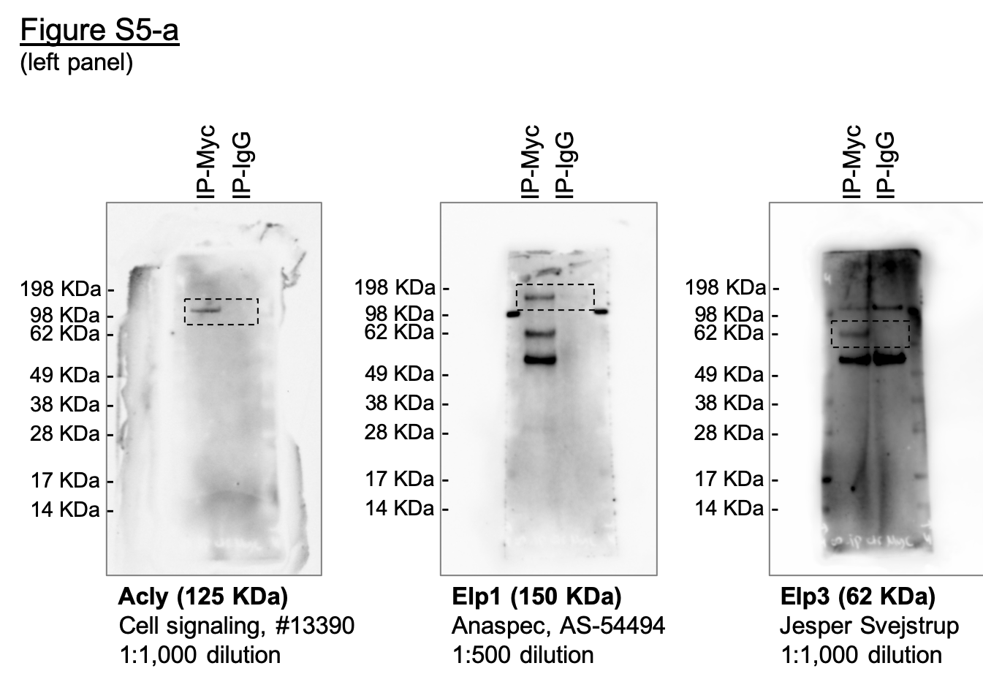
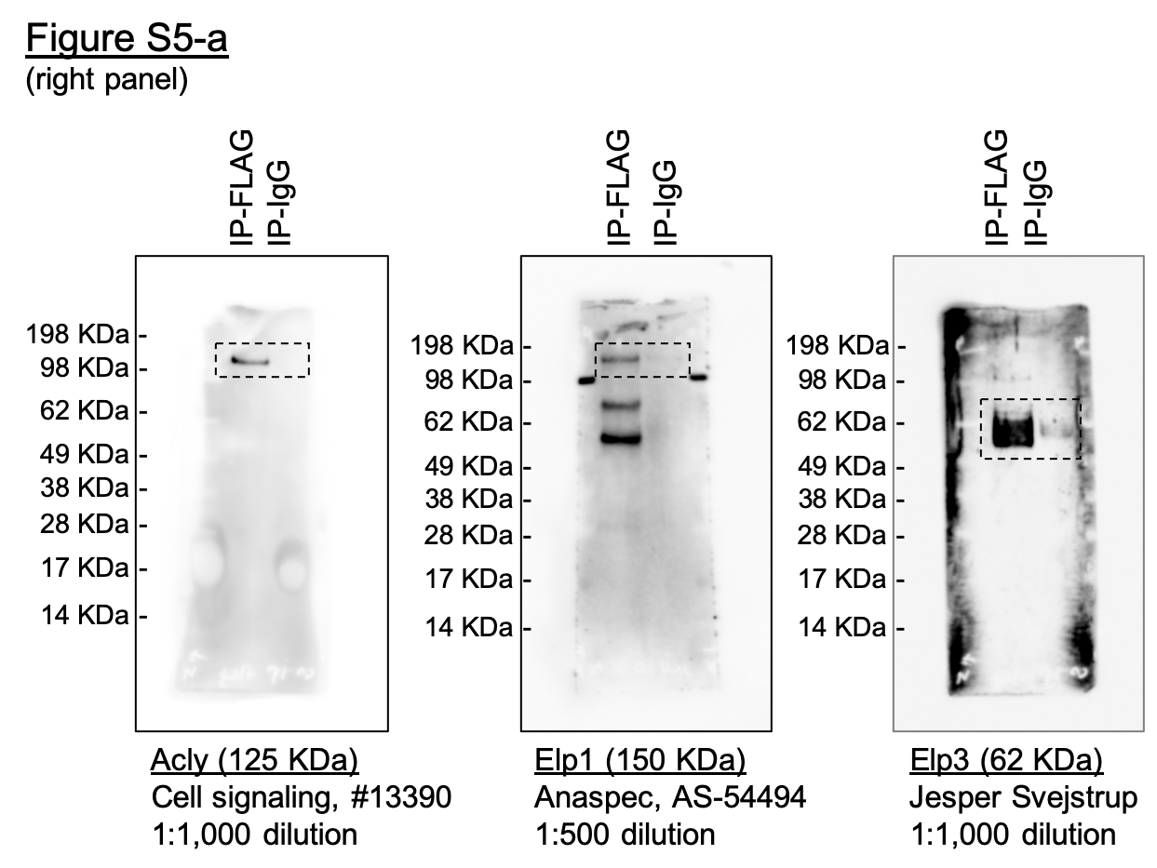
Fig S5a

