Fig 3f,h Western
Full western blot
 |  | Fig 3f | Fig 3h
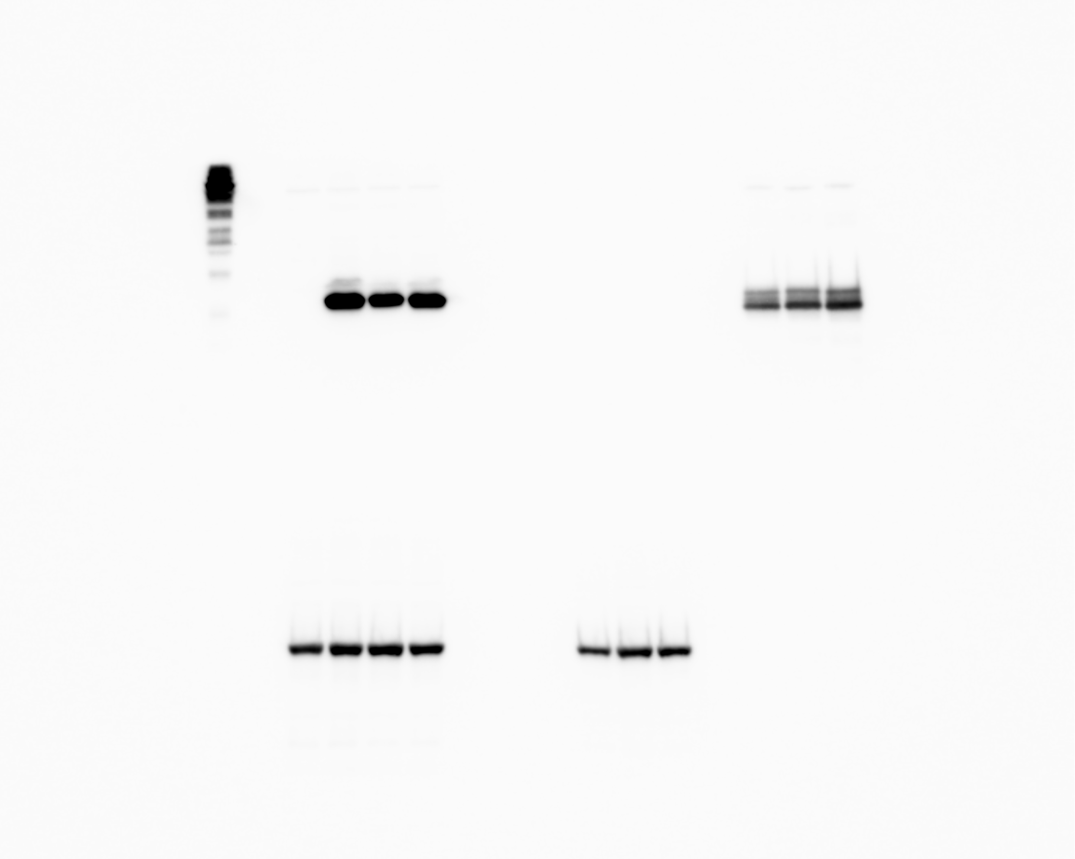

 | *Protein MW ladder reacts with anti-His antibody
*

 | anti-His |  |  | anti-TY

 | anti-Pgk1 |  |  | anti-Pgk1
 | of p18m samples |  |  | of Gag samples

Fig4b,e Western
Full western blot
 |  | Fig 4b |  | Fig 4e
 |  |  | dotted boxes indicate lanes shown in Figure

 |  |  |  |  | *ladder reacts with anti-His antibody
*

 | anti-TY
 |  |  |  |  | anti-His

 | anti-Pgk1
 | of Gag samples

 |  |  |  |  | anti-Pgk1
 |  |  |  |  | of p18m samples

