Fig.1e
Figure 1e. Uncropped Western blot

CHO-αCD47-G1
CHO-αCD47-G4
OV-αCD47-G1
OV-αCD47-G4

50kD
37kD
CHO-EV
OV-Q1

Heavy chain

CHO-αCD47-G1
CHO-αCD47-G4
OV-αCD47-G1
OV-αCD47-G4

CHO-EV
OV-Q1

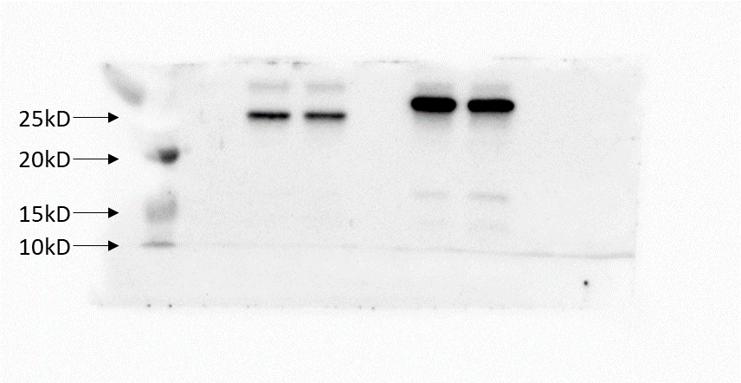

Light chain

