Fig 2F-G
Source data for all graphs and charts in Massart et al., Endurance Exercise Training-Responsive miR-19b-3p Improves Skeletal Muscle Glucose Metabolism

 | Figure 2F-G | Determination of Myosin heavy chain 1/2 expression by Western blot following overexpression of miR-19b-3p (19b) or miR-107 (107) precursors or a negative control (NC) in human myotubes for four days

 | 19b: MYH/β-actin
 |  | Donor 1 | Donor 2 | Donor 3 | Donor 4 | Donor 5 | Donor 6 | indicate quatified band
 | NC | 0.71 | 0.28 | 2.06 | 0.88 | 0.46 | 1.62 | indicate representative picture
 | 19b | 0.85 | 0.22 | 0.76 | 0.41 | 0.39 | 1.60

 | 107: MYH/β-actin
 |  | Donor 1 | Donor 2 | Donor 3 | Donor 4 | Donor 5 | Donor 6
 | NC | 1.20 | 0.27 | 1.11 | 0.81 | 0.86 | 1.76
 | 107 | 0.37 | 0.13 | 0.42 | 0.56 | 0.30 | 0.89

Subj1
Subj2
Subj3
Subj4
Subj5
Subj6
NC
NC
NC
NC
NC
NC
19b
19b
19b
19b
19b
19b
Subj1
Subj2
Subj3
Subj4
Subj5
Subj6
NC
NC
NC
NC
NC
NC
107
107
107
107
107
107
Subj1
Subj2
Subj3
Subj4
Subj5
Subj6
NC
NC
NC
NC
NC
19b
19b
19b
19b
19b
19b
NC
Subj1
Subj2
Subj3
Subj4
Subj5
Subj6
NC
NC
NC
NC
107
107
107
107
107
107
NC
NC

Fig 2L & table s2
Source data for all graphs and charts in Massart et al., Endurance Exercise Training-Responsive miR-19b-3p Improves Skeletal Muscle Glucose Metabolism

Figure 2L and table s2 |  | Determination of protein phosphorylation and abundance by Western blot four days after overexpression of a miR-19b-3p (19b) precursor or a negative control (NC) in human myotubes. Quantification using densitometer, each individual immunoblot's quantified bands were normalized to sum of all bands.

 |  |  | indicate quatified band
 |  |  | indicate representative picture

 | pTBC1D1 Ser237 (Ab: Millipore Cat# 07-2268)
 |  |  | Donor 1 | Donor 2 | Donor 3 | Donor 4 | Donor 5 | Donor 6
 | NC | Basal | 0.80 | 11.65 | 5.78 | 6.90 | 8.35 | 1.73
 |  | 10 nM insulin | 1.72 | 13.61 | 11.45 | 2.73 | 6.37 | 8.35
 |  | 120 nM insulin | 3.28 | 8.63 | 10.58 | 3.85 | 7.41 | 4.69
 | 19b | Basal | 1.82 | 20.32 | 10.75 | 7.48 | 11.61 | 3.38
 |  | 10 nM insulin | 3.68 | 14.45 | 12.21 | 11.54 | 7.54 | 12.56
 |  | 120 nM insulin | 2.46 | 17.57 | 9.22 | 7.51 | 5.68 | 22.32

 | Total TBC1D1 (Ab: Abcam Cat# ab 229504)
 |  |  | Donor 1 | Donor 2 | Donor 3 | Donor 4 | Donor 5 | Donor 6
 | NC | Basal | 3.85 | 9.03 | 10.82 | 2.25 | 9.69 | 3.99
 |  | 10 nM insulin | 2.96 | 10.52 | 11.94 | 2.27 | 11.12 | 4.97
 |  | 120 nM insulin | 3.63 | 13.25 | 7.94 | 3.96 | 11.76 | 4.70
 | 19b | Basal | 4.66 | 13.20 | 15.36 | 5.71 | 13.57 | 4.51
 |  | 10 nM insulin | 4.56 | 14.23 | 14.37 | 8.59 | 12.60 | 5.19
 |  | 120 nM insulin | 2.96 | 17.15 | 10.92 | 5.88 | 10.66 | 7.26

 | pAS160 Thr642 (Ab: Cell Signaling Cat# 8881)
 |  |  | Donor 1 | Donor 2 | Donor 3 | Donor 4 | Donor 5 | Donor 6
 | NC | Basal | 0.80 | 2.96 | 2.67 | 1.26 | 1.00 | 2.20
 |  | 10 nM insulin | 4.15 | 10.89 | 9.73 | 1.08 | 5.38 | 7.29
 |  | 120 nM insulin | 8.96 | 16.09 | 15.53 | 11.03 | 10.30 | 12.24
 | 19b | Basal | 3.65 | 5.47 | 5.34 | 3.01 | 1.47 | 8.24
 |  | 10 nM insulin | 8.43 | 12.84 | 12.99 | 10.17 | 7.72 | 14.42
 |  | 120 nM insulin | 9.97 | 15.76 | 14.97 | 12.23 | 12.06 | 17.66

 | Total AS160 (Ab: Millipore Cat# 07-741)
 |  |  | Donor 1 | Donor 2 | Donor 3 | Donor 4 | Donor 5 | Donor 6
 | NC | Basal | 9.72 | 2.89 | 10.97 | 2.42 | 6.97 | 6.63
 |  | 10 nM insulin | 6.84 | 8.33 | 11.71 | 6.34 | 6.61 | 8.95
 |  | 120 nM insulin | 7.42 | 13.78 | 4.63 | 7.80 | 7.33 | 10.15
 | 19b | Basal | 6.26 | 6.38 | 10.27 | 3.57 | 5.72 | 10.69
 |  | 10 nM insulin | 8.89 | 10.42 | 12.37 | 8.76 | 4.84 | 12.24
 |  | 120 nM insulin | 6.63 | 12.44 | 10.16 | 10.99 | 5.16 | 14.71

 | pGlycogen synthase (pGS) Ser641 (Ab: Cell Signaling Cat# 3891)
 |  |  | Donor 1 | Donor 2 | Donor 3 | Donor 4 | Donor 5 | Donor 6
 | NC | Basal | 6.57 | 10.07 | 12.99 | 3.24 | 10.54 | 5.64
 |  | 10 nM insulin | 5.53 | 11.15 | 12.38 | 3.38 | 10.52 | 5.34
 |  | 120 nM insulin | 5.82 | 11.61 | 12.87 | 3.04 | 12.24 | 5.70
 | 19b | Basal | 5.22 | 10.68 | 14.36 | 4.97 | 9.49 | 5.31
 |  | 10 nM insulin | 6.40 | 10.96 | 13.19 | 5.10 | 11.11 | 5.79
 |  | 120 nM insulin | 4.93 | 11.06 | 11.04 | 3.44 | 10.10 | 8.22

 | Total Glycogen synthase (GS) (Ab: Cell Signaling Cat# 3893)
 |  |  | Donor 1 | Donor 2 | Donor 3 | Donor 4 | Donor 5 | Donor 6
 | NC | Basal | 4.19 | 7.53 | 8.70 | 5.20 | 5.69 | 8.32
 |  | 10 nM insulin | 4.94 | 10.44 | 8.60 | 6.74 | 5.59 | 8.82
 |  | 120 nM insulin | 6.91 | 16.74 | 9.69 | 10.80 | 10.80 | 10.96
 | 19b | Basal | 4.11 | 7.05 | 8.44 | 3.95 | 4.68 | 9.52
 |  | 10 nM insulin | 5.92 | 11.65 | 9.68 | 7.16 | 6.09 | 9.65
 |  | 120 nM insulin | 6.45 | 14.06 | 11.80 | 9.24 | 8.15 | 11.73

 | pAkt Ser473 (Ab: Cell Signaling Cat# 9271)
 |  |  | Donor 1 | Donor 2 | Donor 3 | Donor 4 | Donor 5 | Donor 6
 | NC | Basal | 0.00 | -0.01 | 0.06 | -0.01 | 0.27 | 0.33
 |  | 10 nM insulin | 0.54 | 3.70 | 2.93 | 0.13 | 2.64 | 4.27
 |  | 120 nM insulin | 12.37 | 26.27 | 19.38 | 12.57 | 23.07 | 19.40
 | 19b | Basal | 0.06 | 0.08 | 0.17 | 0.04 | -0.30 | 1.08
 |  | 10 nM insulin | 4.73 | 9.44 | 13.25 | 3.31 | 2.96 | 8.64
 |  | 120 nM insulin | 14.85 | 27.98 | 27.34 | 20.83 | 19.08 | 18.56

 | pAkt Thr308 (Ab: Cell Signaling Cat# 4056)
 |  |  | Donor 1 | Donor 2 | Donor 3 | Donor 4 | Donor 5 | Donor 6
 | NC | Basal | -0.01 | 0.03 | 0.03 | 0.00 | 0.50 | 0.63
 |  | 10 nM insulin | 0.46 | 3.64 | 5.50 | 0.21 | 2.38 | 3.70
 |  | 120 nM insulin | 16.82 | 21.51 | 18.45 | 13.46 | 20.77 | 21.90
 | 19b | Basal | 0.14 | 0.09 | 0.58 | 0.04 | 0.45 | 1.86
 |  | 10 nM insulin | 6.19 | 7.05 | 12.97 | 7.71 | 2.96 | 10.58
 |  | 120 nM insulin | 21.36 | 22.73 | 22.62 | 18.43 | 16.11 | 18.16

 | Total Akt (Ab: Cell Signaling Cat# 9272)
 |  |  | Donor 1 | Donor 2 | Donor 3 | Donor 4 | Donor 5 | Donor 6
 | NC | Basal | 9.02 | 6.44 | 10.28 | 6.60 | 8.22 | 9.00
 |  | 10 nM insulin | 8.40 | 7.49 | 9.43 | 7.11 | 8.13 | 8.69
 |  | 120 nM insulin | 7.43 | 8.90 | 7.00 | 8.08 | 7.91 | 8.46
 | 19b | Basal | 8.45 | 8.40 | 9.69 | 7.51 | 7.60 | 8.57
 |  | 10 nM insulin | 8.89 | 8.50 | 9.36 | 8.39 | 8.17 | 8.31
 |  | 120 nM insulin | 8.61 | 9.45 | 8.37 | 8.16 | 7.94 | 9.00

Basal
Basal
10nM
120nM
10nM
120nM
Subj1
Subj2
NC
NC
NC
NC

 | pGSK3 alpha Ser21 (Ab: Cell Signaling Cat# 9331)
 |  |  | Donor 1 | Donor 2 | Donor 3 | Donor 4 | Donor 5 | Donor 6
 | NC | Basal | 3.80 | 5.78 | 4.80 | 3.61 | 2.82 | 4.13
 |  | 10 nM insulin | 4.32 | 9.18 | 8.09 | 3.77 | 5.20 | 6.41
 |  | 120 nM insulin | 5.67 | 14.15 | 12.00 | 7.28 | 13.63 | 10.17
 | 19b | Basal | 5.46 | 6.95 | 9.29 | 4.44 | 4.80 | 7.48
 |  | 10 nM insulin | 7.82 | 11.47 | 13.87 | 10.07 | 9.43 | 10.46
 |  | 120 nM insulin | 7.60 | 17.80 | 12.64 | 10.15 | 12.43 | 13.04

 | pGSK3 beta Ser9 (Ab: Cell Signaling Cat# 9331)
 |  |  | Donor 1 | Donor 2 | Donor 3 | Donor 4 | Donor 5 | Donor 6
 | NC | Basal | 3.64 | 6.53 | 5.48 | 2.72 | 5.40 | 6.13
 |  | 10 nM insulin | 4.96 | 11.14 | 9.34 | 3.78 | 9.08 | 10.06
 |  | 120 nM insulin | 7.40 | 16.31 | 14.51 | 8.63 | 15.32 | 11.23
 | 19b | Basal | 4.00 | 4.65 | 7.19 | 2.70 | 2.74 | 5.25
 |  | 10 nM insulin | 6.11 | 11.16 | 13.03 | 8.22 | 6.40 | 8.66
 |  | 120 nM insulin | 7.11 | 16.98 | 15.18 | 9.22 | 9.58 | 10.14

Basal
Basal
10nM
120nM
10nM
120nM
Subj1
Subj2
NC
NC
NC
NC
NC
19b
19b
19b
19b
19b
19b
NC
Basal
Basal
10nM
120nM
10nM
120nM
Subj3
Subj4
NC
NC
19b
NC
NC
19b
19b
NC
19b
19b
19b
NC
Band above gsk3 alpha is appearing due to an earlier exposure with Ab towards pAkt
α
β
α
β
Basal
Basal
10nM
120nM
10nM
120nM
Subj5
Subj6
NC
NC
NC
NC
NC
19b
19b
19b
19b
19b
19b
NC
α
β
Band above gsk3 alpha is appearing due to an earlier exposure with Ab towards pAkt

 | Total GSK3 alpha (Ab: Cell Signaling Cat# 5676)
 |  |  | Donor 1 | Donor 2 | Donor 3 | Donor 4 | Donor 5 | Donor 6
 | NC | Basal | 5.83 | 8.13 | 9.17 | 4.25 | 6.11 | 7.86
 |  | 10 nM insulin | 5.19 | 8.28 | 9.96 | 6.95 | 6.79 | 8.02
 |  | 120 nM insulin | 4.59 | 10.61 | 7.52 | 6.57 | 7.02 | 5.04
 | 19b | Basal | 7.07 | 12.47 | 13.46 | 5.50 | 9.03 | 10.72
 |  | 10 nM insulin | 8.87 | 11.88 | 12.23 | 9.85 | 8.75 | 10.66
 |  | 120 nM insulin | 4.69 | 12.39 | 8.34 | 6.20 | 8.96 | 11.03

 | Total GSK3 beta (Ab: Cell Signaling Cat# 5676)
 |  |  | Donor 1 | Donor 2 | Donor 3 | Donor 4 | Donor 5 | Donor 6
 | NC | Basal | 6.33 | 11.33 | 10.05 | 4.89 | 7.93 | 9.97
 |  | 10 nM insulin | 6.23 | 9.32 | 9.74 | 7.79 | 8.03 | 11.15
 |  | 120 nM insulin | 5.76 | 10.69 | 7.84 | 7.68 | 8.72 | 7.54
 | 19b | Basal | 6.25 | 11.01 | 11.59 | 5.55 | 5.93 | 9.16
 |  | 10 nM insulin | 7.48 | 10.40 | 10.07 | 7.63 | 6.00 | 9.62
 |  | 120 nM insulin | 5.02 | 10.19 | 10.12 | 7.07 | 6.08 | 9.87

Basal
Basal
10nM
120nM
10nM
120nM
Subj3
Subj4
NC
NC
19b
NC
NC
19b
19b
NC
19b
19b
19b
NC
Basal
Basal
10nM
120nM
10nM
120nM
Subj5
Subj6
NC
NC
NC
NC
NC
19b
19b
19b
19b
19b
19b
NC

Basal
Basal
10nM
120nM
10nM
120nM
Subj1
Subj2
NC
NC
NC
NC
NC
19b
19b
19b
19b
19b
19b
NC

 | Total β-actin (Ab: Sigma Cat# A5441)
 |  |  | Donor 1 | Donor 2 | Donor 3 | Donor 4 | Donor 5 | Donor 6
 | NC | Basal | 8.67 | 8.99 | 8.96 | 9.19 | 7.25 | 10.30
 |  | 10 nM insulin | 10.47 | 6.91 | 7.87 | 8.56 | 6.15 | 12.23
 |  | 120 nM insulin | 9.60 | 7.02 | 7.33 | 9.14 | 5.81 | 3.21
 | 19b | Basal | 9.56 | 6.29 | 9.61 | 9.06 | 7.07 | 11.29
 |  | 10 nM insulin | 8.60 | 6.46 | 7.41 | 7.61 | 7.52 | 11.24
 |  | 120 nM insulin | 10.59 | 6.85 | 7.38 | 7.87 | 6.77 | 11.16

Basal
Basal
10nM
120nM
10nM
120nM
Subj1
Subj2
NC
NC
NC
NC
NC
19b
19b
19b
19b
19b
19b
NC
Basal
Basal
10nM
120nM
10nM
120nM
Subj3
Subj4
NC
NC
19b
NC
NC
19b
19b
NC
19b
19b
19b
NC
Basal
Basal
10nM
120nM
10nM
120nM
Subj5
Subj6
NC
NC
NC
NC
NC
19b
19b
19b
19b
19b
19b
NC

Fig 3D-G
Source data for all graphs and charts in Massart et al., Endurance Exercise Training-Responsive miR-19b-3p Improves Skeletal Muscle Glucose Metabolism

 | Figure 3D-G | Immunoblots of mouse FDB skeletal muscle electroporated with either control (Ctrl) or pri-miR-19b-3p-encoding (19b) plasmid for one week either at rest or following electrical pulse-stimulated contraction. Quantification using densitometer, each individual immunoblot's quantified bands were normalized to sum of all bands.
 |  |  |  |  |  |  |  |  |  |  |  |  |  |  |  |  |  | pAMPK
 |  | indicate quatified band |  |  |  |  |  |  |  |  |  |  |  |  |  |  |  | NC | 2.353 | 3.902 | 3.062 | 1.578 | 2.523 | 6.073 | 1.980 | 11.359 | 10.074 | 10.374 | 15.638 | 7.397 | 4.086 | 3.395 | 7.948 | 5.052
 |  | indicate representative picture |  |  |  |  |  |  |  |  |  |  |  |  |  |  |  | 19b | 2.343 | 5.415 | 2.086 | 3.441 | 1.387 | 10.307 | 3.819 | 3.098 | 5.445 | 7.972 | 8.061 | 10.858 | 17.517 | 1.271 | 13.336 | 6.851

 | Loading schedule: |  |  |  |  |  |  |  |  |  |  |  |  |  |  |  |  | pACC | Rest |  |  |  |  |  |  |  | Contraction
 | Set 1 | 1 | 2 | 3 | 4 | 5 | 6 | 7 | 8 | 9 | 10 | 11 | 12 | 13 | 14 | 15 | 16 | NC | -0.095 | 1.786 | 7.356 | 6.481 | 3.852 | 4.912 | 1.771 | 9.270 | 4.631 | 8.106 | 10.791 | 10.539 | 6.375 | 5.796 | 8.587 | 7.052
 |  | Ctrl | 19b | Ctrl | 19b | Ctrl | 19b | Ctrl | 19b | Ctrl | 19b | Ctrl | 19b | Ctrl | 19b | Ctrl | 19b | 19b | 0.170 | 6.201 | 1.578 | 7.744 | 3.927 | 5.809 | 1.708 | 3.818 | 7.997 | 10.123 | 7.450 | 9.142 | 11.870 | 8.115 | 7.776 | 9.363
 |  | Rest |  | Contraction |  | Rest |  | Contraction |  | Rest |  | Contraction |  | Rest |  | Contraction |  | pTCB1D1 (700)
 | Set 2 | 17 | 18 | 19 | 20 | 21 | 22 | 23 | 24 | 25 | 26 | 27 | 28 | 29 | 30 | 31 | 32 | NC | 2.765 | 3.167 | 4.637 | 4.861 | 3.419 | 4.788 | 3.548 | 4.903 | 8.860 | 5.489 | 8.250 | 8.343 | 4.765 | 8.235 | 9.308 | 5.260
 |  | Ctrl | 19b | Ctrl | 19b | Ctrl | 19b | Ctrl | 19b | Ctrl | 19b | Ctrl | 19b | Ctrl | 19b | Ctrl | 19b | 19b | 1.853 | 8.697 | 2.578 | 6.744 | 5.344 | 4.238 | 3.585 | 6.662 | 8.655 | 8.815 | 8.004 | 8.281 | 9.939 | 9.475 | 6.467 | 10.063
 |  | Rest |  | Contraction |  | Rest |  | Contraction |  | Rest |  | Contraction |  | Rest |  | Contraction |  | pTCB1D1 (231)
 |  |  |  |  |  |  |  |  |  |  |  |  |  |  |  |  |  | NC | 3.791 | 3.112 | 5.838 | 4.585 | 4.500 | 3.689 | 3.517 | 5.987 | 7.549 | 5.384 | 7.445 | 6.792 | 5.606 | 6.905 | 8.778 | 6.483
 | Pairing such as sample 1 & 2 from same animal, 3 & 4 from same animal, etc. |  |  |  |  |  |  |  |  |  |  |  |  |  |  |  |  | 19b | 4.187 | 7.701 | 4.509 | 5.312 | 5.915 | 3.871 | 3.993 | 6.827 | 9.671 | 8.283 | 8.318 | 7.522 | 8.690 | 9.091 | 6.347 | 9.802

pACC(Ser79) (Cell Signaling Cat # 3661)
[performed after pTBC1D1(Ser237) without stripping]
Total ACC (Cell Signaling Cat # 3676)

Set 1
Set 1

Set 2

Set 2

 | Quantification
sample | 1 | 2 | 3 | 4 | 5 | 6 | 7 | 8 | 9 | 10 | 11 | 12 | 13 | 14 | 15 | 16
 | -0.095 | 0.170 | 4.631 | 7.997 | 1.786 | 6.201 | 8.106 | 10.123 | 7.356 | 1.578 | 10.791 | 7.450 | 6.481 | 7.744 | 10.539 | 9.142

sample | 17 | 18 | 19 | 20 | 21 | 22 | 23 | 24 | 25 | 26 | 27 | 28 | 29 | 30 | 31 | 32
 | 3.852 | 3.927 | 6.375 | 11.870 | 4.912 | 5.809 | 5.796 | 8.115 | 1.771 | 1.708 | 8.587 | 7.776 | 9.270 | 3.818 | 7.052 | 9.363

pTBC1D1(Ser700) (Cell Signaling Cat # 6929)
pTBC1D1(Ser231) (Millipore Cat # 07-2268)

Set 1
Set 1

Set 2
Set 2

 | Quantification |  |  |  |  |  |  |  |  |  |  |  |  |  |  |  |  |  |  | Quantification
sample | 1 | 2 | 3 | 4 | 5 | 6 | 7 | 8 | 9 | 10 | 11 | 12 | 13 | 14 | 15 | 16 |  |  | sample | 1 | 2 | 3 | 4 | 5 | 6 | 7 | 8 | 9 | 10 | 11 | 12 | 13 | 14 | 15 | 16
 | 2.765 | 1.853 | 8.860 | 8.655 | 3.167 | 8.697 | 5.489 | 8.815 | 4.637 | 2.578 | 8.250 | 8.004 | 4.861 | 6.744 | 8.343 | 8.281 |  |  |  | 3.791 | 4.187 | 7.549 | 9.671 | 3.112 | 7.701 | 5.384 | 8.283 | 5.838 | 4.509 | 7.445 | 8.318 | 4.585 | 5.312 | 6.792 | 7.522

sample | 17 | 18 | 19 | 20 | 21 | 22 | 23 | 24 | 25 | 26 | 27 | 28 | 29 | 30 | 31 | 32 |  |  | sample | 17 | 18 | 19 | 20 | 21 | 22 | 23 | 24 | 25 | 26 | 27 | 28 | 29 | 30 | 31 | 32
 | 3.419 | 5.344 | 4.765 | 9.939 | 4.788 | 4.238 | 8.235 | 9.475 | 3.548 | 3.585 | 9.308 | 6.467 | 4.903 | 6.662 | 5.260 | 10.063 |  |  |  | 4.500 | 5.915 | 5.606 | 8.690 | 3.689 | 3.871 | 6.905 | 9.091 | 3.517 | 3.993 | 8.778 | 6.347 | 5.987 | 6.827 | 6.483 | 9.802

pAMPK(Thr172) (Cell Signaling Cat # 2531)
TBC1D1 total (Cell Signaling Cat # 4629)

52
38

Set 1

Set 1

Set 2

Set 2

 |  |  |  |  |  |  |  |  |  |  |  |  |  |  |  |  |  |  |  | Quantification
 |  |  |  |  |  |  |  |  |  |  |  |  |  |  |  |  |  |  | sample | 1 | 2 | 3 | 4 | 5 | 6 | 7 | 8 | 9 | 10 | 11 | 12 | 13 | 14 | 15 | 16
 |  |  |  |  |  |  |  |  |  |  |  |  |  |  |  |  |  |  |  | 2.353 | 2.343 | 10.074 | 5.445 | 3.902 | 5.415 | 10.374 | 7.972 | 3.062 | 2.086 | 15.638 | 8.061 | 1.578 | 3.441 | 7.397 | 10.858

 |  |  |  |  |  |  |  |  |  |  |  |  |  |  |  |  |  |  | sample | 17 | 18 | 19 | 20 | 21 | 22 | 23 | 24 | 25 | 26 | 27 | 28 | 29 | 30 | 31 | 32
 |  |  |  |  |  |  |  |  |  |  |  |  |  |  |  |  |  |  |  | 2.523 | 1.387 | 4.086 | 17.517 | 6.073 | 10.307 | 3.395 | 1.271 | 1.980 | 3.819 | 7.948 | 13.336 | 11.359 | 3.098 | 5.052 | 6.851

AMPK total (Cell Signaling Cat # 2532)
Beta-tubulin (Cell Signaling Cat # 2128)

Representative in Fig 3C.
Representative in Fig 3C.
76
38

Set 1
Set 1

76
38

Set 2
Set 2

 | Quantification |  |  |  |  |  |  |  |  |  |  |  |  |  |  |  |  |  |  | Quantification
sample | 1 | 2 | 3 | 4 | 5 | 6 | 7 | 8 | 9 | 10 | 11 | 12 | 13 | 14 | 15 | 16 |  |  | sample | 1 | 2 | 3 | 4 | 5 | 6 | 7 | 8 | 9 | 10 | 11 | 12 | 13 | 14 | 15 | 16
 | 3.976 | 5.798 | 5.729 | 6.273 | 4.781 | 6.287 | 6.953 | 7.790 | 7.018 | 6.755 | 5.506 | 5.527 | 6.067 | 6.819 | 7.465 | 7.258 |  |  |  | 5.589 | 5.510 | 5.126 | 6.811 | 6.625 | 6.753 | 6.296 | 7.967 | 5.837 | 6.281 | 6.005 | 6.002 | 5.377 | 6.484 | 6.365 | 6.974

sample | 17 | 18 | 19 | 20 | 21 | 22 | 23 | 24 | 25 | 26 | 27 | 28 | 29 | 30 | 31 | 32 |  |  | sample | 17 | 18 | 19 | 20 | 21 | 22 | 23 | 24 | 25 | 26 | 27 | 28 | 29 | 30 | 31 | 32
 | 5.324 | 7.179 | 5.740 | 6.186 | 5.563 | 5.414 | 6.338 | 6.913 | 5.726 | 6.006 | 6.710 | 6.780 | 5.991 | 8.212 | 5.406 | 6.512 |  |  |  | 7.627 | 7.673 | 6.059 | 5.898 | 5.059 | 5.718 | 7.291 | 7.153 | 7.097 | 6.282 | 4.320 | 4.951 | 6.244 | 5.289 | 5.916 | 7.422

Total OXPHOS Rodent WB Antibody Cocktail (Abcam Cat # ab110413)
Different exposures used for quantification and representatives:
GLUT4 (Millipore Cat # 07-1404)

ATP5A(CV)
NDUFB8(CI)
UQCRC2(CIII)

Set 1

Set 1

Set 2

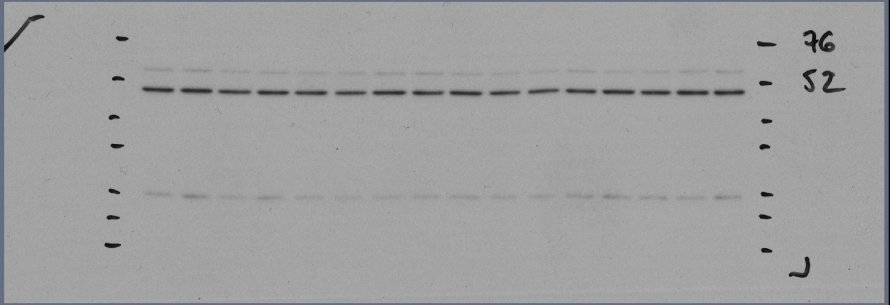

UQCRC2(CIII)

Set 2
 |  |  |  |  |  |  |  |  |  |  |  |  |  |  |  |  |  |  |  | Quantification
 |  |  |  |  |  |  |  |  |  |  |  |  |  |  |  |  |  |  | sample | 1 | 2 | 3 | 4 | 5 | 6 | 7 | 8 | 9 | 10 | 11 | 12 | 13 | 14 | 15 | 16
 |  |  |  |  |  |  |  |  |  |  |  |  |  |  |  |  |  |  |  | 5.178 | 6.121 | 6.243 | 6.205 | 6.751 | 5.387 | 3.931 | 4.998 | 4.266 | 4.280 | 4.978 | 4.226 | 6.450 | 9.214 | 9.160 | 12.611

 |  |  |  |  |  |  |  |  |  |  |  |  |  |  |  |  |  |  | sample | 17 | 18 | 19 | 20 | 21 | 22 | 23 | 24 | 25 | 26 | 27 | 28 | 29 | 30 | 31 | 32
 |  |  |  |  |  |  |  |  |  |  |  |  |  |  |  |  |  |  |  | 4.277 | 6.061 | 4.582 | 5.748 | 4.620 | 3.712 | 7.303 | 5.656 | 7.078 | 5.152 | 8.529 | 4.559 | 8.388 | 6.194 | 7.737 | 10.402

 | Quantification UQCRC2 (Complex III)
sample | 1 | 2 | 3 | 4 | 5 | 6 | 7 | 8 | 9 | 10 | 11 | 12 | 13 | 14 | 15 | 16
 | 8.460 | 8.674 | 6.824 | 8.035 | 6.640 | 5.690 | 6.246 | 7.816 | 4.841 | 4.419 | 4.416 | 4.799 | 5.381 | 6.172 | 5.462 | 6.127

sample | 17 | 18 | 19 | 20 | 21 | 22 | 23 | 24 | 25 | 26 | 27 | 28 | 29 | 30 | 31 | 32
 | 6.713 | 6.899 | 5.964 | 6.317 | 6.087 | 5.606 | 6.521 | 6.081 | 6.519 | 5.750 | 5.566 | 5.965 | 6.550 | 6.107 | 6.747 | 6.608

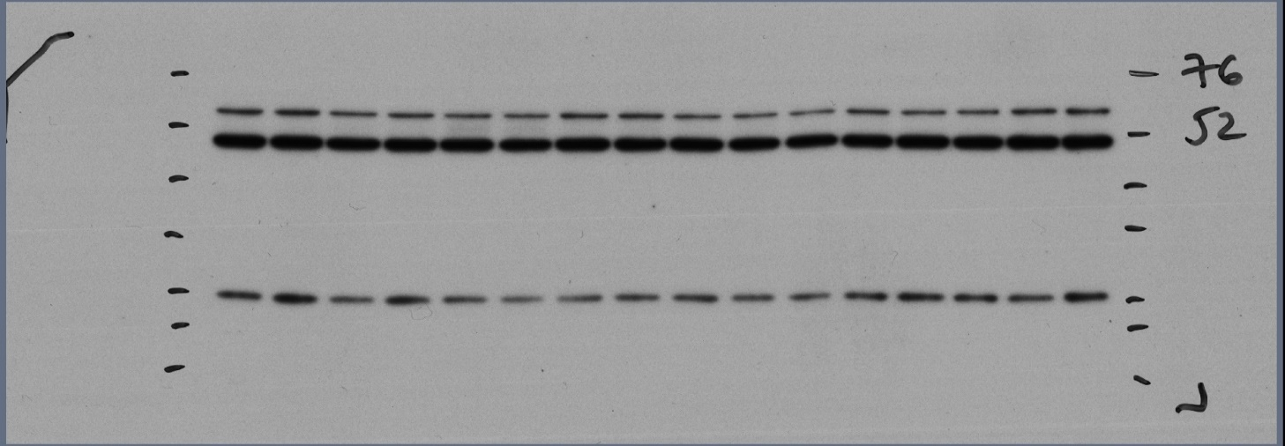

ATP5A(CV)

Set 2

NDUFB8(CI)

 | Quantification ATP5A (Complex V)
sample | 1 | 2 | 3 | 4 | 5 | 6 | 7 | 8 | 9 | 10 | 11 | 12 | 13 | 14 | 15 | 16
 | 7.845 | 7.731 | 6.270 | 7.768 | 6.289 | 5.775 | 5.939 | 7.314 | 5.146 | 5.691 | 4.116 | 4.614 | 5.354 | 6.067 | 6.130 | 7.951

sample | 17 | 18 | 19 | 20 | 21 | 22 | 23 | 24 | 25 | 26 | 27 | 28 | 29 | 30 | 31 | 32
 | 8.044 | 8.881 | 5.683 | 6.498 | 6.062 | 5.368 | 7.620 | 7.420 | 5.252 | 4.320 | 3.724 | 5.980 | 4.948 | 4.867 | 7.688 | 7.645

 | Quantification NDUFB8 (Complex I)
sample | 1 | 2 | 3 | 4 | 5 | 6 | 7 | 8 | 9 | 10 | 11 | 12 | 13 | 14 | 15 | 16
 | 6.906 | 7.649 | 6.765 | 6.826 | 5.925 | 5.352 | 5.969 | 6.884 | 4.745 | 5.385 | 5.084 | 6.259 | 6.134 | 6.852 | 5.795 | 7.469

sample | 17 | 18 | 19 | 20 | 21 | 22 | 23 | 24 | 25 | 26 | 27 | 28 | 29 | 30 | 31 | 32
 | 7.126 | 10.751 | 4.521 | 7.599 | 4.695 | 3.123 | 4.059 | 5.030 | 6.117 | 4.430 | 4.250 | 6.839 | 8.702 | 7.196 | 5.783 | 9.779

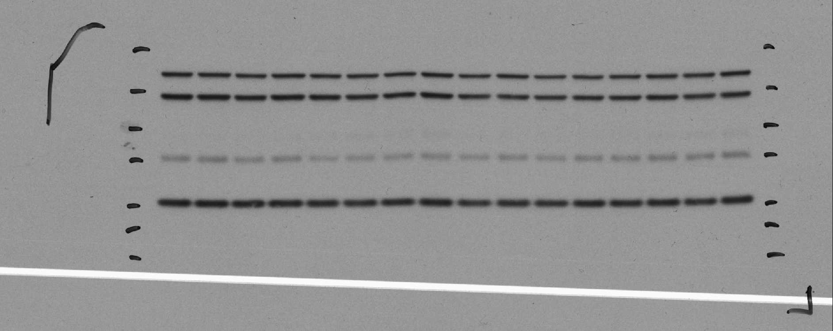
SDHB (CII)

Set 1

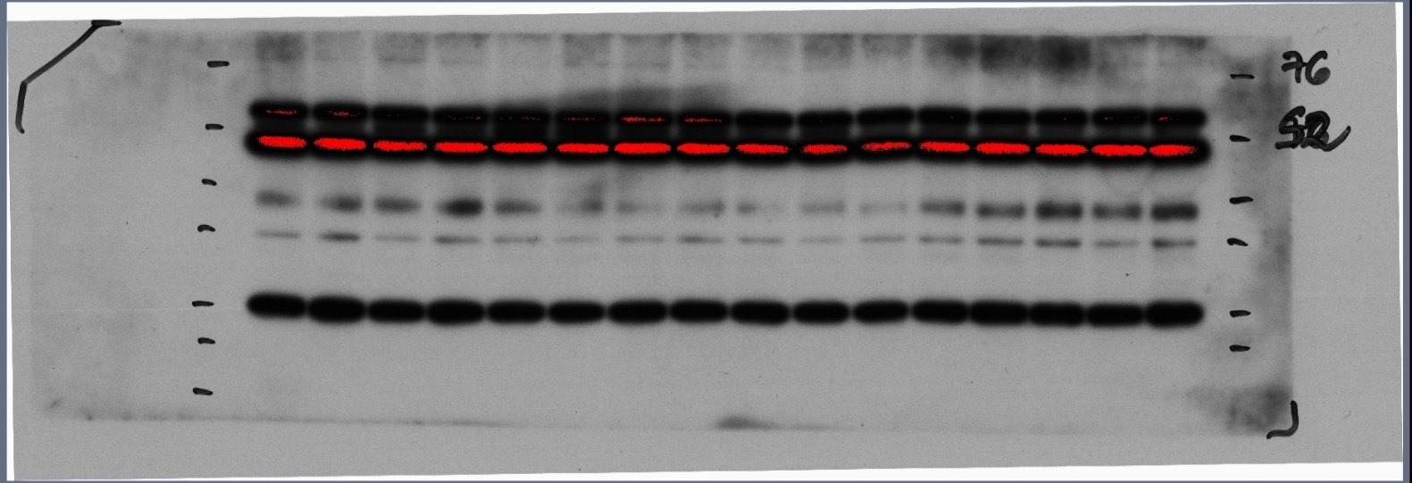

MTCO1 (CIV)
Set 2
SDHB (CII)

 | Quantification SDHB (Complex II)
sample | 1 | 2 | 3 | 4 | 5 | 6 | 7 | 8 | 9 | 10 | 11 | 12 | 13 | 14 | 15 | 16
 | 7.306 | 8.550 | 6.343 | 7.108 | 4.276 | 5.155 | 5.457 | 6.343 | 4.453 | 5.272 | 4.515 | 5.876 | 6.398 | 7.774 | 7.078 | 8.097

sample | 17 | 18 | 19 | 20 | 21 | 22 | 23 | 24 | 25 | 26 | 27 | 28 | 29 | 30 | 31 | 32
 | 4.905 | 10.949 | 3.576 | 7.956 | 5.086 | 2.632 | 3.701 | 6.336 | 4.332 | 2.671 | 4.290 | 5.848 | 9.127 | 11.787 | 5.646 | 11.159
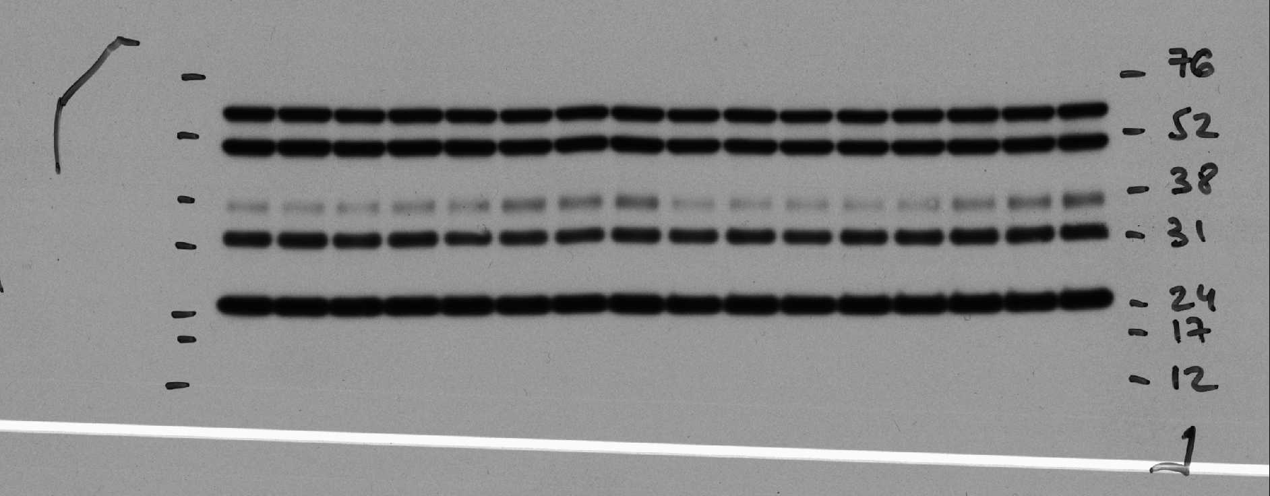
MTCO1 (CIV)

Set 1

 | Quantification MTCO1 (Complex IV)
sample | 1 | 2 | 3 | 4 | 5 | 6 | 7 | 8 | 9 | 10 | 11 | 12 | 13 | 14 | 15 | 16
 | 4.738 | 4.393 | 4.627 | 6.104 | 6.110 | 9.282 | 8.663 | 10.086 | 4.143 | 3.978 | 4.025 | 3.501 | 4.246 | 6.830 | 8.628 | 10.647

sample | 17 | 18 | 19 | 20 | 21 | 22 | 23 | 24 | 25 | 26 | 27 | 28 | 29 | 30 | 31 | 32
 | 5.421 | 6.651 | 6.466 | 12.299 | 5.796 | 3.549 | 1.947 | 3.249 | 1.901 | 2.392 | 1.489 | 5.883 | 7.483 | 12.326 | 8.328 | 14.820

Fig S3F-G
Source data for all graphs and charts in Massart et al., Endurance Exercise Training-Responsive miR-19b-3p Improves Skeletal Muscle Glucose Metabolism

 | Figure S3F-G | Immunoblots of mouse FDB skeletal muscle electroporated with either control (Ctrl) or pri-miR-19b-3p-encoding (19b) plasmid for one week either following treatment in absence (Basal) or presence of 3.6 nM insulin (Insulin). Quantification using densitometer, each individual immunoblot's quantified bands were normalized to sum of all bands.

 |  | indicate quatified band
 |  | indicate representative picture

 | Loading schedule:
 | Set 1 | 1 | 2 | 3 | 4 | 5 | 6 | 7 | 8 | 9 | 10 | 11 | 12
 |  | Ctrl | OE19b | Ctrl | OE19b | Ctrl | OE19b | Ctrl | OE19b | Ctrl | OE19b | Ctrl | OE19b
 |  | Basal |  | Insulin |  | Basal |  | Insulin |  | Basal |  | Insulin
 | Set 2 | 13 | 14 | 15 | 16 | 17 | 18 | 19 | 20 | 21 | 22 | 23 | 24
 |  | Ctrl | OE19b | Ctrl | OE19b | Ctrl | OE19b | Ctrl | OE19b | Ctrl | OE19b | Ctrl | OE19b
 |  | Basal |  | Insulin |  | Basal |  | Insulin |  | Basal |  | Insulin
 | Set 3 | 25 | 26 | 27 | 28 | 29 | 30 | 31 | 32 | 33 | 34 | 35 | 36
 |  | Ctrl | OE19b | Ctrl | OE19b | Ctrl | OE19b | Ctrl | OE19b | Ctrl | OE19b | Ctrl | OE19b
 |  | Insulin |  | Basal |  | Insulin |  | Basal |  | Insulin |  | Basal

Phospho-Akt (Ser473) (Cell Signaling Cat # 9271)
Phospho GSK3 α/β (Ser21/9) (Cell Signaling Cat # 9331)

Set 1
Set 1

Set 2
Set 2

Set 3
Set 3

 |  | Quantification |  |  |  |  |  |  |  |  |  |  |  |  | Quantification (pGSK3 alpha Ser21)
 | sample | 1 | 2 | 3 | 4 | 5 | 6 | 7 | 8 | 9 | 10 | 11 | 12 | sample | 1 | 2 | 3 | 4 | 5 | 6 | 7 | 8 | 9 | 10 | 11 | 12
 |  | 3.370 | 1.551 | 13.535 | 12.108 | 6.496 | 1.563 | 15.726 | 9.058 | 2.441 | 2.137 | 17.229 | 14.785 |  | 4.546 | 3.772 | 9.951 | 7.790 | 5.157 | 3.367 | 7.533 | 8.444 | 5.449 | 6.780 | 19.483 | 17.730

 | sample | 13 | 14 | 15 | 16 | 17 | 18 | 19 | 20 | 21 | 22 | 23 | 24 | sample | 13 | 14 | 15 | 16 | 17 | 18 | 19 | 20 | 21 | 22 | 23 | 24
 |  | 1.892 | 1.185 | 10.202 | 10.601 | 5.126 | 2.426 | 12.670 | 16.562 | 4.486 | 4.812 | 15.041 | 14.998 |  | 6.261 | 5.252 | 6.685 | 5.385 | 4.326 | 4.407 | 7.509 | 10.347 | 6.158 | 8.792 | 15.567 | 19.311

 | sample | 25 | 26 | 27 | 28 | 29 | 30 | 31 | 32 | 33 | 34 | 35 | 36 | sample | 25 | 26 | 27 | 28 | 29 | 30 | 31 | 32 | 33 | 34 | 35 | 36
 |  | 14.723 | 12.056 | 1.116 | 4.175 | 8.970 | 11.781 | 4.454 | 2.871 | 19.414 | 15.265 | 2.071 | 3.107 |  | 11.299 | 12.278 | 4.456 | 7.433 | 8.248 | 6.027 | 4.599 | 5.831 | 13.737 | 13.705 | 5.689 | 6.699

Phospho-Akt (Thr308) (Cell Signaling Cat # 4056)
GSK3 α/β Total (Cell Signaling Cat # 5676)

Set 1
Set 1

Set 2
Set 2

Set 3
Set 3

 |  | Quantification
 | sample | 1 | 2 | 3 | 4 | 5 | 6 | 7 | 8 | 9 | 10 | 11 | 12
 |  | 2.345 | 1.496 | 13.817 | 10.574 | 8.361 | 3.532 | 23.198 | 8.892 | 4.128 | 3.457 | 13.153 | 7.048

 | sample | 13 | 14 | 15 | 16 | 17 | 18 | 19 | 20 | 21 | 22 | 23 | 24
 |  | 2.205 | 1.907 | 9.744 | 5.945 | 8.452 | 5.011 | 9.969 | 18.937 | 6.400 | 4.110 | 14.464 | 12.857

 | sample | 25 | 26 | 27 | 28 | 29 | 30 | 31 | 32 | 33 | 34 | 35 | 36
 |  | 12.755 | 9.873 | 2.873 | 5.737 | 11.112 | 14.563 | 4.930 | 3.349 | 17.500 | 10.583 | 3.709 | 3.014

β-tubulin Total (Cell Signaling Cat # 2128)
Akt Total (Cell Signaling Cat # 9271)

Set 1
Set 1

Set 2
Set 2

Set 3
Set 3

