Fig1
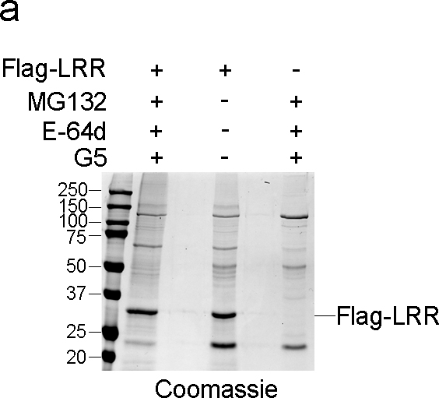
Figure 1

Fig2
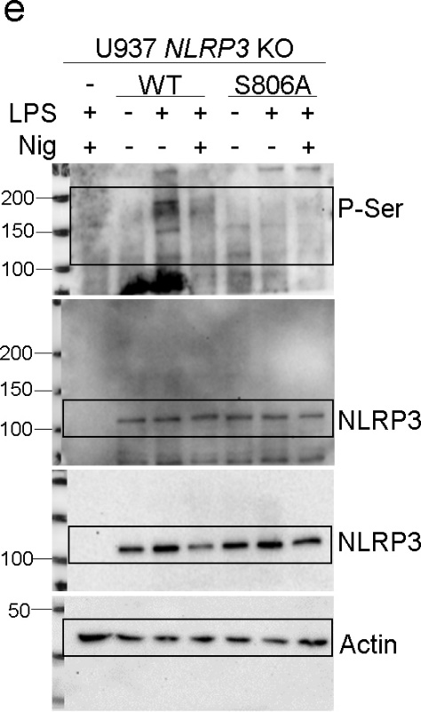
Figure 2
Figure 2a

IL-1β
 |  |  | U937 NLRP3 KO
 | U937 |  | pInd |  | pInd-NLRP3 WT |  | pInd-NLRP3 R260W |  | pInd-NLRP3 S735A |  | pInd-NLRP3 S735D |  | pInd-NLRP3 S806A |  | pInd-NLRP3 S806D |  | pInd-NLRP3 S1035A |  | pInd-NLRP3 S1035D
- | 21.01286 | 18.82974 | 19.55394 | 19.55394 | 22.48579 | 21.74757 | 19.55394 | 16.67829 | 12.43376 | 9.43505 | 10.40238 | 9.43505 | 10.40238 | 9.914639 | 11.91395 | 11.40208 | 18.65348 | 17.47152 | 18.0612 | 16.88443
LPS | 16.67829 | 16.67829 | 21.01286 | 23.22749 | 39.60029 | 48.77347 | 208.3433 | 246.639 | 12.96145 | 16.29045 | 19.27231 | 15.15011 | 21.14927 | 20.51641 | 16.29045 | 15.15011 | 22.26145 | 25.33866 | 34.9492 | 32.98209
LPS+Nig | 115.1809 | 128.212 | 20.28165 | 29.28616 | 291.2072 | 218.7008 | 191.8584 | 222.6261 | 95.38732 | 125.8706 | 98.65272 | 84.74838 | 74.51399 | 115.4485 | 27.16061 | 17.46094 | 94.38229 | 210.1683 | 215.4985 | 201.721

TNF
 |  |  | U937 NLRP3 KO
 | U937 |  | pInd |  | pInd-NLRP3 WT |  | pInd-NLRP3 R260W |  | pInd-NLRP3 S735A |  | pInd-NLRP3 S735D |  | pInd-NLRP3 S806A |  | pInd-NLRP3 S806D |  | pInd-NLRP3 S1035A |  | pInd-NLRP3 S1035D
- | 686.5944 | 1366.854 | 1067.717 | 721.4421 | 504.6573 | 504.6573 | 660.8077 | 686.5944 | 712.6806 | 756.8148 | 593.5323 | 652.2793 | 765.7391 | 774.6957 | 783.6844 | 801.7576 | 816.2297 | 863.9223 | 816.2297 | 661.3467
LPS | 5482.625 | 5589.213 | 7781.897 | 7216.059 | 4896.005 | 5391.569 | 6675.402 | 7619.231 | 7586.796 | 7945.389 | 6065.752 | 6754.371 | 8457.752 | 8826.812 | 8076.796 | 8424.433 | 5962.125 | 6293.35 | 5937.648 | 6109.163

Figure 2b

IL-1β
 | U937 NLRP3 KO
 | pInd |  | pInd-NLRP3 WT |  | pInd-NLRP3 S806A |  | pInd-NLRP3 S806D |  | pInd-NLRP3 S806E
- | 77.01904 | 70.47864 | 113.8951 | 79.1721 | 87.65377 | 87.65377 | 109.9801 | 81.31191 | 52.40906 | 83.43868
LPS | 249.931 | 371.5927 | 749.6847 | 540.5576 | 329.6302 | 404.9591 | 478.9954 | 302.1679 | 274.1039 | 283.9049
LPS+Nig | 83.43868 | 93.88301 | 6072.753 | 5140.685 | 1659.435 | 1560.057 | 173.5387 | 188.6122 | 763.3646 | 608.8055

IL-18
 | U937 NLRP3 KO
 | pInd |  | pInd-NLRP3 WT |  | pInd-NLRP3 S806A |  | pInd-NLRP3 S806D |  | pInd-NLRP3 S806E
- | 39.62497 | 39.62497 | 55.21719 | 73.58861 | 31.88213 | 34.45914 | 39.62497 | 40.91888 | 26.73991 | 30.5951
LPS | 30.5951 | 29.30906 | 51.30578 | 55.21719 | 40.91888 | 22.89354 | 34.45914 | 47.40328 | 31.88213 | 22.89354
LPS+Nig | 28.02399 | 25.45681 | 581.2641 | 661.7533 | 139.4378 | 182.3607 | 47.40328 | 21.61338 | 81.52188 | 50.00396

TNF
 | U937 NLRP3 KO
 | pInd |  | pInd-NLRP3 WT |  | pInd-NLRP3 S806A |  | pInd-NLRP3 S806D |  | pInd-NLRP3 S806E
- | 309.2657 | 307.1793 | 232.6293 | 286.522 | 264.2336 | 244.3676 | 360.4612 | 373.5954 | 286.522 | 272.2857
LPS | 5528.797 | 4838.951 | 4638.206 | 4356.918 | 4410.5 | 3988.636 | 5711.799 | 5345.652 | 4532.055 | 4228.713

Figure 2c
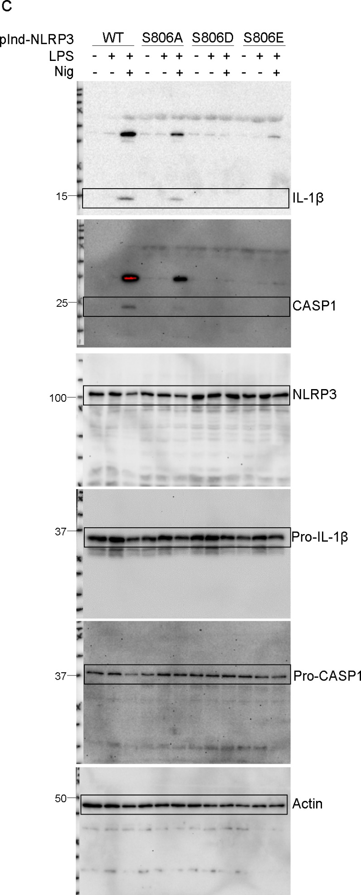

Figure 2d

 | U937 NLRP3 KO
 | pInd |  |  |  |  |  |  |  |  |  | pInd-NLRP3 WT |  |  |  |  |  |  |  |  |  |  | pInd-NLRP3 S806D
LPS | 0 | 0 | 0 | 0 | 0 | 0 | 0 | 0 | 0 | 0 | 1.333333 | 0 | 1.754386 | 0 | 0 | 0 | 0 | 0 | 0 | 0 | 0 | 0 | 0 | 0 | 0 | 0 | 0 | 0 | 0 | 0 | 0
LPS+Nig | 0 | 0 | 0 | 0 | 0 | 0 | 0 | 0 | 0 | 0 | 33.33333 | 0 | 3.846154 | 3.846154 | 42.85714 | 15.625 | 34.78261 | 26.47059 | 10.34483 | 10.52632 | 9.375 | 3.125 | 0 | 0 | 0 | 0 | 0 | 0 | 0 | 0 | 0

Figure 2e

Fig4
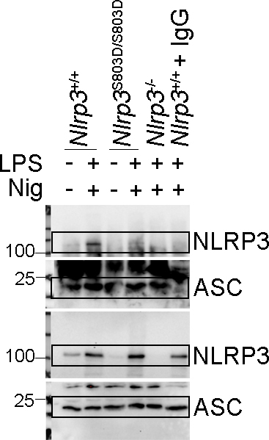
Figure 4
Figure 4a

IL-1β
 | Nlrp3+/+ |  | Nlrp3-/- |  | Nlrp3803D/+ |  | Nlrp3S803D/S803D
- | -23.84073 | -71.8516 | -115.4818 | -90.7365 | -102.6289 | -81.79947 | -91.72858 | -55.89604
LPS | -5.725174 | -32.8757 | -17.80902 | -163.6424 | -111.5304 | -21.83093 | -85.77335 | -16.80305
LPS+Nig | 23376.41 | 19819.62 | 1720.53 | 1730.505 | 11543.61 | 13164.6 | 1740.492 | 1820.776
LPS+ATP | 4562.536 | 6229.906 | -85.77335 | -43.89784 | 4339.531 | 4742.1 | 21.56215 | -112.5186
LPS+LLOMe | 2401.02 | 2056.501 | 118.6605 | 103.2165 | 1676.373 | 1417.182 | 72.4554 | 36.78084
LPS+MSU | 5080.403 | 5547.297 | 1793.937 | 1780.546 | 3420.581 | 2288.94 | 1874.688 | 1810.702

IL-18
 | Nlrp3+/+ |  | Nlrp3-/- |  | Nlrp3803D/+ |  | Nlrp3S803D/S803D
- | 9.835355 | -6.2729871 | -17.747558 | -4.8942828 | -25.993077 | -24.619769 | -20.497576 | -7.4216155
LPS | -13.619728 | -2.5956056 | -0.9858966 | -15.454737 | -23.246084 | -0.2958656 | -26.221934 | -17.747567
LPS+Nig | 1057.654 | 1089.927 | 125.5144 | 144.7143 | 566.631 | 608.3441 | 129.9729 | 158.7617
LPS+ATP | 393.2329 | 583.1565 | -7.1919142 | 10.5268521 | 161.8597 | 162.5716 | -23.0171 | -21.872018
LPS+LLOMe | 287.6313 | 309.7659 | -19.351924 | -23.704016 | 63.35641 | 54.28121 | -25.764219 | -33.76806
LPS+MSU | 408.1871 | 477.5742 | 138.5445 | 142.3151 | 257.2063 | 241.5095 | 158.7617 | 167.3231

TNF
 | Nlrp3+/+ |  | Nlrp3-/- |  | Nlrp3803D/+ |  | Nlrp3S803D/S803D
- | 319.5516 | 281.4569 | 297.7669 | 303.209 | 276.0257 | 262.4596 | 292.3275 | 311.3772
LPS | 6763.647 | 6555.243 | 7181.88 | 7628.174 | 7149.137 | 6699.326 | 8171.653 | 9425.885

Figure 4b

 | Nlrp3+/+ |  |  |  | Nlrp3S803D/+ |  |  |  | Nlrp3S803D/S803D |  |  |  | Nlrp3-/-
0 min | 1.050213 | 1.919051 | 1.405554 | 2.006449 | 0.6008261 | 0.9412651 | 0.9100837 | 1.115351 | 0.7398754 | 1.245621 | 0.7722008 | 1.071204 | 0.7733008 | 0.6433166 | 1.189563 | 0.5702067
10 min | 3.090792 | 5.876359 | 4.258887 | 7.874565 | 1.140964 | 1.841621 | 1.146132 | 1.880787 | 0.8458285 | 1.103081 | 0.9118541 | 1.034159 | 0.8484849 | 0.563182 | 1.238274 | 0.5532504
20 min | 17.78058 | 26.98787 | 23.88889 | 38.39677 | 4.404332 | 6.349206 | 5.849582 | 9.634831 | 0.8230453 | 1.234106 | 0.9012392 | 0.9561999 | 0.7974482 | 0.7329843 | 1.074074 | 0.6863418
30 min | 45.69659 | 52.17536 | 48.74244 | 62.02744 | 13.66571 | 18.11748 | 19.15185 | 24.68038 | 0.8553366 | 1.062271 | 0.8540661 | 1.012581 | 0.7413188 | 0.7214016 | 1.094891 | 0.7089804
40 min | 58.79644 | 62.16667 | 60.01263 | 71.6 | 25.87984 | 30.36522 | 30.95318 | 35.19173 | 0.8458992 | 1.196086 | 0.880734 | 1.008866 | 0.8171206 | 0.6095496 | 1.121969 | 0.6702413
50 min | 65.01074 | 68.85733 | 66.0974 | 75.09973 | 36.33169 | 39.67922 | 40.06678 | 42.27 | 0.8058608 | 1.161103 | 0.9527299 | 0.9459872 | 0.7361488 | 0.6103764 | 1.083424 | 0.7
60 min | 68.12785 | 70.92831 | 68.75784 | 76.60066 | 42.5784 | 44.73594 | 45.76667 | 45.33582 | 0.9071118 | 1.147365 | 0.9120759 | 1.059322 | 0.6920415 | 0.6434135 | 1.069138 | 0.7275133
70 min | 69.37973 | 72.66447 | 70.27367 | 77.36598 | 47.10801 | 48.47751 | 49.66822 | 48.72346 | 0.7985481 | 1.13879 | 0.906454 | 0.9963768 | 0.7719027 | 0.6777363 | 1.169798 | 0.7565789
80 min | 70.66265 | 73.8715 | 71.10063 | 78.40946 | 49.42808 | 51.43639 | 52.06612 | 50.3628 | 0.9694793 | 1.169798 | 0.9041591 | 1.021635 | 0.6456513 | 0.6770481 | 0.989749 | 0.7555848
90 min | 71.22259 | 73.99015 | 72.65332 | 78.62046 | 51.37105 | 52.6856 | 54.12662 | 51.92049 | 0.887154 | 1.167315 | 0.9369369 | 0.9595202 | 0.6451613 | 0.7409902 | 1.157895 | 0.7538512
100 min | 71.48924 | 76.10764 | 72.48743 | 80.05258 | 53.78472 | 54.37093 | 55.0181 | 53.12752 | 0.8922198 | 1.133546 | 1.041667 | 0.9957755 | 0.6434519 | 0.7385029 | 1.122807 | 0.6613756
110 min | 71.70438 | 75.7157 | 73.29153 | 80.56467 | 55.48993 | 55.6694 | 55.67283 | 55.54662 | 0.9275776 | 1.162381 | 0.9663565 | 0.9883199 | 0.6828528 | 0.7065949 | 0.9848751 | 0.6276842

Figure 4c
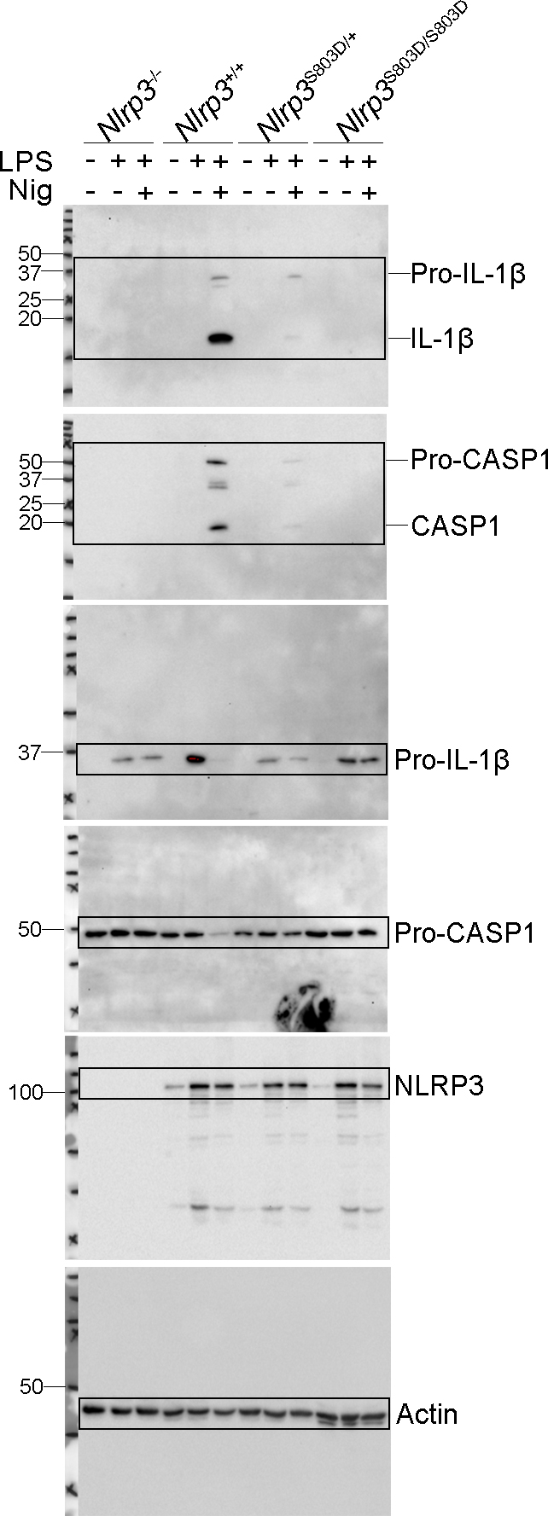

Figure 4d
 | Nlrp3-/- |  |  | Nlrp3+/+ |  |  | Nlrp3S803D/S803D
LPS+Nig | 0 | 0 | 0 | 83.65897 | 85.32695 | 79.84496 | 0 | 0 | 0

Figure 4e
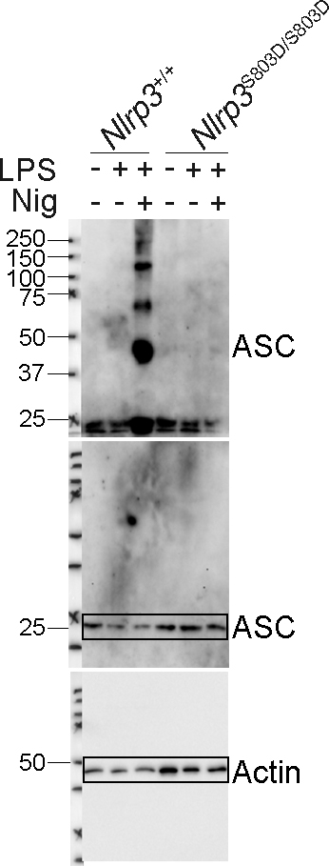

Figure 4f
 | Nlrp3-/- |  |  |  |  |  |  |  |  |  | Nlrp3+/+ |  |  |  |  |  |  |  |  |  | Nlrp3S803D/S803D
- | 0 | 0 | 0 | 0 | 0 | 0 |  |  |  |  | 0 | 0 | 0 | 0 | 0 | 0 | 0 | 0 | 0 | 0 | 0 | 0 | 0 | 0 | 0 | 0 | 0 | 0 | 0 | 0
LPS | 0 | 0 | 0 | 0 | 0 | 0 | 0 | 0 | 0 |  | 0 | 0 | 0 | 0 | 0 | 0 | 0 | 0 | 0 | 0 | 0 | 0 | 0 | 0 | 0 | 0 | 0 | 0 | 0 | 0
LPS+Nig | 0 | 0 | 0 | 0 | 0 | 0 | 0 | 0 | 0 | 0 | 1.960784 | 11.42857 | 7.352941 | 11.5942 | 12.30769 | 6.849315 | 6.666667 | 8.695652 | 7.407407 | 11.29032 | 1.769912 | 1.052632 | 0 | 2.970297 | 0 | 0 | 0 | 0 | 0 | 0

Figure 4g

Fig5
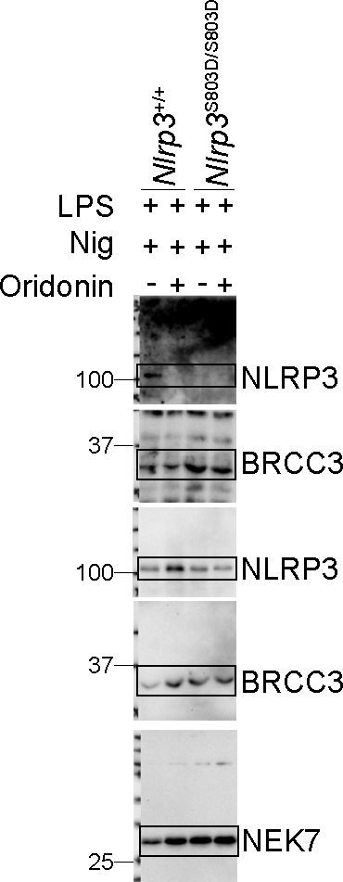
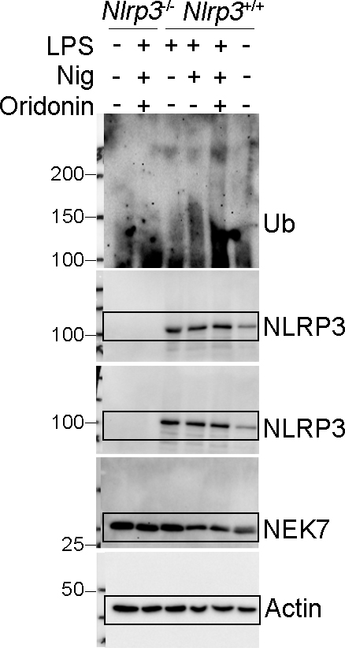
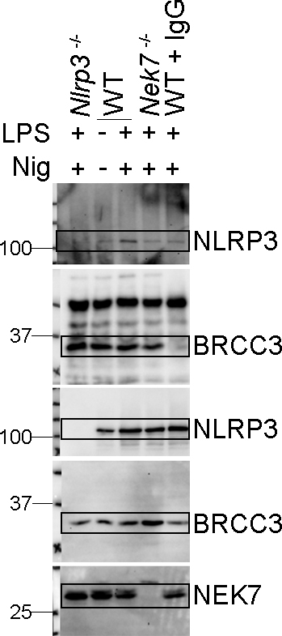
Figure 5
Figure 5a | Figure 5b | Figure 5c |  | Figure 5d

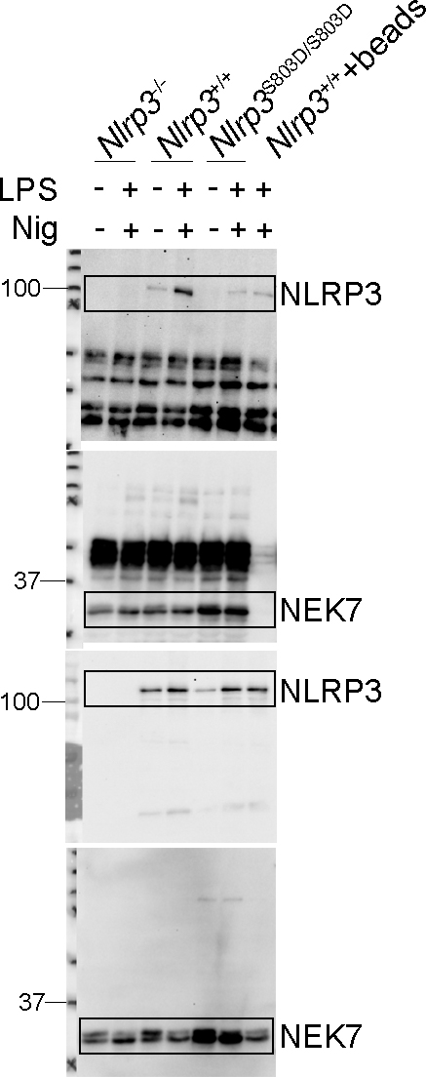
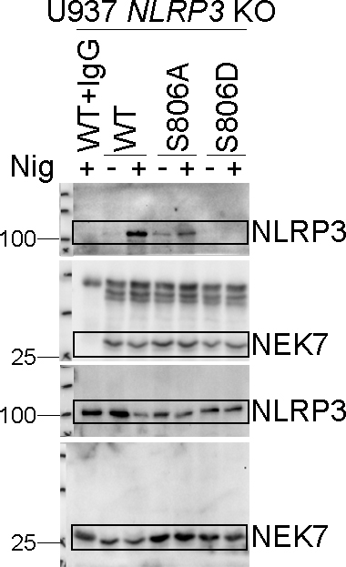
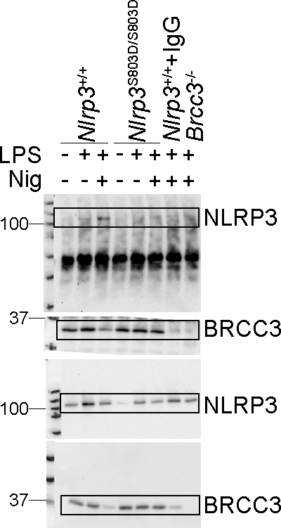
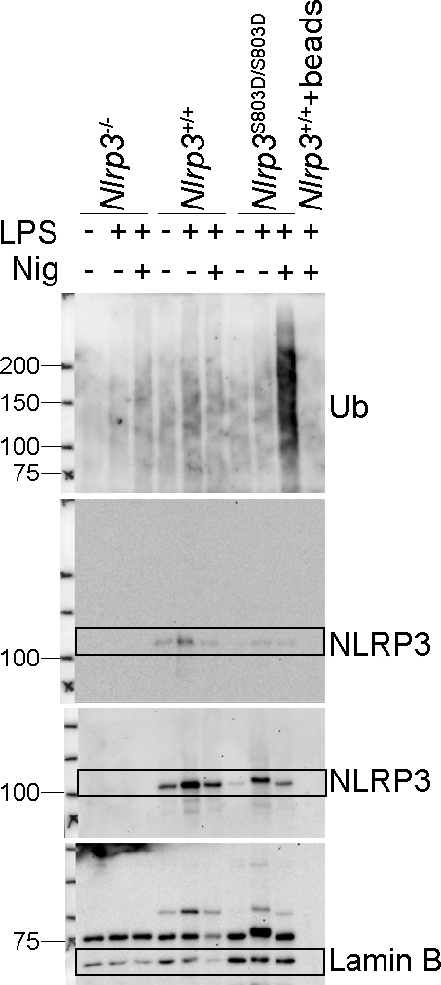

Figure 5e | Figure 5f |  | Figure 5g

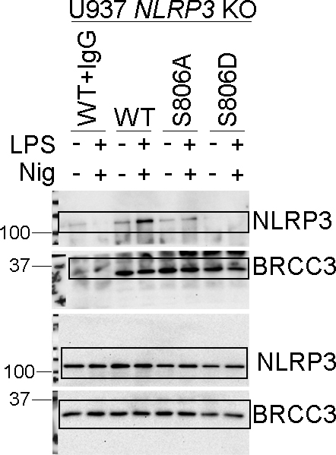
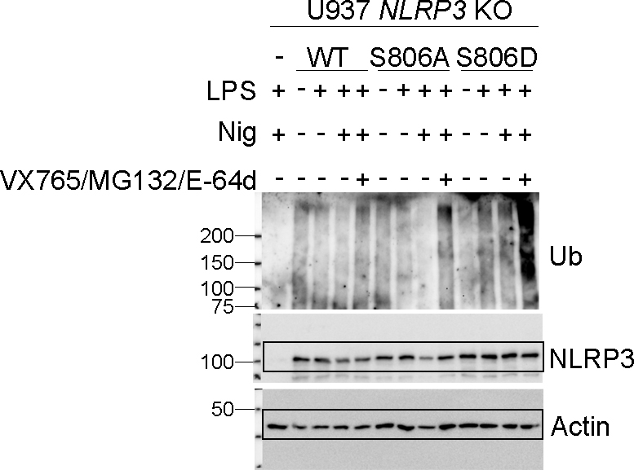
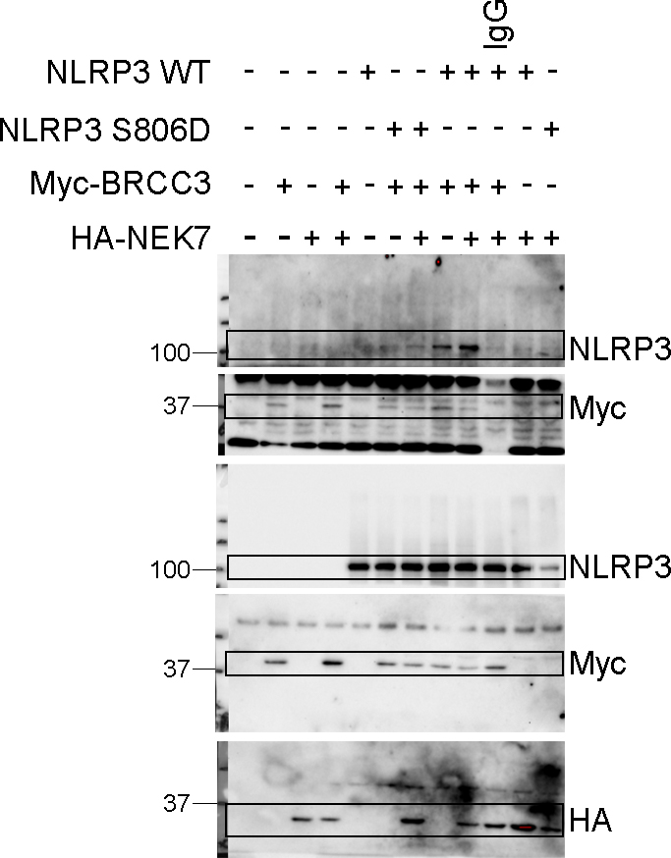

Figure 5h | Figure 5i | Figure 5j

Fig7
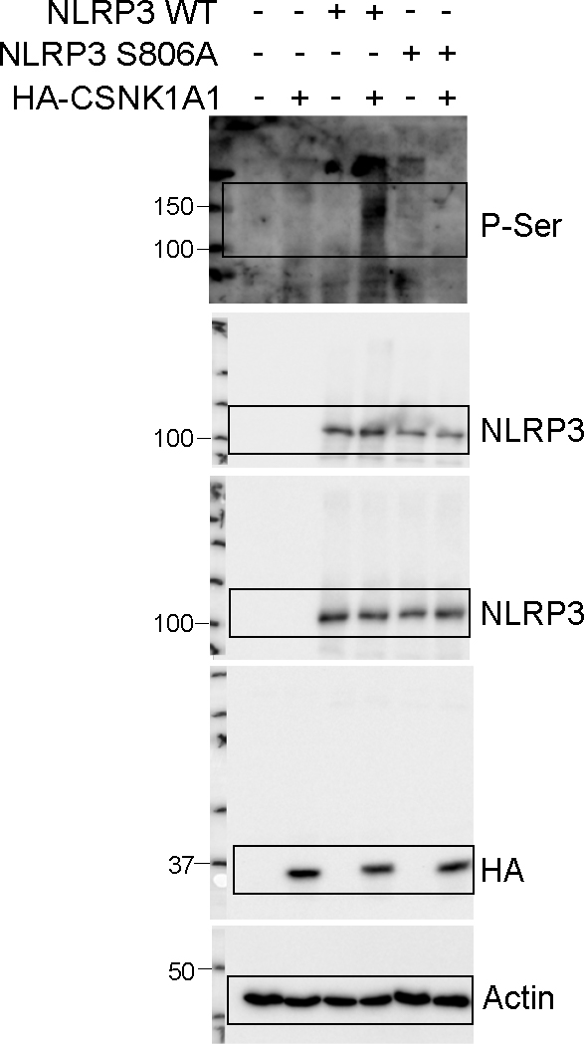
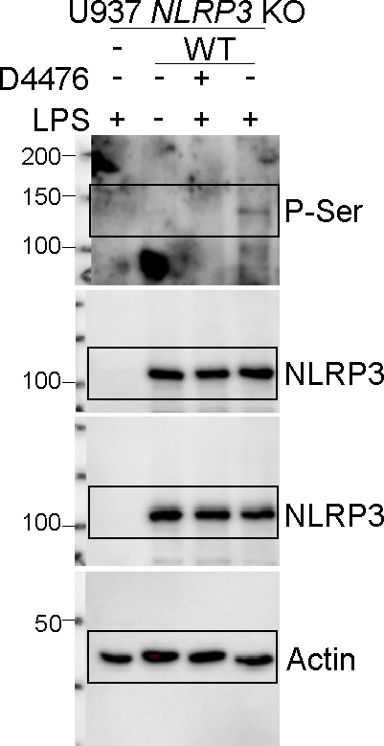
Figure 7
Figure 7a

siRNA | AUC of PI-positive cells
NT | 100.768 | 99.85179 | 99.29486 | 100.0853
Csnk1g3 | 103.155 | 102.5813 | 112.9265 | 128.4146
Csnk2a2 | 114.8527 | 110.7436 | 110.1022 | 101.1626
Csnk1g2 | 114.6474 | 107.6649 | 103.4517 | 98.40767
Cask | 125.2155 | 101.6837 | 98.37643 | 95.83083
Eef2k | 118.8214 | 102.1046 | 101.343 | 96.2718
Camk1d | 112.715 | 93.59982 | 97.78576 | 88.42578
Csnk1d | 89.6372 | 93.06474 | 91.46121 | 98.59691
Camk2g | 86.79093 | 88.47968 | 88.91085 | 104.415
Csnk1e | 102.4824 | 89.66472 | 88.16141 | 80.3877
Camk1g | 78.47294 | 79.65866 | 81.54503 | 96.79766
Camk1 | 104.1635 | 82.51516 | 73.92769 | 75.05951
Camk2d | 100.0674 | 84.90456 | 62.87896 | 85.13811
Csnk1g1 | 74.07774 | 70.20077 | 81.23826 | 86.40095
Camk2a | 89.48574 | 78.68852 | 72.34673 | 65.30429
Csnk2a1 | 75.34576 | 73.54179 | 67.729 | 86.47023
Camkk2 | 75.43678 | 66.00494 | 78.23939 | 77.98787
Camk2b | 58.11812 | 56.41141 | 59.03436 | 67.81945
Camk4 | 50.57126 | 52.61575 | 55.62237 | 67.12768
Csnk2b | 41.5915 | 39.30647 | 46.76288 | 39.96793
Csnk1a1 | 38.90559 | 31.95029 | 34.67629 | 33.57386
Nlrp3 | 16.42039 | 27.3254 | 18.98945 | 25.38513

Figure 7b

IL-1β |  |  |  |  | TNF
siRNA | IL-1β |  |  |  | siRNA | TNF
NT | 5390.653 | 5217.211 | 5406.383 |  | NT | 13012.85 | 13497.38 | 13293.45
Camk4 | 5698.213 | 6311.879 | 7394.377 |  | Camk4 | 9790.648 | 9883.183 | 8212.466
Csnk2a1 | 3902.503 | 3665.305 | 4566.093 |  | Csnk2a1 | 10345.6 | 10136.7 | 8549.424
Csnk2b | 3265.678 | 2480.687 | 4146.498 |  | Csnk2b | 8647.267 | 7490.845 | 9334.309
Camk2b | 2734.809 | 2795.502 | 2688.711 |  | Camk2b | 7524.112 | 7588.854 | 7502.58
Csnk1a1 | 1169.153 | 1983.061 | 1793.191 |  | Csnk1a1 | 6698.877 | 7401.113 | 7228.645
Nlrp3 | 475.4289 | 534.7134 | 919.417 |  | Nlrp3 | 9115.527 | 9763.676 | 8450.099

Figure 7c

IL-18
 | siNT |  |  |  | siCsnk1a1 |  |  |  | siNlrp3
NT | 38.61328 | -31.28746 | 33.11863 | 28.23106 | 17.83431 | -2.38923 | -7.30018 | 15.99807 | -10.98554 | 1.90521 | 9.261333 | -15.28738
LPS | 45.32342 | 45.32342 | 33.72934 | 17.2223 | 30.67526 | 5.58418 | 14.77367 | 12.32425 | 11.09924 | -6.072139 | 10.48667 | -122.3947
LPS+Nig | 1330.818 | 1474.605 | 1938.22 | 1274.49 | 569.5261 | 536.6191 | 904.3644 | 549.12 | 527.5129 | 449.0367 | 665.0527 | 193.206

TNF
 | siNT |  |  |  | siCsnk1a1 |  |  |  | siNlrp3
NT | -493.4426 | -636.299 | -599.019 | -630.085 | -698.4536 | -673.5886 | -723.3229 | -698.4536 | -599.019 | -729.5408 | -723.3229 | -729.5408
LPS | 9793.727 | 10083.54 | 12611.97 | 14054.84 | 10083.54 | 10070.63 | 10562.5 | 9825.875 | 12719.17 | 10212.69 | 11688.23 | 13062.11

Figure 7d

 | siNT |  |  |  |  |  |  |  |  |  |  | siCsnk1a1
LPS | 0 | 0 | 0 | 0 | 0 | 0 | 0 | 0 | 0 | 0 | 0 | 0 | 0 | 0 | 0 | 0 | 0 | 0 | 0 | 0 | 0 | 0
LPS+Nig | 10.71429 | 7.142857 | 3.703704 | 3.703704 | 3.225806 | 6.451613 | 9.803922 | 9.756098 | 5.882353 | 6.818182 | 8.333333 | 0 | 0 | 0 | 0 | 0 | 9.090909 | 0 | 4 | 6.666667 | 0 | 0

Figure 7e |  |  |  |  |  |  |  |  |  | Figure 7f |  |  |  |  | Figure 7g

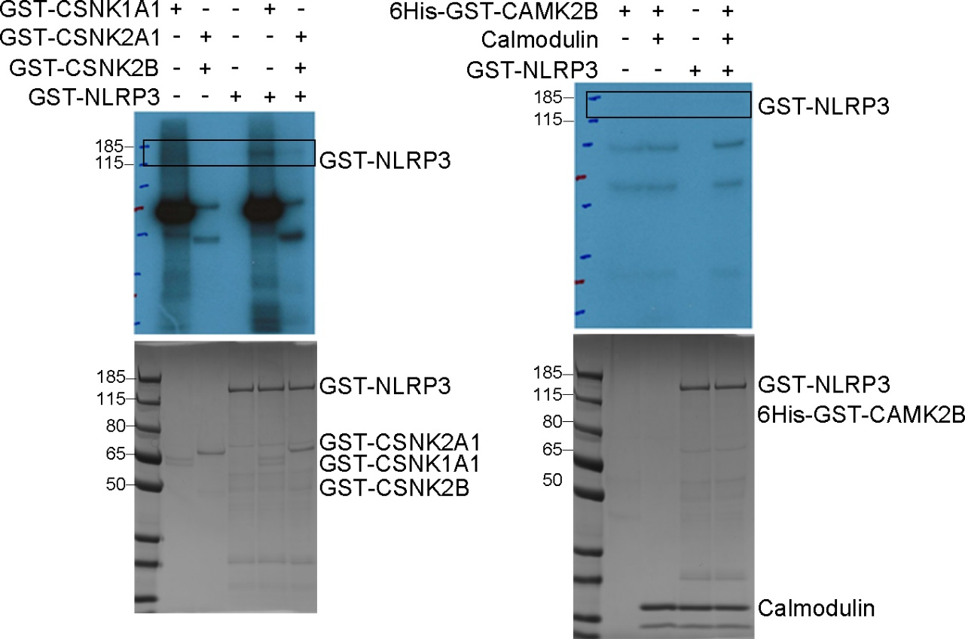
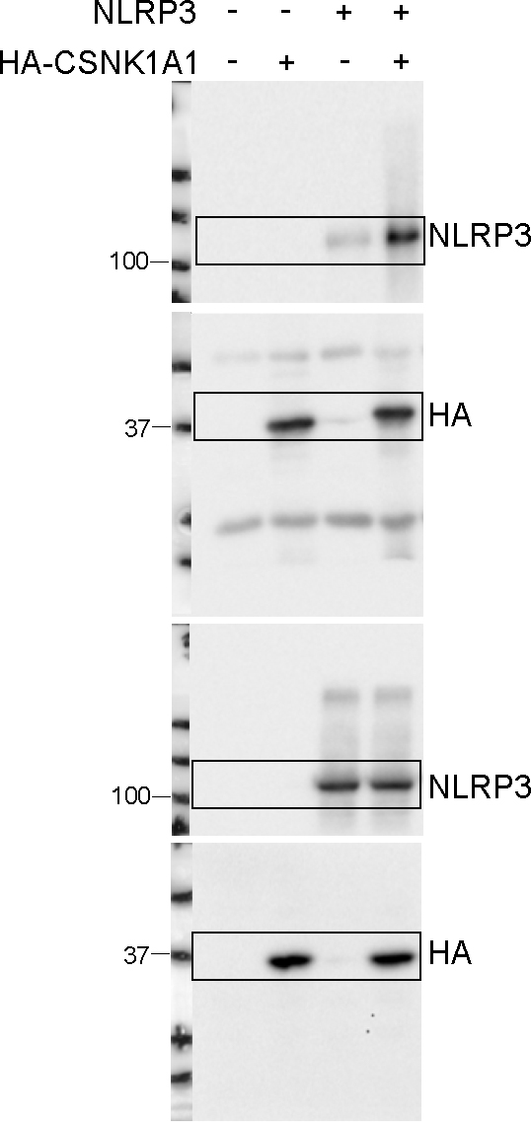
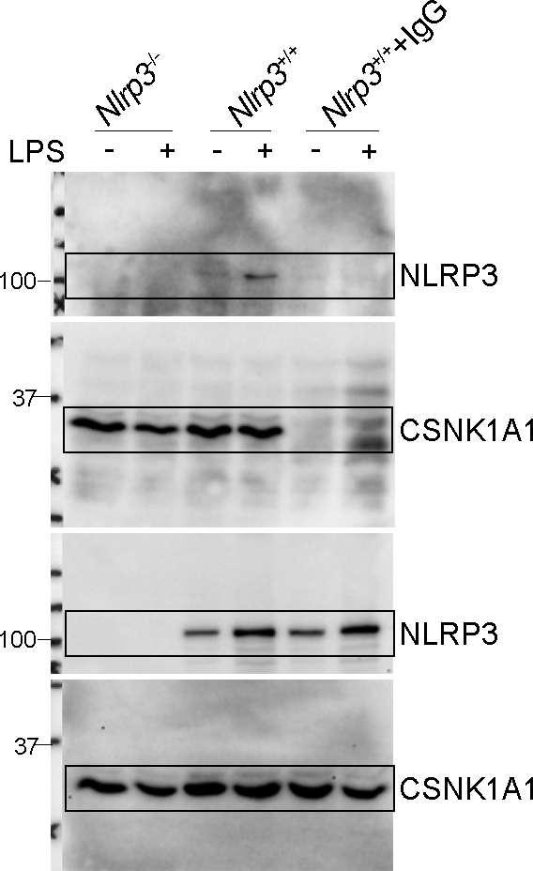

Figure 7h |  |  |  |  |  | Figure 7i

Supplementary Fig 1
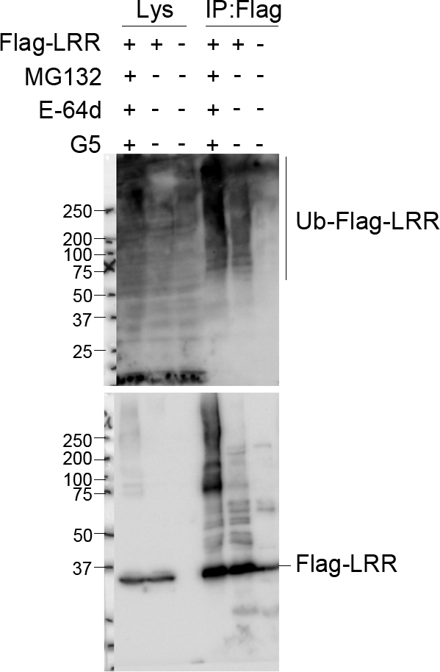
Supplementary Figure 1
Supplementary Figure 1a

Supplementary Fig 2
Supplementary Figure 2

Supplementary Figure 2a
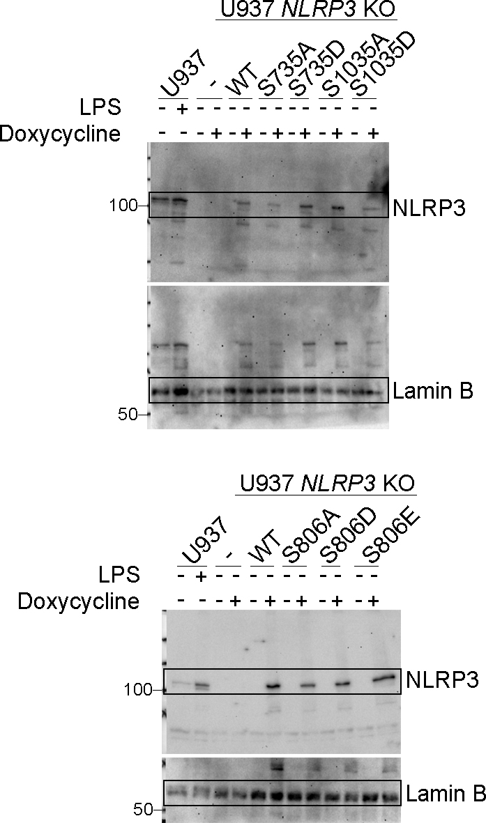

Supplementary Figure 2b

IL-1β
 | U937 NLRP3 KO
 | pInd |  | pInd-NLRP3 WT |  | pInd-NLRP3 1-688 |  | pInd-NLRP3 1-667 |  | pInd-NLRP3 S806A |  | pInd-NLRP3 S806D
NT | 223.8115 | 140.8684 | 334.0984 | 256.737 | 145.5577 | 74.1739 | 109.3539 | 58.00157 | 428.1492 | 824.84 | 299.4032 | 210.1999
LPS 50ng/ml | 1069.217 | 1008.477 | 1155.686 | 792.3252 | 684.6906 | 821.377 | 712.6739 | 724.7354 | 1269.383 | 1285.401 | 574.3162 | 821.377
LPS 100ng/ml | 2317.524 | 1798.023 | 2135.788 | 1850.82 | 1521.627 | 1443.47 | 1799.015 | 1478.679 | 1220.004 | 1221.017 | 1494.305 | 1961.943
LPS 50ng/ml+Nig 15ug/ml | 895.3538 | 658.8381 | 16416.34 | 18112.51 | 782.9543 | 802.824 | 598.6114 | 743.9047 | 2518.244 | 2374.859 | 547.1507 | 552.3508
LPS 100ng/ml+Nig 7.25ug/ml | 4377.625 | 5341.366 | 41688.9 | 32822.82 | 3061.401 | 1612.326 | 2844.382 | 1717.065 | 4773.938 | 4152.827 | 1573.307 | 1730.834

TNF
 | U937 NLRP3 KO
 | pInd |  | pInd-NLRP3 WT |  | pInd-NLRP3 1-688 |  | pInd-NLRP3 1-667 |  | pInd-NLRP3 S806A |  | pInd-NLRP3 S806D
NT | 803.5591 | 520.9922 | 562.142 | 634.113 | 793.2975 | 618.695 | 998.3459 | 813.8198 | 490.1184 | 407.7408 | 911.2473 | 603.2748
LPS 50ng/ml | 10778.33 | 9064.568 | 11845.97 | 8875.281 | 9122.512 | 9917.94 | 7316.195 | 9731.426 | 9587.934 | 9487.156 | 9264.955 | 11148.13
LPS 100ng/ml | 12694.51 | 13421.33 | 13404.16 | 16274.07 | 13754.61 | 13576.16 | 13513.02 | 13881.69 | 12313.02 | 12251.6 | 14317.76 | 14067.21
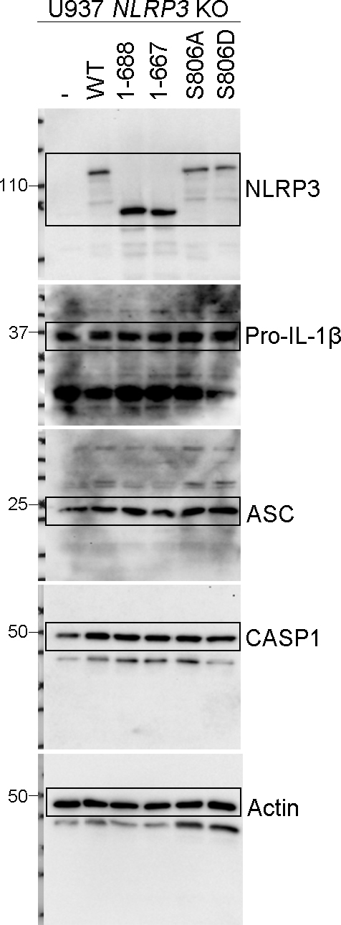

Supplementary Figure 2c

IL-1β
 | U937 NLRP3 KO
 | pInd |  | pInd-NLRP3 WT |  | pInd-NLRP3 S806A |  | pInd-NLRP3 S806D |  | pInd-NLRP3 S806E
LPS 180min | 48.36703 | 62.96701 | 111.0562 | 115.7095 | 52.48098 | 61.69808 | 52.48098 | 43.26059 | 78.88551 | 58.56633
LPS 10min+Nig | 43.26059 | 42.70622 | 615.2461 | 682.0601 | 136.5243 | 276.4575 | 61.06708 | 122.798 | 193.3659 | 262.0745
LPS 30min+Nig | 39.43578 | 39.43578 | 584.3087 | 691.0403 | 113.3755 | 154.8887 | 60.43839 | 73.44125 | 200.5785 | 186.2153
LPS 60min+Nig | 33.69461 | 34.71345 | 902.8638 | 682.0601 | 145.6259 | 234.6576 | 87.29717 | 72.77021 | 300.6885 | 284.178
LPS 180min+Nig | 62.96701 | 46.6417 | 2450.031 | 1656.272 | 570.5747 | 283.2112 | 119.6318 | 78.88551 | 428.265 | 508.035

IL-18
 | U937 NLRP3 KO
 | pInd |  | pInd-NLRP3 WT |  | pInd-NLRP3 S806A |  | pInd-NLRP3 S806D |  | pInd-NLRP3 S806E
LPS 180min | 8.608937 | 9.525138 | 16.45689 | 12.2851 | 7.694634 | 8.151548 | 8.608937 | 7.238195 | 12.74675 | 9.0668
LPS 10min+Nig | 9.0668 | 9.0668 | 220.8752 | 286.6553 | 34.97123 | 64.29829 | 14.59806 | 30.15687 | 51.68082 | 70.45277
LPS 30min+Nig | 8.151548 | 9.0668 | 196.34 | 222.7387 | 26.33855 | 31.11606 | 13.67146 | 14.13452 | 44.24443 | 53.68093
LPS 60min+Nig | 7.694634 | 7.694634 | 211.6061 | 201.2001 | 19.72791 | 29.67796 | 14.13452 | 12.74675 | 51.68082 | 47.20683
LPS 180min+Nig | 8.151548 | 9.0668 | 153.6861 | 132.5512 | 25.38859 | 13.67146 | 12.74675 | 9.983949 | 24.91431 | 29.19952

TNF
 | U937 NLRP3 KO
 | pInd |  | pInd-NLRP3 WT |  | pInd-NLRP3 S806A |  | pInd-NLRP3 S806D |  | pInd-NLRP3 S806E
LPS 180min | 5808.763 | 6106.303 | 6073.697 | 5098.592 | 4918.823 | 4452.934 | 6260.857 | 6407.992 | 4883.565 | 4727.66
LPS 10min+Nig | 307.0115 | 337.3095 | 310.3437 | 350.9954 | 274.1711 | 290.4813 | 327.1335 | 382.2724 | 290.4813 | 290.4813
LPS 30min+Nig | 361.3472 | 347.5614 | 368.2896 | 313.6845 | 317.0339 | 320.3919 | 354.4377 | 450.4285 | 354.4377 | 354.4377
LPS 60min+Nig | 1337.359 | 1308.387 | 1366.493 | 1250.929 | 1322.853 | 991.8044 | 1769.816 | 1754.201 | 1322.853 | 1208.27
LPS 180min+Nig | 5274.971 | 4990.027 | 4787.761 | 4444.822 | 3810.332 | 3279.891 | 5370.096 | 5025.978 | 4160.557 | 4253.674

Supplementary Figure 2d

IL-1β
 | U937 NLRP3 KO
 | pInd |  | pInd-NLRP3 WT |  | pInd-NLRP3 S806A |  | pInd-NLRP3 S806D |  | pInd-NLRP3 S806E
Pam3 180min | 50.53064 | 53.35988 | 88.50582 | 118.3856 | 50.53064 | 52.14841 | 52.55238 | 50.12563 | 63.46235 | 53.76345
Pam3 10min+Nig | 45.2389 | 55.37698 | 513.643 | 999.9549 | 124.9163 | 312.8566 | 83.61778 | 142.9188 | 173.5173 | 264.7502
Pam3 30min+Nig | 49.31479 | 45.2389 | 680.6133 | 580.0809 | 77.14134 | 77.9935 | 74.18337 | 60.22017 | 167.3406 | 170.0671
Pam3 60min+Nig | 48.90891 | 48.50271 | 834.7296 | 744.3552 | 66.72521 | 69.1908 | 67.13493 | 65.90711 | 277.5417 | 167.3406
Pam3 180min+Nig | 54.16693 | 48.90891 | 1836.651 | 1388.996 | 219.384 | 102.5567 | 116.7894 | 78.42082 | 273.8539 | 270.1925

IL-18
 | U937 NLRP3 KO
 | pInd |  | pInd-NLRP3 WT |  | pInd-NLRP3 S806A |  | pInd-NLRP3 S806D |  | pInd-NLRP3 S806E
Pam3 180min | 7.448708 | 6.562052 | 11.92282 | 12.37395 | 7.005038 | 7.005038 | 7.893062 | 6.562052 | 8.783814 | 7.893062
Pam3 10min+Nig | 7.005038 | 8.783814 | 168.2464 | 347.7162 | 25.74532 | 59.69487 | 20.14526 | 3.918553 | 54.59674 | 76.9232
Pam3 30min+Nig | 8.338097 | 7.448708 | 190.9337 | 185.3686 | 14.18519 | 17.38056 | 16.92208 | 10.57347 | 43.0955 | 42.60268
Pam3 60min+Nig | 6.562052 | 7.448708 | 149.0546 | 149.0546 | 11.47236 | 12.37395 | 10.12504 | 8.783814 | 39.17005 | 31.43815
Pam3 180min+Nig | 7.448708 | 6.119751 | 114.8253 | 93.10186 | 14.63967 | 9.23021 | 11.02258 | 7.893062 | 17.83969 | 16.92208

TNF
 | U937 NLRP3 KO
 | pInd |  | pInd-NLRP3 WT |  | pInd-NLRP3 S806A |  | pInd-NLRP3 S806D |  | pInd-NLRP3 S806E
Pam3 180min | 4625.657 | 4468.401 | 5845.795 | 4417.121 | 4618.05 | 3646.074 | 6417.242 | 5674.048 | 4402.571 | 3965.885
Pam3 10min+Nig | 326.4983 | 374.8227 | 344.4451 | 396.4254 | 276.8287 | 338.4392 | 338.4392 | 399.5338 | 308.7661 | 365.6491
Pam3 30min+Nig | 393.3225 | 405.7672 | 371.7591 | 396.4254 | 308.7661 | 305.832 | 317.6051 | 434.0874 | 390.2252 | 408.8922
Pam3 60min+Nig | 1007.528 | 1042.362 | 1176.33 | 923.5388 | 976.7936 | 878.4439 | 1322.088 | 1240.627 | 1188.326 | 1120.72
Pam3 180min+Nig | 4210.423 | 4059.473 | 4527.696 | 3906.693 | 3517.932 | 3328.993 | 4663.877 | 4595.3 | 3548.132 | 3733.459

Supplementary Figure 2e

IL-1β
 | U937 NLRP3 KO
 | pInd |  | pInd-NLRP3 WT |  | pInd-NLRP3 S806A |  | pInd-NLRP3 S806D |  | pInd-NLRP3 S806E
LPS | 364.1633 | 292.0226 | 319.63 | 354.1057 | 288.0414 | 203.9268 | 190.1676 | 152.4565 | 492.7332 | 174.0994
LPS+MSU | 1914.13 | 1927.179 | 4739.46 | 6320.318 | 3636.39 | 3625.97 | 2723.347 | 2857.316 | 4194.355 | 4220.324
LPS+Silica | 1013.299 | 991.6099 | 3694.507 | 4955.388 | 1454.966 | 1694.528 | 858.6603 | 1141.422 | 1557.452 | 1736.402

IL-18
 | U937 NLRP3 KO
 | pInd |  | pInd-NLRP3 WT |  | pInd-NLRP3 S806A |  | pInd-NLRP3 S806D |  | pInd-NLRP3 S806E
LPS | 9.445334 | 8.764918 | 13.54633 | 14.23291 | 11.49187 | 10.12663 | 8.085385 | 8.085385 | 12.86063 | 10.80881
LPS+MSU | 11.49187 | 12.17581 | 54.06841 | 57.75608 | 27.44423 | 26.74104 | 12.86063 | 14.23291 | 26.74104 | 21.84314
LPS+Silica | 10.12663 | 12.86063 | 33.10091 | 39.53082 | 15.6087 | 15.6087 | 11.49187 | 14.23291 | 17.67897 | 20.45159

TNF
 | U937 NLRP3 KO
 | pInd |  | pInd-NLRP3 WT |  | pInd-NLRP3 S806A |  | pInd-NLRP3 S806D |  | pInd-NLRP3 S806E
NT | 378.109 | 347.9719 | 419.3211 | 406.3178 | 488.7191 | 502.3998 | 318.5128 | 340.543 | 421.9353 | 398.5698
LPS | 7074.121 | 8042.135 | 7488.431 | 8891.033 | 8741.728 | 8999.273 | 8258.845 | 8934.168 | 9219.815 | 9642.591

Supplementary Figure 2f

IL-1β
 | U937 NLRP3 KO
 | pInd |  | pInd-NLRP3 WT |  | pInd-NLRP3 S806A |  | pInd-NLRP3 S806D |  | pInd-NLRP3 S806E
LPS | 120.0427 | 176.4456 | 124.8343 | 109.5662 | 118.2449 | 103.1914 | 104.6228 | 166.5587 | 142.9152 | 106.3672
LPS+Nig | 62.91058 | 120.2547 | 1945.75 | 1707.485 | 775.4198 | 625.9172 | 254.1674 | 252.0957 | 549.8854 | 516.4535
LPS+S.typhimurium | 1186.513 | 1186.513 | 806.2138 | 735.5922 | 945.3516 | 950.221 | 1169.819 | 1238.119 | 1238.942 | 976.3246

TNF
 | U937 NLRP3 KO
 | pInd |  | pInd-NLRP3 WT |  | pInd-NLRP3 S806A |  | pInd-NLRP3 S806D |  | pInd-NLRP3 S806E
NT | 132.1904 | 133.4954 | 94.95903 | 87.54384 | 53.89222 | 50.38397 | 115.0411 | 66.47461 | 115.8175 | 61.17994
LPS | 762.7694 | 845.6753 | 754.1921 | 779.9894 | 1032.649 | 953.4709 | 929.8593 | 985.2996 | 1056.538 | 954.1676

Supplementary Figure 2g

IL-1β
 | U937 NLRP3 KO
 | pInd |  | pInd-NLRP3 WT |  | pInd-NLRP3 S806A |  | pInd-NLRP3 S806D |  | pInd-NLRP3 S806E
LPS | 54.53449 | 31.99562 | 461.6649 | 543.7189 | 23.6396 | 23.6396 | 69.03243 | 59.74402 | 74.43707 | 66.35645
LPS+Nig | 34.42569 | 35.64777 | 8396.505 | 9126.107 | 1595.8 | 1615.784 | 813.3038 | 789.3715 | 1685.138 | 1830.71
LPS+Poly (dA:dT) | 3211.983 | 2363.211 | 3829.406 | 2993.763 | 4123.264 | 4032.018 | 4734.529 | 4703.061 | 3452.897 | 3907.504

TNF
 | U937 NLRP3 KO
 | pInd |  | pInd-NLRP3 WT |  | pInd-NLRP3 S806A |  | pInd-NLRP3 S806D |  | pInd-NLRP3 S806E
NT | 62.06795 | 66.08756 | 141.1524 | 154.1505 | 30.50002 | 30.50002 | 277.0745 | 167.2841 | 86.427 | 82.32711
LPS | 5883.296 | 7473.643 | 5447.655 | 6264.846 | 5523.237 | 6779.066 | 6455.391 | 5819.177 | 4929.949 | 4902.487

Supplementary Figure 2h

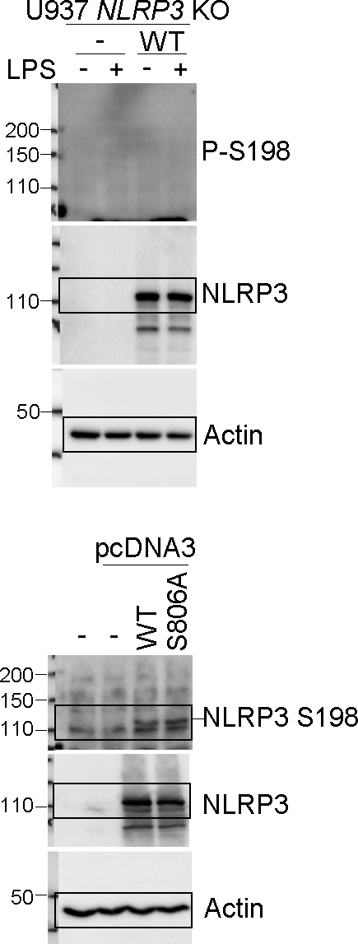

Supplementary Figure 2i

Supplementary Fig 3
Supplementary Figure 3

Supplementary Figure 3a
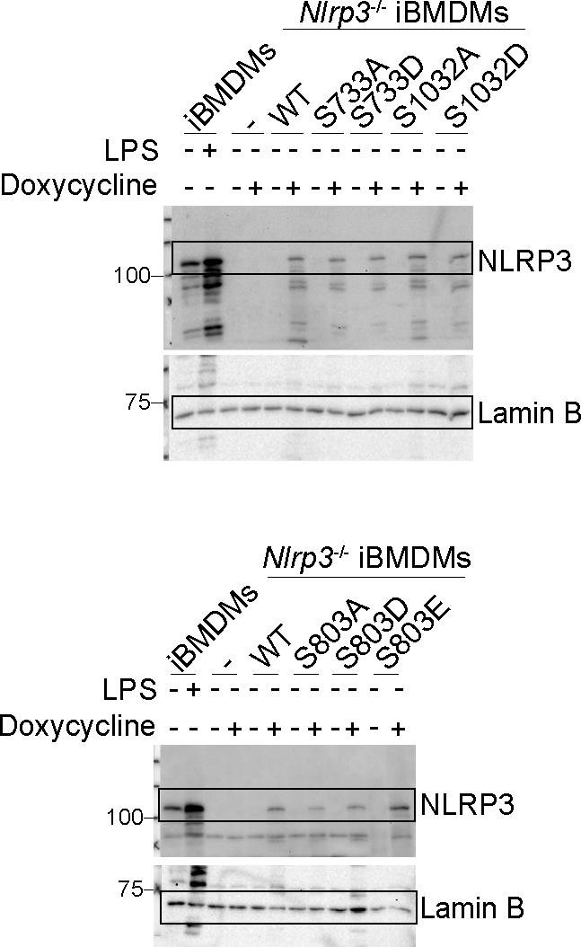

Supplementary Figure 3b

IL-1β
 | iBMDMs Nlrp3-/-
 | pInd |  | pInd-NLRP3 WT |  | pInd-NLRP3 1-686 |  | pInd-NLRP3 1-665 |  | pInd-NLRP3 S803A |  | pInd-NLRP3 S803D
NT | 19.03811 | -1.654908 | 4.428502 | -1.187874 | 9.125452 | -11.89134 | 10.53749 | 2.553957 | 11.4796 | -4.919962 | -41.70039 | -50.28964
LPS 50ng/ml | 3.95963 | 1.617593 | 33.3135 | 22.83175 | 0.6818364 | -13.28149 | 23.78166 | 1.14963 | 38.58131 | -10.03567 | -17.44365 | -11.89134
LPS 100ng/ml | -54.33843 | -18.36689 | 11.00848 | 24.73216 | -3.987853 | -0.7206696 | -4.453975 | -3.521562 | 20.93373 | 27.58726 | 1.14963 | -10.49982
LPS 50ng/ml+Nig 15ug/ml | -8.642301 | -71.73502 | 1127.025 | 764.8113 | -48.03481 | -9.571359 | -26.64826 | -37.15704 | 11.00848 | 103.1701 | 64.21195 | 106.1652
LPS 100ng/ml+Nig 7.25ug/ml | 13.8375 | 14.78172 | 744.1095 | 521.6568 | 50.62 | 31.87994 | 39.54102 | 27.58726 | 73.49989 | 68.605 | 107.1647 | 152.7187

TNF
 | iBMDMs Nlrp3-/-
 | pInd |  | pInd-NLRP3 WT |  | pInd-NLRP3 1-686 |  | pInd-NLRP3 1-665 |  | pInd-NLRP3 S803A |  | pInd-NLRP3 S803D
NT | 391.4597 | 392.6351 | 530.0847 | 560.5394 | 433.993 | 444.6966 | 648.0792 | 564.2071 | 665.5178 | 661.7761 | 608.4362 | 651.8112
LPS 50ng/ml | 4929.785 | 5847.431 | 18798.7 | 26932.71 | 21933.9 | 18454.29 | 21467.94 | 20448.81 | 21303.84 | 19657.22 | 17199.57 | 19297.43
LPS 100ng/ml | 7634.082 | 8277.069 | 23330.86 | 23366.54 | 30157.62 | 40972.41 | 36986.52 | 29176.71 | 22616.35 | 23944.59 | 20261.04 | 21699.72

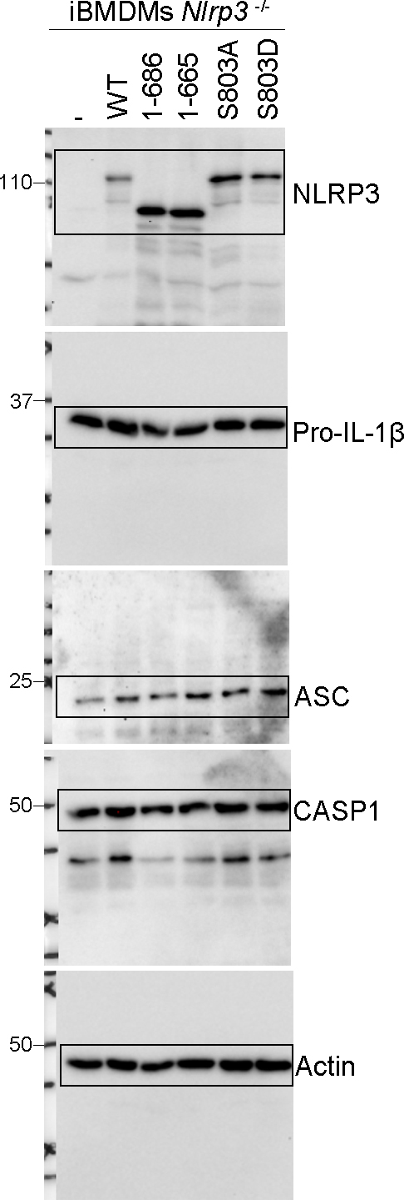

Supplementary Figure 3c

IL-1β
 | iBMDMs Nlrp3-/-
 | pInd |  | pInd-NLRP3 WT |  | pInd-NLRP3 S803A |  | pInd-NLRP3 S803D |  | pInd-NLRP3 S803E
NT | 18.02047 | 16.5177 | 19.52344 | 18.02047 | 18.02047 | 16.5177 | 24.03359 | 19.52344 | 19.52344 | 19.52344
LPS+Nig | 19.52344 | 9.006833 | 351.2906 | 348.0898 | 19.52344 | 19.52344 | 22.53 | 19.52344 | 21.02661 | 19.52344
LPS+S.typhimurium | 1903.653 | 1859.532 | 1559.981 | 1816.028 | 1751.908 | 1876.005 | 2697.753 | 2774.977 | 1441.152 | 1637.794

TNF
 | iBMDMs Nlrp3-/-
 | pInd |  | pInd-NLRP3 WT |  | pInd-NLRP3 S803A |  | pInd-NLRP3 S803D |  | pInd-NLRP3 S803E
NT | 41.43124 | 43.89417 | 43.89417 | 43.89417 | 62.5461 | 68.3289 | 46.40751 | 41.43124 | 46.40751 | 41.43124
LPS | 6093.329 | 5849.449 | 5193.195 | 5182.978 | 6848.874 | 6945.563 | 8538.982 | 8429.073 | 4705.861 | 4657.64

Supplementary Figure 3d

IL-1β
 | iBMDMs Nlrp3-/-
 | pInd |  | pInd-NLRP3 WT |  | pInd-NLRP3 S803A |  | pInd-NLRP3 S803D |  | pInd-NLRP3 S803E
NT | 35.09024 | 33.82447 | 32.56262 | 33.82447 | 30.05076 | 27.5547 | 28.80075 | 30.05076 | 31.30472 | 32.56262
LPS+Nig | 33.82447 | 30.05076 | 268.1213 | 350.1348 | 32.56262 | 30.05076 | 31.30472 | 30.05076 | 30.05076 | 31.30472
LPS+Flagellin | 158.0543 | 150.1723 | 156.471 | 154.8911 | 175.6976 | 174.0766 | 134.6698 | 122.5221 | 139.2837 | 140.8287

TNF
 | iBMDMs Nlrp3-/-
 | pInd |  | pInd-NLRP3 WT |  | pInd-NLRP3 S803A |  | pInd-NLRP3 S803D |  | pInd-NLRP3 S803E
NT | 119.813 | 104.1636 | 83.81169 | 88.8437 | 93.91322 | 93.91322 | 88.8437 | 88.8437 | 83.81169 | 83.81169
LPS | 6200.67 | 5922.189 | 5601.049 | 5374.72 | 7551.969 | 7811.645 | 5543.34 | 5718.796 | 5430.188 | 5718.796

Supplementary Figure 3e

IL-1β
 | iBMDMs Nlrp3-/-
 | pInd |  | pInd-NLRP3 WT |  | pInd-NLRP3 S803A |  | pInd-NLRP3 S803D |  | pInd-NLRP3 S803E
NT | 20.71867 | 19.93932 | 22.28016 | 23.0623 | 21.49895 | 21.49895 | 23.0623 | 23.0623 | 22.28016 | 22.28016
LPS+Nig | 20.71867 | 20.71867 | 326.7851 | 334.8093 | 23.0623 | 22.28016 | 23.84539 | 25.41437 | 22.28016 | 22.28016
LPS+Poly(dA:dT) | 422.4302 | 445.1721 | 477.5286 | 406.29 | 623.6102 | 593.0397 | 623.6102 | 578.7249 | 437.5403 | 433.7437

TNF
 | iBMDMs Nlrp3-/-
 | pInd |  | pInd-NLRP3 WT |  | pInd-NLRP3 S803A |  | pInd-NLRP3 S803D |  | pInd-NLRP3 S803E
NT | 101.1588 | 108.6594 | 97.43315 | 93.72401 | 86.35543 | 90.03143 | 93.72401 | 90.03143 | 90.03143 | 86.35543
LPS | 7078.815 | 7221.61 | 5548.971 | 5664.778 | 8825.477 | 8767.546 | 6562.102 | 6288.131 | 5969.672 | 7110.322

Supplementary Fig 4
Supplementary Figure 4

Supplementary Figure 4b
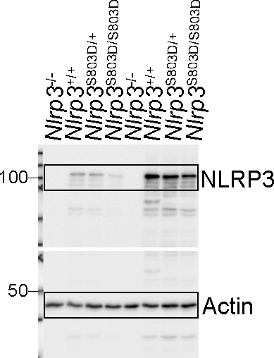

Supplementar Figure 4c

IL-1β
 | Nlrp3+/+ |  |  | Nlrp3+/- |  |  | Nlrp3-/- |  |  | Nlrp3S803D/+ |  |  | Nlrp3S803D/S803D
NT | -15.82412 | 28.00329 | 63.79723 | -54.68785 | 37.75789 | -2.849852 | -28.7885 | -7.716361 | 10.13418 | -41.74312 | -57.9225 | -59.53962 | -61.15654 | -27.16852 | -88.62107
LPS | 76.83161 | -28.7885 | -36.88628 | -69.23897 | -61.15654 | -32.02806 | -46.59851 | -30.40839 | 34.50574 | -49.8347 | -14.20285 | -43.36172 | -85.39225 | -72.47085 | -62.77335
LPS+Nig | 3963.377 | 3963.378 | 5094.409 | 1660.91 | 1660.806 | 2698.111 | -490.5399 | -54.68785 | 24.75299 | 1452.681 | 1340.694 | 1641.314 | -375.114 | -95.07692 | -83.77765

IL-18
 | Nlrp3+/+ |  |  | Nlrp3+/- |  |  | Nlrp3-/- |  |  | Nlrp3S803D/+ |  |  | Nlrp3S803D/S803D
NT | -30.61491 | -28.4449 | -38.36745 | -25.96528 | -39.60823 | -43.95171 | -36.19635 | -57.61073 | -40.22865 | 10.56244 | 12.7266 | -8.30958 | -30.92493 | -51.71101 | -41.77981
LPS | -31.85505 | -22.55646 | -40.84909 | -29.06488 | -23.48607 | -29.37487 | -32.78523 | -29.99488 | -20.69742 | -30.92493 | -18.21904 | 6.233201 | -27.51501 | -34.64574 | -27.82496
LPS+Nig | 304.4794 | 246.7689 | 360.7549 | 86.73918 | 83.04717 | 138.9454 | -51.40056 | -52.64238 | -59.47425 | 111.3295 | 79.04647 | 136.4927 | -43.9517 | -35.57608 | -47.05497

TNF
 | Nlrp3+/+ |  |  | Nlrp3+/- |  |  | Nlrp3-/- |  |  | Nlrp3S803D/+ |  |  | Nlrp3S803D/S803D
NT | 107.8754 | 98.00385 | 83.98098 | 191.6086 | 112.3056 | 82.91389 | 107.8754 | 82.91389 | 92.57738 | 235.3276 | 102.3747 | 95.82831 | 160.4016 | 144.0503 | 103.4716
LPS | 6726.05 | 6784.325 | 6585.708 | 6715.771 | 6705.494 | 6852.941 | 6442.277 | 7100.408 | 7162.368 | 6777.466 | 7148.596 | 6894.139 | 6051.61 | 6146.42 | 6428.636

Supplementary Figure 4d

IL-1β
 | Nlrp3+/+ |  | Nlrp3-/- |  | Nlrp3S803D/+ |  | Nlrp3S803D/S803D
NT | 193.9879 | 176.2451 | 80.51192 | 48.62989 | 193.9879 | 69.88297 | 165.6017 | 87.59884
Pam3 | 105.3191 | 179.7934 | 105.3191 | 137.2269 | 147.8661 | 133.6809 | 55.71353 | 76.96875
Pam3+Nig | 9526.815 | 10099.28 | -8.013808 | -8.013808 | 3262.964 | 3490.404 | 6.14282 | -57.53977

TNF
 | Nlrp3+/+ |  | Nlrp3-/- |  | Nlrp3S803D/+ |  | Nlrp3S803D/S803D
NT | 136.4374 | 133.2584 | 176.2872 | 133.2584 | 141.2084 | 131.6694 | 131.6694 | 117.3833
Pam3 | 3501.677 | 3462.44 | 3016.841 | 2884.714 | 2936.988 | 3188.658 | 3998.976 | 3859.661

Supplementary Figure 4e

IL-1β
 | Nlrp3+/+ |  | Nlrp3-/- |  | Nlrp3S803D/+ |  | Nlrp3S803D/S803D
NT | -20.44825 | -24.50612 | -22.83818 | -31.37186 | -38.16499 | -30.19326 | -15.88446 | -36.532
LPS | -27.82959 | -29.24882 | -24.03 | -26.40728 | -31.37186 | -25.21969 | -27.59275 | -17.80969
LPS+E.coli | 954.1037 | 770.5935 | 32.85253 | 22.6714 | 286.6171 | 353.9848 | 4.642294 | -3.733746

LDH
 | Nlrp3+/+ |  | Nlrp3-/- |  | Nlrp3S803D/+ |  | Nlrp3S803D/S803D
NT | -0.08715194 | 0.08715194 | 0.3054994 | -0.3054994 | 1.070862 | -1.070862 | -0.5208949 | 0.5208949
LPS | -0.4606568 | 0.7096613 | 2.596741 | 1.425662 | 0.2776307 | 0.5949225 | 0.426187 | 0.4498644
LPS+E.coli | 16.96962 | 19.13595 | 21.25764 | 20.74847 | 17.64939 | 21.06029 | 17.04747 | 16.33716

TNF
 | Nlrp3+/+ |  | Nlrp3-/- |  | Nlrp3S803D/+ |  | Nlrp3S803D/S803D
NT | 95.59211 | 96.29364 | 101.9129 | 82.99841 | 102.6162 | 64.92036 | 121.6799 | 95.59211
LPS | 6396.826 | 6167.332 | 6228.639 | 5931.347 | 4980.884 | 5113.821 | 6264.459 | 6264.519

Supplementary Figure 4f

IL-1β
 | Nlrp3+/+ |  |  | Nlrp3-/- |  |  | Nlrp3S803D/+ |  |  | Nlrp3S803D/S803D
NT | 56.49083 | 66.629 | 58.44542 | 50.97276 | 59.42408 | 61.05723 | 58.77154 | 70.24995 | 53.24134 | 87.19907 | 54.86482 | 53.56583
Pam3 | 88.20434 | 119.133 | 94.25516 | 69.92027 | 64.98719 | 76.53336 | 73.55242 | 86.19474 | 75.20748 | 77.86087 | 60.40367 | 58.11939
Pam3+tLPS | 998.2521 | 935.6323 | 1182.155 | 165.4961 | 187.1571 | 229.6993 | 790.6348 | 672.7324 | 578.542 | 175.1982 | 216.9813 | 191.1681

LDH
 | Nlrp3+/+ |  |  | Nlrp3-/- |  |  | Nlrp3S803D/+ |  |  | Nlrp3S803D/S803D
Pam3 | -1.338315 | -0.3093138 | -1.02594 | -2.3755 | -2.38466 | -3.144942 | -0.2145088 | 0.4290176 | -0.897036 | 0.6650364 | 2.42487 | 1.267332
Pam3+tLPS | 14.35397 | 14.81334 | 14.93278 | 10.10045 | 13.1141 | 12.05154 | 17.31669 | 17.4922 | 16.05889 | 15.53423 | 16.52237 | 16.14593

TNF
 | Nlrp3+/+ |  |  | Nlrp3-/- |  |  | Nlrp3S803D/+ |  |  | Nlrp3S803D/S803D
NT | 24.13421 | -7.595714 | 10.29337 | 2.162976 | -6.22088 | 9.809391 | -5.30076 | -3.915221 | -16.1538 | -8.052554 | -4.377787 | 7.40027
LPS | 940.8026 | 981.1705 | 917.1798 | 665.6572 | 685.2427 | 550.9924 | 969.7432 | 1026.16 | 862.2589 | 732.966 | 953.3389 | 924.6118

Supplementary Figure 4g

IL-1β
 | Nlrp3+/+ |  | Nlrp3-/- |  | Nlrp3S803D/+ |  | Nlrp3S803D/S803D
NT | 532.2328 | 536.7144 | 572.9805 | 523.3038 | 589.8478 | 477.9016 | 529.2513 | 502.648
LPS | 530.7414 | 550.2282 | 551.7362 | 553.2453 | 488.0467 | 508.5242 | 547.2163 | 473.5728
LPS+Nig | 9066.747 | 8322.551 | 529.2513 | 542.7078 | 8061.23 | 5505.038 | 515.8981 | 548.7216
LPS+S.typhimurium | 14655.82 | 14563.12 | 10994.24 | 16794.45 | 13295.6 | 12305.14 | 14274.54 | 12711.84

TNF
 | Nlrp3+/+ |  | Nlrp3-/- |  | Nlrp3S803D/+ |  | Nlrp3S803D/S803D
NT | 89.00053 | 88.16233 | 116.6084 | 94.91017 | 86.49047 | 93.21419 | 96.61215 | 95.76041
LPS | 5636.035 | 6410.961 | 8668.275 | 7390.337 | 5111.609 | 5297.317 | 5935.718 | 6629.571

Supplementary Figure 4h

IL-1β
 | Nlrp3+/+ |  | Nlrp3-/- |  | Nlrp3S803D/+ |  | Nlrp3S803D/S803D
NT | 366.5955 | 342.8895 | 323.2961 | 326.0658 | 357.8984 | 338.6505 | 352.8656 | 315.7299
LPS | 366.5955 | 375.3802 | 332.3334 | 324.6798 | 373.1758 | 360.7877 | 342.8895 | 369.5141
LPS+tFlagellin | 1847.902 | 1722.326 | 1696.54 | 1603.473 | 1858.296 | 1642.671 | 1625.82 | 1736.726

LDH
 | Nlrp3+/+ |  | Nlrp3-/- |  | Nlrp3S803D/+ |  | Nlrp3S803D/S803D
NT | 0.3748708 | -0.3748708 | -0.127877 | 0.127877 | 0.09383781 | -0.09383781 | 0.504706 | -0.504706
LPS | -0.7368153 | -0.762668 | -0.8312018 | -0.09590717 | -1.188614 | 0.5630274 | 0.1773296 | 0.9684896
LPS+tFlagellin | 13.17218 | 12.68097 | 15.40921 | 15.05755 | 13.60651 | 11.69847 | 9.944074 | 11.82649

TNF
 | Nlrp3+/+ |  | Nlrp3-/- |  | Nlrp3S803D/+ |  | Nlrp3S803D/S803D
NT | 65.21268 | 54.41221 | 62.83218 | 65.61289 | 61.26508 | 54.04113 | 70.90528 | 68.03493
LPS | 18348.99 | 16128.26 | 14404.87 | 11442.04 | 14012.71 | 12878.77 | 13917.72 | 17434.54

Supplementary Figure 4i

IL-1β
 | Nlrp3+/+ |  | Nlrp3-/- |  | Nlrp3S803D/+ |  | Nlrp3S803D/S803D
NT | 381.3753 | 371.0912 | 346.7618 | 345.5921 | 423.0243 | 342.675 | 370.4898 | 385.0324
LPS | 386.8663 | 389.3171 | 356.7683 | 346.1768 | 401.0451 | 363.3045 | 347.9331 | 374.7077
LPS+tPoly(dA:dT) | 6111.467 | 6032.815 | 10298.65 | 4967.376 | 7649.538 | 9006.357 | 8582.101 | 9806.607

LDH
 | Nlrp3+/+ |  | Nlrp3-/- |  | Nlrp3S803D/+ |  | Nlrp3S803D/S803D
NT | 0.3748708 | -0.3748708 | -0.127877 | 0.127877 | 0.09383781 | -0.09383781 | 0.504706 | -0.504706
LPS | -0.7368153 | -0.762668 | -0.8312018 | -0.09590717 | -1.188614 | 0.5630274 | 0.1773296 | 0.9684896
LPS+tPoly(dA:dT) | 59.6303 | 34.78542 | 37.69181 | 39.57801 | 38.1295 | 34.59493 | 30.1596 | 53.64889

TNF
 | Nlrp3+/+ |  | Nlrp3-/- |  | Nlrp3S803D/+ |  | Nlrp3S803D/S803D
NT | 107.1752 | 86.24594 | 92.06429 | 99.95138 | 105.1567 | 94.41493 | 102.3462 | 88.95078
LPS | 19171.43 | 18927.44 | 15912.18 | 13953.07 | 13788.76 | 15036.9 | 16927.45 | 14244.76

Supplementary Fig 5
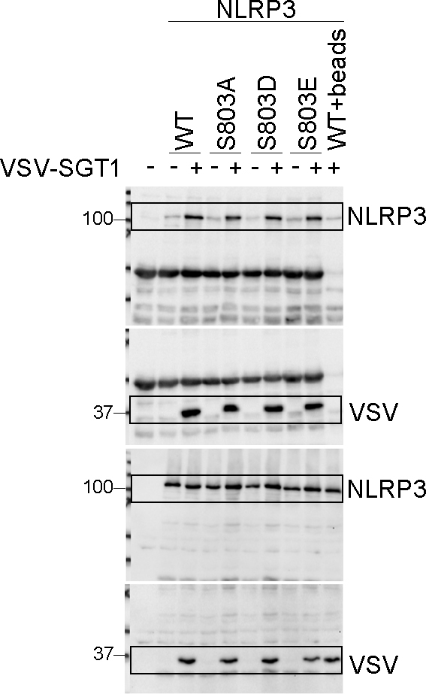
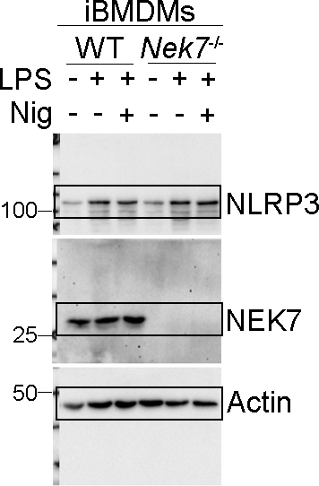
Supplementary Figure 5
Supplemenatry Figure 5a

IL-1β
 | WT |  | Nek7-/-
NT | -20.85262 | -29.62129 | -27.28357 | -19.68301
LPS | -26.11455 | -23.19152 | -31.9586 | -24.94542
LPS+Nig | 376.0905 | 275.0228 | 23.66817 | -10.90753

TNF
 | WT |  | Nek7-/-
NT | 532.3804 | 557.5903 | 881.9016 | 940.5093
LPS | 7146.377 | 4417.467 | 7649.738 | 6638.664

Supplementary Figure 5c
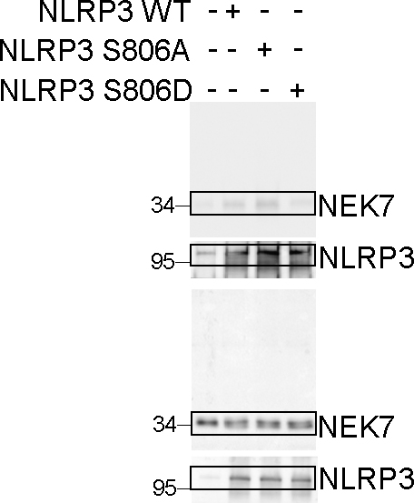

Supplementary Figure 5d

Supplementary Fig 7
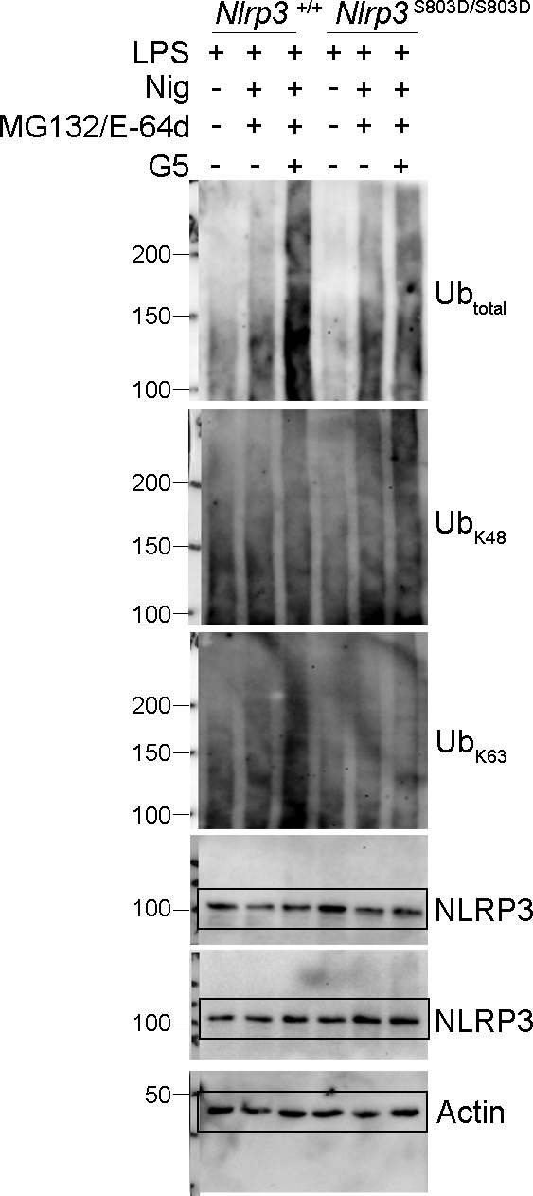
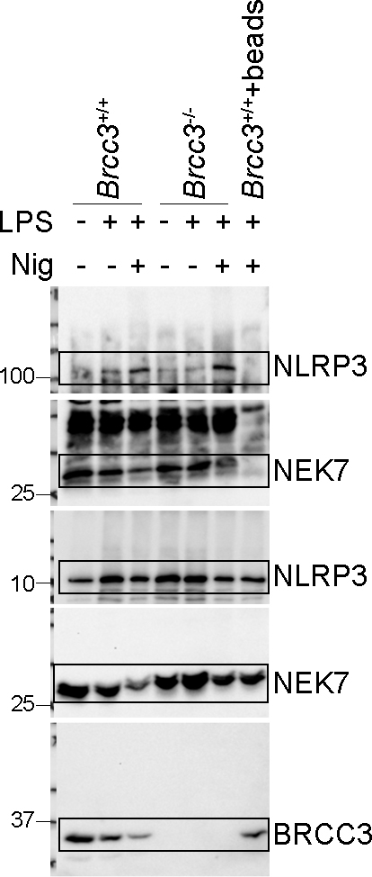
Supplementary Figure 7

Supplementary Figure 7a | Supplementary Figure 7b
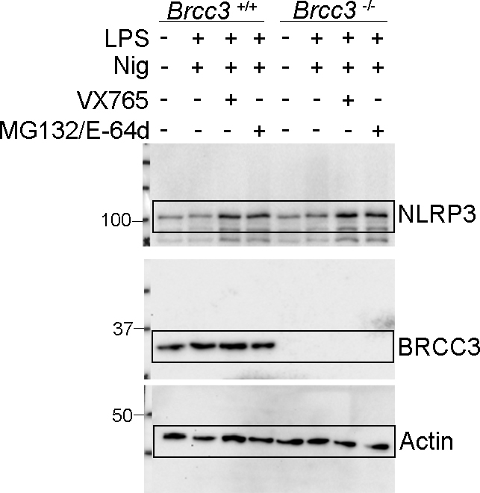
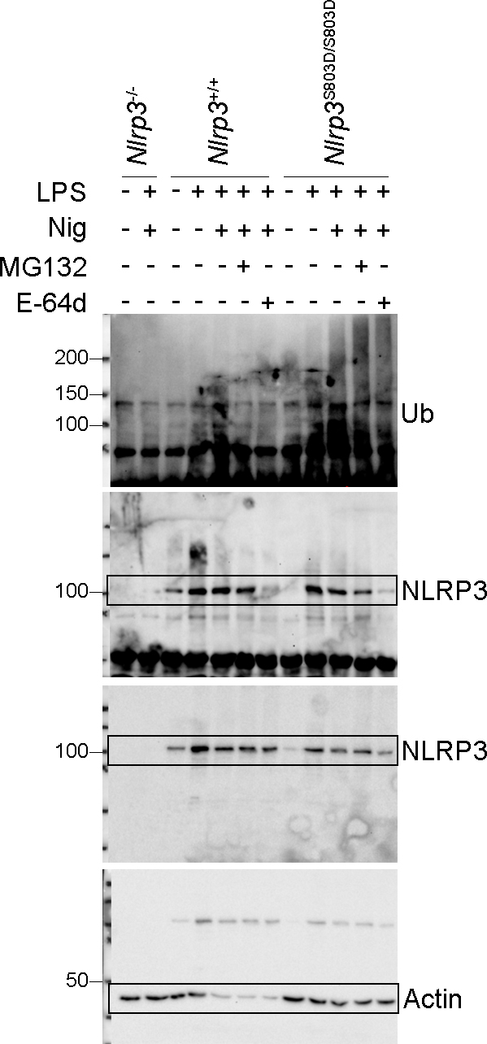

Supplementary Figure 7c |  | Supplementary Figure 7d

