Figure 8 b
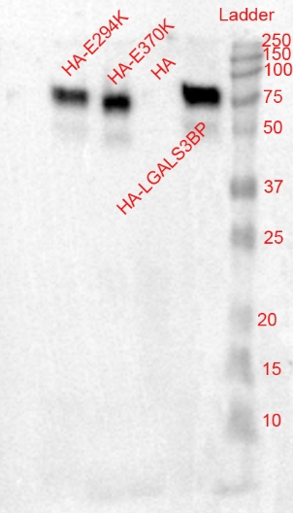
Exosomes isolated from SH-SY5Y cells upon LGAKS3BP variants electroporation

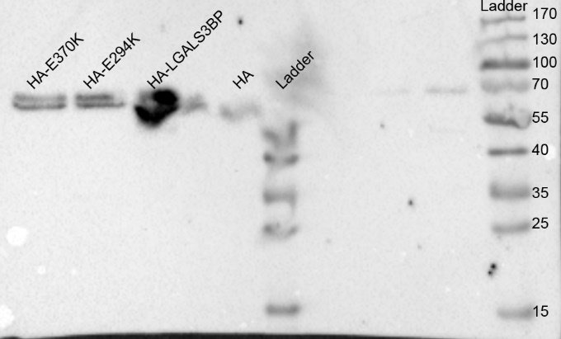

 | anti-LGALS3BP |  | anti-CD81 | anti-HA

Exosomes isolated from control cerebral organoids

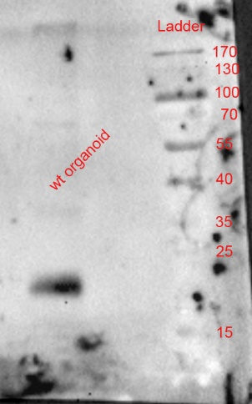
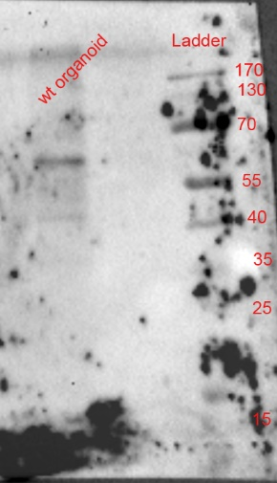

anti-CD81 |  | anti-LGALS3BP | Ladder

Legend: Uncropped blots that are shown in Fig.8b are illustrated in the Source Data File. These blots represent western blot analysis for the expression levels of HA, LGALS3BP or CD81 antibodies performed in protein extracts isolated from EVs derived from control COs or SH-SY5Y cells upon electroporation of HA, HA-LGALS3BP, HA-E370K or HA-E294K

Fig2b,c, Extended Data Fig2x
Principle for gating strategy for all FACS data presented in Figu2b,c and Extended Data Fig2x

Panel P1 indicates strategy for excluding cell debris
Panel single cells indicated gating to collect single cells

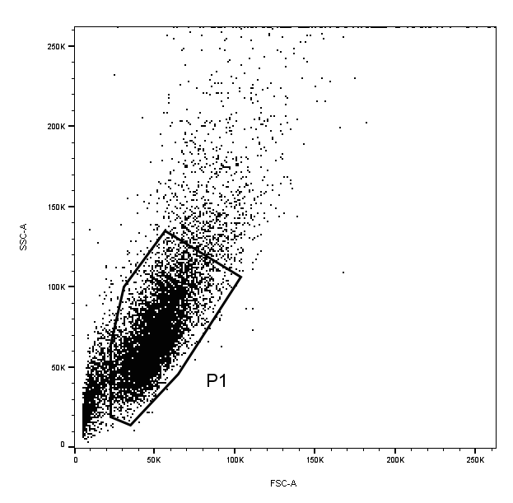
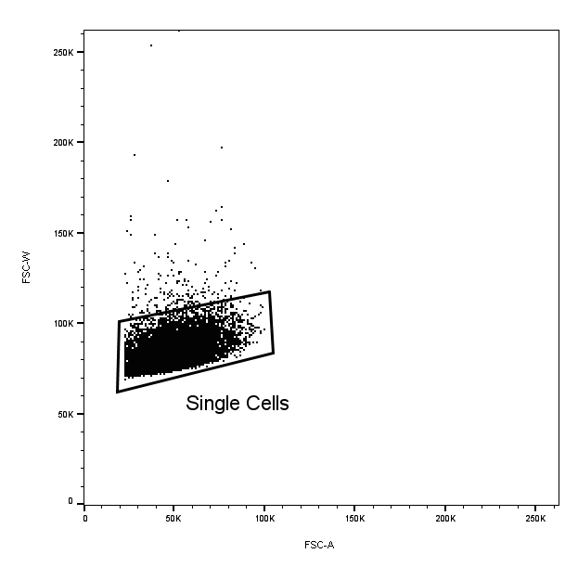

Legend: Gating strategy SSC-A/FSC-A gates were done to exclude cell debris and FSC-W/FSC-A to collect single cells. The boundary between positive and negative staining cells was set according to the isotype control of each staining which is included in the respective figure panels

