detected genes - transcripts
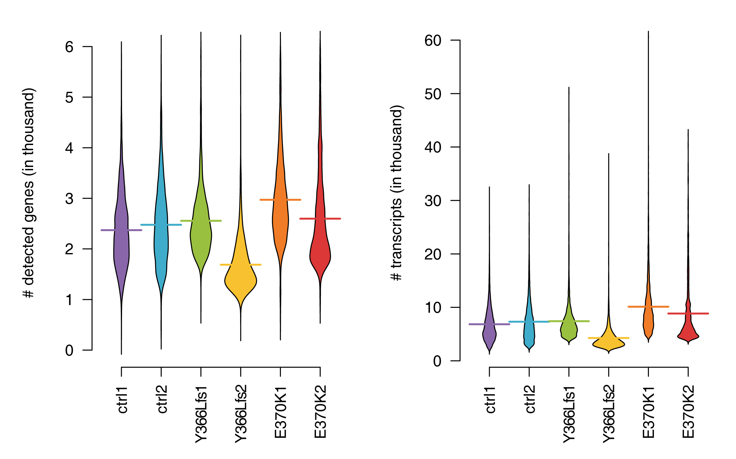
distribution of detected gene number and transcript number (UMI number) in the six samples

 | median nGene | mean nGene | median nUMI | mean nUMI
ctrl1 | 2275 | 2,370,838 | 6150.5 | 6,845,765
ctrl2 | 2377 | 2,476,271 | 6472 | 7,317,351
Y366Lfs1 | 2425.5 | 2,555,179 | 6510 | 7,416,655
Y366Lfs2 | 1540 | 1,687,564 | 3627.5 | 4,259,764
E370K1 | 2827 | 2,970,592 | 8809 | 10,117,776
E370K2 | 2313 | 2,597,028 | 6494 | 8,849,759

