NGS_AmpliconInfo
Primer name | Sequence
F501 | AATGATACGGCGACCACCGAGATCTACACtagatcgcTCGTCGGCAGCGTC
F502 | AATGATACGGCGACCACCGAGATCTACACctctctatTCGTCGGCAGCGTC
F503 | AATGATACGGCGACCACCGAGATCTACACtatcctctTCGTCGGCAGCGTC
R701 | CAAGCAGAAGACGGCATACGAGATtcgccttaGTCTCGTGGGCTCGG
R702 | CAAGCAGAAGACGGCATACGAGATctagtacgGTCTCGTGGGCTCGG
R703 | CAAGCAGAAGACGGCATACGAGATttctgcctGTCTCGTGGGCTCGG
R704 | CAAGCAGAAGACGGCATACGAGATgctcaggaGTCTCGTGGGCTCGG
R705 | CAAGCAGAAGACGGCATACGAGATaggagtccGTCTCGTGGGCTCGG
R706 | CAAGCAGAAGACGGCATACGAGATcatgcctaGTCTCGTGGGCTCGG
R707 | CAAGCAGAAGACGGCATACGAGATgtagagagGTCTCGTGGGCTCGG
R708 | CAAGCAGAAGACGGCATACGAGATcctctctgGTCTCGTGGGCTCGG
R709 | CAAGCAGAAGACGGCATACGAGATagcgtagcGTCTCGTGGGCTCGG
R710 | CAAGCAGAAGACGGCATACGAGATcagcctcgGTCTCGTGGGCTCGG
R711 | CAAGCAGAAGACGGCATACGAGATtgcctcttGTCTCGTGGGCTCGG
R712 | CAAGCAGAAGACGGCATACGAGATtcctctacGTCTCGTGGGCTCGG

Detailed amplicon information:
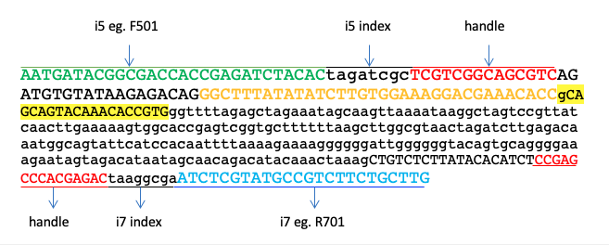

The highlighted sequence is the gRNA sequence, right after "CACC" in yellow font.
The backbone sequence (e.g. i5-BACKBONE-sgRNA-BACKBONE-i7) comes from pLentiGuide-puro Vector (https://www.addgene.org/52963/).

