t<3.5d Process
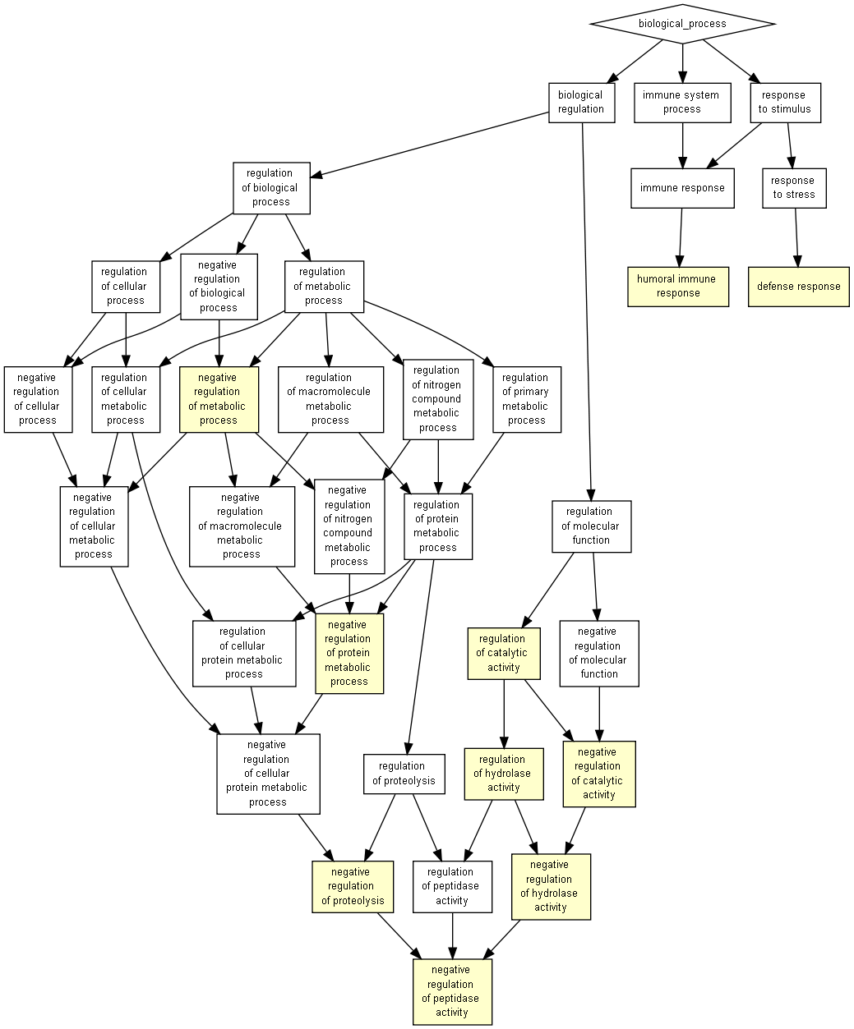
GO term | Description | P-value | FDR q-value | Enrichment (N, B, n, b) | Genes
GO:0051346 | negative regulation of hydrolase activity | 7.86E-05 | 2.52E-01 | 1.54 (137,32,75,27) | [+] Show genes
GO:0043086 | negative regulation of catalytic activity | 1.19E-04 | 1.91E-01 | 1.48 (137,37,75,30) | [+] Show genes
GO:0006952 | defense response | 1.46E-04 | 1.56E-01 | 1.57 (137,28,75,24) | [+] Show genes
GO:0051336 | regulation of hydrolase activity | 1.49E-04 | 1.19E-01 | 1.44 (137,42,75,33) | [+] Show genes
GO:0050790 | regulation of catalytic activity | 2.03E-04 | 1.30E-01 | 1.35 (137,54,75,40) | [+] Show genes
GO:0051248 | negative regulation of protein metabolic process | 3.80E-04 | 2.03E-01 | 1.46 (137,35,75,28) | [+] Show genes
GO:0045861 | negative regulation of proteolysis | 4.68E-04 | 2.15E-01 | 1.51 (137,29,75,24) | [+] Show genes
GO:0006959 | humoral immune response | 4.70E-04 | 1.89E-01 | 1.83 (137,12,75,12) | [+] Show genes
GO:0010466 | negative regulation of peptidase activity | 8.22E-04 | 2.93E-01 | 1.50 (137,28,75,23) | [+] Show genes
GO:0009892 | negative regulation of metabolic process | 8.28E-04 | 2.66E-01 | 1.34 (137,49,75,36) | [+] Show genes

t<3.5d Function
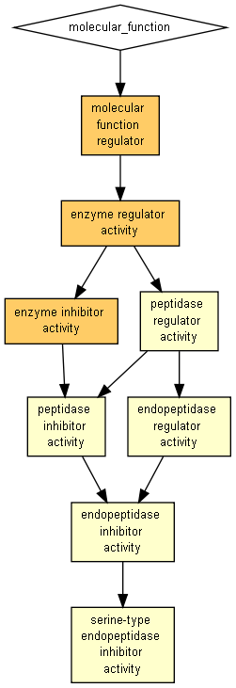
GO term | Description | P-value | FDR q-value | Enrichment (N, B, n, b) | Genes
GO:0004857 | enzyme inhibitor activity | 1.91E-07 | 1.07E-04 | 1.71 (137,31,75,29) | [+] Show genes
GO:0030234 | enzyme regulator activity | 6.91E-07 | 1.93E-04 | 1.59 (137,39,75,34) | [+] Show genes
GO:0098772 | molecular function regulator | 4.84E-06 | 9.02E-04 | 1.52 (137,42,75,35) | [+] Show genes
GO:0004866 | endopeptidase inhibitor activity | 1.48E-05 | 2.06E-03 | 1.68 (137,25,75,23) | [+] Show genes
GO:0030414 | peptidase inhibitor activity | 1.48E-05 | 1.65E-03 | 1.68 (137,25,75,23) | [+] Show genes
GO:0061135 | endopeptidase regulator activity | 1.48E-05 | 1.37E-03 | 1.68 (137,25,75,23) | [+] Show genes
GO:0004867 | serine-type endopeptidase inhibitor activity | 3.58E-05 | 2.86E-03 | 1.74 (137,20,75,19) | [+] Show genes
GO:0061134 | peptidase regulator activity | 3.73E-05 | 2.61E-03 | 1.62 (137,27,75,24) | [+] Show genes

t<3.5d Component
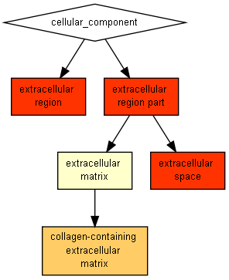
GO term | Description | P-value | FDR q-value | Enrichment (N, B, n, b) | Genes
GO:0005576 | extracellular region | 4.08E-15 | 1.49E-12 | 1.59 (137,69,75,60) | [+] Show genes
GO:0044421 | extracellular region part | 2.29E-12 | 4.18E-10 | 1.50 (137,73,75,60) | [+] Show genes
GO:0005615 | extracellular space | 4.60E-10 | 5.60E-08 | 1.49 (137,66,75,54) | [+] Show genes
GO:0062023 | collagen-containing extracellular matrix | 8.89E-06 | 8.11E-04 | 1.74 (137,22,75,21) | [+] Show genes
GO:0031012 | extracellular matrix | 2.91E-05 | 2.12E-03 | 1.67 (137,24,75,22) | [+] Show genes

t>3.5d Process
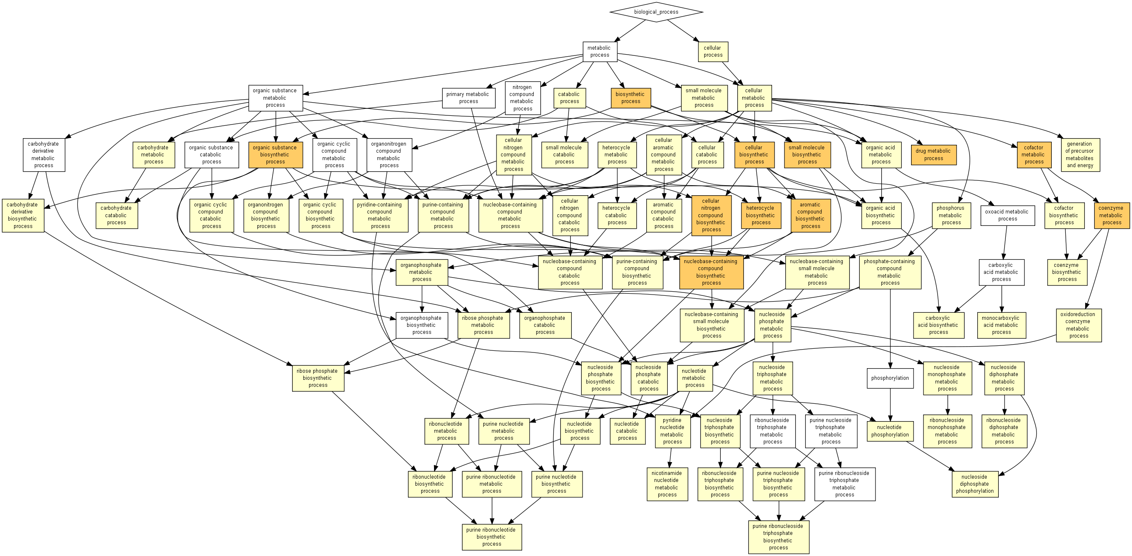
GO term | Description | P-value | FDR q-value | Enrichment (N, B, n, b) | Genes
GO:0019438 | aromatic compound biosynthetic process | 3.51E-07 | 1.13E-03 | 2.21 (137,17,62,17) | [+] Show genes
GO:0017144 | drug metabolic process | 4.54E-07 | 7.28E-04 | 1.90 (137,29,62,25) | [+] Show genes
GO:0018130 | heterocycle biosynthetic process | 9.23E-07 | 9.88E-04 | 2.21 (137,16,62,16) | [+] Show genes
GO:0051186 | cofactor metabolic process | 1.52E-06 | 1.22E-03 | 1.94 (137,25,62,22) | [+] Show genes
GO:0034654 | nucleobase-containing compound biosynthetic process | 2.40E-06 | 1.54E-03 | 2.21 (137,15,62,15) | [+] Show genes
GO:0044249 | cellular biosynthetic process | 2.70E-06 | 1.44E-03 | 1.80 (137,32,62,26) | [+] Show genes
GO:1901576 | organic substance biosynthetic process | 3.69E-06 | 1.69E-03 | 1.75 (137,34,62,27) | [+] Show genes
GO:0009058 | biosynthetic process | 3.69E-06 | 1.48E-03 | 1.75 (137,34,62,27) | [+] Show genes
GO:0044271 | cellular nitrogen compound biosynthetic process | 4.35E-06 | 1.55E-03 | 2.00 (137,21,62,19) | [+] Show genes
GO:0006732 | coenzyme metabolic process | 6.14E-06 | 1.97E-03 | 2.21 (137,14,62,14) | [+] Show genes
GO:0044283 | small molecule biosynthetic process | 8.86E-06 | 2.58E-03 | 1.92 (137,23,62,20) | [+] Show genes
GO:0006725 | cellular aromatic compound metabolic process | 1.02E-05 | 2.72E-03 | 1.82 (137,28,62,23) | [+] Show genes
GO:1901362 | organic cyclic compound biosynthetic process | 1.05E-05 | 2.60E-03 | 1.99 (137,20,62,18) | [+] Show genes
GO:0044248 | cellular catabolic process | 1.45E-05 | 3.32E-03 | 1.77 (137,30,62,24) | [+] Show genes
GO:0034404 | nucleobase-containing small molecule biosynthetic process | 1.55E-05 | 3.33E-03 | 2.21 (137,13,62,13) | [+] Show genes
GO:0034641 | cellular nitrogen compound metabolic process | 2.43E-05 | 4.88E-03 | 1.69 (137,34,62,26) | [+] Show genes
GO:0006753 | nucleoside phosphate metabolic process | 2.50E-05 | 4.71E-03 | 1.98 (137,19,62,17) | [+] Show genes
GO:0055086 | nucleobase-containing small molecule metabolic process | 2.50E-05 | 4.45E-03 | 1.98 (137,19,62,17) | [+] Show genes
GO:0009117 | nucleotide metabolic process | 2.50E-05 | 4.22E-03 | 1.98 (137,19,62,17) | [+] Show genes
GO:0019439 | aromatic compound catabolic process | 3.89E-05 | 6.24E-03 | 2.21 (137,12,62,12) | [+] Show genes
GO:1901361 | organic cyclic compound catabolic process | 3.89E-05 | 5.94E-03 | 2.21 (137,12,62,12) | [+] Show genes
GO:0044270 | cellular nitrogen compound catabolic process | 3.89E-05 | 5.67E-03 | 2.21 (137,12,62,12) | [+] Show genes
GO:0046700 | heterocycle catabolic process | 3.89E-05 | 5.42E-03 | 2.21 (137,12,62,12) | [+] Show genes
GO:0009987 | cellular process | 4.20E-05 | 5.61E-03 | 1.21 (137,104,62,57) | [+] Show genes
GO:0046483 | heterocycle metabolic process | 5.16E-05 | 6.62E-03 | 1.78 (137,26,62,21) | [+] Show genes
GO:0006139 | nucleobase-containing compound metabolic process | 7.71E-05 | 9.52E-03 | 1.83 (137,23,62,19) | [+] Show genes
GO:0034655 | nucleobase-containing compound catabolic process | 9.60E-05 | 1.14E-02 | 2.21 (137,11,62,11) | [+] Show genes
GO:1901137 | carbohydrate derivative biosynthetic process | 9.60E-05 | 1.10E-02 | 2.21 (137,11,62,11) | [+] Show genes
GO:1901292 | nucleoside phosphate catabolic process | 9.60E-05 | 1.06E-02 | 2.21 (137,11,62,11) | [+] Show genes
GO:1901293 | nucleoside phosphate biosynthetic process | 9.60E-05 | 1.03E-02 | 2.21 (137,11,62,11) | [+] Show genes
GO:0072524 | pyridine-containing compound metabolic process | 9.60E-05 | 9.94E-03 | 2.21 (137,11,62,11) | [+] Show genes
GO:0051188 | cofactor biosynthetic process | 9.60E-05 | 9.63E-03 | 2.21 (137,11,62,11) | [+] Show genes
GO:0046390 | ribose phosphate biosynthetic process | 9.60E-05 | 9.34E-03 | 2.21 (137,11,62,11) | [+] Show genes
GO:0009260 | ribonucleotide biosynthetic process | 9.60E-05 | 9.06E-03 | 2.21 (137,11,62,11) | [+] Show genes
GO:0009166 | nucleotide catabolic process | 9.60E-05 | 8.80E-03 | 2.21 (137,11,62,11) | [+] Show genes
GO:0009165 | nucleotide biosynthetic process | 9.60E-05 | 8.56E-03 | 2.21 (137,11,62,11) | [+] Show genes
GO:0009056 | catabolic process | 1.12E-04 | 9.73E-03 | 1.66 (137,32,62,24) | [+] Show genes
GO:0044237 | cellular metabolic process | 1.17E-04 | 9.91E-03 | 1.33 (137,75,62,45) | [+] Show genes
GO:0072521 | purine-containing compound metabolic process | 1.33E-04 | 1.09E-02 | 1.95 (137,17,62,15) | [+] Show genes
GO:0009259 | ribonucleotide metabolic process | 1.33E-04 | 1.06E-02 | 1.95 (137,17,62,15) | [+] Show genes
GO:0019693 | ribose phosphate metabolic process | 1.33E-04 | 1.04E-02 | 1.95 (137,17,62,15) | [+] Show genes
GO:0016053 | organic acid biosynthetic process | 1.38E-04 | 1.05E-02 | 2.05 (137,14,62,13) | [+] Show genes
GO:0046394 | carboxylic acid biosynthetic process | 1.38E-04 | 1.03E-02 | 2.05 (137,14,62,13) | [+] Show genes
GO:0044281 | small molecule metabolic process | 2.04E-04 | 1.49E-02 | 1.49 (137,46,62,31) | [+] Show genes
GO:0006733 | oxidoreduction coenzyme metabolic process | 2.34E-04 | 1.67E-02 | 2.21 (137,10,62,10) | [+] Show genes
GO:0006091 | generation of precursor metabolites and energy | 2.34E-04 | 1.64E-02 | 2.21 (137,10,62,10) | [+] Show genes
GO:0006164 | purine nucleotide biosynthetic process | 2.34E-04 | 1.60E-02 | 2.21 (137,10,62,10) | [+] Show genes
GO:0019362 | pyridine nucleotide metabolic process | 2.34E-04 | 1.57E-02 | 2.21 (137,10,62,10) | [+] Show genes
GO:0072522 | purine-containing compound biosynthetic process | 2.34E-04 | 1.54E-02 | 2.21 (137,10,62,10) | [+] Show genes
GO:0009108 | coenzyme biosynthetic process | 2.34E-04 | 1.50E-02 | 2.21 (137,10,62,10) | [+] Show genes
GO:0009142 | nucleoside triphosphate biosynthetic process | 2.34E-04 | 1.48E-02 | 2.21 (137,10,62,10) | [+] Show genes
GO:0009132 | nucleoside diphosphate metabolic process | 2.34E-04 | 1.45E-02 | 2.21 (137,10,62,10) | [+] Show genes
GO:0009152 | purine ribonucleotide biosynthetic process | 2.34E-04 | 1.42E-02 | 2.21 (137,10,62,10) | [+] Show genes
GO:0046496 | nicotinamide nucleotide metabolic process | 2.34E-04 | 1.39E-02 | 2.21 (137,10,62,10) | [+] Show genes
GO:0006163 | purine nucleotide metabolic process | 2.97E-04 | 1.73E-02 | 1.93 (137,16,62,14) | [+] Show genes
GO:0032787 | monocarboxylic acid metabolic process | 2.97E-04 | 1.70E-02 | 1.93 (137,16,62,14) | [+] Show genes
GO:0019637 | organophosphate metabolic process | 3.15E-04 | 1.77E-02 | 1.70 (137,26,62,20) | [+] Show genes
GO:0005975 | carbohydrate metabolic process | 3.19E-04 | 1.76E-02 | 2.04 (137,13,62,12) | [+] Show genes
GO:1901566 | organonitrogen compound biosynthetic process | 3.58E-04 | 1.95E-02 | 1.79 (137,21,62,17) | [+] Show genes
GO:0006796 | phosphate-containing compound metabolic process | 4.67E-04 | 2.50E-02 | 1.62 (137,30,62,22) | [+] Show genes
GO:0006793 | phosphorus metabolic process | 4.67E-04 | 2.46E-02 | 1.62 (137,30,62,22) | [+] Show genes
GO:0006165 | nucleoside diphosphate phosphorylation | 5.66E-04 | 2.93E-02 | 2.21 (137,9,62,9) | [+] Show genes
GO:0016052 | carbohydrate catabolic process | 5.66E-04 | 2.88E-02 | 2.21 (137,9,62,9) | [+] Show genes
GO:0044282 | small molecule catabolic process | 5.66E-04 | 2.84E-02 | 2.21 (137,9,62,9) | [+] Show genes
GO:0009201 | ribonucleoside triphosphate biosynthetic process | 5.66E-04 | 2.80E-02 | 2.21 (137,9,62,9) | [+] Show genes
GO:0009206 | purine ribonucleoside triphosphate biosynthetic process | 5.66E-04 | 2.75E-02 | 2.21 (137,9,62,9) | [+] Show genes
GO:0046939 | nucleotide phosphorylation | 5.66E-04 | 2.71E-02 | 2.21 (137,9,62,9) | [+] Show genes
GO:0009185 | ribonucleoside diphosphate metabolic process | 5.66E-04 | 2.67E-02 | 2.21 (137,9,62,9) | [+] Show genes
GO:0009145 | purine nucleoside triphosphate biosynthetic process | 5.66E-04 | 2.63E-02 | 2.21 (137,9,62,9) | [+] Show genes
GO:0006082 | organic acid metabolic process | 6.39E-04 | 2.93E-02 | 1.68 (137,25,62,19) | [+] Show genes
GO:0009123 | nucleoside monophosphate metabolic process | 6.52E-04 | 2.95E-02 | 1.92 (137,15,62,13) | [+] Show genes
GO:0009141 | nucleoside triphosphate metabolic process | 6.52E-04 | 2.91E-02 | 1.92 (137,15,62,13) | [+] Show genes
GO:0009161 | ribonucleoside monophosphate metabolic process | 6.52E-04 | 2.87E-02 | 1.92 (137,15,62,13) | [+] Show genes
GO:0009150 | purine ribonucleotide metabolic process | 6.52E-04 | 2.83E-02 | 1.92 (137,15,62,13) | [+] Show genes
GO:0046434 | organophosphate catabolic process | 7.25E-04 | 3.10E-02 | 2.03 (137,12,62,11) | [+] Show genes

t>3.5d Function
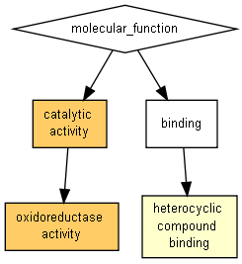
GO term | Description | P-value | FDR q-value | Enrichment (N, B, n, b) | Genes
GO:0003824 | catalytic activity | 1.95E-07 | 1.09E-04 | 1.52 (137,64,62,44) | [+] Show genes
GO:0016491 | oxidoreductase activity | 4.35E-06 | 1.22E-03 | 2.00 (137,21,62,19) | [+] Show genes
GO:1901363 | heterocyclic compound binding | 1.81E-04 | 3.38E-02 | 1.55 (137,40,62,28) | [+] Show genes

t>3.5d Component
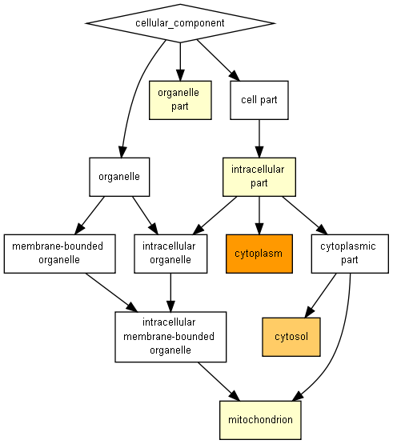
GO term | Description | P-value | FDR q-value | Enrichment (N, B, n, b) | Genes
GO:0005737 | cytoplasm | 5.74E-08 | 2.10E-05 | 1.52 (137,67,62,46) | [+] Show genes
GO:0005829 | cytosol | 1.81E-06 | 3.30E-04 | 1.57 (137,52,62,37) | [+] Show genes
GO:0044422 | organelle part | 1.92E-04 | 2.34E-02 | 1.53 (137,42,62,29) | [+] Show genes
GO:0005739 | mitochondrion | 2.35E-04 | 2.14E-02 | 1.86 (137,19,62,16) | [+] Show genes
GO:0044424 | intracellular part | 3.23E-04 | 2.35E-02 | 1.21 (137,99,62,54) | [+] Show genes

