Process
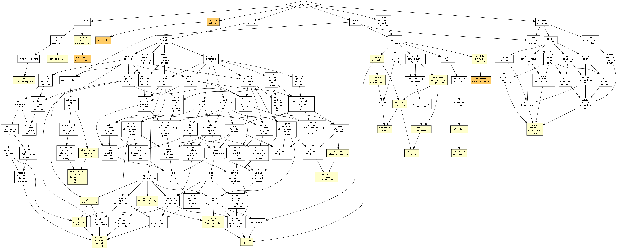
GO term | Description | P-value | FDR q-value | Enrichment (N, B, n, b) | Genes
GO:0009887 | animal organ morphogenesis | 1.23E-07 | 9.59E-04 | 6.89 (1444,32,72,11) | [+] Show genes
GO:0007155 | cell adhesion | 1.27E-07 | 4.97E-04 | 4.46 (1444,72,72,16) | [+] Show genes
GO:0022610 | biological adhesion | 1.57E-07 | 4.08E-04 | 4.40 (1444,73,72,16) | [+] Show genes
GO:0030198 | extracellular matrix organization | 7.80E-06 | 1.52E-02 | 5.28 (1444,38,72,10) | [+] Show genes
GO:0043062 | extracellular structure organization | 2.07E-05 | 3.23E-02 | 4.78 (1444,42,72,10) | [+] Show genes
GO:0040029 | regulation of gene expression, epigenetic | 2.73E-05 | 3.55E-02 | 8.60 (1444,14,72,6) | [+] Show genes
GO:0000018 | regulation of DNA recombination | 2.74E-05 | 3.06E-02 | 16.04 (1444,5,72,4) | [+] Show genes
GO:0006325 | chromatin organization | 3.97E-05 | 3.87E-02 | 4.46 (1444,45,72,10) | [+] Show genes
GO:0001501 | skeletal system development | 5.57E-05 | 4.83E-02 | 10.03 (1444,10,72,5) | [+] Show genes
GO:0006333 | chromatin assembly or disassembly | 5.57E-05 | 4.35E-02 | 10.03 (1444,10,72,5) | [+] Show genes
GO:0006334 | nucleosome assembly | 6.72E-05 | 4.77E-02 | 7.52 (1444,16,72,6) | [+] Show genes
GO:0034728 | nucleosome organization | 9.99E-05 | 6.50E-02 | 7.08 (1444,17,72,6) | [+] Show genes
GO:0045910 | negative regulation of DNA recombination | 1.19E-04 | 7.15E-02 | 20.06 (1444,3,72,3) | [+] Show genes
GO:0016584 | nucleosome positioning | 1.19E-04 | 6.64E-02 | 20.06 (1444,3,72,3) | [+] Show genes
GO:0031935 | regulation of chromatin silencing | 1.19E-04 | 6.20E-02 | 20.06 (1444,3,72,3) | [+] Show genes
GO:0031936 | negative regulation of chromatin silencing | 1.19E-04 | 5.81E-02 | 20.06 (1444,3,72,3) | [+] Show genes
GO:0009888 | tissue development | 1.24E-04 | 5.69E-02 | 3.62 (1444,61,72,11) | [+] Show genes
GO:0065004 | protein-DNA complex assembly | 1.44E-04 | 6.24E-02 | 6.69 (1444,18,72,6) | [+] Show genes
GO:0009653 | anatomical structure morphogenesis | 1.79E-04 | 7.37E-02 | 2.63 (1444,122,72,16) | [+] Show genes
GO:0071824 | protein-DNA complex subunit organization | 2.02E-04 | 7.89E-02 | 6.33 (1444,19,72,6) | [+] Show genes
GO:0006342 | chromatin silencing | 3.42E-04 | 1.27E-01 | 10.03 (1444,8,72,4) | [+] Show genes
GO:0045814 | negative regulation of gene expression, epigenetic | 3.42E-04 | 1.21E-01 | 10.03 (1444,8,72,4) | [+] Show genes
GO:0060968 | regulation of gene silencing | 3.42E-04 | 1.16E-01 | 10.03 (1444,8,72,4) | [+] Show genes
GO:0030261 | chromosome condensation | 4.59E-04 | 1.49E-01 | 15.04 (1444,4,72,3) | [+] Show genes
GO:0006323 | DNA packaging | 4.59E-04 | 1.43E-01 | 15.04 (1444,4,72,3) | [+] Show genes
GO:0038065 | collagen-activated signaling pathway | 4.59E-04 | 1.38E-01 | 15.04 (1444,4,72,3) | [+] Show genes
GO:0038063 | collagen-activated tyrosine kinase receptor signaling pathway | 4.59E-04 | 1.33E-01 | 15.04 (1444,4,72,3) | [+] Show genes
GO:0071230 | cellular response to amino acid stimulus | 5.93E-04 | 1.65E-01 | 8.91 (1444,9,72,4) | [+] Show genes

Function
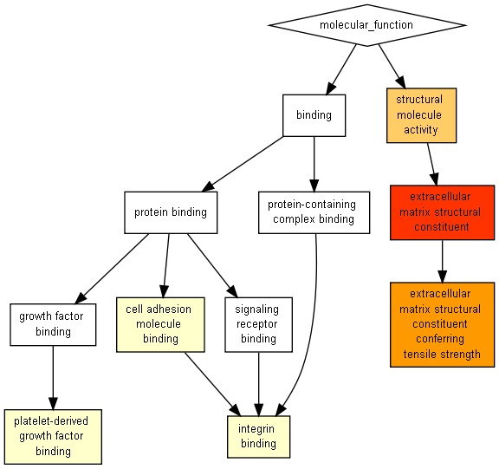
GO term | Description | P-value | FDR q-value | Enrichment (N, B, n, b) | Genes
GO:0005201 | extracellular matrix structural constituent | 1.83E-17 | 3.49E-14 | 9.57 (1444,44,72,21) | [+] Show genes
GO:0030020 | extracellular matrix structural constituent conferring tensile strength | 1.10E-08 | 1.05E-05 | 13.37 (1444,12,72,8) | [+] Show genes
GO:0005198 | structural molecule activity | 4.44E-06 | 2.82E-03 | 2.62 (1444,176,72,23) | [+] Show genes
GO:0048407 | platelet-derived growth factor binding | 2.74E-05 | 1.31E-02 | 16.04 (1444,5,72,4) | [+] Show genes
GO:0050839 | cell adhesion molecule binding | 3.11E-04 | 1.19E-01 | 4.34 (1444,37,72,8) | [+] Show genes
GO:0005178 | integrin binding | 6.41E-04 | 2.04E-01 | 5.23 (1444,23,72,6) | [+] Show genes

Component
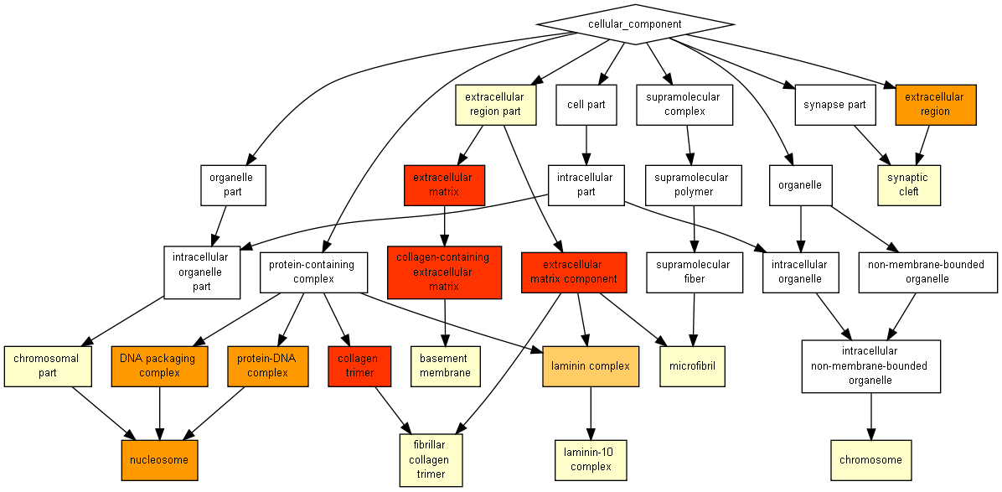
GO term | Description | P-value | FDR q-value | Enrichment (N, B, n, b) | Genes
GO:0044420 | extracellular matrix component | 3.79E-14 | 4.18E-11 | 16.04 (1444,15,72,12) | [+] Show genes
GO:0062023 | collagen-containing extracellular matrix | 3.13E-12 | 1.73E-09 | 5.18 (1444,89,72,23) | [+] Show genes
GO:0031012 | extracellular matrix | 1.41E-11 | 5.19E-09 | 4.86 (1444,95,72,23) | [+] Show genes
GO:0005581 | collagen trimer | 3.21E-10 | 8.85E-08 | 12.53 (1444,16,72,10) | [+] Show genes
GO:0000786 | nucleosome | 3.80E-09 | 8.40E-07 | 14.59 (1444,11,72,8) | [+] Show genes
GO:0044815 | DNA packaging complex | 3.80E-09 | 7.00E-07 | 14.59 (1444,11,72,8) | [+] Show genes
GO:0032993 | protein-DNA complex | 1.00E-08 | 1.58E-06 | 11.28 (1444,16,72,9) | [+] Show genes
GO:0005576 | extracellular region | 1.77E-08 | 2.45E-06 | 3.23 (1444,155,72,25) | [+] Show genes
GO:0043256 | laminin complex | 5.70E-06 | 7.00E-04 | 20.06 (1444,4,72,4) | [+] Show genes
GO:0005604 | basement membrane | 2.68E-05 | 2.96E-03 | 5.94 (1444,27,72,8) | [+] Show genes
GO:0005694 | chromosome | 3.60E-05 | 3.62E-03 | 5.73 (1444,28,72,8) | [+] Show genes
GO:0044421 | extracellular region part | 4.14E-05 | 3.81E-03 | 2.31 (1444,200,72,23) | [+] Show genes
GO:0043083 | synaptic cleft | 7.92E-05 | 6.73E-03 | 13.37 (1444,6,72,4) | [+] Show genes
GO:0043259 | laminin-10 complex | 1.19E-04 | 9.39E-03 | 20.06 (1444,3,72,3) | [+] Show genes
GO:0044427 | chromosomal part | 3.83E-04 | 2.82E-02 | 3.46 (1444,58,72,10) | [+] Show genes
GO:0001527 | microfibril | 4.59E-04 | 3.17E-02 | 15.04 (1444,4,72,3) | [+] Show genes
GO:0005583 | fibrillar collagen trimer | 4.59E-04 | 2.98E-02 | 15.04 (1444,4,72,3) | [+] Show genes

