Fig. 2f (top)
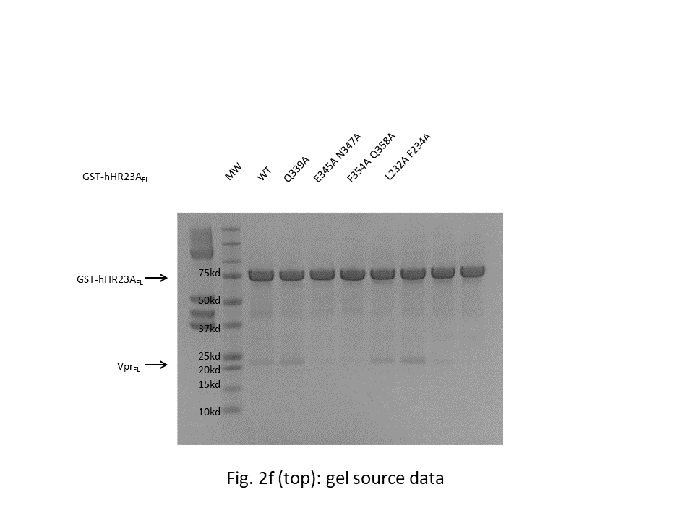

Fig. 2f (bottom)
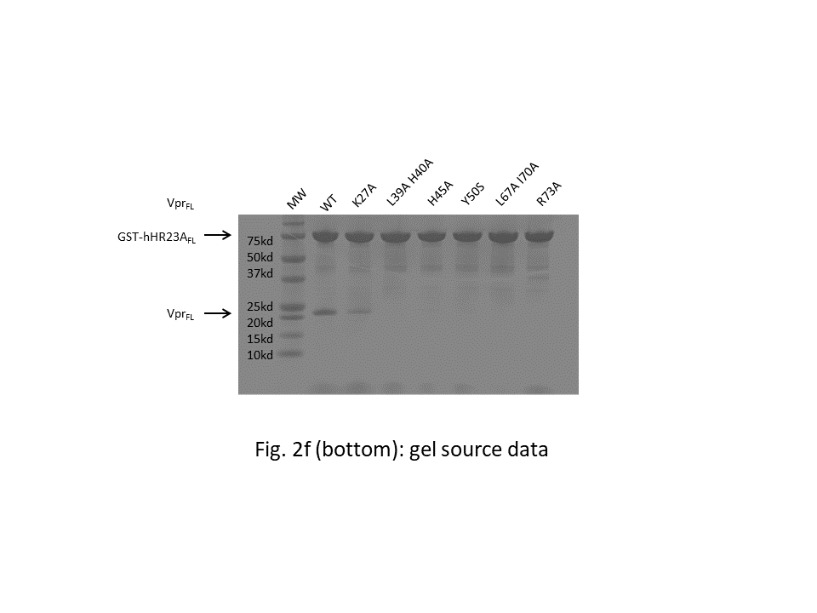

Fig. 4a
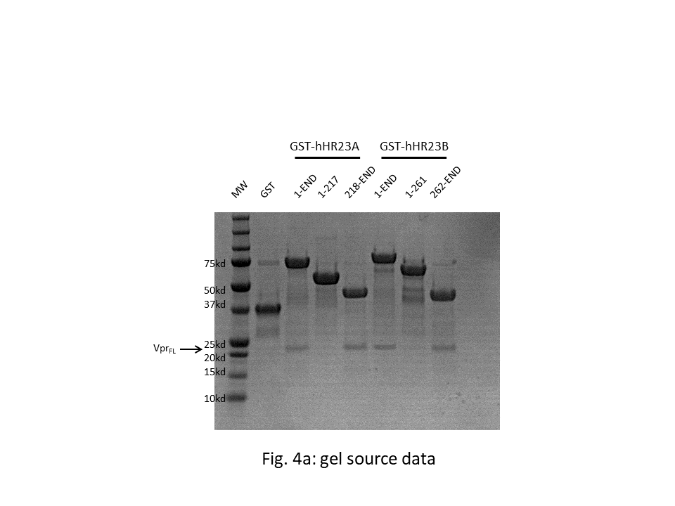

Fig. 4b
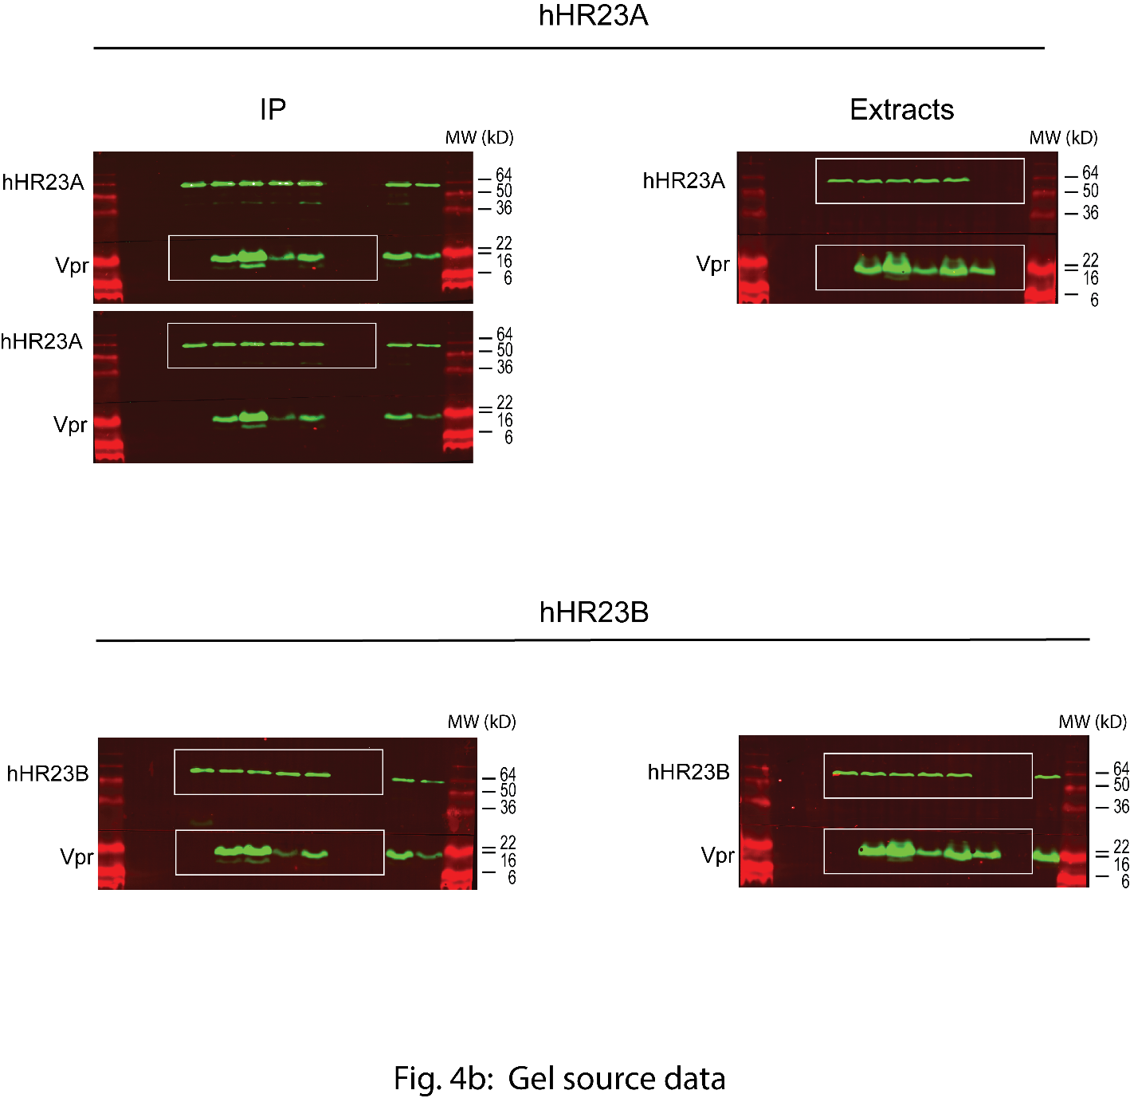

Fig. 4c
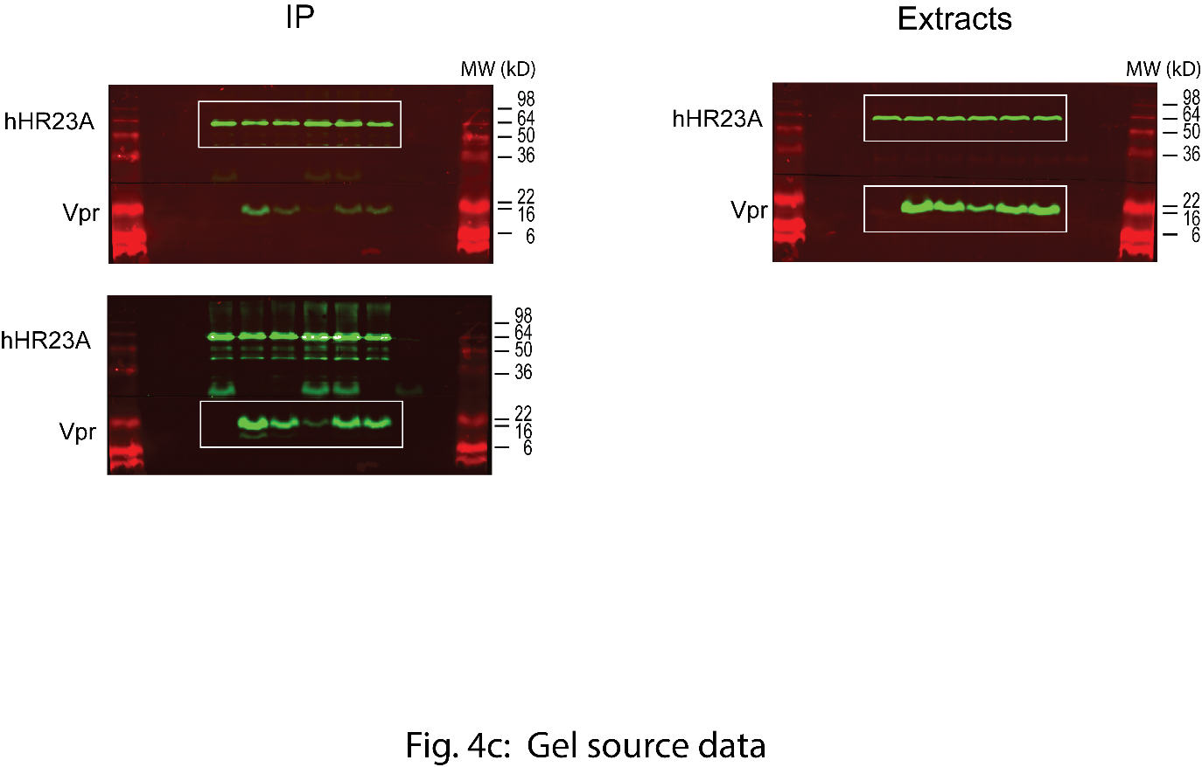

Fig. 4d
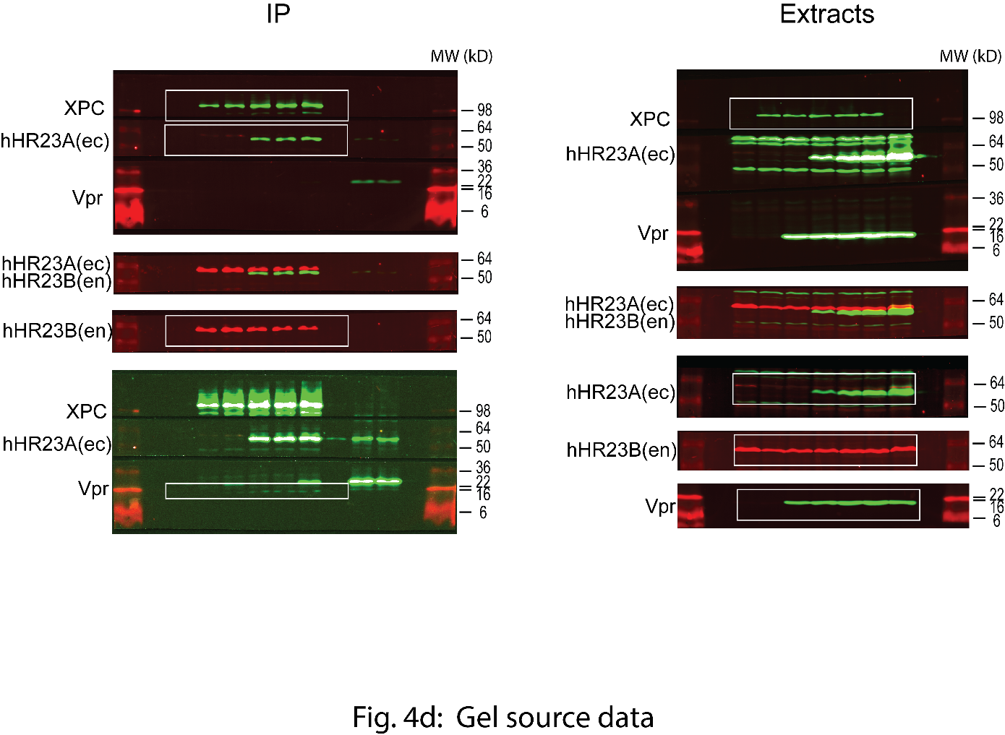

Suppplementary Fig. 4
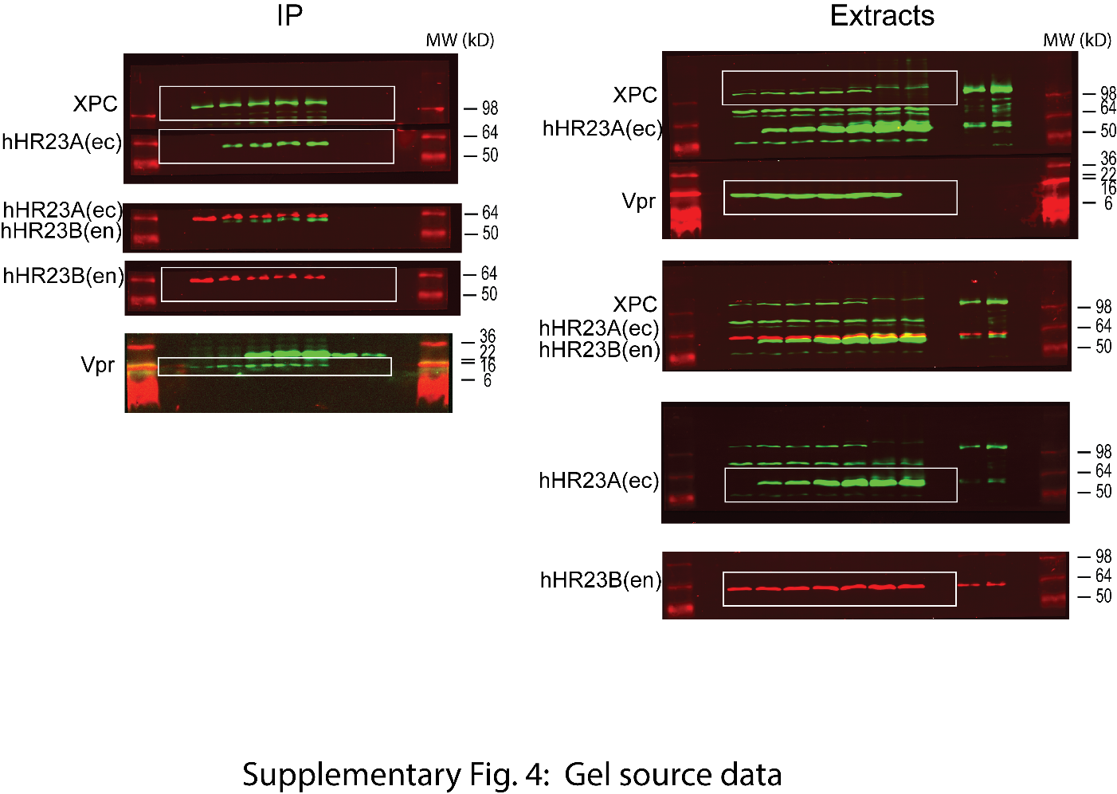

Suppplementary Fig. 5c
Supplementary Fig. 5c: Source data points

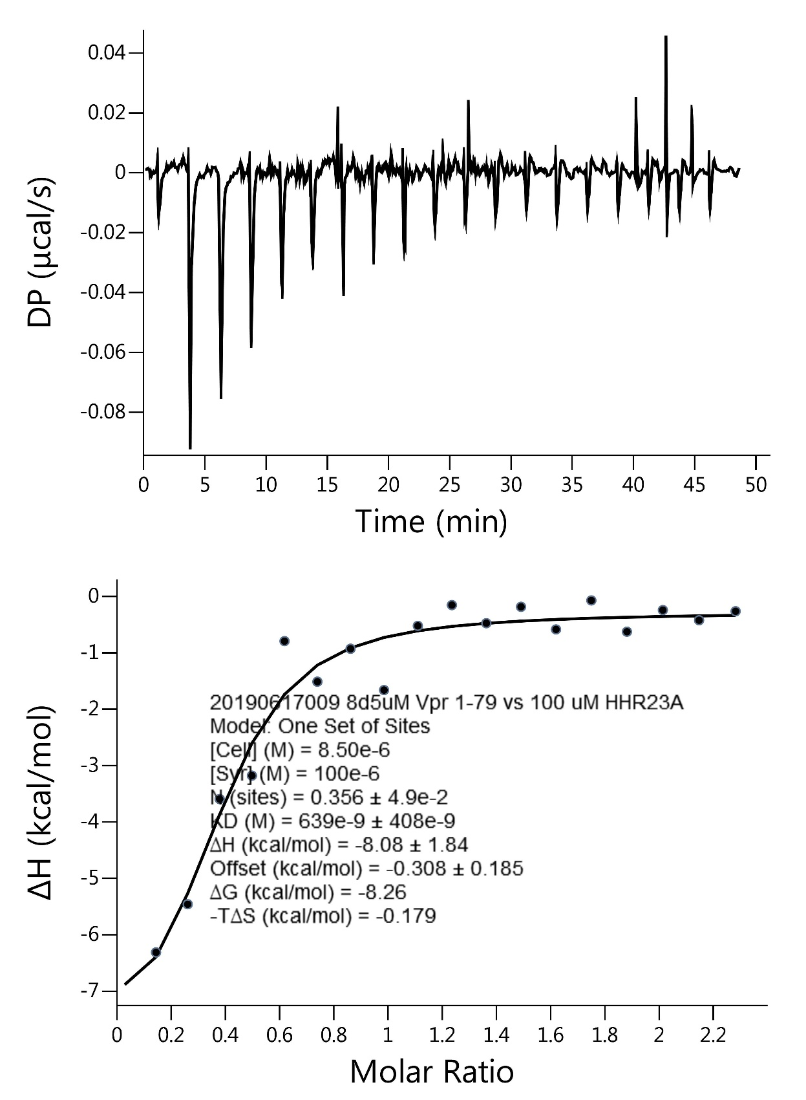
DP_X | DP_Y | Baseline_X | Baseline_Y | Fit_X | Fit_Y | NDH_X | NDH_Y
0.083333 | 0.00021 |  |  | 0.023 | -6.910603 | 0.138681 | -6.33757
0.1 | 0.000449 |  |  | 0.138681 | -6.417933 | 0.255484 | -5.484744
0.116667 | 0.000718 |  |  | 0.255484 | -5.291975 | 0.373409 | -3.6188
0.133333 | 0.000837 |  |  | 0.373409 | -3.891202 | 0.492456 | -3.204735
0.15 | 0.000726 |  |  | 0.492456 | -2.628203 | 0.612626 | -0.819991
0.166667 | 0.000595 |  |  | 0.612626 | -1.763498 | 0.733917 | -1.539029
0.183333 | 0.000543 |  |  | 0.733917 | -1.245316 | 0.85633 | -0.95504
0.2 | 0.000472 |  |  | 0.85633 | -0.940448 | 0.979866 | -1.687283
0.216667 | 0.000681 |  |  | 0.979866 | -0.755088 | 1.104523 | -0.54879
0.233333 | 0.00103 |  |  | 1.104523 | -0.637044 | 1.230303 | -0.180566
0.25 | 0.001059 |  |  | 1.230303 | -0.558381 | 1.357205 | -0.501922
0.266667 | 0.000957 |  |  | 1.357205 | -0.503809 | 1.485229 | -0.21155
0.283333 | 0.000886 |  |  | 1.485229 | -0.464618 | 1.614374 | -0.612028
0.3 | 0.000954 |  |  | 1.614374 | -0.435629 | 1.744642 | -0.098385
0.316667 | 0.001103 |  |  | 1.744642 | -0.413636 | 1.876032 | -0.652854
0.333333 | 0.001201 |  |  | 1.876032 | -0.396582 | 2.008545 | -0.269473
0.35 | 0.001119 |  |  | 2.008545 | -0.383105 | 2.142179 | -0.449261
0.366667 | 0.000437 |  |  | 2.142179 | -0.372276 | 2.276935 | -0.290169
0.383333 | -0.000185 |  |  | 2.276935 | -0.363445
0.4 | -0.000918
0.416667 | -0.001381
0.433333 | -0.000824
0.45 | -0.000317
0.466667 | 0.000059
0.483333 | 0.000046
0.5 | -0.000609
0.516667 | -0.001484
0.533333 | -0.00169
0.55 | -0.001185
0.566667 | -0.00102
0.583333 | -0.000666
0.6 | -0.000514
0.616667 | -0.000462
0.633333 | -0.00053
0.65 | -0.000788
0.666667 | -0.000506
0.683333 | -0.000034
0.7 | 0.000025
0.716667 | -0.000126
0.733333 | -0.000307
0.75 | -0.000598
0.766667 | -0.000719
0.783333 | -0.00038
0.8 | -0.000363
0.816667 | -0.000257
0.833333 | -0.000291
0.85 | -0.000265
0.866667 | -0.000309
0.883333 | -0.000503
0.9 | -0.000209
0.916667 | 0.000284
0.933333 | 0.000317
0.95 | 0.000821
0.966667 | 0.001054
0.983333 | 0.001207
1 | 0.003078
1.016667 | 0.003539
1.033333 | -0.00504
1.05 | -0.00894
1.066667 | -0.011929
1.083333 | -0.013958
1.1 | -0.01476
1.116667 | -0.014332
1.133333 | -0.013194
1.15 | -0.012086
1.166667 | -0.011278
1.183333 | -0.01183
1.2 | -0.012044
1.216667 | -0.011529
1.233333 | -0.010214
1.25 | -0.009428
1.266667 | -0.008693
1.283333 | -0.007808
1.3 | -0.006835
1.316667 | -0.005462
1.333333 | -0.00408
1.35 | -0.003607
1.366667 | -0.002884
1.383333 | -0.002452
1.4 | -0.002382
1.416667 | -0.002392
1.433333 | -0.002292
1.45 | -0.002212
1.466667 | -0.002132
1.483333 | -0.001752
1.5 | -0.001245
1.516667 | -0.000888
1.533333 | -0.000731
1.55 | -0.000484
1.566667 | -0.000556
1.583333 | -0.000739
1.6 | -0.000815
1.616667 | -0.00063
1.633333 | -0.000276
1.65 | -0.000092
1.666667 | -0.000047
1.683333 | -0.000103
1.7 | 0.000549
1.716667 | 0.00112
1.733333 | 0.001572
1.75 | 0.001793
1.766667 | 0.001885
1.783333 | 0.001516
1.8 | 0.001055
1.816667 | 0.000744
1.833333 | 0.000562
1.85 | 0.000571
1.866667 | 0.000579
1.883333 | 0.000818
1.9 | 0.001394
1.916667 | 0.00182
1.933333 | 0.001656
1.95 | 0.001231
1.966667 | 0.000897
1.983333 | 0.000943
2 | 0.000936
2.016667 | 0.000619
2.033333 | 0.000552
2.05 | 0.000925
2.066667 | 0.001507
2.083333 | 0.00202
2.1 | 0.00199
2.116667 | 0.00209
2.133333 | 0.00252
2.15 | 0.00255
2.166667 | 0.00233
2.183333 | 0.00215
2.2 | 0.001867
2.216667 | 0.001434
2.233333 | 0.001431
2.25 | 0.001588
2.266667 | 0.001875
2.283333 | 0.002402
2.3 | 0.002616
2.316667 | 0.00269
2.333333 | 0.002804
2.35 | 0.003088
2.366667 | 0.003002
2.383333 | 0.002406
2.4 | 0.002137
2.416667 | 0.001918
2.433333 | 0.001709
2.45 | 0.00136
2.466667 | 0.001261
2.483333 | 0.001561
2.5 | 0.00163
2.516667 | 0.001698
2.533333 | 0.001395
2.55 | 0.001213
2.566667 | 0.001451
2.583333 | 0.001269
2.6 | 0.001264
2.616667 | 0.001169
2.633333 | 0.001124
2.65 | 0.000868
2.666667 | 0.000393
2.683333 | 0.000238
2.7 | 0.00076
2.716667 | 0.001262
2.733333 | 0.001413
2.75 | 0.001795
2.766667 | 0.002027
2.783333 | 0.001908
2.8 | 0.002057
2.816667 | 0.002276
2.833333 | 0.002204
2.85 | 0.002163
2.866667 | 0.002311
2.883333 | 0.00243
2.9 | 0.002526
2.916667 | 0.002421
2.933333 | 0.002406
2.95 | 0.002712
2.966667 | 0.002927
2.983333 | 0.002652
3 | 0.002325
3.016667 | 0.002247
3.033333 | 0.002609
3.05 | 0.002881
3.066667 | 0.002884
3.083333 | 0.003196
3.1 | 0.003125
3.116667 | 0.003804
3.133333 | 0.004383
3.15 | 0.004232
3.166667 | 0.003901
3.183333 | 0.00312
3.2 | 0.002966
3.216667 | 0.003012
3.233333 | 0.002487
3.25 | 0.002133
3.266667 | 0.002059
3.283333 | 0.002474
3.3 | 0.002597
3.316667 | 0.00221
3.333333 | 0.001872
3.35 | 0.001314
3.366667 | 0.000637
3.383333 | 0.000259
3.4 | 0.000529
3.416667 | 0.000748
3.433333 | 0.000127
3.45 | 0.000056
3.466667 | 0.000325
3.483333 | 0.000664
3.5 | 0.00078
3.516667 | 0.003146
3.533333 | 0.000061
3.55 | -0.017973
3.566667 | -0.036397
3.583333 | -0.046532
3.6 | -0.057129
3.616667 | -0.064127
3.633333 | -0.071776
3.65 | -0.079524
3.666667 | -0.083662
3.683333 | -0.08797
3.7 | -0.085021
3.716667 | -0.075683
3.733333 | -0.059525
3.75 | -0.043597
3.766667 | -0.033779
3.783333 | -0.031601
3.8 | -0.030756
3.816667 | -0.028652
3.833333 | -0.026558
3.85 | -0.024785
3.866667 | -0.023151
3.883333 | -0.021217
3.9 | -0.019656
3.916667 | -0.018466
3.933333 | -0.016827
3.95 | -0.015427
3.966667 | -0.013887
3.983333 | -0.012288
4 | -0.011002
4.016667 | -0.010336
4.033333 | -0.009911
4.05 | -0.009106
4.066667 | -0.008161
4.083333 | -0.007316
4.1 | -0.006634
4.116667 | -0.006123
4.133333 | -0.005563
4.15 | -0.004912
4.166667 | -0.004522
4.183333 | -0.004331
4.2 | -0.004024
4.216667 | -0.003569
4.233333 | -0.003343
4.25 | -0.003227
4.266667 | -0.002862
4.283333 | -0.002806
4.3 | -0.002844
4.316667 | -0.002894
4.333333 | -0.002663
4.35 | -0.002242
4.366667 | -0.001892
4.383333 | -0.001691
4.4 | -0.001804
4.416667 | -0.001549
4.433333 | -0.001354
4.45 | -0.001058
4.466667 | -0.001123
4.483333 | -0.001387
4.5 | -0.001656
4.516667 | -0.001806
4.533333 | -0.001886
4.55 | -0.001826
4.566667 | -0.001866
4.583333 | -0.002026
4.6 | -0.00217
4.616667 | -0.002166
4.633333 | -0.001922
4.65 | -0.001628
4.666667 | -0.001623
4.683333 | -0.001749
4.7 | -0.001739
4.716667 | -0.00145
4.733333 | -0.001422
4.75 | -0.001763
4.766667 | -0.002024
4.783333 | -0.001846
4.8 | -0.001621
4.816667 | -0.001228
4.833333 | -0.000844
4.85 | -0.001031
4.866667 | -0.001277
4.883333 | -0.001204
4.9 | -0.001124
4.916667 | -0.000994
4.933333 | -0.000585
4.95 | -0.000696
4.966667 | -0.000597
4.983333 | -0.000127
5 | 0.00033
5.016667 | 0.000597
5.033333 | 0.000594
5.05 | 0.00107
5.066667 | 0.001257
5.083333 | 0.001083
5.1 | 0.000639
5.116667 | 0.000205
5.133333 | 0.000131
5.15 | -0.000114
5.166667 | -0.000088
5.183333 | 0.000217
5.2 | 0.000373
5.216667 | 0.000069
5.233333 | 0.000175
5.25 | 0.00038
5.266667 | 0.000426
5.283333 | 0.000072
5.3 | 0.000209
5.316667 | 0.000056
5.333333 | -0.000227
5.35 | -0.000539
5.366667 | -0.000742
5.383333 | -0.000745
5.4 | -0.000596
5.416667 | -0.000406
5.433333 | 0.000084
5.45 | 0.000364
5.466667 | 0.000693
5.483333 | 0.001383
5.5 | 0.001856
5.516667 | 0.00185
5.533333 | 0.001713
5.55 | 0.001677
5.566667 | 0.001581
5.583333 | 0.001345
5.6 | 0.001191
5.616667 | 0.00107
5.633333 | 0.001008
5.65 | 0.001277
5.666667 | 0.001285
5.683333 | 0.001294
5.7 | 0.001275
5.716667 | 0.001289
5.733333 | 0.001332
5.75 | 0.001436
5.766667 | 0.001079
5.783333 | 0.000793
5.8 | 0.000669
5.816667 | 0.000327
5.833333 | 0.000025
5.85 | -0.000257
5.866667 | -0.000328
5.883333 | -0.00023
5.9 | 0.000001
5.916667 | -0.000137
5.933333 | -0.000415
5.95 | -0.000733
5.966667 | -0.00089
5.983333 | -0.000678
6 | -0.002443
6.016667 | -0.005317
6.033333 | -0.007721
6.05 | -0.015285
6.066667 | -0.023359
6.083333 | -0.029853
6.1 | -0.036385
6.116667 | -0.043446
6.133333 | -0.049587
6.15 | -0.056168
6.166667 | -0.061479
6.183333 | -0.06723
6.2 | -0.071099
6.216667 | -0.068877
6.233333 | -0.055515
6.25 | -0.043723
6.266667 | -0.038981
6.283333 | -0.034119
6.3 | -0.030306
6.316667 | -0.026871
6.333333 | -0.024417
6.35 | -0.022673
6.366667 | -0.020899
6.383333 | -0.019254
6.4 | -0.018049
6.416667 | -0.016473
6.433333 | -0.014687
6.45 | -0.012941
6.466667 | -0.011404
6.483333 | -0.010008
6.5 | -0.008871
6.516667 | -0.007894
6.533333 | -0.007096
6.55 | -0.006859
6.566667 | -0.006551
6.583333 | -0.006214
6.6 | -0.005616
6.616667 | -0.005277
6.633333 | -0.005139
6.65 | -0.00514
6.666667 | -0.005032
6.683333 | -0.004953
6.7 | -0.004835
6.716667 | -0.004586
6.733333 | -0.004197
6.75 | -0.003778
6.766667 | -0.003509
6.783333 | -0.00347
6.8 | -0.003551
6.816667 | -0.003732
6.833333 | -0.003783
6.85 | -0.003624
6.866667 | -0.003585
6.883333 | -0.003435
6.9 | -0.003437
6.916667 | -0.003348
6.933333 | -0.003119
6.95 | -0.002921
6.966667 | -0.002662
6.983333 | -0.002233
7 | -0.001865
7.016667 | -0.001698
7.033333 | -0.00169
7.05 | -0.001502
7.066667 | -0.001574
7.083333 | -0.001596
7.1 | -0.001729
7.116667 | -0.001793
7.133333 | -0.001826
7.15 | -0.00188
7.166667 | -0.001803
7.183333 | -0.001897
7.2 | -0.001671
7.216667 | -0.001266
7.233333 | -0.000822
7.25 | -0.000537
7.266667 | -0.000552
7.283333 | -0.000647
7.3 | -0.000584
7.316667 | -0.000631
7.333333 | -0.000608
7.35 | -0.000625
7.366667 | -0.000752
7.383333 | -0.000759
7.4 | -0.000656
7.416667 | -0.000975
7.433333 | -0.000934
7.45 | -0.000752
7.466667 | -0.000551
7.483333 | -0.000599
7.5 | -0.000739
7.516667 | -0.000858
7.533333 | -0.000678
7.55 | -0.000248
7.566667 | 0.000283
7.583333 | 0.000623
7.6 | 0.000923
7.616667 | 0.000723
7.633333 | 0.000463
7.65 | 0.000743
7.666667 | 0.000793
7.683333 | 0.000863
7.7 | 0.000843
7.716667 | 0.001113
7.733333 | 0.001254
7.75 | 0.002084
7.766667 | 0.002004
7.783333 | 0.002704
7.8 | 0.002805
7.816667 | 0.001965
7.833333 | 0.001526
7.85 | 0.000457
7.866667 | -0.000503
7.883333 | -0.000172
7.9 | 0.000459
7.916667 | 0.000929
7.933333 | 0.00115
7.95 | 0.00101
7.966667 | 0.000611
7.983333 | 0.000151
8 | 0.000131
8.016667 | 0.000051
8.033333 | -0.0004
8.05 | -0.00105
8.066667 | -0.001791
8.083333 | -0.001831
8.1 | -0.001462
8.116667 | -0.001015
8.133333 | -0.000447
8.15 | -0.000319
8.166667 | -0.000481
8.183333 | -0.000464
8.2 | -0.000677
8.216667 | -0.000542
8.233333 | -0.000536
8.25 | -0.000711
8.266667 | -0.000795
8.283333 | -0.00045
8.3 | -0.000346
8.316667 | -0.000343
8.333333 | -0.00033
8.35 | -0.000207
8.366667 | 0.000456
8.383333 | 0.000649
8.4 | 0.000261
8.416667 | -0.000649
8.433333 | -0.001018
8.45 | -0.001688
8.466667 | -0.001317
8.483333 | -0.000847
8.5 | -0.001158
8.516667 | 0.00178
8.533333 | 0.001768
8.55 | -0.006804
8.566667 | -0.020046
8.583333 | -0.025278
8.6 | -0.028221
8.616667 | -0.031336
8.633333 | -0.04164
8.65 | -0.049954
8.666667 | -0.054059
8.683333 | -0.051983
8.7 | -0.048149
8.716667 | -0.042975
8.733333 | -0.040252
8.75 | -0.035899
8.766667 | -0.029945
8.783333 | -0.025832
8.8 | -0.023219
8.816667 | -0.020988
8.833333 | -0.018387
8.85 | -0.016225
8.866667 | -0.014834
8.883333 | -0.013533
8.9 | -0.011012
8.916667 | -0.008693
8.933333 | -0.007724
8.95 | -0.006874
8.966667 | -0.005995
8.983333 | -0.005085
9 | -0.004287
9.016667 | -0.004079
9.033333 | -0.003211
9.05 | -0.002334
9.066667 | -0.001936
9.083333 | -0.000709
9.1 | -0.000142
9.116667 | -0.000196
9.133333 | -0.00017
9.15 | 0.000307
9.166667 | 0.000713
9.183333 | 0.000919
9.2 | 0.001064
9.216667 | 0.000649
9.233333 | -0.000027
9.25 | -0.000162
9.266667 | 0.000192
9.283333 | 0.000127
9.3 | 0.000031
9.316667 | 0.000664
9.333333 | 0.000947
9.35 | 0.001111
9.366667 | 0.001244
9.383333 | 0.000777
9.4 | -0.00022
9.416667 | -0.001018
9.433333 | -0.001666
9.45 | -0.001704
9.466667 | -0.001632
9.483333 | -0.00124
9.5 | -0.001088
9.516667 | -0.001167
9.533333 | -0.000976
9.55 | -0.000855
9.566667 | -0.000594
9.583333 | -0.001163
9.6 | -0.001912
9.616667 | -0.001752
9.633333 | -0.001402
9.65 | -0.001651
9.666667 | -0.001481
9.683333 | -0.001671
9.7 | -0.001491
9.716667 | -0.001462
9.733333 | -0.001042
9.75 | -0.000853
9.766667 | -0.000753
9.783333 | -0.000464
9.8 | -0.000265
9.816667 | -0.000416
9.833333 | -0.000387
9.85 | -0.000188
9.866667 | -0.000359
9.883333 | -0.00076
9.9 | -0.001241
9.916667 | -0.001483
9.933333 | -0.001474
9.95 | -0.001456
9.966667 | -0.001447
9.983333 | -0.001039
10 | -0.00035
10.016667 | 0.000389
10.033333 | 0.001007
10.05 | 0.001326
10.066667 | 0.001425
10.083333 | 0.001144
10.1 | 0.001093
10.116667 | 0.001482
10.133333 | 0.002262
10.15 | 0.002041
10.166667 | 0.000461
10.183333 | -0.000009
10.2 | 0.000481
10.216667 | 0.001031
10.233333 | 0.001982
10.25 | 0.002352
10.266667 | 0.001943
10.283333 | 0.000374
10.3 | -0.000605
10.316667 | -0.001454
10.333333 | -0.001423
10.35 | -0.001461
10.366667 | -0.00108
10.383333 | -0.001218
10.4 | -0.001277
10.416667 | -0.000395
10.433333 | 0.000567
10.45 | 0.000869
10.466667 | 0.000621
10.483333 | -0.000258
10.5 | -0.000096
10.516667 | 0.000777
10.533333 | 0.001039
10.55 | 0.000791
10.566667 | 0.000783
10.583333 | 0.001265
10.6 | 0.001498
10.616667 | 0.00111
10.633333 | 0.000792
10.65 | 0.000875
10.666667 | 0.000787
10.683333 | 0.000899
10.7 | 0.000922
10.716667 | 0.000543
10.733333 | -0.000515
10.75 | -0.000733
10.766667 | -0.000781
10.783333 | -0.00027
10.8 | -0.000088
10.816667 | -0.000218
10.833333 | -0.000667
10.85 | -0.001397
10.866667 | -0.001656
10.883333 | -0.001716
10.9 | -0.001686
10.916667 | -0.002178
10.933333 | -0.001779
10.95 | -0.001571
10.966667 | -0.001642
10.983333 | -0.004284
11 | -0.005296
11.016667 | -0.0016
11.033333 | -0.001153
11.05 | -0.007217
11.066667 | -0.01302
11.083333 | -0.019204
11.1 | -0.024788
11.116667 | -0.030424
11.133333 | -0.033849
11.15 | -0.033875
11.166667 | -0.03316
11.183333 | -0.035526
11.2 | -0.037672
11.216667 | -0.037519
11.233333 | -0.034516
11.25 | -0.029433
11.266667 | -0.025971
11.283333 | -0.022008
11.3 | -0.017326
11.316667 | -0.014415
11.333333 | -0.013474
11.35 | -0.012742
11.366667 | -0.011591
11.383333 | -0.00994
11.4 | -0.00801
11.416667 | -0.00704
11.433333 | -0.00557
11.45 | -0.004061
11.466667 | -0.003111
11.483333 | -0.002702
11.5 | -0.002712
11.516667 | -0.002484
11.533333 | -0.002176
11.55 | -0.002058
11.566667 | -0.00188
11.583333 | -0.001531
11.6 | -0.000634
11.616667 | -0.000177
11.633333 | 0.00026
11.65 | -0.000003
11.666667 | -0.000506
11.683333 | -0.000739
11.7 | -0.000772
11.716667 | -0.001036
11.733333 | -0.00193
11.75 | -0.001955
11.766667 | -0.001419
11.783333 | -0.001123
11.8 | -0.000937
11.816667 | -0.000643
11.833333 | -0.000748
11.85 | -0.000903
11.866667 | -0.000858
11.883333 | -0.001063
11.9 | -0.001158
11.916667 | -0.001414
11.933333 | -0.00136
11.95 | -0.000906
11.966667 | -0.000262
11.983333 | 0.000202
12 | 0.000545
12.016667 | 0.000399
12.033333 | 0.000012
12.05 | -0.000275
12.066667 | -0.000491
12.083333 | -0.000798
12.1 | -0.000625
12.116667 | -0.000132
12.133333 | -0.000149
12.15 | -0.000107
12.166667 | 0.000276
12.183333 | 0.000149
12.2 | -0.000989
12.216667 | -0.001436
12.233333 | -0.001384
12.25 | -0.000802
12.266667 | -0.00121
12.283333 | -0.001567
12.3 | -0.001605
12.316667 | -0.001403
12.333333 | -0.002331
12.35 | -0.003109
12.366667 | -0.003287
12.383333 | -0.002505
12.4 | -0.002013
12.416667 | -0.002372
12.433333 | -0.0008
12.45 | 0.000692
12.466667 | 0.002614
12.483333 | 0.002425
12.5 | 0.002287
12.516667 | 0.002679
12.533333 | 0.002771
12.55 | 0.001182
12.566667 | -0.000126
12.583333 | -0.000894
12.6 | -0.001493
12.616667 | -0.001281
12.633333 | -0.000119
12.65 | 0.000153
12.666667 | 0.000615
12.683333 | -0.000034
12.7 | -0.001182
12.716667 | -0.0012
12.733333 | -0.000458
12.75 | -0.000546
12.766667 | -0.000764
12.783333 | -0.000812
12.8 | -0.00027
12.816667 | 0.000263
12.833333 | 0.000695
12.85 | 0.001297
12.866667 | 0.00111
12.883333 | 0.000552
12.9 | -0.000445
12.916667 | -0.000773
12.933333 | -0.00121
12.95 | -0.001967
12.966667 | -0.001564
12.983333 | -0.000941
13 | -0.001058
13.016667 | -0.001015
13.033333 | -0.001381
13.05 | -0.002008
13.066667 | -0.002725
13.083333 | -0.002971
13.1 | -0.003618
13.116667 | -0.003823
13.133333 | -0.003559
13.15 | -0.003555
13.166667 | -0.003481
13.183333 | -0.002927
13.2 | -0.002162
13.216667 | -0.001437
13.233333 | -0.000922
13.25 | -0.000557
13.266667 | -0.000392
13.283333 | -0.000407
13.3 | -0.000472
13.316667 | -0.000656
13.333333 | -0.00083
13.35 | -0.000843
13.366667 | -0.000177
13.383333 | 0.000619
13.4 | 0.001135
13.416667 | 0.001162
13.433333 | 0.001039
13.45 | 0.000517
13.466667 | -0.000826
13.483333 | -0.003649
13.5 | -0.003622
13.516667 | -0.001004
13.533333 | -0.001435
13.55 | -0.007977
13.566667 | -0.012899
13.583333 | -0.016931
13.6 | -0.021272
13.616667 | -0.023903
13.633333 | -0.024564
13.65 | -0.027445
13.666667 | -0.028176
13.683333 | -0.026677
13.7 | -0.027758
13.716667 | -0.027868
13.733333 | -0.024878
13.75 | -0.022438
13.766667 | -0.019669
13.783333 | -0.017759
13.8 | -0.015739
13.816667 | -0.013809
13.833333 | -0.011988
13.85 | -0.010608
13.866667 | -0.008468
13.883333 | -0.006057
13.9 | -0.004067
13.916667 | -0.003186
13.933333 | -0.003116
13.95 | -0.002535
13.966667 | -0.002104
13.983333 | -0.001784
14 | -0.001223
14.016667 | -0.000612
14.033333 | -0.000231
14.05 | -0.000231
14.066667 | -0.00023
14.083333 | 0.000131
14.1 | -0.000048
14.116667 | -0.000467
14.133333 | -0.000636
14.15 | -0.000556
14.166667 | -0.000565
14.183333 | -0.001404
14.2 | -0.001653
14.216667 | -0.001512
14.233333 | -0.001082
14.25 | -0.000681
14.266667 | -0.0002
14.283333 | 0.00015
14.3 | 0.000231
14.316667 | 0.000211
14.333333 | 0.000392
14.35 | 0.000582
14.366667 | 0.000363
14.383333 | 0.000083
14.4 | 0.000283
14.416667 | 0.000583
14.433333 | 0.000743
14.45 | 0.001013
14.466667 | 0.001323
14.483333 | 0.001793
14.5 | 0.002192
14.516667 | 0.002662
14.533333 | 0.003071
14.55 | 0.00311
14.566667 | 0.003069
14.583333 | 0.002968
14.6 | 0.002788
14.616667 | 0.002466
14.633333 | 0.002184
14.65 | 0.002323
14.666667 | 0.002391
14.683333 | 0.002529
14.7 | 0.003228
14.716667 | 0.003755
14.733333 | 0.003952
14.75 | 0.00375
14.766667 | 0.003777
14.783333 | 0.003924
14.8 | 0.003822
14.816667 | 0.003228
14.833333 | 0.002694
14.85 | 0.00239
14.866667 | 0.002446
14.883333 | 0.002793
14.9 | 0.002789
14.916667 | 0.002634
14.933333 | 0.003248
14.95 | 0.003883
14.966667 | 0.004118
14.983333 | 0.004123
15 | 0.003768
15.016667 | 0.003141
15.033333 | 0.002824
15.05 | 0.002538
15.066667 | 0.002931
15.083333 | 0.003124
15.1 | 0.003507
15.116667 | 0.003999
15.133333 | 0.004191
15.15 | 0.004082
15.166667 | 0.003814
15.183333 | 0.003736
15.2 | 0.003837
15.216667 | 0.003967
15.233333 | 0.003577
15.25 | 0.003116
15.266667 | 0.003276
15.283333 | 0.003476
15.3 | 0.003756
15.316667 | 0.003913
15.333333 | 0.004091
15.35 | 0.004449
15.366667 | 0.004757
15.383333 | 0.004834
15.4 | 0.004362
15.416667 | 0.003598
15.433333 | 0.003053
15.45 | 0.003069
15.466667 | 0.002414
15.483333 | 0.00224
15.5 | 0.002155
15.516667 | 0.001948
15.533333 | 0.001162
15.55 | -0.000005
15.566667 | -0.000822
15.583333 | -0.000849
15.6 | 0.000674
15.616667 | 0.000895
15.633333 | -0.000215
15.65 | -0.000444
15.666667 | 0.001517
15.683333 | 0.003917
15.7 | 0.007038
15.716667 | 0.012526
15.733333 | 0.016754
15.75 | 0.014132
15.766667 | 0.00283
15.783333 | -0.000832
15.8 | 0.000615
15.816667 | 0.001001
15.833333 | -0.000164
15.85 | -0.000359
15.866667 | -0.000554
15.883333 | -0.000629
15.9 | -0.000704
15.916667 | -0.000532
15.933333 | -0.00114
15.95 | -0.001728
15.966667 | -0.001056
15.983333 | -0.001074
16 | -0.000632
16.016667 | 0.000277
16.033333 | 0.004336
16.05 | 0.000186
16.066667 | -0.005395
16.083333 | -0.012886
16.1 | -0.015987
16.116667 | -0.020841
16.133333 | -0.025074
16.15 | -0.029228
16.166667 | -0.031021
16.183333 | -0.035135
16.2 | -0.036759
16.216667 | -0.030185
16.233333 | -0.018221
16.25 | -0.009867
16.266667 | -0.004213
16.283333 | -0.004459
16.3 | -0.004465
16.316667 | -0.003724
16.333333 | -0.002572
16.35 | -0.00209
16.366667 | -0.001999
16.383333 | -0.001997
16.4 | -0.001876
16.416667 | -0.001556
16.433333 | -0.001647
16.45 | -0.001527
16.466667 | -0.001448
16.483333 | -0.000908
16.5 | -0.000089
16.516667 | 0.000669
16.533333 | 0.001097
16.55 | 0.001414
16.566667 | 0.001272
16.583333 | 0.000739
16.6 | 0.000227
16.616667 | 0.000253
16.633333 | 0.000499
16.65 | 0.000845
16.666667 | 0.00108
16.683333 | 0.001076
16.7 | 0.001242
16.716667 | 0.001287
16.733333 | 0.001181
16.75 | 0.000965
16.766667 | 0.00089
16.783333 | 0.000964
16.8 | 0.000498
16.816667 | 0.000751
16.833333 | 0.000565
16.85 | 0.000538
16.866667 | 0.001181
16.883333 | 0.001554
16.9 | 0.001817
16.916667 | 0.002389
16.933333 | 0.003071
16.95 | 0.003483
16.966667 | 0.003625
16.983333 | 0.004217
17 | 0.004729
17.016667 | 0.00504
17.033333 | 0.005091
17.05 | 0.003962
17.066667 | 0.002883
17.083333 | 0.002124
17.1 | 0.001895
17.116667 | 0.001616
17.133333 | 0.001466
17.15 | 0.001316
17.166667 | 0.000807
17.183333 | 0.000137
17.2 | -0.001103
17.216667 | -0.001273
17.233333 | -0.000543
17.25 | -0.000613
17.266667 | -0.001223
17.283333 | -0.001393
17.3 | -0.001113
17.316667 | -0.000844
17.333333 | -0.000344
17.35 | 0.000196
17.366667 | 0.000315
17.383333 | -0.000055
17.4 | -0.001096
17.416667 | -0.001676
17.433333 | -0.001627
17.45 | -0.001237
17.466667 | -0.000838
17.483333 | -0.000888
17.5 | -0.001599
17.516667 | -0.002419
17.533333 | -0.002779
17.55 | -0.00361
17.566667 | -0.00329
17.583333 | -0.00238
17.6 | -0.000881
17.616667 | -0.000441
17.633333 | -0.000651
17.65 | -0.001061
17.666667 | -0.001191
17.683333 | -0.001331
17.7 | -0.000801
17.716667 | -0.000341
17.733333 | -0.00114
17.75 | -0.00197
17.766667 | -0.002449
17.783333 | -0.002469
17.8 | -0.002218
17.816667 | -0.002137
17.833333 | -0.002366
17.85 | -0.003045
17.866667 | -0.003424
17.883333 | -0.003643
17.9 | -0.003601
17.916667 | -0.003349
17.933333 | -0.002287
17.95 | -0.001495
17.966667 | -0.001113
17.983333 | -0.001171
18 | -0.001439
18.016667 | -0.000976
18.033333 | 0.000148
18.05 | 0.000601
18.066667 | 0.000344
18.083333 | -0.000192
18.1 | -0.000199
18.116667 | 0.000066
18.133333 | 0.00046
18.15 | 0.000545
18.166667 | 0
18.183333 | -0.000045
18.2 | 0.00089
18.216667 | 0.001336
18.233333 | 0.001023
18.25 | 0.00019
18.266667 | -0.000474
18.283333 | -0.000247
18.3 | 0.00066
18.316667 | 0.001098
18.333333 | 0.001197
18.35 | 0.001176
18.366667 | 0.000725
18.383333 | 0.000544
18.4 | 0.001062
18.416667 | 0.000813
18.433333 | -0.000477
18.45 | -0.001006
18.466667 | -0.000685
18.483333 | -0.001224
18.5 | -0.003174
18.516667 | -0.002831
18.533333 | 0.000611
18.55 | -0.003087
18.566667 | -0.008974
18.583333 | -0.011862
18.6 | -0.015019
18.616667 | -0.018696
18.633333 | -0.020482
18.65 | -0.023838
18.666667 | -0.026174
18.683333 | -0.02434
18.7 | -0.022146
18.716667 | -0.022161
18.733333 | -0.021706
18.75 | -0.018761
18.766667 | -0.013226
18.783333 | -0.009481
18.8 | -0.007476
18.816667 | -0.00607
18.833333 | -0.005324
18.85 | -0.004058
18.866667 | -0.002911
18.883333 | -0.002505
18.9 | -0.001349
18.916667 | 0.000548
18.933333 | 0.001255
18.95 | 0.001362
18.966667 | 0.001659
18.983333 | 0.001705
19 | 0.001272
19.016667 | 0.00089
19.033333 | 0.001057
19.05 | 0.001335
19.066667 | 0.001553
19.083333 | 0.00176
19.1 | 0.002048
19.116667 | 0.002216
19.133333 | 0.001784
19.15 | 0.001291
19.166667 | 0.000799
19.183333 | 0.000237
19.2 | -0.000005
19.216667 | 0.000103
19.233333 | 0.000131
19.25 | -0.00002
19.266667 | -0.000142
19.283333 | -0.000154
19.3 | 0.000054
19.316667 | 0.000312
19.333333 | 0.00053
19.35 | 0.000828
19.366667 | 0.000716
19.383333 | 0.000434
19.4 | 0.000102
19.416667 | -0.0003
19.433333 | -0.000352
19.45 | 0.000046
19.466667 | 0.000603
19.483333 | 0.001271
19.5 | 0.001829
19.516667 | 0.002156
19.533333 | 0.002404
19.55 | 0.002291
19.566667 | 0.002328
19.583333 | 0.002605
19.6 | 0.002683
19.616667 | 0.002849
19.633333 | 0.002796
19.65 | 0.002303
19.666667 | 0.001969
19.683333 | 0.001646
19.7 | 0.001842
19.716667 | 0.002208
19.733333 | 0.002574
19.75 | 0.00246
19.766667 | 0.001615
19.783333 | 0.000691
19.8 | 0.000017
19.816667 | -0.000309
19.833333 | -0.000574
19.85 | -0.00058
19.866667 | -0.000905
19.883333 | -0.001501
19.9 | -0.001496
19.916667 | -0.001163
19.933333 | 0.000391
19.95 | 0.001024
19.966667 | 0.000917
19.983333 | 0.00085
20 | 0.000403
20.016667 | 0.000635
20.033333 | 0.002187
20.05 | 0.003598
20.066667 | 0.00452
20.083333 | 0.003892
20.1 | 0.002753
20.116667 | 0.002734
20.133333 | 0.003433
20.15 | 0.003973
20.166667 | 0.003423
20.183333 | 0.002093
20.2 | 0.001793
20.216667 | 0.001331
20.233333 | 0.000269
20.25 | 0.000167
20.266667 | 0.000604
20.283333 | 0.001002
20.3 | 0.00114
20.316667 | 0.001186
20.333333 | 0.000822
20.35 | 0.000157
20.366667 | -0.000407
20.383333 | -0.000282
20.4 | -0.000236
20.416667 | -0.000202
20.433333 | -0.000659
20.45 | -0.001006
20.466667 | -0.001083
20.483333 | -0.00084
20.5 | -0.000216
20.516667 | 0.000545
20.533333 | 0.001015
20.55 | 0.001146
20.566667 | 0.000886
20.583333 | 0.000637
20.6 | 0.000477
20.616667 | 0.000436
20.633333 | 0.000323
20.65 | 0.000191
20.666667 | 0.000138
20.683333 | 0.000186
20.7 | 0.000574
20.716667 | 0.000659
20.733333 | 0.000174
20.75 | -0.000082
20.766667 | 0.000093
20.783333 | 0.000297
20.8 | 0.000372
20.816667 | 0.000064
20.833333 | -0.000665
20.85 | -0.000904
20.866667 | -0.001203
20.883333 | -0.001342
20.9 | -0.001191
20.916667 | -0.001033
20.933333 | -0.001605
20.95 | -0.002208
20.966667 | -0.00151
20.983333 | -0.002233
21 | -0.002895
21.016667 | -0.0018
21.033333 | 0.002814
21.05 | -0.001422
21.066667 | -0.009788
21.083333 | -0.018905
21.1 | -0.022411
21.116667 | -0.022349
21.133333 | -0.023958
21.15 | -0.025167
21.166667 | -0.024286
21.183333 | -0.024405
21.2 | -0.024334
21.216667 | -0.024925
21.233333 | -0.023006
21.25 | -0.016248
21.266667 | -0.0076
21.283333 | -0.001851
21.3 | 0.000067
21.316667 | 0.000634
21.333333 | -0.00082
21.35 | -0.001754
21.366667 | -0.001457
21.383333 | 0.000009
21.4 | 0.000405
21.416667 | 0.00018
21.433333 | -0.000375
21.45 | -0.001241
21.466667 | -0.001756
21.483333 | -0.002022
21.5 | -0.002608
21.516667 | -0.002334
21.533333 | -0.001801
21.55 | -0.001758
21.566667 | -0.001154
21.583333 | -0.000621
21.6 | -0.000138
21.616667 | 0.000245
21.633333 | 0.000217
21.65 | -0.000231
21.666667 | -0.000899
21.683333 | -0.001176
21.7 | -0.000964
21.716667 | -0.001082
21.733333 | -0.00105
21.75 | -0.000748
21.766667 | -0.000406
21.783333 | -0.000165
21.8 | -0.000413
21.816667 | -0.001331
21.833333 | -0.002509
21.85 | -0.003237
21.866667 | -0.003545
21.883333 | -0.003284
21.9 | -0.002962
21.916667 | -0.0027
21.933333 | -0.002187
21.95 | -0.001775
21.966667 | -0.001473
21.983333 | -0.001131
22 | -0.000958
22.016667 | -0.000906
22.033333 | -0.000642
22.05 | -0.000219
22.066667 | -0.000056
22.083333 | 0.000177
22.1 | 0.00021
22.116667 | 0.000364
22.133333 | 0.000538
22.15 | 0.000853
22.166667 | 0.001437
22.183333 | 0.001791
22.2 | 0.001766
22.216667 | 0.001591
22.233333 | 0.001067
22.25 | 0.000833
22.266667 | 0.000939
22.283333 | 0.000785
22.3 | 0.000421
22.316667 | -0.000031
22.333333 | -0.000393
22.35 | -0.000885
22.366667 | -0.000827
22.383333 | -0.000188
22.4 | 0
22.416667 | -0.00036
22.433333 | -0.00046
22.45 | -0.000619
22.466667 | -0.000588
22.483333 | -0.001337
22.5 | -0.001967
22.516667 | -0.002234
22.533333 | -0.002
22.55 | -0.001907
22.566667 | -0.001593
22.583333 | -0.001229
22.6 | -0.001075
22.616667 | -0.00089
22.633333 | -0.000582
22.65 | -0.000575
22.666667 | -0.000678
22.683333 | -0.000691
22.7 | -0.000534
22.716667 | 0.000026
22.733333 | 0.000657
22.75 | 0.000738
22.766667 | 0.000569
22.783333 | 0.00064
22.8 | 0.000901
22.816667 | 0.001264
22.833333 | 0.001689
22.85 | 0.001865
22.866667 | 0.0021
22.883333 | 0.002045
22.9 | 0.00208
22.916667 | 0.001448
22.933333 | 0.000847
22.95 | 0.000756
22.966667 | 0.000546
22.983333 | 0.000575
23 | 0.000924
23.016667 | 0.000146
23.033333 | 0.000069
23.05 | -0.000039
23.066667 | -0.000076
23.083333 | 0.000327
23.1 | 0.00023
23.116667 | 0.000074
23.133333 | 0.0006
23.15 | 0.000775
23.166667 | 0.00057
23.183333 | 0.000226
23.2 | -0.000589
23.216667 | -0.000623
23.233333 | -0.000146
23.25 | -0.000148
23.266667 | -0.000221
23.283333 | -0.000494
23.3 | -0.001117
23.316667 | -0.00129
23.333333 | -0.001322
23.35 | -0.001524
23.366667 | -0.001817
23.383333 | -0.001639
23.4 | -0.001471
23.416667 | -0.001163
23.433333 | -0.000505
23.45 | 0.000653
23.466667 | -0.000339
23.483333 | -0.000111
23.5 | 0.001036
23.516667 | 0.002274
23.533333 | 0.000352
23.55 | -0.002719
23.566667 | -0.006571
23.583333 | -0.010373
23.6 | -0.014145
23.616667 | -0.016057
23.633333 | -0.016559
23.65 | -0.016451
23.666667 | -0.018123
23.683333 | -0.016576
23.7 | -0.015148
23.716667 | -0.01558
23.733333 | -0.015372
23.75 | -0.013874
23.766667 | -0.010636
23.783333 | -0.008938
23.8 | -0.00767
23.816667 | -0.006543
23.833333 | -0.005015
23.85 | -0.004077
23.866667 | -0.00372
23.883333 | -0.002802
23.9 | -0.001684
23.916667 | -0.000667
23.933333 | 0.000061
23.95 | 0.000228
23.966667 | 0.000765
23.983333 | 0.001333
24 | 0.00143
24.016667 | 0.001177
24.033333 | 0.001454
24.05 | 0.001681
24.066667 | 0.001468
24.083333 | 0.001345
24.1 | 0.001222
24.116667 | 0.000579
24.133333 | 0.000145
24.15 | -0.000498
24.166667 | -0.000122
24.183333 | 0.001205
24.2 | 0.001761
24.216667 | 0.001977
24.233333 | 0.001483
24.25 | 0.001149
24.266667 | 0.001645
24.283333 | 0.001871
24.3 | 0.003327
24.316667 | 0.006003
24.333333 | 0.006108
24.35 | 0.004093
24.366667 | 0.002859
24.383333 | 0.001764
24.4 | 0.000339
24.416667 | -0.000166
24.433333 | -0.000501
24.45 | -0.000877
24.466667 | -0.000752
24.483333 | -0.001948
24.5 | -0.003103
24.516667 | -0.002979
24.533333 | -0.003345
24.55 | -0.003852
24.566667 | -0.003298
24.583333 | -0.002444
24.6 | -0.001751
24.616667 | -0.001467
24.633333 | -0.001305
24.65 | -0.001112
24.666667 | -0.000829
24.683333 | -0.000356
24.7 | 0.000107
24.716667 | 0.000449
24.733333 | 0.000951
24.75 | 0.001772
24.766667 | 0.002224
24.783333 | 0.002926
24.8 | 0.002718
24.816667 | 0.001879
24.833333 | 0.00155
24.85 | 0.00146
24.866667 | 0.001081
24.883333 | 0.000032
24.9 | 0.000092
24.916667 | 0.000733
24.933333 | 0.000262
24.95 | -0.000178
24.966667 | 0.000201
24.983333 | 0.000781
25 | 0.00106
25.016667 | 0.000829
25.033333 | -0.000013
25.05 | -0.000295
25.066667 | -0.000326
25.083333 | -0.000348
25.1 | -0.00011
25.116667 | 0.000348
25.133333 | 0.000624
25.15 | 0.000521
25.166667 | 0.000638
25.183333 | 0.001585
25.2 | 0.002372
25.216667 | 0.002848
25.233333 | 0.003203
25.25 | 0.003229
25.266667 | 0.002794
25.283333 | 0.00296
25.3 | 0.003555
25.316667 | 0.0045
25.333333 | 0.004364
25.35 | 0.003718
25.366667 | 0.003461
25.383333 | 0.003375
25.4 | 0.003119
25.416667 | 0.003402
25.433333 | 0.003534
25.45 | 0.002947
25.466667 | 0.002849
25.483333 | 0.003061
25.5 | 0.002463
25.516667 | 0.001385
25.533333 | 0.001435
25.55 | 0.001686
25.566667 | 0.002116
25.583333 | 0.002067
25.6 | 0.001547
25.616667 | 0.000967
25.633333 | 0.000856
25.65 | 0.000774
25.666667 | 0.000563
25.683333 | 0.000322
25.7 | -0.00033
25.716667 | -0.000102
25.733333 | -0.000185
25.75 | -0.000048
25.766667 | -0.000081
25.783333 | -0.000194
25.8 | -0.000288
25.816667 | -0.000432
25.833333 | -0.000687
25.85 | -0.000882
25.866667 | -0.000837
25.883333 | -0.000622
25.9 | -0.000048
25.916667 | 0.000276
25.933333 | 0.000459
25.95 | -0.000078
25.966667 | -0.000205
25.983333 | -0.000002
26 | 0.001911
26.016667 | 0.003163
26.033333 | 0.002755
26.05 | -0.001694
26.066667 | -0.006863
26.083333 | -0.010412
26.1 | -0.012551
26.116667 | -0.01445
26.133333 | -0.01401
26.15 | -0.013701
26.166667 | -0.015441
26.183333 | -0.015991
26.2 | -0.015602
26.216667 | -0.014023
26.233333 | -0.012214
26.25 | -0.010796
26.266667 | -0.009648
26.283333 | -0.00732
26.3 | -0.005001
26.316667 | -0.003623
26.333333 | -0.001766
26.35 | -0.001489
26.366667 | 0.000028
26.383333 | 0.011225
26.4 | 0.018912
26.416667 | 0.014968
26.433333 | 0.011284
26.45 | 0.00747
26.466667 | 0.006186
26.483333 | 0.006292
26.5 | 0.004448
26.516667 | 0.003644
26.533333 | 0.002869
26.55 | 0.001544
26.566667 | 0.001619
26.583333 | 0.000934
26.6 | 0.000499
26.616667 | 0.000224
26.633333 | -0.000062
26.65 | 0.000262
26.666667 | 0.001017
26.683333 | 0.001921
26.7 | 0.002285
26.716667 | 0.00188
26.733333 | 0.001303
26.75 | 0.001587
26.766667 | 0.002061
26.783333 | 0.001565
26.8 | 0.001478
26.816667 | 0.002312
26.833333 | 0.003115
26.85 | 0.003019
26.866667 | 0.002562
26.883333 | 0.001845
26.9 | 0.001749
26.916667 | 0.002492
26.933333 | 0.002635
26.95 | 0.002088
26.966667 | 0.000811
26.983333 | 0.000005
27 | 0.000368
27.016667 | 0.001391
27.033333 | 0.001524
27.05 | 0.001207
27.066667 | 0.00146
27.083333 | 0.001753
27.1 | 0.001686
27.116667 | 0.001029
27.133333 | 0.000442
27.15 | 0.000235
27.166667 | 0.000628
27.183333 | 0.001252
27.2 | 0.001235
27.216667 | 0.000748
27.233333 | -0.000039
27.25 | -0.000435
27.266667 | -0.000642
27.283333 | -0.000618
27.3 | -0.000725
27.316667 | -0.001192
27.333333 | -0.001338
27.35 | -0.001354
27.366667 | -0.00114
27.383333 | -0.001076
27.4 | -0.001132
27.416667 | -0.000388
27.433333 | 0.000016
27.45 | 0.00021
27.466667 | 0.000545
27.483333 | 0.000699
27.5 | 0.000534
27.516667 | 0.000688
27.533333 | 0.001153
27.55 | 0.001239
27.566667 | 0.001224
27.583333 | 0.000729
27.6 | 0.000514
27.616667 | 0.0005
27.633333 | 0.000516
27.65 | 0.000622
27.666667 | 0.000648
27.683333 | 0.000904
27.7 | 0.00117
27.716667 | 0.001546
27.733333 | 0.001173
27.75 | 0.00158
27.766667 | 0.001627
27.783333 | 0.001334
27.8 | 0.000821
27.816667 | -0.000071
27.833333 | -0.000344
27.85 | -0.000156
27.866667 | 0.000591
27.883333 | 0.001279
27.9 | 0.000956
27.916667 | -0.000136
27.933333 | -0.000539
27.95 | -0.000361
27.966667 | 0.000316
27.983333 | 0.000093
28 | -0.000739
28.016667 | -0.001352
28.033333 | -0.002886
28.05 | -0.003569
28.066667 | -0.003533
28.083333 | -0.003546
28.1 | -0.00324
28.116667 | -0.002553
28.133333 | -0.001338
28.15 | -0.000182
28.166667 | 0.000223
28.183333 | 0.000179
28.2 | 0.000404
28.216667 | -0.00016
28.233333 | -0.000325
28.25 | 0.00015
28.266667 | 0.000546
28.283333 | 0.001281
28.3 | 0.001856
28.316667 | 0.002272
28.333333 | 0.002137
28.35 | 0.001743
28.366667 | 0.001518
28.383333 | 0.001604
28.4 | 0.00036
28.416667 | -0.000434
28.433333 | -0.000478
28.45 | -0.000222
28.466667 | -0.000506
28.483333 | -0.0025
28.5 | -0.003843
28.516667 | -0.004027
28.533333 | -0.00143
28.55 | -0.007264
28.566667 | -0.011137
28.583333 | -0.01161
28.6 | -0.013414
28.616667 | -0.015027
28.633333 | -0.0152
28.65 | -0.013982
28.666667 | -0.012535
28.683333 | -0.012668
28.7 | -0.012761
28.716667 | -0.012244
28.733333 | -0.011606
28.75 | -0.009668
28.766667 | -0.007381
28.783333 | -0.006013
28.8 | -0.004676
28.816667 | -0.003688
28.833333 | -0.00205
28.85 | 0.000328
28.866667 | 0.002246
28.883333 | 0.003644
28.9 | 0.003922
28.916667 | 0.00355
28.933333 | 0.003848
28.95 | 0.004267
28.966667 | 0.004215
28.983333 | 0.004834
29 | 0.005212
29.016667 | 0.00577
29.033333 | 0.005529
29.05 | 0.005328
29.066667 | 0.005176
29.083333 | 0.004815
29.1 | 0.004364
29.116667 | 0.003953
29.133333 | 0.002942
29.15 | 0.002191
29.166667 | 0.00198
29.183333 | 0.002209
29.2 | 0.001878
29.216667 | 0.001257
29.233333 | 0.001186
29.25 | 0.000985
29.266667 | 0.000865
29.283333 | 0.000724
29.3 | 0.000383
29.316667 | -0.000517
29.333333 | -0.001448
29.35 | -0.001388
29.366667 | -0.001049
29.383333 | -0.000809
29.4 | -0.0004
29.416667 | 0.0002
29.433333 | 0.00104
29.45 | 0.001359
29.466667 | 0.001399
29.483333 | 0.001059
29.5 | 0.001169
29.516667 | 0.001418
29.533333 | 0.001448
29.55 | 0.001808
29.566667 | 0.002148
29.583333 | 0.002188
29.6 | 0.002058
29.616667 | 0.001158
29.633333 | 0.000048
29.65 | -0.000382
29.666667 | -0.000252
29.683333 | -0.000452
29.7 | -0.000432
29.716667 | -0.000771
29.733333 | -0.000721
29.75 | -0.001181
29.766667 | -0.001191
29.783333 | -0.001111
29.8 | -0.00131
29.816667 | -0.00087
29.833333 | -0.00077
29.85 | -0.000799
29.866667 | -0.000899
29.883333 | -0.000849
29.9 | -0.000759
29.916667 | -0.000268
29.933333 | 0.000322
29.95 | 0.000963
29.966667 | 0.001613
29.983333 | 0.001643
30 | 0.001304
30.016667 | 0.000934
30.033333 | 0.000674
30.05 | 0.000795
30.066667 | 0.000725
30.083333 | 0.001026
30.1 | 0.000816
30.116667 | 0.000506
30.133333 | 0.000607
30.15 | 0.000897
30.166667 | 0.000697
30.183333 | 0.000868
30.2 | 0.001238
30.216667 | 0.001158
30.233333 | 0.000948
30.25 | 0.000458
30.266667 | -0.000183
30.283333 | -0.000623
30.3 | -0.001203
30.316667 | -0.001384
30.333333 | -0.001485
30.35 | -0.001547
30.366667 | -0.001268
30.383333 | -0.001129
30.4 | -0.001161
30.416667 | -0.001043
30.433333 | -0.000966
30.45 | -0.000909
30.466667 | -0.000822
30.483333 | -0.000595
30.5 | -0.000848
30.516667 | -0.000801
30.533333 | -0.000805
30.55 | -0.00079
30.566667 | -0.000584
30.583333 | -0.000278
30.6 | -0.000103
30.616667 | 0.000203
30.633333 | 0.000667
30.65 | 0.001002
30.666667 | 0.001316
30.683333 | 0.001441
30.7 | 0.001286
30.716667 | 0.00107
30.733333 | 0.000684
30.75 | 0.000218
30.766667 | 0.000042
30.783333 | 0.000226
30.8 | 0.00043
30.816667 | 0.000373
30.833333 | 0.000337
30.85 | 0.00014
30.866667 | 0.000093
30.883333 | 0.000296
30.9 | 0.000069
30.916667 | -0.000617
30.933333 | -0.001115
30.95 | -0.001343
30.966667 | -0.00137
30.983333 | 0.000062
31 | -0.000236
31.016667 | -0.002053
31.033333 | 0.001868
31.05 | 0.00005
31.066667 | -0.005579
31.083333 | -0.008487
31.1 | -0.010726
31.116667 | -0.012334
31.133333 | -0.012853
31.15 | -0.012662
31.166667 | -0.011591
31.183333 | -0.010431
31.2 | -0.00926
31.216667 | -0.008579
31.233333 | -0.008548
31.25 | -0.007918
31.266667 | -0.006758
31.283333 | -0.005247
31.3 | -0.004317
31.316667 | -0.003297
31.333333 | -0.001807
31.35 | 0.000213
31.366667 | 0.002273
31.383333 | 0.004053
31.4 | 0.003933
31.416667 | 0.004403
31.433333 | 0.005052
31.45 | 0.005132
31.466667 | 0.005162
31.483333 | 0.005191
31.5 | 0.005421
31.516667 | 0.0052
31.533333 | 0.00431
31.55 | 0.003779
31.566667 | 0.003409
31.583333 | 0.003228
31.6 | 0.003438
31.616667 | 0.003557
31.633333 | 0.003097
31.65 | 0.003376
31.666667 | 0.003486
31.683333 | 0.003175
31.7 | 0.002925
31.716667 | 0.002574
31.733333 | 0.002284
31.75 | 0.001913
31.766667 | 0.001503
31.783333 | 0.001163
31.8 | 0.000602
31.816667 | 0.000182
31.833333 | 0.000122
31.85 | 0.000382
31.866667 | 0.000701
31.883333 | 0.000551
31.9 | 0.000331
31.916667 | 0.000271
31.933333 | 0.000091
31.95 | -0.000089
31.966667 | -0.000148
31.983333 | -0.000248
32 | -0.000468
32.016667 | -0.000578
32.033333 | -0.000377
32.05 | -0.000266
32.066667 | -0.000215
32.083333 | -0.000215
32.1 | -0.000164
32.116667 | -0.000073
32.133333 | 0.000258
32.15 | 0.0005
32.166667 | 0.000701
32.183333 | 0.001072
32.2 | 0.001104
32.216667 | 0.001205
32.233333 | 0.001187
32.25 | 0.001099
32.266667 | 0.000852
32.283333 | 0.000804
32.3 | 0.000956
32.316667 | 0.001098
32.333333 | 0.000381
32.35 | 0.000324
32.366667 | 0.000157
32.383333 | 0.00028
32.4 | 0.000203
32.416667 | 0.000516
32.433333 | 0.000619
32.45 | 0.000543
32.466667 | -0.000034
32.483333 | -0.00022
32.5 | -0.000097
32.516667 | -0.000254
32.533333 | -0.00027
32.55 | -0.000316
32.566667 | -0.000353
32.583333 | -0.000059
32.6 | 0.000145
32.616667 | 0.000058
32.633333 | 0.000322
32.65 | 0.000545
32.666667 | 0.000709
32.683333 | 0.000652
32.7 | 0.000605
32.716667 | 0.000599
32.733333 | 0.000602
32.75 | 0.000324
32.766667 | 0.000137
32.783333 | -0.00015
32.8 | -0.000657
32.816667 | -0.001084
32.833333 | -0.001423
32.85 | -0.001371
32.866667 | -0.001139
32.883333 | -0.001018
32.9 | -0.001206
32.916667 | -0.001374
32.933333 | -0.001364
32.95 | -0.001224
32.966667 | -0.001174
32.983333 | -0.001183
33 | -0.001343
33.016667 | -0.001273
33.033333 | -0.001264
33.05 | -0.001115
33.066667 | -0.001056
33.083333 | -0.000917
33.1 | -0.000728
33.116667 | -0.000609
33.133333 | -0.00044
33.15 | 0.000028
33.166667 | 0.000367
33.183333 | 0.000426
33.2 | 0.000434
33.216667 | 0.000573
33.233333 | 0.000762
33.25 | 0.000861
33.266667 | 0.00073
33.283333 | 0.000669
33.3 | 0.000608
33.316667 | 0.000577
33.333333 | 0.000787
33.35 | 0.000947
33.366667 | 0.001048
33.383333 | 0.001118
33.4 | 0.001288
33.416667 | 0.001708
33.433333 | 0.00175
33.45 | 0.001762
33.466667 | 0.001394
33.483333 | 0.001655
33.5 | 0.002617
33.516667 | 0.003959
33.533333 | 0.002532
33.55 | -0.003185
33.566667 | -0.009242
33.583333 | -0.011578
33.6 | -0.012495
33.616667 | -0.014092
33.633333 | -0.014988
33.65 | -0.014263
33.666667 | -0.012719
33.683333 | -0.011114
33.7 | -0.01166
33.716667 | -0.011486
33.733333 | -0.01051
33.75 | -0.009425
33.766667 | -0.00737
33.783333 | -0.006024
33.8 | -0.004849
33.816667 | -0.004034
33.833333 | -0.003268
33.85 | -0.002132
33.866667 | -0.000956
33.883333 | 0.00036
33.9 | 0.001456
33.916667 | 0.002322
33.933333 | 0.002938
33.95 | 0.003225
33.966667 | 0.003401
33.983333 | 0.003527
34 | 0.003494
34.016667 | 0.00341
34.033333 | 0.003246
34.05 | 0.003223
34.066667 | 0.003399
34.083333 | 0.003576
34.1 | 0.003622
34.116667 | 0.003499
34.133333 | 0.003385
34.15 | 0.003121
34.166667 | 0.003018
34.183333 | 0.003014
34.2 | 0.00286
34.216667 | 0.002576
34.233333 | 0.002452
34.25 | 0.002218
34.266667 | 0.001794
34.283333 | 0.00153
34.3 | 0.001306
34.316667 | 0.000992
34.333333 | 0.000917
34.35 | 0.000872
34.366667 | 0.000698
34.383333 | 0.000403
34.4 | -0.000182
34.416667 | -0.000527
34.433333 | -0.000862
34.45 | -0.000898
34.466667 | -0.000814
34.483333 | -0.00063
34.5 | -0.000395
34.516667 | -0.000491
34.533333 | -0.000628
34.55 | -0.000695
34.566667 | -0.000642
34.583333 | -0.000609
34.6 | -0.000586
34.616667 | -0.000733
34.633333 | -0.000961
34.65 | -0.0013
34.666667 | -0.001718
34.683333 | -0.001996
34.7 | -0.002175
34.716667 | -0.002223
34.733333 | -0.002143
34.75 | -0.002203
34.766667 | -0.002124
34.783333 | -0.002264
34.8 | -0.002484
34.816667 | -0.002654
34.833333 | -0.002796
34.85 | -0.002908
34.866667 | -0.002801
34.883333 | -0.002643
34.9 | -0.002525
34.916667 | -0.002387
34.933333 | -0.002111
34.95 | -0.001855
34.966667 | -0.001299
34.983333 | -0.000813
35 | -0.000367
35.016667 | 0.000069
35.033333 | 0.000524
35.05 | 0.000729
35.066667 | 0.000714
35.083333 | 0.000559
35.1 | 0.000444
35.116667 | 0.000589
35.133333 | 0.000774
35.15 | 0.000789
35.166667 | 0.000864
35.183333 | 0.001039
35.2 | 0.000844
35.216667 | 0.000869
35.233333 | 0.001005
35.25 | 0.00115
35.266667 | 0.001176
35.283333 | 0.000872
35.3 | 0.000548
35.316667 | 0.000463
35.333333 | 0.00042
35.35 | 0.000207
35.366667 | -0.000027
35.383333 | -0.00006
35.4 | 0.000087
35.416667 | 0.000404
35.433333 | 0.000441
35.45 | 0.000499
35.466667 | 0.000467
35.483333 | 0.000615
35.5 | 0.000863
35.516667 | 0.000881
35.533333 | 0.00056
35.55 | 0.000419
35.566667 | 0.000108
35.583333 | -0.000113
35.6 | 0.000006
35.616667 | -0.000005
35.633333 | 0.000004
35.65 | 0.000034
35.666667 | 0.000104
35.683333 | -0.000186
35.7 | -0.000436
35.716667 | -0.000466
35.733333 | -0.000406
35.75 | -0.000296
35.766667 | -0.000275
35.783333 | -0.000315
35.8 | -0.000604
35.816667 | -0.000384
35.833333 | -0.000243
35.85 | -0.000132
35.866667 | -0.000411
35.883333 | -0.0004
35.9 | -0.000269
35.916667 | -0.000058
35.933333 | -0.000217
35.95 | 0.000384
35.966667 | 0.000626
35.983333 | 0.000107
36 | -0.001481
36.016667 | -0.00307
36.033333 | -0.001828
36.05 | -0.001636
36.066667 | -0.005124
36.083333 | -0.008353
36.1 | -0.009271
36.116667 | -0.010869
36.133333 | -0.012237
36.15 | -0.012324
36.166667 | -0.010882
36.183333 | -0.008989
36.2 | -0.008907
36.216667 | -0.009385
36.233333 | -0.008732
36.25 | -0.007929
36.266667 | -0.006656
36.283333 | -0.004813
36.3 | -0.00348
36.316667 | -0.002487
36.333333 | -0.001754
36.35 | -0.00131
36.366667 | -0.000597
36.383333 | 0.000726
36.4 | 0.00194
36.416667 | 0.002983
36.433333 | 0.003607
36.45 | 0.003901
36.466667 | 0.004105
36.483333 | 0.003889
36.5 | 0.003653
36.516667 | 0.003457
36.533333 | 0.003301
36.55 | 0.003256
36.566667 | 0.0032
36.583333 | 0.003065
36.6 | 0.002959
36.616667 | 0.002784
36.633333 | 0.002588
36.65 | 0.002233
36.666667 | 0.002218
36.683333 | 0.002284
36.7 | 0.002119
36.716667 | 0.001784
36.733333 | 0.001589
36.75 | 0.001355
36.766667 | 0.00121
36.783333 | 0.001086
36.8 | 0.000891
36.816667 | 0.000777
36.833333 | 0.000593
36.85 | 0.000519
36.866667 | 0.000365
36.883333 | 0.000301
36.9 | 0.000447
36.916667 | 0.000813
36.933333 | 0.00099
36.95 | 0.000947
36.966667 | 0.000853
36.983333 | 0.00096
37 | 0.000817
37.016667 | 0.000633
37.033333 | 0.00065
37.05 | 0.000618
37.066667 | 0.000735
37.083333 | 0.000652
37.1 | 0.000579
37.116667 | 0.000547
37.133333 | 0.000314
37.15 | 0.000342
37.166667 | 0.0004
37.183333 | 0.000308
37.2 | 0.000456
37.216667 | 0.000433
37.233333 | 0.000112
37.25 | -0.00031
37.266667 | -0.000382
37.283333 | 0.000137
37.3 | 0.000925
37.316667 | 0.001544
37.333333 | 0.002053
37.35 | 0.002332
37.366667 | 0.002481
37.383333 | 0.00271
37.4 | 0.002939
37.416667 | 0.003627
37.433333 | 0.003957
37.45 | 0.003726
37.466667 | 0.003736
37.483333 | 0.003376
37.5 | 0.003375
37.516667 | 0.002985
37.533333 | 0.002925
37.55 | 0.002975
37.566667 | 0.003105
37.583333 | 0.003115
37.6 | 0.003026
37.616667 | 0.002456
37.633333 | 0.001746
37.65 | 0.001136
37.666667 | 0.000587
37.683333 | 0.000377
37.7 | 0.000237
37.716667 | -0.000013
37.733333 | -0.000063
37.75 | -0.000264
37.766667 | -0.000635
37.783333 | -0.000925
37.8 | -0.001046
37.816667 | -0.001077
37.833333 | -0.000999
37.85 | -0.000642
37.866667 | -0.000675
37.883333 | -0.000778
37.9 | -0.000961
37.916667 | -0.001214
37.933333 | -0.001399
37.95 | -0.001465
37.966667 | -0.001471
37.983333 | -0.001307
38 | -0.001363
38.016667 | -0.001049
38.033333 | -0.000898
38.05 | -0.000647
38.066667 | -0.000687
38.083333 | -0.000536
38.1 | -0.000246
38.116667 | -0.000015
38.133333 | 0.000093
38.15 | 0.00001
38.166667 | -0.000303
38.183333 | -0.000636
38.2 | -0.000759
38.216667 | -0.000892
38.233333 | -0.000907
38.25 | -0.000784
38.266667 | -0.00053
38.283333 | -0.000406
38.3 | -0.000323
38.316667 | -0.000359
38.333333 | -0.000537
38.35 | -0.000326
38.366667 | -0.000155
38.383333 | -0.000204
38.4 | -0.000284
38.416667 | -0.000233
38.433333 | -0.000123
38.45 | 0.000575
38.466667 | 0.001434
38.483333 | 0.002102
38.5 | 0.001991
38.516667 | 0.002989
38.533333 | 0.002727
38.55 | 0.001563
38.566667 | -0.00582
38.583333 | -0.009323
38.6 | -0.010606
38.616667 | -0.011989
38.633333 | -0.012693
38.65 | -0.012458
38.666667 | -0.011272
38.683333 | -0.009727
38.7 | -0.008531
38.716667 | -0.008615
38.733333 | -0.00873
38.75 | -0.007745
38.766667 | -0.00645
38.783333 | -0.004985
38.8 | -0.004011
38.816667 | -0.003436
38.833333 | -0.002721
38.85 | -0.001746
38.866667 | -0.000411
38.883333 | 0.000363
38.9 | 0.000968
38.916667 | 0.001533
38.933333 | 0.001848
38.95 | 0.002003
38.966667 | 0.002248
38.983333 | 0.002343
39 | 0.002068
39.016667 | 0.001933
39.033333 | 0.001759
39.05 | 0.001414
39.066667 | 0.00085
39.083333 | 0.000556
39.1 | 0.000502
39.116667 | 0.000408
39.133333 | 0.000455
39.15 | 0.000522
39.166667 | 0.000559
39.183333 | 0.000437
39.2 | 0.000304
39.216667 | 0.000251
39.233333 | 0.000399
39.25 | 0.000509
39.266667 | 0.000438
39.283333 | 0.000347
39.3 | 0.000136
39.316667 | -0.000115
39.333333 | -0.000334
39.35 | -0.000363
39.366667 | -0.000551
39.383333 | -0.00056
39.4 | -0.000518
39.416667 | -0.000556
39.433333 | -0.000853
39.45 | -0.000969
39.466667 | -0.001254
39.483333 | -0.00146
39.5 | -0.001585
39.516667 | -0.001721
39.533333 | -0.001715
39.55 | -0.001777
39.566667 | -0.001889
39.583333 | -0.001801
39.6 | -0.001463
39.616667 | -0.001325
39.633333 | -0.001235
39.65 | -0.001103
39.666667 | -0.000901
39.683333 | -0.00079
39.7 | -0.000528
39.716667 | -0.000476
39.733333 | -0.000392
39.75 | -0.000195
39.766667 | -0.000019
39.783333 | -0.000203
39.8 | -0.000236
39.816667 | -0.00017
39.833333 | -0.000091
39.85 | 0.00003
39.866667 | -0.000089
39.883333 | -0.000267
39.9 | -0.000266
39.916667 | -0.000315
39.933333 | -0.000381
39.95 | -0.000624
39.966667 | -0.000917
39.983333 | -0.00122
40 | -0.001493
40.016667 | -0.000796
40.033333 | -0.000946
40.05 | -0.001513
40.066667 | 0.00385
40.083333 | 0.019853
40.1 | 0.020216
40.116667 | 0.014729
40.133333 | 0.010166
40.15 | 0.006115
40.166667 | 0.003984
40.183333 | 0.002513
40.2 | 0.001782
40.216667 | 0.001811
40.233333 | 0.001021
40.25 | -0.000958
40.266667 | -0.002787
40.283333 | -0.004146
40.3 | -0.005105
40.316667 | -0.005334
40.333333 | -0.005134
40.35 | -0.005525
40.366667 | -0.005456
40.383333 | -0.004837
40.4 | -0.004369
40.416667 | -0.00398
40.433333 | -0.004453
40.45 | -0.003859
40.466667 | -0.003455
40.483333 | -0.003211
40.5 | -0.002697
40.516667 | -0.002813
40.533333 | -0.002742
40.55 | -0.002233
40.566667 | -0.001435
40.583333 | -0.000656
40.6 | -0.000018
40.616667 | 0.000071
40.633333 | 0.000217
40.65 | 0.00032
40.666667 | 0.000163
40.683333 | -0.000044
40.7 | -0.000441
40.716667 | -0.000598
40.733333 | -0.000677
40.75 | -0.000409
40.766667 | -0.000261
40.783333 | -0.000103
40.8 | -0.000055
40.816667 | -0.000227
40.833333 | -0.000491
40.85 | -0.000547
40.866667 | -0.000413
40.883333 | -0.00041
40.9 | -0.000546
40.916667 | -0.000382
40.933333 | -0.000401
40.95 | 0.000209
40.966667 | 0.000819
40.983333 | 0.000349
41 | -0.000171
41.016667 | 0.000458
41.033333 | 0.002327
41.05 | 0.002813
41.066667 | -0.00365
41.083333 | -0.008433
41.1 | -0.009607
41.116667 | -0.01106
41.133333 | -0.011784
41.15 | -0.01166
41.166667 | -0.010646
41.183333 | -0.009141
41.2 | -0.007897
41.216667 | -0.007583
41.233333 | -0.007539
41.25 | -0.007057
41.266667 | -0.005784
41.283333 | -0.004612
41.3 | -0.003299
41.316667 | -0.002297
41.333333 | -0.001704
41.35 | -0.000903
41.366667 | -0.000091
41.383333 | 0.00069
41.4 | 0.001612
41.416667 | 0.002633
41.433333 | 0.003465
41.45 | 0.003986
41.466667 | 0.004137
41.483333 | 0.003989
41.5 | 0.00374
41.516667 | 0.003621
41.533333 | 0.003503
41.55 | 0.003274
41.566667 | 0.003236
41.583333 | 0.002887
41.6 | 0.002699
41.616667 | 0.002511
41.633333 | 0.002363
41.65 | 0.002406
41.666667 | 0.002478
41.683333 | 0.002561
41.7 | 0.002784
41.716667 | 0.002467
41.733333 | 0.00246
41.75 | 0.002325
41.766667 | 0.002249
41.783333 | 0.002454
41.8 | 0.002758
41.816667 | 0.002993
41.833333 | 0.003268
41.85 | 0.002465
41.866667 | 0.001742
41.883333 | 0.001068
41.9 | 0.000825
41.916667 | 0.000382
41.933333 | 0.000059
41.95 | -0.000422
41.966667 | -0.000454
41.983333 | -0.001006
42 | -0.002037
42.016667 | -0.001739
42.033333 | -0.00094
42.05 | -0.0006
42.066667 | -0.000811
42.083333 | -0.001501
42.1 | -0.002711
42.116667 | -0.003022
42.133333 | -0.002772
42.15 | -0.002501
42.166667 | -0.00219
42.183333 | -0.001649
42.2 | -0.001208
42.216667 | -0.000308
42.233333 | -0.000376
42.25 | -0.000273
42.266667 | 0.000159
42.283333 | 0.000422
42.3 | 0.000355
42.316667 | 0.000157
42.333333 | 0.000021
42.35 | 0.000577
42.366667 | 0.000443
42.383333 | 0.000458
42.4 | 0.000604
42.416667 | 0.00033
42.433333 | 0.000447
42.45 | 0.001587
42.466667 | 0.002126
42.483333 | 0.001446
42.5 | 0.003726
42.516667 | 0.024075
42.533333 | 0.040446
42.55 | 0.03509
42.566667 | 0.018113
42.583333 | 0.004986
42.6 | -0.008591
42.616667 | -0.017097
42.633333 | -0.016945
42.65 | -0.013654
42.666667 | -0.011662
42.683333 | -0.010091
42.7 | -0.008399
42.716667 | -0.007108
42.733333 | -0.006299
42.75 | -0.005603
42.766667 | -0.004987
42.783333 | -0.004232
42.8 | -0.003176
42.816667 | -0.002231
42.833333 | -0.001407
42.85 | -0.001098
42.866667 | -0.000869
42.883333 | -0.00068
42.9 | -0.000691
42.916667 | -0.000742
42.933333 | -0.000585
42.95 | -0.000643
42.966667 | -0.00073
42.983333 | -0.000727
43 | -0.000795
43.016667 | -0.000772
43.033333 | -0.000731
43.05 | -0.000744
43.066667 | -0.000558
43.083333 | -0.000511
43.1 | -0.000524
43.116667 | -0.000437
43.133333 | -0.000502
43.15 | -0.00058
43.166667 | -0.000668
43.183333 | -0.000556
...

Suppplementary Fig. 5d
Supplementary Fig. 5d: source data points

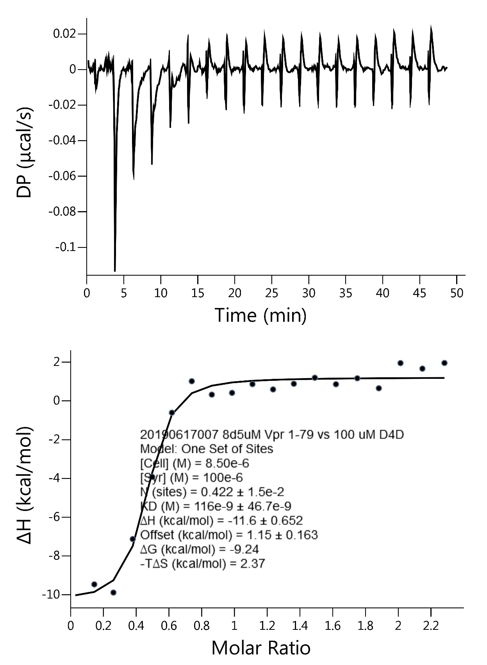
DP_X | DP_Y | Baseline_X | Baseline_Y | Fit_X | Fit_Y | NDH_X | NDH_Y
0.083333 | 0.004762 |  |  | 0.023 | -10.074331 | 0.138681 | -9.511427
0.1 | 0.003094 |  |  | 0.138681 | -9.901296 | 0.255484 | -9.933689
0.116667 | 0.002386 |  |  | 0.255484 | -9.300758 | 0.373409 | -7.174207
0.133333 | 0.001768 |  |  | 0.373409 | -7.532663 | 0.492456 | -3.965784
0.15 | 0.00109 |  |  | 0.492456 | -3.748178 | 0.612626 | -0.654197
0.166667 | 0.000532 |  |  | 0.612626 | -0.7468 | 0.733917 | 0.968876
0.183333 | 0.000654 |  |  | 0.733917 | 0.350779 | 0.85633 | 0.276827
0.2 | 0.000735 |  |  | 0.85633 | 0.738366 | 0.979866 | 0.368027
0.216667 | 0.000196 |  |  | 0.979866 | 0.90566 | 1.104523 | 0.818253
0.233333 | 0.000147 |  |  | 1.104523 | 0.990828 | 1.230303 | 0.545504
0.25 | 0.000279 |  |  | 1.230303 | 1.039572 | 1.357205 | 0.836545
0.266667 | 0.00048 |  |  | 1.357205 | 1.069934 | 1.485229 | 1.147303
0.283333 | 0.000621 |  |  | 1.485229 | 1.090089 | 1.614374 | 0.81302
0.3 | 0.00027 |  |  | 1.614374 | 1.104148 | 1.744642 | 1.120746
0.316667 | -0.000541 |  |  | 1.744642 | 1.114354 | 1.876032 | 0.606174
0.333333 | -0.001412 |  |  | 1.876032 | 1.122013 | 2.008545 | 1.903859
0.35 | -0.001753 |  |  | 2.008545 | 1.127922 | 2.142179 | 1.617911
0.366667 | -0.001764 |  |  | 2.142179 | 1.132593 | 2.276935 | 1.909189
0.383333 | -0.002074 |  |  | 2.276935 | 1.136366
0.4 | -0.002098
0.416667 | -0.002003
0.433333 | -0.001807
0.45 | -0.001441
0.466667 | -0.000905
0.483333 | -0.000329
0.5 | -0.000106
0.516667 | -0.000534
0.533333 | -0.000941
0.55 | -0.000999
0.566667 | -0.000897
0.583333 | -0.000684
0.6 | -0.000775
0.616667 | -0.001147
0.633333 | -0.001488
0.65 | -0.001579
0.666667 | -0.00121
0.683333 | -0.000561
0.7 | 0.000565
0.716667 | 0.00153
0.733333 | 0.001916
0.75 | 0.002082
0.766667 | 0.001988
0.783333 | 0.001874
0.8 | 0.001307
0.816667 | 0.00039
0.833333 | -0.000057
0.85 | 0.000026
0.866667 | 0.000649
0.883333 | 0.001133
0.9 | 0.001433
0.916667 | 0.001964
0.933333 | 0.001084
0.95 | -0.001966
0.966667 | -0.003845
0.983333 | -0.004185
1 | -0.001337
1.016667 | 0.00038
1.033333 | -0.002112
1.05 | -0.004145
1.066667 | -0.004928
1.083333 | -0.00739
1.1 | -0.008805
1.116667 | -0.010611
1.133333 | -0.010736
1.15 | -0.009962
1.166667 | -0.008877
1.183333 | -0.008483
1.2 | -0.009331
1.216667 | -0.009659
1.233333 | -0.009558
1.25 | -0.008806
1.266667 | -0.008194
1.283333 | -0.007812
1.3 | -0.007303
1.316667 | -0.006454
1.333333 | -0.005565
1.35 | -0.004936
1.366667 | -0.003506
1.383333 | -0.003077
1.4 | -0.00273
1.416667 | -0.002314
1.433333 | -0.001627
1.45 | -0.0013
1.466667 | -0.001194
1.483333 | -0.001317
1.5 | -0.001722
1.516667 | -0.001678
1.533333 | -0.000813
1.55 | -0.000309
1.566667 | -0.000224
1.583333 | -0.00045
1.6 | -0.000627
1.616667 | -0.000765
1.633333 | -0.000783
1.65 | -0.00083
1.666667 | -0.000698
1.683333 | -0.000196
1.7 | 0.000295
1.716667 | 0.000645
1.733333 | 0.000696
1.75 | 0.000296
1.766667 | -0.000094
1.783333 | -0.000213
1.8 | -0.000094
1.816667 | 0.000354
1.833333 | 0.000793
1.85 | 0.000812
1.866667 | 0.00025
1.883333 | -0.000021
1.9 | 0.000026
1.916667 | 0.000133
1.933333 | 0.00004
1.95 | -0.000203
1.966667 | -0.000346
1.983333 | -0.000409
2 | -0.000553
2.016667 | -0.000577
2.033333 | -0.000702
2.05 | -0.000926
2.066667 | -0.001121
2.083333 | -0.001115
2.1 | -0.001041
2.116667 | -0.001106
2.133333 | -0.001082
2.15 | -0.001268
2.166667 | -0.001333
2.183333 | -0.000889
2.2 | -0.000006
2.216667 | 0.000298
2.233333 | 0.000031
2.25 | -0.000466
2.266667 | -0.000583
2.283333 | 0.00023
2.3 | 0.001243
2.316667 | 0.002045
2.333333 | 0.002837
2.35 | 0.00336
2.366667 | 0.003812
2.383333 | 0.004064
2.4 | 0.003416
2.416667 | 0.003187
2.433333 | 0.002729
2.45 | 0.00235
2.466667 | 0.002602
2.483333 | 0.001943
2.5 | 0.002424
2.516667 | 0.004005
2.533333 | 0.004586
2.55 | 0.004067
2.566667 | 0.003418
2.583333 | 0.002958
2.6 | 0.001729
2.616667 | 0.000249
2.633333 | 0.00092
2.65 | 0.0011
2.666667 | 0.000341
2.683333 | 0.000271
2.7 | 0.002081
2.716667 | 0.002821
2.733333 | 0.003442
2.75 | 0.002732
2.766667 | 0.003012
2.783333 | 0.002412
2.8 | 0.000892
2.816667 | 0.001102
2.833333 | 0.002282
2.85 | 0.001942
2.866667 | 0.002812
2.883333 | 0.004792
2.9 | 0.004512
2.916667 | 0.003662
2.933333 | 0.002892
2.95 | 0.001822
2.966667 | 0.001452
2.983333 | 0.001482
3 | 0.001183
3.016667 | 0.001663
3.033333 | 0.000803
3.05 | -0.000127
3.066667 | -0.000006
3.083333 | 0.000644
3.1 | 0.001344
3.116667 | 0.001825
3.133333 | 0.001016
3.15 | 0.000126
3.166667 | 0.000347
3.183333 | 0.000748
3.2 | 0.000449
3.216667 | 0.00045
3.233333 | 0.000661
3.25 | 0.000892
3.266667 | 0.001483
3.283333 | 0.002255
3.3 | 0.002766
3.316667 | 0.002268
3.333333 | 0.00123
3.35 | 0.000632
3.366667 | 0.001764
3.383333 | 0.002166
3.4 | 0.001378
3.416667 | 0.001221
3.433333 | 0.002074
3.45 | 0.002607
3.466667 | 0.002389
3.483333 | -0.003088
3.5 | -0.009435
3.516667 | -0.007161
3.533333 | -0.013158
3.55 | -0.022904
3.566667 | -0.025981
3.583333 | -0.030898
3.6 | -0.035594
3.616667 | -0.03241
3.633333 | -0.041736
3.65 | -0.076743
3.666667 | -0.104969
3.683333 | -0.109155
3.7 | -0.099342
3.716667 | -0.088208
3.733333 | -0.077524
3.75 | -0.068751
3.766667 | -0.064277
3.783333 | -0.060744
3.8 | -0.05783
3.816667 | -0.055477
3.833333 | -0.052794
3.85 | -0.049461
3.866667 | -0.045508
3.883333 | -0.042215
3.9 | -0.039603
3.916667 | -0.037461
3.933333 | -0.036059
3.95 | -0.034886
3.966667 | -0.033574
3.983333 | -0.032062
4 | -0.030331
4.016667 | -0.02868
4.033333 | -0.027
4.05 | -0.025269
4.066667 | -0.023438
4.083333 | -0.021737
4.1 | -0.020378
4.116667 | -0.019059
4.133333 | -0.01779
4.15 | -0.016331
4.166667 | -0.014662
4.183333 | -0.012933
4.2 | -0.011806
4.216667 | -0.011259
4.233333 | -0.011082
4.25 | -0.010855
4.266667 | -0.010078
4.283333 | -0.009112
4.3 | -0.008167
4.316667 | -0.007262
4.333333 | -0.006618
4.35 | -0.006104
4.366667 | -0.00608
4.383333 | -0.005986
4.4 | -0.005954
4.416667 | -0.005462
4.433333 | -0.004651
4.45 | -0.00381
4.466667 | -0.003359
4.483333 | -0.003458
4.5 | -0.003629
4.516667 | -0.003961
4.533333 | -0.003783
4.55 | -0.003016
4.566667 | -0.002068
4.583333 | -0.00131
4.6 | -0.001015
4.616667 | -0.000901
4.633333 | -0.000937
4.65 | -0.001193
4.666667 | -0.001289
4.683333 | -0.001166
4.7 | -0.000985
4.716667 | -0.000595
4.733333 | -0.000405
4.75 | -0.000356
4.766667 | -0.000566
4.783333 | -0.000846
...

Supplementary Fig. 8c
25
20
15
10
αFLAG
Vpr
WT
H45A
H71R
pcDNA
WT
H45A
H71R
pcDNA
WT
H45A
H71R
pcDNA
1
2
3
4
5
6
7
8
9
10
11
12

(kD)

WT
H45A
H71R
pcDNA
WT
H45A
H71R
pcDNA
WT
H45A
H71R
pcDNA
50
37
Actin
αActin
1
2
3
4
5
6
7
8
9
10
11
12

(kD)

Supplementary Fig. 8c: Gel source data

Supplementary Fig. 8d
