1g

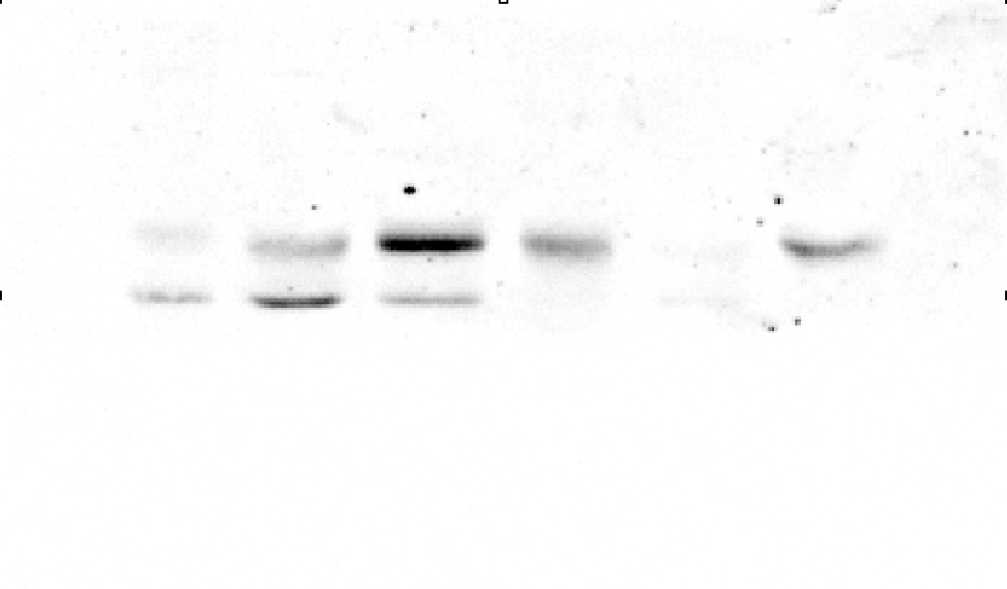
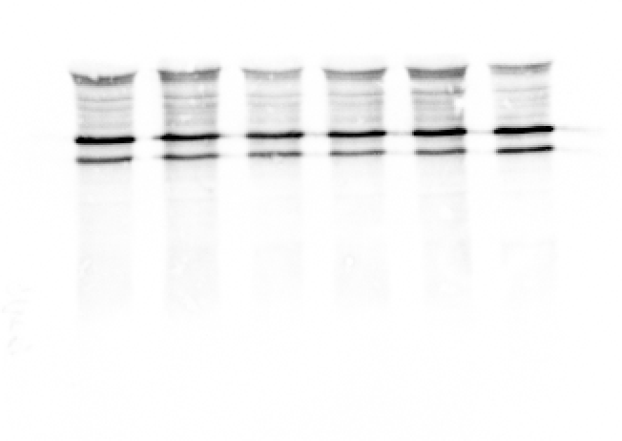
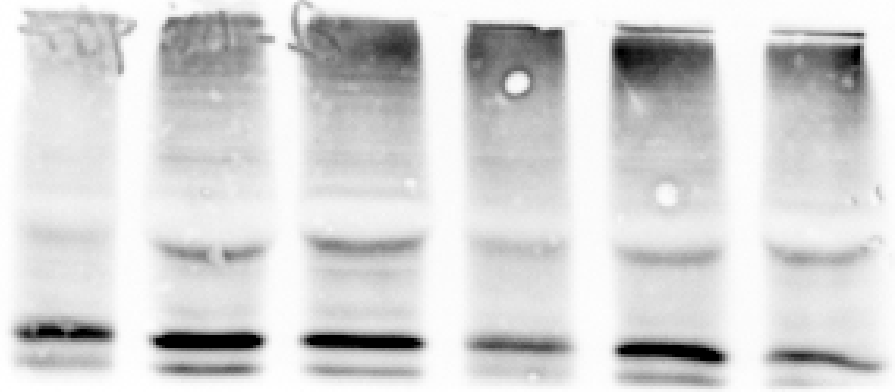
Fig. 1g pTDP43 (upper) / tERK (bottom) in sciatic nerve | Fig. 1g hTDP43 (upper) / TDP43 (center) / tERK (bottom) in sciatic nerve

1o
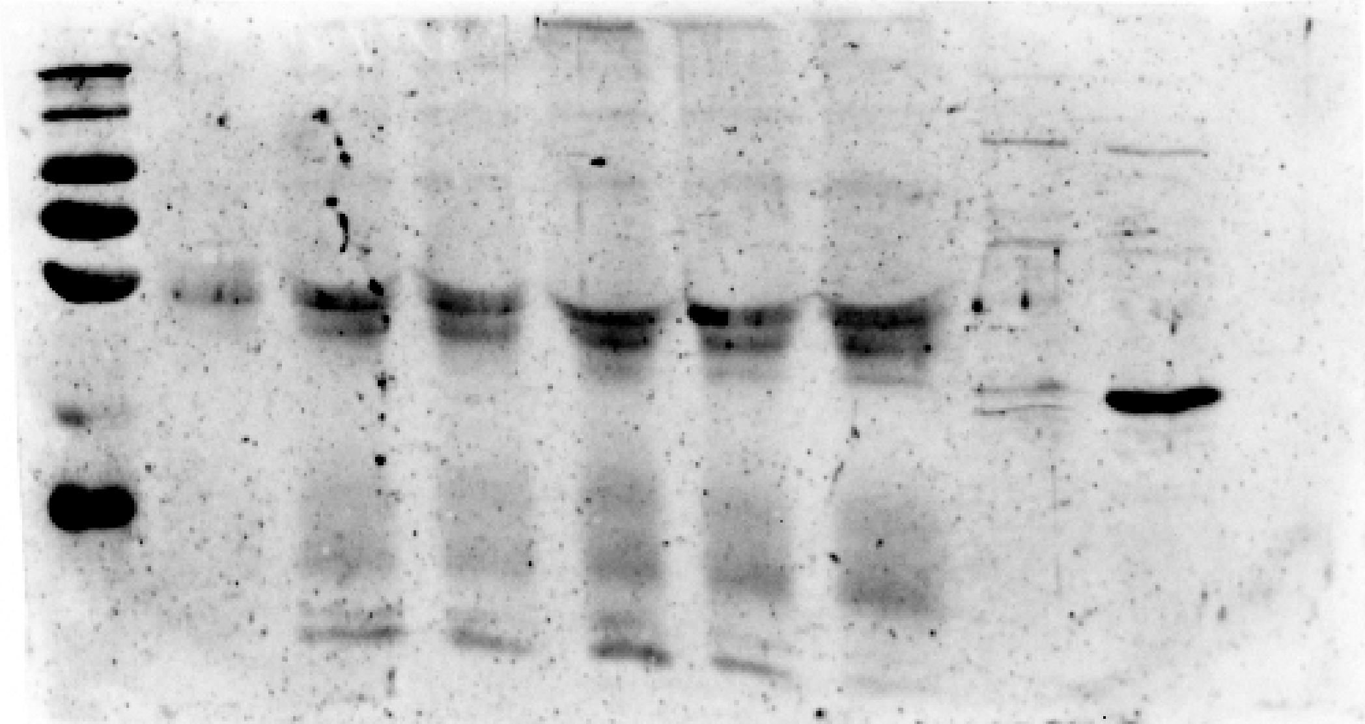
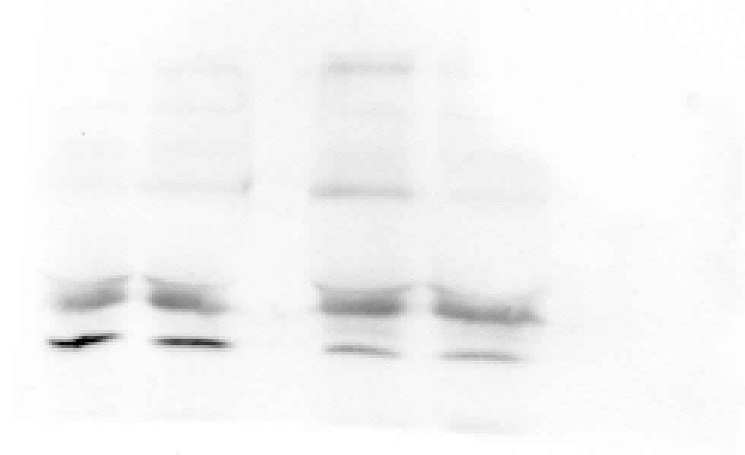
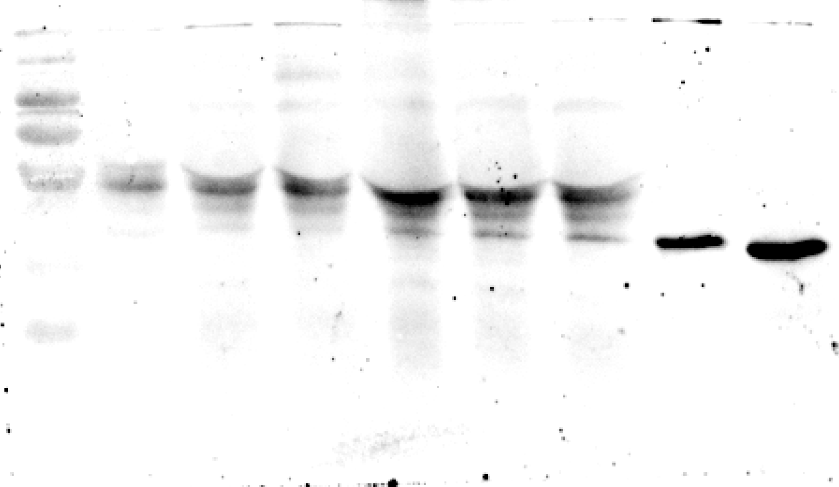
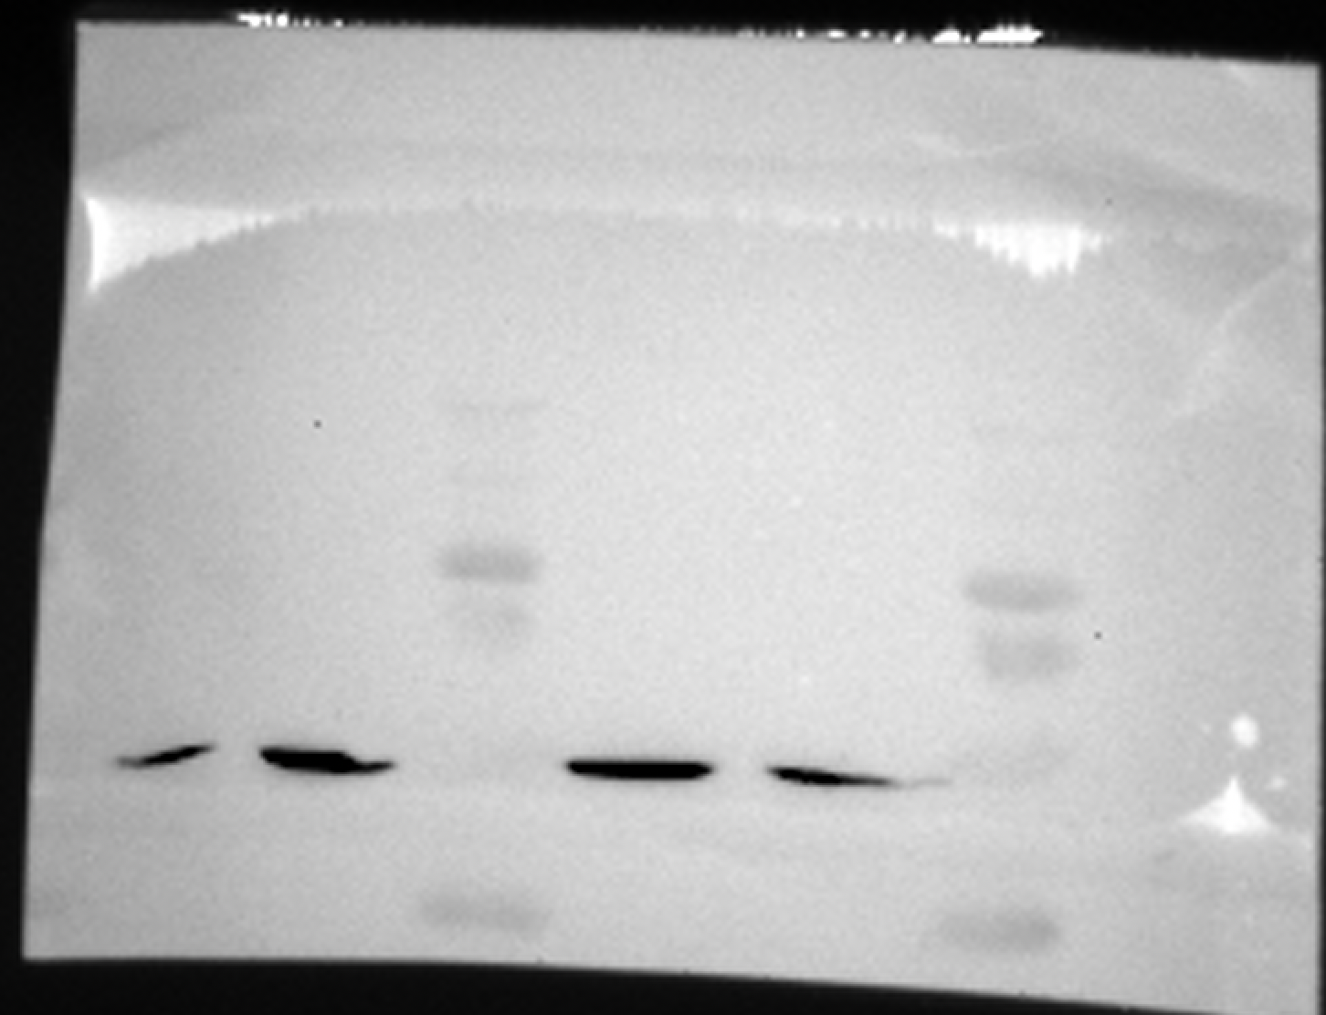
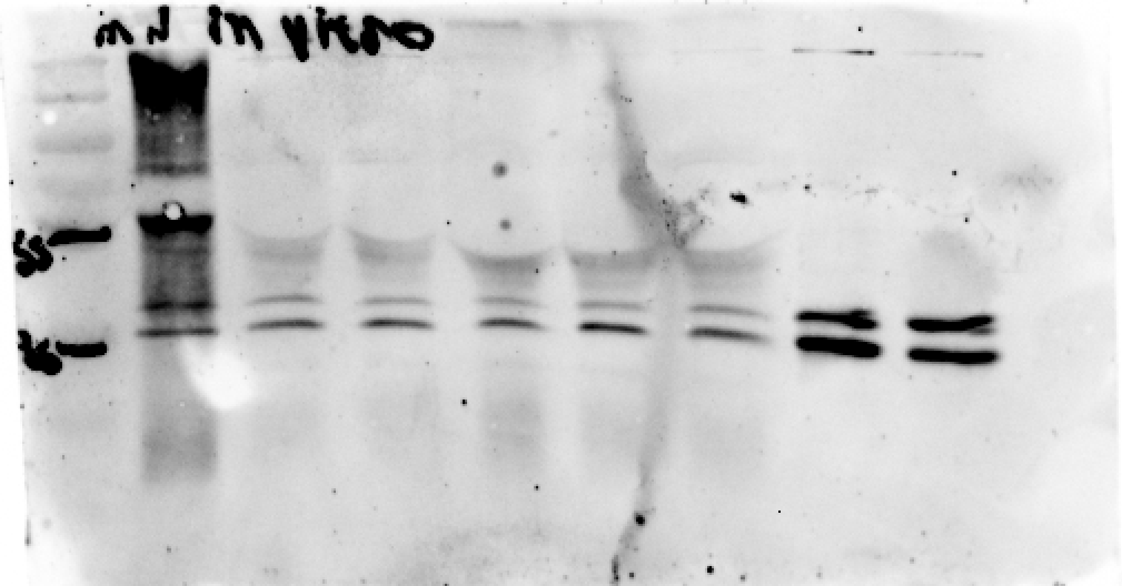
Fig 1o. Uncropped blots of: Left column - TDP43 (top), hTDP43 (center), and tERK (bottom) | Right column - pTDP43(top) and tubulin (bottom) in isolated axons of control and TDP43∆NLS primary motor neurons

4p
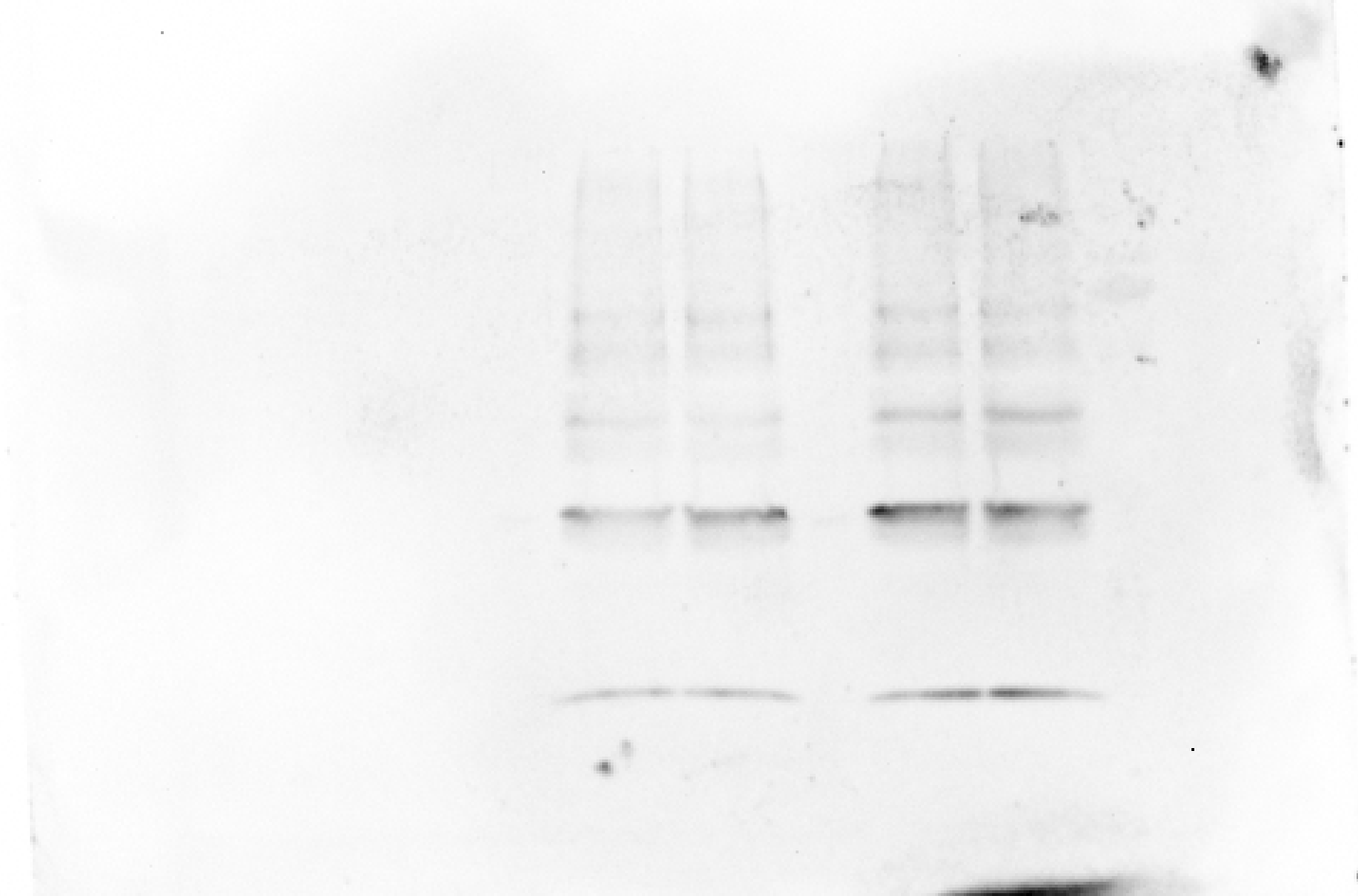
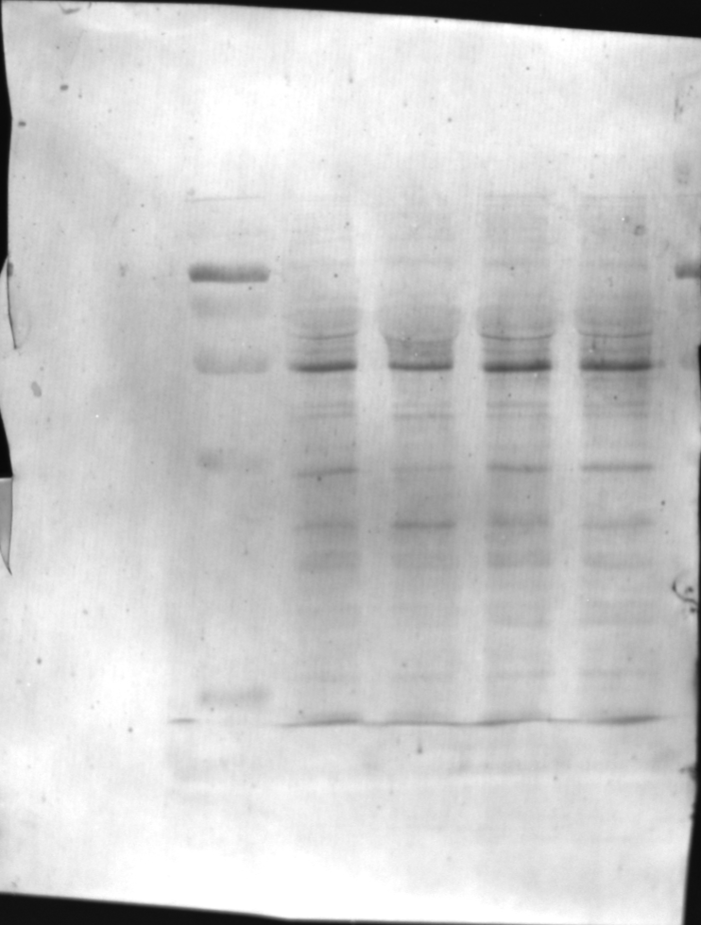
Fig 4p. Uncropped blots of Cox4i in OPP pull down fraction (top) and coomassie staining of input protein

Sup 2c
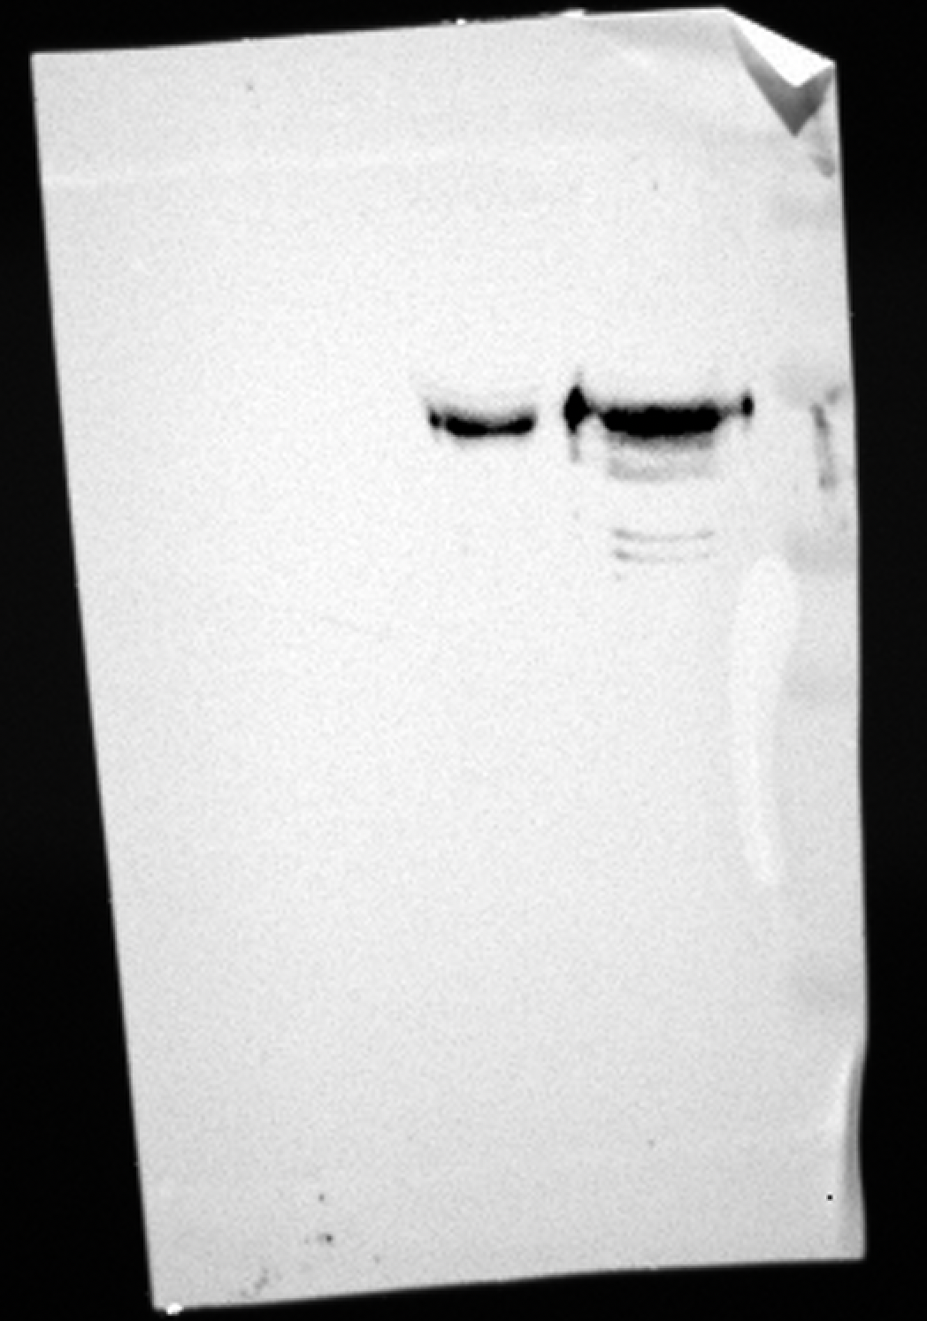
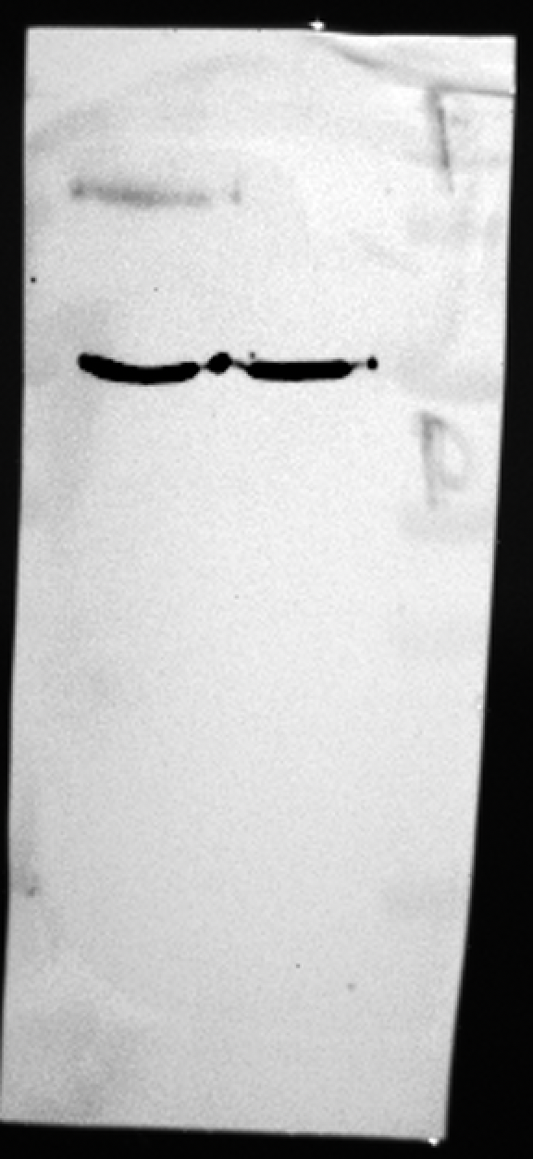
Sup Fig 2c. Western blots for Tau-5(top),Map2(center) and tubulin (bottom) in protein lysates prepared from somata and axons within radial microfluidic chamber

Sup 2d
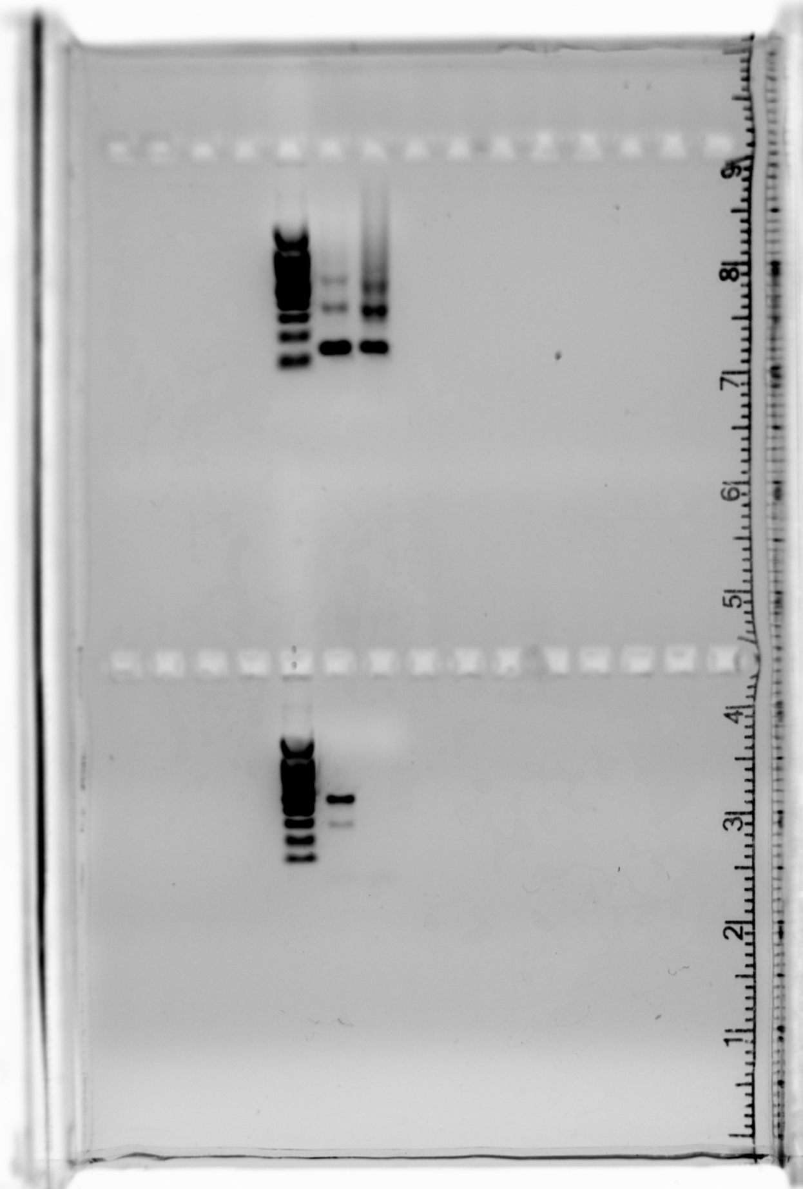
Sup Fig 2d. PCR ampliciation of ACTB (top) and POLB (bottom) cDNA prepared from soma and axonal RNA isolates harvested from radial microfluidic chamber
 | 100 Base Pair DNA ladder - left column in each gel

Sup. 3k
Sup fig 3k - G3BP1 levels in isolated axons (top) / tubulin (bottom)

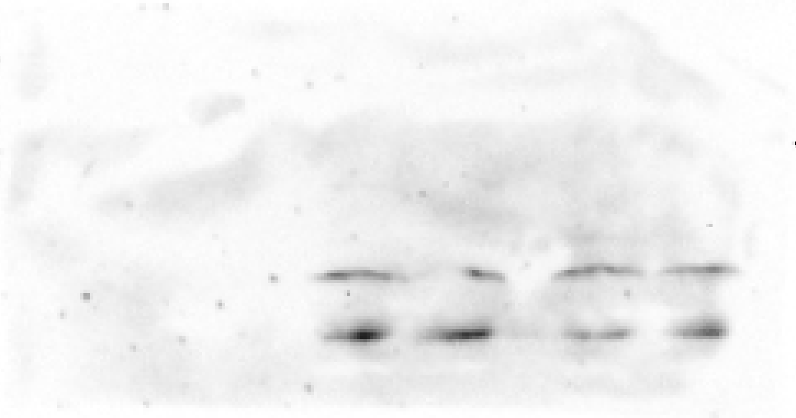
55
70
130
150
100



150
130

100
70

55

Sup. 10d
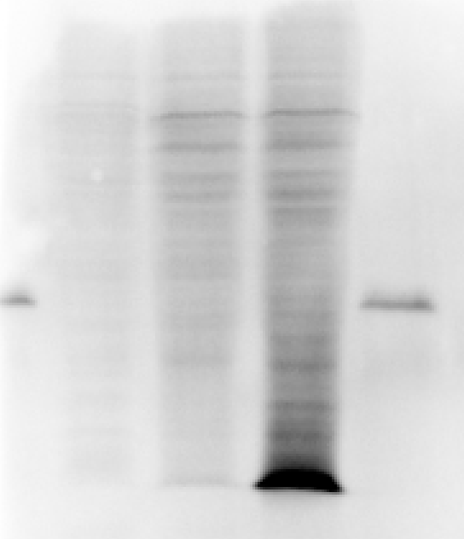
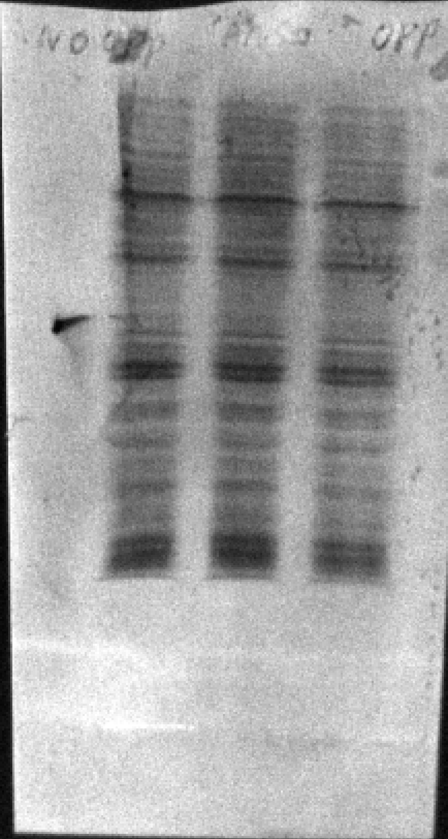

Sup Fig 10d. OPP totals HEK293T streptaviding-HRP (top)/ coomassie totals (center)/ OPP IP streptavidin-HRP (bottom)

Sup. 10e
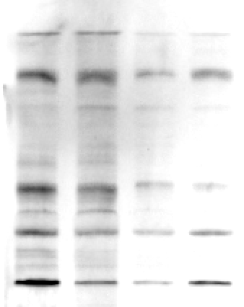
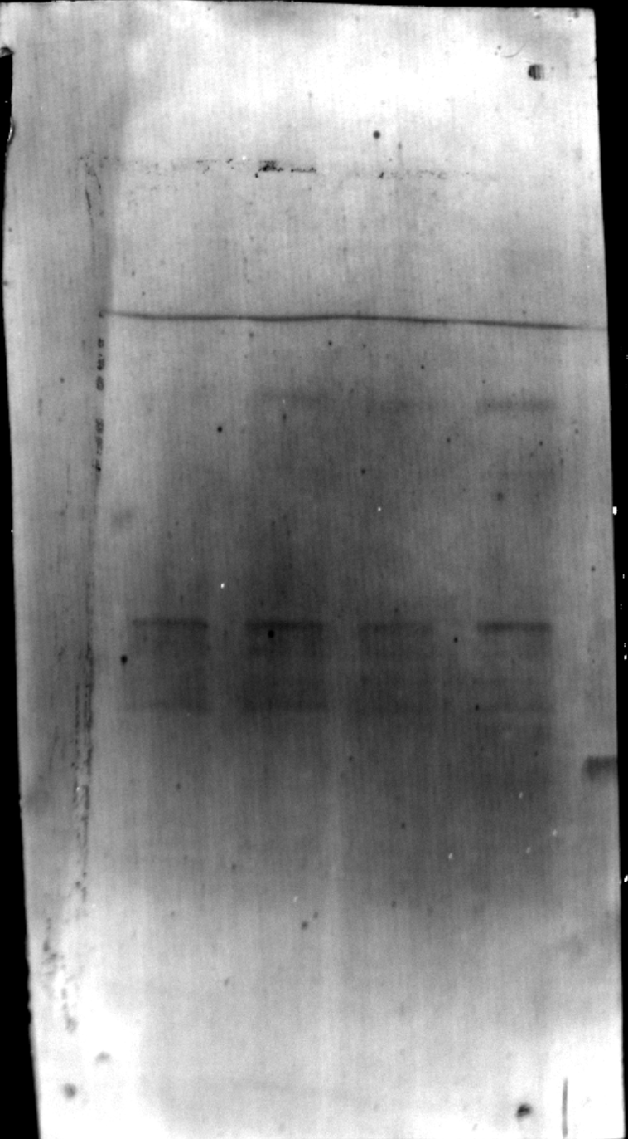
Sup Fig 10e. OPP totals sciatic nerve streptaviding-HRP (top)/ coomassie totals (bottom)

Sup. 13a
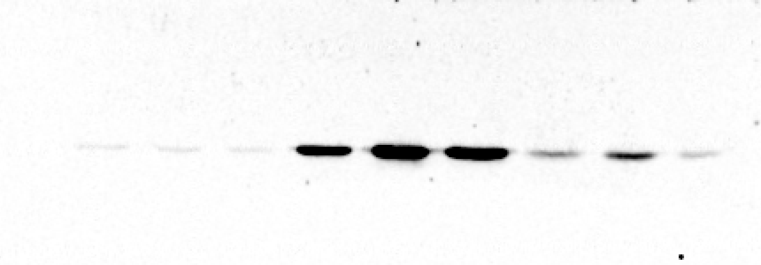

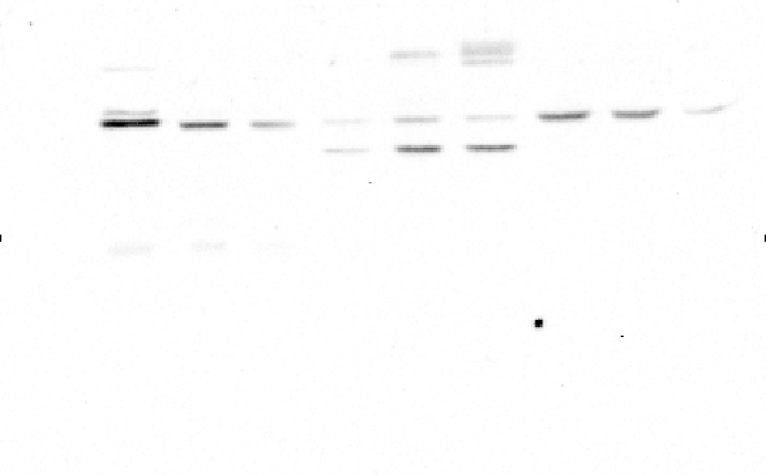
Sup fig 13a. Western blot for TDP43 in spinal cords, sciatic nerves and gastrocnemius muscles of control, TDP43ΔNLS and Recovery mice

Sup Fig 13a TDP43 in Spinal cord (Top)/ hTDP43 (center)/ Tubulin (bottom) | Sup Fig 13a TDP43 in gastrocnemius (Top)/ hTDP43 (center)/ Tubulin (bottom) | Sup Fig 13a TDP43 in Sciatic nerve (Top)/ hTDP43 (center)/ Tubulin (bottom)

