Figure 1l
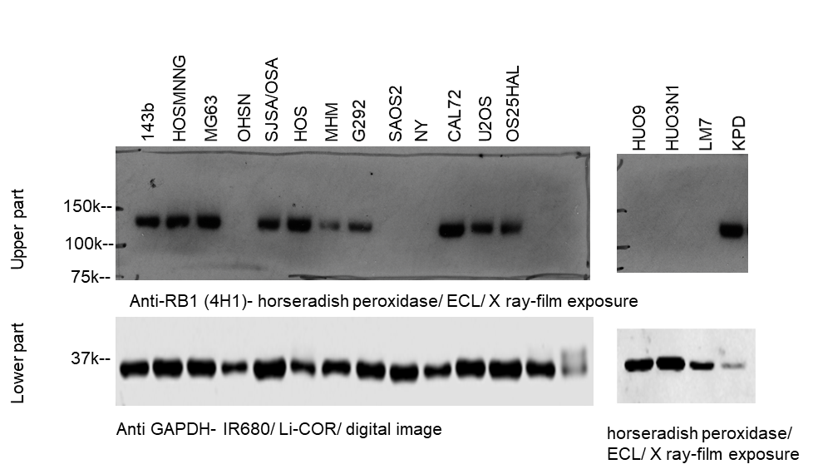
Figure 1l

Figure 3c, d
Figure 3c, d
Death dye incorporation relative to cell density
 |  |  |  | avarage (n=2 wells) | stdv (n=2 wels) | avarage (n=2 wells) | stdv (n=2 wels) | avarage (n=2 wells) | stdv (n=2 wells) | excess death (E-I) | excess death (G-I) | mean over time frame_excess death | mean over time frame_excess death | STATS T-TEST |  |  | avarage_excess death (n=2) |  | IC50 clongenic survival | Pearson correlation (death 10uM vs IC50) |  |  | avarage_excess death (n=2) |  | IC50 clongenic assay | Pearson correlation (death 10uM vs IC50)
RB status | cell line_expt Id_(expt No) | cell line _name | time | Olaparib uM |  |  |  |  |  |  |  |  |  | RB defective /RB normal |  | cell line _name | avarage | variance | IC50 | r | n | p (2 tailed) | avarage | variance | IC50 | r | n | p (2 tailed)
 |  |  |  | 10 | 10 | 3 | 3 | DMSO | DMSO | 10 | 3 | 10 | 3 | 10 | 3 |  | 10 |  |  |  |  |  | 3
RB defective | HUO3N1_CA4A _(expt 1) | Huo3N1 | 94h | 767236 | 47483 | 611821 | 227479 | 143708 | 7333 | 623527 | 468112 | 648954 | 468112 | 0.00004872 | 0.00078466959993 | Huo3N1 | 1133604.8992 | 809128 | 0.043 | -0.77 | 10 | <0.01 | 560167 | 130184.77936 | 0.043 | -0.76 | 10 | 0.01
RB defective |  |  | 96h | 812239 | 25342 | 611181 | 201087 | 148145 | 6064 | 664093 | 463036
RB defective |  |  | 98h | 814755 | 3368 | 629303 | 206965 | 155515 | 7681 | 659240 | 473787
RB defective | HUO3N1_CA3-1 (expt 2) | Huo3N1 | 94h | 1358931.1792 | 74576.72258 | 1007020.3385 | 461535.08386 | 354798.93652 | 398976.9016 | 1004132 | 652221 | 969303 | 652221
RB defective |  |  | 96h | 1291048.0226 | 69964.100196 | 1022679.9381 | 582159.46998 | 372883.01041 | 297209.13784 | 918165 | 649797
RB defective |  |  | 98h | 1423949.9407 | 33133.490632 | 960151.5138 | 496639.46019 | 438339.07084 | 273620.58034 | 985611 | 521812
RB defective | OHSN_CA2_(expt 1) | OHSN | 94h | 2079517 | 79874 | 2488524 | 321955 | 547983 | 173339 | 1531534 | 1940541 | 1636727 | 1940541 |  |  | OHSN | 2182715.6147 | 1364352 | 0.051 |  |  |  | 1326601 | 868242.73831 | 0.051
RB defective |  |  | 96h | 2256337 | 170267 | 2514436 | 317120 | 563514 | 166821 | 1692822 | 1950921
RB defective |  |  | 98h | 2241506 | 70041 | 2498479 | 240578 | 555682 | 164497 | 1685824 | 1942797
RB defective | OHSN_GZRB1KOgreen2 (expt 2) | OHSN | 94h | 1289197.7214 | 190082.32954 | 973919.89289 | 46377.031407 | 261259.21086 | 36167.70642 | 1027939 | 712661 | 1091978 | 712661
RB defective |  |  | 96h | 1376141.8179 | 243373.4013 | 1045963.8535 | 46059.418261 | 274937.62623 | 44617.807836 | 1101204 | 771026
RB defective |  |  | 98h | 1435846.5516 | 232805.55757 | 1086860.5059 | 55815.207018 | 289056.31809 | 50749.97838 | 1146790 | 797804
RB defective | LM7_CA3-1 (expt 1) | LM7 | 94h | 2183591.3167 | 136084.94917 | 1713174.3249 | 186324.14542 | 434981.86503 | 81272.249334 | 1748609 | 1278192 | 1834022 | 1278192 |  |  | LM7 | 2291153.0037 | 1374142 | 0.11 |  |  |  | 760436 | 732218.70853 | 0.11
RB defective |  |  | 96h | 2315563.5273 | 178995.90963 | 1793905.72 | 113519.34816 | 458448.727 | 93225.379808 | 1857115 | 1335457
RB defective |  |  | 98h | 2363419.6586 | 166565.42965 | 1794828.3118 | 202648.76465 | 467079.1779 | 101614.78585 | 1896340 | 1327749
RB defective | LM7_CA4A (expt 2) | LM7 | 94h | 1408010.5396 | 5.4124927945 | 796609.74287 | 23820.42442 | 553930.91126 | 44560.644486 | 854080 | 242679 | 914263 | 242679
RB defective |  |  | 96h | 1474487.847 | 12720.94452 | 844005.02692 | 9052.8709658 | 564590.47149 | 43886.746432 | 909897 | 279415
RB defective |  |  | 98h | 1554580.0805 | 1620.3585214 | 863480.38404 | 9947.0453476 | 575768.52776 | 56407.365573 | 978812 | 287712
RB defective | NY_CA3-1 (expt 1) | NY | 94h | 2183591.3167 | 136084.94917 | 1713174.3249 | 186324.14542 | 434981.86503 | 81272.249334 | 1748609 | 1278192 | 1834022 | 1278192 |  |  | NY | 2322601.687 | 1405591 | 0.134 |  |  |  | 1040606 | 335997.68217 | 0.134
RB defective |  |  | 96h | 2315563.5273 | 178995.90963 | 1793905.72 | 113519.34816 | 458448.727 | 93225.379808 | 1857115 | 1335457
RB defective |  |  | 98h | 2363419.6586 | 166565.42965 | 1794828.3118 | 202648.76465 | 467079.1779 | 101614.78585 | 1896340 | 1327749
RB defective | NY_CA2 (expt 2) | NY | 94h | 1286034 | 184834 | 1128137 | 53648 | 325117 | 19069 | 960917 | 803020 | 977160 | 803020
RB defective |  |  | 96h | 1267168 | 194937 | 1158927 | 23843 | 324032 | 23338 | 943136 | 834895
RB defective |  |  | 98h | 1339624 | 213842 | 1158326 | 44009 | 312197 | 22408 | 1027428 | 846130
RB defective | SAOS2 (SA)_CA2 (expt 1) | SAOS2 | 94h | 943924.84509 | 67200.405932 | 688929.74075 | 17576.012609 | 299639.42873 | 14434.20593 | 644285 | 389290 | 667771 | 389290 |  |  | SAOS2 | 1507501.8577 | 1173616 | 0.522 |  |  |  | 611036 | 313595.93096 | 0.522
RB defective |  |  | 96h | 974151.83297 | 78623.842394 | 729879.10275 | 47844.844667 | 309738.14578 | 41939.846885 | 664414 | 420141
RB defective |  |  | 98h | 987907.01802 | 113930.69842 | 748977.76204 | 27640.178458 | 293292.23966 | 18061.863273 | 694615 | 455686
RB defective | SAOS2 (SA)_CA4B (expt 2) | SAOS2 | 94h | 1972857 | 114238 | 1149331 | 73550 | 316549 | 119453 | 1656308 | 832782 | 1679461 | 832782
RB defective |  |  | 96h | 2006858 | 144478 | 1159731 | 35290 | 318067 | 127059 | 1688791 | 841664
RB defective |  |  | 98h | 2001767 | 177408 | 1195770 | 39555 | 308483 | 110887 | 1693284 | 887287
RB NORMAL | 143B CA 3-2 | 143B | 94h | 383289.23425 | 24000.549741 | 57907.120144 | 30660.033752 | 18961.91099 | 6202.3338527 | 364327 | 38945 | 410387 | 38945 |  |  | 143B | 666131.10913 | 460938 | 4 |  |  |  | 109204 | 99361.33421 | 4
RB NORMAL |  |  | 96h | 424582.41266 | 6726.1977379 | 70157.280599 | 34333.840202 | 18692.446705 | 5564.8669744 | 405890 | 51465
RB NORMAL |  |  | 98h | 481677.03343 | 33776.180181 | 92397.100337 | 20355.788011 | 20734.154144 | 1012.7966733 | 460943 | 71663
RB NORMAL | 143B CA 4B | 143B | 94h | 625113 | 108513 | 301409 | 106823 | 121946 | 24324 | 503167 | 179463 | 511489 | 179463
RB NORMAL |  |  | 96h | 640452 | 134006 | 282729 | 103614 | 127258 | 23564 | 513194 | 155471
RB NORMAL |  |  | 98h | 652808 | 61183 | 302652 | 131641 | 134702 | 16704 | 518105 | 167950
RB NORMAL | U2OS CA3-2 | U2OS | 94h | 318880.05349 | 8800.4035033 | 288536.68587 | 78348.231565 | 307954.10268 | 81114.800534 | 10926 | -19417 | 7652 | -19417 |  |  | U2OS | 6385.1300929 | 2559 | 4 |  |  |  | -44535 | 35521.48962 | 4
RB NORMAL |  |  | 96h | 333509.23574 | 28494.059002 | 305332.95095 | 75930.274374 | 326101.79092 | 76912.695674 | 7407 | -20769
RB NORMAL |  |  | 98h | 328128.10544 | 45175.393891 | 296753.75907 | 68290.123274 | 323506.19323 | 82895.945852 | 4622 | -26752
RB NORMAL | U2OS CA 4B | U2OS | 94h | 170099 | 11152 | 143479 | 15151 | 213131 | 46823 | -43032 | -69652 | -2533 | -69652
RB NORMAL |  |  | 96h | 168818 | 13536 | 151082 | 15151 | 151948 | 5297 | 16870 | -866
RB NORMAL |  |  | 98h | 178552 | 11207 | 157442 | 15151 | 159990 | 8965 | 18562 | -2548
RB NORMAL | OSHAL CA3-1 | OSHAL | 94h | 840297.81149 | 163217.46061 | 394827.36472 | 53499.509915 | 162789.62846 | 8329.3392336 | 677508 | 232038 | 712855 | 232038 |  |  | OSHAL | 840124.06389 | 483696 | 1.3 |  |  |  | 166357 | 92886.195777 | 1.3
RB NORMAL |  |  | 96h | 858502.08716 | 205516.40996 | 405354.39131 | 59145.057996 | 164847.73738 | 4638.7862056 | 693654 | 240507
RB NORMAL |  |  | 98h | 936020.24799 | 167133.44069 | 430954.97505 | 59466.661849 | 168617.37973 | 15137.497748 | 767403 | 262338
RB NORMAL | OSHAL CA 4A | OSHAL | 94h | 439689 | 4546 | 305842 | 47536 | 205165 | 30028 | 234524 | 100677 | 254538 | 100677
RB NORMAL |  |  | 96h | 470482 | 6840 | 315624 | 49202 | 210045 | 47401 | 260437 | 105579
RB NORMAL |  |  | 98h | 481784 | 44372 | 321067 | 35232 | 213131 | 46823 | 268653 | 107936
RB NORMAL | SJSA/OSA CA3-1 | SJSA/OSA | 94h | 88433.094358 | 6998.2277626 | 16020.689342 | 6843.1871238 | 2073.1803929 | 256.5208353 | 86360 | 13948 | 83139 | 13948 |  |  | SJSA/OSA | 116625.44784 | 75056 | 1.3 |  |  |  | 9823 | 5833.5310231 | 1.3
RB NORMAL |  |  | 96h | 86423.094923 | 4074.8922902 | 10218.987365 | 8538.9707654 | 2092.3430787 | 1819.7036802 | 84331 | 8127
RB NORMAL |  |  | 98h | 80995.880537 | 13112.599363 | 10137.079725 | 4337.6227522 | 2270.7050879 | 1209.3725948 | 78725 | 7866
RB NORMAL | SJSA/OSA CA4A | SJSA/OSA | 94h | 149466 | 52093 | 76267 | 46322 | 70569 | 20035 | 78897 | 5698 | 66974 | 5698
RB NORMAL |  |  | 96h | 120741 | 24437 | 83129 | 63268 | 66045 | 12805 | 54696 | 17085
RB NORMAL |  |  | 98h | 126428 | 40994 | 69578 | 50600 | 59100 | 20143 | 67328 | 10478
RB NORMAL | HOSMMNG CA4A | HOSMNNG | 94h | 117732.3396 | 43493.536885 | 85367.369111 | 13078.573366 | 48625.91508 | 12439.52856 | 69106 | 36741 | 66654 | 36741 |  |  | HOSMNNG | 224462.23566 | 191135 | 3 |  |  |  | 107106 | 99510.990021 | 3
RB NORMAL |  |  | 96h | 111690.55043 | 31308.024715 | 81142.918577 | 10541.376914 | 47039.99718 | 13148.722106 | 64651 | 34103
RB NORMAL |  |  | 98h | 110863.31687 | 34124.571127 | 79446.420792 | 9215.4023835 | 44657.68727 | 10020.015759 | 66206 | 34789
RB NORMAL | HOSMMG CA3.1 | HOSMNNG | 94h | 735462.89462 | 491665.44241 | 556863.96852 | 539089.88217 | 379392.72279 | 419637.96666 | 356070 | 177471 | 315616 | 177471
RB NORMAL |  |  | 96h | 727697.78473 | 447678.94673 | 518715.68472 | 442668.75785 | 411873.18024 | 455937.72931 | 315825 | 106843
RB NORMAL |  |  | 98h | 714995.10326 | 411124.15425 | 396064.69641 | 256003.2356 | 440041.68038 | 490732.9129 | 274953 | -43977

correlation 3 uM net death individual data (n=2)
 | 1
correlation 3 uM net death individual data (n=2)
 | 1

correlation 3 uM net death individual data (RB defective) (n=2)
 | 1
correlation 3 uM net death individual data (RB defective) (n=2)
 | 1

Figure 4a
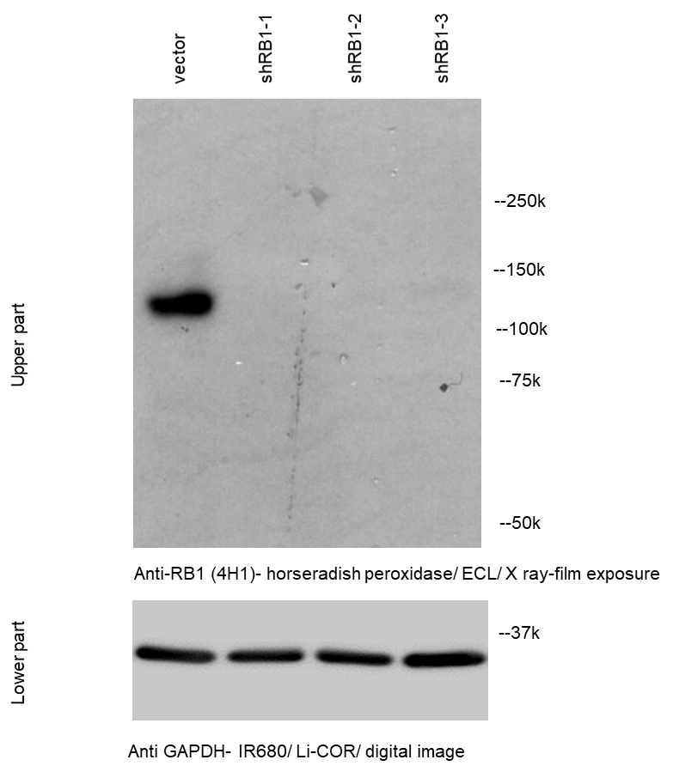
Figure 4a

Figure 7c
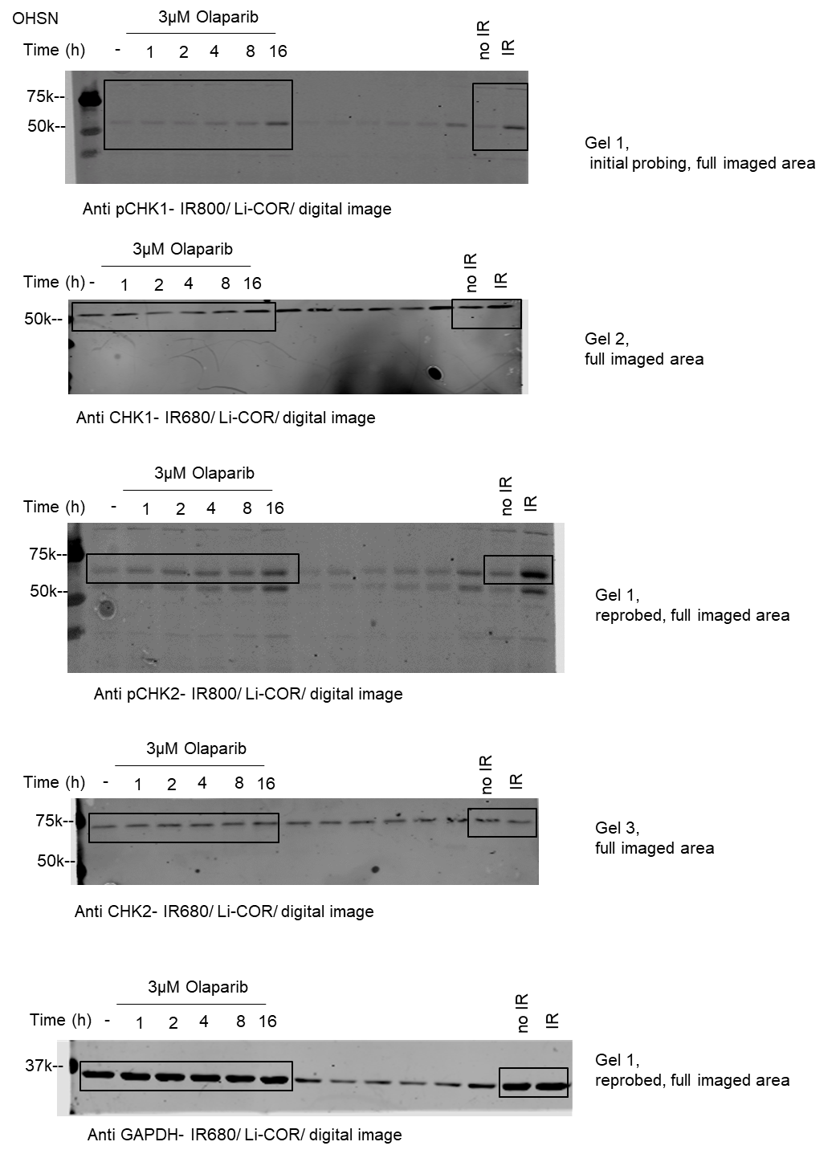
Figure 7c

Figure 7f
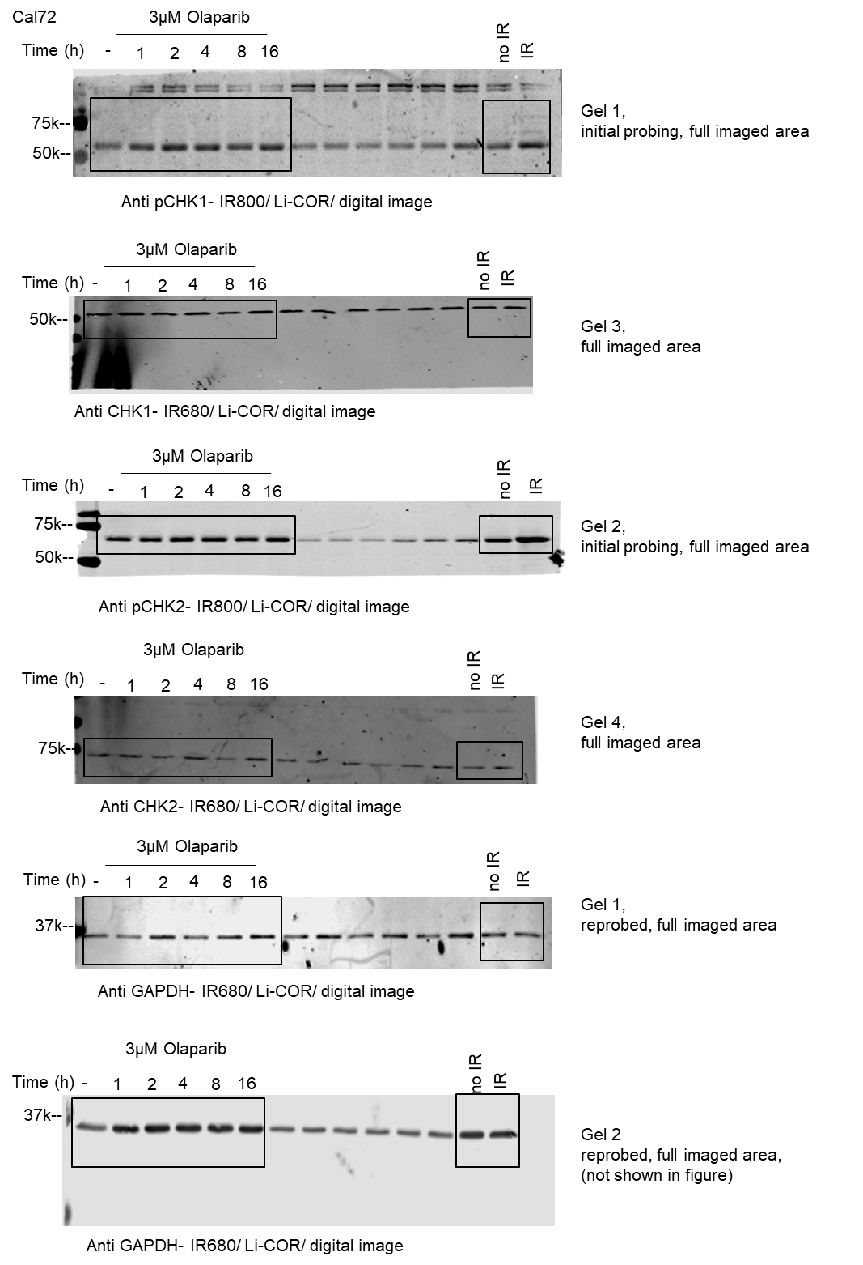
Figure 7f

Figure 7i
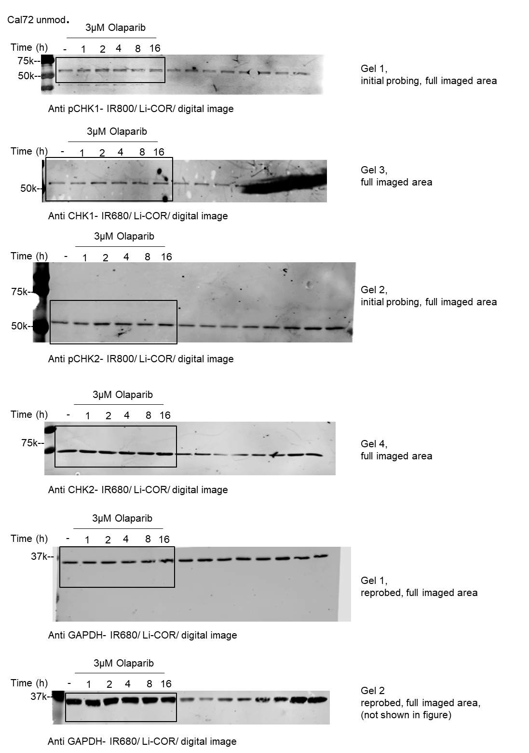
Figure 7i

Figure 7l
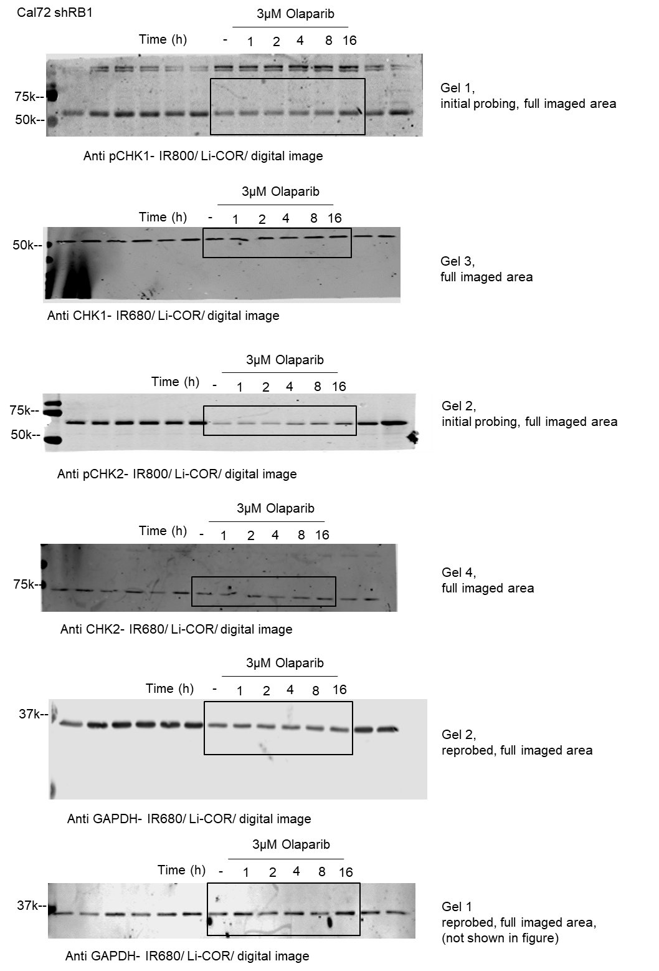
Figure 7l

Figure 8b
Figure 8b
death dye incorporation relative to cell density, excess above vehicle
Thymidine block |  |  |  |  |  |  |  |  |  | Thymidine block 2 |  |  |  |  |  |  |  |  |  | Thymidine block 3 |  |  |  |  |  |  |  |  |  | Thymidine block 4 |  |  |  |  |  |  |  |  |  | Thymidine block 5 |  |  |  |  |  |  |  |  |  | Thymidine release |  |  |  |  |  |  |  |  |  | Thymidine release 2 |  |  |  |  |  |  |  |  |  | Thymidine release 3 |  |  |  |  |  |  |  |  |  | Thymidine release 4 |  |  |  |  |  |  |  |  |  | Thymidine release 5
Metrix: Mean_STDV_excess death over DMSO |  |  |  |  |  |  |  |  |  | Metrix: Mean_STDV_excess death over DMSO |  |  |  |  |  |  |  |  |  | Metrix: Mean_STDV_excess death over DMSO |  |  |  |  |  |  |  |  |  | Metrix: Mean_STDV_excess death over DMSO |  |  |  |  |  |  |  |  |  | Metrix: Mean_STDV_excess death over DMSO |  |  |  |  |  |  |  |  |  | Metrix: Mean_STDV_excess death over DMSO |  |  |  |  |  |  |  |  |  | Metrix: Mean_STDV_excess death over DMSO |  |  |  |  |  |  |  |  |  | Metrix: Mean_STDV_excess death over DMSO |  |  |  |  |  |  |  |  |  | Metrix: Mean_STDV_excess death over DMSO |  |  |  |  |  |  |  |  |  | Metrix: Mean_STDV_excess death over DMSO
Cell Type: OSHN |  |  |  |  |  |  |  |  |  | Cell Type: OHSN |  |  |  |  |  |  |  |  |  | Cell Type: OHSN |  |  |  |  |  |  |  |  |  | Cell Type: OHSN |  |  |  |  |  |  |  |  |  | Cell Type: OHSN |  |  |  |  |  |  |  |  |  | Cell Type: OSHN |  |  |  |  |  |  |  |  |  | Cell Type: OHSN |  |  |  |  |  |  |  |  |  | Cell Type: OHSN |  |  |  |  |  |  |  |  |  | Cell Type: OHSN |  |  |  |  |  |  |  |  |  | Cell Type: OHSN
Passage: 1 |  |  |  |  |  |  |  |  |  | Passage: 1 |  |  |  |  |  |  |  |  |  | Passage: 1 |  |  |  |  |  |  |  |  |  | Passage: 1 |  |  |  |  |  |  |  |  |  | Passage: 1 |  |  |  |  |  |  |  |  |  | Passage: 1 |  |  |  |  |  |  |  |  |  | Passage: 1 |  |  |  |  |  |  |  |  |  | Passage: 1 |  |  |  |  |  |  |  |  |  | Passage: 1 |  |  |  |  |  |  |  |  |  | Passage: 1
Notes: Row 1: Unperturbed --> Drug ON ---> |  |  | 24hrs Drug OFF |  |  |  |  |  |  | Notes: |  |  |  |  |  |  |  |  |  | Notes: |  |  |  |  |  |  |  |  |  | Notes: |  |  |  |  |  |  |  |  |  | Notes: |  |  |  |  |  |  |  |  |  | Notes: Row 1: Unperturbed --> Drug ON --> |  |  |  |  |  |  |  |  |  | Notes: |  |  |  |  |  |  |  |  |  | Notes: |  |  |  |  |  |  |  |  |  | Notes: |  |  |  |  |  |  |  |  |  | Notes:
Row 2: Unperturbed --> Drug ON --> 24hrs Drug OFF |  |  |  |  |  |  |  |  |  | Analysis Job: Thymidine ON 2 - Ritika |  |  |  |  |  |  |  |  |  | Analysis Job: Ritika Thymidine ON #3 |  |  |  |  |  |  |  |  |  | Analysis Job: Ritika thymidine ON 06/02/19 |  |  |  |  |  |  |  |  |  | Analysis Job: Thymidine ON 20/02/19 |  |  |  |  |  |  |  |  |  | Row 4: Unperturbed --> Medium OFF --> Drug OFF 24hrs |  |  |  |  |  |  |  |  |  | Analysis Job: Ritika Thymidine OFF #2 |  |  |  |  |  |  |  |  |  | Analysis Job: Ritika thymidine OFF 06/02/19 |  |  |  |  |  |  |  |  |  | Analysis Job: Ritika thymidine OFF 11/02/19 |  |  |  |  |  |  |  |  |  | Analysis Job: Thymidine OFF 20/02/19

 |  | unperturbed_block | unperturbed_block | unperturbed_block | unperturbed_block | Thymidine_block | Thymidine_block | Thymidine_block | Thymidine_block |  |  | unperturbed_block | unperturbed_block | unperturbed_block | unperturbed_block | Thymidine_block | Thymidine_block | Thymidine_block | Thymidine_block |  |  | no tym-drug off | no tym-drug off | no tym-drug off | no tym-drug off | Thymidine on, drug off | Thymidine on, drug off | Thymidine on, drug off | Thymidine on, drug off |  |  | unperturbed_block | unperturbed_block | unperturbed_block | unperturbed_block | Thymidine_block | Thymidine_block | Thymidine_block | Thymidine_block |  |  | unperturbed_block | unperturbed_block | unperturbed_block | unperturbed_block | Thymidine_block | Thymidine_block | Thymidine_block | Thymidine_block |  |  | unperturbed_off | unperturbed_off | unperturbed_off | unperturbed_off | Thymidine_ off | Thymidine_ off | Thymidine_ off | Thymidine_ off |  |  | unperturbed_off | unperturbed_off | unperturbed_off | unperturbed_off | Thymidine_ off | Thymidine_ off | Thymidine_ off | Thymidine_ off |  |  | unperturbed_off | unperturbed_off | unperturbed_off | unperturbed_off | Thymidine_ off | Thymidine_ off | Thymidine_ off | Thymidine_ off |  |  | unperturbed_off | unperturbed_off | unperturbed_off | unperturbed_off | Thymidine_ off | Thymidine_ off | Thymidine_ off | Thymidine_ off |  |  | unperturbed_off | unperturbed_off | unperturbed_off | unperturbed_off | Thymidine_ off | Thymidine_ off | Thymidine_ off | Thymidine_ off
 |  | DMSO | DMSO | PARPi | PARPi | DMSO | DMSO | PARPi | PARPi |  |  | DMSO | DMSO | PARPi | PARPi | DMSO | DMSO | PARPi | PARPi |  |  | DMSO | DMSO | PARPi | PARPi | DMSO | DMSO | PARPi | PARPi |  |  | DMSO | DMSO | PARPi | PARPi | DMSO | DMSO | PARPi | PARPi |  |  | DMSO | DMSO | PARPi | PARPi | DMSO | DMSO | PARPi | PARPi |  |  | DMSO | DMSO | PARPi | PARPi | DMSO | DMSO | PARPi | PARPi |  |  | DMSO | DMSO | PARPi | PARPi | DMSO | DMSO | PARPi | PARPi |  |  | DMSO | DMSO | PARPi | PARPi | DMSO | DMSO | PARPi | PARPi |  |  | DMSO | DMSO | PARPi | PARPi | DMSO | DMSO | PARPi | PARPi |  |  | DMSO | DMSO | PARPi | PARPi | DMSO | DMSO | PARPi | PARPi
Date Time | Elapsed | mean | stdv | mean | stdv | mean | stdv | mean | stdv | Date Time | Elapsed | mean | stdv | mean | stdv | mean | stdv | mean | stdv | Date Time | Elapsed | mean | stdv | mean | stdv | mean | stdv | mean | stdv | Date Time | Elapsed | Ritika Thymidine ON 06/02/19: B1 | Ritika Thymidine ON 06/02/19: B2 | Ritika Thymidine ON 06/02/19: B3 | Ritika Thymidine ON 06/02/19: B4 | Ritika Thymidine ON 06/02/19: C1 | Ritika Thymidine ON 06/02/19: C2 | Ritika Thymidine ON 06/02/19: C3 | Ritika Thymidine ON 06/02/19: C4 | Date Time | Elapsed | mean | stdv | mean | stdv | mean | stdv | mean | stdv | Date Time | Elapsed | mean | stdv | mean | stdv | mean | stdv | mean | stdv | Date Time | Elapsed | mean | stdv | mean | stdv | mean | stdv | mean | stdv | ate Time | Elapsed | mean | stdv | mean | stdv | mean | stdv | mean | stdv | Date Time | Elapsed | mean | stdv | mean | stdv | mean | stdv | mean | stdv | Date Time | Elapsed | mean | stdv | mean | stdv | mean | stdv | mean | stdv
11/1/18 | 0 | 0 | 0 | -575.60079767 | 9438.6479752 | 0 | 0 | -14296.162083 | 6869.5639271 | 12/6/18 | 0 | 0 | 0 | 9099.5386542 | 8548.6498588 | 0 | 0 | 2890.2634261 | 7873.7335053 | 1/11/19 | 0 | 0 | 0 | 4669.7525884 | 8330.4734606 | 0 | 0 | 2686.4352518 | 4631.4237693 | 2/8/19 | 0 | 0 | 0 | 1947.7751221 | 6562.1009461 | 0 | 0 | 10988.697415 | 11454.315095 | 2/22/19 | 0 | 0 | 0 | 589.82715278 | 3539.2786646 | 0 | 0 | -1862.4488894 | 1188.2987155 | 43405.75 | 0 | 0 | 0 | -9669.7212329 | 23475.557277 | 0 | 0 | -3978.3372114 | 25423.092854 | 43476.833333 | 0 | 0 | 0 | 3742.4354394 | 2832.9138919 | 0 | 0 | 15111.076499 | 11202.756119 | 43504.75 | 0 | 0 | 0 | 5981.289505 | 17019.813976 | 0 | 0 | 5237.9586663 | 2092.6009618 | 43509.833333 | 0 | 0 | 0 | -11703.602123 | 3454.4825356 | 0 | 0 | -6407.4768106 | 4183.083657 | 43518.916667 | 0 | 0 | 0 | 736.67153956 | 939.2949714 | 0 | 0 | 623.77509792 | 3273.0951579
11/1/18 | 2 | 0 | 0 | -5267.6416064 | 2413.7855753 | 0 | 0 | -9177.3467049 | 275.13891749 | 12/6/18 | 2 | 0 | 0 | 6777.0094981 | 6625.2152413 | 0 | 0 | 4915.0995707 | 6742.653105 | 1/11/19 | 2 | 0 | 0 | 2970.2498602 | 14625.397832 | 0 | 0 | 4207.9388805 | 5436.0802689 | 2/8/19 | 2 | 0 | 0 | 9942.5003598 | 3056.1610332 | 0 | 0 | 15116.828432 | 9601.3342816 | 2/23/19 | 2 | 0 | 0 | 1534.4177361 | 8061.5292513 | 0 | 0 | -1937.0243085 | 251.85450638 | 43405.833333 | 2 | 0 | 0 | -15975.829731 | 18347.665885 | 0 | 0 | 321.36978234 | 20734.780119 | 43476.916667 | 2 | 0 | 0 | 2296.7273596 | 6182.0812892 | 0 | 0 | 13177.002449 | 9924.815421 | 43504.833333 | 2 | 0 | 0 | 13778.193961 | 20415.522768 | 0 | 0 | 10157.305176 | 3250.9493975 | 43509.916667 | 2 | 0 | 0 | -4238.2356489 | 8067.8257349 | 0 | 0 | -1081.3442422 | 6666.7087335 | 43519 | 2 | 0 | 0 | 3163.3950208 | 2938.1195758 | 0 | 0 | -757.03174537 | 3226.345375
11/1/18 | 4 | 0 | 0 | -13239.246805 | 6638.7763562 | 0 | 0 | -6235.2765193 | 5103.2508915 | 12/6/18 | 4 | 0 | 0 | 10882.453915 | 3455.325504 | 0 | 0 | 4448.5806275 | 2294.1492978 | 1/12/19 | 4 | 0 | 0 | 7000.5439584 | 10098.182506 | 0 | 0 | 3803.9945714 | 6689.8438804 | 2/8/19 | 4 | 0 | 0 | 9356.2160498 | 3160.219647 | 0 | 0 | 17700.918957 | 10192.440173 | 2/23/19 | 4 | 0 | 0 | 1501.4153984 | 8327.5278276 | 0 | 0 | 5666.1766423 | 10275.339344 | 43405.916667 | 4 | 0 | 0 | -15649.242158 | 14294.771871 | 0 | 0 | -8261.0684378 | 33554.875226 | 43477 | 4 | 0 | 0 | 2644.8261864 | 4812.7482105 | 0 | 0 | 12596.326177 | 12238.678854 | 43504.916667 | 4 | 0 | 0 | 15514.961625 | 32768.765282 | 0 | 0 | 8310.3984949 | 3476.19881 | 43510 | 4 | 0 | 0 | -2349.6543413 | 7297.371455 | 0 | 0 | -1118.2199167 | 10863.637934 | 43519.083333 | 4 | 0 | 0 | 4561.3507568 | 2231.427261 | 0 | 0 | 325.80756917 | 6160.1101867
11/2/18 | 6 | 0 | 0 | -14477.483295 | 219.59920055 | 0 | 0 | 632.96773563 | 4340.1047847 | 12/7/18 | 6 | 0 | 0 | 16120.363593 | 413.29700692 | 0 | 0 | 5910.5596625 | 2271.9536148 | 1/12/19 | 6 | 0 | 0 | 8963.0491407 | 12869.187559 | 0 | 0 | 3144.865199 | 6410.2860117 | 2/9/19 | 6 | 0 | 0 | 20896.450709 | 6572.1697359 | 0 | 0 | 15944.309329 | 11465.593781 | 2/23/19 | 6 | 0 | 0 | 125.5855031 | 7049.8387081 | 0 | 0 | 5300.1570324 | 10153.402308 | 43406 | 6 | 0 | 0 | -15093.759028 | 21159.04735 | 0 | 0 | -10029.069383 | 44297.050291 | 43477.083333 | 6 | 0 | 0 | 6997.1991267 | 4655.0450464 | 0 | 0 | 11740.158636 | 14000.329905 | 43505 | 6 | 0 | 0 | 22772.172675 | 35102.889858 | 0 | 0 | 11626.371079 | 2271.6167764 | 43510.083333 | 6 | 0 | 0 | -1705.760099 | 6930.9013987 | 0 | 0 | -6101.1009205 | 8384.8688126 | 43519.166667 | 6 | 0 | 0 | 6956.7451317 | 5485.8623284 | 0 | 0 | 2991.9992803 | 4414.4652152
11/2/18 | 8 | 0 | 0 | -5692.7063453 | 7762.88064 | 0 | 0 | 1780.3932332 | 5228.200043 | 12/7/18 | 8 | 0 | 0 | 16639.552919 | 1612.5878825 | 0 | 0 | 4738.1325144 | 248.50670696 | 1/12/19 | 8 | 0 | 0 | 10894.933436 | 12453.177351 | 0 | 0 | 3153.4351248 | 7169.7961886 | 2/9/19 | 8 | 0 | 0 | 23620.182246 | 1279.7458489 | 0 | 0 | 13653.774305 | 7470.7581544 | 2/23/19 | 8 | 0 | 0 | 1363.235633 | 4187.8615578 | 0 | 0 | 3481.6998013 | 8285.4661313 | 43406.083333 | 8 | 0 | 0 | -16945.588728 | 18787.444072 | 0 | 0 | -10489.727932 | 40556.729169 | 43477.166667 | 8 | 0 | 0 | 7811.415202 | 4024.2012834 | 0 | 0 | 12098.588091 | 12730.103077 | 43505.083333 | 8 | 0 | 0 | 28795.159782 | 39577.947439 | 0 | 0 | 12630.947557 | 9175.762635 | 43510.166667 | 8 | 0 | 0 | -3906.4213845 | 6852.0012687 | 0 | 0 | -10165.718631 | 5450.673451 | 43519.25 | 8 | 0 | 0 | 6984.0704598 | 3945.1798192 | 0 | 0 | 1886.5066403 | 3733.7596701
11/2/18 | 10 | 0 | 0 | -8216.0528557 | 6706.0022065 | 0 | 0 | 1810.8919292 | 1541.2286225 | 12/7/18 | 10 | 0 | 0 | 17441.667558 | 1939.9919212 | 0 | 0 | 6121.3693617 | 956.08326654 | 1/12/19 | 10 | 0 | 0 | 11754.124553 | 15241.283306 | 0 | 0 | 3116.1649289 | 8335.729069 | 2/9/19 | 10 | 0 | 0 | 22173.917104 | 73.897264864 | 0 | 0 | 12252.219435 | 10110.833941 | 2/23/19 | 10 | 0 | 0 | 2439.125843 | 3977.0910269 | 0 | 0 | 3708.6576973 | 6788.6546045 | 43406.166667 | 10 | 0 | 0 | -9809.523923 | 22006.313281 | 0 | 0 | -9566.8590892 | 45088.8283 | 43477.25 | 10 | 0 | 0 | 10071.534412 | 2144.0085063 | 0 | 0 | 14327.03436 | 12476.272221 | 43505.166667 | 10 | 0 | 0 | 30825.92265 | 36660.035901 | 0 | 0 | 10956.311314 | 1659.5384713 | 43510.25 | 10 | 0 | 0 | -3118.8414998 | 6962.2983543 | 0 | 0 | -11419.067756 | 8061.8828863 | 43519.333333 | 10 | 0 | 0 | 5459.5850677 | 5872.3662515 | 0 | 0 | 317.58602604 | 2882.0945257
11/2/18 | 12 | 0 | 0 | -2231.8761515 | 7170.7024966 | 0 | 0 | 686.83087685 | 3254.0784751 | 12/7/18 | 12 | 0 | 0 | 17851.694399 | 7484.5278027 | 0 | 0 | 5485.815554 | 240.4282131 | 1/12/19 | 12 | 0 | 0 | 11613.247321 | 16142.563158 | 0 | 0 | 3693.7722431 | 8819.9720464 | 2/9/19 | 12 | 0 | 0 | 21877.562857 | 989.70028851 | 0 | 0 | 13376.28799 | 6287.9967432 | 2/23/19 | 12 | 0 | 0 | 1435.8742704 | 5020.0232383 | 0 | 0 | 508.48872189 | 5386.2112306 | 43406.25 | 12 | 0 | 0 | 948.90875867 | 28290.565132 | 0 | 0 | -8789.7200812 | 42798.349116 | 43477.333333 | 12 | 0 | 0 | 10932.979192 | 246.65562633 | 0 | 0 | 15942.832408 | 11236.185643 | 43505.25 | 12 | 0 | 0 | 25733.351952 | 28555.510082 | 0 | 0 | 10529.736261 | 4448.8489419 | 43510.333333 | 12 | 0 | 0 | -3788.7672927 | 3469.8830457 | 0 | 0 | -9982.3884645 | 4795.452789 | 43519.416667 | 12 | 0 | 0 | 8504.6019091 | 4160.2729852 | 0 | 0 | 108.24662697 | 303.60995534
11/2/18 | 14 | 0 | 0 | 5590.1938646 | 2399.6999917 | 0 | 0 | 1463.4920055 | 6135.5241378 | 12/7/18 | 14 | 0 | 0 | 16756.662006 | 5633.0021171 | 0 | 0 | 5035.1994761 | 1519.1524486 | 1/12/19 | 14 | 0 | 0 | 11173.549245 | 16139.289196 | 0 | 0 | 2838.1050521 | 9547.3793769 | 2/9/19 | 14 | 0 | 0 | 22074.783952 | 2575.3607137 | 0 | 0 | 13017.667623 | 11272.750598 | 2/23/19 | 14 | 0 | 0 | 618.36069019 | 5173.789978 | 0 | 0 | -765.21630614 | 4906.0270397 | 43406.333333 | 14 | 0 | 0 | 3994.7879752 | 30034.755893 | 0 | 0 | -9714.8991845 | 39764.763989 | 43477.416667 | 14 | 0 | 0 | 13236.643457 | 1307.8051365 | 0 | 0 | 15745.071239 | 9203.7521661 | 43505.333333 | 14 | 0 | 0 | 27318.248913 | 25370.967817 | 0 | 0 | 3490.995586 | 9010.6207891 | 43510.416667 | 14 | 0 | 0 | -6275.2786716 | 3840.3980045 | 0 | 0 | -11894.348471 | 6919.0504665 | 43519.5 | 14 | 0 | 0 | 10096.574541 | 4985.9564315 | 0 | 0 | 126.75993837 | 1970.6167237
11/2/18 | 16 | 0 | 0 | -520.19068263 | 14139.59728 | 0 | 0 | 1596.5938434 | 3380.3201702 | 12/7/18 | 16 | 0 | 0 | 17577.996009 | 8740.5746279 | 0 | 0 | 4998.1910522 | 3955.4337211 | 1/12/19 | 16 | 0 | 0 | 9601.5452971 | 13554.731856 | 0 | 0 | 2954.8378211 | 8032.591869 | 2/9/19 | 16 | 0 | 0 | 22813.247582 | 5743.0330084 | 0 | 0 | 14367.590179 | 8195.6942294 | 2/23/19 | 16 | 0 | 0 | 2831.5157986 | 2836.1494294 | 0 | 0 | -664.16385563 | 2289.996677 | 43406.416667 | 16 | 0 | 0 | 2761.046743 | 28429.178883 | 0 | 0 | -8692.3604225 | 39243.555168 | 43477.5 | 16 | 0 | 0 | 13408.795408 | 3380.539841 | 0 | 0 | 15278.748682 | 7583.0632179 | 43505.416667 | 16 | 0 | 0 | 30509.188272 | 32522.504048 | 0 | 0 | -2910.5532273 | 7405.4291891 | 43510.5 | 16 | 0 | 0 | -10822.719987 | 3232.9276835 | 0 | 0 | -14008.715846 | 8906.3802915 | 43519.583333 | 16 | 0 | 0 | 15972.665364 | 5748.2358624 | 0 | 0 | 691.18828457 | 3562.3882769
11/2/18 | 18 | 0 | 0 | 5354.4557304 | 6043.4337516 | 0 | 0 | 1719.5642545 | 9207.8709006 | 12/7/18 | 18 | 0 | 0 | 18996.303239 | 9133.3197391 | 0 | 0 | 5660.99888 | 3406.9778627 | 1/12/19 | 18 | 0 | 0 | 9000.045211 | 11219.763226 | 0 | 0 | 3056.2549368 | 6596.0465046 | 2/9/19 | 18 | 0 | 0 | 19844.260754 | 7041.7410293 | 0 | 0 | 13298.202095 | 8614.5733055 | 2/23/19 | 18 | 0 | 0 | 8682.6265121 | 2676.2422524 | 0 | 0 | -160.8515691 | 921.69523319 | 43406.5 | 18 | 0 | 0 | 7620.0682713 | 25873.033244 | 0 | 0 | -8162.2496057 | 44762.393564 | 43477.583333 | 18 | 0 | 0 | 15414.613231 | 6012.3364641 | 0 | 0 | 16752.14622 | 8157.96972 | 43505.5 | 18 | 0 | 0 | 29714.681292 | 25874.006744 | 0 | 0 | 4071.3478504 | 9163.9658737 | 43510.583333 | 18 | 0 | 0 | -9018.5002386 | 5335.2866966 | 0 | 0 | -3045.7497837 | 11408.019642 | 43519.666667 | 18 | 0 | 0 | 18379.911664 | 8788.990766 | 0 | 0 | 3288.4338204 | 4217.8703414
11/2/18 | 20 | 0 | 0 | 6580.702952 | 6394.2987377 | 0 | 0 | -18.860294944 | 2857.5217295 | 12/7/18 | 20 | 0 | 0 | 19067.390305 | 16788.154182 | 0 | 0 | 4253.6402588 | 873.82599138 | 1/12/19 | 20 | 0 | 0 | 9768.6126577 | 13620.354414 | 0 | 0 | 2799.926331 | 6096.3301173 | 2/9/19 | 20 | 0 | 0 | 22485.492973 | 10907.690179 | 0 | 0 | 13454.143211 | 3993.2520826 | 2/23/19 | 20 | 0 | 0 | 10047.252327 | 2336.0389146 | 0 | 0 | 631.81721492 | 2167.5232203 | 43406.583333 | 20 | 0 | 0 | 13925.826818 | 30459.018079 | 0 | 0 | -5663.7287977 | 50265.538098 | 43477.666667 | 20 | 0 | 0 | 18509.119573 | 6002.4128786 | 0 | 0 | 16056.789188 | 6857.558231 | 43505.583333 | 20 | 0 | 0 | 26465.8434 | 30483.183964 | 0 | 0 | 13659.551466 | 2747.8638516 | 43510.666667 | 20 | 0 | 0 | -6257.5509402 | 6479.0581559 | 0 | 0 | -6801.8790846 | 16086.585742 | 43519.75 | 20 | 0 | 0 | 21653.124568 | 8289.8793734 | 0 | 0 | 4891.4749136 | 5949.1732101
11/2/18 | 22 | 0 | 0 | 4327.84852 | 25007.330315 | 0 | 0 | 10442.573902 | 886.27108265 | 12/7/18 | 22 | 0 | 0 | 21860.458197 | 13535.990659 | 0 | 0 | 4018.0666556 | 6.1664112395 | 1/12/19 | 22 | 0 | 0 | 9263.9506361 | 12014.286279 | 0 | 0 | 3154.684882 | 4483.1028251 | 2/9/19 | 22 | 0 | 0 | 25858.749698 | 15113.758597 | 0 | 0 | 11714.785991 | 431.02794681 | 2/23/19 | 22 | 0 | 0 | 14698.082342 | 253.81294408 | 0 | 0 | 1062.1752563 | 1471.5002017 | 43406.666667 | 22 | 0 | 0 | 14718.808493 | 34252.727917 | 0 | 0 | -2438.4483961 | 50623.23805 | 43477.75 | 22 | 0 | 0 | 19024.432938 | 7747.0112006 | 0 | 0 | 17028.072285 | 8725.619063 | 43505.666667 | 22 | 0 | 0 | 22780.640931 | 27304.578041 | 0 | 0 | 17583.960788 | 8371.8921253 | 43510.75 | 22 | 0 | 0 | -5347.3933911 | 12556.858943 | 0 | 0 | 3170.396904 | 20347.529372 | 43519.833333 | 22 | 0 | 0 | 20904.256676 | 9390.5706135 | 0 | 0 | 4480.7937711 | 5371.5576807
11/2/18 | 24 | 0 | 0 | 17595.801806 | 25251.681593 | 0 | 0 | 14859.717031 | 4255.8418592 | 12/7/18 | 24 | 0 | 0 | 28203.959339 | 16168.337864 | 0 | 0 | 2423.8147061 | 5455.9599026 | 1/12/19 | 24 | 0 | 0 | 13020.150938 | 17355.853166 | 0 | 0 | 3759.8760459 | 3461.1770103 | 2/9/19 | 24 | 0 | 0 | 24145.770783 | 15452.813045 | 0 | 0 | 14543.172984 | 4309.2744165 | 2/23/19 | 24 | 0 | 0 | 18921.649215 | 1690.7183502 | 0 | 0 | 839.00930878 | 1986.5829072 | 43406.75 | 24 | 0 | 0 | 15401.620978 | 33310.783122 | 0 | 0 | -3618.5545065 | 33783.779265 | 43477.833333 | 24 | 0 | 0 | 21742.872982 | 5969.4963522 | 0 | 0 | 16638.08155 | 10644.379602 | 43505.75 | 24 | 0 | 0 | 28438.93866 | 24457.126787 | 0 | 0 | 24687.766576 | 5343.3681614 | 43510.833333 | 24 | 0 | 0 | -682.3466518 | 11987.719092 | 0 | 0 | 4034.8959874 | 19792.740934 | 43519.916667 | 24 | 0 | 0 | 24313.951837 | 7456.7101875 | 0 | 0 | 7754.619599 | 4601.4808406
11/2/18 | 26 | 0 | 0 | 22252.686777 | 19613.631694 | 0 | 0 | 18947.296282 | 8021.2609826 | 12/7/18 | 26 | 0 | 0 | 31742.398556 | 19355.558042 | 0 | 0 | 3573.1353806 | 5057.3734759 | 1/12/19 | 26 | 0 | 0 | 12983.274368 | 18782.178667 | 0 | 0 | 5350.2106845 | 3738.4823575 | 2/9/19 | 26 | 0 | 0 | 24993.676945 | 21974.916508 | 0 | 0 | 13492.857828 | 8843.1955264 | 2/24/19 | 26 | 0 | 0 | 22525.056171 | 46.704141131 | 0 | 0 | -772.82205698 | 2012.4265614 | 43406.833333 | 26 | 0 | 0 | 22487.415299 | 33670.387324 | 0 | 0 | -4067.6744882 | 23777.129169 | 43477.916667 | 26 | 0 | 0 | 22880.088688 | 6602.6111958 | 0 | 0 | 17995.290549 | 10907.727966 | 43505.833333 | 26 | 0 | 0 | 29216.792394 | 17340.026259 | 0 | 0 | 30543.414762 | 5318.9690618 | 43510.916667 | 26 | 0 | 0 | 2474.7562871 | 11146.636869 | 0 | 0 | 6646.4816766 | 19193.666053 | 43520 | 26 | 0 | 0 | 25887.813886 | 8853.9491622 | 0 | 0 | 11693.836975 | 6482.37414
11/2/18 | 28 | 0 | 0 | 21571.607475 | 22555.691293 | 0 | 0 | 18018.588133 | 7084.1384897 | 12/7/18 | 28 | 0 | 0 | 36329.338144 | 22175.701838 | 0 | 0 | 3291.2262227 | 4042.8224142 | 1/13/19 | 28 | 0 | 0 | 15239.429627 | 19593.447193 | 0 | 0 | 5212.5287421 | 5696.1818204 | 2/9/19 | 28 | 0 | 0 | 28278.767076 | 16239.579055 | 0 | 0 | 13873.091002 | 7529.1037898 | 2/24/19 | 28 | 0 | 0 | 23174.787404 | 3511.1298935 | 0 | 0 | -900.5395346 | 2788.5676312 | 43406.916667 | 28 | 0 | 0 | 35807.307554 | 33001.478947 | 0 | 0 | -4076.4569 | 20001.772971 | 43478 | 28 | 0 | 0 | 25699.77902 | 11742.510145 | 0 | 0 | 19845.303056 | 8956.7719393 | 43505.916667 | 28 | 0 | 0 | 26494.898432 | 14189.517649 | 0 | 0 | 30325.405461 | 5559.1732359 | 43511 | 28 | 0 | 0 | 2851.7201957 | 12491.661417 | 0 | 0 | 12734.683198 | 14292.832111 | 43520.083333 | 28 | 0 | 0 | 29880.669031 | 10873.896051 | 0 | 0 | 12856.985744 | 6719.6248996
11/3/18 | 30 | 0 | 0 | 33679.297832 | 17935.164111 | 0 | 0 | 22150.006599 | 12384.342732 | 12/8/18 | 30 | 0 | 0 | 41647.359845 | 18037.986745 | 0 | 0 | 1173.2199325 | 4096.0288881 | 1/13/19 | 30 | 0 | 0 | 17593.938623 | 19329.18284 | 0 | 0 | 4652.9998724 | 7925.0442325 | 2/10/19 | 30 | 0 | 0 | 28942.435399 | 16726.828091 | 0 | 0 | 14939.520042 | 10105.001321 | 2/24/19 | 30 | 0 | 0 | 26172.970747 | 1610.8918797 | 0 | 0 | -173.30853764 | 1741.8955793 | 43407 | 30 | 0 | 0 | 38771.938811 | 29191.502688 | 0 | 0 | -2604.2763927 | 19614.017976 | 43478.083333 | 30 | 0 | 0 | 28534.733328 | 11091.879829 | 0 | 0 | 21321.973618 | 7686.4914698 | 43506 | 30 | 0 | 0 | 28335.107843 | 12026.625752 | 0 | 0 | 29667.88093 | 2901.9486915 | 43511.083333 | 30 | 0 | 0 | 7092.0542672 | 6127.3742379 | 0 | 0 | 21202.179362 | 11507.805105 | 43520.166667 | 30 | 0 | 0 | 34733.342864 | 14981.192547 | 0 | 0 | 12171.071237 | 5261.7275095
11/3/18 | 32 | 0 | 0 | 39670.073439 | 12857.508781 | 0 | 0 | 18207.171653 | 3443.5639763 | 12/8/18 | 32 | 0 | 0 | 43251.289359 | 14958.28609 | 0 | 0 | 1071.7467842 | 5342.0667378 | 1/13/19 | 32 | 0 | 0 | 19491.879576 | 21546.051237 | 0 | 0 | 3852.73577 | 7446.2194982 | 2/10/19 | 32 | 0 | 0 | 33367.325086 | 15404.669475 | 0 | 0 | 11267.408475 | 6939.2916112 | 2/24/19 | 32 | 0 | 0 | 30874.556683 | 1154.6609362 | 0 | 0 | 810.93930638 | 209.21590371 | 43407.083333 | 32 | 0 | 0 | 47351.676946 | 29017.710305 | 0 | 0 | -2063.5204067 | 16259.645209 | 43478.166667 | 32 | 0 | 0 | 32670.025183 | 10791.523002 | 0 | 0 | 25200.964117 | 5576.5052737 | 43506.083333 | 32 | 0 | 0 | 30434.31402 | 6967.3276332 | 0 | 0 | 31306.310695 | 476.42672597 | 43511.166667 | 32 | 0 | 0 | 5390.4026294 | 13782.772504 | 0 | 0 | 21509.5904 | 11833.138048 | 43520.25 | 32 | 0 | 0 | 41602.071526 | 20115.120681 | 0 | 0 | 13663.611201 | 4909.8655369
11/3/18 | 34 | 0 | 0 | 42881.721869 | 10964.667224 | 0 | 0 | 14064.835477 | 4493.3110545 | 12/8/18 | 34 | 0 | 0 | 50288.974588 | 14255.716176 | 0 | 0 | 2489.6302944 | 3709.0066523 | 1/13/19 | 34 | 0 | 0 | 19497.169999 | 23316.867543 | 0 | 0 | 3942.4013088 | 8033.9707572 | 2/10/19 | 34 | 0 | 0 | 35217.143898 | 18912.110591 | 0 | 0 | 15289.461416 | 1934.7284824 | 2/24/19 | 34 | 0 | 0 | 32817.470989 | 343.4200622 | 0 | 0 | 1306.8888489 | 938.01480294 | 43407.166667 | 34 | 0 | 0 | 59834.558391 | 41239.601535 | 0 | 0 | 1984.2572331 | 18805.609503 | 43478.25 | 34 | 0 | 0 | 38244.427979 | 11776.791028 | 0 | 0 | 27197.589868 | 3096.3554369 | 43506.166667 | 34 | 0 | 0 | 31891.534096 | 17319.239491 | 0 | 0 | 38489.305288 | 6957.6109474 | 43511.25 | 34 | 0 | 0 | 10463.923758 | 12807.085991 | 0 | 0 | 21838.944405 | 10186.042543 | 43520.333333 | 34 | 0 | 0 | 52684.470305 | 24959.421876 | 0 | 0 | 15176.479712 | 3246.0741853
11/3/18 | 36 | 0 | 0 | 43646.60773 | 3738.1595658 | 0 | 0 | 15136.457964 | 698.52378467 | 12/8/18 | 36 | 0 | 0 | 56019.824587 | 14730.791124 | 0 | 0 | 3023.3771371 | 924.81379535 | 1/13/19 | 36 | 0 | 0 | 21328.960724 | 20737.496016 | 0 | 0 | 4592.6175741 | 7673.0532041 | 2/10/19 | 36 | 0 | 0 | 42765.537412 | 22689.905805 | 0 | 0 | 19830.344568 | 32.804156924 | 2/24/19 | 36 | 0 | 0 | 36821.344562 | 3342.6515287 | 0 | 0 | 2765.612573 | 145.90544393 | 43407.25 | 36 | 0 | 0 | 69915.882666 | 45470.044486 | 0 | 0 | 6609.9764755 | 17788.856167 | 43478.333333 | 36 | 0 | 0 | 40873.411758 | 15938.448348 | 0 | 0 | 30350.582885 | 2986.5248186 | 43506.25 | 36 | 0 | 0 | 31948.301077 | 12564.275994 | 0 | 0 | 45895.781788 | 14280.550961 | 43511.333333 | 36 | 0 | 0 | 8564.5211085 | 9412.394774 | 0 | 0 | 30811.981973 | 9114.4348782 | 43520.416667 | 36 | 0 | 0 | 60637.919038 | 26464.518519 | 0 | 0 | 20203.041894 | 3714.8460223
11/3/18 | 38 | 0 | 0 | 45719.055082 | 8461.3549011 | 0 | 0 | 13572.391163 | 2041.3700169 | 12/8/18 | 38 | 0 | 0 | 56023.160297 | 12695.581874 | 0 | 0 | -1848.963164 | 4940.8997975 | 1/13/19 | 38 | 0 | 0 | 22701.833059 | 21472.513263 | 0 | 0 | 4180.9419447 | 8010.4378407 | 2/10/19 | 38 | 0 | 0 | 46402.151252 | 22938.795868 | 0 | 0 | 17425.899684 | 8738.0916948 | 2/24/19 | 38 | 0 | 0 | 38620.850785 | 7643.005607 | 0 | 0 | 1024.5419854 | 2124.6337716 | 43407.333333 | 38 | 0 | 0 | 74785.659185 | 50636.167733 | 0 | 0 | 20082.54068 | 19096.872137 | 43478.416667 | 38 | 0 | 0 | 42448.996379 | 12593.714256 | 0 | 0 | 30589.035922 | 441.12758581 | 43506.333333 | 38 | 0 | 0 | 37436.639185 | 17424.054916 | 0 | 0 | 57449.16188 | 16250.8213 | 43511.416667 | 38 | 0 | 0 | 14647.787722 | 11318.87127 | 0 | 0 | 40100.70676 | 10336.411995 | 43520.5 | 38 | 0 | 0 | 72876.163588 | 24214.158634 | 0 | 0 | 23681.157571 | 3878.1130625
11/3/18 | 40 | 0 | 0 | 49681.863548 | 10193.454559 | 0 | 0 | 8462.3261534 | 622.45444495 | 12/8/18 | 40 | 0 | 0 | 59826.454827 | 6900.2002408 | 0 | 0 | 917.17416085 | 5418.2609732 | 1/13/19 | 40 | 0 | 0 | 26305.816577 | 22455.11219 | 0 | 0 | 2309.392264 | 5786.0439328 | 2/10/19 | 40 | 0 | 0 | 51948.875946 | 22284.799092 | 0 | 0 | 13629.160934 | 8979.7613493 | 2/24/19 | 40 | 0 | 0 | 44755.084529 | 7061.0538183 | 0 | 0 | 831.51019014 | 2289.8300316 | 43407.416667 | 40 | 0 | 0 | 78851.626596 | 47769.306897 | 0 | 0 | 20657.578408 | 13040.277599 | 43478.5 | 40 | 0 | 0 | 44095.445322 | 11326.134636 | 0 | 0 | 31616.087187 | 3669.6118293 | 43506.416667 | 40 | 0 | 0 | 46116.278902 | 23012.51692 | 0 | 0 | 61463.395779 | 17457.435491 | 43511.5 | 40 | 0 | 0 | 20389.106226 | 10015.58798 | 0 | 0 | 46321.91108 | 16655.39185 | 43520.583333 | 40 | 0 | 0 | 78886.28587 | 24612.39561 | 0 | 0 | 29334.479307 | 1621.1514553
11/3/18 | 42 | 0 | 0 | 62933.560152 | 5745.6959269 | 0 | 0 | 13551.756507 | 245.62413761 | 12/8/18 | 42 | 0 | 0 | 67009.63746 | 4197.6534627 | 0 | 0 | 1276.7602823 | 5579.4345728 | 1/13/19 | 42 | 0 | 0 | 27982.943098 | 23627.22405 | 0 | 0 | 3374.9966403 | 4571.4967463 | 2/10/19 | 42 | 0 | 0 | 52379.107052 | 18221.509793 | 0 | 0 | 16604.253467 | 10586.758813 | 2/24/19 | 42 | 0 | 0 | 49675.515893 | 8105.1860814 | 0 | 0 | 423.99092713 | 1164.320196 | 43407.5 | 42 | 0 | 0 | 91588.834015 | 50310.309867 | 0 | 0 | 28503.221858 | 18759.127358 | 43478.583333 | 42 | 0 | 0 | 50859.004386 | 14490.504169 | 0 | 0 | 35980.652279 | 2800.0436149 | 43506.5 | 42 | 0 | 0 | 53664.921349 | 28187.261427 | 0 | 0 | 66372.73116 | 16715.512561 | 43511.583333 | 42 | 0 | 0 | 26710.335536 | 12392.956087 | 0 | 0 | 48371.249301 | 18306.867071 | 43520.666667 | 42 | 0 | 0 | 87625.456685 | 28870.629204 | 0 | 0 | 32289.19687 | 3858.0873883
11/3/18 | 44 | 0 | 0 | 79582.613844 | 22277.836163 | 0 | 0 | 14249.540086 | 3091.0399846 | 12/8/18 | 44 | 0 | 0 | 71659.105011 | 4223.977304 | 0 | 0 | 2408.9790158 | 5969.3230797 | 1/13/19 | 44 | 0 | 0 | 28455.08866 | 25302.29063 | 0 | 0 | 6152.1240905 | 4386.3410497 | 2/10/19 | 44 | 0 | 0 | 55621.51756 | 15486.387032 | 0 | 0 | 22474.614294 | 9386.0557921 | 2/24/19 | 44 | 0 | 0 | 56793.455584 | 5792.8964492 | 0 | 0 | 459.92708925 | 1595.8988023 | 43407.583333 | 44 | 0 | 0 | 102327.03898 | 53813.630766 | 0 | 0 | 25992.437266 | 7761.5153504 | 43478.666667 | 44 | 0 | 0 | 54478.897316 | 12537.342879 | 0 | 0 | 40089.49363 | 4195.7793466 | 43506.583333 | 44 | 0 | 0 | 66766.179787 | 26399.51783 | 0 | 0 | 77824.935008 | 17485.68572 | 43511.666667 | 44 | 0 | 0 | 34408.981203 | 14846.492053 | 0 | 0 | 58262.872833 | 25642.492219 | 43520.75 | 44 | 0 | 0 | 93179.249044 | 22844.299099 | 0 | 0 | 37051.340129 | 2714.0950051
11/3/18 | 46 | 0 | 0 | 93300.486032 | 23881.080512 | 0 | 0 | 16820.925401 | 5951.6166449 | 12/8/18 | 46 | 0 | 0 | 77657.882372 | 1878.5181534 | 0 | 0 | 3126.6025676 | 5712.4116781 | 1/13/19 | 46 | 0 | 0 | 33109.492956 | 25114.810504 | 0 | 0 | 5277.046385 | 2188.3048901 | 2/10/19 | 46 | 0 | 0 | 59526.916374 | 16489.706271 | 0 | 0 | 24154.146292 | 10836.106479 | 2/24/19 | 46 | 0 | 0 | 65370.656286 | 6681.7624654 | 0 | 0 | 3203.0314585 | 2964.2666862 | 43407.666667 | 46 | 0 | 0 | 116241.99121 | 52695.756162 | 0 | 0 | 37980.211107 | 14787.099983 | 43478.75 | 46 | 0 | 0 | 59060.275269 | 9902.7099521 | 0 | 0 | 42205.589974 | 5978.6504084 | 43506.666667 | 46 | 0 | 0 | 74944.500435 | 20390.411175 | 0 | 0 | 88809.926459 | 26018.855126 | 43511.75 | 46 | 0 | 0 | 41845.347731 | 15272.375306 | 0 | 0 | 72318.308605 | 25791.188497 | 43520.833333 | 46 | 0 | 0 | 101319.81182 | 24286.402159 | 0 | 0 | 41762.622495 | 4081.4709997
11/3/18 | 48 | 0 | 0 | 100960.4673 | 15553.388857 | 0 | 0 | 15904.525811 | 1600.1936144 | 12/8/18 | 48 | 0 | 0 | 88089.668399 | 388.19697218 | 0 | 0 | 8513.8796038 | 6560.2655359 | 1/13/19 | 48 | 0 | 0 | 41568.454691 | 23302.366871 | 0 | 0 | 4903.4039062 | 4076.6780585 | 2/10/19 | 48 | 0 | 0 | 63346.68767 | 18814.645756 | 0 | 0 | 23027.775503 | 12777.638579 | 2/24/19 | 48 | 0 | 0 | 73218.48911 | 5126.4875871 | 0 | 0 | 3221.5043416 | 4178.0330984 | 43407.75 | 48 | 0 | 0 | 131054.53488 | 64212.500207 | 0 | 0 | 47763.004717 | 18283.003518 | 43478.833333 | 48 | 0 | 0 | 62223.445021 | 11717.009711 | 0 | 0 | 47607.15527 | 4162.6273555 | 43506.75 | 48 | 0 | 0 | 81162.610632 | 19620.477705 | 0 | 0 | 94688.998415 | 20612.898034 | 43511.833333 | 48 | 0 | 0 | 49876.598147 | 21306.538284 | 0 | 0 | 83798.314069 | 25106.319081 | 43520.916667 | 48 | 0 | 0 | 112924.69718 | 26625.653253 | 0 | 0 | 46421.163871 | 1025.0120251
11/3/18 | 50 | 0 | 0 | 124396.44141 | 5757.9756877 | 0 | 0 | 18876.366688 | 578.478135 | 12/8/18 | 50 | 0 | 0 | 93134.207751 | 525.62628831 | 0 | 0 | 13497.676729 | 4495.5235939 | 1/13/19 | 50 | 0 | 0 | 45022.638794 | 25360.349537 | 0 | 0 | 3953.2860644 | 3737.8628283 | 2/10/19 | 50 | 0 | 0 | 72906.290127 | 19220.26193 | 0 | 0 | 27889.155192 | 16937.07104 | 2/25/19 | 50 | 0 | 0 | 80631.513374 | 3310.5950939 | 0 | 0 | 2353.1723 | 3866.1757524 | 43407.833333 | 50 | 0 | 0 | 146242.67091 | 73154.277828 | 0 | 0 | 59976.800246 | 28448.939601 | 43478.916667 | 50 | 0 | 0 | 66904.991754 | 17011.124137 | 0 | 0 | 55309.504757 | 3008.5577265 | 43506.833333 | 50 | 0 | 0 | 88574.322101 | 23760.287563 | 0 | 0 | 107376.79124 | 26443.681142 | 43511.916667 | 50 | 0 | 0 | 55731.731111 | 21828.747598 | 0 | 0 | 107158.65514 | 33934.787094 | 43521 | 50 | 0 | 0 | 126299.42172 | 21195.235481 | 0 | 0 | 47749.280068 | 3662.8624997
11/3/18 | 52 | 0 | 0 | 126708.19213 | 2634.5949834 | 0 | 0 | 15173.049217 | 8027.9393513 | 12/8/18 | 52 | 0 | 0 | 96309.437279 | 588.97684137 | 0 | 0 | 15852.742283 | 3889.8710952 | 1/14/19 | 52 | 0 | 0 | 48126.384419 | 26552.804801 | 0 | 0 | 4364.2032525 | 4588.0050662 | 2/10/19 | 52 | 0 | 0 | 80999.022809 | 18321.07775 | 0 | 0 | 32559.542223 | 16883.526539 | 2/25/19 | 52 | 0 | 0 | 87238.71395 | 5508.5246742 | 0 | 0 | 3204.8283232 | 4243.6787835 | 43407.916667 | 52 | 0 | 0 | 167238.44615 | 90945.074615 | 0 | 0 | 69433.403155 | 40637.311422 | 43479 | 52 | 0 | 0 | 70869.755002 | 19558.158364 | 0 | 0 | 58685.086872 | 3868.6628781 | 43506.916667 | 52 | 0 | 0 | 98307.980925 | 30122.346227 | 0 | 0 | 118294.74369 | 26275.48365 | 43512 | 52 | 0 | 0 | 68546.226824 | 18735.777683 | 0 | 0 | 121133.97527 | 27868.272459 | 43521.083333 | 52 | 0 | 0 | 140007.83601 | 17877.316403 | 0 | 0 | 53658.551482 | 958.73342752
11/4/18 | 54 | 0 | 0 | 138643.57275 | 9614.6532105 | 0 | 0 | 20554.442152 | 7270.1666794 | 12/9/18 | 54 | 0 | 0 | 100181.58387 | 2325.4617415 | 0 | 0 | 16399.206354 | 789.50292149 | 1/14/19 | 54 | 0 | 0 | 52092.753583 | 29714.316255 | 0 | 0 | 5611.4024034 | 6885.6641119 | 2/11/19 | 54 | 0 | 0 | 86639.435281 | 18731.921236 | 0 | 0 | 35242.869562 | 21622.797307 | 2/25/19 | 54 | 0 | 0 | 93651.054355 | 3173.5439781 | 0 | 0 | 5299.7871718 | 2514.5592068 | 43408 | 54 | 0 | 0 | 173634.92454 | 93752.546261 | 0 | 0 | 82523.58993 | 44565.757998 | 43479.083333 | 54 | 0 | 0 | 79825.129166 | 25992.729346 | 0 | 0 | 68822.717421 | 3914.9032711 | 43507 | 54 | 0 | 0 | 101031.44222 | 26640.685799 | 0 | 0 | 131931.91428 | 23957.547094 | 43512.083333 | 54 | 0 | 0 | 79034.849882 | 16559.263002 | 0 | 0 | 141415.97705 | 30379.67116 | 43521.166667 | 54 | 0 | 0 | 150821.74354 | 18613.672996 | 0 | 0 | 61576.041219 | 2859.842541
11/4/18 | 56 | 0 | 0 | 147144.49716 | 12277.416965 | 0 | 0 | 23501.188642 | 6587.886247 | 12/9/18 | 56 | 0 | 0 | 107156.38543 | 3946.0102768 | 0 | 0 | 19052.991047 | 789.75565491 | 1/14/19 | 56 | 0 | 0 | 53372.771131 | 36005.914687 | 0 | 0 | 4434.1977615 | 6209.1277581 | 2/11/19 | 56 | 0 | 0 | 93268.62816 | 17249.002108 | 0 | 0 | 38626.324807 | 25008.93704 | 2/25/19 | 56 | 0 | 0 | 101376.94857 | 5217.9614504 | 0 | 0 | 6925.8841801 | 4305.4233259 | 43408.083333 | 56 | 0 | 0 | 188014.58235 | 87443.085928 | 0 | 0 | 92183.301782 | 49156.861117 | 43479.166667 | 56 | 0 | 0 | 82920.028405 | 26365.104663 | 0 | 0 | 75816.094536 | 645.41614536 | 43507.083333 | 56 | 0 | 0 | 108980.38376 | 20252.546706 | 0 | 0 | 140694.13073 | 28218.829658 | 43512.166667 | 56 | 0 | 0 | 92399.074231 | 19674.757252 | 0 | 0 | 151677.79174 | 23938.254534 | 43521.25 | 56 | 0 | 0 | 166482.64057 | 17070.04162 | 0 | 0 | 69308.964695 | 3794.1601767
11/4/18 | 58 | 0 | 0 | 164164.98451 | 23631.291517 | 0 | 0 | 32463.32012 | 175.25907272 | 12/9/18 | 58 | 0 | 0 | 110252.7576 | 4375.9873055 | 0 | 0 | 23128.901719 | 1374.9303113 | 1/14/19 | 58 | 0 | 0 | 61301.737713 | 42108.057073 | 0 | 0 | 5680.6732639 | 6765.6030689 | 2/11/19 | 58 | 0 | 0 | 106166.42867 | 20040.96288 | 0 | 0 | 46782.390747 | 28456.544206 | 2/25/19 | 58 | 0 | 0 | 111536.25691 | 1618.2679182 | 0 | 0 | 6610.6041794 | 6383.5892306 | 43408.166667 | 58 | 0 | 0 | 201870.69685 | 87210.192042 | 0 | 0 | 105668.48818 | 52687.897644 | 43479.25 | 58 | 0 | 0 | 91171.653414 | 31162.472637 | 0 | 0 | 81671.743944 | 4765.9385065 | 43507.166667 | 58 | 0 | 0 | 122743.85354 | 24224.325462 | 0 | 0 | 157349.96148 | 33060.993795 | 43512.25 | 58 | 0 | 0 | 105877.45373 | 29124.725895 | 0 | 0 | 166256.02424 | 24561.594385 | 43521.333333 | 58 | 0 | 0 | 178218.82254 | 16153.02692 | 0 | 0 | 75883.094933 | 7020.9242434
11/4/18 | 60 | 0 | 0 | 186727.48389 | 29939.147875 | 0 | 0 | 38412.716803 | 8434.3610489 | 12/9/18 | 60 | 0 | 0 | 116238.02457 | 2855.7412992 | 0 | 0 | 27041.613238 | 7482.2903809 | 1/14/19 | 60 | 0 | 0 | 64786.531727 | 50031.717742 | 0 | 0 | 6943.8530223 | 8335.5681403 | 2/11/19 | 60 | 0 | 0 | 122633.32658 | 27891.297359 | 0 | 0 | 49103.082041 | 27031.034904 | 2/25/19 | 60 | 0 | 0 | 115640.49032 | 5357.0131125 | 0 | 0 | 6438.9972434 | 4324.9916663 | 43408.25 | 60 | 0 | 0 | 214231.84101 | 90047.212122 | 0 | 0 | 125689.72834 | 66153.41359 | 43479.333333 | 60 | 0 | 0 | 94800.754797 | 35120.403868 | 0 | 0 | 87424.564958 | 4795.8045137 | 43507.25 | 60 | 0 | 0 | 132759.446 | 26828.00025 | 0 | 0 | 174872.39623 | 43362.736946 | 43512.333333 | 60 | 0 | 0 | 113395.87854 | 27985.077681 | 0 | 0 | 180638.32283 | 31601.028882 | 43521.416667 | 60 | 0 | 0 | 185882.73747 | 13073.057945 | 0 | 0 | 82156.14443 | 7154.6934616
11/4/18 | 62 | 0 | 0 | 194401.48644 | 32234.368803 | 0 | 0 | 49139.47967 | 2232.1394482 | 12/9/18 | 62 | 0 | 0 | 122030.35149 | 6574.9199496 | 0 | 0 | 27787.644518 | 8991.2131112 | 1/14/19 | 62 | 0 | 0 | 64014.985356 | 57680.713198 | 0 | 0 | 9729.4830374 | 11014.849782 | 2/11/19 | 62 | 0 | 0 | 131222.57287 | 26093.887599 | 0 | 0 | 57643.862482 | 28970.892838 | 2/25/19 | 62 | 0 | 0 | 123529.1555 | 8377.5825224 | 0 | 0 | 7284.8140301 | 3622.0072805 | 43408.333333 | 62 | 0 | 0 | 232846.97786 | 87700.685039 | 0 | 0 | 135033.38651 | 78282.037386 | 43479.416667 | 62 | 0 | 0 | 99678.735583 | 36105.590618 | 0 | 0 | 91663.058457 | 7023.4264579 | 43507.333333 | 62 | 0 | 0 | 142842.5272 | 28093.63875 | 0 | 0 | 189957.76978 | 33847.332877 | 43512.416667 | 62 | 0 | 0 | 122873.26267 | 38343.781006 | 0 | 0 | 195354.53937 | 45008.342221 | 43521.5 | 62 | 0 | 0 | 194978.06397 | 12710.392273 | 0 | 0 | 85097.336527 | 10753.769734
11/4/18 | 64 | 0 | 0 | 206952.40577 | 32217.43184 | 0 | 0 | 57631.503575 | 8224.4912234 | 12/9/18 | 64 | 0 | 0 | 128755.73612 | 1139.4195348 | 0 | 0 | 30219.259397 | 11841.950776 | 1/14/19 | 64 | 0 | 0 | 67244.937983 | 62966.083395 | 0 | 0 | 9215.0288181 | 15574.797141 | 2/11/19 | 64 | 0 | 0 | 136706.82562 | 35968.922555 | 0 | 0 | 61659.194018 | 28980.421071 | 2/25/19 | 64 | 0 | 0 | 133877.94698 | 10977.28596 | 0 | 0 | 6508.0945835 | 4800.7781226 | 43408.416667 | 64 | 0 | 0 | 241690.27473 | 90471.928865 | 0 | 0 | 149882.86689 | 81438.89645 | 43479.5 | 64 | 0 | 0 | 101007.41759 | 37570.665191 | 0 | 0 | 94234.580381 | 8524.103202 | 43507.416667 | 64 | 0 | 0 | 151589.73731 | 26045.286978 | 0 | 0 | 199385.12676 | 39908.744056 | 43512.5 | 64 | 0 | 0 | 137027.7585 | 38550.938624 | 0 | 0 | 208866.16308 | 49411.686462 | 43521.583333 | 64 | 0 | 0 | 214306.14049 | 10401.132397 | 0 | 0 | 95027.6989 | 8148.8582776
11/4/18 | 66 | 0 | 0 | 220969.59661 | 35797.346478 | 0 | 0 | 66382.552385 | 2698.4531439 | 12/9/18 | 66 | 0 | 0 | 140264.18829 | 8534.8984749 | 0 | 0 | 33175.818686 | 13702.318457 | 1/14/19 | 66 | 0 | 0 | 65254.525339 | 66242.123039 | 0 | 0 | 10806.890842 | 19561.563775 | 2/11/19 | 66 | 0 | 0 | 141781.73503 | 38376.811681 | 0 | 0 | 65262.483999 | 34464.7605 | 2/25/19 | 66 | 0 | 0 | 144101.55716 | 12519.154828 | 0 | 0 | 7662.2076987 | 7097.4383708 | 43408.5 | 66 | 0 | 0 | 256454.00281 | 93981.928501 | 0 | 0 | 158611.06838 | 85136.820533 | 43479.583333 | 66 | 0 | 0 | 104632.81096 | 45521.982816 | 0 | 0 | 98378.705814 | 8815.0873361 | 43507.5 | 66 | 0 | 0 | 162255.53977 | 19266.466786 | 0 | 0 | 212605.98429 | 37358.069892 | 43512.583333 | 66 | 0 | 0 | 144711.41172 | 44278.158919 | 0 | 0 | 224937.52617 | 58124.369898 | 43521.666667 | 66 | 0 | 0 | 227434.27529 | 3349.5028887 | 0 | 0 | 101566.7158 | 9897.7917496
11/4/18 | 68 | 0 | 0 | 236107.2371 | 36449.034453 | 0 | 0 | 67220.942205 | 4014.4645827 | 12/9/18 | 68 | 0 | 0 | 146765.72439 | 13831.064824 | 0 | 0 | 33570.450226 | 12348.990025 | 1/14/19 | 68 | 0 | 0 | 70012.344907 | 63231.271574 | 0 | 0 | 7809.7986764 | 21618.487411 | 2/11/19 | 68 | 0 | 0 | 151671.66676 | 37582.917934 | 0 | 0 | 84269.795656 | 43482.085767 | 2/25/19 | 68 | 0 | 0 | 152081.55306 | 15007.741681 | 0 | 0 | 10262.307906 | 5711.2201105 | 43408.583333 | 68 | 0 | 0 | 266868.43953 | 97592.074904 | 0 | 0 | 178208.49511 | 86279.655646 | 43479.666667 | 68 | 0 | 0 | 106797.75959 | 48343.686295 | 0 | 0 | 104102.26025 | 8663.4409335 | 43507.583333 | 68 | 0 | 0 | 179878.83887 | 16062.391198 | 0 | 0 | 220766.61027 | 44345.464112 | 43512.666667 | 68 | 0 | 0 | 147194.51585 | 44040.953245 | 0 | 0 | 235716.11498 | 62452.619232 | 43521.75 | 68 | 0 | 0 | 242127.14642 | 3950.9322079 | 0 | 0 | 111216.49242 | 6808.7309863
11/4/18 | 70 | 0 | 0 | 250477.86505 | 35998.702755 | 0 | 0 | 71576.427148 | 15430.195852 | 12/9/18 | 70 | 0 | 0 | 150409.60176 | 13120.116109 | 0 | 0 | 35535.58691 | 14459.301573 | 1/14/19 | 70 | 0 | 0 | 72029.638621 | 64057.31018 | 0 | 0 | 7790.2194932 | 21920.532727 | 2/11/19 | 70 | 0 | 0 | 161345.72343 | 50480.403387 | 0 | 0 | 93403.493567 | 52018.085059 | 2/25/19 | 70 | 0 | 0 | 161828.16589 | 20338.834529 | 0 | 0 | 10342.514442 | 4057.0167785 | 43408.666667 | 70 | 0 | 0 | 280960.58135 | 106237.10861 | 0 | 0 | 190390.24558 | 85339.472041 | 43479.75 | 70 | 0 | 0 | 114619.46424 | 51147.35124 | 0 | 0 | 111410.21398 | 11713.711949 | 43507.666667 | 70 | 0 | 0 | 194423.46547 | 13202.369215 | 0 | 0 | 237365.42919 | 39931.571853 | 43512.75 | 70 | 0 | 0 | 150744.25601 | 48209.599241 | 0 | 0 | 247663.45195 | 59740.044393 | 43521.833333 | 70 | 0 | 0 | 262136.18238 | 6314.5524416 | 0 | 0 | 120522.5609 | 7316.4766427
11/4/18 | 72 | 0 | 0 | 254877.88439 | 33567.419213 | 0 | 0 | 86215.67525 | 17770.916435 | 12/9/18 | 72 | 0 | 0 | 163927.07671 | 13075.807556 | 0 | 0 | 40470.982999 | 23726.523551 | 1/14/19 | 72 | 0 | 0 | 74051.852495 | 63288.337766 | 0 | 0 | 7012.3123654 | 26721.494484 | 2/11/19 | 72 | 0 | 0 | 170541.42191 | 54254.043255 | 0 | 0 | 103566.0814 | 67756.275651 | 2/25/19 | 72 | 0 | 0 | 168705.87939 | 19157.772222 | 0 | 0 | 10572.203645 | 7594.2110395 | 43408.75 | 72 | 0 | 0 | 298680.16587 | 112909.44963 | 0 | 0 | 201409.41131 | 78068.487284 | 43479.833333 | 72 | 0 | 0 | 116254.22002 | 46674.54935 | 0 | 0 | 121317.84948 | 13788.1381 | 43507.75 | 72 | 0 | 0 | 206335.14319 | 8306.9314745 | 0 | 0 | 253438.2436 | 46285.942061 | 43512.833333 | 72 | 0 | 0 | 158844.30909 | 52953.274662 | 0 | 0 | 256478.98507 | 63803.084357 | 43521.916667 | 72 | 0 | 0 | 278135.47605 | 6422.8146934 | 0 | 0 | 132303.51836 | 5510.5781574
11/4/18 | 74 | 0 | 0 | 264462.25067 | 37028.920138 | 0 | 0 | 103089.63504 | 6708.929587 | 12/9/18 | 74 | 0 | 0 | 173291.14262 | 15051.959688 | 0 | 0 | 44337.187089 | 32973.900186 | 1/14/19 | 74 | 0 | 0 | 76597.385976 | 65434.615111 | 0 | 0 | 3101.4025744 | 27124.548788 | 2/11/19 | 74 | 0 | 0 | 179891.06577 | 64209.383651 | 0 | 0 | 121372.07336 | 79354.848008 | 2/26/19 | 74 | 0 | 0 | 180698.32471 | 24737.917189 | 0 | 0 | 10276.553561 | 11654.401944 | 43408.833333 | 74 | 0 | 0 | 305248.80741 | 121246.84889 | 0 | 0 | 213003.69077 | 85930.356784 | 43479.916667 | 74 | 0 | 0 | 121740.38403 | 49171.792629 | 0 | 0 | 130954.82322 | 22196.759788 | 43507.833333 | 74 | 0 | 0 | 223989.24215 | 1280.0936848 | 0 | 0 | 271974.73033 | 54009.4213 | 43512.916667 | 74 | 0 | 0 | 165508.13166 | 46808.741927 | 0 | 0 | 266914.22123 | 70412.94572 | 43522 | 74 | 0 | 0 | 292316.99422 | 9772.9303121 | 0 | 0 | 141594.05478 | 609.33057167
11/4/18 | 76 | 0 | 0 | 270457.10503 | 31342.557233 | 0 | 0 | 117403.3193 | 4806.479491 | 12/9/18 | 76 | 0 | 0 | 181541.88654 | 14334.614761 | 0 | 0 | 50395.249326 | 35089.403191 | 1/15/19 | 76 | 0 | 0 | 83222.902052 | 68489.566277 | 0 | 0 | 5534.4271746 | 25660.186702 | 2/11/19 | 76 | 0 | 0 | 191366.56626 | 77325.893309 | 0 | 0 | 131873.85401 | 78834.23805 | 2/26/19 | 76 | 0 | 0 | 184613.6754 | 35819.603497 | 0 | 0 | 5385.9567452 | 16890.608295 | 43408.916667 | 76 | 0 | 0 | 313506.14917 | 123640.64365 | 0 | 0 | 226702.90036 | 85033.045116 | 43480 | 76 | 0 | 0 | 127017.41222 | 48874.32055 | 0 | 0 | 147460.8825 | 20099.880087 | 43507.916667 | 76 | 0 | 0 | 237406.10701 | 3277.6641207 | 0 | 0 | 293122.25743 | 46285.02943 | 43513 | 76 | 0 | 0 | 171376.6628 | 53116.498042 | 0 | 0 | 275007.55194 | 57759.626125 | 43522.083333 | 76 | 0 | 0 | 302636.53604 | 3099.8379487 | 0 | 0 | 148218.31954 | 1230.242245
11/5/18 | 78 | 0 | 0 | 273430.83931 | 47257.326622 | 0 | 0 | 131223.83404 | 8279.9369131 | 12/10/18 | 78 | 0 | 0 | 185876.61691 | 11254.194494 | 0 | 0 | 58458.312181 | 41383.271653 | 1/15/19 | 78 | 0 | 0 | 86037.875185 | 72259.070464 | 0 | 0 | 7647.6383343 | 27008.177916 | 2/12/19 | 78 | 0 | 0 | 197764.99036 | 80520.322732 | 0 | 0 | 142016.98174 | 92594.891843 | 2/26/19 | 78 | 0 | 0 | 189011.71748 | 41035.328713 | 0 | 0 | 4997.7625909 | 22165.291428 | 43409 | 78 | 0 | 0 | 333402.43171 | 136717.66236 | 0 | 0 | 238580.47934 | 79423.803015 | 43480.083333 | 78 | 0 | 0 | 133550.27327 | 50698.935293 | 0 | 0 | 160582.12222 | 29111.894871 | 43508 | 78 | 0 | 0 | 250108.21177 | 4575.4070325 | 0 | 0 | 298192.18426 | 52616.256258 | 43513.083333 | 78 | 0 | 0 | 180940.91408 | 51346.854963 | 0 | 0 | 287649.06125 | 67756.329123 | 43522.166667 | 78 | 0 | 0 | 314483.64187 | 3075.9821125 | 0 | 0 | 161506.80819 | 6930.9369123
11/5/18 | 80 | 0 | 0 | 278641.50553 | 44718.828052 | 0 | 0 | 142052.48563 | 10704.307511 | 12/10/18 | 80 | 0 | 0 | 195806.21604 | 9493.1862314 | 0 | 0 | 64381.479392 | 49312.71886 | 1/15/19 | 80 | 0 | 0 | 92199.946272 | 75696.128549 | 0 | 0 | 10713.471917 | 25240.706807 | 2/12/19 | 80 | 0 | 0 | 212765.47814 | 90439.139171 | 0 | 0 | 146880.90814 | 98582.026412 | 2/26/19 | 80 | 0 | 0 | 190878.28154 | 50766.368779 | 0 | 0 | 6020.5970399 | 28284.214918 | 43409.083333 | 80 | 0 | 0 | 339417.13464 | 137962.75715 | 0 | 0 | 251662.84275 | 76713.498108 | 43480.166667 | 80 | 0 | 0 | 141273.57166 | 59535.004241 | 0 | 0 | 175735.91031 | 29433.191294 | 43508.083333 | 80 | 0 | 0 | 260045.34286 | 11180.031218 | 0 | 0 | 319717.06562 | 46841.860099 | 43513.166667 | 80 | 0 | 0 | 182980.26824 | 58629.176261 | 0 | 0 | 302955.02319 | 62916.629494 | 43522.25 | 80 | 0 | 0 | 321902.19738 | 12225.065236 | 0 | 0 | 167970.78264 | 17193.087074
11/5/18 | 82 | 0 | 0 | 283542.15969 | 51575.126465 | 0 | 0 | 160129.02191 | 22157.484051 | 12/10/18 | 82 | 0 | 0 | 198013.7045 | 14707.57537 | 0 | 0 | 69768.222814 | 61317.060941 | 1/15/19 | 82 | 0 | 0 | 97100.243734 | 84797.169797 | 0 | 0 | 14442.0413 | 24808.244267 | 2/12/19 | 82 | 0 | 0 | 221890.84137 | 93123.484369 | 0 | 0 | 154152.09819 | 114263.02449 | 2/26/19 | 82 | 0 | 0 | 186672.78897 | 58447.824499 | 0 | 0 | 6052.9469126 | 37093.719362 | 43409.166667 | 82 | 0 | 0 | 346660.02461 | 134226.11549 | 0 | 0 | 261406.82766 | 79947.298924 | 43480.25 | 82 | 0 | 0 | 149220.47354 | 65034.141283 | 0 | 0 | 188630.77859 | 35087.523614 | 43508.166667 | 82 | 0 | 0 | 276186.79058 | 15842.21615 | 0 | 0 | 335924.10771 | 53511.870425 | 43513.25 | 82 | 0 | 0 | 188950.81437 | 65148.253231 | 0 | 0 | 305820.15672 | 64841.569506 | 43522.333333 | 82 | 0 | 0 | 333601.98037 | 14198.11008 | 0 | 0 | 171861.82686 | 32035.087245
11/5/18 | 84 | 0 | 0 | 287690.2919 | 52696.339982 | 0 | 0 | 176732.88812 | 19674.259677 | 12/10/18 | 84 | 0 | 0 | 201907.94187 | 6393.9124544 | 0 | 0 | 76535.413891 | 71514.24303 | 1/15/19 | 84 | 0 | 0 | 102238.05744 | 76522.362486 | 0 | 0 | 18162.00229 | 19942.163742 | 2/12/19 | 84 | 0 | 0 | 230553.96719 | 96501.472147 | 0 | 0 | 167026.14297 | 123487.43229 | 2/26/19 | 84 | 0 | 0 | 184540.94555 | 67240.286997 | 0 | 0 | 4663.8181782 | 43110.245047 | 43409.25 | 84 | 0 | 0 | 353414.70875 | 137042.98513 | 0 | 0 | 272558.43772 | 74999.450127 | 43480.333333 | 84 | 0 | 0 | 154326.77127 | 72761.30958 | 0 | 0 | 198408.49972 | 38196.378673 | 43508.25 | 84 | 0 | 0 | 290843.17818 | 21812.76408 | 0 | 0 | 348069.80441 | 48848.914453 | 43513.333333 | 84 | 0 | 0 | 189625.3932 | 70902.107512 | 0 | 0 | 317304.99469 | 66053.539403 | 43522.416667 | 84 | 0 | 0 | 334734.58811 | 31160.30852 | 0 | 0 | 180912.86695 | 38178.184804
11/5/18 | 86 | 0 | 0 | 284288.10061 | 49909.083234 | 0 | 0 | 182730.63424 | 24744.134137 | 12/10/18 | 86 | 0 | 0 | 200863.68271 | 3263.2136625 | 0 | 0 | 87070.948695 | 75381.24795 | 1/15/19 | 86 | 0 | 0 | 103039.78298 | 82031.677335 | 0 | 0 | 21831.588159 | 16586.964134 | 2/12/19 | 86 | 0 | 0 | 238163.5956 | 109839.1938 | 0 | 0 | 176486.68443 | 138711.85052 | 2/26/19 | 86 | 0 | 0 | 168331.30333 | 89409.76268 | 0 | 0 | 2090.1724065 | 46939.222706 | 43409.333333 | 86 | 0 | 0 | 364549.46023 | 148022.55801 | 0 | 0 | 278266.27491 | 94252.358374 | 43480.416667 | 86 | 0 | 0 | 167039.4946 | 75699.053261 | 0 | 0 | 212608.93802 | 42485.339328 | 43508.333333 | 86 | 0 | 0 | 303679.11346 | 24550.774371 | 0 | 0 | 371237.0582 | 44269.820053 | 43513.416667 | 86 | 0 | 0 | 189579.98788 | 74893.10917 | 0 | 0 | 328166.33625 | 58972.111327 | 43522.5 | 86 | 0 | 0 | 351980.80328 | 49722.413304 | 0 | 0 | 195730.20755 | 41676.554492
11/5/18 | 88 | 0 | 0 | 286575.02472 | 45845.368523 | 0 | 0 | 201270.20144 | 26268.754087 | 12/10/18 | 88 | 0 | 0 | 197316.69551 | 11127.756071 | 0 | 0 | 98260.875952 | 76640.517648 | 1/15/19 | 88 | 0 | 0 | 106473.65816 | 93310.307991 | 0 | 0 | 24940.855149 | 16316.487444 | 2/12/19 | 88 | 0 | 0 | 244588.25611 | 116421.6705 | 0 | 0 | 186198.77744 | 145078.0116 | 2/26/19 | 88 | 0 | 0 | 157595.56286 | 113252.34276 | 0 | 0 | -1458.9988819 | 52227.541683 | 43409.416667 | 88 | 0 | 0 | 362811.69378 | 136346.04257 | 0 | 0 | 282334.60058 | 92958.842351 | 43480.5 | 88 | 0 | 0 | 170394.4416 | 78858.867562 | 0 | 0 | 224982.18633 | 47828.082102 | 43508.416667 | 88 | 0 | 0 | 309071.73792 | 29693.653652 | 0 | 0 | 391219.86041 | 41559.289961 | 43513.5 | 88 | 0 | 0 | 190103.19478 | 89356.534518 | 0 | 0 | 328024.86274 | 60502.401442 | 43522.583333 | 88 | 0 | 0 | 357591.59728 | 59662.866704 | 0 | 0 | 199319.83908 | 57931.844042
11/5/18 | 90 | 0 | 0 | 290277.42928 | 43589.556173 | 0 | 0 | 219982.20806 | 39312.775715 | 12/10/18 | 90 | 0 | 0 | 195014.1558 | 18812.319582 | 0 | 0 | 103437.23719 | 80498.201825 | 1/15/19 | 90 | 0 | 0 | 107036.29023 | 95733.897625 | 0 | 0 | 28004.732877 | 16552.934667 | 2/12/19 | 90 | 0 | 0 | 247428.35104 | 127469.9901 | 0 | 0 | 197725.09368 | 158813.87484 | 2/26/19 | 90 | 0 | 0 | 145781.78973 | 121594.07759 | 0 | 0 | -4806.4461756 | 54601.147327 | 43409.5 | 90 | 0 | 0 | 365249.11775 | 144584.22409 | 0 | 0 | 292841.88851 | 95801.022141 | 43480.583333 | 90 | 0 | 0 | 176115.66081 | 87039.611249 | 0 | 0 | 236114.6835 | 52662.213394 | 43508.5 | 90 | 0 | 0 | 314399.64923 | 41197.894533 | 0 | 0 | 399881.94961 | 47088.395048 | 43513.583333 | 90 | 0 | 0 | 188075.45868 | 93648.078928 | 0 | 0 | 317278.08996 | 51340.30201 | 43522.666667 | 90 | 0 | 0 | 359126.62708 | 70736.429754 | 0 | 0 | 208708.53409 | 71185.44114
11/5/18 | 92 | 0 | 0 | 287953.5341 | 37100.118852 | 0 | 0 | 242074.04121 | 46914.264292 | 12/10/18 | 92 | 0 | 0 | 184712.67942 | 27110.324091 | 0 | 0 | 106357.1151 | 89659.971409 | 1/15/19 | 92 | 0 | 0 | 112475.11998 | 103945.80652 | 0 | 0 | 31466.435683 | 16908.944286 | 2/12/19 | 92 | 0 | 0 | 254631.75403 | 138714.29285 | 0 | 0 | 207516.38006 | 167548.17334 | 2/26/19 | 92 | 0 | 0 | 136906.50868 | 120719.20641 | 0 | 0 | -7801.0281115 | 60079.951087 | 43409.583333 | 92 | 0 | 0 | 366276.65852 | 160332.67602 | 0 | 0 | 302536.55771 | 95806.274258 | 43480.666667 | 92 | 0 | 0 | 184129.64649 | 92598.73985 | 0 | 0 | 251222.82282 | 61195.961338 | 43508.583333 | 92 | 0 | 0 | 319390.17592 | 51788.697949 | 0 | 0 | 401297.60927 | 44649.650046 | 43513.666667 | 92 | 0 | 0 | 181732.03882 | 104430.11961 | 0 | 0 | 312478.98497 | 49491.601139 | 43522.75 | 92 | 0 | 0 | 360885.41736 | 76286.100728 | 0 | 0 | 211551.21289 | 77891.191988
11/5/18 | 94 | 0 | 0 | 294510.32938 | 51967.0316 | 0 | 0 | 286827.78743 | 105746.49318 | 12/10/18 | 94 | 0 | 0 | 173946.29155 | 36548.877958 | 0 | 0 | 107898.33328 | 106998.68673 | 1/15/19 | 94 | 0 | 0 | 119248.919 | 109611.93833 | 0 | 0 | 37740.78037 | 16048.95007 | 2/12/19 | 94 | 0 | 0 | 258029.54587 | 151340.27158 | 0 | 0 | 223816.31217 | 178518.07936 | 2/26/19 | 94 | 0 | 0 | 126859.90857 | 114818.17315 | 0 | 0 | -10386.588991 | 68342.559607 | 43409.666667 | 94 | 0 | 0 | 414255.68601 | 166090.69273 | 0 | 0 | 318757.83111 | 121206.8761 | 43480.75 | 94 | 0 | 0 | 189285.70302 | 100259.86962 | 0 | 0 | 267577.83068 | 68916.60701 | 43508.666667 | 94 | 0 | 0 | 320468.83276 | 60476.05472 | 0 | 0 | 406466.9133 | 55218.173256 | 43513.75 | 94 | 0 | 0 | 182463.47821 | 113167.73823 | 0 | 0 | 304009.21638 | 41988.102486 | 43522.833333 | 94 | 0 | 0 | 365865.01195 | 92281.949758 | 0 | 0 | 224414.4452 | 74321.487152
11/5/18 | 96 | 0 | 0 | 269878.15036 | 71552.704551 | 0 | 0 | 299298.37308 | 135065.52573 | 12/10/18 | 96 | 0 | 0 | 155771.48128 | 48071.165465 | 0 | 0 | 115133.29167 | 120855.37198 | 1/15/19 | 96 | #DIV/0! | #DIV/0! | #DIV/0! | #DIV/0! | #DIV/0! | #DIV/0! | #DIV/0! | #DIV/0! | 2/12/19 | 96 | 0 | 0 | 254943.77564 | 158872.86222 | 0 | 0 | 232120.35312 | 192427.54845 | 2/26/19 | 96 | 0 | 0 | 123835.22747 | 116219.61551 | 0 | 0 | -10490.535504 | 77554.921034 | 43409.75 | 96 | 0 | 0 | 424113.80653 | 177338.67 | 0 | 0 | 318266.14247 | 153736.75849 | 43480.833333 | 96 | 0 | 0 | 189472.87138 | 102294.34213 | 0 | 0 | 272563.46326 | 79524.793488 | 43508.75 | 96 | 0 | 0 | 324073.99504 | 53882.518788 | 0 | 0 | 413093.66788 | 57886.576865 | 43513.833333 | 96 | 0 | 0 | 172428.82883 | 121931.79548 | 0 | 0 | 299472.92298 | 45184.751615 | 43522.916667 | 96 | 0 | 0 | 370967.2711 | 90939.47191 | 0 | 0 | 238969.62963 | 81018.605474
11/5/18 | 98 | 0 | 0 | 259469.51571 | 76848.56795 | 0 | 0 | 310612.88113 | 148167.74822 | 12/10/18 | 98 | 0 | 0 | 144999.14889 | 62472.692731 | 0 | 0 | 116528.53048 | 125696.65032 | 1/15/19 | 98 | 0 | 0 | 252558.56897 | 90074.522284 | 0 | 0 | 117599.28473 | 12935.409339 | 2/12/19 | 98 | 0 | 0 | 255268.84213 | 165756.03099 | 0 | 0 | 242305.4158 | 200682.07941 | 2/27/19 | 98 | 0 | 0 | 122064.8012 | 111923.05506 | 0 | 0 | -9306.1729899 | 88776.002859 | 43409.833333 | 98 | 0 | 0 | 432187.11709 | 205789.63008 | 0 | 0 | 311503.21903 | 187670.57828 | 43480.916667 | 98 | 0 | 0 | 191570.43902 | 110712.2892 | 0 | 0 | 284904.38903 | 85662.568558 | 43508.833333 | 98 | 0 | 0 | 326308.66505 | 71047.165484 | 0 | 0 | 425527.72337 | 59895.420803 | 43513.916667 | 98 | 0 | 0 | 166297.99997 | 133536.46515 | 0 | 0 | 294707.48784 | 49306.952022 | 43523 | 98 | 0 | 0 | 385449.39518 | 91157.719652 | 0 | 0 | 249132.47667 | 88117.328482
 |  |  |  |  |  |  |  |  |  |  |  |  |  |  |  |  |  |  |  |  |  |  |  |  |  |  |  |  |  |  |  |  |  |  |  | 0 | 0 | 252387.51759 | 207926.41173 | 2/27/19 | 100 | 0 | 0 | 119424.26584 | 127981.41871 | 0 | 0 | -9949.5173181 | 95443.005365 | 43409.916667 | 100 | 0 | 0 | 438453.28941
 |  |  |  |  |  |  |  |  |  |  |  |  |  |  |  |  |  |  |  |  |  |  |  |  |  |  |  |  |  |  |  |  |  |  |  | 0 | 0 | 256044.40413 | 222382.75294 | 2/27/19 | 102 | 0 | 0 | 118825.05585 | 125164.29045 | 0 | 0 | -6128.9830145 | 94516.122826 | 43410 | 102 | 0 | 0 | 446115.04096
 |  |  |  |  |  |  |  |  |  |  |  |  |  |  |  |  |  |  |  |  |  |  |  |  |  |  |  |  |  |  |  |  |  |  |  | 0 | 0 | 259747.39629 | 229649.03899 | 2/27/19 | 104 | 0 | 0 | 123844.61733 | 145283.2889 | 0 | 0 | -3950.5271559 | 109189.65537 | 43410.083333 | 104 | 0 | 0 | 458254.50955
 |  |  |  |  |  |  |  |  |  |  |  |  |  |  |  |  |  |  |  |  |  |  |  |  |  |  |  |  |  |  |  |  |  |  |  | 0 | 0 | 270399.74549 | 241641.96188 | 2/27/19 | 106 | 0 | 0 | 106123.40006 | 173048.43206 | 0 | 0 | -7550.7185757 | 127516.78445 | 43410.166667 | 106 | 0 | 0 | 466215.51257
 |  |  |  |  |  |  |  |  |  |  |  |  |  |  |  |  |  |  |  |  |  |  |  |  |  |  |  |  |  |  |  |  |  |  |  | 0 | 0 | 270363.50636 | 257496.73973 | 2/27/19 | 108 | 0 | 0 | 118554.50267 | 193299.11893 | 0 | 0 | 18278.87497 | 123892.67787 | 43410.25 | 108 | 0 | 0 | 468098.16504
 |  |  |  |  |  |  |  |  |  |  |  |  |  |  |  |  |  |  |  |  |  |  |  |  |  |  |  |  |  |  |  |  |  |  |  | 0 | 0 | 280136.15527 | 267286.66906 | 2/27/19 | 110 | 0 | 0 | 114035.46708 | 234370.14904 | 0 | 0 | 21592.189687 | 116469.47853 | 43410.333333 | 110 | 0 | 0 | 461747.33973
 |  |  |  |  |  |  |  |  |  |  |  |  |  |  |  |  |  |  |  |  |  |  |  |  |  |  |  |  |  |  |  |  |  |  |  | 0 | 0 | 284277.46714 | 281969.15157 | 2/27/19 | 112 | 0 | 0 | 135506.5751 | 217856.43353 | 0 | 0 | 25822.570353 | 130782.20336 | 43410.416667 | 112 | 0 | 0 | 443442.58708
 |  |  |  |  |  |  |  |  |  |  |  |  |  |  |  |  |  |  |  |  |  |  |  |  |  |  |  |  |  |  |  |  |  |  |  | 0 | 0 | 283048.3902 | 293308.07524 | 2/27/19 | 114 | 0 | 0 | 152963.85372 | 244984.95797 | 0 | 0 | 8584.2377268 | 192686.40132 | 43410.5 | 114 | 0 | 0 | 420610.68818

Figure 9k
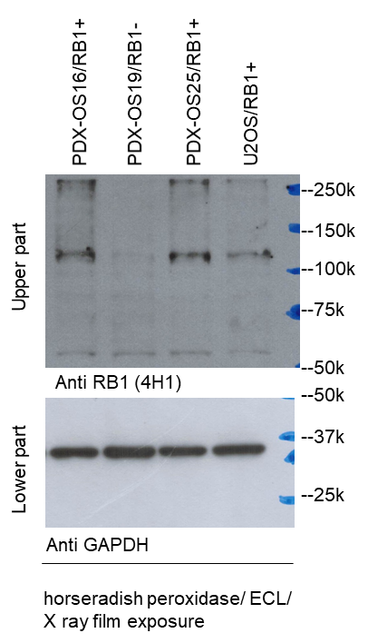
Figure 9k

Supplementary Figure 4e
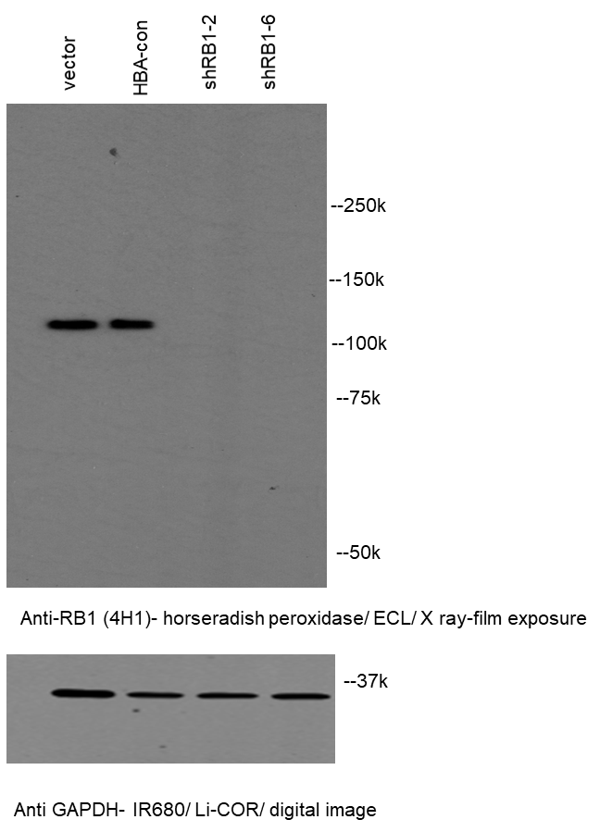
Supplementary Figure 4e

Supplementary Figure 5n
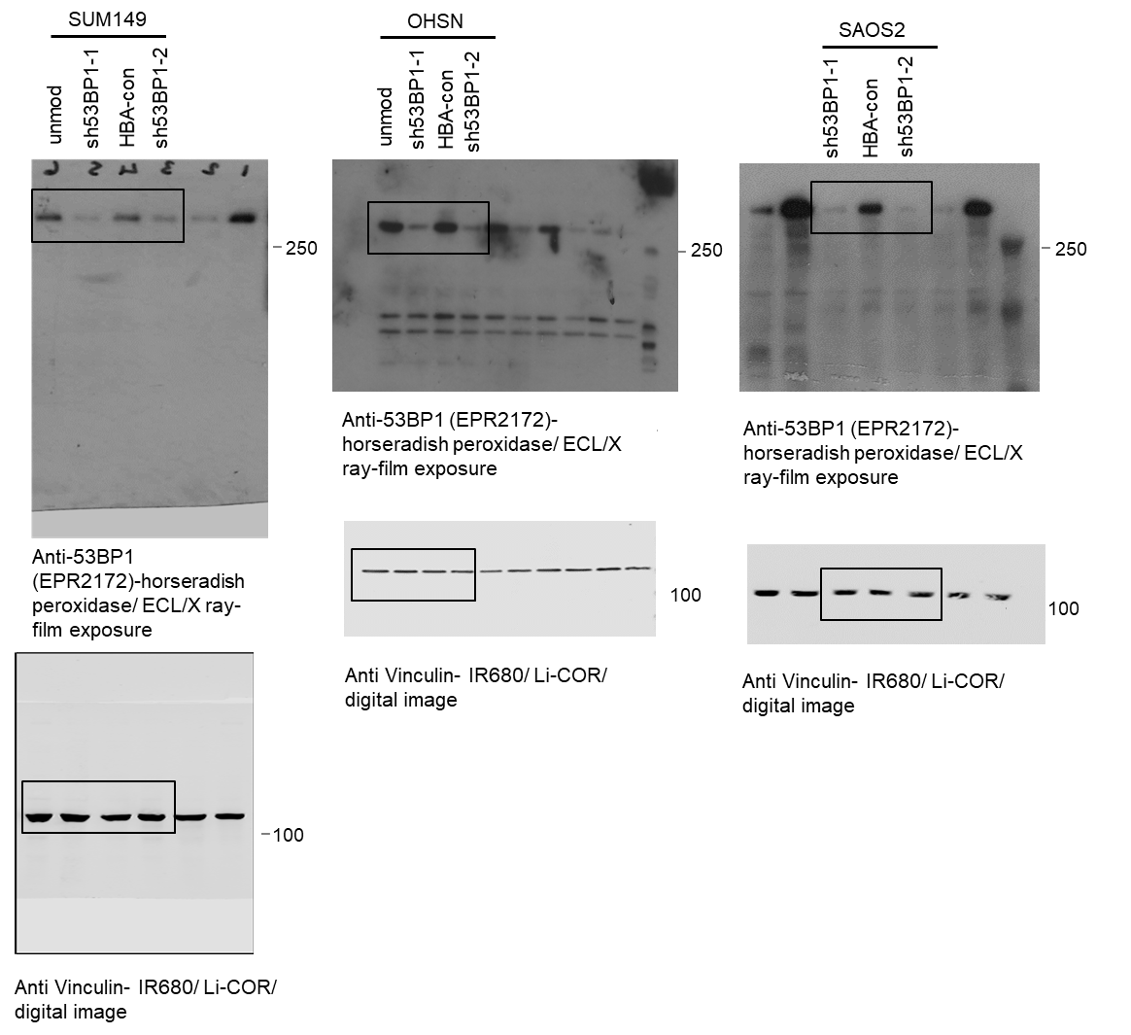
Supplementary Figure 5n

