Figure1
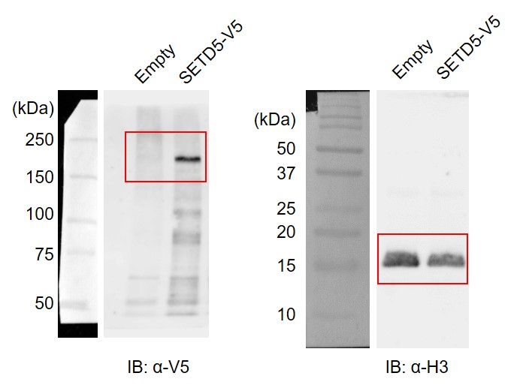
Figure 1c | Immunoblot

Figure 1e | Microarray |  | (h) | 0 | 12 | 24 | 36 | 48 | 96 | 192
 |  | Cebpb | Empty | 220.8 | 910.7 | 1023.3 | 976.3 | 954.0 | 404.8 | 249.8
 |  |  | SETD5 | 216.3 | 814.6 | 920.7 | 1010.5 | 899.5 | 394.2 | 231.3
 |  | Cebpd | Empty | 212.8 | 460.3 | 541.1 | 959.5 | 940.2 | 868.5 | 142.8
 |  |  | SETD5 | 243.1 | 654.5 | 771.8 | 1107.5 | 1102.0 | 1060.1 | 252.1
 |  | Cebpa | Empty | 16.2 | 1.1 | 36.4 | 59.7 | 93.3 | 144.3 | 230.3
 |  |  | SETD5 | 18.1 | 19.3 | 28.8 | 45.6 | 53.0 | 38.7 | 60.6
 |  | Pparg | Empty | 95.7 | 112.9 | 277.6 | 504.8 | 660.7 | 816.8 | 1694.5
 |  |  | SETD5 | 89.7 | 84.8 | 135.0 | 281.3 | 310.8 | 256.2 | 273.7
 |  | Cd36 | Empty | 0.2 | 0.8 | 0.8 | 5.3 | 70.3 | 694.4 | 2886.2
 |  |  | SETD5 | 0.8 | 0.7 | 0.1 | 0.2 | 37.9 | 143.2 | 641.4

Figure 1f | RT-qPCR |  | si-Ctr | si-Setd5 | si-Setd5
 |  |  |  | #1 | #2
 |  | Setd5 | 1.040 | 0.229 | 0.356
 |  |  | 0.923 | 0.152 | 0.272
 |  |  | 1.036 | 0.203 | 0.234

Figure 1g | RT-qPCR |  |  | (h) | 0 | 6 | 12 | 24 | 48
 |  | Cebpa | si-Ctr |  | 1.005 | 1.051 | 0.681 | 1.278 | 13.745
 |  |  |  |  | 0.919 | 1.103 | 0.651 | 1.296 | 14.388
 |  |  |  |  | 1.076 | 1.056 | 0.696 | 1.388 | 15.217
 |  |  | si-Setd5 | #1 | 1.566 | 3.103 | 4.900 | 10.832 | 77.378
 |  |  |  |  | 3.428 | 3.022 | 5.408 | 11.042 | 80.166
 |  |  |  |  | 3.646 | 2.932 | 5.663 | 10.407 | 65.906
 |  |  | si-Setd5 | #2 | 2.168 | 1.626 | 3.598 | 7.396 | 62.671
 |  |  |  |  | 1.591 | 1.637 | 3.375 | 7.017 | 62.660
 |  |  |  |  | 1.849 | 1.624 | 3.717 | 7.147 | 63.269
 |  | Pparg | si-Ctr |  | 0.959 | 1.123 | 1.582 | 2.021 | 6.984
 |  |  |  |  | 1.016 | 1.151 | 1.651 | 2.202 | 6.939
 |  |  |  |  | 1.026 | 1.123 | 1.609 | 2.092 | 7.122
 |  |  | si-Setd5 | #1 | 1.178 | 3.616 | 3.713 | 5.560 | 17.637
 |  |  |  |  | 1.267 | 3.361 | 3.624 | 6.107 | 19.870
 |  |  |  |  | 1.382 | 3.316 | 3.705 | 5.530 | 19.994
 |  |  | si-Setd5 | #2 | 1.455 | 3.018 | 4.770 | 6.138 | 15.675
 |  |  |  |  | 1.589 | 3.072 | 4.696 | 6.687 | 11.789
 |  |  |  |  | 1.478 | 2.994 | 4.656 | 6.360 | 16.076

Figure 1k | RT-qPCR |  | si-Ctr | si-Ncor2
 |  | Ncor2 | 0.970 | 0.215
 |  |  | 1.026 | 0.224
 |  |  | 1.004 | 0.195

Figure3
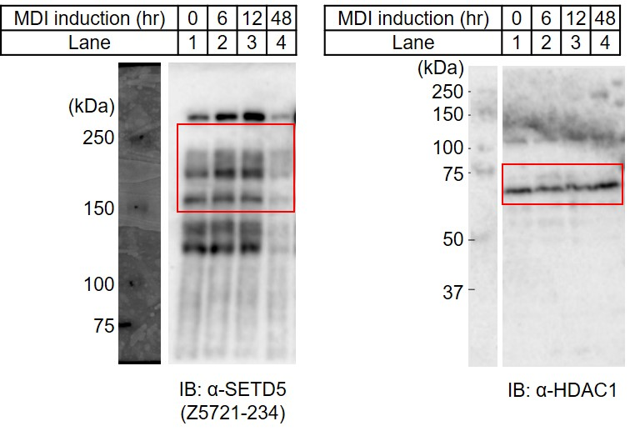
Figure 3a | Immunoblot

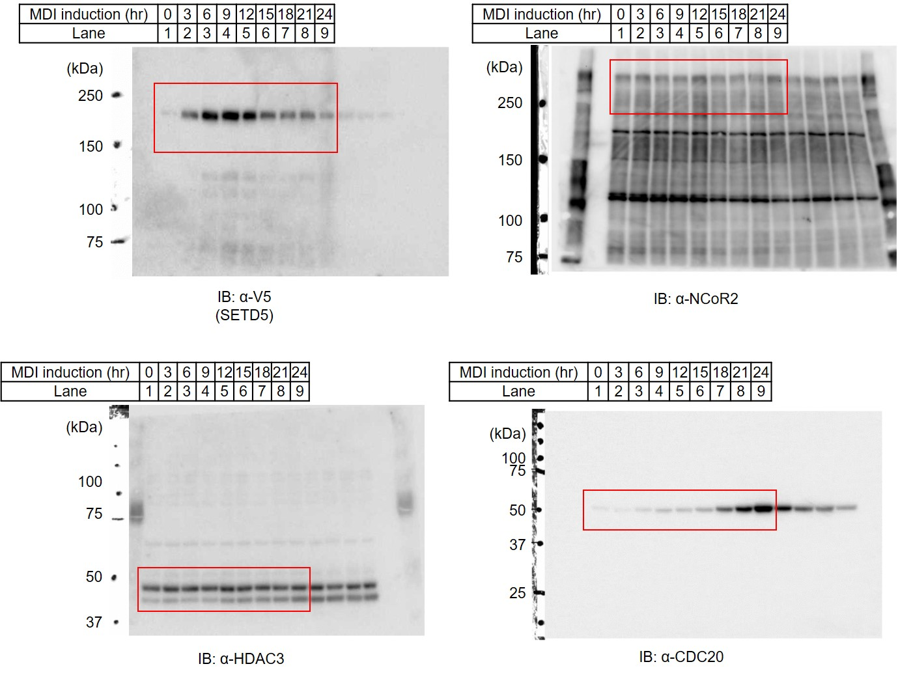
Figure 3b | Immunoblot

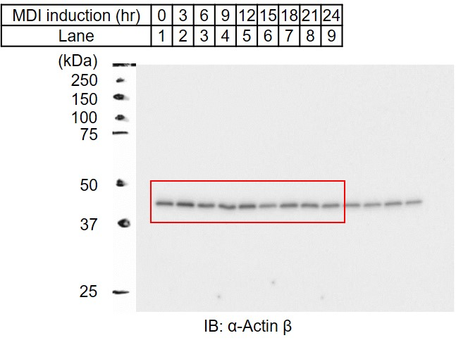

 | Quantitation | (h) | 0 | 3 | 6 | 9 | 12 | 15 | 18 | 21 | 24
 |  | SETD5 | 1.00 | 6.65 | 12.95 | 15.01 | 11.94 | 7.93 | 6.62 | 6.81 | 4.32
 |  | CDC20 | 1.00 | 0.87 | 1.80 | 3.01 | 3.17 | 4.63 | 11.36 | 20.68 | 28.66

Figure 3c | Cell cycle | (h) | 0 | 3 | 6 | 9 | 12 | 15 | 18 | 21 | 24 | 27 | 30 | 33 | 36
 |  | G1 | 54.1 | 52.9 | 55.4 | 62.2 | 58.6 | 46.0 | 12.2 | 11.4 | 26.4 | 47.2 | 58.6 | 60.0 | 58.4
 |  |  | 52.8 | 54.4 | 57.0 | 61.7 | 57.7 | 46.7 | 10.5 | 10.2 | 26.0 | 48.0 | 57.7 | 57.9 | 59.9
 |  |  | 55.4 | 55.8 | 56.5 | 62.2 | 56.7 | 47.6 | 12.6 | 10.1 | 25.3 | 46.1 | 58.7 | 62.0 | 60.8
 |  | S | 15.5 | 16.8 | 14.7 | 12.3 | 16.1 | 30.8 | 63.1 | 54.5 | 20.6 | 13.7 | 12.1 | 11.6 | 12.3
 |  |  | 16.8 | 14.6 | 13.5 | 13.4 | 16.3 | 31.6 | 63.8 | 53.3 | 21.4 | 12.9 | 12.2 | 12.8 | 12.3
 |  |  | 16.6 | 15.3 | 12.6 | 12.5 | 17.3 | 29.9 | 62.0 | 53.2 | 22.3 | 13.5 | 11.7 | 10.7 | 11.9
 |  | G2/M | 16.6 | 16.2 | 17.2 | 16.8 | 16.2 | 11.6 | 7.7 | 15.9 | 38.5 | 24.3 | 17.9 | 17.4 | 16.7
 |  |  | 15.9 | 16.4 | 17.1 | 16.5 | 15.6 | 11.7 | 8.9 | 18.5 | 37.3 | 24.3 | 17.6 | 16.3 | 17.0
 |  |  | 16.2 | 16.8 | 18.3 | 16.2 | 15.0 | 12.1 | 8.9 | 17.4 | 33.7 | 24.2 | 18.2 | 17.3 | 16.1

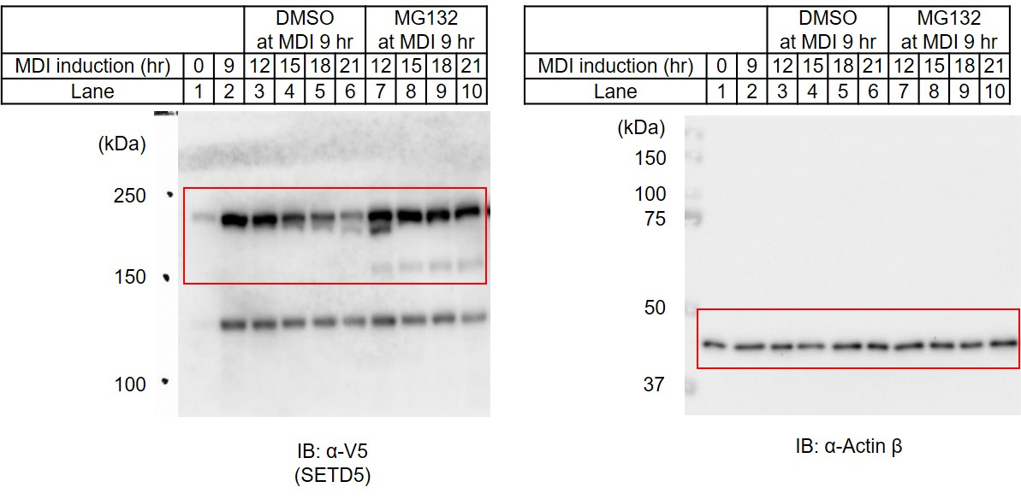
Figure 3d | Immunoblot

 | Quantitation | (h) | 0 | 9 | 12 | 15 | 18 | 21
 |  | DMSO | 1.00 | 8.75 | 8.29 | 6.43 | 4.63 | 3.19
 |  | MG132 | 1.00 | 8.75 | 8.99 | 8.33 | 7.80 | 6.98
 |  |  | *DMSO and MG132 at 0 hr and 9 hr are same data.

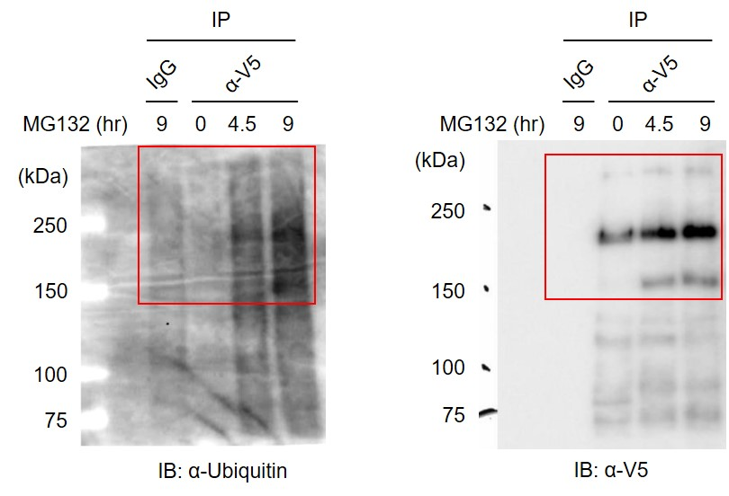
Figure 3e | Immunoblot

Figure 3g | RT-qPCR | (h) | 0 | 3 | 6 | 9 | 12 | 15 | 18 | 21 | 24
 |  | Cdc20 | 1.010 | 0.573 | 1.127 | 1.331 | 1.915 | 3.720 | 9.335 | 25.707 | 35.398
 |  |  | 1.006 | 0.587 | 1.157 | 1.311 | 2.004 | 3.768 | 9.540 | 23.327 | 37.236
 |  |  | 0.984 | 0.638 | 1.085 | 1.284 | 1.995 | 3.768 | 8.732 | 26.105 | 36.712
 |  | Anapc2 | 0.940 | 0.608 | 0.473 | 0.561 | 0.608 | 0.687 | 0.751 | 0.890 | 0.838
 |  |  | 1.024 | 0.571 | 0.440 | 0.554 | 0.608 | 0.690 | 0.724 | 0.861 | 0.881
 |  |  | 1.036 | 0.617 | 0.505 | 0.579 | 0.601 | 0.716 | 0.744 | 0.870 | 0.895

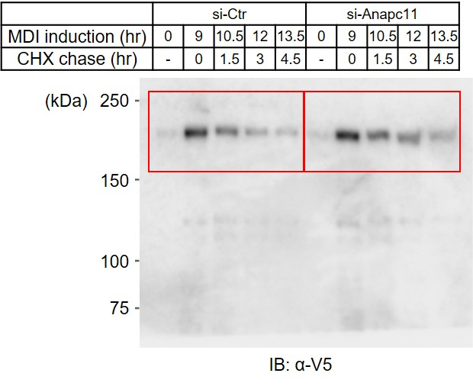
Figure 3h | Immunoblot

 | Quantitation | CHX (h) | 0 | 1.5 | 3 | 4.5
 |  | si-Ctr | 1.000 | 0.586 | 0.289 | 0.174
 |  |  | 1.000 | 0.723 | 0.445 | 0.277
 |  |  | 1.000 | 0.581 | 0.434 | 0.136
 |  | si-Anapc11 | 1.000 | 0.644 | 0.625 | 0.411
 |  |  | 1.000 | 0.777 | 0.554 | 0.509
 |  |  | 1.000 | 0.867 | 0.388 | 0.627

Figure4
Figure 4a | ChIP-seq | (h) | Promoter | Exon | Intron | TTS | Intergenic
 |  | 0 | 798 | 832 | 8669 | 427 | 4519
 |  | 6 | 1764 | 1244 | 16146 | 573 | 12316

Figure 4d | ChIP-qPCR | (h) | 0 | 6 | 12 | 24 | 48
 | SETD5-V5 | Cebpa +8 kb | 0.0280 | 0.0973 | 0.0783 | 0.0324 | 0.0495
 |  |  | 0.0281 | 0.1181 | 0.0813 | 0.0128 | 0.0199
 |  |  | 0.0280 | 0.0538 | 0.0536 | 0.0145 | 0.0485
 |  |  | 0.0228 | 0.0468 | 0.0503 |  | 0.0221
 |  | Pparg +60 kb | 0.0308 | 0.1686 | 0.1286 | 0.0528 | 0.0257
 |  |  | 0.0273 | 0.1135 | 0.1113 | 0.0349 | 0.0554
 |  |  | 0.0292 | 0.1878 | 0.0883 | 0.0169 | 0.0526
 |  |  | 0.0127 | 0.1248 | 0.0796 |  | 0.0223
 |  | Ppib | 0.0144 | 0.0276 | 0.0251 | 0.0177 | 0.0241
 |  |  | 0.0174 | 0.0102 | 0.0347 | 0.0079 | 0.0076
 |  |  | 0.0163 | 0.0281 | 0.0150 | 0.0128 | 0.0228
 |  |  | 0.0092 | 0.0169 | 0.0145 |  | 0.0086

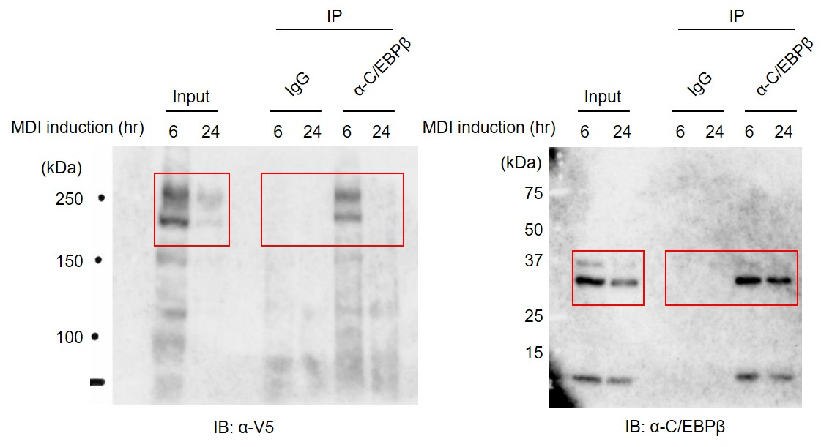
Figure 4f | Immunoblot

Figure 4g | ChIP-qPCR | (h) | 0 | 6 | 6
 | SETD5-V5 |  | si-Ctr | si-Ctr | si-Cebpb
 |  |  |  |  | si-Cebpd
 |  | Cebpa +8 kb | 0.0026 | 0.0262 | 0.0114
 |  |  | 0.0042 | 0.0263 | 0.0104
 |  |  | 0.0059 | 0.0319 | 0.0079
 |  |  | 0.0045 | 0.0239 | 0.0083
 |  | Pparg +60 kb | 0.0042 | 0.0606 | 0.0215
 |  |  | 0.0029 | 0.0596 | 0.0208
 |  |  | 0.0059 | 0.0658 | 0.0095
 |  |  | 0.0029 | 0.0657 | 0.0127

FigureS1
Figure S1a | RT-qPCR | (h) | 0 | 6 | 12 | 24 | 48
 |  | Cebpb | 1.057 | 4.299 | 4.758 | 5.553 | 6.202
 |  |  | 0.993 | 4.331 | 4.692 | 5.343 | 6.383
 |  |  | 0.949 | 4.417 | 4.772 | 5.287 | 6.451
 |  | Cebpd | 1.195 | 5.214 | 3.584 | 3.478 | 4.950
 |  |  | 0.972 | 5.243 | 2.978 | 3.226 | 4.915
 |  |  | 0.834 | 4.313 | 2.688 | 3.025 | 4.969
 |  | Cebpa | 0.961 | 0.962 | 0.714 | 1.145 | 13.517
 |  |  | 0.929 | 0.547 | 0.679 | 1.117 | 13.387
 |  |  | 1.110 | 0.981 | 0.637 | 1.220 | 13.777
 |  | Pparg | 1.006 | 1.002 | 2.084 | 2.130 | 9.519
 |  |  | 1.051 | 0.989 | 1.894 | 2.126 | 9.755
 |  |  | 0.943 | 0.971 | 1.791 | 2.218 | 9.340

Figure S1f | ChIP-qPCR | (h) | 0 | 48 | 96 | 192
 | H3K4me3 | Pparg1 TSS | 35.75 | 42.08 | 81.63 | 65.74
 |  |  | 36.36 | 45.13 | 71.89 | 72.76
 |  |  | 29.51 | 40.95 | 67.43 | 76.80
 |  | Pparg2 TSS | 0.88 | 2.28 | 3.56 | 7.92
 |  |  | 1.03 | 2.47 | 4.97 | 10.08
 |  |  | 0.48 | 2.98 | 4.91 | 10.40

Figure S1g | ChIP-qPCR | (h) | 0 | 6 | 12 | 24 | 48
 | H3K27ac | Cebpa +8 kb | 0.329 | 0.138 | 0.246 | 0.481 | 2.060
 |  |  | 0.352 | 0.137 | 0.228 | 0.466 | 2.219
 |  |  | 0.319 | 0.124 | 0.254 | 0.450 | 2.380
 |  | Cebpa +19 kb | 0.741 | 0.351 | 0.779 | 1.405 | 3.754
 |  |  | 0.775 | 0.347 | 0.787 | 1.302 | 3.824
 |  |  | 0.946 | 0.353 | 0.971 | 1.453 | 4.286
 |  | Cebpa +53 kb | 0.143 | 0.211 | 0.417 | 0.745 | 2.241
 |  |  | 0.062 | 0.029 | 0.374 | 0.580 | 1.528
 |  |  | 0.282 | 0.162 | 0.379 | 0.481 | 1.723
 |  | Pparg +60 kb | 0.227 | 0.330 | 0.413 | 0.635 | 0.830
 |  |  | 0.252 | 0.336 | 0.424 | 0.665 | 0.887
 |  |  | 0.223 | 0.315 | 0.446 | 0.570 | 0.963
 |  | Pparg +158 kb | 0.432 | 0.582 | 0.574 | 0.595 | 1.290
 |  |  | 0.363 | 0.442 | 0.526 | 0.559 | 1.169
 |  |  | 0.084 | 0.422 | 0.487 | 0.606 | 1.202
 |  | Hoxc13 | 0.327 | 0.262 | 0.176 | 0.232 | 0.157
 |  |  | 0.033 | 0.170 | 0.062 | 0.325 | 0.164
 |  |  | 0.488 | 0.156 | 0.137 | 0.202 | 0.092

Figure S1h | RT-qPCR |  | Empty | SETD5-V5
 |  |  |  | Moderate | High
 |  | Setd5 | 12179 | 73303 | 161658
 |  |  | 11503 | 52878 | 150458
 |  |  | 7545 | 49389 | 158499

Figure S1j | RT-qPCR |  | Empty | SETD5-V5 |  | Empty | SETD5-V5
 |  |  |  | Moderate | High |  | Moderate | High
 |  | (h) | 0 |  |  | 48
 |  | Cebpa | 0.89 | 0.51 | 0.56 | 23.61 | 4.42 | 2.15
 |  |  | 1.10 | 0.53 | 0.52 | 23.92 | 4.86 | 2.57
 |  |  | 1.02 | 0.45 | 0.55 | 23.90 | 5.05 | 2.65
 |  | Pparg | 0.92 | 0.46 | 0.50 | 13.40 | 3.64 | 2.18
 |  |  | 1.07 | 0.47 | 0.49 | 13.81 | 3.48 | 2.21
 |  |  | 1.02 | 0.43 | 0.47 | 13.80 | 3.50 | 2.14

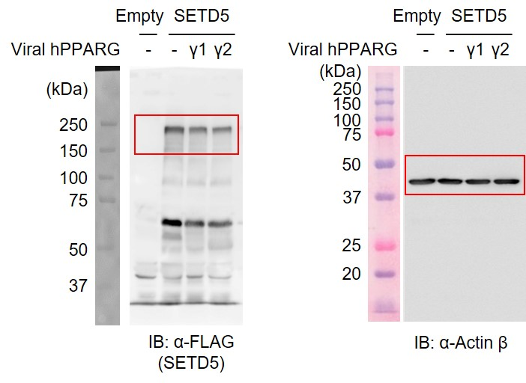
Figure S1k | Immunoblot

 | RT-qPCR |  | Empty | SETD5
 |  |  | - | - | hPPARγ1 | hPPARγ2
 |  | Viral PPARG | 0 | 0 | 49596 | 75990
 |  |  | 0 | 0 | 48220 | 76346
 |  |  | 0 | 0 | 49063 | 73596

Figure S1m | RT-qPCR |  | (h) | 0 | 12 | 24 | 48
 |  | Cebpa | Empty | 0.97 | 0.59 | 3.44 | 14.89
 |  |  |  | 0.78 | 0.70 | 3.13 | 15.73
 |  |  |  | 1.25 | 1.00 | 3.09 | 14.97
 |  |  | SETD5 | 0.95 | 0.93 | 2.77 | 3.04
 |  |  |  | 0.86 | 0.95 | 1.99 | 1.86
 |  |  |  | 1.25 | 1.25 | 2.40 | 2.03
 |  | Pparg | Empty | 1.27 | 1.75 | 4.70 | 13.65
 |  |  |  | 1.00 | 1.99 | 3.80 | 15.62
 |  |  |  | 0.73 | 1.55 | 2.41 | 10.00
 |  |  | SETD5 | 1.17 | 0.92 | 1.84 | 3.20
 |  |  |  | 0.84 | 0.95 | 1.85 | 2.84
 |  |  |  | 0.54 | 0.60 | 1.01 | 1.49

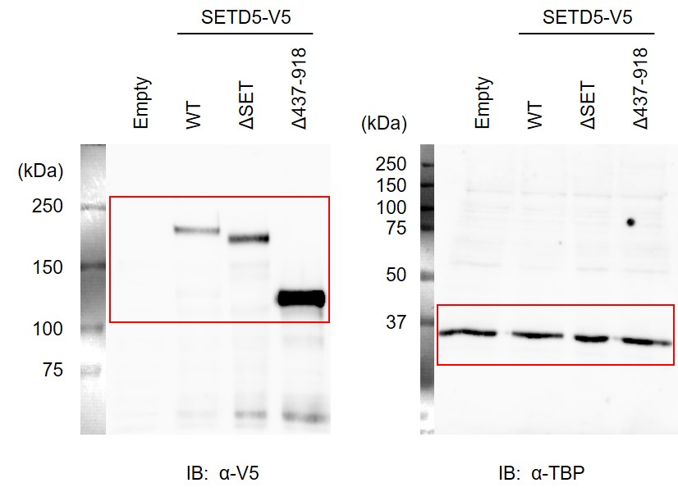
Figure S1n | Immunoblot

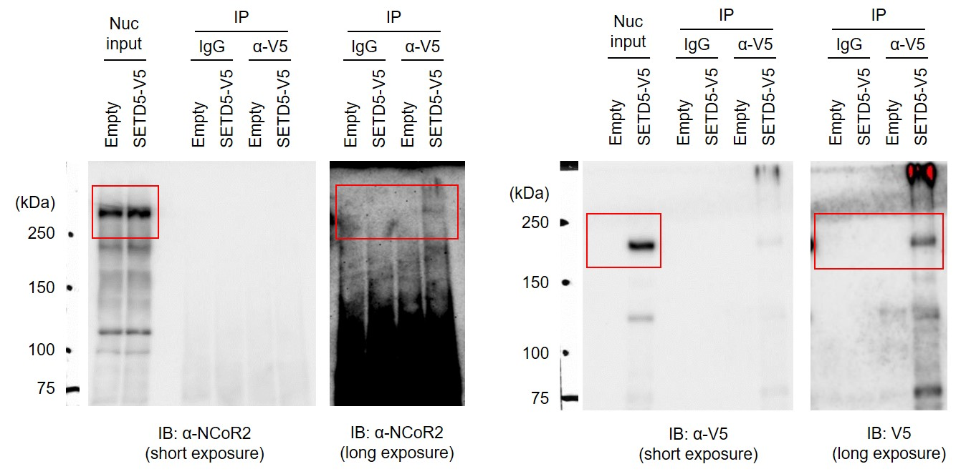
Figure S1p | Immunoblot

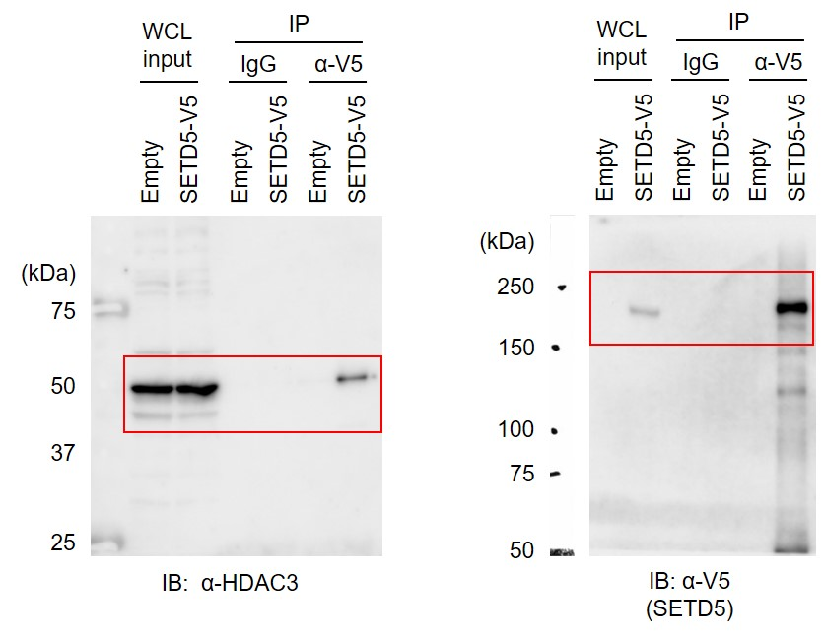

Figure S1q | RT-qPCR | si-Ctr | si-Ncor2
 |  |  | #1 | #2
 |  | 0.974 | 0.227 | 0.243
 |  | 1.017 | 0.188 | 0.244
 |  | 1.010 | 0.176 | 0.250

FigureS2
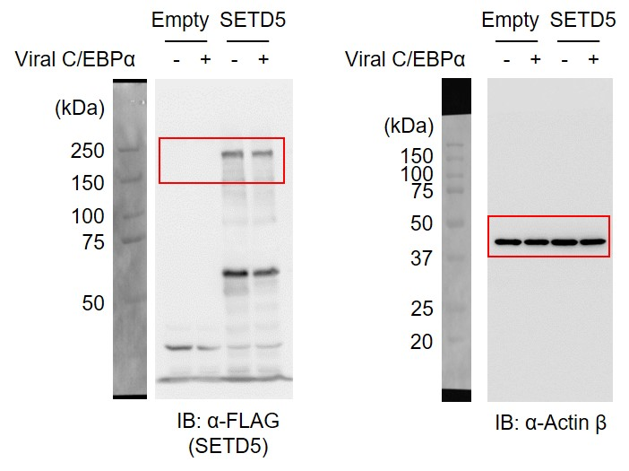
Figure S2f | Immunoblot

 | RT-qPCR |  | Empty |  | SETD5
 |  | Viral C/EBPα | - | + | - | +
 |  | Viral Cebpa | 3 | 6899 | 2 | 7191
 |  |  | 4 | 7473 | 1 | 6830
 |  |  | 2 | 6783 | 2 | 7748

Figure S2g | ChIP-qPCR |  | Empty |  | SETD5
 |  | Viral C/EBPα | - | + | - | +
 |  | Cebpa +8 kb | 0.251 | 0.947 | 0.242 | 0.150
 |  |  | 0.245 | 0.971 | 0.173 | 0.168
 |  |  | 0.241 | 1.015 | 0.220 | 0.186
 |  | Cebpa +53 kb | 0.098 | 0.551 | 0.110 | 0.092
 |  |  | 0.095 | 0.583 | 0.092 | 0.100
 |  |  | 0.095 | 0.515 | 0.099 | 0.109
 |  | Pparg +158 kb | 0.229 | 1.676 | 0.316 | 0.989
 |  |  | 0.232 | 1.602 | 0.326 | 0.974
 |  |  | 0.245 | 1.497 | 0.321 | 1.016
 |  | Hoxc13 | 0.163 | 0.279 | 0.264 | 0.212
 |  |  | 0.163 | 0.268 | 0.213 | 0.263
 |  |  | 0.186 | 0.184 | 0.230 | 0.197

FigureS3
Figure S3b | Cell cycle |  | (h) | 0 | 3 | 6 | 9 | 12 | 15 | 18 | 21 | 24 | 27 | 30 | 33 | 36
 |  | G1 | Empty* | 54.1 | 52.9 | 55.4 | 62.2 | 58.6 | 46.0 | 12.2 | 11.4 | 26.4 | 47.2 | 58.6 | 60.0 | 58.4
 |  |  |  | 52.8 | 54.4 | 57.0 | 61.7 | 57.7 | 46.7 | 10.5 | 10.2 | 26.0 | 48.0 | 57.7 | 57.9 | 59.9
 |  |  |  | 55.4 | 55.8 | 56.5 | 62.2 | 56.7 | 47.6 | 12.6 | 10.1 | 25.3 | 46.1 | 58.7 | 62.0 | 60.8
 |  |  | SETD5-V5 | 60.1 | 58.8 | 57.6 | 58.2 | 62.2 | 47.8 | 18.6 | 14.2 | 32.4 | 49.3 | 56.2 | 60.6 | 59.9
 |  |  |  | 56.9 | 68.4 | 59.9 | 59.8 | 60.9 | 50.3 | 18.4 | 15.6 | 32.1 | 52.2 | 58.5 | 61.6 | 61.6
 |  |  |  | 60.0 | 58.4 | 55.3 | 59.7 | 60.0 | 47.1 | 18.0 | 15.0 | 32.5 | 50.2 | 57.9 | 61.8 | 61.5
 |  | S | Empty* | 15.5 | 16.8 | 14.7 | 12.3 | 16.1 | 30.8 | 63.1 | 54.5 | 20.6 | 13.7 | 12.1 | 11.6 | 12.3
 |  |  |  | 16.8 | 14.6 | 13.5 | 13.4 | 16.3 | 31.6 | 63.8 | 53.3 | 21.4 | 12.9 | 12.2 | 12.8 | 12.3
 |  |  |  | 16.6 | 15.3 | 12.6 | 12.5 | 17.3 | 29.9 | 62.0 | 53.2 | 22.3 | 13.5 | 11.7 | 10.7 | 11.9
 |  |  | SETD5-V5 | 14.4 | 14.8 | 12.4 | 13.1 | 13.8 | 28.9 | 57.7 | 44.2 | 20.7 | 12.9 | 11.2 | 8.4 | 8.5
 |  |  |  | 15.3 | 13.5 | 12.9 | 12.5 | 14.6 | 27.1 | 57.3 | 42.9 | 21.7 | 12.3 | 10.4 | 8.7 | 8.0
 |  |  |  | 12.5 | 15.2 | 11.9 | 11.7 | 14.7 | 27.0 | 57.7 | 42.1 | 20.6 | 12.8 | 10.5 | 8.5 | 7.5
 |  | G2/M | Empty* | 16.6 | 16.2 | 17.2 | 16.8 | 16.2 | 11.6 | 7.7 | 15.9 | 38.5 | 24.3 | 17.9 | 17.4 | 16.7
 |  |  |  | 15.9 | 16.4 | 17.1 | 16.5 | 15.6 | 11.7 | 8.9 | 18.5 | 37.3 | 24.3 | 17.6 | 16.3 | 17.0
 |  |  |  | 16.2 | 16.8 | 18.3 | 16.2 | 15.0 | 12.1 | 8.9 | 17.4 | 33.7 | 24.2 | 18.2 | 17.3 | 16.1
 |  |  | SETD5-V5 | 13.8 | 14.2 | 19.1 | 17.3 | 15.7 | 11.6 | 8.9 | 18.6 | 34.6 | 24.0 | 18.9 | 17.9 | 18.9
 |  |  |  | 14.7 | 12.0 | 16.7 | 17.9 | 14.8 | 12.3 | 8.6 | 20.2 | 34.9 | 25.1 | 17.7 | 17.8 | 18.5
 |  |  |  | 14.6 | 13.6 | 20.1 | 18.4 | 14.9 | 12.9 | 8.5 | 20.4 | 35.5 | 23.7 | 19.0 | 18.4 | 19.2
 |  |  | *Same data as Figure 3c.

Figure S3d | Microarray |  | (h) | 0 | 12 | 24 | 36 | 48 | 96 | 192
 |  | Anapc1 | Empty | 222.2 | 164.2 | 186.5 | 171.6 | 169.6 | 193.5 | 161.4
 |  |  | SETD5 | 238.0 | 157.8 | 205.2 | 193.4 | 188.3 | 237.9 | 278.6
 |  | Anapc2 | Empty | 244.6 | 186.0 | 198.9 | 196.3 | 196.1 | 224.9 | 224.0
 |  |  | SETD5 | 303.0 | 176.7 | 234.9 | 216.2 | 205.4 | 249.0 | 280.2
 |  | Anapc4 | Empty | 1099.0 | 889.5 | 908.1 | 884.9 | 848.3 | 929.1 | 847.2
 |  |  | SETD5 | 1182.6 | 990.2 | 1012.6 | 973.6 | 945.7 | 977.6 | 1136.4
 |  | Anapc5 | Empty | 637.5 | 603.2 | 801.3 | 460.7 | 494.2 | 532.0 | 600.4
 |  |  | SETD5 | 693.4 | 619.3 | 878.0 | 563.8 | 583.7 | 534.5 | 798.0
 |  | Anapc7 | Empty | 289.5 | 297.4 | 335.9 | 320.7 | 400.2 | 325.3 | 333.6
 |  |  | SETD5 | 350.3 | 308.7 | 405.5 | 408.2 | 381.3 | 316.6 | 316.1
 |  | Anapc11 | Empty | 127.8 | 101.3 | 158.8 | 97.8 | 109.8 | 74.9 | 84.1
 |  |  | SETD5 | 129.7 | 108.9 | 190.7 | 97.3 | 89.3 | 106.3 | 139.5
 |  | Anapc13 | Empty | 494.3 | 364.2 | 515.5 | 541.1 | 506.2 | 470.5 | 669.4
 |  |  | SETD5 | 579.3 | 328.0 | 541.9 | 572.2 | 477.9 | 550.9 | 575.1
 |  | Anapc15 | Empty | 146.2 | 111.4 | 233.5 | 86.5 | 81.8 | 90.3 | 94.9
 |  |  | SETD5 | 148.7 | 111.3 | 209.5 | 98.7 | 67.8 | 87.7 | 95.9
 |  | Anapc16 | Empty | 600.1 | 903.2 | 1059.4 | 1072.4 | 1248.0 | 795.6 | 679.1
 |  |  | SETD5 | 656.8 | 848.6 | 908.6 | 1120.1 | 882.8 | 689.3 | 573.4
 |  | Cdc20 | Empty | 269.4 | 215.1 | 1200.6 | 248.6 | 169.8 | 139.1 | 64.5
 |  |  | SETD5 | 292.7 | 219.2 | 1157.6 | 255.3 | 106.3 | 115.9 | 91.2
 |  | Cdh1 | Empty | 4.6 | 0.5 | 5.0 | 0.8 | 0.7 | 0.6 | 3.7
 |  |  | SETD5 | 7.6 | 1.0 | 0.2 | 5.5 | 5.3 | 0.5 | 2.1

Figure S3e | Microarray |  | (h) | 0 | 12 | 24 | 36 | 48 | 96 | 192
 |  | Rnf213 | Empty | 319.6 | 105.2 | 92.3 | 113.6 | 109.8 | 120.7 | 134.1
 |  |  | SETD5 | 257.3 | 93.3 | 83.9 | 131.1 | 96.9 | 177.4 | 187.3

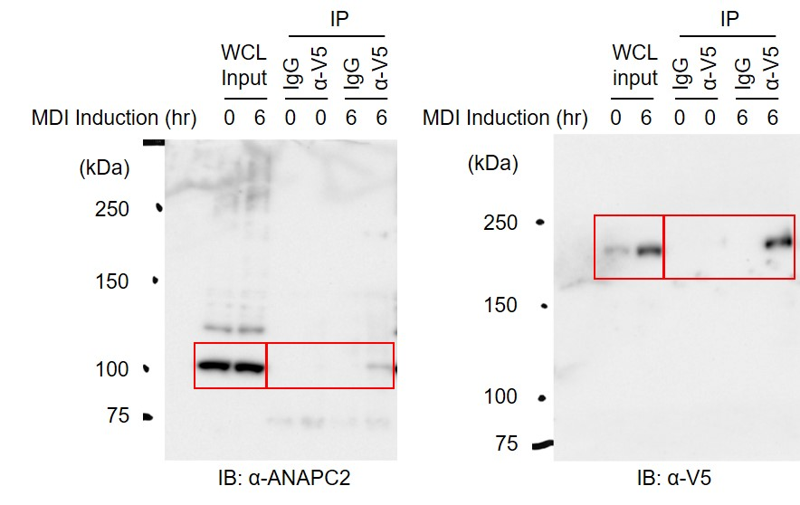
Figure S3f | Immunoblot

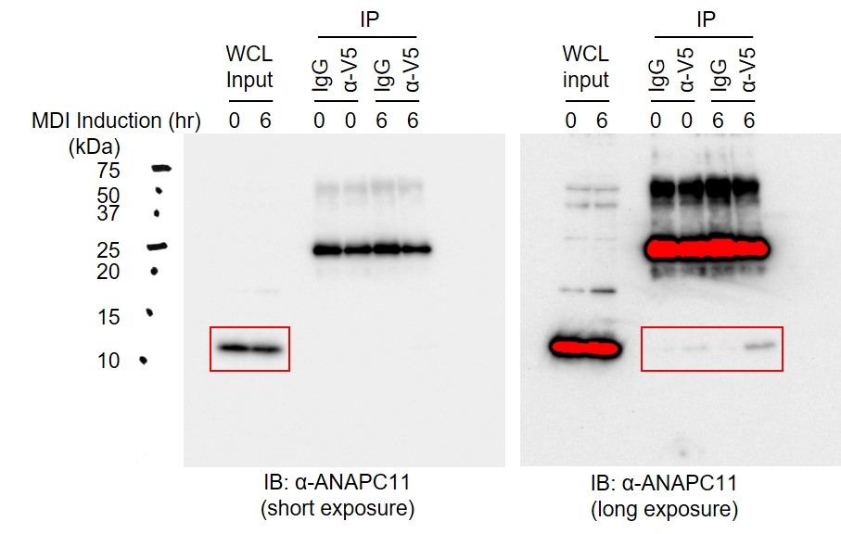

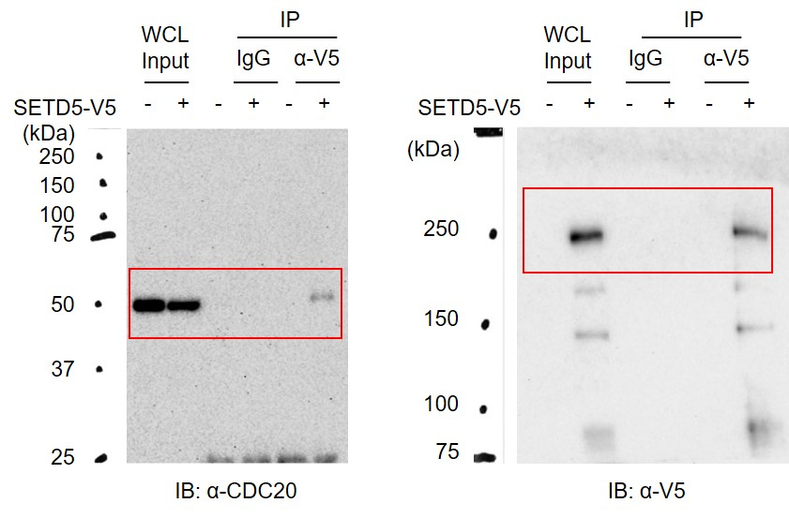
Figure S3g | Immunoblot

Figure S3h | RT-qPCR |  | si-Ctr | si-Anapc11
 |  | Anapc11 | 0.904 | 0.300
 |  |  | 0.962 | 0.329
 |  |  | 1.134 | 0.350

Figure S3i | RT-qPCR |  | si-Ctr | si-Cdc20
 |  | Cdc20 | 1.034 | 0.193
 |  |  | 0.897 | 0.134
 |  |  | 1.069 | 0.152

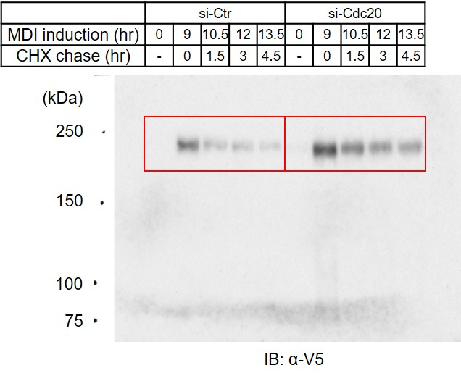
Figure S3j | Immunoblot

 | Quantitation | CHX (h) | 0 | 1.5 | 3 | 4.5
 |  | si-Ctr | 1.000 | 0.337 | 0.257 | 0.149
 |  |  | 1.000 | 0.535 | 0.347 | 0.151
 |  | si-Cdc20 | 1.000 | 0.594 | 0.444 | 0.376
 |  |  | 1.000 | 0.523 | 0.520 | 0.368

FigureS4
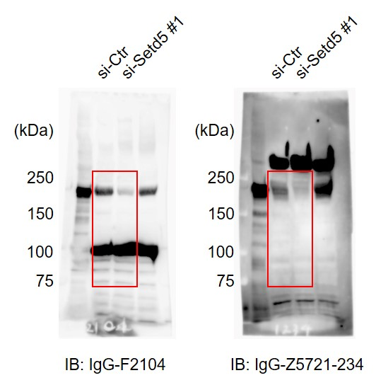
Figure S4b | Immunoblot

Figure S4c | ChIP-seq | (h) | Promoter | Exon | Intron | TTS | Intergenic
 |  | 0 | 79 | 124 | 1002 | 64 | 661
 |  | 6 | 190 | 267 | 1872 | 166 | 684

Figure S4h | RT-qPCR | (h) | 0 | 6 | 6
 |  | si-Ctr | + |  | -
 |  | si-Cebpb | - |  | +
 |  | si-Cebpd | - |  | +
 |  | Cebpb | 1.15 | 8.01 | 1.85
 |  |  | 1.19 | 7.90 | 1.91
 |  |  | 0.66 | 7.87 | 1.84
 |  | Cebpd | 1.25 | 23.37 | 6.14
 |  |  | 0.87 | 23.42 | 8.71
 |  |  | 0.88 | 23.50 | 8.18

Figure S4i | ChIP-qPCR |  | WT |  | Δ437-918
 | SETD5-V5 | (h) | 0 | 6 | 0 | 6
 |  | Cebpa +8 kb | 0.87 | 2.77 | 0.92 | 3.67
 |  |  | 0.79 | 2.92 | 1.08 | 2.70
 |  |  | 1.42 | 3.31 | 2.00 | 2.91
 |  | Pparg +60 kb | 1.00 | 5.36 | 1.44 | 9.15
 |  |  | 0.86 | 6.74 | 1.17 | 6.65
 |  |  | 1.18 | 4.65 | 2.43 | 5.73

Figure S4j | RT-qPCR |  | Empty |  | SETD5-V5
 |  |  |  |  | WT |  | Δ437-918
 |  | (h) | 0 | 48 | 0 | 48 | 0 | 48
 |  | Cebpa | 1.02 | 13.16 | 0.78 | 1.46 | 0.45 | 5.40
 |  |  | 0.97 | 13.50 | 0.74 | 1.38 | 0.59 | 6.19
 |  |  | 1.02 | 13.34 | 0.63 | 1.41 | 0.53 | 6.41
 |  | Pparg | 1.15 | 14.00 | 0.64 | 2.36 | 0.79 | 9.39
 |  |  | 0.90 | 13.91 | 0.65 | 2.22 | 0.82 | 9.18
 |  |  | 0.95 | 14.38 | 0.65 | 2.18 | 0.85 | 9.43

Figure S4k | ChIP-qPCR |  | Empty |  | SETD5-V5
 | H3K27ac |  |  |  | WT |  | Δ437-918
 |  | (h) | 0 | 48 | 0 | 48 | 0 | 48
 |  | Cebpa +8 kb | 0.110 | 0.523 | 0.048 | 0.053 | 0.043 | 0.248
 |  |  | 0.102 | 0.546 | 0.036 | 0.043 | 0.053 | 0.234
 |  |  | 0.115 | 0.519 | 0.043 | 0.050 | 0.056 | 0.262
 |  | Pparg +60 kb | 0.041 | 0.513 | 0.024 | 0.116 | 0.029 | 0.328
 |  |  | 0.045 | 0.538 | 0.030 | 0.113 | 0.029 | 0.318
 |  |  | 0.046 | 0.542 | 0.024 | 0.106 | 0.024 | 0.376
 |  | Pparg +158 kb | 0.155 | 1.168 | 0.052 | 0.239 | 0.045 | 0.486
 |  |  | 0.187 | 1.192 | 0.042 | 0.227 | 0.041 | 0.515
 |  |  | 0.162 | 1.131 | 0.049 | 0.221 | 0.045 | 0.547

FigureS5
Figure S5a | ChIP-qPCR |  | MDI (h) | 0 | 6 | 12 | 24 | 48
 | NCoR2 | Cebpa +8 kb | Empty* | 0.027 | 0.115 | 0.228 | 0.161 | 0.052
 |  |  |  | 0.040 | 0.065 | 0.241 | 0.157 | 0.064
 |  |  |  | 0.046 | 0.211 | 0.181 | 0.127 | 0.054
 |  |  |  | 0.097 | 0.275 |  |  | 0.059
 |  |  |  | 0.108 |  |  |  | 0.137
 |  |  | SETD5 | 0.059 | 0.074 | 0.121 | 0.076 | 0.038
 |  |  |  | 0.026 | 0.075 | 0.214 | 0.127 | 0.038
 |  |  |  | 0.043 | 0.136 | 0.130 | 0.082 | 0.004
 |  |  |  | 0.046 | 0.227 |  |  | 0.070
 |  |  |  | 0.113 |  |  |  | 0.115
 |  | Pparg +60 kb | Empty* | 0.028 | 0.267 | 0.400 | 0.242 | 0.064
 |  |  |  | 0.051 | 0.455 | 0.421 | 0.299 | 0.109
 |  |  |  | 0.057 | 0.145 | 0.394 | 0.246 | 0.080
 |  |  |  | 0.132 | 0.503 |  |  | 0.180
 |  |  |  | 0.142 |  |  |  | 0.214
 |  |  | SETD5 | 0.057 | 0.196 | 0.272 | 0.169 | 0.080
 |  |  |  | 0.030 | 0.157 | 0.391 | 0.148 | 0.061
 |  |  |  | 0.051 | 0.250 | 0.142 | 0.197 | 0.010
 |  |  |  | 0.053 | 0.466 |  |  | 0.144
 |  |  |  | 0.125 |  |  |  | 0.184
 |  | Ppib | Empty* | 0.016 | 0.022 | 0.051 | 0.061 | 0.015
 |  |  |  | 0.021 | 0.021 | 0.074 | 0.091 | 0.034
 |  |  |  | 0.017 | 0.025 | 0.021 | 0.061 | 0.027
 |  |  |  | 0.025 | 0.035 |  |  | 0.064
 |  |  |  | 0.044 |  |  |  | 0.051
 |  |  | SETD5 | 0.030 | 0.026 | 0.113 | 0.078 | 0.023
 |  |  |  | 0.027 | 0.026 | 0.057 | 0.067 | 0.019
 |  |  |  | 0.023 | 0.024 | 0.000 | 0.048 | 0.018
 |  |  |  | 0.067 | 0.032 |  |  | 0.022
 |  |  |  | 0.025 |  |  |  | 0.017
 |  |  | *Same data as Figure 5c.

Figure S5b | ChIP-qPCR |  | MDI (h) | 0 | 6 | 12 | 24 | 48
 | HDAC3 | Cebpa +8 kb | Empty* | 0.015 | 0.033 | 0.102 | 0.082 | 0.015
 |  |  |  | 0.065 | 0.080 | 0.084 | 0.080 | 0.052
 |  |  |  | 0.070 | 0.085 | 0.054 | 0.051 | 0.069
 |  |  |  | 0.013 | 0.102 |  |  | 0.076
 |  |  |  | 0.037 | 0.038 |  |  | 0.020
 |  |  | SETD5 | 0.015 | 0.069 | 0.052 | 0.024 | 0.031
 |  |  |  | 0.041 | 0.028 | 0.075 | 0.046 | 0.024
 |  |  |  | 0.022 | 0.059 | 0.103 | 0.106 | 0.041
 |  |  |  | 0.038 | 0.090 |  |  | 0.056
 |  |  |  | 0.024 | 0.035 |  |  | 0.021
 |  | Pparg +60 kb | Empty* | 0.057 | 0.179 | 0.140 | 0.116 | 0.097
 |  |  |  | 0.060 | 0.171 | 0.121 | 0.102 | 0.066
 |  |  |  | 0.068 | 0.041 | 0.070 | 0.044 | 0.081
 |  |  |  | 0.016 | 0.190 |  |  | 0.067
 |  |  |  | 0.040 | 0.202 |  |  | 0.023
 |  |  | SETD5 | 0.041 | 0.103 | 0.065 | 0.030 | 0.049
 |  |  |  | 0.047 | 0.113 | 0.086 | 0.045 | 0.041
 |  |  |  | 0.023 | 0.111 | 0.098 | 0.088 | 0.062
 |  |  |  | 0.031 | 0.075 |  |  | 0.041
 |  |  |  | 0.014 | 0.156 |  |  | 0.047
 |  | Ppib | Empty* | 0.041 | 0.026 | 0.026 | 0.037 | 0.047
 |  |  |  | 0.030 | 0.030 | 0.041 | 0.039 | 0.022
 |  |  |  | 0.016 | 0.016 | 0.002 | 0.010 | 0.032
 |  |  |  | 0.018 | 0.042 |  |  | 0.029
 |  |  |  | 0.003 | 0.037 |  |  | 0.021
 |  |  | SETD5 | 0.025 | 0.028 | 0.055 | 0.020 | 0.036
 |  |  |  | 0.030 | 0.032 | 0.009 | 0.025 | 0.014
 |  |  |  | 0.023 | 0.030 | 0.000 | 0.010 | 0.021
 |  |  |  | 0.036 | 0.036 |  |  | 0.020
 |  |  |  | 0.011 | 0.024 |  |  | 0.031
 |  |  | *Same data as Figure 5d.

Figure S5c | Activity |  | Empty |  | SETD5-V5
 |  | (h) | 0 | 6 | 0 | 6
 |  |  | 2.54 | 2.20 | 2.15 | 1.85

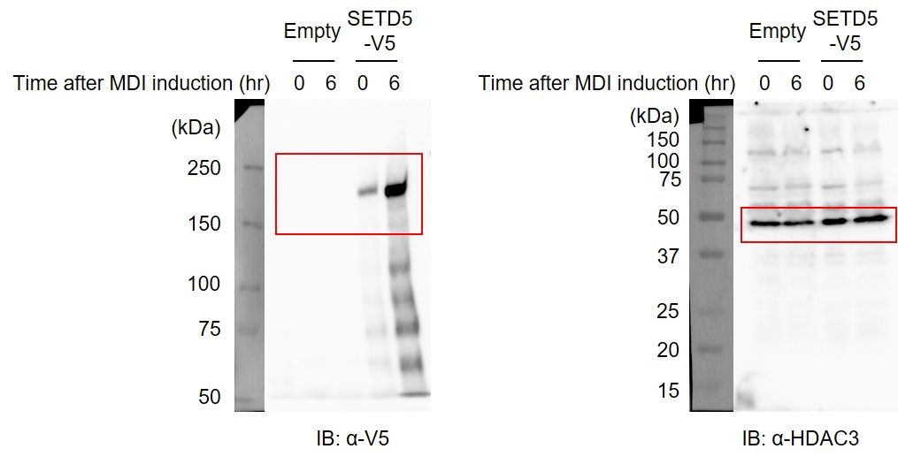
 | Immunoblot

Figure S5d | Activity | FLAG-SETD5 | - | - | - | +
 |  | HDAC3-V5 | x2 | - | x1 | x1
 |  |  | 0.0405 | 0.0000 | 0.0225 | 0.0499

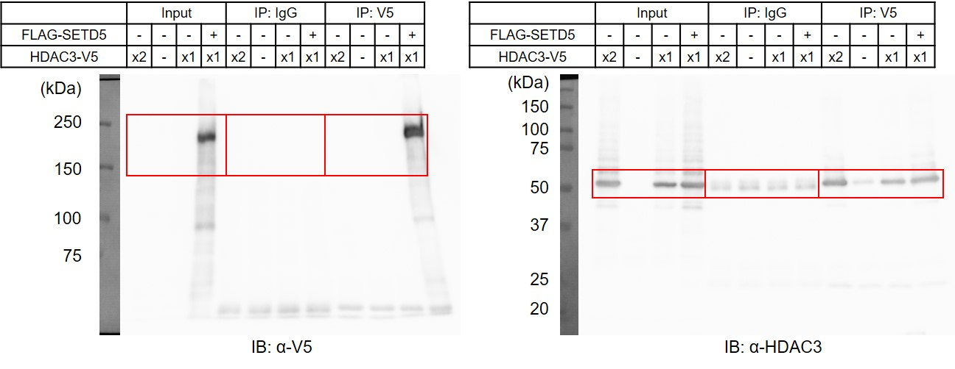
 | Immunoblot

