Figure1

Figure 1a











Nuclei
Figure 1b



100KD

anti-METTL3
70KD
50KD

100KD
70KD
50KD
anti-Lamin B1

Cytosol



100KD
70KD
anti-METTL3
50KD



100KD

anti-Tubulin
70KD

50KD

Total lysate

100KD
70KD
anti-METTL3
50KD



100KD
anti-Tubulin
70KD

50KD

NC
HFD

Nuclei
Figure 1c

100KD
anti-METTL3
70KD
50KD

100KD
anti-Lamin B1
70KD

50KD

Cytosol


100KD
70KD

anti-METTL3
50KD
40KD

100KD
70KD

anti-Tubulin
50KD

Total lysate
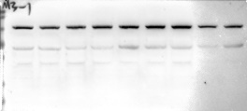
100KD
70KD

50KD
40KD
anti-METTL3

100KD
70KD

50KD
40KD
anti-Tubulin

NC
MCD

Nuclei
Figure 1d


100KD

70KD
anti-METTL3
50KD

40KD

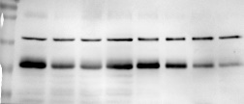
70KD
100KD
50KD
40KD

anti-Lamin B1



Cytosol


100KD

70KD
anti-METTL3

50KD

40KD

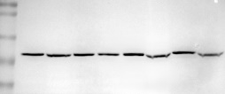
100KD

70KD

anti-Tubulin
50KD

40KD

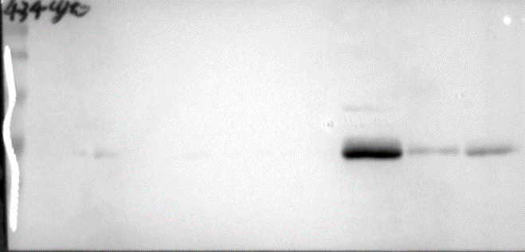

Total lysate
100KD
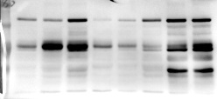

70KD

anti-METTL3
50KD

40KD


70KD

anti-Tubulin
50KD

40KD

Normal
NASH

Nuclei
Figure 1e

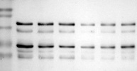
100KD

70KD
anti-METTL3
50KD
40KD

100KD
70KD

50KD
anti-Lamin B1
40KD

Cytosol

100KD

70KD

anti-METTL3
50KD
40KD


100KD
70KD
50KD
anti-Tubulin
40KD

Total lysate
100KD
70KD
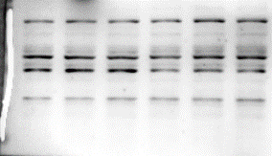

50KD
40KD
anti-METTL3

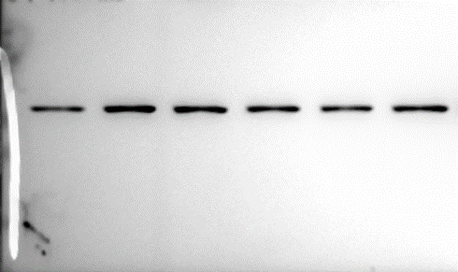
100KD
70KD
anti-Tubulin
50KD
40KD

30KD

Control
TNFa

Figure 1f

100KD

70KD
 |  |  | IP：phosphoserine
 |  |  | anti-Flag

50KD
40KD

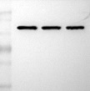
 | TNFα(ng/ml) - +
 | METTL3 - +
100KD
70KD

50KD
40KD
 |  |  | lysate
 |  |  | anti-Flag

30KD

 |  |  |  | TNFα(ng/ml) 0 20 100
 |  |  |  | METTL3 + + +
Figure 1g


 |  | Input
 |  |  | IP: Flag-METTL3

70KD
50KD

40KD
 |  |  | anti-Myc

30KD

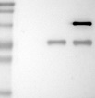
100KD
70KD

50KD
 |  |  | anti-Flag

40KD

30KD

50KD
40KD
 |  |  | Lysate

 |  |  | anti-Myc


100KD
70KD

50KD
 |  |  | anti-Flag
40KD

100KD

70KD

50KD
 |  |  | anti-Actin
40KD

-
+
Flag-METTL3
Myc-CDK9
+
+

100KD

70KD
Figure 1h

50KD
40KD
 |  |  | anti-phosphoserine

30KD

 |  |  | anti-Flag


100KD
70KD

50KD

40KD
 |  |  | anti-Myc

30KD

Flag-METTL3
+
+
-
+
Myc-CDK9

Figure 1i |  |  |  | Nuclei
120KD
100KD
70KD
anti-METTL3

100KD
anti-Lamin B1
70KD

50KD

 |  |  |  | Cytosol
100KD
120KD
70KD

anti-METTL3
50KD

40KD



anti-Tubulin

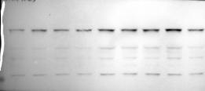
 |  |  |  | Total lysate

anti-METTL3

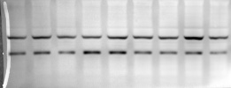

anti-CDK9

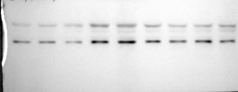

anti-pCDK9

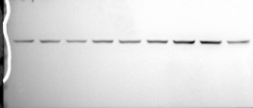

anti-Tubulin

Figure2
100KD
Figure 2a
70KD
70KD
-METTL3
anti-METTL3
50KD
50KD
-Tubulin
40KD
Mettl3^{flox/flox}
Mettl3-HKO
100KD

70KD
anti-Tubulin
50KD
40KD
 |  | Gray analysis
 |  | Mettl3flox/flox | Mettl3-HKO
 |  | 0.7665323121 | 0.10372194018
 |  | 1.3375825627 | 0.035936154331
 |  | 0.89603118318 | 0.065396619528
 | T.Test | 0.0058637165878

Mettl3^{flox/flox}
Mettl3-HKO
Figure 2b |  | Liver weight (% of B.W.)
 | Mettl3flox/flox | Mettl3-HKO
 | 5.435622 | 5.158607
 | 5.476613 | 4.951643
 | 5.076606 | 4.729386
 | 5.030303 | 4.617619
 | 5.23937 | 4.822396
 | 4.147598 | 5.743515
 | 4.619266 | 4.692115
 | 4.46015 | 4.95942
 | 4.662551 | 4.558367
T.Test | 0.96195361139

Figure 2c |  | Liver TAG (mg/g tissue)
 | Mettl3flox/flox | Mettl3-HKO
 | 28.15418 | 28.52598
 | 16.04004 | 20.84543
 | 17.53978 | 18.8896
 | 19.72599 | 17.64106
 | 14.92483 | 14.48378
 | 39.09072 | 23.47315
 | 22.85744 | 15.3243
 | 18.41541 | 45.86516
 | 34.63108
T.Test | 0.93906467738

Figure 2d |  | Serum ALT (IU/L)
 | Mettl3flox/flox | Mettl3-HKO
 | 41.69512 | 557.0835
 | 38.9728 | 24.32546
 | 135.8544 | 53.3875
 | 41.69512 | 59.71556
 | 59.71556 | 20.0855
 | 31.28772 | 69.81
 | 33.7691 | 329.6229
 | 18.086 | 135.8544
 | 28.88666 | 84.39362
 | 287.0269 | 38.9728
 | 50.34394 | 914.5998
 | 28.88666 | 204.6543
 | 44.49774 | 785.71
 | 36.3308
T.Test | 0.033237240147

Figure 2e |  | Liver weight (% of B.W.)
 | Mettl3flox/flox | Mettl3-HKO
 | 2.830296 | 3.003155
 | 2.992744 | 3.049091
 | 3.315068 | 3.070877
 | 2.951412 | 2.902134
 | 2.952795 | 3.293416
 | 2.960185 | 3.381818
 | 2.731026 | 3.313924
 | 2.914714 | 3.532319
 |  | 3.382209
 |  | 3.116438
T.Test | 0.013537767402

Mettl3^{flox/flox}
Mettl3-HKO
Mettl3^{flox/flox}
Mettl3-HKO
Figure 2f

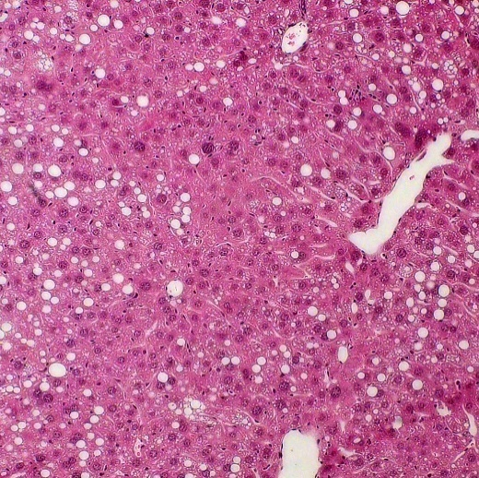
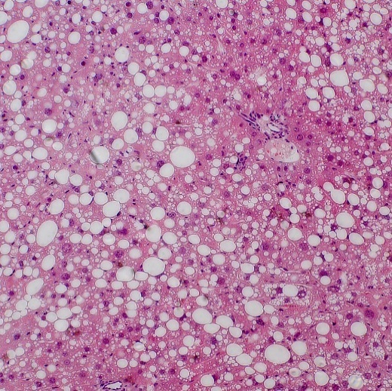
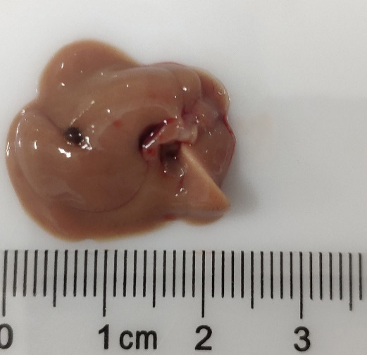
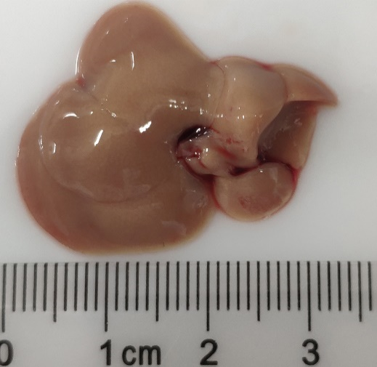

Figure 2g |  | Liver TAG (mg/g tissue)
 | Mettl3flox/flox | Mettl3-HKO
 | 90.23957 | 124.2716
 | 83.55435 | 155.8925
 | 62.57507 | 136.7099
 | 62.88798 | 90.62404
 | 64.63186 | 134.3648
 | 77.62388 | 217.4668
 | 61.26384 | 128.6315
 | 87.27213 | 98.61612
 | 72.39469 | 125.2537
 |  | 88.68712
 |  | 90.85994
T.Test | 0.00073760674736

Figure 2h |  | Serum ALT (IU/L)
 | Mettl3flox/flox | Mettl3-HKO
 | 330.89 | 839.284
 | 471.2942 | 679.3391
 | 507.973 | 444.6957
 | 287.3198 | 679.3391
 | 393.8403 | 803.5791
 | 734.5109 | 900.5268
 | 369.5835 | 346.1072
 | 436.003 | 555.7729
 | 260.0076 | 605.7411
 |  | 827.2956
T.Test | 0.0045895120243

Figure 2i |  | Liver weight (% of B.W.)
 | Mettl3flox/flox | Mettl3-HKO
 | 3.194444 | 3.713963
 | 3.239348 | 4.130546
 | 3.574603 | 3.84926
 | 3.87234 | 3.985559
 | 4.019417 | 3.996618
 | 3.44382 | 4.101492
 | 3.365759 | 3.540576
 | 3.394608
T.Test | 0.012697638021

Mettl3^{flox/flox}
Mettl3-HKO
Mettl3^{flox/flox}
Mettl3-HKO
Figure 2j

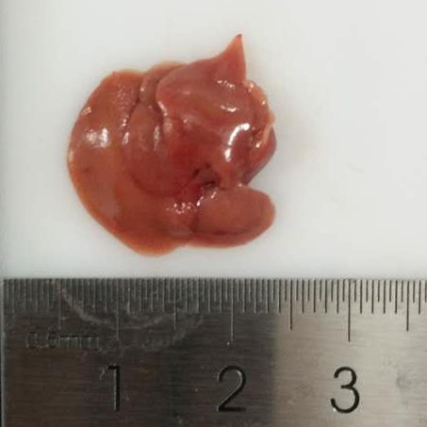
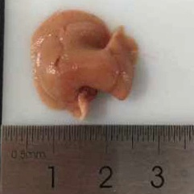
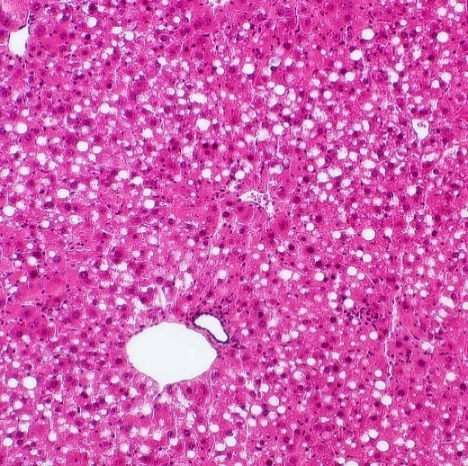
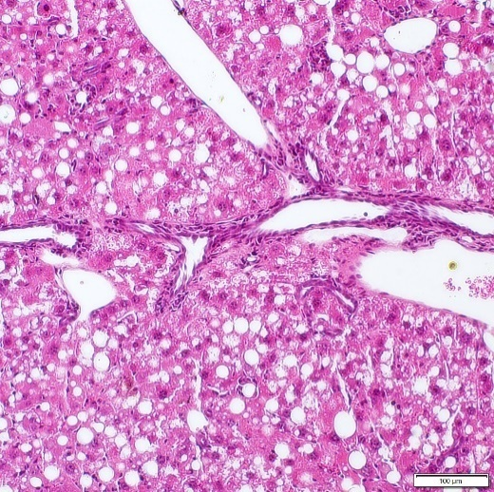

Figure 2k |  | Liver TAG (mg/g tissue)
 | Mettl3flox/flox | Mettl3-HKO
 | 74.06745 | 127.8357
 | 60.6613 | 109.4951
 | 107.7214 | 92.39183
 | 83.74599 | 178.6552
 | 86.78871 | 140.0327
 | 112.55 | 136.4667
 | 82.91815 | 231.4034
 | 105.0957 | 133.5796
 | 75.49732 | 154.3611
 |  | 181.2177
T.Test | 0.00059100417296

Mettl3^{flox/flox}
Mettl3-HKO
Figure 2l

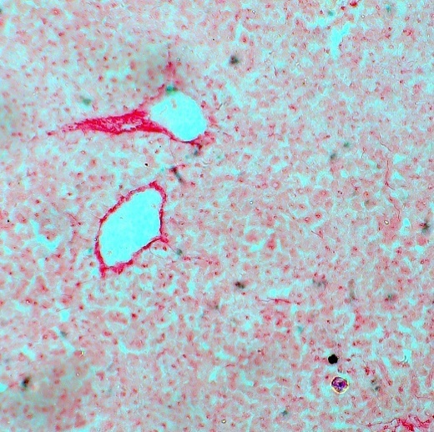
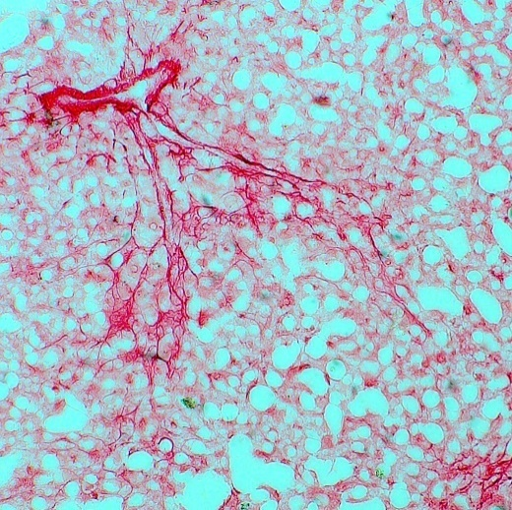

 | Sirius red positive area(%)
 | Mettl3flox/flox | Mettl3-HKO
 | 1.47375 | 6.11225
 | 1.4675 | 6.0035
 | 1.29575 | 3.78375
 | 0.5135 | 7.526667
 | 1.13025 | 3.18875
 | 1.14925 | 4.10675
T.Test | 0.00021679440447
F4/80
DAPI
Merge
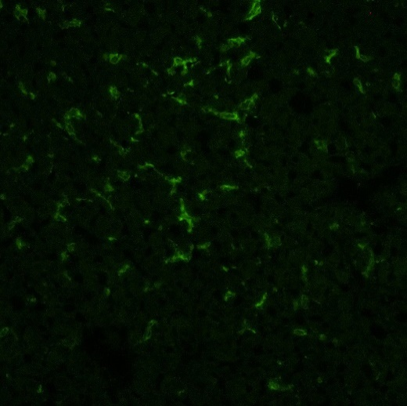
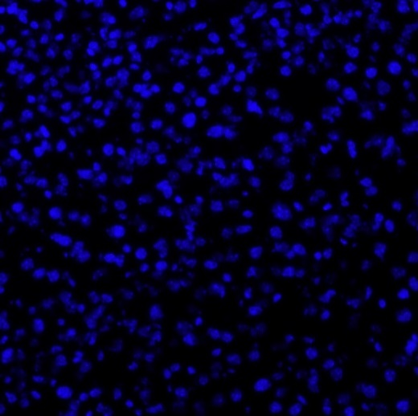
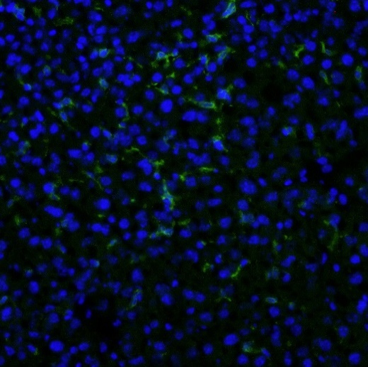
Figure 2m

Mettl3^{flox/flox}

 | F4/80 positive area (%)
 | Mettl3flox/flox | Mettl3-HKO
 | 4.372857 | 4.463167
 | 3.264 | 9.199833
 | 3.774375 | 6.582167
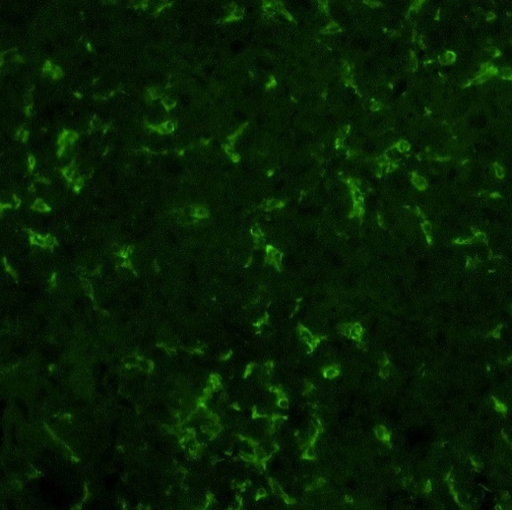
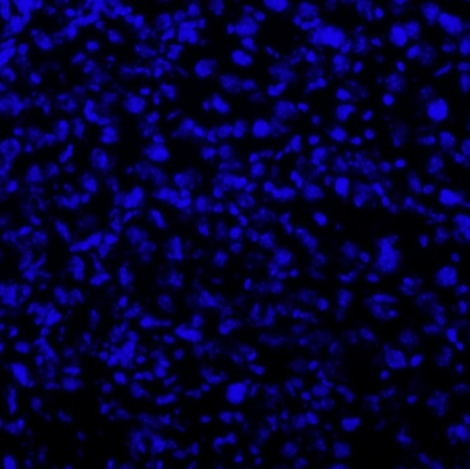
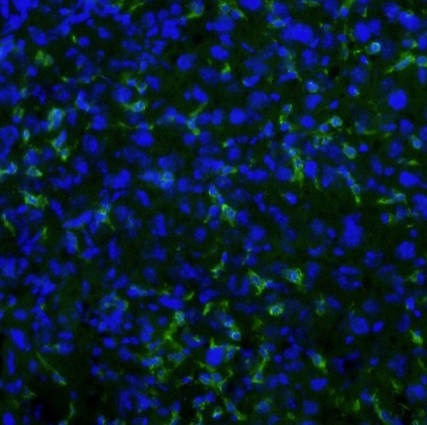
 | 4.182667 | 5.799167
T.Test | 0.043861583506

Mettl3-HKO

Figure 2n |  | Relative mRNA levels
 |  |  | Mettl3flox/flox |  |  |  |  |  |  |  |  |  |  |  |  |  |  | Mettl3-HKO |  |  |  |  |  |  |  |  |  |  |  |  |  | T.Test
 |  | Collagen1A1 | 2.124785 | 0.605969 | 0.399791 | 1.725862 | 0.16013 | 1.062393 | 1.725862 | 1.047766 | 1.289952 | 0.715645 | 0.478741 | 0.663109 |  |  |  | 11.29269 | 2.842809 | 3.089379 | 1.690344 | 3.7772 | 4.430032 | 1.849733 | 1.335442 | 1.254678 | 3.311115 | 2.765072 | 3.176234 |  |  | 0.006086753379
 |  | αSMA | 0.71988 | 0.399378 | 0.75567 | 1.185773 | 1.244726 | 0.488296 | 0.911193 | 0.42215 | 1.053966 | 2.064551 |  |  |  |  |  | 1.748149 | 0.8443 | 0.247556 | 1.619814 | 5.226438 | 4.776083 | 2.078911 | 1.724082 | 1.619814 | 2.981065 | 1.046686 | 4.304447 | 1.98045 | 1.076112 | 0.016288914015
 |  | Mmp9 | 0.666493 | 0.592407 | 0.433667 | 1.531198 | 2.593069 | 0.724301 | 0.458394 | 1.408989 | 0.286114 | 0.680497 | 0.600677 | 0.481184 | 1.585195 | 1.722687 | 1.235128 | 0.498153 | 0.923165 | 0.969062 | 1.105471 | 1.965179 | 1.296535 | 0.809252 | 1.120902 | 2.020428 | 1.911441 | 1.351593 | 1.596221 | 3.148491 | 1.342257 | 0.088436019842
 |  | Tgfb1 | 1.870092 | 0.621191 | 0.326037 | 1.159184 | 1.183541 | 1.427123 | 0.896956 | 1.508494 | 0.723522 | 1.127486 | 0.842711 | 0.728555 | 0.797253 | 1.059299 | 0.728555 | 1.447045 | 1.368988 | 1.756994 | 2.004315 | 1.781521 | 2.004315 | 1.639334 | 1.388098 | 1.044715 | 1.368988 | 1.949507 | 2.874098 | 3.46561 | 2.502048 | 0.00011772246978

Mettl3^{flox/flox}
Mettl3-HKO
Figure 2o
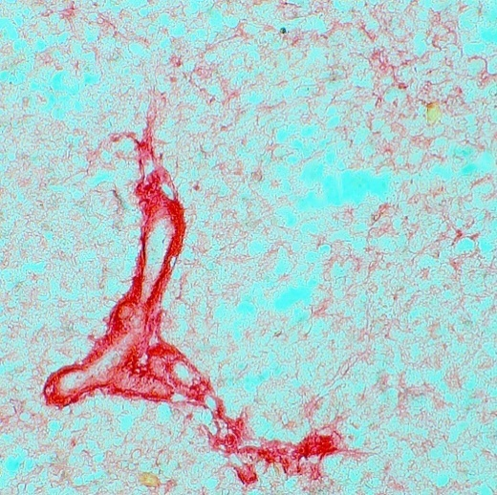
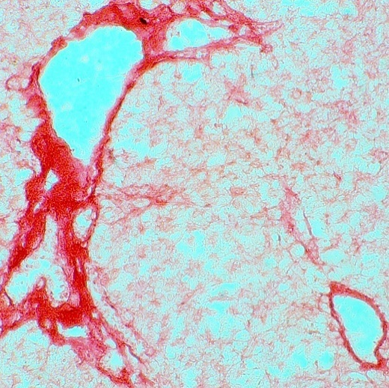

 | Sirius red positive area(%)
 | Mettl3flox/flox | Mettl3-HKO
 | 10.2 | 14.025
 | 8.65 | 15.15
 | 7.1 | 15.1
 | 10.1 | 12.16667
 | 8.9 | 14.33333
 |  | 14.8
T.Test | 4.3180922567E-05
F4/80
DAPI
Merge
Figure 2p
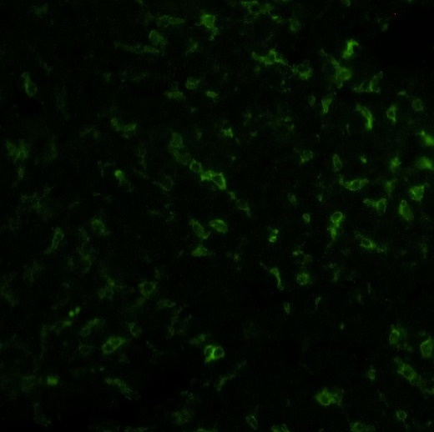
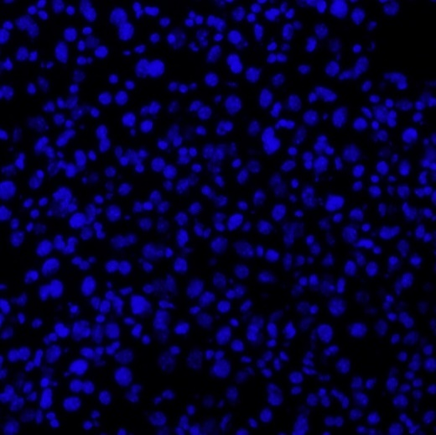
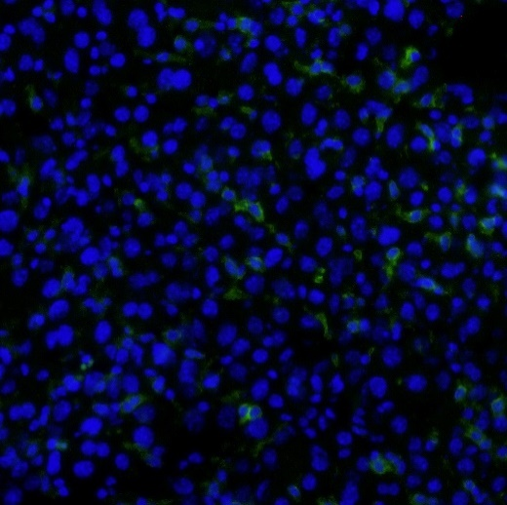

Mettl3^{flox/flox}

 | F4/80 positive area (%)
 | Mettl3flox/flox | Mettl3-HKO
 | 3.8405 | 6.046444
 | 2.411875 | 11.0772
 | 2.0702 | 3.374
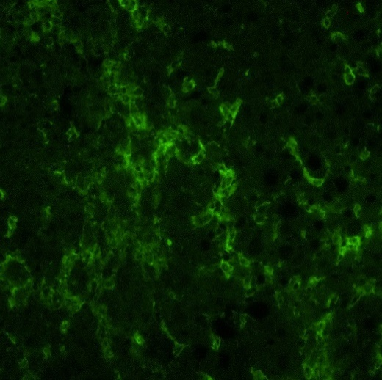
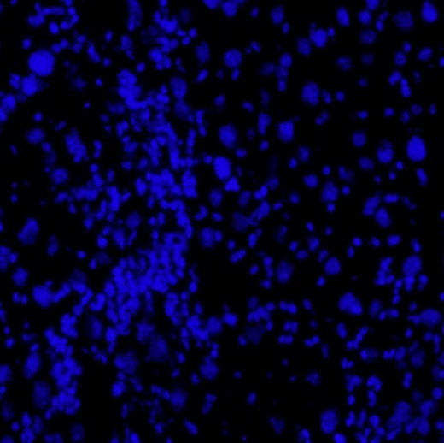
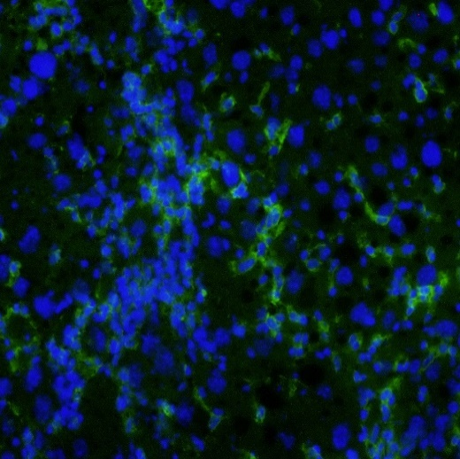
 | 4.9518 | 7.1046
 | 4.2654 | 6.152667
T.Test | 0.044551525793

Mettl3-HKO

Figure 2q |  | Relative mRNA levels
 |  |  | Mettl3flox/flox |  |  |  |  |  |  |  |  |  |  | Mettl3-HKO |  |  |  |  |  |  |  |  |  |  |  | T.Test
 |  | Collagen1A1 | 0.719934 | 0.461991 | 1.01814 | 0.724941 | 0.676394 | 1.244819 | 2.093528 | 0.892508 | 1.083678 | 0.969919 | 1.114145 | 6.944815 | 5.190726 | 2.940245 | 2.879736 | 13.98624 | 10.67331 | 2.743346 | 5.719688 | 20.61948 | 9.686237 | 19.50722 |  | 0.0004482890318
 |  | αSMA | 0.433676 | 0.59654 | 0.744679 | 1.136573 | 1.468853 | 2.304877 | 0.929605 | 1.082742 | 0.861361 | 0.609074 | 0.83202 | 3.84955 | 2.453242 | 3.192507 | 1.278711 | 4.739352 | 4.805511 | 2.106269 | 5.044425 | 11.27214 | 2.353307 | 10.22968 |  | 0.0014510337428
 |  | Mmp9 | 2.047353 | 0.415742 | 0.625794 | 0.377294 | 0.63453 | 1.398383 | 0.684802 | 1.782324 | 0.592037 | 0.63453 |  | 1.923535 | 2.061593 | 3.820496 | 5.711065 | 2.682838 | 2.555773 | 0.364442 | 2.935813 | 0.922589 | 2.503176 | 1.977613 | 1.143741 | 0.006204637275
 |  | Tgfb1 | 1.308596 | 0.636406 | 0.677372 | 1.077748 | 0.756819 | 0.98488 | 0.715994 | 1.482487 | 0.869356 | 0.822461 |  | 1.482487 | 1.667884 | 1.889519 | 2.672184 | 1.762984 | 1.29058 | 0.610481 | 1.345385 | 1.055568 | 1.812548 | 1.048277 | 0.794445 | 0.015101015071

Figure3
Figure 3a |  | Relative mRNA levels

 |  | Mettl3flox/flox |  |  |  |  |  |  |  |  |  |  |  |  | Mettl3-HKO |  |  |  |  |  |  |  |  |  |  | T.Test
 | Fatp2 | 0.953314 | 1.190051 | 0.674095 | 1.240587 | 1.014679 | 1.266655 | 0.483311 | 1.357567 | 0.683505 | 0.707608 | 0.953314 | 1.475315 |  | 0.528884 | 0.514422 | 0.257211 | 0.92084 | 0.973345 | 0.536267 | 0.841493 | 0.717486 | 1.050461 | 0.651133 | 0.688259 | 0.017120459941
 | Fatp5 | 1.101899 | 0.692551 | 0.823587 | 1.035259 | 1.414206 | 1.101899 | 0.840892 | 1.109564 | 0.959259 | 0.712021 | 0.986227 | 1.222634 |  | 0.602901 | 0.476316 | 0.33217 | 0.965931 | 0.85263 | 0.829315 | 0.757854 | 0.773778 | 0.939518 | 0.732039 | 0.586414 | 0.0029421451984
 | Cd36 | 0.982872 | 0.760529 | 1.419198 | 0.69983 | 1.193398 | 1.409395 | 0.552894 | 1.083032 | 0.955996 | 0.512305 | 0.505252 | 1.92529 |  | 3.084584 | 2.838396 | 3.193361 | 2.878018 | 3.85058 | 4.302203 | 4.675354 | 4.45392 | 4.184559 | 5.151797 | 3.771336 | 3.6248030317E-10
 | Cpt1α | 1.080155 | 0.883461 | 0.889606 | 0.97349 | 0.801758 | 1.065284 | 1.102851 | 1.506539 | 0.518077 | 2.205702 | 0.507415 | 0.717593 | 0.748066 | 0.415016 | 0.525309 | 0.551425 | 1.614668 | 1.275655 | 1.149684 | 0.94687 | 1.648596 | 1.754716 | 1.34839 | 1.570515 | 0.40174531762
 | Mcad | 1.039936 | 1.316306 | 0.956936 | 0.990682 | 0.937243 | 1.202882 | 1.381748 | 1.253963 | 0.34784 | 1.137995 | 0.997573 | 0.686102 | 0.750797 | 1.018534 | 0.84469 | 0.911614 | 2.841189 | 2.138345 | 1.460533 | 1.114576 | 1.900652 | 1.940589 | 2.291821 | 2.079872 | 0.0024463707725
 | Pparα | 0.636276 | 0.411147 | 0.881312 | 0.833772 | 0.881312 | 1.534454 | 0.810973 | 1.902274 | 0.577433 | 2.125386 | 0.654164 | 0.906089 | 0.845411 | 0.391674 | 0.331648 | 0.449915 | 0.440656 | 0.805371 | 0.816613 | 0.761927 | 1.062693 | 1.290317 | 0.845411 | 1.220714 | 0.2124018633
 | Fasn | 0.344601 | 0.206326 | 0.133323 | 0.209207 | 1.43694 | 0.770037 | 0.928517 | 1.685293 | 0.210662 | 3.953142 | 0.675019 | 1.446935 |  | 0.49758 | 0.252263 | 0.559806 | 0.097598 | 0.093623 | 0.439215 | 0.247071 | 0.142892 | 0.390393 | 0.166431 | 0.147931 | 0.039339669073
 | Scd1 | 0.095451 | 0.137825 | 0.146697 | 1.206569 | 0.732505 | 0.517959 | 3.34246 | 1.592077 | 0.216271 | 1.021656 | 0.54371 | 2.446824 |  | 1.149423 | 0.801575 | 0.674042 | 0.165043 | 0.528843 | 1.778807 | 0.933622 | 0.400788 | 1.181738 | 0.52519 | 0.403575 | 0.51192430005
 | Srebp1 | 0.471048 | 0.56407 | 1.023809 | 1.243104 | 0.709044 | 2.816585 | 0.749472 | 0.471048 | 0.625875 | 1.038101 | 1.884193 | 0.455003 | 0.948649 | 0.442561 | 1.120348 | 1.023809 | 0.354522 | 0.398858 | 0.424532 | 0.144982 | 0.289964 | 0.515465 | 0.229084 | 0.209344 | 0.025985706303
 | Chrebp | 1.128243 | 0.76529 | 1.49908 | 0.866984 | 1.067383 | 1.551945 | 0.522708 | 0.961979 | 0.689718 | 0.942182 | 1.260571 | 0.734115 | 1.009806 | 1.159962 | 0.60461 | 1.016829 | 0.530005 | 0.494512 | 0.35702 | 0.302305 | 0.377377 | 0.760003 | 0.568045 | 0.448779 | 0.0029764847739
 | Pparg | 0.860093 | 1.037107 | 1.604991 | 1.259251 | 1.869387 | 0.451427 | 0.49743 | 0.693787 | 0.412528 | 0.693787 | 1.466691 | 1.708305 | 0.445212 | 0.518554 | 1.49751 | 1.022829 | 1.368471 | 1.044321 | 1.081149 | 1.150743 | 1.158747 | 1.436507 | 1.066265 | 0.688995 | 0.60427498538
 | mtGPAT1 | 0.843903 | 0.714571 | 0.676025 | 0.644007 | 1.038966 | 1.912087 | 0.855683 | 0.861635 | 0.976132 | 1.279117 | 1.607867 | 0.572421 | 1.017584 | 0.815156 | 0.481347 | 0.78195 | 1.098206 | 1.121281 | 1.630312 | 0.760568 | 1.315078 | 1.641652 | 1.429141 | 1.607867 | 0.35797220756
 | Dgat1 | 1.425699 | 0.877621 | 0.940611 | 0.960375 | 1.022195 | 0.758736 | 0.796458 | 1.415851 | 1.348794 | 1.126361 | 0.896062 | 0.629235 | 0.801998 | 0.717808 | 0.780067 | 1.302849 | 1.455656 | 0.91489 | 1.435616 | 0.85956 | 1.073015 | 1.49658 | 1.779744 | 1.174193 | 0.15457363468
 | ApoB | 1.024523 | 0.87962 | 1.075459 | 1.296797 | 0.73967 | 1.128927 | 1.531508 | 1.128927 | 0.719443 | 1.201597 | 0.809416 | 0.724447 | 0.73967 | 0.91064 | 0.729486 | 1.105694 | 1.585516 | 1.552887 | 1.098057 | 0.949311 | 1.342529 | 1.409275 | 1.458973 | 1.46912 | 0.045313546811
 | Mttp | 0.932735 | 0.711798 | 0.900963 | 1.027786 | 0.992776 | 1.013636 | 0.932735 | 1.180616 | 0.692334 | 1.601629 | 1.013636 | 0.999681 | 0.999681 | 1.283017 | 0.726754 | 0.768192 | 0.870273 | 0.747186 | 0.721734 | 0.623966 | 0.742025 | 0.945756 | 0.939223 | 0.811993 | 0.059398749352

Figure 3b |  | Relative CD36 protein levels

100KD

 | Mettl3flox/flox | Mettl3-HKO
 | 0.93523459835 | 1.5846705538
 | 0.99006907517 | 1.6839255641
70KD
 | 1.0746964439 | 1.4711152822
50KD
average
40KD
T.test | 0.0014067913557
100KD
-CD36

-Tubulin

50KD
70KD
Mettl3^{flox/flox}
Mettl3-HKO
50KD
40KD

30KD

Mettl3^{flox/flox}
Mettl3-HKO

Figure 3c |  | Lipid uptake (fold)
Mettl3^{flox/flox}
Mettl3-HKO
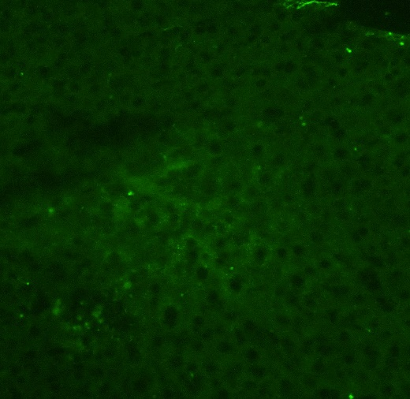
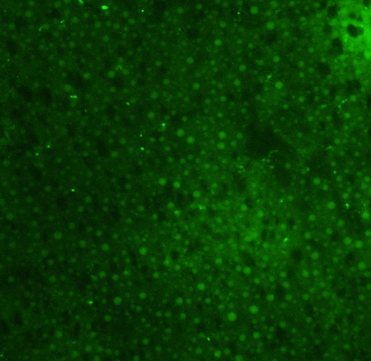
 | Mettl3flox/flox | Mettl3-HKO
 | 0.463374 | 2.155459
 | 1.036418 | 2.15751
 | 0.548902 | 1.523754
 | 1.098656 | 2.273828
 | 1.175401 | 1.012442
 | 1.354035 | 1.094486
 | 1.323214
T.test | 0.020057323856

Figure 3d |  | Lipid uptake (fold)
Mettl3^{flox/flox}
Mettl3-HKO
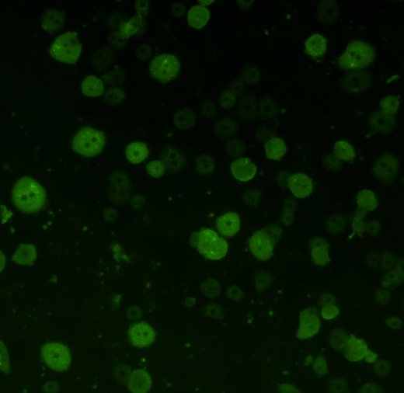
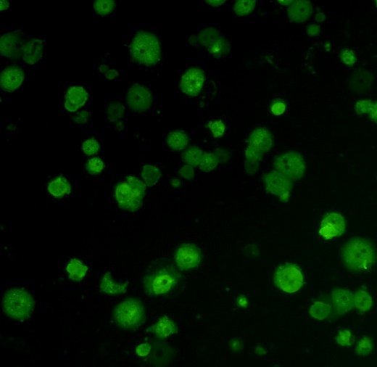
 | Mettl3flox/flox | Mettl3-HKO
 | 0.875757 | 1.901611
 | 0.918536 | 2.460088
 | 1.117803 | 2.241698
 | 1.104011 | 2.214694
 | 0.983894 | 1.905809
T.test | 1.0424750984E-05

Figure4
TUNEL
DAPI
Merge
Figure 4a

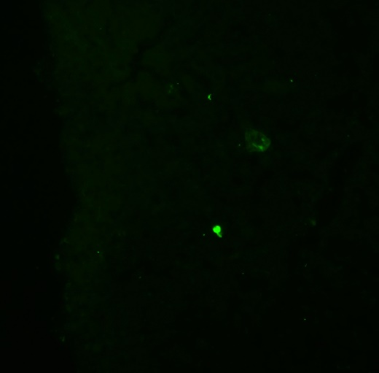
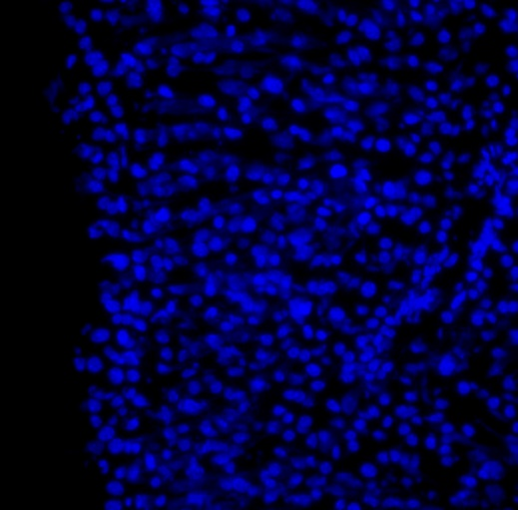
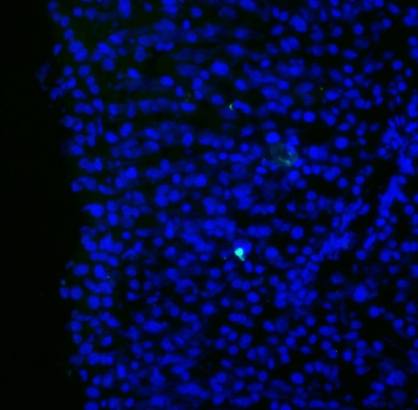

Mettl3^{flox/flox}

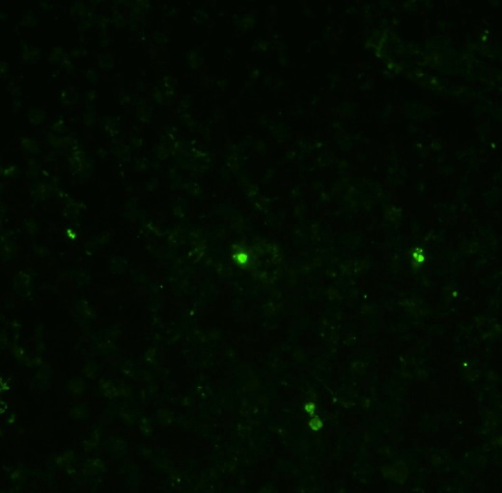
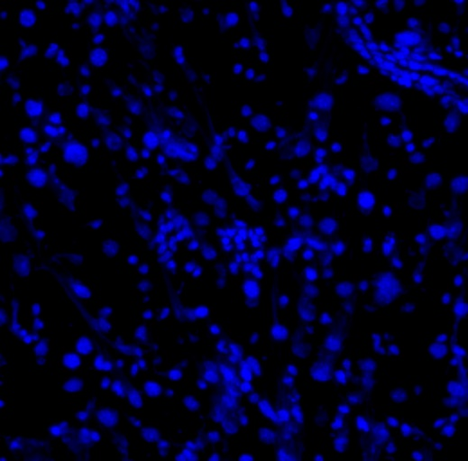
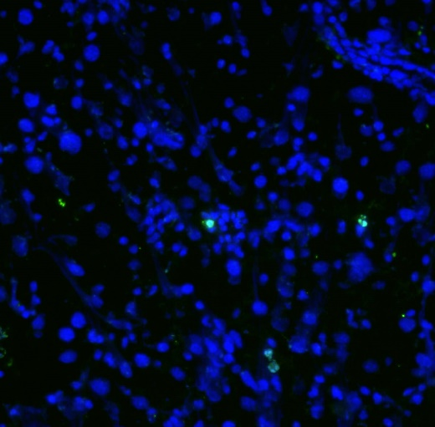

Mettl3-HKO

 |  | Mettl3flox/flox | Mettl3-HKO
 | TUNEL positive cells (%) | 0 | 0.795545
 |  | 0.071788 | 0.218818
 |  | 0.079491 | 0.282752
 |  | 0.131554 | 0.240633
 |  | 0.040626 | 0.162
 | T.test | 0.047353731565
TUNEL
DAPI
Merge
Figure 4b

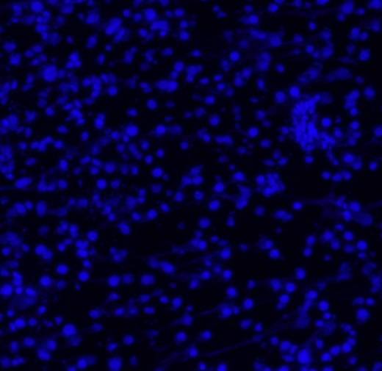
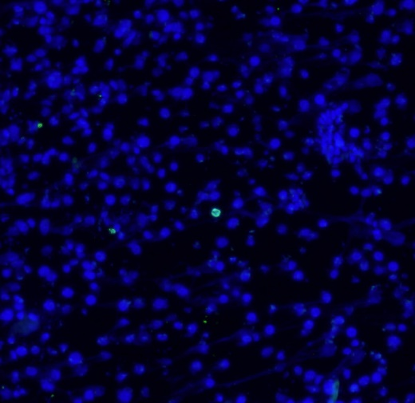

Mettl3^{flox/flox}





Mettl3-HKO

 |  | Mettl3flox/flox | Mettl3-HKO
 | TUNEL positive cells (%) | 0.195313 | 1.003344
 |  | 0.250501 | 2.268603
 |  | 0.266904 | 1.084011
 |  | 0.462657 | 1.048689
 |  | 0.333243 | 1.286904
 | T.test | 0.0026725253727

HFD
HFD
Figure 4c
-Cleaved Capase3
14KD
anti-Cleaved Capase3
14KD
-Nonspecific bands
-Tubulin
50KD

70KD
Mettl3^{flox/flox}
MCD
Mettl3-HKO
50KD
-Cleaved Capase3
anti-Tubulin
40KD
14KD
-Tubulin
30KD
50KD

Mettl3^{flox/flox}
Mettl3-HKO
MCD

anti-Cleaved caspase3
14KD
100KD
 | Mettl3flox/flox |  |  | Mettl3-HKO |  |  | T.Test
HFD | 1.0270488079 | 1.1031595198 | 0.86979181209 | 1.6845545775 | 1.4713007818 | 1.3055849827 | 0.019710351367
MCD | 0.96299709902 | 1.098766703 | 0.93823883255 | 2.7950322683 | 2.3998946203 | 2.2019454476 | 0.0012732714054
70KD
anti-Tubulin
50KD

40KD
Mettl3^{flox/flox}
Mettl3-HKO

Figure 4d
HFD
 |  | Mettl3flox/flox | Mettl3-HKO
 | Caspase 3 activity (fold) | 0.819705 | 1.420425
 |  | 1.173399 | 1.47167
 |  | 0.600851 | 1.328185
 |  | 1.025283 | 1.578058
 |  | 1.265655 | 1.532782
 |  | 1.115106
 | T.test | 0.0034291749593

MCD
 |  | Mettl3flox/flox | Mettl3-HKO
 | Caspase 3 activity (fold) | 1.198366 | 1.003631
 |  | 0.972838 | 1.590747
 |  | 0.87228 | 1.075469
 |  | 1.013195 | 1.599255
 |  | 0.943321 | 1.36871
 | T.test | 0.043282045421

Figure5
Fig5b
Go upregulated
defense response | immune system process | immune response | innate immune response | response to molecule of bacterial origin
6.539102 | 5.847712 | 5.716699 | 5.619789 | 5.60206

Go downregulated
negative regulation of gluconeogenesis | locomotor rhythm | negative regulation of lipid storage | digestion | negative regulation of insulin secretion involved in cellular response to glucose stimulus
6.352079 | 6.346768 | 6.090251 | 6.01408 | 5.305254

Fig5c | Relative mRNA levels
 | Mettl3flox/flox |  |  |  |  |  |  |  |  |  |  |  |  | Mettl3-HKO |  |  |  |  |  |  |  |  |  |  | T.Test
Infg | 1.280709 | 0.782923 | 1.523028 | 1.130486 | 1.37263 | 1.138349 | 1.18669 | 0.627176 | 1.170352 | 1.170352 | 0.534752 | 0.691089 | 0.391462 | 0.720436 | 0.585176 | 0.700736 | 0.963891 | 1.011813 | 0.957233 | 1.091977 | 1.211625 | 0.963891 | 0.383405 | 1.307619 | 0.45257394525
Il1b | 1.516501 | 0.307945 | 4.825728 | 0.927068 | 0.178098 | 2.10052 | 0.457152 | 0.376506 | 0.590802 | 0.116689 | 0.555072 | 0.473274 | 0.574646 | 2.11513 | 1.778605 | 1.302015 | 1.27522 | 1.754119 | 2.90945 | 0.387091 | 1.591896 | 1.682663 | 1.125641 | 1.424787 | 0.18694814839
Il6 | 1.134441 | 0.204757 | 0.158437 | 0.733049 | 1.507315 | 2.60626 | 2.102318 | 0.083735 | 0.500687 | 2.284663 | 1.507315 | 0.089125 | 0.087898 | 0.012023 | 0.160649 | 0.69833 | 0.213452 | 0.507676 | 0.316874 | 0.960582 | 1.250046 | 1.672471 | 0.61216 | 0.154105 | 0.2102028591
Tnfα | 0.858377 | 0.521118 | 4.406652 | 0.742099 | 0.378846 | 1.056786 | 1.213928 | 0.479527 | 0.768269 | 0.558521 | 0.615437 | 0.400447 |  | 2.188107 | 2.602112 | 4.889487 | 1.752826 | 1.301056 | 2.693875 | 1.222372 | 2.411086 | 3.137647 | 1.423737 | 2.602112 | 0.0056493382428
Ccl2 | 0.883921 | 0.432865 | 1.934537 | 0.807754 | 0.409515 | 1.058476 | 2.500105 | 0.72296 | 0.547902 | 1.134447 | 1.232843 | 0.334943 |  | 4.863479 | 8.467809 | 9.460974 | 3.895987 | 3.535682 | 32.71746 | 15.3694 | 7.170077 | 6.241915 | 4.931371 | 6.736451 | 0.002369083109
Cx3cr1 | 0.78365 | 1.246844 | 1.108249 | 1.800355 | 0.506376 | 1.187791 | 0.636522 | 1.204372 | 0.863508 | 0.938404 | 1.05576 | 0.668167 |  | 2.26307 | 1.077943 | 3.359581 | 1.123719 | 1.041225 | 3.454032 | 2.805546 | 10.04414 | 2.342877 | 4.952927 | 2.375583 | 0.008542839253
Ccr2 | 1.410427 | 0.810077 | 1.315975 | 1.244988 | 1.161615 | 1.371858 | 1.12985 | 0.613924 | 0.76638 | 0.755829 | 0.761086 | 0.657987 |  | 0.874258 | 0.793406 | 0.868219 | 0.905089 | 0.793406 | 1.861069 | 1.106598 | 2.507295 | 0.77171 | 1.186023 | 0.667172 | 0.52146011761
Ccl3 | 1.208867 | 0.941906 | 1.709596 | 0.903537 | 0.87883 | 1.651361 | 0.82568 | 0.884942 | 1.05238 | 0.909821 | 0.424447 | 0.608638 |  | 1.573149 | 0.955055 | 1.05238 | 0.903537 | 0.897296 | 1.721487 | 0.781141 | 1.794591 | 2.417734 | 1.286682 | 2.367977 | 0.046080030436
Cxcl10 | 0.341798 | 0.353852 | 1.339057 | 0.966751 | 0.722574 | 1.516996 | 0.953442 | 1.496111 | 0.702815 | 1.190211 | 1.614645 | 0.801746 |  | 4.261073 | 4.380869 | 3.055094 | 6.594288 | 2.481508 | 7.680589 | 1.779185 | 0.000249 | 3.389839 | 5.20976 | 4.662866 | 0.00014272308928

Fig5d | Relative mRNA levels
 | Mettl3flox/flox |  |  |  |  |  |  |  |  |  |  |  |  |  |  |  | Mettl3-HKO |  |  |  |  |  |  |  |  |  |  |  |  |  | T.Test
Infg | 0.987507 | 1.126512 | 0.624972 | 1.103329 | 1.17435 | 1.455851 | 0.915012 | 0.921376 | 1.150182 | 1.367805 | 1.367805 | 0.532873 | 0.727925 | 0.70802 | 0.927785 | 0.908692 | 0.980686 | 1.150182 | 0.435838 | 1.190743 | 0.693449 | 0.019941 | 0.669828 | 0.807684 | 0.785598 | 0.774782 | 0.591259 | 0.994375 | 0.753596 | 0.679178 | 0.023679614891
Il1b | 1.528808 | 0.514915 | 0.533074 | 1.672964 | 1.088549 | 0.748673 | 2.333357 | 1.276689 | 1.638535 | 0.896519 | 0.6166 | 0.642784 | 0.703395 | 0.427029 | 0.49394 | 0.884177 | 0.346856 | 1.661408 | 1.276689 | 1.250415 | 1.550149 | 0.994751 | 0.807989 | 1.349483 | 2.680323 | 1.539441 | 1.528808 | 1.40679 | 1.241778 | 1.058783 | 0.09766192713
Il6 | 1.301691 | 0.933283 | 0.852863 | 1.173149 | 0.664521 | 0.81247 | 1.537287 | 1.24004 | 1.165046 | 0.907762 | 1.087026 | 0.406235 | 0.758061 | 0.920434 | 1.404821 | 0.835312 | 0.320942 | 0.574503 | 1.141069 | 0.779373 | 0.920434 | 0.920434 | 0.590655 | 0.547293 | 0.758061 | 0.325423 | 0.870784 | 0.876841 | 1.173149 | 1.000268 | 0.035258834745
Tnfα | 0.394191 | 0.911913 | 0.581144 | 0.12217 | 1.271885 | 3.499061 | 0.523756 | 0.459128 | 0.472036 | 1.42106 | 0.868723 | 1.430944 | 1.211646 | 0.695908 | 1.325896 |  | 0.810547 | 0.593355 | 1.363172 | 3.088631 | 1.9145 | 3.219792 | 0.018932 | 2.340745 | 6.395103 | 5.052396 | 5.158557 | 2.440146 | 2.508748 | 2.037737 | 0.0042174842968
Ccl2 | 1.121111 | 0.484621 | 0.125428 | 1.176849 | 0.04109 | 5.296096 | 0.145081 | 0.230834 | 0.198186 | 1.333233 | 1.898591 | 1.458949 | 1.185035 | 0.357231 | 0.671253 |  | 0.276419 | 0.203758 | 1.859519 | 8.253061 | 4.773109 | 2.092067 | 3.770953 | 3.041808 | 12.5093 | 6.430493 | 9.09409 | 4.242543 | 6.892032 | 2.877726 | 0.00079778609702
Cx3cr1 | 2.011633 | 0.811333 | 0.558012 | 1.983938 | 0.783696 | 1.041286 | 0.554157 | 0.408488 | 0.190567 | 0.221959 | 0.365607 | 1.327183 | 1.034094 |  |  |  | 2.599739 | 4.718626 | 2.986316 | 4.023265 | 6.014175 | 2.844878 | 2.359313 | 3.267907 | 0.912798 | 3.113132 | 3.222917 | 2.47661 | 3.753839 | 1.889975 | 2.6952708557E-06
Ccr2 | 1.146341 | 1.195022 | 0.667591 | 1.289701 | 1.372719 | 1.220132 | 0.793904 | 0.705656 | 0.48533 | 0.710564 | 0.970659 | 1.170429 | 1.271945 |  |  |  | 2.154028 | 1.701771 | 1.421128 | 2.009779 | 2.474328 | 2.16901 | 1.254434 | 1.811314 | 0.601667 | 1.220132 | 1.018917 | 2.023758 | 1.587808 | 1.289701 | 0.00082032658708
Ccl3 | 1.78445 | 0.455486 | 0.449215 | 1.873167 | 0.605198 | 1.032026 | 1.619423 | 1.210396 | 0.680883 | 0.430916 | 0.519602 | 1.137195 | 1.202035 |  |  |  | 0.798564 | 1.860228 | 1.952712 | 0.53421 | 1.735654 | 1.65345 | 0.576535 | 1.270573 | 0.700026 | 1.490173 | 1.490173 | 2.387465 | 1.847379 | 1.145105 | 0.077707578253
Cxcl10 | 2.372965 | 1.914133 | 0.172742 | 1.470892 | 0.77738 | 3.219175 | 0.274845 | 0.111622 | 0.109325 | 0.231116 | 0.234343 | 1.236868 | 0.874597 |  |  |  | 4.489924 | 2.783097 | 2.982849 | 3.474225 | 4.680592 | 5.33945 | 3.828266 | 4.845653 | 0.431278 | 2.244962 | 3.045525 | 1.381936 | 5.924491 | 3.935893 | 3.243873921E-05

Fig5e | Relative mRNA levels
 | Mettl3flox/flox |  |  |  |  |  |  |  |  |  |  |  | Mettl3-HKO |  |  |  |  |  |  |  |  |  |  |  | T.Test
Infg | 0.743174 | 0.748343 | 0.476904 | 0.555466 | 0.587138 | 0.722852 | 0.865599 | 0.361426 | 0.769382 | 4.174986 | 1.080554 | 1.15011 | 0.764067 | 1.065678 | 0.674444 | 1.001229 | 1.029377 | 1.476081 | 0.73804 | 0.547819 | 2.161109 | 1.276127 | 1.134276 | 1.517579 | 0.76849812459
Il1b | 0.795029 | 0.234731 | 0.370894 | 0.423103 | 2.987792 | 0.517302 | 1.463152 | 1.238917 | 0.236364 | 0.817381 | 0.852091 | 0.60252 | 2.460719 | 0.846205 | 0.823066 | 0.692113 | 0.20014 | 0.88214 | 0.736665 | 1.172087 | 1.483577 | 0.858018 | 1.172087 | 3.432072 | 0.30871069186
Il6 | 2.365734 | 0.045194 | 0.830636 | 0.0996 | 1.446221 | 0.139883 | 0.155209 | 0.551827 | 1.6384 | 1.649796 | 2.717515 | 0.830636 | 0.529348 | 0.748611 | 0.235253 | 0.629504 | 2.661589 | 1.466409 | 1.48688 | 0.718116 | 0.616549 | 3.661127 | 0.994669 | 1.11906 | 0.61407560999
Tnfα | 0.98034 | 0.655812 | 0.790784 | 0.67425 | 1.683373 | 0.543878 | 2.08689 | 1.182102 | 0.847541 | 0.683662 | 0.871368 |  | 3.921362 | 1.671745 | 0.374063 | 2.753668 | 2.772822 | 2.267897 | 1.683373 | 1.021971 | 4.59911 | 4.929204 | 1.10294 | 5.103032 | 0.003341293762
Ccl2 | 0.83415 | 0.741428 | 0.845795 | 1.055831 | 1.77569 | 0.925548 | 1.383554 | 0.610634 | 1.041295 | 0.654461 | 1.131612 |  | 6.226319 | 3.178573 | 4.282281 | 3.178573 | 3.551379 | 1.863971 | 2.053919 | 2.924884 | 7.053696 | 2.156033 | 9.437334 |  | 0.00032904182056
Cx3cr1 | 0.341702 | 0.15398 | 0.279479 | 0.37134 | 0.747845 | 0.582695 | 6.684464 | 0.920706 | 0.295414 | 0.594938 | 0.637639 | 0.389802 | 2.205051 | 2.830019 | 4.17221 | 5.620942 | 2.396306 | 1.754198 | 0.325519 | 2.622262 | 1.064969 | 2.429757 | 1.157339 | 0.603243 | 0.075322622552
Ccr2 | 0.665827 | 0.32381 | 0.415586 | 0.390452 | 2.738182 | 0.703791 | 2.133495 | 1.331653 | 0.508112 | 1.508609 | 0.684546 | 0.595932 | 1.18363 | 3.017217 | 3.638184 | 6.034434 | 2.467788 | 1.685549 | 0.474085 | 1.56181 | 1.151264 | 2.554814 | 1.259821 | 0.791806 | 0.030645669142
Ccl3 | 1.05446 | 0.553442 | 0.593164 | 0.49879 | 1.41079 | 0.815922 | 1.598262 | 1.039942 | 0.720217 | 1.927197 | 0.850571 | 0.937249 | 1.004518 | 1.420603 | 1.512048 | 2.596384 | 1.253971 | 0.970301 | 0.576944 | 1.761133 | 1.169996 | 1.228164 | 0.937249 | 0.686106 | 0.2095007016
Cxcl10 | 0.72451 | 0.560613 | 0.552895 | 0.58442 | 0.694996 | 0.955996 | 2.436951 | 1.607788 | 0.588485 | 1.389992 | 1.017534 | 0.885815 | 0.867585 | 1.419199 | 2.063477 | 3.494478 | 2.575901 | 0.885815 | 0.76053 | 2.289571 | 1.210059 | 1.834106 | 0.923432 | 1.389992 | 0.038117695011

Fig5f | Relative mRNA levels
 | Mettl3flox/flox |  |  |  |  |  | Mettl3-HKO |  |  |  |  |  | T.Test
Infg | 1.144318 | 1.563184 | 1.052987 | 0.885453 | 0.719211 | 0.63485 | 0.276334 | 0.572159 | 1.075112 | 0.826157 | 1.2697 | 2.917004 | 0.70773244756
Il1b | 1.272749 | 1.040984 | 1.163078 | 1.714691 | 0.21884 | 0.589657 | 0.538847 | 1.08519 | 1.187517 | 0.193171 | 0.25313 | 0.234547 | 0.16979959811
Il6 | 1.14138 | 1.320221 | 0.532473 | 1.035824 | 0.71241 | 1.257692 | 1.110169 | 1.198125 | 0.732438 | 0.651022 | 1.087322 | 1.730008 | 0.68448654541
Tnfα | 0.502569 | 1.849832 | 1.37306 | 1.40191 | 0.452941 | 0.419689 | 0.86898 | 0.725674 | 0.912182 | 0.94435 | 1.42148 | 2.230542 | 0.60206955713
Ccl2 | 0.912177 | 0.887233 | 0.881105 | 0.893405 | 1.162625 | 1.263465 | 29.39269 | 27.23492 | 30.64087 | 40.1516 | 29.803 | 38.78389 | 5.3498498806E-08
Cx3cr1 | 0.775753 | 1.304656 | 0.866739 | 1.530146 | 0.612877 | 0.90983 | 0.770395 | 0.786582 | 1.674429 | 0.837215 | 0.935409 | 1.617392 | 0.65320658492
Ccr2 | 0.979143 | 1.394349 | 1.148374 | 1.423648 | 0.499859 | 0.554628 | 0.870305 | 1.013673 | 0.888591 | 0.795312 | 1.064069 | 1.752716 | 0.77451840794
Ccl3 | 1.059814 | 1.009619 | 0.903634 | 1.082083 | 0.885038 | 1.059814 | 0.897392 | 1.074608 | 0.765148 | 0.90992 | 0.754614 | 1.234401 | 0.48402440663
Cxcl10 | 0.954935 | 1.388449 | 0.749227 | 1.378858 | 0.526124 | 1.002411 | 3.638829 | 3.124173 | 2.700964 | 3.348405 | 1.95 | 2.627106 | 5.2683327392E-05

Fig5g
 | NC |  |  |  |  |  |  |  |  | NC
25KD
-CCL2
25KD

anti-CCL2
-Tubulin
14KD
50KD

Mettl3^{flox/flox}
Mettl3-HKO

100KD
anti-Tubulin
70KD

50KD
40KD

Mettl3^{flox/flox}
Mettl3-HKO
25KD
 | HFD |  |  |  |  |  |  |  |  | HFD
-CCL2


-Tubulin
25KD
50KD
anti-CCL2

Mettl3^{flox/flox}
Mettl3-HKO
14KD

100KD
anti-Tubulin
70KD
50KD

Mettl3^{flox/flox}
Mettl3-HKO

 | MCD |  |  |  |  |  |  |  |  | MCD
25KD
-CCL2


-Tubulin
50KD
anti-CCL2
25KD
Mettl3^{flox/flox}
Mettl3-HKO

14KD
100KD
Gray Level
 |  | Mettl3flox/flox |  |  | Mettl3-HKO |  |  | T.Test
 | NC | 0.91288006947 | 1.1790898294 | 0.90803325099 | 2.7659189414 | 2.4965738388 | 1.8280852065 | 0.0096137331002
 | HFD | 0.89924954469 | 1.2166909296 | 0.88405887655 | 1.7195361597 | 1.7921869328 | 1.898328854 | 0.0026075922015
anti-Tubulin
70KD
 | MCD | 1.0637110148 | 0.95805589445 | 0.97823216842 | 1.5431231179 | 1.5965485952 | 2.0572020565 | 0.011676307775
50KD

Mettl3^{flox/flox}
Mettl3-HKO

Figure6
Fig6a
 | IgA+IgG2b | Anti-CD36+Anti-CCL2
ALT (IU/L) | 333.6347 | 212.2431
 | 401.5064 | 283.1956
 | 371.7991 | 238.0794
 | 178.7028 | 248.9015
 | 350.6101 | 152.0451
 | 307.7017 | 74.69144
T.Test | 0.020376199156

Fig6b
 | IgA+IgG2b | Anti-CD36+Anti-CCL2
Liver Weight (%of B.W.) | 5.745509 | 4.598413
 | 5.000571 | 5.102857
 | 5.039766 | 4.908743
 | 5.330994 | 4.543165
 | 5.656633 | 5.060556
 | 5.251546 | 5.252174
T.Test | 0.032477511944
IgA+IgG2b
Anti-CD36+Anti-CCL2
Fig6c



Fig6d
 | IgA+IgG2b | Anti-CD36+Anti-CCL2
Liver TAG (mg/g) | 116.8424 | 76.87
 | 131.4477 | 52.2716
 | 140.6721 | 83.7883
 | 63.0334 | 52.2716
 | 143.7469 | 56.1151
 | 73.7952 | 62.2647
T.Test | 0.010813171475
TUNEL
DAPI
Merge

Fig6e

IgA+IgG2b





Anti-CD36+
Anti-CCL2

 | IgA+IgG2b | Anti-CD36+Anti-CCL2
TUNEL positive cells(%) | 0.850694 | 0.504804
 | 0.428266 | 0.208587
 | 0.554726 | 0.146177
 | 1.005855 | 0.329979
 | 0.403023 | 0.188679
30KD
 | 0.774927 | 0.27553
T.Test | 0.005888955433
25KD
25KD
anti-Cleaved
Capase3
Fig6f
-Cleaved Capase3
14KD
70KD

50KD
-Tubulin
70KD
IgA+IgG2b
Anti-CD36+Anti-CCL2
anti-Tubulin
50KD
40KD

IgA+IgG2b
Anti-CD36+Anti-CCL2
 |  | IgA+ IgG2b | Anti-CD36+ Anti-CCL2
 | Relative Cleaved Capase3 levels | 0.99527213815 | 0.35099046651
 |  | 0.81715592769 | 0.49992146238
 |  | 1.3155410442 | 0.25286155731
 |  | 0.87203263561 | 0.55479176182
 | T.Test | 0.0042744849766

Figure7
Fig7b

100KD
70KD
50KD
anti-Flag
70KD
-Flag METTL3
40KD

40KD
-Actin
30KD

liver
liver
WAT
Muscle
BAT
Heart
Spleen
Kidney
Brain
100KD


Control
Mettl3-HOE
70KD
50KD
anti-Actin
40KD

30KD

liver
liver
WAT
Muscle
BAT
Heart
Spleen
Kidney
Brain

Control
Mettl3-HOE

Fig7c | Serum ALT (IU/L)
 | Control | Mettl3-HOE
ALT (IU/L) | 712.182 | 346.1072
 | 575.5 | 240.4341
 | 480.3338 | 555.7729
 | 546.0395 | 246.8719
 | 555.7729 | 192.054
 | 273.4903 | 215.5502
 | 723.3031 | 266.7056
 | 410.4452
 | 453.4751
 | 565.5931
T.Test | 0.0024113091491

Control
Mettl3-HOE
Fig7d




Fig7e | Liver TAG
 | Control | Mettl3-HOE
Liver TAG (mg/g) | 73.09441 | 44.83159
 | 87.69891 | 55.83777
 | 57.15694 | 45.48196
 | 54.51773 | 38.12996
 | 48.08253 | 47.52552
 | 50.41788 | 45.36928
 | 48.49349 | 51.76431
 | 95.35694
 | 74.56526
 | 51.86668
TUNEL
DAPI
Merge
T.Test | 0.02429111194
Fig7f | TUNEL positive cells (%)



 | Control | Mettl3-HOE
TUENL positive cells(%) | 2.16961 | 0.477165
 | 1.273817 | 0.366015
 | 1.675965 | 0.122495
Control
 | 1.002419 | 0.361561
 | 1.538623 | 0.286495
 | 1.385004 | 0.119393
average | 1.507573 | 0.288854
T.Test | 3.4831353096E-05





Mettl3-HOE

Control
Mettl3-HOE


Fig7g | Sirius red positive area(%)
 | Control | Mettl3-HOE
Sirius red positive area(%) | 9.58625 | 4.7195
 | 13.5385 | 7.06425
 | 9.96675 | 5.39925
 | 12.41875 | 5.18525
 | 14.613 | 5.43175
average | 12.02465 | 5.56
T.Test | 0.00029019382454

Fig7h | Relative mRNA levels
 |  | Control |  |  |  |  |  |  |  | Mettl3-HOE |  |  |  |  |  |  |  | T.Test
 | Collagen1A1 | 1.974816 | 0.633633 | 0.222476 | 0.374158 | 1.44565 | 1.626441 | 0.722825 |  | 0.299726 | 0.463846 | 0.575034 | 0.435794 | 0.260927 | 0.470321 | 0.195023 |  | 0.036455824544
 | aSMA | 1.569282 | 0.757913 | 0.521271 | 0.460127 | 1.693613 | 1.328782 | 0.669012 |  | 0.615617 | 0.493152 | 0.737188 | 0.817961 | 0.611364 | 1.274653 | 0.417574 |  | 0.21691260332
 | Mmp9 | 1.286293 | 0.708687 | 0.884675 | 0.866469 | 0.775511 | 1.322456 | 1.089163 | 1.066748 | 0.703791 | 0.587728 | 0.501117 | 0.501117 | 0.684546 | 0.836954 | 0.600077 | 0.656661 | 0.0011435644804
 | Tgfb1 | 1.16984 | 0.96347 | 0.58492 | 1.186171 | 1.076473 | 1.186171 | 0.832956 |  | 0.761181 | 0.635653 | 0.667256 | 0.832956 | 0.667256 | 0.782581 | 0.485086 |  | 0.007187053026

Fig7i | Lipid uptake (fold)
 | Control | Mettl3HOE
Lipid uptake (fold) | 0.999059 | 0.574125
 | 1.014521 | 0.643015
 | 0.975263 | 0.815522
 | 0.961968 | 0.809057
 | 0.932104 | 0.772611
 | 0.915121 | 0.827561
 | 1.060144 | 0.556001
 | 1.106149 | 0.771189
 | 1.035671 | 0.67875
 |  | 0.653185
 |  | 0.705291
average | 1 | 0.70966427273
T.Test | 3.530976274E-07

Fig7j | Cd36 mRNA levels
 | Control | Mettl3-HOE
Cd36 mRNA level | 0.660923 | 0.656358
 | 1.518402 | 0.421193
 | 1.029936 | 0.563526
 | 0.723244 | 0.379601
 | 0.890418 | 0.791441
 | 0.603972 | 0.563526
 | 1.073672 | 0.559633
 | 1.1996
 | 1.708291
 | 0.591543
average | 1.0000001 | 0.56218257143
T.Test | 0.012187881426

Fig7k | Ccl2mRNA levels
 | Control | Mettl3-HOE
Ccl2 mRNA level | 0.621158 | 0.587651
 | 1.135267 | 0.770054
 | 0.694012 | 0.544511
 | 1.368914 | 0.474024
 | 0.537014 | 0.34942
 | 0.738686 | 0.390402
 | 0.723484 | 0.49074
 | 1.368914
 | 2.004208
 | 0.808339
average | 0.9999996 | 0.51525742857
T.Test | 0.017765865768

Fig7l

100KD
-CD36
100KD
70KD
25KD
Anti-CD36
-Ccl2
50KD

40KD
70KD
-METTL3
25KD
-Tubulin
50KD
Anti-Ccl2
Control
Mettl3-HOE
14KD

100KD
70KD
 | Relative protein levels
Anti-METTL3
50KD
40KD
 |  | Control |  |  | Mettl3-HOE |  |  | T.Test
 | CD36 | 0.90191715608 | 1.083361661 | 1.0147204101 | 0.75635508861 | 0.66383264661 | 0.58738654485 | 0.010072316431
 | CCL2 | 0.94297317058 | 1.0904173219 | 0.9666102022 | 0.62575778055 | 0.71252324027 | 0.88348033024 | 0.042682602058

Anti-Tubulin
70KD

50KD

Control
Mettl3-HOE

Figure8
Fig8a | Nascent mRNA levels
 | Mettl3flox/flox |  |  |  |  | Mettl3-HKO |  |  |  |  | T.TEST
Ccl2 | 0.907783 | 0.32095 | 0.395136 | 1.347625 | 2.028509 | 2.100044 | 2.042618 | 1.659122 | 1.71763 | 3.161084 | 0.026062358262
Cd36 | 0.372416 | 0.580346 | 1.723075 | 1.652884 | 0.67128 | 2.13611 | 1.361301 | 1.520964 | 1.699353 | 2.436796 | 0.043989220092
IP-Flag
Input
IP-Flag
Input
IP-Flag
Input
IP-Flag
Input


Fig8d
 |  |  |  |  |  |  |  |  |  |  |  |  |  |  |  |  |  |  | Promoter enrichment(% of input)
Cd36
100bp-
100bp-
100bp-
250bp-
250bp-
500bp-
Cd36
Ccl2
Actb
Ccl2
100bp-
750bp-
500bp-
750bp-
 |  |  |  |  |  |  |  |  |  |  |  |  |  |  |  |  |  |  |  | Control |  |  | Mettl3-HOE |  |  | T.Test
 |  |  |  |  |  |  |  |  |  |  |  |  |  |  |  |  |  |  | Cd36 | 0.109052 | 0.080054 | 0.090708 | 0.535571 | 0.459677 | 0.533312 | 9.3538267235E-05
 |  |  |  |  |  |  |  |  |  |  |  |  |  |  |  |  |  |  | Ccl2 | 0.146006 | 0.155293 | 0.090583 | 0.413573 | 0.451492 | 0.374775 | 0.00070525453725
1000bp-
1000bp-
 |  |  |  |  |  |  |  |  |  |  |  |  |  |  |  |  |  |  | Actb | 0.027592 | 0.036614 | 0.006649 | 0.010686 | 0.029987 | 0.015377 | 0.6660030316
2000bp-
2000bp-
Actb
100bp-
Control
Mettl3-HOE
Control
Mettl3-HOE
Control
Mettl3-HOE
Control
Mettl3-HOE
Control
Mettl3-HOE
Control
Mettl3-HOE
Control
Mettl3-HOE
Control
Mettl3-HOE

Fig8e
 | METTL3(ng) | 0 | 50 | 100 | 200 |  |  | METTL3(ng) | 0 | 50 | 100 | 200
 | Cd36 luciferase activity | 1.158205 | 0.631671 | 0.373127 | 0.219627 |  |  | Ccl2 luciferase activity | 1.280237 | 0.738072 | 0.475501 | 0.464632
 |  | 0.957634 | 0.71129 | 0.369064 | 0.243191 |  |  |  | 1.112761 | 0.811886 | 0.469305 | 0.489102
 |  | 1.044054 | 0.619438 | 0.453796 | 0.19084 |  |  |  | 1.039914 | 0.528832 | 0.495029 | 0.487726
 |  | 0.945657 | 0.626937 | 0.416402 | 0.239437 |  |  |  | 0.756793 | 0.725396 | 0.543511 | 0.509429
 |  | 0.825409 | 0.572059 | 0.405586 | 0.292712 |  |  |  | 0.958768 | 0.638974 | 0.554647 | 0.505637
 |  | 1.069041 | 0.53694 | 0.346573 | 0.178811 |  |  |  | 0.851526 | 0.526711 | 0.547241 | 0.50452
 | T.Test |  | 2.8455420474E-05 | 2.5789752501E-07 | 2.694292397E-08 |  |  | T.Test |  | 0.0038001170916 | 9.9289478436E-05 | 6.1450270982E-05

Fig8f
 | D395A(ng) | 0 | 50 | 100 | 200 |  |  | D395A(ng) | 0 | 50 | 100 | 200
 | Cd36 luciferase activity | 1.030983 | 0.54256 | 0.369553 | 0.224813 |  |  | Ccl2 luciferase activity | 0.884791 | 0.568491 | 0.288012 | 0.197066
 |  | 0.967505 | 0.467682 | 0.379851 | 0.169272 |  |  |  | 1.070125 | 0.505656 | 0.272019 | 0.129264
 |  | 1.004962 | 0.425515 | 0.312419 | 0.180246 |  |  |  | 1.040438 | 0.445101 | 0.276875 | 0.146086
 |  | 0.937735 | 0.52062 | 0.342736 | 0.191838 |  |  |  | 1.076049 | 0.464695 | 0.379569 | 0.152617
 |  | 0.993886 | 0.47601 | 0.387533 | 0.208836 |  |  |  | 0.957971 | 0.676901 | 0.355484 | 0.191477
 |  | 1.064929 | 0.588239 | 0.403867 | 0.177317 |  |  |  | 0.970627 | 0.628371 | 0.38754 | 0.148995
 | T.Test |  | 1.4245279071E-08 | 8.6341671049E-11 | 2.4344131036E-12 |  |  | T.Test |  | 3.1284933377E-06 | 6.3824867518E-09 | 1.8087174486E-10

Fig8g | Relative mRNA levels
 |  | βGal |  |  |  |  |  | METTL3 |  |  |  |  |  | D395A |  |  |  |  |  |  | T.Test
 | Cd36 | 1.004638 | 0.874588 | 0.816019 | 1.004638 | 0.756114 | 1.544003 | 0.076239 | 0.405191 | 0.163422 | 0.569069 | 0.372852 | 0.455864 | 0.481856 | 0.329118 | 0.365179 | 0.465443 | 0.422398 | 0.425336 |  | 0.00077345522062 | 0.00059335487643 | 0.37037239962
 | Ccl2 | 0.617185 | 2.119575 | 1.488413 | 0.749383 | 0.592043 | 0.433401 | 0.008395 | 0.006146 | 0.015558 | 0.013544 | 0.008874 | 0.011155 | 0.002789 | 0.005462 | 0.005313 | 0.00469 | 0.003579 | 0.005313 |  | 0.0043685984879 | 0.0042085928615 | 0.0022692203977

Fig8h

100KD
100KD
-CD36
anti-CD36
70KD
25KD
-Ccl2
50KD

70KD
-Flag
30KD
25KD

50KD
-Tubulin
anti-CCL2

βGal
METTL3
D395A
14KD

100KD
70KD

anti-Flag
50KD
40KD
30KD
70KD
 | βGal |  |  | METTL3 |  |  | D395A
CD36 | 1.316489 | 0.832826 | 0.8506863 | 0.2745584 | 0.33631 | 0.215192 | 0.23213 | 0.367121 | 0.330749
CCL2 | 0.988713 | 1.091134 | 0.9201525 | 0.549977 | 0.526159 | 0.441991 | 0.44824 | 0.387143 | 0.313598
anti-Tubulin
50KD
40KD
30KD

βGal
METTL3
D395A
 |  | T.Test | 0.55164535045 | 0.55164535045
 |  |  | 0.072857173092 | 0.072857173092

Figure9
Input
IP: Flag METTL3
Figure 9a

70KD
50KD
100KD

70KD
50KD
100KD

IP: Flag-METTL3

Anti-HA
70KD
Anti-HA

Anti-Flag
70KD

Input
Anti-HA
70KD

70KD
50KD
100KD
Anti-Flag
70KD
50KD
100KD
70KD
Anti-Actin
40KD
HA-HDAC1
Flag-METTL3
+
+
+
-
Anti-Flag

HA-HDAC1
Flag-METTL3
+
+
+
-

50KD
Anti-Actin
40KD

HA-HDAC1
Flag-METTL3
+
+
+
-

Input
IP: Flag METTL3
IP: Flag-METTL3
Anti-HA
70KD
70KD
50KD
100KD
40KD

70KD
50KD
100KD
40KD


Anti-Flag
70KD
Anti-HA
Input
Anti-HA
70KD

Anti-Flag
70KD

Anti-Actin
40KD


100KD
HA-HDAC2
Flag-METTL3
+
+
+
-
70KD
50KD
100KD
40KD
Anti-Flag
70KD

50KD

40KD

HA-HDAC2
Flag-METTL3
+
+
+
-


70KD

50KD
Anti-Actin
40KD

HA-HDAC2
Flag-METTL3
+
+
+
-

Input
IP: HA-HDAC1
Figure 9b

70KD
50KD
100KD
40KD

70KD
50KD
100KD
40KD
IP: HA-HDAC1
Anti-Flag
70KD

Anti-HA
70KD
Anti-Flag

Input

Anti-Flag
70KD

Anti-HA
70KD


70KD
50KD
100KD
40KD
70KD
50KD
100KD
40KD
Anti-Actin
40KD
HA-HDAC1
Flag-METTL3
+
+
+
-
Anti-HA


HA-HDAC1
Flag-METTL3
+
+
+
-

Anti-Actin
50KD

40KD

HA-HDAC1
Flag-METTL3
+
+
+
-

Input
IP: HA-HDAC2









Figure 9c










IP-Flag METTL3
Figure 9d
70KD
IP-Flag METTL3
Anti-HDAC1
Anti-HDAC1
50KD

Anti-HDAC2
70KD

Anti-Flag
Anti-HDAC2
50KD

Input

100KD
Anti-HDAC1
70KD
Anti-Flag
50KD
Anti-HDAC2
40KD
Anti-Flag

Input
Anti-Tubulin
100KD


Anti-HDAC1
70KD

50KD
40KD

 |  | NC |  |  | MCD |  |  | T.Test
 | HDAC1 | 0.89052918671 | 1.0344559067 | 1.0750143773 | 0.20765686126 | 0.36066851744 | 0.61103854807 | 0.0095854694159
 | HDAC2 | 0.56389618838 | 1.0246091287 | 1.4114946504 | 0.30958907003 | 0.11587693244 | 0.37410734632 | 0.046200542298
100KD

Anti-HDAC2
70KD

50KD
40KD


100KD

Anti-Flag
70KD

50KD
40KD


100KD

70KD
Anti-Tubulin
50KD
40KD

Figure 9e |  | H3K9ac (% of input)
 | Control |  |  |  |  |  | Mettl3-HOE |  |  |  |  |  | T.Test
Ccl2 | 5.069797 | 12.31144 | 2.606164 | 1.907824 | 8.888427 | 3.438855 | 0.46714 | 0.15625 | 2.871746 | 0.708052 | 2.465582 | 1.96146 | 0.033402920777
Cd36 | 3.253355 | 7.845841 | 1.921094 | 2.7357342532 | 8.705506 | 1.907824 | 0.122591 | 0.038525 | 1.907824 | 0.698304 | 2.044755 | 1.767767 | 0.029997910343
Actb | 6.689638 | 6.328783 | 6.973718 | 3.895823 | 13.47234 | 4.569157 | 10.28114 | 5.547847 | 7.371346 | 4.08951 | 6.241653 | 5.904963 | 0.8044839964

Figure 9f |  | H3K27ac (% of input)
 | Control |  |  |  |  |  | Mettl3-HOE |  |  |  |  |  | T.Test
Ccl2 | 4.829682 | 12.57013 | 1.719427 | 1.975103 | 11.48698 | 2.812646 | 0.384733 | 0.049102 | 1.604282 | 0.927827 | 1.44586 | 2.348807 | 0.040063995428
Cd36 | 5.9049633071 | 9.5263799804 | 2.1464135911 | 2.002674694 | 11.48698355 | 3.3915108186 | 0.18840747308 | 0.032395294758 | 2.0447551464 | 1.9344562419 | 1.9078240112 | 2.0306309909 | 0.02585198593
Actb | 5.783441 | 3.660214 | 2.754763 | 2.31647 | 3.344819 | 3.977682 | 1.036649 | 1.804911 | 3.660214 | 2.851909 | 2.131587 | 7.422618 | 0.65273203363

Figure 9g |  | Cd36 mRNA levels

 | βGal | METTL3 | METTL3+TSA
 | 1.177247 | 0.498414 | 1.090823
 | 1.03916 | 0.461825 | 1.129291
 | 0.666842 | 0.704864 | 0.930074
 | 1.16104 | 0.461825 | 1.201984
 | 1.075806 | 0.804084 | 0.771328
 | 0.879904 | 0.512427 | 1.459442
T.Test |  | 0.0015651908838 | 0.00092730090224

Figure 9g |  | Ccl2 mRNA levels

 | βGal | METTL3 | METTL3+TSA
 | 1.045765 | 0.321872 | 0.65273
 | 0.9623 | 0.421779 | 1.003165
 | 1.287488 | 0.49126 | 0.666446
 | 0.704445 | 0.552696 | 0.72425
T.Test |  | 0.0053617185532 | 0.016692168223

Figure 9h


 |  |  |  |  |  |  |  |  |  |  |  |  |  |  |  |  | βGal |  |  |  |  | METTL3 |  |  |  |  | METTL3+TSA |  |  |  |  | T.Test
 |  |  |  |  |  |  |  |  |  |  |  |  |  |  |  | CD36 | 1.019986 | 0.980014 | 0.99921 | 1.079665 | 0.920335 | 0.478513 | 0.726327 | 0.796612 | 0.565214 | 0.573004 | 1.132665 | 0.84853 | 1.135599 | 0.779649 | 0.833053 | 0.00038388526215 | 0.011214531874
 |  |  |  |  |  |  |  |  |  |  |  |  |  |  |  | CCL2 | 1.055284 | 0.944715 | 1.0211 | 1.031659 | 0.96834 | 0.475369 | 0.773901 | 0.591372 | 0.540085 | 0.568442 | 0.915608 | 0.740972 | 0.645479 | 0.826248 | 0.857238 | 5.9108847466E-05 | 0.016702918678


Figure 9i |  | H3K9ac (% of input)

 | Mettl3flox/flox |  |  |  |  |  |  | Mettl3-HKO |  |  |  |  |  |  | T.Test
Ccl2 | 0.052992 | 0.967228 | 0.061296 | 0.563282 | 0.149885 | 0.14885 | 0.112807 | 0.547879 | 2.348807 | 2.161343 | 1.095757 | 2.588162 | 5.396141 | 3.120826 | 0.0037409963053
Cd36 | 0.082009 | 1.695755 | 0.101667 | 0.225614 | 0.220971 | 0.259162 | 0.170983 | 0.660636 | 3.391511 | 1.637992 | 1.349035 | 1.396609 | 5.396141 | 2.482731 | 0.011325690047
Actb | 2.030631 | 5.105061 | 2.517389 | 5 | 5.547847 | 4.352753 | 3.685673 | 3.584888 | 4.665165 | 5.105061 | 3.391511 | 3.737123 | 5.703819 | 5.034778 | 0.49874241696

Figure 9j |  | H3K27ac (% of input)

 | Mettl3flox/flox |  |  |  |  |  |  | Mettl3-HKO |  |  |  |  |  |  | T.Test
Ccl2 | 0.094859 | 0.160643 | 0.060452 | 0.055627 | 0.101667 | 0.042157 | 0.039608 | 0.429857 | 0.384733 | 0.717936 | 0.940779 | 1.386962 | 3.368084 | 2.237563 | 0.0097052466664
Cd36 | 0.127948 | 0.198008 | 0.055308 | 0.126186 | 0.083252 | 0.046832 | 0.040769 | 0.418595 | 0.583833 | 0.591983 | 1.208844 | 3.466856 | 4.768806 | 3.66453 | 0.012626262176
Actb | 0.708052 | 0.708052 | 0.418102 | 1.20742 | 0.774817 | 0.824692 | 0.473661 | 0.712977 | 0.717936 | 1.088188 | 1.224275 | 0.712977 | 0.688691 | 0.647041 | 0.47361718131

Supplemental Figure 1
Figure S1a |  | Mettl3 mRNA levels

WT | db/db |  | T.Test
1.070999 | 2.141997 |  | 0.0001644316489
1.132065 | 1.7764
0.811665 | 1.903899
1.034516 | 1.645991
0.98552 | 1.600981
0.965238 | 2.618892

Figure S1b |  | Mettl3 mRNA levels

NC | HFD |  | T.Test
1.118597 | 1.660583 |  | 0.0017957470428
1.080493 | 1.486263
0.796469 | 1.207221
0.908583 | 1.258487
0.953754 | 1.486263
1.142101 | 1.241161

Figure S1c |  | Mettl3 mRNA levels

NC | MCD |  | T.Test
1.09709 | 0.786589 |  | 0.12299751034
1.175832 | 0.533545
0.713845 | 0.77576
0.803117 | 0.955072
0.666041 | 0.621438
1.16771 | 1.379057
1.143679 | 0.819992
1.242876 | 0.770401
0.797569 | 0.770401
1.192246 | 0.935417
 | 0.928956

Figure S1d |  | Relative protein levels

 | WT |  |  | db/db |  |  | T.Test
Nuclei | 0.8571864 | 0.731427 | 1.411384 | 1.759368 | 1.762075 | 2.534677 | 0.037331185867
Cytosol | 1.394477 | 1.25873 | 0.346797 | 3.787612 | 4.322129 | 4.298831 | 0.0010876558587
Total lysate | 0.7542055 | 1.223653 | 1.022143 | 1.538897 | 1.306372 | 1.562713 | 0.041635581547

Figure S1e |  | Relative protein levels
 | NC |  |  | HFD |  |  | T.Test
Nuclei | 0.871733 | 1.458551 | 0.669712 | 2.055199 | 3.60312 | 2.446032 | 0.031002175948
Cytosol | 1.167539 | 0.959516 | 0.87295 | 2.373028 | 4.674987 | 5.937576 | 0.033576524156
Total lysate | 1.46635 | 1.013215 | 0.520433 | 1.947333 | 1.96273 | 3.124688 | 0.047582267671

Figure S1f |  | Relative protein levels
 | NC |  |  |  | MCD |  |  |  | T.Test
Nuclei | 1.203709 | 0.902647 | 0.988518 | 0.905127 | 0.265202 | 0.249054 | 0.175574 | 0.113278 | 5.4183833972E-05
Cytosol | 0.695635 | 0.662166 | 1.287002 | 1.355193 | 11.4958 | 11.74689 | 10.3972 | 10.03435 | 6.1155812077E-07
Total lysate | 1.111576 | 0.901218 | 0.951895 | 1.035309 | 1.270167 | 1.300569 | 1.240985 | 0.675267 | 0.46575020481

Figure S1g |  | Relative protein levels
 | Normal |  |  |  | NASH |  |  |  | T.Test
Nuclei | 1.022496 | 1.093286 | 0.757097 | 1.127121 | 0.144765 | 0.342622 | 0.190879 | 0.472491 | 0.00071918561341
Cytosol | 0.151216 | 1.436768 | 0.711993 | 1.700024 | 2.052995 | 2.926721 | 1.93558 | 4.435607 | 0.034610967305
Total lysate | 0.801463 | 0.722568 | 2.300506 | 0.175466 | 0.534334 | 1.684362 | 2.114258 | 2.90597 | 0.27379983918

Nuclei
Figure S1h
Nuclei
100KD

70KD
70KD
-METTL3
Anti-METTL3
50KD
70KD
-LaminB1
Cytosol
100KD

70KD
70KD
-METTL3
Anti-LaminB1
50KD
-Tubulin
40KD
50KD
Total lysate
-METTL3
70KD
Cytosol
-Tubulin
50KD
100KD

Control
PA
Anti-METTL3
70KD

50KD

100KD

70KD
 | Relative protein levels
Anti-Tubulin
50KD
 |  | Control |  |  | PA |  |  | T.Test
 | Nuclei | 0.929983 | 0.992914 | 1.077103 | 1.007444 | 0.784506 | 1.121674 | 0.80258370778
 | Cytosol | 0.816256 | 1.177953 | 1.00579 | 1.21897 | 1.310145 | 0.967044 | 0.32181280481
 | Total lysate | 0.9045 | 1.083663 | 1.011836 | 0.9393958 | 0.740242 | 0.98601 | 0.29057679933
Total lysate

100KD

Anti-METTL3
70KD

50KD

100KD


Anti-Tubulin
70KD

50KD

Control
PA

Figure S1i |  | Relative protein levels

 | Control |  |  | TNFa |  |  | T.Test
Nuclei | 0.948005 | 1.027987 | 1.024007 | 0.299468 | 0.362073 | 0.480269 | 0.00046702413142
Cytosol | 1.161241 | 1.039794 | 0.798967 | 1.559213 | 1.856583 | 2.165369 | 0.013690231705
Total lysate | 1.13348 | 0.977727 | 0.888793 | 0.942491 | 1.709694 | 1.481657 | 0.18812269984

Figure S1j
70KD
100KD

50KD
40KD
pCDK9
50KD
40KD
Anti-pCDK9
50KD
CDK9
40KD
30KD

-Tubulin
50KD
70KD


Control
TNFα
50KD
Anti-CDK9
40KD

30KD
Relative protein levels
 | Control |  |  | TNFα |  |  | T.Test
pCDK9 | 1.445883 | 0.579898 | 0.9742191 | 2.892966 | 5.379869 | 4.890995 | 0.013363834239
100KD

CDK9 | 1.106258 | 0.969972 | 0.9237696 | 1.508578 | 1.527852 | 1.386047 | 0.0025476042559
70KD

Anti-Tubulin
50KD
40KD

30KD

Control
TNFα

Figure S1k

70KD
50KD
100KD
40KD
30KD

50KD
40KD
pCDK9
Anti-pCDK9
50KD
40KD
CDK9

-Tubulin
70KD
50KD
100KD
40KD
30KD

48KD

NC
MCD
Anti-CDK9

Relative protein levels
 | NC |  |  |  | MCD |  |  |  | T.Test
pCDK9 | 1.46788 | 1.421228 | 1.274479 | 0.722996 | 1.5717 | 1.78299 | 1.799011 | 1.77959 | 0.029203394635
100KD

CDK9 | 0.858068 | 0.854268 | 1.159033 | 1.045256 | 1.088539 | 0.868941 | 1.015627 | 0.810247 | 0.74678886937
75KD
63KD
Anti-Tubulin
48KD
35KD

NC
MCD

Figure S1l
70KD
100KD

50KD
40KD
pCDK9
50KD
Anti-pCDK9
40KD
50KD
40KD
CDK9
30KD

70KD

50KD
-Tubulin
50KD
Normal
NASH
Anti-CDK9
40KD

30KD

Relative protein levels
 | Normal |  |  | NASH |  |  |  | T.Test
pCDK9 | 0.818525 | 0.937219 | 1.244254 | 4.7735 | 5.077636 | 3.373109 | 5.9653 | 0.0020120094305
100KD
CDK9 | 0.677491 | 1.029884 | 1.292623 | 3.351624 | 2.46819 | 1.767086 | 1.931514 | 0.027453830779
70KD
Anti-Tubulin
50KD
40KD

30KD
Normal
NASH

Figure S1m
Relative METTL3 protein levels
 | Control |  |  | TNFα |  |  | TNFα+Bay |  |  | T.Test
Nuclei | 0.849157 | 1.00897 | 1.141872 | 0.492668 | 0.775844 | 0.662513 | 0.828774 | 1.053462 | 1.068021 | 0.039205640332 | 0.039676893435
Cytosol | 0.874814 | 0.815435 | 1.30975 | 2.303815 | 2.215939 | 2.312659 | 1.635425 | 1.861217 | 1.870247 | 0.0012977745934 | 0.004126489005
Total lysate | 0.611812 | 1.135065 | 1.253122 | 0.918748 | 1.497819 | 1.486416 | 0.959081 | 1.129148 | 1.178371 | 0.33449795165 | 0.35368687341

Figure S1n
Relative pCDK9 levels
 | Control | TNFα | TNFα+Bay
 | 1.023276 | 1.846333 | 0.611133
 | 0.915989 | 1.963605 | 0.755101
 | 1.060738 | 1.569756 | 1.277814
T.Test |  | 0.0031169106498 | 0.017533415027

Supplemental Figure3
Figure S3b


P1+p2
1000bp-
750bp-
2000bp-
750bp-
P3+p4
500bp-
P1+p2
1000bp-
750bp-
WT
HE
HO
500bp-

250bp-

100bp-



2000bp-
1000bp-
P3+p4
750bp-
500bp-

250bp-
100bp-

WT
HE
HO

Figure S3c |  | Serum TAG
 |  | Control | Mettl3-HOE
 |  | 99.03846 | 75
 |  | 104.8077 | 117.3077
 |  | 110.5769 | 53.84615
 |  | 63.46154 | 97.11538
 |  | 97.11538 | 96.15385
 |  | 82.69231 | 94.23077
 |  | 100.9615 | 73.07692
 |  | 55.76923 | 66.34615
 |  | 33.65385

Figure S3d |  | Liver weight
 |  | Control | Mettl3-HOE
 |  | 4.464948 | 4.749451
 |  | 4.505096 | 4.74433
 |  | 4.8925 | 4.650711
 |  | 4.513065 | 4.498864
 |  | 4.560526 | 4.896648
 |  | 4.879781 | 4.783815
 |  | 4.795939 | 4.32439
 |  | 4.177922 | 4.418367
 |  | 4.733636

Figure S3e |  | Liver TAG
 |  | Control | Mettl3-HOE
 |  | 29.64923 | 25.64692
 |  | 49.72304 | 37.55671
 |  | 30.93258 | 30.41097
 |  | 29.66318 | 35.66112
 |  | 31.89131 | 38.05025

Figure S3f |  | Relative mRNA levels
 | Control |  |  |  |  |  |  |  | Mettl3-HOE
Cpt1α | 1.017949 | 0.82112 | 0.782231 | 1.235989 | 1.306463 | 1.352535 | 0.572626 | 0.91109 | 0.832583 | 0.745183 | 0.657775 | 1.091011 | 1.419778 | 2.290505 | 1.676748 | 0.657775
Mcad | 0.96536 | 0.864022 | 0.870031 | 1.056388 | 1.355795 | 1.078585 | 0.767979 | 1.041844 | 0.598382 | 0.83459 | 0.83459 | 1.238968 | 1.716107 | 2.495172 | 1.852071 | 0.906978
Pparα | 1.053057 | 0.76027 | 1.120843 | 1.067757 | 1.03856 | 1.097776 | 1.478961 | 0.382779 | 0.95567 | 0.719259 | 1.541766 | 1.060382 | 1.226531 | 0.879395 | 0.709357
Fasn | 1.475899 | 1.232505 | 1.166021 | 0.381987 | 0.289492 | 0.341888 | 2.191006 | 0.921205 | 1.45558 | 0.790915 | 1.174131 | 1.358104 | 0.607768 | 2.551939 | 1.001105 | 1.072958
Scd1 | 1.719538 | 0.807773 | 0.722977 | 0.94084 | 0.802193 | 0.994485 | 0.525594 | 1.486605 | 1.486605 | 0.688735 | 1.868682 | 0.934341 | 1.134472 | 1.560514 | 1.817583 | 0.743302
Srebp1 | 0.698013 | 0.871351 | 1.141812 | 0.98032 | 1.198579 | 1.043424 | 0.790767 | 1.275732 | 0.543867 | 0.655799 | 0.683648 | 1.141812 | 1.695047 | 1.249478 | 1.284605 | 0.835855
Chrebp | 0.932594 | 0.828929 | 1.463397 | 0.939081 | 1.049223 | 0.926152 | 0.972197 | 0.888425 | 0.900827 | 0.558381 | 0.870141 | 0.95219 | 1.205241 | 1.557596 | 1.273961 | 0.606812
Pparg | 1.160041 | 0.825978 | 0.596327 | 1.458187 | 1.278255 | 1.009874 | 0.942246 | 0.729094 | 1.105099 | 0.760055 | 1.438112 | 1.082357 | 1.530683 | 1.573717 | 1.060082
mtGPAT1 | 0.490876 | 0.73889 | 0.897156 | 1.052216 | 1.175628 | 1.089322 | 1.388408 | 1.167507 | 1.378817 | 0.981752 | 1.757386 | 1.832015 | 0.749204 | 1.066905 | 1.066905
Dgat1 | 0.921501 | 0.99451 | 1.073303 | 1.008393 | 1.095855 | 1.285258 | 0.743321 | 0.877857 | 1.080769 | 0.890111 | 0.877857 | 1.073303 | 1.743586 | 1.215928 | 2.381809 | 1.015407
ApoB | 0.850384 | 0.874291 | 0.874291 | 1.004297 | 1.153634 | 1.098996 | 1.153634 | 0.990471 | 0.745451 | 0.70524 | 0.963386 | 0.950123 | 0.99736 | 0.782513 | 1.10664
Mttp | 0.695386 | 0.956533 | 0.88019 | 1.10641 | 1.343398 | 1.244776 | 0.862076 | 0.91123 | 1.306662 | 0.92395 | 1.137516 | 1.004089 | 1.324903 | 1.244776 | 1.343398

Supplemental Figure9
Anti-Flag
DAPI
Merge
Figure S9




NC





MCD

