4J
Percentage band-density vs wild-type

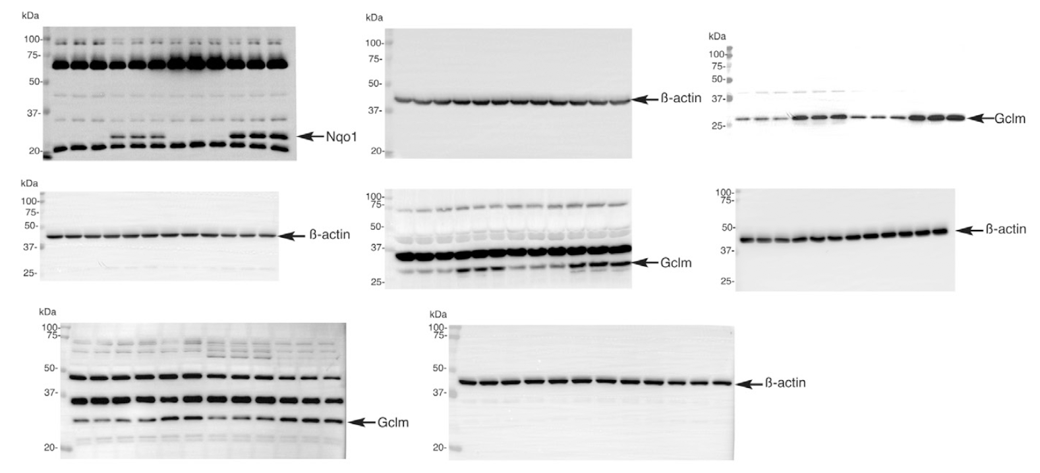
 | Nqo1 |  |  | Gclm
WT-Cortex | 104.79325 | 90.7530023 | 104.453747 | 41.5921408 | 137.602289 | 120.80557
GFAP-Nrf2 - Cortex | 595.441417 | 539.875751 | 580.955625 | 436.054063 | 381.12993 | 378.976793
APP - Cortex | 87.6950324 | 101.933952 | 121.450104 | 152.487743 | 143.491904 | 177.278172
APP x Nrf2 - Cortex | 886.80479 | 984.185916 | 1036.31217 | 721.723951 | 759.659023 | 711.565309

WT-Hippo | 74.0070734 | 111.97938 | 114.013547 | 110.88061 | 86.0346188 | 103.084771
GFAP-Nrf2 - Hippo | 245.486561 | 216.458205 | 209.923444 | 145.94266 | 219.180528 | 202.273323
APP - Hippo | 107.35553 | 130.179298 | 146.893134 | 113.4936 | 145.621533 | 137.038657
APP x Nrf2 - Hippo | 427.85927 | 369.854481 | 415.500574 | 301.647103 | 292.076725 | 280.08713

8A
Relative BACE-1 expression

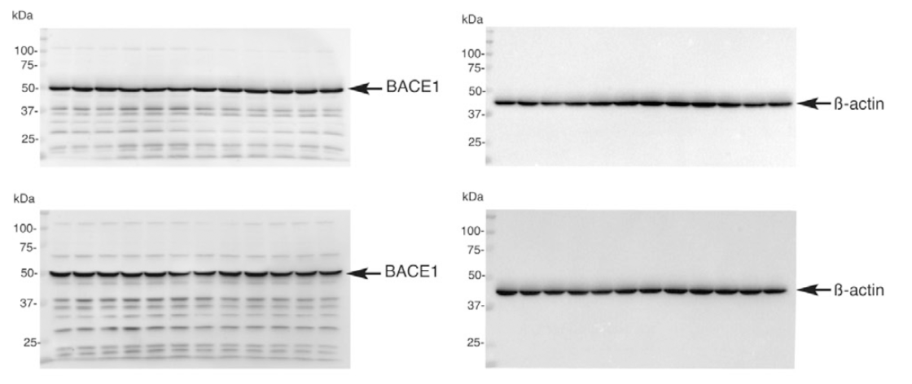
 | Cortex |  |  | Hippo
WT | 95.3249079 | 101.919581 | 102.755511 | 103.601982 | 99.1635899 | 97.2344279
GFAP-Nrf2 | 99.5313919 | 92.3095795 | 94.7447913 | 103.713447 | 97.0713012 | 85.601898
APP | 94.4424662 | 93.6924036 | 96.4925522 | 93.0675389 | 106.220151 | 114.095714
APPx GFAP Nrf2 | 99.3583791 | 96.1386044 | 96.1396266 | 101.773616 | 104.339 | 104.433619

8B
Relative APP-CTF expression

Cortex
 | WT |  |  | GFAP-Nrf2 |  |  | APP/PS1 |  |  | APP/PS1-Nrf2.2
APP-CTF99 | 0.05229943 | 0.09785988 | 0.07258005 | 0.05354348 | 0.03517238 | 0.11765696 | 1.2844158 | 0.97221172 | 0.74337248 | 0.70146337 | 0.6788389 | 0.68031376
APP-CTF83 | 0.24886602 | 0.32759968 | 0.3005804 | 0.34756429 | 0.39445431 | 0.53418486 | 1.56640958 | 1.15486408 | 0.94699779 | 1.10892368 | 1.04199519 | 1.03828127

Hippocampus

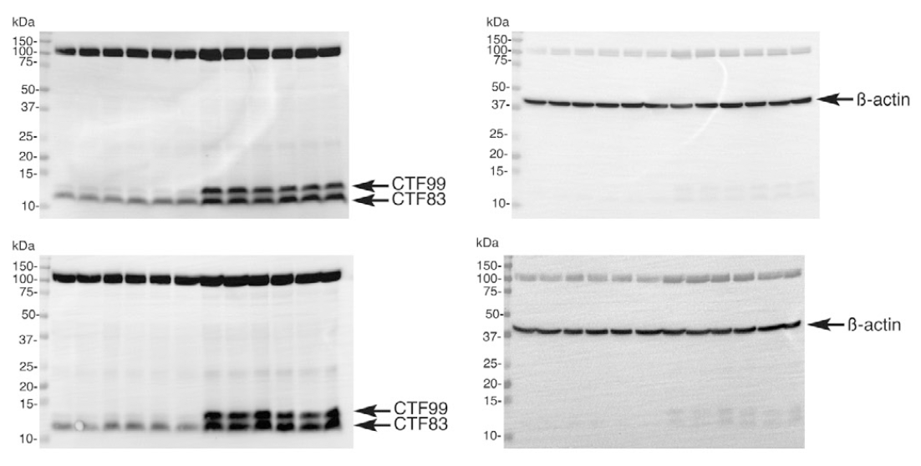
 | WT |  |  | GFAP-Nrf2 |  |  | APP/PS1 |  |  | APP/PS1-Nrf2.2
APP-CTF99 | 0.03344169 | 0.05121325 | 0.10152788 | 0.11962865 | 0.10912184 | 0.10898362 | 0.91984212 | 1.03588886 | 1.04426903 | 0.75861983 | 0.66754377 | 1.03174032
APP-CTF83 | 0.48475499 | 0.32527407 | 0.53876914 | 0.52231719 | 0.53016843 | 0.44650905 | 1.00217326 | 1.17082337 | 1.18860459 | 1.01859638 | 0.90668473 | 1.30357413

S5DEF
Relative band density compared to WT
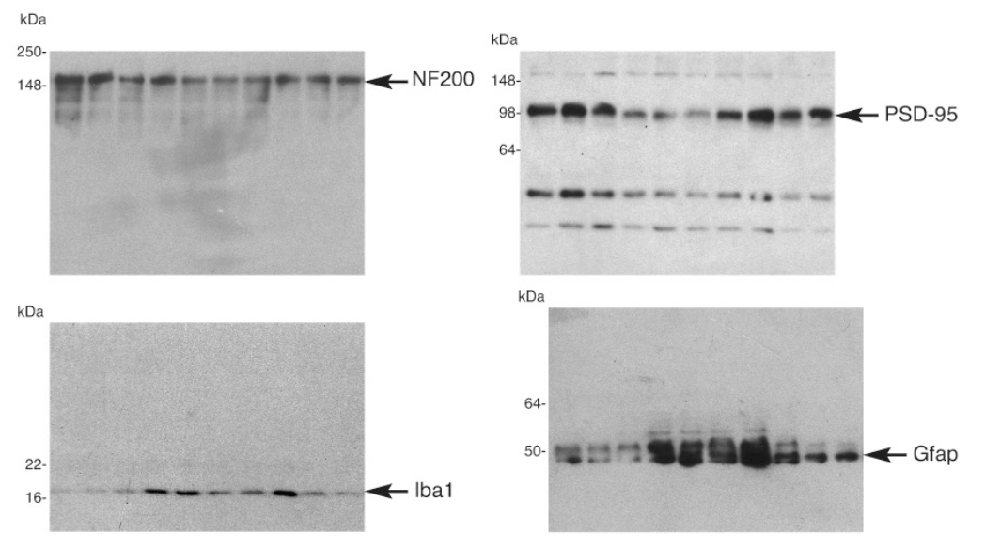
 |  | PSD-95 |  |  |  | NF200 |  |  |  | Iba1 |  |  |  | Gfap
 | WT | 94.6469932 | 128.681694 | 76.6713128 |  | 124.613062 | 113.910894 | 61.4760444 |  | 36.4762619 | 90.1834937 | 173.340244 |  | 123.834375 | 96.9042075 | 79.2614179
 | P301S | 55.3032667 | 43.8057009 | 46.8464561 | 65.9628821 | 98.1535344 | 59.8995476 | 66.5530366 | 60.7542538 | 948.410583 | 1022.28953 | 709.345727 | 589.041588 | 276.184167 | 277.593405 | 300.962083 | 292.074072
 | P301S x Nrf2 | 131.367552 | 131.515557 | 184.111841 |  | 90.5268587 | 122.867632 | 157.209531 |  | 1546.90577 | 845.067203 | 650.162189 |  | 205.390959 | 142.744942 | 182.063719

S8D
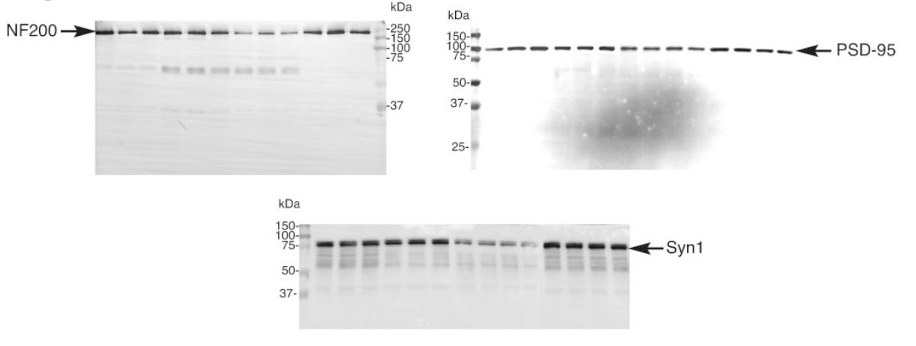
 | NF200
WT | 128.438506 | 79.9523819 | 91.6091116
GFAP-Nrf2 | 84.7617644 | 72.5656458 | 86.7010719
APP-PS1 | 24.9448171 | 37.9058875 | 25.4176702
APP-PS1 X GFAP-Nrf2 | 80.4006775 | 103.546996 | 92.138646

 | PSD-95
WT | 79.0742128 | 106.944964 | 113.980823
GFAP-Nrf2 | 102.298823 | 102.520873 | 110.893815
APP-PS1 | 73.754449 | 71.0648606 | 65.4386997 | 70.4046662
APP-PS1 X GFAP-Nrf2 | 132.28067 | 134.520096 | 128.730284 | 121.530058

 | Syn-1
WT | 109.375503 | 94.3738898 | 96.2506075
GFAP-Nrf2 | 94.601071 | 93.2331372 | 91.1821598
APP-PS1 | 47.864784 | 47.0809076 | 43.8756171 | 21.3304719
APP-PS1 X GFAP-Nrf2 | 116.373896 | 108.673691 | 117.939169 | 110.406673

